Assumptions
ANOVA assumptions for Interest/Enjoyment by Type

Shapiro-Wilk normality test for Interest/Enjoyment by Type
W | p.value
0.94401218315 | 0.027696932095

Plots for normality test
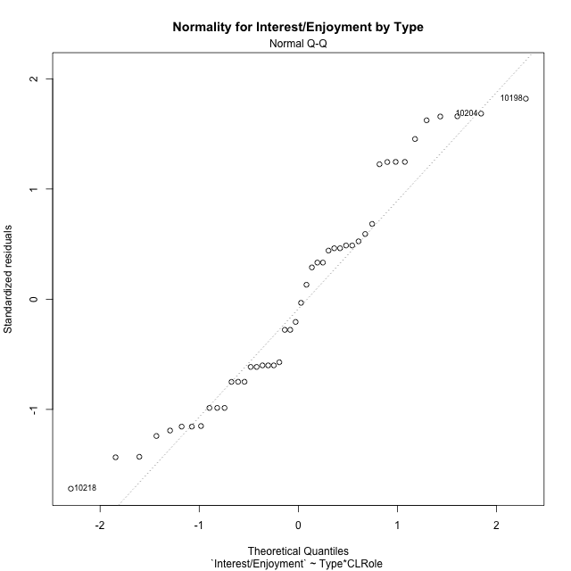

Levene's Test for Homogeneity of Variance in Interest/Enjoyment by Type
Df | F value | Pr(>F)
3 | 0.74459212175 | 0.53156560798
42

Plots for homogeneity of variance
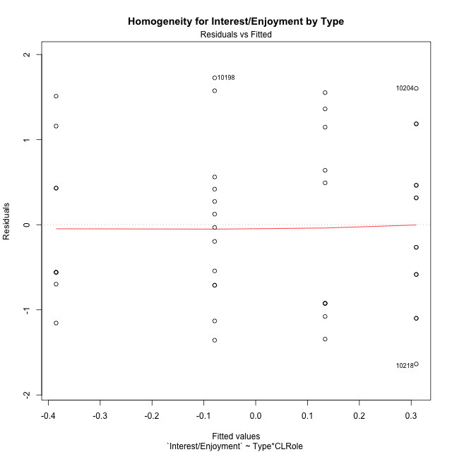

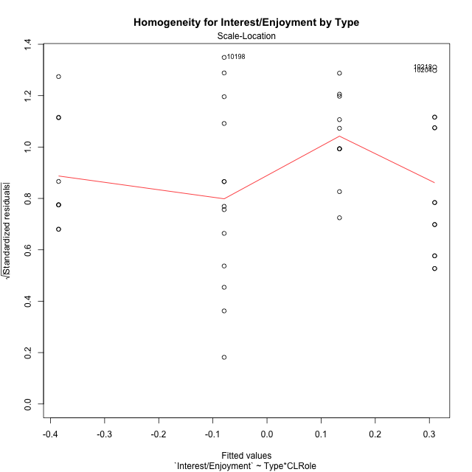

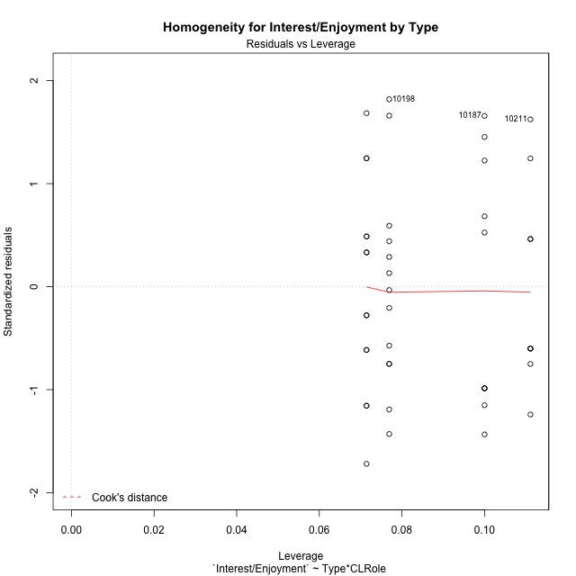

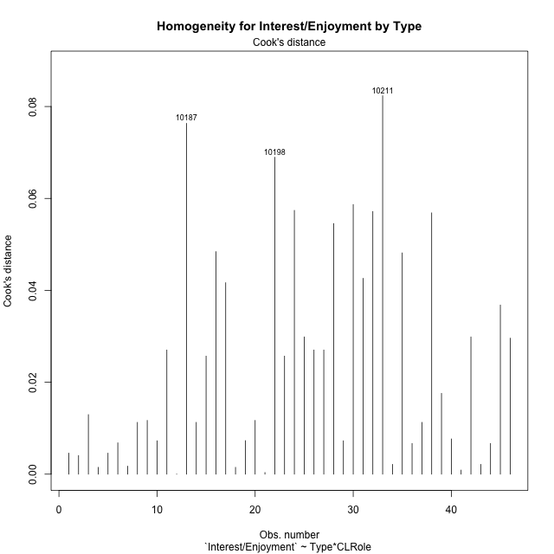

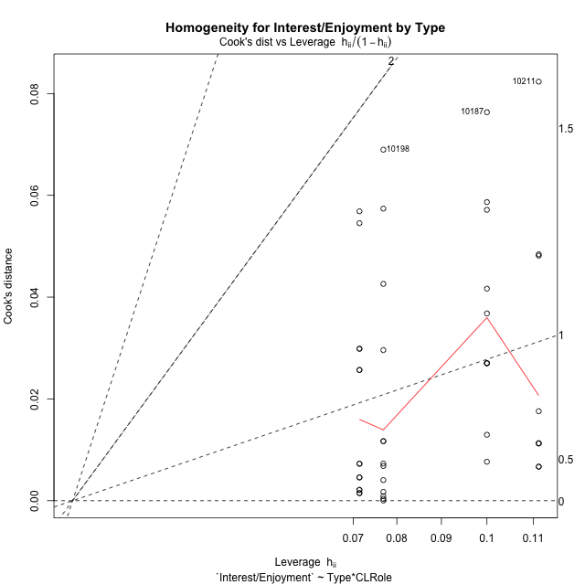

Minimum Sample Size Test for Interest/Enjoyment by Type
Type | CLRole | Freq
non-gamified | Apprentice | 10
ont-gamified | Apprentice | 13
non-gamified | Master | 9
ont-gamified | Master | 14

Errors and Warnings in Sample Size Test for ANOVA in Interest/Enjoyment by Type
code | description
WARN: sample.size | current size is 10 and recommended size is 15 for the group: 'non-gamified:Apprentice'.
WARN: sample.size | current size is 13 and recommended size is 15 for the group: 'ont-gamified:Apprentice'.
WARN: sample.size | current size is 9 and recommended size is 15 for the group: 'non-gamified:Master'.
WARN: sample.size | current size is 14 and recommended size is 15 for the group: 'ont-gamified:Master'.

For the group: 'non-gamified:Apprentice', we recommend the use of non-parametric test. For the group: 'ont-gamified:Apprentice', we recommend the use of non-parametric test. For the group: 'non-gamified:Master', we recommend the use of non-parametric test. For the group: 'ont-gamified:Master', we recommend the use of non-parametric test.

If you don't want to remove non-normal data, you must cite the following references: ... (1) Lix, L.M., J.C. Keselman, and H.J. Keselman. 1996. Consequences of assumption violations revisited: A quantitative review of alternatives to the one-way analysis of variance F test. Rev. Educ. Res. 66: 579-619. ... (2) Harwell, M.R., E.N. Rubinstein, W.S. Hayes, and C.C. Olds. 1992. Summarizing Monte Carlo results in methodological research: the one- and two-factor fixed effects ANOVA cases. J. Educ. Stat. 17: 315-339.

Post-hoc
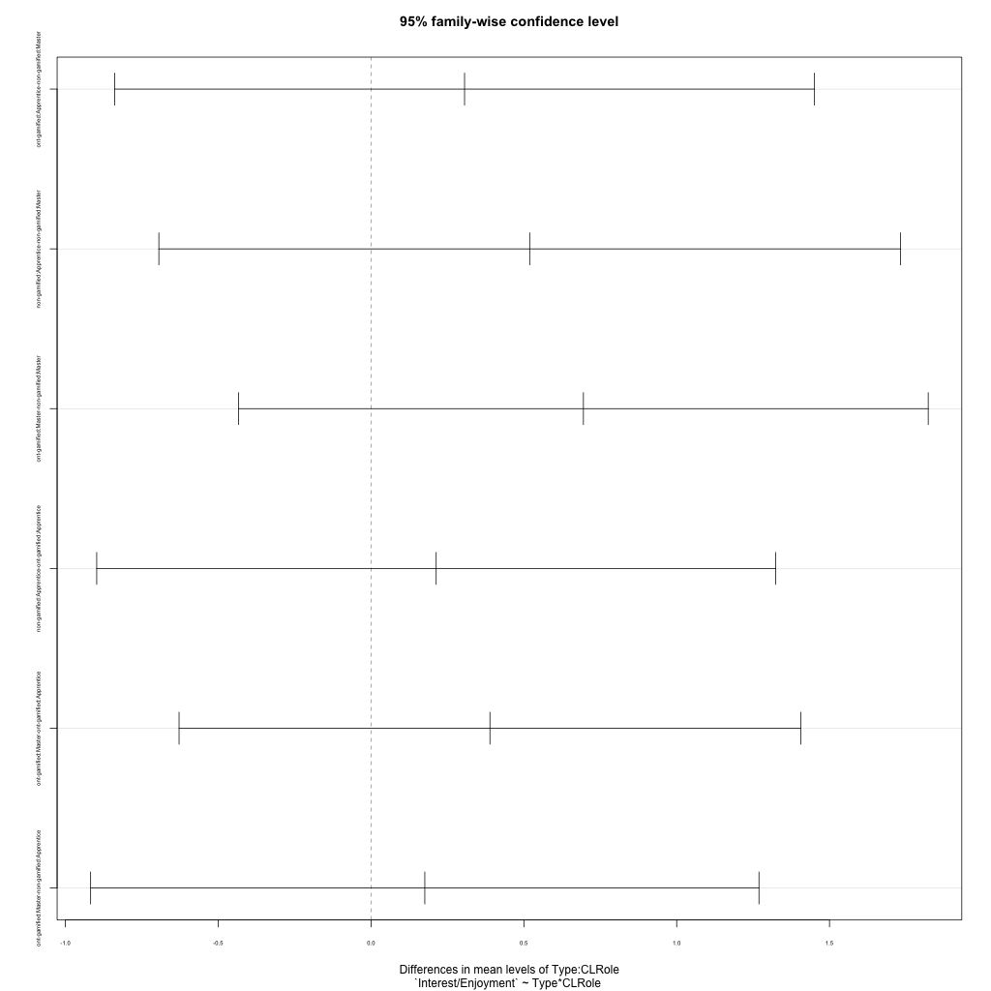
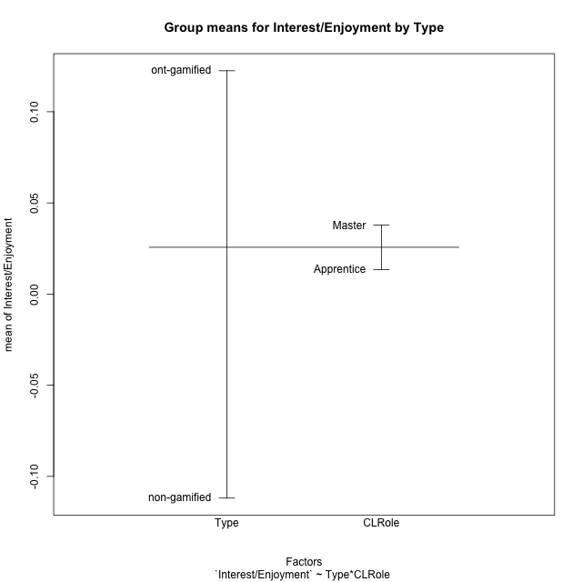
Post-hoc Tukey Honestly Significant Difference (HSD) Test for Interest/Enjoyment by Type

Comparisons of means for Type
 | diff | lwr | upr | p adj
ont-gamified-non-gamified | 0.2344066126 | -0.36217891305 | 0.83099213826 | 0.43227410408

Comparisons of means for CLRole
 | diff | lwr | upr | p adj
Master-Apprentice | 0.014191515321 | -0.57330265144 | 0.60168568208 | 0.96135056951

Comparisons of means for Type:CLRole
 | diff | lwr | upr | p adj
ont-gamified:Apprentice-non-gamified:Master | 0.30589796501 | -0.83921672476 | 1.4510126548 | 0.89075707666
non-gamified:Apprentice-non-gamified:Master | 0.51898025359 | -0.69436982373 | 1.7323303309 | 0.66467518667
ont-gamified:Master-non-gamified:Master | 0.69480625329 | -0.43345382566 | 1.8230663322 | 0.36399178305
non-gamified:Apprentice-ont-gamified:Apprentice | 0.21308228857 | -0.89768432655 | 1.3238489037 | 0.95549956469
ont-gamified:Master-ont-gamified:Apprentice | 0.38890828827 | -0.62822241566 | 1.4060389922 | 0.7371264875
ont-gamified:Master-non-gamified:Apprentice | 0.1758259997 | -0.91755665347 | 1.2692086529 | 0.97296937522

Contrast Matrices for Interest/Enjoyment by Type - Type
contrast | estimate | SE | df | t.ratio | p.value
non-gamified - ont-gamified | -0.24086198236 | 0.29594478433 | 42 | -0.81387473309 | 0.42030716178

Contrast Matrices for Interest/Enjoyment by Type - Type:CLRole
contrast | CLRole | estimate | SE | df | t.ratio | p.value
non-gamified - ont-gamified | Apprentice | 0.21308228857 | 0.41524649564 | 42 | 0.51314650649 | 0.61053761122
non-gamified - ont-gamified | Master | -0.69480625329 | 0.42178621286 | 42 | -1.647294843 | 0.10696024369

Least Squares Means and Confidence Intervals for Type
Type | lsmean | SE | df | lower.CL | upper.CL | Pairs
non-gamified | -0.12558549658 | 0.22679803333 | 42 | -0.58328245788 | 0.33211146472 | non-gamified
ont-gamified | 0.11527648578 | 0.1901209285 | 42 | -0.26840308134 | 0.4989560529 | ont-gamified

Least Squares Means and Confidence Intervals for Type:CLRole
Type | CLRole | lsmean | SE | df | lower.CL | upper.CL | Pairs
non-gamified | Apprentice | 0.13390463021 | 0.31218622354 | 42 | -0.49611267539 | 0.76392193581 | non-gamified.Apprentice
ont-gamified | Apprentice | -0.079177658358 | 0.27380543087 | 42 | -0.63173938854 | 0.47338407182 | ont-gamified.Apprentice
non-gamified | Master | -0.38507562337 | 0.3290731735 | 42 | -1.0491721737 | 0.27902092697 | non-gamified.Master
ont-gamified | Master | 0.30973062992 | 0.26384551509 | 42 | -0.22273117646 | 0.8421924363 | ont-gamified.Master

Plots

Type_1
Student's t-Test for Interest/Enjoyment by Type in Type between non-gamified:ont-gamified

Student's t-Test results
Alternative hypothesis: less
Group | N | Mean | Mean.Difference | Std.deviation | Std.error | CI.lower | CI.upper | df | t.value | p.value | g | magnitude
non-gamified | 19 | -0.11192812148 | -0.2344066126 | 1.048469284 | 0.24053535024 | -0.59299882196 | 0.36914257899 | 36.383027921 | -0.77598656544 | 0.22138611965 | -0.23243456818 | small
ont-gamified | 27 | 0.12247849112 | 0.2344066126 | 0.94952370812 | 0.18273592283 | -0.24299335454 | 0.48795033678 | 36.383027921 | -0.77598656544 | 0.22138611965 | -0.23243456818 | small
Alternative hypothesis: greater
Group | N | Mean | Mean.Difference | Std.deviation | Std.error | CI.lower | CI.upper | df | t.value | p.value | g | magnitude
non-gamified | 19 | -0.11192812148 | -0.2344066126 | 1.048469284 | 0.24053535024 | -0.59299882196 | 0.36914257899 | 36.383027921 | -0.77598656544 | 0.77861388035 | -0.23243456818 | small
ont-gamified | 27 | 0.12247849112 | 0.2344066126 | 0.94952370812 | 0.18273592283 | -0.24299335454 | 0.48795033678 | 36.383027921 | -0.77598656544 | 0.77861388035 | -0.23243456818 | small
Alternative hypothesis: two.sided
Group | N | Mean | Mean.Difference | Std.deviation | Std.error | CI.lower | CI.upper | df | t.value | p.value | g | magnitude
non-gamified | 19 | -0.11192812148 | -0.2344066126 | 1.048469284 | 0.24053535024 | -0.59299882196 | 0.36914257899 | 36.383027921 | -0.77598656544 | 0.4427722393 | -0.23243456818 | small
ont-gamified | 27 | 0.12247849112 | 0.2344066126 | 0.94952370812 | 0.18273592283 | -0.24299335454 | 0.48795033678 | 36.383027921 | -0.77598656544 | 0.4427722393 | -0.23243456818 | small

Box plots for Student's t-Test
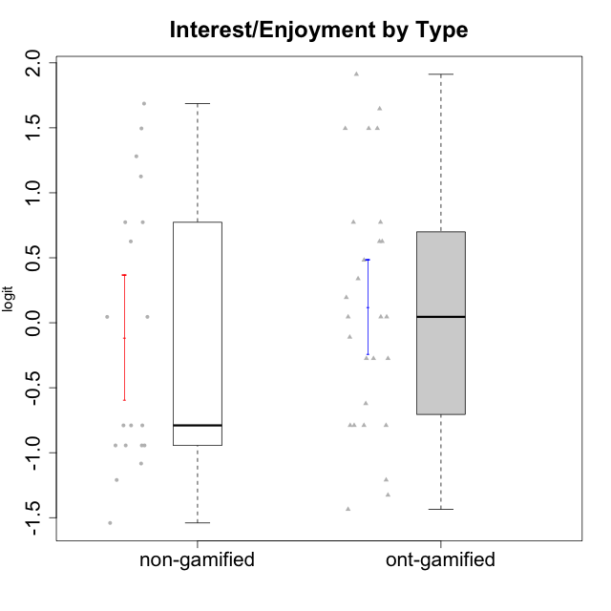

Student's t-Test data
UserID | NroUSP | Type | CLGroup | CLRole | PlayerRole | Interest/Enjoyment | Perceived Choice | Pressure/Tension | Effort/Importance | Intrinsic Motivation
10169 | 10377538 | ont-gamified | Grupo Hefesto | Master | Yee Achiever | 0.77354775663 | -0.34506436271 | 0.8224933278 | 0.21371742061 | -0.045073128315
10170 | 10260351 | ont-gamified | Grupo Afrodite | Apprentice | Yee Achiever | 0.33909170565 | 0.81251309803 | -0.91363027987 | 0.21371742061 | 0.56973812604
10171 | 698531 | non-gamified | Grupo Team 6 | Apprentice |  | 0.77354775663 | 0.43204236264 | -0.0073696712261 | -0.08257998554 | 0.28259495124
10174 | 10276852 | ont-gamified | Grupo Urano | Master | Yee Achiever | 0.04532479257 | -0.56508989585 | -0.0073696712261 | 1.1151835345 | 0.15069702562
10175 | 10310700 | ont-gamified | Grupo Hélio | Master | Yee Socializer | 0.77354775663 | 1.7454889569 | -0.91363027987 | -0.58740121816 | 0.81121714881
10176 | 10276949 | ont-gamified | Grupo Cronus | Apprentice | Yee Achiever | -0.62176572839 | 0.27922605818 | 1.2769315148 | -0.82301683991 | -0.61062200623
10178 | 8656201 | ont-gamified | Grupo Morfeu | Apprentice | Yee Socializer | 0.19438092697 | 0.27922605818 | 0.99020355854 | 0.21371742061 | -0.075719788195
10179 | 10310759 | non-gamified | Grupo Team 9 | Master |  | -0.94401358639 | -1.210479532 | 0.8224933278 | 0.57969939192 | -0.4654507279
10183 | 10352030 | ont-gamified | Grupo Hélio | Apprentice | Yee Socializer | -0.78975287252 | 0.010078688627 | 1.2769315148 | -0.08257998554 | -0.53479642106
10184 | 10276675 | ont-gamified | Grupo Apolo | Master | Yee Socializer | -0.27485572343 | 0.13995114232 | 0.99020355854 | 1.1151835345 | -0.0024811512813
10185 | 10276960 | non-gamified | Grupo Team 12 | Apprentice |  | -0.78975287252 | -0.56508989585 | 0.99020355854 | -0.58740121816 | -0.73311188627
10186 | 10310551 | ont-gamified | Grupo Ares | Apprentice | Yee Achiever | -0.11051255329 | 0.60542829398 | 1.4068182928 | 2.112963375 | 0.33599966761
10187 | 9790781 | non-gamified | Grupo Team 15 | Apprentice |  | 1.68641942 | 0.43204236264 | 1.6580383299 | 1.1151835345 | 0.90913447293
10188 | 10276995 | non-gamified | Grupo Team 3 | Master |  | -0.94401358639 | -0.23096919108 | 0.37211775447 | -0.82301683991 | -0.59252934296
10189 | 9363926 | ont-gamified | Grupo Hades | Master | Yee Socializer | -0.78975287252 | -0.11298912179 | 1.6580383299 | 0.58104575034 | -0.49493364347
10191 | 10276981 | non-gamified | Grupo Team 6 | Master |  | 0.77354775663 | -0.11298912179 | -0.0073696712261 | -1.0572723105 | -0.097336001102
10192 | 10276682 | non-gamified | Grupo Team 5 | Apprentice |  | 1.2808857648 | -0.56508989585 | -0.91363027987 | -1.0572723105 | 0.14303845959
10193 | 10276762 | ont-gamified | Grupo Afrodite | Master | Yee Achiever | 0.04532479257 | -0.56508989585 | -0.0073696712261 | -0.82301683991 | -0.33385306799
10195 | 10351971 | ont-gamified | Grupo Urano | Apprentice | Yee Achiever | 0.48203349534 | -0.45618554659 | -0.91363027987 | 0.21371742061 | 0.28829891231
10196 | 10310655 | ont-gamified | Grupo Hefesto | Apprentice | Yee Achiever | -0.78975287252 | -0.67246472837 | -0.91363027987 | 0.58104575034 | 0.0081146073306
10197 | 10276661 | ont-gamified | Grupo Gaia | Apprentice | Yee Achiever | 0.04532479257 | 1.4951814649 | -0.91363027987 | -0.58740121816 | 0.4666838298
10198 | 10310888 | ont-gamified | Grupo Apolo | Apprentice | Yee Socializer | 1.6465049901 | 1.7454889569 | -0.91363027987 | 2.112963375 | 1.2184175745
10199 | 10276737 | ont-gamified | Grupo Gaia | Master | Yee Achiever | -0.78975287252 | 1.7454889569 | 1.2769315148 | -0.82301683991 | -0.10207539477
10200 | 9795272 | ont-gamified | Grupo Hades | Apprentice | Yee Socializer | 1.4951617996 | 0.010078688627 | -0.91363027987 | -0.58740121816 | 0.45786738748
10201 | 10276928 | ont-gamified | Grupo Caronte | Master | Yee Achiever | 1.4951617996 | 0.27922605818 | 0.8224933278 | 1.8670095161 | 0.80194893812
10202 | 10277036 | non-gamified | Grupo Team 11 | Apprentice |  | -0.78975287252 | -1.210479532 | 2.4262382357 | 1.5139624553 | -1.110958985
10203 | 9921470 | non-gamified | Grupo Team 3 | Apprentice |  | -0.78975287252 | 1.6049919821 | -0.0073696712261 | -0.82301683991 | 0.21899990174
10204 | 10310471 | ont-gamified | Grupo Hermes | Master | Yee Achiever | 1.9117264103 | 0.60542829398 | -0.91363027987 | 0.21371742061 | 0.81121714881
10206 | 10310721 | ont-gamified | Grupo Hera | Master | Yee Achiever | -0.27485572343 | 1.0818912276 | 1.6580383299 | -0.08257998554 | -0.23339570283
10208 | 10276932 | non-gamified | Grupo Team 7 | Apprentice |  | 1.4951617996 | 0.13995114232 | 0.62480349003 | 1.5139624553 | 0.81655266859
10209 | 10262669 | ont-gamified | Grupo Artemis | Apprentice | Yee Achiever | -1.4355957758 | -1.3020766724 | -0.91363027987 | 2.112963375 | -0.23281615393
10210 | 10277015 | non-gamified | Grupo Team 9 | Apprentice |  | -1.2095717429 | -1.4411884157 | 2.0744710307 | 1.1151835345 | -0.90251191367
10211 | 9311643 | non-gamified | Grupo Team 2 | Master |  | 1.1257867718 | -1.3237490316 | 0.8224933278 | -2.2257330717 | -0.84504088772
10213 | 10277040 | ont-gamified | Grupo Morfeu | Master | Yee Socializer | 0.62587550794 | -0.45618554659 | -0.91363027987 | -1.4395746749 | -0.18410762009
10214 | 10277022 | non-gamified | Grupo Team 5 | Master |  | -1.5404013327 | -0.88530121499 | 0.8224933278 | -1.2960764082 | -1.1360680709
10216 | 10276720 | non-gamified | Grupo Team 15 | Master |  | 0.04532479257 | 0.81251309803 | -0.0073696712261 | 0.57969939192 | 0.36156332804
10217 | 9805341 | non-gamified | Grupo Team 13 | Master |  | -0.94401358639 | 1.4951814649 | -0.91363027987 | -0.08257998554 | 0.34555454321
10218 | 9842913 | ont-gamified | Grupo Ares | Master | Yee Achiever | -1.326100113 | 0.010078688627 | 1.6580383299 | 0.58104575034 | -0.59825350099
10219 | 10276831 | non-gamified | Grupo Team 12 | Master |  | -1.0832226321 | -0.45618554659 | -0.91363027987 | -1.2960764082 | -0.48046357674
10220 | 9760151 | non-gamified | Grupo Team 2 | Apprentice |  | 0.62587550794 | 0.81251309803 | -0.91363027987 | 0.21371742061 | 0.64143407661
10221 | 9082496 | ont-gamified | Grupo Hermes | Apprentice | Yee Achiever | -0.27485572343 | 0.010078688627 | -0.91363027987 | 0.58104575034 | 0.30747474885
10223 | 9795185 | ont-gamified | Grupo Cronus | Master | Yee Achiever | 1.4951617996 | 0.81251309803 | -0.0073696712261 | -0.34384769996 | 0.49279921722
10232 | 10276974 | ont-gamified | Grupo Artemis | Master | Yee Achiever | 0.62587550794 | -0.11298912179 | 1.4068182928 | 0.21371742061 | -0.1700536215
10237 | 10377688 | non-gamified | Grupo Team 11 | Master |  | 0.04532479257 | 0.010078688627 | -0.91363027987 | -1.0572723105 | -0.022059637352
10238 | 10276953 | non-gamified | Grupo Team 13 | Apprentice |  | -0.94401358639 | -1.3237490316 | 2.0744710307 | -0.08257998554 | -1.1062034086
10240 | 10276654 | ont-gamified | Grupo Hera | Apprentice | Yee Achiever | -1.2095717429 | -1.3020766724 | -0.91363027987 | -0.82301683991 | -0.79108933843

Type_CLRole_1
Student's t-Test for Interest/Enjoyment by Type in Type:CLRole between non-gamified.Apprentice:non-gamified.Master

Student's t-Test results
Alternative hypothesis: less
Group | N | Mean | Mean.Difference | Std.deviation | Std.error | CI.lower | CI.upper | df | t.value | p.value | g | magnitude
non-gamified.Apprentice | 10 | 0.13390463021 | 0.51898025359 | 1.1429170109 | 0.3614220931 | -0.58893955599 | 0.85674881641 | 16.813409312 | 1.0954566141 | 0.85561951182 | 0.47507407316 | small
non-gamified.Master | 9 | -0.38507562337 | -0.51898025359 | 0.9189004319 | 0.30630014397 | -0.9976759113 | 0.22752466456 | 16.813409312 | 1.0954566141 | 0.85561951182 | 0.47507407316 | small
Alternative hypothesis: greater
Group | N | Mean | Mean.Difference | Std.deviation | Std.error | CI.lower | CI.upper | df | t.value | p.value | g | magnitude
non-gamified.Apprentice | 10 | 0.13390463021 | 0.51898025359 | 1.1429170109 | 0.3614220931 | -0.58893955599 | 0.85674881641 | 16.813409312 | 1.0954566141 | 0.14438048818 | 0.47507407316 | small
non-gamified.Master | 9 | -0.38507562337 | -0.51898025359 | 0.9189004319 | 0.30630014397 | -0.9976759113 | 0.22752466456 | 16.813409312 | 1.0954566141 | 0.14438048818 | 0.47507407316 | small
Alternative hypothesis: two.sided
Group | N | Mean | Mean.Difference | Std.deviation | Std.error | CI.lower | CI.upper | df | t.value | p.value | g | magnitude
non-gamified.Apprentice | 10 | 0.13390463021 | 0.51898025359 | 1.1429170109 | 0.3614220931 | -0.58893955599 | 0.85674881641 | 16.813409312 | 1.0954566141 | 0.28876097636 | 0.47507407316 | small
non-gamified.Master | 9 | -0.38507562337 | -0.51898025359 | 0.9189004319 | 0.30630014397 | -0.9976759113 | 0.22752466456 | 16.813409312 | 1.0954566141 | 0.28876097636 | 0.47507407316 | small

Box plots for Student's t-Test
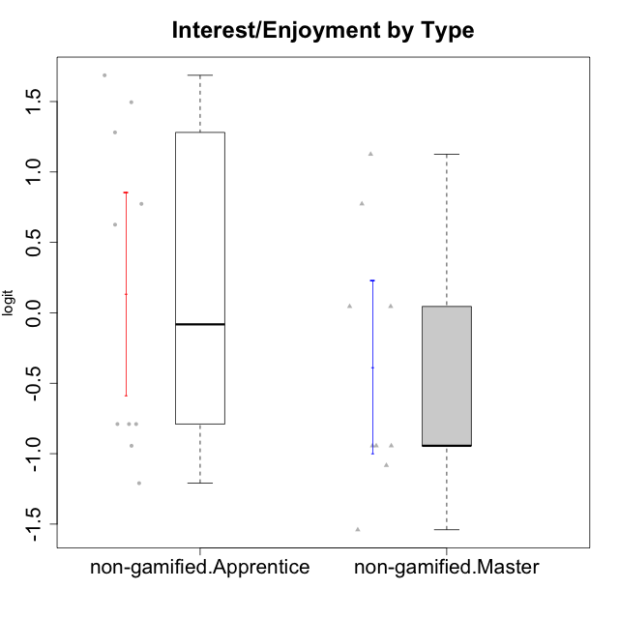

Student's t-Test data
UserID | NroUSP | Type | CLGroup | CLRole | PlayerRole | Interest/Enjoyment | Perceived Choice | Pressure/Tension | Effort/Importance | Intrinsic Motivation
10171 | 698531 | non-gamified | Grupo Team 6 | Apprentice |  | 0.77354775663 | 0.43204236264 | -0.0073696712261 | -0.08257998554 | 0.28259495124
10179 | 10310759 | non-gamified | Grupo Team 9 | Master |  | -0.94401358639 | -1.210479532 | 0.8224933278 | 0.57969939192 | -0.4654507279
10185 | 10276960 | non-gamified | Grupo Team 12 | Apprentice |  | -0.78975287252 | -0.56508989585 | 0.99020355854 | -0.58740121816 | -0.73311188627
10187 | 9790781 | non-gamified | Grupo Team 15 | Apprentice |  | 1.68641942 | 0.43204236264 | 1.6580383299 | 1.1151835345 | 0.90913447293
10188 | 10276995 | non-gamified | Grupo Team 3 | Master |  | -0.94401358639 | -0.23096919108 | 0.37211775447 | -0.82301683991 | -0.59252934296
10191 | 10276981 | non-gamified | Grupo Team 6 | Master |  | 0.77354775663 | -0.11298912179 | -0.0073696712261 | -1.0572723105 | -0.097336001102
10192 | 10276682 | non-gamified | Grupo Team 5 | Apprentice |  | 1.2808857648 | -0.56508989585 | -0.91363027987 | -1.0572723105 | 0.14303845959
10202 | 10277036 | non-gamified | Grupo Team 11 | Apprentice |  | -0.78975287252 | -1.210479532 | 2.4262382357 | 1.5139624553 | -1.110958985
10203 | 9921470 | non-gamified | Grupo Team 3 | Apprentice |  | -0.78975287252 | 1.6049919821 | -0.0073696712261 | -0.82301683991 | 0.21899990174
10208 | 10276932 | non-gamified | Grupo Team 7 | Apprentice |  | 1.4951617996 | 0.13995114232 | 0.62480349003 | 1.5139624553 | 0.81655266859
10210 | 10277015 | non-gamified | Grupo Team 9 | Apprentice |  | -1.2095717429 | -1.4411884157 | 2.0744710307 | 1.1151835345 | -0.90251191367
10211 | 9311643 | non-gamified | Grupo Team 2 | Master |  | 1.1257867718 | -1.3237490316 | 0.8224933278 | -2.2257330717 | -0.84504088772
10214 | 10277022 | non-gamified | Grupo Team 5 | Master |  | -1.5404013327 | -0.88530121499 | 0.8224933278 | -1.2960764082 | -1.1360680709
10216 | 10276720 | non-gamified | Grupo Team 15 | Master |  | 0.04532479257 | 0.81251309803 | -0.0073696712261 | 0.57969939192 | 0.36156332804
10217 | 9805341 | non-gamified | Grupo Team 13 | Master |  | -0.94401358639 | 1.4951814649 | -0.91363027987 | -0.08257998554 | 0.34555454321
10219 | 10276831 | non-gamified | Grupo Team 12 | Master |  | -1.0832226321 | -0.45618554659 | -0.91363027987 | -1.2960764082 | -0.48046357674
10220 | 9760151 | non-gamified | Grupo Team 2 | Apprentice |  | 0.62587550794 | 0.81251309803 | -0.91363027987 | 0.21371742061 | 0.64143407661
10237 | 10377688 | non-gamified | Grupo Team 11 | Master |  | 0.04532479257 | 0.010078688627 | -0.91363027987 | -1.0572723105 | -0.022059637352
10238 | 10276953 | non-gamified | Grupo Team 13 | Apprentice |  | -0.94401358639 | -1.3237490316 | 2.0744710307 | -0.08257998554 | -1.1062034086

Type_CLRole_2
Student's t-Test for Interest/Enjoyment by Type in Type:CLRole between non-gamified.Apprentice:ont-gamified.Apprentice

Student's t-Test results
Alternative hypothesis: less
Group | N | Mean | Mean.Difference | Std.deviation | Std.error | CI.lower | CI.upper | df | t.value | p.value | g | magnitude
non-gamified.Apprentice | 10 | 0.13390463021 | 0.21308228857 | 1.1429170109 | 0.3614220931 | -0.58893955599 | 0.85674881641 | 17.231682826 | 0.47896312559 | 0.68100681297 | 0.19950887377 | negligible
ont-gamified.Apprentice | 13 | -0.079177658358 | -0.21308228857 | 0.93532242533 | 0.25941176643 | -0.59800119122 | 0.43964587451 | 17.231682826 | 0.47896312559 | 0.68100681297 | 0.19950887377 | negligible
Alternative hypothesis: greater
Group | N | Mean | Mean.Difference | Std.deviation | Std.error | CI.lower | CI.upper | df | t.value | p.value | g | magnitude
non-gamified.Apprentice | 10 | 0.13390463021 | 0.21308228857 | 1.1429170109 | 0.3614220931 | -0.58893955599 | 0.85674881641 | 17.231682826 | 0.47896312559 | 0.31899318703 | 0.19950887377 | negligible
ont-gamified.Apprentice | 13 | -0.079177658358 | -0.21308228857 | 0.93532242533 | 0.25941176643 | -0.59800119122 | 0.43964587451 | 17.231682826 | 0.47896312559 | 0.31899318703 | 0.19950887377 | negligible
Alternative hypothesis: two.sided
Group | N | Mean | Mean.Difference | Std.deviation | Std.error | CI.lower | CI.upper | df | t.value | p.value | g | magnitude
non-gamified.Apprentice | 10 | 0.13390463021 | 0.21308228857 | 1.1429170109 | 0.3614220931 | -0.58893955599 | 0.85674881641 | 17.231682826 | 0.47896312559 | 0.63798637405 | 0.19950887377 | negligible
ont-gamified.Apprentice | 13 | -0.079177658358 | -0.21308228857 | 0.93532242533 | 0.25941176643 | -0.59800119122 | 0.43964587451 | 17.231682826 | 0.47896312559 | 0.63798637405 | 0.19950887377 | negligible

Box plots for Student's t-Test
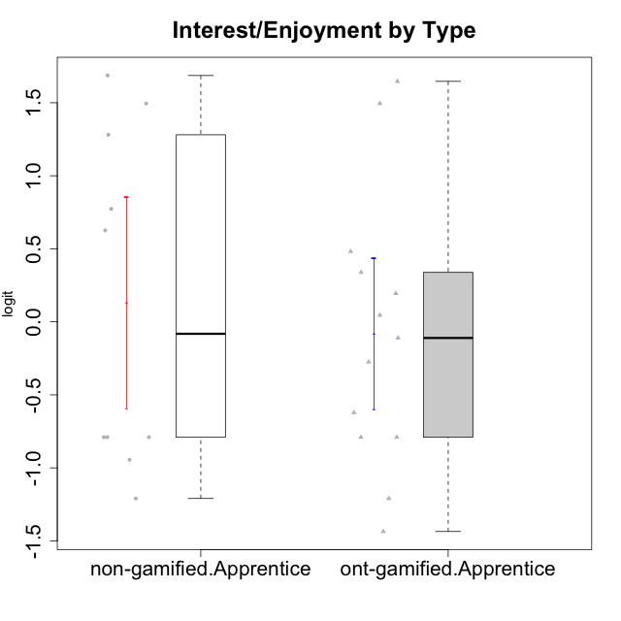

Student's t-Test data
UserID | NroUSP | Type | CLGroup | CLRole | PlayerRole | Interest/Enjoyment | Perceived Choice | Pressure/Tension | Effort/Importance | Intrinsic Motivation
10170 | 10260351 | ont-gamified | Grupo Afrodite | Apprentice | Yee Achiever | 0.33909170565 | 0.81251309803 | -0.91363027987 | 0.21371742061 | 0.56973812604
10171 | 698531 | non-gamified | Grupo Team 6 | Apprentice |  | 0.77354775663 | 0.43204236264 | -0.0073696712261 | -0.08257998554 | 0.28259495124
10176 | 10276949 | ont-gamified | Grupo Cronus | Apprentice | Yee Achiever | -0.62176572839 | 0.27922605818 | 1.2769315148 | -0.82301683991 | -0.61062200623
10178 | 8656201 | ont-gamified | Grupo Morfeu | Apprentice | Yee Socializer | 0.19438092697 | 0.27922605818 | 0.99020355854 | 0.21371742061 | -0.075719788195
10183 | 10352030 | ont-gamified | Grupo Hélio | Apprentice | Yee Socializer | -0.78975287252 | 0.010078688627 | 1.2769315148 | -0.08257998554 | -0.53479642106
10185 | 10276960 | non-gamified | Grupo Team 12 | Apprentice |  | -0.78975287252 | -0.56508989585 | 0.99020355854 | -0.58740121816 | -0.73311188627
10186 | 10310551 | ont-gamified | Grupo Ares | Apprentice | Yee Achiever | -0.11051255329 | 0.60542829398 | 1.4068182928 | 2.112963375 | 0.33599966761
10187 | 9790781 | non-gamified | Grupo Team 15 | Apprentice |  | 1.68641942 | 0.43204236264 | 1.6580383299 | 1.1151835345 | 0.90913447293
10192 | 10276682 | non-gamified | Grupo Team 5 | Apprentice |  | 1.2808857648 | -0.56508989585 | -0.91363027987 | -1.0572723105 | 0.14303845959
10195 | 10351971 | ont-gamified | Grupo Urano | Apprentice | Yee Achiever | 0.48203349534 | -0.45618554659 | -0.91363027987 | 0.21371742061 | 0.28829891231
10196 | 10310655 | ont-gamified | Grupo Hefesto | Apprentice | Yee Achiever | -0.78975287252 | -0.67246472837 | -0.91363027987 | 0.58104575034 | 0.0081146073306
10197 | 10276661 | ont-gamified | Grupo Gaia | Apprentice | Yee Achiever | 0.04532479257 | 1.4951814649 | -0.91363027987 | -0.58740121816 | 0.4666838298
10198 | 10310888 | ont-gamified | Grupo Apolo | Apprentice | Yee Socializer | 1.6465049901 | 1.7454889569 | -0.91363027987 | 2.112963375 | 1.2184175745
10200 | 9795272 | ont-gamified | Grupo Hades | Apprentice | Yee Socializer | 1.4951617996 | 0.010078688627 | -0.91363027987 | -0.58740121816 | 0.45786738748
10202 | 10277036 | non-gamified | Grupo Team 11 | Apprentice |  | -0.78975287252 | -1.210479532 | 2.4262382357 | 1.5139624553 | -1.110958985
10203 | 9921470 | non-gamified | Grupo Team 3 | Apprentice |  | -0.78975287252 | 1.6049919821 | -0.0073696712261 | -0.82301683991 | 0.21899990174
10208 | 10276932 | non-gamified | Grupo Team 7 | Apprentice |  | 1.4951617996 | 0.13995114232 | 0.62480349003 | 1.5139624553 | 0.81655266859
10209 | 10262669 | ont-gamified | Grupo Artemis | Apprentice | Yee Achiever | -1.4355957758 | -1.3020766724 | -0.91363027987 | 2.112963375 | -0.23281615393
10210 | 10277015 | non-gamified | Grupo Team 9 | Apprentice |  | -1.2095717429 | -1.4411884157 | 2.0744710307 | 1.1151835345 | -0.90251191367
10220 | 9760151 | non-gamified | Grupo Team 2 | Apprentice |  | 0.62587550794 | 0.81251309803 | -0.91363027987 | 0.21371742061 | 0.64143407661
10221 | 9082496 | ont-gamified | Grupo Hermes | Apprentice | Yee Achiever | -0.27485572343 | 0.010078688627 | -0.91363027987 | 0.58104575034 | 0.30747474885
10238 | 10276953 | non-gamified | Grupo Team 13 | Apprentice |  | -0.94401358639 | -1.3237490316 | 2.0744710307 | -0.08257998554 | -1.1062034086
10240 | 10276654 | ont-gamified | Grupo Hera | Apprentice | Yee Achiever | -1.2095717429 | -1.3020766724 | -0.91363027987 | -0.82301683991 | -0.79108933843

Type_CLRole_3
Student's t-Test for Interest/Enjoyment by Type in Type:CLRole between non-gamified.Apprentice:ont-gamified.Master

Student's t-Test results
Alternative hypothesis: less
Group | N | Mean | Mean.Difference | Std.deviation | Std.error | CI.lower | CI.upper | df | t.value | p.value | g | magnitude
non-gamified.Apprentice | 10 | 0.13390463021 | -0.1758259997 | 1.1429170109 | 0.3614220931 | -0.58893955599 | 0.85674881641 | 17.2822614 | -0.39700621248 | 0.34811140499 | -0.16362908684 | negligible
ont-gamified.Master | 14 | 0.30973062992 | 0.1758259997 | 0.95772189173 | 0.25596194219 | -0.20219325446 | 0.8216545143 | 17.2822614 | -0.39700621248 | 0.34811140499 | -0.16362908684 | negligible
Alternative hypothesis: greater
Group | N | Mean | Mean.Difference | Std.deviation | Std.error | CI.lower | CI.upper | df | t.value | p.value | g | magnitude
non-gamified.Apprentice | 10 | 0.13390463021 | -0.1758259997 | 1.1429170109 | 0.3614220931 | -0.58893955599 | 0.85674881641 | 17.2822614 | -0.39700621248 | 0.65188859501 | -0.16362908684 | negligible
ont-gamified.Master | 14 | 0.30973062992 | 0.1758259997 | 0.95772189173 | 0.25596194219 | -0.20219325446 | 0.8216545143 | 17.2822614 | -0.39700621248 | 0.65188859501 | -0.16362908684 | negligible
Alternative hypothesis: two.sided
Group | N | Mean | Mean.Difference | Std.deviation | Std.error | CI.lower | CI.upper | df | t.value | p.value | g | magnitude
non-gamified.Apprentice | 10 | 0.13390463021 | -0.1758259997 | 1.1429170109 | 0.3614220931 | -0.58893955599 | 0.85674881641 | 17.2822614 | -0.39700621248 | 0.69622280998 | -0.16362908684 | negligible
ont-gamified.Master | 14 | 0.30973062992 | 0.1758259997 | 0.95772189173 | 0.25596194219 | -0.20219325446 | 0.8216545143 | 17.2822614 | -0.39700621248 | 0.69622280998 | -0.16362908684 | negligible

Box plots for Student's t-Test
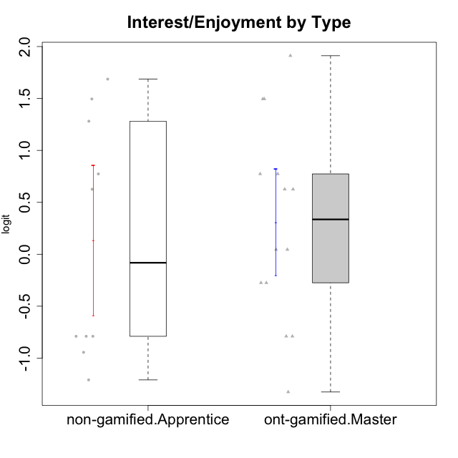

Student's t-Test data
UserID | NroUSP | Type | CLGroup | CLRole | PlayerRole | Interest/Enjoyment | Perceived Choice | Pressure/Tension | Effort/Importance | Intrinsic Motivation
10169 | 10377538 | ont-gamified | Grupo Hefesto | Master | Yee Achiever | 0.77354775663 | -0.34506436271 | 0.8224933278 | 0.21371742061 | -0.045073128315
10171 | 698531 | non-gamified | Grupo Team 6 | Apprentice |  | 0.77354775663 | 0.43204236264 | -0.0073696712261 | -0.08257998554 | 0.28259495124
10174 | 10276852 | ont-gamified | Grupo Urano | Master | Yee Achiever | 0.04532479257 | -0.56508989585 | -0.0073696712261 | 1.1151835345 | 0.15069702562
10175 | 10310700 | ont-gamified | Grupo Hélio | Master | Yee Socializer | 0.77354775663 | 1.7454889569 | -0.91363027987 | -0.58740121816 | 0.81121714881
10184 | 10276675 | ont-gamified | Grupo Apolo | Master | Yee Socializer | -0.27485572343 | 0.13995114232 | 0.99020355854 | 1.1151835345 | -0.0024811512813
10185 | 10276960 | non-gamified | Grupo Team 12 | Apprentice |  | -0.78975287252 | -0.56508989585 | 0.99020355854 | -0.58740121816 | -0.73311188627
10187 | 9790781 | non-gamified | Grupo Team 15 | Apprentice |  | 1.68641942 | 0.43204236264 | 1.6580383299 | 1.1151835345 | 0.90913447293
10189 | 9363926 | ont-gamified | Grupo Hades | Master | Yee Socializer | -0.78975287252 | -0.11298912179 | 1.6580383299 | 0.58104575034 | -0.49493364347
10192 | 10276682 | non-gamified | Grupo Team 5 | Apprentice |  | 1.2808857648 | -0.56508989585 | -0.91363027987 | -1.0572723105 | 0.14303845959
10193 | 10276762 | ont-gamified | Grupo Afrodite | Master | Yee Achiever | 0.04532479257 | -0.56508989585 | -0.0073696712261 | -0.82301683991 | -0.33385306799
10199 | 10276737 | ont-gamified | Grupo Gaia | Master | Yee Achiever | -0.78975287252 | 1.7454889569 | 1.2769315148 | -0.82301683991 | -0.10207539477
10201 | 10276928 | ont-gamified | Grupo Caronte | Master | Yee Achiever | 1.4951617996 | 0.27922605818 | 0.8224933278 | 1.8670095161 | 0.80194893812
10202 | 10277036 | non-gamified | Grupo Team 11 | Apprentice |  | -0.78975287252 | -1.210479532 | 2.4262382357 | 1.5139624553 | -1.110958985
10203 | 9921470 | non-gamified | Grupo Team 3 | Apprentice |  | -0.78975287252 | 1.6049919821 | -0.0073696712261 | -0.82301683991 | 0.21899990174
10204 | 10310471 | ont-gamified | Grupo Hermes | Master | Yee Achiever | 1.9117264103 | 0.60542829398 | -0.91363027987 | 0.21371742061 | 0.81121714881
10206 | 10310721 | ont-gamified | Grupo Hera | Master | Yee Achiever | -0.27485572343 | 1.0818912276 | 1.6580383299 | -0.08257998554 | -0.23339570283
10208 | 10276932 | non-gamified | Grupo Team 7 | Apprentice |  | 1.4951617996 | 0.13995114232 | 0.62480349003 | 1.5139624553 | 0.81655266859
10210 | 10277015 | non-gamified | Grupo Team 9 | Apprentice |  | -1.2095717429 | -1.4411884157 | 2.0744710307 | 1.1151835345 | -0.90251191367
10213 | 10277040 | ont-gamified | Grupo Morfeu | Master | Yee Socializer | 0.62587550794 | -0.45618554659 | -0.91363027987 | -1.4395746749 | -0.18410762009
10218 | 9842913 | ont-gamified | Grupo Ares | Master | Yee Achiever | -1.326100113 | 0.010078688627 | 1.6580383299 | 0.58104575034 | -0.59825350099
10220 | 9760151 | non-gamified | Grupo Team 2 | Apprentice |  | 0.62587550794 | 0.81251309803 | -0.91363027987 | 0.21371742061 | 0.64143407661
10223 | 9795185 | ont-gamified | Grupo Cronus | Master | Yee Achiever | 1.4951617996 | 0.81251309803 | -0.0073696712261 | -0.34384769996 | 0.49279921722
10232 | 10276974 | ont-gamified | Grupo Artemis | Master | Yee Achiever | 0.62587550794 | -0.11298912179 | 1.4068182928 | 0.21371742061 | -0.1700536215
10238 | 10276953 | non-gamified | Grupo Team 13 | Apprentice |  | -0.94401358639 | -1.3237490316 | 2.0744710307 | -0.08257998554 | -1.1062034086

Type_CLRole_4
Student's t-Test for Interest/Enjoyment by Type in Type:CLRole between non-gamified.Master:ont-gamified.Apprentice

Student's t-Test results
Alternative hypothesis: less
Group | N | Mean | Mean.Difference | Std.deviation | Std.error | CI.lower | CI.upper | df | t.value | p.value | g | magnitude
non-gamified.Master | 9 | -0.38507562337 | -0.30589796501 | 0.9189004319 | 0.30630014397 | -0.9976759113 | 0.22752466456 | 17.56697559 | -0.76209589203 | 0.22805692887 | -0.31684457288 | small
ont-gamified.Apprentice | 13 | -0.079177658358 | 0.30589796501 | 0.93532242533 | 0.25941176643 | -0.59800119122 | 0.43964587451 | 17.56697559 | -0.76209589203 | 0.22805692887 | -0.31684457288 | small
Alternative hypothesis: greater
Group | N | Mean | Mean.Difference | Std.deviation | Std.error | CI.lower | CI.upper | df | t.value | p.value | g | magnitude
non-gamified.Master | 9 | -0.38507562337 | -0.30589796501 | 0.9189004319 | 0.30630014397 | -0.9976759113 | 0.22752466456 | 17.56697559 | -0.76209589203 | 0.77194307113 | -0.31684457288 | small
ont-gamified.Apprentice | 13 | -0.079177658358 | 0.30589796501 | 0.93532242533 | 0.25941176643 | -0.59800119122 | 0.43964587451 | 17.56697559 | -0.76209589203 | 0.77194307113 | -0.31684457288 | small
Alternative hypothesis: two.sided
Group | N | Mean | Mean.Difference | Std.deviation | Std.error | CI.lower | CI.upper | df | t.value | p.value | g | magnitude
non-gamified.Master | 9 | -0.38507562337 | -0.30589796501 | 0.9189004319 | 0.30630014397 | -0.9976759113 | 0.22752466456 | 17.56697559 | -0.76209589203 | 0.45611385773 | -0.31684457288 | small
ont-gamified.Apprentice | 13 | -0.079177658358 | 0.30589796501 | 0.93532242533 | 0.25941176643 | -0.59800119122 | 0.43964587451 | 17.56697559 | -0.76209589203 | 0.45611385773 | -0.31684457288 | small

Box plots for Student's t-Test
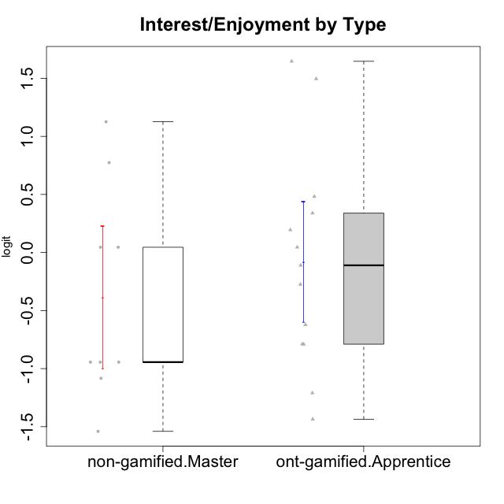

Student's t-Test data
UserID | NroUSP | Type | CLGroup | CLRole | PlayerRole | Interest/Enjoyment | Perceived Choice | Pressure/Tension | Effort/Importance | Intrinsic Motivation
10170 | 10260351 | ont-gamified | Grupo Afrodite | Apprentice | Yee Achiever | 0.33909170565 | 0.81251309803 | -0.91363027987 | 0.21371742061 | 0.56973812604
10176 | 10276949 | ont-gamified | Grupo Cronus | Apprentice | Yee Achiever | -0.62176572839 | 0.27922605818 | 1.2769315148 | -0.82301683991 | -0.61062200623
10178 | 8656201 | ont-gamified | Grupo Morfeu | Apprentice | Yee Socializer | 0.19438092697 | 0.27922605818 | 0.99020355854 | 0.21371742061 | -0.075719788195
10179 | 10310759 | non-gamified | Grupo Team 9 | Master |  | -0.94401358639 | -1.210479532 | 0.8224933278 | 0.57969939192 | -0.4654507279
10183 | 10352030 | ont-gamified | Grupo Hélio | Apprentice | Yee Socializer | -0.78975287252 | 0.010078688627 | 1.2769315148 | -0.08257998554 | -0.53479642106
10186 | 10310551 | ont-gamified | Grupo Ares | Apprentice | Yee Achiever | -0.11051255329 | 0.60542829398 | 1.4068182928 | 2.112963375 | 0.33599966761
10188 | 10276995 | non-gamified | Grupo Team 3 | Master |  | -0.94401358639 | -0.23096919108 | 0.37211775447 | -0.82301683991 | -0.59252934296
10191 | 10276981 | non-gamified | Grupo Team 6 | Master |  | 0.77354775663 | -0.11298912179 | -0.0073696712261 | -1.0572723105 | -0.097336001102
10195 | 10351971 | ont-gamified | Grupo Urano | Apprentice | Yee Achiever | 0.48203349534 | -0.45618554659 | -0.91363027987 | 0.21371742061 | 0.28829891231
10196 | 10310655 | ont-gamified | Grupo Hefesto | Apprentice | Yee Achiever | -0.78975287252 | -0.67246472837 | -0.91363027987 | 0.58104575034 | 0.0081146073306
10197 | 10276661 | ont-gamified | Grupo Gaia | Apprentice | Yee Achiever | 0.04532479257 | 1.4951814649 | -0.91363027987 | -0.58740121816 | 0.4666838298
10198 | 10310888 | ont-gamified | Grupo Apolo | Apprentice | Yee Socializer | 1.6465049901 | 1.7454889569 | -0.91363027987 | 2.112963375 | 1.2184175745
10200 | 9795272 | ont-gamified | Grupo Hades | Apprentice | Yee Socializer | 1.4951617996 | 0.010078688627 | -0.91363027987 | -0.58740121816 | 0.45786738748
10209 | 10262669 | ont-gamified | Grupo Artemis | Apprentice | Yee Achiever | -1.4355957758 | -1.3020766724 | -0.91363027987 | 2.112963375 | -0.23281615393
10211 | 9311643 | non-gamified | Grupo Team 2 | Master |  | 1.1257867718 | -1.3237490316 | 0.8224933278 | -2.2257330717 | -0.84504088772
10214 | 10277022 | non-gamified | Grupo Team 5 | Master |  | -1.5404013327 | -0.88530121499 | 0.8224933278 | -1.2960764082 | -1.1360680709
10216 | 10276720 | non-gamified | Grupo Team 15 | Master |  | 0.04532479257 | 0.81251309803 | -0.0073696712261 | 0.57969939192 | 0.36156332804
10217 | 9805341 | non-gamified | Grupo Team 13 | Master |  | -0.94401358639 | 1.4951814649 | -0.91363027987 | -0.08257998554 | 0.34555454321
10219 | 10276831 | non-gamified | Grupo Team 12 | Master |  | -1.0832226321 | -0.45618554659 | -0.91363027987 | -1.2960764082 | -0.48046357674
10221 | 9082496 | ont-gamified | Grupo Hermes | Apprentice | Yee Achiever | -0.27485572343 | 0.010078688627 | -0.91363027987 | 0.58104575034 | 0.30747474885
10237 | 10377688 | non-gamified | Grupo Team 11 | Master |  | 0.04532479257 | 0.010078688627 | -0.91363027987 | -1.0572723105 | -0.022059637352
10240 | 10276654 | ont-gamified | Grupo Hera | Apprentice | Yee Achiever | -1.2095717429 | -1.3020766724 | -0.91363027987 | -0.82301683991 | -0.79108933843

Type_CLRole_5
Student's t-Test for Interest/Enjoyment by Type in Type:CLRole between non-gamified.Master:ont-gamified.Master

Student's t-Test results
Alternative hypothesis: less
Group | N | Mean | Mean.Difference | Std.deviation | Std.error | CI.lower | CI.upper | df | t.value | p.value | g | magnitude
non-gamified.Master | 9 | -0.38507562337 | -0.69480625329 | 0.9189004319 | 0.30630014397 | -0.9976759113 | 0.22752466456 | 17.748243022 | -1.7406295919 | 0.049528335902 | -0.71008134248 | medium
ont-gamified.Master | 14 | 0.30973062992 | 0.69480625329 | 0.95772189173 | 0.25596194219 | -0.20219325446 | 0.8216545143 | 17.748243022 | -1.7406295919 | 0.049528335902 | -0.71008134248 | medium
Alternative hypothesis: greater
Group | N | Mean | Mean.Difference | Std.deviation | Std.error | CI.lower | CI.upper | df | t.value | p.value | g | magnitude
non-gamified.Master | 9 | -0.38507562337 | -0.69480625329 | 0.9189004319 | 0.30630014397 | -0.9976759113 | 0.22752466456 | 17.748243022 | -1.7406295919 | 0.9504716641 | -0.71008134248 | medium
ont-gamified.Master | 14 | 0.30973062992 | 0.69480625329 | 0.95772189173 | 0.25596194219 | -0.20219325446 | 0.8216545143 | 17.748243022 | -1.7406295919 | 0.9504716641 | -0.71008134248 | medium
Alternative hypothesis: two.sided
Group | N | Mean | Mean.Difference | Std.deviation | Std.error | CI.lower | CI.upper | df | t.value | p.value | g | magnitude
non-gamified.Master | 9 | -0.38507562337 | -0.69480625329 | 0.9189004319 | 0.30630014397 | -0.9976759113 | 0.22752466456 | 17.748243022 | -1.7406295919 | 0.099056671804 | -0.71008134248 | medium
ont-gamified.Master | 14 | 0.30973062992 | 0.69480625329 | 0.95772189173 | 0.25596194219 | -0.20219325446 | 0.8216545143 | 17.748243022 | -1.7406295919 | 0.099056671804 | -0.71008134248 | medium

Box plots for Student's t-Test
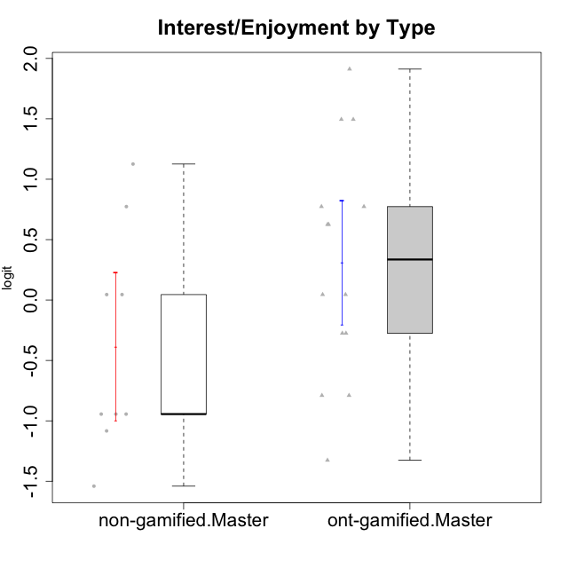

Student's t-Test data
UserID | NroUSP | Type | CLGroup | CLRole | PlayerRole | Interest/Enjoyment | Perceived Choice | Pressure/Tension | Effort/Importance | Intrinsic Motivation
10169 | 10377538 | ont-gamified | Grupo Hefesto | Master | Yee Achiever | 0.77354775663 | -0.34506436271 | 0.8224933278 | 0.21371742061 | -0.045073128315
10174 | 10276852 | ont-gamified | Grupo Urano | Master | Yee Achiever | 0.04532479257 | -0.56508989585 | -0.0073696712261 | 1.1151835345 | 0.15069702562
10175 | 10310700 | ont-gamified | Grupo Hélio | Master | Yee Socializer | 0.77354775663 | 1.7454889569 | -0.91363027987 | -0.58740121816 | 0.81121714881
10179 | 10310759 | non-gamified | Grupo Team 9 | Master |  | -0.94401358639 | -1.210479532 | 0.8224933278 | 0.57969939192 | -0.4654507279
10184 | 10276675 | ont-gamified | Grupo Apolo | Master | Yee Socializer | -0.27485572343 | 0.13995114232 | 0.99020355854 | 1.1151835345 | -0.0024811512813
10188 | 10276995 | non-gamified | Grupo Team 3 | Master |  | -0.94401358639 | -0.23096919108 | 0.37211775447 | -0.82301683991 | -0.59252934296
10189 | 9363926 | ont-gamified | Grupo Hades | Master | Yee Socializer | -0.78975287252 | -0.11298912179 | 1.6580383299 | 0.58104575034 | -0.49493364347
10191 | 10276981 | non-gamified | Grupo Team 6 | Master |  | 0.77354775663 | -0.11298912179 | -0.0073696712261 | -1.0572723105 | -0.097336001102
10193 | 10276762 | ont-gamified | Grupo Afrodite | Master | Yee Achiever | 0.04532479257 | -0.56508989585 | -0.0073696712261 | -0.82301683991 | -0.33385306799
10199 | 10276737 | ont-gamified | Grupo Gaia | Master | Yee Achiever | -0.78975287252 | 1.7454889569 | 1.2769315148 | -0.82301683991 | -0.10207539477
10201 | 10276928 | ont-gamified | Grupo Caronte | Master | Yee Achiever | 1.4951617996 | 0.27922605818 | 0.8224933278 | 1.8670095161 | 0.80194893812
10204 | 10310471 | ont-gamified | Grupo Hermes | Master | Yee Achiever | 1.9117264103 | 0.60542829398 | -0.91363027987 | 0.21371742061 | 0.81121714881
10206 | 10310721 | ont-gamified | Grupo Hera | Master | Yee Achiever | -0.27485572343 | 1.0818912276 | 1.6580383299 | -0.08257998554 | -0.23339570283
10211 | 9311643 | non-gamified | Grupo Team 2 | Master |  | 1.1257867718 | -1.3237490316 | 0.8224933278 | -2.2257330717 | -0.84504088772
10213 | 10277040 | ont-gamified | Grupo Morfeu | Master | Yee Socializer | 0.62587550794 | -0.45618554659 | -0.91363027987 | -1.4395746749 | -0.18410762009
10214 | 10277022 | non-gamified | Grupo Team 5 | Master |  | -1.5404013327 | -0.88530121499 | 0.8224933278 | -1.2960764082 | -1.1360680709
10216 | 10276720 | non-gamified | Grupo Team 15 | Master |  | 0.04532479257 | 0.81251309803 | -0.0073696712261 | 0.57969939192 | 0.36156332804
10217 | 9805341 | non-gamified | Grupo Team 13 | Master |  | -0.94401358639 | 1.4951814649 | -0.91363027987 | -0.08257998554 | 0.34555454321
10218 | 9842913 | ont-gamified | Grupo Ares | Master | Yee Achiever | -1.326100113 | 0.010078688627 | 1.6580383299 | 0.58104575034 | -0.59825350099
10219 | 10276831 | non-gamified | Grupo Team 12 | Master |  | -1.0832226321 | -0.45618554659 | -0.91363027987 | -1.2960764082 | -0.48046357674
10223 | 9795185 | ont-gamified | Grupo Cronus | Master | Yee Achiever | 1.4951617996 | 0.81251309803 | -0.0073696712261 | -0.34384769996 | 0.49279921722
10232 | 10276974 | ont-gamified | Grupo Artemis | Master | Yee Achiever | 0.62587550794 | -0.11298912179 | 1.4068182928 | 0.21371742061 | -0.1700536215
10237 | 10377688 | non-gamified | Grupo Team 11 | Master |  | 0.04532479257 | 0.010078688627 | -0.91363027987 | -1.0572723105 | -0.022059637352

Type_CLRole_6
Student's t-Test for Interest/Enjoyment by Type in Type:CLRole between ont-gamified.Apprentice:ont-gamified.Master

Student's t-Test results
Alternative hypothesis: less
Group | N | Mean | Mean.Difference | Std.deviation | Std.error | CI.lower | CI.upper | df | t.value | p.value | g | magnitude
ont-gamified.Apprentice | 13 | -0.079177658358 | -0.38890828827 | 0.93532242533 | 0.25941176643 | -0.59800119122 | 0.43964587451 | 24.928834512 | -1.0671616441 | 0.14806255339 | -0.39821409284 | small
ont-gamified.Master | 14 | 0.30973062992 | 0.38890828827 | 0.95772189173 | 0.25596194219 | -0.20219325446 | 0.8216545143 | 24.928834512 | -1.0671616441 | 0.14806255339 | -0.39821409284 | small
Alternative hypothesis: greater
Group | N | Mean | Mean.Difference | Std.deviation | Std.error | CI.lower | CI.upper | df | t.value | p.value | g | magnitude
ont-gamified.Apprentice | 13 | -0.079177658358 | -0.38890828827 | 0.93532242533 | 0.25941176643 | -0.59800119122 | 0.43964587451 | 24.928834512 | -1.0671616441 | 0.85193744661 | -0.39821409284 | small
ont-gamified.Master | 14 | 0.30973062992 | 0.38890828827 | 0.95772189173 | 0.25596194219 | -0.20219325446 | 0.8216545143 | 24.928834512 | -1.0671616441 | 0.85193744661 | -0.39821409284 | small
Alternative hypothesis: two.sided
Group | N | Mean | Mean.Difference | Std.deviation | Std.error | CI.lower | CI.upper | df | t.value | p.value | g | magnitude
ont-gamified.Apprentice | 13 | -0.079177658358 | -0.38890828827 | 0.93532242533 | 0.25941176643 | -0.59800119122 | 0.43964587451 | 24.928834512 | -1.0671616441 | 0.29612510678 | -0.39821409284 | small
ont-gamified.Master | 14 | 0.30973062992 | 0.38890828827 | 0.95772189173 | 0.25596194219 | -0.20219325446 | 0.8216545143 | 24.928834512 | -1.0671616441 | 0.29612510678 | -0.39821409284 | small

Box plots for Student's t-Test
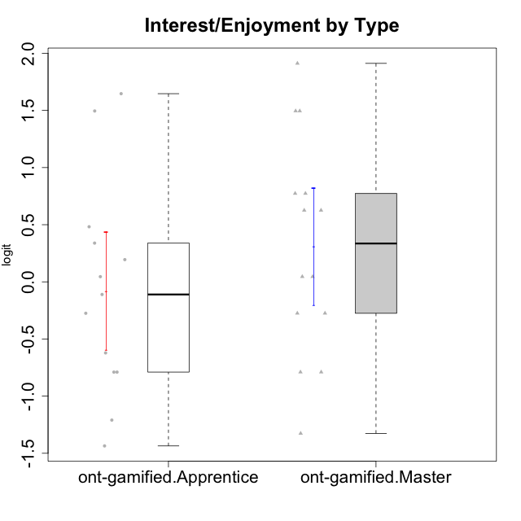

Student's t-Test data
UserID | NroUSP | Type | CLGroup | CLRole | PlayerRole | Interest/Enjoyment | Perceived Choice | Pressure/Tension | Effort/Importance | Intrinsic Motivation
10169 | 10377538 | ont-gamified | Grupo Hefesto | Master | Yee Achiever | 0.77354775663 | -0.34506436271 | 0.8224933278 | 0.21371742061 | -0.045073128315
10170 | 10260351 | ont-gamified | Grupo Afrodite | Apprentice | Yee Achiever | 0.33909170565 | 0.81251309803 | -0.91363027987 | 0.21371742061 | 0.56973812604
10174 | 10276852 | ont-gamified | Grupo Urano | Master | Yee Achiever | 0.04532479257 | -0.56508989585 | -0.0073696712261 | 1.1151835345 | 0.15069702562
10175 | 10310700 | ont-gamified | Grupo Hélio | Master | Yee Socializer | 0.77354775663 | 1.7454889569 | -0.91363027987 | -0.58740121816 | 0.81121714881
10176 | 10276949 | ont-gamified | Grupo Cronus | Apprentice | Yee Achiever | -0.62176572839 | 0.27922605818 | 1.2769315148 | -0.82301683991 | -0.61062200623
10178 | 8656201 | ont-gamified | Grupo Morfeu | Apprentice | Yee Socializer | 0.19438092697 | 0.27922605818 | 0.99020355854 | 0.21371742061 | -0.075719788195
10183 | 10352030 | ont-gamified | Grupo Hélio | Apprentice | Yee Socializer | -0.78975287252 | 0.010078688627 | 1.2769315148 | -0.08257998554 | -0.53479642106
10184 | 10276675 | ont-gamified | Grupo Apolo | Master | Yee Socializer | -0.27485572343 | 0.13995114232 | 0.99020355854 | 1.1151835345 | -0.0024811512813
10186 | 10310551 | ont-gamified | Grupo Ares | Apprentice | Yee Achiever | -0.11051255329 | 0.60542829398 | 1.4068182928 | 2.112963375 | 0.33599966761
10189 | 9363926 | ont-gamified | Grupo Hades | Master | Yee Socializer | -0.78975287252 | -0.11298912179 | 1.6580383299 | 0.58104575034 | -0.49493364347
10193 | 10276762 | ont-gamified | Grupo Afrodite | Master | Yee Achiever | 0.04532479257 | -0.56508989585 | -0.0073696712261 | -0.82301683991 | -0.33385306799
10195 | 10351971 | ont-gamified | Grupo Urano | Apprentice | Yee Achiever | 0.48203349534 | -0.45618554659 | -0.91363027987 | 0.21371742061 | 0.28829891231
10196 | 10310655 | ont-gamified | Grupo Hefesto | Apprentice | Yee Achiever | -0.78975287252 | -0.67246472837 | -0.91363027987 | 0.58104575034 | 0.0081146073306
10197 | 10276661 | ont-gamified | Grupo Gaia | Apprentice | Yee Achiever | 0.04532479257 | 1.4951814649 | -0.91363027987 | -0.58740121816 | 0.4666838298
10198 | 10310888 | ont-gamified | Grupo Apolo | Apprentice | Yee Socializer | 1.6465049901 | 1.7454889569 | -0.91363027987 | 2.112963375 | 1.2184175745
10199 | 10276737 | ont-gamified | Grupo Gaia | Master | Yee Achiever | -0.78975287252 | 1.7454889569 | 1.2769315148 | -0.82301683991 | -0.10207539477
10200 | 9795272 | ont-gamified | Grupo Hades | Apprentice | Yee Socializer | 1.4951617996 | 0.010078688627 | -0.91363027987 | -0.58740121816 | 0.45786738748
10201 | 10276928 | ont-gamified | Grupo Caronte | Master | Yee Achiever | 1.4951617996 | 0.27922605818 | 0.8224933278 | 1.8670095161 | 0.80194893812
10204 | 10310471 | ont-gamified | Grupo Hermes | Master | Yee Achiever | 1.9117264103 | 0.60542829398 | -0.91363027987 | 0.21371742061 | 0.81121714881
10206 | 10310721 | ont-gamified | Grupo Hera | Master | Yee Achiever | -0.27485572343 | 1.0818912276 | 1.6580383299 | -0.08257998554 | -0.23339570283
10209 | 10262669 | ont-gamified | Grupo Artemis | Apprentice | Yee Achiever | -1.4355957758 | -1.3020766724 | -0.91363027987 | 2.112963375 | -0.23281615393
10213 | 10277040 | ont-gamified | Grupo Morfeu | Master | Yee Socializer | 0.62587550794 | -0.45618554659 | -0.91363027987 | -1.4395746749 | -0.18410762009
10218 | 9842913 | ont-gamified | Grupo Ares | Master | Yee Achiever | -1.326100113 | 0.010078688627 | 1.6580383299 | 0.58104575034 | -0.59825350099
10221 | 9082496 | ont-gamified | Grupo Hermes | Apprentice | Yee Achiever | -0.27485572343 | 0.010078688627 | -0.91363027987 | 0.58104575034 | 0.30747474885
10223 | 9795185 | ont-gamified | Grupo Cronus | Master | Yee Achiever | 1.4951617996 | 0.81251309803 | -0.0073696712261 | -0.34384769996 | 0.49279921722
10232 | 10276974 | ont-gamified | Grupo Artemis | Master | Yee Achiever | 0.62587550794 | -0.11298912179 | 1.4068182928 | 0.21371742061 | -0.1700536215
10240 | 10276654 | ont-gamified | Grupo Hera | Apprentice | Yee Achiever | -1.2095717429 | -1.3020766724 | -0.91363027987 | -0.82301683991 | -0.79108933843

