Assumptions
ANOVA assumptions for Intrinsic Motivation by Type

Shapiro-Wilk normality test for Intrinsic Motivation by Type
W | p.value
0.96545767511 | 0.16751946252

Plots for normality test
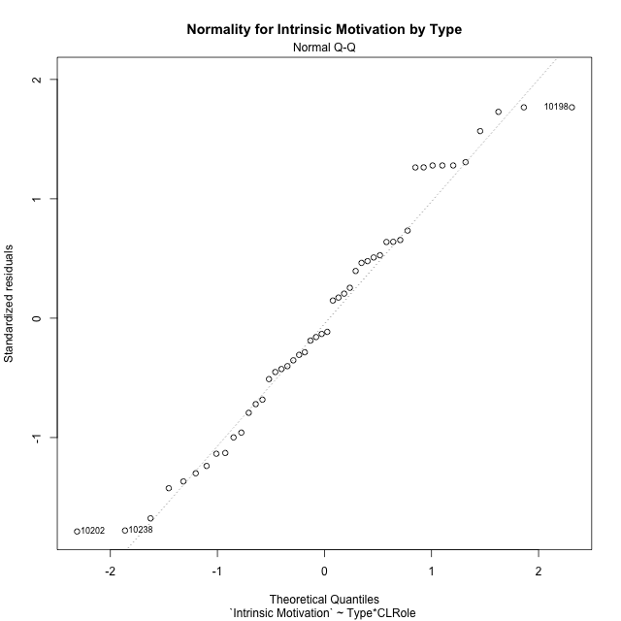

Levene's Test for Homogeneity of Variance in Intrinsic Motivation by Type
Df | F value | Pr(>F)
3 | 1.2232190364 | 0.31254958021
44

Plots for homogeneity of variance
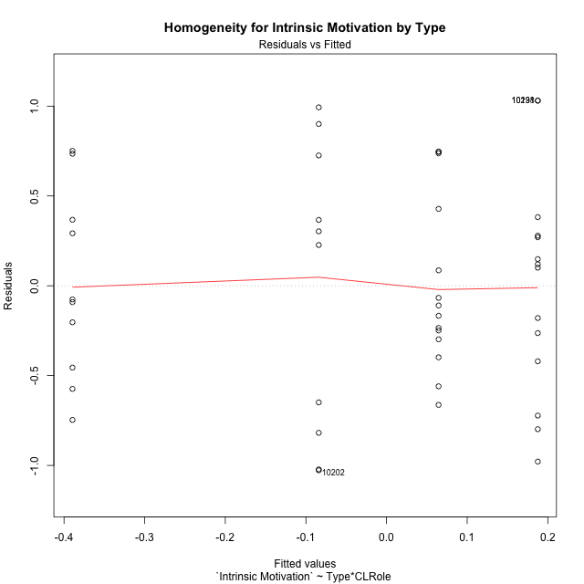

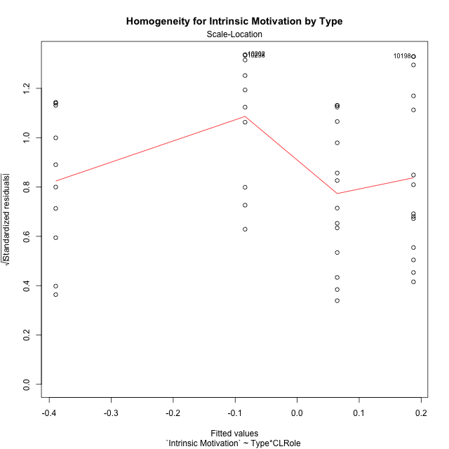

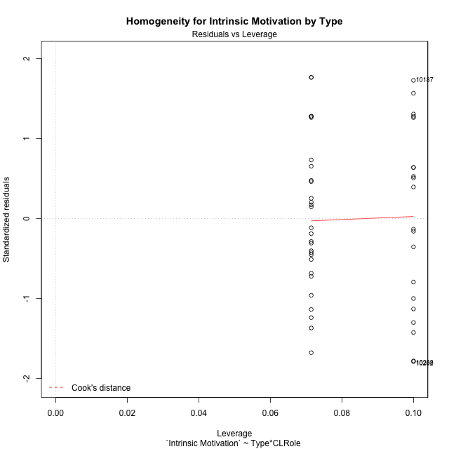

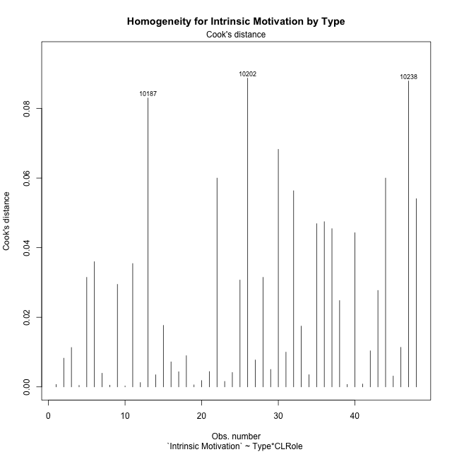

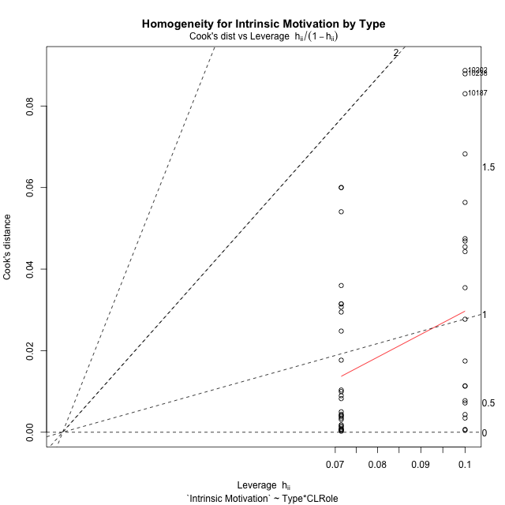

Minimum Sample Size Test for Intrinsic Motivation by Type
Type | CLRole | Freq
non-gamified | Apprentice | 10
ont-gamified | Apprentice | 14
non-gamified | Master | 10
ont-gamified | Master | 14

Errors and Warnings in Sample Size Test for ANOVA in Intrinsic Motivation by Type
code | description
WARN: sample.size | current size is 10 and recommended size is 15 for the group: 'non-gamified:Apprentice'.
WARN: sample.size | current size is 14 and recommended size is 15 for the group: 'ont-gamified:Apprentice'.
WARN: sample.size | current size is 10 and recommended size is 15 for the group: 'non-gamified:Master'.
WARN: sample.size | current size is 14 and recommended size is 15 for the group: 'ont-gamified:Master'.

For the group: 'non-gamified:Apprentice', we recommend the use of non-parametric test. For the group: 'ont-gamified:Apprentice', we recommend the use of non-parametric test. For the group: 'non-gamified:Master', we recommend the use of non-parametric test. For the group: 'ont-gamified:Master', we recommend the use of non-parametric test.

If you don't want to remove non-normal data, you must cite the following references: ... (1) Lix, L.M., J.C. Keselman, and H.J. Keselman. 1996. Consequences of assumption violations revisited: A quantitative review of alternatives to the one-way analysis of variance F test. Rev. Educ. Res. 66: 579-619. ... (2) Harwell, M.R., E.N. Rubinstein, W.S. Hayes, and C.C. Olds. 1992. Summarizing Monte Carlo results in methodological research: the one- and two-factor fixed effects ANOVA cases. J. Educ. Stat. 17: 315-339.

Post-hoc
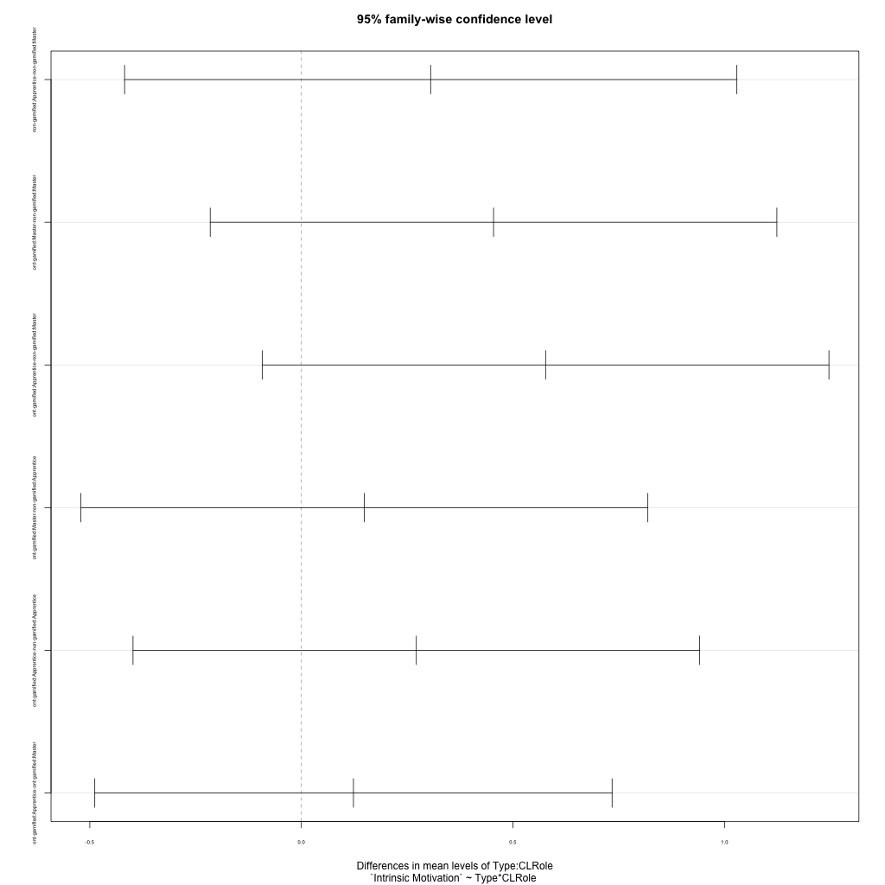
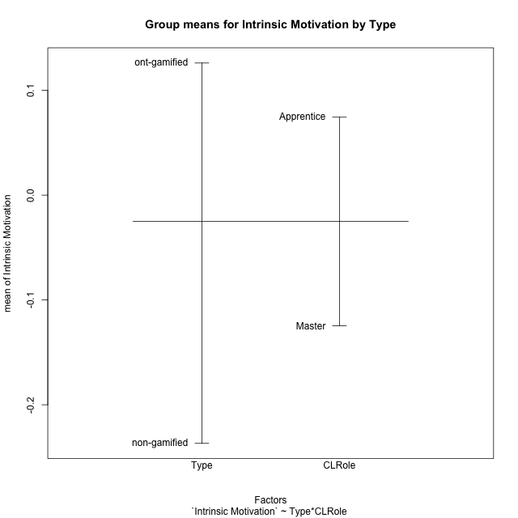
Post-hoc Tukey Honestly Significant Difference (HSD) Test for Intrinsic Motivation by Type

Comparisons of means for Type
 | diff | lwr | upr | p adj
ont-gamified-non-gamified | 0.36287262916 | 0.0055027327495 | 0.72024252556 | 0.046720678

Comparisons of means for CLRole
 | diff | lwr | upr | p adj
Apprentice-Master | 0.19902280045 | -0.15334866942 | 0.55139427032 | 0.26115580942

Comparisons of means for Type:CLRole
 | diff | lwr | upr | p adj
non-gamified:Apprentice-non-gamified:Master | 0.30542311375 | -0.41778663926 | 1.0286328668 | 0.67467784273
ont-gamified:Master-non-gamified:Master | 0.4540728977 | -0.21548922799 | 1.1236350234 | 0.28207991581
ont-gamified:Apprentice-non-gamified:Master | 0.57709547436 | -0.092466651333 | 1.2466576001 | 0.11326199326
ont-gamified:Master-non-gamified:Apprentice | 0.14864978395 | -0.52091234174 | 0.81821190964 | 0.93373835329
ont-gamified:Apprentice-non-gamified:Apprentice | 0.27167236061 | -0.39788976509 | 0.9412344863 | 0.70140757596
ont-gamified:Apprentice-ont-gamified:Master | 0.12302257666 | -0.48820122317 | 0.73424637648 | 0.94941575588

Contrast Matrices for Intrinsic Motivation by Type - Type
contrast | estimate | SE | df | t.ratio | p.value
non-gamified - ont-gamified | -0.36287262916 | 0.1773224403 | 44 | -2.0463999285 | 0.046720677999

Contrast Matrices for Intrinsic Motivation by Type - Type:CLRole
contrast | CLRole | estimate | SE | df | t.ratio | p.value
non-gamified - ont-gamified | Apprentice | -0.27167236061 | 0.25077179998 | 44 | -1.08334494 | 0.28455640551
non-gamified - ont-gamified | Master | -0.4540728977 | 0.25077179998 | 44 | -1.810701593 | 0.077018450731

Least Squares Means and Confidence Intervals for Type
Type | lsmean | SE | df | lower.CL | upper.CL | Pairs
non-gamified | -0.23681472316 | 0.13543225085 | 44 | -0.50976049005 | 0.03613104373 | non-gamified
ont-gamified | 0.126057906 | 0.11446114303 | 44 | -0.1046233702 | 0.35673918219 | ont-gamified

Least Squares Means and Confidence Intervals for Type:CLRole
Type | CLRole | lsmean | SE | df | lower.CL | upper.CL | Pairs
non-gamified | Apprentice | -0.084103166284 | 0.19153012593 | 44 | -0.47010677161 | 0.30190043904 | non-gamified.Apprentice
ont-gamified | Apprentice | 0.18756919432 | 0.16187250084 | 44 | -0.13866339506 | 0.51380178371 | ont-gamified.Apprentice
non-gamified | Master | -0.38952628004 | 0.19153012593 | 44 | -0.77552988536 | -0.0035226747086 | non-gamified.Master
ont-gamified | Master | 0.064546617667 | 0.16187250084 | 44 | -0.26168597172 | 0.39077920705 | ont-gamified.Master

Plots

Type_1
Student's t-Test for Intrinsic Motivation by Type in Type between non-gamified:ont-gamified

Student's t-Test results
Alternative hypothesis: less
Group | N | Mean | Mean.Difference | Std.deviation | Std.error | CI.lower | CI.upper | df | t.value | p.value | g | magnitude
non-gamified | 20 | -0.23681472316 | -0.36287262916 | 0.67795742104 | 0.15159588793 | -0.54000649902 | 0.066377052699 | 35.232266017 | -1.9814821275 | 0.027691406715 | -0.59214000938 | medium
ont-gamified | 28 | 0.126057906 | 0.36287262916 | 0.54366133466 | 0.10274233492 | -0.079426763853 | 0.33154257584 | 35.232266017 | -1.9814821275 | 0.027691406715 | -0.59214000938 | medium
Alternative hypothesis: greater
Group | N | Mean | Mean.Difference | Std.deviation | Std.error | CI.lower | CI.upper | df | t.value | p.value | g | magnitude
non-gamified | 20 | -0.23681472316 | -0.36287262916 | 0.67795742104 | 0.15159588793 | -0.54000649902 | 0.066377052699 | 35.232266017 | -1.9814821275 | 0.97230859329 | -0.59214000938 | medium
ont-gamified | 28 | 0.126057906 | 0.36287262916 | 0.54366133466 | 0.10274233492 | -0.079426763853 | 0.33154257584 | 35.232266017 | -1.9814821275 | 0.97230859329 | -0.59214000938 | medium
Alternative hypothesis: two.sided
Group | N | Mean | Mean.Difference | Std.deviation | Std.error | CI.lower | CI.upper | df | t.value | p.value | g | magnitude
non-gamified | 20 | -0.23681472316 | -0.36287262916 | 0.67795742104 | 0.15159588793 | -0.54000649902 | 0.066377052699 | 35.232266017 | -1.9814821275 | 0.05538281343 | -0.59214000938 | medium
ont-gamified | 28 | 0.126057906 | 0.36287262916 | 0.54366133466 | 0.10274233492 | -0.079426763853 | 0.33154257584 | 35.232266017 | -1.9814821275 | 0.05538281343 | -0.59214000938 | medium

Box plots for Student's t-Test
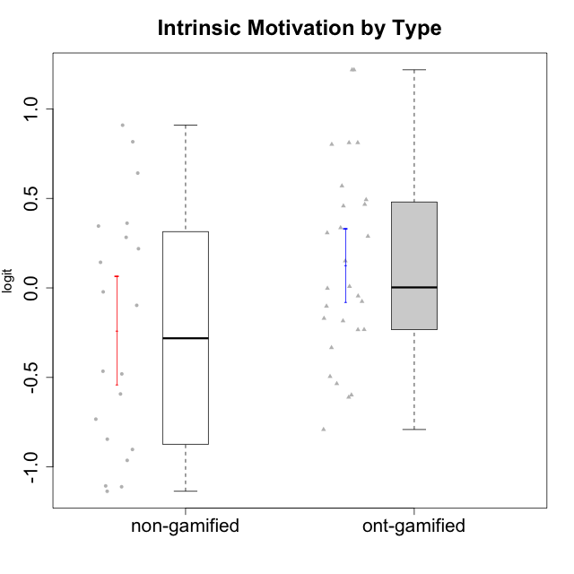

Student's t-Test data
UserID | NroUSP | Type | CLGroup | CLRole | PlayerRole | Interest/Enjoyment | Perceived Choice | Pressure/Tension | Effort/Importance | Intrinsic Motivation
10169 | 10377538 | ont-gamified | Grupo Hefesto | Master | Yee Achiever | 0.77354775663 | -0.34506436271 | 0.8224933278 | 0.21371742061 | -0.045073128315
10170 | 10260351 | ont-gamified | Grupo Afrodite | Apprentice | Yee Achiever | 0.33909170565 | 0.81251309803 | -0.91363027987 | 0.21371742061 | 0.56973812604
10171 | 698531 | non-gamified | Grupo Team 6 | Apprentice |  | 0.77354775663 | 0.43204236264 | -0.0073696712261 | -0.08257998554 | 0.28259495124
10174 | 10276852 | ont-gamified | Grupo Urano | Master | Yee Achiever | 0.04532479257 | -0.56508989585 | -0.0073696712261 | 1.1151835345 | 0.15069702562
10175 | 10310700 | ont-gamified | Grupo Hélio | Master | Yee Socializer | 0.77354775663 | 1.7454889569 | -0.91363027987 | -0.58740121816 | 0.81121714881
10176 | 10276949 | ont-gamified | Grupo Cronus | Apprentice | Yee Achiever | -0.62176572839 | 0.27922605818 | 1.2769315148 | -0.82301683991 | -0.61062200623
10178 | 8656201 | ont-gamified | Grupo Morfeu | Apprentice | Yee Socializer | 0.19438092697 | 0.27922605818 | 0.99020355854 | 0.21371742061 | -0.075719788195
10179 | 10310759 | non-gamified | Grupo Team 9 | Master |  | -0.94401358639 | -1.210479532 | 0.8224933278 | 0.57969939192 | -0.4654507279
10183 | 10352030 | ont-gamified | Grupo Hélio | Apprentice | Yee Socializer | -0.78975287252 | 0.010078688627 | 1.2769315148 | -0.08257998554 | -0.53479642106
10184 | 10276675 | ont-gamified | Grupo Apolo | Master | Yee Socializer | -0.27485572343 | 0.13995114232 | 0.99020355854 | 1.1151835345 | -0.0024811512813
10185 | 10276960 | non-gamified | Grupo Team 12 | Apprentice |  | -0.78975287252 | -0.56508989585 | 0.99020355854 | -0.58740121816 | -0.73311188627
10186 | 10310551 | ont-gamified | Grupo Ares | Apprentice | Yee Achiever | -0.11051255329 | 0.60542829398 | 1.4068182928 | 2.112963375 | 0.33599966761
10187 | 9790781 | non-gamified | Grupo Team 15 | Apprentice |  | 1.68641942 | 0.43204236264 | 1.6580383299 | 1.1151835345 | 0.90913447293
10188 | 10276995 | non-gamified | Grupo Team 3 | Master |  | -0.94401358639 | -0.23096919108 | 0.37211775447 | -0.82301683991 | -0.59252934296
10189 | 9363926 | ont-gamified | Grupo Hades | Master | Yee Socializer | -0.78975287252 | -0.11298912179 | 1.6580383299 | 0.58104575034 | -0.49493364347
10191 | 10276981 | non-gamified | Grupo Team 6 | Master |  | 0.77354775663 | -0.11298912179 | -0.0073696712261 | -1.0572723105 | -0.097336001102
10192 | 10276682 | non-gamified | Grupo Team 5 | Apprentice |  | 1.2808857648 | -0.56508989585 | -0.91363027987 | -1.0572723105 | 0.14303845959
10193 | 10276762 | ont-gamified | Grupo Afrodite | Master | Yee Achiever | 0.04532479257 | -0.56508989585 | -0.0073696712261 | -0.82301683991 | -0.33385306799
10195 | 10351971 | ont-gamified | Grupo Urano | Apprentice | Yee Achiever | 0.48203349534 | -0.45618554659 | -0.91363027987 | 0.21371742061 | 0.28829891231
10196 | 10310655 | ont-gamified | Grupo Hefesto | Apprentice | Yee Achiever | -0.78975287252 | -0.67246472837 | -0.91363027987 | 0.58104575034 | 0.0081146073306
10197 | 10276661 | ont-gamified | Grupo Gaia | Apprentice | Yee Achiever | 0.04532479257 | 1.4951814649 | -0.91363027987 | -0.58740121816 | 0.4666838298
10198 | 10310888 | ont-gamified | Grupo Apolo | Apprentice | Yee Socializer | 1.6465049901 | 1.7454889569 | -0.91363027987 | 2.112963375 | 1.2184175745
10199 | 10276737 | ont-gamified | Grupo Gaia | Master | Yee Achiever | -0.78975287252 | 1.7454889569 | 1.2769315148 | -0.82301683991 | -0.10207539477
10200 | 9795272 | ont-gamified | Grupo Hades | Apprentice | Yee Socializer | 1.4951617996 | 0.010078688627 | -0.91363027987 | -0.58740121816 | 0.45786738748
10201 | 10276928 | ont-gamified | Grupo Caronte | Master | Yee Achiever | 1.4951617996 | 0.27922605818 | 0.8224933278 | 1.8670095161 | 0.80194893812
10202 | 10277036 | non-gamified | Grupo Team 11 | Apprentice |  | -0.78975287252 | -1.210479532 | 2.4262382357 | 1.5139624553 | -1.110958985
10203 | 9921470 | non-gamified | Grupo Team 3 | Apprentice |  | -0.78975287252 | 1.6049919821 | -0.0073696712261 | -0.82301683991 | 0.21899990174
10204 | 10310471 | ont-gamified | Grupo Hermes | Master | Yee Achiever | 1.9117264103 | 0.60542829398 | -0.91363027987 | 0.21371742061 | 0.81121714881
10206 | 10310721 | ont-gamified | Grupo Hera | Master | Yee Achiever | -0.27485572343 | 1.0818912276 | 1.6580383299 | -0.08257998554 | -0.23339570283
10208 | 10276932 | non-gamified | Grupo Team 7 | Apprentice |  | 1.4951617996 | 0.13995114232 | 0.62480349003 | 1.5139624553 | 0.81655266859
10209 | 10262669 | ont-gamified | Grupo Artemis | Apprentice | Yee Achiever | -1.4355957758 | -1.3020766724 | -0.91363027987 | 2.112963375 | -0.23281615393
10210 | 10277015 | non-gamified | Grupo Team 9 | Apprentice |  | -1.2095717429 | -1.4411884157 | 2.0744710307 | 1.1151835345 | -0.90251191367
10211 | 9311643 | non-gamified | Grupo Team 2 | Master |  | 1.1257867718 | -1.3237490316 | 0.8224933278 | -2.2257330717 | -0.84504088772
10213 | 10277040 | ont-gamified | Grupo Morfeu | Master | Yee Socializer | 0.62587550794 | -0.45618554659 | -0.91363027987 | -1.4395746749 | -0.18410762009
10214 | 10277022 | non-gamified | Grupo Team 5 | Master |  | -1.5404013327 | -0.88530121499 | 0.8224933278 | -1.2960764082 | -1.1360680709
10216 | 10276720 | non-gamified | Grupo Team 15 | Master |  | 0.04532479257 | 0.81251309803 | -0.0073696712261 | 0.57969939192 | 0.36156332804
10217 | 9805341 | non-gamified | Grupo Team 13 | Master |  | -0.94401358639 | 1.4951814649 | -0.91363027987 | -0.08257998554 | 0.34555454321
10218 | 9842913 | ont-gamified | Grupo Ares | Master | Yee Achiever | -1.326100113 | 0.010078688627 | 1.6580383299 | 0.58104575034 | -0.59825350099
10219 | 10276831 | non-gamified | Grupo Team 12 | Master |  | -1.0832226321 | -0.45618554659 | -0.91363027987 | -1.2960764082 | -0.48046357674
10220 | 9760151 | non-gamified | Grupo Team 2 | Apprentice |  | 0.62587550794 | 0.81251309803 | -0.91363027987 | 0.21371742061 | 0.64143407661
10221 | 9082496 | ont-gamified | Grupo Hermes | Apprentice | Yee Achiever | -0.27485572343 | 0.010078688627 | -0.91363027987 | 0.58104575034 | 0.30747474885
10223 | 9795185 | ont-gamified | Grupo Cronus | Master | Yee Achiever | 1.4951617996 | 0.81251309803 | -0.0073696712261 | -0.34384769996 | 0.49279921722
10230 | 10351992 | non-gamified | Grupo Team 14 | Master |  | -1.7436870557 | 0.010078688627 | 1.5327201225 | -0.58740121816 | -0.96343242692
10231 | 10276911 | ont-gamified | Grupo Caronte | Apprentice | Yee Achiever | 1.6465049901 | 1.4951814649 | -0.91363027987 | 0.58104575034 | 1.2184175745
10232 | 10276974 | ont-gamified | Grupo Artemis | Master | Yee Achiever | 0.62587550794 | -0.11298912179 | 1.4068182928 | 0.21371742061 | -0.1700536215
10237 | 10377688 | non-gamified | Grupo Team 11 | Master |  | 0.04532479257 | 0.010078688627 | -0.91363027987 | -1.0572723105 | -0.022059637352
10238 | 10276953 | non-gamified | Grupo Team 13 | Apprentice |  | -0.94401358639 | -1.3237490316 | 2.0744710307 | -0.08257998554 | -1.1062034086
10240 | 10276654 | ont-gamified | Grupo Hera | Apprentice | Yee Achiever | -1.2095717429 | -1.3020766724 | -0.91363027987 | -0.82301683991 | -0.79108933843

Type_CLRole_1
Student's t-Test for Intrinsic Motivation by Type in Type:CLRole between non-gamified.Apprentice:non-gamified.Master

Student's t-Test results
Alternative hypothesis: less
Group | N | Mean | Mean.Difference | Std.deviation | Std.error | CI.lower | CI.upper | df | t.value | p.value | g | magnitude
non-gamified.Apprentice | 10 | -0.084103166284 | 0.30542311375 | 0.80223060576 | 0.25368759229 | -0.59147835086 | 0.42327201829 | 15.502659498 | 1.0077731334 | 0.83548247379 | 0.4316466135 | small
non-gamified.Master | 10 | -0.38952628004 | -0.30542311375 | 0.52433207615 | 0.16580836109 | -0.72114300222 | -0.057909557854 | 15.502659498 | 1.0077731334 | 0.83548247379 | 0.4316466135 | small
Alternative hypothesis: greater
Group | N | Mean | Mean.Difference | Std.deviation | Std.error | CI.lower | CI.upper | df | t.value | p.value | g | magnitude
non-gamified.Apprentice | 10 | -0.084103166284 | 0.30542311375 | 0.80223060576 | 0.25368759229 | -0.59147835086 | 0.42327201829 | 15.502659498 | 1.0077731334 | 0.16451752621 | 0.4316466135 | small
non-gamified.Master | 10 | -0.38952628004 | -0.30542311375 | 0.52433207615 | 0.16580836109 | -0.72114300222 | -0.057909557854 | 15.502659498 | 1.0077731334 | 0.16451752621 | 0.4316466135 | small
Alternative hypothesis: two.sided
Group | N | Mean | Mean.Difference | Std.deviation | Std.error | CI.lower | CI.upper | df | t.value | p.value | g | magnitude
non-gamified.Apprentice | 10 | -0.084103166284 | 0.30542311375 | 0.80223060576 | 0.25368759229 | -0.59147835086 | 0.42327201829 | 15.502659498 | 1.0077731334 | 0.32903505242 | 0.4316466135 | small
non-gamified.Master | 10 | -0.38952628004 | -0.30542311375 | 0.52433207615 | 0.16580836109 | -0.72114300222 | -0.057909557854 | 15.502659498 | 1.0077731334 | 0.32903505242 | 0.4316466135 | small

Box plots for Student's t-Test
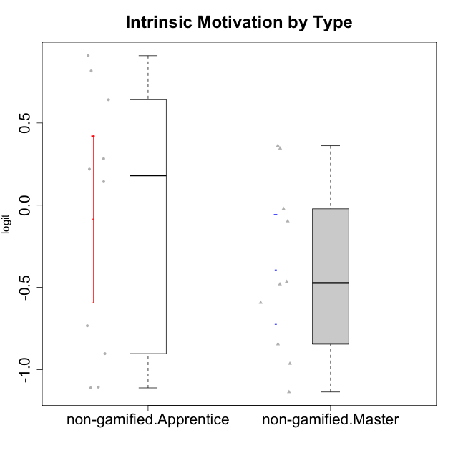

Student's t-Test data
UserID | NroUSP | Type | CLGroup | CLRole | PlayerRole | Interest/Enjoyment | Perceived Choice | Pressure/Tension | Effort/Importance | Intrinsic Motivation
10171 | 698531 | non-gamified | Grupo Team 6 | Apprentice |  | 0.77354775663 | 0.43204236264 | -0.0073696712261 | -0.08257998554 | 0.28259495124
10179 | 10310759 | non-gamified | Grupo Team 9 | Master |  | -0.94401358639 | -1.210479532 | 0.8224933278 | 0.57969939192 | -0.4654507279
10185 | 10276960 | non-gamified | Grupo Team 12 | Apprentice |  | -0.78975287252 | -0.56508989585 | 0.99020355854 | -0.58740121816 | -0.73311188627
10187 | 9790781 | non-gamified | Grupo Team 15 | Apprentice |  | 1.68641942 | 0.43204236264 | 1.6580383299 | 1.1151835345 | 0.90913447293
10188 | 10276995 | non-gamified | Grupo Team 3 | Master |  | -0.94401358639 | -0.23096919108 | 0.37211775447 | -0.82301683991 | -0.59252934296
10191 | 10276981 | non-gamified | Grupo Team 6 | Master |  | 0.77354775663 | -0.11298912179 | -0.0073696712261 | -1.0572723105 | -0.097336001102
10192 | 10276682 | non-gamified | Grupo Team 5 | Apprentice |  | 1.2808857648 | -0.56508989585 | -0.91363027987 | -1.0572723105 | 0.14303845959
10202 | 10277036 | non-gamified | Grupo Team 11 | Apprentice |  | -0.78975287252 | -1.210479532 | 2.4262382357 | 1.5139624553 | -1.110958985
10203 | 9921470 | non-gamified | Grupo Team 3 | Apprentice |  | -0.78975287252 | 1.6049919821 | -0.0073696712261 | -0.82301683991 | 0.21899990174
10208 | 10276932 | non-gamified | Grupo Team 7 | Apprentice |  | 1.4951617996 | 0.13995114232 | 0.62480349003 | 1.5139624553 | 0.81655266859
10210 | 10277015 | non-gamified | Grupo Team 9 | Apprentice |  | -1.2095717429 | -1.4411884157 | 2.0744710307 | 1.1151835345 | -0.90251191367
10211 | 9311643 | non-gamified | Grupo Team 2 | Master |  | 1.1257867718 | -1.3237490316 | 0.8224933278 | -2.2257330717 | -0.84504088772
10214 | 10277022 | non-gamified | Grupo Team 5 | Master |  | -1.5404013327 | -0.88530121499 | 0.8224933278 | -1.2960764082 | -1.1360680709
10216 | 10276720 | non-gamified | Grupo Team 15 | Master |  | 0.04532479257 | 0.81251309803 | -0.0073696712261 | 0.57969939192 | 0.36156332804
10217 | 9805341 | non-gamified | Grupo Team 13 | Master |  | -0.94401358639 | 1.4951814649 | -0.91363027987 | -0.08257998554 | 0.34555454321
10219 | 10276831 | non-gamified | Grupo Team 12 | Master |  | -1.0832226321 | -0.45618554659 | -0.91363027987 | -1.2960764082 | -0.48046357674
10220 | 9760151 | non-gamified | Grupo Team 2 | Apprentice |  | 0.62587550794 | 0.81251309803 | -0.91363027987 | 0.21371742061 | 0.64143407661
10230 | 10351992 | non-gamified | Grupo Team 14 | Master |  | -1.7436870557 | 0.010078688627 | 1.5327201225 | -0.58740121816 | -0.96343242692
10237 | 10377688 | non-gamified | Grupo Team 11 | Master |  | 0.04532479257 | 0.010078688627 | -0.91363027987 | -1.0572723105 | -0.022059637352
10238 | 10276953 | non-gamified | Grupo Team 13 | Apprentice |  | -0.94401358639 | -1.3237490316 | 2.0744710307 | -0.08257998554 | -1.1062034086

Type_CLRole_2
Student's t-Test for Intrinsic Motivation by Type in Type:CLRole between non-gamified.Apprentice:ont-gamified.Apprentice

Student's t-Test results
Alternative hypothesis: less
Group | N | Mean | Mean.Difference | Std.deviation | Std.error | CI.lower | CI.upper | df | t.value | p.value | g | magnitude
non-gamified.Apprentice | 10 | -0.084103166284 | -0.27167236061 | 0.80223060576 | 0.25368759229 | -0.59147835086 | 0.42327201829 | 16.103925518 | -0.90018136376 | 0.19064413143 | -0.37689479606 | small
ont-gamified.Apprentice | 14 | 0.18756919432 | 0.27167236061 | 0.61166947154 | 0.1634755426 | -0.13938189088 | 0.51452027953 | 16.103925518 | -0.90018136376 | 0.19064413143 | -0.37689479606 | small
Alternative hypothesis: greater
Group | N | Mean | Mean.Difference | Std.deviation | Std.error | CI.lower | CI.upper | df | t.value | p.value | g | magnitude
non-gamified.Apprentice | 10 | -0.084103166284 | -0.27167236061 | 0.80223060576 | 0.25368759229 | -0.59147835086 | 0.42327201829 | 16.103925518 | -0.90018136376 | 0.80935586857 | -0.37689479606 | small
ont-gamified.Apprentice | 14 | 0.18756919432 | 0.27167236061 | 0.61166947154 | 0.1634755426 | -0.13938189088 | 0.51452027953 | 16.103925518 | -0.90018136376 | 0.80935586857 | -0.37689479606 | small
Alternative hypothesis: two.sided
Group | N | Mean | Mean.Difference | Std.deviation | Std.error | CI.lower | CI.upper | df | t.value | p.value | g | magnitude
non-gamified.Apprentice | 10 | -0.084103166284 | -0.27167236061 | 0.80223060576 | 0.25368759229 | -0.59147835086 | 0.42327201829 | 16.103925518 | -0.90018136376 | 0.38128826286 | -0.37689479606 | small
ont-gamified.Apprentice | 14 | 0.18756919432 | 0.27167236061 | 0.61166947154 | 0.1634755426 | -0.13938189088 | 0.51452027953 | 16.103925518 | -0.90018136376 | 0.38128826286 | -0.37689479606 | small

Box plots for Student's t-Test
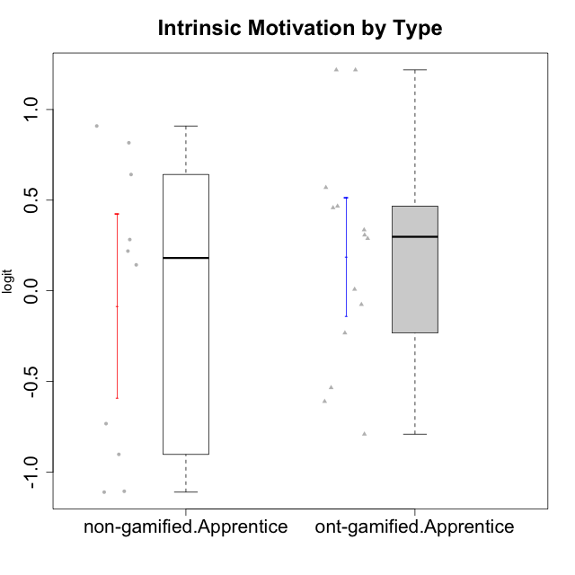

Student's t-Test data
UserID | NroUSP | Type | CLGroup | CLRole | PlayerRole | Interest/Enjoyment | Perceived Choice | Pressure/Tension | Effort/Importance | Intrinsic Motivation
10170 | 10260351 | ont-gamified | Grupo Afrodite | Apprentice | Yee Achiever | 0.33909170565 | 0.81251309803 | -0.91363027987 | 0.21371742061 | 0.56973812604
10171 | 698531 | non-gamified | Grupo Team 6 | Apprentice |  | 0.77354775663 | 0.43204236264 | -0.0073696712261 | -0.08257998554 | 0.28259495124
10176 | 10276949 | ont-gamified | Grupo Cronus | Apprentice | Yee Achiever | -0.62176572839 | 0.27922605818 | 1.2769315148 | -0.82301683991 | -0.61062200623
10178 | 8656201 | ont-gamified | Grupo Morfeu | Apprentice | Yee Socializer | 0.19438092697 | 0.27922605818 | 0.99020355854 | 0.21371742061 | -0.075719788195
10183 | 10352030 | ont-gamified | Grupo Hélio | Apprentice | Yee Socializer | -0.78975287252 | 0.010078688627 | 1.2769315148 | -0.08257998554 | -0.53479642106
10185 | 10276960 | non-gamified | Grupo Team 12 | Apprentice |  | -0.78975287252 | -0.56508989585 | 0.99020355854 | -0.58740121816 | -0.73311188627
10186 | 10310551 | ont-gamified | Grupo Ares | Apprentice | Yee Achiever | -0.11051255329 | 0.60542829398 | 1.4068182928 | 2.112963375 | 0.33599966761
10187 | 9790781 | non-gamified | Grupo Team 15 | Apprentice |  | 1.68641942 | 0.43204236264 | 1.6580383299 | 1.1151835345 | 0.90913447293
10192 | 10276682 | non-gamified | Grupo Team 5 | Apprentice |  | 1.2808857648 | -0.56508989585 | -0.91363027987 | -1.0572723105 | 0.14303845959
10195 | 10351971 | ont-gamified | Grupo Urano | Apprentice | Yee Achiever | 0.48203349534 | -0.45618554659 | -0.91363027987 | 0.21371742061 | 0.28829891231
10196 | 10310655 | ont-gamified | Grupo Hefesto | Apprentice | Yee Achiever | -0.78975287252 | -0.67246472837 | -0.91363027987 | 0.58104575034 | 0.0081146073306
10197 | 10276661 | ont-gamified | Grupo Gaia | Apprentice | Yee Achiever | 0.04532479257 | 1.4951814649 | -0.91363027987 | -0.58740121816 | 0.4666838298
10198 | 10310888 | ont-gamified | Grupo Apolo | Apprentice | Yee Socializer | 1.6465049901 | 1.7454889569 | -0.91363027987 | 2.112963375 | 1.2184175745
10200 | 9795272 | ont-gamified | Grupo Hades | Apprentice | Yee Socializer | 1.4951617996 | 0.010078688627 | -0.91363027987 | -0.58740121816 | 0.45786738748
10202 | 10277036 | non-gamified | Grupo Team 11 | Apprentice |  | -0.78975287252 | -1.210479532 | 2.4262382357 | 1.5139624553 | -1.110958985
10203 | 9921470 | non-gamified | Grupo Team 3 | Apprentice |  | -0.78975287252 | 1.6049919821 | -0.0073696712261 | -0.82301683991 | 0.21899990174
10208 | 10276932 | non-gamified | Grupo Team 7 | Apprentice |  | 1.4951617996 | 0.13995114232 | 0.62480349003 | 1.5139624553 | 0.81655266859
10209 | 10262669 | ont-gamified | Grupo Artemis | Apprentice | Yee Achiever | -1.4355957758 | -1.3020766724 | -0.91363027987 | 2.112963375 | -0.23281615393
10210 | 10277015 | non-gamified | Grupo Team 9 | Apprentice |  | -1.2095717429 | -1.4411884157 | 2.0744710307 | 1.1151835345 | -0.90251191367
10220 | 9760151 | non-gamified | Grupo Team 2 | Apprentice |  | 0.62587550794 | 0.81251309803 | -0.91363027987 | 0.21371742061 | 0.64143407661
10221 | 9082496 | ont-gamified | Grupo Hermes | Apprentice | Yee Achiever | -0.27485572343 | 0.010078688627 | -0.91363027987 | 0.58104575034 | 0.30747474885
10231 | 10276911 | ont-gamified | Grupo Caronte | Apprentice | Yee Achiever | 1.6465049901 | 1.4951814649 | -0.91363027987 | 0.58104575034 | 1.2184175745
10238 | 10276953 | non-gamified | Grupo Team 13 | Apprentice |  | -0.94401358639 | -1.3237490316 | 2.0744710307 | -0.08257998554 | -1.1062034086
10240 | 10276654 | ont-gamified | Grupo Hera | Apprentice | Yee Achiever | -1.2095717429 | -1.3020766724 | -0.91363027987 | -0.82301683991 | -0.79108933843

Type_CLRole_3
Student's t-Test for Intrinsic Motivation by Type in Type:CLRole between non-gamified.Apprentice:ont-gamified.Master

Student's t-Test results
Alternative hypothesis: less
Group | N | Mean | Mean.Difference | Std.deviation | Std.error | CI.lower | CI.upper | df | t.value | p.value | g | magnitude
non-gamified.Apprentice | 10 | -0.084103166284 | -0.14864978395 | 0.80223060576 | 0.25368759229 | -0.59147835086 | 0.42327201829 | 13.599088479 | -0.5226280684 | 0.30482127691 | -0.22689598799 | small
ont-gamified.Master | 14 | 0.064546617667 | 0.14864978395 | 0.48123003708 | 0.12861413736 | -0.19268165705 | 0.32177489238 | 13.599088479 | -0.5226280684 | 0.30482127691 | -0.22689598799 | small
Alternative hypothesis: greater
Group | N | Mean | Mean.Difference | Std.deviation | Std.error | CI.lower | CI.upper | df | t.value | p.value | g | magnitude
non-gamified.Apprentice | 10 | -0.084103166284 | -0.14864978395 | 0.80223060576 | 0.25368759229 | -0.59147835086 | 0.42327201829 | 13.599088479 | -0.5226280684 | 0.69517872309 | -0.22689598799 | small
ont-gamified.Master | 14 | 0.064546617667 | 0.14864978395 | 0.48123003708 | 0.12861413736 | -0.19268165705 | 0.32177489238 | 13.599088479 | -0.5226280684 | 0.69517872309 | -0.22689598799 | small
Alternative hypothesis: two.sided
Group | N | Mean | Mean.Difference | Std.deviation | Std.error | CI.lower | CI.upper | df | t.value | p.value | g | magnitude
non-gamified.Apprentice | 10 | -0.084103166284 | -0.14864978395 | 0.80223060576 | 0.25368759229 | -0.59147835086 | 0.42327201829 | 13.599088479 | -0.5226280684 | 0.60964255383 | -0.22689598799 | small
ont-gamified.Master | 14 | 0.064546617667 | 0.14864978395 | 0.48123003708 | 0.12861413736 | -0.19268165705 | 0.32177489238 | 13.599088479 | -0.5226280684 | 0.60964255383 | -0.22689598799 | small

Box plots for Student's t-Test
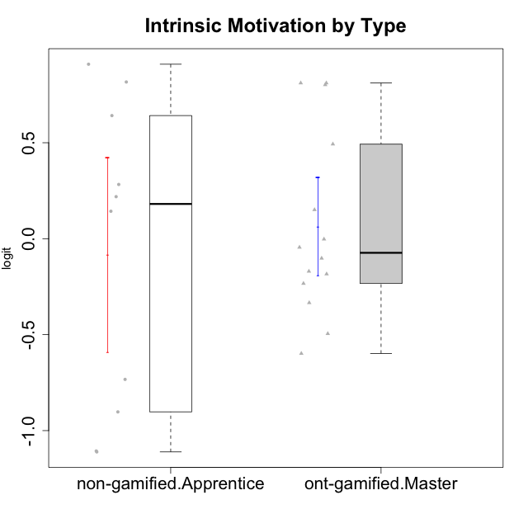

Student's t-Test data
UserID | NroUSP | Type | CLGroup | CLRole | PlayerRole | Interest/Enjoyment | Perceived Choice | Pressure/Tension | Effort/Importance | Intrinsic Motivation
10169 | 10377538 | ont-gamified | Grupo Hefesto | Master | Yee Achiever | 0.77354775663 | -0.34506436271 | 0.8224933278 | 0.21371742061 | -0.045073128315
10171 | 698531 | non-gamified | Grupo Team 6 | Apprentice |  | 0.77354775663 | 0.43204236264 | -0.0073696712261 | -0.08257998554 | 0.28259495124
10174 | 10276852 | ont-gamified | Grupo Urano | Master | Yee Achiever | 0.04532479257 | -0.56508989585 | -0.0073696712261 | 1.1151835345 | 0.15069702562
10175 | 10310700 | ont-gamified | Grupo Hélio | Master | Yee Socializer | 0.77354775663 | 1.7454889569 | -0.91363027987 | -0.58740121816 | 0.81121714881
10184 | 10276675 | ont-gamified | Grupo Apolo | Master | Yee Socializer | -0.27485572343 | 0.13995114232 | 0.99020355854 | 1.1151835345 | -0.0024811512813
10185 | 10276960 | non-gamified | Grupo Team 12 | Apprentice |  | -0.78975287252 | -0.56508989585 | 0.99020355854 | -0.58740121816 | -0.73311188627
10187 | 9790781 | non-gamified | Grupo Team 15 | Apprentice |  | 1.68641942 | 0.43204236264 | 1.6580383299 | 1.1151835345 | 0.90913447293
10189 | 9363926 | ont-gamified | Grupo Hades | Master | Yee Socializer | -0.78975287252 | -0.11298912179 | 1.6580383299 | 0.58104575034 | -0.49493364347
10192 | 10276682 | non-gamified | Grupo Team 5 | Apprentice |  | 1.2808857648 | -0.56508989585 | -0.91363027987 | -1.0572723105 | 0.14303845959
10193 | 10276762 | ont-gamified | Grupo Afrodite | Master | Yee Achiever | 0.04532479257 | -0.56508989585 | -0.0073696712261 | -0.82301683991 | -0.33385306799
10199 | 10276737 | ont-gamified | Grupo Gaia | Master | Yee Achiever | -0.78975287252 | 1.7454889569 | 1.2769315148 | -0.82301683991 | -0.10207539477
10201 | 10276928 | ont-gamified | Grupo Caronte | Master | Yee Achiever | 1.4951617996 | 0.27922605818 | 0.8224933278 | 1.8670095161 | 0.80194893812
10202 | 10277036 | non-gamified | Grupo Team 11 | Apprentice |  | -0.78975287252 | -1.210479532 | 2.4262382357 | 1.5139624553 | -1.110958985
10203 | 9921470 | non-gamified | Grupo Team 3 | Apprentice |  | -0.78975287252 | 1.6049919821 | -0.0073696712261 | -0.82301683991 | 0.21899990174
10204 | 10310471 | ont-gamified | Grupo Hermes | Master | Yee Achiever | 1.9117264103 | 0.60542829398 | -0.91363027987 | 0.21371742061 | 0.81121714881
10206 | 10310721 | ont-gamified | Grupo Hera | Master | Yee Achiever | -0.27485572343 | 1.0818912276 | 1.6580383299 | -0.08257998554 | -0.23339570283
10208 | 10276932 | non-gamified | Grupo Team 7 | Apprentice |  | 1.4951617996 | 0.13995114232 | 0.62480349003 | 1.5139624553 | 0.81655266859
10210 | 10277015 | non-gamified | Grupo Team 9 | Apprentice |  | -1.2095717429 | -1.4411884157 | 2.0744710307 | 1.1151835345 | -0.90251191367
10213 | 10277040 | ont-gamified | Grupo Morfeu | Master | Yee Socializer | 0.62587550794 | -0.45618554659 | -0.91363027987 | -1.4395746749 | -0.18410762009
10218 | 9842913 | ont-gamified | Grupo Ares | Master | Yee Achiever | -1.326100113 | 0.010078688627 | 1.6580383299 | 0.58104575034 | -0.59825350099
10220 | 9760151 | non-gamified | Grupo Team 2 | Apprentice |  | 0.62587550794 | 0.81251309803 | -0.91363027987 | 0.21371742061 | 0.64143407661
10223 | 9795185 | ont-gamified | Grupo Cronus | Master | Yee Achiever | 1.4951617996 | 0.81251309803 | -0.0073696712261 | -0.34384769996 | 0.49279921722
10232 | 10276974 | ont-gamified | Grupo Artemis | Master | Yee Achiever | 0.62587550794 | -0.11298912179 | 1.4068182928 | 0.21371742061 | -0.1700536215
10238 | 10276953 | non-gamified | Grupo Team 13 | Apprentice |  | -0.94401358639 | -1.3237490316 | 2.0744710307 | -0.08257998554 | -1.1062034086

Type_CLRole_4
Student's t-Test for Intrinsic Motivation by Type in Type:CLRole between non-gamified.Master:ont-gamified.Apprentice

Student's t-Test results
Alternative hypothesis: less
Group | N | Mean | Mean.Difference | Std.deviation | Std.error | CI.lower | CI.upper | df | t.value | p.value | g | magnitude
non-gamified.Master | 10 | -0.38952628004 | -0.57709547436 | 0.52433207615 | 0.16580836109 | -0.72114300222 | -0.057909557854 | 21.159463598 | -2.4784563021 | 0.010848427157 | -0.96477558975 | large
ont-gamified.Apprentice | 14 | 0.18756919432 | 0.57709547436 | 0.61166947154 | 0.1634755426 | -0.13938189088 | 0.51452027953 | 21.159463598 | -2.4784563021 | 0.010848427157 | -0.96477558975 | large
Alternative hypothesis: greater
Group | N | Mean | Mean.Difference | Std.deviation | Std.error | CI.lower | CI.upper | df | t.value | p.value | g | magnitude
non-gamified.Master | 10 | -0.38952628004 | -0.57709547436 | 0.52433207615 | 0.16580836109 | -0.72114300222 | -0.057909557854 | 21.159463598 | -2.4784563021 | 0.98915157284 | -0.96477558975 | large
ont-gamified.Apprentice | 14 | 0.18756919432 | 0.57709547436 | 0.61166947154 | 0.1634755426 | -0.13938189088 | 0.51452027953 | 21.159463598 | -2.4784563021 | 0.98915157284 | -0.96477558975 | large
Alternative hypothesis: two.sided
Group | N | Mean | Mean.Difference | Std.deviation | Std.error | CI.lower | CI.upper | df | t.value | p.value | g | magnitude
non-gamified.Master | 10 | -0.38952628004 | -0.57709547436 | 0.52433207615 | 0.16580836109 | -0.72114300222 | -0.057909557854 | 21.159463598 | -2.4784563021 | 0.021696854314 | -0.96477558975 | large
ont-gamified.Apprentice | 14 | 0.18756919432 | 0.57709547436 | 0.61166947154 | 0.1634755426 | -0.13938189088 | 0.51452027953 | 21.159463598 | -2.4784563021 | 0.021696854314 | -0.96477558975 | large

Box plots for Student's t-Test
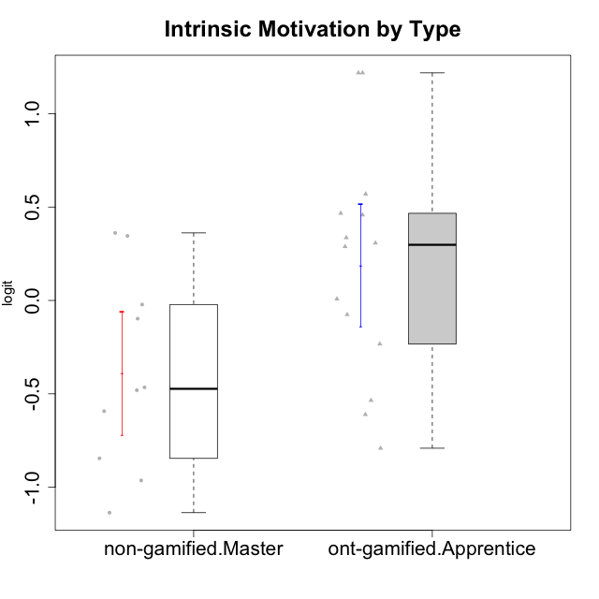

Student's t-Test data
UserID | NroUSP | Type | CLGroup | CLRole | PlayerRole | Interest/Enjoyment | Perceived Choice | Pressure/Tension | Effort/Importance | Intrinsic Motivation
10170 | 10260351 | ont-gamified | Grupo Afrodite | Apprentice | Yee Achiever | 0.33909170565 | 0.81251309803 | -0.91363027987 | 0.21371742061 | 0.56973812604
10176 | 10276949 | ont-gamified | Grupo Cronus | Apprentice | Yee Achiever | -0.62176572839 | 0.27922605818 | 1.2769315148 | -0.82301683991 | -0.61062200623
10178 | 8656201 | ont-gamified | Grupo Morfeu | Apprentice | Yee Socializer | 0.19438092697 | 0.27922605818 | 0.99020355854 | 0.21371742061 | -0.075719788195
10179 | 10310759 | non-gamified | Grupo Team 9 | Master |  | -0.94401358639 | -1.210479532 | 0.8224933278 | 0.57969939192 | -0.4654507279
10183 | 10352030 | ont-gamified | Grupo Hélio | Apprentice | Yee Socializer | -0.78975287252 | 0.010078688627 | 1.2769315148 | -0.08257998554 | -0.53479642106
10186 | 10310551 | ont-gamified | Grupo Ares | Apprentice | Yee Achiever | -0.11051255329 | 0.60542829398 | 1.4068182928 | 2.112963375 | 0.33599966761
10188 | 10276995 | non-gamified | Grupo Team 3 | Master |  | -0.94401358639 | -0.23096919108 | 0.37211775447 | -0.82301683991 | -0.59252934296
10191 | 10276981 | non-gamified | Grupo Team 6 | Master |  | 0.77354775663 | -0.11298912179 | -0.0073696712261 | -1.0572723105 | -0.097336001102
10195 | 10351971 | ont-gamified | Grupo Urano | Apprentice | Yee Achiever | 0.48203349534 | -0.45618554659 | -0.91363027987 | 0.21371742061 | 0.28829891231
10196 | 10310655 | ont-gamified | Grupo Hefesto | Apprentice | Yee Achiever | -0.78975287252 | -0.67246472837 | -0.91363027987 | 0.58104575034 | 0.0081146073306
10197 | 10276661 | ont-gamified | Grupo Gaia | Apprentice | Yee Achiever | 0.04532479257 | 1.4951814649 | -0.91363027987 | -0.58740121816 | 0.4666838298
10198 | 10310888 | ont-gamified | Grupo Apolo | Apprentice | Yee Socializer | 1.6465049901 | 1.7454889569 | -0.91363027987 | 2.112963375 | 1.2184175745
10200 | 9795272 | ont-gamified | Grupo Hades | Apprentice | Yee Socializer | 1.4951617996 | 0.010078688627 | -0.91363027987 | -0.58740121816 | 0.45786738748
10209 | 10262669 | ont-gamified | Grupo Artemis | Apprentice | Yee Achiever | -1.4355957758 | -1.3020766724 | -0.91363027987 | 2.112963375 | -0.23281615393
10211 | 9311643 | non-gamified | Grupo Team 2 | Master |  | 1.1257867718 | -1.3237490316 | 0.8224933278 | -2.2257330717 | -0.84504088772
10214 | 10277022 | non-gamified | Grupo Team 5 | Master |  | -1.5404013327 | -0.88530121499 | 0.8224933278 | -1.2960764082 | -1.1360680709
10216 | 10276720 | non-gamified | Grupo Team 15 | Master |  | 0.04532479257 | 0.81251309803 | -0.0073696712261 | 0.57969939192 | 0.36156332804
10217 | 9805341 | non-gamified | Grupo Team 13 | Master |  | -0.94401358639 | 1.4951814649 | -0.91363027987 | -0.08257998554 | 0.34555454321
10219 | 10276831 | non-gamified | Grupo Team 12 | Master |  | -1.0832226321 | -0.45618554659 | -0.91363027987 | -1.2960764082 | -0.48046357674
10221 | 9082496 | ont-gamified | Grupo Hermes | Apprentice | Yee Achiever | -0.27485572343 | 0.010078688627 | -0.91363027987 | 0.58104575034 | 0.30747474885
10230 | 10351992 | non-gamified | Grupo Team 14 | Master |  | -1.7436870557 | 0.010078688627 | 1.5327201225 | -0.58740121816 | -0.96343242692
10231 | 10276911 | ont-gamified | Grupo Caronte | Apprentice | Yee Achiever | 1.6465049901 | 1.4951814649 | -0.91363027987 | 0.58104575034 | 1.2184175745
10237 | 10377688 | non-gamified | Grupo Team 11 | Master |  | 0.04532479257 | 0.010078688627 | -0.91363027987 | -1.0572723105 | -0.022059637352
10240 | 10276654 | ont-gamified | Grupo Hera | Apprentice | Yee Achiever | -1.2095717429 | -1.3020766724 | -0.91363027987 | -0.82301683991 | -0.79108933843

Type_CLRole_5
Student's t-Test for Intrinsic Motivation by Type in Type:CLRole between non-gamified.Master:ont-gamified.Master

Student's t-Test results
Alternative hypothesis: less
Group | N | Mean | Mean.Difference | Std.deviation | Std.error | CI.lower | CI.upper | df | t.value | p.value | g | magnitude
non-gamified.Master | 10 | -0.38952628004 | -0.4540728977 | 0.52433207615 | 0.16580836109 | -0.72114300222 | -0.057909557854 | 18.461431297 | -2.1638715043 | 0.021906804083 | -0.87803754349 | large
ont-gamified.Master | 14 | 0.064546617667 | 0.4540728977 | 0.48123003708 | 0.12861413736 | -0.19268165705 | 0.32177489238 | 18.461431297 | -2.1638715043 | 0.021906804083 | -0.87803754349 | large
Alternative hypothesis: greater
Group | N | Mean | Mean.Difference | Std.deviation | Std.error | CI.lower | CI.upper | df | t.value | p.value | g | magnitude
non-gamified.Master | 10 | -0.38952628004 | -0.4540728977 | 0.52433207615 | 0.16580836109 | -0.72114300222 | -0.057909557854 | 18.461431297 | -2.1638715043 | 0.97809319592 | -0.87803754349 | large
ont-gamified.Master | 14 | 0.064546617667 | 0.4540728977 | 0.48123003708 | 0.12861413736 | -0.19268165705 | 0.32177489238 | 18.461431297 | -2.1638715043 | 0.97809319592 | -0.87803754349 | large
Alternative hypothesis: two.sided
Group | N | Mean | Mean.Difference | Std.deviation | Std.error | CI.lower | CI.upper | df | t.value | p.value | g | magnitude
non-gamified.Master | 10 | -0.38952628004 | -0.4540728977 | 0.52433207615 | 0.16580836109 | -0.72114300222 | -0.057909557854 | 18.461431297 | -2.1638715043 | 0.043813608166 | -0.87803754349 | large
ont-gamified.Master | 14 | 0.064546617667 | 0.4540728977 | 0.48123003708 | 0.12861413736 | -0.19268165705 | 0.32177489238 | 18.461431297 | -2.1638715043 | 0.043813608166 | -0.87803754349 | large

Box plots for Student's t-Test
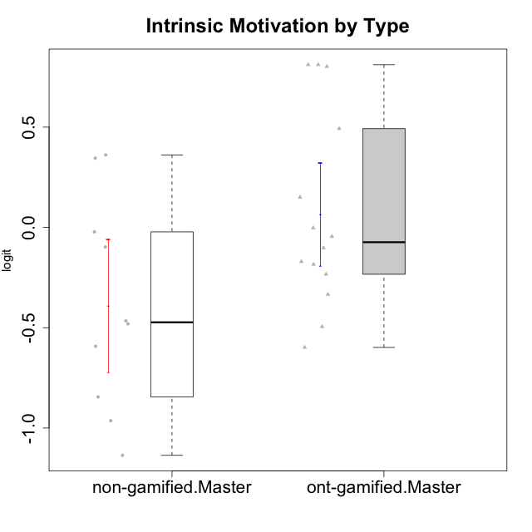

Student's t-Test data
UserID | NroUSP | Type | CLGroup | CLRole | PlayerRole | Interest/Enjoyment | Perceived Choice | Pressure/Tension | Effort/Importance | Intrinsic Motivation
10169 | 10377538 | ont-gamified | Grupo Hefesto | Master | Yee Achiever | 0.77354775663 | -0.34506436271 | 0.8224933278 | 0.21371742061 | -0.045073128315
10174 | 10276852 | ont-gamified | Grupo Urano | Master | Yee Achiever | 0.04532479257 | -0.56508989585 | -0.0073696712261 | 1.1151835345 | 0.15069702562
10175 | 10310700 | ont-gamified | Grupo Hélio | Master | Yee Socializer | 0.77354775663 | 1.7454889569 | -0.91363027987 | -0.58740121816 | 0.81121714881
10179 | 10310759 | non-gamified | Grupo Team 9 | Master |  | -0.94401358639 | -1.210479532 | 0.8224933278 | 0.57969939192 | -0.4654507279
10184 | 10276675 | ont-gamified | Grupo Apolo | Master | Yee Socializer | -0.27485572343 | 0.13995114232 | 0.99020355854 | 1.1151835345 | -0.0024811512813
10188 | 10276995 | non-gamified | Grupo Team 3 | Master |  | -0.94401358639 | -0.23096919108 | 0.37211775447 | -0.82301683991 | -0.59252934296
10189 | 9363926 | ont-gamified | Grupo Hades | Master | Yee Socializer | -0.78975287252 | -0.11298912179 | 1.6580383299 | 0.58104575034 | -0.49493364347
10191 | 10276981 | non-gamified | Grupo Team 6 | Master |  | 0.77354775663 | -0.11298912179 | -0.0073696712261 | -1.0572723105 | -0.097336001102
10193 | 10276762 | ont-gamified | Grupo Afrodite | Master | Yee Achiever | 0.04532479257 | -0.56508989585 | -0.0073696712261 | -0.82301683991 | -0.33385306799
10199 | 10276737 | ont-gamified | Grupo Gaia | Master | Yee Achiever | -0.78975287252 | 1.7454889569 | 1.2769315148 | -0.82301683991 | -0.10207539477
10201 | 10276928 | ont-gamified | Grupo Caronte | Master | Yee Achiever | 1.4951617996 | 0.27922605818 | 0.8224933278 | 1.8670095161 | 0.80194893812
10204 | 10310471 | ont-gamified | Grupo Hermes | Master | Yee Achiever | 1.9117264103 | 0.60542829398 | -0.91363027987 | 0.21371742061 | 0.81121714881
10206 | 10310721 | ont-gamified | Grupo Hera | Master | Yee Achiever | -0.27485572343 | 1.0818912276 | 1.6580383299 | -0.08257998554 | -0.23339570283
10211 | 9311643 | non-gamified | Grupo Team 2 | Master |  | 1.1257867718 | -1.3237490316 | 0.8224933278 | -2.2257330717 | -0.84504088772
10213 | 10277040 | ont-gamified | Grupo Morfeu | Master | Yee Socializer | 0.62587550794 | -0.45618554659 | -0.91363027987 | -1.4395746749 | -0.18410762009
10214 | 10277022 | non-gamified | Grupo Team 5 | Master |  | -1.5404013327 | -0.88530121499 | 0.8224933278 | -1.2960764082 | -1.1360680709
10216 | 10276720 | non-gamified | Grupo Team 15 | Master |  | 0.04532479257 | 0.81251309803 | -0.0073696712261 | 0.57969939192 | 0.36156332804
10217 | 9805341 | non-gamified | Grupo Team 13 | Master |  | -0.94401358639 | 1.4951814649 | -0.91363027987 | -0.08257998554 | 0.34555454321
10218 | 9842913 | ont-gamified | Grupo Ares | Master | Yee Achiever | -1.326100113 | 0.010078688627 | 1.6580383299 | 0.58104575034 | -0.59825350099
10219 | 10276831 | non-gamified | Grupo Team 12 | Master |  | -1.0832226321 | -0.45618554659 | -0.91363027987 | -1.2960764082 | -0.48046357674
10223 | 9795185 | ont-gamified | Grupo Cronus | Master | Yee Achiever | 1.4951617996 | 0.81251309803 | -0.0073696712261 | -0.34384769996 | 0.49279921722
10230 | 10351992 | non-gamified | Grupo Team 14 | Master |  | -1.7436870557 | 0.010078688627 | 1.5327201225 | -0.58740121816 | -0.96343242692
10232 | 10276974 | ont-gamified | Grupo Artemis | Master | Yee Achiever | 0.62587550794 | -0.11298912179 | 1.4068182928 | 0.21371742061 | -0.1700536215
10237 | 10377688 | non-gamified | Grupo Team 11 | Master |  | 0.04532479257 | 0.010078688627 | -0.91363027987 | -1.0572723105 | -0.022059637352

Type_CLRole_6
Student's t-Test for Intrinsic Motivation by Type in Type:CLRole between ont-gamified.Apprentice:ont-gamified.Master

Student's t-Test results
Alternative hypothesis: less
Group | N | Mean | Mean.Difference | Std.deviation | Std.error | CI.lower | CI.upper | df | t.value | p.value | g | magnitude
ont-gamified.Apprentice | 14 | 0.18756919432 | 0.12302257666 | 0.61166947154 | 0.1634755426 | -0.13938189088 | 0.51452027953 | 24.635441716 | 0.59144205476 | 0.72019359367 | 0.21703309179 | small
ont-gamified.Master | 14 | 0.064546617667 | -0.12302257666 | 0.48123003708 | 0.12861413736 | -0.19268165705 | 0.32177489238 | 24.635441716 | 0.59144205476 | 0.72019359367 | 0.21703309179 | small
Alternative hypothesis: greater
Group | N | Mean | Mean.Difference | Std.deviation | Std.error | CI.lower | CI.upper | df | t.value | p.value | g | magnitude
ont-gamified.Apprentice | 14 | 0.18756919432 | 0.12302257666 | 0.61166947154 | 0.1634755426 | -0.13938189088 | 0.51452027953 | 24.635441716 | 0.59144205476 | 0.27980640633 | 0.21703309179 | small
ont-gamified.Master | 14 | 0.064546617667 | -0.12302257666 | 0.48123003708 | 0.12861413736 | -0.19268165705 | 0.32177489238 | 24.635441716 | 0.59144205476 | 0.27980640633 | 0.21703309179 | small
Alternative hypothesis: two.sided
Group | N | Mean | Mean.Difference | Std.deviation | Std.error | CI.lower | CI.upper | df | t.value | p.value | g | magnitude
ont-gamified.Apprentice | 14 | 0.18756919432 | 0.12302257666 | 0.61166947154 | 0.1634755426 | -0.13938189088 | 0.51452027953 | 24.635441716 | 0.59144205476 | 0.55961281265 | 0.21703309179 | small
ont-gamified.Master | 14 | 0.064546617667 | -0.12302257666 | 0.48123003708 | 0.12861413736 | -0.19268165705 | 0.32177489238 | 24.635441716 | 0.59144205476 | 0.55961281265 | 0.21703309179 | small

Box plots for Student's t-Test
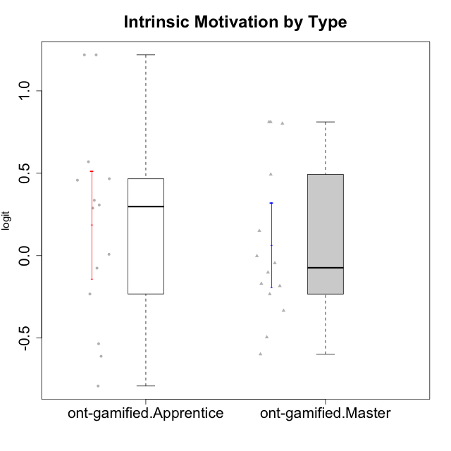

Student's t-Test data
UserID | NroUSP | Type | CLGroup | CLRole | PlayerRole | Interest/Enjoyment | Perceived Choice | Pressure/Tension | Effort/Importance | Intrinsic Motivation
10169 | 10377538 | ont-gamified | Grupo Hefesto | Master | Yee Achiever | 0.77354775663 | -0.34506436271 | 0.8224933278 | 0.21371742061 | -0.045073128315
10170 | 10260351 | ont-gamified | Grupo Afrodite | Apprentice | Yee Achiever | 0.33909170565 | 0.81251309803 | -0.91363027987 | 0.21371742061 | 0.56973812604
10174 | 10276852 | ont-gamified | Grupo Urano | Master | Yee Achiever | 0.04532479257 | -0.56508989585 | -0.0073696712261 | 1.1151835345 | 0.15069702562
10175 | 10310700 | ont-gamified | Grupo Hélio | Master | Yee Socializer | 0.77354775663 | 1.7454889569 | -0.91363027987 | -0.58740121816 | 0.81121714881
10176 | 10276949 | ont-gamified | Grupo Cronus | Apprentice | Yee Achiever | -0.62176572839 | 0.27922605818 | 1.2769315148 | -0.82301683991 | -0.61062200623
10178 | 8656201 | ont-gamified | Grupo Morfeu | Apprentice | Yee Socializer | 0.19438092697 | 0.27922605818 | 0.99020355854 | 0.21371742061 | -0.075719788195
10183 | 10352030 | ont-gamified | Grupo Hélio | Apprentice | Yee Socializer | -0.78975287252 | 0.010078688627 | 1.2769315148 | -0.08257998554 | -0.53479642106
10184 | 10276675 | ont-gamified | Grupo Apolo | Master | Yee Socializer | -0.27485572343 | 0.13995114232 | 0.99020355854 | 1.1151835345 | -0.0024811512813
10186 | 10310551 | ont-gamified | Grupo Ares | Apprentice | Yee Achiever | -0.11051255329 | 0.60542829398 | 1.4068182928 | 2.112963375 | 0.33599966761
10189 | 9363926 | ont-gamified | Grupo Hades | Master | Yee Socializer | -0.78975287252 | -0.11298912179 | 1.6580383299 | 0.58104575034 | -0.49493364347
10193 | 10276762 | ont-gamified | Grupo Afrodite | Master | Yee Achiever | 0.04532479257 | -0.56508989585 | -0.0073696712261 | -0.82301683991 | -0.33385306799
10195 | 10351971 | ont-gamified | Grupo Urano | Apprentice | Yee Achiever | 0.48203349534 | -0.45618554659 | -0.91363027987 | 0.21371742061 | 0.28829891231
10196 | 10310655 | ont-gamified | Grupo Hefesto | Apprentice | Yee Achiever | -0.78975287252 | -0.67246472837 | -0.91363027987 | 0.58104575034 | 0.0081146073306
10197 | 10276661 | ont-gamified | Grupo Gaia | Apprentice | Yee Achiever | 0.04532479257 | 1.4951814649 | -0.91363027987 | -0.58740121816 | 0.4666838298
10198 | 10310888 | ont-gamified | Grupo Apolo | Apprentice | Yee Socializer | 1.6465049901 | 1.7454889569 | -0.91363027987 | 2.112963375 | 1.2184175745
10199 | 10276737 | ont-gamified | Grupo Gaia | Master | Yee Achiever | -0.78975287252 | 1.7454889569 | 1.2769315148 | -0.82301683991 | -0.10207539477
10200 | 9795272 | ont-gamified | Grupo Hades | Apprentice | Yee Socializer | 1.4951617996 | 0.010078688627 | -0.91363027987 | -0.58740121816 | 0.45786738748
10201 | 10276928 | ont-gamified | Grupo Caronte | Master | Yee Achiever | 1.4951617996 | 0.27922605818 | 0.8224933278 | 1.8670095161 | 0.80194893812
10204 | 10310471 | ont-gamified | Grupo Hermes | Master | Yee Achiever | 1.9117264103 | 0.60542829398 | -0.91363027987 | 0.21371742061 | 0.81121714881
10206 | 10310721 | ont-gamified | Grupo Hera | Master | Yee Achiever | -0.27485572343 | 1.0818912276 | 1.6580383299 | -0.08257998554 | -0.23339570283
10209 | 10262669 | ont-gamified | Grupo Artemis | Apprentice | Yee Achiever | -1.4355957758 | -1.3020766724 | -0.91363027987 | 2.112963375 | -0.23281615393
10213 | 10277040 | ont-gamified | Grupo Morfeu | Master | Yee Socializer | 0.62587550794 | -0.45618554659 | -0.91363027987 | -1.4395746749 | -0.18410762009
10218 | 9842913 | ont-gamified | Grupo Ares | Master | Yee Achiever | -1.326100113 | 0.010078688627 | 1.6580383299 | 0.58104575034 | -0.59825350099
10221 | 9082496 | ont-gamified | Grupo Hermes | Apprentice | Yee Achiever | -0.27485572343 | 0.010078688627 | -0.91363027987 | 0.58104575034 | 0.30747474885
10223 | 9795185 | ont-gamified | Grupo Cronus | Master | Yee Achiever | 1.4951617996 | 0.81251309803 | -0.0073696712261 | -0.34384769996 | 0.49279921722
10231 | 10276911 | ont-gamified | Grupo Caronte | Apprentice | Yee Achiever | 1.6465049901 | 1.4951814649 | -0.91363027987 | 0.58104575034 | 1.2184175745
10232 | 10276974 | ont-gamified | Grupo Artemis | Master | Yee Achiever | 0.62587550794 | -0.11298912179 | 1.4068182928 | 0.21371742061 | -0.1700536215
10240 | 10276654 | ont-gamified | Grupo Hera | Apprentice | Yee Achiever | -1.2095717429 | -1.3020766724 | -0.91363027987 | -0.82301683991 | -0.79108933843

