Global-info
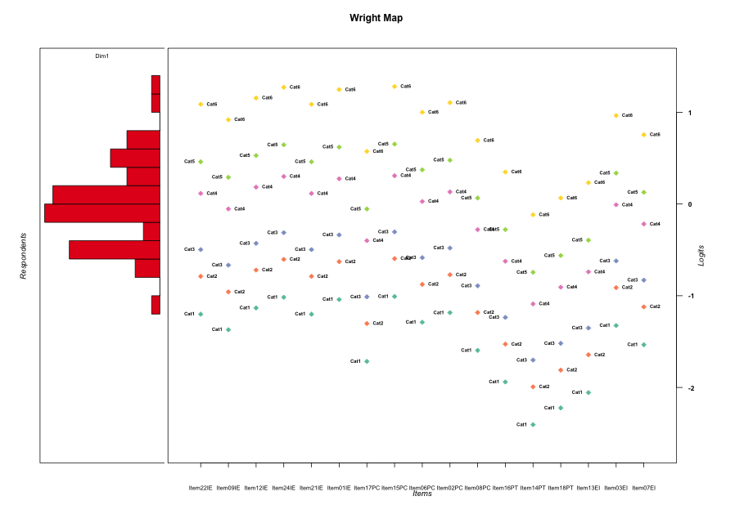
Global information for a measurement model

Information
Number.of.items | Deviance | Log.Likelihood | Number.of.persons | EAP.rel | n.theta.nodes | irt.model
17 | 3105.7637546 | -1552.8818773 | 60 | 0.89178163852 | 21 | RSM

Global fit statistic MADaQ3 and test fit
MADaQ3 | maxaQ3 | p
0.18998951649 | 0.61642074891 | 0.00044302675498

Test statistic of global fit based on Chi square
maxX2 | Npairs | p.holm
147.06352969 | 136 | 3.019806627E-13

Model fit statistics
X100.MADCOV | SRMR | SRMSR
44.082959081 | 0.19137863221 | 0.22463897318

Chi square tests for every item pairs
index1 | index2 | maxK1 | maxK2 | df | chi2 | p | p.holm
1 | 2 | 6 | 6 | 36 | 54.875996008 | 0.02279170586 | 1
1 | 3 | 6 | 6 | 36 | 57.877765728 | 0.011828918049 | 1
1 | 4 | 6 | 6 | 36 | 55.148855373 | 0.021508166911 | 1
1 | 5 | 6 | 6 | 36 | 77.408008783 | 7.4062827686E-05 | 0.0092578534608
1 | 6 | 6 | 6 | 36 | 54.310336721 | 0.025673843802 | 1
1 | 7 | 6 | 6 | 36 | 48.038546735 | 0.086533249022 | 1
1 | 8 | 6 | 6 | 36 | 54.711750462 | 0.023597094675 | 1
1 | 9 | 6 | 6 | 36 | 66.399888694 | 0.0015091906541 | 0.16601097195
1 | 10 | 6 | 6 | 36 | 56.900033453 | 0.014709453404 | 1
1 | 11 | 6 | 6 | 36 | 55.356650754 | 0.020574728217 | 1
1 | 12 | 6 | 6 | 36 | 35.756434272 | 0.48008337486 | 1
1 | 13 | 6 | 6 | 36 | 28.736534925 | 0.79993966234 | 1
1 | 14 | 6 | 6 | 36 | 40.951638051 | 0.2622017496 | 1
1 | 15 | 6 | 6 | 36 | 52.179477699 | 0.039665634842 | 1
1 | 16 | 6 | 6 | 36 | 58.298005783 | 0.010757791373 | 0.95744343221
1 | 17 | 6 | 6 | 36 | 42.386725704 | 0.21480734684 | 1
2 | 3 | 6 | 6 | 36 | 57.66228553 | 0.012415288475 | 1
2 | 4 | 6 | 6 | 36 | 53.189662084 | 0.032361497568 | 1
2 | 5 | 6 | 6 | 36 | 44.432205351 | 0.15804230888 | 1
2 | 6 | 6 | 6 | 36 | 49.049050913 | 0.072134235505 | 1
2 | 7 | 6 | 6 | 36 | 64.073837256 | 0.0027186459587 | 0.28817647162
2 | 8 | 6 | 6 | 36 | 46.922994629 | 0.10509627258 | 1
2 | 9 | 6 | 6 | 36 | 60.224093072 | 0.0068986473811 | 0.67606744334
2 | 10 | 6 | 6 | 36 | 42.70472907 | 0.20515376607 | 1
2 | 11 | 6 | 6 | 36 | 46.367025339 | 0.11548002742 | 1
2 | 12 | 6 | 6 | 36 | 37.342469449 | 0.40721440532 | 1
2 | 13 | 6 | 6 | 36 | 23.769750767 | 0.94134055619 | 1
2 | 14 | 6 | 6 | 36 | 39.135327491 | 0.33090822457 | 1
2 | 15 | 6 | 6 | 36 | 51.866228107 | 0.042206642821 | 1
2 | 16 | 6 | 6 | 36 | 44.347096818 | 0.16015611186 | 1
2 | 17 | 6 | 6 | 36 | 42.915190964 | 0.19893415308 | 1
3 | 4 | 6 | 6 | 36 | 39.599546052 | 0.31246272222 | 1
3 | 5 | 6 | 6 | 36 | 63.244558241 | 0.0033379952703 | 0.34190793376
3 | 6 | 6 | 6 | 36 | 61.500043355 | 0.0050981716417 | 0.51491533581
3 | 7 | 6 | 6 | 36 | 52.77608331 | 0.035194515266 | 1
3 | 8 | 6 | 6 | 36 | 66.192008806 | 0.001591897961 | 0.17351687775
3 | 9 | 6 | 6 | 36 | 47.677061461 | 0.092228608168 | 1
3 | 10 | 6 | 6 | 36 | 41.688820851 | 0.23707487482 | 1
3 | 11 | 6 | 6 | 36 | 54.592852958 | 0.024195946285 | 1
3 | 12 | 6 | 6 | 36 | 38.437047111 | 0.35971882128 | 1
3 | 13 | 6 | 6 | 36 | 26.747349684 | 0.86874747311 | 1
3 | 14 | 6 | 6 | 36 | 59.700092708 | 0.0077965614199 | 0.73287677347
3 | 15 | 6 | 6 | 36 | 58.666781635 | 0.009892053212 | 0.89918637781
3 | 16 | 6 | 6 | 36 | 59.853127118 | 0.0075237238271 | 0.72151036661
3 | 17 | 6 | 6 | 36 | 34.113312385 | 0.55856796265 | 1
4 | 5 | 6 | 6 | 36 | 28.177282843 | 0.82082233597 | 1
4 | 6 | 6 | 6 | 36 | 51.154166622 | 0.048516254945 | 1
4 | 7 | 6 | 6 | 36 | 49.626991814 | 0.064842129594 | 1
4 | 8 | 6 | 6 | 36 | 84.996538242 | 7.6967793171E-06 | 0.00098518775259
4 | 9 | 6 | 6 | 36 | 86.658820902 | 4.6068387676E-06 | 0.00060349587855
4 | 10 | 6 | 6 | 36 | 95.588987771 | 2.6626563543E-07 | 3.5413329512E-05
4 | 11 | 6 | 6 | 36 | 51.073569907 | 0.049279448513 | 1
4 | 12 | 6 | 6 | 36 | 48.60727278 | 0.078161881927 | 1
4 | 13 | 6 | 6 | 36 | 23.186366222 | 0.9513296745 | 1
4 | 14 | 6 | 6 | 36 | 60.185974644 | 0.006960581271 | 0.67606744334
4 | 15 | 6 | 6 | 36 | 85.121379721 | 7.4072463487E-06 | 0.00095553477899
4 | 16 | 6 | 6 | 36 | 81.797138702 | 2.0322855279E-05 | 0.0025810026205
4 | 17 | 6 | 6 | 36 | 63.421738833 | 0.003195452352 | 0.3323270446
5 | 6 | 6 | 6 | 36 | 51.634022794 | 0.044180806586 | 1
5 | 7 | 6 | 6 | 36 | 49.279360604 | 0.069149666059 | 1
5 | 8 | 6 | 6 | 36 | 50.412798472 | 0.055936537954 | 1
5 | 9 | 6 | 6 | 36 | 55.207104264 | 0.021242734718 | 1
5 | 10 | 6 | 6 | 36 | 55.225200095 | 0.021160877016 | 1
5 | 11 | 6 | 6 | 36 | 56.533335969 | 0.015945391845 | 1
5 | 12 | 6 | 6 | 36 | 37.392258727 | 0.40499784886 | 1
5 | 13 | 6 | 6 | 36 | 20.10191579 | 0.98506026935 | 1
5 | 14 | 6 | 6 | 36 | 38.867826909 | 0.34179800582 | 1
5 | 15 | 6 | 6 | 36 | 57.617713098 | 0.012539854567 | 1
5 | 16 | 6 | 6 | 36 | 56.461246333 | 0.016199200461 | 1
5 | 17 | 6 | 6 | 36 | 79.696777983 | 3.7955140218E-05 | 0.0047823476674
6 | 7 | 6 | 6 | 36 | 55.329450471 | 0.020694801748 | 1
6 | 8 | 6 | 6 | 36 | 65.522197826 | 0.0018886154393 | 0.20397046745
6 | 9 | 6 | 6 | 36 | 49.807719272 | 0.062693922384 | 1
6 | 10 | 6 | 6 | 36 | 56.260968102 | 0.016923707877 | 1
6 | 11 | 6 | 6 | 36 | 42.982265127 | 0.1969802439 | 1
6 | 12 | 6 | 6 | 36 | 48.984399176 | 0.0729912326 | 1
6 | 13 | 6 | 6 | 36 | 26.632015581 | 0.87225172319 | 1
6 | 14 | 6 | 6 | 36 | 58.717972509 | 0.0097770825295 | 0.89918637781
6 | 15 | 6 | 6 | 36 | 92.390936736 | 7.5191106397E-07 | 9.9252260444E-05
6 | 16 | 6 | 6 | 36 | 61.119219635 | 0.0055834652009 | 0.55276305489
6 | 17 | 6 | 6 | 36 | 53.657770706 | 0.029399991484 | 1
7 | 8 | 6 | 6 | 36 | 109.72962783 | 2.2167936375E-09 | 2.9926714107E-07
7 | 9 | 6 | 6 | 36 | 73.004638004 | 0.00025795603241 | 0.030180855792
7 | 10 | 6 | 6 | 36 | 58.719457871 | 0.0097737649761 | 0.89918637781
7 | 11 | 6 | 6 | 36 | 147.06352969 | 2.2204460493E-15 | 3.019806627E-13
7 | 12 | 6 | 6 | 36 | 49.149467448 | 0.070819903365 | 1
7 | 13 | 6 | 6 | 36 | 40.427771287 | 0.28104583258 | 1
7 | 14 | 6 | 6 | 36 | 61.471131297 | 0.0051335870418 | 0.51491533581
7 | 15 | 6 | 6 | 36 | 43.743164905 | 0.17576576481 | 1
7 | 16 | 6 | 6 | 36 | 68.167774755 | 0.00095319668793 | 0.10675802905
7 | 17 | 6 | 6 | 36 | 54.669150886 | 0.023810111004 | 1
8 | 9 | 6 | 6 | 36 | 57.729174047 | 0.012230480802 | 1
8 | 10 | 6 | 6 | 36 | 47.212934315 | 0.09998686753 | 1
8 | 11 | 6 | 6 | 36 | 75.532860636 | 0.00012680795458 | 0.015597378413
8 | 12 | 6 | 6 | 36 | 56.681219139 | 0.015436015913 | 1
8 | 13 | 6 | 6 | 36 | 39.127715286 | 0.33121551894 | 1
8 | 14 | 6 | 6 | 36 | 40.40512352 | 0.28187871788 | 1
8 | 15 | 6 | 6 | 36 | 64.254133407 | 0.0025991568478 | 0.27810978272
8 | 16 | 6 | 6 | 36 | 68.528256972 | 0.00086686450297 | 0.099689417841
8 | 17 | 6 | 6 | 36 | 77.112523342 | 8.0661381451E-05 | 0.0100020113
9 | 10 | 6 | 6 | 36 | 53.786687013 | 0.028627857992 | 1
9 | 11 | 6 | 6 | 36 | 43.757411832 | 0.17538510766 | 1
9 | 12 | 6 | 6 | 36 | 45.439018526 | 0.13460787063 | 1
9 | 13 | 6 | 6 | 36 | 35.966284783 | 0.47022623161 | 1
9 | 14 | 6 | 6 | 36 | 59.857686225 | 0.0075157329855 | 0.72151036661
9 | 15 | 6 | 6 | 36 | 45.192684448 | 0.14007758221 | 1
9 | 16 | 6 | 6 | 36 | 63.267148413 | 0.0033194945025 | 0.34190793376
9 | 17 | 6 | 6 | 36 | 86.47085741 | 4.8835409043E-06 | 0.00063486031756
10 | 11 | 6 | 6 | 36 | 74.377616343 | 0.00017579752786 | 0.021447298399
10 | 12 | 6 | 6 | 36 | 47.26202866 | 0.099141959805 | 1
10 | 13 | 6 | 6 | 36 | 42.544988446 | 0.20996445272 | 1
10 | 14 | 6 | 6 | 36 | 38.067039184 | 0.37547259706 | 1
10 | 15 | 6 | 6 | 36 | 48.929475261 | 0.073725970048 | 1
10 | 16 | 6 | 6 | 36 | 73.918671268 | 0.00019995546133 | 0.024194610821
10 | 17 | 6 | 6 | 36 | 73.325389044 | 0.00023596401708 | 0.028079718033
11 | 12 | 6 | 6 | 36 | 49.239691143 | 0.069656204116 | 1
11 | 13 | 6 | 6 | 36 | 45.980138562 | 0.12317532863 | 1
11 | 14 | 6 | 6 | 36 | 73.233843897 | 0.00024204935856 | 0.028561824311
11 | 15 | 6 | 6 | 36 | 58.889058684 | 0.0094017102328 | 0.87435905165
11 | 16 | 6 | 6 | 36 | 70.513739182 | 0.00051014324815 | 0.059176616785
11 | 17 | 6 | 6 | 36 | 56.958319042 | 0.014521246883 | 1
12 | 13 | 6 | 6 | 36 | 57.17567083 | 0.01383860992 | 1
12 | 14 | 6 | 6 | 36 | 56.01428328 | 0.017856444471 | 1
12 | 15 | 6 | 6 | 36 | 45.696404043 | 0.12907111882 | 1
12 | 16 | 6 | 6 | 36 | 73.477605984 | 0.0002261705964 | 0.027140471568
12 | 17 | 6 | 6 | 36 | 57.171732368 | 0.01385071434 | 1
13 | 14 | 6 | 6 | 36 | 104.22657823 | 1.4808379079E-08 | 1.9843227965E-06
13 | 15 | 6 | 6 | 36 | 28.167816213 | 0.82116592564 | 1
13 | 16 | 6 | 6 | 36 | 63.984330419 | 0.002779871148 | 0.29188647054
13 | 17 | 6 | 6 | 36 | 37.407325172 | 0.40432809251 | 1
14 | 15 | 6 | 6 | 36 | 41.710563004 | 0.23635876532 | 1
14 | 16 | 6 | 6 | 36 | 67.936090638 | 0.0010129474593 | 0.11243716798
14 | 17 | 6 | 6 | 36 | 68.437361152 | 0.00088790122129 | 0.10122073923
15 | 16 | 6 | 6 | 36 | 56.835945437 | 0.014918960075 | 1
15 | 17 | 6 | 6 | 36 | 41.377624154 | 0.24748185427 | 1
16 | 17 | 6 | 6 | 36 | 68.267356587 | 0.0009285611622 | 0.10492741133

Item residuals
Item22IE | Item09IE | Item12IE | Item24IE | Item21IE | Item01IE | Item17PC | Item15PC | Item06PC | Item02PC | Item08PC | Item16PT | Item14PT | Item18PT | Item13EI | Item03EI | Item07EI
1.1060997106 | 0.7646462549 | 1.251001208 | 1.5057262602 | 1.1060997106 | -0.54897571642 | 0.17272838083 | 1.523974316 | -3.074173326 | -0.85772680531 | 0.36021702747 | -2.1214556924 | 0.475772897 | -0.39554968822 | -0.24598902733 | 0.85404594859 | 0.4643760407
0.2418751813 | -0.99076949617 | -0.65325497356 | -1.4598158634 | 0.2418751813 | -0.50233192522 | 0.64878818152 | 0.55448493951 | 1.1165686069 | 0.26770546863 | -0.24221025975 | 0.48520878856 | 0.26961347172 | 0.33813386496 | 0.41798125975 | -0.93176941428 | -0.17972217601
-0.7581248187 | 0.0092305038309 | 0.34674502644 | 0.54018413661 | -0.7581248187 | 0.49766807478 | -0.35121181848 | -0.44551506049 | 0.11656860692 | 0.26770546863 | 0.75778974025 | 0.48520878856 | 0.26961347172 | 0.33813386496 | 0.41798125975 | -2.9317694143 | 0.82027782399
0.1232304881 | 0.77970560794 | 0.26888917106 | -0.47523395446 | 0.1232304881 | 1.4698359453 | 0.18332169472 | 1.5430878764 | 0.94191324611 | -0.84040009639 | -0.62766535332 | 0.88657120008 | 0.48003130921 | 0.60993371683 | -3.2391029631 | -0.13031421771 | -1.5227015093
1.1168371018 | -0.22593783027 | -0.7377770162 | 1.5176868904 | -0.88316289823 | -0.53716166753 | -0.82068839321 | -0.4640176166 | -1.0641026934 | -0.84686415339 | -0.63223568474 | 0.88351268582 | 0.47839501357 | 0.60783137779 | 0.75826558173 | 0.86383170502 | 1.4724335833
-0.90718031031 | -0.12070451544 | 0.19058066191 | 0.3730192096 | -0.90718031031 | 0.33270436499 | 0.55896261454 | 1.3866052416 | 0.97720310519 | 1.1168179287 | 0.65442379939 | 0.41782637374 | 0.23427863791 | 0.29250820315 | -3.6395790257 | -1.0670223896 | 0.70970146226
-0.82490181601 | -0.17077558915 | -0.67861076627 | -1.422113469 | -0.82490181601 | 0.52287558977 | 0.22498723148 | 1.5962289397 | 1.9926989797 | -1.7883552077 | 1.4171493955 | -1.0784750287 | -0.49910168052 | -0.36398703298 | -0.20782210589 | -0.080055918668 | -2.4764328834
0.055372229075 | -0.27972138011 | 0.19793591742 | 0.44908503586 | 0.055372229075 | 0.39509371204 | 1.1419120251 | 0.46710294627 | 0.87831107713 | -0.90905844311 | 1.3248024871 | -2.1446114274 | 0.4636221608 | 0.58875872421 | 0.73422083888 | -0.19209923965 | 0.42652163268
0.22465699599 | -0.15567680015 | -0.62178742396 | 0.63771178147 | 0.22465699599 | 0.58309698237 | -0.89993933944 | -0.34420509696 | -0.97270694867 | -1.7365970379 | -0.6489365378 | 0.66431151324 | -0.050283259747 | 0.19531126527 | 1.4599131049 | 1.9466147548 | 2.4836257299
-0.94462777092 | -0.27972138011 | 0.19793591742 | -2.5509149641 | 0.055372229075 | 0.39509371204 | 0.14191202511 | 1.4671029463 | 1.8783110771 | 1.0909415569 | -0.67519751291 | 0.85538857259 | 0.4636221608 | 0.58875872421 | 0.73422083888 | -1.1920992396 | 1.4265216327
-0.78911784857 | -1.1361741569 | -0.64257588426 | -1.3859706516 | -0.78911784857 | 0.55903072486 | 0.2548035473 | 1.6323633122 | 1.027968682 | 0.24750455613 | -1.5510252997 | -1.0531710112 | -0.483815098 | -1.3449366418 | -0.1850764889 | -0.045057967164 | 0.55628571746
-0.91253249484 | -0.25165711386 | 0.23151334624 | -0.51506982314 | -0.91253249484 | 0.43048811268 | 1.1613920948 | -0.49690593047 | 1.9083704108 | -1.8765801604 | 1.3471944913 | -1.1299801534 | 0.47129544084 | 0.59866956785 | 0.74672309605 | 0.83709153575 | 1.4504591273
0.077733726304 | -0.29777870154 | 0.23027345306 | 0.48935429526 | 0.077733726304 | 0.43468364611 | -1.022443397 | 0.50747384493 | 0.88246328332 | 0.11617208362 | 0.22032352773 | 0.56032496688 | -0.11311690646 | -0.88298890877 | -0.63356723668 | 0.80289361461 | 0.34922657543
0.0018828891248 | 0.67351749668 | -0.85802788408 | 1.3893344072 | -0.99811711088 | -1.663904124 | 1.1094718455 | 2.4071084949 | -1.1717797811 | 1.03681282 | 1.2875055455 | -2.1689679826 | 0.45085468783 | -1.4277339228 | 0.71341188149 | 1.7592595718 | 1.3866464619
1.0084051157 | 0.80940178843 | 1.0999962591 | 1.2716819855 | 1.0084051157 | 1.2336600353 | 0.51366584228 | -1.7154942353 | 0.90046893577 | 1.030861699 | -1.3985534945 | -3.6156555143 | 0.21649267791 | 0.26976793526 | 0.33185135756 | -0.1407055087 | 0.65240966729
-0.63254898602 | -0.98475025442 | -0.48492148528 | -0.22786525619 | -1.632548986 | -0.28280546217 | -0.61466726371 | 0.79043025339 | 0.18230285705 | 0.40440197182 | -0.41171687054 | 1.0576229599 | -0.41687117467 | 0.7384865656 | -0.085478142822 | -0.89190668824 | -1.3005046239
-0.63254898602 | -0.98475025442 | -1.4849214853 | 0.77213474381 | 1.367451014 | -2.2828054622 | 0.38533273629 | -1.2095697466 | 1.182302857 | -0.59559802818 | 1.5882831295 | -2.9423770401 | -2.4168711747 | -0.2615134344 | 0.91452185718 | 1.1080933118 | 0.69949537613
-0.85731773762 | -0.20208533881 | 0.28873122751 | 0.54510521349 | -0.85731773762 | -0.50991145429 | 0.19806270432 | 2.5634534662 | 1.9607674419 | -0.82084349699 | -0.61160808836 | -0.10130253281 | 0.48712155258 | -0.38115996385 | -0.22833395884 | -2.1117339338 | -2.5060083395
0.1060997106 | 0.7646462549 | 1.251001208 | 2.5057262602 | 1.1060997106 | -0.54897571642 | 1.1727283808 | -2.476025684 | 0.92582667399 | 1.1422731947 | -0.63978297253 | -0.12145569238 | 0.475772897 | 0.60445031178 | -0.24598902733 | -0.14595405141 | -3.5356239593
1.1060997106 | 1.7646462549 | 2.251001208 | 2.5057262602 | 1.1060997106 | -0.54897571642 | 1.1727283808 | -3.476025684 | -4.074173326 | 1.1422731947 | 1.3602170275 | 0.87854430762 | 0.475772897 | 0.60445031178 | 0.75401097267 | -3.1459540514 | -1.5356239593
1.1544790838 | -0.19070302172 | 0.30062120396 | -0.44295120423 | 0.15447908377 | -0.49796764507 | -0.79216811348 | -1.4246044607 | -2.0276183466 | 1.1909809274 | -0.60116739131 | 0.90697243441 | 0.49211092112 | 0.62506076107 | -0.2209010386 | -2.1002144973 | -0.49526697232
0.087467505156 | 0.74834288614 | 0.23151334624 | 0.48493017686 | 1.0874675052 | 0.43048811268 | -1.8386079052 | -0.49690593047 | -1.0916295892 | -0.87658016039 | 1.3471944913 | 0.8700198466 | 0.47129544084 | 0.59866956785 | 0.74672309605 | -0.16290846425 | 0.45045912728
-0.82490181601 | -1.1707755891 | -0.67861076627 | -0.42211346904 | -0.82490181601 | -0.47712441023 | 1.2249872315 | -3.4037710603 | 1.9926989797 | -2.7883552077 | -1.5828506045 | 0.92152497134 | 0.50089831948 | 0.63601296702 | 0.79217789411 | -0.080055918668 | 1.5235671166
-1.3510923813 | 0.3649735065 | -1.2273462231 | -0.0049984625076 | 0.64890761869 | -1.0532638482 | 0.89547379286 | 2.0111648114 | 0.49768863843 | 1.6796146732 | 1.0414473939 | 0.6703841855 | 0.36666133127 | 0.46350198108 | 0.57617231951 | 0.4383009854 | -3.8764326055
0.40980601026 | 0.33052165915 | 0.4474645829 | 0.52055098786 | 0.40980601026 | 0.50405952972 | 0.21633314139 | 0.52615475902 | 0.36642590799 | 0.4189620843 | 0.25007532699 | 0.16615297515 | 0.098390618989 | 0.12040484225 | 0.14540960223 | 0.35012264311 | 0.26966970996
2.1168371018 | -1.2259378303 | -0.7377770162 | -3.4823131096 | -0.88316289823 | -0.53716166753 | 1.1793116068 | 2.5359823834 | 1.9358973066 | 2.1531358466 | 1.3677643153 | 0.88351268582 | -1.5216049864 | 0.60783137779 | -0.24173441827 | -1.136168295 | -1.5275664167
0.34963230144 | 0.1033926977 | 1.4595090807 | 1.6606217624 | 0.34963230144 | 0.61657892945 | -0.28592986835 | -1.32458276 | 0.21745584042 | 0.37675592585 | -1.1671403027 | 0.53421061355 | 0.29529561314 | 0.37130951541 | -2.5401577851 | -0.83381069839 | -0.099453838788
1.0728519825 | 0.86218977588 | 1.1694861215 | -0.64991714071 | 1.0728519825 | -0.689851943 | -0.45261674699 | 0.36354404394 | -1.0412880176 | 0.096563760409 | -0.35897045659 | -0.5908193425 | -1.7702736733 | 0.2866484447 | 0.35303810986 | 0.91509618593 | 0.69532247333
0.47453542417 | 0.086028347142 | 0.629807257 | 0.8899980922 | 0.47453542417 | 0.83548249381 | -0.6915194211 | 0.90801786405 | 0.27362512155 | -2.4861983031 | -1.4265242273 | -2.1587381565 | -2.9433037584 | -2.6714059245 | 1.619004703 | 3.1910669122 | 2.7122534292
-3.8939002894 | 1.7646462549 | 2.251001208 | -3.4942737398 | -3.8939002894 | 2.4510242836 | 1.1727283808 | 2.523974316 | 1.925826674 | 2.1422731947 | 1.3602170275 | -0.12145569238 | 0.475772897 | 0.60445031178 | -0.24598902733 | -0.14595405141 | -2.5356239593
0.90586079351 | 0.7270941811 | 0.98844803897 | 1.1438861876 | 0.90586079351 | 0.10938667346 | 0.46255835545 | 1.1555321488 | -2.1912028327 | -0.073910147376 | 0.54100141841 | 0.34695833013 | 0.1964474817 | 0.24431873397 | 0.29997478271 | -0.22816318849 | -1.4134384467
0.1060997106 | 0.7646462549 | -0.74899879204 | -1.4942737398 | 0.1060997106 | -0.54897571642 | 1.1727283808 | 1.523974316 | 1.925826674 | 2.1422731947 | 0.36021702747 | -1.1214556924 | -1.524227103 | -0.39554968822 | -0.24598902733 | -0.14595405141 | 0.4643760407
0.092819689685 | -0.12070451544 | 1.1905806619 | 0.3730192096 | 1.0928196897 | 0.33270436499 | 0.55896261454 | 0.38660524161 | -2.0227968948 | -1.8831820713 | 0.65442379939 | -2.5821736263 | 0.23427863791 | 0.29250820315 | 0.36042097432 | 0.93297761039 | 0.70970146226
-1.5215604863 | -0.91013243825 | -0.36628886576 | 0.89386580989 | -0.52156048633 | 0.83936170842 | -2.6880925229 | -2.0881187006 | -2.7224928087 | -2.482292826 | -2.4229134371 | 1.8442535692 | 1.0586412018 | 1.3309469882 | 1.6217401267 | 3.1949327707 | 2.7159424468
-1.5184670121 | 1.0930690277 | 0.63673586788 | 0.89674273145 | -1.5184670121 | 0.84227297718 | -0.68494443022 | -1.085253526 | -0.71933206979 | -1.4792153571 | -1.4197077372 | -1.1527997852 | -1.9391237075 | -2.6665023081 | 1.624541337 | 2.1981140552 | 2.7191622255
2.224656996 | 2.8443231998 | 1.378212576 | 2.6377117815 | 2.224656996 | 3.5830969824 | 0.10006066056 | -1.344205097 | -1.9727069487 | -2.7365970379 | 0.3510634622 | 0.66431151324 | -0.050283259747 | -0.80468873473 | -2.5400868951 | -1.0533852452 | -2.5163742701
1.2418751813 | 0.0092305038309 | 0.34674502644 | 1.5401841366 | 1.2418751813 | -0.50233192522 | -0.35121181848 | 1.5544849395 | -0.88343139308 | -0.73229453137 | 0.75778974025 | -2.5147912114 | -0.73038652828 | -0.66186613504 | -0.58201874025 | 0.068230585724 | -0.17972217601
-0.85731773762 | 0.79791466119 | 0.28873122751 | 2.5451052135 | -0.85731773762 | 2.4900885457 | 1.1980627043 | -3.4365465338 | 1.9607674419 | -0.82084349699 | -1.6116080884 | 0.89869746719 | 0.48712155258 | 0.61884003615 | -2.2283339588 | -3.1117339338 | -1.5060083395
-0.52313080697 | 0.088307947383 | -0.3678524811 | -2.1076717575 | -0.52313080697 | 0.83781708024 | -0.68951268081 | -0.089653739094 | 0.27593754945 | 0.51613794656 | -0.42439905548 | 1.8429946076 | 1.0577918961 | 0.3299343311 | -1.3794213095 | -0.80663357405 | 0.71442998823
-0.87794900043 | 0.90465379323 | -1.7787223317 | -1.5939754724 | 0.12205099957 | -1.6347569254 | 0.57639220397 | 1.4197626661 | 1.0044609018 | 1.1464253523 | 0.6745092084 | 0.43088451712 | 0.24113384082 | 0.30135237078 | -1.6284253924 | -0.040595208116 | 0.73120862547
1.4906713664 | 1.2266626261 | -0.3929128206 | -4.1817867546 | -0.50932863356 | -1.2278209212 | 0.79955251339 | -1.1663462072 | 1.3495178605 | 1.5194844152 | 0.93115310852 | 0.59837861911 | -0.67107503303 | 0.41475269083 | 0.51465946972 | 0.29442313653 | 0.0056419672438
-0.94462777092 | -0.27972138011 | -0.80206408258 | -2.5509149641 | 0.055372229075 | -1.604906288 | 1.1419120251 | 2.4671029463 | 1.8783110771 | 1.0909415569 | 1.3248024871 | 0.85538857259 | 0.4636221608 | 0.58875872421 | 0.73422083888 | 0.80790076035 | -1.5734783673
-0.49161091268 | -1.8484385479 | -1.3430083452 | -2.0855497654 | -0.49161091268 | -0.14043661553 | -0.49715712099 | 0.93271087287 | -0.67876803416 | 1.5456352723 | 1.7136941993 | -1.8426305433 | -1.3566004051 | -0.18640666533 | 0.0041901507346 | 1.2459586591 | 1.8284169611
0.077733726304 | -0.29777870154 | 0.23027345306 | -0.51064570474 | -0.9222662737 | 0.43468364611 | -1.022443397 | 0.50747384493 | -0.11753671668 | 2.1161720836 | 0.22032352773 | 1.5603249669 | 0.88688309354 | 1.1170110912 | -0.63356723668 | -0.19710638539 | -1.6507734246
1.1220509996 | 0.90465379323 | -1.7787223317 | 1.4060245276 | -1.8779490004 | -1.6347569254 | 0.57639220397 | 1.4197626661 | -1.9955390982 | 1.1464253523 | 0.6745092084 | 0.43088451712 | 0.24113384082 | 0.30135237078 | 0.37157460762 | -2.0405952081 | 0.73120862547
0.087467505156 | -0.25165711386 | -0.76848665376 | -0.51506982314 | 0.087467505156 | -0.56951188732 | 1.1613920948 | -0.49690593047 | -1.0916295892 | 0.12341983961 | 1.3471944913 | 0.8700198466 | 0.47129544084 | 0.59866956785 | 0.74672309605 | 0.83709153575 | 0.45045912728
-1.2785164147 | -1.5828542309 | -1.1682658405 | -0.99753302408 | -1.2785164147 | -1.0318962638 | -1.3110595893 | -0.98633386123 | -0.43078754455 | -1.2500291423 | -1.0457854369 | 1.1778587846 | 0.13814321816 | -0.4654322323 | 1.9120203225 | 1.503465303 | 1.0862184516
1.0728519825 | -0.13781022412 | 0.16948612151 | 0.35008285929 | 1.0728519825 | 0.310148057 | 0.54738325301 | 0.36354404394 | -0.041288017642 | 0.096563760409 | 0.64102954341 | -0.5908193425 | 0.22972632666 | 0.2866484447 | -1.6469618901 | -0.084903814074 | -1.3046775267
1.175098184 | 1.8292244109 | 2.3213892337 | 1.577886531 | 2.175098184 | 1.5228755898 | -3.7750127685 | -3.4037710603 | -1.0073010203 | -0.78835520767 | -3.5828506045 | 0.92152497134 | 0.50089831948 | -1.363987033 | -0.20782210589 | -1.0800559187 | -1.4764328834
0.22465699599 | -0.15567680015 | 0.37821257604 | 1.6377117815 | 0.22465699599 | -1.4169030176 | -0.89993933944 | -1.344205097 | 0.027293051326 | -1.7365970379 | -1.6489365378 | 1.6643115132 | 0.94971674025 | -0.80468873473 | 1.4599131049 | 1.9466147548 | 2.4836257299
2.5113531756 | -1.8751612751 | -0.33449742043 | -1.0765945922 | -0.48864682444 | -2.1305894055 | -0.65213133936 | -0.058751700476 | 0.31161936027 | 1.5503530529 | 0.61315851697 | -1.121111433 | -1.9136227318 | -1.6380024335 | -1.3448436784 | 0.22945385197 | -0.2481088524
-0.72881517006 | -1.0778548937 | 0.41814566348 | -1.3250740661 | -0.72881517006 | -0.38005047424 | -0.69492745419 | 0.69324518149 | 0.087409698982 | -1.6920660289 | 0.50262571655 | -0.010503548304 | 0.54196471496 | -2.3128105138 | 0.85327906783 | 0.013927071487 | 0.6114397548
-2.6735701905 | -0.057243491427 | -2.5193110325 | -0.25952219844 | 2.3264298095 | -2.3140982748 | 2.1849190509 | 0.75853567778 | 3.1276158298 | 2.3653888301 | -1.5583733299 | -1.2636568662 | 0.99324215124 | 1.2495502381 | 1.5246672186 | 1.0461696413 | -1.4232764108
0.5310549369 | 0.42695065951 | 0.58024388028 | 0.67510451958 | 0.5310549369 | 0.65377410121 | 0.27654774883 | -0.31765765533 | 0.47417156954 | 0.54303214294 | 0.32094763669 | 0.21082487159 | 0.1232192408 | 0.15148592225 | 0.18383209266 | -1.5472572471 | 0.34676640334
0.0018828891248 | -1.3264825033 | 0.14197211592 | 2.3893344072 | 1.0018828891 | 1.336095876 | 0.10947184553 | -0.59289150506 | -1.1717797811 | 1.03681282 | 0.2875055455 | -0.16896798258 | 0.45085468783 | -0.42773392279 | 0.71341188149 | 0.75925957184 | -0.61335353813
-1.5201759939 | 0.09128094017 | -1.3649267726 | -0.10482371334 | -2.5201759939 | -1.1593155215 | 0.31326362216 | -1.0868124621 | 1.2789114535 | -2.48091341 | 0.5784792386 | 1.8455020653 | 1.05955686 | 0.33200483135 | 0.62291649964 | 0.19634215457 | 0.7173472679
1.4705868252 | -0.91780297923 | -1.3741633506 | -1.1139745618 | 2.4705868252 | -1.1684936091 | -0.69484514715 | -1.0959531661 | -0.7302737525 | 2.5098461511 | -0.43006449466 | 1.8384227152 | 0.054954012073 | 1.3264367679 | -1.3835565175 | 0.18719525557 | -0.2913814831
0.12751543256 | -0.21644903916 | -0.72666972639 | -1.4705621436 | 1.1275154326 | 1.4744629049 | 1.1861634409 | 1.5477740807 | -2.0540213632 | 0.16392552744 | 0.37552831994 | 0.8887921991 | 0.48125610404 | 0.61149501647 | -0.23717170093 | -3.1263440501 | -0.51932620141
0.48153298787 | -0.90693097232 | 0.63673586788 | 0.89674273145 | 0.48153298787 | 0.84227297718 | -1.6849444302 | -2.085253526 | -0.71933206979 | 0.52078464292 | -0.41970773717 | -1.1527997852 | -1.9391237075 | -2.6665023081 | 0.62454133701 | 1.1981140552 | 1.7191622255
0.48419356188 | -0.90411214524 | 0.6393091971 | 0.89914006182 | -1.5158064381 | 0.8447101989 | -2.6820594046 | -2.0828697249 | -2.7165789007 | -1.4765755639 | -1.4168092997 | 1.8499707842 | 1.0630832234 | 1.3359729376 | -0.37278953233 | 1.2008985892 | -0.27794687639

Wright Map for Item Response Models

Estimate-Items
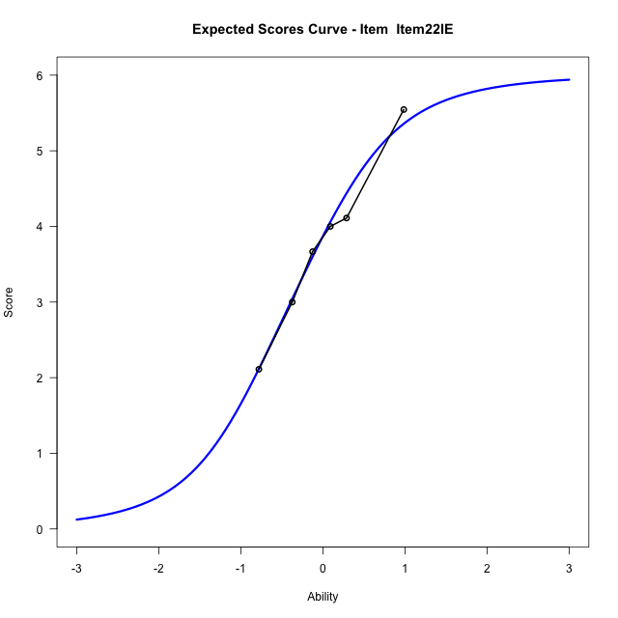
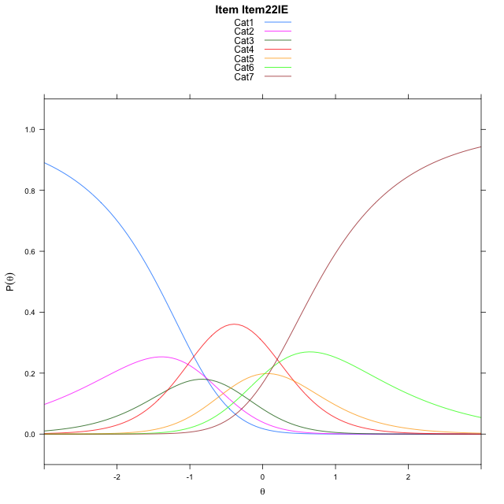
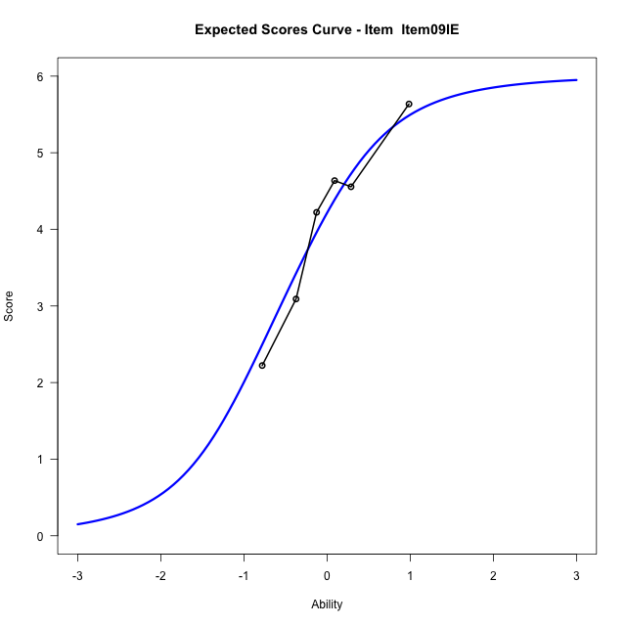
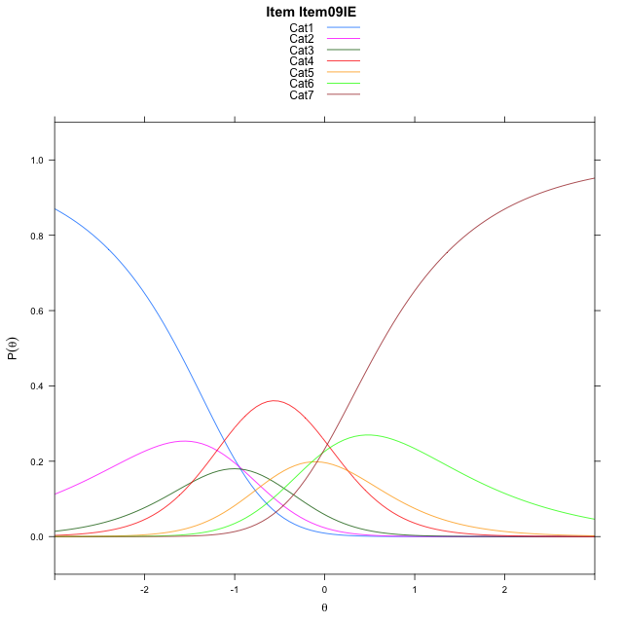
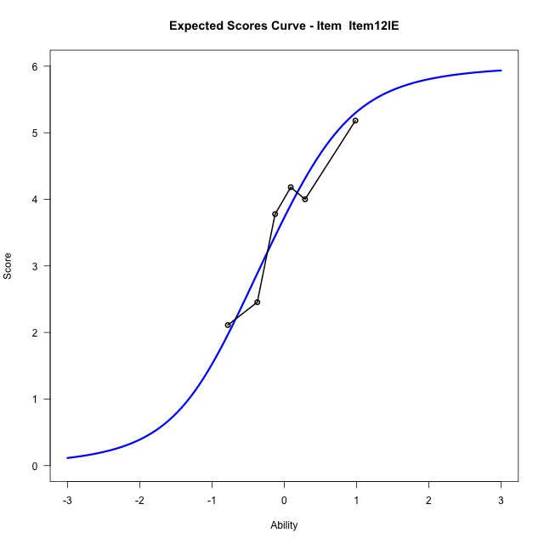
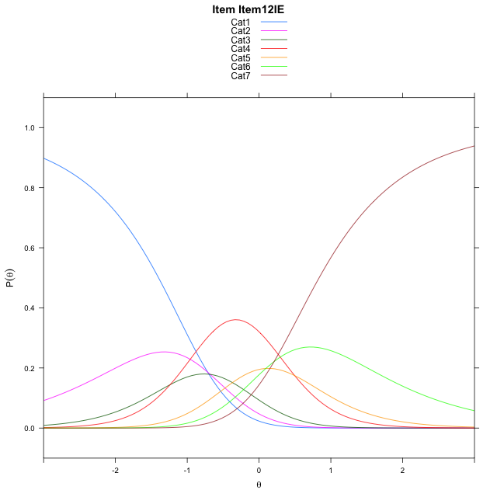
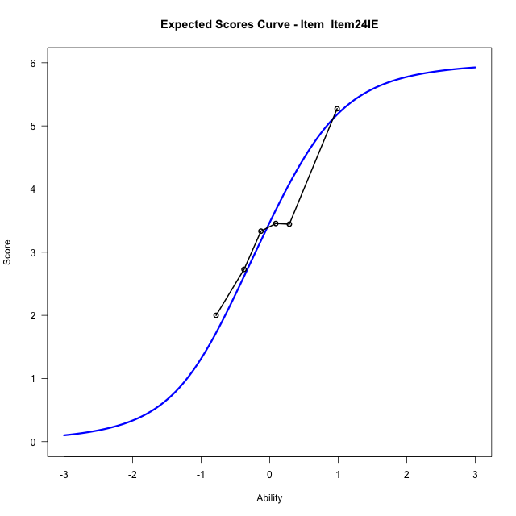
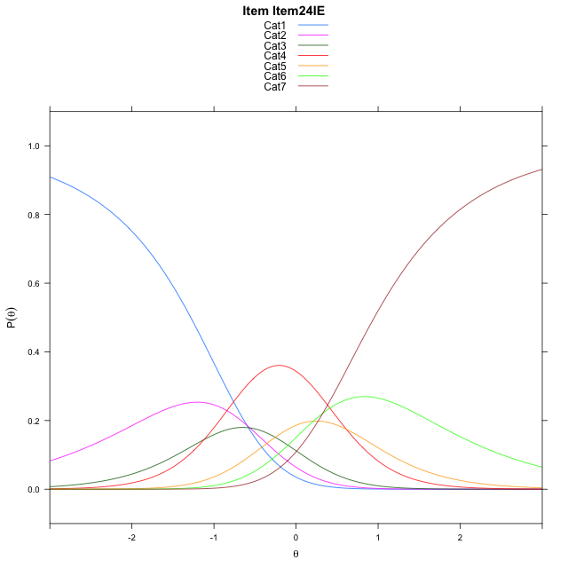
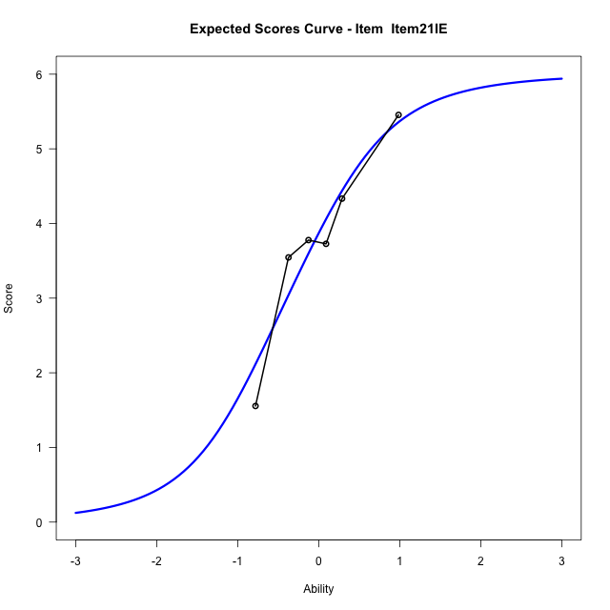
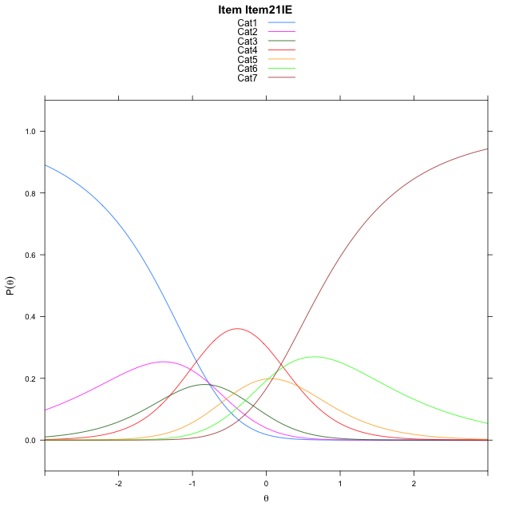
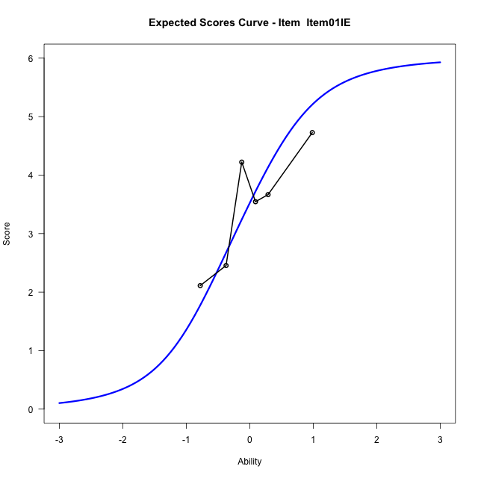

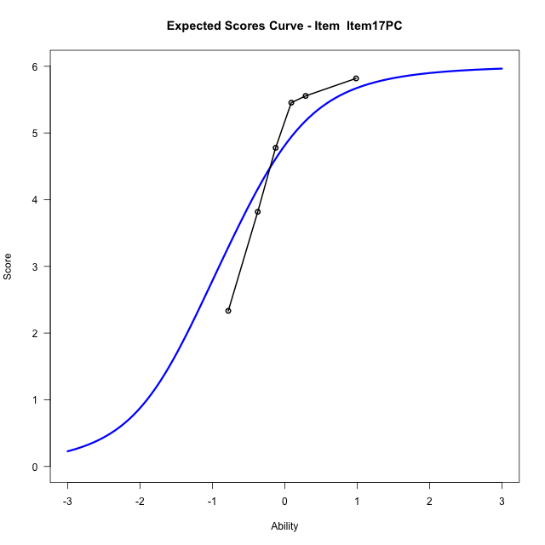
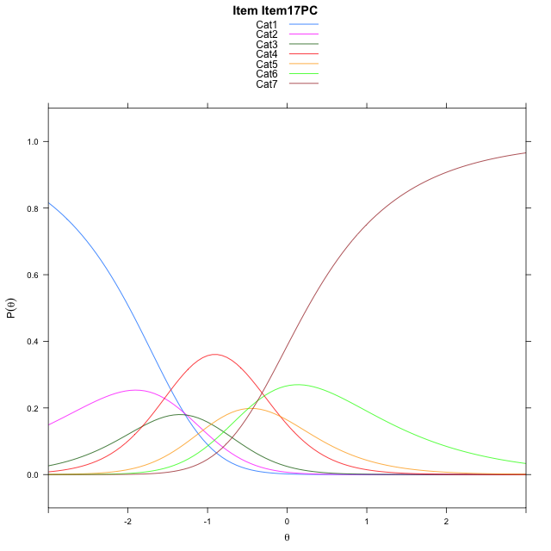
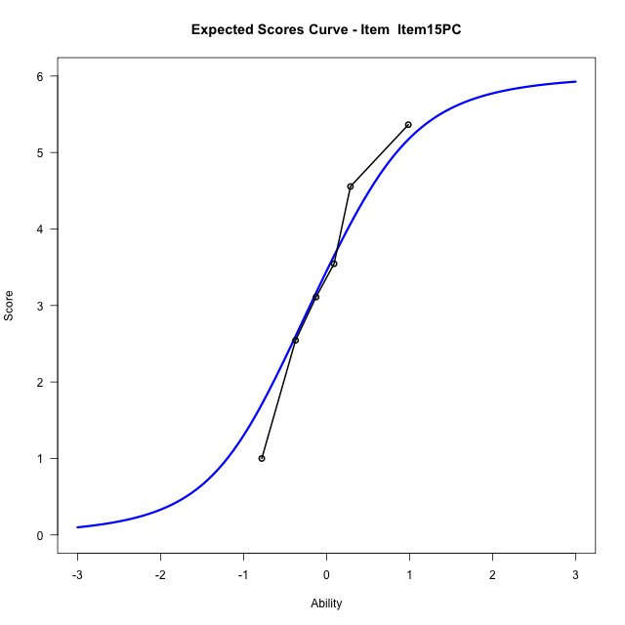


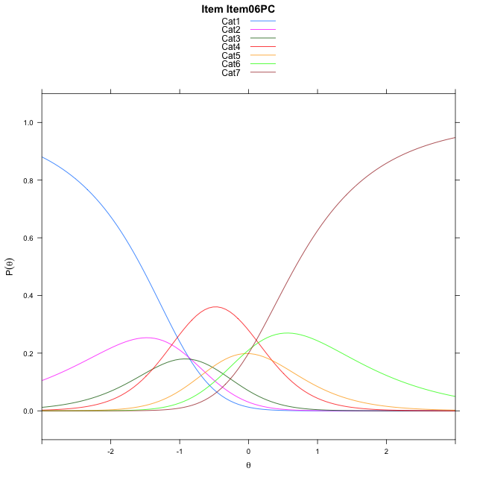
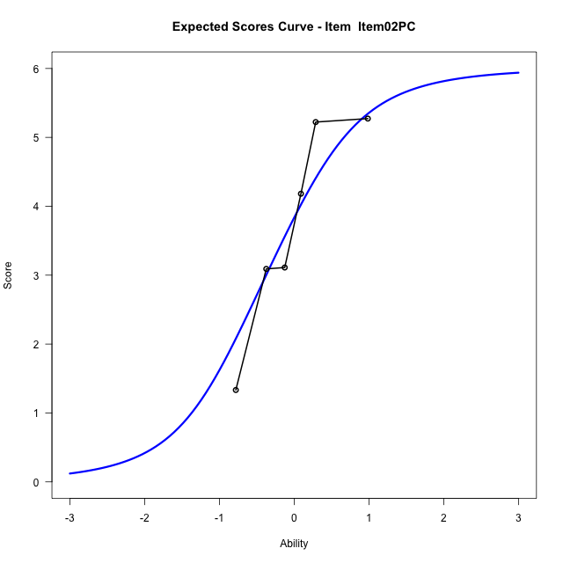

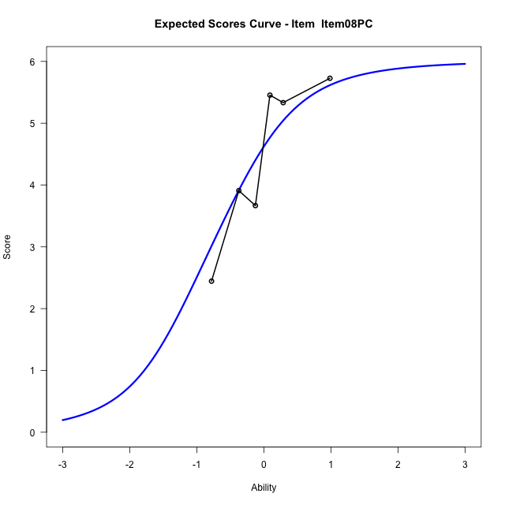
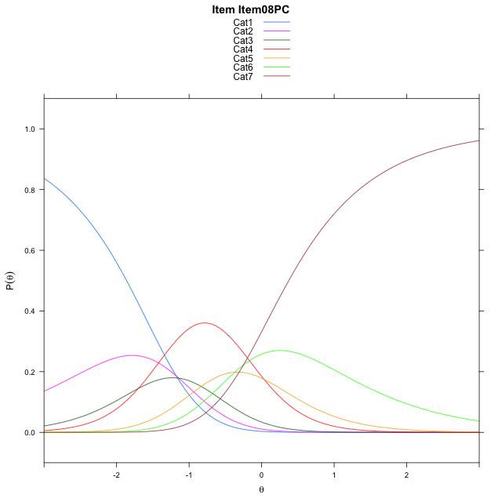
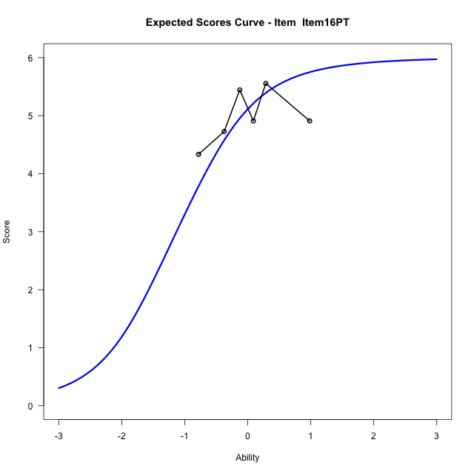
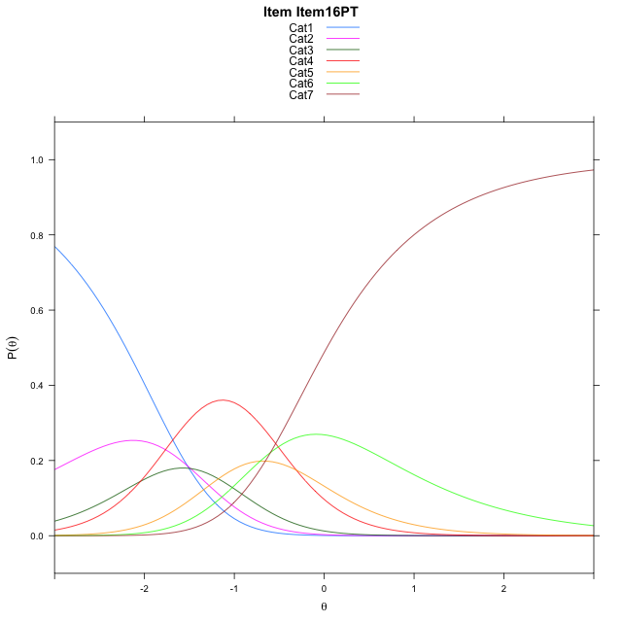
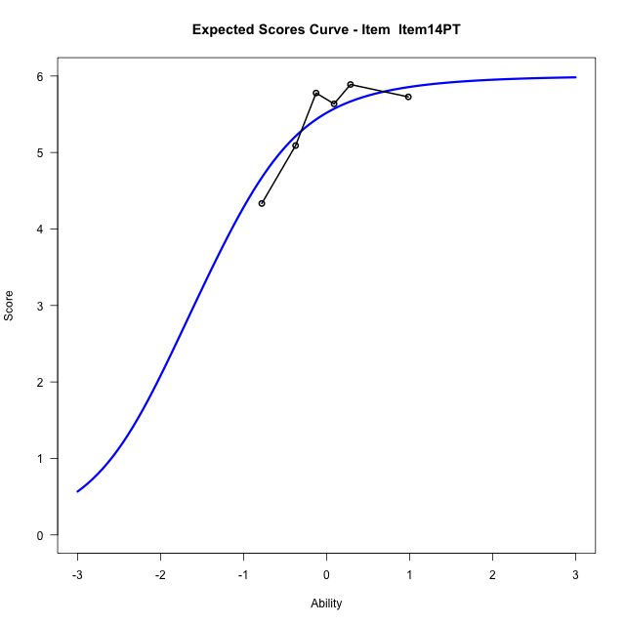
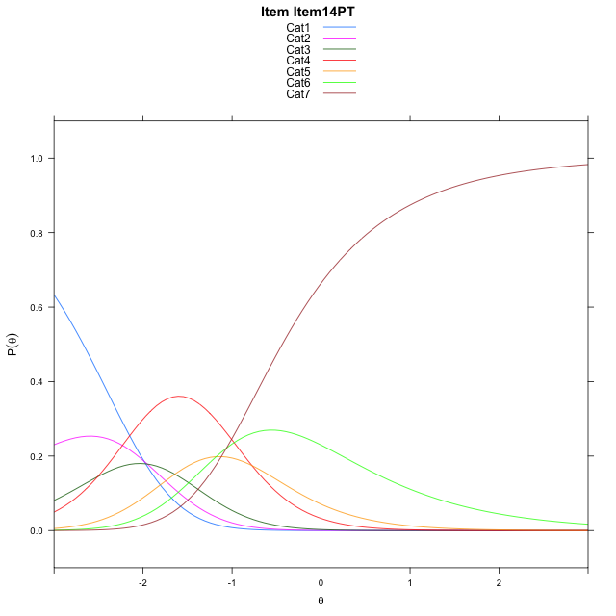
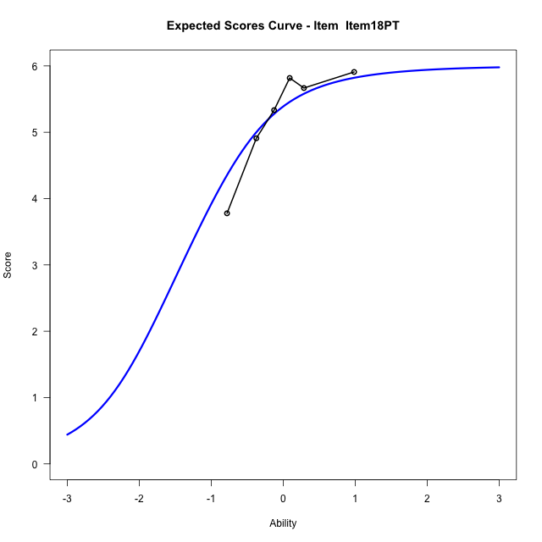
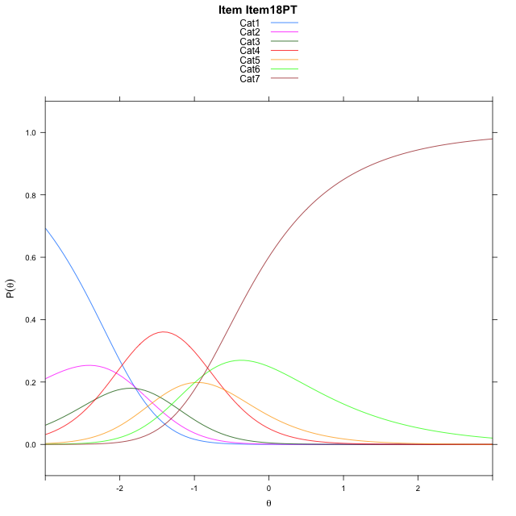
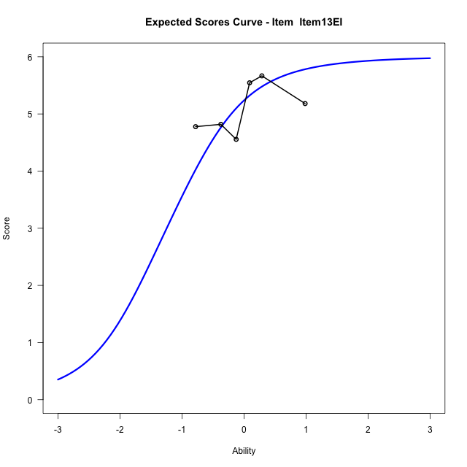
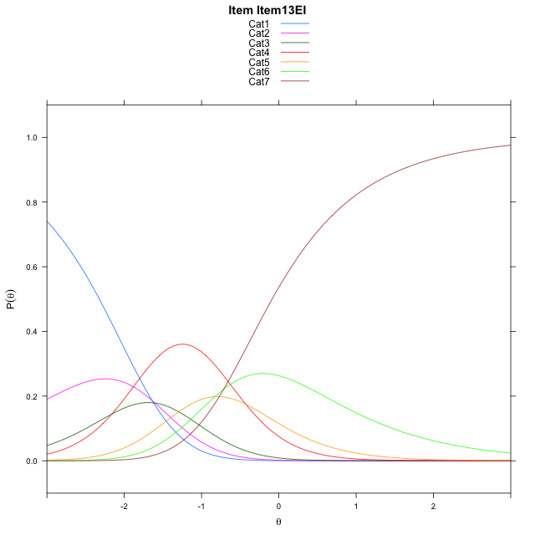
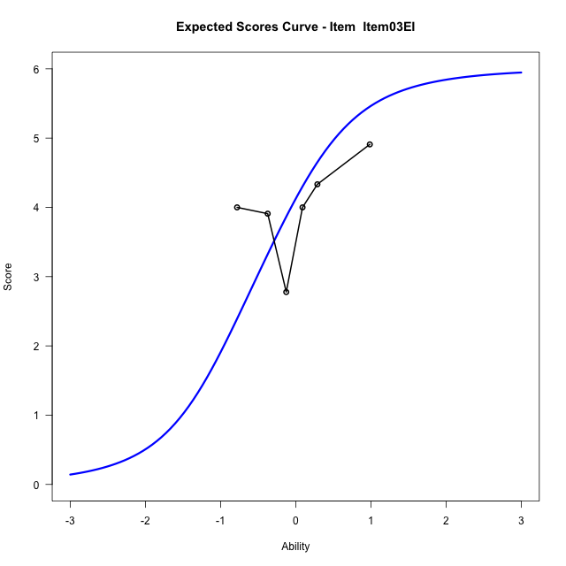
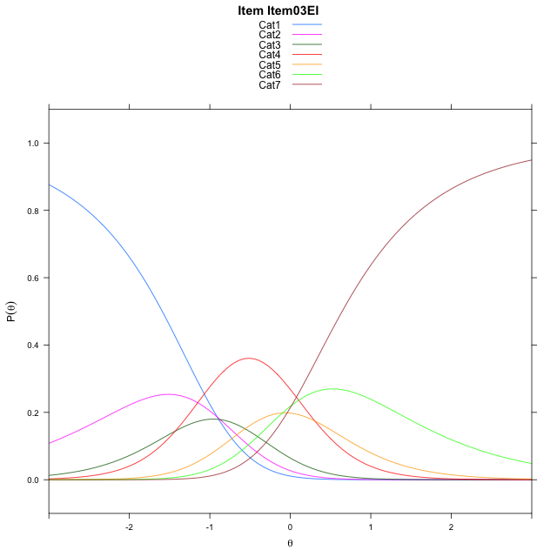
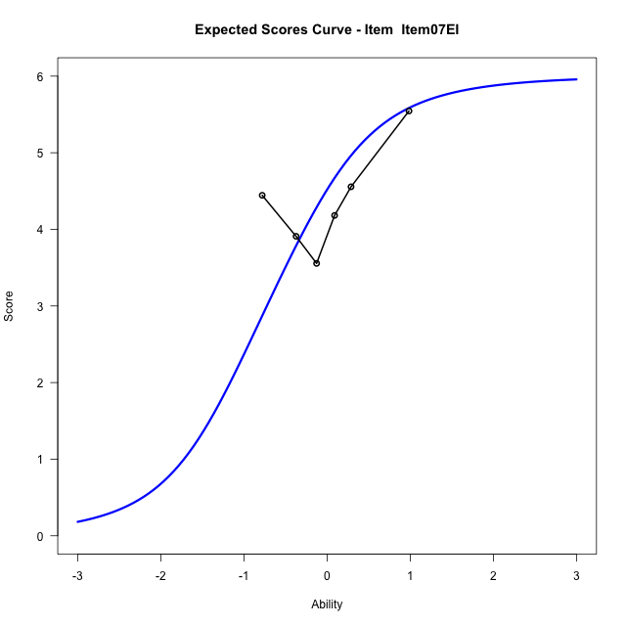
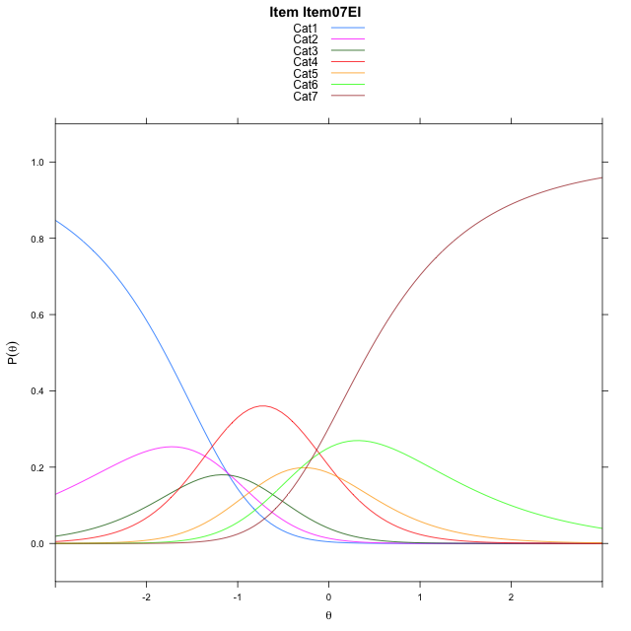
Estimate items information for the measurement model

Full Item Information
item | N | M | xsi.item | AXsi_.Cat1 | AXsi_.Cat2 | AXsi_.Cat3 | AXsi_.Cat4 | AXsi_.Cat5 | AXsi_.Cat6 | B.Cat1.Dim1 | B.Cat2.Dim1 | B.Cat3.Dim1 | B.Cat4.Dim1 | B.Cat5.Dim1 | B.Cat6.Dim1
Item22IE | 60 | 3.7833333333 | -0.37351490246 | -0.78425982085 | -1.5326908 | -2.8375123827 | -2.4098172266 | -2.3829774262 | -2.2410894147 | 1 | 2 | 3 | 4 | 5 | 6
Item09IE | 60 | 4.1 | -0.54271099535 | -0.95345591374 | -1.8710829857 | -3.3451006614 | -3.0866015981 | -3.2289578907 | -3.2562659721 | 1 | 2 | 3 | 4 | 5 | 6
Item12IE | 60 | 3.65 | -0.30522883733 | -0.71597375572 | -1.3961186697 | -2.6326541873 | -2.1366729661 | -2.0415471006 | -1.831373024 | 1 | 2 | 3 | 4 | 5 | 6
Item24IE | 60 | 3.4166666667 | -0.18858708324 | -0.59933200163 | -1.1628351615 | -2.2827289251 | -1.6701059497 | -1.4583383302 | -1.1315224994 | 1 | 2 | 3 | 4 | 5 | 6
Item21IE | 60 | 3.7833333333 | -0.37351490246 | -0.78425982085 | -1.5326908 | -2.8375123827 | -2.4098172266 | -2.3829774262 | -2.2410894147 | 1 | 2 | 3 | 4 | 5 | 6
Item01IE | 60 | 3.4666666667 | -0.21333448107 | -0.62407939947 | -1.2123299572 | -2.3569711186 | -1.7690955411 | -1.5820753193 | -1.2800068864 | 1 | 2 | 3 | 4 | 5 | 6
Item17PC | 60 | 4.6666666667 | -0.88814947181 | -1.2988943902 | -2.5619599387 | -4.3814160908 | -4.468355504 | -4.956150273 | -5.3288968309 | 1 | 2 | 3 | 4 | 5 | 6
Item15PC | 60 | 3.4 | -0.18036289218 | -0.59110781057 | -1.1463867794 | -2.2580563519 | -1.6372091855 | -1.4172173748 | -1.0821773531 | 1 | 2 | 3 | 4 | 5 | 6
Item06PC | 60 | 3.95 | -0.46113158528 | -0.87187650367 | -1.7079241656 | -3.1003624312 | -2.7602839579 | -2.8210608403 | -2.7667895117 | 1 | 2 | 3 | 4 | 5 | 6
Item02PC | 60 | 3.75 | -0.35630938599 | -0.76705430438 | -1.498279767 | -2.7858958333 | -2.3409951607 | -2.2969498439 | -2.1378563159 | 1 | 2 | 3 | 4 | 5 | 6
Item08PC | 60 | 4.4833333333 | -0.7680439774 | -1.1787888958 | -2.3217489499 | -4.0210996075 | -3.9879335264 | -4.355622801 | -4.6082638644 | 1 | 2 | 3 | 4 | 5 | 6
Item16PT | 60 | 4.9666666667 | -1.1124130467 | -1.5231579651 | -3.0104870885 | -5.0542068155 | -5.3654098037 | -6.0774681476 | -6.6744782804 | 1 | 2 | 3 | 4 | 5 | 6
Item14PT | 60 | 5.4166666667 | -1.5780286328 | -1.9887735512 | -3.9417182606 | -6.4510535737 | -7.2278721479 | -8.4055460779 | -9.4681717968 | 1 | 2 | 3 | 4 | 5 | 6
Item18PT | 60 | 5.2666666667 | -1.3956015756 | -1.8063464939 | -3.5768641461 | -5.903772402 | -6.498163919 | -7.4934107917 | -8.3736094533 | 1 | 2 | 3 | 4 | 5 | 6
Item13EI | 60 | 5.1 | -1.2284485147 | -1.6391934331 | -3.2425580245 | -5.4023132195 | -5.8295516757 | -6.6576454876 | -7.3706910883 | 1 | 2 | 3 | 4 | 5 | 6
Item03EI | 60 | 4.0166666667 | -0.49703155638 | -0.90777647477 | -1.7797241078 | -3.2080623445 | -2.9038838423 | -3.0005606958 | -2.9821893383 | 1 | 2 | 3 | 4 | 5 | 6
Item07EI | 60 | 4.3833333333 | -0.70637220234 | -1.1171171207 | -2.1984053997 | -3.8360842823 | -3.7412464261 | -4.0472639256 | -4.238233214 | 1 | 2 | 3 | 4 | 5 | 6

Thurstonian Thresholds (category-wise)
 | Cat1 | Cat2 | Cat3 | Cat4 | Cat5 | Cat6
Item22IE | -1.4674987793 | -0.9934387207 | -0.70083618164 | -0.095123291016 | 0.23867797852 | 0.7678527832
Item09IE | -1.6366882324 | -1.1626281738 | -0.87002563477 | -0.26431274414 | 0.069488525391 | 0.59866333008
Item12IE | -1.3992004395 | -0.92514038086 | -0.6325378418 | -0.027008056641 | 0.30679321289 | 0.83615112305
Item24IE | -1.2825622559 | -0.80850219727 | -0.5158996582 | 0.089813232422 | 0.42343139648 | 0.95278930664
Item21IE | -1.4674987793 | -0.9934387207 | -0.70083618164 | -0.095123291016 | 0.23867797852 | 0.7678527832
Item01IE | -1.3072814941 | -0.83322143555 | -0.54061889648 | 0.064910888672 | 0.3987121582 | 0.92807006836
Item17PC | -1.9820251465 | -1.5079650879 | -1.2153625488 | -0.60983276367 | -0.27603149414 | 0.25332641602
Item15PC | -1.2743225098 | -0.80026245117 | -0.50765991211 | 0.097869873047 | 0.43167114258 | 0.96102905273
Item06PC | -1.5550231934 | -1.0809631348 | -0.7883605957 | -0.18283081055 | 0.15097045898 | 0.68032836914
Item02PC | -1.4502868652 | -0.97622680664 | -0.68362426758 | -0.077911376953 | 0.25570678711 | 0.78506469727
Item08PC | -1.8620910645 | -1.3878479004 | -1.0952453613 | -0.48971557617 | -0.15591430664 | 0.37344360352
Item16PT | -2.2063293457 | -1.7322692871 | -1.439666748 | -0.83413696289 | -0.50033569336 | 0.029022216797
Item14PT | -2.6719665527 | -2.1979064941 | -1.9053039551 | -1.2995910645 | -0.96578979492 | -0.43661499023
Item18PT | -2.4895935059 | -2.0155334473 | -1.7229309082 | -1.1172180176 | -0.78341674805 | -0.25405883789
Item13EI | -2.3224182129 | -1.8483581543 | -1.5557556152 | -0.95004272461 | -0.61624145508 | -0.087066650391
Item03EI | -1.5910949707 | -1.1168518066 | -0.82424926758 | -0.21871948242 | 0.11508178711 | 0.64443969727
Item07EI | -1.8003845215 | -1.3263244629 | -1.0337219238 | -0.4280090332 | -0.094207763672 | 0.43496704102

Thurstonian Thresholds (item-wise)
 | Threshold
Item22IE | -0.38711593926
Item09IE | -0.55851740736
Item12IE | -0.32001681395
Item24IE | -0.20625872528
Item21IE | -0.38711593926
Item01IE | -0.23039618013
Item17PC | -0.90332814674
Item15PC | -0.19822782587
Item06PC | -0.47466639758
Item02PC | -0.37013846181
Item08PC | -0.78618633146
Item16PT | -1.1270509973
Item14PT | -1.591579497
Item18PT | -1.4131041067
Item13EI | -1.2476130036
Item03EI | -0.51123096427
Item07EI | -0.72556892879

Item Infit/Outfit Statistic
parameter | Outfit | Outfit_t | Outfit_p | Outfit_pholm | Infit | Infit_t | Infit_p | Infit_pholm
Item22IE | 0.71350251652 | -1.7660630436 | 0.077385272709 | 0.94584834016 | 0.7242204438 | -1.7524135544 | 0.079702722408 | 1
Item09IE | 0.51382849745 | -3.201933326 | 0.0013650858989 | 0.030031889776 | 0.52820977291 | -3.2589101506 | 0.0011184108233 | 0.019012983996
Item12IE | 0.59412133454 | -2.7056389026 | 0.0068173130885 | 0.13634626177 | 0.57385114099 | -2.9571507706 | 0.0031049625303 | 0.049679400485
Item24IE | 1.2196492676 | 1.2495475421 | 0.21146487613 | 1 | 1.2369277316 | 1.3649889177 | 0.17225653324 | 1
Item21IE | 0.75316724753 | -1.4860596814 | 0.13726333558 | 1 | 0.76749453982 | -1.4410572039 | 0.14956852264 | 1
Item01IE | 0.71677408964 | -1.7952501414 | 0.072613854898 | 0.94584834016 | 0.72642413386 | -1.7620266813 | 0.078064789613 | 1
Item17PC | 0.80216305135 | -0.9456853091 | 0.34430911776 | 1 | 0.87202710928 | -0.65008357465 | 0.51563823848 | 1
Item15PC | 1.2511917622 | 1.4175687375 | 0.15631671279 | 1 | 1.3016825063 | 1.6981969679 | 0.089470592638 | 1
Item06PC | 1.3035823432 | 1.5981175903 | 0.11001680956 | 1 | 1.2926652028 | 1.615391012 | 0.10622604542 | 1
Item02PC | 1.0259905271 | 0.19843756919 | 0.84270272587 | 1 | 1.0868751258 | 0.54852384666 | 0.58333225976 | 1
Item08PC | 0.83873423128 | -0.79822889744 | 0.42473767084 | 1 | 0.84756193162 | -0.82638646462 | 0.40858489909 | 1
Item16PT | 1.9091843708 | 3.1096358989 | 0.0018731809201 | 0.039336799322 | 1.4904577481 | 2.1469046421 | 0.031800873981 | 0.44521223574
Item14PT | 1.0949662849 | 0.39864824452 | 0.69015240805 | 1 | 1.1400293332 | 0.5983239106 | 0.54962382529 | 1
Item18PT | 0.85638917271 | -0.45808860976 | 0.64688878178 | 1 | 1.0328993392 | 0.21269088562 | 0.83156807634 | 1
Item13EI | 1.7065293108 | 2.3981757721 | 0.016476956379 | 0.28010825844 | 1.3037923741 | 1.3546497583 | 0.17552917218 | 1
Item03EI | 1.1270628418 | 0.7240981943 | 0.46900545309 | 1 | 1.0845582038 | 0.5297028432 | 0.59631797635 | 1
Item07EI | 1.4356689415 | 2.0272569298 | 0.042636143748 | 0.63954215622 | 1.4391806251 | 2.2059715717 | 0.02738599025 | 0.41078985375
Cat1 | 2.629002302 | 1.8279264173 | 0.067560595726 | 0.94584834016 | 2.6155235423 | 33.962328967 | 8.022304278E-253 | 1.5242378128E-251
Cat2 | 2.7188335653 | 2.4210396335 | 0.015476189839 | 0.2785714171 | 2.6951220832 | 43.46429453 | 0 | 0
Cat3 | 2.2605469948 | 2.6306010264 | 0.0085234032305 | 0.16194466138 | 2.2588229308 | 48.866366594 | 0 | 0
Cat4 | 2.5594309842 | 2.188020109 | 0.028668137571 | 0.45869020113 | 2.5798943806 | 50.777936653 | 0 | 0
Cat5 | 2.0185012212 | 1.0602900943 | 0.28901264435 | 1 | 2.1188074273 | 18.422660996 | 8.6447320013E-76 | 1.5560517602E-74

Box plot of expected curves

