Type_1
Wilcoxon Analysis for Perceived Choice by Type in Type between non-gamified:ont-gamified

Wilcoxon test results
Alternative hypothesis: less
Group | N | Median | Mean.Ranks | Sum.Ranks | U | Z | p.value | r | magnitude
non-gamified | 30 | -0.40062495465 | 25.016666667 | 750.5 | 285.5 | -2.4367141347 | 0.0071046391585 | 0.31457844211 | medium
ont-gamified | 30 | 0.20958860025 | 35.983333333 | 1079.5 | 285.5 | -2.4367141347 | 0.0071046391585 | 0.31457844211 | medium
Alternative hypothesis: greater
Group | N | Median | Mean.Ranks | Sum.Ranks | U | Z | p.value | r | magnitude
non-gamified | 30 | -0.40062495465 | 25.016666667 | 750.5 | 285.5 | -2.4367141347 | 0.99304592679 | 0.31457844211 | medium
ont-gamified | 30 | 0.20958860025 | 35.983333333 | 1079.5 | 285.5 | -2.4367141347 | 0.99304592679 | 0.31457844211 | medium
Alternative hypothesis: two.sided
Group | N | Median | Mean.Ranks | Sum.Ranks | U | Z | p.value | r | magnitude
non-gamified | 30 | -0.40062495465 | 25.016666667 | 750.5 | 285.5 | -2.4367141347 | 0.014209278317 | 0.31457844211 | medium
ont-gamified | 30 | 0.20958860025 | 35.983333333 | 1079.5 | 285.5 | -2.4367141347 | 0.014209278317 | 0.31457844211 | medium

Box plots for wilcoxon tests
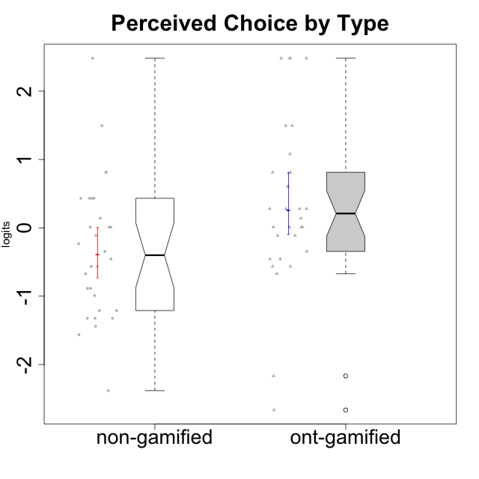

Wilcoxon data
UserID | NroUSP | Type | CLGroup | CLRole | PlayerRole | Score | theta | error | Outfit | Infit | Perceived Choice
10169 | 10377538 | ont-gamified | Grupo Hefesto | Master | Yee Achiever | 19 | -0.34506436271 | 0.34083711893 | 1.3131412684 | 1.3935976948 | -0.34506436271
10170 | 10260351 | ont-gamified | Grupo Afrodite | Apprentice | Yee Achiever | 27 | 0.81251309803 | 0.49661241947 | 0.31846973089 | 0.2494681259 | 0.81251309803
10171 | 698531 | non-gamified | Grupo Team 6 | Apprentice |  | 25 | 0.43204236264 | 0.41537299419 | 0.20196439947 | 0.14943836134 | 0.43204236264
10172 | 10273971 | non-gamified | Grupo Team 1 | Master |  | 22 | 0.010078688627 | 0.36330769311 | 0.53560828569 | 0.5865714263 | 0.010078688627
10174 | 10276852 | ont-gamified | Grupo Urano | Master | Yee Achiever | 17 | -0.56508989585 | 0.33374134903 | 0.044286218849 | 0.044583460978 | -0.56508989585
10175 | 10310700 | ont-gamified | Grupo Hélio | Master | Yee Socializer | 30 | 2.4813996481 | 1.3161296379 | 0.10524258624 | 0.1192261377 | 2.4813996481
10176 | 10276949 | ont-gamified | Grupo Cronus | Apprentice | Yee Achiever | 24 | 0.27922605818 | 0.39253461654 | 1.2858661246 | 1.4596051124 | 0.27922605818
10178 | 8656201 | ont-gamified | Grupo Morfeu | Apprentice | Yee Socializer | 24 | 0.27922605818 | 0.39253461654 | 0.53692830091 | 0.51319261817 | 0.27922605818
10179 | 10310759 | non-gamified | Grupo Team 9 | Master |  | 11 | -1.210479532 | 0.34026336195 | 0.12907271044 | 0.11934699836 | -1.210479532
10181 | 10276866 | non-gamified | Grupo Team 10 | Master |  | 25 | 0.43204236264 | 0.41537299419 | 0.76375557413 | 0.65418273165 | 0.43204236264
10183 | 10352030 | ont-gamified | Grupo Hélio | Apprentice | Yee Socializer | 22 | 0.010078688627 | 0.36330769311 | 0.86308494858 | 0.82027325993 | 0.010078688627
10184 | 10276675 | ont-gamified | Grupo Apolo | Master | Yee Socializer | 23 | 0.13995114232 | 0.37583368046 | 1.2629332801 | 1.3390862641 | 0.13995114232
10185 | 10276960 | non-gamified | Grupo Team 12 | Apprentice |  | 17 | -0.56508989585 | 0.33374134903 | 0.29483914307 | 0.2818527245 | -0.56508989585
10186 | 10310551 | ont-gamified | Grupo Ares | Apprentice | Yee Achiever | 26 | 0.60542829398 | 0.44780298167 | 1.2568907304 | 1.3831891528 | 0.60542829398
10187 | 9790781 | non-gamified | Grupo Team 15 | Apprentice |  | 25 | 0.43204236264 | 0.41537299419 | 1.1760019432 | 1.1627027168 | 0.43204236264
10188 | 10276995 | non-gamified | Grupo Team 3 | Master |  | 20 | -0.23096919108 | 0.34643194618 | 0.2427330003 | 0.23294139291 | -0.23096919108
10189 | 9363926 | ont-gamified | Grupo Hades | Master | Yee Socializer | 21 | -0.11298912179 | 0.35376002115 | 0.5985472297 | 0.61576706392 | -0.11298912179
10190 | 10276907 | ont-gamified | Grupo Zeus | Apprentice | Yee Socializer | 24 | 0.27922605818 | 0.39253461654 | 1.2768754048 | 1.4225851675 | 0.27922605818
10191 | 10276981 | non-gamified | Grupo Team 6 | Master |  | 21 | -0.11298912179 | 0.35376002115 | 1.116189439 | 1.1839013619 | -0.11298912179
10192 | 10276682 | non-gamified | Grupo Team 5 | Apprentice |  | 17 | -0.56508989585 | 0.33374134903 | 3.0468706254 | 3.0843142063 | -0.56508989585
10193 | 10276762 | ont-gamified | Grupo Afrodite | Master | Yee Achiever | 17 | -0.56508989585 | 0.33374134903 | 0.64781880932 | 0.6709857677 | -0.56508989585
10195 | 10351971 | ont-gamified | Grupo Urano | Apprentice | Yee Achiever | 18 | -0.45618554659 | 0.33666859335 | 0.69351074822 | 0.64751653857 | -0.45618554659
10196 | 10310655 | ont-gamified | Grupo Hefesto | Apprentice | Yee Achiever | 16 | -0.67246472837 | 0.331954749 | 2.3412331541 | 2.3578812799 | -0.67246472837
10197 | 10276661 | ont-gamified | Grupo Gaia | Apprentice | Yee Achiever | 29 | 1.4951814649 | 0.74092563638 | 0.47013917135 | 0.51622802157 | 1.4951814649
10198 | 10310888 | ont-gamified | Grupo Apolo | Apprentice | Yee Socializer | 30 | 2.4813996481 | 1.3161296379 | 0.10524258624 | 0.1192261377 | 2.4813996481
10199 | 10276737 | ont-gamified | Grupo Gaia | Master | Yee Achiever | 30 | 2.4813996481 | 1.3161296379 | 0.10524258624 | 0.1192261377 | 2.4813996481
10200 | 9795272 | ont-gamified | Grupo Hades | Apprentice | Yee Socializer | 22 | 0.010078688627 | 0.36330769311 | 0.34059189084 | 0.35044371819 | 0.010078688627
10201 | 10276928 | ont-gamified | Grupo Caronte | Master | Yee Achiever | 24 | 0.27922605818 | 0.39253461654 | 0.24236837645 | 0.28106254701 | 0.27922605818
10202 | 10277036 | non-gamified | Grupo Team 11 | Apprentice |  | 11 | -1.210479532 | 0.34026336195 | 0.91354089176 | 0.85559148162 | -1.210479532
10203 | 9921470 | non-gamified | Grupo Team 3 | Apprentice |  | 30 | 2.4813996481 | 1.3161296379 | 0.10524258624 | 0.1192261377 | 2.4813996481
10204 | 10310471 | ont-gamified | Grupo Hermes | Master | Yee Achiever | 26 | 0.60542829398 | 0.44780298167 | 1.2568907304 | 1.3831891528 | 0.60542829398
10206 | 10310721 | ont-gamified | Grupo Hera | Master | Yee Achiever | 28 | 1.0818912276 | 0.5776455634 | 0.50354761723 | 0.40997574047 | 1.0818912276
10208 | 10276932 | non-gamified | Grupo Team 7 | Apprentice |  | 23 | 0.13995114232 | 0.37583368046 | 0.9166559135 | 0.93951492347 | 0.13995114232
10209 | 10262669 | ont-gamified | Grupo Artemis | Apprentice | Yee Achiever | 2 | -2.6652003423 | 0.59068298508 | 0.22862872882 | 0.18001119529 | -2.6652003423
10210 | 10277015 | non-gamified | Grupo Team 9 | Apprentice |  | 9 | -1.4411884157 | 0.35374987403 | 0.066173216964 | 0.068461211051 | -1.4411884157
10211 | 9311643 | non-gamified | Grupo Team 2 | Master |  | 10 | -1.3237490316 | 0.34604952726 | 0.74109623774 | 0.76418519107 | -1.3237490316
10212 | 9065750 | non-gamified | Grupo Team 4 | Master |  | 25 | 0.43204236264 | 0.41537299419 | 0.71348062058 | 0.8269992531 | 0.43204236264
10213 | 10277040 | ont-gamified | Grupo Morfeu | Master | Yee Socializer | 18 | -0.45618554659 | 0.33666859335 | 1.9671537389 | 2.0019355721 | -0.45618554659
10214 | 10277022 | non-gamified | Grupo Team 5 | Master |  | 14 | -0.88530121499 | 0.33168775195 | 0.13986285456 | 0.140758092 | -0.88530121499
10215 | 9285227 | ont-gamified | Grupo Zeus | Master | Yee Socializer | 30 | 2.4813996481 | 1.3161296379 | 0.10524258624 | 0.1192261377 | 2.4813996481
10216 | 10276720 | non-gamified | Grupo Team 15 | Master |  | 27 | 0.81251309803 | 0.49661241947 | 0.94827800115 | 1.240894423 | 0.81251309803
10217 | 9805341 | non-gamified | Grupo Team 13 | Master |  | 29 | 1.4951814649 | 0.74092563638 | 0.38528023218 | 0.45053715956 | 1.4951814649
10218 | 9842913 | ont-gamified | Grupo Ares | Master | Yee Achiever | 22 | 0.010078688627 | 0.36330769311 | 0.74016146382 | 0.68317938 | 0.010078688627
10219 | 10276831 | non-gamified | Grupo Team 12 | Master |  | 18 | -0.45618554659 | 0.33666859335 | 0.67562468923 | 0.66572351956 | -0.45618554659
10220 | 9760151 | non-gamified | Grupo Team 2 | Apprentice |  | 27 | 0.81251309803 | 0.49661241947 | 1.7070464486 | 1.862871911 | 0.81251309803
10221 | 9082496 | ont-gamified | Grupo Hermes | Apprentice | Yee Achiever | 22 | 0.010078688627 | 0.36330769311 | 0.5789156468 | 0.52344208461 | 0.010078688627
10222 | 9436110 | non-gamified | Grupo Team 16 | Master |  | 3 | -2.38239898 | 0.50455612689 | 0.21527775422 | 0.14793603908 | -2.38239898
10223 | 9795185 | ont-gamified | Grupo Cronus | Master | Yee Achiever | 27 | 0.81251309803 | 0.49661241947 | 0.16446987365 | 0.10837180743 | 0.81251309803
10224 | 9368772 | non-gamified | Grupo Team 10 | Apprentice |  | 8 | -1.5642049221 | 0.36385319131 | 1.3370398153 | 1.3139611157 | -1.5642049221
10226 | 10310342 | non-gamified | Grupo Team 8 | Master |  | 10 | -1.3237490316 | 0.34604952726 | 0.25141062962 | 0.255764391 | -1.3237490316
10227 | 9274382 | non-gamified | Grupo Team 4 | Apprentice |  | 16 | -0.67246472837 | 0.331954749 | 0.32350478298 | 0.32079632196 | -0.67246472837
10228 | 10310492 | non-gamified | Grupo Team 14 | Apprentice |  | 19 | -0.34506436271 | 0.34083711893 | 0.4483242252 | 0.46360814887 | -0.34506436271
10230 | 10351992 | non-gamified | Grupo Team 14 | Master |  | 22 | 0.010078688627 | 0.36330769311 | 2.0000127952 | 1.7863161382 | 0.010078688627
10231 | 10276911 | ont-gamified | Grupo Caronte | Apprentice | Yee Achiever | 29 | 1.4951814649 | 0.74092563638 | 0.27295439664 | 0.30865034216 | 1.4951814649
10232 | 10276974 | ont-gamified | Grupo Artemis | Master | Yee Achiever | 21 | -0.11298912179 | 0.35376002115 | 0.31300549032 | 0.34543916687 | -0.11298912179
10233 | 9805320 | non-gamified | Grupo Team 16 | Apprentice |  | 13 | -0.99214359514 | 0.33325911973 | 0.9354509171 | 0.9408621959 | -0.99214359514
10234 | 10310676 | non-gamified | Grupo Team 7 | Master |  | 14 | -0.88530121499 | 0.33168775195 | 0.97788594457 | 0.98287140642 | -0.88530121499
10237 | 10377688 | non-gamified | Grupo Team 11 | Master |  | 22 | 0.010078688627 | 0.36330769311 | 0.99870203712 | 1.0599060334 | 0.010078688627
10238 | 10276953 | non-gamified | Grupo Team 13 | Apprentice |  | 10 | -1.3237490316 | 0.34604952726 | 0.58641258953 | 0.54083684999 | -1.3237490316
10240 | 10276654 | ont-gamified | Grupo Hera | Apprentice | Yee Achiever | 4 | -2.1683107034 | 0.45301398091 | 0.37858424815 | 0.35735352407 | -2.1683107034

Type_CLRole_1
Wilcoxon Analysis for Perceived Choice by Type in Type:CLRole between non-gamified.Apprentice:non-gamified.Master

Wilcoxon test results
Alternative hypothesis: less
Group | N | Median | Mean.Ranks | Sum.Ranks | U | Z | p.value | r | magnitude
non-gamified.Apprentice | 14 | -0.56508989585 | 15 | 210 | 105 | -0.29170858183 | 0.39087905652 | 0.053258456829 | none
non-gamified.Master | 16 | -0.17197915643 | 15.9375 | 255 | 105 | -0.29170858183 | 0.39087905652 | 0.053258456829 | none
Alternative hypothesis: greater
Group | N | Median | Mean.Ranks | Sum.Ranks | U | Z | p.value | r | magnitude
non-gamified.Apprentice | 14 | -0.56508989585 | 15 | 210 | 105 | -0.29170858183 | 0.61707270892 | 0.053258456829 | none
non-gamified.Master | 16 | -0.17197915643 | 15.9375 | 255 | 105 | -0.29170858183 | 0.61707270892 | 0.053258456829 | none
Alternative hypothesis: two.sided
Group | N | Median | Mean.Ranks | Sum.Ranks | U | Z | p.value | r | magnitude
non-gamified.Apprentice | 14 | -0.56508989585 | 15 | 210 | 105 | -0.29170858183 | 0.78179104462 | 0.053258456829 | none
non-gamified.Master | 16 | -0.17197915643 | 15.9375 | 255 | 105 | -0.29170858183 | 0.78179104462 | 0.053258456829 | none

Box plots for wilcoxon tests
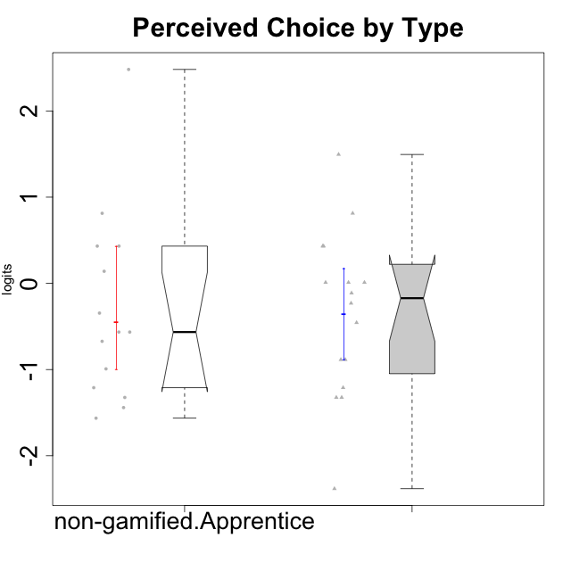

Wilcoxon data
UserID | NroUSP | Type | CLGroup | CLRole | PlayerRole | Score | theta | error | Outfit | Infit | Perceived Choice
10171 | 698531 | non-gamified | Grupo Team 6 | Apprentice |  | 25 | 0.43204236264 | 0.41537299419 | 0.20196439947 | 0.14943836134 | 0.43204236264
10172 | 10273971 | non-gamified | Grupo Team 1 | Master |  | 22 | 0.010078688627 | 0.36330769311 | 0.53560828569 | 0.5865714263 | 0.010078688627
10179 | 10310759 | non-gamified | Grupo Team 9 | Master |  | 11 | -1.210479532 | 0.34026336195 | 0.12907271044 | 0.11934699836 | -1.210479532
10181 | 10276866 | non-gamified | Grupo Team 10 | Master |  | 25 | 0.43204236264 | 0.41537299419 | 0.76375557413 | 0.65418273165 | 0.43204236264
10185 | 10276960 | non-gamified | Grupo Team 12 | Apprentice |  | 17 | -0.56508989585 | 0.33374134903 | 0.29483914307 | 0.2818527245 | -0.56508989585
10187 | 9790781 | non-gamified | Grupo Team 15 | Apprentice |  | 25 | 0.43204236264 | 0.41537299419 | 1.1760019432 | 1.1627027168 | 0.43204236264
10188 | 10276995 | non-gamified | Grupo Team 3 | Master |  | 20 | -0.23096919108 | 0.34643194618 | 0.2427330003 | 0.23294139291 | -0.23096919108
10191 | 10276981 | non-gamified | Grupo Team 6 | Master |  | 21 | -0.11298912179 | 0.35376002115 | 1.116189439 | 1.1839013619 | -0.11298912179
10192 | 10276682 | non-gamified | Grupo Team 5 | Apprentice |  | 17 | -0.56508989585 | 0.33374134903 | 3.0468706254 | 3.0843142063 | -0.56508989585
10202 | 10277036 | non-gamified | Grupo Team 11 | Apprentice |  | 11 | -1.210479532 | 0.34026336195 | 0.91354089176 | 0.85559148162 | -1.210479532
10203 | 9921470 | non-gamified | Grupo Team 3 | Apprentice |  | 30 | 2.4813996481 | 1.3161296379 | 0.10524258624 | 0.1192261377 | 2.4813996481
10208 | 10276932 | non-gamified | Grupo Team 7 | Apprentice |  | 23 | 0.13995114232 | 0.37583368046 | 0.9166559135 | 0.93951492347 | 0.13995114232
10210 | 10277015 | non-gamified | Grupo Team 9 | Apprentice |  | 9 | -1.4411884157 | 0.35374987403 | 0.066173216964 | 0.068461211051 | -1.4411884157
10211 | 9311643 | non-gamified | Grupo Team 2 | Master |  | 10 | -1.3237490316 | 0.34604952726 | 0.74109623774 | 0.76418519107 | -1.3237490316
10212 | 9065750 | non-gamified | Grupo Team 4 | Master |  | 25 | 0.43204236264 | 0.41537299419 | 0.71348062058 | 0.8269992531 | 0.43204236264
10214 | 10277022 | non-gamified | Grupo Team 5 | Master |  | 14 | -0.88530121499 | 0.33168775195 | 0.13986285456 | 0.140758092 | -0.88530121499
10216 | 10276720 | non-gamified | Grupo Team 15 | Master |  | 27 | 0.81251309803 | 0.49661241947 | 0.94827800115 | 1.240894423 | 0.81251309803
10217 | 9805341 | non-gamified | Grupo Team 13 | Master |  | 29 | 1.4951814649 | 0.74092563638 | 0.38528023218 | 0.45053715956 | 1.4951814649
10219 | 10276831 | non-gamified | Grupo Team 12 | Master |  | 18 | -0.45618554659 | 0.33666859335 | 0.67562468923 | 0.66572351956 | -0.45618554659
10220 | 9760151 | non-gamified | Grupo Team 2 | Apprentice |  | 27 | 0.81251309803 | 0.49661241947 | 1.7070464486 | 1.862871911 | 0.81251309803
10222 | 9436110 | non-gamified | Grupo Team 16 | Master |  | 3 | -2.38239898 | 0.50455612689 | 0.21527775422 | 0.14793603908 | -2.38239898
10224 | 9368772 | non-gamified | Grupo Team 10 | Apprentice |  | 8 | -1.5642049221 | 0.36385319131 | 1.3370398153 | 1.3139611157 | -1.5642049221
10226 | 10310342 | non-gamified | Grupo Team 8 | Master |  | 10 | -1.3237490316 | 0.34604952726 | 0.25141062962 | 0.255764391 | -1.3237490316
10227 | 9274382 | non-gamified | Grupo Team 4 | Apprentice |  | 16 | -0.67246472837 | 0.331954749 | 0.32350478298 | 0.32079632196 | -0.67246472837
10228 | 10310492 | non-gamified | Grupo Team 14 | Apprentice |  | 19 | -0.34506436271 | 0.34083711893 | 0.4483242252 | 0.46360814887 | -0.34506436271
10230 | 10351992 | non-gamified | Grupo Team 14 | Master |  | 22 | 0.010078688627 | 0.36330769311 | 2.0000127952 | 1.7863161382 | 0.010078688627
10233 | 9805320 | non-gamified | Grupo Team 16 | Apprentice |  | 13 | -0.99214359514 | 0.33325911973 | 0.9354509171 | 0.9408621959 | -0.99214359514
10234 | 10310676 | non-gamified | Grupo Team 7 | Master |  | 14 | -0.88530121499 | 0.33168775195 | 0.97788594457 | 0.98287140642 | -0.88530121499
10237 | 10377688 | non-gamified | Grupo Team 11 | Master |  | 22 | 0.010078688627 | 0.36330769311 | 0.99870203712 | 1.0599060334 | 0.010078688627
10238 | 10276953 | non-gamified | Grupo Team 13 | Apprentice |  | 10 | -1.3237490316 | 0.34604952726 | 0.58641258953 | 0.54083684999 | -1.3237490316

Type_CLRole_2
Wilcoxon Analysis for Perceived Choice by Type in Type:CLRole between non-gamified.Apprentice:ont-gamified.Apprentice

Wilcoxon test results
Alternative hypothesis: less
Group | N | Median | Mean.Ranks | Sum.Ranks | U | Z | p.value | r | magnitude
non-gamified.Apprentice | 14 | -0.56508989585 | 12.892857143 | 180.5 | 75.5 | -1.2897111125 | 0.10218046292 | 0.23949334118 | small
ont-gamified.Apprentice | 15 | 0.27922605818 | 16.966666667 | 254.5 | 75.5 | -1.2897111125 | 0.10218046292 | 0.23949334118 | small
Alternative hypothesis: greater
Group | N | Median | Mean.Ranks | Sum.Ranks | U | Z | p.value | r | magnitude
non-gamified.Apprentice | 14 | -0.56508989585 | 12.892857143 | 180.5 | 75.5 | -1.2897111125 | 0.90170961991 | 0.23949334118 | small
ont-gamified.Apprentice | 15 | 0.27922605818 | 16.966666667 | 254.5 | 75.5 | -1.2897111125 | 0.90170961991 | 0.23949334118 | small
Alternative hypothesis: two.sided
Group | N | Median | Mean.Ranks | Sum.Ranks | U | Z | p.value | r | magnitude
non-gamified.Apprentice | 14 | -0.56508989585 | 12.892857143 | 180.5 | 75.5 | -1.2897111125 | 0.20436462625 | 0.23949334118 | small
ont-gamified.Apprentice | 15 | 0.27922605818 | 16.966666667 | 254.5 | 75.5 | -1.2897111125 | 0.20436462625 | 0.23949334118 | small

Box plots for wilcoxon tests
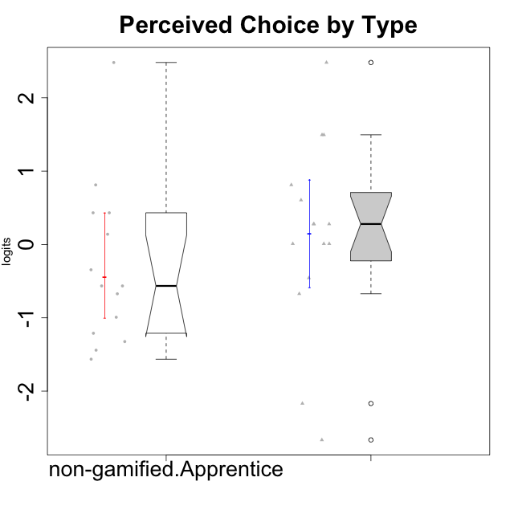

Wilcoxon data
UserID | NroUSP | Type | CLGroup | CLRole | PlayerRole | Score | theta | error | Outfit | Infit | Perceived Choice
10170 | 10260351 | ont-gamified | Grupo Afrodite | Apprentice | Yee Achiever | 27 | 0.81251309803 | 0.49661241947 | 0.31846973089 | 0.2494681259 | 0.81251309803
10171 | 698531 | non-gamified | Grupo Team 6 | Apprentice |  | 25 | 0.43204236264 | 0.41537299419 | 0.20196439947 | 0.14943836134 | 0.43204236264
10176 | 10276949 | ont-gamified | Grupo Cronus | Apprentice | Yee Achiever | 24 | 0.27922605818 | 0.39253461654 | 1.2858661246 | 1.4596051124 | 0.27922605818
10178 | 8656201 | ont-gamified | Grupo Morfeu | Apprentice | Yee Socializer | 24 | 0.27922605818 | 0.39253461654 | 0.53692830091 | 0.51319261817 | 0.27922605818
10183 | 10352030 | ont-gamified | Grupo Hélio | Apprentice | Yee Socializer | 22 | 0.010078688627 | 0.36330769311 | 0.86308494858 | 0.82027325993 | 0.010078688627
10185 | 10276960 | non-gamified | Grupo Team 12 | Apprentice |  | 17 | -0.56508989585 | 0.33374134903 | 0.29483914307 | 0.2818527245 | -0.56508989585
10186 | 10310551 | ont-gamified | Grupo Ares | Apprentice | Yee Achiever | 26 | 0.60542829398 | 0.44780298167 | 1.2568907304 | 1.3831891528 | 0.60542829398
10187 | 9790781 | non-gamified | Grupo Team 15 | Apprentice |  | 25 | 0.43204236264 | 0.41537299419 | 1.1760019432 | 1.1627027168 | 0.43204236264
10190 | 10276907 | ont-gamified | Grupo Zeus | Apprentice | Yee Socializer | 24 | 0.27922605818 | 0.39253461654 | 1.2768754048 | 1.4225851675 | 0.27922605818
10192 | 10276682 | non-gamified | Grupo Team 5 | Apprentice |  | 17 | -0.56508989585 | 0.33374134903 | 3.0468706254 | 3.0843142063 | -0.56508989585
10195 | 10351971 | ont-gamified | Grupo Urano | Apprentice | Yee Achiever | 18 | -0.45618554659 | 0.33666859335 | 0.69351074822 | 0.64751653857 | -0.45618554659
10196 | 10310655 | ont-gamified | Grupo Hefesto | Apprentice | Yee Achiever | 16 | -0.67246472837 | 0.331954749 | 2.3412331541 | 2.3578812799 | -0.67246472837
10197 | 10276661 | ont-gamified | Grupo Gaia | Apprentice | Yee Achiever | 29 | 1.4951814649 | 0.74092563638 | 0.47013917135 | 0.51622802157 | 1.4951814649
10198 | 10310888 | ont-gamified | Grupo Apolo | Apprentice | Yee Socializer | 30 | 2.4813996481 | 1.3161296379 | 0.10524258624 | 0.1192261377 | 2.4813996481
10200 | 9795272 | ont-gamified | Grupo Hades | Apprentice | Yee Socializer | 22 | 0.010078688627 | 0.36330769311 | 0.34059189084 | 0.35044371819 | 0.010078688627
10202 | 10277036 | non-gamified | Grupo Team 11 | Apprentice |  | 11 | -1.210479532 | 0.34026336195 | 0.91354089176 | 0.85559148162 | -1.210479532
10203 | 9921470 | non-gamified | Grupo Team 3 | Apprentice |  | 30 | 2.4813996481 | 1.3161296379 | 0.10524258624 | 0.1192261377 | 2.4813996481
10208 | 10276932 | non-gamified | Grupo Team 7 | Apprentice |  | 23 | 0.13995114232 | 0.37583368046 | 0.9166559135 | 0.93951492347 | 0.13995114232
10209 | 10262669 | ont-gamified | Grupo Artemis | Apprentice | Yee Achiever | 2 | -2.6652003423 | 0.59068298508 | 0.22862872882 | 0.18001119529 | -2.6652003423
10210 | 10277015 | non-gamified | Grupo Team 9 | Apprentice |  | 9 | -1.4411884157 | 0.35374987403 | 0.066173216964 | 0.068461211051 | -1.4411884157
10220 | 9760151 | non-gamified | Grupo Team 2 | Apprentice |  | 27 | 0.81251309803 | 0.49661241947 | 1.7070464486 | 1.862871911 | 0.81251309803
10221 | 9082496 | ont-gamified | Grupo Hermes | Apprentice | Yee Achiever | 22 | 0.010078688627 | 0.36330769311 | 0.5789156468 | 0.52344208461 | 0.010078688627
10224 | 9368772 | non-gamified | Grupo Team 10 | Apprentice |  | 8 | -1.5642049221 | 0.36385319131 | 1.3370398153 | 1.3139611157 | -1.5642049221
10227 | 9274382 | non-gamified | Grupo Team 4 | Apprentice |  | 16 | -0.67246472837 | 0.331954749 | 0.32350478298 | 0.32079632196 | -0.67246472837
10228 | 10310492 | non-gamified | Grupo Team 14 | Apprentice |  | 19 | -0.34506436271 | 0.34083711893 | 0.4483242252 | 0.46360814887 | -0.34506436271
10231 | 10276911 | ont-gamified | Grupo Caronte | Apprentice | Yee Achiever | 29 | 1.4951814649 | 0.74092563638 | 0.27295439664 | 0.30865034216 | 1.4951814649
10233 | 9805320 | non-gamified | Grupo Team 16 | Apprentice |  | 13 | -0.99214359514 | 0.33325911973 | 0.9354509171 | 0.9408621959 | -0.99214359514
10238 | 10276953 | non-gamified | Grupo Team 13 | Apprentice |  | 10 | -1.3237490316 | 0.34604952726 | 0.58641258953 | 0.54083684999 | -1.3237490316
10240 | 10276654 | ont-gamified | Grupo Hera | Apprentice | Yee Achiever | 4 | -2.1683107034 | 0.45301398091 | 0.37858424815 | 0.35735352407 | -2.1683107034

Type_CLRole_3
Wilcoxon Analysis for Perceived Choice by Type in Type:CLRole between non-gamified.Apprentice:ont-gamified.Master

Wilcoxon test results
Alternative hypothesis: less
Group | N | Median | Mean.Ranks | Sum.Ranks | U | Z | p.value | r | magnitude
non-gamified.Apprentice | 14 | -0.56508989585 | 11.428571429 | 160 | 55 | -2.1889286212 | 0.013925725476 | 0.40647384057 | medium
ont-gamified.Master | 15 | 0.13995114232 | 18.333333333 | 275 | 55 | -2.1889286212 | 0.013925725476 | 0.40647384057 | medium
Alternative hypothesis: greater
Group | N | Median | Mean.Ranks | Sum.Ranks | U | Z | p.value | r | magnitude
non-gamified.Apprentice | 14 | -0.56508989585 | 11.428571429 | 160 | 55 | -2.1889286212 | 0.98689058464 | 0.40647384057 | medium
ont-gamified.Master | 15 | 0.13995114232 | 18.333333333 | 275 | 55 | -2.1889286212 | 0.98689058464 | 0.40647384057 | medium
Alternative hypothesis: two.sided
Group | N | Median | Mean.Ranks | Sum.Ranks | U | Z | p.value | r | magnitude
non-gamified.Apprentice | 14 | -0.56508989585 | 11.428571429 | 160 | 55 | -2.1889286212 | 0.027832574941 | 0.40647384057 | medium
ont-gamified.Master | 15 | 0.13995114232 | 18.333333333 | 275 | 55 | -2.1889286212 | 0.027832574941 | 0.40647384057 | medium

Box plots for wilcoxon tests
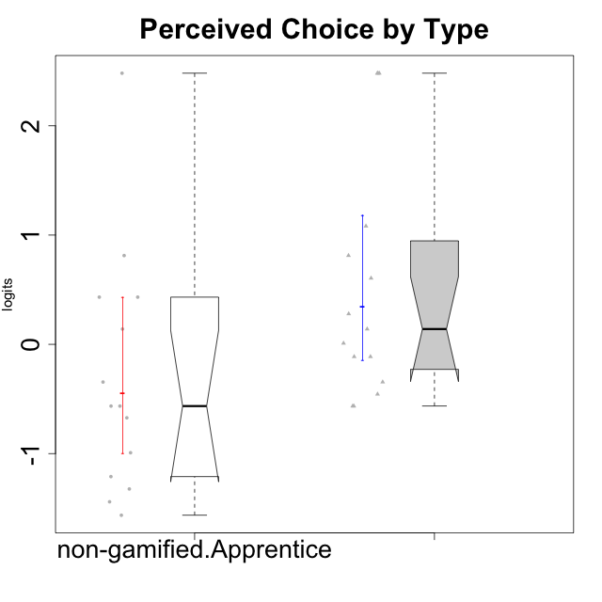

Wilcoxon data
UserID | NroUSP | Type | CLGroup | CLRole | PlayerRole | Score | theta | error | Outfit | Infit | Perceived Choice
10169 | 10377538 | ont-gamified | Grupo Hefesto | Master | Yee Achiever | 19 | -0.34506436271 | 0.34083711893 | 1.3131412684 | 1.3935976948 | -0.34506436271
10171 | 698531 | non-gamified | Grupo Team 6 | Apprentice |  | 25 | 0.43204236264 | 0.41537299419 | 0.20196439947 | 0.14943836134 | 0.43204236264
10174 | 10276852 | ont-gamified | Grupo Urano | Master | Yee Achiever | 17 | -0.56508989585 | 0.33374134903 | 0.044286218849 | 0.044583460978 | -0.56508989585
10175 | 10310700 | ont-gamified | Grupo Hélio | Master | Yee Socializer | 30 | 2.4813996481 | 1.3161296379 | 0.10524258624 | 0.1192261377 | 2.4813996481
10184 | 10276675 | ont-gamified | Grupo Apolo | Master | Yee Socializer | 23 | 0.13995114232 | 0.37583368046 | 1.2629332801 | 1.3390862641 | 0.13995114232
10185 | 10276960 | non-gamified | Grupo Team 12 | Apprentice |  | 17 | -0.56508989585 | 0.33374134903 | 0.29483914307 | 0.2818527245 | -0.56508989585
10187 | 9790781 | non-gamified | Grupo Team 15 | Apprentice |  | 25 | 0.43204236264 | 0.41537299419 | 1.1760019432 | 1.1627027168 | 0.43204236264
10189 | 9363926 | ont-gamified | Grupo Hades | Master | Yee Socializer | 21 | -0.11298912179 | 0.35376002115 | 0.5985472297 | 0.61576706392 | -0.11298912179
10192 | 10276682 | non-gamified | Grupo Team 5 | Apprentice |  | 17 | -0.56508989585 | 0.33374134903 | 3.0468706254 | 3.0843142063 | -0.56508989585
10193 | 10276762 | ont-gamified | Grupo Afrodite | Master | Yee Achiever | 17 | -0.56508989585 | 0.33374134903 | 0.64781880932 | 0.6709857677 | -0.56508989585
10199 | 10276737 | ont-gamified | Grupo Gaia | Master | Yee Achiever | 30 | 2.4813996481 | 1.3161296379 | 0.10524258624 | 0.1192261377 | 2.4813996481
10201 | 10276928 | ont-gamified | Grupo Caronte | Master | Yee Achiever | 24 | 0.27922605818 | 0.39253461654 | 0.24236837645 | 0.28106254701 | 0.27922605818
10202 | 10277036 | non-gamified | Grupo Team 11 | Apprentice |  | 11 | -1.210479532 | 0.34026336195 | 0.91354089176 | 0.85559148162 | -1.210479532
10203 | 9921470 | non-gamified | Grupo Team 3 | Apprentice |  | 30 | 2.4813996481 | 1.3161296379 | 0.10524258624 | 0.1192261377 | 2.4813996481
10204 | 10310471 | ont-gamified | Grupo Hermes | Master | Yee Achiever | 26 | 0.60542829398 | 0.44780298167 | 1.2568907304 | 1.3831891528 | 0.60542829398
10206 | 10310721 | ont-gamified | Grupo Hera | Master | Yee Achiever | 28 | 1.0818912276 | 0.5776455634 | 0.50354761723 | 0.40997574047 | 1.0818912276
10208 | 10276932 | non-gamified | Grupo Team 7 | Apprentice |  | 23 | 0.13995114232 | 0.37583368046 | 0.9166559135 | 0.93951492347 | 0.13995114232
10210 | 10277015 | non-gamified | Grupo Team 9 | Apprentice |  | 9 | -1.4411884157 | 0.35374987403 | 0.066173216964 | 0.068461211051 | -1.4411884157
10213 | 10277040 | ont-gamified | Grupo Morfeu | Master | Yee Socializer | 18 | -0.45618554659 | 0.33666859335 | 1.9671537389 | 2.0019355721 | -0.45618554659
10215 | 9285227 | ont-gamified | Grupo Zeus | Master | Yee Socializer | 30 | 2.4813996481 | 1.3161296379 | 0.10524258624 | 0.1192261377 | 2.4813996481
10218 | 9842913 | ont-gamified | Grupo Ares | Master | Yee Achiever | 22 | 0.010078688627 | 0.36330769311 | 0.74016146382 | 0.68317938 | 0.010078688627
10220 | 9760151 | non-gamified | Grupo Team 2 | Apprentice |  | 27 | 0.81251309803 | 0.49661241947 | 1.7070464486 | 1.862871911 | 0.81251309803
10223 | 9795185 | ont-gamified | Grupo Cronus | Master | Yee Achiever | 27 | 0.81251309803 | 0.49661241947 | 0.16446987365 | 0.10837180743 | 0.81251309803
10224 | 9368772 | non-gamified | Grupo Team 10 | Apprentice |  | 8 | -1.5642049221 | 0.36385319131 | 1.3370398153 | 1.3139611157 | -1.5642049221
10227 | 9274382 | non-gamified | Grupo Team 4 | Apprentice |  | 16 | -0.67246472837 | 0.331954749 | 0.32350478298 | 0.32079632196 | -0.67246472837
10228 | 10310492 | non-gamified | Grupo Team 14 | Apprentice |  | 19 | -0.34506436271 | 0.34083711893 | 0.4483242252 | 0.46360814887 | -0.34506436271
10232 | 10276974 | ont-gamified | Grupo Artemis | Master | Yee Achiever | 21 | -0.11298912179 | 0.35376002115 | 0.31300549032 | 0.34543916687 | -0.11298912179
10233 | 9805320 | non-gamified | Grupo Team 16 | Apprentice |  | 13 | -0.99214359514 | 0.33325911973 | 0.9354509171 | 0.9408621959 | -0.99214359514
10238 | 10276953 | non-gamified | Grupo Team 13 | Apprentice |  | 10 | -1.3237490316 | 0.34604952726 | 0.58641258953 | 0.54083684999 | -1.3237490316

Type_CLRole_4
Wilcoxon Analysis for Perceived Choice by Type in Type:CLRole between non-gamified.Master:ont-gamified.Apprentice

Wilcoxon test results
Alternative hypothesis: less
Group | N | Median | Mean.Ranks | Sum.Ranks | U | Z | p.value | r | magnitude
non-gamified.Master | 16 | -0.17197915643 | 13.71875 | 219.5 | 83.5 | -1.4498215028 | 0.075966470974 | 0.2603956289 | small
ont-gamified.Apprentice | 15 | 0.27922605818 | 18.433333333 | 276.5 | 83.5 | -1.4498215028 | 0.075966470974 | 0.2603956289 | small
Alternative hypothesis: greater
Group | N | Median | Mean.Ranks | Sum.Ranks | U | Z | p.value | r | magnitude
non-gamified.Master | 16 | -0.17197915643 | 13.71875 | 219.5 | 83.5 | -1.4498215028 | 0.92693851816 | 0.2603956289 | small
ont-gamified.Apprentice | 15 | 0.27922605818 | 18.433333333 | 276.5 | 83.5 | -1.4498215028 | 0.92693851816 | 0.2603956289 | small
Alternative hypothesis: two.sided
Group | N | Median | Mean.Ranks | Sum.Ranks | U | Z | p.value | r | magnitude
non-gamified.Master | 16 | -0.17197915643 | 13.71875 | 219.5 | 83.5 | -1.4498215028 | 0.15191202628 | 0.2603956289 | small
ont-gamified.Apprentice | 15 | 0.27922605818 | 18.433333333 | 276.5 | 83.5 | -1.4498215028 | 0.15191202628 | 0.2603956289 | small

Box plots for wilcoxon tests
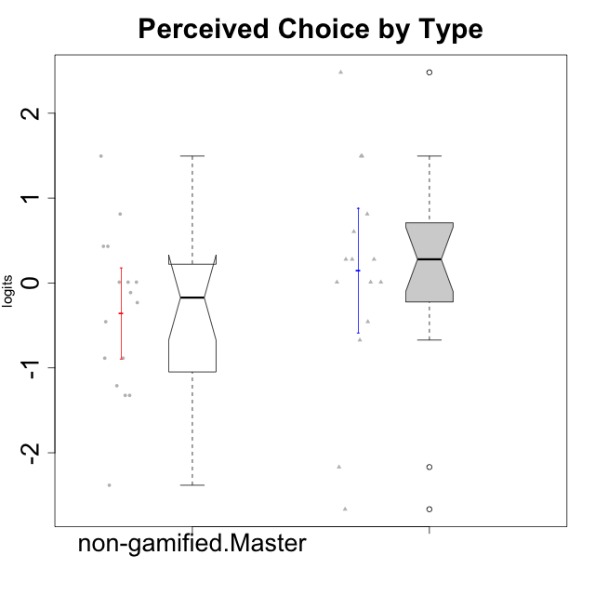

Wilcoxon data
UserID | NroUSP | Type | CLGroup | CLRole | PlayerRole | Score | theta | error | Outfit | Infit | Perceived Choice
10170 | 10260351 | ont-gamified | Grupo Afrodite | Apprentice | Yee Achiever | 27 | 0.81251309803 | 0.49661241947 | 0.31846973089 | 0.2494681259 | 0.81251309803
10172 | 10273971 | non-gamified | Grupo Team 1 | Master |  | 22 | 0.010078688627 | 0.36330769311 | 0.53560828569 | 0.5865714263 | 0.010078688627
10176 | 10276949 | ont-gamified | Grupo Cronus | Apprentice | Yee Achiever | 24 | 0.27922605818 | 0.39253461654 | 1.2858661246 | 1.4596051124 | 0.27922605818
10178 | 8656201 | ont-gamified | Grupo Morfeu | Apprentice | Yee Socializer | 24 | 0.27922605818 | 0.39253461654 | 0.53692830091 | 0.51319261817 | 0.27922605818
10179 | 10310759 | non-gamified | Grupo Team 9 | Master |  | 11 | -1.210479532 | 0.34026336195 | 0.12907271044 | 0.11934699836 | -1.210479532
10181 | 10276866 | non-gamified | Grupo Team 10 | Master |  | 25 | 0.43204236264 | 0.41537299419 | 0.76375557413 | 0.65418273165 | 0.43204236264
10183 | 10352030 | ont-gamified | Grupo Hélio | Apprentice | Yee Socializer | 22 | 0.010078688627 | 0.36330769311 | 0.86308494858 | 0.82027325993 | 0.010078688627
10186 | 10310551 | ont-gamified | Grupo Ares | Apprentice | Yee Achiever | 26 | 0.60542829398 | 0.44780298167 | 1.2568907304 | 1.3831891528 | 0.60542829398
10188 | 10276995 | non-gamified | Grupo Team 3 | Master |  | 20 | -0.23096919108 | 0.34643194618 | 0.2427330003 | 0.23294139291 | -0.23096919108
10190 | 10276907 | ont-gamified | Grupo Zeus | Apprentice | Yee Socializer | 24 | 0.27922605818 | 0.39253461654 | 1.2768754048 | 1.4225851675 | 0.27922605818
10191 | 10276981 | non-gamified | Grupo Team 6 | Master |  | 21 | -0.11298912179 | 0.35376002115 | 1.116189439 | 1.1839013619 | -0.11298912179
10195 | 10351971 | ont-gamified | Grupo Urano | Apprentice | Yee Achiever | 18 | -0.45618554659 | 0.33666859335 | 0.69351074822 | 0.64751653857 | -0.45618554659
10196 | 10310655 | ont-gamified | Grupo Hefesto | Apprentice | Yee Achiever | 16 | -0.67246472837 | 0.331954749 | 2.3412331541 | 2.3578812799 | -0.67246472837
10197 | 10276661 | ont-gamified | Grupo Gaia | Apprentice | Yee Achiever | 29 | 1.4951814649 | 0.74092563638 | 0.47013917135 | 0.51622802157 | 1.4951814649
10198 | 10310888 | ont-gamified | Grupo Apolo | Apprentice | Yee Socializer | 30 | 2.4813996481 | 1.3161296379 | 0.10524258624 | 0.1192261377 | 2.4813996481
10200 | 9795272 | ont-gamified | Grupo Hades | Apprentice | Yee Socializer | 22 | 0.010078688627 | 0.36330769311 | 0.34059189084 | 0.35044371819 | 0.010078688627
10209 | 10262669 | ont-gamified | Grupo Artemis | Apprentice | Yee Achiever | 2 | -2.6652003423 | 0.59068298508 | 0.22862872882 | 0.18001119529 | -2.6652003423
10211 | 9311643 | non-gamified | Grupo Team 2 | Master |  | 10 | -1.3237490316 | 0.34604952726 | 0.74109623774 | 0.76418519107 | -1.3237490316
10212 | 9065750 | non-gamified | Grupo Team 4 | Master |  | 25 | 0.43204236264 | 0.41537299419 | 0.71348062058 | 0.8269992531 | 0.43204236264
10214 | 10277022 | non-gamified | Grupo Team 5 | Master |  | 14 | -0.88530121499 | 0.33168775195 | 0.13986285456 | 0.140758092 | -0.88530121499
10216 | 10276720 | non-gamified | Grupo Team 15 | Master |  | 27 | 0.81251309803 | 0.49661241947 | 0.94827800115 | 1.240894423 | 0.81251309803
10217 | 9805341 | non-gamified | Grupo Team 13 | Master |  | 29 | 1.4951814649 | 0.74092563638 | 0.38528023218 | 0.45053715956 | 1.4951814649
10219 | 10276831 | non-gamified | Grupo Team 12 | Master |  | 18 | -0.45618554659 | 0.33666859335 | 0.67562468923 | 0.66572351956 | -0.45618554659
10221 | 9082496 | ont-gamified | Grupo Hermes | Apprentice | Yee Achiever | 22 | 0.010078688627 | 0.36330769311 | 0.5789156468 | 0.52344208461 | 0.010078688627
10222 | 9436110 | non-gamified | Grupo Team 16 | Master |  | 3 | -2.38239898 | 0.50455612689 | 0.21527775422 | 0.14793603908 | -2.38239898
10226 | 10310342 | non-gamified | Grupo Team 8 | Master |  | 10 | -1.3237490316 | 0.34604952726 | 0.25141062962 | 0.255764391 | -1.3237490316
10230 | 10351992 | non-gamified | Grupo Team 14 | Master |  | 22 | 0.010078688627 | 0.36330769311 | 2.0000127952 | 1.7863161382 | 0.010078688627
10231 | 10276911 | ont-gamified | Grupo Caronte | Apprentice | Yee Achiever | 29 | 1.4951814649 | 0.74092563638 | 0.27295439664 | 0.30865034216 | 1.4951814649
10234 | 10310676 | non-gamified | Grupo Team 7 | Master |  | 14 | -0.88530121499 | 0.33168775195 | 0.97788594457 | 0.98287140642 | -0.88530121499
10237 | 10377688 | non-gamified | Grupo Team 11 | Master |  | 22 | 0.010078688627 | 0.36330769311 | 0.99870203712 | 1.0599060334 | 0.010078688627
10240 | 10276654 | ont-gamified | Grupo Hera | Apprentice | Yee Achiever | 4 | -2.1683107034 | 0.45301398091 | 0.37858424815 | 0.35735352407 | -2.1683107034

Type_CLRole_5
Wilcoxon Analysis for Perceived Choice by Type in Type:CLRole between non-gamified.Master:ont-gamified.Master

Wilcoxon test results
Alternative hypothesis: less
Group | N | Median | Mean.Ranks | Sum.Ranks | U | Z | p.value | r | magnitude
non-gamified.Master | 16 | -0.17197915643 | 12.96875 | 207.5 | 71.5 | -1.9217859516 | 0.02752159657 | 0.34516294628 | medium
ont-gamified.Master | 15 | 0.13995114232 | 19.233333333 | 288.5 | 71.5 | -1.9217859516 | 0.02752159657 | 0.34516294628 | medium
Alternative hypothesis: greater
Group | N | Median | Mean.Ranks | Sum.Ranks | U | Z | p.value | r | magnitude
non-gamified.Master | 16 | -0.17197915643 | 12.96875 | 207.5 | 71.5 | -1.9217859516 | 0.97375648206 | 0.34516294628 | medium
ont-gamified.Master | 15 | 0.13995114232 | 19.233333333 | 288.5 | 71.5 | -1.9217859516 | 0.97375648206 | 0.34516294628 | medium
Alternative hypothesis: two.sided
Group | N | Median | Mean.Ranks | Sum.Ranks | U | Z | p.value | r | magnitude
non-gamified.Master | 16 | -0.17197915643 | 12.96875 | 207.5 | 71.5 | -1.9217859516 | 0.055046124529 | 0.34516294628 | medium
ont-gamified.Master | 15 | 0.13995114232 | 19.233333333 | 288.5 | 71.5 | -1.9217859516 | 0.055046124529 | 0.34516294628 | medium

Box plots for wilcoxon tests


Wilcoxon data
UserID | NroUSP | Type | CLGroup | CLRole | PlayerRole | Score | theta | error | Outfit | Infit | Perceived Choice
10169 | 10377538 | ont-gamified | Grupo Hefesto | Master | Yee Achiever | 19 | -0.34506436271 | 0.34083711893 | 1.3131412684 | 1.3935976948 | -0.34506436271
10172 | 10273971 | non-gamified | Grupo Team 1 | Master |  | 22 | 0.010078688627 | 0.36330769311 | 0.53560828569 | 0.5865714263 | 0.010078688627
10174 | 10276852 | ont-gamified | Grupo Urano | Master | Yee Achiever | 17 | -0.56508989585 | 0.33374134903 | 0.044286218849 | 0.044583460978 | -0.56508989585
10175 | 10310700 | ont-gamified | Grupo Hélio | Master | Yee Socializer | 30 | 2.4813996481 | 1.3161296379 | 0.10524258624 | 0.1192261377 | 2.4813996481
10179 | 10310759 | non-gamified | Grupo Team 9 | Master |  | 11 | -1.210479532 | 0.34026336195 | 0.12907271044 | 0.11934699836 | -1.210479532
10181 | 10276866 | non-gamified | Grupo Team 10 | Master |  | 25 | 0.43204236264 | 0.41537299419 | 0.76375557413 | 0.65418273165 | 0.43204236264
10184 | 10276675 | ont-gamified | Grupo Apolo | Master | Yee Socializer | 23 | 0.13995114232 | 0.37583368046 | 1.2629332801 | 1.3390862641 | 0.13995114232
10188 | 10276995 | non-gamified | Grupo Team 3 | Master |  | 20 | -0.23096919108 | 0.34643194618 | 0.2427330003 | 0.23294139291 | -0.23096919108
10189 | 9363926 | ont-gamified | Grupo Hades | Master | Yee Socializer | 21 | -0.11298912179 | 0.35376002115 | 0.5985472297 | 0.61576706392 | -0.11298912179
10191 | 10276981 | non-gamified | Grupo Team 6 | Master |  | 21 | -0.11298912179 | 0.35376002115 | 1.116189439 | 1.1839013619 | -0.11298912179
10193 | 10276762 | ont-gamified | Grupo Afrodite | Master | Yee Achiever | 17 | -0.56508989585 | 0.33374134903 | 0.64781880932 | 0.6709857677 | -0.56508989585
10199 | 10276737 | ont-gamified | Grupo Gaia | Master | Yee Achiever | 30 | 2.4813996481 | 1.3161296379 | 0.10524258624 | 0.1192261377 | 2.4813996481
10201 | 10276928 | ont-gamified | Grupo Caronte | Master | Yee Achiever | 24 | 0.27922605818 | 0.39253461654 | 0.24236837645 | 0.28106254701 | 0.27922605818
10204 | 10310471 | ont-gamified | Grupo Hermes | Master | Yee Achiever | 26 | 0.60542829398 | 0.44780298167 | 1.2568907304 | 1.3831891528 | 0.60542829398
10206 | 10310721 | ont-gamified | Grupo Hera | Master | Yee Achiever | 28 | 1.0818912276 | 0.5776455634 | 0.50354761723 | 0.40997574047 | 1.0818912276
10211 | 9311643 | non-gamified | Grupo Team 2 | Master |  | 10 | -1.3237490316 | 0.34604952726 | 0.74109623774 | 0.76418519107 | -1.3237490316
10212 | 9065750 | non-gamified | Grupo Team 4 | Master |  | 25 | 0.43204236264 | 0.41537299419 | 0.71348062058 | 0.8269992531 | 0.43204236264
10213 | 10277040 | ont-gamified | Grupo Morfeu | Master | Yee Socializer | 18 | -0.45618554659 | 0.33666859335 | 1.9671537389 | 2.0019355721 | -0.45618554659
10214 | 10277022 | non-gamified | Grupo Team 5 | Master |  | 14 | -0.88530121499 | 0.33168775195 | 0.13986285456 | 0.140758092 | -0.88530121499
10215 | 9285227 | ont-gamified | Grupo Zeus | Master | Yee Socializer | 30 | 2.4813996481 | 1.3161296379 | 0.10524258624 | 0.1192261377 | 2.4813996481
10216 | 10276720 | non-gamified | Grupo Team 15 | Master |  | 27 | 0.81251309803 | 0.49661241947 | 0.94827800115 | 1.240894423 | 0.81251309803
10217 | 9805341 | non-gamified | Grupo Team 13 | Master |  | 29 | 1.4951814649 | 0.74092563638 | 0.38528023218 | 0.45053715956 | 1.4951814649
10218 | 9842913 | ont-gamified | Grupo Ares | Master | Yee Achiever | 22 | 0.010078688627 | 0.36330769311 | 0.74016146382 | 0.68317938 | 0.010078688627
10219 | 10276831 | non-gamified | Grupo Team 12 | Master |  | 18 | -0.45618554659 | 0.33666859335 | 0.67562468923 | 0.66572351956 | -0.45618554659
10222 | 9436110 | non-gamified | Grupo Team 16 | Master |  | 3 | -2.38239898 | 0.50455612689 | 0.21527775422 | 0.14793603908 | -2.38239898
10223 | 9795185 | ont-gamified | Grupo Cronus | Master | Yee Achiever | 27 | 0.81251309803 | 0.49661241947 | 0.16446987365 | 0.10837180743 | 0.81251309803
10226 | 10310342 | non-gamified | Grupo Team 8 | Master |  | 10 | -1.3237490316 | 0.34604952726 | 0.25141062962 | 0.255764391 | -1.3237490316
10230 | 10351992 | non-gamified | Grupo Team 14 | Master |  | 22 | 0.010078688627 | 0.36330769311 | 2.0000127952 | 1.7863161382 | 0.010078688627
10232 | 10276974 | ont-gamified | Grupo Artemis | Master | Yee Achiever | 21 | -0.11298912179 | 0.35376002115 | 0.31300549032 | 0.34543916687 | -0.11298912179
10234 | 10310676 | non-gamified | Grupo Team 7 | Master |  | 14 | -0.88530121499 | 0.33168775195 | 0.97788594457 | 0.98287140642 | -0.88530121499
10237 | 10377688 | non-gamified | Grupo Team 11 | Master |  | 22 | 0.010078688627 | 0.36330769311 | 0.99870203712 | 1.0599060334 | 0.010078688627

Type_CLRole_6
Wilcoxon Analysis for Perceived Choice by Type in Type:CLRole between ont-gamified.Apprentice:ont-gamified.Master

Wilcoxon test results
Alternative hypothesis: less
Group | N | Median | Mean.Ranks | Sum.Ranks | U | Z | p.value | r | magnitude
ont-gamified.Apprentice | 15 | 0.27922605818 | 15 | 225 | 105 | -0.31233876756 | 0.38303399255 | 0.057024996191 | none
ont-gamified.Master | 15 | 0.13995114232 | 16 | 240 | 105 | -0.31233876756 | 0.38303399255 | 0.057024996191 | none
Alternative hypothesis: greater
Group | N | Median | Mean.Ranks | Sum.Ranks | U | Z | p.value | r | magnitude
ont-gamified.Apprentice | 15 | 0.27922605818 | 15 | 225 | 105 | -0.31233876756 | 0.62483428693 | 0.057024996191 | none
ont-gamified.Master | 15 | 0.13995114232 | 16 | 240 | 105 | -0.31233876756 | 0.62483428693 | 0.057024996191 | none
Alternative hypothesis: two.sided
Group | N | Median | Mean.Ranks | Sum.Ranks | U | Z | p.value | r | magnitude
ont-gamified.Apprentice | 15 | 0.27922605818 | 15 | 225 | 105 | -0.31233876756 | 0.7660679851 | 0.057024996191 | none
ont-gamified.Master | 15 | 0.13995114232 | 16 | 240 | 105 | -0.31233876756 | 0.7660679851 | 0.057024996191 | none

Box plots for wilcoxon tests
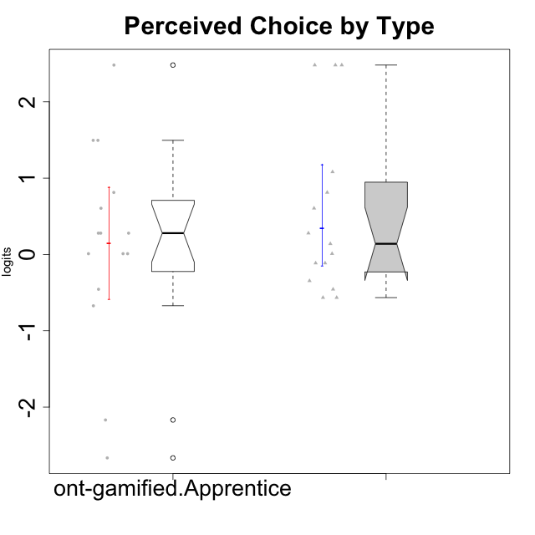

Wilcoxon data
UserID | NroUSP | Type | CLGroup | CLRole | PlayerRole | Score | theta | error | Outfit | Infit | Perceived Choice
10169 | 10377538 | ont-gamified | Grupo Hefesto | Master | Yee Achiever | 19 | -0.34506436271 | 0.34083711893 | 1.3131412684 | 1.3935976948 | -0.34506436271
10170 | 10260351 | ont-gamified | Grupo Afrodite | Apprentice | Yee Achiever | 27 | 0.81251309803 | 0.49661241947 | 0.31846973089 | 0.2494681259 | 0.81251309803
10174 | 10276852 | ont-gamified | Grupo Urano | Master | Yee Achiever | 17 | -0.56508989585 | 0.33374134903 | 0.044286218849 | 0.044583460978 | -0.56508989585
10175 | 10310700 | ont-gamified | Grupo Hélio | Master | Yee Socializer | 30 | 2.4813996481 | 1.3161296379 | 0.10524258624 | 0.1192261377 | 2.4813996481
10176 | 10276949 | ont-gamified | Grupo Cronus | Apprentice | Yee Achiever | 24 | 0.27922605818 | 0.39253461654 | 1.2858661246 | 1.4596051124 | 0.27922605818
10178 | 8656201 | ont-gamified | Grupo Morfeu | Apprentice | Yee Socializer | 24 | 0.27922605818 | 0.39253461654 | 0.53692830091 | 0.51319261817 | 0.27922605818
10183 | 10352030 | ont-gamified | Grupo Hélio | Apprentice | Yee Socializer | 22 | 0.010078688627 | 0.36330769311 | 0.86308494858 | 0.82027325993 | 0.010078688627
10184 | 10276675 | ont-gamified | Grupo Apolo | Master | Yee Socializer | 23 | 0.13995114232 | 0.37583368046 | 1.2629332801 | 1.3390862641 | 0.13995114232
10186 | 10310551 | ont-gamified | Grupo Ares | Apprentice | Yee Achiever | 26 | 0.60542829398 | 0.44780298167 | 1.2568907304 | 1.3831891528 | 0.60542829398
10189 | 9363926 | ont-gamified | Grupo Hades | Master | Yee Socializer | 21 | -0.11298912179 | 0.35376002115 | 0.5985472297 | 0.61576706392 | -0.11298912179
10190 | 10276907 | ont-gamified | Grupo Zeus | Apprentice | Yee Socializer | 24 | 0.27922605818 | 0.39253461654 | 1.2768754048 | 1.4225851675 | 0.27922605818
10193 | 10276762 | ont-gamified | Grupo Afrodite | Master | Yee Achiever | 17 | -0.56508989585 | 0.33374134903 | 0.64781880932 | 0.6709857677 | -0.56508989585
10195 | 10351971 | ont-gamified | Grupo Urano | Apprentice | Yee Achiever | 18 | -0.45618554659 | 0.33666859335 | 0.69351074822 | 0.64751653857 | -0.45618554659
10196 | 10310655 | ont-gamified | Grupo Hefesto | Apprentice | Yee Achiever | 16 | -0.67246472837 | 0.331954749 | 2.3412331541 | 2.3578812799 | -0.67246472837
10197 | 10276661 | ont-gamified | Grupo Gaia | Apprentice | Yee Achiever | 29 | 1.4951814649 | 0.74092563638 | 0.47013917135 | 0.51622802157 | 1.4951814649
10198 | 10310888 | ont-gamified | Grupo Apolo | Apprentice | Yee Socializer | 30 | 2.4813996481 | 1.3161296379 | 0.10524258624 | 0.1192261377 | 2.4813996481
10199 | 10276737 | ont-gamified | Grupo Gaia | Master | Yee Achiever | 30 | 2.4813996481 | 1.3161296379 | 0.10524258624 | 0.1192261377 | 2.4813996481
10200 | 9795272 | ont-gamified | Grupo Hades | Apprentice | Yee Socializer | 22 | 0.010078688627 | 0.36330769311 | 0.34059189084 | 0.35044371819 | 0.010078688627
10201 | 10276928 | ont-gamified | Grupo Caronte | Master | Yee Achiever | 24 | 0.27922605818 | 0.39253461654 | 0.24236837645 | 0.28106254701 | 0.27922605818
10204 | 10310471 | ont-gamified | Grupo Hermes | Master | Yee Achiever | 26 | 0.60542829398 | 0.44780298167 | 1.2568907304 | 1.3831891528 | 0.60542829398
10206 | 10310721 | ont-gamified | Grupo Hera | Master | Yee Achiever | 28 | 1.0818912276 | 0.5776455634 | 0.50354761723 | 0.40997574047 | 1.0818912276
10209 | 10262669 | ont-gamified | Grupo Artemis | Apprentice | Yee Achiever | 2 | -2.6652003423 | 0.59068298508 | 0.22862872882 | 0.18001119529 | -2.6652003423
10213 | 10277040 | ont-gamified | Grupo Morfeu | Master | Yee Socializer | 18 | -0.45618554659 | 0.33666859335 | 1.9671537389 | 2.0019355721 | -0.45618554659
10215 | 9285227 | ont-gamified | Grupo Zeus | Master | Yee Socializer | 30 | 2.4813996481 | 1.3161296379 | 0.10524258624 | 0.1192261377 | 2.4813996481
10218 | 9842913 | ont-gamified | Grupo Ares | Master | Yee Achiever | 22 | 0.010078688627 | 0.36330769311 | 0.74016146382 | 0.68317938 | 0.010078688627
10221 | 9082496 | ont-gamified | Grupo Hermes | Apprentice | Yee Achiever | 22 | 0.010078688627 | 0.36330769311 | 0.5789156468 | 0.52344208461 | 0.010078688627
10223 | 9795185 | ont-gamified | Grupo Cronus | Master | Yee Achiever | 27 | 0.81251309803 | 0.49661241947 | 0.16446987365 | 0.10837180743 | 0.81251309803
10231 | 10276911 | ont-gamified | Grupo Caronte | Apprentice | Yee Achiever | 29 | 1.4951814649 | 0.74092563638 | 0.27295439664 | 0.30865034216 | 1.4951814649
10232 | 10276974 | ont-gamified | Grupo Artemis | Master | Yee Achiever | 21 | -0.11298912179 | 0.35376002115 | 0.31300549032 | 0.34543916687 | -0.11298912179
10240 | 10276654 | ont-gamified | Grupo Hera | Apprentice | Yee Achiever | 4 | -2.1683107034 | 0.45301398091 | 0.37858424815 | 0.35735352407 | -2.1683107034

