Assumptions
ANOVA assumptions for Gains in Skill/Knowledge - Loop Structures

Shapiro-Wilk normality test for Gains in Skill/Knowledge - Loop Structures
W | p.value
0.98027484035 | 0.67211594142

Plots for normality test
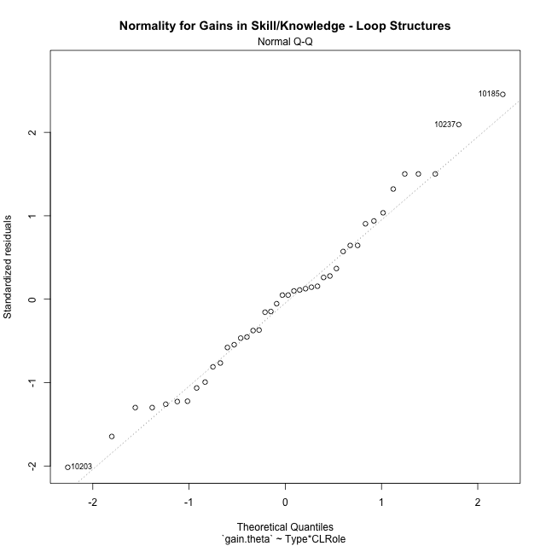

Levene's Test for Homogeneity of Variance in Gains in Skill/Knowledge - Loop Structures
Df | F value | Pr(>F)
3 | 1.9326585793 | 0.14071990741
38

Plots for homogeneity of variance
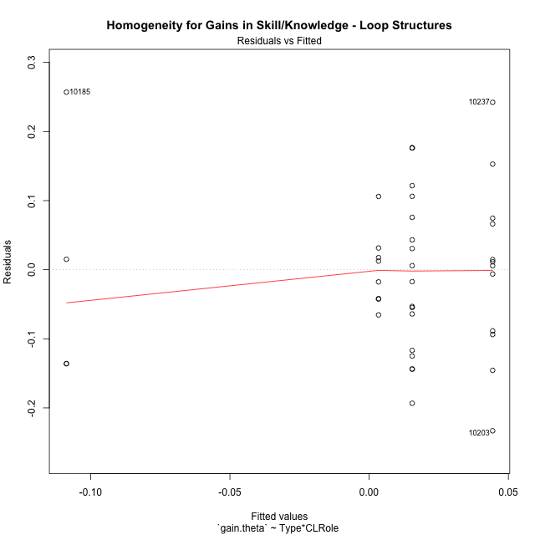

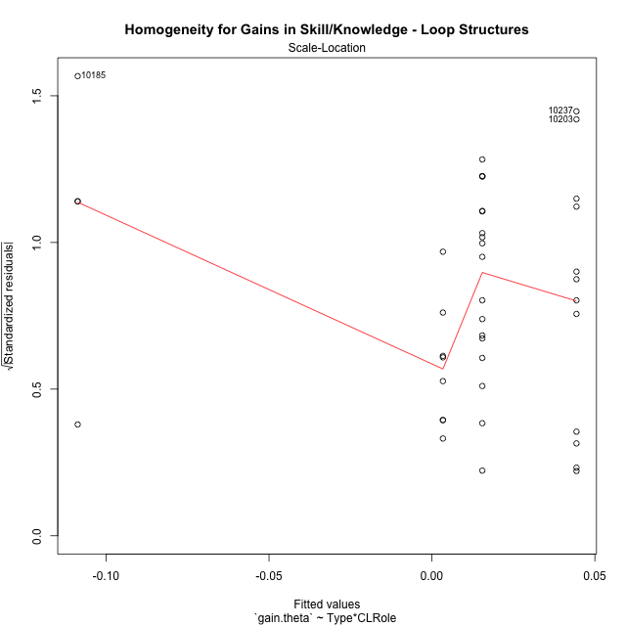

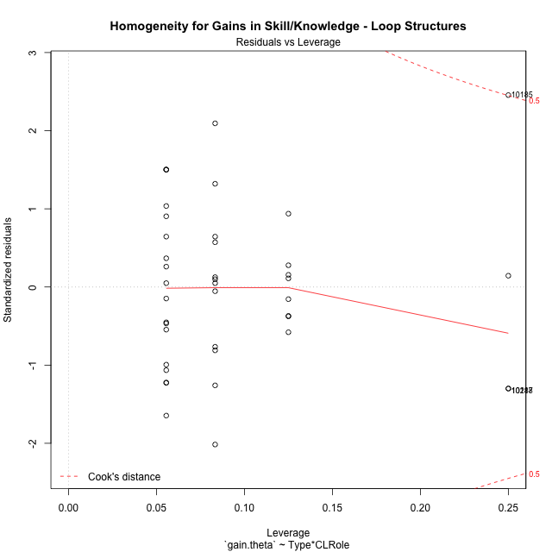

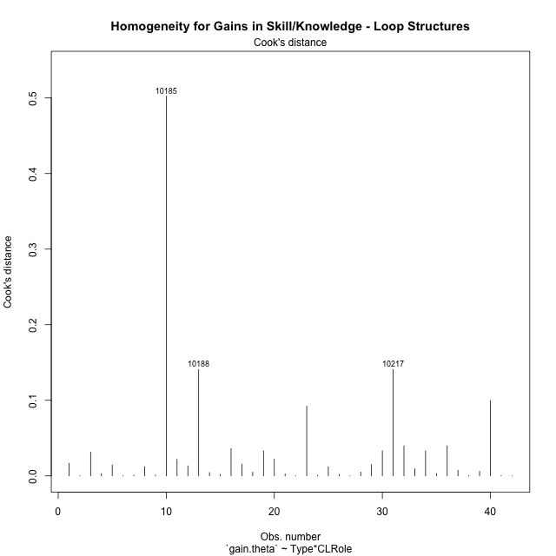

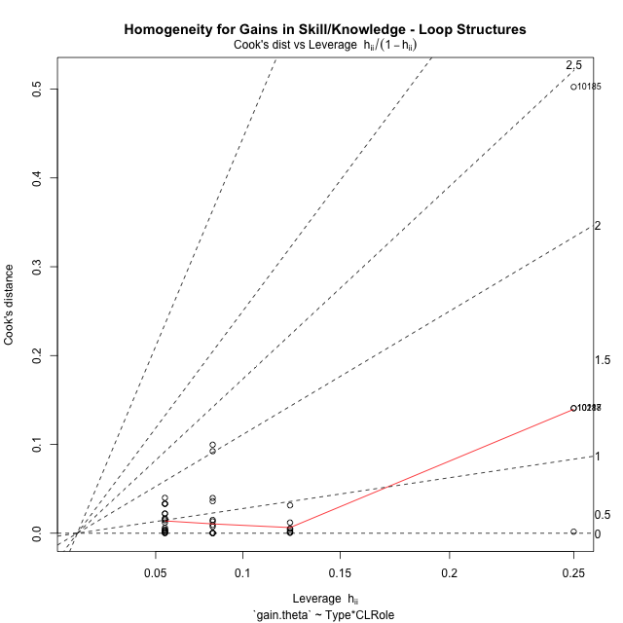

Minimum Sample Size Test for Gains in Skill/Knowledge - Loop Structures
Type | CLRole | Freq
non-gamified | Apprentice | 18
ont-gamified | Apprentice | 12
non-gamified | Master | 8
ont-gamified | Master | 4

Errors and Warnings in Sample Size Test for ANOVA in Gains in Skill/Knowledge - Loop Structures
code | description
WARN: sample.size | current size is 12 and recommended size is 15 for the group: 'ont-gamified:Apprentice'.
WARN: sample.size | current size is 8 and recommended size is 15 for the group: 'non-gamified:Master'.
FAIL: min.size | current size is 4 but the minimal recomended size is 5 for the group: 'ont-gamified:Master'.

For the group: 'non-gamified:Apprentice', you can perform a parametric test without having a normal distribution For the group: 'ont-gamified:Apprentice', we recommend the use of non-parametric test. For the group: 'non-gamified:Master', we recommend the use of non-parametric test. For the group: 'ont-gamified:Master', we recommend the use of non-parametric test.

Post-hoc
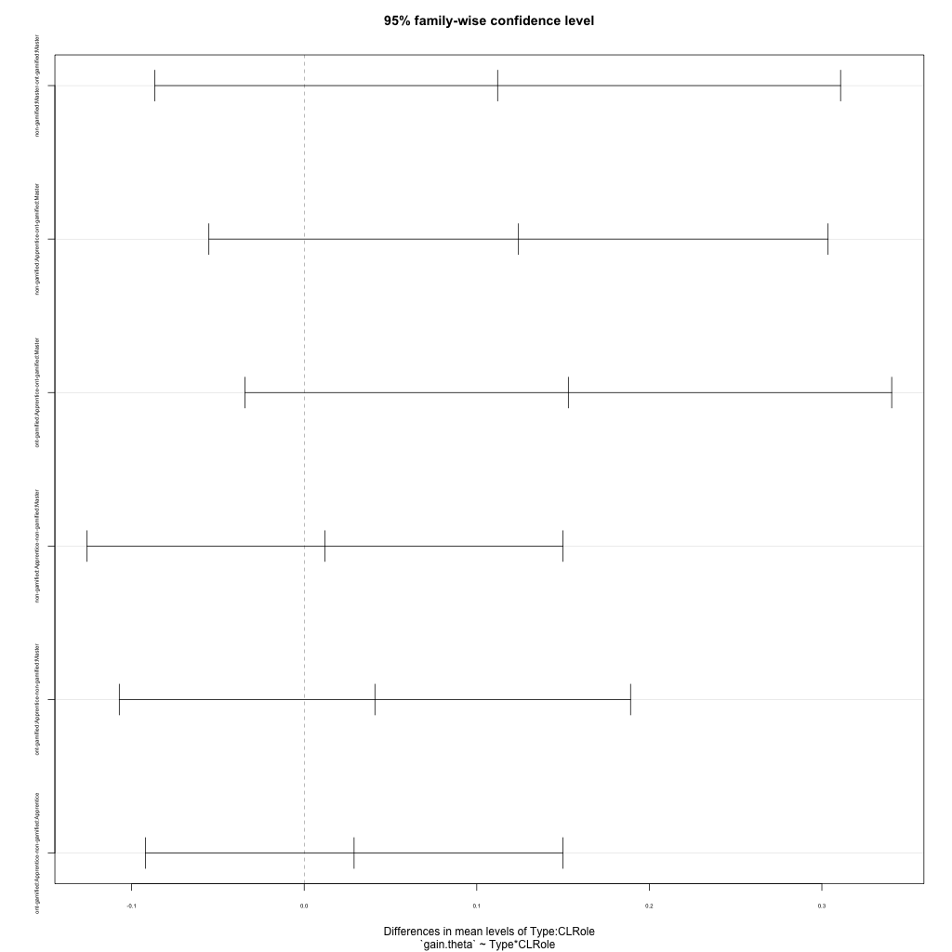
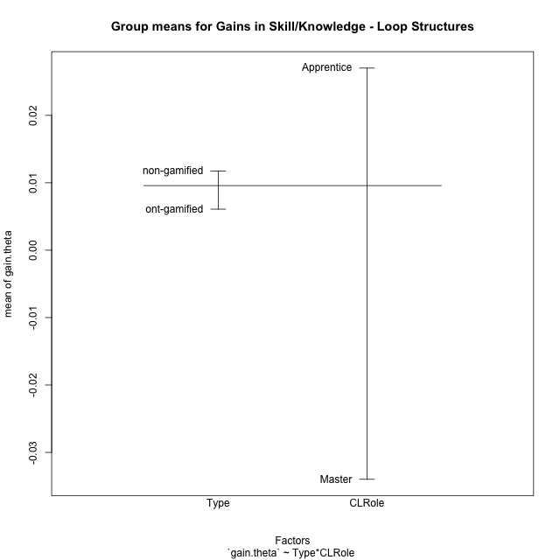
Post-hoc Tukey Honestly Significant Difference (HSD) Test for Gains in Skill/Knowledge - Loop Structures

Comparisons of means for Type
 | diff | lwr | upr | p adj
non-gamified-ont-gamified | 0.005649191361 | -0.072068203755 | 0.083366586478 | 0.88379082942

Comparisons of means for CLRole
 | diff | lwr | upr | p adj
Apprentice-Master | 0.061380608283 | -0.022163081178 | 0.14492429774 | 0.14517445259

Comparisons of means for Type:CLRole
 | diff | lwr | upr | p adj
non-gamified:Master-ont-gamified:Master | 0.11209550791 | -0.086671201299 | 0.31086221712 | 0.4387483472
non-gamified:Apprentice-ont-gamified:Master | 0.12417277674 | -0.055248154277 | 0.30359370776 | 0.26249046675
ont-gamified:Apprentice-ont-gamified:Master | 0.15307667022 | -0.03432238039 | 0.34047572082 | 0.14314750133
non-gamified:Apprentice-non-gamified:Master | 0.012077268833 | -0.12584469796 | 0.14999923563 | 0.99533781689
ont-gamified:Apprentice-non-gamified:Master | 0.040981162308 | -0.10717079551 | 0.18913312013 | 0.87899919678
ont-gamified:Apprentice-non-gamified:Apprentice | 0.028903893475 | -0.09206167354 | 0.14986946049 | 0.91770231394

Contrast Matrices for Gains in Skill/Knowledge - Loop Structures - Type
contrast | estimate | SE | df | t.ratio | p.value
non-gamified - ont-gamified | 0.041595807217 | 0.043306172094 | 38 | 0.96050528609 | 0.3428731361

Contrast Matrices for Gains in Skill/Knowledge - Loop Structures - Type:CLRole
contrast | CLRole | estimate | SE | df | t.ratio | p.value
non-gamified - ont-gamified | Apprentice | -0.028903893475 | 0.045027613647 | 38 | -0.64191484146 | 0.52478215522
non-gamified - ont-gamified | Master | 0.11209550791 | 0.073987919115 | 38 | 1.515051501 | 0.13803406163

Least Squares Means and Confidence Intervals for Type
Type | lsmean | SE | df | lower.CL | upper.CL | Pairs
non-gamified | 0.0094121762818 | 0.025669689266 | 38 | -0.042553392857 | 0.06137774542 | non-gamified
ont-gamified | -0.032183630935 | 0.034878239555 | 38 | -0.10279093554 | 0.038423673667 | ont-gamified

Least Squares Means and Confidence Intervals for Type:CLRole
Type | CLRole | lsmean | SE | df | lower.CL | upper.CL | Pairs
non-gamified | Apprentice | 0.015450810698 | 0.028477963345 | 38 | -0.042199812098 | 0.073101433494 | non-gamified.Apprentice
ont-gamified | Apprentice | 0.044354704173 | 0.034878239555 | 38 | -0.026252600429 | 0.11496200878 | ont-gamified.Apprentice
non-gamified | Master | 0.0033735418654 | 0.042716945018 | 38 | -0.083102392329 | 0.08984947606 | non-gamified.Master
ont-gamified | Master | -0.10872196604 | 0.060410882987 | 38 | -0.231017405 | 0.013573472913 | ont-gamified.Master

Plots

Type_1
Student's t-Test for Gains in Skill/Knowledge - Loop Structures in Type between non-gamified:ont-gamified

Student's t-Test results
Alternative hypothesis: less
Group | N | Mean | Mean.Difference | Std.deviation | Std.error | CI.lower | CI.upper | df | t.value | p.value | g | magnitude
non-gamified | 26 | 0.01173472798 | 0.005649191361 | 0.10348492301 | 0.020295063146 | -0.028855398311 | 0.052324854272 | 23.356701286 | 0.12946645115 | 0.55095147784 | 0.04431157223 | negligible
ont-gamified | 16 | 0.0060855366193 | -0.005649191361 | 0.1545093693 | 0.038627342326 | -0.071169148033 | 0.083340221271 | 23.356701286 | 0.12946645115 | 0.55095147784 | 0.04431157223 | negligible
Alternative hypothesis: greater
Group | N | Mean | Mean.Difference | Std.deviation | Std.error | CI.lower | CI.upper | df | t.value | p.value | g | magnitude
non-gamified | 26 | 0.01173472798 | 0.005649191361 | 0.10348492301 | 0.020295063146 | -0.028855398311 | 0.052324854272 | 23.356701286 | 0.12946645115 | 0.44904852216 | 0.04431157223 | negligible
ont-gamified | 16 | 0.0060855366193 | -0.005649191361 | 0.1545093693 | 0.038627342326 | -0.071169148033 | 0.083340221271 | 23.356701286 | 0.12946645115 | 0.44904852216 | 0.04431157223 | negligible
Alternative hypothesis: two.sided
Group | N | Mean | Mean.Difference | Std.deviation | Std.error | CI.lower | CI.upper | df | t.value | p.value | g | magnitude
non-gamified | 26 | 0.01173472798 | 0.005649191361 | 0.10348492301 | 0.020295063146 | -0.028855398311 | 0.052324854272 | 23.356701286 | 0.12946645115 | 0.89809704432 | 0.04431157223 | negligible
ont-gamified | 16 | 0.0060855366193 | -0.005649191361 | 0.1545093693 | 0.038627342326 | -0.071169148033 | 0.083340221271 | 23.356701286 | 0.12946645115 | 0.89809704432 | 0.04431157223 | negligible

Box plots for Student's t-Test
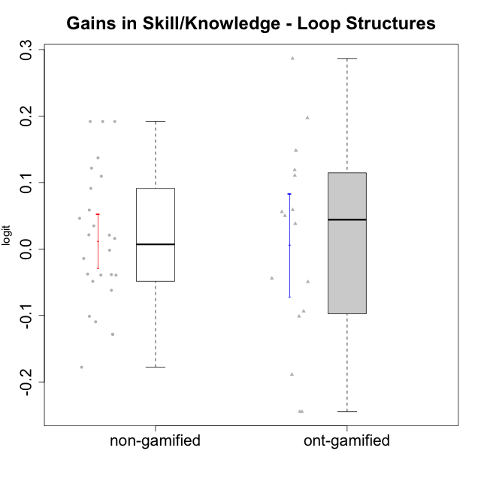

Student's t-Test data
UserID | NroUSP | Type | CLGroup | CLRole | PlayerRole | gain.theta
10170 | 10260351 | non-gamified | Grupo Team 6 | Apprentice |  | -0.10954686592
10174 | 10276852 | non-gamified | Grupo Team 1 | Apprentice |  | -0.00184997009
10175 | 10310700 | non-gamified | Grupo Team 6 | Master |  | 0.10936128804
10176 | 10276949 | non-gamified | Grupo Team 9 | Apprentice |  | -0.037713842104
10178 | 8656201 | non-gamified | Grupo Team 11 | Apprentice |  | -0.10127107756
10179 | 10310759 | ont-gamified | Grupo Tosskor | Apprentice | Yee Achiever | 0.055830020947
10181 | 10276866 | non-gamified | Grupo Team 7 | Apprentice |  | 0.046060287513
10183 | 10352030 | non-gamified | Grupo Belos | Apprentice | Yee Socializer | 0.12162452912
10184 | 10276675 | non-gamified | Grupo Team 7 | Master |  | 0.020923419415
10185 | 10276960 | ont-gamified | Grupo Tosskor | Master | Yee Achiever | 0.14820426249
10186 | 10310551 | non-gamified | Grupo Team 5 | Apprentice |  | -0.12817256933
10187 | 9790781 | ont-gamified | Grupo Razorg | Apprentice | Yee Achiever | -0.044148911115
10188 | 10276995 | ont-gamified | Grupo Paldira | Master | Yee Achiever | -0.24471586654
10189 | 9363926 | non-gamified | Grupo Team 2 | Apprentice |  | -0.048615488251
10190 | 10276907 | non-gamified | Grupo Team 8 | Apprentice |  | 0.058597539427
10192 | 10276682 | ont-gamified | Grupo Yeka | Apprentice | Yee Socializer | -0.10131874224
10196 | 10310655 | non-gamified | Grupo Team 5 | Apprentice |  | 0.13707681796
10197 | 10276661 | non-gamified | Grupo Team 11 | Master |  | -0.038447787278
10198 | 10310888 | non-gamified | Grupo Team 1 | Apprentice |  | 0.19175854391
10200 | 9795272 | non-gamified | Grupo Team 4 | Apprentice |  | -0.12860935188
10201 | 10276928 | non-gamified | Grupo Team 10 | Master |  | 0.034794854691
10202 | 10277036 | ont-gamified | Grupo Paldira | Apprentice | Yee Achiever | 0.038106090291
10203 | 9921470 | ont-gamified | Grupo Paldira | Apprentice | Yee Achiever | -0.18880691217
10204 | 10310471 | non-gamified | Grupo Team 5 | Master |  | -0.014255977234
10206 | 10310721 | non-gamified | Grupo Team 9 | Master |  | -0.062069971555
10208 | 10276932 | ont-gamified | Grupo Yeka | Master | Yee Socializer | -0.093660393586
10210 | 10277015 | ont-gamified | Grupo Losvakai | Apprentice | Yee Achiever | 0.049995426695
10213 | 10277040 | non-gamified | Grupo Team 8 | Master |  | -0.039116962509
10214 | 10277022 | ont-gamified | Grupo Koil | Apprentice | Yee Achiever | -0.049443526777
10215 | 9285227 | non-gamified | Grupo Team 7 | Apprentice |  | 0.19175854391
10217 | 9805341 | ont-gamified | Grupo Belos | Master | Yee Socializer | -0.24471586654
10218 | 9842913 | non-gamified | Grupo Team 10 | Apprentice |  | -0.17780904265
10219 | 10276831 | ont-gamified | Grupo Razorg | Apprentice | Yee Achiever | 0.11888874974
10220 | 9760151 | non-gamified | Grupo Team 4 | Apprentice |  | 0.19175854391
10224 | 9368772 | non-gamified | Grupo Team 9 | Apprentice |  | -0.039323671341
10226 | 10310342 | ont-gamified | Grupo Yeka | Apprentice | Yee Socializer | 0.19714699828
10230 | 10351992 | ont-gamified | Grupo Koil | Apprentice | Yee Achiever | 0.11050904128
10231 | 10276911 | non-gamified | Grupo Team 4 | Master |  | 0.015799471352
10232 | 10276974 | non-gamified | Grupo Team 3 | Apprentice |  | 0.091138296425
10237 | 10377688 | ont-gamified | Grupo Ellaru | Apprentice | Yee Socializer | 0.28656270537
10238 | 10276953 | ont-gamified | Grupo Belos | Apprentice | Yee Socializer | 0.058935509781
10240 | 10276654 | non-gamified | Grupo Team 8 | Apprentice |  | 0.021253369511

Type_CLRole_1
Student's t-Test for Gains in Skill/Knowledge - Loop Structures in Type:CLRole between non-gamified.Apprentice:non-gamified.Master

Student's t-Test results
Alternative hypothesis: less
Group | N | Mean | Mean.Difference | Std.deviation | Std.error | CI.lower | CI.upper | df | t.value | p.value | g | magnitude
non-gamified.Apprentice | 18 | 0.015450810698 | 0.012077268833 | 0.12031555736 | 0.02835864883 | -0.041266486963 | 0.072168108359 | 23.929936156 | 0.35215050375 | 0.63609609558 | 0.11090412537 | negligible
non-gamified.Master | 8 | 0.0033735418654 | -0.012077268833 | 0.054551709533 | 0.019286941868 | -0.03520034187 | 0.041947425601 | 23.929936156 | 0.35215050375 | 0.63609609558 | 0.11090412537 | negligible
Alternative hypothesis: greater
Group | N | Mean | Mean.Difference | Std.deviation | Std.error | CI.lower | CI.upper | df | t.value | p.value | g | magnitude
non-gamified.Apprentice | 18 | 0.015450810698 | 0.012077268833 | 0.12031555736 | 0.02835864883 | -0.041266486963 | 0.072168108359 | 23.929936156 | 0.35215050375 | 0.36390390442 | 0.11090412537 | negligible
non-gamified.Master | 8 | 0.0033735418654 | -0.012077268833 | 0.054551709533 | 0.019286941868 | -0.03520034187 | 0.041947425601 | 23.929936156 | 0.35215050375 | 0.36390390442 | 0.11090412537 | negligible
Alternative hypothesis: two.sided
Group | N | Mean | Mean.Difference | Std.deviation | Std.error | CI.lower | CI.upper | df | t.value | p.value | g | magnitude
non-gamified.Apprentice | 18 | 0.015450810698 | 0.012077268833 | 0.12031555736 | 0.02835864883 | -0.041266486963 | 0.072168108359 | 23.929936156 | 0.35215050375 | 0.72780780885 | 0.11090412537 | negligible
non-gamified.Master | 8 | 0.0033735418654 | -0.012077268833 | 0.054551709533 | 0.019286941868 | -0.03520034187 | 0.041947425601 | 23.929936156 | 0.35215050375 | 0.72780780885 | 0.11090412537 | negligible

Box plots for Student's t-Test
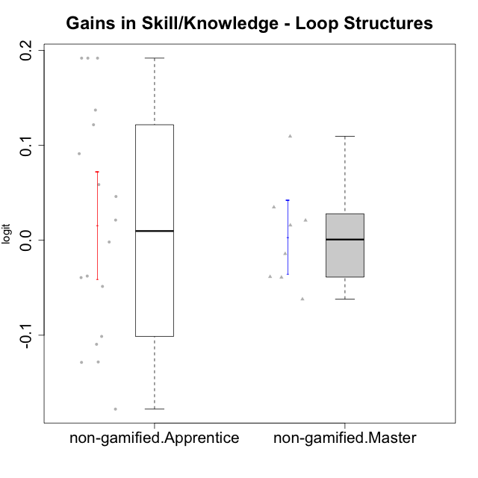

Student's t-Test data
UserID | NroUSP | Type | CLGroup | CLRole | PlayerRole | gain.theta
10170 | 10260351 | non-gamified | Grupo Team 6 | Apprentice |  | -0.10954686592
10174 | 10276852 | non-gamified | Grupo Team 1 | Apprentice |  | -0.00184997009
10175 | 10310700 | non-gamified | Grupo Team 6 | Master |  | 0.10936128804
10176 | 10276949 | non-gamified | Grupo Team 9 | Apprentice |  | -0.037713842104
10178 | 8656201 | non-gamified | Grupo Team 11 | Apprentice |  | -0.10127107756
10181 | 10276866 | non-gamified | Grupo Team 7 | Apprentice |  | 0.046060287513
10183 | 10352030 | non-gamified | Grupo Belos | Apprentice | Yee Socializer | 0.12162452912
10184 | 10276675 | non-gamified | Grupo Team 7 | Master |  | 0.020923419415
10186 | 10310551 | non-gamified | Grupo Team 5 | Apprentice |  | -0.12817256933
10189 | 9363926 | non-gamified | Grupo Team 2 | Apprentice |  | -0.048615488251
10190 | 10276907 | non-gamified | Grupo Team 8 | Apprentice |  | 0.058597539427
10196 | 10310655 | non-gamified | Grupo Team 5 | Apprentice |  | 0.13707681796
10197 | 10276661 | non-gamified | Grupo Team 11 | Master |  | -0.038447787278
10198 | 10310888 | non-gamified | Grupo Team 1 | Apprentice |  | 0.19175854391
10200 | 9795272 | non-gamified | Grupo Team 4 | Apprentice |  | -0.12860935188
10201 | 10276928 | non-gamified | Grupo Team 10 | Master |  | 0.034794854691
10204 | 10310471 | non-gamified | Grupo Team 5 | Master |  | -0.014255977234
10206 | 10310721 | non-gamified | Grupo Team 9 | Master |  | -0.062069971555
10213 | 10277040 | non-gamified | Grupo Team 8 | Master |  | -0.039116962509
10215 | 9285227 | non-gamified | Grupo Team 7 | Apprentice |  | 0.19175854391
10218 | 9842913 | non-gamified | Grupo Team 10 | Apprentice |  | -0.17780904265
10220 | 9760151 | non-gamified | Grupo Team 4 | Apprentice |  | 0.19175854391
10224 | 9368772 | non-gamified | Grupo Team 9 | Apprentice |  | -0.039323671341
10231 | 10276911 | non-gamified | Grupo Team 4 | Master |  | 0.015799471352
10232 | 10276974 | non-gamified | Grupo Team 3 | Apprentice |  | 0.091138296425
10240 | 10276654 | non-gamified | Grupo Team 8 | Apprentice |  | 0.021253369511

Type_CLRole_2
Student's t-Test for Gains in Skill/Knowledge - Loop Structures in Type:CLRole between non-gamified.Apprentice:ont-gamified.Apprentice

Student's t-Test results
Alternative hypothesis: less
Group | N | Mean | Mean.Difference | Std.deviation | Std.error | CI.lower | CI.upper | df | t.value | p.value | g | magnitude
non-gamified.Apprentice | 18 | 0.015450810698 | -0.028903893475 | 0.12031555736 | 0.02835864883 | -0.041266486963 | 0.072168108359 | 22.480181368 | -0.61588401993 | 0.27207859071 | -0.22676065377 | small
ont-gamified.Apprentice | 12 | 0.044354704173 | 0.028903893475 | 0.12953523821 | 0.037393602326 | -0.030432500479 | 0.11914190883 | 22.480181368 | -0.61588401993 | 0.27207859071 | -0.22676065377 | small
Alternative hypothesis: greater
Group | N | Mean | Mean.Difference | Std.deviation | Std.error | CI.lower | CI.upper | df | t.value | p.value | g | magnitude
non-gamified.Apprentice | 18 | 0.015450810698 | -0.028903893475 | 0.12031555736 | 0.02835864883 | -0.041266486963 | 0.072168108359 | 22.480181368 | -0.61588401993 | 0.72792140929 | -0.22676065377 | small
ont-gamified.Apprentice | 12 | 0.044354704173 | 0.028903893475 | 0.12953523821 | 0.037393602326 | -0.030432500479 | 0.11914190883 | 22.480181368 | -0.61588401993 | 0.72792140929 | -0.22676065377 | small
Alternative hypothesis: two.sided
Group | N | Mean | Mean.Difference | Std.deviation | Std.error | CI.lower | CI.upper | df | t.value | p.value | g | magnitude
non-gamified.Apprentice | 18 | 0.015450810698 | -0.028903893475 | 0.12031555736 | 0.02835864883 | -0.041266486963 | 0.072168108359 | 22.480181368 | -0.61588401993 | 0.54415718142 | -0.22676065377 | small
ont-gamified.Apprentice | 12 | 0.044354704173 | 0.028903893475 | 0.12953523821 | 0.037393602326 | -0.030432500479 | 0.11914190883 | 22.480181368 | -0.61588401993 | 0.54415718142 | -0.22676065377 | small

Box plots for Student's t-Test
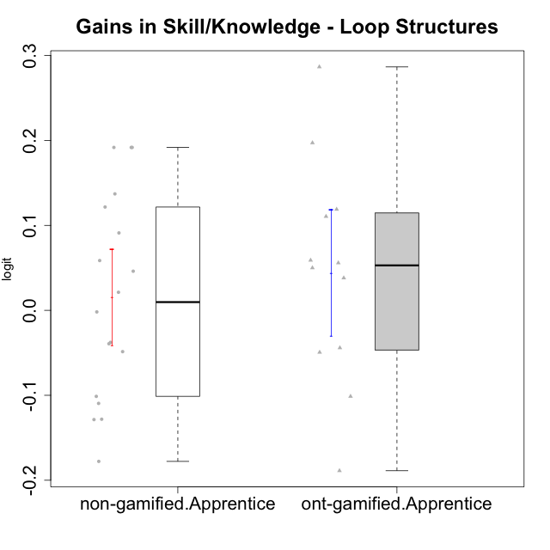

Student's t-Test data
UserID | NroUSP | Type | CLGroup | CLRole | PlayerRole | gain.theta
10170 | 10260351 | non-gamified | Grupo Team 6 | Apprentice |  | -0.10954686592
10174 | 10276852 | non-gamified | Grupo Team 1 | Apprentice |  | -0.00184997009
10176 | 10276949 | non-gamified | Grupo Team 9 | Apprentice |  | -0.037713842104
10178 | 8656201 | non-gamified | Grupo Team 11 | Apprentice |  | -0.10127107756
10179 | 10310759 | ont-gamified | Grupo Tosskor | Apprentice | Yee Achiever | 0.055830020947
10181 | 10276866 | non-gamified | Grupo Team 7 | Apprentice |  | 0.046060287513
10183 | 10352030 | non-gamified | Grupo Belos | Apprentice | Yee Socializer | 0.12162452912
10186 | 10310551 | non-gamified | Grupo Team 5 | Apprentice |  | -0.12817256933
10187 | 9790781 | ont-gamified | Grupo Razorg | Apprentice | Yee Achiever | -0.044148911115
10189 | 9363926 | non-gamified | Grupo Team 2 | Apprentice |  | -0.048615488251
10190 | 10276907 | non-gamified | Grupo Team 8 | Apprentice |  | 0.058597539427
10192 | 10276682 | ont-gamified | Grupo Yeka | Apprentice | Yee Socializer | -0.10131874224
10196 | 10310655 | non-gamified | Grupo Team 5 | Apprentice |  | 0.13707681796
10198 | 10310888 | non-gamified | Grupo Team 1 | Apprentice |  | 0.19175854391
10200 | 9795272 | non-gamified | Grupo Team 4 | Apprentice |  | -0.12860935188
10202 | 10277036 | ont-gamified | Grupo Paldira | Apprentice | Yee Achiever | 0.038106090291
10203 | 9921470 | ont-gamified | Grupo Paldira | Apprentice | Yee Achiever | -0.18880691217
10210 | 10277015 | ont-gamified | Grupo Losvakai | Apprentice | Yee Achiever | 0.049995426695
10214 | 10277022 | ont-gamified | Grupo Koil | Apprentice | Yee Achiever | -0.049443526777
10215 | 9285227 | non-gamified | Grupo Team 7 | Apprentice |  | 0.19175854391
10218 | 9842913 | non-gamified | Grupo Team 10 | Apprentice |  | -0.17780904265
10219 | 10276831 | ont-gamified | Grupo Razorg | Apprentice | Yee Achiever | 0.11888874974
10220 | 9760151 | non-gamified | Grupo Team 4 | Apprentice |  | 0.19175854391
10224 | 9368772 | non-gamified | Grupo Team 9 | Apprentice |  | -0.039323671341
10226 | 10310342 | ont-gamified | Grupo Yeka | Apprentice | Yee Socializer | 0.19714699828
10230 | 10351992 | ont-gamified | Grupo Koil | Apprentice | Yee Achiever | 0.11050904128
10232 | 10276974 | non-gamified | Grupo Team 3 | Apprentice |  | 0.091138296425
10237 | 10377688 | ont-gamified | Grupo Ellaru | Apprentice | Yee Socializer | 0.28656270537
10238 | 10276953 | ont-gamified | Grupo Belos | Apprentice | Yee Socializer | 0.058935509781
10240 | 10276654 | non-gamified | Grupo Team 8 | Apprentice |  | 0.021253369511

Type_CLRole_3
Student's t-Test for Gains in Skill/Knowledge - Loop Structures in Type:CLRole between non-gamified.Apprentice:ont-gamified.Master

Student's t-Test results
Alternative hypothesis: less
Group | N | Mean | Mean.Difference | Std.deviation | Std.error | CI.lower | CI.upper | df | t.value | p.value | g | magnitude
non-gamified.Apprentice | 18 | 0.015450810698 | 0.12417277674 | 0.12031555736 | 0.02835864883 | -0.041266486963 | 0.072168108359 | 3.5816304502 | 1.2803064969 | 0.86146926856 | 0.90389666727 | large
ont-gamified.Master | 4 | -0.10872196604 | -0.12417277674 | 0.18549628911 | 0.092748144553 | -0.29421825515 | 0.076774323063 | 3.5816304502 | 1.2803064969 | 0.86146926856 | 0.90389666727 | large
Alternative hypothesis: greater
Group | N | Mean | Mean.Difference | Std.deviation | Std.error | CI.lower | CI.upper | df | t.value | p.value | g | magnitude
non-gamified.Apprentice | 18 | 0.015450810698 | 0.12417277674 | 0.12031555736 | 0.02835864883 | -0.041266486963 | 0.072168108359 | 3.5816304502 | 1.2803064969 | 0.13853073144 | 0.90389666727 | large
ont-gamified.Master | 4 | -0.10872196604 | -0.12417277674 | 0.18549628911 | 0.092748144553 | -0.29421825515 | 0.076774323063 | 3.5816304502 | 1.2803064969 | 0.13853073144 | 0.90389666727 | large
Alternative hypothesis: two.sided
Group | N | Mean | Mean.Difference | Std.deviation | Std.error | CI.lower | CI.upper | df | t.value | p.value | g | magnitude
non-gamified.Apprentice | 18 | 0.015450810698 | 0.12417277674 | 0.12031555736 | 0.02835864883 | -0.041266486963 | 0.072168108359 | 3.5816304502 | 1.2803064969 | 0.27706146288 | 0.90389666727 | large
ont-gamified.Master | 4 | -0.10872196604 | -0.12417277674 | 0.18549628911 | 0.092748144553 | -0.29421825515 | 0.076774323063 | 3.5816304502 | 1.2803064969 | 0.27706146288 | 0.90389666727 | large

Box plots for Student's t-Test
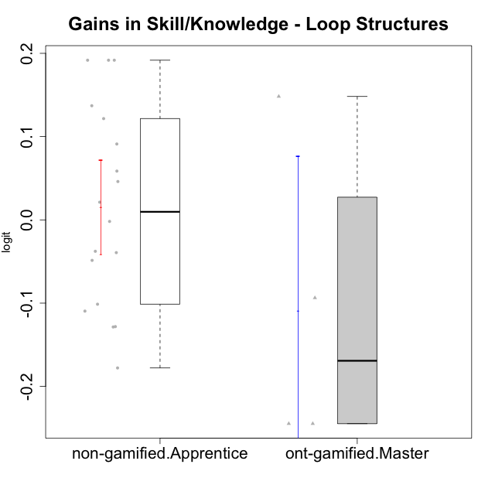

Student's t-Test data
UserID | NroUSP | Type | CLGroup | CLRole | PlayerRole | gain.theta
10170 | 10260351 | non-gamified | Grupo Team 6 | Apprentice |  | -0.10954686592
10174 | 10276852 | non-gamified | Grupo Team 1 | Apprentice |  | -0.00184997009
10176 | 10276949 | non-gamified | Grupo Team 9 | Apprentice |  | -0.037713842104
10178 | 8656201 | non-gamified | Grupo Team 11 | Apprentice |  | -0.10127107756
10181 | 10276866 | non-gamified | Grupo Team 7 | Apprentice |  | 0.046060287513
10183 | 10352030 | non-gamified | Grupo Belos | Apprentice | Yee Socializer | 0.12162452912
10185 | 10276960 | ont-gamified | Grupo Tosskor | Master | Yee Achiever | 0.14820426249
10186 | 10310551 | non-gamified | Grupo Team 5 | Apprentice |  | -0.12817256933
10188 | 10276995 | ont-gamified | Grupo Paldira | Master | Yee Achiever | -0.24471586654
10189 | 9363926 | non-gamified | Grupo Team 2 | Apprentice |  | -0.048615488251
10190 | 10276907 | non-gamified | Grupo Team 8 | Apprentice |  | 0.058597539427
10196 | 10310655 | non-gamified | Grupo Team 5 | Apprentice |  | 0.13707681796
10198 | 10310888 | non-gamified | Grupo Team 1 | Apprentice |  | 0.19175854391
10200 | 9795272 | non-gamified | Grupo Team 4 | Apprentice |  | -0.12860935188
10208 | 10276932 | ont-gamified | Grupo Yeka | Master | Yee Socializer | -0.093660393586
10215 | 9285227 | non-gamified | Grupo Team 7 | Apprentice |  | 0.19175854391
10217 | 9805341 | ont-gamified | Grupo Belos | Master | Yee Socializer | -0.24471586654
10218 | 9842913 | non-gamified | Grupo Team 10 | Apprentice |  | -0.17780904265
10220 | 9760151 | non-gamified | Grupo Team 4 | Apprentice |  | 0.19175854391
10224 | 9368772 | non-gamified | Grupo Team 9 | Apprentice |  | -0.039323671341
10232 | 10276974 | non-gamified | Grupo Team 3 | Apprentice |  | 0.091138296425
10240 | 10276654 | non-gamified | Grupo Team 8 | Apprentice |  | 0.021253369511

Type_CLRole_4
Student's t-Test for Gains in Skill/Knowledge - Loop Structures in Type:CLRole between non-gamified.Master:ont-gamified.Apprentice

Student's t-Test results
Alternative hypothesis: less
Group | N | Mean | Mean.Difference | Std.deviation | Std.error | CI.lower | CI.upper | df | t.value | p.value | g | magnitude
non-gamified.Master | 8 | 0.0033735418654 | -0.040981162308 | 0.054551709533 | 0.019286941868 | -0.03520034187 | 0.041947425601 | 15.866592494 | -0.97401312394 | 0.17233333117 | -0.36742291443 | small
ont-gamified.Apprentice | 12 | 0.044354704173 | 0.040981162308 | 0.12953523821 | 0.037393602326 | -0.030432500479 | 0.11914190883 | 15.866592494 | -0.97401312394 | 0.17233333117 | -0.36742291443 | small
Alternative hypothesis: greater
Group | N | Mean | Mean.Difference | Std.deviation | Std.error | CI.lower | CI.upper | df | t.value | p.value | g | magnitude
non-gamified.Master | 8 | 0.0033735418654 | -0.040981162308 | 0.054551709533 | 0.019286941868 | -0.03520034187 | 0.041947425601 | 15.866592494 | -0.97401312394 | 0.82766666883 | -0.36742291443 | small
ont-gamified.Apprentice | 12 | 0.044354704173 | 0.040981162308 | 0.12953523821 | 0.037393602326 | -0.030432500479 | 0.11914190883 | 15.866592494 | -0.97401312394 | 0.82766666883 | -0.36742291443 | small
Alternative hypothesis: two.sided
Group | N | Mean | Mean.Difference | Std.deviation | Std.error | CI.lower | CI.upper | df | t.value | p.value | g | magnitude
non-gamified.Master | 8 | 0.0033735418654 | -0.040981162308 | 0.054551709533 | 0.019286941868 | -0.03520034187 | 0.041947425601 | 15.866592494 | -0.97401312394 | 0.34466666233 | -0.36742291443 | small
ont-gamified.Apprentice | 12 | 0.044354704173 | 0.040981162308 | 0.12953523821 | 0.037393602326 | -0.030432500479 | 0.11914190883 | 15.866592494 | -0.97401312394 | 0.34466666233 | -0.36742291443 | small

Box plots for Student's t-Test
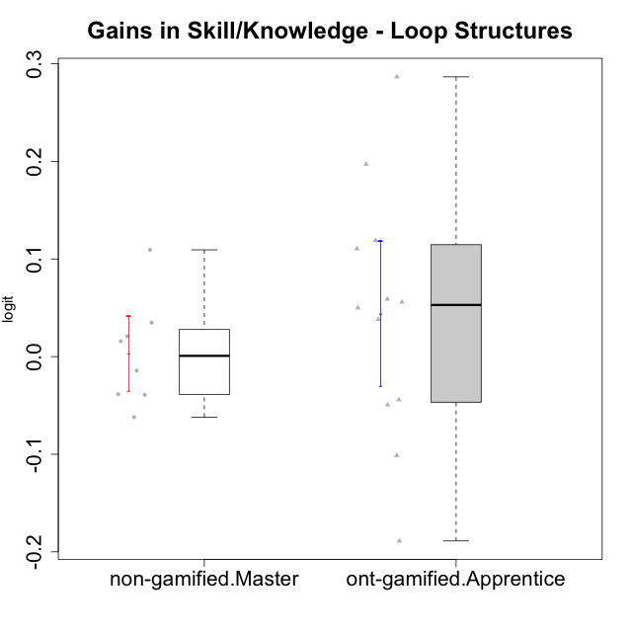

Student's t-Test data
UserID | NroUSP | Type | CLGroup | CLRole | PlayerRole | gain.theta
10175 | 10310700 | non-gamified | Grupo Team 6 | Master |  | 0.10936128804
10179 | 10310759 | ont-gamified | Grupo Tosskor | Apprentice | Yee Achiever | 0.055830020947
10184 | 10276675 | non-gamified | Grupo Team 7 | Master |  | 0.020923419415
10187 | 9790781 | ont-gamified | Grupo Razorg | Apprentice | Yee Achiever | -0.044148911115
10192 | 10276682 | ont-gamified | Grupo Yeka | Apprentice | Yee Socializer | -0.10131874224
10197 | 10276661 | non-gamified | Grupo Team 11 | Master |  | -0.038447787278
10201 | 10276928 | non-gamified | Grupo Team 10 | Master |  | 0.034794854691
10202 | 10277036 | ont-gamified | Grupo Paldira | Apprentice | Yee Achiever | 0.038106090291
10203 | 9921470 | ont-gamified | Grupo Paldira | Apprentice | Yee Achiever | -0.18880691217
10204 | 10310471 | non-gamified | Grupo Team 5 | Master |  | -0.014255977234
10206 | 10310721 | non-gamified | Grupo Team 9 | Master |  | -0.062069971555
10210 | 10277015 | ont-gamified | Grupo Losvakai | Apprentice | Yee Achiever | 0.049995426695
10213 | 10277040 | non-gamified | Grupo Team 8 | Master |  | -0.039116962509
10214 | 10277022 | ont-gamified | Grupo Koil | Apprentice | Yee Achiever | -0.049443526777
10219 | 10276831 | ont-gamified | Grupo Razorg | Apprentice | Yee Achiever | 0.11888874974
10226 | 10310342 | ont-gamified | Grupo Yeka | Apprentice | Yee Socializer | 0.19714699828
10230 | 10351992 | ont-gamified | Grupo Koil | Apprentice | Yee Achiever | 0.11050904128
10231 | 10276911 | non-gamified | Grupo Team 4 | Master |  | 0.015799471352
10237 | 10377688 | ont-gamified | Grupo Ellaru | Apprentice | Yee Socializer | 0.28656270537
10238 | 10276953 | ont-gamified | Grupo Belos | Apprentice | Yee Socializer | 0.058935509781

Type_CLRole_5
Student's t-Test for Gains in Skill/Knowledge - Loop Structures in Type:CLRole between non-gamified.Master:ont-gamified.Master

Student's t-Test results
Alternative hypothesis: less
Group | N | Mean | Mean.Difference | Std.deviation | Std.error | CI.lower | CI.upper | df | t.value | p.value | g | magnitude
non-gamified.Master | 8 | 0.0033735418654 | 0.11209550791 | 0.054551709533 | 0.019286941868 | -0.03520034187 | 0.041947425601 | 3.262453593 | 1.1832873714 | 0.84215251316 | 0.92899631248 | large
ont-gamified.Master | 4 | -0.10872196604 | -0.11209550791 | 0.18549628911 | 0.092748144553 | -0.29421825515 | 0.076774323063 | 3.262453593 | 1.1832873714 | 0.84215251316 | 0.92899631248 | large
Alternative hypothesis: greater
Group | N | Mean | Mean.Difference | Std.deviation | Std.error | CI.lower | CI.upper | df | t.value | p.value | g | magnitude
non-gamified.Master | 8 | 0.0033735418654 | 0.11209550791 | 0.054551709533 | 0.019286941868 | -0.03520034187 | 0.041947425601 | 3.262453593 | 1.1832873714 | 0.15784748684 | 0.92899631248 | large
ont-gamified.Master | 4 | -0.10872196604 | -0.11209550791 | 0.18549628911 | 0.092748144553 | -0.29421825515 | 0.076774323063 | 3.262453593 | 1.1832873714 | 0.15784748684 | 0.92899631248 | large
Alternative hypothesis: two.sided
Group | N | Mean | Mean.Difference | Std.deviation | Std.error | CI.lower | CI.upper | df | t.value | p.value | g | magnitude
non-gamified.Master | 8 | 0.0033735418654 | 0.11209550791 | 0.054551709533 | 0.019286941868 | -0.03520034187 | 0.041947425601 | 3.262453593 | 1.1832873714 | 0.31569497367 | 0.92899631248 | large
ont-gamified.Master | 4 | -0.10872196604 | -0.11209550791 | 0.18549628911 | 0.092748144553 | -0.29421825515 | 0.076774323063 | 3.262453593 | 1.1832873714 | 0.31569497367 | 0.92899631248 | large

Box plots for Student's t-Test
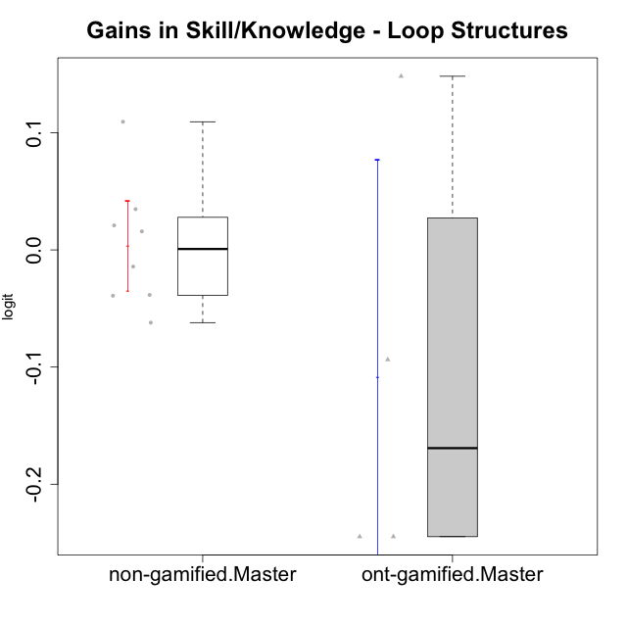

Student's t-Test data
UserID | NroUSP | Type | CLGroup | CLRole | PlayerRole | gain.theta
10175 | 10310700 | non-gamified | Grupo Team 6 | Master |  | 0.10936128804
10184 | 10276675 | non-gamified | Grupo Team 7 | Master |  | 0.020923419415
10185 | 10276960 | ont-gamified | Grupo Tosskor | Master | Yee Achiever | 0.14820426249
10188 | 10276995 | ont-gamified | Grupo Paldira | Master | Yee Achiever | -0.24471586654
10197 | 10276661 | non-gamified | Grupo Team 11 | Master |  | -0.038447787278
10201 | 10276928 | non-gamified | Grupo Team 10 | Master |  | 0.034794854691
10204 | 10310471 | non-gamified | Grupo Team 5 | Master |  | -0.014255977234
10206 | 10310721 | non-gamified | Grupo Team 9 | Master |  | -0.062069971555
10208 | 10276932 | ont-gamified | Grupo Yeka | Master | Yee Socializer | -0.093660393586
10213 | 10277040 | non-gamified | Grupo Team 8 | Master |  | -0.039116962509
10217 | 9805341 | ont-gamified | Grupo Belos | Master | Yee Socializer | -0.24471586654
10231 | 10276911 | non-gamified | Grupo Team 4 | Master |  | 0.015799471352

Type_CLRole_6
Student's t-Test for Gains in Skill/Knowledge - Loop Structures in Type:CLRole between ont-gamified.Apprentice:ont-gamified.Master

Student's t-Test results
Alternative hypothesis: less
Group | N | Mean | Mean.Difference | Std.deviation | Std.error | CI.lower | CI.upper | df | t.value | p.value | g | magnitude
ont-gamified.Apprentice | 12 | 0.044354704173 | 0.15307667022 | 0.12953523821 | 0.037393602326 | -0.030432500479 | 0.11914190883 | 4.0255518336 | 1.5307284487 | 0.89992909623 | 1.0094119737 | large
ont-gamified.Master | 4 | -0.10872196604 | -0.15307667022 | 0.18549628911 | 0.092748144553 | -0.29421825515 | 0.076774323063 | 4.0255518336 | 1.5307284487 | 0.89992909623 | 1.0094119737 | large
Alternative hypothesis: greater
Group | N | Mean | Mean.Difference | Std.deviation | Std.error | CI.lower | CI.upper | df | t.value | p.value | g | magnitude
ont-gamified.Apprentice | 12 | 0.044354704173 | 0.15307667022 | 0.12953523821 | 0.037393602326 | -0.030432500479 | 0.11914190883 | 4.0255518336 | 1.5307284487 | 0.10007090377 | 1.0094119737 | large
ont-gamified.Master | 4 | -0.10872196604 | -0.15307667022 | 0.18549628911 | 0.092748144553 | -0.29421825515 | 0.076774323063 | 4.0255518336 | 1.5307284487 | 0.10007090377 | 1.0094119737 | large
Alternative hypothesis: two.sided
Group | N | Mean | Mean.Difference | Std.deviation | Std.error | CI.lower | CI.upper | df | t.value | p.value | g | magnitude
ont-gamified.Apprentice | 12 | 0.044354704173 | 0.15307667022 | 0.12953523821 | 0.037393602326 | -0.030432500479 | 0.11914190883 | 4.0255518336 | 1.5307284487 | 0.20014180753 | 1.0094119737 | large
ont-gamified.Master | 4 | -0.10872196604 | -0.15307667022 | 0.18549628911 | 0.092748144553 | -0.29421825515 | 0.076774323063 | 4.0255518336 | 1.5307284487 | 0.20014180753 | 1.0094119737 | large

Box plots for Student's t-Test
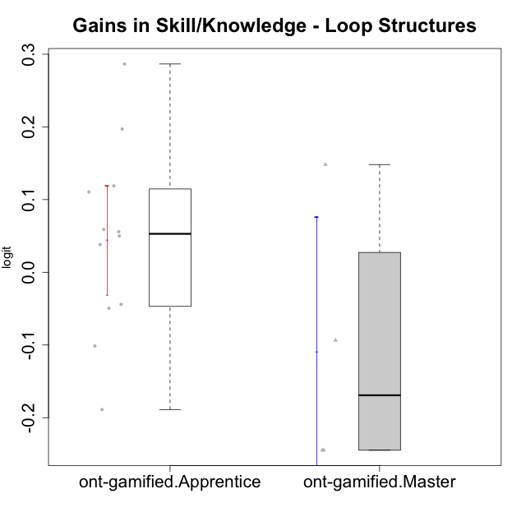

Student's t-Test data
UserID | NroUSP | Type | CLGroup | CLRole | PlayerRole | gain.theta
10179 | 10310759 | ont-gamified | Grupo Tosskor | Apprentice | Yee Achiever | 0.055830020947
10185 | 10276960 | ont-gamified | Grupo Tosskor | Master | Yee Achiever | 0.14820426249
10187 | 9790781 | ont-gamified | Grupo Razorg | Apprentice | Yee Achiever | -0.044148911115
10188 | 10276995 | ont-gamified | Grupo Paldira | Master | Yee Achiever | -0.24471586654
10192 | 10276682 | ont-gamified | Grupo Yeka | Apprentice | Yee Socializer | -0.10131874224
10202 | 10277036 | ont-gamified | Grupo Paldira | Apprentice | Yee Achiever | 0.038106090291
10203 | 9921470 | ont-gamified | Grupo Paldira | Apprentice | Yee Achiever | -0.18880691217
10208 | 10276932 | ont-gamified | Grupo Yeka | Master | Yee Socializer | -0.093660393586
10210 | 10277015 | ont-gamified | Grupo Losvakai | Apprentice | Yee Achiever | 0.049995426695
10214 | 10277022 | ont-gamified | Grupo Koil | Apprentice | Yee Achiever | -0.049443526777
10217 | 9805341 | ont-gamified | Grupo Belos | Master | Yee Socializer | -0.24471586654
10219 | 10276831 | ont-gamified | Grupo Razorg | Apprentice | Yee Achiever | 0.11888874974
10226 | 10310342 | ont-gamified | Grupo Yeka | Apprentice | Yee Socializer | 0.19714699828
10230 | 10351992 | ont-gamified | Grupo Koil | Apprentice | Yee Achiever | 0.11050904128
10237 | 10377688 | ont-gamified | Grupo Ellaru | Apprentice | Yee Socializer | 0.28656270537
10238 | 10276953 | ont-gamified | Grupo Belos | Apprentice | Yee Socializer | 0.058935509781

