Assumptions
ANOVA assumptions for Relevance by Type

Shapiro-Wilk normality test for Relevance by Type
W | p.value
0.97026003984 | 0.22672470777

Plots for normality test
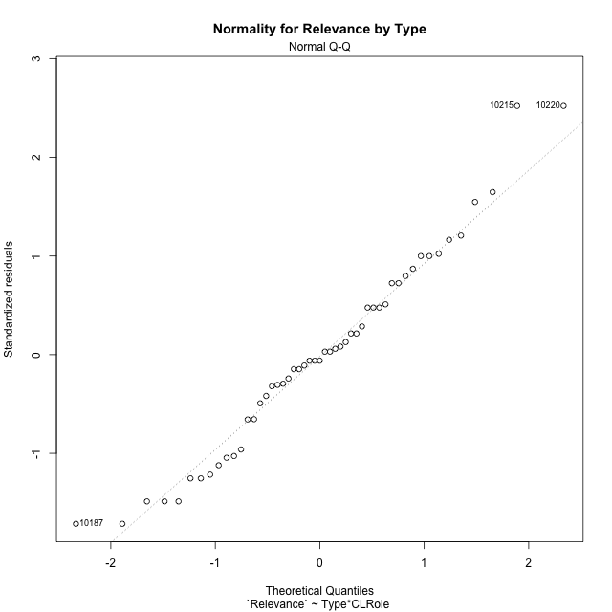

Levene's Test for Homogeneity of Variance in Relevance by Type
Df | F value | Pr(>F)
3 | 1.3780241553 | 0.26105966762
47

Plots for homogeneity of variance
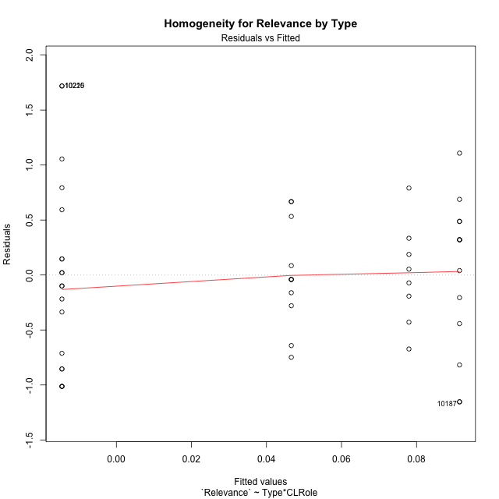

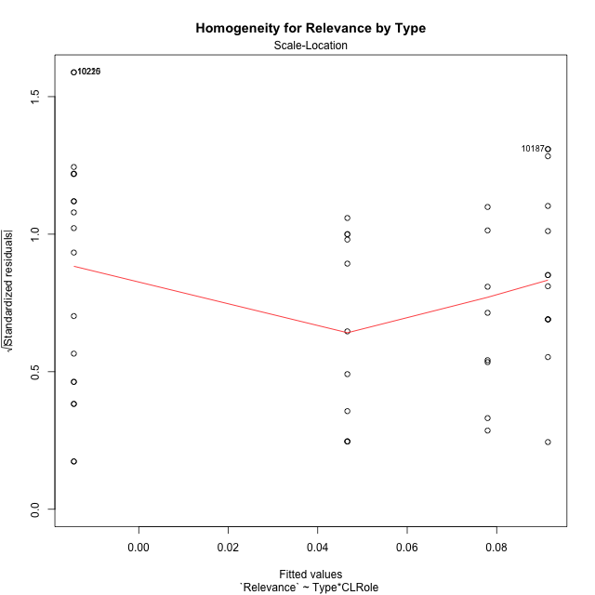

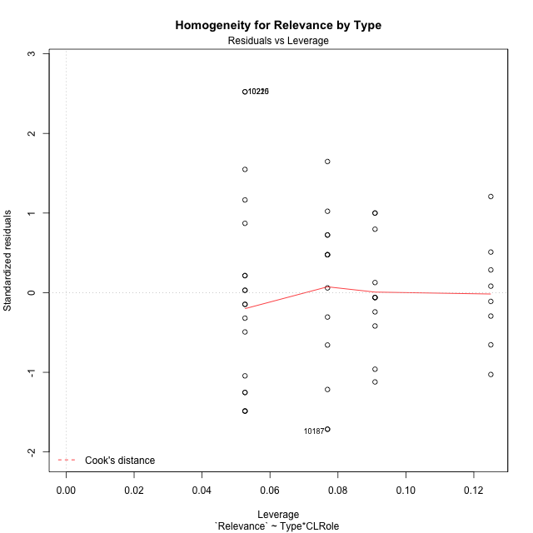

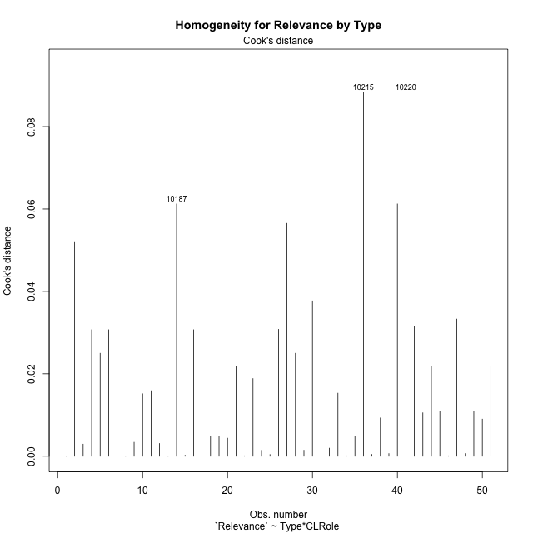

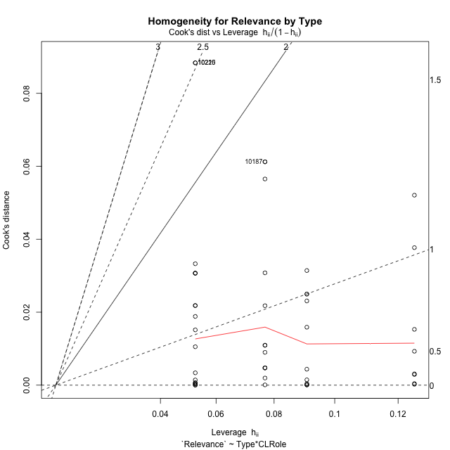

Minimum Sample Size Test for Relevance by Type
Type | CLRole | Freq
non-gamified | Apprentice | 19
ont-gamified | Apprentice | 13
non-gamified | Master | 11
ont-gamified | Master | 8

Errors and Warnings in Sample Size Test for ANOVA in Relevance by Type
code | description
WARN: sample.size | current size is 13 and recommended size is 15 for the group: 'ont-gamified:Apprentice'.
WARN: sample.size | current size is 11 and recommended size is 15 for the group: 'non-gamified:Master'.
WARN: sample.size | current size is 8 and recommended size is 15 for the group: 'ont-gamified:Master'.

For the group: 'non-gamified:Apprentice', you can perform a parametric test without having a normal distribution For the group: 'ont-gamified:Apprentice', we recommend the use of non-parametric test. For the group: 'non-gamified:Master', we recommend the use of non-parametric test. For the group: 'ont-gamified:Master', we recommend the use of non-parametric test.

If you don't want to remove non-normal data, you must cite the following references: ... (1) Lix, L.M., J.C. Keselman, and H.J. Keselman. 1996. Consequences of assumption violations revisited: A quantitative review of alternatives to the one-way analysis of variance F test. Rev. Educ. Res. 66: 579-619. ... (2) Harwell, M.R., E.N. Rubinstein, W.S. Hayes, and C.C. Olds. 1992. Summarizing Monte Carlo results in methodological research: the one- and two-factor fixed effects ANOVA cases. J. Educ. Stat. 17: 315-339.

Post-hoc
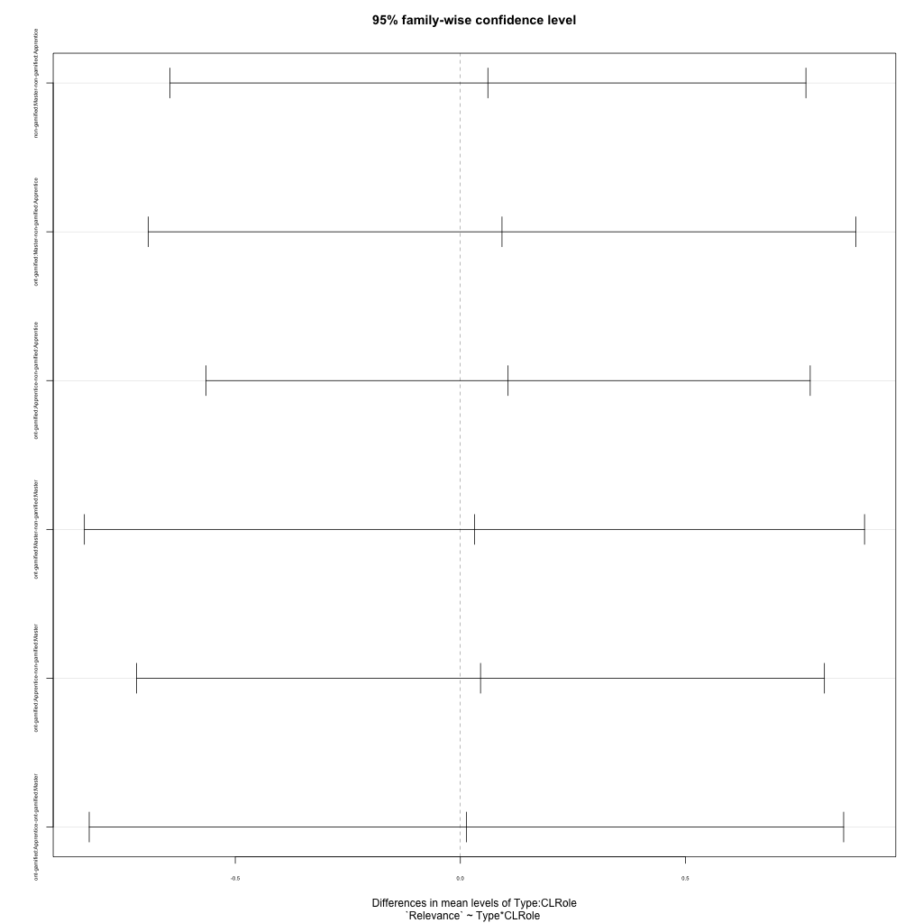
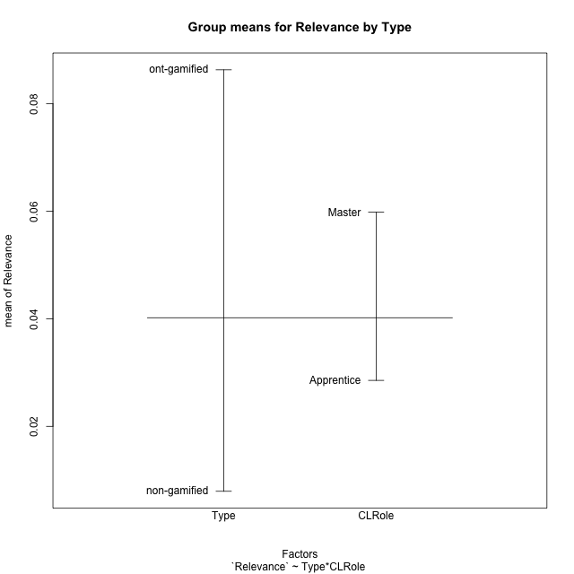
Post-hoc Tukey Honestly Significant Difference (HSD) Test for Relevance by Type

Comparisons of means for Type
 | diff | lwr | upr | p adj
ont-gamified-non-gamified | 0.078409239856 | -0.32235557789 | 0.47917405761 | 0.69565997503

Comparisons of means for CLRole
 | diff | lwr | upr | p adj
Master-Apprentice | 0.030123531061 | -0.37782753642 | 0.43807459854 | 0.88254503765

Comparisons of means for Type:CLRole
 | diff | lwr | upr | p adj
non-gamified:Master-non-gamified:Apprentice | 0.061131787491 | -0.64538899868 | 0.76765257366 | 0.99562786506
ont-gamified:Master-non-gamified:Apprentice | 0.092478598185 | -0.69347615964 | 0.87843335601 | 0.98919945306
ont-gamified:Apprentice-non-gamified:Apprentice | 0.10596000117 | -0.56525858201 | 0.77717858434 | 0.97471097816
ont-gamified:Master-non-gamified:Master | 0.031346810694 | -0.83516188153 | 0.89785550292 | 0.99967484062
ont-gamified:Apprentice-non-gamified:Master | 0.044828213676 | -0.71913959896 | 0.80879602631 | 0.99862074206
ont-gamified:Apprentice-ont-gamified:Master | 0.013481402982 | -0.82449239064 | 0.85145519661 | 0.99997131608

Contrast Matrices for Relevance by Type - Type
contrast | estimate | SE | df | t.ratio | p.value
non-gamified - ont-gamified | -0.068653405931 | 0.20576620941 | 47 | -0.33364761945 | 0.74012952173

Contrast Matrices for Relevance by Type - Type:CLRole
contrast | CLRole | estimate | SE | df | t.ratio | p.value
non-gamified - ont-gamified | Apprentice | -0.10596000117 | 0.25201670315 | 47 | -0.42044832681 | 0.67607415325
non-gamified - ont-gamified | Master | -0.031346810694 | 0.32534061085 | 47 | -0.096350746415 | 0.92365168449

Least Squares Means and Confidence Intervals for Type
Type | lsmean | SE | df | lower.CL | upper.CL | Pairs
non-gamified | 0.016058171944 | 0.13263565975 | 47 | -0.25077035835 | 0.28288670224 | non-gamified
ont-gamified | 0.084711577875 | 0.15731342821 | 47 | -0.23176221901 | 0.40118537476 | ont-gamified

Least Squares Means and Confidence Intervals for Type:CLRole
Type | CLRole | lsmean | SE | df | lower.CL | upper.CL | Pairs
non-gamified | Apprentice | -0.014507721801 | 0.16062976089 | 47 | -0.33765311949 | 0.30863767589 | non-gamified.Apprentice
ont-gamified | Apprentice | 0.091452279366 | 0.19419191173 | 47 | -0.29921145691 | 0.48211601564 | ont-gamified.Apprentice
non-gamified | Master | 0.04662406569 | 0.21110886497 | 47 | -0.37807219079 | 0.47132032217 | non-gamified.Master
ont-gamified | Master | 0.077970876384 | 0.24754708683 | 47 | -0.42002962724 | 0.57597138001 | ont-gamified.Master

Plots

Type_1
Student's t-Test for Relevance by Type in Type between non-gamified:ont-gamified

Student's t-Test results
Alternative hypothesis: less
Group | N | Mean | Mean.Difference | Std.deviation | Std.error | CI.lower | CI.upper | df | t.value | p.value | g | magnitude
non-gamified | 30 | 0.0079072669453 | -0.078409239856 | 0.73253275261 | 0.1337415709 | -0.25957587486 | 0.27539040875 | 47.353802206 | -0.41464036487 | 0.34013883156 | -0.11251915463 | negligible
ont-gamified | 21 | 0.086316506801 | 0.078409239856 | 0.61263884317 | 0.13368875583 | -0.18106100487 | 0.35369401847 | 47.353802206 | -0.41464036487 | 0.34013883156 | -0.11251915463 | negligible
Alternative hypothesis: greater
Group | N | Mean | Mean.Difference | Std.deviation | Std.error | CI.lower | CI.upper | df | t.value | p.value | g | magnitude
non-gamified | 30 | 0.0079072669453 | -0.078409239856 | 0.73253275261 | 0.1337415709 | -0.25957587486 | 0.27539040875 | 47.353802206 | -0.41464036487 | 0.65986116844 | -0.11251915463 | negligible
ont-gamified | 21 | 0.086316506801 | 0.078409239856 | 0.61263884317 | 0.13368875583 | -0.18106100487 | 0.35369401847 | 47.353802206 | -0.41464036487 | 0.65986116844 | -0.11251915463 | negligible
Alternative hypothesis: two.sided
Group | N | Mean | Mean.Difference | Std.deviation | Std.error | CI.lower | CI.upper | df | t.value | p.value | g | magnitude
non-gamified | 30 | 0.0079072669453 | -0.078409239856 | 0.73253275261 | 0.1337415709 | -0.25957587486 | 0.27539040875 | 47.353802206 | -0.41464036487 | 0.68027766311 | -0.11251915463 | negligible
ont-gamified | 21 | 0.086316506801 | 0.078409239856 | 0.61263884317 | 0.13368875583 | -0.18106100487 | 0.35369401847 | 47.353802206 | -0.41464036487 | 0.68027766311 | -0.11251915463 | negligible

Box plots for Student's t-Test
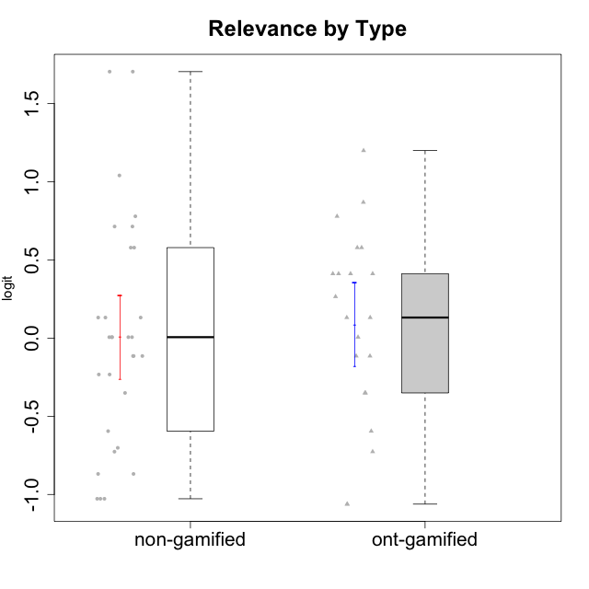

Student's t-Test data
UserID | NroUSP | Type | CLGroup | CLRole | PlayerRole | Attention | Relevance | Satisfaction | Level of Motivation
10170 | 10260351 | non-gamified | Grupo Team 6 | Apprentice |  | 0.56791534458 | 0.0060927837546 | -0.34834388206 | 0.22581106577
10171 | 698531 | ont-gamified | Grupo Losvakai | Master | Yee Achiever | 0.75834141366 | 0.86882627345 | 0.97757031778 | 0.80207969337
10172 | 10273971 | ont-gamified | Grupo Koil | Master | Yee Achiever | 0.75834141366 | 0.26531241963 | -0.64536976432 | 0.28775137943
10174 | 10276852 | non-gamified | Grupo Team 1 | Apprentice |  | -0.95190662712 | -1.0275471836 | -0.34834388206 | -0.62796477644
10175 | 10310700 | non-gamified | Grupo Team 6 | Master |  | 1.7635905586 | 0.71393730727 | 0.97757031778 | 1.318822225
10176 | 10276949 | non-gamified | Grupo Team 9 | Apprentice |  | -1.0701126677 | -1.0275471836 | -0.91044067076 | -0.83778010581
10178 | 8656201 | non-gamified | Grupo Team 11 | Apprentice |  | 0.75834141366 | -0.11445695422 | -0.01400110805 | 0.41300158693
10179 | 10310759 | ont-gamified | Grupo Tosskor | Apprentice | Yee Achiever | -0.040980812349 | 0.13158585268 | -0.01400110805 | 0.10344207128
10181 | 10276866 | non-gamified | Grupo Team 7 | Apprentice |  | -0.040980812349 | -0.35062750809 | -0.64536976432 | -0.24827805412
10183 | 10352030 | non-gamified | Grupo Belos | Apprentice | Yee Socializer | -0.95190662712 | -0.72635160685 | -0.34834388206 | -0.62796477644
10184 | 10276675 | non-gamified | Grupo Team 7 | Master |  | 1.4363694744 | 0.5788749914 | 0.97757031778 | 0.86997165345
10185 | 10276960 | ont-gamified | Grupo Tosskor | Master | Yee Achiever | -0.040980812349 | -0.11445695422 | -0.34834388206 | -0.13391230957
10186 | 10310551 | non-gamified | Grupo Team 5 | Apprentice |  | -0.82878035661 | 0.0060927837546 | 1.2916965628 | 0.043106696827
10187 | 9790781 | ont-gamified | Grupo Razorg | Apprentice | Yee Achiever | 0.36736393919 | -1.0617581335 | 0.33281250667 | -0.19146962765
10188 | 10276995 | ont-gamified | Grupo Paldira | Master | Yee Achiever | -0.040980812349 | 0.13158585268 | 0.33281250667 | 0.043106696827
10189 | 9363926 | non-gamified | Grupo Team 2 | Apprentice |  | -2.4111310769 | -1.0275471836 | -2.9542086999 | -1.6698143652
10190 | 10276907 | non-gamified | Grupo Team 8 | Apprentice |  | -1.6652611659 | -0.11445695422 | 1.6282329698 | -0.52206996204
10191 | 10276981 | ont-gamified | Grupo Yeka | Apprentice | Yee Socializer | 1.780532862 | 0.41195002581 | 1.3428958321 | 1.2368829222
10192 | 10276682 | ont-gamified | Grupo Yeka | Apprentice | Yee Socializer | 1.780532862 | 0.41195002581 | 1.3428958321 | 1.4041786884
10193 | 10276762 | non-gamified | Grupo Team 2 | Master |  | -0.55700708254 | -0.23262451137 | -1.4075878467 | -0.62796477644
10196 | 10310655 | non-gamified | Grupo Team 5 | Apprentice |  | -0.55700708254 | -0.86869778022 | -0.01400110805 | -0.46850406728
10197 | 10276661 | non-gamified | Grupo Team 11 | Master |  | 0.16133576622 | 0.0060927837546 | -0.01400110805 | 0.16436034601
10198 | 10310888 | non-gamified | Grupo Team 1 | Apprentice |  | 2.3291694522 | 0.77920928512 | 1.6282329698 | 1.4997134295
10200 | 9795272 | non-gamified | Grupo Team 4 | Apprentice |  | 0.36736393919 | -0.23262451137 | 0.97757031778 | 0.22581106577
10201 | 10276928 | non-gamified | Grupo Team 10 | Master |  | 0.56791534458 | 0.13158585268 | 1.6282329698 | 0.66951773914
10202 | 10277036 | ont-gamified | Grupo Paldira | Apprentice | Yee Achiever | -0.23023200857 | -0.72635160685 | -0.34834388206 | -0.24827805412
10203 | 9921470 | ont-gamified | Grupo Paldira | Apprentice | Yee Achiever | 1.780532862 | 1.19943677 | 1.3428958321 | 1.4041786884
10204 | 10310471 | non-gamified | Grupo Team 5 | Master |  | 2.3291694522 | 0.71393730727 | 2.0241758621 | 1.6373083794
10206 | 10310721 | non-gamified | Grupo Team 9 | Master |  | -0.40202239655 | -0.11445695422 | 0.33281250667 | 0.043106696827
10208 | 10276932 | ont-gamified | Grupo Yeka | Master | Yee Socializer | -0.40202239655 | -0.59491588194 | -0.64536976432 | -0.46850406728
10209 | 10262669 | non-gamified | Grupo Team 1 | Master |  | -2.3569124236 | -0.59491588194 | -1.4075878467 | -1.5453160244
10210 | 10277015 | ont-gamified | Grupo Losvakai | Apprentice | Yee Achiever | -0.95190662712 | -0.11445695422 | -0.64536976432 | -0.52206996204
10211 | 9311643 | ont-gamified | Grupo Razorg | Master | Yee Achiever | -1.6601779081 | -0.35062750809 | -1.7052408222 | -1.1666271317
10213 | 10277040 | non-gamified | Grupo Team 8 | Master |  | 0.36736393919 | 0.0060927837546 | 1.2916965628 | 0.35015187326
10214 | 10277022 | ont-gamified | Grupo Koil | Apprentice | Yee Achiever | 0.36736393919 | 0.41195002581 | -0.64536976432 | 0.16436034601
10215 | 9285227 | non-gamified | Grupo Team 7 | Apprentice |  | 0.36736393919 | 1.7045065859 | -0.01400110805 | 0.54012010769
10216 | 10276720 | ont-gamified | Grupo Ellaru | Master | Yee Socializer | -0.40202239655 | 0.0060927837546 | 0.33281250667 | -0.13391230957
10217 | 9805341 | ont-gamified | Grupo Belos | Master | Yee Socializer | 0.75834141366 | 0.41195002581 | 0.66323765493 | 0.54012010769
10218 | 9842913 | non-gamified | Grupo Team 10 | Apprentice |  | -0.95190662712 | 0.13158585268 | 0.66323765493 | -0.13391230957
10219 | 10276831 | ont-gamified | Grupo Razorg | Apprentice | Yee Achiever | -1.3006930783 | -1.0617581335 | -0.91044067076 | -1.0519310161
10220 | 9760151 | non-gamified | Grupo Team 4 | Apprentice |  | -2.3569124236 | 1.7045065859 | 1.6282329698 | -0.24827805412
10223 | 9795185 | non-gamified | Grupo Team 3 | Master |  | -1.8032427627 | -0.70175173976 | -1.6729496884 | -1.474714379
10224 | 9368772 | non-gamified | Grupo Team 9 | Apprentice |  | 1.2744728051 | 0.5788749914 | 1.2916965628 | 0.86997165345
10226 | 10310342 | ont-gamified | Grupo Yeka | Apprentice | Yee Socializer | 0.93823748285 | 0.77920928512 | 1.2916965628 | 0.93924298788
10230 | 10351992 | ont-gamified | Grupo Koil | Apprentice | Yee Achiever | 1.780532862 | 0.5788749914 | 0.97757031778 | 1.1585341734
10231 | 10276911 | non-gamified | Grupo Team 4 | Master |  | -1.4173134803 | 0.0060927837546 | 0.33281250667 | -0.57519175816
10232 | 10276974 | non-gamified | Grupo Team 3 | Apprentice |  | 1.1094035006 | 1.0404532106 | 1.2916965628 | 1.0101826974
10234 | 10310676 | non-gamified | Grupo Team 6 | Apprentice |  | 0.56791534458 | 0.13158585268 | -0.34834388206 | 0.10344207128
10237 | 10377688 | ont-gamified | Grupo Ellaru | Apprentice | Yee Socializer | -0.40202239655 | 0.5788749914 | -0.64536976432 | -0.07561268264
10238 | 10276953 | ont-gamified | Grupo Belos | Apprentice | Yee Socializer | 0.36736393919 | -0.35062750809 | 0.33281250667 | 0.10344207128
10240 | 10276654 | non-gamified | Grupo Team 8 | Apprentice |  | -1.8032427627 | -0.86869778022 | -2.3859873793 | -1.474714379

Type_CLRole_1
Student's t-Test for Relevance by Type in Type:CLRole between non-gamified.Apprentice:non-gamified.Master

Student's t-Test results
Alternative hypothesis: less
Group | N | Mean | Mean.Difference | Std.deviation | Std.error | CI.lower | CI.upper | df | t.value | p.value | g | magnitude
non-gamified.Apprentice | 19 | -0.014507721801 | -0.061131787491 | 0.85874162236 | 0.1970088395 | -0.4085254008 | 0.3795099572 | 27.985643475 | -0.25088452424 | 0.40186815022 | -0.079851750603 | negligible
non-gamified.Master | 11 | 0.04662406569 | 0.061131787491 | 0.47556477432 | 0.14338817454 | -0.24015228339 | 0.33340041477 | 27.985643475 | -0.25088452424 | 0.40186815022 | -0.079851750603 | negligible
Alternative hypothesis: greater
Group | N | Mean | Mean.Difference | Std.deviation | Std.error | CI.lower | CI.upper | df | t.value | p.value | g | magnitude
non-gamified.Apprentice | 19 | -0.014507721801 | -0.061131787491 | 0.85874162236 | 0.1970088395 | -0.4085254008 | 0.3795099572 | 27.985643475 | -0.25088452424 | 0.59813184978 | -0.079851750603 | negligible
non-gamified.Master | 11 | 0.04662406569 | 0.061131787491 | 0.47556477432 | 0.14338817454 | -0.24015228339 | 0.33340041477 | 27.985643475 | -0.25088452424 | 0.59813184978 | -0.079851750603 | negligible
Alternative hypothesis: two.sided
Group | N | Mean | Mean.Difference | Std.deviation | Std.error | CI.lower | CI.upper | df | t.value | p.value | g | magnitude
non-gamified.Apprentice | 19 | -0.014507721801 | -0.061131787491 | 0.85874162236 | 0.1970088395 | -0.4085254008 | 0.3795099572 | 27.985643475 | -0.25088452424 | 0.80373630044 | -0.079851750603 | negligible
non-gamified.Master | 11 | 0.04662406569 | 0.061131787491 | 0.47556477432 | 0.14338817454 | -0.24015228339 | 0.33340041477 | 27.985643475 | -0.25088452424 | 0.80373630044 | -0.079851750603 | negligible

Box plots for Student's t-Test
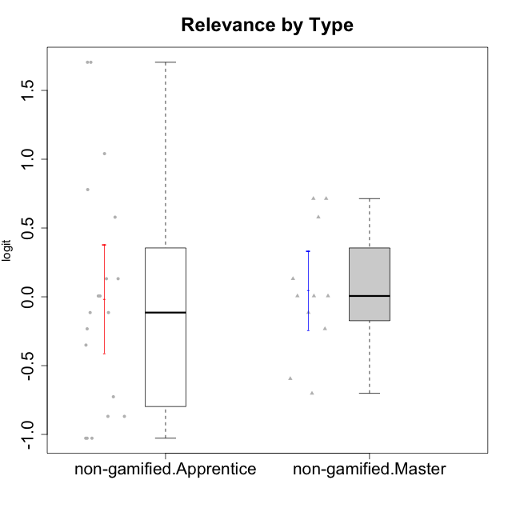

Student's t-Test data
UserID | NroUSP | Type | CLGroup | CLRole | PlayerRole | Attention | Relevance | Satisfaction | Level of Motivation
10170 | 10260351 | non-gamified | Grupo Team 6 | Apprentice |  | 0.56791534458 | 0.0060927837546 | -0.34834388206 | 0.22581106577
10174 | 10276852 | non-gamified | Grupo Team 1 | Apprentice |  | -0.95190662712 | -1.0275471836 | -0.34834388206 | -0.62796477644
10175 | 10310700 | non-gamified | Grupo Team 6 | Master |  | 1.7635905586 | 0.71393730727 | 0.97757031778 | 1.318822225
10176 | 10276949 | non-gamified | Grupo Team 9 | Apprentice |  | -1.0701126677 | -1.0275471836 | -0.91044067076 | -0.83778010581
10178 | 8656201 | non-gamified | Grupo Team 11 | Apprentice |  | 0.75834141366 | -0.11445695422 | -0.01400110805 | 0.41300158693
10181 | 10276866 | non-gamified | Grupo Team 7 | Apprentice |  | -0.040980812349 | -0.35062750809 | -0.64536976432 | -0.24827805412
10183 | 10352030 | non-gamified | Grupo Belos | Apprentice | Yee Socializer | -0.95190662712 | -0.72635160685 | -0.34834388206 | -0.62796477644
10184 | 10276675 | non-gamified | Grupo Team 7 | Master |  | 1.4363694744 | 0.5788749914 | 0.97757031778 | 0.86997165345
10186 | 10310551 | non-gamified | Grupo Team 5 | Apprentice |  | -0.82878035661 | 0.0060927837546 | 1.2916965628 | 0.043106696827
10189 | 9363926 | non-gamified | Grupo Team 2 | Apprentice |  | -2.4111310769 | -1.0275471836 | -2.9542086999 | -1.6698143652
10190 | 10276907 | non-gamified | Grupo Team 8 | Apprentice |  | -1.6652611659 | -0.11445695422 | 1.6282329698 | -0.52206996204
10193 | 10276762 | non-gamified | Grupo Team 2 | Master |  | -0.55700708254 | -0.23262451137 | -1.4075878467 | -0.62796477644
10196 | 10310655 | non-gamified | Grupo Team 5 | Apprentice |  | -0.55700708254 | -0.86869778022 | -0.01400110805 | -0.46850406728
10197 | 10276661 | non-gamified | Grupo Team 11 | Master |  | 0.16133576622 | 0.0060927837546 | -0.01400110805 | 0.16436034601
10198 | 10310888 | non-gamified | Grupo Team 1 | Apprentice |  | 2.3291694522 | 0.77920928512 | 1.6282329698 | 1.4997134295
10200 | 9795272 | non-gamified | Grupo Team 4 | Apprentice |  | 0.36736393919 | -0.23262451137 | 0.97757031778 | 0.22581106577
10201 | 10276928 | non-gamified | Grupo Team 10 | Master |  | 0.56791534458 | 0.13158585268 | 1.6282329698 | 0.66951773914
10204 | 10310471 | non-gamified | Grupo Team 5 | Master |  | 2.3291694522 | 0.71393730727 | 2.0241758621 | 1.6373083794
10206 | 10310721 | non-gamified | Grupo Team 9 | Master |  | -0.40202239655 | -0.11445695422 | 0.33281250667 | 0.043106696827
10209 | 10262669 | non-gamified | Grupo Team 1 | Master |  | -2.3569124236 | -0.59491588194 | -1.4075878467 | -1.5453160244
10213 | 10277040 | non-gamified | Grupo Team 8 | Master |  | 0.36736393919 | 0.0060927837546 | 1.2916965628 | 0.35015187326
10215 | 9285227 | non-gamified | Grupo Team 7 | Apprentice |  | 0.36736393919 | 1.7045065859 | -0.01400110805 | 0.54012010769
10218 | 9842913 | non-gamified | Grupo Team 10 | Apprentice |  | -0.95190662712 | 0.13158585268 | 0.66323765493 | -0.13391230957
10220 | 9760151 | non-gamified | Grupo Team 4 | Apprentice |  | -2.3569124236 | 1.7045065859 | 1.6282329698 | -0.24827805412
10223 | 9795185 | non-gamified | Grupo Team 3 | Master |  | -1.8032427627 | -0.70175173976 | -1.6729496884 | -1.474714379
10224 | 9368772 | non-gamified | Grupo Team 9 | Apprentice |  | 1.2744728051 | 0.5788749914 | 1.2916965628 | 0.86997165345
10231 | 10276911 | non-gamified | Grupo Team 4 | Master |  | -1.4173134803 | 0.0060927837546 | 0.33281250667 | -0.57519175816
10232 | 10276974 | non-gamified | Grupo Team 3 | Apprentice |  | 1.1094035006 | 1.0404532106 | 1.2916965628 | 1.0101826974
10234 | 10310676 | non-gamified | Grupo Team 6 | Apprentice |  | 0.56791534458 | 0.13158585268 | -0.34834388206 | 0.10344207128
10240 | 10276654 | non-gamified | Grupo Team 8 | Apprentice |  | -1.8032427627 | -0.86869778022 | -2.3859873793 | -1.474714379

Type_CLRole_2
Student's t-Test for Relevance by Type in Type:CLRole between non-gamified.Apprentice:ont-gamified.Apprentice

Student's t-Test results
Alternative hypothesis: less
Group | N | Mean | Mean.Difference | Std.deviation | Std.error | CI.lower | CI.upper | df | t.value | p.value | g | magnitude
non-gamified.Apprentice | 19 | -0.014507721801 | -0.10596000117 | 0.85874162236 | 0.1970088395 | -0.4085254008 | 0.3795099572 | 28.80261948 | -0.3803563209 | 0.35323580013 | -0.12868981301 | negligible
ont-gamified.Apprentice | 13 | 0.091452279366 | 0.10596000117 | 0.71016389605 | 0.19696402625 | -0.30247577313 | 0.48538033186 | 28.80261948 | -0.3803563209 | 0.35323580013 | -0.12868981301 | negligible
Alternative hypothesis: greater
Group | N | Mean | Mean.Difference | Std.deviation | Std.error | CI.lower | CI.upper | df | t.value | p.value | g | magnitude
non-gamified.Apprentice | 19 | -0.014507721801 | -0.10596000117 | 0.85874162236 | 0.1970088395 | -0.4085254008 | 0.3795099572 | 28.80261948 | -0.3803563209 | 0.64676419987 | -0.12868981301 | negligible
ont-gamified.Apprentice | 13 | 0.091452279366 | 0.10596000117 | 0.71016389605 | 0.19696402625 | -0.30247577313 | 0.48538033186 | 28.80261948 | -0.3803563209 | 0.64676419987 | -0.12868981301 | negligible
Alternative hypothesis: two.sided
Group | N | Mean | Mean.Difference | Std.deviation | Std.error | CI.lower | CI.upper | df | t.value | p.value | g | magnitude
non-gamified.Apprentice | 19 | -0.014507721801 | -0.10596000117 | 0.85874162236 | 0.1970088395 | -0.4085254008 | 0.3795099572 | 28.80261948 | -0.3803563209 | 0.70647160027 | -0.12868981301 | negligible
ont-gamified.Apprentice | 13 | 0.091452279366 | 0.10596000117 | 0.71016389605 | 0.19696402625 | -0.30247577313 | 0.48538033186 | 28.80261948 | -0.3803563209 | 0.70647160027 | -0.12868981301 | negligible

Box plots for Student's t-Test
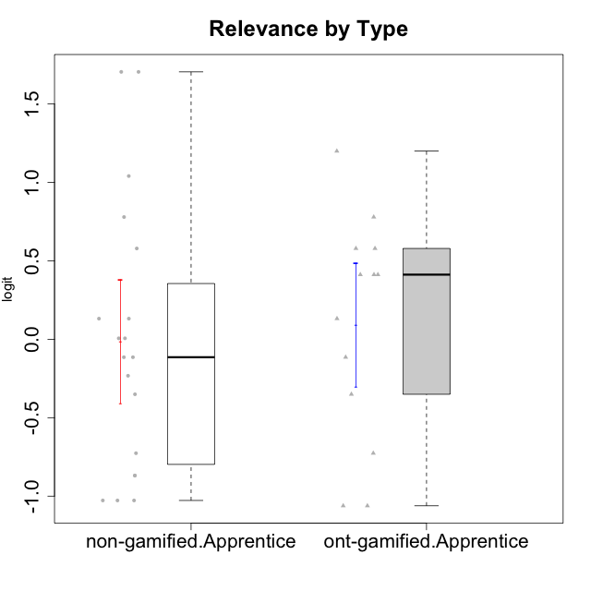

Student's t-Test data
UserID | NroUSP | Type | CLGroup | CLRole | PlayerRole | Attention | Relevance | Satisfaction | Level of Motivation
10170 | 10260351 | non-gamified | Grupo Team 6 | Apprentice |  | 0.56791534458 | 0.0060927837546 | -0.34834388206 | 0.22581106577
10174 | 10276852 | non-gamified | Grupo Team 1 | Apprentice |  | -0.95190662712 | -1.0275471836 | -0.34834388206 | -0.62796477644
10176 | 10276949 | non-gamified | Grupo Team 9 | Apprentice |  | -1.0701126677 | -1.0275471836 | -0.91044067076 | -0.83778010581
10178 | 8656201 | non-gamified | Grupo Team 11 | Apprentice |  | 0.75834141366 | -0.11445695422 | -0.01400110805 | 0.41300158693
10179 | 10310759 | ont-gamified | Grupo Tosskor | Apprentice | Yee Achiever | -0.040980812349 | 0.13158585268 | -0.01400110805 | 0.10344207128
10181 | 10276866 | non-gamified | Grupo Team 7 | Apprentice |  | -0.040980812349 | -0.35062750809 | -0.64536976432 | -0.24827805412
10183 | 10352030 | non-gamified | Grupo Belos | Apprentice | Yee Socializer | -0.95190662712 | -0.72635160685 | -0.34834388206 | -0.62796477644
10186 | 10310551 | non-gamified | Grupo Team 5 | Apprentice |  | -0.82878035661 | 0.0060927837546 | 1.2916965628 | 0.043106696827
10187 | 9790781 | ont-gamified | Grupo Razorg | Apprentice | Yee Achiever | 0.36736393919 | -1.0617581335 | 0.33281250667 | -0.19146962765
10189 | 9363926 | non-gamified | Grupo Team 2 | Apprentice |  | -2.4111310769 | -1.0275471836 | -2.9542086999 | -1.6698143652
10190 | 10276907 | non-gamified | Grupo Team 8 | Apprentice |  | -1.6652611659 | -0.11445695422 | 1.6282329698 | -0.52206996204
10191 | 10276981 | ont-gamified | Grupo Yeka | Apprentice | Yee Socializer | 1.780532862 | 0.41195002581 | 1.3428958321 | 1.2368829222
10192 | 10276682 | ont-gamified | Grupo Yeka | Apprentice | Yee Socializer | 1.780532862 | 0.41195002581 | 1.3428958321 | 1.4041786884
10196 | 10310655 | non-gamified | Grupo Team 5 | Apprentice |  | -0.55700708254 | -0.86869778022 | -0.01400110805 | -0.46850406728
10198 | 10310888 | non-gamified | Grupo Team 1 | Apprentice |  | 2.3291694522 | 0.77920928512 | 1.6282329698 | 1.4997134295
10200 | 9795272 | non-gamified | Grupo Team 4 | Apprentice |  | 0.36736393919 | -0.23262451137 | 0.97757031778 | 0.22581106577
10202 | 10277036 | ont-gamified | Grupo Paldira | Apprentice | Yee Achiever | -0.23023200857 | -0.72635160685 | -0.34834388206 | -0.24827805412
10203 | 9921470 | ont-gamified | Grupo Paldira | Apprentice | Yee Achiever | 1.780532862 | 1.19943677 | 1.3428958321 | 1.4041786884
10210 | 10277015 | ont-gamified | Grupo Losvakai | Apprentice | Yee Achiever | -0.95190662712 | -0.11445695422 | -0.64536976432 | -0.52206996204
10214 | 10277022 | ont-gamified | Grupo Koil | Apprentice | Yee Achiever | 0.36736393919 | 0.41195002581 | -0.64536976432 | 0.16436034601
10215 | 9285227 | non-gamified | Grupo Team 7 | Apprentice |  | 0.36736393919 | 1.7045065859 | -0.01400110805 | 0.54012010769
10218 | 9842913 | non-gamified | Grupo Team 10 | Apprentice |  | -0.95190662712 | 0.13158585268 | 0.66323765493 | -0.13391230957
10219 | 10276831 | ont-gamified | Grupo Razorg | Apprentice | Yee Achiever | -1.3006930783 | -1.0617581335 | -0.91044067076 | -1.0519310161
10220 | 9760151 | non-gamified | Grupo Team 4 | Apprentice |  | -2.3569124236 | 1.7045065859 | 1.6282329698 | -0.24827805412
10224 | 9368772 | non-gamified | Grupo Team 9 | Apprentice |  | 1.2744728051 | 0.5788749914 | 1.2916965628 | 0.86997165345
10226 | 10310342 | ont-gamified | Grupo Yeka | Apprentice | Yee Socializer | 0.93823748285 | 0.77920928512 | 1.2916965628 | 0.93924298788
10230 | 10351992 | ont-gamified | Grupo Koil | Apprentice | Yee Achiever | 1.780532862 | 0.5788749914 | 0.97757031778 | 1.1585341734
10232 | 10276974 | non-gamified | Grupo Team 3 | Apprentice |  | 1.1094035006 | 1.0404532106 | 1.2916965628 | 1.0101826974
10234 | 10310676 | non-gamified | Grupo Team 6 | Apprentice |  | 0.56791534458 | 0.13158585268 | -0.34834388206 | 0.10344207128
10237 | 10377688 | ont-gamified | Grupo Ellaru | Apprentice | Yee Socializer | -0.40202239655 | 0.5788749914 | -0.64536976432 | -0.07561268264
10238 | 10276953 | ont-gamified | Grupo Belos | Apprentice | Yee Socializer | 0.36736393919 | -0.35062750809 | 0.33281250667 | 0.10344207128
10240 | 10276654 | non-gamified | Grupo Team 8 | Apprentice |  | -1.8032427627 | -0.86869778022 | -2.3859873793 | -1.474714379

Type_CLRole_3
Student's t-Test for Relevance by Type in Type:CLRole between non-gamified.Apprentice:ont-gamified.Master

Student's t-Test results
Alternative hypothesis: less
Group | N | Mean | Mean.Difference | Std.deviation | Std.error | CI.lower | CI.upper | df | t.value | p.value | g | magnitude
non-gamified.Apprentice | 19 | -0.014507721801 | -0.092478598185 | 0.85874162236 | 0.1970088395 | -0.4085254008 | 0.3795099572 | 23.313411112 | -0.3633737226 | 0.35979998205 | -0.11683762522 | negligible
ont-gamified.Master | 8 | 0.077970876384 | 0.092478598185 | 0.45569943819 | 0.16111408146 | -0.24425728654 | 0.40019903931 | 23.313411112 | -0.3633737226 | 0.35979998205 | -0.11683762522 | negligible
Alternative hypothesis: greater
Group | N | Mean | Mean.Difference | Std.deviation | Std.error | CI.lower | CI.upper | df | t.value | p.value | g | magnitude
non-gamified.Apprentice | 19 | -0.014507721801 | -0.092478598185 | 0.85874162236 | 0.1970088395 | -0.4085254008 | 0.3795099572 | 23.313411112 | -0.3633737226 | 0.64020001795 | -0.11683762522 | negligible
ont-gamified.Master | 8 | 0.077970876384 | 0.092478598185 | 0.45569943819 | 0.16111408146 | -0.24425728654 | 0.40019903931 | 23.313411112 | -0.3633737226 | 0.64020001795 | -0.11683762522 | negligible
Alternative hypothesis: two.sided
Group | N | Mean | Mean.Difference | Std.deviation | Std.error | CI.lower | CI.upper | df | t.value | p.value | g | magnitude
non-gamified.Apprentice | 19 | -0.014507721801 | -0.092478598185 | 0.85874162236 | 0.1970088395 | -0.4085254008 | 0.3795099572 | 23.313411112 | -0.3633737226 | 0.7195999641 | -0.11683762522 | negligible
ont-gamified.Master | 8 | 0.077970876384 | 0.092478598185 | 0.45569943819 | 0.16111408146 | -0.24425728654 | 0.40019903931 | 23.313411112 | -0.3633737226 | 0.7195999641 | -0.11683762522 | negligible

Box plots for Student's t-Test
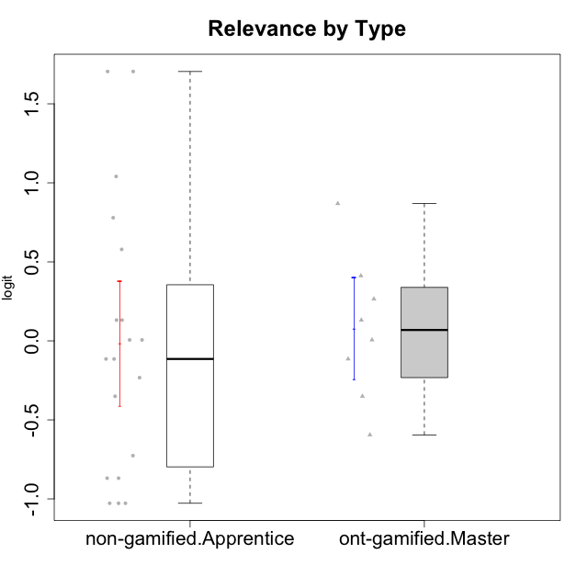

Student's t-Test data
UserID | NroUSP | Type | CLGroup | CLRole | PlayerRole | Attention | Relevance | Satisfaction | Level of Motivation
10170 | 10260351 | non-gamified | Grupo Team 6 | Apprentice |  | 0.56791534458 | 0.0060927837546 | -0.34834388206 | 0.22581106577
10171 | 698531 | ont-gamified | Grupo Losvakai | Master | Yee Achiever | 0.75834141366 | 0.86882627345 | 0.97757031778 | 0.80207969337
10172 | 10273971 | ont-gamified | Grupo Koil | Master | Yee Achiever | 0.75834141366 | 0.26531241963 | -0.64536976432 | 0.28775137943
10174 | 10276852 | non-gamified | Grupo Team 1 | Apprentice |  | -0.95190662712 | -1.0275471836 | -0.34834388206 | -0.62796477644
10176 | 10276949 | non-gamified | Grupo Team 9 | Apprentice |  | -1.0701126677 | -1.0275471836 | -0.91044067076 | -0.83778010581
10178 | 8656201 | non-gamified | Grupo Team 11 | Apprentice |  | 0.75834141366 | -0.11445695422 | -0.01400110805 | 0.41300158693
10181 | 10276866 | non-gamified | Grupo Team 7 | Apprentice |  | -0.040980812349 | -0.35062750809 | -0.64536976432 | -0.24827805412
10183 | 10352030 | non-gamified | Grupo Belos | Apprentice | Yee Socializer | -0.95190662712 | -0.72635160685 | -0.34834388206 | -0.62796477644
10185 | 10276960 | ont-gamified | Grupo Tosskor | Master | Yee Achiever | -0.040980812349 | -0.11445695422 | -0.34834388206 | -0.13391230957
10186 | 10310551 | non-gamified | Grupo Team 5 | Apprentice |  | -0.82878035661 | 0.0060927837546 | 1.2916965628 | 0.043106696827
10188 | 10276995 | ont-gamified | Grupo Paldira | Master | Yee Achiever | -0.040980812349 | 0.13158585268 | 0.33281250667 | 0.043106696827
10189 | 9363926 | non-gamified | Grupo Team 2 | Apprentice |  | -2.4111310769 | -1.0275471836 | -2.9542086999 | -1.6698143652
10190 | 10276907 | non-gamified | Grupo Team 8 | Apprentice |  | -1.6652611659 | -0.11445695422 | 1.6282329698 | -0.52206996204
10196 | 10310655 | non-gamified | Grupo Team 5 | Apprentice |  | -0.55700708254 | -0.86869778022 | -0.01400110805 | -0.46850406728
10198 | 10310888 | non-gamified | Grupo Team 1 | Apprentice |  | 2.3291694522 | 0.77920928512 | 1.6282329698 | 1.4997134295
10200 | 9795272 | non-gamified | Grupo Team 4 | Apprentice |  | 0.36736393919 | -0.23262451137 | 0.97757031778 | 0.22581106577
10208 | 10276932 | ont-gamified | Grupo Yeka | Master | Yee Socializer | -0.40202239655 | -0.59491588194 | -0.64536976432 | -0.46850406728
10211 | 9311643 | ont-gamified | Grupo Razorg | Master | Yee Achiever | -1.6601779081 | -0.35062750809 | -1.7052408222 | -1.1666271317
10215 | 9285227 | non-gamified | Grupo Team 7 | Apprentice |  | 0.36736393919 | 1.7045065859 | -0.01400110805 | 0.54012010769
10216 | 10276720 | ont-gamified | Grupo Ellaru | Master | Yee Socializer | -0.40202239655 | 0.0060927837546 | 0.33281250667 | -0.13391230957
10217 | 9805341 | ont-gamified | Grupo Belos | Master | Yee Socializer | 0.75834141366 | 0.41195002581 | 0.66323765493 | 0.54012010769
10218 | 9842913 | non-gamified | Grupo Team 10 | Apprentice |  | -0.95190662712 | 0.13158585268 | 0.66323765493 | -0.13391230957
10220 | 9760151 | non-gamified | Grupo Team 4 | Apprentice |  | -2.3569124236 | 1.7045065859 | 1.6282329698 | -0.24827805412
10224 | 9368772 | non-gamified | Grupo Team 9 | Apprentice |  | 1.2744728051 | 0.5788749914 | 1.2916965628 | 0.86997165345
10232 | 10276974 | non-gamified | Grupo Team 3 | Apprentice |  | 1.1094035006 | 1.0404532106 | 1.2916965628 | 1.0101826974
10234 | 10310676 | non-gamified | Grupo Team 6 | Apprentice |  | 0.56791534458 | 0.13158585268 | -0.34834388206 | 0.10344207128
10240 | 10276654 | non-gamified | Grupo Team 8 | Apprentice |  | -1.8032427627 | -0.86869778022 | -2.3859873793 | -1.474714379

Type_CLRole_4
Student's t-Test for Relevance by Type in Type:CLRole between non-gamified.Master:ont-gamified.Apprentice

Student's t-Test results
Alternative hypothesis: less
Group | N | Mean | Mean.Difference | Std.deviation | Std.error | CI.lower | CI.upper | df | t.value | p.value | g | magnitude
non-gamified.Master | 11 | 0.04662406569 | -0.044828213676 | 0.47556477432 | 0.14338817454 | -0.24015228339 | 0.33340041477 | 21.008854447 | -0.18400210545 | 0.42788811903 | -0.070408961742 | negligible
ont-gamified.Apprentice | 13 | 0.091452279366 | 0.044828213676 | 0.71016389605 | 0.19696402625 | -0.30247577313 | 0.48538033186 | 21.008854447 | -0.18400210545 | 0.42788811903 | -0.070408961742 | negligible
Alternative hypothesis: greater
Group | N | Mean | Mean.Difference | Std.deviation | Std.error | CI.lower | CI.upper | df | t.value | p.value | g | magnitude
non-gamified.Master | 11 | 0.04662406569 | -0.044828213676 | 0.47556477432 | 0.14338817454 | -0.24015228339 | 0.33340041477 | 21.008854447 | -0.18400210545 | 0.57211188097 | -0.070408961742 | negligible
ont-gamified.Apprentice | 13 | 0.091452279366 | 0.044828213676 | 0.71016389605 | 0.19696402625 | -0.30247577313 | 0.48538033186 | 21.008854447 | -0.18400210545 | 0.57211188097 | -0.070408961742 | negligible
Alternative hypothesis: two.sided
Group | N | Mean | Mean.Difference | Std.deviation | Std.error | CI.lower | CI.upper | df | t.value | p.value | g | magnitude
non-gamified.Master | 11 | 0.04662406569 | -0.044828213676 | 0.47556477432 | 0.14338817454 | -0.24015228339 | 0.33340041477 | 21.008854447 | -0.18400210545 | 0.85577623806 | -0.070408961742 | negligible
ont-gamified.Apprentice | 13 | 0.091452279366 | 0.044828213676 | 0.71016389605 | 0.19696402625 | -0.30247577313 | 0.48538033186 | 21.008854447 | -0.18400210545 | 0.85577623806 | -0.070408961742 | negligible

Box plots for Student's t-Test
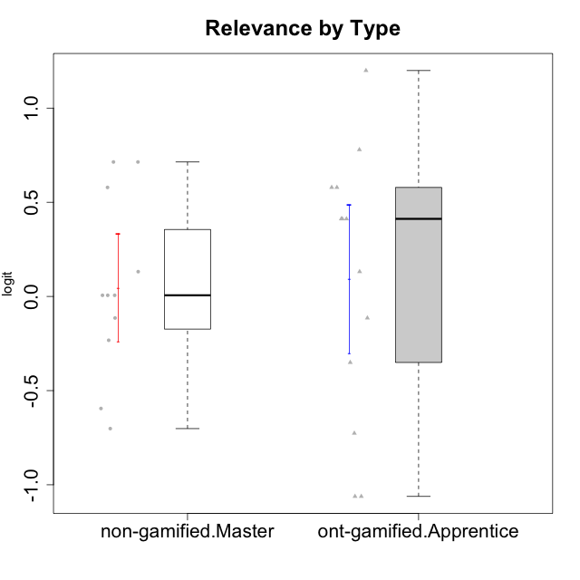

Student's t-Test data
UserID | NroUSP | Type | CLGroup | CLRole | PlayerRole | Attention | Relevance | Satisfaction | Level of Motivation
10175 | 10310700 | non-gamified | Grupo Team 6 | Master |  | 1.7635905586 | 0.71393730727 | 0.97757031778 | 1.318822225
10179 | 10310759 | ont-gamified | Grupo Tosskor | Apprentice | Yee Achiever | -0.040980812349 | 0.13158585268 | -0.01400110805 | 0.10344207128
10184 | 10276675 | non-gamified | Grupo Team 7 | Master |  | 1.4363694744 | 0.5788749914 | 0.97757031778 | 0.86997165345
10187 | 9790781 | ont-gamified | Grupo Razorg | Apprentice | Yee Achiever | 0.36736393919 | -1.0617581335 | 0.33281250667 | -0.19146962765
10191 | 10276981 | ont-gamified | Grupo Yeka | Apprentice | Yee Socializer | 1.780532862 | 0.41195002581 | 1.3428958321 | 1.2368829222
10192 | 10276682 | ont-gamified | Grupo Yeka | Apprentice | Yee Socializer | 1.780532862 | 0.41195002581 | 1.3428958321 | 1.4041786884
10193 | 10276762 | non-gamified | Grupo Team 2 | Master |  | -0.55700708254 | -0.23262451137 | -1.4075878467 | -0.62796477644
10197 | 10276661 | non-gamified | Grupo Team 11 | Master |  | 0.16133576622 | 0.0060927837546 | -0.01400110805 | 0.16436034601
10201 | 10276928 | non-gamified | Grupo Team 10 | Master |  | 0.56791534458 | 0.13158585268 | 1.6282329698 | 0.66951773914
10202 | 10277036 | ont-gamified | Grupo Paldira | Apprentice | Yee Achiever | -0.23023200857 | -0.72635160685 | -0.34834388206 | -0.24827805412
10203 | 9921470 | ont-gamified | Grupo Paldira | Apprentice | Yee Achiever | 1.780532862 | 1.19943677 | 1.3428958321 | 1.4041786884
10204 | 10310471 | non-gamified | Grupo Team 5 | Master |  | 2.3291694522 | 0.71393730727 | 2.0241758621 | 1.6373083794
10206 | 10310721 | non-gamified | Grupo Team 9 | Master |  | -0.40202239655 | -0.11445695422 | 0.33281250667 | 0.043106696827
10209 | 10262669 | non-gamified | Grupo Team 1 | Master |  | -2.3569124236 | -0.59491588194 | -1.4075878467 | -1.5453160244
10210 | 10277015 | ont-gamified | Grupo Losvakai | Apprentice | Yee Achiever | -0.95190662712 | -0.11445695422 | -0.64536976432 | -0.52206996204
10213 | 10277040 | non-gamified | Grupo Team 8 | Master |  | 0.36736393919 | 0.0060927837546 | 1.2916965628 | 0.35015187326
10214 | 10277022 | ont-gamified | Grupo Koil | Apprentice | Yee Achiever | 0.36736393919 | 0.41195002581 | -0.64536976432 | 0.16436034601
10219 | 10276831 | ont-gamified | Grupo Razorg | Apprentice | Yee Achiever | -1.3006930783 | -1.0617581335 | -0.91044067076 | -1.0519310161
10223 | 9795185 | non-gamified | Grupo Team 3 | Master |  | -1.8032427627 | -0.70175173976 | -1.6729496884 | -1.474714379
10226 | 10310342 | ont-gamified | Grupo Yeka | Apprentice | Yee Socializer | 0.93823748285 | 0.77920928512 | 1.2916965628 | 0.93924298788
10230 | 10351992 | ont-gamified | Grupo Koil | Apprentice | Yee Achiever | 1.780532862 | 0.5788749914 | 0.97757031778 | 1.1585341734
10231 | 10276911 | non-gamified | Grupo Team 4 | Master |  | -1.4173134803 | 0.0060927837546 | 0.33281250667 | -0.57519175816
10237 | 10377688 | ont-gamified | Grupo Ellaru | Apprentice | Yee Socializer | -0.40202239655 | 0.5788749914 | -0.64536976432 | -0.07561268264
10238 | 10276953 | ont-gamified | Grupo Belos | Apprentice | Yee Socializer | 0.36736393919 | -0.35062750809 | 0.33281250667 | 0.10344207128

Type_CLRole_5
Student's t-Test for Relevance by Type in Type:CLRole between non-gamified.Master:ont-gamified.Master

Student's t-Test results
Alternative hypothesis: less
Group | N | Mean | Mean.Difference | Std.deviation | Std.error | CI.lower | CI.upper | df | t.value | p.value | g | magnitude
non-gamified.Master | 11 | 0.04662406569 | -0.031346810694 | 0.47556477432 | 0.14338817454 | -0.24015228339 | 0.33340041477 | 15.62057816 | -0.14533935779 | 0.44315090083 | -0.064051430262 | negligible
ont-gamified.Master | 8 | 0.077970876384 | 0.031346810694 | 0.45569943819 | 0.16111408146 | -0.24425728654 | 0.40019903931 | 15.62057816 | -0.14533935779 | 0.44315090083 | -0.064051430262 | negligible
Alternative hypothesis: greater
Group | N | Mean | Mean.Difference | Std.deviation | Std.error | CI.lower | CI.upper | df | t.value | p.value | g | magnitude
non-gamified.Master | 11 | 0.04662406569 | -0.031346810694 | 0.47556477432 | 0.14338817454 | -0.24015228339 | 0.33340041477 | 15.62057816 | -0.14533935779 | 0.55684909917 | -0.064051430262 | negligible
ont-gamified.Master | 8 | 0.077970876384 | 0.031346810694 | 0.45569943819 | 0.16111408146 | -0.24425728654 | 0.40019903931 | 15.62057816 | -0.14533935779 | 0.55684909917 | -0.064051430262 | negligible
Alternative hypothesis: two.sided
Group | N | Mean | Mean.Difference | Std.deviation | Std.error | CI.lower | CI.upper | df | t.value | p.value | g | magnitude
non-gamified.Master | 11 | 0.04662406569 | -0.031346810694 | 0.47556477432 | 0.14338817454 | -0.24015228339 | 0.33340041477 | 15.62057816 | -0.14533935779 | 0.88630180165 | -0.064051430262 | negligible
ont-gamified.Master | 8 | 0.077970876384 | 0.031346810694 | 0.45569943819 | 0.16111408146 | -0.24425728654 | 0.40019903931 | 15.62057816 | -0.14533935779 | 0.88630180165 | -0.064051430262 | negligible

Box plots for Student's t-Test
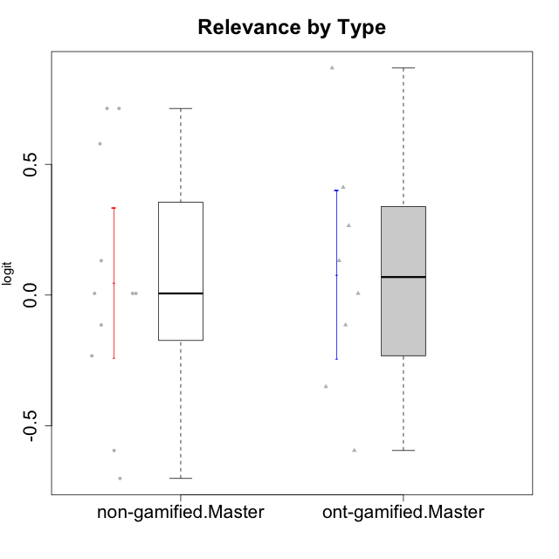

Student's t-Test data
UserID | NroUSP | Type | CLGroup | CLRole | PlayerRole | Attention | Relevance | Satisfaction | Level of Motivation
10171 | 698531 | ont-gamified | Grupo Losvakai | Master | Yee Achiever | 0.75834141366 | 0.86882627345 | 0.97757031778 | 0.80207969337
10172 | 10273971 | ont-gamified | Grupo Koil | Master | Yee Achiever | 0.75834141366 | 0.26531241963 | -0.64536976432 | 0.28775137943
10175 | 10310700 | non-gamified | Grupo Team 6 | Master |  | 1.7635905586 | 0.71393730727 | 0.97757031778 | 1.318822225
10184 | 10276675 | non-gamified | Grupo Team 7 | Master |  | 1.4363694744 | 0.5788749914 | 0.97757031778 | 0.86997165345
10185 | 10276960 | ont-gamified | Grupo Tosskor | Master | Yee Achiever | -0.040980812349 | -0.11445695422 | -0.34834388206 | -0.13391230957
10188 | 10276995 | ont-gamified | Grupo Paldira | Master | Yee Achiever | -0.040980812349 | 0.13158585268 | 0.33281250667 | 0.043106696827
10193 | 10276762 | non-gamified | Grupo Team 2 | Master |  | -0.55700708254 | -0.23262451137 | -1.4075878467 | -0.62796477644
10197 | 10276661 | non-gamified | Grupo Team 11 | Master |  | 0.16133576622 | 0.0060927837546 | -0.01400110805 | 0.16436034601
10201 | 10276928 | non-gamified | Grupo Team 10 | Master |  | 0.56791534458 | 0.13158585268 | 1.6282329698 | 0.66951773914
10204 | 10310471 | non-gamified | Grupo Team 5 | Master |  | 2.3291694522 | 0.71393730727 | 2.0241758621 | 1.6373083794
10206 | 10310721 | non-gamified | Grupo Team 9 | Master |  | -0.40202239655 | -0.11445695422 | 0.33281250667 | 0.043106696827
10208 | 10276932 | ont-gamified | Grupo Yeka | Master | Yee Socializer | -0.40202239655 | -0.59491588194 | -0.64536976432 | -0.46850406728
10209 | 10262669 | non-gamified | Grupo Team 1 | Master |  | -2.3569124236 | -0.59491588194 | -1.4075878467 | -1.5453160244
10211 | 9311643 | ont-gamified | Grupo Razorg | Master | Yee Achiever | -1.6601779081 | -0.35062750809 | -1.7052408222 | -1.1666271317
10213 | 10277040 | non-gamified | Grupo Team 8 | Master |  | 0.36736393919 | 0.0060927837546 | 1.2916965628 | 0.35015187326
10216 | 10276720 | ont-gamified | Grupo Ellaru | Master | Yee Socializer | -0.40202239655 | 0.0060927837546 | 0.33281250667 | -0.13391230957
10217 | 9805341 | ont-gamified | Grupo Belos | Master | Yee Socializer | 0.75834141366 | 0.41195002581 | 0.66323765493 | 0.54012010769
10223 | 9795185 | non-gamified | Grupo Team 3 | Master |  | -1.8032427627 | -0.70175173976 | -1.6729496884 | -1.474714379
10231 | 10276911 | non-gamified | Grupo Team 4 | Master |  | -1.4173134803 | 0.0060927837546 | 0.33281250667 | -0.57519175816

Type_CLRole_6
Student's t-Test for Relevance by Type in Type:CLRole between ont-gamified.Apprentice:ont-gamified.Master

Student's t-Test results
Alternative hypothesis: less
Group | N | Mean | Mean.Difference | Std.deviation | Std.error | CI.lower | CI.upper | df | t.value | p.value | g | magnitude
ont-gamified.Apprentice | 13 | 0.091452279366 | 0.013481402982 | 0.71016389605 | 0.19696402625 | -0.30247577313 | 0.48538033186 | 18.914379184 | 0.052979343124 | 0.52084803744 | 0.020591578342 | negligible
ont-gamified.Master | 8 | 0.077970876384 | -0.013481402982 | 0.45569943819 | 0.16111408146 | -0.24425728654 | 0.40019903931 | 18.914379184 | 0.052979343124 | 0.52084803744 | 0.020591578342 | negligible
Alternative hypothesis: greater
Group | N | Mean | Mean.Difference | Std.deviation | Std.error | CI.lower | CI.upper | df | t.value | p.value | g | magnitude
ont-gamified.Apprentice | 13 | 0.091452279366 | 0.013481402982 | 0.71016389605 | 0.19696402625 | -0.30247577313 | 0.48538033186 | 18.914379184 | 0.052979343124 | 0.47915196256 | 0.020591578342 | negligible
ont-gamified.Master | 8 | 0.077970876384 | -0.013481402982 | 0.45569943819 | 0.16111408146 | -0.24425728654 | 0.40019903931 | 18.914379184 | 0.052979343124 | 0.47915196256 | 0.020591578342 | negligible
Alternative hypothesis: two.sided
Group | N | Mean | Mean.Difference | Std.deviation | Std.error | CI.lower | CI.upper | df | t.value | p.value | g | magnitude
ont-gamified.Apprentice | 13 | 0.091452279366 | 0.013481402982 | 0.71016389605 | 0.19696402625 | -0.30247577313 | 0.48538033186 | 18.914379184 | 0.052979343124 | 0.95830392512 | 0.020591578342 | negligible
ont-gamified.Master | 8 | 0.077970876384 | -0.013481402982 | 0.45569943819 | 0.16111408146 | -0.24425728654 | 0.40019903931 | 18.914379184 | 0.052979343124 | 0.95830392512 | 0.020591578342 | negligible

Box plots for Student's t-Test
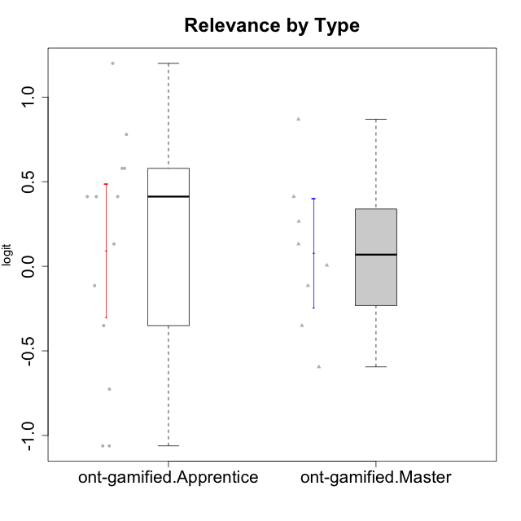

Student's t-Test data
UserID | NroUSP | Type | CLGroup | CLRole | PlayerRole | Attention | Relevance | Satisfaction | Level of Motivation
10171 | 698531 | ont-gamified | Grupo Losvakai | Master | Yee Achiever | 0.75834141366 | 0.86882627345 | 0.97757031778 | 0.80207969337
10172 | 10273971 | ont-gamified | Grupo Koil | Master | Yee Achiever | 0.75834141366 | 0.26531241963 | -0.64536976432 | 0.28775137943
10179 | 10310759 | ont-gamified | Grupo Tosskor | Apprentice | Yee Achiever | -0.040980812349 | 0.13158585268 | -0.01400110805 | 0.10344207128
10185 | 10276960 | ont-gamified | Grupo Tosskor | Master | Yee Achiever | -0.040980812349 | -0.11445695422 | -0.34834388206 | -0.13391230957
10187 | 9790781 | ont-gamified | Grupo Razorg | Apprentice | Yee Achiever | 0.36736393919 | -1.0617581335 | 0.33281250667 | -0.19146962765
10188 | 10276995 | ont-gamified | Grupo Paldira | Master | Yee Achiever | -0.040980812349 | 0.13158585268 | 0.33281250667 | 0.043106696827
10191 | 10276981 | ont-gamified | Grupo Yeka | Apprentice | Yee Socializer | 1.780532862 | 0.41195002581 | 1.3428958321 | 1.2368829222
10192 | 10276682 | ont-gamified | Grupo Yeka | Apprentice | Yee Socializer | 1.780532862 | 0.41195002581 | 1.3428958321 | 1.4041786884
10202 | 10277036 | ont-gamified | Grupo Paldira | Apprentice | Yee Achiever | -0.23023200857 | -0.72635160685 | -0.34834388206 | -0.24827805412
10203 | 9921470 | ont-gamified | Grupo Paldira | Apprentice | Yee Achiever | 1.780532862 | 1.19943677 | 1.3428958321 | 1.4041786884
10208 | 10276932 | ont-gamified | Grupo Yeka | Master | Yee Socializer | -0.40202239655 | -0.59491588194 | -0.64536976432 | -0.46850406728
10210 | 10277015 | ont-gamified | Grupo Losvakai | Apprentice | Yee Achiever | -0.95190662712 | -0.11445695422 | -0.64536976432 | -0.52206996204
10211 | 9311643 | ont-gamified | Grupo Razorg | Master | Yee Achiever | -1.6601779081 | -0.35062750809 | -1.7052408222 | -1.1666271317
10214 | 10277022 | ont-gamified | Grupo Koil | Apprentice | Yee Achiever | 0.36736393919 | 0.41195002581 | -0.64536976432 | 0.16436034601
10216 | 10276720 | ont-gamified | Grupo Ellaru | Master | Yee Socializer | -0.40202239655 | 0.0060927837546 | 0.33281250667 | -0.13391230957
10217 | 9805341 | ont-gamified | Grupo Belos | Master | Yee Socializer | 0.75834141366 | 0.41195002581 | 0.66323765493 | 0.54012010769
10219 | 10276831 | ont-gamified | Grupo Razorg | Apprentice | Yee Achiever | -1.3006930783 | -1.0617581335 | -0.91044067076 | -1.0519310161
10226 | 10310342 | ont-gamified | Grupo Yeka | Apprentice | Yee Socializer | 0.93823748285 | 0.77920928512 | 1.2916965628 | 0.93924298788
10230 | 10351992 | ont-gamified | Grupo Koil | Apprentice | Yee Achiever | 1.780532862 | 0.5788749914 | 0.97757031778 | 1.1585341734
10237 | 10377688 | ont-gamified | Grupo Ellaru | Apprentice | Yee Socializer | -0.40202239655 | 0.5788749914 | -0.64536976432 | -0.07561268264
10238 | 10276953 | ont-gamified | Grupo Belos | Apprentice | Yee Socializer | 0.36736393919 | -0.35062750809 | 0.33281250667 | 0.10344207128

