Global-info
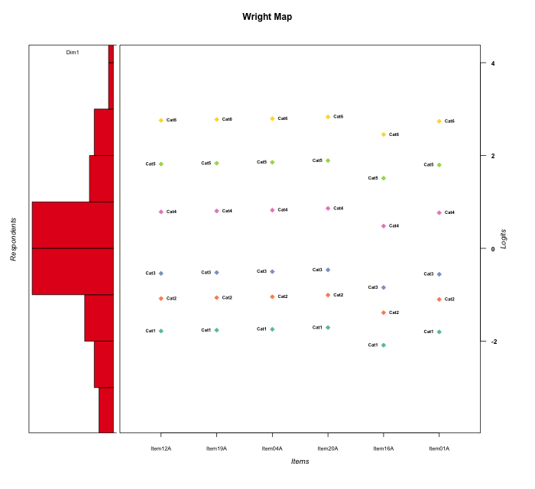
Global information for a measurement model

Information
Number.of.items | Deviance | Log.Likelihood | Number.of.persons | EAP.rel | n.theta.nodes | irt.model
6 | 1034.467433 | -517.23371648 | 58 | 0.91946286079 | 21 | RSM

Global fit statistic MADaQ3 and test fit
MADaQ3 | maxaQ3 | p
0.13403960315 | 0.23740753301 | 1

Test statistic of global fit based on Chi square
maxX2 | Npairs | p.holm
286.33864663 | 15 | 0

Model fit statistics
X100.MADCOV | SRMR | SRMSR
11.711406301 | 0.051678827105 | 0.061210644234

Chi square tests for every item pairs
index1 | index2 | maxK1 | maxK2 | df | chi2 | p | p.holm
1 | 2 | 6 | 6 | 36 | 50.701027281 | 0.052943347064 | 0.42354677651
1 | 3 | 6 | 6 | 36 | 24.421307543 | 0.92860301488 | 1
1 | 4 | 6 | 6 | 36 | 32.271355942 | 0.64662257182 | 1
1 | 5 | 6 | 6 | 36 | 46.447311566 | 0.11393195459 | 0.79752368215
1 | 6 | 6 | 6 | 36 | 34.168682088 | 0.55590273054 | 1
2 | 3 | 6 | 6 | 36 | 52.278382451 | 0.038891646993 | 0.38844294352
2 | 4 | 6 | 6 | 36 | 119.67016968 | 6.4941163558E-11 | 7.1435279914E-10
2 | 5 | 6 | 6 | 36 | 259.3248755 | 0 | 0
2 | 6 | 6 | 6 | 36 | 242.78416905 | 0 | 0
3 | 4 | 6 | 6 | 36 | 52.284489263 | 0.038844294352 | 0.38844294352
3 | 5 | 6 | 6 | 36 | 25.006320212 | 0.91568955407 | 1
3 | 6 | 6 | 6 | 36 | 34.46530571 | 0.54163381913 | 1
4 | 5 | 6 | 6 | 36 | 28.987412996 | 0.79021029611 | 1
4 | 6 | 6 | 6 | 36 | 161.99090376 | 0 | 0
5 | 6 | 6 | 6 | 36 | 286.33864663 | 0 | 0

Item residuals
Item12A | Item19A | Item04A | Item20A | Item16A | Item01A
0.073466403346 | 0.090683343696 | 0.1076433928 | 0.14079270432 | -1.2359192151 | 0.055992886218
0.39637246301 | 0.41343663651 | 0.4304823428 | -1.5354713397 | 1.1191405115 | -0.62071263915
0.24157407021 | 0.25874863366 | 0.27588758645 | -0.68993472276 | -0.03890398738 | 0.22436239215
-0.75842592979 | 0.25874863366 | 1.2758875865 | 0.31006527724 | -2.0389039874 | 1.2243623921
-0.18453273399 | -2.1610970008 | 0.86239296703 | -0.090487056359 | 0.4517511537 | 0.79209124413
1.3041232129 | 0.32121410666 | -0.66164629123 | -1.6272342394 | 0.040030112863 | 1.2870843767
-0.020161035921 | 0.003815940419 | 0.02780366485 | 0.0757827596 | -0.39700740935 | -0.044120212231
0.24157407021 | 0.25874863366 | 0.27588758645 | 0.31006527724 | -0.03890398738 | -0.77563760785
-0.137687403 | -0.11967483557 | -0.10159671875 | -0.065231244127 | 0.58029374686 | -0.1556376389
0.862312597 | -3.1196748356 | 0.89840328125 | -0.065231244127 | 0.58029374686 | 0.8443623611
-0.18453273399 | 1.8389029992 | -1.137607033 | -1.0904870564 | -0.5482488463 | 0.79209124413
0.61960189459 | -1.36260396 | 0.6551810267 | 0.69071359271 | 0.33604711618 | -0.3981987964
-0.137687403 | 0.88032516443 | 0.89840328125 | -1.0652312441 | -0.41970625314 | -0.1556376389
-0.34990202377 | -2.327219881 | 0.69555252057 | 0.741352583 | 3.3017205833 | -2.3724902884
-0.44887270136 | -0.43173421801 | -0.41458926745 | 0.61973284669 | -0.72455885555 | 1.5339921463
0.862312597 | -1.1196748356 | 0.89840328125 | -0.065231244127 | -0.41970625314 | -0.1556376389
-0.34914835697 | -0.3421745328 | -0.33534499938 | 0.67789215476 | -0.48264087965 | -0.35626923558
-1.2341982968 | -1.2133354008 | 1.8073104047 | -1.1520640573 | 0.4064466952 | 0.74472572343
0.14780971429 | 1.1641063739 | 0.18048154464 | 0.21345476131 | -1.0998015329 | 0.13159471158
0.24939063056 | 0.25425019373 | 0.25919297313 | 0.2693320898 | 0.18215035958 | 0.24461330335
0.3340206352 | 0.35485160735 | -0.62419765709 | -0.58193842731 | 1.0164509542 | -0.68669047162
0.3340206352 | 0.35485160735 | -2.6241976571 | 0.41806157269 | 1.0164509542 | 0.31330952838
-0.29362411019 | -2.2761790433 | 0.74130184606 | -0.22361520994 | -0.57059591679 | 2.6889632255
0.24939063056 | 0.25425019373 | 0.25919297313 | 0.2693320898 | 0.18215035958 | 0.24461330335
-0.44887270136 | -0.43173421801 | 0.58541073255 | -0.38026715331 | 0.27544114445 | 0.53399214635
0.39637246301 | 0.41343663651 | -0.5695176572 | 0.46452866032 | 0.11914051155 | -0.62071263915
0.019648116869 | -0.96152421975 | 0.057395462684 | 0.095520296463 | -0.27142783785 | 1.0009099679
0.24939063056 | 0.25425019373 | 0.25919297313 | 0.2693320898 | 0.18215035958 | 0.24461330335
0.38530501728 | 0.39260370068 | -0.59998482972 | 0.41517957974 | 0.28313824532 | 0.37811831219
-0.82239868683 | 0.19740976357 | 1.217329739 | -0.74249122579 | -0.12576987503 | 0.157903032
-0.82239868683 | 1.1974097636 | -0.78267026104 | 0.25750877421 | -0.12576987503 | 0.157903032
-0.63060126819 | -0.61822698151 | -0.60608016742 | -0.58245896948 | 2.1388905234 | -0.64320540846
0.81546726601 | -1.1610970008 | 0.86239296703 | -0.090487056359 | -1.5482488463 | 0.79209124413
0.51345083935 | -0.47687064627 | -0.4673831073 | -0.44896913925 | 0.33036477356 | -0.49642157403
-0.34990202377 | 0.67278011903 | 0.69555252057 | -0.258647417 | 0.30172058332 | -1.3724902884
0.55112729864 | 1.568265782 | -1.4145892674 | 0.61973284669 | -0.72455885555 | -0.46600785365
-0.44887270136 | 0.56826578199 | 0.58541073255 | -0.38026715331 | 0.27544114445 | -0.46600785365
-1.4488727014 | -0.43173421801 | -0.41458926745 | -0.38026715331 | 1.2754411445 | 1.5339921463
-0.82239868683 | 3.1974097636 | 1.217329739 | -1.7424912258 | -0.12576987503 | -1.842096968
-0.75842592979 | -0.74125136634 | 1.2758875865 | 0.31006527724 | -0.03890398738 | 0.22436239215
0.81546726601 | -1.1610970008 | -1.137607033 | -1.0904870564 | 1.4517511537 | 0.79209124413
2.2883858903 | 1.3123733783 | -1.6637204914 | 0.38381566407 | -1.0998822918 | -1.735674858
-0.63060126819 | -0.61822698151 | -0.60608016742 | 2.4175410305 | -0.86110947659 | -0.64320540846
-0.51002179365 | 0.51177983575 | -1.4663054987 | 0.57785465044 | 0.15726299215 | 0.46829139253
-0.077269320345 | 0.94191655055 | -1.0391431534 | 0.99799359961 | -0.41512193988 | -1.0966986671
-0.22477866072 | -0.20697867424 | 1.8107915855 | -0.15376361239 | 0.48820669996 | -1.2426065762
1.0859006861 | 0.10330031647 | -0.87934339451 | 0.15524136509 | -1.1982786304 | 1.0684573345
0.30412321291 | -0.67878589334 | -0.66164629123 | 0.37276576058 | 0.040030112863 | 1.2870843767
0.862312597 | -0.11967483557 | -0.10159671875 | -0.065231244127 | -0.41970625314 | -0.1556376389
-1.0078395018 | 1.0073090525 | 1.0225622882 | 0.053372384636 | -0.23408522497 | -0.022880826286
-0.55737902807 | -0.53404600419 | 1.4891582262 | -0.46484827688 | -0.94200755568 | 0.41916647665
-0.069848211902 | -0.05220590871 | -0.034604947662 | 0.00047058321436 | 0.64329186389 | -0.087531089159
-0.29362411019 | 1.7238209567 | -1.2586981539 | 2.7763847901 | -0.57059591679 | -2.3110367745
-0.60362753699 | 1.4134366365 | -0.5695176572 | 1.4645286603 | -0.88085948845 | -0.62071263915
0.17760131317 | 0.19740976357 | -0.78267026104 | -0.74249122579 | 0.87423012497 | 0.157903032
0.55112729864 | 0.56826578199 | -0.41458926745 | -0.38026715331 | 0.27544114445 | -0.46600785365
-0.077269320345 | -0.058083449448 | -0.039143153351 | -0.0020064003933 | -0.41512193988 | -0.096698667076
-0.22252750451 | -0.2181096068 | -0.21378509655 | -0.20540826474 | -0.30766897098 | -0.22704082332

Wright Map for Item Response Models

Estimate-Items
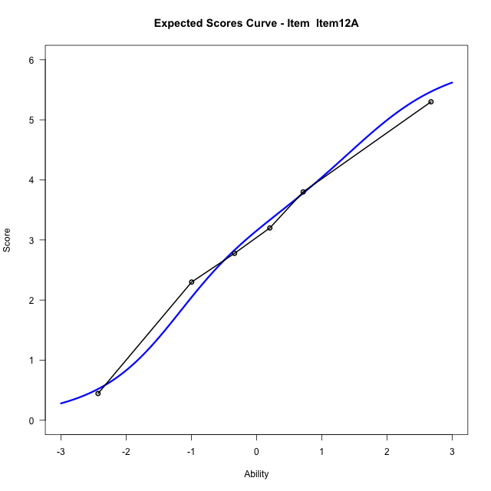
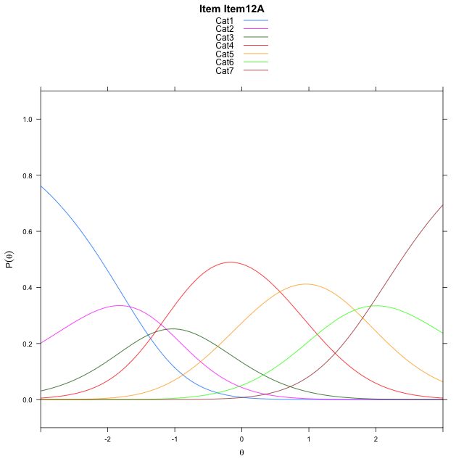
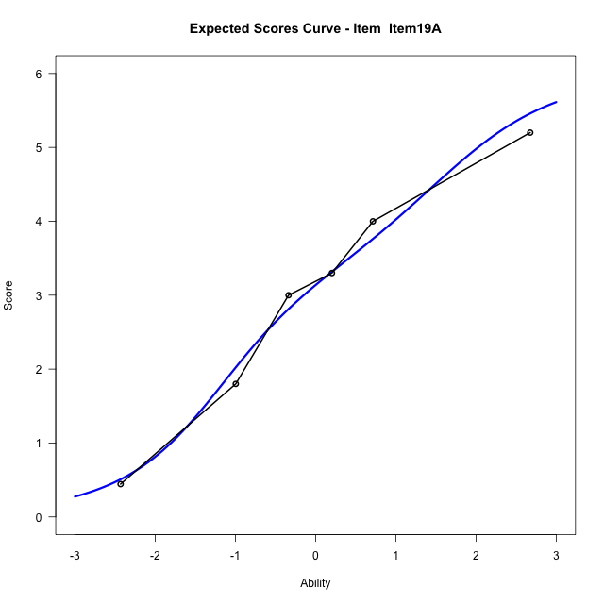
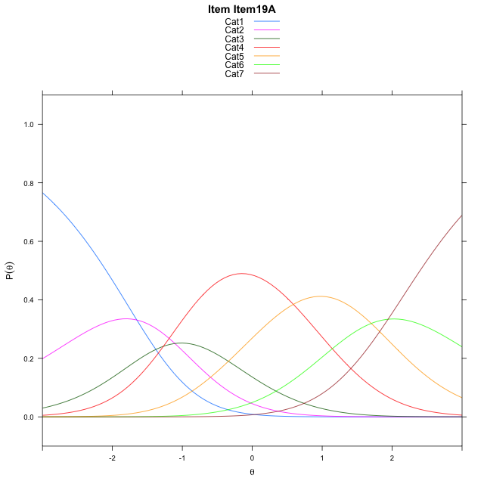
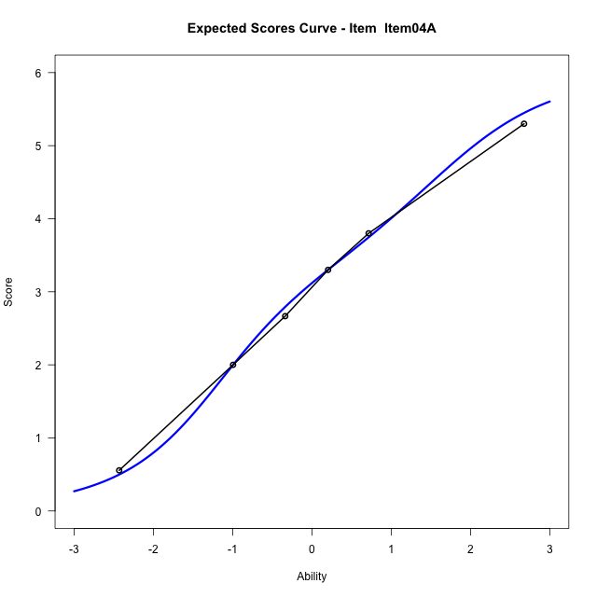
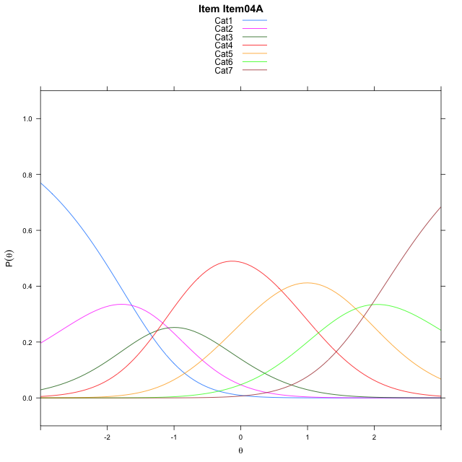
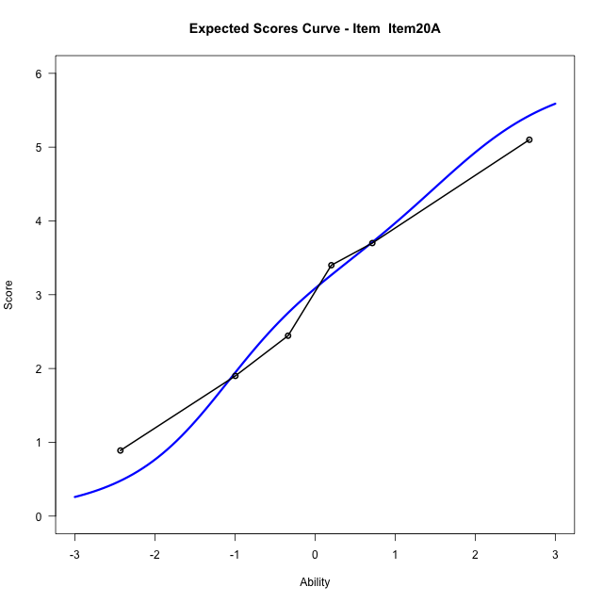

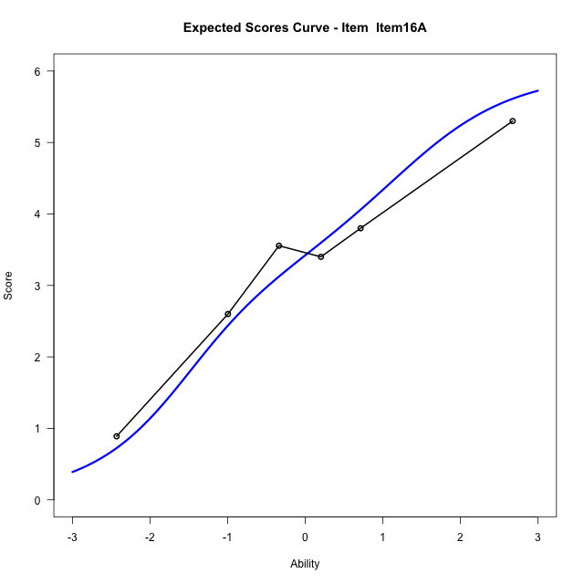
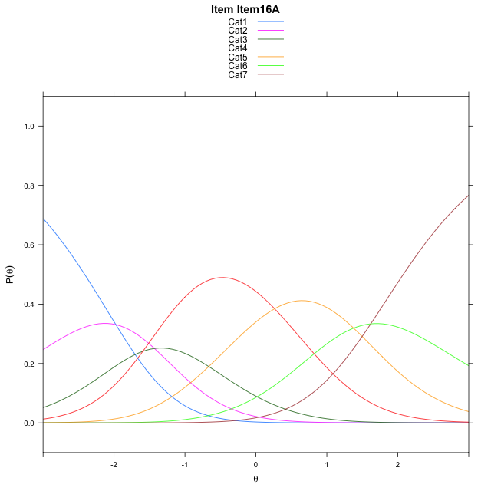
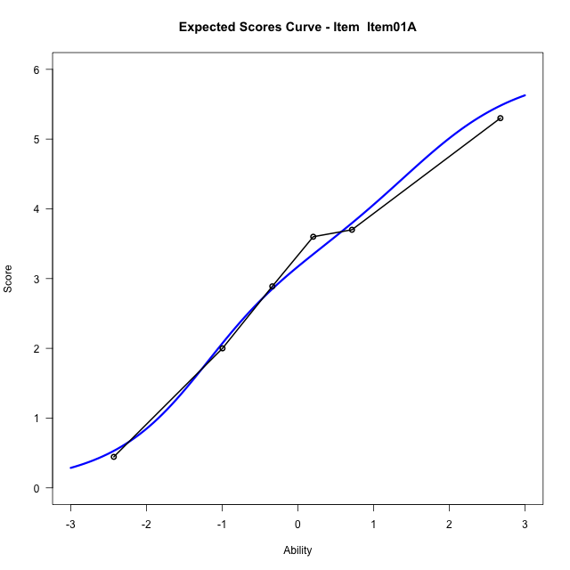

Estimate items information for the measurement model

Full Item Information
item | N | M | xsi.item | AXsi_.Cat1 | AXsi_.Cat2 | AXsi_.Cat3 | AXsi_.Cat4 | AXsi_.Cat5 | AXsi_.Cat6 | B.Cat1.Dim1 | B.Cat2.Dim1 | B.Cat3.Dim1 | B.Cat4.Dim1 | B.Cat5.Dim1 | B.Cat6.Dim1
Item12A | 58 | 3.0172413793 | 0.014994660589 | -1.6695817591 | -2.7950584961 | -4.0843320251 | -3.5158308495 | -1.8333619517 | 0.089967963531 | 1 | 2 | 3 | 4 | 5 | 6
Item19A | 58 | 3 | 0.033885182277 | -1.6506912374 | -2.7572774527 | -4.02766046 | -3.4402687627 | -1.7389093433 | 0.20331109366 | 1 | 2 | 3 | 4 | 5 | 6
Item04A | 58 | 2.9827586207 | 0.052757742808 | -1.6318186769 | -2.7195323317 | -3.9710427784 | -3.3647785206 | -1.6445465406 | 0.31654645685 | 1 | 2 | 3 | 4 | 5 | 6
Item20A | 58 | 2.9482758621 | 0.090449667148 | -1.5941267525 | -2.644148483 | -3.8579670054 | -3.2140108232 | -1.4560869189 | 0.54269800289 | 1 | 2 | 3 | 4 | 5 | 6
Item16A | 58 | 3.2931034483 | -0.28980166429 | -1.974378084 | -3.4046511458 | -4.9987209997 | -4.735016149 | -3.3573435761 | -1.7388099857 | 1 | 2 | 3 | 4 | 5 | 6
Item01A | 58 | 3.0344827586 | -0.0039139789456 | -1.6884903986 | -2.8328757752 | -4.1410579437 | -3.5914654076 | -1.9279051494 | -0.023483873673 | 1 | 2 | 3 | 4 | 5 | 6

Thurstonian Thresholds (category-wise)
 | Cat1 | Cat2 | Cat3 | Cat4 | Cat5 | Cat6
Item12A | -2.1085510254 | -1.3325500488 | -0.81509399414 | 0.45510864258 | 1.5171203613 | 2.3810119629
Item19A | -2.0895080566 | -1.3136901855 | -0.79623413086 | 0.47415161133 | 1.5359802246 | 2.3998718262
Item04A | -2.0706481934 | -1.2948303223 | -0.77737426758 | 0.49301147461 | 1.5548400879 | 2.4187316895
Item20A | -2.0331115723 | -1.2571105957 | -0.73965454102 | 0.53073120117 | 1.5925598145 | 2.456451416
Item16A | -2.4132385254 | -1.6374206543 | -1.1199645996 | 0.15042114258 | 1.2122497559 | 2.0763244629
Item01A | -2.1274108887 | -1.3515930176 | -0.83395385742 | 0.4362487793 | 1.498260498 | 2.3621520996

Thurstonian Thresholds (item-wise)
 | Threshold
Item12A | -0.1519398469
Item19A | -0.13402111825
Item04A | -0.11630003069
Item20A | -0.081450141457
Item16A | -0.46235159923
Item01A | -0.17005534352

Item Infit/Outfit Statistic
parameter | Outfit | Outfit_t | Outfit_p | Outfit_pholm | Infit | Infit_t | Infit_p | Infit_pholm
Item12A | 0.60778779649 | -2.0029804037 | 0.045179391901 | 0.40661452711 | 0.62965076253 | -2.1685699361 | 0.030115349699 | 0.21080744789
Item19A | 1.314583349 | 1.3476185653 | 0.17778109623 | 1 | 1.4405201975 | 2.0497077045 | 0.040392962736 | 0.24235777642
Item04A | 1.0255497062 | 0.15340790161 | 0.87807661406 | 1 | 1.079781204 | 0.43844289892 | 0.66106525452 | 1
Item20A | 1.0242811988 | 0.060838154605 | 0.9514881036 | 1 | 0.86093910767 | -0.70701317912 | 0.47955828779 | 1
Item16A | 0.95870918246 | -0.13931740969 | 0.88919933309 | 1 | 0.99365602961 | 0.014138456756 | 0.98871951946 | 1
Item01A | 1.0238673488 | 0.16490163854 | 0.86902140269 | 1 | 1.0923681425 | 0.50567781607 | 0.61308284405 | 1
Cat1 | 1.7201150737 | 0.87956000112 | 0.37909771539 | 1 | 1.6977528677 | 5.5709304946 | 2.5338240534E-08 | 2.7872064588E-07
Cat2 | 1.5152677787 | 0.77406238759 | 0.43889389859 | 1 | 1.5250079556 | 4.9546585034 | 7.2457431333E-07 | 7.2457431333E-06
Cat3 | 1.6931629984 | 1.1477286326 | 0.25108060718 | 1 | 1.2812466515 | 3.4777483336 | 0.00050564442597 | 0.0045507998337
Cat4 | 0.9711421722 | 10.91882502 | 9.370010284E-28 | 9.370010284E-27 | 1.1627429798 | 2.7398412995 | 0.0061468857154 | 0.049175085723
Cat5 | 0.7965097091 | 260.50794098 | 0 | 0 | 1.2487399318 | 1.7672676329 | 0.077183417736 | 0.38591708868

Box plot of expected curves

