Assumptions
ANOVA assumptions for Gains in Skill/Knowledge - Recursion

Shapiro-Wilk normality test for Gains in Skill/Knowledge - Recursion
W | p.value
0.98631564419 | 0.90202454568

Plots for normality test
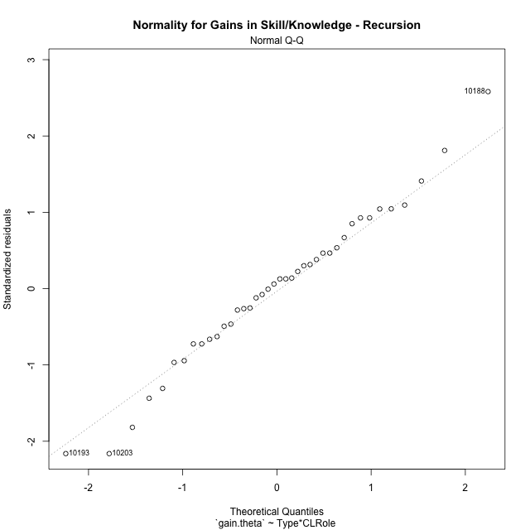

Levene's Test for Homogeneity of Variance in Gains in Skill/Knowledge - Recursion
Df | F value | Pr(>F)
3 | 2.7765121245 | 0.055195789603
36

Plots for homogeneity of variance
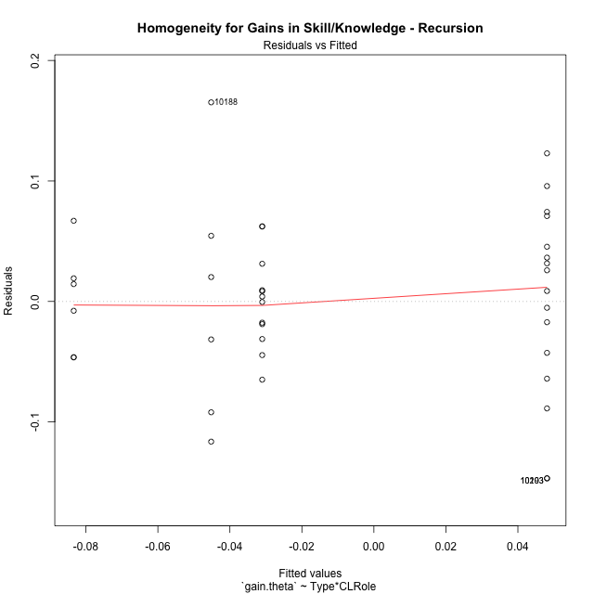

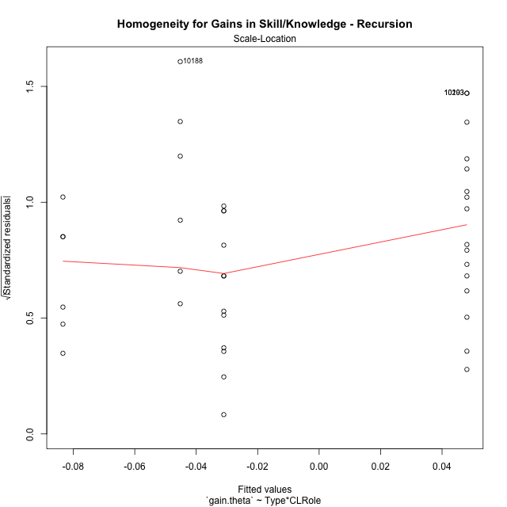

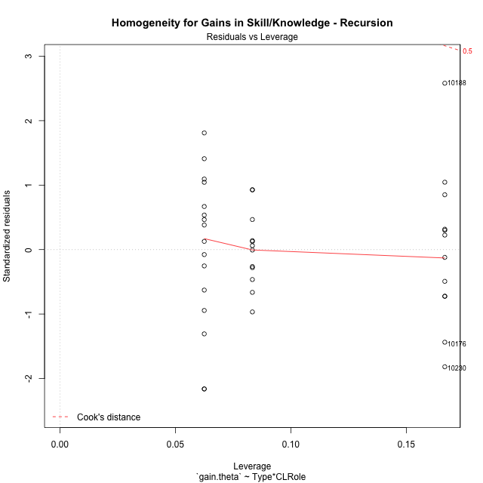

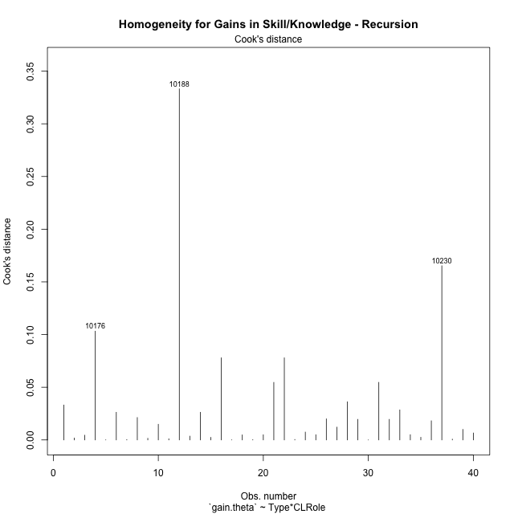

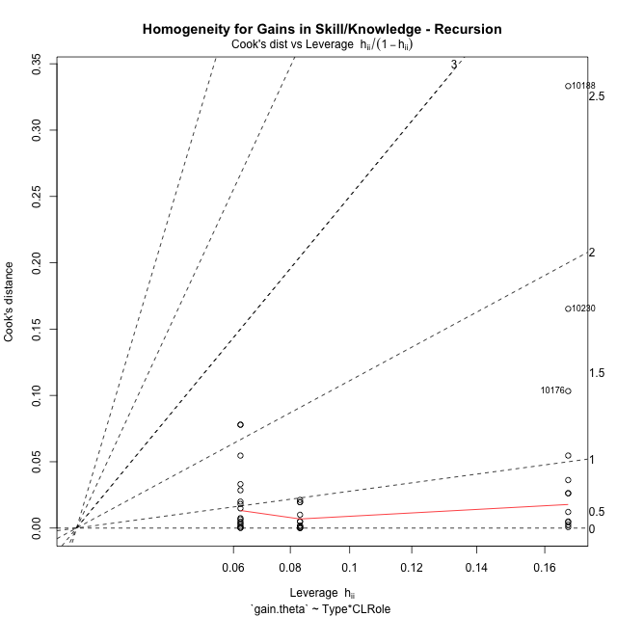

Minimum Sample Size Test for Gains in Skill/Knowledge - Recursion
Type | CLRole | Freq
ont-gamified | Apprentice | 16
w/o-gamified | Apprentice | 12
ont-gamified | Master | 6
w/o-gamified | Master | 6

Errors and Warnings in Sample Size Test for ANOVA in Gains in Skill/Knowledge - Recursion
code | description
WARN: sample.size | current size is 12 and recommended size is 15 for the group: 'w/o-gamified:Apprentice'.
WARN: sample.size | current size is 6 and recommended size is 15 for the group: 'ont-gamified:Master'.
WARN: sample.size | current size is 6 and recommended size is 15 for the group: 'w/o-gamified:Master'.

For the group: 'ont-gamified:Apprentice', you can perform a parametric test without having a normal distribution For the group: 'w/o-gamified:Apprentice', we recommend the use of non-parametric test. For the group: 'ont-gamified:Master', we recommend the use of non-parametric test. For the group: 'w/o-gamified:Master', we recommend the use of non-parametric test.

If you don't want to remove non-normal data, you must cite the following references: ... (1) Lix, L.M., J.C. Keselman, and H.J. Keselman. 1996. Consequences of assumption violations revisited: A quantitative review of alternatives to the one-way analysis of variance F test. Rev. Educ. Res. 66: 579-619. ... (2) Harwell, M.R., E.N. Rubinstein, W.S. Hayes, and C.C. Olds. 1992. Summarizing Monte Carlo results in methodological research: the one- and two-factor fixed effects ANOVA cases. J. Educ. Stat. 17: 315-339.

Post-hoc
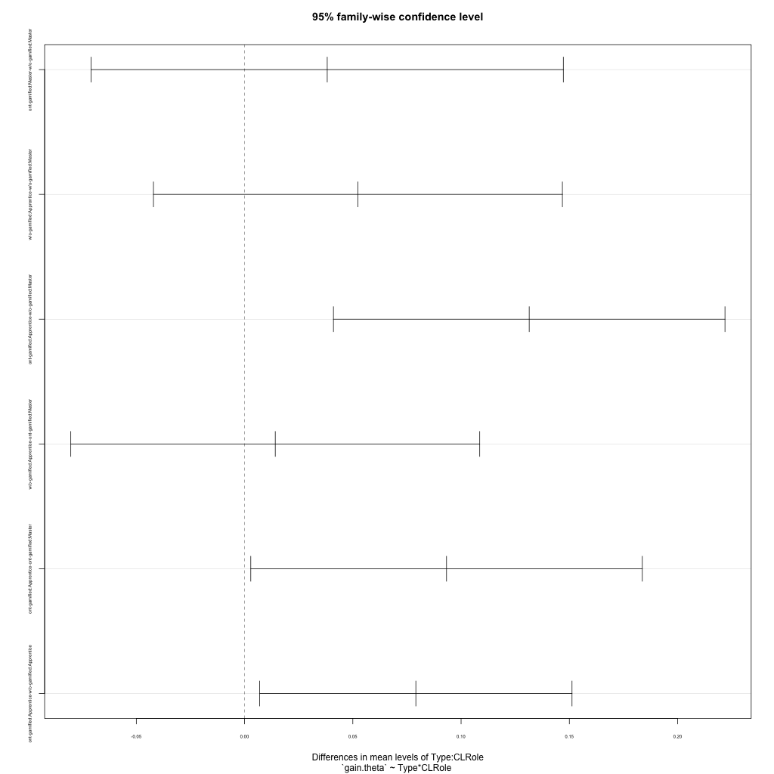
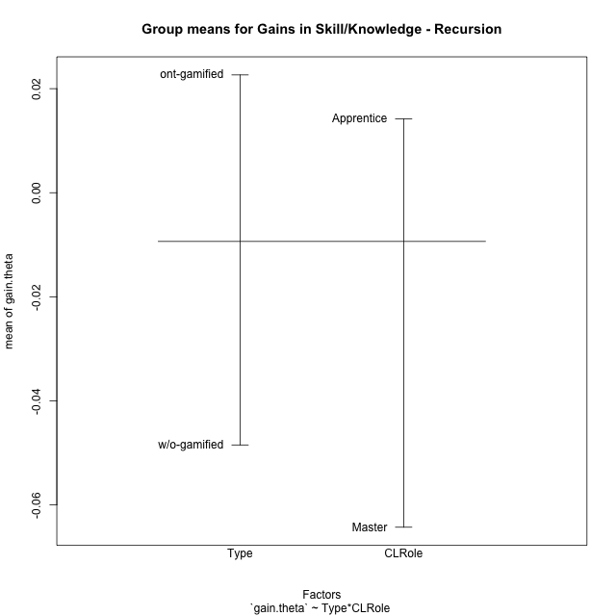
Post-hoc Tukey Honestly Significant Difference (HSD) Test for Gains in Skill/Knowledge - Recursion

Comparisons of means for Type
 | diff | lwr | upr | p adj
ont-gamified-w/o-gamified | 0.071118255778 | 0.025915401579 | 0.11632110998 | 0.0029389164701

Comparisons of means for CLRole
 | diff | lwr | upr | p adj
Apprentice-Master | 0.073390956356 | 0.024317820369 | 0.12246409234 | 0.0044713384184

Comparisons of means for Type:CLRole
 | diff | lwr | upr | p adj
ont-gamified:Master-w/o-gamified:Master | 0.038178151478 | -0.070867344836 | 0.14722364779 | 0.78204457234
w/o-gamified:Apprentice-w/o-gamified:Master | 0.052355425948 | -0.042080744028 | 0.14679159592 | 0.45204375812
ont-gamified:Apprentice-w/o-gamified:Master | 0.13146326868 | 0.041047519589 | 0.22187901776 | 0.0020904070739
w/o-gamified:Apprentice-ont-gamified:Master | 0.014177274471 | -0.080258895505 | 0.10861344445 | 0.97731220074
ont-gamified:Apprentice-ont-gamified:Master | 0.0932851172 | 0.0028693681117 | 0.18370086629 | 0.041012086865
ont-gamified:Apprentice-w/o-gamified:Apprentice | 0.079107842729 | 0.0069810265191 | 0.15123465894 | 0.026959145841

Contrast Matrices for Gains in Skill/Knowledge - Recursion - Type
contrast | estimate | SE | df | t.ratio | p.value
ont-gamified - w/o-gamified | 0.058642997103 | 0.024272174092 | 36 | 2.4160586884 | 0.020888579966

Contrast Matrices for Gains in Skill/Knowledge - Recursion - Type:CLRole
contrast | CLRole | estimate | SE | df | t.ratio | p.value
ont-gamified - w/o-gamified | Apprentice | 0.079107842729 | 0.026780814178 | 36 | 2.9538998405 | 0.0055003242942
ont-gamified - w/o-gamified | Master | 0.038178151478 | 0.04048878527 | 36 | 0.94293151111 | 0.35200126247

Least Squares Means and Confidence Intervals for Type
Type | lsmean | SE | df | lower.CL | upper.CL | Pairs
ont-gamified | 0.0014417895129 | 0.01678576362 | 36 | -0.032601316986 | 0.035484896012 | ont-gamified
w/o-gamified | -0.05720120759 | 0.017532158306 | 36 | -0.092758072675 | -0.021644342505 | w/o-gamified

Least Squares Means and Confidence Intervals for Type:CLRole
Type | CLRole | lsmean | SE | df | lower.CL | upper.CL | Pairs
ont-gamified | Apprentice | 0.048084348113 | 0.017532158306 | 36 | 0.012527483028 | 0.083641213198 | ont-gamified.Apprentice
w/o-gamified | Apprentice | -0.031023494616 | 0.020244392635 | 36 | -0.072081025873 | 0.010034036641 | w/o-gamified.Apprentice
ont-gamified | Master | -0.045200769087 | 0.028629894626 | 36 | -0.10326488663 | 0.012863348454 | ont-gamified.Master
w/o-gamified | Master | -0.083378920564 | 0.028629894626 | 36 | -0.14144303811 | -0.025314803024 | w/o-gamified.Master

Plots

Type_1
Student's t-Test for Gains in Skill/Knowledge - Recursion in Type between ont-gamified:w/o-gamified

Student's t-Test results
Alternative hypothesis: less
Group | N | Mean | Mean.Difference | Std.deviation | Std.error | CI.lower | CI.upper | df | t.value | p.value | g | magnitude
ont-gamified | 22 | 0.022642952513 | 0.071118255778 | 0.094833522672 | 0.020218574968 | -0.017794197424 | 0.063080102449 | 31.849265687 | 3.0888485704 | 0.99792659179 | 0.9038924811 | large
w/o-gamified | 18 | -0.048475303266 | -0.071118255778 | 0.046731265063 | 0.011014664806 | -0.070504632878 | -0.026445973653 | 31.849265687 | 3.0888485704 | 0.99792659179 | 0.9038924811 | large
Alternative hypothesis: greater
Group | N | Mean | Mean.Difference | Std.deviation | Std.error | CI.lower | CI.upper | df | t.value | p.value | g | magnitude
ont-gamified | 22 | 0.022642952513 | 0.071118255778 | 0.094833522672 | 0.020218574968 | -0.017794197424 | 0.063080102449 | 31.849265687 | 3.0888485704 | 0.0020734082126 | 0.9038924811 | large
w/o-gamified | 18 | -0.048475303266 | -0.071118255778 | 0.046731265063 | 0.011014664806 | -0.070504632878 | -0.026445973653 | 31.849265687 | 3.0888485704 | 0.0020734082126 | 0.9038924811 | large
Alternative hypothesis: two.sided
Group | N | Mean | Mean.Difference | Std.deviation | Std.error | CI.lower | CI.upper | df | t.value | p.value | g | magnitude
ont-gamified | 22 | 0.022642952513 | 0.071118255778 | 0.094833522672 | 0.020218574968 | -0.017794197424 | 0.063080102449 | 31.849265687 | 3.0888485704 | 0.0041468164253 | 0.9038924811 | large
w/o-gamified | 18 | -0.048475303266 | -0.071118255778 | 0.046731265063 | 0.011014664806 | -0.070504632878 | -0.026445973653 | 31.849265687 | 3.0888485704 | 0.0041468164253 | 0.9038924811 | large

Box plots for Student's t-Test
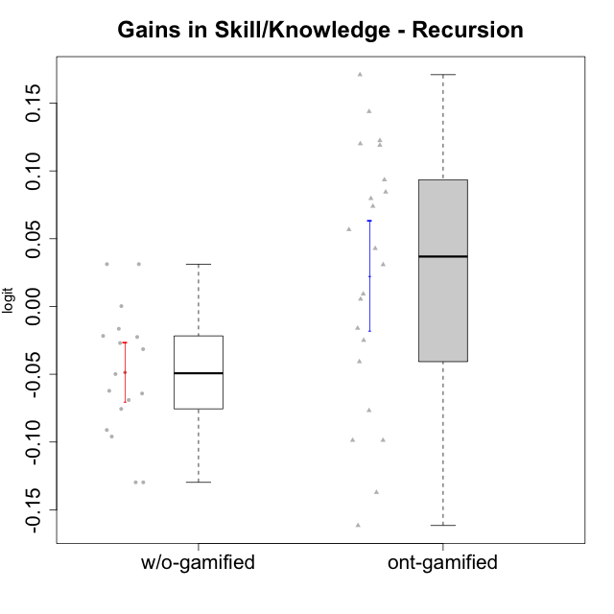

Student's t-Test data
UserID | NroUSP | Type | CLGroup | CLRole | PlayerRole | gain.theta
10169 | 10377538 | ont-gamified | Resistance | Apprentice | Social Achiever | 0.14382251678
10170 | 10260351 | w/o-gamified | Grupo11 | Apprentice |  | -0.049864248236
10174 | 10276852 | w/o-gamified | Grupo7 | Master |  | -0.064192799828
10176 | 10276949 | ont-gamified | Outlaws | Master | Social Achiever | -0.13718543611
10178 | 8656201 | ont-gamified | Outlaws | Apprentice | Social Achiever | 0.042823341376
10179 | 10310759 | w/o-gamified | Grupo10 | Master |  | -0.1297524583
10183 | 10352030 | w/o-gamified | Grupo3 | Apprentice |  | -0.02250697996
10184 | 10276675 | w/o-gamified | Grupo10 | Apprentice |  | -0.095965014603
10185 | 10276960 | w/o-gamified | Grupo9 | Apprentice |  | -0.048666718074
10186 | 10310551 | ont-gamified | Slayers | Apprentice | Social Achiever | -0.016039245213
10187 | 9790781 | ont-gamified | Mafia | Apprentice | Social Achiever | 0.030858045141
10188 | 10276995 | ont-gamified | Vandals | Master | Yee Achiever | 0.12005763951
10189 | 9363926 | ont-gamified | Vikings | Apprentice | Social Achiever | 0.079664872603
10191 | 10276981 | w/o-gamified | Grupo1 | Master |  | -0.1297524583
10192 | 10276682 | ont-gamified | Attractive Devils | Apprentice | Social Achiever | 0.073955968288
10193 | 10276762 | ont-gamified | Vandals | Apprentice | Yee Achiever | -0.098730699004
10197 | 10276661 | w/o-gamified | Grupo8 | Apprentice |  | -0.026955419662
10198 | 10310888 | ont-gamified | Attractive Devils | Apprentice | Social Achiever | 0.0844415178
10200 | 9795272 | ont-gamified | Warriors | Apprentice | Social Achiever | 0.056743372035
10201 | 10276928 | w/o-gamified | Grupo11 | Apprentice |  | -0.062221444254
10202 | 10277036 | ont-gamified | Silly Knights | Apprentice | Social Achiever | 0.17101026175
10203 | 9921470 | ont-gamified | Mercenaries | Apprentice | Social Achiever | -0.098730699004
10206 | 10310721 | w/o-gamified | Grupo8 | Apprentice |  | -0.021736265354
10209 | 10262669 | ont-gamified | Mafia | Apprentice | Social Achiever | 0.093459103907
10213 | 10277040 | w/o-gamified | Grupo7 | Apprentice |  | 0.00025589762936
10214 | 10277022 | ont-gamified | Vikings | Apprentice | Social Achiever | 0.12241265525
10215 | 9285227 | ont-gamified | Vikings | Master | Social Achiever | -0.07676191673
10216 | 10276720 | ont-gamified | Silly Knights | Master | Social Achiever | 0.0092634220038
10217 | 9805341 | w/o-gamified | Grupo9 | Apprentice |  | 0.031221491993
10218 | 9842913 | w/o-gamified | Grupo10 | Apprentice |  | -0.031490455225
10219 | 10276831 | w/o-gamified | Grupo3 | Master |  | -0.016447888608
10220 | 9760151 | w/o-gamified | Grupo3 | Apprentice |  | 0.031221491993
10221 | 9082496 | ont-gamified | Warriors | Apprentice | Social Achiever | -0.040712388154
10223 | 9795185 | ont-gamified | Slayers | Master | Social Achiever | -0.024982259368
10227 | 9274382 | w/o-gamified | Grupo5 | Master |  | -0.068996023635
10228 | 10310492 | ont-gamified | Resistance | Apprentice | Social Achiever | 0.11895737788
10230 | 10351992 | ont-gamified | Resistance | Master | Social Achiever | -0.16159606383
10231 | 10276911 | w/o-gamified | Grupo9 | Master |  | -0.091131894711
10232 | 10276974 | w/o-gamified | Grupo7 | Apprentice |  | -0.075574271641
10237 | 10377688 | ont-gamified | Outlaws | Apprentice | Social Achiever | 0.0054135683611

Type_CLRole_1
Student's t-Test for Gains in Skill/Knowledge - Recursion in Type:CLRole between ont-gamified.Apprentice:ont-gamified.Master

Student's t-Test results
Alternative hypothesis: less
Group | N | Mean | Mean.Difference | Std.deviation | Std.error | CI.lower | CI.upper | df | t.value | p.value | g | magnitude
ont-gamified.Apprentice | 16 | 0.048084348113 | 0.0932851172 | 0.080497558075 | 0.020124389519 | 0.007835569075 | 0.08833312715 | 7.3927648212 | 1.9912550645 | 0.95772222791 | 1.0332033794 | large
ont-gamified.Master | 6 | -0.045200769087 | -0.0932851172 | 0.10362492703 | 0.042304699308 | -0.1298101677 | 0.039408629528 | 7.3927648212 | 1.9912550645 | 0.95772222791 | 1.0332033794 | large
Alternative hypothesis: greater
Group | N | Mean | Mean.Difference | Std.deviation | Std.error | CI.lower | CI.upper | df | t.value | p.value | g | magnitude
ont-gamified.Apprentice | 16 | 0.048084348113 | 0.0932851172 | 0.080497558075 | 0.020124389519 | 0.007835569075 | 0.08833312715 | 7.3927648212 | 1.9912550645 | 0.042277772089 | 1.0332033794 | large
ont-gamified.Master | 6 | -0.045200769087 | -0.0932851172 | 0.10362492703 | 0.042304699308 | -0.1298101677 | 0.039408629528 | 7.3927648212 | 1.9912550645 | 0.042277772089 | 1.0332033794 | large
Alternative hypothesis: two.sided
Group | N | Mean | Mean.Difference | Std.deviation | Std.error | CI.lower | CI.upper | df | t.value | p.value | g | magnitude
ont-gamified.Apprentice | 16 | 0.048084348113 | 0.0932851172 | 0.080497558075 | 0.020124389519 | 0.007835569075 | 0.08833312715 | 7.3927648212 | 1.9912550645 | 0.084555544178 | 1.0332033794 | large
ont-gamified.Master | 6 | -0.045200769087 | -0.0932851172 | 0.10362492703 | 0.042304699308 | -0.1298101677 | 0.039408629528 | 7.3927648212 | 1.9912550645 | 0.084555544178 | 1.0332033794 | large

Box plots for Student's t-Test
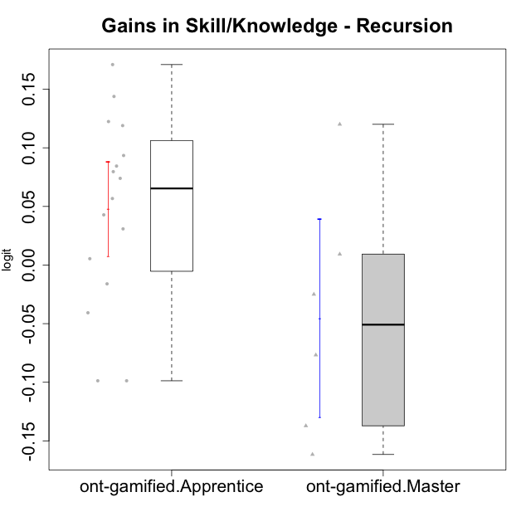

Student's t-Test data
UserID | NroUSP | Type | CLGroup | CLRole | PlayerRole | gain.theta
10169 | 10377538 | ont-gamified | Resistance | Apprentice | Social Achiever | 0.14382251678
10176 | 10276949 | ont-gamified | Outlaws | Master | Social Achiever | -0.13718543611
10178 | 8656201 | ont-gamified | Outlaws | Apprentice | Social Achiever | 0.042823341376
10186 | 10310551 | ont-gamified | Slayers | Apprentice | Social Achiever | -0.016039245213
10187 | 9790781 | ont-gamified | Mafia | Apprentice | Social Achiever | 0.030858045141
10188 | 10276995 | ont-gamified | Vandals | Master | Yee Achiever | 0.12005763951
10189 | 9363926 | ont-gamified | Vikings | Apprentice | Social Achiever | 0.079664872603
10192 | 10276682 | ont-gamified | Attractive Devils | Apprentice | Social Achiever | 0.073955968288
10193 | 10276762 | ont-gamified | Vandals | Apprentice | Yee Achiever | -0.098730699004
10198 | 10310888 | ont-gamified | Attractive Devils | Apprentice | Social Achiever | 0.0844415178
10200 | 9795272 | ont-gamified | Warriors | Apprentice | Social Achiever | 0.056743372035
10202 | 10277036 | ont-gamified | Silly Knights | Apprentice | Social Achiever | 0.17101026175
10203 | 9921470 | ont-gamified | Mercenaries | Apprentice | Social Achiever | -0.098730699004
10209 | 10262669 | ont-gamified | Mafia | Apprentice | Social Achiever | 0.093459103907
10214 | 10277022 | ont-gamified | Vikings | Apprentice | Social Achiever | 0.12241265525
10215 | 9285227 | ont-gamified | Vikings | Master | Social Achiever | -0.07676191673
10216 | 10276720 | ont-gamified | Silly Knights | Master | Social Achiever | 0.0092634220038
10221 | 9082496 | ont-gamified | Warriors | Apprentice | Social Achiever | -0.040712388154
10223 | 9795185 | ont-gamified | Slayers | Master | Social Achiever | -0.024982259368
10228 | 10310492 | ont-gamified | Resistance | Apprentice | Social Achiever | 0.11895737788
10230 | 10351992 | ont-gamified | Resistance | Master | Social Achiever | -0.16159606383
10237 | 10377688 | ont-gamified | Outlaws | Apprentice | Social Achiever | 0.0054135683611

Type_CLRole_2
Student's t-Test for Gains in Skill/Knowledge - Recursion in Type:CLRole between ont-gamified.Apprentice:w/o-gamified.Apprentice

Student's t-Test results
Alternative hypothesis: less
Group | N | Mean | Mean.Difference | Std.deviation | Std.error | CI.lower | CI.upper | df | t.value | p.value | g | magnitude
ont-gamified.Apprentice | 16 | 0.048084348113 | 0.079107842729 | 0.080497558075 | 0.020124389519 | 0.007835569075 | 0.08833312715 | 22.815917488 | 3.4302633834 | 0.99884830008 | 1.16018238 | large
w/o-gamified.Apprentice | 12 | -0.031023494616 | -0.079107842729 | 0.039015812849 | 0.011262895025 | -0.053549284667 | -0.0084977045652 | 22.815917488 | 3.4302633834 | 0.99884830008 | 1.16018238 | large
Alternative hypothesis: greater
Group | N | Mean | Mean.Difference | Std.deviation | Std.error | CI.lower | CI.upper | df | t.value | p.value | g | magnitude
ont-gamified.Apprentice | 16 | 0.048084348113 | 0.079107842729 | 0.080497558075 | 0.020124389519 | 0.007835569075 | 0.08833312715 | 22.815917488 | 3.4302633834 | 0.0011516999199 | 1.16018238 | large
w/o-gamified.Apprentice | 12 | -0.031023494616 | -0.079107842729 | 0.039015812849 | 0.011262895025 | -0.053549284667 | -0.0084977045652 | 22.815917488 | 3.4302633834 | 0.0011516999199 | 1.16018238 | large
Alternative hypothesis: two.sided
Group | N | Mean | Mean.Difference | Std.deviation | Std.error | CI.lower | CI.upper | df | t.value | p.value | g | magnitude
ont-gamified.Apprentice | 16 | 0.048084348113 | 0.079107842729 | 0.080497558075 | 0.020124389519 | 0.007835569075 | 0.08833312715 | 22.815917488 | 3.4302633834 | 0.0023033998398 | 1.16018238 | large
w/o-gamified.Apprentice | 12 | -0.031023494616 | -0.079107842729 | 0.039015812849 | 0.011262895025 | -0.053549284667 | -0.0084977045652 | 22.815917488 | 3.4302633834 | 0.0023033998398 | 1.16018238 | large

Box plots for Student's t-Test
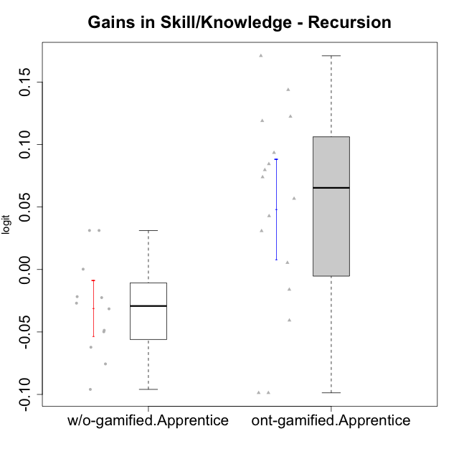

Student's t-Test data
UserID | NroUSP | Type | CLGroup | CLRole | PlayerRole | gain.theta
10169 | 10377538 | ont-gamified | Resistance | Apprentice | Social Achiever | 0.14382251678
10170 | 10260351 | w/o-gamified | Grupo11 | Apprentice |  | -0.049864248236
10178 | 8656201 | ont-gamified | Outlaws | Apprentice | Social Achiever | 0.042823341376
10183 | 10352030 | w/o-gamified | Grupo3 | Apprentice |  | -0.02250697996
10184 | 10276675 | w/o-gamified | Grupo10 | Apprentice |  | -0.095965014603
10185 | 10276960 | w/o-gamified | Grupo9 | Apprentice |  | -0.048666718074
10186 | 10310551 | ont-gamified | Slayers | Apprentice | Social Achiever | -0.016039245213
10187 | 9790781 | ont-gamified | Mafia | Apprentice | Social Achiever | 0.030858045141
10189 | 9363926 | ont-gamified | Vikings | Apprentice | Social Achiever | 0.079664872603
10192 | 10276682 | ont-gamified | Attractive Devils | Apprentice | Social Achiever | 0.073955968288
10193 | 10276762 | ont-gamified | Vandals | Apprentice | Yee Achiever | -0.098730699004
10197 | 10276661 | w/o-gamified | Grupo8 | Apprentice |  | -0.026955419662
10198 | 10310888 | ont-gamified | Attractive Devils | Apprentice | Social Achiever | 0.0844415178
10200 | 9795272 | ont-gamified | Warriors | Apprentice | Social Achiever | 0.056743372035
10201 | 10276928 | w/o-gamified | Grupo11 | Apprentice |  | -0.062221444254
10202 | 10277036 | ont-gamified | Silly Knights | Apprentice | Social Achiever | 0.17101026175
10203 | 9921470 | ont-gamified | Mercenaries | Apprentice | Social Achiever | -0.098730699004
10206 | 10310721 | w/o-gamified | Grupo8 | Apprentice |  | -0.021736265354
10209 | 10262669 | ont-gamified | Mafia | Apprentice | Social Achiever | 0.093459103907
10213 | 10277040 | w/o-gamified | Grupo7 | Apprentice |  | 0.00025589762936
10214 | 10277022 | ont-gamified | Vikings | Apprentice | Social Achiever | 0.12241265525
10217 | 9805341 | w/o-gamified | Grupo9 | Apprentice |  | 0.031221491993
10218 | 9842913 | w/o-gamified | Grupo10 | Apprentice |  | -0.031490455225
10220 | 9760151 | w/o-gamified | Grupo3 | Apprentice |  | 0.031221491993
10221 | 9082496 | ont-gamified | Warriors | Apprentice | Social Achiever | -0.040712388154
10228 | 10310492 | ont-gamified | Resistance | Apprentice | Social Achiever | 0.11895737788
10232 | 10276974 | w/o-gamified | Grupo7 | Apprentice |  | -0.075574271641
10237 | 10377688 | ont-gamified | Outlaws | Apprentice | Social Achiever | 0.0054135683611

Type_CLRole_3
Student's t-Test for Gains in Skill/Knowledge - Recursion in Type:CLRole between ont-gamified.Apprentice:w/o-gamified.Master

Student's t-Test results
Alternative hypothesis: less
Group | N | Mean | Mean.Difference | Std.deviation | Std.error | CI.lower | CI.upper | df | t.value | p.value | g | magnitude
ont-gamified.Apprentice | 16 | 0.048084348113 | 0.13146326868 | 0.080497558075 | 0.020124389519 | 0.007835569075 | 0.08833312715 | 16.86719045 | 4.9032540932 | 0.99993139731 | 1.7322054395 | large
w/o-gamified.Master | 6 | -0.083378920564 | -0.13146326868 | 0.043395521899 | 0.017716147629 | -0.11881121582 | -0.047946625306 | 16.86719045 | 4.9032540932 | 0.99993139731 | 1.7322054395 | large
Alternative hypothesis: greater
Group | N | Mean | Mean.Difference | Std.deviation | Std.error | CI.lower | CI.upper | df | t.value | p.value | g | magnitude
ont-gamified.Apprentice | 16 | 0.048084348113 | 0.13146326868 | 0.080497558075 | 0.020124389519 | 0.007835569075 | 0.08833312715 | 16.86719045 | 4.9032540932 | 6.8602693145E-05 | 1.7322054395 | large
w/o-gamified.Master | 6 | -0.083378920564 | -0.13146326868 | 0.043395521899 | 0.017716147629 | -0.11881121582 | -0.047946625306 | 16.86719045 | 4.9032540932 | 6.8602693145E-05 | 1.7322054395 | large
Alternative hypothesis: two.sided
Group | N | Mean | Mean.Difference | Std.deviation | Std.error | CI.lower | CI.upper | df | t.value | p.value | g | magnitude
ont-gamified.Apprentice | 16 | 0.048084348113 | 0.13146326868 | 0.080497558075 | 0.020124389519 | 0.007835569075 | 0.08833312715 | 16.86719045 | 4.9032540932 | 0.00013720538629 | 1.7322054395 | large
w/o-gamified.Master | 6 | -0.083378920564 | -0.13146326868 | 0.043395521899 | 0.017716147629 | -0.11881121582 | -0.047946625306 | 16.86719045 | 4.9032540932 | 0.00013720538629 | 1.7322054395 | large

Box plots for Student's t-Test
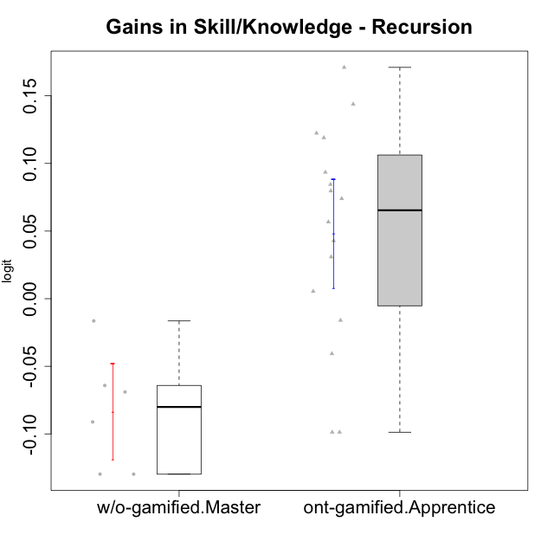

Student's t-Test data
UserID | NroUSP | Type | CLGroup | CLRole | PlayerRole | gain.theta
10169 | 10377538 | ont-gamified | Resistance | Apprentice | Social Achiever | 0.14382251678
10174 | 10276852 | w/o-gamified | Grupo7 | Master |  | -0.064192799828
10178 | 8656201 | ont-gamified | Outlaws | Apprentice | Social Achiever | 0.042823341376
10179 | 10310759 | w/o-gamified | Grupo10 | Master |  | -0.1297524583
10186 | 10310551 | ont-gamified | Slayers | Apprentice | Social Achiever | -0.016039245213
10187 | 9790781 | ont-gamified | Mafia | Apprentice | Social Achiever | 0.030858045141
10189 | 9363926 | ont-gamified | Vikings | Apprentice | Social Achiever | 0.079664872603
10191 | 10276981 | w/o-gamified | Grupo1 | Master |  | -0.1297524583
10192 | 10276682 | ont-gamified | Attractive Devils | Apprentice | Social Achiever | 0.073955968288
10193 | 10276762 | ont-gamified | Vandals | Apprentice | Yee Achiever | -0.098730699004
10198 | 10310888 | ont-gamified | Attractive Devils | Apprentice | Social Achiever | 0.0844415178
10200 | 9795272 | ont-gamified | Warriors | Apprentice | Social Achiever | 0.056743372035
10202 | 10277036 | ont-gamified | Silly Knights | Apprentice | Social Achiever | 0.17101026175
10203 | 9921470 | ont-gamified | Mercenaries | Apprentice | Social Achiever | -0.098730699004
10209 | 10262669 | ont-gamified | Mafia | Apprentice | Social Achiever | 0.093459103907
10214 | 10277022 | ont-gamified | Vikings | Apprentice | Social Achiever | 0.12241265525
10219 | 10276831 | w/o-gamified | Grupo3 | Master |  | -0.016447888608
10221 | 9082496 | ont-gamified | Warriors | Apprentice | Social Achiever | -0.040712388154
10227 | 9274382 | w/o-gamified | Grupo5 | Master |  | -0.068996023635
10228 | 10310492 | ont-gamified | Resistance | Apprentice | Social Achiever | 0.11895737788
10231 | 10276911 | w/o-gamified | Grupo9 | Master |  | -0.091131894711
10237 | 10377688 | ont-gamified | Outlaws | Apprentice | Social Achiever | 0.0054135683611

Type_CLRole_4
Student's t-Test for Gains in Skill/Knowledge - Recursion in Type:CLRole between ont-gamified.Master:w/o-gamified.Apprentice

Student's t-Test results
Alternative hypothesis: less
Group | N | Mean | Mean.Difference | Std.deviation | Std.error | CI.lower | CI.upper | df | t.value | p.value | g | magnitude
ont-gamified.Master | 6 | -0.045200769087 | -0.014177274471 | 0.10362492703 | 0.042304699308 | -0.1298101677 | 0.039408629528 | 5.7208541346 | -0.32384243735 | 0.37878365945 | -0.20350194794 | small
w/o-gamified.Apprentice | 12 | -0.031023494616 | 0.014177274471 | 0.039015812849 | 0.011262895025 | -0.053549284667 | -0.0084977045652 | 5.7208541346 | -0.32384243735 | 0.37878365945 | -0.20350194794 | small
Alternative hypothesis: greater
Group | N | Mean | Mean.Difference | Std.deviation | Std.error | CI.lower | CI.upper | df | t.value | p.value | g | magnitude
ont-gamified.Master | 6 | -0.045200769087 | -0.014177274471 | 0.10362492703 | 0.042304699308 | -0.1298101677 | 0.039408629528 | 5.7208541346 | -0.32384243735 | 0.62121634055 | -0.20350194794 | small
w/o-gamified.Apprentice | 12 | -0.031023494616 | 0.014177274471 | 0.039015812849 | 0.011262895025 | -0.053549284667 | -0.0084977045652 | 5.7208541346 | -0.32384243735 | 0.62121634055 | -0.20350194794 | small
Alternative hypothesis: two.sided
Group | N | Mean | Mean.Difference | Std.deviation | Std.error | CI.lower | CI.upper | df | t.value | p.value | g | magnitude
ont-gamified.Master | 6 | -0.045200769087 | -0.014177274471 | 0.10362492703 | 0.042304699308 | -0.1298101677 | 0.039408629528 | 5.7208541346 | -0.32384243735 | 0.7575673189 | -0.20350194794 | small
w/o-gamified.Apprentice | 12 | -0.031023494616 | 0.014177274471 | 0.039015812849 | 0.011262895025 | -0.053549284667 | -0.0084977045652 | 5.7208541346 | -0.32384243735 | 0.7575673189 | -0.20350194794 | small

Box plots for Student's t-Test
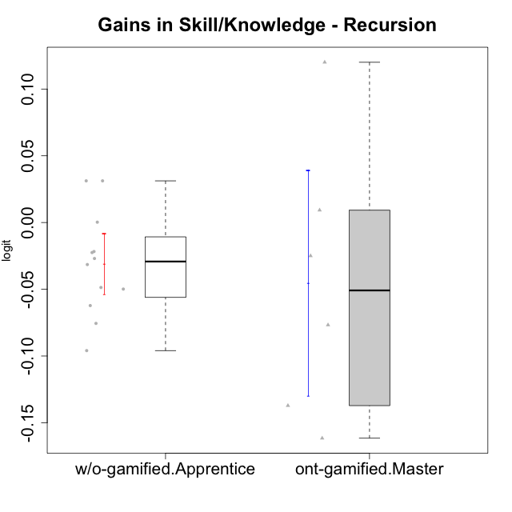

Student's t-Test data
UserID | NroUSP | Type | CLGroup | CLRole | PlayerRole | gain.theta
10170 | 10260351 | w/o-gamified | Grupo11 | Apprentice |  | -0.049864248236
10176 | 10276949 | ont-gamified | Outlaws | Master | Social Achiever | -0.13718543611
10183 | 10352030 | w/o-gamified | Grupo3 | Apprentice |  | -0.02250697996
10184 | 10276675 | w/o-gamified | Grupo10 | Apprentice |  | -0.095965014603
10185 | 10276960 | w/o-gamified | Grupo9 | Apprentice |  | -0.048666718074
10188 | 10276995 | ont-gamified | Vandals | Master | Yee Achiever | 0.12005763951
10197 | 10276661 | w/o-gamified | Grupo8 | Apprentice |  | -0.026955419662
10201 | 10276928 | w/o-gamified | Grupo11 | Apprentice |  | -0.062221444254
10206 | 10310721 | w/o-gamified | Grupo8 | Apprentice |  | -0.021736265354
10213 | 10277040 | w/o-gamified | Grupo7 | Apprentice |  | 0.00025589762936
10215 | 9285227 | ont-gamified | Vikings | Master | Social Achiever | -0.07676191673
10216 | 10276720 | ont-gamified | Silly Knights | Master | Social Achiever | 0.0092634220038
10217 | 9805341 | w/o-gamified | Grupo9 | Apprentice |  | 0.031221491993
10218 | 9842913 | w/o-gamified | Grupo10 | Apprentice |  | -0.031490455225
10220 | 9760151 | w/o-gamified | Grupo3 | Apprentice |  | 0.031221491993
10223 | 9795185 | ont-gamified | Slayers | Master | Social Achiever | -0.024982259368
10230 | 10351992 | ont-gamified | Resistance | Master | Social Achiever | -0.16159606383
10232 | 10276974 | w/o-gamified | Grupo7 | Apprentice |  | -0.075574271641

Type_CLRole_5
Student's t-Test for Gains in Skill/Knowledge - Recursion in Type:CLRole between ont-gamified.Master:w/o-gamified.Master

Student's t-Test results
Alternative hypothesis: less
Group | N | Mean | Mean.Difference | Std.deviation | Std.error | CI.lower | CI.upper | df | t.value | p.value | g | magnitude
ont-gamified.Master | 6 | -0.045200769087 | 0.038178151478 | 0.10362492703 | 0.042304699308 | -0.1298101677 | 0.039408629528 | 6.7013971372 | 0.83241238218 | 0.78308296344 | 0.44362478117 | small
w/o-gamified.Master | 6 | -0.083378920564 | -0.038178151478 | 0.043395521899 | 0.017716147629 | -0.11881121582 | -0.047946625306 | 6.7013971372 | 0.83241238218 | 0.78308296344 | 0.44362478117 | small
Alternative hypothesis: greater
Group | N | Mean | Mean.Difference | Std.deviation | Std.error | CI.lower | CI.upper | df | t.value | p.value | g | magnitude
ont-gamified.Master | 6 | -0.045200769087 | 0.038178151478 | 0.10362492703 | 0.042304699308 | -0.1298101677 | 0.039408629528 | 6.7013971372 | 0.83241238218 | 0.21691703656 | 0.44362478117 | small
w/o-gamified.Master | 6 | -0.083378920564 | -0.038178151478 | 0.043395521899 | 0.017716147629 | -0.11881121582 | -0.047946625306 | 6.7013971372 | 0.83241238218 | 0.21691703656 | 0.44362478117 | small
Alternative hypothesis: two.sided
Group | N | Mean | Mean.Difference | Std.deviation | Std.error | CI.lower | CI.upper | df | t.value | p.value | g | magnitude
ont-gamified.Master | 6 | -0.045200769087 | 0.038178151478 | 0.10362492703 | 0.042304699308 | -0.1298101677 | 0.039408629528 | 6.7013971372 | 0.83241238218 | 0.43383407313 | 0.44362478117 | small
w/o-gamified.Master | 6 | -0.083378920564 | -0.038178151478 | 0.043395521899 | 0.017716147629 | -0.11881121582 | -0.047946625306 | 6.7013971372 | 0.83241238218 | 0.43383407313 | 0.44362478117 | small

Box plots for Student's t-Test
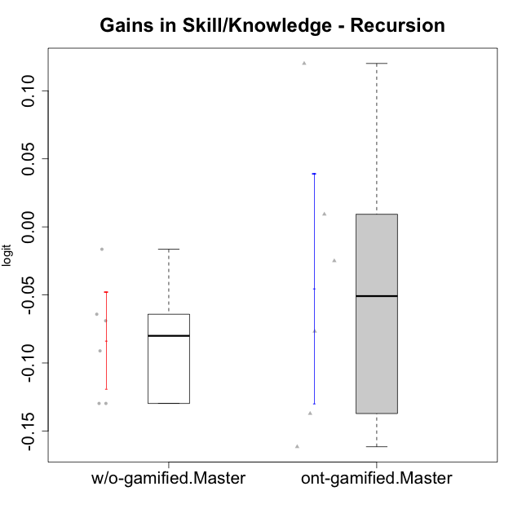

Student's t-Test data
UserID | NroUSP | Type | CLGroup | CLRole | PlayerRole | gain.theta
10174 | 10276852 | w/o-gamified | Grupo7 | Master |  | -0.064192799828
10176 | 10276949 | ont-gamified | Outlaws | Master | Social Achiever | -0.13718543611
10179 | 10310759 | w/o-gamified | Grupo10 | Master |  | -0.1297524583
10188 | 10276995 | ont-gamified | Vandals | Master | Yee Achiever | 0.12005763951
10191 | 10276981 | w/o-gamified | Grupo1 | Master |  | -0.1297524583
10215 | 9285227 | ont-gamified | Vikings | Master | Social Achiever | -0.07676191673
10216 | 10276720 | ont-gamified | Silly Knights | Master | Social Achiever | 0.0092634220038
10219 | 10276831 | w/o-gamified | Grupo3 | Master |  | -0.016447888608
10223 | 9795185 | ont-gamified | Slayers | Master | Social Achiever | -0.024982259368
10227 | 9274382 | w/o-gamified | Grupo5 | Master |  | -0.068996023635
10230 | 10351992 | ont-gamified | Resistance | Master | Social Achiever | -0.16159606383
10231 | 10276911 | w/o-gamified | Grupo9 | Master |  | -0.091131894711

Type_CLRole_6
Student's t-Test for Gains in Skill/Knowledge - Recursion in Type:CLRole between w/o-gamified.Apprentice:w/o-gamified.Master

Student's t-Test results
Alternative hypothesis: less
Group | N | Mean | Mean.Difference | Std.deviation | Std.error | CI.lower | CI.upper | df | t.value | p.value | g | magnitude
w/o-gamified.Apprentice | 12 | -0.031023494616 | 0.052355425948 | 0.039015812849 | 0.011262895025 | -0.053549284667 | -0.0084977045652 | 9.1770324977 | 2.4939223844 | 0.98313508091 | 1.2331331619 | large
w/o-gamified.Master | 6 | -0.083378920564 | -0.052355425948 | 0.043395521899 | 0.017716147629 | -0.11881121582 | -0.047946625306 | 9.1770324977 | 2.4939223844 | 0.98313508091 | 1.2331331619 | large
Alternative hypothesis: greater
Group | N | Mean | Mean.Difference | Std.deviation | Std.error | CI.lower | CI.upper | df | t.value | p.value | g | magnitude
w/o-gamified.Apprentice | 12 | -0.031023494616 | 0.052355425948 | 0.039015812849 | 0.011262895025 | -0.053549284667 | -0.0084977045652 | 9.1770324977 | 2.4939223844 | 0.01686491909 | 1.2331331619 | large
w/o-gamified.Master | 6 | -0.083378920564 | -0.052355425948 | 0.043395521899 | 0.017716147629 | -0.11881121582 | -0.047946625306 | 9.1770324977 | 2.4939223844 | 0.01686491909 | 1.2331331619 | large
Alternative hypothesis: two.sided
Group | N | Mean | Mean.Difference | Std.deviation | Std.error | CI.lower | CI.upper | df | t.value | p.value | g | magnitude
w/o-gamified.Apprentice | 12 | -0.031023494616 | 0.052355425948 | 0.039015812849 | 0.011262895025 | -0.053549284667 | -0.0084977045652 | 9.1770324977 | 2.4939223844 | 0.033729838181 | 1.2331331619 | large
w/o-gamified.Master | 6 | -0.083378920564 | -0.052355425948 | 0.043395521899 | 0.017716147629 | -0.11881121582 | -0.047946625306 | 9.1770324977 | 2.4939223844 | 0.033729838181 | 1.2331331619 | large

Box plots for Student's t-Test
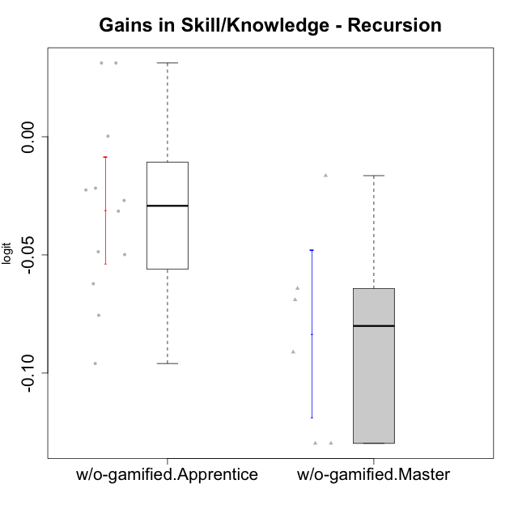

Student's t-Test data
UserID | NroUSP | Type | CLGroup | CLRole | PlayerRole | gain.theta
10170 | 10260351 | w/o-gamified | Grupo11 | Apprentice |  | -0.049864248236
10174 | 10276852 | w/o-gamified | Grupo7 | Master |  | -0.064192799828
10179 | 10310759 | w/o-gamified | Grupo10 | Master |  | -0.1297524583
10183 | 10352030 | w/o-gamified | Grupo3 | Apprentice |  | -0.02250697996
10184 | 10276675 | w/o-gamified | Grupo10 | Apprentice |  | -0.095965014603
10185 | 10276960 | w/o-gamified | Grupo9 | Apprentice |  | -0.048666718074
10191 | 10276981 | w/o-gamified | Grupo1 | Master |  | -0.1297524583
10197 | 10276661 | w/o-gamified | Grupo8 | Apprentice |  | -0.026955419662
10201 | 10276928 | w/o-gamified | Grupo11 | Apprentice |  | -0.062221444254
10206 | 10310721 | w/o-gamified | Grupo8 | Apprentice |  | -0.021736265354
10213 | 10277040 | w/o-gamified | Grupo7 | Apprentice |  | 0.00025589762936
10217 | 9805341 | w/o-gamified | Grupo9 | Apprentice |  | 0.031221491993
10218 | 9842913 | w/o-gamified | Grupo10 | Apprentice |  | -0.031490455225
10219 | 10276831 | w/o-gamified | Grupo3 | Master |  | -0.016447888608
10220 | 9760151 | w/o-gamified | Grupo3 | Apprentice |  | 0.031221491993
10227 | 9274382 | w/o-gamified | Grupo5 | Master |  | -0.068996023635
10231 | 10276911 | w/o-gamified | Grupo9 | Master |  | -0.091131894711
10232 | 10276974 | w/o-gamified | Grupo7 | Apprentice |  | -0.075574271641

