Type_1
Wilcoxon Analysis for Gains in Skill/Knowledge - Recursion in Type between ont-gamified:w/o-gamified

Wilcoxon test results
Alternative hypothesis: less
Group | N | Median | Mean.Ranks | Sum.Ranks | U | Z | p.value | r | magnitude
ont-gamified | 23 | 0.042823341376 | 30.456521739 | 700.5 | 424.5 | 2.5142579609 | 0.99457397432 | 0.35917970869 | medium
w/o-gamified | 26 | -0.040078586649 | 20.173076923 | 524.5 | 424.5 | 2.5142579609 | 0.99457397432 | 0.35917970869 | medium
Alternative hypothesis: greater
Group | N | Median | Mean.Ranks | Sum.Ranks | U | Z | p.value | r | magnitude
ont-gamified | 23 | 0.042823341376 | 30.456521739 | 700.5 | 424.5 | 2.5142579609 | 0.0055890046837 | 0.35917970869 | medium
w/o-gamified | 26 | -0.040078586649 | 20.173076923 | 524.5 | 424.5 | 2.5142579609 | 0.0055890046837 | 0.35917970869 | medium
Alternative hypothesis: two.sided
Group | N | Median | Mean.Ranks | Sum.Ranks | U | Z | p.value | r | magnitude
ont-gamified | 23 | 0.042823341376 | 30.456521739 | 700.5 | 424.5 | 2.5142579609 | 0.011171377554 | 0.35917970869 | medium
w/o-gamified | 26 | -0.040078586649 | 20.173076923 | 524.5 | 424.5 | 2.5142579609 | 0.011171377554 | 0.35917970869 | medium

Box plots for wilcoxon tests
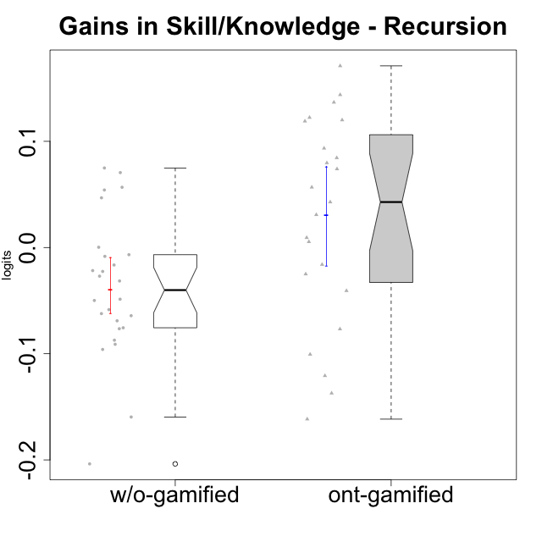

Wilcoxon data
UserID | NroUSP | Type | CLGroup | CLRole | PlayerRole | pre.theta | pos.theta | gain.theta
10169 | 10377538 | ont-gamified | Resistance | Apprentice | Social Achiever | -0.088263056797 | 0.055559459983 | 0.14382251678
10170 | 10260351 | w/o-gamified | Grupo11 | Apprentice |  | 0.028216192636 | -0.0216480556 | -0.049864248236
10172 | 10273971 | w/o-gamified | Grupo5 | Apprentice |  | 0.0046865339758 | -0.082558172865 | -0.087244706841
10174 | 10276852 | w/o-gamified | Grupo7 | Master |  | 0.041045326584 | -0.023147473244 | -0.064192799828
10175 | 10310700 | ont-gamified | Warriors | Master | Social Achiever | 0.048999380123 | 0.18570911857 | 0.13670973845
10176 | 10276949 | ont-gamified | Outlaws | Master | Social Achiever | 0.10250313061 | -0.034682305502 | -0.13718543611
10178 | 8656201 | ont-gamified | Outlaws | Apprentice | Social Achiever | -0.032285136791 | 0.010538204585 | 0.042823341376
10179 | 10310759 | w/o-gamified | Grupo10 | Master |  | 0.19456974764 | -0.0091653174949 | -0.20373506513
10181 | 10276866 | w/o-gamified | Grupo2 | Apprentice |  | -0.060817555569 | 0.014099493844 | 0.074917049413
10183 | 10352030 | w/o-gamified | Grupo3 | Apprentice |  | 0.0046865339758 | -0.017820445984 | -0.02250697996
10184 | 10276675 | w/o-gamified | Grupo10 | Apprentice |  | 0.074316959003 | -0.0216480556 | -0.095965014603
10185 | 10276960 | w/o-gamified | Grupo9 | Apprentice |  | 0.033289417599 | -0.015377300475 | -0.048666718074
10186 | 10310551 | ont-gamified | Slayers | Apprentice | Social Achiever | 0.023211839876 | 0.0071725946627 | -0.016039245213
10187 | 9790781 | ont-gamified | Mafia | Apprentice | Social Achiever | -0.032285136791 | -0.0014270916492 | 0.030858045141
10188 | 10276995 | ont-gamified | Vandals | Master | Yee Achiever | 0.015816941873 | 0.13587458139 | 0.12005763951
10189 | 9363926 | ont-gamified | Vikings | Apprentice | Social Achiever | -0.11932246898 | -0.039657596382 | 0.079664872603
10190 | 10276907 | w/o-gamified | Grupo4 | Apprentice |  | -0.03475198657 | -0.093238627961 | -0.058486641391
10191 | 10276981 | w/o-gamified | Grupo1 | Master |  | 0.11274919366 | -0.046830349317 | -0.15957954297
10192 | 10276682 | ont-gamified | Attractive Devils | Apprentice | Social Achiever | 0.028216192636 | 0.10217216092 | 0.073955968288
10193 | 10276762 | ont-gamified | Vandals | Apprentice | Yee Achiever | 0.020733010568 | -0.079886007277 | -0.10061901785
10197 | 10276661 | w/o-gamified | Grupo8 | Apprentice |  | 0.033289417599 | 0.0063339979366 | -0.026955419662
10198 | 10310888 | ont-gamified | Attractive Devils | Apprentice | Social Achiever | -0.058051886884 | 0.026389630916 | 0.0844415178
10200 | 9795272 | ont-gamified | Warriors | Apprentice | Social Achiever | -0.03475198657 | 0.021991385465 | 0.056743372035
10201 | 10276928 | w/o-gamified | Grupo11 | Apprentice |  | 0.048999380123 | -0.013222064131 | -0.062221444254
10202 | 10277036 | ont-gamified | Silly Knights | Apprentice | Social Achiever | -0.081664670782 | 0.089345590966 | 0.17101026175
10203 | 9921470 | ont-gamified | Mercenaries | Apprentice | Social Achiever | 0.035854287992 | -0.084895524688 | -0.12074981268
10204 | 10310471 | w/o-gamified | Grupo6 | Apprentice |  | -0.052658898906 | 0.017894859647 | 0.070553758553
10206 | 10310721 | w/o-gamified | Grupo8 | Apprentice |  | 0.025705899505 | 0.0039696341505 | -0.021736265354
10209 | 10262669 | ont-gamified | Mafia | Apprentice | Social Achiever | 0.062767376348 | 0.15622648026 | 0.093459103907
10210 | 10277015 | w/o-gamified | Grupo6 | Apprentice |  | 0.028216192636 | 0.019900977959 | -0.0083152146769
10213 | 10277040 | w/o-gamified | Grupo7 | Apprentice |  | 0.0037137365212 | 0.0039696341505 | 0.00025589762936
10214 | 10277022 | ont-gamified | Vikings | Apprentice | Social Achiever | -0.11932246898 | 0.0030901862703 | 0.12241265525
10215 | 9285227 | ont-gamified | Vikings | Master | Social Achiever | 0.043673393797 | -0.033088522932 | -0.07676191673
10216 | 10276720 | ont-gamified | Silly Knights | Master | Social Achiever | 0.041045326584 | 0.050308748587 | 0.0092634220038
10217 | 9805341 | w/o-gamified | Grupo9 | Apprentice |  | 0.057197334608 | 0.10402590868 | 0.046828574075
10218 | 9842913 | w/o-gamified | Grupo10 | Apprentice |  | 0.018268391094 | -0.013222064131 | -0.031490455225
10219 | 10276831 | w/o-gamified | Grupo3 | Master |  | 0.038439274073 | 0.021991385465 | -0.016447888608
10220 | 9760151 | w/o-gamified | Grupo3 | Apprentice |  | -0.03475198657 | 0.021991385465 | 0.056743372035
10221 | 9082496 | ont-gamified | Warriors | Apprentice | Social Achiever | -0.098900835058 | -0.13961322321 | -0.040712388154
10223 | 9795185 | ont-gamified | Slayers | Master | Social Achiever | 0.015816941873 | -0.0091653174949 | -0.024982259368
10226 | 10310342 | w/o-gamified | Grupo4 | Apprentice |  | -0.049516843787 | 0.0046563302807 | 0.054173174068
10227 | 9274382 | w/o-gamified | Grupo5 | Master |  | 0.023211839876 | -0.045784183759 | -0.068996023635
10228 | 10310492 | ont-gamified | Resistance | Apprentice | Social Achiever | -0.16474156164 | -0.045784183759 | 0.11895737788
10230 | 10351992 | ont-gamified | Resistance | Master | Social Achiever | 0.080296178682 | -0.081299885147 | -0.16159606383
10231 | 10276911 | w/o-gamified | Grupo9 | Master |  | 0.11987508788 | 0.028743193169 | -0.091131894711
10232 | 10276974 | w/o-gamified | Grupo7 | Apprentice |  | 0.068477429297 | -0.0070968423443 | -0.075574271641
10237 | 10377688 | ont-gamified | Outlaws | Apprentice | Social Achiever | 0.013377602575 | 0.018791170936 | 0.0054135683611
10238 | 10276953 | w/o-gamified | Grupo2 | Master |  | -0.0058364341767 | -0.012570656176 | -0.0067342219997
10240 | 10276654 | w/o-gamified | Grupo5 | Apprentice |  | -0.0058364341767 | -0.082279977182 | -0.076443543006

Type_CLRole_1
Wilcoxon Analysis for Gains in Skill/Knowledge - Recursion in Type:CLRole between ont-gamified.Apprentice:ont-gamified.Master

Wilcoxon test results
Alternative hypothesis: less
Group | N | Median | Mean.Ranks | Sum.Ranks | U | Z | p.value | r | magnitude
ont-gamified.Apprentice | 16 | 0.065349670162 | 13.1875 | 211 | 75 | 1.2694908991 | 0.90115721762 | 0.26470715097 | small
ont-gamified.Master | 7 | -0.024982259368 | 9.2857142857 | 65 | 75 | 1.2694908991 | 0.90115721762 | 0.26470715097 | small
Alternative hypothesis: greater
Group | N | Median | Mean.Ranks | Sum.Ranks | U | Z | p.value | r | magnitude
ont-gamified.Apprentice | 16 | 0.065349670162 | 13.1875 | 211 | 75 | 1.2694908991 | 0.11115326097 | 0.26470715097 | small
ont-gamified.Master | 7 | -0.024982259368 | 9.2857142857 | 65 | 75 | 1.2694908991 | 0.11115326097 | 0.26470715097 | small
Alternative hypothesis: two.sided
Group | N | Median | Mean.Ranks | Sum.Ranks | U | Z | p.value | r | magnitude
ont-gamified.Apprentice | 16 | 0.065349670162 | 13.1875 | 211 | 75 | 1.2694908991 | 0.22230652194 | 0.26470715097 | small
ont-gamified.Master | 7 | -0.024982259368 | 9.2857142857 | 65 | 75 | 1.2694908991 | 0.22230652194 | 0.26470715097 | small

Box plots for wilcoxon tests
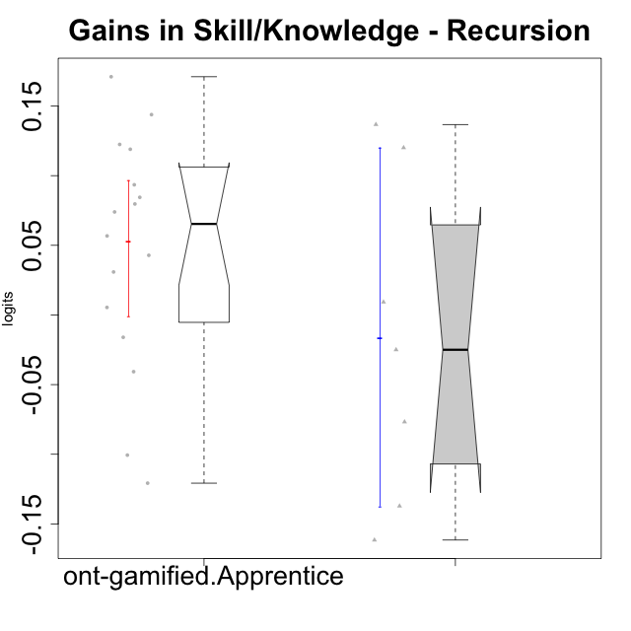

Wilcoxon data
UserID | NroUSP | Type | CLGroup | CLRole | PlayerRole | pre.theta | pos.theta | gain.theta
10169 | 10377538 | ont-gamified | Resistance | Apprentice | Social Achiever | -0.088263056797 | 0.055559459983 | 0.14382251678
10175 | 10310700 | ont-gamified | Warriors | Master | Social Achiever | 0.048999380123 | 0.18570911857 | 0.13670973845
10176 | 10276949 | ont-gamified | Outlaws | Master | Social Achiever | 0.10250313061 | -0.034682305502 | -0.13718543611
10178 | 8656201 | ont-gamified | Outlaws | Apprentice | Social Achiever | -0.032285136791 | 0.010538204585 | 0.042823341376
10186 | 10310551 | ont-gamified | Slayers | Apprentice | Social Achiever | 0.023211839876 | 0.0071725946627 | -0.016039245213
10187 | 9790781 | ont-gamified | Mafia | Apprentice | Social Achiever | -0.032285136791 | -0.0014270916492 | 0.030858045141
10188 | 10276995 | ont-gamified | Vandals | Master | Yee Achiever | 0.015816941873 | 0.13587458139 | 0.12005763951
10189 | 9363926 | ont-gamified | Vikings | Apprentice | Social Achiever | -0.11932246898 | -0.039657596382 | 0.079664872603
10192 | 10276682 | ont-gamified | Attractive Devils | Apprentice | Social Achiever | 0.028216192636 | 0.10217216092 | 0.073955968288
10193 | 10276762 | ont-gamified | Vandals | Apprentice | Yee Achiever | 0.020733010568 | -0.079886007277 | -0.10061901785
10198 | 10310888 | ont-gamified | Attractive Devils | Apprentice | Social Achiever | -0.058051886884 | 0.026389630916 | 0.0844415178
10200 | 9795272 | ont-gamified | Warriors | Apprentice | Social Achiever | -0.03475198657 | 0.021991385465 | 0.056743372035
10202 | 10277036 | ont-gamified | Silly Knights | Apprentice | Social Achiever | -0.081664670782 | 0.089345590966 | 0.17101026175
10203 | 9921470 | ont-gamified | Mercenaries | Apprentice | Social Achiever | 0.035854287992 | -0.084895524688 | -0.12074981268
10209 | 10262669 | ont-gamified | Mafia | Apprentice | Social Achiever | 0.062767376348 | 0.15622648026 | 0.093459103907
10214 | 10277022 | ont-gamified | Vikings | Apprentice | Social Achiever | -0.11932246898 | 0.0030901862703 | 0.12241265525
10215 | 9285227 | ont-gamified | Vikings | Master | Social Achiever | 0.043673393797 | -0.033088522932 | -0.07676191673
10216 | 10276720 | ont-gamified | Silly Knights | Master | Social Achiever | 0.041045326584 | 0.050308748587 | 0.0092634220038
10221 | 9082496 | ont-gamified | Warriors | Apprentice | Social Achiever | -0.098900835058 | -0.13961322321 | -0.040712388154
10223 | 9795185 | ont-gamified | Slayers | Master | Social Achiever | 0.015816941873 | -0.0091653174949 | -0.024982259368
10228 | 10310492 | ont-gamified | Resistance | Apprentice | Social Achiever | -0.16474156164 | -0.045784183759 | 0.11895737788
10230 | 10351992 | ont-gamified | Resistance | Master | Social Achiever | 0.080296178682 | -0.081299885147 | -0.16159606383
10237 | 10377688 | ont-gamified | Outlaws | Apprentice | Social Achiever | 0.013377602575 | 0.018791170936 | 0.0054135683611

Type_CLRole_2
Wilcoxon Analysis for Gains in Skill/Knowledge - Recursion in Type:CLRole between ont-gamified.Apprentice:w/o-gamified.Apprentice

Wilcoxon test results
Alternative hypothesis: less
Group | N | Median | Mean.Ranks | Sum.Ranks | U | Z | p.value | r | magnitude
ont-gamified.Apprentice | 16 | 0.065349670162 | 22.84375 | 365.5 | 229.5 | 2.5664611723 | 0.99561446685 | 0.43381111587 | medium
w/o-gamified.Apprentice | 19 | -0.026955419662 | 13.921052632 | 264.5 | 229.5 | 2.5664611723 | 0.99561446685 | 0.43381111587 | medium
Alternative hypothesis: greater
Group | N | Median | Mean.Ranks | Sum.Ranks | U | Z | p.value | r | magnitude
ont-gamified.Apprentice | 16 | 0.065349670162 | 22.84375 | 365.5 | 229.5 | 2.5664611723 | 0.0046238314097 | 0.43381111587 | medium
w/o-gamified.Apprentice | 19 | -0.026955419662 | 13.921052632 | 264.5 | 229.5 | 2.5664611723 | 0.0046238314097 | 0.43381111587 | medium
Alternative hypothesis: two.sided
Group | N | Median | Mean.Ranks | Sum.Ranks | U | Z | p.value | r | magnitude
ont-gamified.Apprentice | 16 | 0.065349670162 | 22.84375 | 365.5 | 229.5 | 2.5664611723 | 0.0092338438583 | 0.43381111587 | medium
w/o-gamified.Apprentice | 19 | -0.026955419662 | 13.921052632 | 264.5 | 229.5 | 2.5664611723 | 0.0092338438583 | 0.43381111587 | medium

Box plots for wilcoxon tests
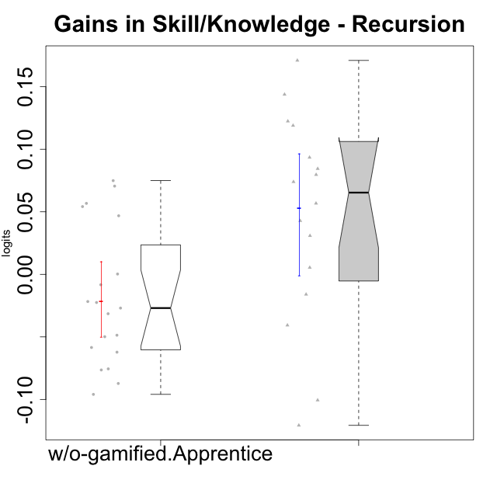

Wilcoxon data
UserID | NroUSP | Type | CLGroup | CLRole | PlayerRole | pre.theta | pos.theta | gain.theta
10169 | 10377538 | ont-gamified | Resistance | Apprentice | Social Achiever | -0.088263056797 | 0.055559459983 | 0.14382251678
10170 | 10260351 | w/o-gamified | Grupo11 | Apprentice |  | 0.028216192636 | -0.0216480556 | -0.049864248236
10172 | 10273971 | w/o-gamified | Grupo5 | Apprentice |  | 0.0046865339758 | -0.082558172865 | -0.087244706841
10178 | 8656201 | ont-gamified | Outlaws | Apprentice | Social Achiever | -0.032285136791 | 0.010538204585 | 0.042823341376
10181 | 10276866 | w/o-gamified | Grupo2 | Apprentice |  | -0.060817555569 | 0.014099493844 | 0.074917049413
10183 | 10352030 | w/o-gamified | Grupo3 | Apprentice |  | 0.0046865339758 | -0.017820445984 | -0.02250697996
10184 | 10276675 | w/o-gamified | Grupo10 | Apprentice |  | 0.074316959003 | -0.0216480556 | -0.095965014603
10185 | 10276960 | w/o-gamified | Grupo9 | Apprentice |  | 0.033289417599 | -0.015377300475 | -0.048666718074
10186 | 10310551 | ont-gamified | Slayers | Apprentice | Social Achiever | 0.023211839876 | 0.0071725946627 | -0.016039245213
10187 | 9790781 | ont-gamified | Mafia | Apprentice | Social Achiever | -0.032285136791 | -0.0014270916492 | 0.030858045141
10189 | 9363926 | ont-gamified | Vikings | Apprentice | Social Achiever | -0.11932246898 | -0.039657596382 | 0.079664872603
10190 | 10276907 | w/o-gamified | Grupo4 | Apprentice |  | -0.03475198657 | -0.093238627961 | -0.058486641391
10192 | 10276682 | ont-gamified | Attractive Devils | Apprentice | Social Achiever | 0.028216192636 | 0.10217216092 | 0.073955968288
10193 | 10276762 | ont-gamified | Vandals | Apprentice | Yee Achiever | 0.020733010568 | -0.079886007277 | -0.10061901785
10197 | 10276661 | w/o-gamified | Grupo8 | Apprentice |  | 0.033289417599 | 0.0063339979366 | -0.026955419662
10198 | 10310888 | ont-gamified | Attractive Devils | Apprentice | Social Achiever | -0.058051886884 | 0.026389630916 | 0.0844415178
10200 | 9795272 | ont-gamified | Warriors | Apprentice | Social Achiever | -0.03475198657 | 0.021991385465 | 0.056743372035
10201 | 10276928 | w/o-gamified | Grupo11 | Apprentice |  | 0.048999380123 | -0.013222064131 | -0.062221444254
10202 | 10277036 | ont-gamified | Silly Knights | Apprentice | Social Achiever | -0.081664670782 | 0.089345590966 | 0.17101026175
10203 | 9921470 | ont-gamified | Mercenaries | Apprentice | Social Achiever | 0.035854287992 | -0.084895524688 | -0.12074981268
10204 | 10310471 | w/o-gamified | Grupo6 | Apprentice |  | -0.052658898906 | 0.017894859647 | 0.070553758553
10206 | 10310721 | w/o-gamified | Grupo8 | Apprentice |  | 0.025705899505 | 0.0039696341505 | -0.021736265354
10209 | 10262669 | ont-gamified | Mafia | Apprentice | Social Achiever | 0.062767376348 | 0.15622648026 | 0.093459103907
10210 | 10277015 | w/o-gamified | Grupo6 | Apprentice |  | 0.028216192636 | 0.019900977959 | -0.0083152146769
10213 | 10277040 | w/o-gamified | Grupo7 | Apprentice |  | 0.0037137365212 | 0.0039696341505 | 0.00025589762936
10214 | 10277022 | ont-gamified | Vikings | Apprentice | Social Achiever | -0.11932246898 | 0.0030901862703 | 0.12241265525
10217 | 9805341 | w/o-gamified | Grupo9 | Apprentice |  | 0.057197334608 | 0.10402590868 | 0.046828574075
10218 | 9842913 | w/o-gamified | Grupo10 | Apprentice |  | 0.018268391094 | -0.013222064131 | -0.031490455225
10220 | 9760151 | w/o-gamified | Grupo3 | Apprentice |  | -0.03475198657 | 0.021991385465 | 0.056743372035
10221 | 9082496 | ont-gamified | Warriors | Apprentice | Social Achiever | -0.098900835058 | -0.13961322321 | -0.040712388154
10226 | 10310342 | w/o-gamified | Grupo4 | Apprentice |  | -0.049516843787 | 0.0046563302807 | 0.054173174068
10228 | 10310492 | ont-gamified | Resistance | Apprentice | Social Achiever | -0.16474156164 | -0.045784183759 | 0.11895737788
10232 | 10276974 | w/o-gamified | Grupo7 | Apprentice |  | 0.068477429297 | -0.0070968423443 | -0.075574271641
10237 | 10377688 | ont-gamified | Outlaws | Apprentice | Social Achiever | 0.013377602575 | 0.018791170936 | 0.0054135683611
10240 | 10276654 | w/o-gamified | Grupo5 | Apprentice |  | -0.0058364341767 | -0.082279977182 | -0.076443543006

Type_CLRole_3
Wilcoxon Analysis for Gains in Skill/Knowledge - Recursion in Type:CLRole between ont-gamified.Apprentice:w/o-gamified.Master

Wilcoxon test results
Alternative hypothesis: less
Group | N | Median | Mean.Ranks | Sum.Ranks | U | Z | p.value | r | magnitude
ont-gamified.Apprentice | 16 | 0.065349670162 | 14.6875 | 235 | 99 | 2.8730583506 | 0.99899656139 | 0.59907407852 | large
w/o-gamified.Master | 7 | -0.068996023635 | 5.8571428571 | 41 | 99 | 2.8730583506 | 0.99899656139 | 0.59907407852 | large
Alternative hypothesis: greater
Group | N | Median | Mean.Ranks | Sum.Ranks | U | Z | p.value | r | magnitude
ont-gamified.Apprentice | 16 | 0.065349670162 | 14.6875 | 235 | 99 | 2.8730583506 | 0.0013379181504 | 0.59907407852 | large
w/o-gamified.Master | 7 | -0.068996023635 | 5.8571428571 | 41 | 99 | 2.8730583506 | 0.0013379181504 | 0.59907407852 | large
Alternative hypothesis: two.sided
Group | N | Median | Mean.Ranks | Sum.Ranks | U | Z | p.value | r | magnitude
ont-gamified.Apprentice | 16 | 0.065349670162 | 14.6875 | 235 | 99 | 2.8730583506 | 0.0026758363008 | 0.59907407852 | large
w/o-gamified.Master | 7 | -0.068996023635 | 5.8571428571 | 41 | 99 | 2.8730583506 | 0.0026758363008 | 0.59907407852 | large

Box plots for wilcoxon tests
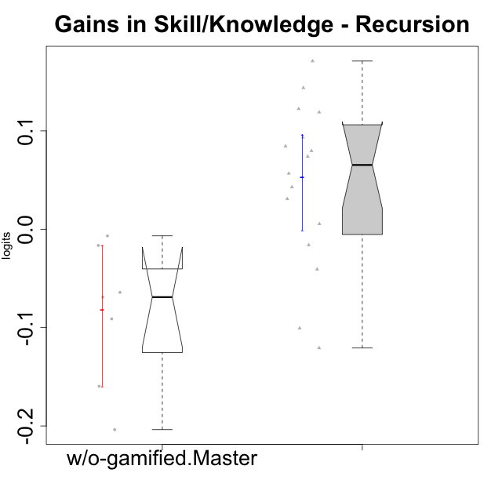

Wilcoxon data
UserID | NroUSP | Type | CLGroup | CLRole | PlayerRole | pre.theta | pos.theta | gain.theta
10169 | 10377538 | ont-gamified | Resistance | Apprentice | Social Achiever | -0.088263056797 | 0.055559459983 | 0.14382251678
10174 | 10276852 | w/o-gamified | Grupo7 | Master |  | 0.041045326584 | -0.023147473244 | -0.064192799828
10178 | 8656201 | ont-gamified | Outlaws | Apprentice | Social Achiever | -0.032285136791 | 0.010538204585 | 0.042823341376
10179 | 10310759 | w/o-gamified | Grupo10 | Master |  | 0.19456974764 | -0.0091653174949 | -0.20373506513
10186 | 10310551 | ont-gamified | Slayers | Apprentice | Social Achiever | 0.023211839876 | 0.0071725946627 | -0.016039245213
10187 | 9790781 | ont-gamified | Mafia | Apprentice | Social Achiever | -0.032285136791 | -0.0014270916492 | 0.030858045141
10189 | 9363926 | ont-gamified | Vikings | Apprentice | Social Achiever | -0.11932246898 | -0.039657596382 | 0.079664872603
10191 | 10276981 | w/o-gamified | Grupo1 | Master |  | 0.11274919366 | -0.046830349317 | -0.15957954297
10192 | 10276682 | ont-gamified | Attractive Devils | Apprentice | Social Achiever | 0.028216192636 | 0.10217216092 | 0.073955968288
10193 | 10276762 | ont-gamified | Vandals | Apprentice | Yee Achiever | 0.020733010568 | -0.079886007277 | -0.10061901785
10198 | 10310888 | ont-gamified | Attractive Devils | Apprentice | Social Achiever | -0.058051886884 | 0.026389630916 | 0.0844415178
10200 | 9795272 | ont-gamified | Warriors | Apprentice | Social Achiever | -0.03475198657 | 0.021991385465 | 0.056743372035
10202 | 10277036 | ont-gamified | Silly Knights | Apprentice | Social Achiever | -0.081664670782 | 0.089345590966 | 0.17101026175
10203 | 9921470 | ont-gamified | Mercenaries | Apprentice | Social Achiever | 0.035854287992 | -0.084895524688 | -0.12074981268
10209 | 10262669 | ont-gamified | Mafia | Apprentice | Social Achiever | 0.062767376348 | 0.15622648026 | 0.093459103907
10214 | 10277022 | ont-gamified | Vikings | Apprentice | Social Achiever | -0.11932246898 | 0.0030901862703 | 0.12241265525
10219 | 10276831 | w/o-gamified | Grupo3 | Master |  | 0.038439274073 | 0.021991385465 | -0.016447888608
10221 | 9082496 | ont-gamified | Warriors | Apprentice | Social Achiever | -0.098900835058 | -0.13961322321 | -0.040712388154
10227 | 9274382 | w/o-gamified | Grupo5 | Master |  | 0.023211839876 | -0.045784183759 | -0.068996023635
10228 | 10310492 | ont-gamified | Resistance | Apprentice | Social Achiever | -0.16474156164 | -0.045784183759 | 0.11895737788
10231 | 10276911 | w/o-gamified | Grupo9 | Master |  | 0.11987508788 | 0.028743193169 | -0.091131894711
10237 | 10377688 | ont-gamified | Outlaws | Apprentice | Social Achiever | 0.013377602575 | 0.018791170936 | 0.0054135683611
10238 | 10276953 | w/o-gamified | Grupo2 | Master |  | -0.0058364341767 | -0.012570656176 | -0.0067342219997

Type_CLRole_4
Wilcoxon Analysis for Gains in Skill/Knowledge - Recursion in Type:CLRole between ont-gamified.Master:w/o-gamified.Apprentice

Wilcoxon test results
Alternative hypothesis: less
Group | N | Median | Mean.Ranks | Sum.Ranks | U | Z | p.value | r | magnitude
ont-gamified.Master | 7 | -0.024982259368 | 13.142857143 | 92 | 64 | -0.14451832825 | 0.45507145029 | 0.028342375994 | none
w/o-gamified.Apprentice | 19 | -0.026955419662 | 13.631578947 | 259 | 64 | -0.14451832825 | 0.45507145029 | 0.028342375994 | none
Alternative hypothesis: greater
Group | N | Median | Mean.Ranks | Sum.Ranks | U | Z | p.value | r | magnitude
ont-gamified.Master | 7 | -0.024982259368 | 13.142857143 | 92 | 64 | -0.14451832825 | 0.56722408027 | 0.028342375994 | none
w/o-gamified.Apprentice | 19 | -0.026955419662 | 13.631578947 | 259 | 64 | -0.14451832825 | 0.56722408027 | 0.028342375994 | none
Alternative hypothesis: two.sided
Group | N | Median | Mean.Ranks | Sum.Ranks | U | Z | p.value | r | magnitude
ont-gamified.Master | 7 | -0.024982259368 | 13.142857143 | 92 | 64 | -0.14451832825 | 0.91014290058 | 0.028342375994 | none
w/o-gamified.Apprentice | 19 | -0.026955419662 | 13.631578947 | 259 | 64 | -0.14451832825 | 0.91014290058 | 0.028342375994 | none

Box plots for wilcoxon tests
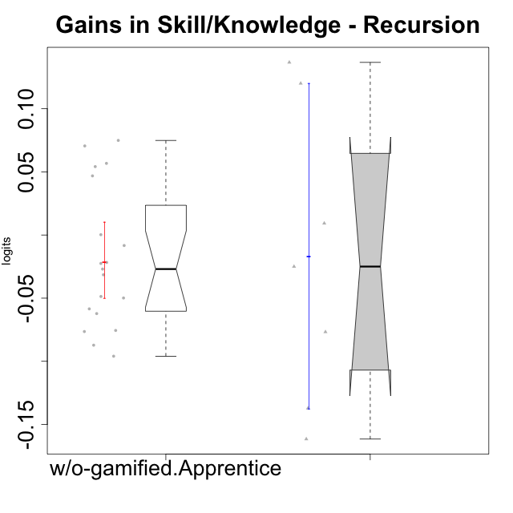

Wilcoxon data
UserID | NroUSP | Type | CLGroup | CLRole | PlayerRole | pre.theta | pos.theta | gain.theta
10170 | 10260351 | w/o-gamified | Grupo11 | Apprentice |  | 0.028216192636 | -0.0216480556 | -0.049864248236
10172 | 10273971 | w/o-gamified | Grupo5 | Apprentice |  | 0.0046865339758 | -0.082558172865 | -0.087244706841
10175 | 10310700 | ont-gamified | Warriors | Master | Social Achiever | 0.048999380123 | 0.18570911857 | 0.13670973845
10176 | 10276949 | ont-gamified | Outlaws | Master | Social Achiever | 0.10250313061 | -0.034682305502 | -0.13718543611
10181 | 10276866 | w/o-gamified | Grupo2 | Apprentice |  | -0.060817555569 | 0.014099493844 | 0.074917049413
10183 | 10352030 | w/o-gamified | Grupo3 | Apprentice |  | 0.0046865339758 | -0.017820445984 | -0.02250697996
10184 | 10276675 | w/o-gamified | Grupo10 | Apprentice |  | 0.074316959003 | -0.0216480556 | -0.095965014603
10185 | 10276960 | w/o-gamified | Grupo9 | Apprentice |  | 0.033289417599 | -0.015377300475 | -0.048666718074
10188 | 10276995 | ont-gamified | Vandals | Master | Yee Achiever | 0.015816941873 | 0.13587458139 | 0.12005763951
10190 | 10276907 | w/o-gamified | Grupo4 | Apprentice |  | -0.03475198657 | -0.093238627961 | -0.058486641391
10197 | 10276661 | w/o-gamified | Grupo8 | Apprentice |  | 0.033289417599 | 0.0063339979366 | -0.026955419662
10201 | 10276928 | w/o-gamified | Grupo11 | Apprentice |  | 0.048999380123 | -0.013222064131 | -0.062221444254
10204 | 10310471 | w/o-gamified | Grupo6 | Apprentice |  | -0.052658898906 | 0.017894859647 | 0.070553758553
10206 | 10310721 | w/o-gamified | Grupo8 | Apprentice |  | 0.025705899505 | 0.0039696341505 | -0.021736265354
10210 | 10277015 | w/o-gamified | Grupo6 | Apprentice |  | 0.028216192636 | 0.019900977959 | -0.0083152146769
10213 | 10277040 | w/o-gamified | Grupo7 | Apprentice |  | 0.0037137365212 | 0.0039696341505 | 0.00025589762936
10215 | 9285227 | ont-gamified | Vikings | Master | Social Achiever | 0.043673393797 | -0.033088522932 | -0.07676191673
10216 | 10276720 | ont-gamified | Silly Knights | Master | Social Achiever | 0.041045326584 | 0.050308748587 | 0.0092634220038
10217 | 9805341 | w/o-gamified | Grupo9 | Apprentice |  | 0.057197334608 | 0.10402590868 | 0.046828574075
10218 | 9842913 | w/o-gamified | Grupo10 | Apprentice |  | 0.018268391094 | -0.013222064131 | -0.031490455225
10220 | 9760151 | w/o-gamified | Grupo3 | Apprentice |  | -0.03475198657 | 0.021991385465 | 0.056743372035
10223 | 9795185 | ont-gamified | Slayers | Master | Social Achiever | 0.015816941873 | -0.0091653174949 | -0.024982259368
10226 | 10310342 | w/o-gamified | Grupo4 | Apprentice |  | -0.049516843787 | 0.0046563302807 | 0.054173174068
10230 | 10351992 | ont-gamified | Resistance | Master | Social Achiever | 0.080296178682 | -0.081299885147 | -0.16159606383
10232 | 10276974 | w/o-gamified | Grupo7 | Apprentice |  | 0.068477429297 | -0.0070968423443 | -0.075574271641
10240 | 10276654 | w/o-gamified | Grupo5 | Apprentice |  | -0.0058364341767 | -0.082279977182 | -0.076443543006

Type_CLRole_5
Wilcoxon Analysis for Gains in Skill/Knowledge - Recursion in Type:CLRole between ont-gamified.Master:w/o-gamified.Master

Wilcoxon test results
Alternative hypothesis: less
Group | N | Median | Mean.Ranks | Sum.Ranks | U | Z | p.value | r | magnitude
ont-gamified.Master | 7 | -0.024982259368 | 8.5714285714 | 60 | 32 | 0.9583148475 | 0.8412004662 | 0.25612041629 | small
w/o-gamified.Master | 7 | -0.068996023635 | 6.4285714286 | 45 | 32 | 0.9583148475 | 0.8412004662 | 0.25612041629 | small
Alternative hypothesis: greater
Group | N | Median | Mean.Ranks | Sum.Ranks | U | Z | p.value | r | magnitude
ont-gamified.Master | 7 | -0.024982259368 | 8.5714285714 | 60 | 32 | 0.9583148475 | 0.19143356643 | 0.25612041629 | small
w/o-gamified.Master | 7 | -0.068996023635 | 6.4285714286 | 45 | 32 | 0.9583148475 | 0.19143356643 | 0.25612041629 | small
Alternative hypothesis: two.sided
Group | N | Median | Mean.Ranks | Sum.Ranks | U | Z | p.value | r | magnitude
ont-gamified.Master | 7 | -0.024982259368 | 8.5714285714 | 60 | 32 | 0.9583148475 | 0.38286713287 | 0.25612041629 | small
w/o-gamified.Master | 7 | -0.068996023635 | 6.4285714286 | 45 | 32 | 0.9583148475 | 0.38286713287 | 0.25612041629 | small

Box plots for wilcoxon tests
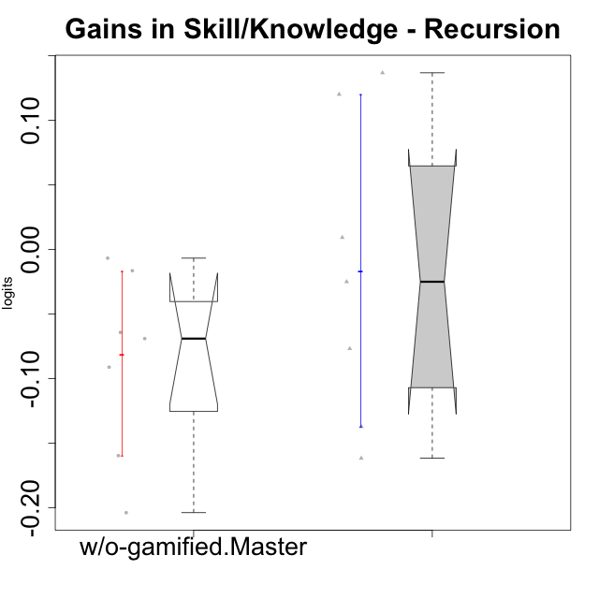

Wilcoxon data
UserID | NroUSP | Type | CLGroup | CLRole | PlayerRole | pre.theta | pos.theta | gain.theta
10174 | 10276852 | w/o-gamified | Grupo7 | Master |  | 0.041045326584 | -0.023147473244 | -0.064192799828
10175 | 10310700 | ont-gamified | Warriors | Master | Social Achiever | 0.048999380123 | 0.18570911857 | 0.13670973845
10176 | 10276949 | ont-gamified | Outlaws | Master | Social Achiever | 0.10250313061 | -0.034682305502 | -0.13718543611
10179 | 10310759 | w/o-gamified | Grupo10 | Master |  | 0.19456974764 | -0.0091653174949 | -0.20373506513
10188 | 10276995 | ont-gamified | Vandals | Master | Yee Achiever | 0.015816941873 | 0.13587458139 | 0.12005763951
10191 | 10276981 | w/o-gamified | Grupo1 | Master |  | 0.11274919366 | -0.046830349317 | -0.15957954297
10215 | 9285227 | ont-gamified | Vikings | Master | Social Achiever | 0.043673393797 | -0.033088522932 | -0.07676191673
10216 | 10276720 | ont-gamified | Silly Knights | Master | Social Achiever | 0.041045326584 | 0.050308748587 | 0.0092634220038
10219 | 10276831 | w/o-gamified | Grupo3 | Master |  | 0.038439274073 | 0.021991385465 | -0.016447888608
10223 | 9795185 | ont-gamified | Slayers | Master | Social Achiever | 0.015816941873 | -0.0091653174949 | -0.024982259368
10227 | 9274382 | w/o-gamified | Grupo5 | Master |  | 0.023211839876 | -0.045784183759 | -0.068996023635
10230 | 10351992 | ont-gamified | Resistance | Master | Social Achiever | 0.080296178682 | -0.081299885147 | -0.16159606383
10231 | 10276911 | w/o-gamified | Grupo9 | Master |  | 0.11987508788 | 0.028743193169 | -0.091131894711
10238 | 10276953 | w/o-gamified | Grupo2 | Master |  | -0.0058364341767 | -0.012570656176 | -0.0067342219997

Type_CLRole_6
Wilcoxon Analysis for Gains in Skill/Knowledge - Recursion in Type:CLRole between w/o-gamified.Apprentice:w/o-gamified.Master

Wilcoxon test results
Alternative hypothesis: less
Group | N | Median | Mean.Ranks | Sum.Ranks | U | Z | p.value | r | magnitude
w/o-gamified.Apprentice | 19 | -0.026955419662 | 15.210526316 | 289 | 99 | 1.8787382673 | 0.97247947704 | 0.36845088792 | medium
w/o-gamified.Master | 7 | -0.068996023635 | 8.8571428571 | 62 | 99 | 1.8787382673 | 0.97247947704 | 0.36845088792 | medium
Alternative hypothesis: greater
Group | N | Median | Mean.Ranks | Sum.Ranks | U | Z | p.value | r | magnitude
w/o-gamified.Apprentice | 19 | -0.026955419662 | 15.210526316 | 289 | 99 | 1.8787382673 | 0.031673761022 | 0.36845088792 | medium
w/o-gamified.Master | 7 | -0.068996023635 | 8.8571428571 | 62 | 99 | 1.8787382673 | 0.031673761022 | 0.36845088792 | medium
Alternative hypothesis: two.sided
Group | N | Median | Mean.Ranks | Sum.Ranks | U | Z | p.value | r | magnitude
w/o-gamified.Apprentice | 19 | -0.026955419662 | 15.210526316 | 289 | 99 | 1.8787382673 | 0.063347522043 | 0.36845088792 | medium
w/o-gamified.Master | 7 | -0.068996023635 | 8.8571428571 | 62 | 99 | 1.8787382673 | 0.063347522043 | 0.36845088792 | medium

Box plots for wilcoxon tests
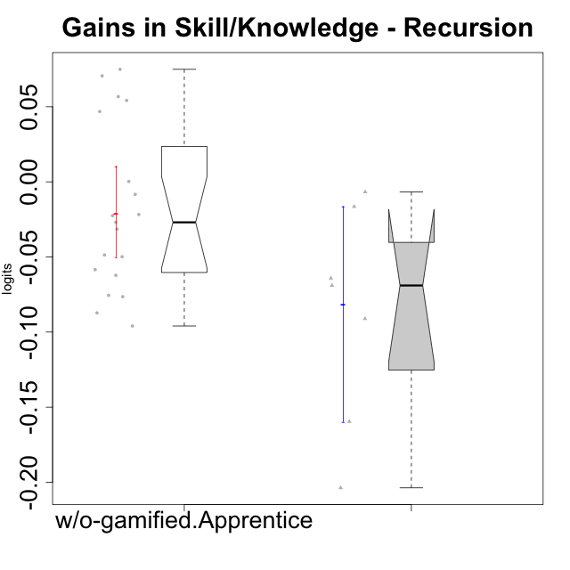

Wilcoxon data
UserID | NroUSP | Type | CLGroup | CLRole | PlayerRole | pre.theta | pos.theta | gain.theta
10170 | 10260351 | w/o-gamified | Grupo11 | Apprentice |  | 0.028216192636 | -0.0216480556 | -0.049864248236
10172 | 10273971 | w/o-gamified | Grupo5 | Apprentice |  | 0.0046865339758 | -0.082558172865 | -0.087244706841
10174 | 10276852 | w/o-gamified | Grupo7 | Master |  | 0.041045326584 | -0.023147473244 | -0.064192799828
10179 | 10310759 | w/o-gamified | Grupo10 | Master |  | 0.19456974764 | -0.0091653174949 | -0.20373506513
10181 | 10276866 | w/o-gamified | Grupo2 | Apprentice |  | -0.060817555569 | 0.014099493844 | 0.074917049413
10183 | 10352030 | w/o-gamified | Grupo3 | Apprentice |  | 0.0046865339758 | -0.017820445984 | -0.02250697996
10184 | 10276675 | w/o-gamified | Grupo10 | Apprentice |  | 0.074316959003 | -0.0216480556 | -0.095965014603
10185 | 10276960 | w/o-gamified | Grupo9 | Apprentice |  | 0.033289417599 | -0.015377300475 | -0.048666718074
10190 | 10276907 | w/o-gamified | Grupo4 | Apprentice |  | -0.03475198657 | -0.093238627961 | -0.058486641391
10191 | 10276981 | w/o-gamified | Grupo1 | Master |  | 0.11274919366 | -0.046830349317 | -0.15957954297
10197 | 10276661 | w/o-gamified | Grupo8 | Apprentice |  | 0.033289417599 | 0.0063339979366 | -0.026955419662
10201 | 10276928 | w/o-gamified | Grupo11 | Apprentice |  | 0.048999380123 | -0.013222064131 | -0.062221444254
10204 | 10310471 | w/o-gamified | Grupo6 | Apprentice |  | -0.052658898906 | 0.017894859647 | 0.070553758553
10206 | 10310721 | w/o-gamified | Grupo8 | Apprentice |  | 0.025705899505 | 0.0039696341505 | -0.021736265354
10210 | 10277015 | w/o-gamified | Grupo6 | Apprentice |  | 0.028216192636 | 0.019900977959 | -0.0083152146769
10213 | 10277040 | w/o-gamified | Grupo7 | Apprentice |  | 0.0037137365212 | 0.0039696341505 | 0.00025589762936
10217 | 9805341 | w/o-gamified | Grupo9 | Apprentice |  | 0.057197334608 | 0.10402590868 | 0.046828574075
10218 | 9842913 | w/o-gamified | Grupo10 | Apprentice |  | 0.018268391094 | -0.013222064131 | -0.031490455225
10219 | 10276831 | w/o-gamified | Grupo3 | Master |  | 0.038439274073 | 0.021991385465 | -0.016447888608
10220 | 9760151 | w/o-gamified | Grupo3 | Apprentice |  | -0.03475198657 | 0.021991385465 | 0.056743372035
10226 | 10310342 | w/o-gamified | Grupo4 | Apprentice |  | -0.049516843787 | 0.0046563302807 | 0.054173174068
10227 | 9274382 | w/o-gamified | Grupo5 | Master |  | 0.023211839876 | -0.045784183759 | -0.068996023635
10231 | 10276911 | w/o-gamified | Grupo9 | Master |  | 0.11987508788 | 0.028743193169 | -0.091131894711
10232 | 10276974 | w/o-gamified | Grupo7 | Apprentice |  | 0.068477429297 | -0.0070968423443 | -0.075574271641
10238 | 10276953 | w/o-gamified | Grupo2 | Master |  | -0.0058364341767 | -0.012570656176 | -0.0067342219997
10240 | 10276654 | w/o-gamified | Grupo5 | Apprentice |  | -0.0058364341767 | -0.082279977182 | -0.076443543006

