Assumptions
ANOVA assumptions for Gains in Skill/Knowledge - Recursion

Shapiro-Wilk normality test for Gains in Skill/Knowledge - Recursion
W | p.value
0.98376149258 | 0.72844570856

Plots for normality test
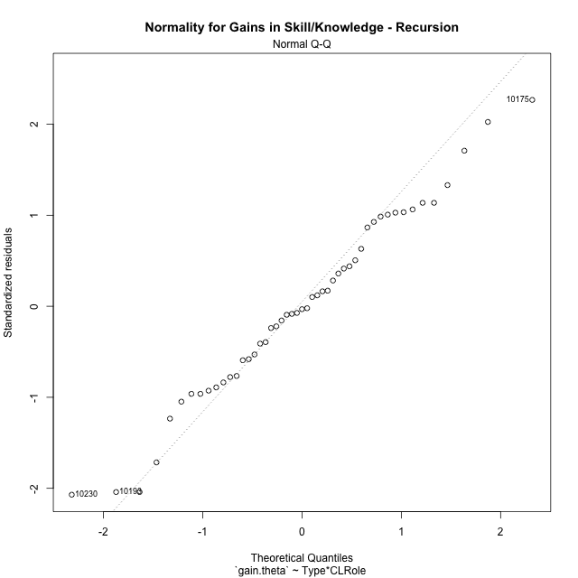

Levene's Test for Homogeneity of Variance in Gains in Skill/Knowledge - Recursion
Df | F value | Pr(>F)
3 | 2.5311413383 | 0.0689911153
45

Plots for homogeneity of variance
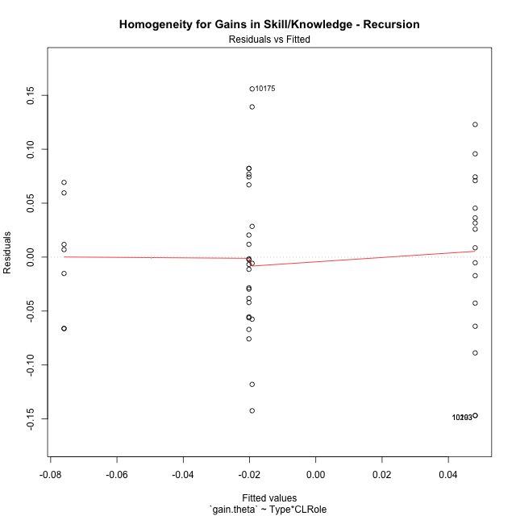

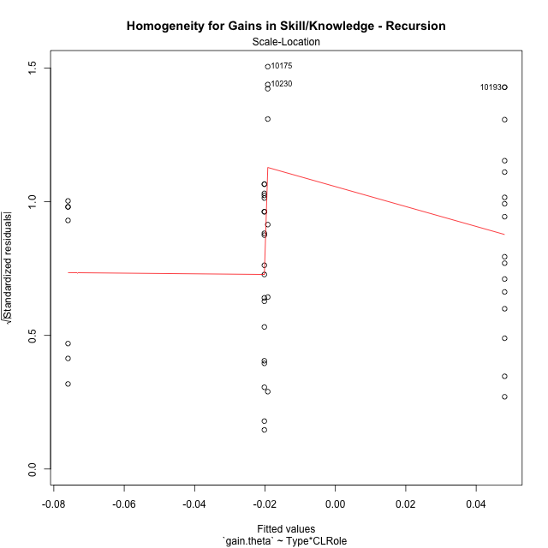

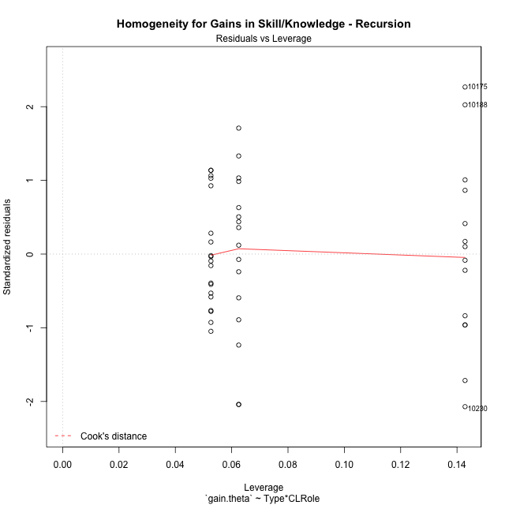

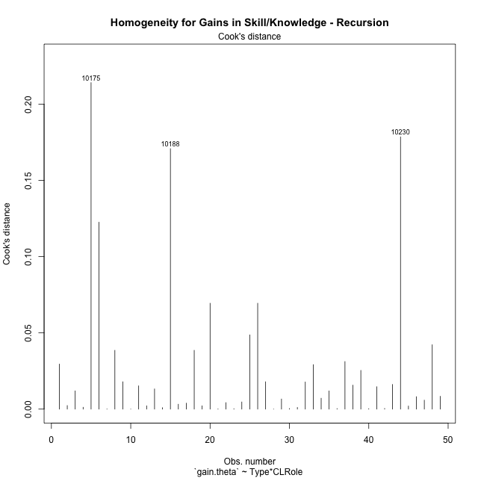

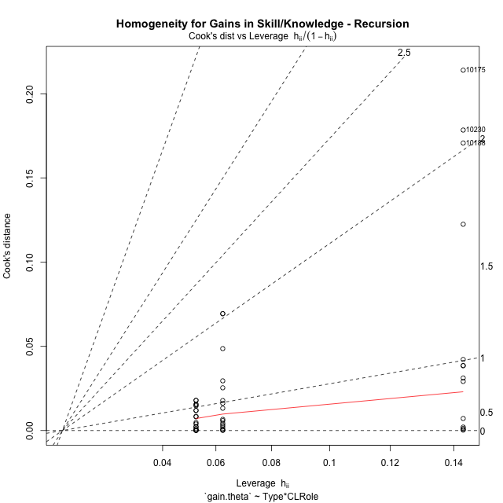

Minimum Sample Size Test for Gains in Skill/Knowledge - Recursion
Type | CLRole | Freq
ont-gamified | Apprentice | 16
w/o-gamified | Apprentice | 19
ont-gamified | Master | 7
w/o-gamified | Master | 7

Errors and Warnings in Sample Size Test for ANOVA in Gains in Skill/Knowledge - Recursion
code | description
WARN: sample.size | current size is 7 and recommended size is 15 for the group: 'ont-gamified:Master'.
WARN: sample.size | current size is 7 and recommended size is 15 for the group: 'w/o-gamified:Master'.

For the group: 'ont-gamified:Apprentice', you can perform a parametric test without having a normal distribution For the group: 'w/o-gamified:Apprentice', you can perform a parametric test without having a normal distribution For the group: 'ont-gamified:Master', we recommend the use of non-parametric test. For the group: 'w/o-gamified:Master', we recommend the use of non-parametric test.

If you don't want to remove non-normal data, you must cite the following references: ... (1) Lix, L.M., J.C. Keselman, and H.J. Keselman. 1996. Consequences of assumption violations revisited: A quantitative review of alternatives to the one-way analysis of variance F test. Rev. Educ. Res. 66: 579-619. ... (2) Harwell, M.R., E.N. Rubinstein, W.S. Hayes, and C.C. Olds. 1992. Summarizing Monte Carlo results in methodological research: the one- and two-factor fixed effects ANOVA cases. J. Educ. Stat. 17: 315-339.

Post-hoc
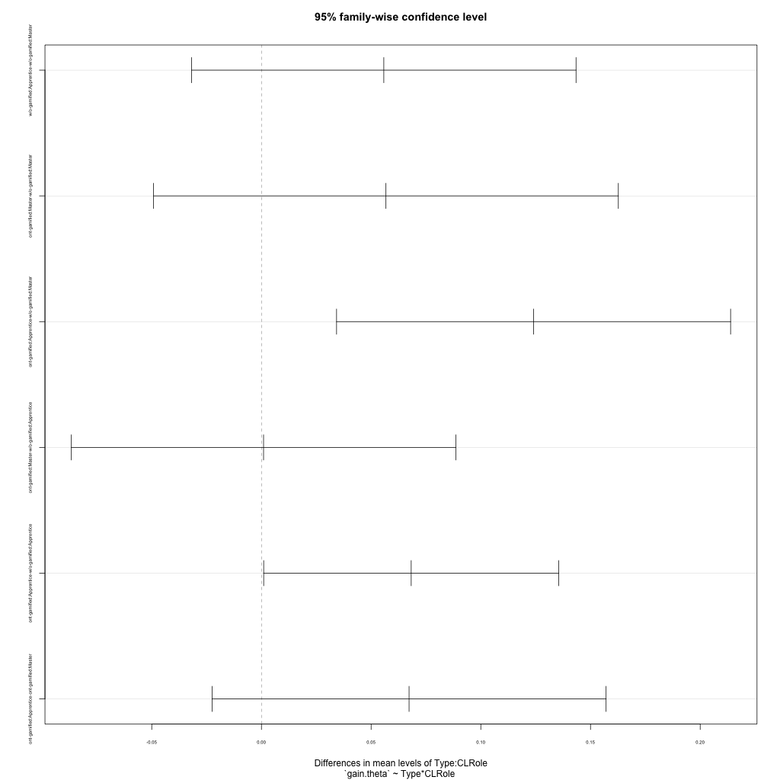
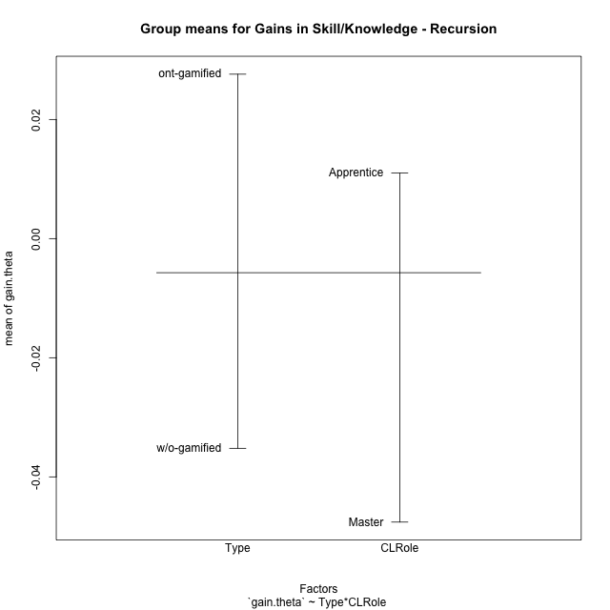
Post-hoc Tukey Honestly Significant Difference (HSD) Test for Gains in Skill/Knowledge - Recursion

Comparisons of means for Type
 | diff | lwr | upr | p adj
ont-gamified-w/o-gamified | 0.062805727238 | 0.019975587433 | 0.10563586704 | 0.0049813121807

Comparisons of means for CLRole
 | diff | lwr | upr | p adj
Apprentice-Master | 0.061307259452 | 0.013991910869 | 0.10862260804 | 0.012261353766

Comparisons of means for Type:CLRole
 | diff | lwr | upr | p adj
w/o-gamified:Apprentice-w/o-gamified:Master | 0.055784871321 | -0.03183811302 | 0.14340785566 | 0.33648011217
ont-gamified:Master-w/o-gamified:Master | 0.056755663029 | -0.049175359634 | 0.16268668569 | 0.4881332772
ont-gamified:Apprentice-w/o-gamified:Master | 0.12405356487 | 0.034246170972 | 0.21386095876 | 0.0033139511758
ont-gamified:Master-w/o-gamified:Apprentice | 0.00097079170789 | -0.086652192634 | 0.088593776049 | 0.99999057631
ont-gamified:Apprentice-w/o-gamified:Apprentice | 0.068268693545 | 0.0010245575893 | 0.1355128295 | 0.045400534372
ont-gamified:Apprentice-ont-gamified:Master | 0.067297901837 | -0.022509492057 | 0.15710529573 | 0.20356198595

Contrast Matrices for Gains in Skill/Knowledge - Recursion - Type
contrast | estimate | SE | df | t.ratio | p.value
ont-gamified - w/o-gamified | 0.062512178287 | 0.023516841489 | 45 | 2.6581876787 | 0.010838707176

Contrast Matrices for Gains in Skill/Knowledge - Recursion - Type:CLRole
contrast | CLRole | estimate | SE | df | t.ratio | p.value
ont-gamified - w/o-gamified | Apprentice | 0.068268693545 | 0.025206788311 | 45 | 2.7083455735 | 0.0095277942273
ont-gamified - w/o-gamified | Master | 0.056755663029 | 0.039708754167 | 45 | 1.4292985066 | 0.15982423087

Least Squares Means and Confidence Intervals for Type
Type | lsmean | SE | df | lower.CL | upper.CL | Pairs
ont-gamified | 0.014435397194 | 0.016832367124 | 45 | -0.019466730473 | 0.048337524861 | ont-gamified
w/o-gamified | -0.048076781093 | 0.016422948902 | 45 | -0.081154298131 | -0.014999264055 | w/o-gamified

Least Squares Means and Confidence Intervals for Type:CLRole
Type | CLRole | lsmean | SE | df | lower.CL | upper.CL | Pairs
ont-gamified | Apprentice | 0.048084348113 | 0.018572069169 | 45 | 0.010678280662 | 0.085490415564 | ont-gamified.Apprentice
w/o-gamified | Apprentice | -0.020184345433 | 0.017042899511 | 45 | -0.054510507095 | 0.01414181623 | w/o-gamified.Apprentice
ont-gamified | Master | -0.019213553725 | 0.028078329344 | 45 | -0.075766212011 | 0.037339104561 | ont-gamified.Master
w/o-gamified | Master | -0.075969216754 | 0.028078329344 | 45 | -0.13252187504 | -0.019416558468 | w/o-gamified.Master

Plots

Type_1
Student's t-Test for Gains in Skill/Knowledge - Recursion in Type between ont-gamified:w/o-gamified

Student's t-Test results
Alternative hypothesis: less
Group | N | Mean | Mean.Difference | Std.deviation | Std.error | CI.lower | CI.upper | df | t.value | p.value | g | magnitude
ont-gamified | 23 | 0.027602377988 | 0.062805727238 | 0.095657263042 | 0.019945918154 | -0.012289458319 | 0.067494214295 | 35.468833061 | 2.7316543617 | 0.99512210571 | 0.79177354223 | medium
w/o-gamified | 26 | -0.03520334925 | -0.062805727238 | 0.058312923938 | 0.011436105271 | -0.058075559793 | -0.012331138707 | 35.468833061 | 2.7316543617 | 0.99512210571 | 0.79177354223 | medium
Alternative hypothesis: greater
Group | N | Mean | Mean.Difference | Std.deviation | Std.error | CI.lower | CI.upper | df | t.value | p.value | g | magnitude
ont-gamified | 23 | 0.027602377988 | 0.062805727238 | 0.095657263042 | 0.019945918154 | -0.012289458319 | 0.067494214295 | 35.468833061 | 2.7316543617 | 0.0048778942891 | 0.79177354223 | medium
w/o-gamified | 26 | -0.03520334925 | -0.062805727238 | 0.058312923938 | 0.011436105271 | -0.058075559793 | -0.012331138707 | 35.468833061 | 2.7316543617 | 0.0048778942891 | 0.79177354223 | medium
Alternative hypothesis: two.sided
Group | N | Mean | Mean.Difference | Std.deviation | Std.error | CI.lower | CI.upper | df | t.value | p.value | g | magnitude
ont-gamified | 23 | 0.027602377988 | 0.062805727238 | 0.095657263042 | 0.019945918154 | -0.012289458319 | 0.067494214295 | 35.468833061 | 2.7316543617 | 0.0097557885782 | 0.79177354223 | medium
w/o-gamified | 26 | -0.03520334925 | -0.062805727238 | 0.058312923938 | 0.011436105271 | -0.058075559793 | -0.012331138707 | 35.468833061 | 2.7316543617 | 0.0097557885782 | 0.79177354223 | medium

Box plots for Student's t-Test
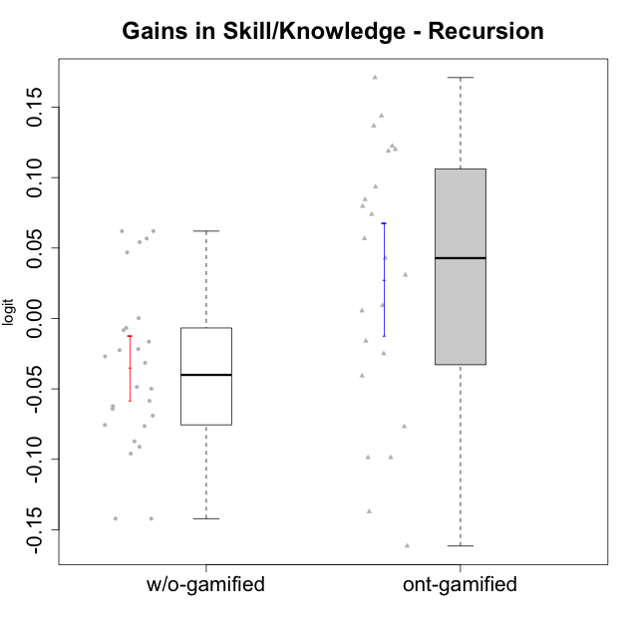

Student's t-Test data
UserID | NroUSP | Type | CLGroup | CLRole | PlayerRole | gain.theta
10169 | 10377538 | ont-gamified | Resistance | Apprentice | Social Achiever | 0.14382251678
10170 | 10260351 | w/o-gamified | Grupo11 | Apprentice |  | -0.049864248236
10172 | 10273971 | w/o-gamified | Grupo5 | Apprentice |  | -0.087244706841
10174 | 10276852 | w/o-gamified | Grupo7 | Master |  | -0.064192799828
10175 | 10310700 | ont-gamified | Warriors | Master | Social Achiever | 0.13670973845
10176 | 10276949 | ont-gamified | Outlaws | Master | Social Achiever | -0.13718543611
10178 | 8656201 | ont-gamified | Outlaws | Apprentice | Social Achiever | 0.042823341376
10179 | 10310759 | w/o-gamified | Grupo10 | Master |  | -0.14214084425
10181 | 10276866 | w/o-gamified | Grupo2 | Apprentice |  | 0.061983670949
10183 | 10352030 | w/o-gamified | Grupo3 | Apprentice |  | -0.02250697996
10184 | 10276675 | w/o-gamified | Grupo10 | Apprentice |  | -0.095965014603
10185 | 10276960 | w/o-gamified | Grupo9 | Apprentice |  | -0.048666718074
10186 | 10310551 | ont-gamified | Slayers | Apprentice | Social Achiever | -0.016039245213
10187 | 9790781 | ont-gamified | Mafia | Apprentice | Social Achiever | 0.030858045141
10188 | 10276995 | ont-gamified | Vandals | Master | Yee Achiever | 0.12005763951
10189 | 9363926 | ont-gamified | Vikings | Apprentice | Social Achiever | 0.079664872603
10190 | 10276907 | w/o-gamified | Grupo4 | Apprentice |  | -0.058486641391
10191 | 10276981 | w/o-gamified | Grupo1 | Master |  | -0.14214084425
10192 | 10276682 | ont-gamified | Attractive Devils | Apprentice | Social Achiever | 0.073955968288
10193 | 10276762 | ont-gamified | Vandals | Apprentice | Yee Achiever | -0.098730699004
10197 | 10276661 | w/o-gamified | Grupo8 | Apprentice |  | -0.026955419662
10198 | 10310888 | ont-gamified | Attractive Devils | Apprentice | Social Achiever | 0.0844415178
10200 | 9795272 | ont-gamified | Warriors | Apprentice | Social Achiever | 0.056743372035
10201 | 10276928 | w/o-gamified | Grupo11 | Apprentice |  | -0.062221444254
10202 | 10277036 | ont-gamified | Silly Knights | Apprentice | Social Achiever | 0.17101026175
10203 | 9921470 | ont-gamified | Mercenaries | Apprentice | Social Achiever | -0.098730699004
10204 | 10310471 | w/o-gamified | Grupo6 | Apprentice |  | 0.061983670949
10206 | 10310721 | w/o-gamified | Grupo8 | Apprentice |  | -0.021736265354
10209 | 10262669 | ont-gamified | Mafia | Apprentice | Social Achiever | 0.093459103907
10210 | 10277015 | w/o-gamified | Grupo6 | Apprentice |  | -0.0083152146769
10213 | 10277040 | w/o-gamified | Grupo7 | Apprentice |  | 0.00025589762936
10214 | 10277022 | ont-gamified | Vikings | Apprentice | Social Achiever | 0.12241265525
10215 | 9285227 | ont-gamified | Vikings | Master | Social Achiever | -0.07676191673
10216 | 10276720 | ont-gamified | Silly Knights | Master | Social Achiever | 0.0092634220038
10217 | 9805341 | w/o-gamified | Grupo9 | Apprentice |  | 0.046828574075
10218 | 9842913 | w/o-gamified | Grupo10 | Apprentice |  | -0.031490455225
10219 | 10276831 | w/o-gamified | Grupo3 | Master |  | -0.016447888608
10220 | 9760151 | w/o-gamified | Grupo3 | Apprentice |  | 0.056743372035
10221 | 9082496 | ont-gamified | Warriors | Apprentice | Social Achiever | -0.040712388154
10223 | 9795185 | ont-gamified | Slayers | Master | Social Achiever | -0.024982259368
10226 | 10310342 | w/o-gamified | Grupo4 | Apprentice |  | 0.054173174068
10227 | 9274382 | w/o-gamified | Grupo5 | Master |  | -0.068996023635
10228 | 10310492 | ont-gamified | Resistance | Apprentice | Social Achiever | 0.11895737788
10230 | 10351992 | ont-gamified | Resistance | Master | Social Achiever | -0.16159606383
10231 | 10276911 | w/o-gamified | Grupo9 | Master |  | -0.091131894711
10232 | 10276974 | w/o-gamified | Grupo7 | Apprentice |  | -0.075574271641
10237 | 10377688 | ont-gamified | Outlaws | Apprentice | Social Achiever | 0.0054135683611
10238 | 10276953 | w/o-gamified | Grupo2 | Master |  | -0.0067342219997
10240 | 10276654 | w/o-gamified | Grupo5 | Apprentice |  | -0.076443543006

Type_CLRole_1
Student's t-Test for Gains in Skill/Knowledge - Recursion in Type:CLRole between ont-gamified.Apprentice:ont-gamified.Master

Student's t-Test results
Alternative hypothesis: less
Group | N | Mean | Mean.Difference | Std.deviation | Std.error | CI.lower | CI.upper | df | t.value | p.value | g | magnitude
ont-gamified.Apprentice | 16 | 0.048084348113 | 0.067297901837 | 0.080497558075 | 0.020124389519 | 0.007835569075 | 0.08833312715 | 8.5976022652 | 1.3856945247 | 0.89963731238 | 0.70208610209 | medium
ont-gamified.Master | 7 | -0.019213553725 | -0.067297901837 | 0.11694351394 | 0.04420049362 | -0.10761454096 | 0.069187433515 | 8.5976022652 | 1.3856945247 | 0.89963731238 | 0.70208610209 | medium
Alternative hypothesis: greater
Group | N | Mean | Mean.Difference | Std.deviation | Std.error | CI.lower | CI.upper | df | t.value | p.value | g | magnitude
ont-gamified.Apprentice | 16 | 0.048084348113 | 0.067297901837 | 0.080497558075 | 0.020124389519 | 0.007835569075 | 0.08833312715 | 8.5976022652 | 1.3856945247 | 0.10036268762 | 0.70208610209 | medium
ont-gamified.Master | 7 | -0.019213553725 | -0.067297901837 | 0.11694351394 | 0.04420049362 | -0.10761454096 | 0.069187433515 | 8.5976022652 | 1.3856945247 | 0.10036268762 | 0.70208610209 | medium
Alternative hypothesis: two.sided
Group | N | Mean | Mean.Difference | Std.deviation | Std.error | CI.lower | CI.upper | df | t.value | p.value | g | magnitude
ont-gamified.Apprentice | 16 | 0.048084348113 | 0.067297901837 | 0.080497558075 | 0.020124389519 | 0.007835569075 | 0.08833312715 | 8.5976022652 | 1.3856945247 | 0.20072537524 | 0.70208610209 | medium
ont-gamified.Master | 7 | -0.019213553725 | -0.067297901837 | 0.11694351394 | 0.04420049362 | -0.10761454096 | 0.069187433515 | 8.5976022652 | 1.3856945247 | 0.20072537524 | 0.70208610209 | medium

Box plots for Student's t-Test
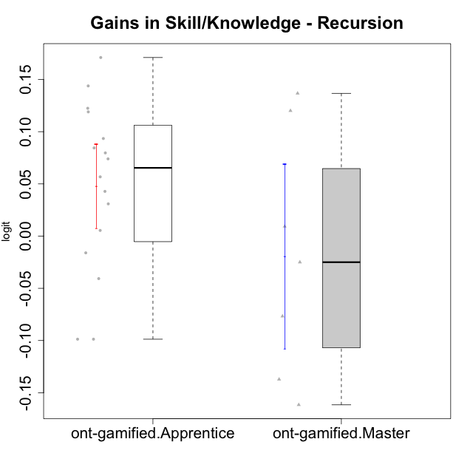

Student's t-Test data
UserID | NroUSP | Type | CLGroup | CLRole | PlayerRole | gain.theta
10169 | 10377538 | ont-gamified | Resistance | Apprentice | Social Achiever | 0.14382251678
10175 | 10310700 | ont-gamified | Warriors | Master | Social Achiever | 0.13670973845
10176 | 10276949 | ont-gamified | Outlaws | Master | Social Achiever | -0.13718543611
10178 | 8656201 | ont-gamified | Outlaws | Apprentice | Social Achiever | 0.042823341376
10186 | 10310551 | ont-gamified | Slayers | Apprentice | Social Achiever | -0.016039245213
10187 | 9790781 | ont-gamified | Mafia | Apprentice | Social Achiever | 0.030858045141
10188 | 10276995 | ont-gamified | Vandals | Master | Yee Achiever | 0.12005763951
10189 | 9363926 | ont-gamified | Vikings | Apprentice | Social Achiever | 0.079664872603
10192 | 10276682 | ont-gamified | Attractive Devils | Apprentice | Social Achiever | 0.073955968288
10193 | 10276762 | ont-gamified | Vandals | Apprentice | Yee Achiever | -0.098730699004
10198 | 10310888 | ont-gamified | Attractive Devils | Apprentice | Social Achiever | 0.0844415178
10200 | 9795272 | ont-gamified | Warriors | Apprentice | Social Achiever | 0.056743372035
10202 | 10277036 | ont-gamified | Silly Knights | Apprentice | Social Achiever | 0.17101026175
10203 | 9921470 | ont-gamified | Mercenaries | Apprentice | Social Achiever | -0.098730699004
10209 | 10262669 | ont-gamified | Mafia | Apprentice | Social Achiever | 0.093459103907
10214 | 10277022 | ont-gamified | Vikings | Apprentice | Social Achiever | 0.12241265525
10215 | 9285227 | ont-gamified | Vikings | Master | Social Achiever | -0.07676191673
10216 | 10276720 | ont-gamified | Silly Knights | Master | Social Achiever | 0.0092634220038
10221 | 9082496 | ont-gamified | Warriors | Apprentice | Social Achiever | -0.040712388154
10223 | 9795185 | ont-gamified | Slayers | Master | Social Achiever | -0.024982259368
10228 | 10310492 | ont-gamified | Resistance | Apprentice | Social Achiever | 0.11895737788
10230 | 10351992 | ont-gamified | Resistance | Master | Social Achiever | -0.16159606383
10237 | 10377688 | ont-gamified | Outlaws | Apprentice | Social Achiever | 0.0054135683611

Type_CLRole_2
Student's t-Test for Gains in Skill/Knowledge - Recursion in Type:CLRole between ont-gamified.Apprentice:w/o-gamified.Apprentice

Student's t-Test results
Alternative hypothesis: less
Group | N | Mean | Mean.Difference | Std.deviation | Std.error | CI.lower | CI.upper | df | t.value | p.value | g | magnitude
ont-gamified.Apprentice | 16 | 0.048084348113 | 0.068268693545 | 0.080497558075 | 0.020124389519 | 0.007835569075 | 0.08833312715 | 25.32545732 | 2.8957311091 | 0.99615667038 | 0.99345395644 | large
w/o-gamified.Apprentice | 19 | -0.020184345433 | -0.068268693545 | 0.053531008122 | 0.012280855513 | -0.044746056459 | 0.004377365594 | 25.32545732 | 2.8957311091 | 0.99615667038 | 0.99345395644 | large
Alternative hypothesis: greater
Group | N | Mean | Mean.Difference | Std.deviation | Std.error | CI.lower | CI.upper | df | t.value | p.value | g | magnitude
ont-gamified.Apprentice | 16 | 0.048084348113 | 0.068268693545 | 0.080497558075 | 0.020124389519 | 0.007835569075 | 0.08833312715 | 25.32545732 | 2.8957311091 | 0.0038433296203 | 0.99345395644 | large
w/o-gamified.Apprentice | 19 | -0.020184345433 | -0.068268693545 | 0.053531008122 | 0.012280855513 | -0.044746056459 | 0.004377365594 | 25.32545732 | 2.8957311091 | 0.0038433296203 | 0.99345395644 | large
Alternative hypothesis: two.sided
Group | N | Mean | Mean.Difference | Std.deviation | Std.error | CI.lower | CI.upper | df | t.value | p.value | g | magnitude
ont-gamified.Apprentice | 16 | 0.048084348113 | 0.068268693545 | 0.080497558075 | 0.020124389519 | 0.007835569075 | 0.08833312715 | 25.32545732 | 2.8957311091 | 0.0076866592406 | 0.99345395644 | large
w/o-gamified.Apprentice | 19 | -0.020184345433 | -0.068268693545 | 0.053531008122 | 0.012280855513 | -0.044746056459 | 0.004377365594 | 25.32545732 | 2.8957311091 | 0.0076866592406 | 0.99345395644 | large

Box plots for Student's t-Test
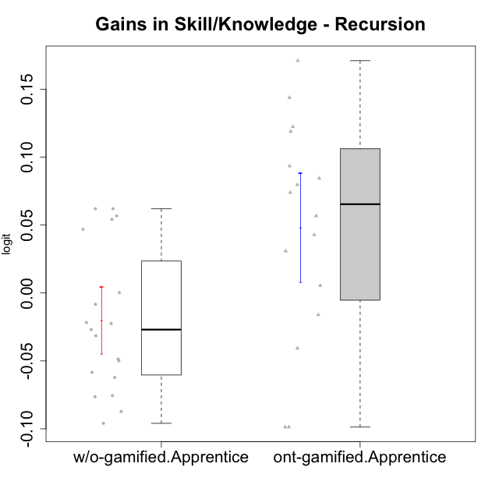

Student's t-Test data
UserID | NroUSP | Type | CLGroup | CLRole | PlayerRole | gain.theta
10169 | 10377538 | ont-gamified | Resistance | Apprentice | Social Achiever | 0.14382251678
10170 | 10260351 | w/o-gamified | Grupo11 | Apprentice |  | -0.049864248236
10172 | 10273971 | w/o-gamified | Grupo5 | Apprentice |  | -0.087244706841
10178 | 8656201 | ont-gamified | Outlaws | Apprentice | Social Achiever | 0.042823341376
10181 | 10276866 | w/o-gamified | Grupo2 | Apprentice |  | 0.061983670949
10183 | 10352030 | w/o-gamified | Grupo3 | Apprentice |  | -0.02250697996
10184 | 10276675 | w/o-gamified | Grupo10 | Apprentice |  | -0.095965014603
10185 | 10276960 | w/o-gamified | Grupo9 | Apprentice |  | -0.048666718074
10186 | 10310551 | ont-gamified | Slayers | Apprentice | Social Achiever | -0.016039245213
10187 | 9790781 | ont-gamified | Mafia | Apprentice | Social Achiever | 0.030858045141
10189 | 9363926 | ont-gamified | Vikings | Apprentice | Social Achiever | 0.079664872603
10190 | 10276907 | w/o-gamified | Grupo4 | Apprentice |  | -0.058486641391
10192 | 10276682 | ont-gamified | Attractive Devils | Apprentice | Social Achiever | 0.073955968288
10193 | 10276762 | ont-gamified | Vandals | Apprentice | Yee Achiever | -0.098730699004
10197 | 10276661 | w/o-gamified | Grupo8 | Apprentice |  | -0.026955419662
10198 | 10310888 | ont-gamified | Attractive Devils | Apprentice | Social Achiever | 0.0844415178
10200 | 9795272 | ont-gamified | Warriors | Apprentice | Social Achiever | 0.056743372035
10201 | 10276928 | w/o-gamified | Grupo11 | Apprentice |  | -0.062221444254
10202 | 10277036 | ont-gamified | Silly Knights | Apprentice | Social Achiever | 0.17101026175
10203 | 9921470 | ont-gamified | Mercenaries | Apprentice | Social Achiever | -0.098730699004
10204 | 10310471 | w/o-gamified | Grupo6 | Apprentice |  | 0.061983670949
10206 | 10310721 | w/o-gamified | Grupo8 | Apprentice |  | -0.021736265354
10209 | 10262669 | ont-gamified | Mafia | Apprentice | Social Achiever | 0.093459103907
10210 | 10277015 | w/o-gamified | Grupo6 | Apprentice |  | -0.0083152146769
10213 | 10277040 | w/o-gamified | Grupo7 | Apprentice |  | 0.00025589762936
10214 | 10277022 | ont-gamified | Vikings | Apprentice | Social Achiever | 0.12241265525
10217 | 9805341 | w/o-gamified | Grupo9 | Apprentice |  | 0.046828574075
10218 | 9842913 | w/o-gamified | Grupo10 | Apprentice |  | -0.031490455225
10220 | 9760151 | w/o-gamified | Grupo3 | Apprentice |  | 0.056743372035
10221 | 9082496 | ont-gamified | Warriors | Apprentice | Social Achiever | -0.040712388154
10226 | 10310342 | w/o-gamified | Grupo4 | Apprentice |  | 0.054173174068
10228 | 10310492 | ont-gamified | Resistance | Apprentice | Social Achiever | 0.11895737788
10232 | 10276974 | w/o-gamified | Grupo7 | Apprentice |  | -0.075574271641
10237 | 10377688 | ont-gamified | Outlaws | Apprentice | Social Achiever | 0.0054135683611
10240 | 10276654 | w/o-gamified | Grupo5 | Apprentice |  | -0.076443543006

Type_CLRole_3
Student's t-Test for Gains in Skill/Knowledge - Recursion in Type:CLRole between ont-gamified.Apprentice:w/o-gamified.Master

Student's t-Test results
Alternative hypothesis: less
Group | N | Mean | Mean.Difference | Std.deviation | Std.error | CI.lower | CI.upper | df | t.value | p.value | g | magnitude
ont-gamified.Apprentice | 16 | 0.048084348113 | 0.12405356487 | 0.080497558075 | 0.020124389519 | 0.007835569075 | 0.08833312715 | 16.928601219 | 4.3270854173 | 0.99976919938 | 1.6178289099 | large
w/o-gamified.Master | 7 | -0.075969216754 | -0.12405356487 | 0.054022923829 | 0.020418745935 | -0.11680670862 | -0.035131724883 | 16.928601219 | 4.3270854173 | 0.99976919938 | 1.6178289099 | large
Alternative hypothesis: greater
Group | N | Mean | Mean.Difference | Std.deviation | Std.error | CI.lower | CI.upper | df | t.value | p.value | g | magnitude
ont-gamified.Apprentice | 16 | 0.048084348113 | 0.12405356487 | 0.080497558075 | 0.020124389519 | 0.007835569075 | 0.08833312715 | 16.928601219 | 4.3270854173 | 0.00023080062221 | 1.6178289099 | large
w/o-gamified.Master | 7 | -0.075969216754 | -0.12405356487 | 0.054022923829 | 0.020418745935 | -0.11680670862 | -0.035131724883 | 16.928601219 | 4.3270854173 | 0.00023080062221 | 1.6178289099 | large
Alternative hypothesis: two.sided
Group | N | Mean | Mean.Difference | Std.deviation | Std.error | CI.lower | CI.upper | df | t.value | p.value | g | magnitude
ont-gamified.Apprentice | 16 | 0.048084348113 | 0.12405356487 | 0.080497558075 | 0.020124389519 | 0.007835569075 | 0.08833312715 | 16.928601219 | 4.3270854173 | 0.00046160124441 | 1.6178289099 | large
w/o-gamified.Master | 7 | -0.075969216754 | -0.12405356487 | 0.054022923829 | 0.020418745935 | -0.11680670862 | -0.035131724883 | 16.928601219 | 4.3270854173 | 0.00046160124441 | 1.6178289099 | large

Box plots for Student's t-Test
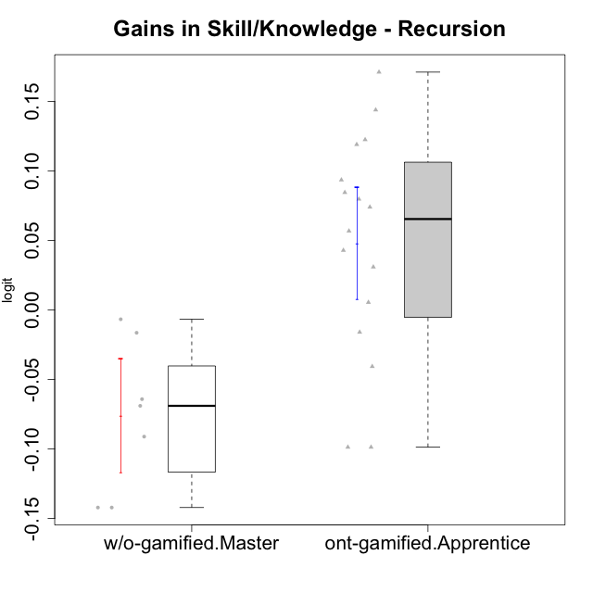

Student's t-Test data
UserID | NroUSP | Type | CLGroup | CLRole | PlayerRole | gain.theta
10169 | 10377538 | ont-gamified | Resistance | Apprentice | Social Achiever | 0.14382251678
10174 | 10276852 | w/o-gamified | Grupo7 | Master |  | -0.064192799828
10178 | 8656201 | ont-gamified | Outlaws | Apprentice | Social Achiever | 0.042823341376
10179 | 10310759 | w/o-gamified | Grupo10 | Master |  | -0.14214084425
10186 | 10310551 | ont-gamified | Slayers | Apprentice | Social Achiever | -0.016039245213
10187 | 9790781 | ont-gamified | Mafia | Apprentice | Social Achiever | 0.030858045141
10189 | 9363926 | ont-gamified | Vikings | Apprentice | Social Achiever | 0.079664872603
10191 | 10276981 | w/o-gamified | Grupo1 | Master |  | -0.14214084425
10192 | 10276682 | ont-gamified | Attractive Devils | Apprentice | Social Achiever | 0.073955968288
10193 | 10276762 | ont-gamified | Vandals | Apprentice | Yee Achiever | -0.098730699004
10198 | 10310888 | ont-gamified | Attractive Devils | Apprentice | Social Achiever | 0.0844415178
10200 | 9795272 | ont-gamified | Warriors | Apprentice | Social Achiever | 0.056743372035
10202 | 10277036 | ont-gamified | Silly Knights | Apprentice | Social Achiever | 0.17101026175
10203 | 9921470 | ont-gamified | Mercenaries | Apprentice | Social Achiever | -0.098730699004
10209 | 10262669 | ont-gamified | Mafia | Apprentice | Social Achiever | 0.093459103907
10214 | 10277022 | ont-gamified | Vikings | Apprentice | Social Achiever | 0.12241265525
10219 | 10276831 | w/o-gamified | Grupo3 | Master |  | -0.016447888608
10221 | 9082496 | ont-gamified | Warriors | Apprentice | Social Achiever | -0.040712388154
10227 | 9274382 | w/o-gamified | Grupo5 | Master |  | -0.068996023635
10228 | 10310492 | ont-gamified | Resistance | Apprentice | Social Achiever | 0.11895737788
10231 | 10276911 | w/o-gamified | Grupo9 | Master |  | -0.091131894711
10237 | 10377688 | ont-gamified | Outlaws | Apprentice | Social Achiever | 0.0054135683611
10238 | 10276953 | w/o-gamified | Grupo2 | Master |  | -0.0067342219997

Type_CLRole_4
Student's t-Test for Gains in Skill/Knowledge - Recursion in Type:CLRole between ont-gamified.Master:w/o-gamified.Apprentice

Student's t-Test results
Alternative hypothesis: less
Group | N | Mean | Mean.Difference | Std.deviation | Std.error | CI.lower | CI.upper | df | t.value | p.value | g | magnitude
ont-gamified.Master | 7 | -0.019213553725 | 0.00097079170789 | 0.11694351394 | 0.04420049362 | -0.10761454096 | 0.069187433515 | 6.9483234689 | 0.021161735338 | 0.50814424954 | 0.012598994042 | negligible
w/o-gamified.Apprentice | 19 | -0.020184345433 | -0.00097079170789 | 0.053531008122 | 0.012280855513 | -0.044746056459 | 0.004377365594 | 6.9483234689 | 0.021161735338 | 0.50814424954 | 0.012598994042 | negligible
Alternative hypothesis: greater
Group | N | Mean | Mean.Difference | Std.deviation | Std.error | CI.lower | CI.upper | df | t.value | p.value | g | magnitude
ont-gamified.Master | 7 | -0.019213553725 | 0.00097079170789 | 0.11694351394 | 0.04420049362 | -0.10761454096 | 0.069187433515 | 6.9483234689 | 0.021161735338 | 0.49185575046 | 0.012598994042 | negligible
w/o-gamified.Apprentice | 19 | -0.020184345433 | -0.00097079170789 | 0.053531008122 | 0.012280855513 | -0.044746056459 | 0.004377365594 | 6.9483234689 | 0.021161735338 | 0.49185575046 | 0.012598994042 | negligible
Alternative hypothesis: two.sided
Group | N | Mean | Mean.Difference | Std.deviation | Std.error | CI.lower | CI.upper | df | t.value | p.value | g | magnitude
ont-gamified.Master | 7 | -0.019213553725 | 0.00097079170789 | 0.11694351394 | 0.04420049362 | -0.10761454096 | 0.069187433515 | 6.9483234689 | 0.021161735338 | 0.98371150092 | 0.012598994042 | negligible
w/o-gamified.Apprentice | 19 | -0.020184345433 | -0.00097079170789 | 0.053531008122 | 0.012280855513 | -0.044746056459 | 0.004377365594 | 6.9483234689 | 0.021161735338 | 0.98371150092 | 0.012598994042 | negligible

Box plots for Student's t-Test
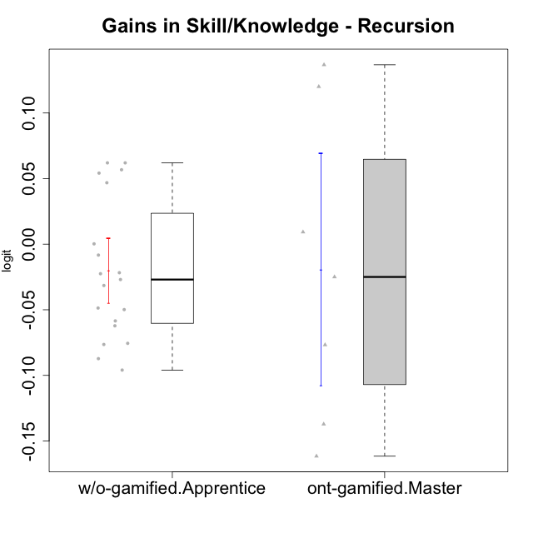

Student's t-Test data
UserID | NroUSP | Type | CLGroup | CLRole | PlayerRole | gain.theta
10170 | 10260351 | w/o-gamified | Grupo11 | Apprentice |  | -0.049864248236
10172 | 10273971 | w/o-gamified | Grupo5 | Apprentice |  | -0.087244706841
10175 | 10310700 | ont-gamified | Warriors | Master | Social Achiever | 0.13670973845
10176 | 10276949 | ont-gamified | Outlaws | Master | Social Achiever | -0.13718543611
10181 | 10276866 | w/o-gamified | Grupo2 | Apprentice |  | 0.061983670949
10183 | 10352030 | w/o-gamified | Grupo3 | Apprentice |  | -0.02250697996
10184 | 10276675 | w/o-gamified | Grupo10 | Apprentice |  | -0.095965014603
10185 | 10276960 | w/o-gamified | Grupo9 | Apprentice |  | -0.048666718074
10188 | 10276995 | ont-gamified | Vandals | Master | Yee Achiever | 0.12005763951
10190 | 10276907 | w/o-gamified | Grupo4 | Apprentice |  | -0.058486641391
10197 | 10276661 | w/o-gamified | Grupo8 | Apprentice |  | -0.026955419662
10201 | 10276928 | w/o-gamified | Grupo11 | Apprentice |  | -0.062221444254
10204 | 10310471 | w/o-gamified | Grupo6 | Apprentice |  | 0.061983670949
10206 | 10310721 | w/o-gamified | Grupo8 | Apprentice |  | -0.021736265354
10210 | 10277015 | w/o-gamified | Grupo6 | Apprentice |  | -0.0083152146769
10213 | 10277040 | w/o-gamified | Grupo7 | Apprentice |  | 0.00025589762936
10215 | 9285227 | ont-gamified | Vikings | Master | Social Achiever | -0.07676191673
10216 | 10276720 | ont-gamified | Silly Knights | Master | Social Achiever | 0.0092634220038
10217 | 9805341 | w/o-gamified | Grupo9 | Apprentice |  | 0.046828574075
10218 | 9842913 | w/o-gamified | Grupo10 | Apprentice |  | -0.031490455225
10220 | 9760151 | w/o-gamified | Grupo3 | Apprentice |  | 0.056743372035
10223 | 9795185 | ont-gamified | Slayers | Master | Social Achiever | -0.024982259368
10226 | 10310342 | w/o-gamified | Grupo4 | Apprentice |  | 0.054173174068
10230 | 10351992 | ont-gamified | Resistance | Master | Social Achiever | -0.16159606383
10232 | 10276974 | w/o-gamified | Grupo7 | Apprentice |  | -0.075574271641
10240 | 10276654 | w/o-gamified | Grupo5 | Apprentice |  | -0.076443543006

Type_CLRole_5
Student's t-Test for Gains in Skill/Knowledge - Recursion in Type:CLRole between ont-gamified.Master:w/o-gamified.Master

Student's t-Test results
Alternative hypothesis: less
Group | N | Mean | Mean.Difference | Std.deviation | Std.error | CI.lower | CI.upper | df | t.value | p.value | g | magnitude
ont-gamified.Master | 7 | -0.019213553725 | 0.056755663029 | 0.11694351394 | 0.04420049362 | -0.10761454096 | 0.069187433515 | 8.4493104897 | 1.1656797537 | 0.86220311382 | 0.58331084344 | medium
w/o-gamified.Master | 7 | -0.075969216754 | -0.056755663029 | 0.054022923829 | 0.020418745935 | -0.11680670862 | -0.035131724883 | 8.4493104897 | 1.1656797537 | 0.86220311382 | 0.58331084344 | medium
Alternative hypothesis: greater
Group | N | Mean | Mean.Difference | Std.deviation | Std.error | CI.lower | CI.upper | df | t.value | p.value | g | magnitude
ont-gamified.Master | 7 | -0.019213553725 | 0.056755663029 | 0.11694351394 | 0.04420049362 | -0.10761454096 | 0.069187433515 | 8.4493104897 | 1.1656797537 | 0.13779688618 | 0.58331084344 | medium
w/o-gamified.Master | 7 | -0.075969216754 | -0.056755663029 | 0.054022923829 | 0.020418745935 | -0.11680670862 | -0.035131724883 | 8.4493104897 | 1.1656797537 | 0.13779688618 | 0.58331084344 | medium
Alternative hypothesis: two.sided
Group | N | Mean | Mean.Difference | Std.deviation | Std.error | CI.lower | CI.upper | df | t.value | p.value | g | magnitude
ont-gamified.Master | 7 | -0.019213553725 | 0.056755663029 | 0.11694351394 | 0.04420049362 | -0.10761454096 | 0.069187433515 | 8.4493104897 | 1.1656797537 | 0.27559377236 | 0.58331084344 | medium
w/o-gamified.Master | 7 | -0.075969216754 | -0.056755663029 | 0.054022923829 | 0.020418745935 | -0.11680670862 | -0.035131724883 | 8.4493104897 | 1.1656797537 | 0.27559377236 | 0.58331084344 | medium

Box plots for Student's t-Test
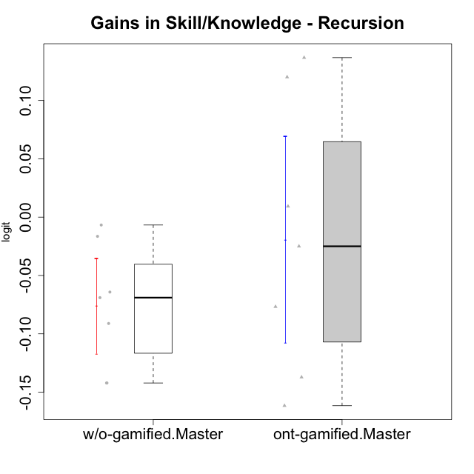

Student's t-Test data
UserID | NroUSP | Type | CLGroup | CLRole | PlayerRole | gain.theta
10174 | 10276852 | w/o-gamified | Grupo7 | Master |  | -0.064192799828
10175 | 10310700 | ont-gamified | Warriors | Master | Social Achiever | 0.13670973845
10176 | 10276949 | ont-gamified | Outlaws | Master | Social Achiever | -0.13718543611
10179 | 10310759 | w/o-gamified | Grupo10 | Master |  | -0.14214084425
10188 | 10276995 | ont-gamified | Vandals | Master | Yee Achiever | 0.12005763951
10191 | 10276981 | w/o-gamified | Grupo1 | Master |  | -0.14214084425
10215 | 9285227 | ont-gamified | Vikings | Master | Social Achiever | -0.07676191673
10216 | 10276720 | ont-gamified | Silly Knights | Master | Social Achiever | 0.0092634220038
10219 | 10276831 | w/o-gamified | Grupo3 | Master |  | -0.016447888608
10223 | 9795185 | ont-gamified | Slayers | Master | Social Achiever | -0.024982259368
10227 | 9274382 | w/o-gamified | Grupo5 | Master |  | -0.068996023635
10230 | 10351992 | ont-gamified | Resistance | Master | Social Achiever | -0.16159606383
10231 | 10276911 | w/o-gamified | Grupo9 | Master |  | -0.091131894711
10238 | 10276953 | w/o-gamified | Grupo2 | Master |  | -0.0067342219997

Type_CLRole_6
Student's t-Test for Gains in Skill/Knowledge - Recursion in Type:CLRole between w/o-gamified.Apprentice:w/o-gamified.Master

Student's t-Test results
Alternative hypothesis: less
Group | N | Mean | Mean.Difference | Std.deviation | Std.error | CI.lower | CI.upper | df | t.value | p.value | g | magnitude
w/o-gamified.Apprentice | 19 | -0.020184345433 | 0.055784871321 | 0.053531008122 | 0.012280855513 | -0.044746056459 | 0.004377365594 | 10.661025439 | 2.3412076278 | 0.98011258322 | 1.0068742522 | large
w/o-gamified.Master | 7 | -0.075969216754 | -0.055784871321 | 0.054022923829 | 0.020418745935 | -0.11680670862 | -0.035131724883 | 10.661025439 | 2.3412076278 | 0.98011258322 | 1.0068742522 | large
Alternative hypothesis: greater
Group | N | Mean | Mean.Difference | Std.deviation | Std.error | CI.lower | CI.upper | df | t.value | p.value | g | magnitude
w/o-gamified.Apprentice | 19 | -0.020184345433 | 0.055784871321 | 0.053531008122 | 0.012280855513 | -0.044746056459 | 0.004377365594 | 10.661025439 | 2.3412076278 | 0.019887416783 | 1.0068742522 | large
w/o-gamified.Master | 7 | -0.075969216754 | -0.055784871321 | 0.054022923829 | 0.020418745935 | -0.11680670862 | -0.035131724883 | 10.661025439 | 2.3412076278 | 0.019887416783 | 1.0068742522 | large
Alternative hypothesis: two.sided
Group | N | Mean | Mean.Difference | Std.deviation | Std.error | CI.lower | CI.upper | df | t.value | p.value | g | magnitude
w/o-gamified.Apprentice | 19 | -0.020184345433 | 0.055784871321 | 0.053531008122 | 0.012280855513 | -0.044746056459 | 0.004377365594 | 10.661025439 | 2.3412076278 | 0.039774833566 | 1.0068742522 | large
w/o-gamified.Master | 7 | -0.075969216754 | -0.055784871321 | 0.054022923829 | 0.020418745935 | -0.11680670862 | -0.035131724883 | 10.661025439 | 2.3412076278 | 0.039774833566 | 1.0068742522 | large

Box plots for Student's t-Test
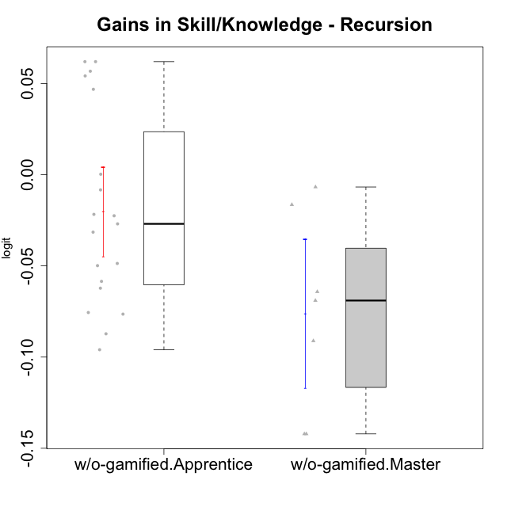

Student's t-Test data
UserID | NroUSP | Type | CLGroup | CLRole | PlayerRole | gain.theta
10170 | 10260351 | w/o-gamified | Grupo11 | Apprentice |  | -0.049864248236
10172 | 10273971 | w/o-gamified | Grupo5 | Apprentice |  | -0.087244706841
10174 | 10276852 | w/o-gamified | Grupo7 | Master |  | -0.064192799828
10179 | 10310759 | w/o-gamified | Grupo10 | Master |  | -0.14214084425
10181 | 10276866 | w/o-gamified | Grupo2 | Apprentice |  | 0.061983670949
10183 | 10352030 | w/o-gamified | Grupo3 | Apprentice |  | -0.02250697996
10184 | 10276675 | w/o-gamified | Grupo10 | Apprentice |  | -0.095965014603
10185 | 10276960 | w/o-gamified | Grupo9 | Apprentice |  | -0.048666718074
10190 | 10276907 | w/o-gamified | Grupo4 | Apprentice |  | -0.058486641391
10191 | 10276981 | w/o-gamified | Grupo1 | Master |  | -0.14214084425
10197 | 10276661 | w/o-gamified | Grupo8 | Apprentice |  | -0.026955419662
10201 | 10276928 | w/o-gamified | Grupo11 | Apprentice |  | -0.062221444254
10204 | 10310471 | w/o-gamified | Grupo6 | Apprentice |  | 0.061983670949
10206 | 10310721 | w/o-gamified | Grupo8 | Apprentice |  | -0.021736265354
10210 | 10277015 | w/o-gamified | Grupo6 | Apprentice |  | -0.0083152146769
10213 | 10277040 | w/o-gamified | Grupo7 | Apprentice |  | 0.00025589762936
10217 | 9805341 | w/o-gamified | Grupo9 | Apprentice |  | 0.046828574075
10218 | 9842913 | w/o-gamified | Grupo10 | Apprentice |  | -0.031490455225
10219 | 10276831 | w/o-gamified | Grupo3 | Master |  | -0.016447888608
10220 | 9760151 | w/o-gamified | Grupo3 | Apprentice |  | 0.056743372035
10226 | 10310342 | w/o-gamified | Grupo4 | Apprentice |  | 0.054173174068
10227 | 9274382 | w/o-gamified | Grupo5 | Master |  | -0.068996023635
10231 | 10276911 | w/o-gamified | Grupo9 | Master |  | -0.091131894711
10232 | 10276974 | w/o-gamified | Grupo7 | Apprentice |  | -0.075574271641
10238 | 10276953 | w/o-gamified | Grupo2 | Master |  | -0.0067342219997
10240 | 10276654 | w/o-gamified | Grupo5 | Apprentice |  | -0.076443543006

