Type_1
Wilcoxon Analysis for Pressure/Tension by Type in Type between ont-gamified:w/o-gamified

Wilcoxon test results
Alternative hypothesis: less
Group | N | Median | Mean.Ranks | Sum.Ranks | U | Z | p.value | r | magnitude
ont-gamified | 24 | 0.098420182851 | 25.895833333 | 621.5 | 321.5 | -0.047353161118 | 0.48316694674 | 0.0066307688429 | none
w/o-gamified | 27 | 0.098420182851 | 26.092592593 | 704.5 | 321.5 | -0.047353161118 | 0.48316694674 | 0.0066307688429 | none
Alternative hypothesis: greater
Group | N | Median | Mean.Ranks | Sum.Ranks | U | Z | p.value | r | magnitude
ont-gamified | 24 | 0.098420182851 | 25.895833333 | 621.5 | 321.5 | -0.047353161118 | 0.52057863621 | 0.0066307688429 | none
w/o-gamified | 27 | 0.098420182851 | 26.092592593 | 704.5 | 321.5 | -0.047353161118 | 0.52057863621 | 0.0066307688429 | none
Alternative hypothesis: two.sided
Group | N | Median | Mean.Ranks | Sum.Ranks | U | Z | p.value | r | magnitude
ont-gamified | 24 | 0.098420182851 | 25.895833333 | 621.5 | 321.5 | -0.047353161118 | 0.96630552952 | 0.0066307688429 | none
w/o-gamified | 27 | 0.098420182851 | 26.092592593 | 704.5 | 321.5 | -0.047353161118 | 0.96630552952 | 0.0066307688429 | none

Box plots for wilcoxon tests
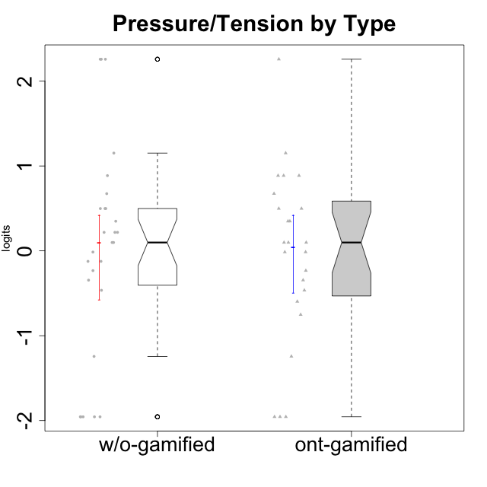

Wilcoxon data
UserID | NroUSP | Type | CLGroup | CLRole | PlayerRole | Score | theta | error | Outfit | Infit | Pressure/Tension
10169 | 10377538 | ont-gamified | Resistance | Apprentice | Social Achiever | 18 | 2.257957983 | 1.1365813429 | 0.14377804763 | 0.138738723 | 2.257957983
10170 | 10260351 | w/o-gamified | Grupo11 | Apprentice |  | 6 | -0.34516387181 | 0.36289207507 | 2.635504596 | 2.90755372 | -0.34516387181
10171 | 698531 | ont-gamified | Mafia | Master | Social Achiever | 3 | -0.75200607827 | 0.4386248786 | 0.19520830506 | 0.19283194549 | -0.75200607827
10172 | 10273971 | w/o-gamified | Grupo5 | Apprentice |  | 13 | 0.49843383845 | 0.41072461508 | 0.87837252835 | 0.9716449863 | 0.49843383845
10174 | 10276852 | w/o-gamified | Grupo7 | Master |  | 13 | 0.49843383845 | 0.41072461508 | 0.87837252835 | 0.9716449863 | 0.49843383845
10175 | 10310700 | ont-gamified | Warriors | Master | Social Achiever | 0 | -1.955513658 | 1.0819119008 | 0.14540796606 | 0.14922499768 | -1.955513658
10176 | 10276949 | ont-gamified | Outlaws | Master | Social Achiever | 14 | 0.67392894551 | 0.44492905774 | 0.54524578047 | 0.5796699159 | 0.67392894551
10179 | 10310759 | w/o-gamified | Grupo10 | Master |  | 1 | -1.2436466681 | 0.62973986672 | 0.35530419298 | 0.36726743593 | -1.2436466681
10181 | 10276866 | w/o-gamified | Grupo2 | Apprentice |  | 10 | 0.098420182851 | 0.35870886541 | 0.95797673023 | 0.92955567039 | 0.098420182851
10183 | 10352030 | w/o-gamified | Grupo3 | Apprentice |  | 15 | 0.88651569834 | 0.49349618344 | 0.2149360192 | 0.1869863127 | 0.88651569834
10184 | 10276675 | w/o-gamified | Grupo10 | Apprentice |  | 11 | 0.21805805011 | 0.36964146215 | 0.073965065139 | 0.071271037087 | 0.21805805011
10185 | 10276960 | w/o-gamified | Grupo9 | Apprentice |  | 13 | 0.49843383845 | 0.41072461508 | 0.29209764798 | 0.28068376722 | 0.49843383845
10186 | 10310551 | ont-gamified | Slayers | Apprentice | Social Achiever | 16 | 1.152083697 | 0.56705696238 | 0.53678155696 | 0.60139396426 | 1.152083697
10188 | 10276995 | ont-gamified | Vandals | Master | Yee Achiever | 0 | -1.955513658 | 1.0819119008 | 0.14540796606 | 0.14922499768 | -1.955513658
10189 | 9363926 | ont-gamified | Vikings | Apprentice | Social Achiever | 4 | -0.59711488184 | 0.40111802543 | 0.63728021818 | 0.67146822588 | -0.59711488184
10190 | 10276907 | w/o-gamified | Grupo4 | Apprentice |  | 14 | 0.67392894551 | 0.44492905774 | 1.1640704154 | 1.3711575217 | 0.67392894551
10191 | 10276981 | w/o-gamified | Grupo1 | Master |  | 0 | -1.955513658 | 1.0819119008 | 0.14540796606 | 0.14922499768 | -1.955513658
10192 | 10276682 | ont-gamified | Attractive Devils | Apprentice | Social Achiever | 13 | 0.49843383845 | 0.41072461508 | 0.013821418234 | 0.015072446277 | 0.49843383845
10193 | 10276762 | ont-gamified | Vandals | Apprentice | Yee Achiever | 7 | -0.23278238294 | 0.35456539811 | 2.2581970379 | 2.4418732402 | -0.23278238294
10197 | 10276661 | w/o-gamified | Grupo8 | Apprentice |  | 10 | 0.098420182851 | 0.35870886541 | 0.47279191608 | 0.45876522429 | 0.098420182851
10198 | 10310888 | ont-gamified | Attractive Devils | Apprentice | Social Achiever | 13 | 0.49843383845 | 0.41072461508 | 0.013821418234 | 0.015072446277 | 0.49843383845
10199 | 10276737 | w/o-gamified | Grupo1 | Apprentice |  | 9 | -0.014243883551 | 0.3527541747 | 0.21220125043 | 0.20678646451 | -0.014243883551
10200 | 9795272 | ont-gamified | Warriors | Apprentice | Social Achiever | 15 | 0.88651569834 | 0.49349618344 | 0.38964618245 | 0.35108751277 | 0.88651569834
10201 | 10276928 | w/o-gamified | Grupo11 | Apprentice |  | 8 | -0.12357408627 | 0.3513626995 | 0.20828963674 | 0.20444604755 | -0.12357408627
10202 | 10277036 | ont-gamified | Silly Knights | Apprentice | Social Achiever | 10 | 0.098420182851 | 0.35870886541 | 0.15301513921 | 0.16380969701 | 0.098420182851
10203 | 9921470 | ont-gamified | Mercenaries | Apprentice | Social Achiever | 9 | -0.014243883551 | 0.3527541747 | 1.5664865152 | 1.5310680062 | -0.014243883551
10204 | 10310471 | w/o-gamified | Grupo6 | Apprentice |  | 18 | 2.257957983 | 1.1365813429 | 0.14377804763 | 0.138738723 | 2.257957983
10206 | 10310721 | w/o-gamified | Grupo8 | Apprentice |  | 8 | -0.12357408627 | 0.3513626995 | 0.081293002169 | 0.081485069459 | -0.12357408627
10208 | 10276932 | ont-gamified | Mercenaries | Master | Social Achiever | 5 | -0.46470826867 | 0.37758171737 | 0.035364748557 | 0.036531708897 | -0.46470826867
10209 | 10262669 | ont-gamified | Mafia | Apprentice | Social Achiever | 1 | -1.2436466681 | 0.62973986672 | 0.39742874762 | 0.40123805815 | -1.2436466681
10210 | 10277015 | w/o-gamified | Grupo6 | Apprentice |  | 18 | 2.257957983 | 1.1365813429 | 0.14377804763 | 0.138738723 | 2.257957983
10213 | 10277040 | w/o-gamified | Grupo7 | Apprentice |  | 11 | 0.21805805011 | 0.36964146215 | 1.5968975519 | 1.5253705855 | 0.21805805011
10214 | 10277022 | ont-gamified | Vikings | Apprentice | Social Achiever | 12 | 0.34930127605 | 0.38646244106 | 1.4689158655 | 1.5257774249 | 0.34930127605
10215 | 9285227 | ont-gamified | Vikings | Master | Social Achiever | 6 | -0.34516387181 | 0.36289207507 | 2.635504596 | 2.90755372 | -0.34516387181
10216 | 10276720 | ont-gamified | Silly Knights | Master | Social Achiever | 0 | -1.955513658 | 1.0819119008 | 0.14540796606 | 0.14922499768 | -1.955513658
10217 | 9805341 | w/o-gamified | Grupo9 | Apprentice |  | 0 | -1.955513658 | 1.0819119008 | 0.14540796606 | 0.14922499768 | -1.955513658
10218 | 9842913 | w/o-gamified | Grupo10 | Apprentice |  | 12 | 0.34930127605 | 0.38646244106 | 0.62091783243 | 0.68521801985 | 0.34930127605
10219 | 10276831 | w/o-gamified | Grupo3 | Master |  | 0 | -1.955513658 | 1.0819119008 | 0.14540796606 | 0.14922499768 | -1.955513658
10220 | 9760151 | w/o-gamified | Grupo3 | Apprentice |  | 0 | -1.955513658 | 1.0819119008 | 0.14540796606 | 0.14922499768 | -1.955513658
10221 | 9082496 | ont-gamified | Warriors | Apprentice | Social Achiever | 9 | -0.014243883551 | 0.3527541747 | 0.95972290657 | 0.96999386936 | -0.014243883551
10223 | 9795185 | ont-gamified | Slayers | Master | Social Achiever | 10 | 0.098420182851 | 0.35870886541 | 0.46317628079 | 0.43841020577 | 0.098420182851
10224 | 9368772 | ont-gamified | Mercenaries | Apprentice | Social Achiever | 15 | 0.88651569834 | 0.49349618344 | 0.36258340427 | 0.32518833233 | 0.88651569834
10226 | 10310342 | w/o-gamified | Grupo4 | Apprentice |  | 18 | 2.257957983 | 1.1365813429 | 0.14377804763 | 0.138738723 | 2.257957983
10227 | 9274382 | w/o-gamified | Grupo5 | Master |  | 11 | 0.21805805011 | 0.36964146215 | 0.63610808146 | 0.64032362709 | 0.21805805011
10228 | 10310492 | ont-gamified | Resistance | Apprentice | Social Achiever | 10 | 0.098420182851 | 0.35870886541 | 1.5480148299 | 1.6367690859 | 0.098420182851
10230 | 10351992 | ont-gamified | Resistance | Master | Social Achiever | 12 | 0.34930127605 | 0.38646244106 | 1.3257920979 | 1.4293034278 | 0.34930127605
10231 | 10276911 | w/o-gamified | Grupo9 | Master |  | 0 | -1.955513658 | 1.0819119008 | 0.14540796606 | 0.14922499768 | -1.955513658
10232 | 10276974 | w/o-gamified | Grupo7 | Apprentice |  | 7 | -0.23278238294 | 0.35456539811 | 0.49578338858 | 0.53844728063 | -0.23278238294
10234 | 10310676 | w/o-gamified | Grupo4 | Master |  | 5 | -0.46470826867 | 0.37758171737 | 0.8428526428 | 0.89415772645 | -0.46470826867
10237 | 10377688 | ont-gamified | Outlaws | Apprentice | Social Achiever | 15 | 0.88651569834 | 0.49349618344 | 0.38964618245 | 0.35108751277 | 0.88651569834
10238 | 10276953 | w/o-gamified | Grupo2 | Master |  | 16 | 1.152083697 | 0.56705696238 | 0.47997750204 | 0.51962841416 | 1.152083697

Type_CLRole_1
Wilcoxon Analysis for Pressure/Tension by Type in Type:CLRole between ont-gamified.Apprentice:ont-gamified.Master

Wilcoxon test results
Alternative hypothesis: less
Group | N | Median | Mean.Ranks | Sum.Ranks | U | Z | p.value | r | magnitude
ont-gamified.Apprentice | 15 | 0.34930127605 | 15.1 | 226.5 | 106.5 | 2.3331311781 | 0.99167956656 | 0.47624840744 | medium
ont-gamified.Master | 9 | -0.46470826867 | 8.1666666667 | 73.5 | 106.5 | 2.3331311781 | 0.99167956656 | 0.47624840744 | medium
Alternative hypothesis: greater
Group | N | Median | Mean.Ranks | Sum.Ranks | U | Z | p.value | r | magnitude
ont-gamified.Apprentice | 15 | 0.34930127605 | 15.1 | 226.5 | 106.5 | 2.3331311781 | 0.0091296087813 | 0.47624840744 | medium
ont-gamified.Master | 9 | -0.46470826867 | 8.1666666667 | 73.5 | 106.5 | 2.3331311781 | 0.0091296087813 | 0.47624840744 | medium
Alternative hypothesis: two.sided
Group | N | Median | Mean.Ranks | Sum.Ranks | U | Z | p.value | r | magnitude
ont-gamified.Apprentice | 15 | 0.34930127605 | 15.1 | 226.5 | 106.5 | 2.3331311781 | 0.018203385993 | 0.47624840744 | medium
ont-gamified.Master | 9 | -0.46470826867 | 8.1666666667 | 73.5 | 106.5 | 2.3331311781 | 0.018203385993 | 0.47624840744 | medium

Box plots for wilcoxon tests
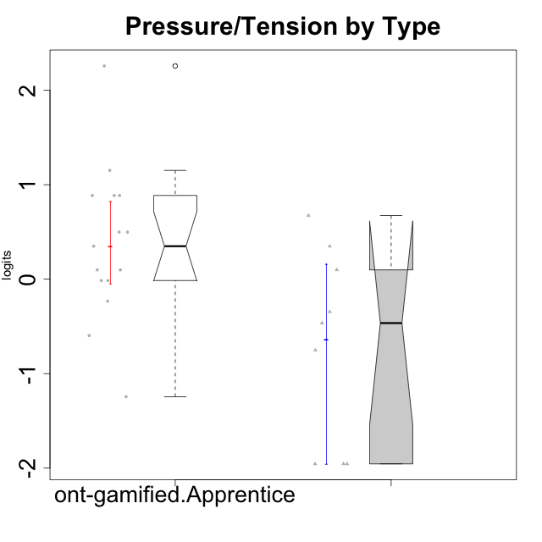

Wilcoxon data
UserID | NroUSP | Type | CLGroup | CLRole | PlayerRole | Score | theta | error | Outfit | Infit | Pressure/Tension
10169 | 10377538 | ont-gamified | Resistance | Apprentice | Social Achiever | 18 | 2.257957983 | 1.1365813429 | 0.14377804763 | 0.138738723 | 2.257957983
10171 | 698531 | ont-gamified | Mafia | Master | Social Achiever | 3 | -0.75200607827 | 0.4386248786 | 0.19520830506 | 0.19283194549 | -0.75200607827
10175 | 10310700 | ont-gamified | Warriors | Master | Social Achiever | 0 | -1.955513658 | 1.0819119008 | 0.14540796606 | 0.14922499768 | -1.955513658
10176 | 10276949 | ont-gamified | Outlaws | Master | Social Achiever | 14 | 0.67392894551 | 0.44492905774 | 0.54524578047 | 0.5796699159 | 0.67392894551
10186 | 10310551 | ont-gamified | Slayers | Apprentice | Social Achiever | 16 | 1.152083697 | 0.56705696238 | 0.53678155696 | 0.60139396426 | 1.152083697
10188 | 10276995 | ont-gamified | Vandals | Master | Yee Achiever | 0 | -1.955513658 | 1.0819119008 | 0.14540796606 | 0.14922499768 | -1.955513658
10189 | 9363926 | ont-gamified | Vikings | Apprentice | Social Achiever | 4 | -0.59711488184 | 0.40111802543 | 0.63728021818 | 0.67146822588 | -0.59711488184
10192 | 10276682 | ont-gamified | Attractive Devils | Apprentice | Social Achiever | 13 | 0.49843383845 | 0.41072461508 | 0.013821418234 | 0.015072446277 | 0.49843383845
10193 | 10276762 | ont-gamified | Vandals | Apprentice | Yee Achiever | 7 | -0.23278238294 | 0.35456539811 | 2.2581970379 | 2.4418732402 | -0.23278238294
10198 | 10310888 | ont-gamified | Attractive Devils | Apprentice | Social Achiever | 13 | 0.49843383845 | 0.41072461508 | 0.013821418234 | 0.015072446277 | 0.49843383845
10200 | 9795272 | ont-gamified | Warriors | Apprentice | Social Achiever | 15 | 0.88651569834 | 0.49349618344 | 0.38964618245 | 0.35108751277 | 0.88651569834
10202 | 10277036 | ont-gamified | Silly Knights | Apprentice | Social Achiever | 10 | 0.098420182851 | 0.35870886541 | 0.15301513921 | 0.16380969701 | 0.098420182851
10203 | 9921470 | ont-gamified | Mercenaries | Apprentice | Social Achiever | 9 | -0.014243883551 | 0.3527541747 | 1.5664865152 | 1.5310680062 | -0.014243883551
10208 | 10276932 | ont-gamified | Mercenaries | Master | Social Achiever | 5 | -0.46470826867 | 0.37758171737 | 0.035364748557 | 0.036531708897 | -0.46470826867
10209 | 10262669 | ont-gamified | Mafia | Apprentice | Social Achiever | 1 | -1.2436466681 | 0.62973986672 | 0.39742874762 | 0.40123805815 | -1.2436466681
10214 | 10277022 | ont-gamified | Vikings | Apprentice | Social Achiever | 12 | 0.34930127605 | 0.38646244106 | 1.4689158655 | 1.5257774249 | 0.34930127605
10215 | 9285227 | ont-gamified | Vikings | Master | Social Achiever | 6 | -0.34516387181 | 0.36289207507 | 2.635504596 | 2.90755372 | -0.34516387181
10216 | 10276720 | ont-gamified | Silly Knights | Master | Social Achiever | 0 | -1.955513658 | 1.0819119008 | 0.14540796606 | 0.14922499768 | -1.955513658
10221 | 9082496 | ont-gamified | Warriors | Apprentice | Social Achiever | 9 | -0.014243883551 | 0.3527541747 | 0.95972290657 | 0.96999386936 | -0.014243883551
10223 | 9795185 | ont-gamified | Slayers | Master | Social Achiever | 10 | 0.098420182851 | 0.35870886541 | 0.46317628079 | 0.43841020577 | 0.098420182851
10224 | 9368772 | ont-gamified | Mercenaries | Apprentice | Social Achiever | 15 | 0.88651569834 | 0.49349618344 | 0.36258340427 | 0.32518833233 | 0.88651569834
10228 | 10310492 | ont-gamified | Resistance | Apprentice | Social Achiever | 10 | 0.098420182851 | 0.35870886541 | 1.5480148299 | 1.6367690859 | 0.098420182851
10230 | 10351992 | ont-gamified | Resistance | Master | Social Achiever | 12 | 0.34930127605 | 0.38646244106 | 1.3257920979 | 1.4293034278 | 0.34930127605
10237 | 10377688 | ont-gamified | Outlaws | Apprentice | Social Achiever | 15 | 0.88651569834 | 0.49349618344 | 0.38964618245 | 0.35108751277 | 0.88651569834

Type_CLRole_2
Wilcoxon Analysis for Pressure/Tension by Type in Type:CLRole between ont-gamified.Apprentice:w/o-gamified.Apprentice

Wilcoxon test results
Alternative hypothesis: less
Group | N | Median | Mean.Ranks | Sum.Ranks | U | Z | p.value | r | magnitude
ont-gamified.Apprentice | 15 | 0.34930127605 | 18.266666667 | 274 | 154 | 0.40037212079 | 0.65675660854 | 0.068663252246 | none
w/o-gamified.Apprentice | 19 | 0.21805805011 | 16.894736842 | 321 | 154 | 0.40037212079 | 0.65675660854 | 0.068663252246 | none
Alternative hypothesis: greater
Group | N | Median | Mean.Ranks | Sum.Ranks | U | Z | p.value | r | magnitude
ont-gamified.Apprentice | 15 | 0.34930127605 | 18.266666667 | 274 | 154 | 0.40037212079 | 0.3495640969 | 0.068663252246 | none
w/o-gamified.Apprentice | 19 | 0.21805805011 | 16.894736842 | 321 | 154 | 0.40037212079 | 0.3495640969 | 0.068663252246 | none
Alternative hypothesis: two.sided
Group | N | Median | Mean.Ranks | Sum.Ranks | U | Z | p.value | r | magnitude
ont-gamified.Apprentice | 15 | 0.34930127605 | 18.266666667 | 274 | 154 | 0.40037212079 | 0.69906828057 | 0.068663252246 | none
w/o-gamified.Apprentice | 19 | 0.21805805011 | 16.894736842 | 321 | 154 | 0.40037212079 | 0.69906828057 | 0.068663252246 | none

Box plots for wilcoxon tests
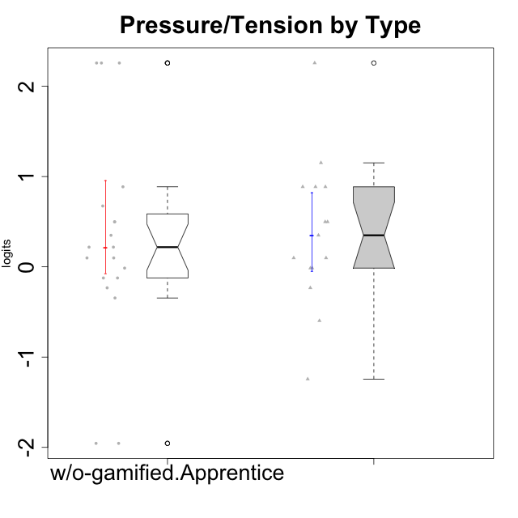

Wilcoxon data
UserID | NroUSP | Type | CLGroup | CLRole | PlayerRole | Score | theta | error | Outfit | Infit | Pressure/Tension
10169 | 10377538 | ont-gamified | Resistance | Apprentice | Social Achiever | 18 | 2.257957983 | 1.1365813429 | 0.14377804763 | 0.138738723 | 2.257957983
10170 | 10260351 | w/o-gamified | Grupo11 | Apprentice |  | 6 | -0.34516387181 | 0.36289207507 | 2.635504596 | 2.90755372 | -0.34516387181
10172 | 10273971 | w/o-gamified | Grupo5 | Apprentice |  | 13 | 0.49843383845 | 0.41072461508 | 0.87837252835 | 0.9716449863 | 0.49843383845
10181 | 10276866 | w/o-gamified | Grupo2 | Apprentice |  | 10 | 0.098420182851 | 0.35870886541 | 0.95797673023 | 0.92955567039 | 0.098420182851
10183 | 10352030 | w/o-gamified | Grupo3 | Apprentice |  | 15 | 0.88651569834 | 0.49349618344 | 0.2149360192 | 0.1869863127 | 0.88651569834
10184 | 10276675 | w/o-gamified | Grupo10 | Apprentice |  | 11 | 0.21805805011 | 0.36964146215 | 0.073965065139 | 0.071271037087 | 0.21805805011
10185 | 10276960 | w/o-gamified | Grupo9 | Apprentice |  | 13 | 0.49843383845 | 0.41072461508 | 0.29209764798 | 0.28068376722 | 0.49843383845
10186 | 10310551 | ont-gamified | Slayers | Apprentice | Social Achiever | 16 | 1.152083697 | 0.56705696238 | 0.53678155696 | 0.60139396426 | 1.152083697
10189 | 9363926 | ont-gamified | Vikings | Apprentice | Social Achiever | 4 | -0.59711488184 | 0.40111802543 | 0.63728021818 | 0.67146822588 | -0.59711488184
10190 | 10276907 | w/o-gamified | Grupo4 | Apprentice |  | 14 | 0.67392894551 | 0.44492905774 | 1.1640704154 | 1.3711575217 | 0.67392894551
10192 | 10276682 | ont-gamified | Attractive Devils | Apprentice | Social Achiever | 13 | 0.49843383845 | 0.41072461508 | 0.013821418234 | 0.015072446277 | 0.49843383845
10193 | 10276762 | ont-gamified | Vandals | Apprentice | Yee Achiever | 7 | -0.23278238294 | 0.35456539811 | 2.2581970379 | 2.4418732402 | -0.23278238294
10197 | 10276661 | w/o-gamified | Grupo8 | Apprentice |  | 10 | 0.098420182851 | 0.35870886541 | 0.47279191608 | 0.45876522429 | 0.098420182851
10198 | 10310888 | ont-gamified | Attractive Devils | Apprentice | Social Achiever | 13 | 0.49843383845 | 0.41072461508 | 0.013821418234 | 0.015072446277 | 0.49843383845
10199 | 10276737 | w/o-gamified | Grupo1 | Apprentice |  | 9 | -0.014243883551 | 0.3527541747 | 0.21220125043 | 0.20678646451 | -0.014243883551
10200 | 9795272 | ont-gamified | Warriors | Apprentice | Social Achiever | 15 | 0.88651569834 | 0.49349618344 | 0.38964618245 | 0.35108751277 | 0.88651569834
10201 | 10276928 | w/o-gamified | Grupo11 | Apprentice |  | 8 | -0.12357408627 | 0.3513626995 | 0.20828963674 | 0.20444604755 | -0.12357408627
10202 | 10277036 | ont-gamified | Silly Knights | Apprentice | Social Achiever | 10 | 0.098420182851 | 0.35870886541 | 0.15301513921 | 0.16380969701 | 0.098420182851
10203 | 9921470 | ont-gamified | Mercenaries | Apprentice | Social Achiever | 9 | -0.014243883551 | 0.3527541747 | 1.5664865152 | 1.5310680062 | -0.014243883551
10204 | 10310471 | w/o-gamified | Grupo6 | Apprentice |  | 18 | 2.257957983 | 1.1365813429 | 0.14377804763 | 0.138738723 | 2.257957983
10206 | 10310721 | w/o-gamified | Grupo8 | Apprentice |  | 8 | -0.12357408627 | 0.3513626995 | 0.081293002169 | 0.081485069459 | -0.12357408627
10209 | 10262669 | ont-gamified | Mafia | Apprentice | Social Achiever | 1 | -1.2436466681 | 0.62973986672 | 0.39742874762 | 0.40123805815 | -1.2436466681
10210 | 10277015 | w/o-gamified | Grupo6 | Apprentice |  | 18 | 2.257957983 | 1.1365813429 | 0.14377804763 | 0.138738723 | 2.257957983
10213 | 10277040 | w/o-gamified | Grupo7 | Apprentice |  | 11 | 0.21805805011 | 0.36964146215 | 1.5968975519 | 1.5253705855 | 0.21805805011
10214 | 10277022 | ont-gamified | Vikings | Apprentice | Social Achiever | 12 | 0.34930127605 | 0.38646244106 | 1.4689158655 | 1.5257774249 | 0.34930127605
10217 | 9805341 | w/o-gamified | Grupo9 | Apprentice |  | 0 | -1.955513658 | 1.0819119008 | 0.14540796606 | 0.14922499768 | -1.955513658
10218 | 9842913 | w/o-gamified | Grupo10 | Apprentice |  | 12 | 0.34930127605 | 0.38646244106 | 0.62091783243 | 0.68521801985 | 0.34930127605
10220 | 9760151 | w/o-gamified | Grupo3 | Apprentice |  | 0 | -1.955513658 | 1.0819119008 | 0.14540796606 | 0.14922499768 | -1.955513658
10221 | 9082496 | ont-gamified | Warriors | Apprentice | Social Achiever | 9 | -0.014243883551 | 0.3527541747 | 0.95972290657 | 0.96999386936 | -0.014243883551
10224 | 9368772 | ont-gamified | Mercenaries | Apprentice | Social Achiever | 15 | 0.88651569834 | 0.49349618344 | 0.36258340427 | 0.32518833233 | 0.88651569834
10226 | 10310342 | w/o-gamified | Grupo4 | Apprentice |  | 18 | 2.257957983 | 1.1365813429 | 0.14377804763 | 0.138738723 | 2.257957983
10228 | 10310492 | ont-gamified | Resistance | Apprentice | Social Achiever | 10 | 0.098420182851 | 0.35870886541 | 1.5480148299 | 1.6367690859 | 0.098420182851
10232 | 10276974 | w/o-gamified | Grupo7 | Apprentice |  | 7 | -0.23278238294 | 0.35456539811 | 0.49578338858 | 0.53844728063 | -0.23278238294
10237 | 10377688 | ont-gamified | Outlaws | Apprentice | Social Achiever | 15 | 0.88651569834 | 0.49349618344 | 0.38964618245 | 0.35108751277 | 0.88651569834

Type_CLRole_3
Wilcoxon Analysis for Pressure/Tension by Type in Type:CLRole between ont-gamified.Apprentice:w/o-gamified.Master

Wilcoxon test results
Alternative hypothesis: less
Group | N | Median | Mean.Ranks | Sum.Ranks | U | Z | p.value | r | magnitude
ont-gamified.Apprentice | 15 | 0.34930127605 | 13.866666667 | 208 | 88 | 1.8145787068 | 0.96677639227 | 0.37836581581 | medium
w/o-gamified.Master | 8 | -0.85417746837 | 8.5 | 68 | 88 | 1.8145787068 | 0.96677639227 | 0.37836581581 | medium
Alternative hypothesis: greater
Group | N | Median | Mean.Ranks | Sum.Ranks | U | Z | p.value | r | magnitude
ont-gamified.Apprentice | 15 | 0.34930127605 | 13.866666667 | 208 | 88 | 1.8145787068 | 0.035811745127 | 0.37836581581 | medium
w/o-gamified.Master | 8 | -0.85417746837 | 8.5 | 68 | 88 | 1.8145787068 | 0.035811745127 | 0.37836581581 | medium
Alternative hypothesis: two.sided
Group | N | Median | Mean.Ranks | Sum.Ranks | U | Z | p.value | r | magnitude
ont-gamified.Apprentice | 15 | 0.34930127605 | 13.866666667 | 208 | 88 | 1.8145787068 | 0.071658161913 | 0.37836581581 | medium
w/o-gamified.Master | 8 | -0.85417746837 | 8.5 | 68 | 88 | 1.8145787068 | 0.071658161913 | 0.37836581581 | medium

Box plots for wilcoxon tests
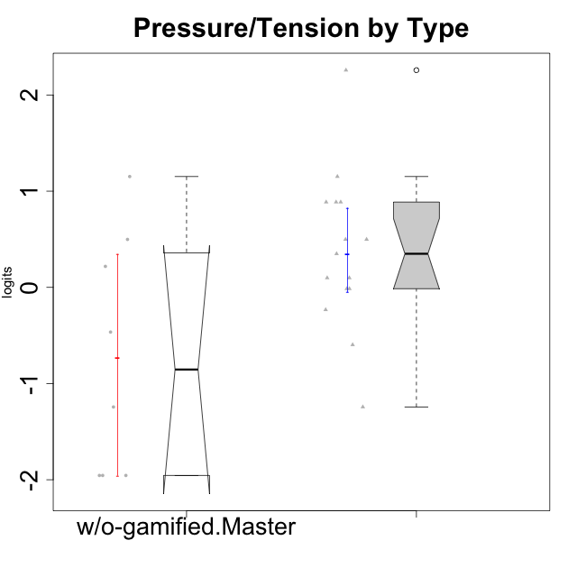

Wilcoxon data
UserID | NroUSP | Type | CLGroup | CLRole | PlayerRole | Score | theta | error | Outfit | Infit | Pressure/Tension
10169 | 10377538 | ont-gamified | Resistance | Apprentice | Social Achiever | 18 | 2.257957983 | 1.1365813429 | 0.14377804763 | 0.138738723 | 2.257957983
10174 | 10276852 | w/o-gamified | Grupo7 | Master |  | 13 | 0.49843383845 | 0.41072461508 | 0.87837252835 | 0.9716449863 | 0.49843383845
10179 | 10310759 | w/o-gamified | Grupo10 | Master |  | 1 | -1.2436466681 | 0.62973986672 | 0.35530419298 | 0.36726743593 | -1.2436466681
10186 | 10310551 | ont-gamified | Slayers | Apprentice | Social Achiever | 16 | 1.152083697 | 0.56705696238 | 0.53678155696 | 0.60139396426 | 1.152083697
10189 | 9363926 | ont-gamified | Vikings | Apprentice | Social Achiever | 4 | -0.59711488184 | 0.40111802543 | 0.63728021818 | 0.67146822588 | -0.59711488184
10191 | 10276981 | w/o-gamified | Grupo1 | Master |  | 0 | -1.955513658 | 1.0819119008 | 0.14540796606 | 0.14922499768 | -1.955513658
10192 | 10276682 | ont-gamified | Attractive Devils | Apprentice | Social Achiever | 13 | 0.49843383845 | 0.41072461508 | 0.013821418234 | 0.015072446277 | 0.49843383845
10193 | 10276762 | ont-gamified | Vandals | Apprentice | Yee Achiever | 7 | -0.23278238294 | 0.35456539811 | 2.2581970379 | 2.4418732402 | -0.23278238294
10198 | 10310888 | ont-gamified | Attractive Devils | Apprentice | Social Achiever | 13 | 0.49843383845 | 0.41072461508 | 0.013821418234 | 0.015072446277 | 0.49843383845
10200 | 9795272 | ont-gamified | Warriors | Apprentice | Social Achiever | 15 | 0.88651569834 | 0.49349618344 | 0.38964618245 | 0.35108751277 | 0.88651569834
10202 | 10277036 | ont-gamified | Silly Knights | Apprentice | Social Achiever | 10 | 0.098420182851 | 0.35870886541 | 0.15301513921 | 0.16380969701 | 0.098420182851
10203 | 9921470 | ont-gamified | Mercenaries | Apprentice | Social Achiever | 9 | -0.014243883551 | 0.3527541747 | 1.5664865152 | 1.5310680062 | -0.014243883551
10209 | 10262669 | ont-gamified | Mafia | Apprentice | Social Achiever | 1 | -1.2436466681 | 0.62973986672 | 0.39742874762 | 0.40123805815 | -1.2436466681
10214 | 10277022 | ont-gamified | Vikings | Apprentice | Social Achiever | 12 | 0.34930127605 | 0.38646244106 | 1.4689158655 | 1.5257774249 | 0.34930127605
10219 | 10276831 | w/o-gamified | Grupo3 | Master |  | 0 | -1.955513658 | 1.0819119008 | 0.14540796606 | 0.14922499768 | -1.955513658
10221 | 9082496 | ont-gamified | Warriors | Apprentice | Social Achiever | 9 | -0.014243883551 | 0.3527541747 | 0.95972290657 | 0.96999386936 | -0.014243883551
10224 | 9368772 | ont-gamified | Mercenaries | Apprentice | Social Achiever | 15 | 0.88651569834 | 0.49349618344 | 0.36258340427 | 0.32518833233 | 0.88651569834
10227 | 9274382 | w/o-gamified | Grupo5 | Master |  | 11 | 0.21805805011 | 0.36964146215 | 0.63610808146 | 0.64032362709 | 0.21805805011
10228 | 10310492 | ont-gamified | Resistance | Apprentice | Social Achiever | 10 | 0.098420182851 | 0.35870886541 | 1.5480148299 | 1.6367690859 | 0.098420182851
10231 | 10276911 | w/o-gamified | Grupo9 | Master |  | 0 | -1.955513658 | 1.0819119008 | 0.14540796606 | 0.14922499768 | -1.955513658
10234 | 10310676 | w/o-gamified | Grupo4 | Master |  | 5 | -0.46470826867 | 0.37758171737 | 0.8428526428 | 0.89415772645 | -0.46470826867
10237 | 10377688 | ont-gamified | Outlaws | Apprentice | Social Achiever | 15 | 0.88651569834 | 0.49349618344 | 0.38964618245 | 0.35108751277 | 0.88651569834
10238 | 10276953 | w/o-gamified | Grupo2 | Master |  | 16 | 1.152083697 | 0.56705696238 | 0.47997750204 | 0.51962841416 | 1.152083697

Type_CLRole_4
Wilcoxon Analysis for Pressure/Tension by Type in Type:CLRole between ont-gamified.Master:w/o-gamified.Apprentice

Wilcoxon test results
Alternative hypothesis: less
Group | N | Median | Mean.Ranks | Sum.Ranks | U | Z | p.value | r | magnitude
ont-gamified.Master | 9 | -0.46470826867 | 9.8333333333 | 88.5 | 43.5 | -2.0757394798 | 0.018614429049 | 0.39227788929 | medium
w/o-gamified.Apprentice | 19 | 0.21805805011 | 16.710526316 | 317.5 | 43.5 | -2.0757394798 | 0.018614429049 | 0.39227788929 | medium
Alternative hypothesis: greater
Group | N | Median | Mean.Ranks | Sum.Ranks | U | Z | p.value | r | magnitude
ont-gamified.Master | 9 | -0.46470826867 | 9.8333333333 | 88.5 | 43.5 | -2.0757394798 | 0.98254151645 | 0.39227788929 | medium
w/o-gamified.Apprentice | 19 | 0.21805805011 | 16.710526316 | 317.5 | 43.5 | -2.0757394798 | 0.98254151645 | 0.39227788929 | medium
Alternative hypothesis: two.sided
Group | N | Median | Mean.Ranks | Sum.Ranks | U | Z | p.value | r | magnitude
ont-gamified.Master | 9 | -0.46470826867 | 9.8333333333 | 88.5 | 43.5 | -2.0757394798 | 0.037406796102 | 0.39227788929 | medium
w/o-gamified.Apprentice | 19 | 0.21805805011 | 16.710526316 | 317.5 | 43.5 | -2.0757394798 | 0.037406796102 | 0.39227788929 | medium

Box plots for wilcoxon tests
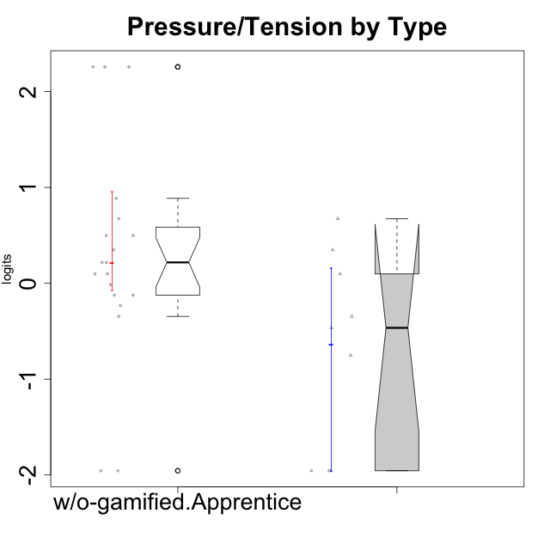

Wilcoxon data
UserID | NroUSP | Type | CLGroup | CLRole | PlayerRole | Score | theta | error | Outfit | Infit | Pressure/Tension
10170 | 10260351 | w/o-gamified | Grupo11 | Apprentice |  | 6 | -0.34516387181 | 0.36289207507 | 2.635504596 | 2.90755372 | -0.34516387181
10171 | 698531 | ont-gamified | Mafia | Master | Social Achiever | 3 | -0.75200607827 | 0.4386248786 | 0.19520830506 | 0.19283194549 | -0.75200607827
10172 | 10273971 | w/o-gamified | Grupo5 | Apprentice |  | 13 | 0.49843383845 | 0.41072461508 | 0.87837252835 | 0.9716449863 | 0.49843383845
10175 | 10310700 | ont-gamified | Warriors | Master | Social Achiever | 0 | -1.955513658 | 1.0819119008 | 0.14540796606 | 0.14922499768 | -1.955513658
10176 | 10276949 | ont-gamified | Outlaws | Master | Social Achiever | 14 | 0.67392894551 | 0.44492905774 | 0.54524578047 | 0.5796699159 | 0.67392894551
10181 | 10276866 | w/o-gamified | Grupo2 | Apprentice |  | 10 | 0.098420182851 | 0.35870886541 | 0.95797673023 | 0.92955567039 | 0.098420182851
10183 | 10352030 | w/o-gamified | Grupo3 | Apprentice |  | 15 | 0.88651569834 | 0.49349618344 | 0.2149360192 | 0.1869863127 | 0.88651569834
10184 | 10276675 | w/o-gamified | Grupo10 | Apprentice |  | 11 | 0.21805805011 | 0.36964146215 | 0.073965065139 | 0.071271037087 | 0.21805805011
10185 | 10276960 | w/o-gamified | Grupo9 | Apprentice |  | 13 | 0.49843383845 | 0.41072461508 | 0.29209764798 | 0.28068376722 | 0.49843383845
10188 | 10276995 | ont-gamified | Vandals | Master | Yee Achiever | 0 | -1.955513658 | 1.0819119008 | 0.14540796606 | 0.14922499768 | -1.955513658
10190 | 10276907 | w/o-gamified | Grupo4 | Apprentice |  | 14 | 0.67392894551 | 0.44492905774 | 1.1640704154 | 1.3711575217 | 0.67392894551
10197 | 10276661 | w/o-gamified | Grupo8 | Apprentice |  | 10 | 0.098420182851 | 0.35870886541 | 0.47279191608 | 0.45876522429 | 0.098420182851
10199 | 10276737 | w/o-gamified | Grupo1 | Apprentice |  | 9 | -0.014243883551 | 0.3527541747 | 0.21220125043 | 0.20678646451 | -0.014243883551
10201 | 10276928 | w/o-gamified | Grupo11 | Apprentice |  | 8 | -0.12357408627 | 0.3513626995 | 0.20828963674 | 0.20444604755 | -0.12357408627
10204 | 10310471 | w/o-gamified | Grupo6 | Apprentice |  | 18 | 2.257957983 | 1.1365813429 | 0.14377804763 | 0.138738723 | 2.257957983
10206 | 10310721 | w/o-gamified | Grupo8 | Apprentice |  | 8 | -0.12357408627 | 0.3513626995 | 0.081293002169 | 0.081485069459 | -0.12357408627
10208 | 10276932 | ont-gamified | Mercenaries | Master | Social Achiever | 5 | -0.46470826867 | 0.37758171737 | 0.035364748557 | 0.036531708897 | -0.46470826867
10210 | 10277015 | w/o-gamified | Grupo6 | Apprentice |  | 18 | 2.257957983 | 1.1365813429 | 0.14377804763 | 0.138738723 | 2.257957983
10213 | 10277040 | w/o-gamified | Grupo7 | Apprentice |  | 11 | 0.21805805011 | 0.36964146215 | 1.5968975519 | 1.5253705855 | 0.21805805011
10215 | 9285227 | ont-gamified | Vikings | Master | Social Achiever | 6 | -0.34516387181 | 0.36289207507 | 2.635504596 | 2.90755372 | -0.34516387181
10216 | 10276720 | ont-gamified | Silly Knights | Master | Social Achiever | 0 | -1.955513658 | 1.0819119008 | 0.14540796606 | 0.14922499768 | -1.955513658
10217 | 9805341 | w/o-gamified | Grupo9 | Apprentice |  | 0 | -1.955513658 | 1.0819119008 | 0.14540796606 | 0.14922499768 | -1.955513658
10218 | 9842913 | w/o-gamified | Grupo10 | Apprentice |  | 12 | 0.34930127605 | 0.38646244106 | 0.62091783243 | 0.68521801985 | 0.34930127605
10220 | 9760151 | w/o-gamified | Grupo3 | Apprentice |  | 0 | -1.955513658 | 1.0819119008 | 0.14540796606 | 0.14922499768 | -1.955513658
10223 | 9795185 | ont-gamified | Slayers | Master | Social Achiever | 10 | 0.098420182851 | 0.35870886541 | 0.46317628079 | 0.43841020577 | 0.098420182851
10226 | 10310342 | w/o-gamified | Grupo4 | Apprentice |  | 18 | 2.257957983 | 1.1365813429 | 0.14377804763 | 0.138738723 | 2.257957983
10230 | 10351992 | ont-gamified | Resistance | Master | Social Achiever | 12 | 0.34930127605 | 0.38646244106 | 1.3257920979 | 1.4293034278 | 0.34930127605
10232 | 10276974 | w/o-gamified | Grupo7 | Apprentice |  | 7 | -0.23278238294 | 0.35456539811 | 0.49578338858 | 0.53844728063 | -0.23278238294

Type_CLRole_5
Wilcoxon Analysis for Pressure/Tension by Type in Type:CLRole between ont-gamified.Master:w/o-gamified.Master

Wilcoxon test results
Alternative hypothesis: less
Group | N | Median | Mean.Ranks | Sum.Ranks | U | Z | p.value | r | magnitude
ont-gamified.Master | 9 | -0.46470826867 | 9 | 81 | 36 | 0 | 0.51028383381 | 0 | none
w/o-gamified.Master | 8 | -0.85417746837 | 9 | 72 | 36 | 0 | 0.51028383381 | 0 | none
Alternative hypothesis: greater
Group | N | Median | Mean.Ranks | Sum.Ranks | U | Z | p.value | r | magnitude
ont-gamified.Master | 9 | -0.46470826867 | 9 | 81 | 36 | 0 | 0.51192924722 | 0 | none
w/o-gamified.Master | 8 | -0.85417746837 | 9 | 72 | 36 | 0 | 0.51192924722 | 0 | none
Alternative hypothesis: two.sided
Group | N | Median | Mean.Ranks | Sum.Ranks | U | Z | p.value | r | magnitude
ont-gamified.Master | 9 | -0.46470826867 | 9 | 81 | 36 | 0 | 1 | 0 | none
w/o-gamified.Master | 8 | -0.85417746837 | 9 | 72 | 36 | 0 | 1 | 0 | none

Box plots for wilcoxon tests
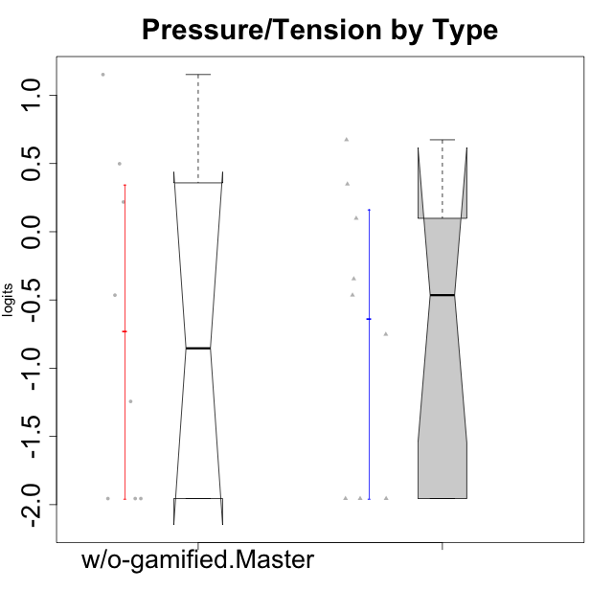

Wilcoxon data
UserID | NroUSP | Type | CLGroup | CLRole | PlayerRole | Score | theta | error | Outfit | Infit | Pressure/Tension
10171 | 698531 | ont-gamified | Mafia | Master | Social Achiever | 3 | -0.75200607827 | 0.4386248786 | 0.19520830506 | 0.19283194549 | -0.75200607827
10174 | 10276852 | w/o-gamified | Grupo7 | Master |  | 13 | 0.49843383845 | 0.41072461508 | 0.87837252835 | 0.9716449863 | 0.49843383845
10175 | 10310700 | ont-gamified | Warriors | Master | Social Achiever | 0 | -1.955513658 | 1.0819119008 | 0.14540796606 | 0.14922499768 | -1.955513658
10176 | 10276949 | ont-gamified | Outlaws | Master | Social Achiever | 14 | 0.67392894551 | 0.44492905774 | 0.54524578047 | 0.5796699159 | 0.67392894551
10179 | 10310759 | w/o-gamified | Grupo10 | Master |  | 1 | -1.2436466681 | 0.62973986672 | 0.35530419298 | 0.36726743593 | -1.2436466681
10188 | 10276995 | ont-gamified | Vandals | Master | Yee Achiever | 0 | -1.955513658 | 1.0819119008 | 0.14540796606 | 0.14922499768 | -1.955513658
10191 | 10276981 | w/o-gamified | Grupo1 | Master |  | 0 | -1.955513658 | 1.0819119008 | 0.14540796606 | 0.14922499768 | -1.955513658
10208 | 10276932 | ont-gamified | Mercenaries | Master | Social Achiever | 5 | -0.46470826867 | 0.37758171737 | 0.035364748557 | 0.036531708897 | -0.46470826867
10215 | 9285227 | ont-gamified | Vikings | Master | Social Achiever | 6 | -0.34516387181 | 0.36289207507 | 2.635504596 | 2.90755372 | -0.34516387181
10216 | 10276720 | ont-gamified | Silly Knights | Master | Social Achiever | 0 | -1.955513658 | 1.0819119008 | 0.14540796606 | 0.14922499768 | -1.955513658
10219 | 10276831 | w/o-gamified | Grupo3 | Master |  | 0 | -1.955513658 | 1.0819119008 | 0.14540796606 | 0.14922499768 | -1.955513658
10223 | 9795185 | ont-gamified | Slayers | Master | Social Achiever | 10 | 0.098420182851 | 0.35870886541 | 0.46317628079 | 0.43841020577 | 0.098420182851
10227 | 9274382 | w/o-gamified | Grupo5 | Master |  | 11 | 0.21805805011 | 0.36964146215 | 0.63610808146 | 0.64032362709 | 0.21805805011
10230 | 10351992 | ont-gamified | Resistance | Master | Social Achiever | 12 | 0.34930127605 | 0.38646244106 | 1.3257920979 | 1.4293034278 | 0.34930127605
10231 | 10276911 | w/o-gamified | Grupo9 | Master |  | 0 | -1.955513658 | 1.0819119008 | 0.14540796606 | 0.14922499768 | -1.955513658
10234 | 10310676 | w/o-gamified | Grupo4 | Master |  | 5 | -0.46470826867 | 0.37758171737 | 0.8428526428 | 0.89415772645 | -0.46470826867
10238 | 10276953 | w/o-gamified | Grupo2 | Master |  | 16 | 1.152083697 | 0.56705696238 | 0.47997750204 | 0.51962841416 | 1.152083697

Type_CLRole_6
Wilcoxon Analysis for Pressure/Tension by Type in Type:CLRole between w/o-gamified.Apprentice:w/o-gamified.Master

Wilcoxon test results
Alternative hypothesis: less
Group | N | Median | Mean.Ranks | Sum.Ranks | U | Z | p.value | r | magnitude
w/o-gamified.Apprentice | 19 | 0.21805805011 | 15.578947368 | 296 | 106 | 1.6013140323 | 0.94637838812 | 0.3081730292 | medium
w/o-gamified.Master | 8 | -0.85417746837 | 10.25 | 82 | 106 | 1.6013140323 | 0.94637838812 | 0.3081730292 | medium
Alternative hypothesis: greater
Group | N | Median | Mean.Ranks | Sum.Ranks | U | Z | p.value | r | magnitude
w/o-gamified.Apprentice | 19 | 0.21805805011 | 15.578947368 | 296 | 106 | 1.6013140323 | 0.056769703726 | 0.3081730292 | medium
w/o-gamified.Master | 8 | -0.85417746837 | 10.25 | 82 | 106 | 1.6013140323 | 0.056769703726 | 0.3081730292 | medium
Alternative hypothesis: two.sided
Group | N | Median | Mean.Ranks | Sum.Ranks | U | Z | p.value | r | magnitude
w/o-gamified.Apprentice | 19 | 0.21805805011 | 15.578947368 | 296 | 106 | 1.6013140323 | 0.11373219373 | 0.3081730292 | medium
w/o-gamified.Master | 8 | -0.85417746837 | 10.25 | 82 | 106 | 1.6013140323 | 0.11373219373 | 0.3081730292 | medium

Box plots for wilcoxon tests
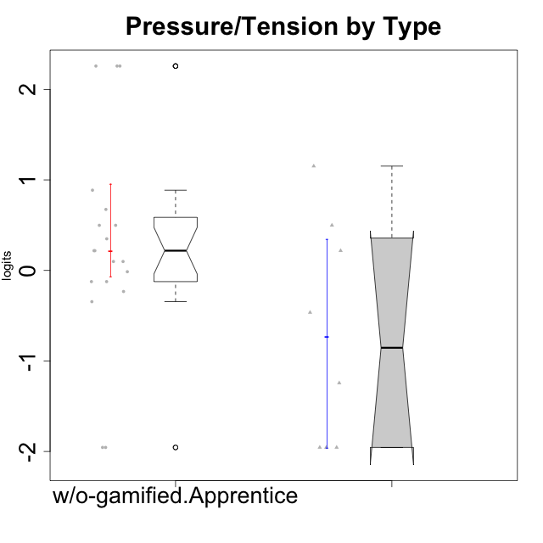

Wilcoxon data
UserID | NroUSP | Type | CLGroup | CLRole | PlayerRole | Score | theta | error | Outfit | Infit | Pressure/Tension
10170 | 10260351 | w/o-gamified | Grupo11 | Apprentice |  | 6 | -0.34516387181 | 0.36289207507 | 2.635504596 | 2.90755372 | -0.34516387181
10172 | 10273971 | w/o-gamified | Grupo5 | Apprentice |  | 13 | 0.49843383845 | 0.41072461508 | 0.87837252835 | 0.9716449863 | 0.49843383845
10174 | 10276852 | w/o-gamified | Grupo7 | Master |  | 13 | 0.49843383845 | 0.41072461508 | 0.87837252835 | 0.9716449863 | 0.49843383845
10179 | 10310759 | w/o-gamified | Grupo10 | Master |  | 1 | -1.2436466681 | 0.62973986672 | 0.35530419298 | 0.36726743593 | -1.2436466681
10181 | 10276866 | w/o-gamified | Grupo2 | Apprentice |  | 10 | 0.098420182851 | 0.35870886541 | 0.95797673023 | 0.92955567039 | 0.098420182851
10183 | 10352030 | w/o-gamified | Grupo3 | Apprentice |  | 15 | 0.88651569834 | 0.49349618344 | 0.2149360192 | 0.1869863127 | 0.88651569834
10184 | 10276675 | w/o-gamified | Grupo10 | Apprentice |  | 11 | 0.21805805011 | 0.36964146215 | 0.073965065139 | 0.071271037087 | 0.21805805011
10185 | 10276960 | w/o-gamified | Grupo9 | Apprentice |  | 13 | 0.49843383845 | 0.41072461508 | 0.29209764798 | 0.28068376722 | 0.49843383845
10190 | 10276907 | w/o-gamified | Grupo4 | Apprentice |  | 14 | 0.67392894551 | 0.44492905774 | 1.1640704154 | 1.3711575217 | 0.67392894551
10191 | 10276981 | w/o-gamified | Grupo1 | Master |  | 0 | -1.955513658 | 1.0819119008 | 0.14540796606 | 0.14922499768 | -1.955513658
10197 | 10276661 | w/o-gamified | Grupo8 | Apprentice |  | 10 | 0.098420182851 | 0.35870886541 | 0.47279191608 | 0.45876522429 | 0.098420182851
10199 | 10276737 | w/o-gamified | Grupo1 | Apprentice |  | 9 | -0.014243883551 | 0.3527541747 | 0.21220125043 | 0.20678646451 | -0.014243883551
10201 | 10276928 | w/o-gamified | Grupo11 | Apprentice |  | 8 | -0.12357408627 | 0.3513626995 | 0.20828963674 | 0.20444604755 | -0.12357408627
10204 | 10310471 | w/o-gamified | Grupo6 | Apprentice |  | 18 | 2.257957983 | 1.1365813429 | 0.14377804763 | 0.138738723 | 2.257957983
10206 | 10310721 | w/o-gamified | Grupo8 | Apprentice |  | 8 | -0.12357408627 | 0.3513626995 | 0.081293002169 | 0.081485069459 | -0.12357408627
10210 | 10277015 | w/o-gamified | Grupo6 | Apprentice |  | 18 | 2.257957983 | 1.1365813429 | 0.14377804763 | 0.138738723 | 2.257957983
10213 | 10277040 | w/o-gamified | Grupo7 | Apprentice |  | 11 | 0.21805805011 | 0.36964146215 | 1.5968975519 | 1.5253705855 | 0.21805805011
10217 | 9805341 | w/o-gamified | Grupo9 | Apprentice |  | 0 | -1.955513658 | 1.0819119008 | 0.14540796606 | 0.14922499768 | -1.955513658
10218 | 9842913 | w/o-gamified | Grupo10 | Apprentice |  | 12 | 0.34930127605 | 0.38646244106 | 0.62091783243 | 0.68521801985 | 0.34930127605
10219 | 10276831 | w/o-gamified | Grupo3 | Master |  | 0 | -1.955513658 | 1.0819119008 | 0.14540796606 | 0.14922499768 | -1.955513658
10220 | 9760151 | w/o-gamified | Grupo3 | Apprentice |  | 0 | -1.955513658 | 1.0819119008 | 0.14540796606 | 0.14922499768 | -1.955513658
10226 | 10310342 | w/o-gamified | Grupo4 | Apprentice |  | 18 | 2.257957983 | 1.1365813429 | 0.14377804763 | 0.138738723 | 2.257957983
10227 | 9274382 | w/o-gamified | Grupo5 | Master |  | 11 | 0.21805805011 | 0.36964146215 | 0.63610808146 | 0.64032362709 | 0.21805805011
10231 | 10276911 | w/o-gamified | Grupo9 | Master |  | 0 | -1.955513658 | 1.0819119008 | 0.14540796606 | 0.14922499768 | -1.955513658
10232 | 10276974 | w/o-gamified | Grupo7 | Apprentice |  | 7 | -0.23278238294 | 0.35456539811 | 0.49578338858 | 0.53844728063 | -0.23278238294
10234 | 10310676 | w/o-gamified | Grupo4 | Master |  | 5 | -0.46470826867 | 0.37758171737 | 0.8428526428 | 0.89415772645 | -0.46470826867
10238 | 10276953 | w/o-gamified | Grupo2 | Master |  | 16 | 1.152083697 | 0.56705696238 | 0.47997750204 | 0.51962841416 | 1.152083697

