Type_1
Wilcoxon Analysis for Satisfaction by Type in Type between ont-gamified:w/o-gamified

Wilcoxon test results
Alternative hypothesis: less
Group | N | Median | Mean.Ranks | Sum.Ranks | U | Z | p.value | r | magnitude
ont-gamified | 25 | 0.13276619304 | 28.86 | 721.5 | 396.5 | 1.0832551094 | 0.86037201185 | 0.15022045544 | small
w/o-gamified | 27 | 0.13276619304 | 24.314814815 | 656.5 | 396.5 | 1.0832551094 | 0.86037201185 | 0.15022045544 | small
Alternative hypothesis: greater
Group | N | Median | Mean.Ranks | Sum.Ranks | U | Z | p.value | r | magnitude
ont-gamified | 25 | 0.13276619304 | 28.86 | 721.5 | 396.5 | 1.0832551094 | 0.14168105605 | 0.15022045544 | small
w/o-gamified | 27 | 0.13276619304 | 24.314814815 | 656.5 | 396.5 | 1.0832551094 | 0.14168105605 | 0.15022045544 | small
Alternative hypothesis: two.sided
Group | N | Median | Mean.Ranks | Sum.Ranks | U | Z | p.value | r | magnitude
ont-gamified | 25 | 0.13276619304 | 28.86 | 721.5 | 396.5 | 1.0832551094 | 0.28336150421 | 0.15022045544 | small
w/o-gamified | 27 | 0.13276619304 | 24.314814815 | 656.5 | 396.5 | 1.0832551094 | 0.28336150421 | 0.15022045544 | small

Box plots for wilcoxon tests
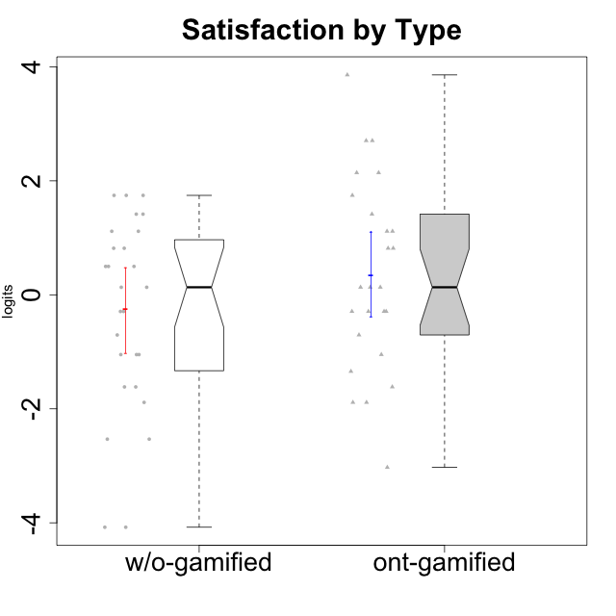

Wilcoxon data
UserID | NroUSP | Type | CLGroup | CLRole | PlayerRole | Score | theta | error | Outfit | Infit | Satisfaction
10169 | 10377538 | ont-gamified | Resistance | Apprentice | Social Achiever | 18 | 3.8581083532 | 1.4739907963 | 0.16221718586 | 0.1652350189 | 3.8581083532
10170 | 10260351 | w/o-gamified | Grupo11 | Apprentice |  | 10 | 0.13276619304 | 0.61082015885 | 0.1660810728 | 0.16827662766 | 0.13276619304
10171 | 698531 | ont-gamified | Mafia | Master | Social Achiever | 13 | 1.1149392569 | 0.57253017568 | 1.0965118517 | 1.0902415628 | 1.1149392569
10172 | 10273971 | w/o-gamified | Grupo5 | Apprentice |  | 12 | 0.81696357931 | 0.57362501536 | 0.534347379 | 0.53163214723 | 0.81696357931
10174 | 10276852 | w/o-gamified | Grupo7 | Master |  | 12 | 0.81696357931 | 0.57362501536 | 0.74356669637 | 0.75207992766 | 0.81696357931
10175 | 10310700 | ont-gamified | Warriors | Master | Social Achiever | 14 | 1.4157323614 | 0.58842428522 | 0.35404710247 | 0.34979316788 | 1.4157323614
10176 | 10276949 | ont-gamified | Outlaws | Master | Social Achiever | 9 | -0.29150836955 | 0.6200462315 | 0.016280914312 | 0.016393622948 | -0.29150836955
10178 | 8656201 | ont-gamified | Outlaws | Apprentice | Social Achiever | 7 | -1.0485799697 | 0.57095622351 | 0.93977986653 | 0.94286846466 | -1.0485799697
10179 | 10310759 | w/o-gamified | Grupo10 | Master |  | 9 | -0.29150836955 | 0.6200462315 | 0.71702191044 | 0.71212843222 | -0.29150836955
10181 | 10276866 | w/o-gamified | Grupo2 | Apprentice |  | 2 | -2.5320276059 | 0.66896111922 | 1.0000162705 | 1.0306315044 | -2.5320276059
10183 | 10352030 | w/o-gamified | Grupo3 | Apprentice |  | 5 | -1.6155994522 | 0.54938496203 | 0.62581968632 | 0.62892436715 | -1.6155994522
10184 | 10276675 | w/o-gamified | Grupo10 | Apprentice |  | 11 | 0.49859220193 | 0.58848219037 | 0.88838578967 | 0.89661511876 | 0.49859220193
10185 | 10276960 | w/o-gamified | Grupo9 | Apprentice |  | 11 | 0.49859220193 | 0.58848219037 | 0.2744677348 | 0.27311068311 | 0.49859220193
10186 | 10310551 | ont-gamified | Slayers | Apprentice | Social Achiever | 16 | 2.1423827334 | 0.70599226688 | 1.6145785829 | 1.556224395 | 2.1423827334
10188 | 10276995 | ont-gamified | Vandals | Master | Yee Achiever | 6 | -1.3432378563 | 0.5530280666 | 0.021171910797 | 0.021387340264 | -1.3432378563
10189 | 9363926 | ont-gamified | Vikings | Apprentice | Social Achiever | 5 | -1.6155994522 | 0.54938496203 | 0.10052843487 | 0.099689795084 | -1.6155994522
10190 | 10276907 | w/o-gamified | Grupo4 | Apprentice |  | 8 | -0.70444226066 | 0.5991130276 | 0.28243295441 | 0.28482345426 | -0.70444226066
10191 | 10276981 | w/o-gamified | Grupo1 | Master |  | 10 | 0.13276619304 | 0.61082015885 | 0.1660810728 | 0.16827662766 | 0.13276619304
10192 | 10276682 | ont-gamified | Attractive Devils | Apprentice | Social Achiever | 17 | 2.7049118272 | 0.87594598484 | 0.44131217889 | 0.43839741169 | 2.7049118272
10193 | 10276762 | ont-gamified | Vandals | Apprentice | Yee Achiever | 1 | -3.0276263326 | 0.82710034981 | 0.64968870731 | 0.63191279279 | -3.0276263326
10197 | 10276661 | w/o-gamified | Grupo8 | Apprentice |  | 7 | -1.0485799697 | 0.57095622351 | 1.1043528131 | 1.0866712417 | -1.0485799697
10198 | 10310888 | ont-gamified | Attractive Devils | Apprentice | Social Achiever | 17 | 2.7049118272 | 0.87594598484 | 0.67251499606 | 0.66158484172 | 2.7049118272
10199 | 10276737 | w/o-gamified | Grupo1 | Apprentice |  | 11 | 0.49859220193 | 0.58848219037 | 0.88838578967 | 0.89661511876 | 0.49859220193
10200 | 9795272 | ont-gamified | Warriors | Apprentice | Social Achiever | 15 | 1.7446778656 | 0.62753028571 | 0.77387377314 | 0.74149050202 | 1.7446778656
10201 | 10276928 | w/o-gamified | Grupo11 | Apprentice |  | 14 | 1.4157323614 | 0.58842428522 | 0.12561480515 | 0.1276007725 | 1.4157323614
10202 | 10277036 | ont-gamified | Silly Knights | Apprentice | Social Achiever | 12 | 0.81696357931 | 0.57362501536 | 0.019445653474 | 0.019363513124 | 0.81696357931
10203 | 9921470 | ont-gamified | Mercenaries | Apprentice | Social Achiever | 16 | 2.1423827334 | 0.70599226688 | 1.4186833345 | 1.4180800909 | 2.1423827334
10204 | 10310471 | w/o-gamified | Grupo6 | Apprentice |  | 4 | -1.8872542901 | 0.56226128321 | 1.1787250072 | 1.1785453421 | -1.8872542901
10206 | 10310721 | w/o-gamified | Grupo8 | Apprentice |  | 13 | 1.1149392569 | 0.57253017568 | 0.14080348248 | 0.13981676663 | 1.1149392569
10208 | 10276932 | ont-gamified | Mercenaries | Master | Social Achiever | 10 | 0.13276619304 | 0.61082015885 | 1.1939360956 | 1.2085311293 | 0.13276619304
10209 | 10262669 | ont-gamified | Mafia | Apprentice | Social Achiever | 4 | -1.8872542901 | 0.56226128321 | 0.13105066904 | 0.13400736674 | -1.8872542901
10210 | 10277015 | w/o-gamified | Grupo6 | Apprentice |  | 0 | -4.0772133808 | 1.3939414598 | 0.16755528042 | 0.17060095397 | -4.0772133808
10213 | 10277040 | w/o-gamified | Grupo7 | Apprentice |  | 15 | 1.7446778656 | 0.62753028571 | 1.9480547554 | 2.0121343344 | 1.7446778656
10214 | 10277022 | ont-gamified | Vikings | Apprentice | Social Achiever | 8 | -0.70444226066 | 0.5991130276 | 0.28243295441 | 0.28482345426 | -0.70444226066
10215 | 9285227 | ont-gamified | Vikings | Master | Social Achiever | 4 | -1.8872542901 | 0.56226128321 | 1.0435598663 | 1.0622829427 | -1.8872542901
10216 | 10276720 | ont-gamified | Silly Knights | Master | Social Achiever | 13 | 1.1149392569 | 0.57253017568 | 0.14080348248 | 0.13981676663 | 1.1149392569
10217 | 9805341 | w/o-gamified | Grupo9 | Apprentice |  | 9 | -0.29150836955 | 0.6200462315 | 0.016280914312 | 0.016393622948 | -0.29150836955
10218 | 9842913 | w/o-gamified | Grupo10 | Apprentice |  | 7 | -1.0485799697 | 0.57095622351 | 0.21683122878 | 0.21297311747 | -1.0485799697
10219 | 10276831 | w/o-gamified | Grupo3 | Master |  | 0 | -4.0772133808 | 1.3939414598 | 0.16755528042 | 0.17060095397 | -4.0772133808
10220 | 9760151 | w/o-gamified | Grupo3 | Apprentice |  | 15 | 1.7446778656 | 0.62753028571 | 1.9480547554 | 2.0121343344 | 1.7446778656
10221 | 9082496 | ont-gamified | Warriors | Apprentice | Social Achiever | 9 | -0.29150836955 | 0.6200462315 | 0.56367626146 | 0.56539620722 | -0.29150836955
10223 | 9795185 | ont-gamified | Slayers | Master | Social Achiever | 10 | 0.13276619304 | 0.61082015885 | 0.39227456129 | 0.38751024427 | 0.13276619304
10224 | 9368772 | ont-gamified | Mercenaries | Apprentice | Social Achiever | 12 | 0.81696357931 | 0.57362501536 | 0.45899024229 | 0.45700711324 | 0.81696357931
10226 | 10310342 | w/o-gamified | Grupo4 | Apprentice |  | 5 | -1.6155994522 | 0.54938496203 | 0.10052843487 | 0.099689795084 | -1.6155994522
10227 | 9274382 | w/o-gamified | Grupo5 | Master |  | 15 | 1.7446778656 | 0.62753028571 | 0.022599211146 | 0.02439150397 | 1.7446778656
10228 | 10310492 | ont-gamified | Resistance | Apprentice | Social Achiever | 9 | -0.29150836955 | 0.6200462315 | 0.016280914312 | 0.016393622948 | -0.29150836955
10230 | 10351992 | ont-gamified | Resistance | Master | Social Achiever | 9 | -0.29150836955 | 0.6200462315 | 3.5182102558 | 3.53187521 | -0.29150836955
10231 | 10276911 | w/o-gamified | Grupo9 | Master |  | 13 | 1.1149392569 | 0.57253017568 | 1.6040973232 | 1.5978841011 | 1.1149392569
10232 | 10276974 | w/o-gamified | Grupo7 | Apprentice |  | 14 | 1.4157323614 | 0.58842428522 | 0.12561480515 | 0.1276007725 | 1.4157323614
10234 | 10310676 | w/o-gamified | Grupo4 | Master |  | 2 | -2.5320276059 | 0.66896111922 | 0.35291296026 | 0.35281930761 | -2.5320276059
10237 | 10377688 | ont-gamified | Outlaws | Apprentice | Social Achiever | 10 | 0.13276619304 | 0.61082015885 | 1.562241687 | 1.5858633487 | 0.13276619304
10238 | 10276953 | w/o-gamified | Grupo2 | Master |  | 7 | -1.0485799697 | 0.57095622351 | 1.2390784508 | 1.2233196801 | -1.0485799697

Type_CLRole_1
Wilcoxon Analysis for Satisfaction by Type in Type:CLRole between ont-gamified.Apprentice:ont-gamified.Master

Wilcoxon test results
Alternative hypothesis: less
Group | N | Median | Mean.Ranks | Sum.Ranks | U | Z | p.value | r | magnitude
ont-gamified.Apprentice | 16 | 0.47486488618 | 13.65625 | 218.5 | 82.5 | 0.59662943238 | 0.72568044151 | 0.11932588648 | small
ont-gamified.Master | 9 | 0.13276619304 | 11.833333333 | 106.5 | 82.5 | 0.59662943238 | 0.72568044151 | 0.11932588648 | small
Alternative hypothesis: greater
Group | N | Median | Mean.Ranks | Sum.Ranks | U | Z | p.value | r | magnitude
ont-gamified.Apprentice | 16 | 0.47486488618 | 13.65625 | 218.5 | 82.5 | 0.59662943238 | 0.28355608855 | 0.11932588648 | small
ont-gamified.Master | 9 | 0.13276619304 | 11.833333333 | 106.5 | 82.5 | 0.59662943238 | 0.28355608855 | 0.11932588648 | small
Alternative hypothesis: two.sided
Group | N | Median | Mean.Ranks | Sum.Ranks | U | Z | p.value | r | magnitude
ont-gamified.Apprentice | 16 | 0.47486488618 | 13.65625 | 218.5 | 82.5 | 0.59662943238 | 0.56659675229 | 0.11932588648 | small
ont-gamified.Master | 9 | 0.13276619304 | 11.833333333 | 106.5 | 82.5 | 0.59662943238 | 0.56659675229 | 0.11932588648 | small

Box plots for wilcoxon tests
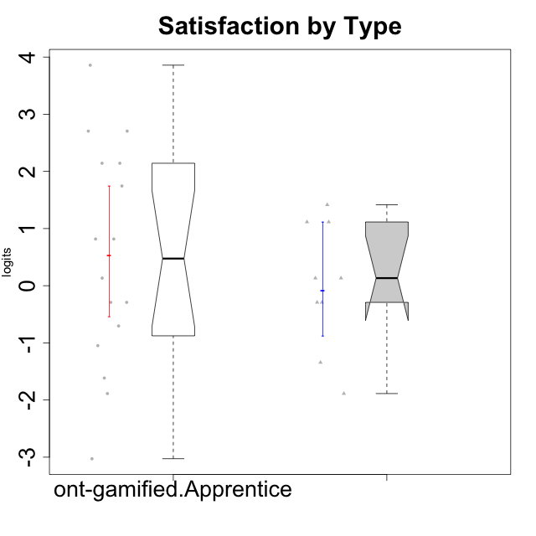

Wilcoxon data
UserID | NroUSP | Type | CLGroup | CLRole | PlayerRole | Score | theta | error | Outfit | Infit | Satisfaction
10169 | 10377538 | ont-gamified | Resistance | Apprentice | Social Achiever | 18 | 3.8581083532 | 1.4739907963 | 0.16221718586 | 0.1652350189 | 3.8581083532
10171 | 698531 | ont-gamified | Mafia | Master | Social Achiever | 13 | 1.1149392569 | 0.57253017568 | 1.0965118517 | 1.0902415628 | 1.1149392569
10175 | 10310700 | ont-gamified | Warriors | Master | Social Achiever | 14 | 1.4157323614 | 0.58842428522 | 0.35404710247 | 0.34979316788 | 1.4157323614
10176 | 10276949 | ont-gamified | Outlaws | Master | Social Achiever | 9 | -0.29150836955 | 0.6200462315 | 0.016280914312 | 0.016393622948 | -0.29150836955
10178 | 8656201 | ont-gamified | Outlaws | Apprentice | Social Achiever | 7 | -1.0485799697 | 0.57095622351 | 0.93977986653 | 0.94286846466 | -1.0485799697
10186 | 10310551 | ont-gamified | Slayers | Apprentice | Social Achiever | 16 | 2.1423827334 | 0.70599226688 | 1.6145785829 | 1.556224395 | 2.1423827334
10188 | 10276995 | ont-gamified | Vandals | Master | Yee Achiever | 6 | -1.3432378563 | 0.5530280666 | 0.021171910797 | 0.021387340264 | -1.3432378563
10189 | 9363926 | ont-gamified | Vikings | Apprentice | Social Achiever | 5 | -1.6155994522 | 0.54938496203 | 0.10052843487 | 0.099689795084 | -1.6155994522
10192 | 10276682 | ont-gamified | Attractive Devils | Apprentice | Social Achiever | 17 | 2.7049118272 | 0.87594598484 | 0.44131217889 | 0.43839741169 | 2.7049118272
10193 | 10276762 | ont-gamified | Vandals | Apprentice | Yee Achiever | 1 | -3.0276263326 | 0.82710034981 | 0.64968870731 | 0.63191279279 | -3.0276263326
10198 | 10310888 | ont-gamified | Attractive Devils | Apprentice | Social Achiever | 17 | 2.7049118272 | 0.87594598484 | 0.67251499606 | 0.66158484172 | 2.7049118272
10200 | 9795272 | ont-gamified | Warriors | Apprentice | Social Achiever | 15 | 1.7446778656 | 0.62753028571 | 0.77387377314 | 0.74149050202 | 1.7446778656
10202 | 10277036 | ont-gamified | Silly Knights | Apprentice | Social Achiever | 12 | 0.81696357931 | 0.57362501536 | 0.019445653474 | 0.019363513124 | 0.81696357931
10203 | 9921470 | ont-gamified | Mercenaries | Apprentice | Social Achiever | 16 | 2.1423827334 | 0.70599226688 | 1.4186833345 | 1.4180800909 | 2.1423827334
10208 | 10276932 | ont-gamified | Mercenaries | Master | Social Achiever | 10 | 0.13276619304 | 0.61082015885 | 1.1939360956 | 1.2085311293 | 0.13276619304
10209 | 10262669 | ont-gamified | Mafia | Apprentice | Social Achiever | 4 | -1.8872542901 | 0.56226128321 | 0.13105066904 | 0.13400736674 | -1.8872542901
10214 | 10277022 | ont-gamified | Vikings | Apprentice | Social Achiever | 8 | -0.70444226066 | 0.5991130276 | 0.28243295441 | 0.28482345426 | -0.70444226066
10215 | 9285227 | ont-gamified | Vikings | Master | Social Achiever | 4 | -1.8872542901 | 0.56226128321 | 1.0435598663 | 1.0622829427 | -1.8872542901
10216 | 10276720 | ont-gamified | Silly Knights | Master | Social Achiever | 13 | 1.1149392569 | 0.57253017568 | 0.14080348248 | 0.13981676663 | 1.1149392569
10221 | 9082496 | ont-gamified | Warriors | Apprentice | Social Achiever | 9 | -0.29150836955 | 0.6200462315 | 0.56367626146 | 0.56539620722 | -0.29150836955
10223 | 9795185 | ont-gamified | Slayers | Master | Social Achiever | 10 | 0.13276619304 | 0.61082015885 | 0.39227456129 | 0.38751024427 | 0.13276619304
10224 | 9368772 | ont-gamified | Mercenaries | Apprentice | Social Achiever | 12 | 0.81696357931 | 0.57362501536 | 0.45899024229 | 0.45700711324 | 0.81696357931
10228 | 10310492 | ont-gamified | Resistance | Apprentice | Social Achiever | 9 | -0.29150836955 | 0.6200462315 | 0.016280914312 | 0.016393622948 | -0.29150836955
10230 | 10351992 | ont-gamified | Resistance | Master | Social Achiever | 9 | -0.29150836955 | 0.6200462315 | 3.5182102558 | 3.53187521 | -0.29150836955
10237 | 10377688 | ont-gamified | Outlaws | Apprentice | Social Achiever | 10 | 0.13276619304 | 0.61082015885 | 1.562241687 | 1.5858633487 | 0.13276619304

Type_CLRole_2
Wilcoxon Analysis for Satisfaction by Type in Type:CLRole between ont-gamified.Apprentice:w/o-gamified.Apprentice

Wilcoxon test results
Alternative hypothesis: less
Group | N | Median | Mean.Ranks | Sum.Ranks | U | Z | p.value | r | magnitude
ont-gamified.Apprentice | 16 | 0.47486488618 | 20.21875 | 323.5 | 187.5 | 1.1779998616 | 0.8805797466 | 0.19911831901 | small
w/o-gamified.Apprentice | 19 | 0.13276619304 | 16.131578947 | 306.5 | 187.5 | 1.1779998616 | 0.8805797466 | 0.19911831901 | small
Alternative hypothesis: greater
Group | N | Median | Mean.Ranks | Sum.Ranks | U | Z | p.value | r | magnitude
ont-gamified.Apprentice | 16 | 0.47486488618 | 20.21875 | 323.5 | 187.5 | 1.1779998616 | 0.12277869296 | 0.19911831901 | small
w/o-gamified.Apprentice | 19 | 0.13276619304 | 16.131578947 | 306.5 | 187.5 | 1.1779998616 | 0.12277869296 | 0.19911831901 | small
Alternative hypothesis: two.sided
Group | N | Median | Mean.Ranks | Sum.Ranks | U | Z | p.value | r | magnitude
ont-gamified.Apprentice | 16 | 0.47486488618 | 20.21875 | 323.5 | 187.5 | 1.1779998616 | 0.24557602147 | 0.19911831901 | small
w/o-gamified.Apprentice | 19 | 0.13276619304 | 16.131578947 | 306.5 | 187.5 | 1.1779998616 | 0.24557602147 | 0.19911831901 | small

Box plots for wilcoxon tests
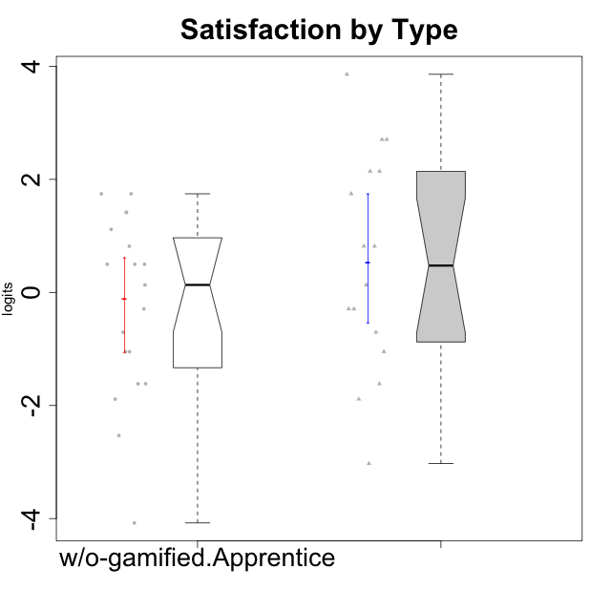

Wilcoxon data
UserID | NroUSP | Type | CLGroup | CLRole | PlayerRole | Score | theta | error | Outfit | Infit | Satisfaction
10169 | 10377538 | ont-gamified | Resistance | Apprentice | Social Achiever | 18 | 3.8581083532 | 1.4739907963 | 0.16221718586 | 0.1652350189 | 3.8581083532
10170 | 10260351 | w/o-gamified | Grupo11 | Apprentice |  | 10 | 0.13276619304 | 0.61082015885 | 0.1660810728 | 0.16827662766 | 0.13276619304
10172 | 10273971 | w/o-gamified | Grupo5 | Apprentice |  | 12 | 0.81696357931 | 0.57362501536 | 0.534347379 | 0.53163214723 | 0.81696357931
10178 | 8656201 | ont-gamified | Outlaws | Apprentice | Social Achiever | 7 | -1.0485799697 | 0.57095622351 | 0.93977986653 | 0.94286846466 | -1.0485799697
10181 | 10276866 | w/o-gamified | Grupo2 | Apprentice |  | 2 | -2.5320276059 | 0.66896111922 | 1.0000162705 | 1.0306315044 | -2.5320276059
10183 | 10352030 | w/o-gamified | Grupo3 | Apprentice |  | 5 | -1.6155994522 | 0.54938496203 | 0.62581968632 | 0.62892436715 | -1.6155994522
10184 | 10276675 | w/o-gamified | Grupo10 | Apprentice |  | 11 | 0.49859220193 | 0.58848219037 | 0.88838578967 | 0.89661511876 | 0.49859220193
10185 | 10276960 | w/o-gamified | Grupo9 | Apprentice |  | 11 | 0.49859220193 | 0.58848219037 | 0.2744677348 | 0.27311068311 | 0.49859220193
10186 | 10310551 | ont-gamified | Slayers | Apprentice | Social Achiever | 16 | 2.1423827334 | 0.70599226688 | 1.6145785829 | 1.556224395 | 2.1423827334
10189 | 9363926 | ont-gamified | Vikings | Apprentice | Social Achiever | 5 | -1.6155994522 | 0.54938496203 | 0.10052843487 | 0.099689795084 | -1.6155994522
10190 | 10276907 | w/o-gamified | Grupo4 | Apprentice |  | 8 | -0.70444226066 | 0.5991130276 | 0.28243295441 | 0.28482345426 | -0.70444226066
10192 | 10276682 | ont-gamified | Attractive Devils | Apprentice | Social Achiever | 17 | 2.7049118272 | 0.87594598484 | 0.44131217889 | 0.43839741169 | 2.7049118272
10193 | 10276762 | ont-gamified | Vandals | Apprentice | Yee Achiever | 1 | -3.0276263326 | 0.82710034981 | 0.64968870731 | 0.63191279279 | -3.0276263326
10197 | 10276661 | w/o-gamified | Grupo8 | Apprentice |  | 7 | -1.0485799697 | 0.57095622351 | 1.1043528131 | 1.0866712417 | -1.0485799697
10198 | 10310888 | ont-gamified | Attractive Devils | Apprentice | Social Achiever | 17 | 2.7049118272 | 0.87594598484 | 0.67251499606 | 0.66158484172 | 2.7049118272
10199 | 10276737 | w/o-gamified | Grupo1 | Apprentice |  | 11 | 0.49859220193 | 0.58848219037 | 0.88838578967 | 0.89661511876 | 0.49859220193
10200 | 9795272 | ont-gamified | Warriors | Apprentice | Social Achiever | 15 | 1.7446778656 | 0.62753028571 | 0.77387377314 | 0.74149050202 | 1.7446778656
10201 | 10276928 | w/o-gamified | Grupo11 | Apprentice |  | 14 | 1.4157323614 | 0.58842428522 | 0.12561480515 | 0.1276007725 | 1.4157323614
10202 | 10277036 | ont-gamified | Silly Knights | Apprentice | Social Achiever | 12 | 0.81696357931 | 0.57362501536 | 0.019445653474 | 0.019363513124 | 0.81696357931
10203 | 9921470 | ont-gamified | Mercenaries | Apprentice | Social Achiever | 16 | 2.1423827334 | 0.70599226688 | 1.4186833345 | 1.4180800909 | 2.1423827334
10204 | 10310471 | w/o-gamified | Grupo6 | Apprentice |  | 4 | -1.8872542901 | 0.56226128321 | 1.1787250072 | 1.1785453421 | -1.8872542901
10206 | 10310721 | w/o-gamified | Grupo8 | Apprentice |  | 13 | 1.1149392569 | 0.57253017568 | 0.14080348248 | 0.13981676663 | 1.1149392569
10209 | 10262669 | ont-gamified | Mafia | Apprentice | Social Achiever | 4 | -1.8872542901 | 0.56226128321 | 0.13105066904 | 0.13400736674 | -1.8872542901
10210 | 10277015 | w/o-gamified | Grupo6 | Apprentice |  | 0 | -4.0772133808 | 1.3939414598 | 0.16755528042 | 0.17060095397 | -4.0772133808
10213 | 10277040 | w/o-gamified | Grupo7 | Apprentice |  | 15 | 1.7446778656 | 0.62753028571 | 1.9480547554 | 2.0121343344 | 1.7446778656
10214 | 10277022 | ont-gamified | Vikings | Apprentice | Social Achiever | 8 | -0.70444226066 | 0.5991130276 | 0.28243295441 | 0.28482345426 | -0.70444226066
10217 | 9805341 | w/o-gamified | Grupo9 | Apprentice |  | 9 | -0.29150836955 | 0.6200462315 | 0.016280914312 | 0.016393622948 | -0.29150836955
10218 | 9842913 | w/o-gamified | Grupo10 | Apprentice |  | 7 | -1.0485799697 | 0.57095622351 | 0.21683122878 | 0.21297311747 | -1.0485799697
10220 | 9760151 | w/o-gamified | Grupo3 | Apprentice |  | 15 | 1.7446778656 | 0.62753028571 | 1.9480547554 | 2.0121343344 | 1.7446778656
10221 | 9082496 | ont-gamified | Warriors | Apprentice | Social Achiever | 9 | -0.29150836955 | 0.6200462315 | 0.56367626146 | 0.56539620722 | -0.29150836955
10224 | 9368772 | ont-gamified | Mercenaries | Apprentice | Social Achiever | 12 | 0.81696357931 | 0.57362501536 | 0.45899024229 | 0.45700711324 | 0.81696357931
10226 | 10310342 | w/o-gamified | Grupo4 | Apprentice |  | 5 | -1.6155994522 | 0.54938496203 | 0.10052843487 | 0.099689795084 | -1.6155994522
10228 | 10310492 | ont-gamified | Resistance | Apprentice | Social Achiever | 9 | -0.29150836955 | 0.6200462315 | 0.016280914312 | 0.016393622948 | -0.29150836955
10232 | 10276974 | w/o-gamified | Grupo7 | Apprentice |  | 14 | 1.4157323614 | 0.58842428522 | 0.12561480515 | 0.1276007725 | 1.4157323614
10237 | 10377688 | ont-gamified | Outlaws | Apprentice | Social Achiever | 10 | 0.13276619304 | 0.61082015885 | 1.562241687 | 1.5858633487 | 0.13276619304

Type_CLRole_3
Wilcoxon Analysis for Satisfaction by Type in Type:CLRole between ont-gamified.Apprentice:w/o-gamified.Master

Wilcoxon test results
Alternative hypothesis: less
Group | N | Median | Mean.Ranks | Sum.Ranks | U | Z | p.value | r | magnitude
ont-gamified.Apprentice | 16 | 0.47486488618 | 13.53125 | 216.5 | 80.5 | 1.0132822004 | 0.84454587604 | 0.20683536304 | small
w/o-gamified.Master | 8 | -0.079371088254 | 10.4375 | 83.5 | 80.5 | 1.0132822004 | 0.84454587604 | 0.20683536304 | small
Alternative hypothesis: greater
Group | N | Median | Mean.Ranks | Sum.Ranks | U | Z | p.value | r | magnitude
ont-gamified.Apprentice | 16 | 0.47486488618 | 13.53125 | 216.5 | 80.5 | 1.0132822004 | 0.16278548032 | 0.20683536304 | small
w/o-gamified.Master | 8 | -0.079371088254 | 10.4375 | 83.5 | 80.5 | 1.0132822004 | 0.16278548032 | 0.20683536304 | small
Alternative hypothesis: two.sided
Group | N | Median | Mean.Ranks | Sum.Ranks | U | Z | p.value | r | magnitude
ont-gamified.Apprentice | 16 | 0.47486488618 | 13.53125 | 216.5 | 80.5 | 1.0132822004 | 0.32565118135 | 0.20683536304 | small
w/o-gamified.Master | 8 | -0.079371088254 | 10.4375 | 83.5 | 80.5 | 1.0132822004 | 0.32565118135 | 0.20683536304 | small

Box plots for wilcoxon tests
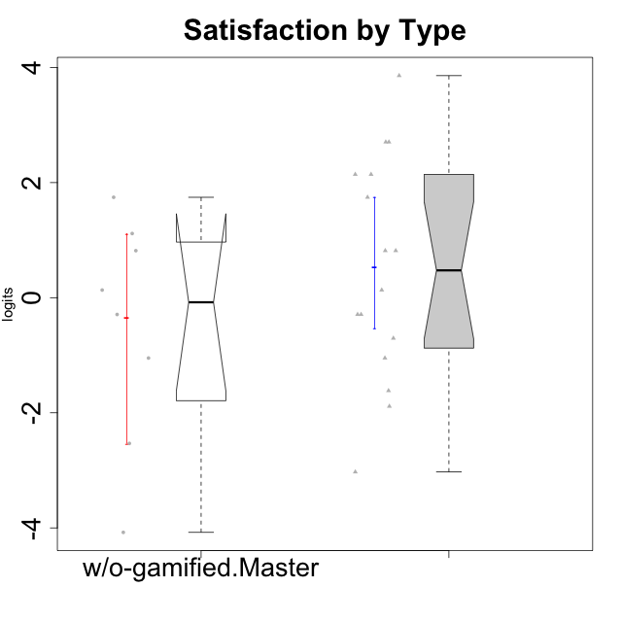

Wilcoxon data
UserID | NroUSP | Type | CLGroup | CLRole | PlayerRole | Score | theta | error | Outfit | Infit | Satisfaction
10169 | 10377538 | ont-gamified | Resistance | Apprentice | Social Achiever | 18 | 3.8581083532 | 1.4739907963 | 0.16221718586 | 0.1652350189 | 3.8581083532
10174 | 10276852 | w/o-gamified | Grupo7 | Master |  | 12 | 0.81696357931 | 0.57362501536 | 0.74356669637 | 0.75207992766 | 0.81696357931
10178 | 8656201 | ont-gamified | Outlaws | Apprentice | Social Achiever | 7 | -1.0485799697 | 0.57095622351 | 0.93977986653 | 0.94286846466 | -1.0485799697
10179 | 10310759 | w/o-gamified | Grupo10 | Master |  | 9 | -0.29150836955 | 0.6200462315 | 0.71702191044 | 0.71212843222 | -0.29150836955
10186 | 10310551 | ont-gamified | Slayers | Apprentice | Social Achiever | 16 | 2.1423827334 | 0.70599226688 | 1.6145785829 | 1.556224395 | 2.1423827334
10189 | 9363926 | ont-gamified | Vikings | Apprentice | Social Achiever | 5 | -1.6155994522 | 0.54938496203 | 0.10052843487 | 0.099689795084 | -1.6155994522
10191 | 10276981 | w/o-gamified | Grupo1 | Master |  | 10 | 0.13276619304 | 0.61082015885 | 0.1660810728 | 0.16827662766 | 0.13276619304
10192 | 10276682 | ont-gamified | Attractive Devils | Apprentice | Social Achiever | 17 | 2.7049118272 | 0.87594598484 | 0.44131217889 | 0.43839741169 | 2.7049118272
10193 | 10276762 | ont-gamified | Vandals | Apprentice | Yee Achiever | 1 | -3.0276263326 | 0.82710034981 | 0.64968870731 | 0.63191279279 | -3.0276263326
10198 | 10310888 | ont-gamified | Attractive Devils | Apprentice | Social Achiever | 17 | 2.7049118272 | 0.87594598484 | 0.67251499606 | 0.66158484172 | 2.7049118272
10200 | 9795272 | ont-gamified | Warriors | Apprentice | Social Achiever | 15 | 1.7446778656 | 0.62753028571 | 0.77387377314 | 0.74149050202 | 1.7446778656
10202 | 10277036 | ont-gamified | Silly Knights | Apprentice | Social Achiever | 12 | 0.81696357931 | 0.57362501536 | 0.019445653474 | 0.019363513124 | 0.81696357931
10203 | 9921470 | ont-gamified | Mercenaries | Apprentice | Social Achiever | 16 | 2.1423827334 | 0.70599226688 | 1.4186833345 | 1.4180800909 | 2.1423827334
10209 | 10262669 | ont-gamified | Mafia | Apprentice | Social Achiever | 4 | -1.8872542901 | 0.56226128321 | 0.13105066904 | 0.13400736674 | -1.8872542901
10214 | 10277022 | ont-gamified | Vikings | Apprentice | Social Achiever | 8 | -0.70444226066 | 0.5991130276 | 0.28243295441 | 0.28482345426 | -0.70444226066
10219 | 10276831 | w/o-gamified | Grupo3 | Master |  | 0 | -4.0772133808 | 1.3939414598 | 0.16755528042 | 0.17060095397 | -4.0772133808
10221 | 9082496 | ont-gamified | Warriors | Apprentice | Social Achiever | 9 | -0.29150836955 | 0.6200462315 | 0.56367626146 | 0.56539620722 | -0.29150836955
10224 | 9368772 | ont-gamified | Mercenaries | Apprentice | Social Achiever | 12 | 0.81696357931 | 0.57362501536 | 0.45899024229 | 0.45700711324 | 0.81696357931
10227 | 9274382 | w/o-gamified | Grupo5 | Master |  | 15 | 1.7446778656 | 0.62753028571 | 0.022599211146 | 0.02439150397 | 1.7446778656
10228 | 10310492 | ont-gamified | Resistance | Apprentice | Social Achiever | 9 | -0.29150836955 | 0.6200462315 | 0.016280914312 | 0.016393622948 | -0.29150836955
10231 | 10276911 | w/o-gamified | Grupo9 | Master |  | 13 | 1.1149392569 | 0.57253017568 | 1.6040973232 | 1.5978841011 | 1.1149392569
10234 | 10310676 | w/o-gamified | Grupo4 | Master |  | 2 | -2.5320276059 | 0.66896111922 | 0.35291296026 | 0.35281930761 | -2.5320276059
10237 | 10377688 | ont-gamified | Outlaws | Apprentice | Social Achiever | 10 | 0.13276619304 | 0.61082015885 | 1.562241687 | 1.5858633487 | 0.13276619304
10238 | 10276953 | w/o-gamified | Grupo2 | Master |  | 7 | -1.0485799697 | 0.57095622351 | 1.2390784508 | 1.2233196801 | -1.0485799697

Type_CLRole_4
Wilcoxon Analysis for Satisfaction by Type in Type:CLRole between ont-gamified.Master:w/o-gamified.Apprentice

Wilcoxon test results
Alternative hypothesis: less
Group | N | Median | Mean.Ranks | Sum.Ranks | U | Z | p.value | r | magnitude
ont-gamified.Master | 9 | 0.13276619304 | 14.833333333 | 133.5 | 88.5 | 0.14806274019 | 0.56233187103 | 0.027981227784 | none
w/o-gamified.Apprentice | 19 | 0.13276619304 | 14.342105263 | 272.5 | 88.5 | 0.14806274019 | 0.56233187103 | 0.027981227784 | none
Alternative hypothesis: greater
Group | N | Median | Mean.Ranks | Sum.Ranks | U | Z | p.value | r | magnitude
ont-gamified.Master | 9 | 0.13276619304 | 14.833333333 | 133.5 | 88.5 | 0.14806274019 | 0.44717456457 | 0.027981227784 | none
w/o-gamified.Apprentice | 19 | 0.13276619304 | 14.342105263 | 272.5 | 88.5 | 0.14806274019 | 0.44717456457 | 0.027981227784 | none
Alternative hypothesis: two.sided
Group | N | Median | Mean.Ranks | Sum.Ranks | U | Z | p.value | r | magnitude
ont-gamified.Master | 9 | 0.13276619304 | 14.833333333 | 133.5 | 88.5 | 0.14806274019 | 0.8941781407 | 0.027981227784 | none
w/o-gamified.Apprentice | 19 | 0.13276619304 | 14.342105263 | 272.5 | 88.5 | 0.14806274019 | 0.8941781407 | 0.027981227784 | none

Box plots for wilcoxon tests
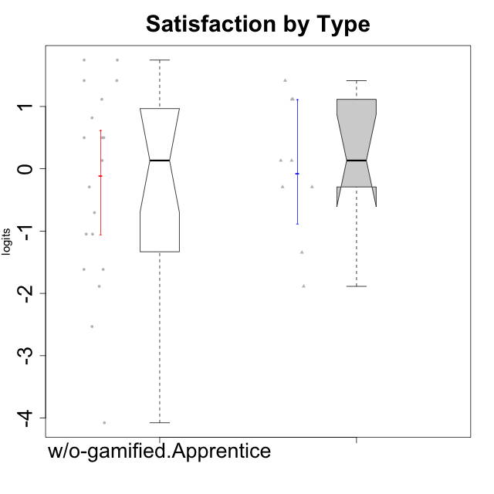

Wilcoxon data
UserID | NroUSP | Type | CLGroup | CLRole | PlayerRole | Score | theta | error | Outfit | Infit | Satisfaction
10170 | 10260351 | w/o-gamified | Grupo11 | Apprentice |  | 10 | 0.13276619304 | 0.61082015885 | 0.1660810728 | 0.16827662766 | 0.13276619304
10171 | 698531 | ont-gamified | Mafia | Master | Social Achiever | 13 | 1.1149392569 | 0.57253017568 | 1.0965118517 | 1.0902415628 | 1.1149392569
10172 | 10273971 | w/o-gamified | Grupo5 | Apprentice |  | 12 | 0.81696357931 | 0.57362501536 | 0.534347379 | 0.53163214723 | 0.81696357931
10175 | 10310700 | ont-gamified | Warriors | Master | Social Achiever | 14 | 1.4157323614 | 0.58842428522 | 0.35404710247 | 0.34979316788 | 1.4157323614
10176 | 10276949 | ont-gamified | Outlaws | Master | Social Achiever | 9 | -0.29150836955 | 0.6200462315 | 0.016280914312 | 0.016393622948 | -0.29150836955
10181 | 10276866 | w/o-gamified | Grupo2 | Apprentice |  | 2 | -2.5320276059 | 0.66896111922 | 1.0000162705 | 1.0306315044 | -2.5320276059
10183 | 10352030 | w/o-gamified | Grupo3 | Apprentice |  | 5 | -1.6155994522 | 0.54938496203 | 0.62581968632 | 0.62892436715 | -1.6155994522
10184 | 10276675 | w/o-gamified | Grupo10 | Apprentice |  | 11 | 0.49859220193 | 0.58848219037 | 0.88838578967 | 0.89661511876 | 0.49859220193
10185 | 10276960 | w/o-gamified | Grupo9 | Apprentice |  | 11 | 0.49859220193 | 0.58848219037 | 0.2744677348 | 0.27311068311 | 0.49859220193
10188 | 10276995 | ont-gamified | Vandals | Master | Yee Achiever | 6 | -1.3432378563 | 0.5530280666 | 0.021171910797 | 0.021387340264 | -1.3432378563
10190 | 10276907 | w/o-gamified | Grupo4 | Apprentice |  | 8 | -0.70444226066 | 0.5991130276 | 0.28243295441 | 0.28482345426 | -0.70444226066
10197 | 10276661 | w/o-gamified | Grupo8 | Apprentice |  | 7 | -1.0485799697 | 0.57095622351 | 1.1043528131 | 1.0866712417 | -1.0485799697
10199 | 10276737 | w/o-gamified | Grupo1 | Apprentice |  | 11 | 0.49859220193 | 0.58848219037 | 0.88838578967 | 0.89661511876 | 0.49859220193
10201 | 10276928 | w/o-gamified | Grupo11 | Apprentice |  | 14 | 1.4157323614 | 0.58842428522 | 0.12561480515 | 0.1276007725 | 1.4157323614
10204 | 10310471 | w/o-gamified | Grupo6 | Apprentice |  | 4 | -1.8872542901 | 0.56226128321 | 1.1787250072 | 1.1785453421 | -1.8872542901
10206 | 10310721 | w/o-gamified | Grupo8 | Apprentice |  | 13 | 1.1149392569 | 0.57253017568 | 0.14080348248 | 0.13981676663 | 1.1149392569
10208 | 10276932 | ont-gamified | Mercenaries | Master | Social Achiever | 10 | 0.13276619304 | 0.61082015885 | 1.1939360956 | 1.2085311293 | 0.13276619304
10210 | 10277015 | w/o-gamified | Grupo6 | Apprentice |  | 0 | -4.0772133808 | 1.3939414598 | 0.16755528042 | 0.17060095397 | -4.0772133808
10213 | 10277040 | w/o-gamified | Grupo7 | Apprentice |  | 15 | 1.7446778656 | 0.62753028571 | 1.9480547554 | 2.0121343344 | 1.7446778656
10215 | 9285227 | ont-gamified | Vikings | Master | Social Achiever | 4 | -1.8872542901 | 0.56226128321 | 1.0435598663 | 1.0622829427 | -1.8872542901
10216 | 10276720 | ont-gamified | Silly Knights | Master | Social Achiever | 13 | 1.1149392569 | 0.57253017568 | 0.14080348248 | 0.13981676663 | 1.1149392569
10217 | 9805341 | w/o-gamified | Grupo9 | Apprentice |  | 9 | -0.29150836955 | 0.6200462315 | 0.016280914312 | 0.016393622948 | -0.29150836955
10218 | 9842913 | w/o-gamified | Grupo10 | Apprentice |  | 7 | -1.0485799697 | 0.57095622351 | 0.21683122878 | 0.21297311747 | -1.0485799697
10220 | 9760151 | w/o-gamified | Grupo3 | Apprentice |  | 15 | 1.7446778656 | 0.62753028571 | 1.9480547554 | 2.0121343344 | 1.7446778656
10223 | 9795185 | ont-gamified | Slayers | Master | Social Achiever | 10 | 0.13276619304 | 0.61082015885 | 0.39227456129 | 0.38751024427 | 0.13276619304
10226 | 10310342 | w/o-gamified | Grupo4 | Apprentice |  | 5 | -1.6155994522 | 0.54938496203 | 0.10052843487 | 0.099689795084 | -1.6155994522
10230 | 10351992 | ont-gamified | Resistance | Master | Social Achiever | 9 | -0.29150836955 | 0.6200462315 | 3.5182102558 | 3.53187521 | -0.29150836955
10232 | 10276974 | w/o-gamified | Grupo7 | Apprentice |  | 14 | 1.4157323614 | 0.58842428522 | 0.12561480515 | 0.1276007725 | 1.4157323614

Type_CLRole_5
Wilcoxon Analysis for Satisfaction by Type in Type:CLRole between ont-gamified.Master:w/o-gamified.Master

Wilcoxon test results
Alternative hypothesis: less
Group | N | Median | Mean.Ranks | Sum.Ranks | U | Z | p.value | r | magnitude
ont-gamified.Master | 9 | 0.13276619304 | 9.4444444444 | 85 | 40 | 0.38776193023 | 0.66404771699 | 0.094046082114 | none
w/o-gamified.Master | 8 | -0.079371088254 | 8.5 | 68 | 40 | 0.38776193023 | 0.66404771699 | 0.094046082114 | none
Alternative hypothesis: greater
Group | N | Median | Mean.Ranks | Sum.Ranks | U | Z | p.value | r | magnitude
ont-gamified.Master | 9 | 0.13276619304 | 9.4444444444 | 85 | 40 | 0.38776193023 | 0.37017688194 | 0.094046082114 | none
w/o-gamified.Master | 8 | -0.079371088254 | 8.5 | 68 | 40 | 0.38776193023 | 0.37017688194 | 0.094046082114 | none
Alternative hypothesis: two.sided
Group | N | Median | Mean.Ranks | Sum.Ranks | U | Z | p.value | r | magnitude
ont-gamified.Master | 9 | 0.13276619304 | 9.4444444444 | 85 | 40 | 0.38776193023 | 0.74121760592 | 0.094046082114 | none
w/o-gamified.Master | 8 | -0.079371088254 | 8.5 | 68 | 40 | 0.38776193023 | 0.74121760592 | 0.094046082114 | none

Box plots for wilcoxon tests
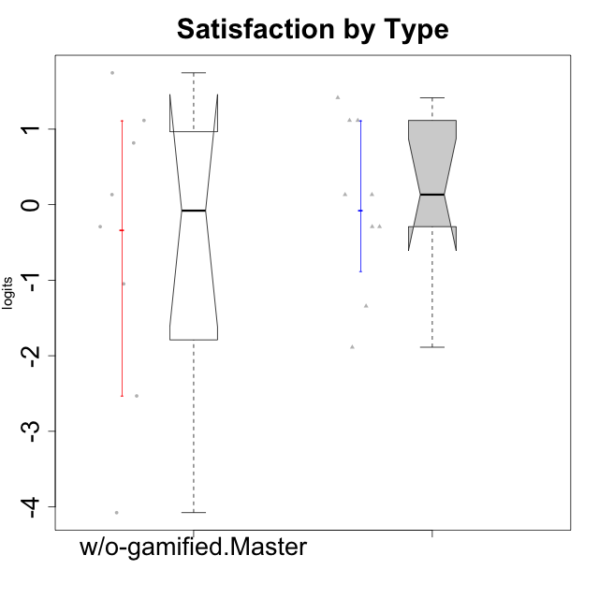

Wilcoxon data
UserID | NroUSP | Type | CLGroup | CLRole | PlayerRole | Score | theta | error | Outfit | Infit | Satisfaction
10171 | 698531 | ont-gamified | Mafia | Master | Social Achiever | 13 | 1.1149392569 | 0.57253017568 | 1.0965118517 | 1.0902415628 | 1.1149392569
10174 | 10276852 | w/o-gamified | Grupo7 | Master |  | 12 | 0.81696357931 | 0.57362501536 | 0.74356669637 | 0.75207992766 | 0.81696357931
10175 | 10310700 | ont-gamified | Warriors | Master | Social Achiever | 14 | 1.4157323614 | 0.58842428522 | 0.35404710247 | 0.34979316788 | 1.4157323614
10176 | 10276949 | ont-gamified | Outlaws | Master | Social Achiever | 9 | -0.29150836955 | 0.6200462315 | 0.016280914312 | 0.016393622948 | -0.29150836955
10179 | 10310759 | w/o-gamified | Grupo10 | Master |  | 9 | -0.29150836955 | 0.6200462315 | 0.71702191044 | 0.71212843222 | -0.29150836955
10188 | 10276995 | ont-gamified | Vandals | Master | Yee Achiever | 6 | -1.3432378563 | 0.5530280666 | 0.021171910797 | 0.021387340264 | -1.3432378563
10191 | 10276981 | w/o-gamified | Grupo1 | Master |  | 10 | 0.13276619304 | 0.61082015885 | 0.1660810728 | 0.16827662766 | 0.13276619304
10208 | 10276932 | ont-gamified | Mercenaries | Master | Social Achiever | 10 | 0.13276619304 | 0.61082015885 | 1.1939360956 | 1.2085311293 | 0.13276619304
10215 | 9285227 | ont-gamified | Vikings | Master | Social Achiever | 4 | -1.8872542901 | 0.56226128321 | 1.0435598663 | 1.0622829427 | -1.8872542901
10216 | 10276720 | ont-gamified | Silly Knights | Master | Social Achiever | 13 | 1.1149392569 | 0.57253017568 | 0.14080348248 | 0.13981676663 | 1.1149392569
10219 | 10276831 | w/o-gamified | Grupo3 | Master |  | 0 | -4.0772133808 | 1.3939414598 | 0.16755528042 | 0.17060095397 | -4.0772133808
10223 | 9795185 | ont-gamified | Slayers | Master | Social Achiever | 10 | 0.13276619304 | 0.61082015885 | 0.39227456129 | 0.38751024427 | 0.13276619304
10227 | 9274382 | w/o-gamified | Grupo5 | Master |  | 15 | 1.7446778656 | 0.62753028571 | 0.022599211146 | 0.02439150397 | 1.7446778656
10230 | 10351992 | ont-gamified | Resistance | Master | Social Achiever | 9 | -0.29150836955 | 0.6200462315 | 3.5182102558 | 3.53187521 | -0.29150836955
10231 | 10276911 | w/o-gamified | Grupo9 | Master |  | 13 | 1.1149392569 | 0.57253017568 | 1.6040973232 | 1.5978841011 | 1.1149392569
10234 | 10310676 | w/o-gamified | Grupo4 | Master |  | 2 | -2.5320276059 | 0.66896111922 | 0.35291296026 | 0.35281930761 | -2.5320276059
10238 | 10276953 | w/o-gamified | Grupo2 | Master |  | 7 | -1.0485799697 | 0.57095622351 | 1.2390784508 | 1.2233196801 | -1.0485799697

Type_CLRole_6
Wilcoxon Analysis for Satisfaction by Type in Type:CLRole between w/o-gamified.Apprentice:w/o-gamified.Master

Wilcoxon test results
Alternative hypothesis: less
Group | N | Median | Mean.Ranks | Sum.Ranks | U | Z | p.value | r | magnitude
w/o-gamified.Apprentice | 19 | 0.13276619304 | 14.210526316 | 270 | 80 | 0.21304902604 | 0.58772744164 | 0.041001304178 | none
w/o-gamified.Master | 8 | -0.079371088254 | 13.5 | 108 | 80 | 0.21304902604 | 0.58772744164 | 0.041001304178 | none
Alternative hypothesis: greater
Group | N | Median | Mean.Ranks | Sum.Ranks | U | Z | p.value | r | magnitude
w/o-gamified.Apprentice | 19 | 0.13276619304 | 14.210526316 | 270 | 80 | 0.21304902604 | 0.42224429355 | 0.041001304178 | none
w/o-gamified.Master | 8 | -0.079371088254 | 13.5 | 108 | 80 | 0.21304902604 | 0.42224429355 | 0.041001304178 | none
Alternative hypothesis: two.sided
Group | N | Median | Mean.Ranks | Sum.Ranks | U | Z | p.value | r | magnitude
w/o-gamified.Apprentice | 19 | 0.13276619304 | 14.210526316 | 270 | 80 | 0.21304902604 | 0.84442687747 | 0.041001304178 | none
w/o-gamified.Master | 8 | -0.079371088254 | 13.5 | 108 | 80 | 0.21304902604 | 0.84442687747 | 0.041001304178 | none

Box plots for wilcoxon tests
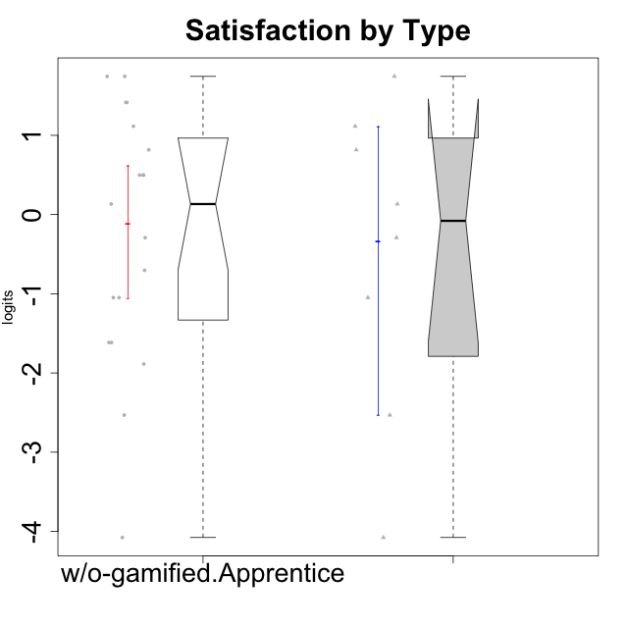

Wilcoxon data
UserID | NroUSP | Type | CLGroup | CLRole | PlayerRole | Score | theta | error | Outfit | Infit | Satisfaction
10170 | 10260351 | w/o-gamified | Grupo11 | Apprentice |  | 10 | 0.13276619304 | 0.61082015885 | 0.1660810728 | 0.16827662766 | 0.13276619304
10172 | 10273971 | w/o-gamified | Grupo5 | Apprentice |  | 12 | 0.81696357931 | 0.57362501536 | 0.534347379 | 0.53163214723 | 0.81696357931
10174 | 10276852 | w/o-gamified | Grupo7 | Master |  | 12 | 0.81696357931 | 0.57362501536 | 0.74356669637 | 0.75207992766 | 0.81696357931
10179 | 10310759 | w/o-gamified | Grupo10 | Master |  | 9 | -0.29150836955 | 0.6200462315 | 0.71702191044 | 0.71212843222 | -0.29150836955
10181 | 10276866 | w/o-gamified | Grupo2 | Apprentice |  | 2 | -2.5320276059 | 0.66896111922 | 1.0000162705 | 1.0306315044 | -2.5320276059
10183 | 10352030 | w/o-gamified | Grupo3 | Apprentice |  | 5 | -1.6155994522 | 0.54938496203 | 0.62581968632 | 0.62892436715 | -1.6155994522
10184 | 10276675 | w/o-gamified | Grupo10 | Apprentice |  | 11 | 0.49859220193 | 0.58848219037 | 0.88838578967 | 0.89661511876 | 0.49859220193
10185 | 10276960 | w/o-gamified | Grupo9 | Apprentice |  | 11 | 0.49859220193 | 0.58848219037 | 0.2744677348 | 0.27311068311 | 0.49859220193
10190 | 10276907 | w/o-gamified | Grupo4 | Apprentice |  | 8 | -0.70444226066 | 0.5991130276 | 0.28243295441 | 0.28482345426 | -0.70444226066
10191 | 10276981 | w/o-gamified | Grupo1 | Master |  | 10 | 0.13276619304 | 0.61082015885 | 0.1660810728 | 0.16827662766 | 0.13276619304
10197 | 10276661 | w/o-gamified | Grupo8 | Apprentice |  | 7 | -1.0485799697 | 0.57095622351 | 1.1043528131 | 1.0866712417 | -1.0485799697
10199 | 10276737 | w/o-gamified | Grupo1 | Apprentice |  | 11 | 0.49859220193 | 0.58848219037 | 0.88838578967 | 0.89661511876 | 0.49859220193
10201 | 10276928 | w/o-gamified | Grupo11 | Apprentice |  | 14 | 1.4157323614 | 0.58842428522 | 0.12561480515 | 0.1276007725 | 1.4157323614
10204 | 10310471 | w/o-gamified | Grupo6 | Apprentice |  | 4 | -1.8872542901 | 0.56226128321 | 1.1787250072 | 1.1785453421 | -1.8872542901
10206 | 10310721 | w/o-gamified | Grupo8 | Apprentice |  | 13 | 1.1149392569 | 0.57253017568 | 0.14080348248 | 0.13981676663 | 1.1149392569
10210 | 10277015 | w/o-gamified | Grupo6 | Apprentice |  | 0 | -4.0772133808 | 1.3939414598 | 0.16755528042 | 0.17060095397 | -4.0772133808
10213 | 10277040 | w/o-gamified | Grupo7 | Apprentice |  | 15 | 1.7446778656 | 0.62753028571 | 1.9480547554 | 2.0121343344 | 1.7446778656
10217 | 9805341 | w/o-gamified | Grupo9 | Apprentice |  | 9 | -0.29150836955 | 0.6200462315 | 0.016280914312 | 0.016393622948 | -0.29150836955
10218 | 9842913 | w/o-gamified | Grupo10 | Apprentice |  | 7 | -1.0485799697 | 0.57095622351 | 0.21683122878 | 0.21297311747 | -1.0485799697
10219 | 10276831 | w/o-gamified | Grupo3 | Master |  | 0 | -4.0772133808 | 1.3939414598 | 0.16755528042 | 0.17060095397 | -4.0772133808
10220 | 9760151 | w/o-gamified | Grupo3 | Apprentice |  | 15 | 1.7446778656 | 0.62753028571 | 1.9480547554 | 2.0121343344 | 1.7446778656
10226 | 10310342 | w/o-gamified | Grupo4 | Apprentice |  | 5 | -1.6155994522 | 0.54938496203 | 0.10052843487 | 0.099689795084 | -1.6155994522
10227 | 9274382 | w/o-gamified | Grupo5 | Master |  | 15 | 1.7446778656 | 0.62753028571 | 0.022599211146 | 0.02439150397 | 1.7446778656
10231 | 10276911 | w/o-gamified | Grupo9 | Master |  | 13 | 1.1149392569 | 0.57253017568 | 1.6040973232 | 1.5978841011 | 1.1149392569
10232 | 10276974 | w/o-gamified | Grupo7 | Apprentice |  | 14 | 1.4157323614 | 0.58842428522 | 0.12561480515 | 0.1276007725 | 1.4157323614
10234 | 10310676 | w/o-gamified | Grupo4 | Master |  | 2 | -2.5320276059 | 0.66896111922 | 0.35291296026 | 0.35281930761 | -2.5320276059
10238 | 10276953 | w/o-gamified | Grupo2 | Master |  | 7 | -1.0485799697 | 0.57095622351 | 1.2390784508 | 1.2233196801 | -1.0485799697

