Global-info
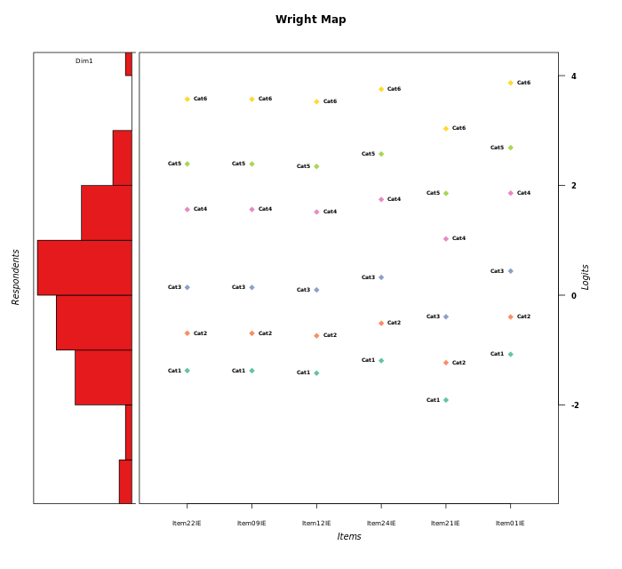
Global information for a measurement model

Information
Number.of.items | Deviance | Log.Likelihood | Number.of.persons | EAP.rel | n.theta.nodes | irt.model
6 | 894.29679903 | -447.14839952 | 51 | 0.90428016998 | 21 | RSM

Global fit statistic MADaQ3 and test fit
MADaQ3 | maxaQ3 | p
0.14697849159 | 0.32913278781 | 0.33884955512

Test statistic of global fit based on Chi square
maxX2 | Npairs | p.holm
1034.1867733 | 15 | 0

Model fit statistics
X100.MADCOV | SRMR | SRMSR
12.919637793 | 0.079524046474 | 0.096123556909

Chi square tests for every item pairs
index1 | index2 | maxK1 | maxK2 | df | chi2 | p | p.holm
1 | 2 | 6 | 6 | 36 | 30.892109665 | 0.71001283002 | 1
1 | 3 | 6 | 6 | 36 | 65.025218772 | 0.0021418444565 | 0.023560289021
1 | 4 | 6 | 6 | 36 | 65.61724864 | 0.0018435307892 | 0.022122369471
1 | 5 | 6 | 6 | 36 | 36.857226698 | 0.42906694972 | 1
1 | 6 | 6 | 6 | 36 | 29.659744387 | 0.7631071588 | 1
2 | 3 | 6 | 6 | 36 | 63.342395083 | 0.0032585622856 | 0.032585622856
2 | 4 | 6 | 6 | 36 | 29.505201564 | 0.76946439181 | 1
2 | 5 | 6 | 6 | 36 | 27.362497272 | 0.84913149586 | 1
2 | 6 | 6 | 6 | 36 | 36.515097469 | 0.4447271646 | 1
3 | 4 | 6 | 6 | 36 | 207.75252149 | 0 | 0
3 | 5 | 6 | 6 | 36 | 43.166315177 | 0.191688807 | 1
3 | 6 | 6 | 6 | 36 | 36.087288455 | 0.4645677032 | 1
4 | 5 | 6 | 6 | 36 | 46.69311941 | 0.1092948697 | 0.98365382729
4 | 6 | 6 | 6 | 36 | 1034.1867733 | 0 | 0
5 | 6 | 6 | 6 | 36 | 76.169917839 | 0.00010574266975 | 0.0013746547068

Item residuals
Item22IE | Item09IE | Item12IE | Item24IE | Item21IE | Item01IE
0.33014570231 | 0.33014570231 | 0.31650052341 | 0.39065706453 | 0.19885368321 | 0.4336861017
-0.098059978694 | -0.098059978694 | -0.13757282847 | 0.061402218735 | 1.4260107143 | -0.83700286476
0.35819961728 | 1.3581996173 | -0.68300341796 | 0.52874848321 | -0.087066297296 | -0.36091546284
-0.016817809788 | -0.016817809788 | -0.061048247217 | 0.15964628974 | 1.4634757488 | -0.73107661735
-0.40044971739 | -0.40044971739 | 1.5589302626 | -0.23904074061 | 1.1019880048 | -1.1385424647
0.052562243088 | 0.052562243088 | 0.012860262788 | 0.21431304521 | -0.41764095786 | 0.3185759532
0.20343780448 | 0.20343780448 | 0.16299598038 | 0.36961980995 | -0.26631870087 | -0.52227701356
-0.64549971047 | 0.35450028953 | 0.3128514459 | -1.4733165115 | -1.1204863021 | 2.6392514791
0.76298175943 | 0.76298175943 | -0.28342844283 | -1.0580813903 | -0.81181173058 | 0.046972796822
0.1275270386 | 0.1275270386 | -0.9217902051 | 0.32773116058 | -0.42910762035 | 0.45375370235
0.20343780448 | -0.79656219552 | 0.16299598038 | 0.36961980995 | -0.26631870087 | 0.47772298644
-0.70549701714 | -1.7054970171 | 1.2518564558 | 0.46330756935 | 0.77758062923 | 0.56729928608
0.20343780448 | -0.79656219552 | -0.83700401962 | 2.3696198099 | 1.7336812991 | -2.5222770136
-0.026753917697 | -0.026753917697 | -0.075074653547 | -1.8288528615 | 0.43361387998 | 1.2973829217
-0.083480918228 | -0.083480918228 | -0.12702951662 | -0.91777415502 | 1.3609883763 | -0.82211732623
-0.18226304635 | 0.81773695365 | 0.77093511509 | 0.010686726784 | -0.70286069353 | -0.86485947741
0.60638125104 | -0.39361874896 | -0.44192364107 | 0.79517124127 | 0.02435689126 | -1.0919849322
0.052562243088 | 1.0525622431 | -2.9871397372 | 2.2143130452 | -0.41764095786 | 0.3185759532
0.5111187555 | -0.4888812445 | 0.48726709576 | -0.40246922682 | -0.83641276343 | -0.35544490098
-0.49352805427 | -1.4935280543 | -1.5367409016 | 1.6855729344 | 1.0205794266 | 0.80265850934
2.0525622431 | -0.94743775691 | -1.9871397372 | 0.21431304521 | -0.41764095786 | 1.3185759532
-0.026753917697 | -0.026753917697 | -0.075074653547 | 1.1711471385 | 0.43361387998 | -1.7026170783
-0.40044971739 | 0.59955028261 | 0.55893026257 | 0.76095925939 | 0.10198800479 | -1.1385424647
-0.016817809788 | 0.98318219021 | -2.0610482472 | 0.15964628974 | 0.46347574878 | 1.2689233827
-0.026753917697 | -0.026753917697 | -0.075074653547 | 0.17114713847 | -0.56638612002 | 0.29738292175
0.90194002131 | -0.098059978694 | -0.13757282847 | 0.061402218735 | -1.5739892857 | 1.1629971352
-0.23190118195 | -0.23190118195 | -0.24360080305 | -0.19014113491 | -0.41162392966 | -0.16777748755
0.35450028953 | 1.3545002895 | 0.3128514459 | -1.4733165115 | -0.12048630212 | -0.36074852091
0.20343780448 | 0.20343780448 | 0.16299598038 | 0.36961980995 | -0.26631870087 | -0.52227701356
-0.39361874896 | -0.39361874896 | -0.44192364107 | 1.7951712413 | -0.97564310874 | -0.09198493219
-0.23190118195 | -0.23190118195 | -0.24360080305 | -0.19014113491 | -0.41162392966 | -0.16777748755
-0.79656219552 | 0.20343780448 | 0.16299598038 | 3.3696198099 | -0.26631870087 | -2.5222770136
-0.35485835684 | -0.35485835684 | -0.37258015158 | -0.29121071072 | 0.37932480372 | -0.2569084274
1.0525622431 | 0.052562243088 | 1.0128602628 | -1.7856869548 | 0.58235904214 | -0.6814240468
0.44780754005 | -0.55219245995 | 0.40620369823 | -1.3874746775 | -1.0608298174 | 2.7143260898
0.75097373065 | 0.75097373065 | -0.28888839574 | -1.0895620681 | 0.2651918933 | 0.010797017705
0.052562243088 | 0.052562243088 | 0.012860262788 | 0.21431304521 | -0.41764095786 | 0.3185759532
0.06984663977 | -0.93015336023 | 0.030139794804 | -0.78102991958 | -1.4532831732 | 2.303666309
-1.5545071479 | 1.4454928521 | 1.3961373966 | -1.3589287647 | 0.86589704234 | -1.2398443574
0.28445696617 | 0.28445696617 | 0.23478189493 | -0.51611931859 | -0.28592274622 | -0.39252964111
0.13897275918 | 0.13897275918 | 0.095386865665 | -0.68802499647 | 0.61794901473 | 0.41864368064
0.052562243088 | 0.052562243088 | 0.012860262788 | 0.21431304521 | -0.41764095786 | 0.3185759532
-0.63035469358 | -0.63035469358 | -0.66004695396 | -0.52162244517 | 1.9507409968 | -0.46171022259
-0.24902626935 | -1.2490262694 | 0.71111160426 | -1.0895620681 | 1.2651918933 | 1.0107970177
-0.4888812445 | -0.4888812445 | 0.48726709576 | -0.40246922682 | 0.16358723657 | -0.35544490098
-0.40044971739 | 0.59955028261 | 0.55893026257 | -0.23904074061 | 0.10198800479 | -0.1385424647
-0.40044971739 | -0.40044971739 | 0.55893026257 | -0.23904074061 | -0.89801199521 | 1.8614575353
-0.40044971739 | -0.40044971739 | 0.55893026257 | 0.76095925939 | 0.10198800479 | -0.1385424647
0.22197856894 | 0.22197856894 | 0.18695189126 | -0.64817379007 | -0.25557426777 | -0.57557717269
-0.94743775691 | 1.0525622431 | 2.0128602628 | -0.78568695479 | -1.4176409579 | 0.3185759532
0.20343780448 | 0.20343780448 | 0.16299598038 | 0.36961980995 | -0.26631870087 | -0.52227701356

Wright Map for Item Response Models

Estimate-Items
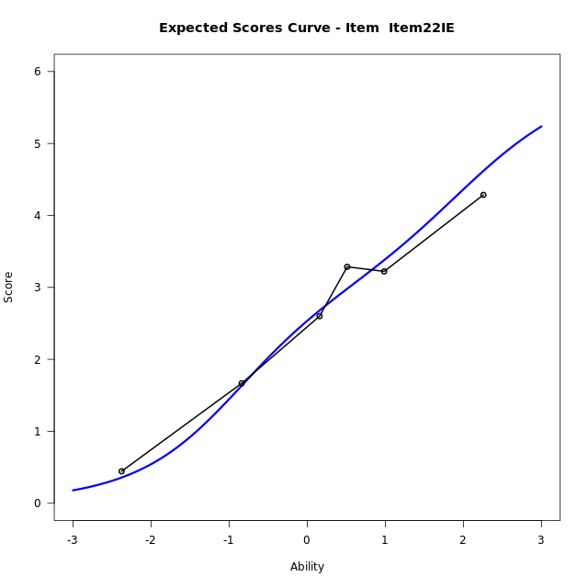
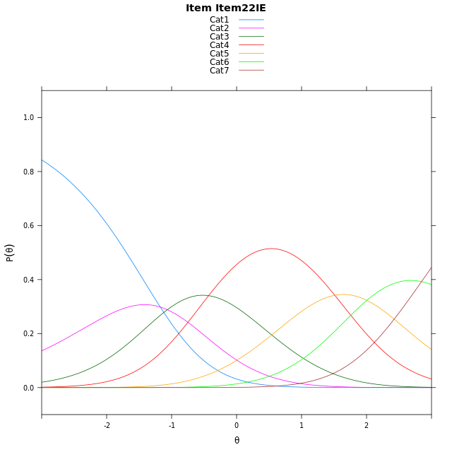
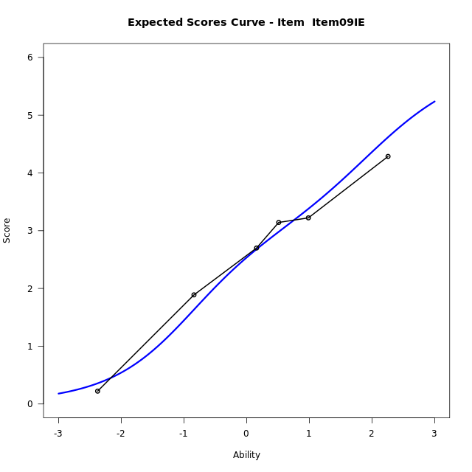


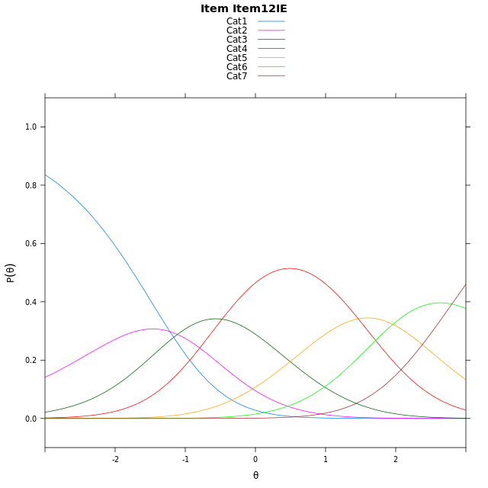
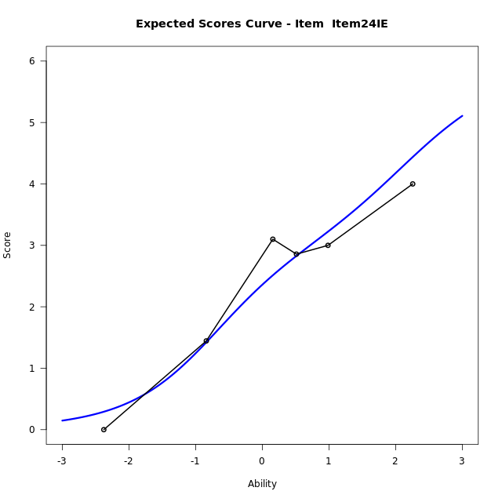
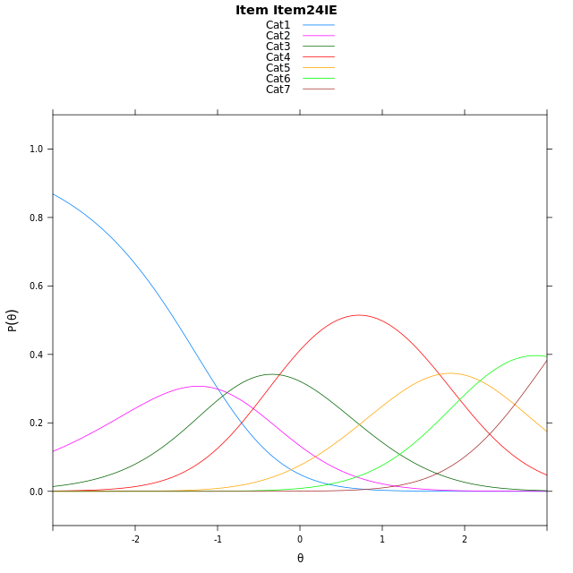
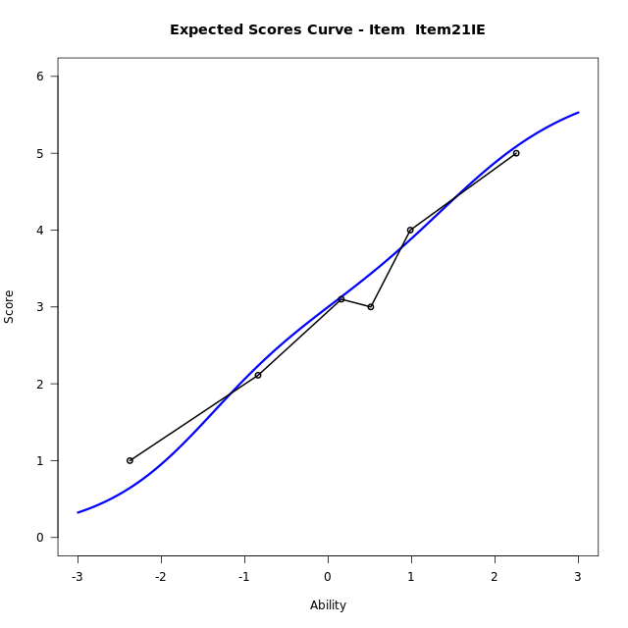
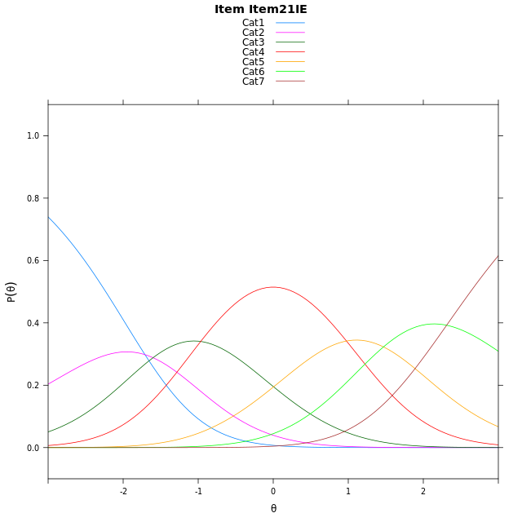
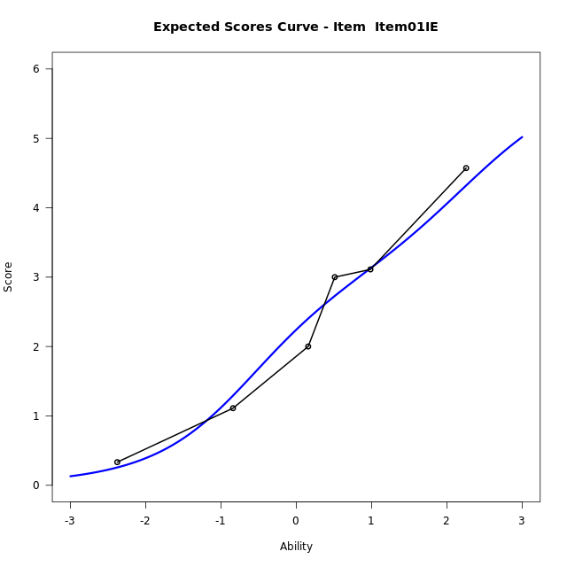
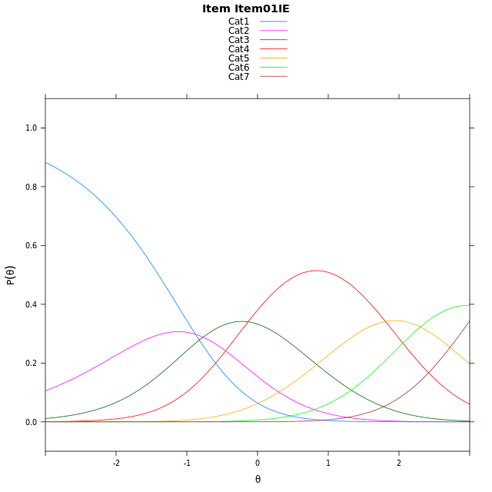
Estimate items information for the measurement model

Full Item Information
item | N | M | xsi.item | AXsi_.Cat1 | AXsi_.Cat2 | AXsi_.Cat3 | AXsi_.Cat4 | AXsi_.Cat5 | AXsi_.Cat6 | B.Cat1.Dim1 | B.Cat2.Dim1 | B.Cat3.Dim1 | B.Cat4.Dim1 | B.Cat5.Dim1 | B.Cat6.Dim1
Item22IE | 51 | 2.4901960784 | 0.61492487359 | -1.1742065495 | -2.2407421165 | -2.6719321368 | -1.1607761565 | 0.84351417707 | 3.6895492415 | 1 | 2 | 3 | 4 | 5 | 6
Item09IE | 51 | 2.4901960784 | 0.61492487359 | -1.1742065495 | -2.2407421165 | -2.6719321368 | -1.1607761565 | 0.84351417707 | 3.6895492415 | 1 | 2 | 3 | 4 | 5 | 6
Item12IE | 51 | 2.5294117647 | 0.56963597359 | -1.2194954495 | -2.3313199165 | -2.8077988368 | -1.3419317565 | 0.61706967708 | 3.4178158415 | 1 | 2 | 3 | 4 | 5 | 6
Item24IE | 51 | 2.3333333333 | 0.79728629213 | -0.991845131 | -1.8760192795 | -2.1248478812 | -0.43133048234 | 1.7553212698 | 4.7837177528 | 1 | 2 | 3 | 4 | 5 | 6
Item21IE | 51 | 2.9607843137 | 0.079635640068 | -1.7094957831 | -3.3113205836 | -4.2777998373 | -3.3019330906 | -1.8329319905 | 0.47781384041 | 1 | 2 | 3 | 4 | 5 | 6
Item01IE | 51 | 2.2352941176 | 0.91219311085 | -0.87693831228 | -1.646205642 | -1.780127425 | 0.028296792547 | 2.3298553634 | 5.4731586651 | 1 | 2 | 3 | 4 | 5 | 6

Thurstonian Thresholds (category-wise)
 | Cat1 | Cat2 | Cat3 | Cat4 | Cat5 | Cat6
Item22IE | -1.6976623535 | -0.96560668945 | -0.17440795898 | 1.2503356934 | 2.0924377441 | 3.1647033691
Item09IE | -1.6976623535 | -0.96560668945 | -0.17440795898 | 1.2503356934 | 2.0924377441 | 3.1647033691
Item12IE | -1.7430725098 | -1.0108337402 | -0.21963500977 | 1.2049255371 | 2.0472106934 | 3.1192932129
Item24IE | -1.5152893066 | -0.78323364258 | 0.0079650878906 | 1.4325256348 | 2.274810791 | 3.347076416
Item21IE | -2.2330627441 | -1.5008239746 | -0.70962524414 | 0.71493530273 | 1.557220459 | 2.6293029785
Item01IE | -1.4004821777 | -0.6682434082 | 0.1227722168 | 1.5475158691 | 2.3898010254 | 3.4618835449

Thurstonian Thresholds (item-wise)
 | Threshold
Item22IE | 0.53741287568
Item09IE | 0.53741287568
Item12IE | 0.49303364182
Item24IE | 0.716067675
Item21IE | -0.00045808446331
Item01IE | 0.83258913929

Item Infit/Outfit Statistic
parameter | Outfit | Outfit_t | Outfit_p | Outfit_pholm | Infit | Infit_t | Infit_p | Infit_pholm
Item22IE | 0.52252194495 | -2.7754304969 | 0.0055128681194 | 0.044885550859 | 0.51697502655 | -2.8128553216 | 0.0049103738975 | 0.03928299118
Item09IE | 0.67155552003 | -1.7518162625 | 0.07980540692 | 0.47883244152 | 0.70427361198 | -1.5504359573 | 0.12103691376 | 0.36311074128
Item12IE | 0.99964843513 | 0.041179900176 | 0.96715247741 | 1 | 0.99957401749 | 0.040973328846 | 0.9673171585 | 1
Item24IE | 1.294064351 | 1.3460259595 | 0.17829414477 | 0.89147072385 | 1.4047299575 | 1.7793463431 | 0.075182997532 | 0.30073199013
Item21IE | 0.94301082246 | -0.2827296 | 0.7773841241 | 1 | 0.93477094337 | -0.29684195882 | 0.76658716993 | 1
Item01IE | 1.4543920194 | 1.9476940373 | 0.051451584011 | 0.36016108808 | 1.5063192849 | 2.1491639998 | 0.031621401926 | 0.18972841156
Cat1 | 1.607108133 | 4.3580259916 | 1.3124080088E-05 | 0.00013124080088 | 1.4761565756 | 3.558065519 | 0.00037359613631 | 0.0033623652268
Cat2 | 1.085132379 | 0.69305246241 | 0.48827662879 | 1 | 1.309268971 | 2.5784872767 | 0.0099233954087 | 0.069463767861
Cat3 | 1.5223235042 | 4.7858587041 | 1.7025780883E-06 | 1.8728358971E-05 | 1.3766169863 | 4.4248913748 | 9.6490822821E-06 | 9.6490822821E-05
Cat4 | 1.0626672939 | 0.65433180976 | 0.51289805629 | 1 | 1.3916462653 | 4.5308568721 | 5.8744929188E-06 | 6.4619422107E-05
Cat5 | 1.6445530438 | 2.8078539843 | 0.0049872834287 | 0.044885550859 | 1.4122326131 | 2.1408708006 | 0.03228445844 | 0.18972841156

Box plot of expected curves

