Global-info
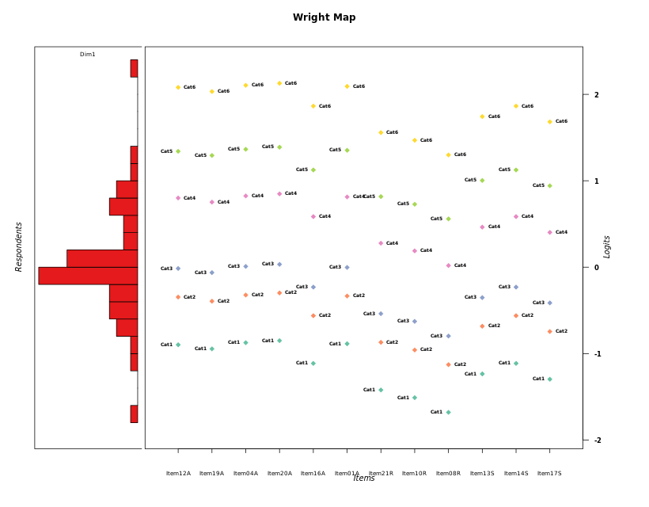
Global information for a measurement model

Information
Number.of.items | Deviance | Log.Likelihood | Number.of.persons | EAP.rel | n.theta.nodes | irt.model
12 | 2050.3199583 | -1025.1599792 | 52 | 0.89219488752 | 21 | RSM

Global fit statistic MADaQ3 and test fit
MADaQ3 | maxaQ3 | p
0.20146585896 | 0.60113301012 | 0.0017009483618

Test statistic of global fit based on Chi square
maxX2 | Npairs | p.holm
138.79379665 | 66 | 3.5684788458E-12

Model fit statistics
X100.MADCOV | SRMR | SRMSR
51.385566769 | 0.18205196813 | 0.21287253398

Chi square tests for every item pairs
index1 | index2 | maxK1 | maxK2 | df | chi2 | p | p.holm
1 | 2 | 6 | 6 | 36 | 67.009624437 | 0.0012894939555 | 0.064474697776
1 | 3 | 6 | 6 | 36 | 48.160571524 | 0.084677345019 | 1
1 | 4 | 6 | 6 | 36 | 53.96773599 | 0.027573948315 | 1
1 | 5 | 6 | 6 | 36 | 36.486318242 | 0.4460532283 | 1
1 | 6 | 6 | 6 | 36 | 54.052870677 | 0.027090426617 | 1
1 | 7 | 6 | 6 | 36 | 91.784286191 | 9.1365530563E-07 | 5.2078352421E-05
1 | 8 | 6 | 6 | 36 | 44.076733334 | 0.16701129275 | 1
1 | 9 | 6 | 6 | 36 | 112.75317137 | 7.6736161869E-10 | 4.9111143596E-08
1 | 10 | 6 | 6 | 36 | 65.119389755 | 0.0020915197796 | 0.1024844692
1 | 11 | 6 | 6 | 36 | 47.696767492 | 0.091910411457 | 1
1 | 12 | 6 | 6 | 36 | 41.540669006 | 0.24199271079 | 1
2 | 3 | 6 | 6 | 36 | 42.482764456 | 0.21185941467 | 1
2 | 4 | 6 | 6 | 36 | 74.629064701 | 0.00016378279179 | 0.0088442707567
2 | 5 | 6 | 6 | 36 | 42.333402512 | 0.2164562647 | 1
2 | 6 | 6 | 6 | 36 | 69.582037083 | 0.0006552420243 | 0.034072585264
2 | 7 | 6 | 6 | 36 | 138.79379665 | 5.4067861299E-14 | 3.5684788458E-12
2 | 8 | 6 | 6 | 36 | 78.27900126 | 5.7515278495E-05 | 0.0032208555957
2 | 9 | 6 | 6 | 36 | 136.07395506 | 1.5121237595E-13 | 9.828804437E-12
2 | 10 | 6 | 6 | 36 | 110.12298047 | 1.9323228573E-09 | 1.2173634001E-07
2 | 11 | 6 | 6 | 36 | 51.244899157 | 0.047669334696 | 1
2 | 12 | 6 | 6 | 36 | 46.06869777 | 0.12137913825 | 1
3 | 4 | 6 | 6 | 36 | 34.059047287 | 0.56118026291 | 1
3 | 5 | 6 | 6 | 36 | 34.11862664 | 0.55831214738 | 1
3 | 6 | 6 | 6 | 36 | 38.249190557 | 0.36767668538 | 1
3 | 7 | 6 | 6 | 36 | 63.581797109 | 0.0030716246158 | 0.13822310771
3 | 8 | 6 | 6 | 36 | 36.972683408 | 0.42382772148 | 1
3 | 9 | 6 | 6 | 36 | 75.63239769 | 0.00012326794935 | 0.0067797372141
3 | 10 | 6 | 6 | 36 | 53.67627662 | 0.029288026083 | 1
3 | 11 | 6 | 6 | 36 | 31.433729909 | 0.68552722204 | 1
3 | 12 | 6 | 6 | 36 | 56.862545815 | 0.014831674397 | 0.62293032467
4 | 5 | 6 | 6 | 36 | 43.548534267 | 0.18102665677 | 1
4 | 6 | 6 | 6 | 36 | 36.724022152 | 0.43514068908 | 1
4 | 7 | 6 | 6 | 36 | 105.75576859 | 8.7735234633E-09 | 5.3518493126E-07
4 | 8 | 6 | 6 | 36 | 46.853219546 | 0.1063567519 | 1
4 | 9 | 6 | 6 | 36 | 73.293658927 | 0.00023805634818 | 0.012616986454
4 | 10 | 6 | 6 | 36 | 61.638558801 | 0.00493164123 | 0.21699221412
4 | 11 | 6 | 6 | 36 | 41.84893323 | 0.23183504542 | 1
4 | 12 | 6 | 6 | 36 | 58.087478608 | 0.011282728065 | 0.48515730678
5 | 6 | 6 | 6 | 36 | 32.580645352 | 0.63201087509 | 1
5 | 7 | 6 | 6 | 36 | 109.65009499 | 2.2791571963E-09 | 1.4130774617E-07
5 | 8 | 6 | 6 | 36 | 45.963817601 | 0.12350862715 | 1
5 | 9 | 6 | 6 | 36 | 42.774783215 | 0.20306855484 | 1
5 | 10 | 6 | 6 | 36 | 50.842703903 | 0.05152324419 | 1
5 | 11 | 6 | 6 | 36 | 36.514785439 | 0.44474153501 | 1
5 | 12 | 6 | 6 | 36 | 43.877489419 | 0.17220078717 | 1
6 | 7 | 6 | 6 | 36 | 96.999687116 | 1.6748228604E-07 | 1.0048937162E-05
6 | 8 | 6 | 6 | 36 | 41.116410479 | 0.25644338069 | 1
6 | 9 | 6 | 6 | 36 | 55.946881117 | 0.018119274593 | 0.73223255343
6 | 10 | 6 | 6 | 36 | 56.013538281 | 0.017859330571 | 0.73223255343
6 | 11 | 6 | 6 | 36 | 30.280813467 | 0.73685222718 | 1
6 | 12 | 6 | 6 | 36 | 67.871390873 | 0.0010302608308 | 0.052543302371
7 | 8 | 6 | 6 | 36 | 64.61028133 | 0.0023775334094 | 0.11174407024
7 | 9 | 6 | 6 | 36 | 55.422919655 | 0.020284814079 | 0.79110774908
7 | 10 | 6 | 6 | 36 | 54.577418882 | 0.024274673589 | 0.92243759638
7 | 11 | 6 | 6 | 36 | 36.541069114 | 0.44353159346 | 1
7 | 12 | 6 | 6 | 36 | 93.107867861 | 5.9674550001E-07 | 3.5207984501E-05
8 | 9 | 6 | 6 | 36 | 29.697812052 | 0.76153003806 | 1
8 | 10 | 6 | 6 | 36 | 53.590118042 | 0.029812550448 | 1
8 | 11 | 6 | 6 | 36 | 35.356237013 | 0.49901800645 | 1
8 | 12 | 6 | 6 | 36 | 64.50555333 | 0.0024407793626 | 0.11227585068
9 | 10 | 6 | 6 | 36 | 64.927048631 | 0.0021955238673 | 0.10538514563
9 | 11 | 6 | 6 | 36 | 33.829389442 | 0.57223591127 | 1
9 | 12 | 6 | 6 | 36 | 91.965695261 | 8.6200630445E-07 | 4.9996365658E-05
10 | 11 | 6 | 6 | 36 | 43.687247723 | 0.17726563491 | 1
10 | 12 | 6 | 6 | 36 | 45.712869797 | 0.12872305259 | 1
11 | 12 | 6 | 6 | 36 | 32.57994856 | 0.6320439127 | 1

Item residuals
Item12A | Item19A | Item04A | Item20A | Item16A | Item01A | Item21R | Item10R | Item08R | Item13S | Item14S | Item17S
0.74973626866 | 0.71049343793 | 0.77002921739 | 0.79078271588 | 0.58654996801 | 0.75982567775 | 0.41073250396 | -0.62952997526 | -1.6955301293 | 0.50974539695 | 0.58654996801 | 0.47468947215
0.80519246591 | 0.72503386313 | 1.8454639955 | -0.11412430803 | -0.55180245601 | -0.17468894299 | 0.96508760878 | 0.83220971175 | -2.411112888 | -0.74662119342 | -0.55180245601 | 0.15676446455
0.18773395432 | 0.11314776473 | 1.2252228635 | 0.26285531798 | -0.14390185933 | -0.79353907857 | 0.41556243207 | 0.29843463337 | 1.0911829246 | 0.67649305706 | 0.85609814067 | -1.41177598
1.0773434745 | 1.9950023891 | 1.1187354002 | 0.16028479972 | 0.71111398844 | 1.0980199652 | -1.7855183385 | -1.9236981078 | -2.1802163539 | 1.5114319114 | -0.28888601156 | 0.41221637661
-0.34170708038 | 1.5793164638 | 0.697957551 | -0.26224706509 | 0.30630025012 | 2.6781093106 | -3.1694820686 | -0.29948821092 | -1.5356679298 | 1.1141168917 | 0.30630025012 | -0.98108773955
-0.13509918357 | 0.7945320943 | -0.099567187181 | -0.06379794426 | 0.55584620313 | -1.1173627429 | 0.16277670672 | 1.0617446176 | 0.88625495059 | 0.39306163026 | 0.55584620313 | -0.68566343948
1.2959233185 | 0.21193436524 | 1.3381528234 | 0.38054698581 | -0.077427240251 | 0.31701758508 | -0.5848746116 | -0.72725905941 | -0.99413651986 | -0.28099017794 | -0.077427240251 | -0.38229406896
0.42348927452 | 0.33956249523 | 0.46559858496 | 0.50781009503 | 0.048828708003 | 0.44453111451 | -0.46465101778 | -0.60901554086 | -0.87967608425 | -2.1568108569 | 0.048828708003 | -0.25936020548
0.34045618612 | -1.7436188221 | 0.38270782839 | 0.42510933933 | 0.96634880902 | -1.6384366704 | -0.54323369288 | 0.31364081713 | 1.0452046805 | -1.2379588447 | -0.033651190977 | 0.66030531708
0.61557797505 | 1.5321178404 | 0.65728448301 | -0.30102509557 | 1.2399826331 | 0.63643296883 | 1.7175234715 | -0.42965008114 | -0.70518426965 | -2.9687141762 | -2.7600173669 | -1.073148134
-0.43794147659 | -0.51237513733 | -0.4015062702 | -0.36560370826 | 0.21240290117 | -0.41965800356 | -0.32161027014 | -0.47767045676 | 0.22687485763 | -0.99591691387 | -0.78759709883 | 0.89703971671
0.31723607081 | -1.7668263456 | 0.35949537069 | 0.4019143521 | -0.056566392265 | 1.3383458397 | -0.56504434321 | -0.70779836054 | -0.97549308676 | 1.7395083494 | -0.056566392265 | -0.36200140932
1.4234892745 | 0.33956249523 | -0.53440141504 | 1.507810095 | -1.951171292 | 0.44453111451 | -1.4646510178 | -0.60901554086 | -2.8796760842 | -0.15681085691 | 1.048828708 | 0.74063979452
-3.0474998739 | -3.1288414778 | -0.0066209526171 | 1.034407581 | -0.40949891738 | 1.9729211594 | 0.10006689709 | -2.0356828524 | 1.7138465637 | 2.3930480863 | 2.5905010826 | 0.2950248916
0.34045618612 | -1.7436188221 | 0.38270782839 | -0.57489066067 | -0.033651190977 | -0.63843667042 | 1.4567663071 | 2.3136408171 | 1.0452046805 | -1.2379588447 | -1.033651191 | -1.3396946829
-1.340590694 | -1.4111354368 | -0.30614008051 | -1.272243304 | -0.67406950328 | -1.3232966008 | -1.1947026782 | 1.6505201199 | 3.3547737395 | 0.12452572965 | -0.67406950328 | 0.020192311306
1.2959233185 | 1.2119343652 | 2.3381528234 | 1.3805469858 | 0.92257275975 | -0.68298241492 | -1.5848746116 | -1.7272590594 | -0.99413651986 | -1.2809901779 | -0.077427240251 | -0.38229406896
0.50195789502 | 0.41821721268 | -1.4560946603 | -1.414093051 | 0.12690265868 | 0.52292471253 | 0.60975299655 | 0.46423885143 | -2.8084223812 | -0.079986899038 | 0.12690265868 | 0.81669387411
-0.89274596722 | 2.0337102942 | -0.85574103778 | 2.1814304209 | -0.21880602672 | -0.8742639507 | 1.3523732652 | -1.7607763712 | -1.9601646115 | 1.6057387096 | 0.78119397328 | 1.5198247151
-1.4379414766 | -1.5123751373 | -0.4015062702 | -1.3656037083 | -1.7875970988 | -1.4196580036 | 3.6783897299 | 2.5223295432 | 3.2268748576 | -1.9959169139 | -0.78759709883 | -2.1029602833
-0.047499873921 | 0.87115852216 | 2.9933790474 | 0.034407581044 | -0.40949891738 | 2.9729211594 | -1.8999331029 | 1.9643171476 | -1.2861534363 | -0.60695191365 | -0.40949891738 | -2.7049751084
-0.54225119206 | 1.3931490127 | -0.50941404363 | 1.5237781274 | 1.1790930363 | -1.5258773073 | -0.1523077208 | -1.2327806133 | -0.36801929001 | 1.0383978578 | 1.1790930363 | -0.02792576586
0.31723607081 | -0.76682634564 | 1.3594953707 | -2.5980856479 | -0.056566392265 | 0.33834583973 | -0.56504434321 | -0.70779836054 | 1.0245069132 | 1.7395083494 | -0.056566392265 | -0.36200140932
0.24228680611 | 1.1670061715 | -0.71990097465 | 0.31804002949 | -0.093043054672 | 0.26117732912 | -0.54129286191 | -0.66104687396 | 0.12648639624 | -0.27538097764 | 0.90695694533 | 1.6348002497
0.53431388377 | 1.4563381351 | 1.5734650645 | 0.61273920771 | -0.81343731845 | -1.4461254167 | -1.2829849062 | -0.41055144309 | -2.6406759662 | 0.99662126057 | 0.18656268155 | 0.9026167145
-0.62705917454 | -1.7110917073 | -1.5848539884 | 0.45748342631 | -0.0014261147463 | 0.39402690929 | 0.48746243053 | -1.6561549738 | 0.074504394279 | 0.79374228492 | 0.99857388525 | 0.69168857882
0.44309095449 | 1.3658568418 | -0.51813772741 | -0.47924881684 | -0.90150173176 | -0.53753756348 | -1.3663603518 | -1.4921000723 | -0.71771681137 | -0.08975788763 | 2.0984982682 | 1.8171414301
-0.91793879624 | -0.97146923837 | -0.89216391842 | -0.86703117992 | -1.1804786157 | -0.9049703747 | 4.3584097603 | -0.79034425503 | 0.91346294382 | -0.35134078486 | -1.1804786157 | 1.5563807
1.5343138838 | -0.54366186488 | -0.42653493551 | -0.38726079229 | 0.18656268155 | -0.44612541668 | -0.28298490624 | -0.41055144309 | -0.64067596622 | -0.0033787394339 | 0.18656268155 | 0.9026167145
-0.67990725702 | 0.23851888692 | -0.63976974464 | 0.39991515298 | -0.058241207982 | -0.65978303324 | -0.61305503136 | -1.7704186627 | 0.9363727744 | 1.7221257549 | 1.941758792 | -0.38910690268
-0.5848435171 | -0.66496235378 | -0.54550271647 | 0.49333945542 | 0.041928836249 | -0.56511188367 | 0.48864657421 | -1.6692048118 | 3.0359078179 | -1.1763947816 | -0.95807116375 | -0.28733918879
-0.40320351917 | -0.4269208712 | -0.391893795 | -0.38093040338 | -0.52295798749 | -0.39750452972 | 0.23981415293 | 0.15389969583 | -0.034024873605 | -0.60630177007 | -0.52295798749 | -0.65342188292
1.523084004 | 1.45739978 | -0.44356553164 | -3.4098782799 | 1.2388941363 | -0.46028312549 | -0.10292708597 | 0.8132492576 | 0.67155264891 | 1.0943809833 | -1.7611058637 | 1.0259618117
-0.60600106816 | -1.6867642874 | -1.5663267679 | -0.5271443124 | 1.0181723136 | 0.41389643011 | -0.53702650892 | -0.69500633977 | 1.0102916402 | -0.20118684678 | 1.0181723136 | 0.68748244671
0.42348927452 | -2.6604375048 | 0.46559858496 | -2.492189905 | -0.951171292 | 1.4445311145 | 2.5353489822 | 2.3909844591 | 2.1203239158 | -1.1568108569 | -0.951171292 | -3.2593602055
1.5343138838 | -2.5436618649 | -0.42653493551 | -0.38726079229 | -0.81343731845 | -1.4461254167 | 0.71701509376 | 1.5894485569 | 0.35932403378 | -0.0033787394339 | 0.18656268155 | 0.9026167145
0.29592331845 | 0.21193436524 | -0.66184717661 | 0.38054698581 | 0.92257275975 | -0.68298241492 | 0.4151253884 | 0.27274094059 | 0.0058634801436 | -0.28099017794 | -0.077427240251 | -0.38229406896
0.37294082546 | 1.2889082927 | -0.5848539884 | 1.4574834263 | -1.0014261147 | 0.39402690929 | 0.48746243053 | -0.65615497376 | -0.92549560572 | -0.20625771508 | -1.0014261147 | -1.3083114212
0.13653025752 | 1.0852601023 | 1.1611579124 | -0.8148650435 | -0.11645310559 | -0.85107373302 | 0.43118786387 | 1.2835981551 | -0.011907688225 | -1.2830156658 | -1.1164531056 | -1.3735224568
-2.6595438139 | -2.7436188221 | -2.6172921716 | -2.5748906607 | -3.033651191 | 0.36156332958 | 2.4567663071 | 2.3136408171 | 2.0452046805 | 2.7620411553 | -0.033651190977 | 2.6603053171
-0.64697866304 | 0.27163367543 | 1.3930377238 | -0.56741786961 | 0.9750061824 | -0.62691261018 | -1.580839244 | 0.26139323268 | -2.032583466 | 0.75508899437 | -0.024993817603 | 1.643636813
0.2695605017 | 0.18572909295 | -0.68828650801 | 0.35403295356 | -0.10304578195 | 0.29061630102 | 1.3907996984 | 0.24890321469 | -1.0168160177 | -0.30614833028 | 0.89695421805 | -0.40719933528
-0.047499873921 | -0.12884147784 | -0.0066209526171 | 0.034407581044 | 0.59050108262 | 0.97292115941 | -0.89993310291 | -0.035682852428 | -0.28615343631 | 0.39304808635 | -0.40949891738 | 1.2950248916
-0.81328963577 | -0.89528677407 | 0.22717726709 | 1.2672735607 | 2.8085947616 | 1.2069891844 | 0.25958577634 | 0.10410274932 | -1.1858000022 | -0.40911928856 | -1.1914052384 | -0.51913027135
-0.0028836309158 | 0.92501044246 | 0.033454302477 | 1.0699907994 | 0.67875843652 | 0.015260760889 | -1.733858582 | 0.15848746008 | -0.030056506989 | 0.50904417582 | 0.67875843652 | 0.4263883076
-1.8132896358 | 1.1047132259 | -1.7728227329 | -0.73272643931 | 0.80859476157 | -1.7930108156 | -1.7404142237 | 2.1041027493 | 2.8141999978 | 0.59088071144 | 0.80859476157 | 0.48086972865
0.077343474452 | 1.9950023891 | -0.88126459975 | 1.1602847997 | 1.7111139884 | 0.098019965244 | 0.21448166153 | -0.92369810777 | -0.18021635393 | -0.48856808858 | 1.7111139884 | -2.5877836234
0.077343474452 | -0.0049976109208 | 0.11873540025 | 0.16028479972 | -0.28888601156 | 0.098019965244 | -0.78551833847 | -0.92369810777 | 0.81978364607 | 2.5114319114 | 0.71111398844 | -0.58778362339
1.1877339543 | 0.11314776473 | -0.7747771365 | -0.73714468202 | 0.85609814067 | -0.79353907857 | 0.41556243207 | 0.29843463337 | 1.0911829246 | 0.67649305706 | -0.14390185933 | 0.58822401996
-0.93000750946 | -2.0123146808 | -0.88928179734 | 3.1511457051 | -1.3076568981 | 3.0903918047 | 0.14870972028 | 2.9949169145 | 1.7079426212 | -2.5235519113 | -1.3076568981 | -1.6324333465
-0.68276392919 | 1.2331736544 | 0.35949537069 | 0.4019143521 | -1.0565663923 | -0.66165416027 | -0.56504434321 | -0.70779836054 | 1.0245069132 | -1.2604916506 | -0.056566392265 | 1.6379985907
1.2959233185 | 1.2119343652 | 0.33815282339 | 0.38054698581 | -0.077427240251 | 0.31701758508 | 0.4151253884 | 0.27274094059 | -0.99413651986 | -1.2809901779 | -2.0774272403 | 0.61770593104

Wright Map for Item Response Models

Estimate-Items
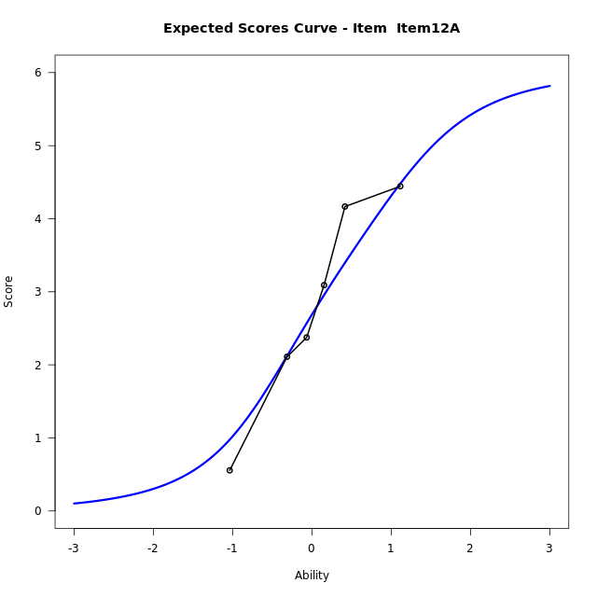
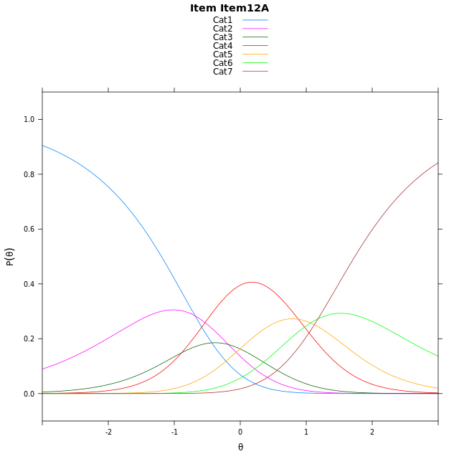
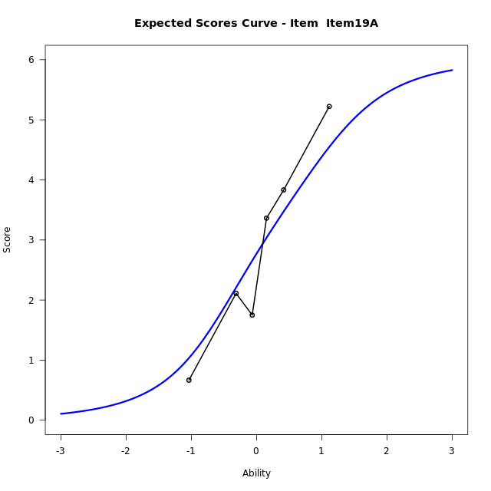
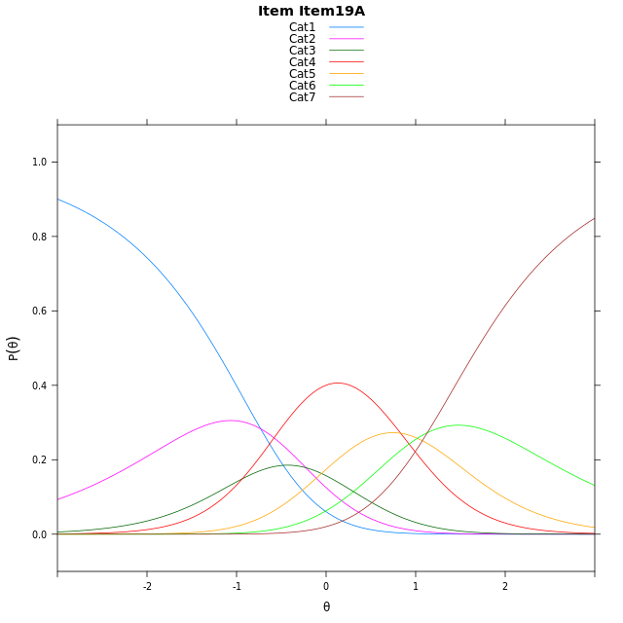
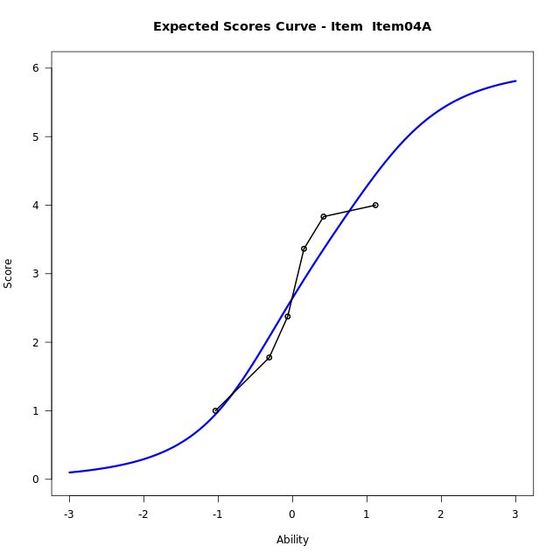
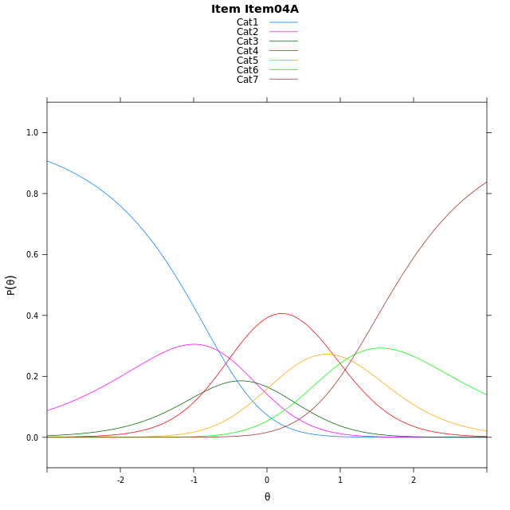
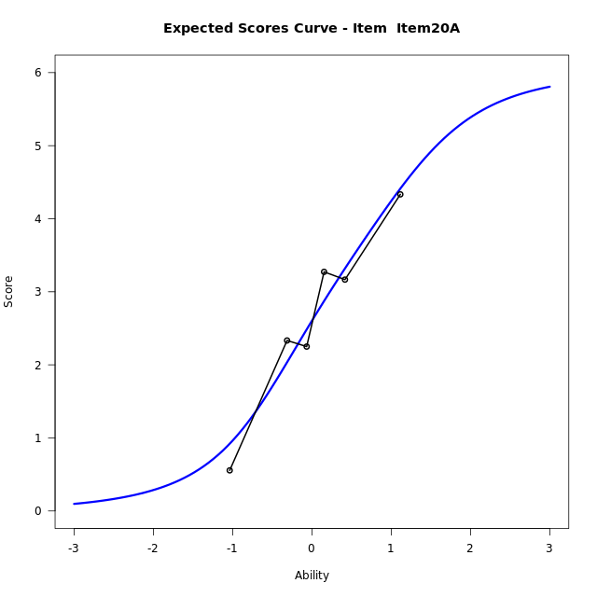

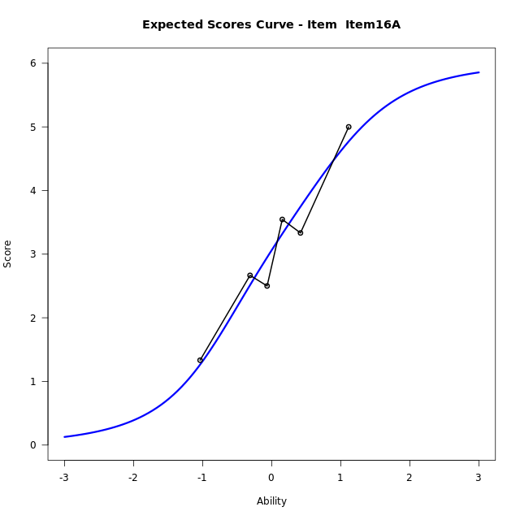
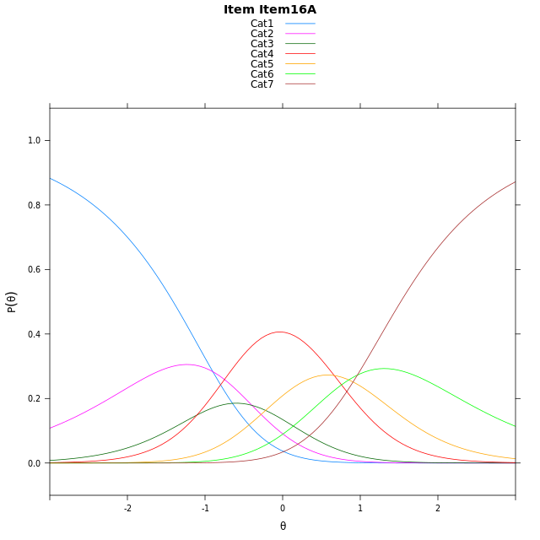
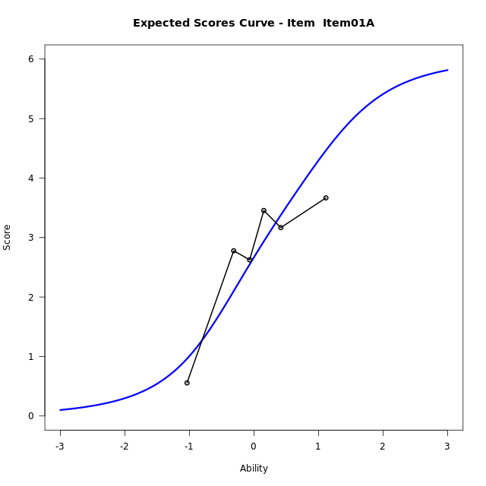

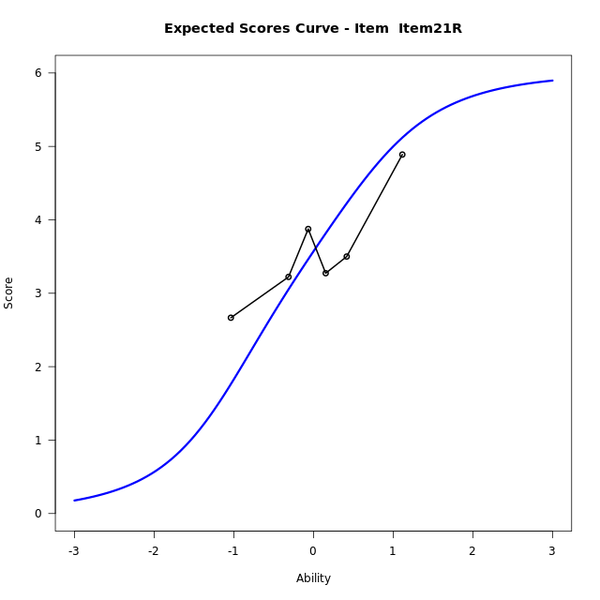
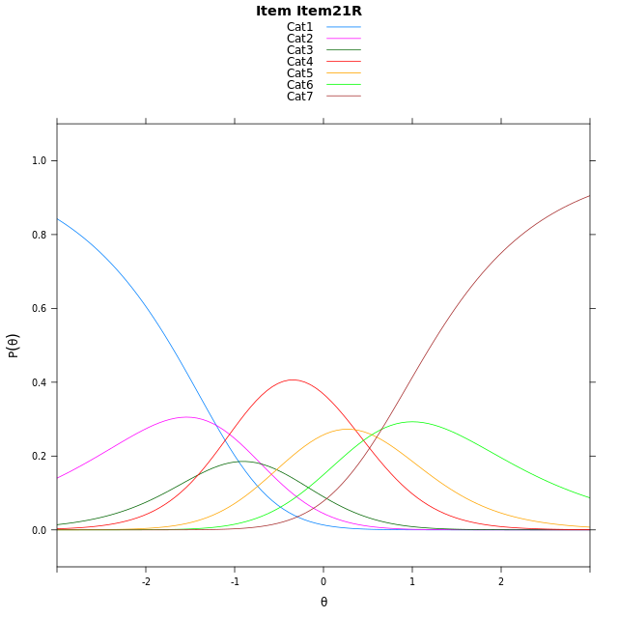
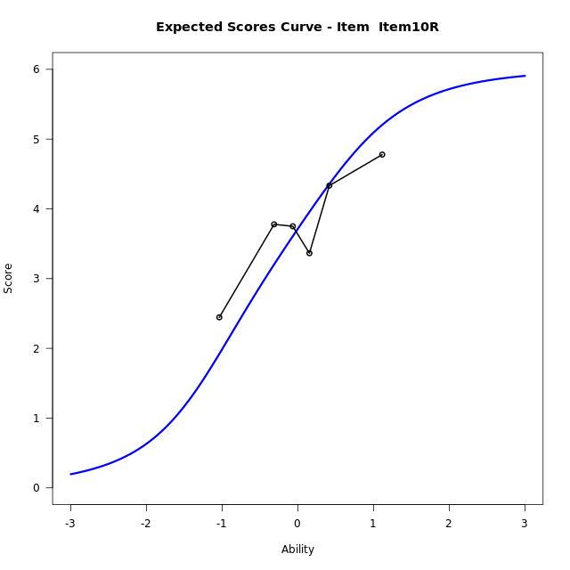
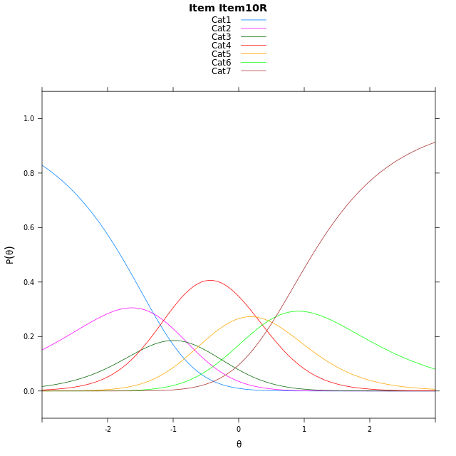
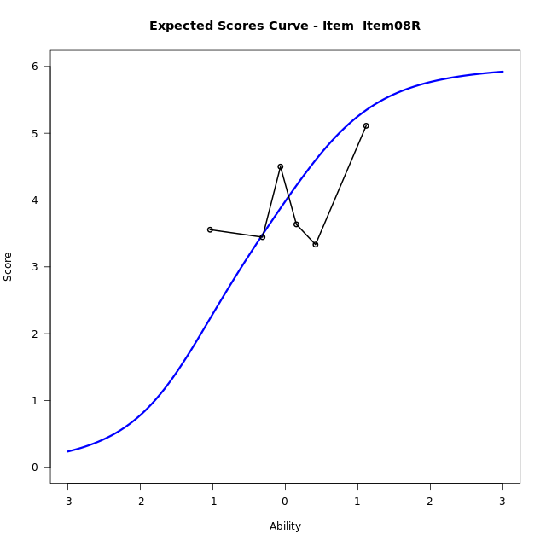
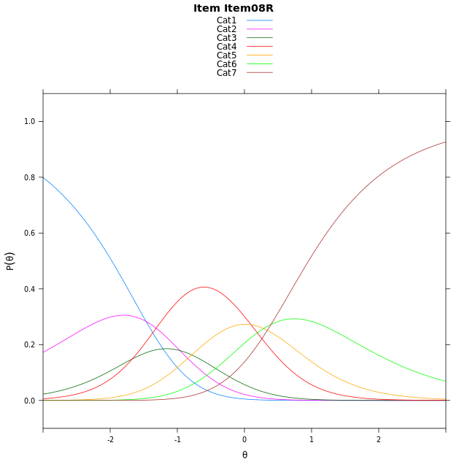
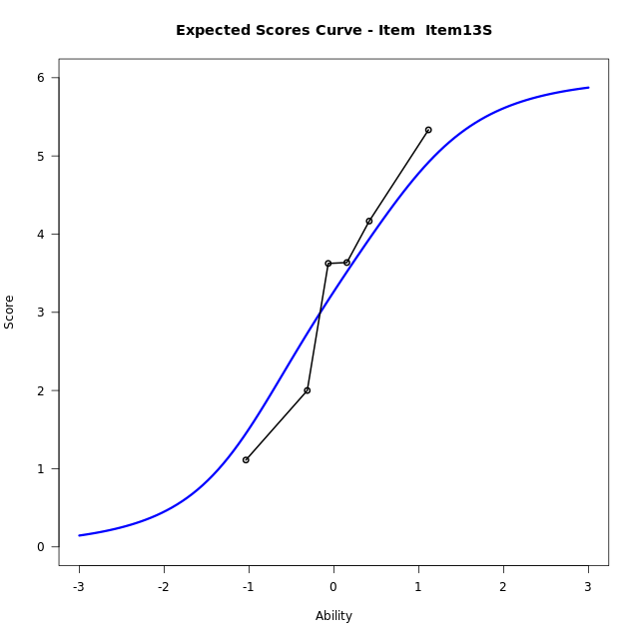
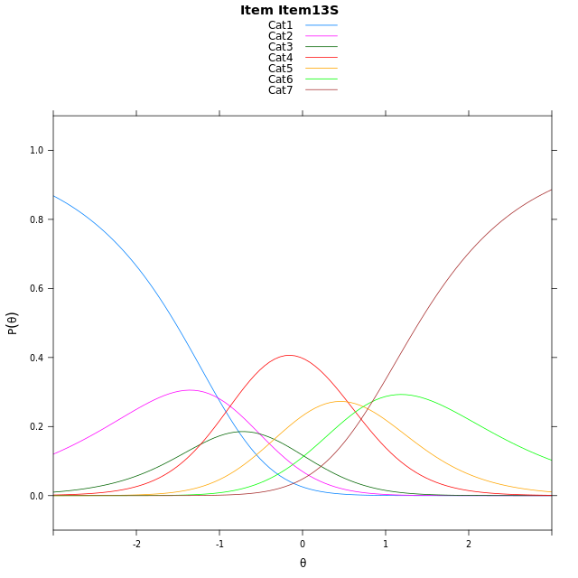
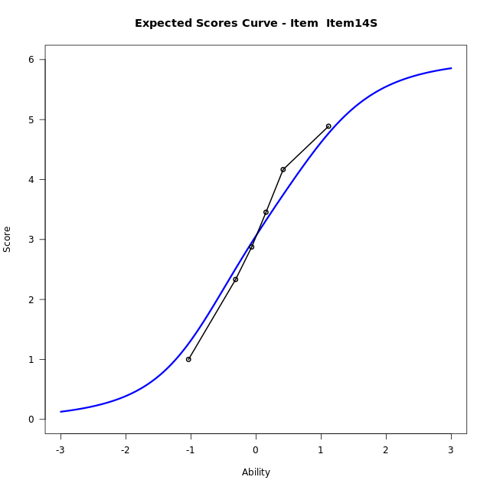

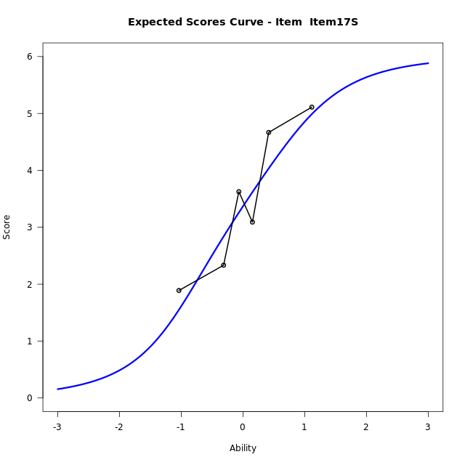
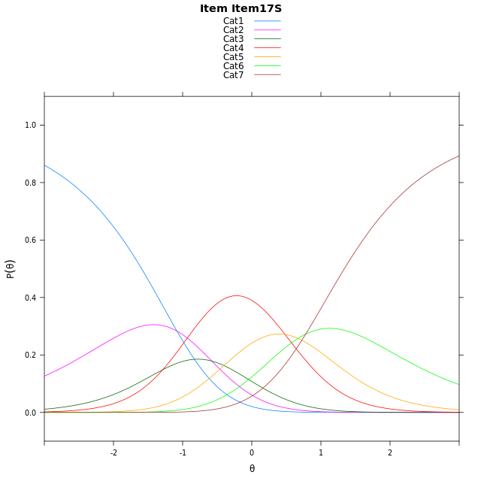
Estimate items information for the measurement model

Full Item Information
item | N | M | xsi.item | AXsi_.Cat1 | AXsi_.Cat2 | AXsi_.Cat3 | AXsi_.Cat4 | AXsi_.Cat5 | AXsi_.Cat6 | B.Cat1.Dim1 | B.Cat2.Dim1 | B.Cat3.Dim1 | B.Cat4.Dim1 | B.Cat5.Dim1 | B.Cat6.Dim1
Item12A | 52 | 2.7307692308 | 0.22911579969 | -0.68365713045 | -0.86343593053 | -1.7513903537 | -0.87119302903 | 0.19615731829 | 1.3746947981 | 1 | 2 | 3 | 4 | 5 | 6
Item19A | 52 | 2.8076923077 | 0.18137067473 | -0.73140225541 | -0.95892618045 | -1.8946257286 | -1.0621735289 | -0.042568306517 | 1.0882240484 | 1 | 2 | 3 | 4 | 5 | 6
Item04A | 52 | 2.6923076923 | 0.25297067381 | -0.65980225632 | -0.81572618229 | -1.6798257314 | -0.77577353254 | 0.3154316889 | 1.5178240429 | 1 | 2 | 3 | 4 | 5 | 6
Item20A | 52 | 2.6538461538 | 0.27682124905 | -0.63595168109 | -0.76802503181 | -1.6082740057 | -0.68037123159 | 0.43468456509 | 1.6609274943 | 1 | 2 | 3 | 4 | 5 | 6
Item16A | 52 | 3.0769230769 | 0.013342701647 | -0.89943022849 | -1.2949821266 | -2.3987096479 | -1.7342854212 | -0.88270817192 | 0.080056209882 | 1 | 2 | 3 | 4 | 5 | 6
Item01A | 52 | 2.7115384615 | 0.24104413359 | -0.67172879654 | -0.83957926273 | -1.715605352 | -0.82347969342 | 0.2557989878 | 1.4462648015 | 1 | 2 | 3 | 4 | 5 | 6
Item21R | 52 | 3.5576923077 | -0.29425054104 | -1.2070234712 | -1.910168612 | -3.3214893759 | -2.964658392 | -2.4206743854 | -1.7655032463 | 1 | 2 | 3 | 4 | 5 | 6
Item10R | 52 | 3.6923076923 | -0.38314291344 | -1.2959158436 | -2.0879533568 | -3.5881664931 | -3.3202278816 | -2.8651362474 | -2.2988574807 | 1 | 2 | 3 | 4 | 5 | 6
Item08R | 52 | 3.9423076923 | -0.55280612201 | -1.4655790521 | -2.4272797739 | -4.0971561188 | -3.9988807158 | -3.7134522902 | -3.316836732 | 1 | 2 | 3 | 4 | 5 | 6
Item13S | 52 | 3.2692307692 | -0.10818610786 | -1.020959038 | -1.5380397456 | -2.7632960764 | -2.2204006592 | -1.4903522195 | -0.64911664716 | 1 | 2 | 3 | 4 | 5 | 6
Item14S | 52 | 3.0769230769 | 0.013342701647 | -0.89943022849 | -1.2949821266 | -2.3987096479 | -1.7342854212 | -0.88270817192 | 0.080056209882 | 1 | 2 | 3 | 4 | 5 | 6
Item17S | 52 | 3.3653846154 | -0.16963434862 | -1.0824072788 | -1.6609362271 | -2.9476407987 | -2.4661936222 | -1.7975934232 | -1.0178060917 | 1 | 2 | 3 | 4 | 5 | 6

Thurstonian Thresholds (category-wise)
 | Cat1 | Cat2 | Cat3 | Cat4 | Cat5 | Cat6
Item12A | -1.1943054199 | -0.56588745117 | -0.24014282227 | 0.55325317383 | 1.0901184082 | 1.7366638184
Item19A | -1.2420959473 | -0.61367797852 | -0.28793334961 | 0.50564575195 | 1.0423278809 | 1.6890563965
Item04A | -1.170501709 | -0.54208374023 | -0.21633911133 | 0.57723999023 | 1.1139221191 | 1.7606506348
Item20A | -1.146697998 | -0.51809692383 | -0.19253540039 | 0.60104370117 | 1.1379089355 | 1.7844543457
Item16A | -1.4101867676 | -0.78158569336 | -0.45602416992 | 0.33755493164 | 0.87442016602 | 1.5209655762
Item01A | -1.1824035645 | -0.5539855957 | -0.2282409668 | 0.5651550293 | 1.1020202637 | 1.7487487793
Item21R | -1.7178039551 | -1.0892028809 | -0.76345825195 | 0.029937744141 | 0.56680297852 | 1.2133483887
Item10R | -1.8066101074 | -1.1780090332 | -0.85244750977 | -0.058868408203 | 0.47799682617 | 1.1245422363
Item08R | -1.976348877 | -1.3477478027 | -1.0220031738 | -0.22860717773 | 0.30825805664 | 0.9548034668
Item13S | -1.5315856934 | -0.90316772461 | -0.5774230957 | 0.21597290039 | 0.75283813477 | 1.3993835449
Item14S | -1.4101867676 | -0.78158569336 | -0.45602416992 | 0.33755493164 | 0.87442016602 | 1.5209655762
Item17S | -1.5931091309 | -0.96469116211 | -0.6389465332 | 0.15463256836 | 0.69131469727 | 1.3380432129

Thurstonian Thresholds (item-wise)
 | Threshold
Item12A | 0.18585345969
Item19A | 0.13670163613
Item04A | 0.21025846101
Item20A | 0.23455085843
Item16A | -0.035158800091
Item01A | 0.19806997989
Item21R | -0.33606203919
Item10R | -0.42664302135
Item08R | -0.60277056926
Item13S | -0.15195115025
Item14S | -0.035158800091
Item17S | -0.21191127405

Item Infit/Outfit Statistic
parameter | Outfit | Outfit_t | Outfit_p | Outfit_pholm | Infit | Infit_t | Infit_p | Infit_pholm
Item12A | 0.65979157735 | -2.031908096 | 0.042162960783 | 0.42682180684 | 0.67185949614 | -1.9468107472 | 0.051557428025 | 0.55538048528
Item19A | 1.192980649 | 1.0218628014 | 0.30684584055 | 1 | 1.2228284397 | 1.1627410026 | 0.24493460036 | 1
Item04A | 0.74319055469 | -1.4696310649 | 0.14166170203 | 1 | 0.75982471471 | -1.3630107266 | 0.17287913004 | 1
Item20A | 0.93263217372 | -0.31947416224 | 0.7493669812 | 1 | 0.92870680292 | -0.34088430243 | 0.73319068266 | 1
Item16A | 0.64910968146 | -2.0662807028 | 0.03880198244 | 0.42682180684 | 0.66514059969 | -1.9557964689 | 0.050489135025 | 0.55538048528
Item01A | 0.82751278501 | -0.93692972756 | 0.34879470647 | 1 | 0.83349795892 | -0.90167277062 | 0.36723072169 | 1
Item21R | 1.2662138167 | 1.3363481461 | 0.18143550656 | 1 | 1.2989465086 | 1.483995812 | 0.13781003164 | 1
Item10R | 1.142645255 | 0.7671221753 | 0.44300887855 | 1 | 1.1554225549 | 0.82941255394 | 0.40687100014 | 1
Item08R | 1.7840436505 | 3.4170141152 | 0.00063311996933 | 0.0075974396319 | 1.7217702805 | 3.1973331249 | 0.001387046406 | 0.016644556872
Item13S | 1.025986862 | 0.19058647239 | 0.84884958939 | 1 | 1.0644333752 | 0.38578386272 | 0.69965674759 | 1
Item14S | 0.73357682772 | -1.4994125491 | 0.13376664004 | 1 | 0.73708973984 | -1.4769461125 | 0.13969008277 | 1
Item17S | 1.0208104699 | 0.16207129536 | 0.8712497103 | 1 | 1.0330053488 | 0.22563678939 | 0.82148392484 | 1
Cat1 | 4.28259488 | 26.761300156 | 9.1222093867E-158 | 1.4595535019E-156 | 3.7950567112 | 24.000278074 | 2.7622556893E-127 | 4.143383534E-126
Cat2 | 2.8901170717 | 25.214433858 | 2.7823639246E-140 | 4.1735458869E-139 | 2.9023672293 | 25.333991396 | 1.3491134168E-141 | 2.1585814668E-140
Cat3 | 2.4317149769 | 28.889074305 | 1.6377370823E-183 | 2.7841530398E-182 | 2.5230821084 | 30.282627698 | 1.9413438954E-201 | 3.3002846222E-200
Cat4 | 1.7251708779 | 17.011579178 | 6.7396381994E-65 | 9.4354934791E-64 | 1.95220072 | 21.34030508 | 4.7980574685E-101 | 6.7172804559E-100
Cat5 | 1.6144897286 | 6.0453970089 | 1.4904253422E-09 | 1.9375529448E-08 | 1.7463917061 | 7.1767782453 | 7.1373312224E-13 | 9.2785305891E-12

Box plot of expected curves

