Global-info
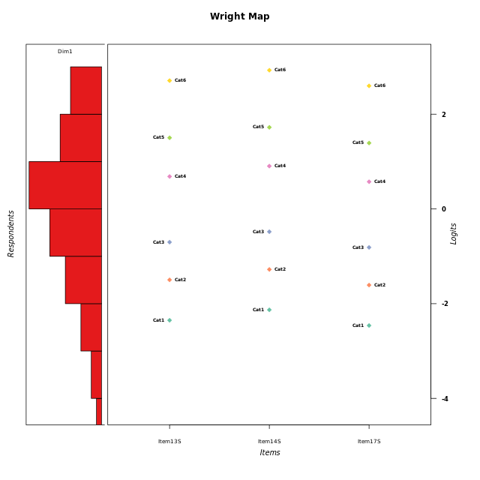
Global information for a measurement model

Information
Number.of.items | Deviance | Log.Likelihood | Number.of.persons | EAP.rel | n.theta.nodes | irt.model
3 | 504.24004933 | -252.12002467 | 52 | 0.86450307002 | 21 | RSM

Global fit statistic MADaQ3 and test fit
MADaQ3 | maxaQ3 | p
0.1882137016 | 0.2823205524 | 0.14438149136

Test statistic of global fit based on Chi square
maxX2 | Npairs | p.holm
62.109045655 | 3 | 0.013209534224

Model fit statistics
X100.MADCOV | SRMR | SRMSR
25.601265833 | 0.0639841969 | 0.072982118581

Chi square tests for every item pairs
index1 | index2 | maxK1 | maxK2 | df | chi2 | p | p.holm
1 | 2 | 6 | 6 | 36 | 24.021637916 | 0.93661813477 | 1
1 | 3 | 6 | 6 | 36 | 33.083515743 | 0.60805268069 | 1
2 | 3 | 6 | 6 | 36 | 62.109045655 | 0.0044031780748 | 0.013209534224

Item residuals
Item13S | Item14S | Item17S
0.38739822967 | 0.4697895901 | 0.35089452372
-0.35707802877 | -0.15426785882 | 0.5402235675
0.75957429574 | 0.96981047502 | -1.3450378713
1.0543435241 | -0.7356894048 | -0.051765541675
1.0543435241 | 0.2643105952 | -1.0517655417
0.46688351517 | 0.67013303038 | -0.6321022966
-0.064596418659 | 0.1388650229 | -0.16640059209
-1.4798203965 | 0.7372166262 | 0.41329924461
-1.0645964187 | 0.1388650229 | 0.83359940791
-0.99844563099 | -0.83193765484 | 0.91060273666
-0.88839171897 | -0.66423335698 | 0.99852429571
1.3491816358 | -0.44472486668 | -0.75563041611
-0.65081836418 | 0.55527513332 | 0.24436958389
0.89841774753 | 1.0582987381 | -1.1756715945
-0.18521433084 | 0.038352119428 | -0.29609548849
0.11160828103 | -0.66423335698 | -0.0014757042944
-0.77259685847 | 0.43633476275 | 0.12409838452
-0.35707802877 | -0.15426785882 | 0.5402235675
0.63129022981 | -0.24476450557 | 0.57520847172
-0.71326859548 | 0.41470324095 | -0.78510478162
0.52017960352 | 0.7372166262 | -1.5867007554
0.63129022981 | 0.75523549443 | -0.42479152828
1.3491816358 | -0.44472486668 | -0.75563041611
-0.82128346122 | 0.36540528738 | 1.089998778
0.46688351517 | -0.32986696962 | 0.3678977034
0.054343524147 | 0.2643105952 | -0.051765541675
-1.1015822525 | 1.0582987381 | 0.82432840552
-0.59021700676 | -1.3745955786 | 1.2983916965
-0.24042570426 | -0.03018952498 | 0.65496212875
0.64292197123 | 0.84573214118 | -1.4597764325
-0.59021700676 | -0.37459557865 | 0.29839169645
-0.44814207355 | -0.36337044462 | -0.49687670921
1.1787165388 | -1.6345947126 | 1.089998778
-0.77259685847 | 0.43633476275 | 0.12409838452
0.40978299324 | 0.62540442135 | -1.7016083035
-0.24042570426 | -0.03018952498 | 0.65496212875
-0.064596418659 | 0.1388650229 | -0.16640059209
0.52017960352 | -0.2627833738 | -0.58670075539
-0.44814207355 | -0.36337044462 | -0.49687670921
1.1787165388 | -1.6345947126 | 1.089998778
-0.064596418659 | -0.8611349771 | 0.83359940791
-0.35707802877 | 0.84573214118 | -0.4597764325
0.054343524147 | -0.7356894048 | 0.94823445833
0.11160828103 | -0.66423335698 | -0.0014757042944
0.17871653878 | 0.36540528738 | 0.089998777973
-0.064596418659 | 0.1388650229 | -0.16640059209
-0.064596418659 | 2.1388650229 | -2.1664005921
1.7595742957 | -0.03018952498 | -1.3450378713
0.46688351517 | -0.32986696962 | 0.3678977034
-0.99844563099 | 0.16806234516 | -0.089397263335
-1.3570780288 | -0.15426785882 | 1.5402235675
-0.47982039648 | -1.2627833738 | 1.4132992446

Wright Map for Item Response Models

Estimate-Items
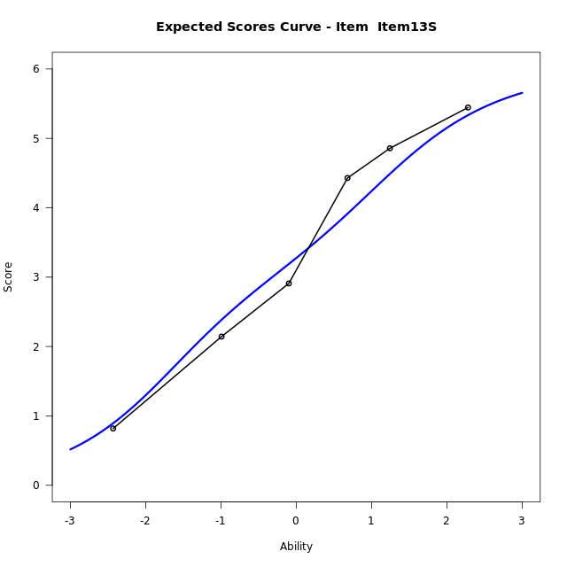
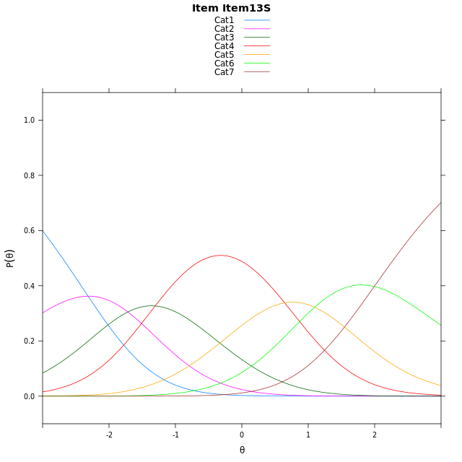
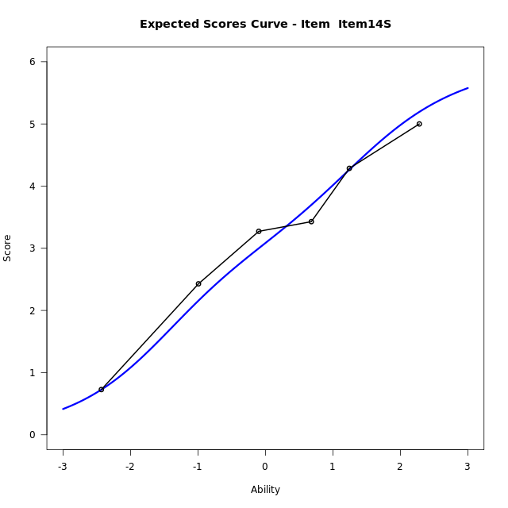
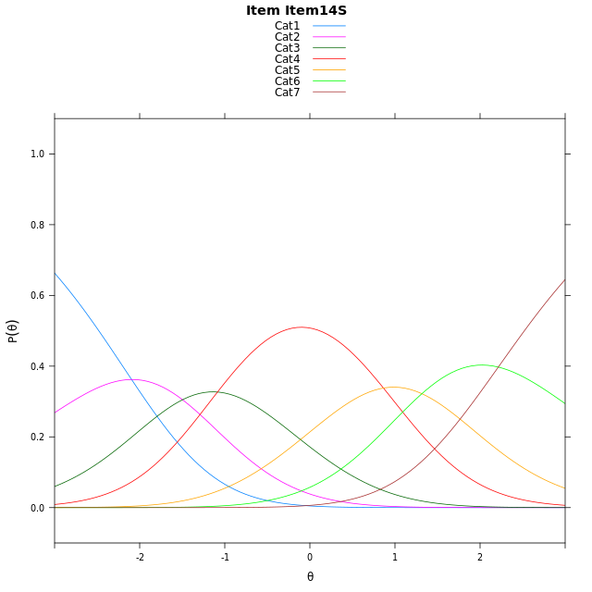
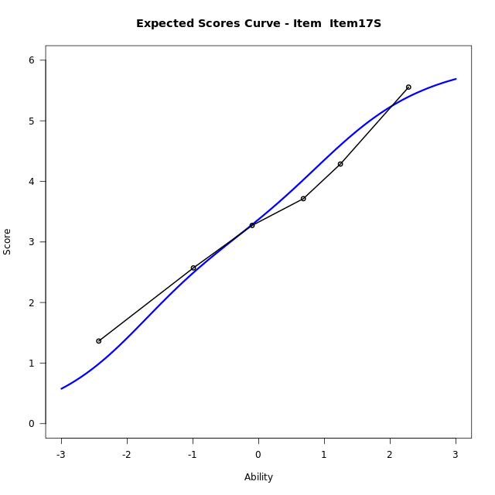
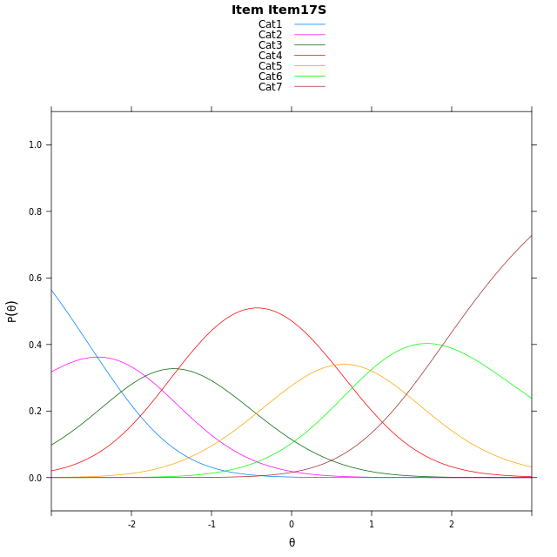
Estimate items information for the measurement model

Full Item Information
item | N | M | xsi.item | AXsi_.Cat1 | AXsi_.Cat2 | AXsi_.Cat3 | AXsi_.Cat4 | AXsi_.Cat5 | AXsi_.Cat6 | B.Cat1.Dim1 | B.Cat2.Dim1 | B.Cat3.Dim1 | B.Cat4.Dim1 | B.Cat5.Dim1 | B.Cat6.Dim1
Item13S | 52 | 3.2692307692 | -0.26696662915 | -2.3151115455 | -4.0315918284 | -5.3368798059 | -4.6923715592 | -3.5960949262 | -1.6017997749 | 1 | 2 | 3 | 4 | 5 | 6
Item14S | 52 | 3.0769230769 | -0.047029080596 | -2.0951739969 | -3.5917167313 | -4.6770671602 | -3.8126213649 | -2.4964071834 | -0.28217448358 | 1 | 2 | 3 | 4 | 5 | 6
Item17S | 52 | 3.3653846154 | -0.3775903076 | -2.4257352239 | -4.2528391853 | -5.6687508413 | -5.134866273 | -4.1492133184 | -2.2655418456 | 1 | 2 | 3 | 4 | 5 | 6

Thurstonian Thresholds (category-wise)
 | Cat1 | Cat2 | Cat3 | Cat4 | Cat5 | Cat6
Item13S | -2.7003479004 | -1.7769470215 | -1.012298584 | 0.37619018555 | 1.2045593262 | 2.3008117676
Item14S | -2.4804382324 | -1.5570373535 | -0.79238891602 | 0.59609985352 | 1.4244689941 | 2.5207214355
Item17S | -2.8109436035 | -1.8875427246 | -1.1228942871 | 0.26559448242 | 1.093963623 | 2.1902160645

Thurstonian Thresholds (item-wise)
 | Threshold
Item13S | -0.31697618661
Item14S | -0.095627511599
Item17S | -0.42956929661

Item Infit/Outfit Statistic
parameter | Outfit | Outfit_t | Outfit_p | Outfit_pholm | Infit | Infit_t | Infit_p | Infit_pholm
Item13S | 0.9615075019 | -0.17561426474 | 0.86059699488 | 1 | 0.96359607753 | -0.15945442953 | 0.87331085885 | 1
Item14S | 0.93181797368 | -0.36212206204 | 0.71726081775 | 1 | 0.88470560191 | -0.58169484312 | 0.5607722457 | 1
Item17S | 1.1912859073 | 0.94172157149 | 0.34633520792 | 1 | 1.1518305665 | 0.77471427886 | 0.43850851168 | 1
Cat1 | 0.94120923826 | -0.7203428406 | 0.47131393379 | 1 | 1.1961021777 | 1.2677802668 | 0.20487643104 | 1
Cat2 | 1.1313468542 | 0.8846055799 | 0.37636939614 | 1 | 1.1596123163 | 1.1774717428 | 0.2390072695 | 1
Cat3 | 1.0915920511 | 0.78225437421 | 0.43406509493 | 1 | 1.1741783425 | 1.5797914332 | 0.11415463814 | 0.68492782882
Cat4 | 1.0811306039 | 0.9241217516 | 0.35542292953 | 1 | 1.2909515207 | 3.5130632829 | 0.00044297195861 | 0.0035437756688
Cat5 | 1.2048915752 | 0.90993964551 | 0.36285434017 | 1 | 1.2412818433 | 1.7745186022 | 0.075977407888 | 0.53184185522

Box plot of expected curves

