Type_1
Wilcoxon Analysis for Total of Interactions - Cond. Structures in Type between non-gamified:ont-gamified

Wilcoxon test results
Alternative hypothesis: less
Group | N | Median | Mean.Ranks | Sum.Ranks | U | Z | p.value | r | magnitude
non-gamified | 32 | 3 | 25.046875 | 801.5 | 273.5 | -2.9375827552 | 0.0014520264757 | 0.37307338298 | medium
ont-gamified | 30 | 5 | 38.383333333 | 1151.5 | 273.5 | -2.9375827552 | 0.0014520264757 | 0.37307338298 | medium
Alternative hypothesis: greater
Group | N | Median | Mean.Ranks | Sum.Ranks | U | Z | p.value | r | magnitude
non-gamified | 32 | 3 | 25.046875 | 801.5 | 273.5 | -2.9375827552 | 0.99858383862 | 0.37307338298 | medium
ont-gamified | 30 | 5 | 38.383333333 | 1151.5 | 273.5 | -2.9375827552 | 0.99858383862 | 0.37307338298 | medium
Alternative hypothesis: two.sided
Group | N | Median | Mean.Ranks | Sum.Ranks | U | Z | p.value | r | magnitude
non-gamified | 32 | 3 | 25.046875 | 801.5 | 273.5 | -2.9375827552 | 0.0029028045764 | 0.37307338298 | medium
ont-gamified | 30 | 5 | 38.383333333 | 1151.5 | 273.5 | -2.9375827552 | 0.0029028045764 | 0.37307338298 | medium

Box plots for wilcoxon tests
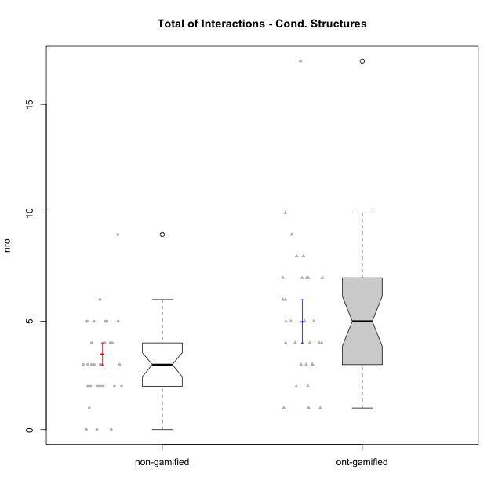

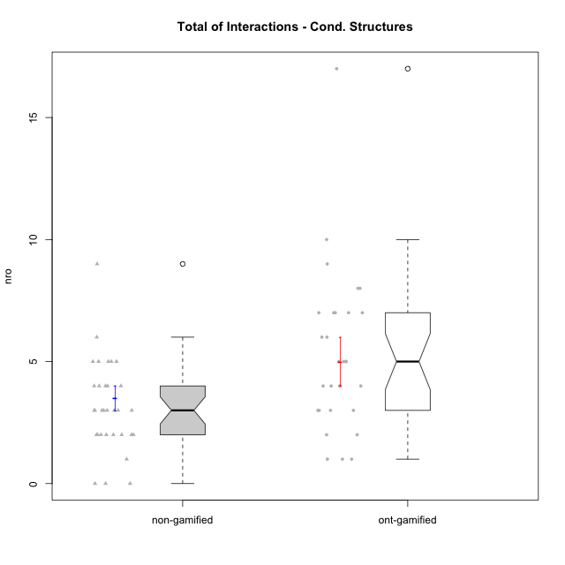

Wilcoxon data
UserID | NroUSP | Type | Group | CLRole | PlayerRole | ParticipationLevel | NroTotalInteractions | NroNecessaryInteractions | (1) Elaborar lista de exercícios | (2) Demonstrar a solução de um problema | (3) Enviar (ou reenviar) a solução do problema | (c) Aceitar a solução como boa | NroSolutionReviewed (Apprentice) | NroSolutionReviewed (Master) | NroSolutionWithoutReviewed (Apprentice) | NroSolutionWithoutReviewed (Master) | NroSolutionGoodReview | NroDesiredInteractions | (a) Expressar dúvidas em relação à demonstração | (b) Esclarecer as dúvidas | (d) Notificar os erros existentes na solução | (e) Apresentar dicas ou otra forma de ajuda | (f) Expressar dificuldade em resolver o problema | (g) Explicar como resolver o problema
10193 | 10276762 | ont-gamified | Grupo Afrodite | Master | Yee Achiever | complete | 7 | 5 | 1 | 1 | 0 | 3 | 0 | 4 | 0 | 0 | 0 | 2 | 0 | 0 | 1 | 0 | 0 | 1
10170 | 10260351 | ont-gamified | Grupo Afrodite | Apprentice | Yee Achiever | complete | 5 | 4 | 0 | 0 | 4 | 0 | 4 | 0 | 0 | 0 | 3 | 1 | 0 | 0 | 0 | 0 | 1 | 0
10198 | 10310888 | ont-gamified | Grupo Apolo | Apprentice | Yee Socializer | complete | 8 | 4 | 0 | 0 | 4 | 0 | 4 | 0 | 0 | 0 | 2 | 4 | 3 | 0 | 0 | 0 | 1 | 0
10184 | 10276675 | ont-gamified | Grupo Apolo | Master | Yee Socializer | complete | 17 | 4 | 1 | 1 | 0 | 2 | 0 | 4 | 0 | 0 | 0 | 13 | 0 | 3 | 2 | 5 | 0 | 3
10186 | 10310551 | ont-gamified | Grupo Ares | Apprentice | Yee Achiever | complete | 4 | 3 | 0 | 0 | 3 | 0 | 3 | 0 | 0 | 0 | 3 | 1 | 1 | 0 | 0 | 0 | 0 | 0
10218 | 9842913 | ont-gamified | Grupo Ares | Master | Yee Achiever | complete | 6 | 5 | 1 | 1 | 0 | 3 | 0 | 3 | 0 | 0 | 0 | 1 | 0 | 1 | 0 | 0 | 0 | 0
10209 | 10262669 | ont-gamified | Grupo Artemis | Apprentice | Yee Achiever | complete | 4 | 3 | 0 | 0 | 3 | 0 | 3 | 0 | 0 | 0 | 3 | 1 | 1 | 0 | 0 | 0 | 0 | 0
10232 | 10276974 | ont-gamified | Grupo Artemis | Master | Yee Achiever | complete | 7 | 6 | 1 | 1 | 0 | 4 | 0 | 3 | 0 | 0 | 0 | 1 | 0 | 1 | 0 | 0 | 0 | 0
10231 | 10276911 | ont-gamified | Grupo Caronte | Apprentice | Yee Achiever | semicomplete | 1 | 1 | 0 | 0 | 1 | 0 | 1 | 0 | 0 | 0 | 1 | 0 | 0 | 0 | 0 | 0 | 0 | 0
10201 | 10276928 | ont-gamified | Grupo Caronte | Master | Yee Achiever | complete | 3 | 3 | 1 | 1 | 0 | 1 | 0 | 1 | 0 | 0 | 0 | 0 | 0 | 0 | 0 | 0 | 0 | 0
10176 | 10276949 | ont-gamified | Grupo Cronus | Apprentice | Yee Achiever | complete | 3 | 3 | 0 | 0 | 3 | 0 | 3 | 0 | 0 | 0 | 3 | 0 | 0 | 0 | 0 | 0 | 0 | 0
10223 | 9795185 | ont-gamified | Grupo Cronus | Master | Yee Achiever | complete | 6 | 5 | 1 | 1 | 0 | 3 | 0 | 3 | 0 | 0 | 0 | 1 | 0 | 0 | 0 | 1 | 0 | 0
10199 | 10276737 | ont-gamified | Grupo Gaia | Master | Yee Achiever | semicomplete | 3 | 2 | 1 | 1 | 0 | 0 | 0 | 1 | 0 | 3 | 0 | 1 | 0 | 0 | 1 | 0 | 0 | 0
10197 | 10276661 | ont-gamified | Grupo Gaia | Apprentice | Yee Achiever | partial | 5 | 4 | 0 | 0 | 4 | 0 | 1 | 0 | 3 | 0 | 0 | 1 | 1 | 0 | 0 | 0 | 0 | 0
10200 | 9795272 | ont-gamified | Grupo Hades | Apprentice | Yee Socializer | complete | 4 | 3 | 0 | 0 | 3 | 0 | 3 | 0 | 0 | 0 | 3 | 1 | 1 | 0 | 0 | 0 | 0 | 0
10189 | 9363926 | ont-gamified | Grupo Hades | Master | Yee Socializer | complete | 7 | 5 | 1 | 1 | 0 | 3 | 0 | 3 | 0 | 0 | 0 | 2 | 0 | 1 | 0 | 1 | 0 | 0
10169 | 10377538 | ont-gamified | Grupo Hefesto | Master | Yee Achiever | semicomplete | 7 | 5 | 1 | 1 | 0 | 3 | 0 | 4 | 0 | 2 | 0 | 2 | 0 | 0 | 2 | 0 | 0 | 0
10196 | 10310655 | ont-gamified | Grupo Hefesto | Apprentice | Yee Achiever | complete | 7 | 6 | 0 | 0 | 6 | 0 | 4 | 0 | 2 | 0 | 2 | 1 | 1 | 0 | 0 | 0 | 0 | 0
10175 | 10310700 | ont-gamified | Grupo Hélio | Master | Yee Socializer | semicomplete | 10 | 3 | 1 | 1 | 0 | 1 | 0 | 4 | 0 | 3 | 0 | 7 | 0 | 1 | 3 | 3 | 0 | 0
10183 | 10352030 | ont-gamified | Grupo Hélio | Apprentice | Yee Socializer | semicomplete | 8 | 7 | 0 | 0 | 7 | 0 | 4 | 0 | 3 | 0 | 1 | 1 | 1 | 0 | 0 | 0 | 0 | 0
10206 | 10310721 | ont-gamified | Grupo Hera | Master | Yee Achiever | complete | 4 | 3 | 1 | 1 | 0 | 1 | 0 | 1 | 0 | 0 | 0 | 1 | 0 | 0 | 1 | 0 | 0 | 0
10240 | 10276654 | ont-gamified | Grupo Hera | Apprentice | Yee Achiever | semicomplete | 1 | 1 | 0 | 0 | 1 | 0 | 1 | 0 | 0 | 0 | 1 | 0 | 0 | 0 | 0 | 0 | 0 | 0
10221 | 9082496 | ont-gamified | Grupo Hermes | Apprentice | Yee Achiever | semicomplete | 2 | 2 | 0 | 0 | 2 | 0 | 2 | 0 | 0 | 0 | 1 | 0 | 0 | 0 | 0 | 0 | 0 | 0
10204 | 10310471 | ont-gamified | Grupo Hermes | Master | Yee Achiever | complete | 5 | 3 | 1 | 1 | 0 | 1 | 0 | 2 | 0 | 0 | 0 | 2 | 0 | 0 | 1 | 1 | 0 | 0
10213 | 10277040 | ont-gamified | Grupo Morfeu | Master | Yee Socializer | complete | 5 | 2 | 1 | 1 | 0 | 0 | 0 | 1 | 0 | 0 | 0 | 3 | 0 | 0 | 3 | 0 | 0 | 0
10178 | 8656201 | ont-gamified | Grupo Morfeu | Apprentice | Yee Socializer | partial | 1 | 1 | 0 | 0 | 1 | 0 | 1 | 0 | 0 | 0 | 0 | 0 | 0 | 0 | 0 | 0 | 0 | 0
10229 | 9292462 | non-gamified | Grupo Team 1 | Apprentice |  | none | 0 | 0 | 0 | 0 | 0 | 0 | 0 | 0 | 0 | 0 | 0 | 0 | 0 | 0 | 0 | 0 | 0 | 0
10172 | 10273971 | non-gamified | Grupo Team 1 | Master |  | partial | 2 | 2 | 1 | 1 | 0 | 0 | 0 | 0 | 0 | 0 | 0 | 0 | 0 | 0 | 0 | 0 | 0 | 0
10224 | 9368772 | non-gamified | Grupo Team 10 | Apprentice |  | partial | 2 | 2 | 0 | 0 | 2 | 0 | 0 | 0 | 2 | 0 | 0 | 0 | 0 | 0 | 0 | 0 | 0 | 0
10181 | 10276866 | non-gamified | Grupo Team 10 | Master |  | partial | 2 | 2 | 1 | 1 | 0 | 0 | 0 | 0 | 0 | 2 | 0 | 0 | 0 | 0 | 0 | 0 | 0 | 0
10202 | 10277036 | non-gamified | Grupo Team 11 | Apprentice |  | semicomplete | 2 | 2 | 0 | 0 | 2 | 0 | 2 | 0 | 0 | 0 | 1 | 0 | 0 | 0 | 0 | 0 | 0 | 0
10237 | 10377688 | non-gamified | Grupo Team 11 | Master |  | complete | 5 | 3 | 1 | 1 | 0 | 1 | 0 | 2 | 0 | 0 | 0 | 2 | 0 | 0 | 1 | 1 | 0 | 0
10185 | 10276960 | non-gamified | Grupo Team 12 | Apprentice |  | semicomplete | 1 | 1 | 0 | 0 | 1 | 0 | 1 | 0 | 0 | 0 | 1 | 0 | 0 | 0 | 0 | 0 | 0 | 0
10219 | 10276831 | non-gamified | Grupo Team 12 | Master |  | complete | 3 | 3 | 1 | 1 | 0 | 1 | 0 | 1 | 0 | 0 | 0 | 0 | 0 | 0 | 0 | 0 | 0 | 0
10217 | 9805341 | non-gamified | Grupo Team 13 | Master |  | complete | 9 | 2 | 1 | 1 | 0 | 0 | 0 | 2 | 0 | 0 | 0 | 7 | 0 | 3 | 3 | 1 | 0 | 0
10238 | 10276953 | non-gamified | Grupo Team 13 | Apprentice |  | partial | 4 | 2 | 0 | 0 | 2 | 0 | 2 | 0 | 0 | 0 | 0 | 2 | 2 | 0 | 0 | 0 | 0 | 0
10230 | 10351992 | non-gamified | Grupo Team 14 | Master |  | partial | 4 | 4 | 2 | 2 | 0 | 0 | 0 | 0 | 0 | 3 | 0 | 0 | 0 | 0 | 0 | 0 | 0 | 0
10228 | 10310492 | non-gamified | Grupo Team 14 | Apprentice |  | partial | 3 | 3 | 0 | 0 | 3 | 0 | 0 | 0 | 3 | 0 | 0 | 0 | 0 | 0 | 0 | 0 | 0 | 0
10216 | 10276720 | non-gamified | Grupo Team 15 | Master |  | complete | 5 | 3 | 1 | 1 | 0 | 1 | 0 | 3 | 0 | 0 | 0 | 2 | 0 | 0 | 2 | 0 | 0 | 0
10187 | 9790781 | non-gamified | Grupo Team 15 | Apprentice |  | semicomplete | 3 | 3 | 0 | 0 | 3 | 0 | 3 | 0 | 0 | 0 | 1 | 0 | 0 | 0 | 0 | 0 | 0 | 0
10222 | 9436110 | non-gamified | Grupo Team 16 | Master |  | partial | 2 | 2 | 1 | 1 | 0 | 0 | 0 | 0 | 0 | 0 | 0 | 0 | 0 | 0 | 0 | 0 | 0 | 0
10233 | 9805320 | non-gamified | Grupo Team 16 | Apprentice |  | none | 0 | 0 | 0 | 0 | 0 | 0 | 0 | 0 | 0 | 0 | 0 | 0 | 0 | 0 | 0 | 0 | 0 | 0
10211 | 9311643 | non-gamified | Grupo Team 2 | Master |  | complete | 5 | 4 | 1 | 1 | 0 | 2 | 0 | 3 | 0 | 0 | 0 | 1 | 0 | 0 | 0 | 1 | 0 | 0
10220 | 9760151 | non-gamified | Grupo Team 2 | Apprentice |  | complete | 3 | 3 | 0 | 0 | 3 | 0 | 3 | 0 | 0 | 0 | 2 | 0 | 0 | 0 | 0 | 0 | 0 | 0
10188 | 10276995 | non-gamified | Grupo Team 3 | Master |  | semicomplete | 3 | 2 | 1 | 1 | 0 | 0 | 0 | 1 | 0 | 2 | 0 | 1 | 0 | 0 | 1 | 0 | 0 | 0
10203 | 9921470 | non-gamified | Grupo Team 3 | Apprentice |  | partial | 3 | 3 | 0 | 0 | 3 | 0 | 1 | 0 | 2 | 0 | 0 | 0 | 0 | 0 | 0 | 0 | 0 | 0
10212 | 9065750 | non-gamified | Grupo Team 4 | Master |  | partial | 2 | 2 | 1 | 1 | 0 | 0 | 0 | 0 | 0 | 4 | 0 | 0 | 0 | 0 | 0 | 0 | 0 | 0
10227 | 9274382 | non-gamified | Grupo Team 4 | Apprentice |  | partial | 4 | 4 | 0 | 0 | 4 | 0 | 0 | 0 | 4 | 0 | 0 | 0 | 0 | 0 | 0 | 0 | 0 | 0
10214 | 10277022 | non-gamified | Grupo Team 5 | Master |  | semicomplete | 5 | 5 | 1 | 1 | 0 | 3 | 0 | 3 | 0 | 1 | 0 | 0 | 0 | 0 | 0 | 0 | 0 | 0
10192 | 10276682 | non-gamified | Grupo Team 5 | Apprentice |  | complete | 4 | 4 | 0 | 0 | 4 | 0 | 3 | 0 | 1 | 0 | 3 | 0 | 0 | 0 | 0 | 0 | 0 | 0
10171 | 698531 | non-gamified | Grupo Team 6 | Apprentice |  | complete | 3 | 2 | 0 | 0 | 2 | 0 | 2 | 0 | 0 | 0 | 2 | 1 | 1 | 0 | 0 | 0 | 0 | 0
10191 | 10276981 | non-gamified | Grupo Team 6 | Master |  | complete | 6 | 4 | 1 | 1 | 0 | 2 | 0 | 2 | 0 | 0 | 0 | 2 | 0 | 1 | 0 | 1 | 0 | 0
10234 | 10310676 | non-gamified | Grupo Team 7 | Master |  | partial | 2 | 2 | 1 | 1 | 0 | 0 | 0 | 0 | 0 | 2 | 0 | 0 | 0 | 0 | 0 | 0 | 0 | 0
10208 | 10276932 | non-gamified | Grupo Team 7 | Apprentice |  | partial | 3 | 2 | 0 | 0 | 2 | 0 | 0 | 0 | 2 | 0 | 0 | 1 | 1 | 0 | 0 | 0 | 0 | 0
10226 | 10310342 | non-gamified | Grupo Team 8 | Master |  | partial | 2 | 2 | 1 | 1 | 0 | 0 | 0 | 0 | 0 | 0 | 0 | 0 | 0 | 0 | 0 | 0 | 0 | 0
10241 | 9885286 | non-gamified | Grupo Team 8 | Apprentice |  | none | 0 | 0 | 0 | 0 | 0 | 0 | 0 | 0 | 0 | 0 | 0 | 0 | 0 | 0 | 0 | 0 | 0 | 0
10179 | 10310759 | non-gamified | Grupo Team 9 | Master |  | semicomplete | 5 | 3 | 1 | 1 | 0 | 1 | 0 | 3 | 0 | 1 | 0 | 2 | 0 | 0 | 2 | 0 | 0 | 0
10210 | 10277015 | non-gamified | Grupo Team 9 | Apprentice |  | semicomplete | 4 | 4 | 0 | 0 | 4 | 0 | 3 | 0 | 1 | 0 | 1 | 0 | 0 | 0 | 0 | 0 | 0 | 0
10174 | 10276852 | ont-gamified | Grupo Urano | Master | Yee Achiever | complete | 9 | 5 | 1 | 1 | 0 | 3 | 0 | 4 | 0 | 0 | 0 | 4 | 0 | 0 | 1 | 3 | 0 | 0
10195 | 10351971 | ont-gamified | Grupo Urano | Apprentice | Yee Achiever | complete | 4 | 4 | 0 | 0 | 4 | 0 | 4 | 0 | 0 | 0 | 3 | 0 | 0 | 0 | 0 | 0 | 0 | 0
10215 | 9285227 | ont-gamified | Grupo Zeus | Master | Yee Socializer | partial | 2 | 2 | 1 | 1 | 0 | 0 | 0 | 0 | 0 | 3 | 0 | 0 | 0 | 0 | 0 | 0 | 0 | 0
10190 | 10276907 | ont-gamified | Grupo Zeus | Apprentice | Yee Socializer | partial | 3 | 3 | 0 | 0 | 3 | 0 | 0 | 0 | 3 | 0 | 0 | 0 | 0 | 0 | 0 | 0 | 0 | 0

Type_CLRole_1
Wilcoxon Analysis for Total of Interactions - Cond. Structures in Type:CLRole between non-gamified.Apprentice:non-gamified.Master

Wilcoxon test results
Alternative hypothesis: less
Group | N | Median | Mean.Ranks | Sum.Ranks | U | Z | p.value | r | magnitude
non-gamified.Apprentice | 16 | 3 | 13.625 | 218 | 82 | -1.7683871133 | 0.038135992093 | 0.31260962989 | medium
non-gamified.Master | 16 | 3.5 | 19.375 | 310 | 82 | -1.7683871133 | 0.038135992093 | 0.31260962989 | medium
Alternative hypothesis: greater
Group | N | Median | Mean.Ranks | Sum.Ranks | U | Z | p.value | r | magnitude
non-gamified.Apprentice | 16 | 3 | 13.625 | 218 | 82 | -1.7683871133 | 0.96330983781 | 0.31260962989 | medium
non-gamified.Master | 16 | 3.5 | 19.375 | 310 | 82 | -1.7683871133 | 0.96330983781 | 0.31260962989 | medium
Alternative hypothesis: two.sided
Group | N | Median | Mean.Ranks | Sum.Ranks | U | Z | p.value | r | magnitude
non-gamified.Apprentice | 16 | 3 | 13.625 | 218 | 82 | -1.7683871133 | 0.076271984185 | 0.31260962989 | medium
non-gamified.Master | 16 | 3.5 | 19.375 | 310 | 82 | -1.7683871133 | 0.076271984185 | 0.31260962989 | medium

Box plots for wilcoxon tests
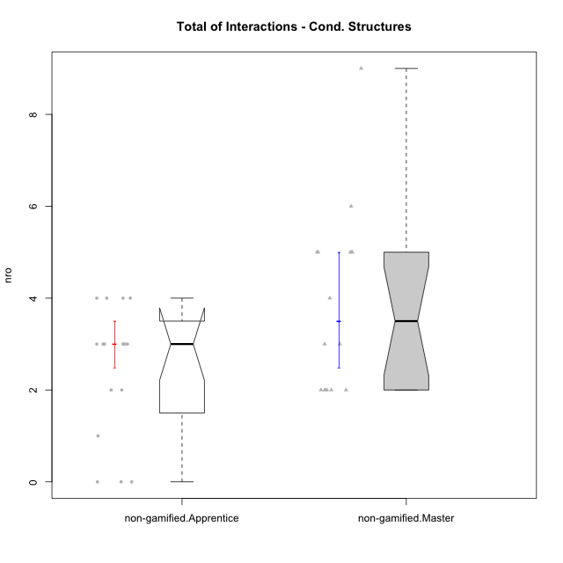

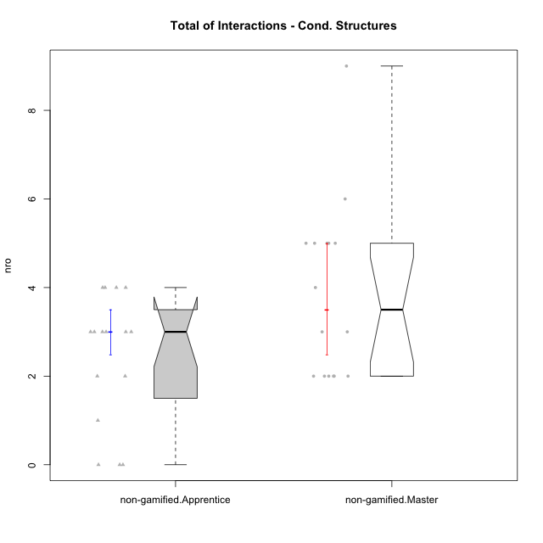

Wilcoxon data
UserID | NroUSP | Type | Group | CLRole | PlayerRole | ParticipationLevel | NroTotalInteractions | NroNecessaryInteractions | (1) Elaborar lista de exercícios | (2) Demonstrar a solução de um problema | (3) Enviar (ou reenviar) a solução do problema | (c) Aceitar a solução como boa | NroSolutionReviewed (Apprentice) | NroSolutionReviewed (Master) | NroSolutionWithoutReviewed (Apprentice) | NroSolutionWithoutReviewed (Master) | NroSolutionGoodReview | NroDesiredInteractions | (a) Expressar dúvidas em relação à demonstração | (b) Esclarecer as dúvidas | (d) Notificar os erros existentes na solução | (e) Apresentar dicas ou otra forma de ajuda | (f) Expressar dificuldade em resolver o problema | (g) Explicar como resolver o problema
10229 | 9292462 | non-gamified | Grupo Team 1 | Apprentice |  | none | 0 | 0 | 0 | 0 | 0 | 0 | 0 | 0 | 0 | 0 | 0 | 0 | 0 | 0 | 0 | 0 | 0 | 0
10172 | 10273971 | non-gamified | Grupo Team 1 | Master |  | partial | 2 | 2 | 1 | 1 | 0 | 0 | 0 | 0 | 0 | 0 | 0 | 0 | 0 | 0 | 0 | 0 | 0 | 0
10224 | 9368772 | non-gamified | Grupo Team 10 | Apprentice |  | partial | 2 | 2 | 0 | 0 | 2 | 0 | 0 | 0 | 2 | 0 | 0 | 0 | 0 | 0 | 0 | 0 | 0 | 0
10181 | 10276866 | non-gamified | Grupo Team 10 | Master |  | partial | 2 | 2 | 1 | 1 | 0 | 0 | 0 | 0 | 0 | 2 | 0 | 0 | 0 | 0 | 0 | 0 | 0 | 0
10202 | 10277036 | non-gamified | Grupo Team 11 | Apprentice |  | semicomplete | 2 | 2 | 0 | 0 | 2 | 0 | 2 | 0 | 0 | 0 | 1 | 0 | 0 | 0 | 0 | 0 | 0 | 0
10237 | 10377688 | non-gamified | Grupo Team 11 | Master |  | complete | 5 | 3 | 1 | 1 | 0 | 1 | 0 | 2 | 0 | 0 | 0 | 2 | 0 | 0 | 1 | 1 | 0 | 0
10185 | 10276960 | non-gamified | Grupo Team 12 | Apprentice |  | semicomplete | 1 | 1 | 0 | 0 | 1 | 0 | 1 | 0 | 0 | 0 | 1 | 0 | 0 | 0 | 0 | 0 | 0 | 0
10219 | 10276831 | non-gamified | Grupo Team 12 | Master |  | complete | 3 | 3 | 1 | 1 | 0 | 1 | 0 | 1 | 0 | 0 | 0 | 0 | 0 | 0 | 0 | 0 | 0 | 0
10217 | 9805341 | non-gamified | Grupo Team 13 | Master |  | complete | 9 | 2 | 1 | 1 | 0 | 0 | 0 | 2 | 0 | 0 | 0 | 7 | 0 | 3 | 3 | 1 | 0 | 0
10238 | 10276953 | non-gamified | Grupo Team 13 | Apprentice |  | partial | 4 | 2 | 0 | 0 | 2 | 0 | 2 | 0 | 0 | 0 | 0 | 2 | 2 | 0 | 0 | 0 | 0 | 0
10230 | 10351992 | non-gamified | Grupo Team 14 | Master |  | partial | 4 | 4 | 2 | 2 | 0 | 0 | 0 | 0 | 0 | 3 | 0 | 0 | 0 | 0 | 0 | 0 | 0 | 0
10228 | 10310492 | non-gamified | Grupo Team 14 | Apprentice |  | partial | 3 | 3 | 0 | 0 | 3 | 0 | 0 | 0 | 3 | 0 | 0 | 0 | 0 | 0 | 0 | 0 | 0 | 0
10216 | 10276720 | non-gamified | Grupo Team 15 | Master |  | complete | 5 | 3 | 1 | 1 | 0 | 1 | 0 | 3 | 0 | 0 | 0 | 2 | 0 | 0 | 2 | 0 | 0 | 0
10187 | 9790781 | non-gamified | Grupo Team 15 | Apprentice |  | semicomplete | 3 | 3 | 0 | 0 | 3 | 0 | 3 | 0 | 0 | 0 | 1 | 0 | 0 | 0 | 0 | 0 | 0 | 0
10222 | 9436110 | non-gamified | Grupo Team 16 | Master |  | partial | 2 | 2 | 1 | 1 | 0 | 0 | 0 | 0 | 0 | 0 | 0 | 0 | 0 | 0 | 0 | 0 | 0 | 0
10233 | 9805320 | non-gamified | Grupo Team 16 | Apprentice |  | none | 0 | 0 | 0 | 0 | 0 | 0 | 0 | 0 | 0 | 0 | 0 | 0 | 0 | 0 | 0 | 0 | 0 | 0
10211 | 9311643 | non-gamified | Grupo Team 2 | Master |  | complete | 5 | 4 | 1 | 1 | 0 | 2 | 0 | 3 | 0 | 0 | 0 | 1 | 0 | 0 | 0 | 1 | 0 | 0
10220 | 9760151 | non-gamified | Grupo Team 2 | Apprentice |  | complete | 3 | 3 | 0 | 0 | 3 | 0 | 3 | 0 | 0 | 0 | 2 | 0 | 0 | 0 | 0 | 0 | 0 | 0
10188 | 10276995 | non-gamified | Grupo Team 3 | Master |  | semicomplete | 3 | 2 | 1 | 1 | 0 | 0 | 0 | 1 | 0 | 2 | 0 | 1 | 0 | 0 | 1 | 0 | 0 | 0
10203 | 9921470 | non-gamified | Grupo Team 3 | Apprentice |  | partial | 3 | 3 | 0 | 0 | 3 | 0 | 1 | 0 | 2 | 0 | 0 | 0 | 0 | 0 | 0 | 0 | 0 | 0
10212 | 9065750 | non-gamified | Grupo Team 4 | Master |  | partial | 2 | 2 | 1 | 1 | 0 | 0 | 0 | 0 | 0 | 4 | 0 | 0 | 0 | 0 | 0 | 0 | 0 | 0
10227 | 9274382 | non-gamified | Grupo Team 4 | Apprentice |  | partial | 4 | 4 | 0 | 0 | 4 | 0 | 0 | 0 | 4 | 0 | 0 | 0 | 0 | 0 | 0 | 0 | 0 | 0
10214 | 10277022 | non-gamified | Grupo Team 5 | Master |  | semicomplete | 5 | 5 | 1 | 1 | 0 | 3 | 0 | 3 | 0 | 1 | 0 | 0 | 0 | 0 | 0 | 0 | 0 | 0
10192 | 10276682 | non-gamified | Grupo Team 5 | Apprentice |  | complete | 4 | 4 | 0 | 0 | 4 | 0 | 3 | 0 | 1 | 0 | 3 | 0 | 0 | 0 | 0 | 0 | 0 | 0
10171 | 698531 | non-gamified | Grupo Team 6 | Apprentice |  | complete | 3 | 2 | 0 | 0 | 2 | 0 | 2 | 0 | 0 | 0 | 2 | 1 | 1 | 0 | 0 | 0 | 0 | 0
10191 | 10276981 | non-gamified | Grupo Team 6 | Master |  | complete | 6 | 4 | 1 | 1 | 0 | 2 | 0 | 2 | 0 | 0 | 0 | 2 | 0 | 1 | 0 | 1 | 0 | 0
10234 | 10310676 | non-gamified | Grupo Team 7 | Master |  | partial | 2 | 2 | 1 | 1 | 0 | 0 | 0 | 0 | 0 | 2 | 0 | 0 | 0 | 0 | 0 | 0 | 0 | 0
10208 | 10276932 | non-gamified | Grupo Team 7 | Apprentice |  | partial | 3 | 2 | 0 | 0 | 2 | 0 | 0 | 0 | 2 | 0 | 0 | 1 | 1 | 0 | 0 | 0 | 0 | 0
10226 | 10310342 | non-gamified | Grupo Team 8 | Master |  | partial | 2 | 2 | 1 | 1 | 0 | 0 | 0 | 0 | 0 | 0 | 0 | 0 | 0 | 0 | 0 | 0 | 0 | 0
10241 | 9885286 | non-gamified | Grupo Team 8 | Apprentice |  | none | 0 | 0 | 0 | 0 | 0 | 0 | 0 | 0 | 0 | 0 | 0 | 0 | 0 | 0 | 0 | 0 | 0 | 0
10179 | 10310759 | non-gamified | Grupo Team 9 | Master |  | semicomplete | 5 | 3 | 1 | 1 | 0 | 1 | 0 | 3 | 0 | 1 | 0 | 2 | 0 | 0 | 2 | 0 | 0 | 0
10210 | 10277015 | non-gamified | Grupo Team 9 | Apprentice |  | semicomplete | 4 | 4 | 0 | 0 | 4 | 0 | 3 | 0 | 1 | 0 | 1 | 0 | 0 | 0 | 0 | 0 | 0 | 0

Type_CLRole_2
Wilcoxon Analysis for Total of Interactions - Cond. Structures in Type:CLRole between non-gamified.Apprentice:ont-gamified.Apprentice

Wilcoxon test results
Alternative hypothesis: less
Group | N | Median | Mean.Ranks | Sum.Ranks | U | Z | p.value | r | magnitude
non-gamified.Apprentice | 16 | 3 | 12.90625 | 206.5 | 70.5 | -1.9948297326 | 0.023172936984 | 0.35828199662 | medium
ont-gamified.Apprentice | 15 | 4 | 19.3 | 289.5 | 70.5 | -1.9948297326 | 0.023172936984 | 0.35828199662 | medium
Alternative hypothesis: greater
Group | N | Median | Mean.Ranks | Sum.Ranks | U | Z | p.value | r | magnitude
non-gamified.Apprentice | 16 | 3 | 12.90625 | 206.5 | 70.5 | -1.9948297326 | 0.97788049948 | 0.35828199662 | medium
ont-gamified.Apprentice | 15 | 4 | 19.3 | 289.5 | 70.5 | -1.9948297326 | 0.97788049948 | 0.35828199662 | medium
Alternative hypothesis: two.sided
Group | N | Median | Mean.Ranks | Sum.Ranks | U | Z | p.value | r | magnitude
non-gamified.Apprentice | 16 | 3 | 12.90625 | 206.5 | 70.5 | -1.9948297326 | 0.045741359155 | 0.35828199662 | medium
ont-gamified.Apprentice | 15 | 4 | 19.3 | 289.5 | 70.5 | -1.9948297326 | 0.045741359155 | 0.35828199662 | medium

Box plots for wilcoxon tests
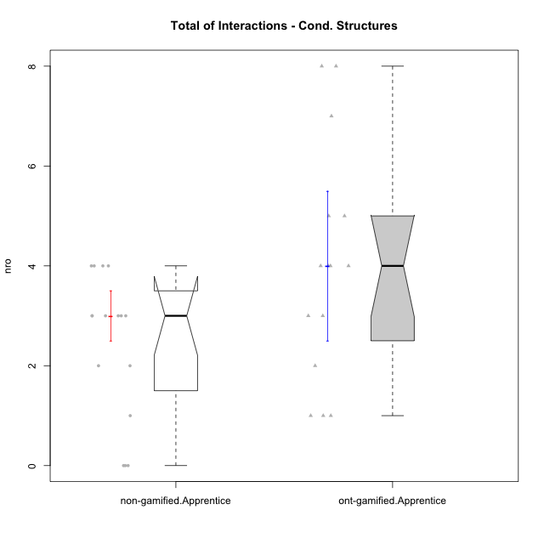

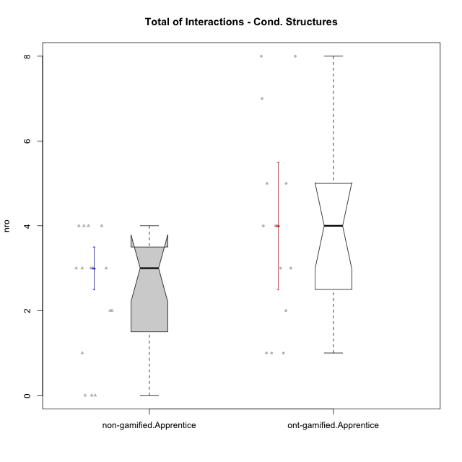

Wilcoxon data
UserID | NroUSP | Type | Group | CLRole | PlayerRole | ParticipationLevel | NroTotalInteractions | NroNecessaryInteractions | (1) Elaborar lista de exercícios | (2) Demonstrar a solução de um problema | (3) Enviar (ou reenviar) a solução do problema | (c) Aceitar a solução como boa | NroSolutionReviewed (Apprentice) | NroSolutionReviewed (Master) | NroSolutionWithoutReviewed (Apprentice) | NroSolutionWithoutReviewed (Master) | NroSolutionGoodReview | NroDesiredInteractions | (a) Expressar dúvidas em relação à demonstração | (b) Esclarecer as dúvidas | (d) Notificar os erros existentes na solução | (e) Apresentar dicas ou otra forma de ajuda | (f) Expressar dificuldade em resolver o problema | (g) Explicar como resolver o problema
10170 | 10260351 | ont-gamified | Grupo Afrodite | Apprentice | Yee Achiever | complete | 5 | 4 | 0 | 0 | 4 | 0 | 4 | 0 | 0 | 0 | 3 | 1 | 0 | 0 | 0 | 0 | 1 | 0
10198 | 10310888 | ont-gamified | Grupo Apolo | Apprentice | Yee Socializer | complete | 8 | 4 | 0 | 0 | 4 | 0 | 4 | 0 | 0 | 0 | 2 | 4 | 3 | 0 | 0 | 0 | 1 | 0
10186 | 10310551 | ont-gamified | Grupo Ares | Apprentice | Yee Achiever | complete | 4 | 3 | 0 | 0 | 3 | 0 | 3 | 0 | 0 | 0 | 3 | 1 | 1 | 0 | 0 | 0 | 0 | 0
10209 | 10262669 | ont-gamified | Grupo Artemis | Apprentice | Yee Achiever | complete | 4 | 3 | 0 | 0 | 3 | 0 | 3 | 0 | 0 | 0 | 3 | 1 | 1 | 0 | 0 | 0 | 0 | 0
10231 | 10276911 | ont-gamified | Grupo Caronte | Apprentice | Yee Achiever | semicomplete | 1 | 1 | 0 | 0 | 1 | 0 | 1 | 0 | 0 | 0 | 1 | 0 | 0 | 0 | 0 | 0 | 0 | 0
10176 | 10276949 | ont-gamified | Grupo Cronus | Apprentice | Yee Achiever | complete | 3 | 3 | 0 | 0 | 3 | 0 | 3 | 0 | 0 | 0 | 3 | 0 | 0 | 0 | 0 | 0 | 0 | 0
10197 | 10276661 | ont-gamified | Grupo Gaia | Apprentice | Yee Achiever | partial | 5 | 4 | 0 | 0 | 4 | 0 | 1 | 0 | 3 | 0 | 0 | 1 | 1 | 0 | 0 | 0 | 0 | 0
10200 | 9795272 | ont-gamified | Grupo Hades | Apprentice | Yee Socializer | complete | 4 | 3 | 0 | 0 | 3 | 0 | 3 | 0 | 0 | 0 | 3 | 1 | 1 | 0 | 0 | 0 | 0 | 0
10196 | 10310655 | ont-gamified | Grupo Hefesto | Apprentice | Yee Achiever | complete | 7 | 6 | 0 | 0 | 6 | 0 | 4 | 0 | 2 | 0 | 2 | 1 | 1 | 0 | 0 | 0 | 0 | 0
10183 | 10352030 | ont-gamified | Grupo Hélio | Apprentice | Yee Socializer | semicomplete | 8 | 7 | 0 | 0 | 7 | 0 | 4 | 0 | 3 | 0 | 1 | 1 | 1 | 0 | 0 | 0 | 0 | 0
10240 | 10276654 | ont-gamified | Grupo Hera | Apprentice | Yee Achiever | semicomplete | 1 | 1 | 0 | 0 | 1 | 0 | 1 | 0 | 0 | 0 | 1 | 0 | 0 | 0 | 0 | 0 | 0 | 0
10221 | 9082496 | ont-gamified | Grupo Hermes | Apprentice | Yee Achiever | semicomplete | 2 | 2 | 0 | 0 | 2 | 0 | 2 | 0 | 0 | 0 | 1 | 0 | 0 | 0 | 0 | 0 | 0 | 0
10178 | 8656201 | ont-gamified | Grupo Morfeu | Apprentice | Yee Socializer | partial | 1 | 1 | 0 | 0 | 1 | 0 | 1 | 0 | 0 | 0 | 0 | 0 | 0 | 0 | 0 | 0 | 0 | 0
10229 | 9292462 | non-gamified | Grupo Team 1 | Apprentice |  | none | 0 | 0 | 0 | 0 | 0 | 0 | 0 | 0 | 0 | 0 | 0 | 0 | 0 | 0 | 0 | 0 | 0 | 0
10224 | 9368772 | non-gamified | Grupo Team 10 | Apprentice |  | partial | 2 | 2 | 0 | 0 | 2 | 0 | 0 | 0 | 2 | 0 | 0 | 0 | 0 | 0 | 0 | 0 | 0 | 0
10202 | 10277036 | non-gamified | Grupo Team 11 | Apprentice |  | semicomplete | 2 | 2 | 0 | 0 | 2 | 0 | 2 | 0 | 0 | 0 | 1 | 0 | 0 | 0 | 0 | 0 | 0 | 0
10185 | 10276960 | non-gamified | Grupo Team 12 | Apprentice |  | semicomplete | 1 | 1 | 0 | 0 | 1 | 0 | 1 | 0 | 0 | 0 | 1 | 0 | 0 | 0 | 0 | 0 | 0 | 0
10238 | 10276953 | non-gamified | Grupo Team 13 | Apprentice |  | partial | 4 | 2 | 0 | 0 | 2 | 0 | 2 | 0 | 0 | 0 | 0 | 2 | 2 | 0 | 0 | 0 | 0 | 0
10228 | 10310492 | non-gamified | Grupo Team 14 | Apprentice |  | partial | 3 | 3 | 0 | 0 | 3 | 0 | 0 | 0 | 3 | 0 | 0 | 0 | 0 | 0 | 0 | 0 | 0 | 0
10187 | 9790781 | non-gamified | Grupo Team 15 | Apprentice |  | semicomplete | 3 | 3 | 0 | 0 | 3 | 0 | 3 | 0 | 0 | 0 | 1 | 0 | 0 | 0 | 0 | 0 | 0 | 0
10233 | 9805320 | non-gamified | Grupo Team 16 | Apprentice |  | none | 0 | 0 | 0 | 0 | 0 | 0 | 0 | 0 | 0 | 0 | 0 | 0 | 0 | 0 | 0 | 0 | 0 | 0
10220 | 9760151 | non-gamified | Grupo Team 2 | Apprentice |  | complete | 3 | 3 | 0 | 0 | 3 | 0 | 3 | 0 | 0 | 0 | 2 | 0 | 0 | 0 | 0 | 0 | 0 | 0
10203 | 9921470 | non-gamified | Grupo Team 3 | Apprentice |  | partial | 3 | 3 | 0 | 0 | 3 | 0 | 1 | 0 | 2 | 0 | 0 | 0 | 0 | 0 | 0 | 0 | 0 | 0
10227 | 9274382 | non-gamified | Grupo Team 4 | Apprentice |  | partial | 4 | 4 | 0 | 0 | 4 | 0 | 0 | 0 | 4 | 0 | 0 | 0 | 0 | 0 | 0 | 0 | 0 | 0
10192 | 10276682 | non-gamified | Grupo Team 5 | Apprentice |  | complete | 4 | 4 | 0 | 0 | 4 | 0 | 3 | 0 | 1 | 0 | 3 | 0 | 0 | 0 | 0 | 0 | 0 | 0
10171 | 698531 | non-gamified | Grupo Team 6 | Apprentice |  | complete | 3 | 2 | 0 | 0 | 2 | 0 | 2 | 0 | 0 | 0 | 2 | 1 | 1 | 0 | 0 | 0 | 0 | 0
10208 | 10276932 | non-gamified | Grupo Team 7 | Apprentice |  | partial | 3 | 2 | 0 | 0 | 2 | 0 | 0 | 0 | 2 | 0 | 0 | 1 | 1 | 0 | 0 | 0 | 0 | 0
10241 | 9885286 | non-gamified | Grupo Team 8 | Apprentice |  | none | 0 | 0 | 0 | 0 | 0 | 0 | 0 | 0 | 0 | 0 | 0 | 0 | 0 | 0 | 0 | 0 | 0 | 0
10210 | 10277015 | non-gamified | Grupo Team 9 | Apprentice |  | semicomplete | 4 | 4 | 0 | 0 | 4 | 0 | 3 | 0 | 1 | 0 | 1 | 0 | 0 | 0 | 0 | 0 | 0 | 0
10195 | 10351971 | ont-gamified | Grupo Urano | Apprentice | Yee Achiever | complete | 4 | 4 | 0 | 0 | 4 | 0 | 4 | 0 | 0 | 0 | 3 | 0 | 0 | 0 | 0 | 0 | 0 | 0
10190 | 10276907 | ont-gamified | Grupo Zeus | Apprentice | Yee Socializer | partial | 3 | 3 | 0 | 0 | 3 | 0 | 0 | 0 | 3 | 0 | 0 | 0 | 0 | 0 | 0 | 0 | 0 | 0

Type_CLRole_3
Wilcoxon Analysis for Total of Interactions - Cond. Structures in Type:CLRole between non-gamified.Apprentice:ont-gamified.Master

Wilcoxon test results
Alternative hypothesis: less
Group | N | Median | Mean.Ranks | Sum.Ranks | U | Z | p.value | r | magnitude
non-gamified.Apprentice | 16 | 3 | 10.1875 | 163 | 27 | -3.722979576 | 3.6630707583E-05 | 0.66866687118 | large
ont-gamified.Master | 15 | 6 | 22.2 | 333 | 27 | -3.722979576 | 3.6630707583E-05 | 0.66866687118 | large
Alternative hypothesis: greater
Group | N | Median | Mean.Ranks | Sum.Ranks | U | Z | p.value | r | magnitude
non-gamified.Apprentice | 16 | 3 | 10.1875 | 163 | 27 | -3.722979576 | 0.99997331472 | 0.66866687118 | large
ont-gamified.Master | 15 | 6 | 22.2 | 333 | 27 | -3.722979576 | 0.99997331472 | 0.66866687118 | large
Alternative hypothesis: two.sided
Group | N | Median | Mean.Ranks | Sum.Ranks | U | Z | p.value | r | magnitude
non-gamified.Apprentice | 16 | 3 | 10.1875 | 163 | 27 | -3.722979576 | 6.7325437118E-05 | 0.66866687118 | large
ont-gamified.Master | 15 | 6 | 22.2 | 333 | 27 | -3.722979576 | 6.7325437118E-05 | 0.66866687118 | large

Box plots for wilcoxon tests
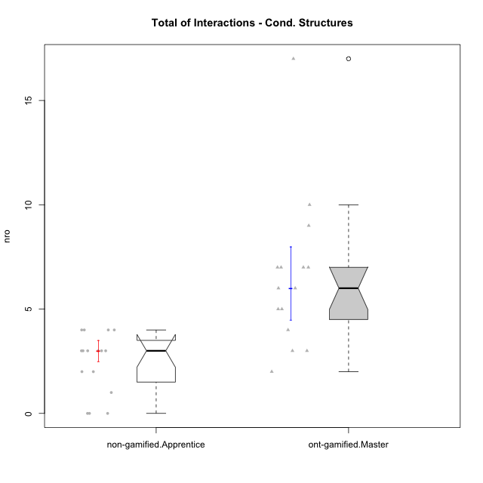

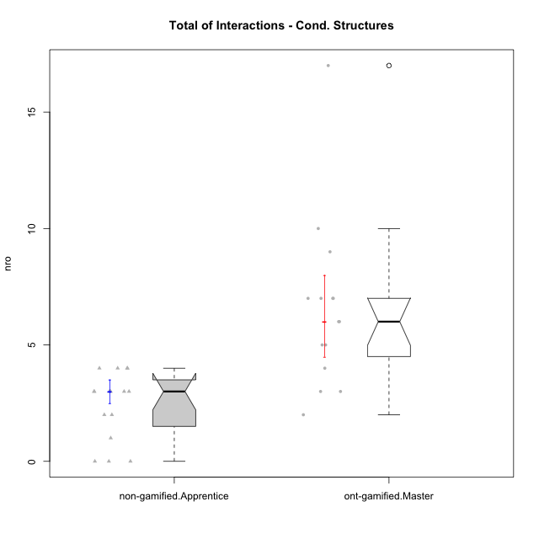

Wilcoxon data
UserID | NroUSP | Type | Group | CLRole | PlayerRole | ParticipationLevel | NroTotalInteractions | NroNecessaryInteractions | (1) Elaborar lista de exercícios | (2) Demonstrar a solução de um problema | (3) Enviar (ou reenviar) a solução do problema | (c) Aceitar a solução como boa | NroSolutionReviewed (Apprentice) | NroSolutionReviewed (Master) | NroSolutionWithoutReviewed (Apprentice) | NroSolutionWithoutReviewed (Master) | NroSolutionGoodReview | NroDesiredInteractions | (a) Expressar dúvidas em relação à demonstração | (b) Esclarecer as dúvidas | (d) Notificar os erros existentes na solução | (e) Apresentar dicas ou otra forma de ajuda | (f) Expressar dificuldade em resolver o problema | (g) Explicar como resolver o problema
10193 | 10276762 | ont-gamified | Grupo Afrodite | Master | Yee Achiever | complete | 7 | 5 | 1 | 1 | 0 | 3 | 0 | 4 | 0 | 0 | 0 | 2 | 0 | 0 | 1 | 0 | 0 | 1
10184 | 10276675 | ont-gamified | Grupo Apolo | Master | Yee Socializer | complete | 17 | 4 | 1 | 1 | 0 | 2 | 0 | 4 | 0 | 0 | 0 | 13 | 0 | 3 | 2 | 5 | 0 | 3
10218 | 9842913 | ont-gamified | Grupo Ares | Master | Yee Achiever | complete | 6 | 5 | 1 | 1 | 0 | 3 | 0 | 3 | 0 | 0 | 0 | 1 | 0 | 1 | 0 | 0 | 0 | 0
10232 | 10276974 | ont-gamified | Grupo Artemis | Master | Yee Achiever | complete | 7 | 6 | 1 | 1 | 0 | 4 | 0 | 3 | 0 | 0 | 0 | 1 | 0 | 1 | 0 | 0 | 0 | 0
10201 | 10276928 | ont-gamified | Grupo Caronte | Master | Yee Achiever | complete | 3 | 3 | 1 | 1 | 0 | 1 | 0 | 1 | 0 | 0 | 0 | 0 | 0 | 0 | 0 | 0 | 0 | 0
10223 | 9795185 | ont-gamified | Grupo Cronus | Master | Yee Achiever | complete | 6 | 5 | 1 | 1 | 0 | 3 | 0 | 3 | 0 | 0 | 0 | 1 | 0 | 0 | 0 | 1 | 0 | 0
10199 | 10276737 | ont-gamified | Grupo Gaia | Master | Yee Achiever | semicomplete | 3 | 2 | 1 | 1 | 0 | 0 | 0 | 1 | 0 | 3 | 0 | 1 | 0 | 0 | 1 | 0 | 0 | 0
10189 | 9363926 | ont-gamified | Grupo Hades | Master | Yee Socializer | complete | 7 | 5 | 1 | 1 | 0 | 3 | 0 | 3 | 0 | 0 | 0 | 2 | 0 | 1 | 0 | 1 | 0 | 0
10169 | 10377538 | ont-gamified | Grupo Hefesto | Master | Yee Achiever | semicomplete | 7 | 5 | 1 | 1 | 0 | 3 | 0 | 4 | 0 | 2 | 0 | 2 | 0 | 0 | 2 | 0 | 0 | 0
10175 | 10310700 | ont-gamified | Grupo Hélio | Master | Yee Socializer | semicomplete | 10 | 3 | 1 | 1 | 0 | 1 | 0 | 4 | 0 | 3 | 0 | 7 | 0 | 1 | 3 | 3 | 0 | 0
10206 | 10310721 | ont-gamified | Grupo Hera | Master | Yee Achiever | complete | 4 | 3 | 1 | 1 | 0 | 1 | 0 | 1 | 0 | 0 | 0 | 1 | 0 | 0 | 1 | 0 | 0 | 0
10204 | 10310471 | ont-gamified | Grupo Hermes | Master | Yee Achiever | complete | 5 | 3 | 1 | 1 | 0 | 1 | 0 | 2 | 0 | 0 | 0 | 2 | 0 | 0 | 1 | 1 | 0 | 0
10213 | 10277040 | ont-gamified | Grupo Morfeu | Master | Yee Socializer | complete | 5 | 2 | 1 | 1 | 0 | 0 | 0 | 1 | 0 | 0 | 0 | 3 | 0 | 0 | 3 | 0 | 0 | 0
10229 | 9292462 | non-gamified | Grupo Team 1 | Apprentice |  | none | 0 | 0 | 0 | 0 | 0 | 0 | 0 | 0 | 0 | 0 | 0 | 0 | 0 | 0 | 0 | 0 | 0 | 0
10224 | 9368772 | non-gamified | Grupo Team 10 | Apprentice |  | partial | 2 | 2 | 0 | 0 | 2 | 0 | 0 | 0 | 2 | 0 | 0 | 0 | 0 | 0 | 0 | 0 | 0 | 0
10202 | 10277036 | non-gamified | Grupo Team 11 | Apprentice |  | semicomplete | 2 | 2 | 0 | 0 | 2 | 0 | 2 | 0 | 0 | 0 | 1 | 0 | 0 | 0 | 0 | 0 | 0 | 0
10185 | 10276960 | non-gamified | Grupo Team 12 | Apprentice |  | semicomplete | 1 | 1 | 0 | 0 | 1 | 0 | 1 | 0 | 0 | 0 | 1 | 0 | 0 | 0 | 0 | 0 | 0 | 0
10238 | 10276953 | non-gamified | Grupo Team 13 | Apprentice |  | partial | 4 | 2 | 0 | 0 | 2 | 0 | 2 | 0 | 0 | 0 | 0 | 2 | 2 | 0 | 0 | 0 | 0 | 0
10228 | 10310492 | non-gamified | Grupo Team 14 | Apprentice |  | partial | 3 | 3 | 0 | 0 | 3 | 0 | 0 | 0 | 3 | 0 | 0 | 0 | 0 | 0 | 0 | 0 | 0 | 0
10187 | 9790781 | non-gamified | Grupo Team 15 | Apprentice |  | semicomplete | 3 | 3 | 0 | 0 | 3 | 0 | 3 | 0 | 0 | 0 | 1 | 0 | 0 | 0 | 0 | 0 | 0 | 0
10233 | 9805320 | non-gamified | Grupo Team 16 | Apprentice |  | none | 0 | 0 | 0 | 0 | 0 | 0 | 0 | 0 | 0 | 0 | 0 | 0 | 0 | 0 | 0 | 0 | 0 | 0
10220 | 9760151 | non-gamified | Grupo Team 2 | Apprentice |  | complete | 3 | 3 | 0 | 0 | 3 | 0 | 3 | 0 | 0 | 0 | 2 | 0 | 0 | 0 | 0 | 0 | 0 | 0
10203 | 9921470 | non-gamified | Grupo Team 3 | Apprentice |  | partial | 3 | 3 | 0 | 0 | 3 | 0 | 1 | 0 | 2 | 0 | 0 | 0 | 0 | 0 | 0 | 0 | 0 | 0
10227 | 9274382 | non-gamified | Grupo Team 4 | Apprentice |  | partial | 4 | 4 | 0 | 0 | 4 | 0 | 0 | 0 | 4 | 0 | 0 | 0 | 0 | 0 | 0 | 0 | 0 | 0
10192 | 10276682 | non-gamified | Grupo Team 5 | Apprentice |  | complete | 4 | 4 | 0 | 0 | 4 | 0 | 3 | 0 | 1 | 0 | 3 | 0 | 0 | 0 | 0 | 0 | 0 | 0
10171 | 698531 | non-gamified | Grupo Team 6 | Apprentice |  | complete | 3 | 2 | 0 | 0 | 2 | 0 | 2 | 0 | 0 | 0 | 2 | 1 | 1 | 0 | 0 | 0 | 0 | 0
10208 | 10276932 | non-gamified | Grupo Team 7 | Apprentice |  | partial | 3 | 2 | 0 | 0 | 2 | 0 | 0 | 0 | 2 | 0 | 0 | 1 | 1 | 0 | 0 | 0 | 0 | 0
10241 | 9885286 | non-gamified | Grupo Team 8 | Apprentice |  | none | 0 | 0 | 0 | 0 | 0 | 0 | 0 | 0 | 0 | 0 | 0 | 0 | 0 | 0 | 0 | 0 | 0 | 0
10210 | 10277015 | non-gamified | Grupo Team 9 | Apprentice |  | semicomplete | 4 | 4 | 0 | 0 | 4 | 0 | 3 | 0 | 1 | 0 | 1 | 0 | 0 | 0 | 0 | 0 | 0 | 0
10174 | 10276852 | ont-gamified | Grupo Urano | Master | Yee Achiever | complete | 9 | 5 | 1 | 1 | 0 | 3 | 0 | 4 | 0 | 0 | 0 | 4 | 0 | 0 | 1 | 3 | 0 | 0
10215 | 9285227 | ont-gamified | Grupo Zeus | Master | Yee Socializer | partial | 2 | 2 | 1 | 1 | 0 | 0 | 0 | 0 | 0 | 3 | 0 | 0 | 0 | 0 | 0 | 0 | 0 | 0

Type_CLRole_4
Wilcoxon Analysis for Total of Interactions - Cond. Structures in Type:CLRole between non-gamified.Master:ont-gamified.Apprentice

Wilcoxon test results
Alternative hypothesis: less
Group | N | Median | Mean.Ranks | Sum.Ranks | U | Z | p.value | r | magnitude
non-gamified.Master | 16 | 3.5 | 16.0625 | 257 | 121 | 0.040127575488 | 0.5193684126 | 0.0072071253152 | none
ont-gamified.Apprentice | 15 | 4 | 15.933333333 | 239 | 121 | 0.040127575488 | 0.5193684126 | 0.0072071253152 | none
Alternative hypothesis: greater
Group | N | Median | Mean.Ranks | Sum.Ranks | U | Z | p.value | r | magnitude
non-gamified.Master | 16 | 3.5 | 16.0625 | 257 | 121 | 0.040127575488 | 0.48832557322 | 0.0072071253152 | none
ont-gamified.Apprentice | 15 | 4 | 15.933333333 | 239 | 121 | 0.040127575488 | 0.48832557322 | 0.0072071253152 | none
Alternative hypothesis: two.sided
Group | N | Median | Mean.Ranks | Sum.Ranks | U | Z | p.value | r | magnitude
non-gamified.Master | 16 | 3.5 | 16.0625 | 257 | 121 | 0.040127575488 | 0.97665975428 | 0.0072071253152 | none
ont-gamified.Apprentice | 15 | 4 | 15.933333333 | 239 | 121 | 0.040127575488 | 0.97665975428 | 0.0072071253152 | none

Box plots for wilcoxon tests
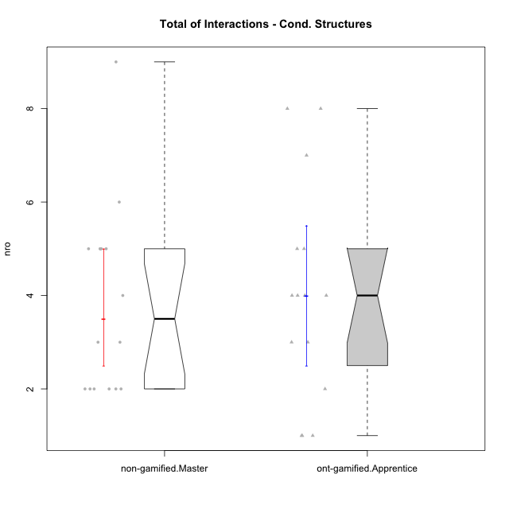

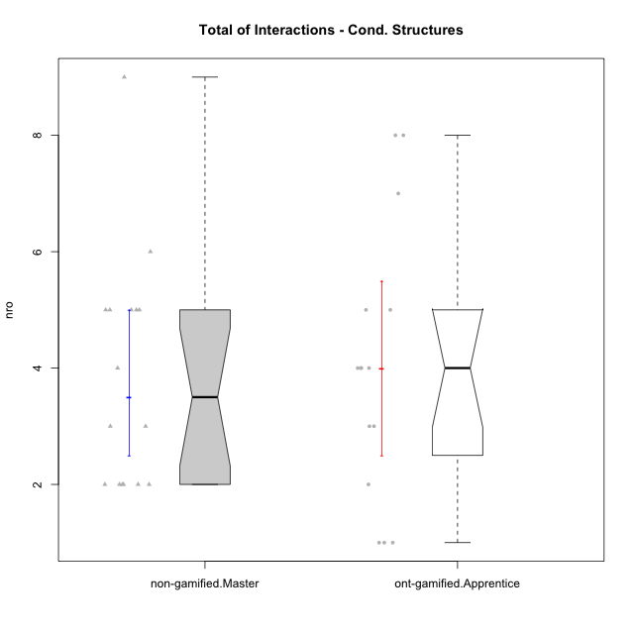

Wilcoxon data
UserID | NroUSP | Type | Group | CLRole | PlayerRole | ParticipationLevel | NroTotalInteractions | NroNecessaryInteractions | (1) Elaborar lista de exercícios | (2) Demonstrar a solução de um problema | (3) Enviar (ou reenviar) a solução do problema | (c) Aceitar a solução como boa | NroSolutionReviewed (Apprentice) | NroSolutionReviewed (Master) | NroSolutionWithoutReviewed (Apprentice) | NroSolutionWithoutReviewed (Master) | NroSolutionGoodReview | NroDesiredInteractions | (a) Expressar dúvidas em relação à demonstração | (b) Esclarecer as dúvidas | (d) Notificar os erros existentes na solução | (e) Apresentar dicas ou otra forma de ajuda | (f) Expressar dificuldade em resolver o problema | (g) Explicar como resolver o problema
10170 | 10260351 | ont-gamified | Grupo Afrodite | Apprentice | Yee Achiever | complete | 5 | 4 | 0 | 0 | 4 | 0 | 4 | 0 | 0 | 0 | 3 | 1 | 0 | 0 | 0 | 0 | 1 | 0
10198 | 10310888 | ont-gamified | Grupo Apolo | Apprentice | Yee Socializer | complete | 8 | 4 | 0 | 0 | 4 | 0 | 4 | 0 | 0 | 0 | 2 | 4 | 3 | 0 | 0 | 0 | 1 | 0
10186 | 10310551 | ont-gamified | Grupo Ares | Apprentice | Yee Achiever | complete | 4 | 3 | 0 | 0 | 3 | 0 | 3 | 0 | 0 | 0 | 3 | 1 | 1 | 0 | 0 | 0 | 0 | 0
10209 | 10262669 | ont-gamified | Grupo Artemis | Apprentice | Yee Achiever | complete | 4 | 3 | 0 | 0 | 3 | 0 | 3 | 0 | 0 | 0 | 3 | 1 | 1 | 0 | 0 | 0 | 0 | 0
10231 | 10276911 | ont-gamified | Grupo Caronte | Apprentice | Yee Achiever | semicomplete | 1 | 1 | 0 | 0 | 1 | 0 | 1 | 0 | 0 | 0 | 1 | 0 | 0 | 0 | 0 | 0 | 0 | 0
10176 | 10276949 | ont-gamified | Grupo Cronus | Apprentice | Yee Achiever | complete | 3 | 3 | 0 | 0 | 3 | 0 | 3 | 0 | 0 | 0 | 3 | 0 | 0 | 0 | 0 | 0 | 0 | 0
10197 | 10276661 | ont-gamified | Grupo Gaia | Apprentice | Yee Achiever | partial | 5 | 4 | 0 | 0 | 4 | 0 | 1 | 0 | 3 | 0 | 0 | 1 | 1 | 0 | 0 | 0 | 0 | 0
10200 | 9795272 | ont-gamified | Grupo Hades | Apprentice | Yee Socializer | complete | 4 | 3 | 0 | 0 | 3 | 0 | 3 | 0 | 0 | 0 | 3 | 1 | 1 | 0 | 0 | 0 | 0 | 0
10196 | 10310655 | ont-gamified | Grupo Hefesto | Apprentice | Yee Achiever | complete | 7 | 6 | 0 | 0 | 6 | 0 | 4 | 0 | 2 | 0 | 2 | 1 | 1 | 0 | 0 | 0 | 0 | 0
10183 | 10352030 | ont-gamified | Grupo Hélio | Apprentice | Yee Socializer | semicomplete | 8 | 7 | 0 | 0 | 7 | 0 | 4 | 0 | 3 | 0 | 1 | 1 | 1 | 0 | 0 | 0 | 0 | 0
10240 | 10276654 | ont-gamified | Grupo Hera | Apprentice | Yee Achiever | semicomplete | 1 | 1 | 0 | 0 | 1 | 0 | 1 | 0 | 0 | 0 | 1 | 0 | 0 | 0 | 0 | 0 | 0 | 0
10221 | 9082496 | ont-gamified | Grupo Hermes | Apprentice | Yee Achiever | semicomplete | 2 | 2 | 0 | 0 | 2 | 0 | 2 | 0 | 0 | 0 | 1 | 0 | 0 | 0 | 0 | 0 | 0 | 0
10178 | 8656201 | ont-gamified | Grupo Morfeu | Apprentice | Yee Socializer | partial | 1 | 1 | 0 | 0 | 1 | 0 | 1 | 0 | 0 | 0 | 0 | 0 | 0 | 0 | 0 | 0 | 0 | 0
10172 | 10273971 | non-gamified | Grupo Team 1 | Master |  | partial | 2 | 2 | 1 | 1 | 0 | 0 | 0 | 0 | 0 | 0 | 0 | 0 | 0 | 0 | 0 | 0 | 0 | 0
10181 | 10276866 | non-gamified | Grupo Team 10 | Master |  | partial | 2 | 2 | 1 | 1 | 0 | 0 | 0 | 0 | 0 | 2 | 0 | 0 | 0 | 0 | 0 | 0 | 0 | 0
10237 | 10377688 | non-gamified | Grupo Team 11 | Master |  | complete | 5 | 3 | 1 | 1 | 0 | 1 | 0 | 2 | 0 | 0 | 0 | 2 | 0 | 0 | 1 | 1 | 0 | 0
10219 | 10276831 | non-gamified | Grupo Team 12 | Master |  | complete | 3 | 3 | 1 | 1 | 0 | 1 | 0 | 1 | 0 | 0 | 0 | 0 | 0 | 0 | 0 | 0 | 0 | 0
10217 | 9805341 | non-gamified | Grupo Team 13 | Master |  | complete | 9 | 2 | 1 | 1 | 0 | 0 | 0 | 2 | 0 | 0 | 0 | 7 | 0 | 3 | 3 | 1 | 0 | 0
10230 | 10351992 | non-gamified | Grupo Team 14 | Master |  | partial | 4 | 4 | 2 | 2 | 0 | 0 | 0 | 0 | 0 | 3 | 0 | 0 | 0 | 0 | 0 | 0 | 0 | 0
10216 | 10276720 | non-gamified | Grupo Team 15 | Master |  | complete | 5 | 3 | 1 | 1 | 0 | 1 | 0 | 3 | 0 | 0 | 0 | 2 | 0 | 0 | 2 | 0 | 0 | 0
10222 | 9436110 | non-gamified | Grupo Team 16 | Master |  | partial | 2 | 2 | 1 | 1 | 0 | 0 | 0 | 0 | 0 | 0 | 0 | 0 | 0 | 0 | 0 | 0 | 0 | 0
10211 | 9311643 | non-gamified | Grupo Team 2 | Master |  | complete | 5 | 4 | 1 | 1 | 0 | 2 | 0 | 3 | 0 | 0 | 0 | 1 | 0 | 0 | 0 | 1 | 0 | 0
10188 | 10276995 | non-gamified | Grupo Team 3 | Master |  | semicomplete | 3 | 2 | 1 | 1 | 0 | 0 | 0 | 1 | 0 | 2 | 0 | 1 | 0 | 0 | 1 | 0 | 0 | 0
10212 | 9065750 | non-gamified | Grupo Team 4 | Master |  | partial | 2 | 2 | 1 | 1 | 0 | 0 | 0 | 0 | 0 | 4 | 0 | 0 | 0 | 0 | 0 | 0 | 0 | 0
10214 | 10277022 | non-gamified | Grupo Team 5 | Master |  | semicomplete | 5 | 5 | 1 | 1 | 0 | 3 | 0 | 3 | 0 | 1 | 0 | 0 | 0 | 0 | 0 | 0 | 0 | 0
10191 | 10276981 | non-gamified | Grupo Team 6 | Master |  | complete | 6 | 4 | 1 | 1 | 0 | 2 | 0 | 2 | 0 | 0 | 0 | 2 | 0 | 1 | 0 | 1 | 0 | 0
10234 | 10310676 | non-gamified | Grupo Team 7 | Master |  | partial | 2 | 2 | 1 | 1 | 0 | 0 | 0 | 0 | 0 | 2 | 0 | 0 | 0 | 0 | 0 | 0 | 0 | 0
10226 | 10310342 | non-gamified | Grupo Team 8 | Master |  | partial | 2 | 2 | 1 | 1 | 0 | 0 | 0 | 0 | 0 | 0 | 0 | 0 | 0 | 0 | 0 | 0 | 0 | 0
10179 | 10310759 | non-gamified | Grupo Team 9 | Master |  | semicomplete | 5 | 3 | 1 | 1 | 0 | 1 | 0 | 3 | 0 | 1 | 0 | 2 | 0 | 0 | 2 | 0 | 0 | 0
10195 | 10351971 | ont-gamified | Grupo Urano | Apprentice | Yee Achiever | complete | 4 | 4 | 0 | 0 | 4 | 0 | 4 | 0 | 0 | 0 | 3 | 0 | 0 | 0 | 0 | 0 | 0 | 0
10190 | 10276907 | ont-gamified | Grupo Zeus | Apprentice | Yee Socializer | partial | 3 | 3 | 0 | 0 | 3 | 0 | 0 | 0 | 3 | 0 | 0 | 0 | 0 | 0 | 0 | 0 | 0 | 0

Type_CLRole_5
Wilcoxon Analysis for Total of Interactions - Cond. Structures in Type:CLRole between non-gamified.Master:ont-gamified.Master

Wilcoxon test results
Alternative hypothesis: less
Group | N | Median | Mean.Ranks | Sum.Ranks | U | Z | p.value | r | magnitude
non-gamified.Master | 16 | 3.5 | 11.9375 | 191 | 55 | -2.6058571521 | 0.0040102056898 | 0.46802576085 | medium
ont-gamified.Master | 15 | 6 | 20.333333333 | 305 | 55 | -2.6058571521 | 0.0040102056898 | 0.46802576085 | medium
Alternative hypothesis: greater
Group | N | Median | Mean.Ranks | Sum.Ranks | U | Z | p.value | r | magnitude
non-gamified.Master | 16 | 3.5 | 11.9375 | 191 | 55 | -2.6058571521 | 0.99624595306 | 0.46802576085 | medium
ont-gamified.Master | 15 | 6 | 20.333333333 | 305 | 55 | -2.6058571521 | 0.99624595306 | 0.46802576085 | medium
Alternative hypothesis: two.sided
Group | N | Median | Mean.Ranks | Sum.Ranks | U | Z | p.value | r | magnitude
non-gamified.Master | 16 | 3.5 | 11.9375 | 191 | 55 | -2.6058571521 | 0.0079981314979 | 0.46802576085 | medium
ont-gamified.Master | 15 | 6 | 20.333333333 | 305 | 55 | -2.6058571521 | 0.0079981314979 | 0.46802576085 | medium

Box plots for wilcoxon tests
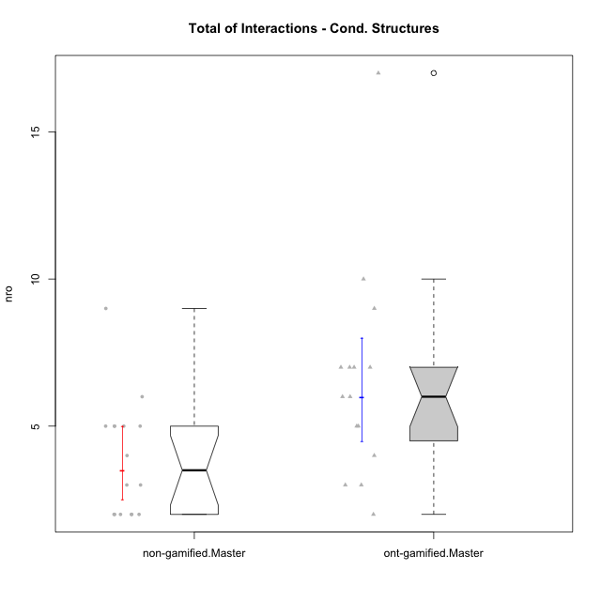

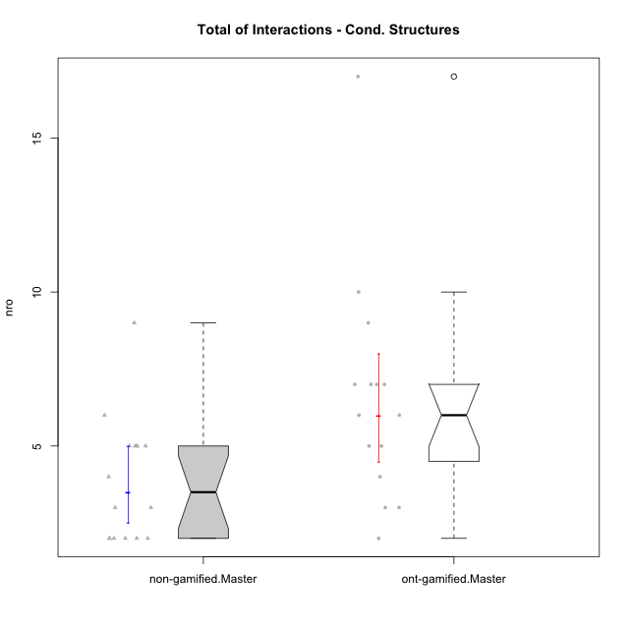

Wilcoxon data
UserID | NroUSP | Type | Group | CLRole | PlayerRole | ParticipationLevel | NroTotalInteractions | NroNecessaryInteractions | (1) Elaborar lista de exercícios | (2) Demonstrar a solução de um problema | (3) Enviar (ou reenviar) a solução do problema | (c) Aceitar a solução como boa | NroSolutionReviewed (Apprentice) | NroSolutionReviewed (Master) | NroSolutionWithoutReviewed (Apprentice) | NroSolutionWithoutReviewed (Master) | NroSolutionGoodReview | NroDesiredInteractions | (a) Expressar dúvidas em relação à demonstração | (b) Esclarecer as dúvidas | (d) Notificar os erros existentes na solução | (e) Apresentar dicas ou otra forma de ajuda | (f) Expressar dificuldade em resolver o problema | (g) Explicar como resolver o problema
10193 | 10276762 | ont-gamified | Grupo Afrodite | Master | Yee Achiever | complete | 7 | 5 | 1 | 1 | 0 | 3 | 0 | 4 | 0 | 0 | 0 | 2 | 0 | 0 | 1 | 0 | 0 | 1
10184 | 10276675 | ont-gamified | Grupo Apolo | Master | Yee Socializer | complete | 17 | 4 | 1 | 1 | 0 | 2 | 0 | 4 | 0 | 0 | 0 | 13 | 0 | 3 | 2 | 5 | 0 | 3
10218 | 9842913 | ont-gamified | Grupo Ares | Master | Yee Achiever | complete | 6 | 5 | 1 | 1 | 0 | 3 | 0 | 3 | 0 | 0 | 0 | 1 | 0 | 1 | 0 | 0 | 0 | 0
10232 | 10276974 | ont-gamified | Grupo Artemis | Master | Yee Achiever | complete | 7 | 6 | 1 | 1 | 0 | 4 | 0 | 3 | 0 | 0 | 0 | 1 | 0 | 1 | 0 | 0 | 0 | 0
10201 | 10276928 | ont-gamified | Grupo Caronte | Master | Yee Achiever | complete | 3 | 3 | 1 | 1 | 0 | 1 | 0 | 1 | 0 | 0 | 0 | 0 | 0 | 0 | 0 | 0 | 0 | 0
10223 | 9795185 | ont-gamified | Grupo Cronus | Master | Yee Achiever | complete | 6 | 5 | 1 | 1 | 0 | 3 | 0 | 3 | 0 | 0 | 0 | 1 | 0 | 0 | 0 | 1 | 0 | 0
10199 | 10276737 | ont-gamified | Grupo Gaia | Master | Yee Achiever | semicomplete | 3 | 2 | 1 | 1 | 0 | 0 | 0 | 1 | 0 | 3 | 0 | 1 | 0 | 0 | 1 | 0 | 0 | 0
10189 | 9363926 | ont-gamified | Grupo Hades | Master | Yee Socializer | complete | 7 | 5 | 1 | 1 | 0 | 3 | 0 | 3 | 0 | 0 | 0 | 2 | 0 | 1 | 0 | 1 | 0 | 0
10169 | 10377538 | ont-gamified | Grupo Hefesto | Master | Yee Achiever | semicomplete | 7 | 5 | 1 | 1 | 0 | 3 | 0 | 4 | 0 | 2 | 0 | 2 | 0 | 0 | 2 | 0 | 0 | 0
10175 | 10310700 | ont-gamified | Grupo Hélio | Master | Yee Socializer | semicomplete | 10 | 3 | 1 | 1 | 0 | 1 | 0 | 4 | 0 | 3 | 0 | 7 | 0 | 1 | 3 | 3 | 0 | 0
10206 | 10310721 | ont-gamified | Grupo Hera | Master | Yee Achiever | complete | 4 | 3 | 1 | 1 | 0 | 1 | 0 | 1 | 0 | 0 | 0 | 1 | 0 | 0 | 1 | 0 | 0 | 0
10204 | 10310471 | ont-gamified | Grupo Hermes | Master | Yee Achiever | complete | 5 | 3 | 1 | 1 | 0 | 1 | 0 | 2 | 0 | 0 | 0 | 2 | 0 | 0 | 1 | 1 | 0 | 0
10213 | 10277040 | ont-gamified | Grupo Morfeu | Master | Yee Socializer | complete | 5 | 2 | 1 | 1 | 0 | 0 | 0 | 1 | 0 | 0 | 0 | 3 | 0 | 0 | 3 | 0 | 0 | 0
10172 | 10273971 | non-gamified | Grupo Team 1 | Master |  | partial | 2 | 2 | 1 | 1 | 0 | 0 | 0 | 0 | 0 | 0 | 0 | 0 | 0 | 0 | 0 | 0 | 0 | 0
10181 | 10276866 | non-gamified | Grupo Team 10 | Master |  | partial | 2 | 2 | 1 | 1 | 0 | 0 | 0 | 0 | 0 | 2 | 0 | 0 | 0 | 0 | 0 | 0 | 0 | 0
10237 | 10377688 | non-gamified | Grupo Team 11 | Master |  | complete | 5 | 3 | 1 | 1 | 0 | 1 | 0 | 2 | 0 | 0 | 0 | 2 | 0 | 0 | 1 | 1 | 0 | 0
10219 | 10276831 | non-gamified | Grupo Team 12 | Master |  | complete | 3 | 3 | 1 | 1 | 0 | 1 | 0 | 1 | 0 | 0 | 0 | 0 | 0 | 0 | 0 | 0 | 0 | 0
10217 | 9805341 | non-gamified | Grupo Team 13 | Master |  | complete | 9 | 2 | 1 | 1 | 0 | 0 | 0 | 2 | 0 | 0 | 0 | 7 | 0 | 3 | 3 | 1 | 0 | 0
10230 | 10351992 | non-gamified | Grupo Team 14 | Master |  | partial | 4 | 4 | 2 | 2 | 0 | 0 | 0 | 0 | 0 | 3 | 0 | 0 | 0 | 0 | 0 | 0 | 0 | 0
10216 | 10276720 | non-gamified | Grupo Team 15 | Master |  | complete | 5 | 3 | 1 | 1 | 0 | 1 | 0 | 3 | 0 | 0 | 0 | 2 | 0 | 0 | 2 | 0 | 0 | 0
10222 | 9436110 | non-gamified | Grupo Team 16 | Master |  | partial | 2 | 2 | 1 | 1 | 0 | 0 | 0 | 0 | 0 | 0 | 0 | 0 | 0 | 0 | 0 | 0 | 0 | 0
10211 | 9311643 | non-gamified | Grupo Team 2 | Master |  | complete | 5 | 4 | 1 | 1 | 0 | 2 | 0 | 3 | 0 | 0 | 0 | 1 | 0 | 0 | 0 | 1 | 0 | 0
10188 | 10276995 | non-gamified | Grupo Team 3 | Master |  | semicomplete | 3 | 2 | 1 | 1 | 0 | 0 | 0 | 1 | 0 | 2 | 0 | 1 | 0 | 0 | 1 | 0 | 0 | 0
10212 | 9065750 | non-gamified | Grupo Team 4 | Master |  | partial | 2 | 2 | 1 | 1 | 0 | 0 | 0 | 0 | 0 | 4 | 0 | 0 | 0 | 0 | 0 | 0 | 0 | 0
10214 | 10277022 | non-gamified | Grupo Team 5 | Master |  | semicomplete | 5 | 5 | 1 | 1 | 0 | 3 | 0 | 3 | 0 | 1 | 0 | 0 | 0 | 0 | 0 | 0 | 0 | 0
10191 | 10276981 | non-gamified | Grupo Team 6 | Master |  | complete | 6 | 4 | 1 | 1 | 0 | 2 | 0 | 2 | 0 | 0 | 0 | 2 | 0 | 1 | 0 | 1 | 0 | 0
10234 | 10310676 | non-gamified | Grupo Team 7 | Master |  | partial | 2 | 2 | 1 | 1 | 0 | 0 | 0 | 0 | 0 | 2 | 0 | 0 | 0 | 0 | 0 | 0 | 0 | 0
10226 | 10310342 | non-gamified | Grupo Team 8 | Master |  | partial | 2 | 2 | 1 | 1 | 0 | 0 | 0 | 0 | 0 | 0 | 0 | 0 | 0 | 0 | 0 | 0 | 0 | 0
10179 | 10310759 | non-gamified | Grupo Team 9 | Master |  | semicomplete | 5 | 3 | 1 | 1 | 0 | 1 | 0 | 3 | 0 | 1 | 0 | 2 | 0 | 0 | 2 | 0 | 0 | 0
10174 | 10276852 | ont-gamified | Grupo Urano | Master | Yee Achiever | complete | 9 | 5 | 1 | 1 | 0 | 3 | 0 | 4 | 0 | 0 | 0 | 4 | 0 | 0 | 1 | 3 | 0 | 0
10215 | 9285227 | ont-gamified | Grupo Zeus | Master | Yee Socializer | partial | 2 | 2 | 1 | 1 | 0 | 0 | 0 | 0 | 0 | 3 | 0 | 0 | 0 | 0 | 0 | 0 | 0 | 0

Type_CLRole_6
Wilcoxon Analysis for Total of Interactions - Cond. Structures in Type:CLRole between ont-gamified.Apprentice:ont-gamified.Master

Wilcoxon test results
Alternative hypothesis: less
Group | N | Median | Mean.Ranks | Sum.Ranks | U | Z | p.value | r | magnitude
ont-gamified.Apprentice | 15 | 4 | 12.166666667 | 182.5 | 62.5 | -2.0895345828 | 0.018188957637 | 0.38149507523 | medium
ont-gamified.Master | 15 | 6 | 18.833333333 | 282.5 | 62.5 | -2.0895345828 | 0.018188957637 | 0.38149507523 | medium
Alternative hypothesis: greater
Group | N | Median | Mean.Ranks | Sum.Ranks | U | Z | p.value | r | magnitude
ont-gamified.Apprentice | 15 | 4 | 12.166666667 | 182.5 | 62.5 | -2.0895345828 | 0.98282974096 | 0.38149507523 | medium
ont-gamified.Master | 15 | 6 | 18.833333333 | 282.5 | 62.5 | -2.0895345828 | 0.98282974096 | 0.38149507523 | medium
Alternative hypothesis: two.sided
Group | N | Median | Mean.Ranks | Sum.Ranks | U | Z | p.value | r | magnitude
ont-gamified.Apprentice | 15 | 4 | 12.166666667 | 182.5 | 62.5 | -2.0895345828 | 0.036377915274 | 0.38149507523 | medium
ont-gamified.Master | 15 | 6 | 18.833333333 | 282.5 | 62.5 | -2.0895345828 | 0.036377915274 | 0.38149507523 | medium

Box plots for wilcoxon tests
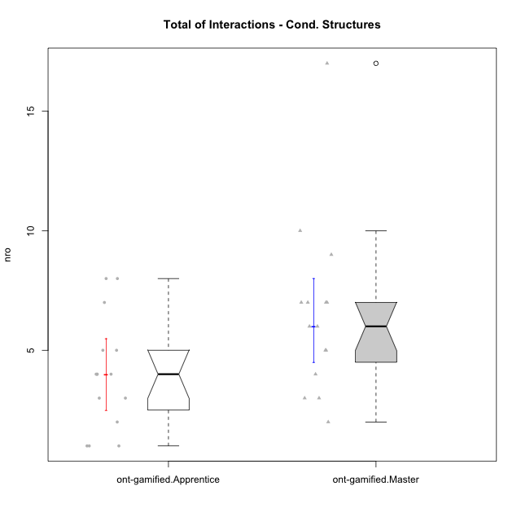



Wilcoxon data
UserID | NroUSP | Type | Group | CLRole | PlayerRole | ParticipationLevel | NroTotalInteractions | NroNecessaryInteractions | (1) Elaborar lista de exercícios | (2) Demonstrar a solução de um problema | (3) Enviar (ou reenviar) a solução do problema | (c) Aceitar a solução como boa | NroSolutionReviewed (Apprentice) | NroSolutionReviewed (Master) | NroSolutionWithoutReviewed (Apprentice) | NroSolutionWithoutReviewed (Master) | NroSolutionGoodReview | NroDesiredInteractions | (a) Expressar dúvidas em relação à demonstração | (b) Esclarecer as dúvidas | (d) Notificar os erros existentes na solução | (e) Apresentar dicas ou otra forma de ajuda | (f) Expressar dificuldade em resolver o problema | (g) Explicar como resolver o problema
10193 | 10276762 | ont-gamified | Grupo Afrodite | Master | Yee Achiever | complete | 7 | 5 | 1 | 1 | 0 | 3 | 0 | 4 | 0 | 0 | 0 | 2 | 0 | 0 | 1 | 0 | 0 | 1
10170 | 10260351 | ont-gamified | Grupo Afrodite | Apprentice | Yee Achiever | complete | 5 | 4 | 0 | 0 | 4 | 0 | 4 | 0 | 0 | 0 | 3 | 1 | 0 | 0 | 0 | 0 | 1 | 0
10198 | 10310888 | ont-gamified | Grupo Apolo | Apprentice | Yee Socializer | complete | 8 | 4 | 0 | 0 | 4 | 0 | 4 | 0 | 0 | 0 | 2 | 4 | 3 | 0 | 0 | 0 | 1 | 0
10184 | 10276675 | ont-gamified | Grupo Apolo | Master | Yee Socializer | complete | 17 | 4 | 1 | 1 | 0 | 2 | 0 | 4 | 0 | 0 | 0 | 13 | 0 | 3 | 2 | 5 | 0 | 3
10186 | 10310551 | ont-gamified | Grupo Ares | Apprentice | Yee Achiever | complete | 4 | 3 | 0 | 0 | 3 | 0 | 3 | 0 | 0 | 0 | 3 | 1 | 1 | 0 | 0 | 0 | 0 | 0
10218 | 9842913 | ont-gamified | Grupo Ares | Master | Yee Achiever | complete | 6 | 5 | 1 | 1 | 0 | 3 | 0 | 3 | 0 | 0 | 0 | 1 | 0 | 1 | 0 | 0 | 0 | 0
10209 | 10262669 | ont-gamified | Grupo Artemis | Apprentice | Yee Achiever | complete | 4 | 3 | 0 | 0 | 3 | 0 | 3 | 0 | 0 | 0 | 3 | 1 | 1 | 0 | 0 | 0 | 0 | 0
10232 | 10276974 | ont-gamified | Grupo Artemis | Master | Yee Achiever | complete | 7 | 6 | 1 | 1 | 0 | 4 | 0 | 3 | 0 | 0 | 0 | 1 | 0 | 1 | 0 | 0 | 0 | 0
10231 | 10276911 | ont-gamified | Grupo Caronte | Apprentice | Yee Achiever | semicomplete | 1 | 1 | 0 | 0 | 1 | 0 | 1 | 0 | 0 | 0 | 1 | 0 | 0 | 0 | 0 | 0 | 0 | 0
10201 | 10276928 | ont-gamified | Grupo Caronte | Master | Yee Achiever | complete | 3 | 3 | 1 | 1 | 0 | 1 | 0 | 1 | 0 | 0 | 0 | 0 | 0 | 0 | 0 | 0 | 0 | 0
10176 | 10276949 | ont-gamified | Grupo Cronus | Apprentice | Yee Achiever | complete | 3 | 3 | 0 | 0 | 3 | 0 | 3 | 0 | 0 | 0 | 3 | 0 | 0 | 0 | 0 | 0 | 0 | 0
10223 | 9795185 | ont-gamified | Grupo Cronus | Master | Yee Achiever | complete | 6 | 5 | 1 | 1 | 0 | 3 | 0 | 3 | 0 | 0 | 0 | 1 | 0 | 0 | 0 | 1 | 0 | 0
10199 | 10276737 | ont-gamified | Grupo Gaia | Master | Yee Achiever | semicomplete | 3 | 2 | 1 | 1 | 0 | 0 | 0 | 1 | 0 | 3 | 0 | 1 | 0 | 0 | 1 | 0 | 0 | 0
10197 | 10276661 | ont-gamified | Grupo Gaia | Apprentice | Yee Achiever | partial | 5 | 4 | 0 | 0 | 4 | 0 | 1 | 0 | 3 | 0 | 0 | 1 | 1 | 0 | 0 | 0 | 0 | 0
10200 | 9795272 | ont-gamified | Grupo Hades | Apprentice | Yee Socializer | complete | 4 | 3 | 0 | 0 | 3 | 0 | 3 | 0 | 0 | 0 | 3 | 1 | 1 | 0 | 0 | 0 | 0 | 0
10189 | 9363926 | ont-gamified | Grupo Hades | Master | Yee Socializer | complete | 7 | 5 | 1 | 1 | 0 | 3 | 0 | 3 | 0 | 0 | 0 | 2 | 0 | 1 | 0 | 1 | 0 | 0
10169 | 10377538 | ont-gamified | Grupo Hefesto | Master | Yee Achiever | semicomplete | 7 | 5 | 1 | 1 | 0 | 3 | 0 | 4 | 0 | 2 | 0 | 2 | 0 | 0 | 2 | 0 | 0 | 0
10196 | 10310655 | ont-gamified | Grupo Hefesto | Apprentice | Yee Achiever | complete | 7 | 6 | 0 | 0 | 6 | 0 | 4 | 0 | 2 | 0 | 2 | 1 | 1 | 0 | 0 | 0 | 0 | 0
10175 | 10310700 | ont-gamified | Grupo Hélio | Master | Yee Socializer | semicomplete | 10 | 3 | 1 | 1 | 0 | 1 | 0 | 4 | 0 | 3 | 0 | 7 | 0 | 1 | 3 | 3 | 0 | 0
10183 | 10352030 | ont-gamified | Grupo Hélio | Apprentice | Yee Socializer | semicomplete | 8 | 7 | 0 | 0 | 7 | 0 | 4 | 0 | 3 | 0 | 1 | 1 | 1 | 0 | 0 | 0 | 0 | 0
10206 | 10310721 | ont-gamified | Grupo Hera | Master | Yee Achiever | complete | 4 | 3 | 1 | 1 | 0 | 1 | 0 | 1 | 0 | 0 | 0 | 1 | 0 | 0 | 1 | 0 | 0 | 0
10240 | 10276654 | ont-gamified | Grupo Hera | Apprentice | Yee Achiever | semicomplete | 1 | 1 | 0 | 0 | 1 | 0 | 1 | 0 | 0 | 0 | 1 | 0 | 0 | 0 | 0 | 0 | 0 | 0
10221 | 9082496 | ont-gamified | Grupo Hermes | Apprentice | Yee Achiever | semicomplete | 2 | 2 | 0 | 0 | 2 | 0 | 2 | 0 | 0 | 0 | 1 | 0 | 0 | 0 | 0 | 0 | 0 | 0
10204 | 10310471 | ont-gamified | Grupo Hermes | Master | Yee Achiever | complete | 5 | 3 | 1 | 1 | 0 | 1 | 0 | 2 | 0 | 0 | 0 | 2 | 0 | 0 | 1 | 1 | 0 | 0
10213 | 10277040 | ont-gamified | Grupo Morfeu | Master | Yee Socializer | complete | 5 | 2 | 1 | 1 | 0 | 0 | 0 | 1 | 0 | 0 | 0 | 3 | 0 | 0 | 3 | 0 | 0 | 0
10178 | 8656201 | ont-gamified | Grupo Morfeu | Apprentice | Yee Socializer | partial | 1 | 1 | 0 | 0 | 1 | 0 | 1 | 0 | 0 | 0 | 0 | 0 | 0 | 0 | 0 | 0 | 0 | 0
10174 | 10276852 | ont-gamified | Grupo Urano | Master | Yee Achiever | complete | 9 | 5 | 1 | 1 | 0 | 3 | 0 | 4 | 0 | 0 | 0 | 4 | 0 | 0 | 1 | 3 | 0 | 0
10195 | 10351971 | ont-gamified | Grupo Urano | Apprentice | Yee Achiever | complete | 4 | 4 | 0 | 0 | 4 | 0 | 4 | 0 | 0 | 0 | 3 | 0 | 0 | 0 | 0 | 0 | 0 | 0
10215 | 9285227 | ont-gamified | Grupo Zeus | Master | Yee Socializer | partial | 2 | 2 | 1 | 1 | 0 | 0 | 0 | 0 | 0 | 3 | 0 | 0 | 0 | 0 | 0 | 0 | 0 | 0
10190 | 10276907 | ont-gamified | Grupo Zeus | Apprentice | Yee Socializer | partial | 3 | 3 | 0 | 0 | 3 | 0 | 0 | 0 | 3 | 0 | 0 | 0 | 0 | 0 | 0 | 0 | 0 | 0

