Assumptions
ANOVA assumptions for Difference of Programming Skill - Cond. Structures

Shapiro-Wilk normality test for Difference of Programming Skill - Cond. Structures
W | p.value
0.9856953578 | 0.81008703475

Plots for normality test
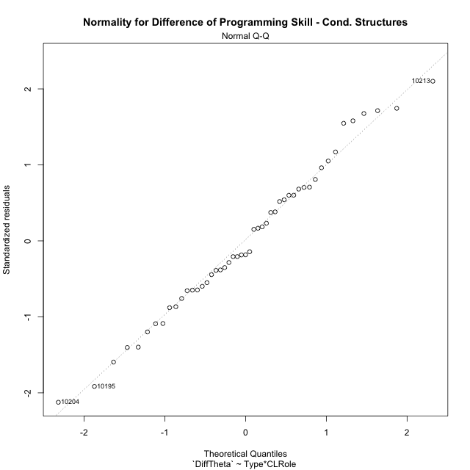

Levene's Test for Homogeneity of Variance in Difference of Programming Skill - Cond. Structures
Df | F value | Pr(>F)
3 | 1.4061325245 | 0.25334391408
45

Plots for homogeneity of variance
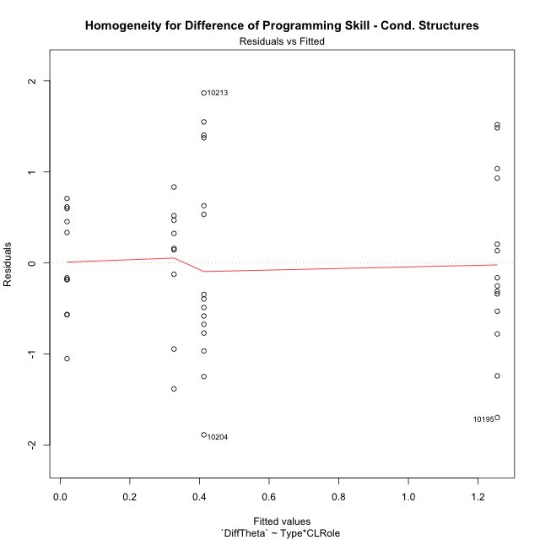

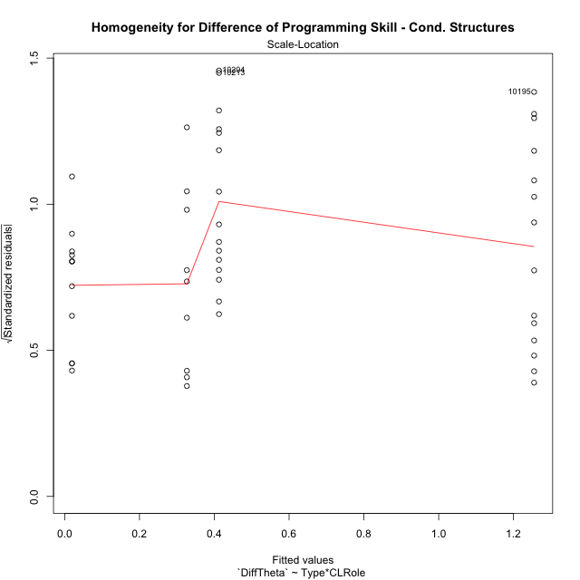

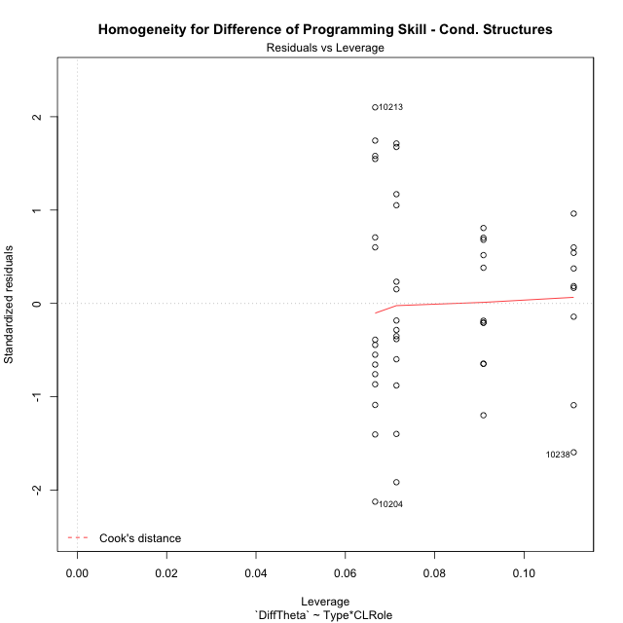

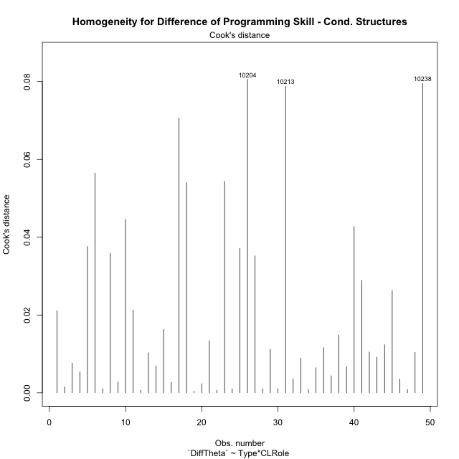

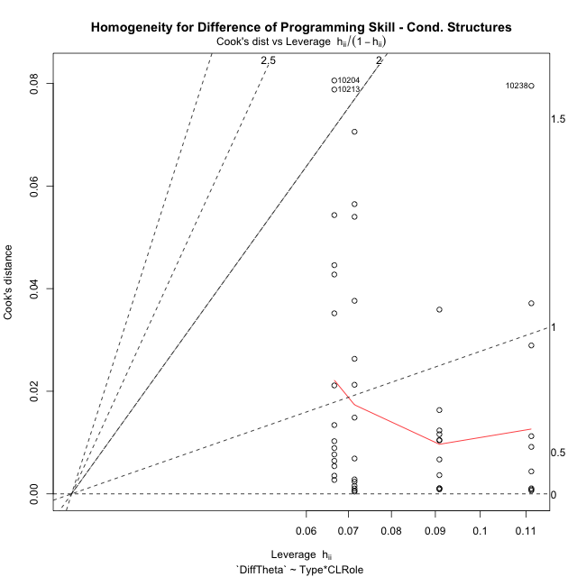

Minimum Sample Size Test for Difference of Programming Skill - Cond. Structures
Type | CLRole | Freq
non-gamified | Apprentice | 9
ont-gamified | Apprentice | 14
non-gamified | Master | 11
ont-gamified | Master | 15

Errors and Warnings in Sample Size Test for ANOVA in Difference of Programming Skill - Cond. Structures
code | description
WARN: sample.size | current.size is = 9 and recommended.size must be = 15 for the group: 'non-gamified:Apprentice'. Size sample for parametric test isn't recomended
WARN: sample.size | current.size is = 14 and recommended.size must be = 15 for the group: 'ont-gamified:Apprentice'. Size sample for parametric test isn't recomended
WARN: sample.size | current.size is = 11 and recommended.size must be = 15 for the group: 'non-gamified:Master'. Size sample for parametric test isn't recomended

For the group: 'non-gamified:Apprentice', we recommend the use of non parametric test. For the group: 'ont-gamified:Apprentice', we recommend the use of non parametric test. For the group: 'non-gamified:Master', we recommend the use of non parametric test. For the group: 'ont-gamified:Master', you can perform a parametric test with a non-normal distribution

If you don't want to remove non-normal data, you must cite the following references: ... (1) Lix, L.M., J.C. Keselman, and H.J. Keselman. 1996. Consequences of assumption violations revisited: A quantitative review of alternatives to the one-way analysis of variance F test. Rev. Educ. Res. 66: 579-619. ... (2) Harwell, M.R., E.N. Rubinstein, W.S. Hayes, and C.C. Olds. 1992. Summarizing Monte Carlo results in methodological research: the one- and two-factor fixed effects ANOVA cases. J. Educ. Stat. 17: 315-339.

Post-hoc
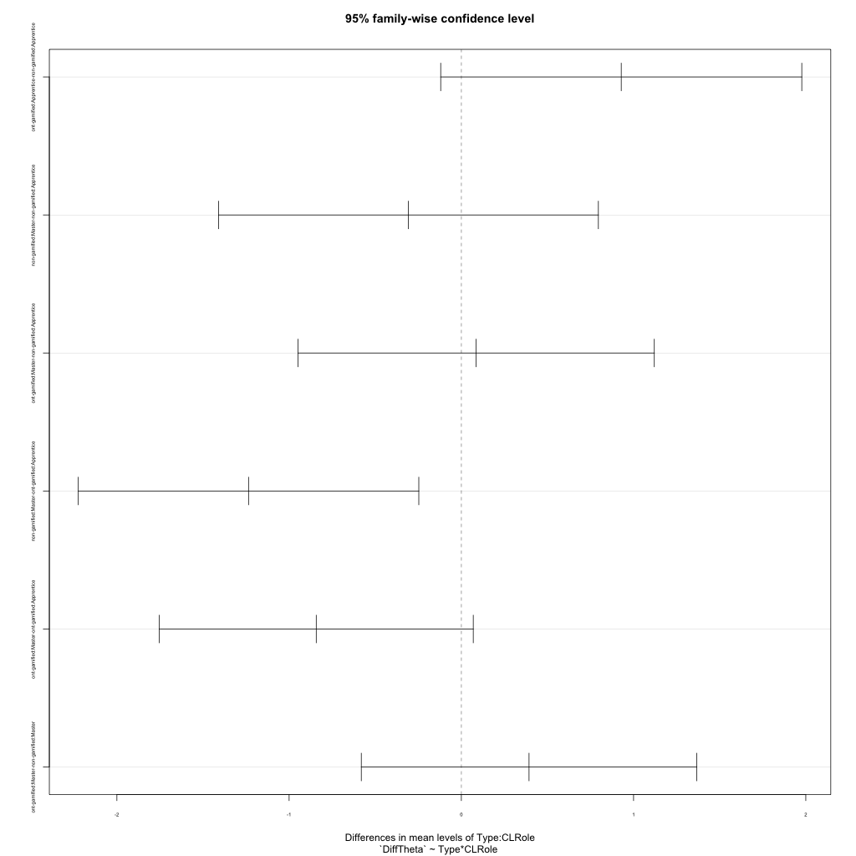
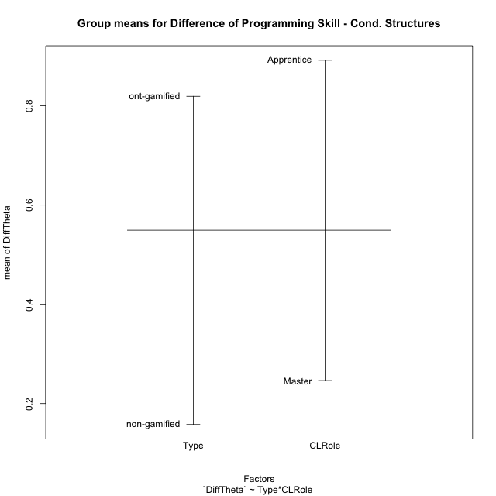
Post-hoc Tukey Honestly Significant Difference (HSD) Test for Difference of Programming Skill - Cond. Structures

Comparisons of means for Type
 | diff | lwr | upr | p adj
ont-gamified-non-gamified | 0.66158687215 | 0.12316703813 | 1.2000067062 | 0.017163304225

Comparisons of means for CLRole
 | diff | lwr | upr | p adj
Master-Apprentice | -0.62448484459 | -1.1547394566 | -0.094230232546 | 0.02202798111

Comparisons of means for Type:CLRole
 | diff | lwr | upr | p adj
ont-gamified:Apprentice-non-gamified:Apprentice | 0.92844989112 | -0.11981440801 | 1.9767141903 | 0.099209528219
non-gamified:Master-non-gamified:Apprentice | -0.30712899258 | -1.4099106918 | 0.79565270659 | 0.87915845055
ont-gamified:Master-non-gamified:Apprentice | 0.085934225672 | -0.94856670662 | 1.120435158 | 0.99610375785
non-gamified:Master-ont-gamified:Apprentice | -1.2355788837 | -2.2241360612 | -0.24702170618 | 0.0089978433138
ont-gamified:Master-ont-gamified:Apprentice | -0.84251566545 | -1.7542776937 | 0.069246362777 | 0.079456361218
ont-gamified:Master-non-gamified:Master | 0.39306321825 | -0.58088720723 | 1.3670136437 | 0.70539111088

Contrast Matrices for Difference of Programming Skill - Cond. Structures - Type
contrast | estimate | SE | df | t.ratio | p.value
non-gamified - ont-gamified | -0.66075655469 | 0.2681874338 | 45 | -2.4637864098 | 0.017635189987

Contrast Matrices for Difference of Programming Skill - Cond. Structures - Type:CLRole
contrast | CLRole | estimate | SE | df | t.ratio | p.value
non-gamified - ont-gamified | Apprentice | -0.92844989112 | 0.39294692253 | 45 | -2.3627870277 | 0.022520714924
non-gamified - ont-gamified | Master | -0.39306321825 | 0.36509000899 | 45 | -1.076620035 | 0.28738822354

Least Squares Means and Confidence Intervals for Type
Type | lsmean | SE | df | lower.CL | upper.CL | Pairs
non-gamified | 0.17311400782 | 0.20669151629 | 45 | -0.24318407559 | 0.58941209123 | non-gamified
ont-gamified | 0.83387056251 | 0.17088919434 | 45 | 0.48968205706 | 1.178059068 | ont-gamified

Least Squares Means and Confidence Intervals for Type:CLRole
Type | CLRole | lsmean | SE | df | lower.CL | upper.CL | Pairs
non-gamified | Apprentice | 0.32667850411 | 0.30657306208 | 45 | -0.29079133916 | 0.94414834738 | non-gamified.Apprentice
ont-gamified | Apprentice | 1.2551283952 | 0.24580529192 | 45 | 0.76005112377 | 1.7502056667 | ont-gamified.Apprentice
non-gamified | Master | 0.01954951153 | 0.27730576848 | 45 | -0.53897297651 | 0.57807199957 | non-gamified.Master
ont-gamified | Master | 0.41261272978 | 0.23747047276 | 45 | -0.065677354171 | 0.89090281374 | ont-gamified.Master

Plots

Type_1
Student's t-Test for Difference of Programming Skill - Cond. Structures in Type between non-gamified:ont-gamified

Student's t-Test results
Alternative hypothesis: less
Group | N | Mean | Mean.Difference | Std.deviation | Std.error | CI.lower | CI.upper | df | t.value | p.value | g | magnitude
non-gamified | 20 | 0.15775755819 | -0.66158687215 | 0.64993721107 | 0.14533037851 | -0.13290319882 | 0.4484183152 | 45.800548818 | -2.5945619769 | 0.0063396186981 | -0.67532255977 | medium
ont-gamified | 29 | 0.81934443035 | 0.66158687215 | 1.1283030099 | 0.20952060899 | 0.40030321237 | 1.2383856483 | 45.800548818 | -2.5945619769 | 0.0063396186981 | -0.67532255977 | medium
Alternative hypothesis: greater
Group | N | Mean | Mean.Difference | Std.deviation | Std.error | CI.lower | CI.upper | df | t.value | p.value | g | magnitude
non-gamified | 20 | 0.15775755819 | -0.66158687215 | 0.64993721107 | 0.14533037851 | -0.13290319882 | 0.4484183152 | 45.800548818 | -2.5945619769 | 0.9936603813 | -0.67532255977 | medium
ont-gamified | 29 | 0.81934443035 | 0.66158687215 | 1.1283030099 | 0.20952060899 | 0.40030321237 | 1.2383856483 | 45.800548818 | -2.5945619769 | 0.9936603813 | -0.67532255977 | medium
Alternative hypothesis: two.sided
Group | N | Mean | Mean.Difference | Std.deviation | Std.error | CI.lower | CI.upper | df | t.value | p.value | g | magnitude
non-gamified | 20 | 0.15775755819 | -0.66158687215 | 0.64993721107 | 0.14533037851 | -0.13290319882 | 0.4484183152 | 45.800548818 | -2.5945619769 | 0.012679237396 | -0.67532255977 | medium
ont-gamified | 29 | 0.81934443035 | 0.66158687215 | 1.1283030099 | 0.20952060899 | 0.40030321237 | 1.2383856483 | 45.800548818 | -2.5945619769 | 0.012679237396 | -0.67532255977 | medium

Box plots for Student's t-Test
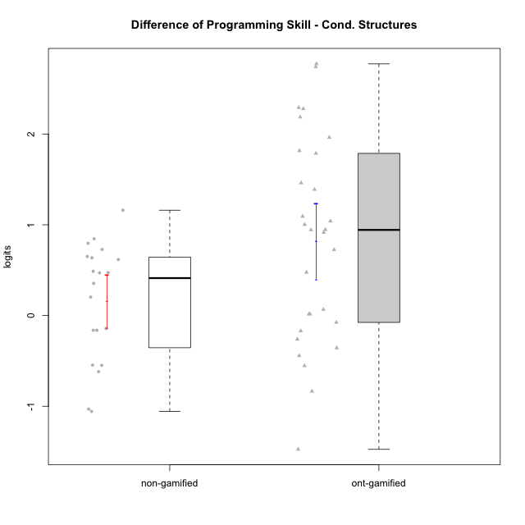

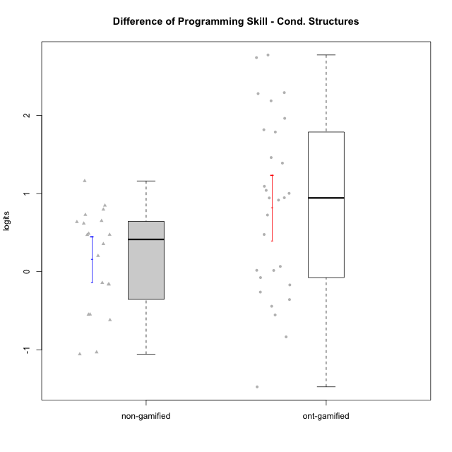

Student's t-Test data
UserID | NroUSP | Type | CLGroup | CLRole | PlayerRole | PreTheta | PostTheta | DiffTheta
10169 | 10377538 | ont-gamified | Grupo Hefesto | Master | Yee Achiever | -0.61933445579 | -1.1732692696 | -0.5539348138
10170 | 10260351 | ont-gamified | Grupo Afrodite | Apprentice | Yee Achiever | -1.7311651967 | -0.72850617835 | 1.0026590184
10174 | 10276852 | ont-gamified | Grupo Urano | Master | Yee Achiever | -1.3903160671 | -1.5601408666 | -0.16982479944
10175 | 10310700 | ont-gamified | Grupo Hélio | Master | Yee Socializer | 1.5130276749 | 1.4371451183 | -0.075882556626
10176 | 10276949 | ont-gamified | Grupo Cronus | Apprentice | Yee Achiever | -1.3424457826 | -1.3269923055 | 0.015453477116
10178 | 8656201 | ont-gamified | Grupo Morfeu | Apprentice | Yee Socializer | -3.7815328182 | -1.0076860292 | 2.773846789
10179 | 10310759 | non-gamified | Grupo Team 9 | Master |  | 1.1690256934 | 1.0069648549 | -0.16206083852
10181 | 10276866 | non-gamified | Grupo Team 10 | Master |  | 0.23570684815 | -0.79575415298 | -1.0314610011
10183 | 10352030 | ont-gamified | Grupo Hélio | Apprentice | Yee Socializer | -1.9886657467 | -1.0726313388 | 0.91603440794
10184 | 10276675 | ont-gamified | Grupo Apolo | Master | Yee Socializer | -0.052228181359 | 1.7643039283 | 1.8165321097
10186 | 10310551 | ont-gamified | Grupo Ares | Apprentice | Yee Achiever | -0.8208408909 | 1.366067168 | 2.1869080589
10187 | 9790781 | non-gamified | Grupo Team 15 | Apprentice |  | -1.2106276806 | -1.0076860292 | 0.20294165135
10189 | 9363926 | ont-gamified | Grupo Hades | Master | Yee Socializer | -0.6928559275 | -0.9541360144 | -0.26128008691
10190 | 10276907 | ont-gamified | Grupo Zeus | Apprentice | Yee Socializer | -1.8123222128 | -1.0874953712 | 0.72482684164
10191 | 10276981 | non-gamified | Grupo Team 6 | Master |  | 0.27932058555 | 1.0074568948 | 0.72813630921
10193 | 10276762 | ont-gamified | Grupo Afrodite | Master | Yee Achiever | 0.3873356641 | 0.45416494054 | 0.066829276438
10195 | 10351971 | ont-gamified | Grupo Urano | Apprentice | Yee Achiever | -0.48214874764 | -0.92491240188 | -0.44276365424
10196 | 10310655 | ont-gamified | Grupo Hefesto | Apprentice | Yee Achiever | -1.7332957983 | 1.0069648549 | 2.7402606532
10197 | 10276661 | ont-gamified | Grupo Gaia | Apprentice | Yee Achiever | -1.2203768267 | 0.16916081983 | 1.3895376465
10198 | 10310888 | ont-gamified | Grupo Apolo | Apprentice | Yee Socializer | -1.7236950604 | -0.78002267086 | 0.94367238953
10199 | 10276737 | ont-gamified | Grupo Gaia | Master | Yee Achiever | -1.4876340554 | -1.8449813013 | -0.35734724595
10200 | 9795272 | ont-gamified | Grupo Hades | Apprentice | Yee Socializer | -1.6868501354 | -0.59424361177 | 1.0926065236
10201 | 10276928 | ont-gamified | Grupo Caronte | Master | Yee Achiever | -0.80922730899 | 1.1533075958 | 1.9625349047
10202 | 10277036 | non-gamified | Grupo Team 11 | Apprentice |  | -1.6780877433 | -1.191106451 | 0.48698129236
10203 | 9921470 | non-gamified | Grupo Team 3 | Apprentice |  | -1.8102936843 | -2.4289732966 | -0.61867961227
10204 | 10310471 | ont-gamified | Grupo Hermes | Master | Yee Achiever | 2.3718554061 | 0.89714358126 | -1.4747118248
10206 | 10310721 | ont-gamified | Grupo Hera | Master | Yee Achiever | 0.31249191183 | -0.52223669053 | -0.83472860237
10209 | 10262669 | ont-gamified | Grupo Artemis | Apprentice | Yee Achiever | -0.80931744238 | 0.65162365745 | 1.4609410998
10210 | 10277015 | non-gamified | Grupo Team 9 | Apprentice |  | -1.8231786257 | -0.97647558314 | 0.84670304255
10212 | 9065750 | non-gamified | Grupo Team 4 | Master |  | -0.18004437615 | -0.34230587028 | -0.16226149413
10213 | 10277040 | ont-gamified | Grupo Morfeu | Master | Yee Socializer | -1.272207593 | 1.0069648549 | 2.2791724478
10214 | 10277022 | non-gamified | Grupo Team 5 | Master |  | -1.1369213328 | -0.78245726689 | 0.35446406595
10215 | 9285227 | ont-gamified | Grupo Zeus | Master | Yee Socializer | -0.50834280834 | 0.53243270036 | 1.0407755087
10216 | 10276720 | non-gamified | Grupo Team 15 | Master |  | -0.5537508566 | -0.6967490599 | -0.14299820329
10218 | 9842913 | ont-gamified | Grupo Ares | Master | Yee Achiever | -0.66435994722 | 0.28204716574 | 0.94640711296
10219 | 10276831 | non-gamified | Grupo Team 12 | Master |  | -0.88851744212 | -0.2713070804 | 0.61721036172
10220 | 9760151 | non-gamified | Grupo Team 2 | Apprentice |  | -1.0065299406 | -0.35564611222 | 0.65088382833
10221 | 9082496 | ont-gamified | Grupo Hermes | Apprentice | Yee Achiever | -1.930762121 | -1.4548375329 | 0.47592458812
10222 | 9436110 | non-gamified | Grupo Team 16 | Master |  | -1.4886664576 | -1.0153257319 | 0.47334072565
10223 | 9795185 | ont-gamified | Grupo Cronus | Master | Yee Achiever | -1.0926819474 | 0.69480351074 | 1.7874854582
10224 | 9368772 | non-gamified | Grupo Team 10 | Apprentice |  | -2.0460251166 | -0.88504266686 | 1.1609824497
10226 | 10310342 | non-gamified | Grupo Team 8 | Master |  | -0.22350637062 | -0.77235715595 | -0.54885078533
10227 | 9274382 | non-gamified | Grupo Team 4 | Apprentice |  | -2.3392832599 | -1.5433293233 | 0.79595393653
10230 | 10351992 | non-gamified | Grupo Team 14 | Master |  | -1.4883306716 | -0.852178947 | 0.63615172464
10231 | 10276911 | ont-gamified | Grupo Caronte | Apprentice | Yee Achiever | -0.85474457547 | 1.4371451183 | 2.2918896938
10232 | 10276974 | ont-gamified | Grupo Artemis | Master | Yee Achiever | -0.65322824497 | -0.6360641868 | 0.017164058172
10233 | 9805320 | non-gamified | Grupo Team 16 | Apprentice |  | -1.3407573364 | -0.86984216838 | 0.470915168
10234 | 10310676 | non-gamified | Grupo Team 7 | Master |  | -1.6312376035 | -2.1778638414 | -0.54662623794
10238 | 10276953 | non-gamified | Grupo Team 13 | Apprentice |  | 0.11228809235 | -0.94428712721 | -1.0565752196

Type_CLRole_1
Student's t-Test for Difference of Programming Skill - Cond. Structures in Type:CLRole between non-gamified.Apprentice:non-gamified.Master

Student's t-Test results
Alternative hypothesis: less
Group | N | Mean | Mean.Difference | Std.deviation | Std.error | CI.lower | CI.upper | df | t.value | p.value | g | magnitude
non-gamified.Apprentice | 9 | 0.32667850411 | 0.30712899258 | 0.72117282586 | 0.24039094195 | -0.1541033798 | 0.80746038802 | 15.3340859 | 1.0313459961 | 0.84081392551 | 0.45391523038 | small
non-gamified.Master | 11 | 0.01954951153 | -0.30712899258 | 0.58294961624 | 0.17576592261 | -0.3319823337 | 0.37108135676 | 15.3340859 | 1.0313459961 | 0.84081392551 | 0.45391523038 | small
Alternative hypothesis: greater
Group | N | Mean | Mean.Difference | Std.deviation | Std.error | CI.lower | CI.upper | df | t.value | p.value | g | magnitude
non-gamified.Apprentice | 9 | 0.32667850411 | 0.30712899258 | 0.72117282586 | 0.24039094195 | -0.1541033798 | 0.80746038802 | 15.3340859 | 1.0313459961 | 0.15918607449 | 0.45391523038 | small
non-gamified.Master | 11 | 0.01954951153 | -0.30712899258 | 0.58294961624 | 0.17576592261 | -0.3319823337 | 0.37108135676 | 15.3340859 | 1.0313459961 | 0.15918607449 | 0.45391523038 | small
Alternative hypothesis: two.sided
Group | N | Mean | Mean.Difference | Std.deviation | Std.error | CI.lower | CI.upper | df | t.value | p.value | g | magnitude
non-gamified.Apprentice | 9 | 0.32667850411 | 0.30712899258 | 0.72117282586 | 0.24039094195 | -0.1541033798 | 0.80746038802 | 15.3340859 | 1.0313459961 | 0.31837214898 | 0.45391523038 | small
non-gamified.Master | 11 | 0.01954951153 | -0.30712899258 | 0.58294961624 | 0.17576592261 | -0.3319823337 | 0.37108135676 | 15.3340859 | 1.0313459961 | 0.31837214898 | 0.45391523038 | small

Box plots for Student's t-Test
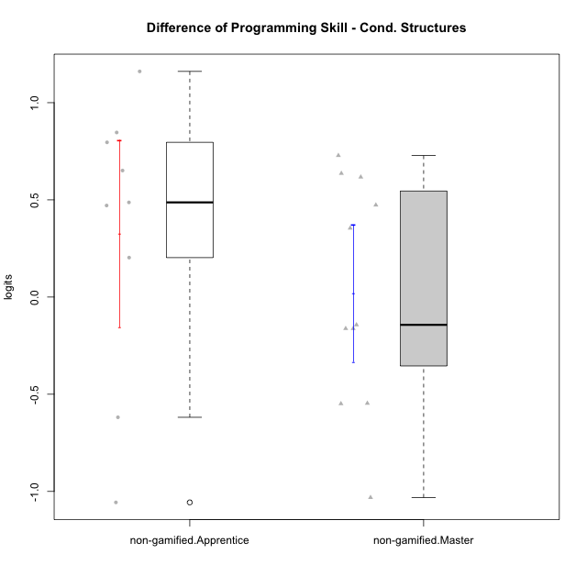

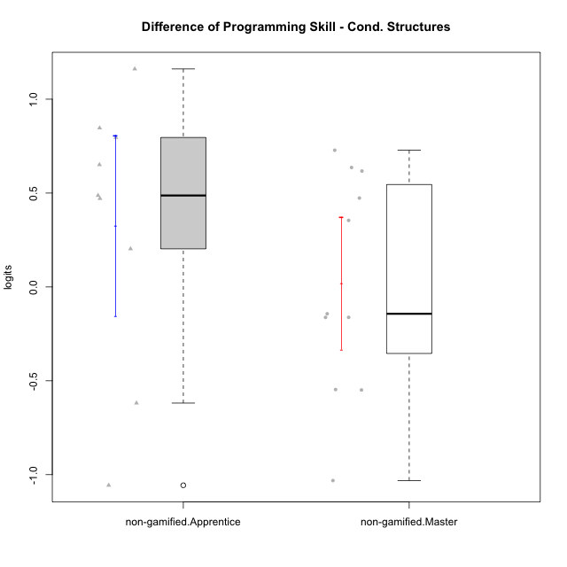

Student's t-Test data
UserID | NroUSP | Type | CLGroup | CLRole | PlayerRole | PreTheta | PostTheta | DiffTheta
10179 | 10310759 | non-gamified | Grupo Team 9 | Master |  | 1.1690256934 | 1.0069648549 | -0.16206083852
10181 | 10276866 | non-gamified | Grupo Team 10 | Master |  | 0.23570684815 | -0.79575415298 | -1.0314610011
10187 | 9790781 | non-gamified | Grupo Team 15 | Apprentice |  | -1.2106276806 | -1.0076860292 | 0.20294165135
10191 | 10276981 | non-gamified | Grupo Team 6 | Master |  | 0.27932058555 | 1.0074568948 | 0.72813630921
10202 | 10277036 | non-gamified | Grupo Team 11 | Apprentice |  | -1.6780877433 | -1.191106451 | 0.48698129236
10203 | 9921470 | non-gamified | Grupo Team 3 | Apprentice |  | -1.8102936843 | -2.4289732966 | -0.61867961227
10210 | 10277015 | non-gamified | Grupo Team 9 | Apprentice |  | -1.8231786257 | -0.97647558314 | 0.84670304255
10212 | 9065750 | non-gamified | Grupo Team 4 | Master |  | -0.18004437615 | -0.34230587028 | -0.16226149413
10214 | 10277022 | non-gamified | Grupo Team 5 | Master |  | -1.1369213328 | -0.78245726689 | 0.35446406595
10216 | 10276720 | non-gamified | Grupo Team 15 | Master |  | -0.5537508566 | -0.6967490599 | -0.14299820329
10219 | 10276831 | non-gamified | Grupo Team 12 | Master |  | -0.88851744212 | -0.2713070804 | 0.61721036172
10220 | 9760151 | non-gamified | Grupo Team 2 | Apprentice |  | -1.0065299406 | -0.35564611222 | 0.65088382833
10222 | 9436110 | non-gamified | Grupo Team 16 | Master |  | -1.4886664576 | -1.0153257319 | 0.47334072565
10224 | 9368772 | non-gamified | Grupo Team 10 | Apprentice |  | -2.0460251166 | -0.88504266686 | 1.1609824497
10226 | 10310342 | non-gamified | Grupo Team 8 | Master |  | -0.22350637062 | -0.77235715595 | -0.54885078533
10227 | 9274382 | non-gamified | Grupo Team 4 | Apprentice |  | -2.3392832599 | -1.5433293233 | 0.79595393653
10230 | 10351992 | non-gamified | Grupo Team 14 | Master |  | -1.4883306716 | -0.852178947 | 0.63615172464
10233 | 9805320 | non-gamified | Grupo Team 16 | Apprentice |  | -1.3407573364 | -0.86984216838 | 0.470915168
10234 | 10310676 | non-gamified | Grupo Team 7 | Master |  | -1.6312376035 | -2.1778638414 | -0.54662623794
10238 | 10276953 | non-gamified | Grupo Team 13 | Apprentice |  | 0.11228809235 | -0.94428712721 | -1.0565752196

Type_CLRole_2
Student's t-Test for Difference of Programming Skill - Cond. Structures in Type:CLRole between non-gamified.Apprentice:ont-gamified.Apprentice

Student's t-Test results
Alternative hypothesis: less
Group | N | Mean | Mean.Difference | Std.deviation | Std.error | CI.lower | CI.upper | df | t.value | p.value | g | magnitude
non-gamified.Apprentice | 9 | 0.32667850411 | -0.92844989112 | 0.72117282586 | 0.24039094195 | -0.1541033798 | 0.80746038802 | 20.396525459 | -2.6322404392 | 0.0079043194984 | -1.0161691048 | large
ont-gamified.Apprentice | 14 | 1.2551283952 | 0.92844989112 | 0.96579137646 | 0.2581186027 | 0.73889118983 | 1.7713656006 | 20.396525459 | -2.6322404392 | 0.0079043194984 | -1.0161691048 | large
Alternative hypothesis: greater
Group | N | Mean | Mean.Difference | Std.deviation | Std.error | CI.lower | CI.upper | df | t.value | p.value | g | magnitude
non-gamified.Apprentice | 9 | 0.32667850411 | -0.92844989112 | 0.72117282586 | 0.24039094195 | -0.1541033798 | 0.80746038802 | 20.396525459 | -2.6322404392 | 0.9920956805 | -1.0161691048 | large
ont-gamified.Apprentice | 14 | 1.2551283952 | 0.92844989112 | 0.96579137646 | 0.2581186027 | 0.73889118983 | 1.7713656006 | 20.396525459 | -2.6322404392 | 0.9920956805 | -1.0161691048 | large
Alternative hypothesis: two.sided
Group | N | Mean | Mean.Difference | Std.deviation | Std.error | CI.lower | CI.upper | df | t.value | p.value | g | magnitude
non-gamified.Apprentice | 9 | 0.32667850411 | -0.92844989112 | 0.72117282586 | 0.24039094195 | -0.1541033798 | 0.80746038802 | 20.396525459 | -2.6322404392 | 0.015808638997 | -1.0161691048 | large
ont-gamified.Apprentice | 14 | 1.2551283952 | 0.92844989112 | 0.96579137646 | 0.2581186027 | 0.73889118983 | 1.7713656006 | 20.396525459 | -2.6322404392 | 0.015808638997 | -1.0161691048 | large

Box plots for Student's t-Test
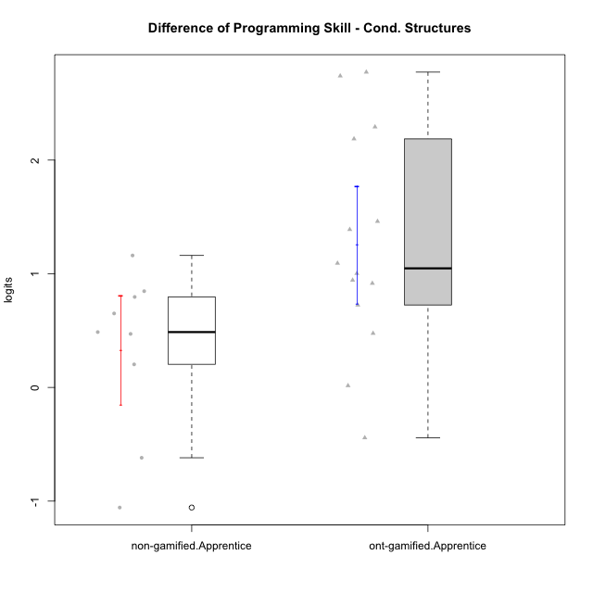

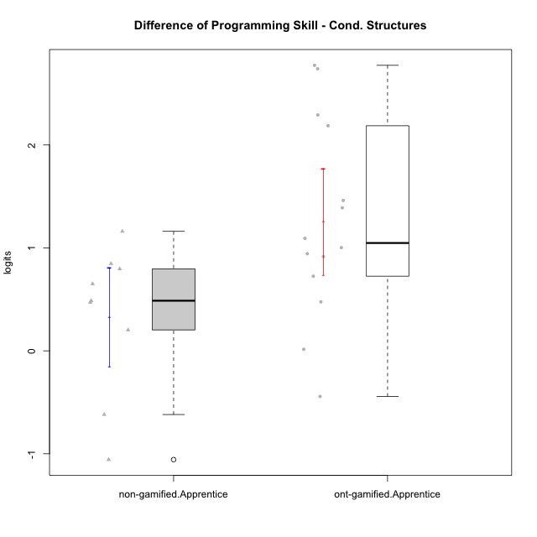

Student's t-Test data
UserID | NroUSP | Type | CLGroup | CLRole | PlayerRole | PreTheta | PostTheta | DiffTheta
10170 | 10260351 | ont-gamified | Grupo Afrodite | Apprentice | Yee Achiever | -1.7311651967 | -0.72850617835 | 1.0026590184
10176 | 10276949 | ont-gamified | Grupo Cronus | Apprentice | Yee Achiever | -1.3424457826 | -1.3269923055 | 0.015453477116
10178 | 8656201 | ont-gamified | Grupo Morfeu | Apprentice | Yee Socializer | -3.7815328182 | -1.0076860292 | 2.773846789
10183 | 10352030 | ont-gamified | Grupo Hélio | Apprentice | Yee Socializer | -1.9886657467 | -1.0726313388 | 0.91603440794
10186 | 10310551 | ont-gamified | Grupo Ares | Apprentice | Yee Achiever | -0.8208408909 | 1.366067168 | 2.1869080589
10187 | 9790781 | non-gamified | Grupo Team 15 | Apprentice |  | -1.2106276806 | -1.0076860292 | 0.20294165135
10190 | 10276907 | ont-gamified | Grupo Zeus | Apprentice | Yee Socializer | -1.8123222128 | -1.0874953712 | 0.72482684164
10195 | 10351971 | ont-gamified | Grupo Urano | Apprentice | Yee Achiever | -0.48214874764 | -0.92491240188 | -0.44276365424
10196 | 10310655 | ont-gamified | Grupo Hefesto | Apprentice | Yee Achiever | -1.7332957983 | 1.0069648549 | 2.7402606532
10197 | 10276661 | ont-gamified | Grupo Gaia | Apprentice | Yee Achiever | -1.2203768267 | 0.16916081983 | 1.3895376465
10198 | 10310888 | ont-gamified | Grupo Apolo | Apprentice | Yee Socializer | -1.7236950604 | -0.78002267086 | 0.94367238953
10200 | 9795272 | ont-gamified | Grupo Hades | Apprentice | Yee Socializer | -1.6868501354 | -0.59424361177 | 1.0926065236
10202 | 10277036 | non-gamified | Grupo Team 11 | Apprentice |  | -1.6780877433 | -1.191106451 | 0.48698129236
10203 | 9921470 | non-gamified | Grupo Team 3 | Apprentice |  | -1.8102936843 | -2.4289732966 | -0.61867961227
10209 | 10262669 | ont-gamified | Grupo Artemis | Apprentice | Yee Achiever | -0.80931744238 | 0.65162365745 | 1.4609410998
10210 | 10277015 | non-gamified | Grupo Team 9 | Apprentice |  | -1.8231786257 | -0.97647558314 | 0.84670304255
10220 | 9760151 | non-gamified | Grupo Team 2 | Apprentice |  | -1.0065299406 | -0.35564611222 | 0.65088382833
10221 | 9082496 | ont-gamified | Grupo Hermes | Apprentice | Yee Achiever | -1.930762121 | -1.4548375329 | 0.47592458812
10224 | 9368772 | non-gamified | Grupo Team 10 | Apprentice |  | -2.0460251166 | -0.88504266686 | 1.1609824497
10227 | 9274382 | non-gamified | Grupo Team 4 | Apprentice |  | -2.3392832599 | -1.5433293233 | 0.79595393653
10231 | 10276911 | ont-gamified | Grupo Caronte | Apprentice | Yee Achiever | -0.85474457547 | 1.4371451183 | 2.2918896938
10233 | 9805320 | non-gamified | Grupo Team 16 | Apprentice |  | -1.3407573364 | -0.86984216838 | 0.470915168
10238 | 10276953 | non-gamified | Grupo Team 13 | Apprentice |  | 0.11228809235 | -0.94428712721 | -1.0565752196

Type_CLRole_3
Student's t-Test for Difference of Programming Skill - Cond. Structures in Type:CLRole between non-gamified.Apprentice:ont-gamified.Master

Student's t-Test results
Alternative hypothesis: less
Group | N | Mean | Mean.Difference | Std.deviation | Std.error | CI.lower | CI.upper | df | t.value | p.value | g | magnitude
non-gamified.Apprentice | 9 | 0.32667850411 | -0.085934225672 | 0.72117282586 | 0.24039094195 | -0.1541033798 | 0.80746038802 | 21.890346697 | -0.22543245411 | 0.41186709336 | -0.081969864969 | negligible
ont-gamified.Master | 15 | 0.41261272978 | 0.085934225672 | 1.1457978781 | 0.29584373999 | -0.17907475019 | 1.0043002098 | 21.890346697 | -0.22543245411 | 0.41186709336 | -0.081969864969 | negligible
Alternative hypothesis: greater
Group | N | Mean | Mean.Difference | Std.deviation | Std.error | CI.lower | CI.upper | df | t.value | p.value | g | magnitude
non-gamified.Apprentice | 9 | 0.32667850411 | -0.085934225672 | 0.72117282586 | 0.24039094195 | -0.1541033798 | 0.80746038802 | 21.890346697 | -0.22543245411 | 0.58813290664 | -0.081969864969 | negligible
ont-gamified.Master | 15 | 0.41261272978 | 0.085934225672 | 1.1457978781 | 0.29584373999 | -0.17907475019 | 1.0043002098 | 21.890346697 | -0.22543245411 | 0.58813290664 | -0.081969864969 | negligible
Alternative hypothesis: two.sided
Group | N | Mean | Mean.Difference | Std.deviation | Std.error | CI.lower | CI.upper | df | t.value | p.value | g | magnitude
non-gamified.Apprentice | 9 | 0.32667850411 | -0.085934225672 | 0.72117282586 | 0.24039094195 | -0.1541033798 | 0.80746038802 | 21.890346697 | -0.22543245411 | 0.82373418671 | -0.081969864969 | negligible
ont-gamified.Master | 15 | 0.41261272978 | 0.085934225672 | 1.1457978781 | 0.29584373999 | -0.17907475019 | 1.0043002098 | 21.890346697 | -0.22543245411 | 0.82373418671 | -0.081969864969 | negligible

Box plots for Student's t-Test
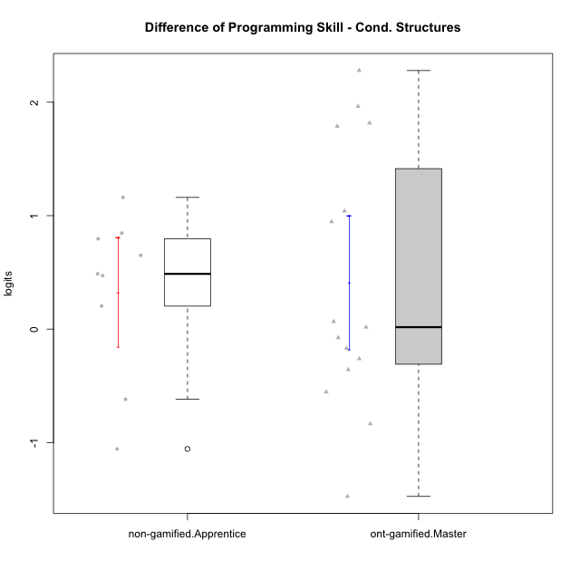

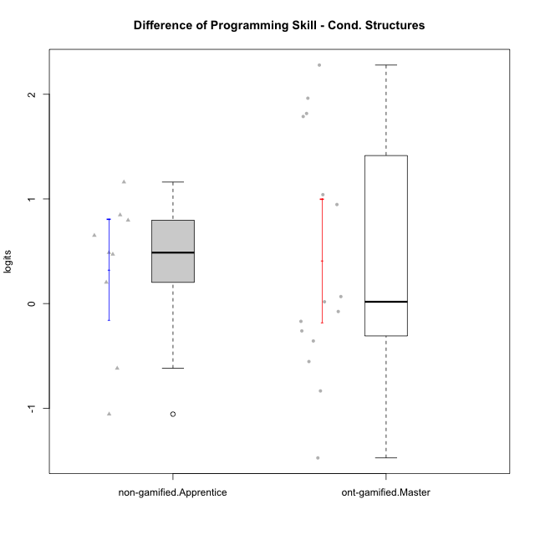

Student's t-Test data
UserID | NroUSP | Type | CLGroup | CLRole | PlayerRole | PreTheta | PostTheta | DiffTheta
10169 | 10377538 | ont-gamified | Grupo Hefesto | Master | Yee Achiever | -0.61933445579 | -1.1732692696 | -0.5539348138
10174 | 10276852 | ont-gamified | Grupo Urano | Master | Yee Achiever | -1.3903160671 | -1.5601408666 | -0.16982479944
10175 | 10310700 | ont-gamified | Grupo Hélio | Master | Yee Socializer | 1.5130276749 | 1.4371451183 | -0.075882556626
10184 | 10276675 | ont-gamified | Grupo Apolo | Master | Yee Socializer | -0.052228181359 | 1.7643039283 | 1.8165321097
10187 | 9790781 | non-gamified | Grupo Team 15 | Apprentice |  | -1.2106276806 | -1.0076860292 | 0.20294165135
10189 | 9363926 | ont-gamified | Grupo Hades | Master | Yee Socializer | -0.6928559275 | -0.9541360144 | -0.26128008691
10193 | 10276762 | ont-gamified | Grupo Afrodite | Master | Yee Achiever | 0.3873356641 | 0.45416494054 | 0.066829276438
10199 | 10276737 | ont-gamified | Grupo Gaia | Master | Yee Achiever | -1.4876340554 | -1.8449813013 | -0.35734724595
10201 | 10276928 | ont-gamified | Grupo Caronte | Master | Yee Achiever | -0.80922730899 | 1.1533075958 | 1.9625349047
10202 | 10277036 | non-gamified | Grupo Team 11 | Apprentice |  | -1.6780877433 | -1.191106451 | 0.48698129236
10203 | 9921470 | non-gamified | Grupo Team 3 | Apprentice |  | -1.8102936843 | -2.4289732966 | -0.61867961227
10204 | 10310471 | ont-gamified | Grupo Hermes | Master | Yee Achiever | 2.3718554061 | 0.89714358126 | -1.4747118248
10206 | 10310721 | ont-gamified | Grupo Hera | Master | Yee Achiever | 0.31249191183 | -0.52223669053 | -0.83472860237
10210 | 10277015 | non-gamified | Grupo Team 9 | Apprentice |  | -1.8231786257 | -0.97647558314 | 0.84670304255
10213 | 10277040 | ont-gamified | Grupo Morfeu | Master | Yee Socializer | -1.272207593 | 1.0069648549 | 2.2791724478
10215 | 9285227 | ont-gamified | Grupo Zeus | Master | Yee Socializer | -0.50834280834 | 0.53243270036 | 1.0407755087
10218 | 9842913 | ont-gamified | Grupo Ares | Master | Yee Achiever | -0.66435994722 | 0.28204716574 | 0.94640711296
10220 | 9760151 | non-gamified | Grupo Team 2 | Apprentice |  | -1.0065299406 | -0.35564611222 | 0.65088382833
10223 | 9795185 | ont-gamified | Grupo Cronus | Master | Yee Achiever | -1.0926819474 | 0.69480351074 | 1.7874854582
10224 | 9368772 | non-gamified | Grupo Team 10 | Apprentice |  | -2.0460251166 | -0.88504266686 | 1.1609824497
10227 | 9274382 | non-gamified | Grupo Team 4 | Apprentice |  | -2.3392832599 | -1.5433293233 | 0.79595393653
10232 | 10276974 | ont-gamified | Grupo Artemis | Master | Yee Achiever | -0.65322824497 | -0.6360641868 | 0.017164058172
10233 | 9805320 | non-gamified | Grupo Team 16 | Apprentice |  | -1.3407573364 | -0.86984216838 | 0.470915168
10238 | 10276953 | non-gamified | Grupo Team 13 | Apprentice |  | 0.11228809235 | -0.94428712721 | -1.0565752196

Type_CLRole_4
Student's t-Test for Difference of Programming Skill - Cond. Structures in Type:CLRole between non-gamified.Master:ont-gamified.Apprentice

Student's t-Test results
Alternative hypothesis: less
Group | N | Mean | Mean.Difference | Std.deviation | Std.error | CI.lower | CI.upper | df | t.value | p.value | g | magnitude
non-gamified.Master | 11 | 0.01954951153 | -1.2355788837 | 0.58294961624 | 0.17576592261 | -0.3319823337 | 0.37108135676 | 21.766978737 | -3.9566363954 | 0.00034072857832 | -1.4543622083 | large
ont-gamified.Apprentice | 14 | 1.2551283952 | 1.2355788837 | 0.96579137646 | 0.2581186027 | 0.73889118983 | 1.7713656006 | 21.766978737 | -3.9566363954 | 0.00034072857832 | -1.4543622083 | large
Alternative hypothesis: greater
Group | N | Mean | Mean.Difference | Std.deviation | Std.error | CI.lower | CI.upper | df | t.value | p.value | g | magnitude
non-gamified.Master | 11 | 0.01954951153 | -1.2355788837 | 0.58294961624 | 0.17576592261 | -0.3319823337 | 0.37108135676 | 21.766978737 | -3.9566363954 | 0.99965927142 | -1.4543622083 | large
ont-gamified.Apprentice | 14 | 1.2551283952 | 1.2355788837 | 0.96579137646 | 0.2581186027 | 0.73889118983 | 1.7713656006 | 21.766978737 | -3.9566363954 | 0.99965927142 | -1.4543622083 | large
Alternative hypothesis: two.sided
Group | N | Mean | Mean.Difference | Std.deviation | Std.error | CI.lower | CI.upper | df | t.value | p.value | g | magnitude
non-gamified.Master | 11 | 0.01954951153 | -1.2355788837 | 0.58294961624 | 0.17576592261 | -0.3319823337 | 0.37108135676 | 21.766978737 | -3.9566363954 | 0.00068145715663 | -1.4543622083 | large
ont-gamified.Apprentice | 14 | 1.2551283952 | 1.2355788837 | 0.96579137646 | 0.2581186027 | 0.73889118983 | 1.7713656006 | 21.766978737 | -3.9566363954 | 0.00068145715663 | -1.4543622083 | large

Box plots for Student's t-Test
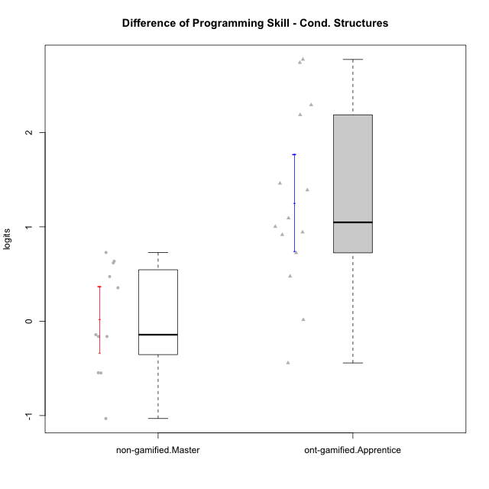

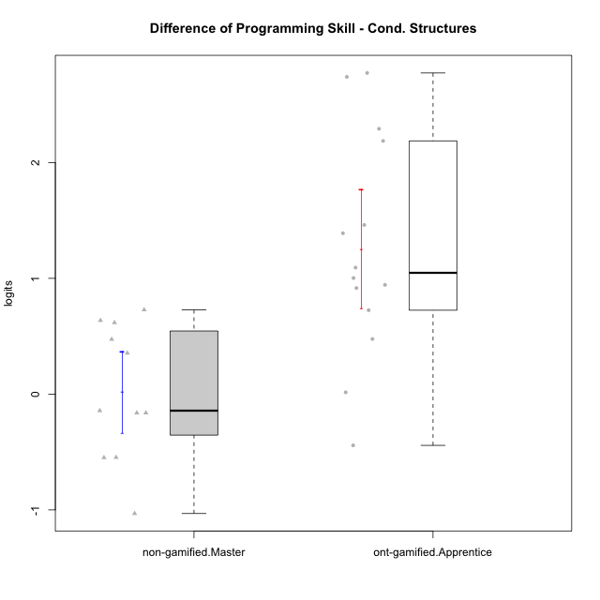

Student's t-Test data
UserID | NroUSP | Type | CLGroup | CLRole | PlayerRole | PreTheta | PostTheta | DiffTheta
10170 | 10260351 | ont-gamified | Grupo Afrodite | Apprentice | Yee Achiever | -1.7311651967 | -0.72850617835 | 1.0026590184
10176 | 10276949 | ont-gamified | Grupo Cronus | Apprentice | Yee Achiever | -1.3424457826 | -1.3269923055 | 0.015453477116
10178 | 8656201 | ont-gamified | Grupo Morfeu | Apprentice | Yee Socializer | -3.7815328182 | -1.0076860292 | 2.773846789
10179 | 10310759 | non-gamified | Grupo Team 9 | Master |  | 1.1690256934 | 1.0069648549 | -0.16206083852
10181 | 10276866 | non-gamified | Grupo Team 10 | Master |  | 0.23570684815 | -0.79575415298 | -1.0314610011
10183 | 10352030 | ont-gamified | Grupo Hélio | Apprentice | Yee Socializer | -1.9886657467 | -1.0726313388 | 0.91603440794
10186 | 10310551 | ont-gamified | Grupo Ares | Apprentice | Yee Achiever | -0.8208408909 | 1.366067168 | 2.1869080589
10190 | 10276907 | ont-gamified | Grupo Zeus | Apprentice | Yee Socializer | -1.8123222128 | -1.0874953712 | 0.72482684164
10191 | 10276981 | non-gamified | Grupo Team 6 | Master |  | 0.27932058555 | 1.0074568948 | 0.72813630921
10195 | 10351971 | ont-gamified | Grupo Urano | Apprentice | Yee Achiever | -0.48214874764 | -0.92491240188 | -0.44276365424
10196 | 10310655 | ont-gamified | Grupo Hefesto | Apprentice | Yee Achiever | -1.7332957983 | 1.0069648549 | 2.7402606532
10197 | 10276661 | ont-gamified | Grupo Gaia | Apprentice | Yee Achiever | -1.2203768267 | 0.16916081983 | 1.3895376465
10198 | 10310888 | ont-gamified | Grupo Apolo | Apprentice | Yee Socializer | -1.7236950604 | -0.78002267086 | 0.94367238953
10200 | 9795272 | ont-gamified | Grupo Hades | Apprentice | Yee Socializer | -1.6868501354 | -0.59424361177 | 1.0926065236
10209 | 10262669 | ont-gamified | Grupo Artemis | Apprentice | Yee Achiever | -0.80931744238 | 0.65162365745 | 1.4609410998
10212 | 9065750 | non-gamified | Grupo Team 4 | Master |  | -0.18004437615 | -0.34230587028 | -0.16226149413
10214 | 10277022 | non-gamified | Grupo Team 5 | Master |  | -1.1369213328 | -0.78245726689 | 0.35446406595
10216 | 10276720 | non-gamified | Grupo Team 15 | Master |  | -0.5537508566 | -0.6967490599 | -0.14299820329
10219 | 10276831 | non-gamified | Grupo Team 12 | Master |  | -0.88851744212 | -0.2713070804 | 0.61721036172
10221 | 9082496 | ont-gamified | Grupo Hermes | Apprentice | Yee Achiever | -1.930762121 | -1.4548375329 | 0.47592458812
10222 | 9436110 | non-gamified | Grupo Team 16 | Master |  | -1.4886664576 | -1.0153257319 | 0.47334072565
10226 | 10310342 | non-gamified | Grupo Team 8 | Master |  | -0.22350637062 | -0.77235715595 | -0.54885078533
10230 | 10351992 | non-gamified | Grupo Team 14 | Master |  | -1.4883306716 | -0.852178947 | 0.63615172464
10231 | 10276911 | ont-gamified | Grupo Caronte | Apprentice | Yee Achiever | -0.85474457547 | 1.4371451183 | 2.2918896938
10234 | 10310676 | non-gamified | Grupo Team 7 | Master |  | -1.6312376035 | -2.1778638414 | -0.54662623794

Type_CLRole_5
Student's t-Test for Difference of Programming Skill - Cond. Structures in Type:CLRole between non-gamified.Master:ont-gamified.Master

Student's t-Test results
Alternative hypothesis: less
Group | N | Mean | Mean.Difference | Std.deviation | Std.error | CI.lower | CI.upper | df | t.value | p.value | g | magnitude
non-gamified.Master | 11 | 0.01954951153 | -0.39306321825 | 0.58294961624 | 0.17576592261 | -0.3319823337 | 0.37108135676 | 21.821337531 | -1.1422339176 | 0.13286786717 | -0.39959573528 | small
ont-gamified.Master | 15 | 0.41261272978 | 0.39306321825 | 1.1457978781 | 0.29584373999 | -0.17907475019 | 1.0043002098 | 21.821337531 | -1.1422339176 | 0.13286786717 | -0.39959573528 | small
Alternative hypothesis: greater
Group | N | Mean | Mean.Difference | Std.deviation | Std.error | CI.lower | CI.upper | df | t.value | p.value | g | magnitude
non-gamified.Master | 11 | 0.01954951153 | -0.39306321825 | 0.58294961624 | 0.17576592261 | -0.3319823337 | 0.37108135676 | 21.821337531 | -1.1422339176 | 0.86713213283 | -0.39959573528 | small
ont-gamified.Master | 15 | 0.41261272978 | 0.39306321825 | 1.1457978781 | 0.29584373999 | -0.17907475019 | 1.0043002098 | 21.821337531 | -1.1422339176 | 0.86713213283 | -0.39959573528 | small
Alternative hypothesis: two.sided
Group | N | Mean | Mean.Difference | Std.deviation | Std.error | CI.lower | CI.upper | df | t.value | p.value | g | magnitude
non-gamified.Master | 11 | 0.01954951153 | -0.39306321825 | 0.58294961624 | 0.17576592261 | -0.3319823337 | 0.37108135676 | 21.821337531 | -1.1422339176 | 0.26573573435 | -0.39959573528 | small
ont-gamified.Master | 15 | 0.41261272978 | 0.39306321825 | 1.1457978781 | 0.29584373999 | -0.17907475019 | 1.0043002098 | 21.821337531 | -1.1422339176 | 0.26573573435 | -0.39959573528 | small

Box plots for Student's t-Test
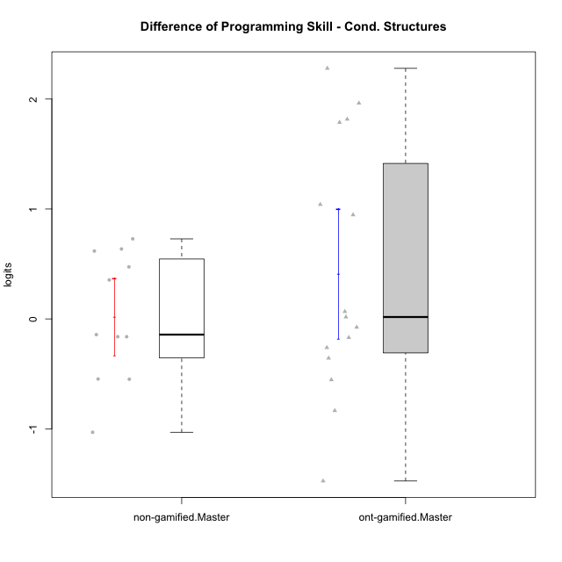

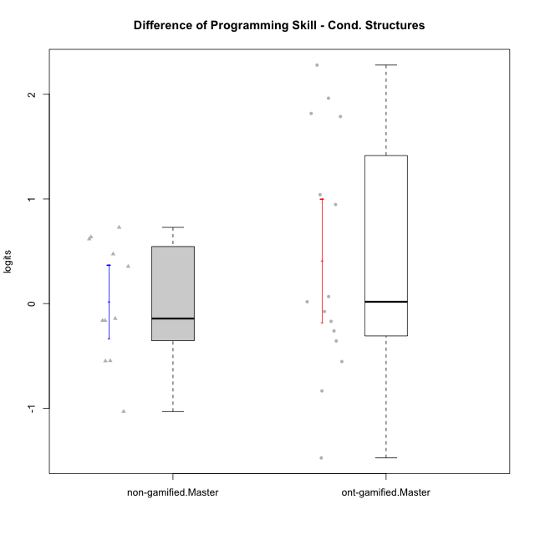

Student's t-Test data
UserID | NroUSP | Type | CLGroup | CLRole | PlayerRole | PreTheta | PostTheta | DiffTheta
10169 | 10377538 | ont-gamified | Grupo Hefesto | Master | Yee Achiever | -0.61933445579 | -1.1732692696 | -0.5539348138
10174 | 10276852 | ont-gamified | Grupo Urano | Master | Yee Achiever | -1.3903160671 | -1.5601408666 | -0.16982479944
10175 | 10310700 | ont-gamified | Grupo Hélio | Master | Yee Socializer | 1.5130276749 | 1.4371451183 | -0.075882556626
10179 | 10310759 | non-gamified | Grupo Team 9 | Master |  | 1.1690256934 | 1.0069648549 | -0.16206083852
10181 | 10276866 | non-gamified | Grupo Team 10 | Master |  | 0.23570684815 | -0.79575415298 | -1.0314610011
10184 | 10276675 | ont-gamified | Grupo Apolo | Master | Yee Socializer | -0.052228181359 | 1.7643039283 | 1.8165321097
10189 | 9363926 | ont-gamified | Grupo Hades | Master | Yee Socializer | -0.6928559275 | -0.9541360144 | -0.26128008691
10191 | 10276981 | non-gamified | Grupo Team 6 | Master |  | 0.27932058555 | 1.0074568948 | 0.72813630921
10193 | 10276762 | ont-gamified | Grupo Afrodite | Master | Yee Achiever | 0.3873356641 | 0.45416494054 | 0.066829276438
10199 | 10276737 | ont-gamified | Grupo Gaia | Master | Yee Achiever | -1.4876340554 | -1.8449813013 | -0.35734724595
10201 | 10276928 | ont-gamified | Grupo Caronte | Master | Yee Achiever | -0.80922730899 | 1.1533075958 | 1.9625349047
10204 | 10310471 | ont-gamified | Grupo Hermes | Master | Yee Achiever | 2.3718554061 | 0.89714358126 | -1.4747118248
10206 | 10310721 | ont-gamified | Grupo Hera | Master | Yee Achiever | 0.31249191183 | -0.52223669053 | -0.83472860237
10212 | 9065750 | non-gamified | Grupo Team 4 | Master |  | -0.18004437615 | -0.34230587028 | -0.16226149413
10213 | 10277040 | ont-gamified | Grupo Morfeu | Master | Yee Socializer | -1.272207593 | 1.0069648549 | 2.2791724478
10214 | 10277022 | non-gamified | Grupo Team 5 | Master |  | -1.1369213328 | -0.78245726689 | 0.35446406595
10215 | 9285227 | ont-gamified | Grupo Zeus | Master | Yee Socializer | -0.50834280834 | 0.53243270036 | 1.0407755087
10216 | 10276720 | non-gamified | Grupo Team 15 | Master |  | -0.5537508566 | -0.6967490599 | -0.14299820329
10218 | 9842913 | ont-gamified | Grupo Ares | Master | Yee Achiever | -0.66435994722 | 0.28204716574 | 0.94640711296
10219 | 10276831 | non-gamified | Grupo Team 12 | Master |  | -0.88851744212 | -0.2713070804 | 0.61721036172
10222 | 9436110 | non-gamified | Grupo Team 16 | Master |  | -1.4886664576 | -1.0153257319 | 0.47334072565
10223 | 9795185 | ont-gamified | Grupo Cronus | Master | Yee Achiever | -1.0926819474 | 0.69480351074 | 1.7874854582
10226 | 10310342 | non-gamified | Grupo Team 8 | Master |  | -0.22350637062 | -0.77235715595 | -0.54885078533
10230 | 10351992 | non-gamified | Grupo Team 14 | Master |  | -1.4883306716 | -0.852178947 | 0.63615172464
10232 | 10276974 | ont-gamified | Grupo Artemis | Master | Yee Achiever | -0.65322824497 | -0.6360641868 | 0.017164058172
10234 | 10310676 | non-gamified | Grupo Team 7 | Master |  | -1.6312376035 | -2.1778638414 | -0.54662623794

Type_CLRole_6
Student's t-Test for Difference of Programming Skill - Cond. Structures in Type:CLRole between ont-gamified.Apprentice:ont-gamified.Master

Student's t-Test results
Alternative hypothesis: less
Group | N | Mean | Mean.Difference | Std.deviation | Std.error | CI.lower | CI.upper | df | t.value | p.value | g | magnitude
ont-gamified.Apprentice | 14 | 1.2551283952 | 0.84251566545 | 0.96579137646 | 0.2581186027 | 0.73889118983 | 1.7713656006 | 26.740018982 | 2.1458927232 | 0.97944008771 | 0.77040436371 | medium
ont-gamified.Master | 15 | 0.41261272978 | -0.84251566545 | 1.1457978781 | 0.29584373999 | -0.17907475019 | 1.0043002098 | 26.740018982 | 2.1458927232 | 0.97944008771 | 0.77040436371 | medium
Alternative hypothesis: greater
Group | N | Mean | Mean.Difference | Std.deviation | Std.error | CI.lower | CI.upper | df | t.value | p.value | g | magnitude
ont-gamified.Apprentice | 14 | 1.2551283952 | 0.84251566545 | 0.96579137646 | 0.2581186027 | 0.73889118983 | 1.7713656006 | 26.740018982 | 2.1458927232 | 0.020559912291 | 0.77040436371 | medium
ont-gamified.Master | 15 | 0.41261272978 | -0.84251566545 | 1.1457978781 | 0.29584373999 | -0.17907475019 | 1.0043002098 | 26.740018982 | 2.1458927232 | 0.020559912291 | 0.77040436371 | medium
Alternative hypothesis: two.sided
Group | N | Mean | Mean.Difference | Std.deviation | Std.error | CI.lower | CI.upper | df | t.value | p.value | g | magnitude
ont-gamified.Apprentice | 14 | 1.2551283952 | 0.84251566545 | 0.96579137646 | 0.2581186027 | 0.73889118983 | 1.7713656006 | 26.740018982 | 2.1458927232 | 0.041119824581 | 0.77040436371 | medium
ont-gamified.Master | 15 | 0.41261272978 | -0.84251566545 | 1.1457978781 | 0.29584373999 | -0.17907475019 | 1.0043002098 | 26.740018982 | 2.1458927232 | 0.041119824581 | 0.77040436371 | medium

Box plots for Student's t-Test
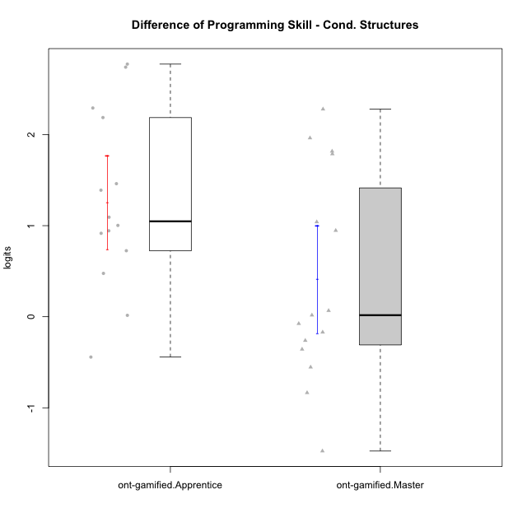

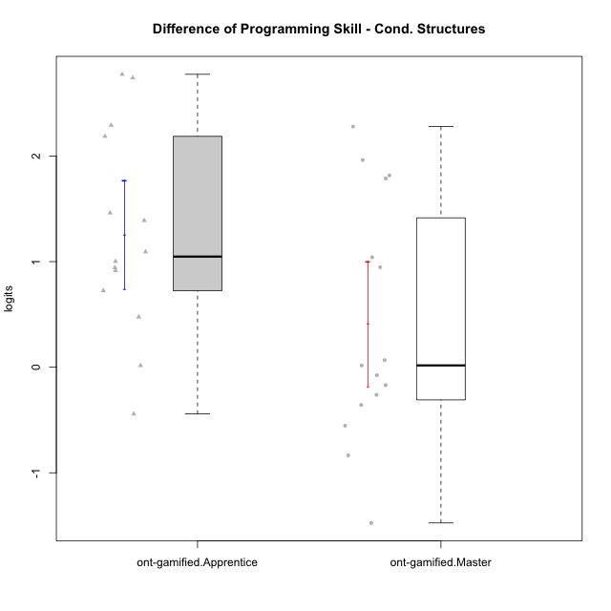

Student's t-Test data
UserID | NroUSP | Type | CLGroup | CLRole | PlayerRole | PreTheta | PostTheta | DiffTheta
10169 | 10377538 | ont-gamified | Grupo Hefesto | Master | Yee Achiever | -0.61933445579 | -1.1732692696 | -0.5539348138
10170 | 10260351 | ont-gamified | Grupo Afrodite | Apprentice | Yee Achiever | -1.7311651967 | -0.72850617835 | 1.0026590184
10174 | 10276852 | ont-gamified | Grupo Urano | Master | Yee Achiever | -1.3903160671 | -1.5601408666 | -0.16982479944
10175 | 10310700 | ont-gamified | Grupo Hélio | Master | Yee Socializer | 1.5130276749 | 1.4371451183 | -0.075882556626
10176 | 10276949 | ont-gamified | Grupo Cronus | Apprentice | Yee Achiever | -1.3424457826 | -1.3269923055 | 0.015453477116
10178 | 8656201 | ont-gamified | Grupo Morfeu | Apprentice | Yee Socializer | -3.7815328182 | -1.0076860292 | 2.773846789
10183 | 10352030 | ont-gamified | Grupo Hélio | Apprentice | Yee Socializer | -1.9886657467 | -1.0726313388 | 0.91603440794
10184 | 10276675 | ont-gamified | Grupo Apolo | Master | Yee Socializer | -0.052228181359 | 1.7643039283 | 1.8165321097
10186 | 10310551 | ont-gamified | Grupo Ares | Apprentice | Yee Achiever | -0.8208408909 | 1.366067168 | 2.1869080589
10189 | 9363926 | ont-gamified | Grupo Hades | Master | Yee Socializer | -0.6928559275 | -0.9541360144 | -0.26128008691
10190 | 10276907 | ont-gamified | Grupo Zeus | Apprentice | Yee Socializer | -1.8123222128 | -1.0874953712 | 0.72482684164
10193 | 10276762 | ont-gamified | Grupo Afrodite | Master | Yee Achiever | 0.3873356641 | 0.45416494054 | 0.066829276438
10195 | 10351971 | ont-gamified | Grupo Urano | Apprentice | Yee Achiever | -0.48214874764 | -0.92491240188 | -0.44276365424
10196 | 10310655 | ont-gamified | Grupo Hefesto | Apprentice | Yee Achiever | -1.7332957983 | 1.0069648549 | 2.7402606532
10197 | 10276661 | ont-gamified | Grupo Gaia | Apprentice | Yee Achiever | -1.2203768267 | 0.16916081983 | 1.3895376465
10198 | 10310888 | ont-gamified | Grupo Apolo | Apprentice | Yee Socializer | -1.7236950604 | -0.78002267086 | 0.94367238953
10199 | 10276737 | ont-gamified | Grupo Gaia | Master | Yee Achiever | -1.4876340554 | -1.8449813013 | -0.35734724595
10200 | 9795272 | ont-gamified | Grupo Hades | Apprentice | Yee Socializer | -1.6868501354 | -0.59424361177 | 1.0926065236
10201 | 10276928 | ont-gamified | Grupo Caronte | Master | Yee Achiever | -0.80922730899 | 1.1533075958 | 1.9625349047
10204 | 10310471 | ont-gamified | Grupo Hermes | Master | Yee Achiever | 2.3718554061 | 0.89714358126 | -1.4747118248
10206 | 10310721 | ont-gamified | Grupo Hera | Master | Yee Achiever | 0.31249191183 | -0.52223669053 | -0.83472860237
10209 | 10262669 | ont-gamified | Grupo Artemis | Apprentice | Yee Achiever | -0.80931744238 | 0.65162365745 | 1.4609410998
10213 | 10277040 | ont-gamified | Grupo Morfeu | Master | Yee Socializer | -1.272207593 | 1.0069648549 | 2.2791724478
10215 | 9285227 | ont-gamified | Grupo Zeus | Master | Yee Socializer | -0.50834280834 | 0.53243270036 | 1.0407755087
10218 | 9842913 | ont-gamified | Grupo Ares | Master | Yee Achiever | -0.66435994722 | 0.28204716574 | 0.94640711296
10221 | 9082496 | ont-gamified | Grupo Hermes | Apprentice | Yee Achiever | -1.930762121 | -1.4548375329 | 0.47592458812
10223 | 9795185 | ont-gamified | Grupo Cronus | Master | Yee Achiever | -1.0926819474 | 0.69480351074 | 1.7874854582
10231 | 10276911 | ont-gamified | Grupo Caronte | Apprentice | Yee Achiever | -0.85474457547 | 1.4371451183 | 2.2918896938
10232 | 10276974 | ont-gamified | Grupo Artemis | Master | Yee Achiever | -0.65322824497 | -0.6360641868 | 0.017164058172

