Assumptions
ANOVA assumptions for Intrinsic Motivation

Shapiro-Wilk normality test for Intrinsic Motivation
W | p.value
0.84938394027 | 7.6480254507E-06

Plots for normality test
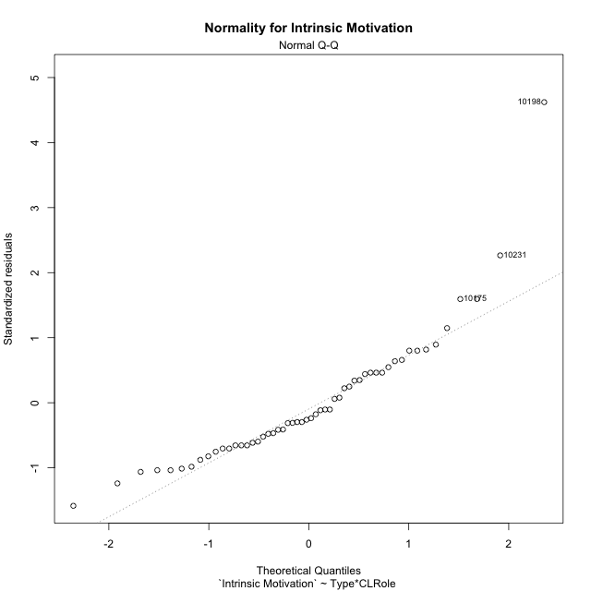

Levene's Test for Homogeneity of Variance in Intrinsic Motivation
Df | F value | Pr(>F)
3 | 0.87292273987 | 0.46141265155
50

Plots for homogeneity of variance
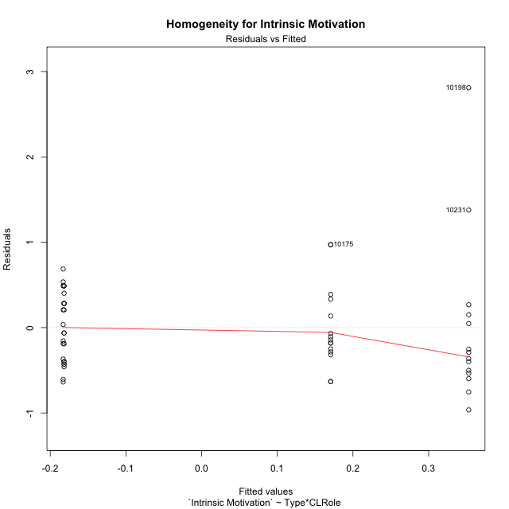

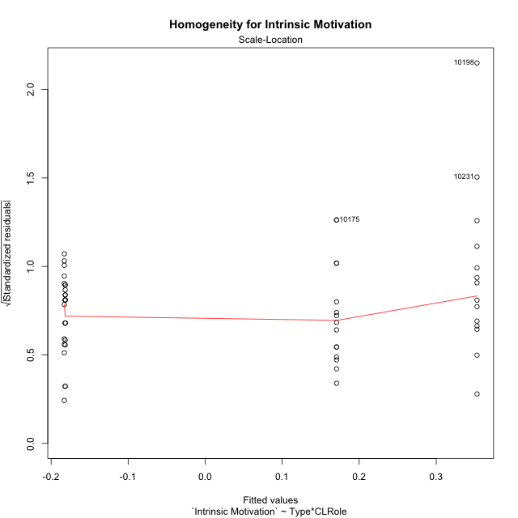

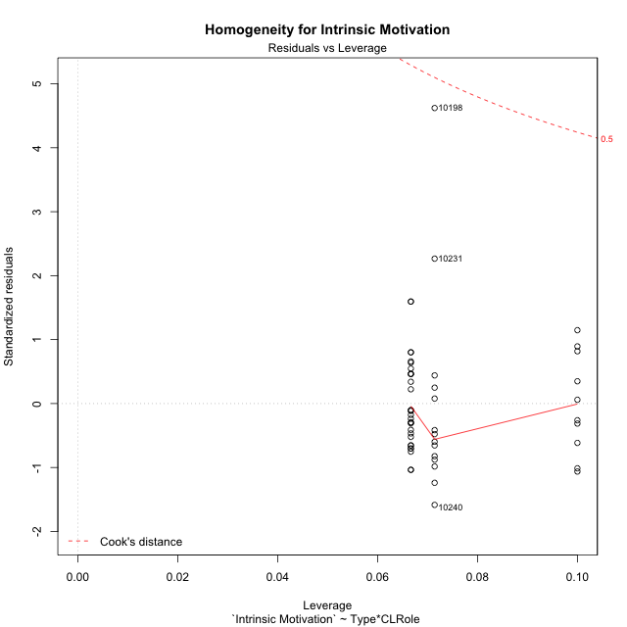

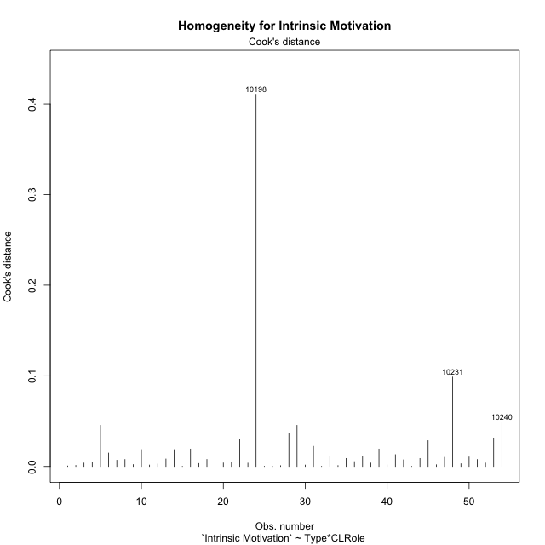

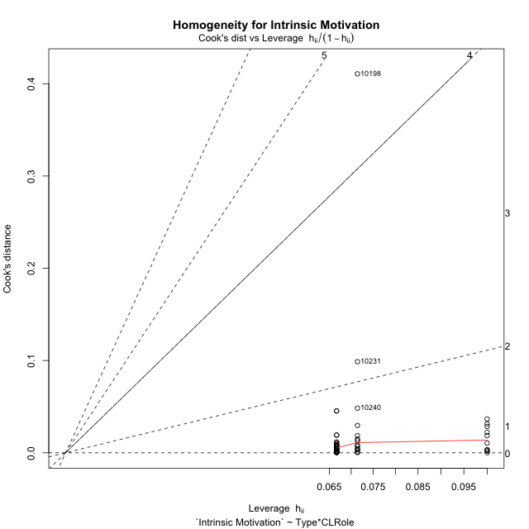

Minimum Sample Size Test for Intrinsic Motivation
Type | CLRole | Freq
non-gamified | Apprentice | 10
ont-gamified | Apprentice | 14
non-gamified | Master | 15
ont-gamified | Master | 15

Errors and Warnings in Sample Size Test for ANOVA in Intrinsic Motivation
code | description
WARN: sample.size | current.size is = 10 and recommended.size must be = 15 for the group: 'non-gamified:Apprentice'. Size sample for parametric test isn't recomended
WARN: sample.size | current.size is = 14 and recommended.size must be = 15 for the group: 'ont-gamified:Apprentice'. Size sample for parametric test isn't recomended

For the group: 'non-gamified:Apprentice', we recommend the use of non parametric test. For the group: 'ont-gamified:Apprentice', we recommend the use of non parametric test. For the group: 'non-gamified:Master', you can perform a parametric test with a non-normal distribution For the group: 'ont-gamified:Master', you can perform a parametric test with a non-normal distribution

If you don't want to remove non-normal data, you must cite the following references: ... (1) Lix, L.M., J.C. Keselman, and H.J. Keselman. 1996. Consequences of assumption violations revisited: A quantitative review of alternatives to the one-way analysis of variance F test. Rev. Educ. Res. 66: 579-619. ... (2) Harwell, M.R., E.N. Rubinstein, W.S. Hayes, and C.C. Olds. 1992. Summarizing Monte Carlo results in methodological research: the one- and two-factor fixed effects ANOVA cases. J. Educ. Stat. 17: 315-339.

Post-hoc
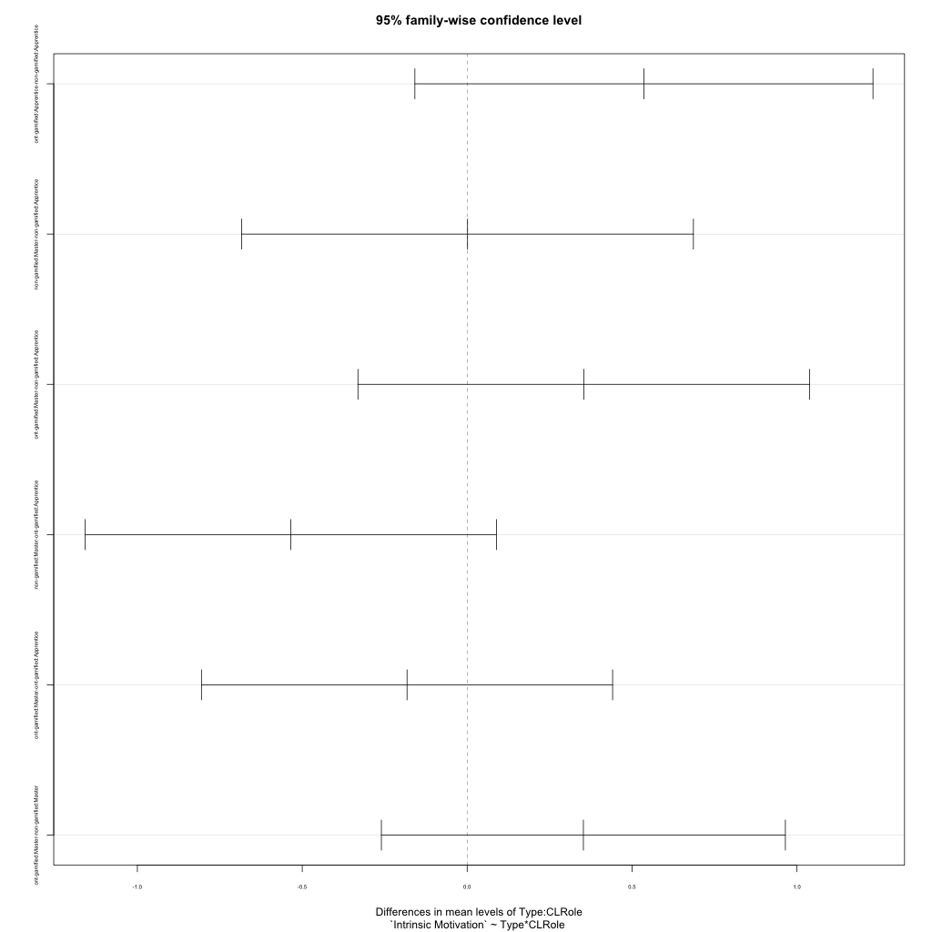
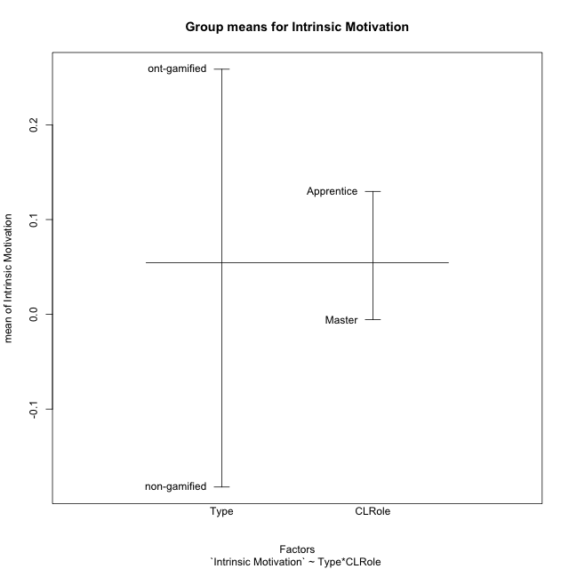
Post-hoc Tukey Honestly Significant Difference (HSD) Test for Intrinsic Motivation

Comparisons of means for Type
 | diff | lwr | upr | p adj
ont-gamified-non-gamified | 0.44086779364 | 0.094890036381 | 0.78684555091 | 0.013555427368

Comparisons of means for CLRole
 | diff | lwr | upr | p adj
Master-Apprentice | -0.098512299408 | -0.44568928993 | 0.24866469111 | 0.57127494547

Comparisons of means for Type:CLRole
 | diff | lwr | upr | p adj
ont-gamified:Apprentice-non-gamified:Apprentice | 0.53591065649 | -0.15857726604 | 1.230398579 | 0.1835856394
non-gamified:Master-non-gamified:Apprentice | 0.0011876912746 | -0.68358663507 | 0.68596201762 | 0.9999999643
ont-gamified:Master-non-gamified:Apprentice | 0.35353884354 | -0.33123548281 | 1.0383131699 | 0.52247141444
non-gamified:Master-ont-gamified:Apprentice | -0.53472296521 | -1.1580449518 | 0.088599021352 | 0.11653687552
ont-gamified:Master-ont-gamified:Apprentice | -0.18237181295 | -0.80569379951 | 0.44095017361 | 0.86423840376
ont-gamified:Master-non-gamified:Master | 0.35235115226 | -0.26012962492 | 0.96483192944 | 0.42828278784

Contrast Matrices for Intrinsic Motivation - Type
contrast | estimate | SE | df | t.ratio | p.value
non-gamified - ont-gamified | -0.44413090437 | 0.17421519399 | 50 | -2.5493235934 | 0.0139073078

Contrast Matrices for Intrinsic Motivation - Type:CLRole
contrast | CLRole | estimate | SE | df | t.ratio | p.value
non-gamified - ont-gamified | Apprentice | -0.53591065649 | 0.26132279099 | 50 | -2.0507612614 | 0.04554953808
non-gamified - ont-gamified | Master | -0.35235115226 | 0.23046503896 | 50 | -1.5288702957 | 0.1325989214

Least Squares Means and Confidence Intervals for Type
Type | lsmean | SE | df | lower.CL | upper.CL | Pairs
non-gamified | -0.18230818446 | 0.12883387339 | 50 | -0.4410786348 | 0.076462265882 | non-gamified
ont-gamified | 0.26182271992 | 0.11727219145 | 50 | 0.026274591191 | 0.49737084864 | ont-gamified

Least Squares Means and Confidence Intervals for Type:CLRole
Type | CLRole | lsmean | SE | df | lower.CL | upper.CL | Pairs
non-gamified | Apprentice | -0.1829020301 | 0.19958857842 | 50 | -0.58378748796 | 0.21798342777 | non-gamified.Apprentice
ont-gamified | Apprentice | 0.35300862639 | 0.16868313625 | 50 | 0.01419857602 | 0.69181867676 | ont-gamified.Apprentice
non-gamified | Master | -0.18171433882 | 0.16296339187 | 50 | -0.50903594451 | 0.14560726687 | non-gamified.Master
ont-gamified | Master | 0.17063681344 | 0.16296339187 | 50 | -0.15668479225 | 0.49795841913 | ont-gamified.Master

Plots

Type_1
Student's t-Test for Intrinsic Motivation in Type between non-gamified:ont-gamified

Student's t-Test results
Alternative hypothesis: less
Group | N | Mean | Mean.Difference | Std.deviation | Std.error | CI.lower | CI.upper | df | t.value | p.value | g | magnitude
non-gamified | 25 | -0.18218941533 | -0.44086779364 | 0.4016812989 | 0.08033625978 | -0.34286193489 | -0.021516895769 | 43.646341301 | -2.7076704878 | 0.0048183819708 | -0.69781308687 | medium
ont-gamified | 29 | 0.25867837831 | 0.44086779364 | 0.76266226606 | 0.14162282741 | -0.024567276506 | 0.54192403313 | 43.646341301 | -2.7076704878 | 0.0048183819708 | -0.69781308687 | medium
Alternative hypothesis: greater
Group | N | Mean | Mean.Difference | Std.deviation | Std.error | CI.lower | CI.upper | df | t.value | p.value | g | magnitude
non-gamified | 25 | -0.18218941533 | -0.44086779364 | 0.4016812989 | 0.08033625978 | -0.34286193489 | -0.021516895769 | 43.646341301 | -2.7076704878 | 0.99518161803 | -0.69781308687 | medium
ont-gamified | 29 | 0.25867837831 | 0.44086779364 | 0.76266226606 | 0.14162282741 | -0.024567276506 | 0.54192403313 | 43.646341301 | -2.7076704878 | 0.99518161803 | -0.69781308687 | medium
Alternative hypothesis: two.sided
Group | N | Mean | Mean.Difference | Std.deviation | Std.error | CI.lower | CI.upper | df | t.value | p.value | g | magnitude
non-gamified | 25 | -0.18218941533 | -0.44086779364 | 0.4016812989 | 0.08033625978 | -0.34286193489 | -0.021516895769 | 43.646341301 | -2.7076704878 | 0.0096367639415 | -0.69781308687 | medium
ont-gamified | 29 | 0.25867837831 | 0.44086779364 | 0.76266226606 | 0.14162282741 | -0.024567276506 | 0.54192403313 | 43.646341301 | -2.7076704878 | 0.0096367639415 | -0.69781308687 | medium

Box plots for Student's t-Test
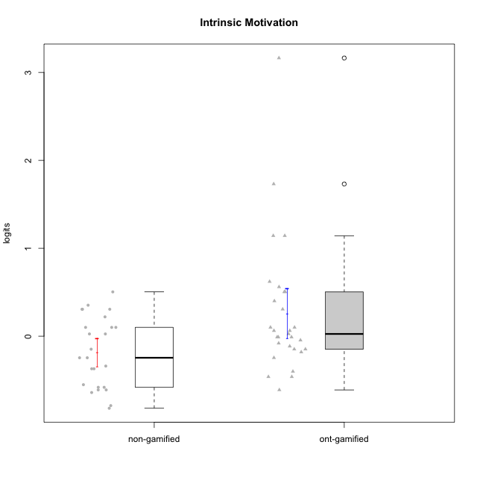

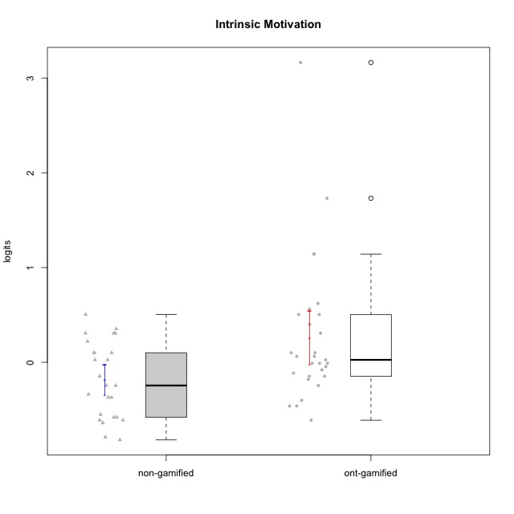

Student's t-Test data
UserID | NroUSP | Type | CLGroup | CLRole | PlayerRole | Intrinsic Motivation | error | WLE.rel
10169 | 10377538 | ont-gamified | Grupo Hefesto | Master | Yee Achiever | 0.062575762076 | 0.19483289178 | 0.84657342077
10170 | 10260351 | ont-gamified | Grupo Afrodite | Apprentice | Yee Achiever | 0.50398434264 | 0.23698953295 | 0.84657342077
10172 | 10273971 | non-gamified | Grupo Team 1 | Master |  | 0.10029283693 | 0.1973586501 | 0.84657342077
10174 | 10276852 | ont-gamified | Grupo Urano | Master | Yee Achiever | -0.14761792984 | 0.18367814161 | 0.84657342077
10175 | 10310700 | ont-gamified | Grupo Hélio | Master | Yee Socializer | 1.1427348777 | 0.36135067026 | 0.84657342077
10176 | 10276949 | ont-gamified | Grupo Cronus | Apprentice | Yee Achiever | -0.18058836809 | 0.18233694995 | 0.84657342077
10178 | 8656201 | ont-gamified | Grupo Morfeu | Apprentice | Yee Socializer | -0.010251073065 | 0.19042915599 | 0.84657342077
10179 | 10310759 | non-gamified | Grupo Team 9 | Master |  | -0.58114393945 | 0.17365652812 | 0.84657342077
10181 | 10276866 | non-gamified | Grupo Team 10 | Master |  | 0.025757254694 | 0.19253075637 | 0.84657342077
10183 | 10352030 | ont-gamified | Grupo Hélio | Apprentice | Yee Socializer | -0.24522198827 | 0.18000064936 | 0.84657342077
10184 | 10276675 | ont-gamified | Grupo Apolo | Master | Yee Socializer | -0.010251073065 | 0.19042915599 | 0.84657342077
10185 | 10276960 | non-gamified | Grupo Team 12 | Apprentice |  | -0.37033284907 | 0.17652795255 | 0.84657342077
10186 | 10310551 | ont-gamified | Grupo Ares | Apprentice | Yee Achiever | -0.045527180262 | 0.18850863524 | 0.84657342077
10187 | 9790781 | non-gamified | Grupo Team 15 | Apprentice |  | 0.30650451635 | 0.21448699414 | 0.84657342077
10188 | 10276995 | non-gamified | Grupo Team 3 | Master |  | -0.24522198827 | 0.18000064936 | 0.84657342077
10189 | 9363926 | ont-gamified | Grupo Hades | Master | Yee Socializer | -0.46155569747 | 0.17483240116 | 0.84657342077
10190 | 10276907 | ont-gamified | Grupo Zeus | Apprentice | Yee Socializer | 0.10029283693 | 0.1973586501 | 0.84657342077
10191 | 10276981 | non-gamified | Grupo Team 6 | Master |  | 0.21992563971 | 0.20657385625 | 0.84657342077
10192 | 10276682 | non-gamified | Grupo Team 5 | Apprentice |  | 0.025757254694 | 0.19253075637 | 0.84657342077
10193 | 10276762 | ont-gamified | Grupo Afrodite | Master | Yee Achiever | -0.11415196535 | 0.18514645818 | 0.84657342077
10195 | 10351971 | ont-gamified | Grupo Urano | Apprentice | Yee Achiever | 0.062575762076 | 0.19483289178 | 0.84657342077
10196 | 10310655 | ont-gamified | Grupo Hefesto | Apprentice | Yee Achiever | -0.40093977182 | 0.17588163875 | 0.84657342077
10197 | 10276661 | ont-gamified | Grupo Gaia | Apprentice | Yee Achiever | 0.62094401627 | 0.25356875849 | 0.84657342077
10198 | 10310888 | ont-gamified | Grupo Apolo | Apprentice | Yee Socializer | 3.1637983458 | 1.321868107 | 0.84657342077
10199 | 10276737 | ont-gamified | Grupo Gaia | Master | Yee Achiever | 0.10029283693 | 0.1973586501 | 0.84657342077
10200 | 9795272 | ont-gamified | Grupo Hades | Apprentice | Yee Socializer | 0.40039274476 | 0.22437195971 | 0.84657342077
10201 | 10276928 | ont-gamified | Grupo Caronte | Master | Yee Achiever | 0.30650451635 | 0.21448699414 | 0.84657342077
10203 | 9921470 | non-gamified | Grupo Team 3 | Apprentice |  | 0.50398434264 | 0.23698953295 | 0.84657342077
10204 | 10310471 | ont-gamified | Grupo Hermes | Master | Yee Achiever | 1.1427348777 | 0.36135067026 | 0.84657342077
10206 | 10310721 | ont-gamified | Grupo Hera | Master | Yee Achiever | -0.010251073065 | 0.19042915599 | 0.84657342077
10208 | 10276932 | non-gamified | Grupo Team 7 | Apprentice |  | 0.35240735039 | 0.21914334589 | 0.84657342077
10211 | 9311643 | non-gamified | Grupo Team 2 | Master |  | -0.24522198827 | 0.18000064936 | 0.84657342077
10212 | 9065750 | non-gamified | Grupo Team 4 | Master |  | 0.30650451635 | 0.21448699414 | 0.84657342077
10213 | 10277040 | ont-gamified | Grupo Morfeu | Master | Yee Socializer | 0.025757254694 | 0.19253075637 | 0.84657342077
10214 | 10277022 | non-gamified | Grupo Team 5 | Master |  | -0.61084794698 | 0.17354910238 | 0.84657342077
10215 | 9285227 | ont-gamified | Grupo Zeus | Master | Yee Socializer | 0.50398434264 | 0.23698953295 | 0.84657342077
10216 | 10276720 | non-gamified | Grupo Team 15 | Master |  | 0.30650451635 | 0.21448699414 | 0.84657342077
10217 | 9805341 | non-gamified | Grupo Team 13 | Master |  | 0.10029283693 | 0.1973586501 | 0.84657342077
10218 | 9842913 | ont-gamified | Grupo Ares | Master | Yee Achiever | -0.46155569747 | 0.17483240116 | 0.84657342077
10219 | 10276831 | non-gamified | Grupo Team 12 | Master |  | -0.37033284907 | 0.17652795255 | 0.84657342077
10221 | 9082496 | ont-gamified | Grupo Hermes | Apprentice | Yee Achiever | -0.14761792984 | 0.18367814161 | 0.84657342077
10223 | 9795185 | ont-gamified | Grupo Cronus | Master | Yee Achiever | 0.56049139385 | 0.24467952769 | 0.84657342077
10224 | 9368772 | non-gamified | Grupo Team 10 | Apprentice |  | -0.14761792984 | 0.18367814161 | 0.84657342077
10226 | 10310342 | non-gamified | Grupo Team 8 | Master |  | -0.61084794698 | 0.17354910238 | 0.84657342077
10227 | 9274382 | non-gamified | Grupo Team 4 | Apprentice |  | -0.78939523748 | 0.1744878586 | 0.84657342077
10228 | 10310492 | non-gamified | Grupo Team 14 | Apprentice |  | -0.33948860047 | 0.17725913479 | 0.84657342077
10230 | 10351992 | non-gamified | Grupo Team 14 | Master |  | -0.64052492173 | 0.1735158596 | 0.84657342077
10231 | 10276911 | ont-gamified | Grupo Caronte | Apprentice | Yee Achiever | 1.7311269793 | 0.55175748029 | 0.84657342077
10232 | 10276974 | ont-gamified | Grupo Artemis | Master | Yee Achiever | -0.080140223961 | 0.1867525134 | 0.84657342077
10233 | 9805320 | non-gamified | Grupo Team 16 | Apprentice |  | -0.55138787992 | 0.17383808597 | 0.84657342077
10234 | 10310676 | non-gamified | Grupo Team 7 | Master |  | -0.58114393945 | 0.17365652812 | 0.84657342077
10237 | 10377688 | non-gamified | Grupo Team 11 | Master |  | 0.10029283693 | 0.1973586501 | 0.84657342077
10238 | 10276953 | non-gamified | Grupo Team 13 | Apprentice |  | -0.81945126824 | 0.17491976425 | 0.84657342077
10240 | 10276654 | ont-gamified | Grupo Hera | Apprentice | Yee Achiever | -0.61084794698 | 0.17354910238 | 0.84657342077

Type_CLRole_1
Student's t-Test for Intrinsic Motivation in Type:CLRole between non-gamified.Apprentice:non-gamified.Master

Student's t-Test results
Alternative hypothesis: less
Group | N | Mean | Mean.Difference | Std.deviation | Std.error | CI.lower | CI.upper | df | t.value | p.value | g | magnitude
non-gamified.Apprentice | 10 | -0.1829020301 | -0.0011876912746 | 0.47271460559 | 0.14948548369 | -0.48187299748 | 0.11606893729 | 15.942745165 | -0.0067230289488 | 0.49735962389 | -0.0027991231419 | negligible
non-gamified.Master | 15 | -0.18171433882 | 0.0011876912746 | 0.36461412407 | 0.09414296202 | -0.37000026286 | 0.0065715852202 | 15.942745165 | -0.0067230289488 | 0.49735962389 | -0.0027991231419 | negligible
Alternative hypothesis: greater
Group | N | Mean | Mean.Difference | Std.deviation | Std.error | CI.lower | CI.upper | df | t.value | p.value | g | magnitude
non-gamified.Apprentice | 10 | -0.1829020301 | -0.0011876912746 | 0.47271460559 | 0.14948548369 | -0.48187299748 | 0.11606893729 | 15.942745165 | -0.0067230289488 | 0.50264037611 | -0.0027991231419 | negligible
non-gamified.Master | 15 | -0.18171433882 | 0.0011876912746 | 0.36461412407 | 0.09414296202 | -0.37000026286 | 0.0065715852202 | 15.942745165 | -0.0067230289488 | 0.50264037611 | -0.0027991231419 | negligible
Alternative hypothesis: two.sided
Group | N | Mean | Mean.Difference | Std.deviation | Std.error | CI.lower | CI.upper | df | t.value | p.value | g | magnitude
non-gamified.Apprentice | 10 | -0.1829020301 | -0.0011876912746 | 0.47271460559 | 0.14948548369 | -0.48187299748 | 0.11606893729 | 15.942745165 | -0.0067230289488 | 0.99471924779 | -0.0027991231419 | negligible
non-gamified.Master | 15 | -0.18171433882 | 0.0011876912746 | 0.36461412407 | 0.09414296202 | -0.37000026286 | 0.0065715852202 | 15.942745165 | -0.0067230289488 | 0.99471924779 | -0.0027991231419 | negligible

Box plots for Student's t-Test
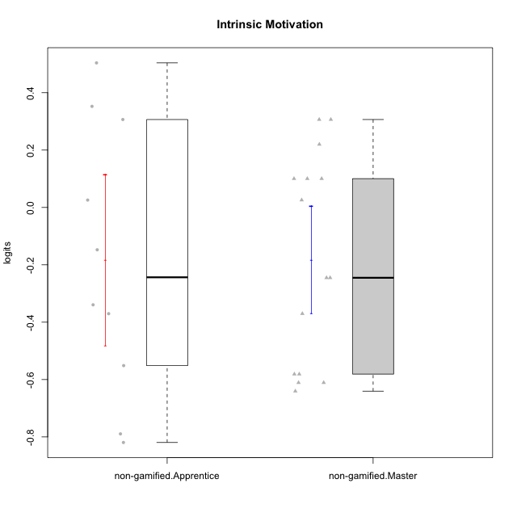

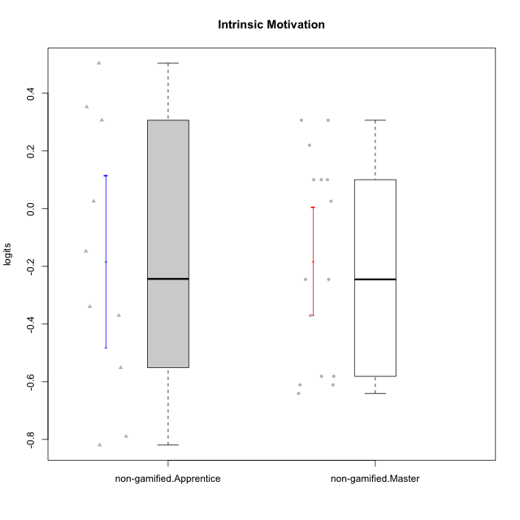

Student's t-Test data
UserID | NroUSP | Type | CLGroup | CLRole | PlayerRole | Intrinsic Motivation | error | WLE.rel
10172 | 10273971 | non-gamified | Grupo Team 1 | Master |  | 0.10029283693 | 0.1973586501 | 0.84657342077
10179 | 10310759 | non-gamified | Grupo Team 9 | Master |  | -0.58114393945 | 0.17365652812 | 0.84657342077
10181 | 10276866 | non-gamified | Grupo Team 10 | Master |  | 0.025757254694 | 0.19253075637 | 0.84657342077
10185 | 10276960 | non-gamified | Grupo Team 12 | Apprentice |  | -0.37033284907 | 0.17652795255 | 0.84657342077
10187 | 9790781 | non-gamified | Grupo Team 15 | Apprentice |  | 0.30650451635 | 0.21448699414 | 0.84657342077
10188 | 10276995 | non-gamified | Grupo Team 3 | Master |  | -0.24522198827 | 0.18000064936 | 0.84657342077
10191 | 10276981 | non-gamified | Grupo Team 6 | Master |  | 0.21992563971 | 0.20657385625 | 0.84657342077
10192 | 10276682 | non-gamified | Grupo Team 5 | Apprentice |  | 0.025757254694 | 0.19253075637 | 0.84657342077
10203 | 9921470 | non-gamified | Grupo Team 3 | Apprentice |  | 0.50398434264 | 0.23698953295 | 0.84657342077
10208 | 10276932 | non-gamified | Grupo Team 7 | Apprentice |  | 0.35240735039 | 0.21914334589 | 0.84657342077
10211 | 9311643 | non-gamified | Grupo Team 2 | Master |  | -0.24522198827 | 0.18000064936 | 0.84657342077
10212 | 9065750 | non-gamified | Grupo Team 4 | Master |  | 0.30650451635 | 0.21448699414 | 0.84657342077
10214 | 10277022 | non-gamified | Grupo Team 5 | Master |  | -0.61084794698 | 0.17354910238 | 0.84657342077
10216 | 10276720 | non-gamified | Grupo Team 15 | Master |  | 0.30650451635 | 0.21448699414 | 0.84657342077
10217 | 9805341 | non-gamified | Grupo Team 13 | Master |  | 0.10029283693 | 0.1973586501 | 0.84657342077
10219 | 10276831 | non-gamified | Grupo Team 12 | Master |  | -0.37033284907 | 0.17652795255 | 0.84657342077
10224 | 9368772 | non-gamified | Grupo Team 10 | Apprentice |  | -0.14761792984 | 0.18367814161 | 0.84657342077
10226 | 10310342 | non-gamified | Grupo Team 8 | Master |  | -0.61084794698 | 0.17354910238 | 0.84657342077
10227 | 9274382 | non-gamified | Grupo Team 4 | Apprentice |  | -0.78939523748 | 0.1744878586 | 0.84657342077
10228 | 10310492 | non-gamified | Grupo Team 14 | Apprentice |  | -0.33948860047 | 0.17725913479 | 0.84657342077
10230 | 10351992 | non-gamified | Grupo Team 14 | Master |  | -0.64052492173 | 0.1735158596 | 0.84657342077
10233 | 9805320 | non-gamified | Grupo Team 16 | Apprentice |  | -0.55138787992 | 0.17383808597 | 0.84657342077
10234 | 10310676 | non-gamified | Grupo Team 7 | Master |  | -0.58114393945 | 0.17365652812 | 0.84657342077
10237 | 10377688 | non-gamified | Grupo Team 11 | Master |  | 0.10029283693 | 0.1973586501 | 0.84657342077
10238 | 10276953 | non-gamified | Grupo Team 13 | Apprentice |  | -0.81945126824 | 0.17491976425 | 0.84657342077

Type_CLRole_2
Student's t-Test for Intrinsic Motivation in Type:CLRole between non-gamified.Apprentice:ont-gamified.Apprentice

Student's t-Test results
Alternative hypothesis: less
Group | N | Mean | Mean.Difference | Std.deviation | Std.error | CI.lower | CI.upper | df | t.value | p.value | g | magnitude
non-gamified.Apprentice | 10 | -0.1829020301 | -0.53591065649 | 0.47271460559 | 0.14948548369 | -0.48187299748 | 0.11606893729 | 19.726533699 | -1.7642535239 | 0.046585006605 | -0.63219821686 | medium
ont-gamified.Apprentice | 14 | 0.35300862639 | 0.53591065649 | 0.98941600897 | 0.26443255133 | -0.17585647626 | 0.88187372904 | 19.726533699 | -1.7642535239 | 0.046585006605 | -0.63219821686 | medium
Alternative hypothesis: greater
Group | N | Mean | Mean.Difference | Std.deviation | Std.error | CI.lower | CI.upper | df | t.value | p.value | g | magnitude
non-gamified.Apprentice | 10 | -0.1829020301 | -0.53591065649 | 0.47271460559 | 0.14948548369 | -0.48187299748 | 0.11606893729 | 19.726533699 | -1.7642535239 | 0.95341499339 | -0.63219821686 | medium
ont-gamified.Apprentice | 14 | 0.35300862639 | 0.53591065649 | 0.98941600897 | 0.26443255133 | -0.17585647626 | 0.88187372904 | 19.726533699 | -1.7642535239 | 0.95341499339 | -0.63219821686 | medium
Alternative hypothesis: two.sided
Group | N | Mean | Mean.Difference | Std.deviation | Std.error | CI.lower | CI.upper | df | t.value | p.value | g | magnitude
non-gamified.Apprentice | 10 | -0.1829020301 | -0.53591065649 | 0.47271460559 | 0.14948548369 | -0.48187299748 | 0.11606893729 | 19.726533699 | -1.7642535239 | 0.09317001321 | -0.63219821686 | medium
ont-gamified.Apprentice | 14 | 0.35300862639 | 0.53591065649 | 0.98941600897 | 0.26443255133 | -0.17585647626 | 0.88187372904 | 19.726533699 | -1.7642535239 | 0.09317001321 | -0.63219821686 | medium

Box plots for Student's t-Test
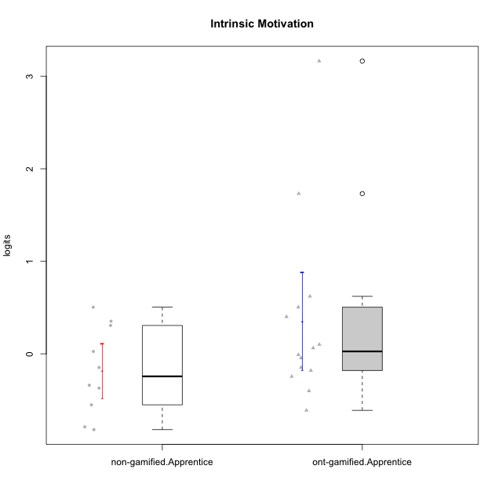

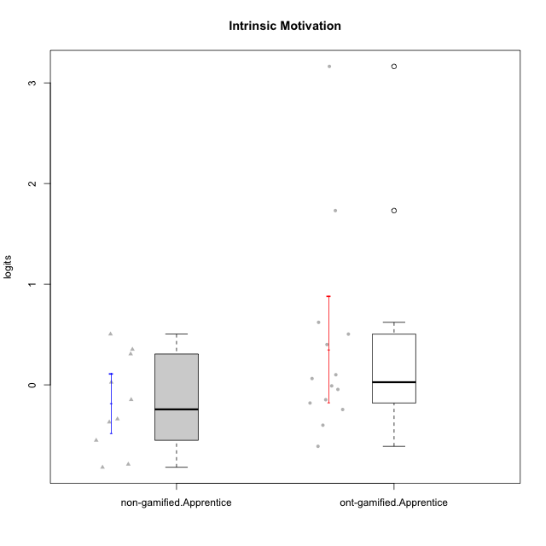

Student's t-Test data
UserID | NroUSP | Type | CLGroup | CLRole | PlayerRole | Intrinsic Motivation | error | WLE.rel
10170 | 10260351 | ont-gamified | Grupo Afrodite | Apprentice | Yee Achiever | 0.50398434264 | 0.23698953295 | 0.84657342077
10176 | 10276949 | ont-gamified | Grupo Cronus | Apprentice | Yee Achiever | -0.18058836809 | 0.18233694995 | 0.84657342077
10178 | 8656201 | ont-gamified | Grupo Morfeu | Apprentice | Yee Socializer | -0.010251073065 | 0.19042915599 | 0.84657342077
10183 | 10352030 | ont-gamified | Grupo Hélio | Apprentice | Yee Socializer | -0.24522198827 | 0.18000064936 | 0.84657342077
10185 | 10276960 | non-gamified | Grupo Team 12 | Apprentice |  | -0.37033284907 | 0.17652795255 | 0.84657342077
10186 | 10310551 | ont-gamified | Grupo Ares | Apprentice | Yee Achiever | -0.045527180262 | 0.18850863524 | 0.84657342077
10187 | 9790781 | non-gamified | Grupo Team 15 | Apprentice |  | 0.30650451635 | 0.21448699414 | 0.84657342077
10190 | 10276907 | ont-gamified | Grupo Zeus | Apprentice | Yee Socializer | 0.10029283693 | 0.1973586501 | 0.84657342077
10192 | 10276682 | non-gamified | Grupo Team 5 | Apprentice |  | 0.025757254694 | 0.19253075637 | 0.84657342077
10195 | 10351971 | ont-gamified | Grupo Urano | Apprentice | Yee Achiever | 0.062575762076 | 0.19483289178 | 0.84657342077
10196 | 10310655 | ont-gamified | Grupo Hefesto | Apprentice | Yee Achiever | -0.40093977182 | 0.17588163875 | 0.84657342077
10197 | 10276661 | ont-gamified | Grupo Gaia | Apprentice | Yee Achiever | 0.62094401627 | 0.25356875849 | 0.84657342077
10198 | 10310888 | ont-gamified | Grupo Apolo | Apprentice | Yee Socializer | 3.1637983458 | 1.321868107 | 0.84657342077
10200 | 9795272 | ont-gamified | Grupo Hades | Apprentice | Yee Socializer | 0.40039274476 | 0.22437195971 | 0.84657342077
10203 | 9921470 | non-gamified | Grupo Team 3 | Apprentice |  | 0.50398434264 | 0.23698953295 | 0.84657342077
10208 | 10276932 | non-gamified | Grupo Team 7 | Apprentice |  | 0.35240735039 | 0.21914334589 | 0.84657342077
10221 | 9082496 | ont-gamified | Grupo Hermes | Apprentice | Yee Achiever | -0.14761792984 | 0.18367814161 | 0.84657342077
10224 | 9368772 | non-gamified | Grupo Team 10 | Apprentice |  | -0.14761792984 | 0.18367814161 | 0.84657342077
10227 | 9274382 | non-gamified | Grupo Team 4 | Apprentice |  | -0.78939523748 | 0.1744878586 | 0.84657342077
10228 | 10310492 | non-gamified | Grupo Team 14 | Apprentice |  | -0.33948860047 | 0.17725913479 | 0.84657342077
10231 | 10276911 | ont-gamified | Grupo Caronte | Apprentice | Yee Achiever | 1.7311269793 | 0.55175748029 | 0.84657342077
10233 | 9805320 | non-gamified | Grupo Team 16 | Apprentice |  | -0.55138787992 | 0.17383808597 | 0.84657342077
10238 | 10276953 | non-gamified | Grupo Team 13 | Apprentice |  | -0.81945126824 | 0.17491976425 | 0.84657342077
10240 | 10276654 | ont-gamified | Grupo Hera | Apprentice | Yee Achiever | -0.61084794698 | 0.17354910238 | 0.84657342077

Type_CLRole_3
Student's t-Test for Intrinsic Motivation in Type:CLRole between non-gamified.Apprentice:ont-gamified.Master

Student's t-Test results
Alternative hypothesis: less
Group | N | Mean | Mean.Difference | Std.deviation | Std.error | CI.lower | CI.upper | df | t.value | p.value | g | magnitude
non-gamified.Apprentice | 10 | -0.1829020301 | -0.35353884354 | 0.47271460559 | 0.14948548369 | -0.48187299748 | 0.11606893729 | 19.850180034 | -1.8100099427 | 0.042730678942 | -0.71017555427 | medium
ont-gamified.Master | 15 | 0.17063681344 | 0.35353884354 | 0.48691356643 | 0.12572054225 | -0.080804271067 | 0.42207789795 | 19.850180034 | -1.8100099427 | 0.042730678942 | -0.71017555427 | medium
Alternative hypothesis: greater
Group | N | Mean | Mean.Difference | Std.deviation | Std.error | CI.lower | CI.upper | df | t.value | p.value | g | magnitude
non-gamified.Apprentice | 10 | -0.1829020301 | -0.35353884354 | 0.47271460559 | 0.14948548369 | -0.48187299748 | 0.11606893729 | 19.850180034 | -1.8100099427 | 0.95726932106 | -0.71017555427 | medium
ont-gamified.Master | 15 | 0.17063681344 | 0.35353884354 | 0.48691356643 | 0.12572054225 | -0.080804271067 | 0.42207789795 | 19.850180034 | -1.8100099427 | 0.95726932106 | -0.71017555427 | medium
Alternative hypothesis: two.sided
Group | N | Mean | Mean.Difference | Std.deviation | Std.error | CI.lower | CI.upper | df | t.value | p.value | g | magnitude
non-gamified.Apprentice | 10 | -0.1829020301 | -0.35353884354 | 0.47271460559 | 0.14948548369 | -0.48187299748 | 0.11606893729 | 19.850180034 | -1.8100099427 | 0.085461357883 | -0.71017555427 | medium
ont-gamified.Master | 15 | 0.17063681344 | 0.35353884354 | 0.48691356643 | 0.12572054225 | -0.080804271067 | 0.42207789795 | 19.850180034 | -1.8100099427 | 0.085461357883 | -0.71017555427 | medium

Box plots for Student's t-Test
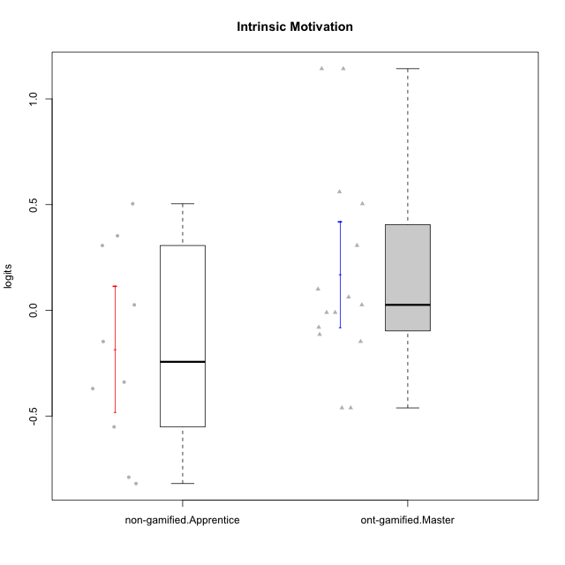

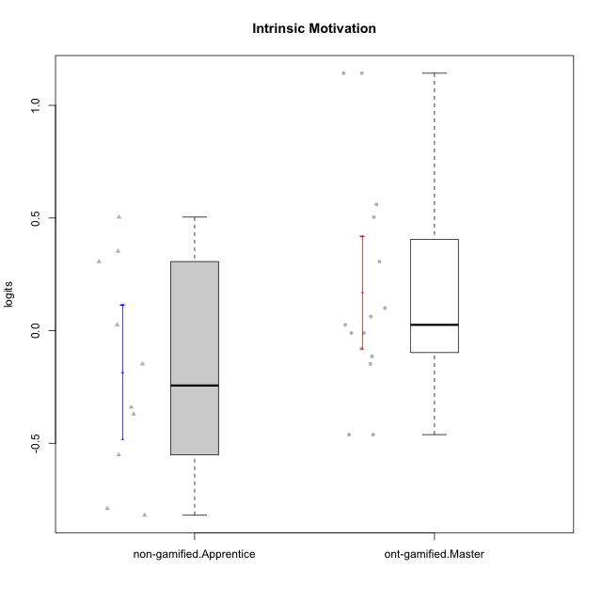

Student's t-Test data
UserID | NroUSP | Type | CLGroup | CLRole | PlayerRole | Intrinsic Motivation | error | WLE.rel
10169 | 10377538 | ont-gamified | Grupo Hefesto | Master | Yee Achiever | 0.062575762076 | 0.19483289178 | 0.84657342077
10174 | 10276852 | ont-gamified | Grupo Urano | Master | Yee Achiever | -0.14761792984 | 0.18367814161 | 0.84657342077
10175 | 10310700 | ont-gamified | Grupo Hélio | Master | Yee Socializer | 1.1427348777 | 0.36135067026 | 0.84657342077
10184 | 10276675 | ont-gamified | Grupo Apolo | Master | Yee Socializer | -0.010251073065 | 0.19042915599 | 0.84657342077
10185 | 10276960 | non-gamified | Grupo Team 12 | Apprentice |  | -0.37033284907 | 0.17652795255 | 0.84657342077
10187 | 9790781 | non-gamified | Grupo Team 15 | Apprentice |  | 0.30650451635 | 0.21448699414 | 0.84657342077
10189 | 9363926 | ont-gamified | Grupo Hades | Master | Yee Socializer | -0.46155569747 | 0.17483240116 | 0.84657342077
10192 | 10276682 | non-gamified | Grupo Team 5 | Apprentice |  | 0.025757254694 | 0.19253075637 | 0.84657342077
10193 | 10276762 | ont-gamified | Grupo Afrodite | Master | Yee Achiever | -0.11415196535 | 0.18514645818 | 0.84657342077
10199 | 10276737 | ont-gamified | Grupo Gaia | Master | Yee Achiever | 0.10029283693 | 0.1973586501 | 0.84657342077
10201 | 10276928 | ont-gamified | Grupo Caronte | Master | Yee Achiever | 0.30650451635 | 0.21448699414 | 0.84657342077
10203 | 9921470 | non-gamified | Grupo Team 3 | Apprentice |  | 0.50398434264 | 0.23698953295 | 0.84657342077
10204 | 10310471 | ont-gamified | Grupo Hermes | Master | Yee Achiever | 1.1427348777 | 0.36135067026 | 0.84657342077
10206 | 10310721 | ont-gamified | Grupo Hera | Master | Yee Achiever | -0.010251073065 | 0.19042915599 | 0.84657342077
10208 | 10276932 | non-gamified | Grupo Team 7 | Apprentice |  | 0.35240735039 | 0.21914334589 | 0.84657342077
10213 | 10277040 | ont-gamified | Grupo Morfeu | Master | Yee Socializer | 0.025757254694 | 0.19253075637 | 0.84657342077
10215 | 9285227 | ont-gamified | Grupo Zeus | Master | Yee Socializer | 0.50398434264 | 0.23698953295 | 0.84657342077
10218 | 9842913 | ont-gamified | Grupo Ares | Master | Yee Achiever | -0.46155569747 | 0.17483240116 | 0.84657342077
10223 | 9795185 | ont-gamified | Grupo Cronus | Master | Yee Achiever | 0.56049139385 | 0.24467952769 | 0.84657342077
10224 | 9368772 | non-gamified | Grupo Team 10 | Apprentice |  | -0.14761792984 | 0.18367814161 | 0.84657342077
10227 | 9274382 | non-gamified | Grupo Team 4 | Apprentice |  | -0.78939523748 | 0.1744878586 | 0.84657342077
10228 | 10310492 | non-gamified | Grupo Team 14 | Apprentice |  | -0.33948860047 | 0.17725913479 | 0.84657342077
10232 | 10276974 | ont-gamified | Grupo Artemis | Master | Yee Achiever | -0.080140223961 | 0.1867525134 | 0.84657342077
10233 | 9805320 | non-gamified | Grupo Team 16 | Apprentice |  | -0.55138787992 | 0.17383808597 | 0.84657342077
10238 | 10276953 | non-gamified | Grupo Team 13 | Apprentice |  | -0.81945126824 | 0.17491976425 | 0.84657342077

Type_CLRole_4
Student's t-Test for Intrinsic Motivation in Type:CLRole between non-gamified.Master:ont-gamified.Apprentice

Student's t-Test results
Alternative hypothesis: less
Group | N | Mean | Mean.Difference | Std.deviation | Std.error | CI.lower | CI.upper | df | t.value | p.value | g | magnitude
non-gamified.Master | 15 | -0.18171433882 | -0.53472296521 | 0.36461412407 | 0.09414296202 | -0.37000026286 | 0.0065715852202 | 16.261743783 | -1.9050231385 | 0.037308837308 | -0.70708256625 | medium
ont-gamified.Apprentice | 14 | 0.35300862639 | 0.53472296521 | 0.98941600897 | 0.26443255133 | -0.17585647626 | 0.88187372904 | 16.261743783 | -1.9050231385 | 0.037308837308 | -0.70708256625 | medium
Alternative hypothesis: greater
Group | N | Mean | Mean.Difference | Std.deviation | Std.error | CI.lower | CI.upper | df | t.value | p.value | g | magnitude
non-gamified.Master | 15 | -0.18171433882 | -0.53472296521 | 0.36461412407 | 0.09414296202 | -0.37000026286 | 0.0065715852202 | 16.261743783 | -1.9050231385 | 0.96269116269 | -0.70708256625 | medium
ont-gamified.Apprentice | 14 | 0.35300862639 | 0.53472296521 | 0.98941600897 | 0.26443255133 | -0.17585647626 | 0.88187372904 | 16.261743783 | -1.9050231385 | 0.96269116269 | -0.70708256625 | medium
Alternative hypothesis: two.sided
Group | N | Mean | Mean.Difference | Std.deviation | Std.error | CI.lower | CI.upper | df | t.value | p.value | g | magnitude
non-gamified.Master | 15 | -0.18171433882 | -0.53472296521 | 0.36461412407 | 0.09414296202 | -0.37000026286 | 0.0065715852202 | 16.261743783 | -1.9050231385 | 0.074617674616 | -0.70708256625 | medium
ont-gamified.Apprentice | 14 | 0.35300862639 | 0.53472296521 | 0.98941600897 | 0.26443255133 | -0.17585647626 | 0.88187372904 | 16.261743783 | -1.9050231385 | 0.074617674616 | -0.70708256625 | medium

Box plots for Student's t-Test
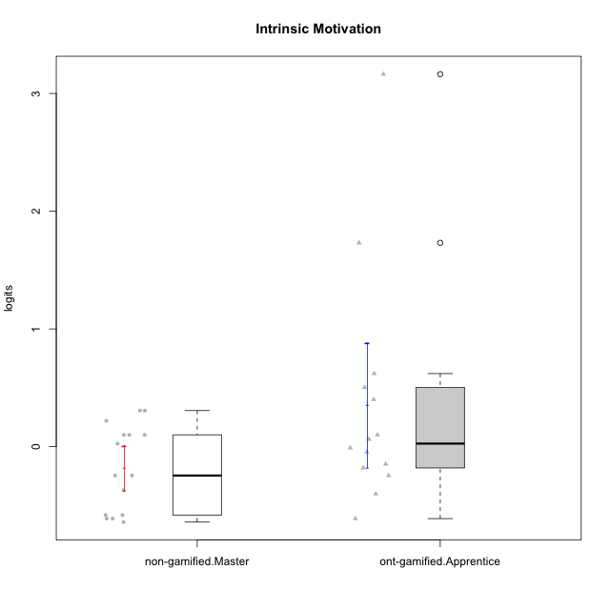

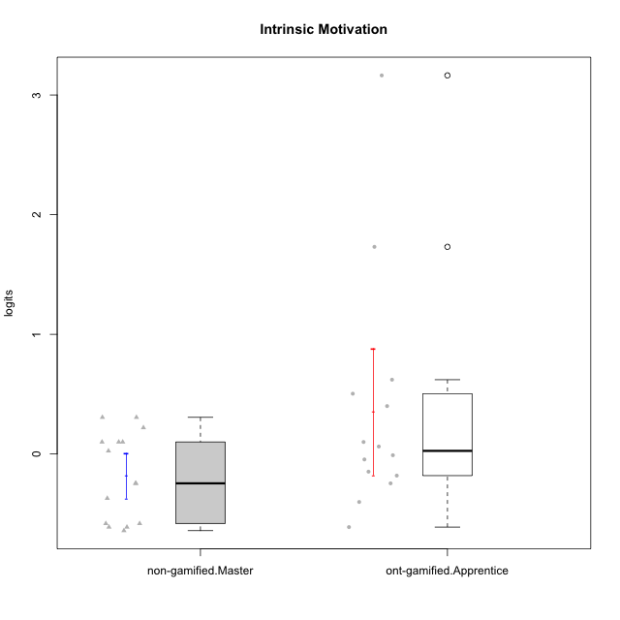

Student's t-Test data
UserID | NroUSP | Type | CLGroup | CLRole | PlayerRole | Intrinsic Motivation | error | WLE.rel
10170 | 10260351 | ont-gamified | Grupo Afrodite | Apprentice | Yee Achiever | 0.50398434264 | 0.23698953295 | 0.84657342077
10172 | 10273971 | non-gamified | Grupo Team 1 | Master |  | 0.10029283693 | 0.1973586501 | 0.84657342077
10176 | 10276949 | ont-gamified | Grupo Cronus | Apprentice | Yee Achiever | -0.18058836809 | 0.18233694995 | 0.84657342077
10178 | 8656201 | ont-gamified | Grupo Morfeu | Apprentice | Yee Socializer | -0.010251073065 | 0.19042915599 | 0.84657342077
10179 | 10310759 | non-gamified | Grupo Team 9 | Master |  | -0.58114393945 | 0.17365652812 | 0.84657342077
10181 | 10276866 | non-gamified | Grupo Team 10 | Master |  | 0.025757254694 | 0.19253075637 | 0.84657342077
10183 | 10352030 | ont-gamified | Grupo Hélio | Apprentice | Yee Socializer | -0.24522198827 | 0.18000064936 | 0.84657342077
10186 | 10310551 | ont-gamified | Grupo Ares | Apprentice | Yee Achiever | -0.045527180262 | 0.18850863524 | 0.84657342077
10188 | 10276995 | non-gamified | Grupo Team 3 | Master |  | -0.24522198827 | 0.18000064936 | 0.84657342077
10190 | 10276907 | ont-gamified | Grupo Zeus | Apprentice | Yee Socializer | 0.10029283693 | 0.1973586501 | 0.84657342077
10191 | 10276981 | non-gamified | Grupo Team 6 | Master |  | 0.21992563971 | 0.20657385625 | 0.84657342077
10195 | 10351971 | ont-gamified | Grupo Urano | Apprentice | Yee Achiever | 0.062575762076 | 0.19483289178 | 0.84657342077
10196 | 10310655 | ont-gamified | Grupo Hefesto | Apprentice | Yee Achiever | -0.40093977182 | 0.17588163875 | 0.84657342077
10197 | 10276661 | ont-gamified | Grupo Gaia | Apprentice | Yee Achiever | 0.62094401627 | 0.25356875849 | 0.84657342077
10198 | 10310888 | ont-gamified | Grupo Apolo | Apprentice | Yee Socializer | 3.1637983458 | 1.321868107 | 0.84657342077
10200 | 9795272 | ont-gamified | Grupo Hades | Apprentice | Yee Socializer | 0.40039274476 | 0.22437195971 | 0.84657342077
10211 | 9311643 | non-gamified | Grupo Team 2 | Master |  | -0.24522198827 | 0.18000064936 | 0.84657342077
10212 | 9065750 | non-gamified | Grupo Team 4 | Master |  | 0.30650451635 | 0.21448699414 | 0.84657342077
10214 | 10277022 | non-gamified | Grupo Team 5 | Master |  | -0.61084794698 | 0.17354910238 | 0.84657342077
10216 | 10276720 | non-gamified | Grupo Team 15 | Master |  | 0.30650451635 | 0.21448699414 | 0.84657342077
10217 | 9805341 | non-gamified | Grupo Team 13 | Master |  | 0.10029283693 | 0.1973586501 | 0.84657342077
10219 | 10276831 | non-gamified | Grupo Team 12 | Master |  | -0.37033284907 | 0.17652795255 | 0.84657342077
10221 | 9082496 | ont-gamified | Grupo Hermes | Apprentice | Yee Achiever | -0.14761792984 | 0.18367814161 | 0.84657342077
10226 | 10310342 | non-gamified | Grupo Team 8 | Master |  | -0.61084794698 | 0.17354910238 | 0.84657342077
10230 | 10351992 | non-gamified | Grupo Team 14 | Master |  | -0.64052492173 | 0.1735158596 | 0.84657342077
10231 | 10276911 | ont-gamified | Grupo Caronte | Apprentice | Yee Achiever | 1.7311269793 | 0.55175748029 | 0.84657342077
10234 | 10310676 | non-gamified | Grupo Team 7 | Master |  | -0.58114393945 | 0.17365652812 | 0.84657342077
10237 | 10377688 | non-gamified | Grupo Team 11 | Master |  | 0.10029283693 | 0.1973586501 | 0.84657342077
10240 | 10276654 | ont-gamified | Grupo Hera | Apprentice | Yee Achiever | -0.61084794698 | 0.17354910238 | 0.84657342077

Type_CLRole_5
Student's t-Test for Intrinsic Motivation in Type:CLRole between non-gamified.Master:ont-gamified.Master

Student's t-Test results
Alternative hypothesis: less
Group | N | Mean | Mean.Difference | Std.deviation | Std.error | CI.lower | CI.upper | df | t.value | p.value | g | magnitude
non-gamified.Master | 15 | -0.18171433882 | -0.35235115226 | 0.36461412407 | 0.09414296202 | -0.37000026286 | 0.0065715852202 | 25.944918809 | -2.2433852842 | 0.016815647395 | -0.79702879481 | medium
ont-gamified.Master | 15 | 0.17063681344 | 0.35235115226 | 0.48691356643 | 0.12572054225 | -0.080804271067 | 0.42207789795 | 25.944918809 | -2.2433852842 | 0.016815647395 | -0.79702879481 | medium
Alternative hypothesis: greater
Group | N | Mean | Mean.Difference | Std.deviation | Std.error | CI.lower | CI.upper | df | t.value | p.value | g | magnitude
non-gamified.Master | 15 | -0.18171433882 | -0.35235115226 | 0.36461412407 | 0.09414296202 | -0.37000026286 | 0.0065715852202 | 25.944918809 | -2.2433852842 | 0.9831843526 | -0.79702879481 | medium
ont-gamified.Master | 15 | 0.17063681344 | 0.35235115226 | 0.48691356643 | 0.12572054225 | -0.080804271067 | 0.42207789795 | 25.944918809 | -2.2433852842 | 0.9831843526 | -0.79702879481 | medium
Alternative hypothesis: two.sided
Group | N | Mean | Mean.Difference | Std.deviation | Std.error | CI.lower | CI.upper | df | t.value | p.value | g | magnitude
non-gamified.Master | 15 | -0.18171433882 | -0.35235115226 | 0.36461412407 | 0.09414296202 | -0.37000026286 | 0.0065715852202 | 25.944918809 | -2.2433852842 | 0.033631294791 | -0.79702879481 | medium
ont-gamified.Master | 15 | 0.17063681344 | 0.35235115226 | 0.48691356643 | 0.12572054225 | -0.080804271067 | 0.42207789795 | 25.944918809 | -2.2433852842 | 0.033631294791 | -0.79702879481 | medium

Box plots for Student's t-Test
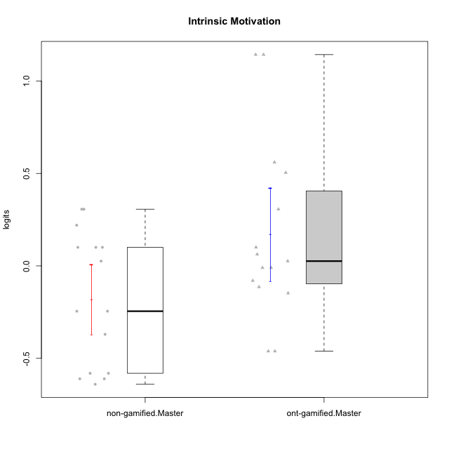

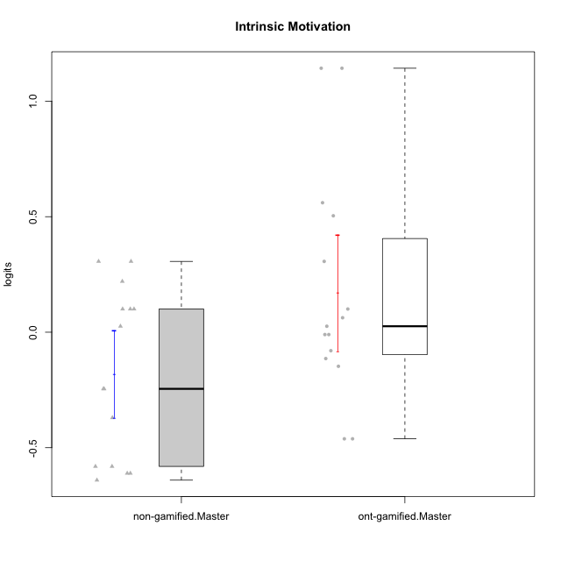

Student's t-Test data
UserID | NroUSP | Type | CLGroup | CLRole | PlayerRole | Intrinsic Motivation | error | WLE.rel
10169 | 10377538 | ont-gamified | Grupo Hefesto | Master | Yee Achiever | 0.062575762076 | 0.19483289178 | 0.84657342077
10172 | 10273971 | non-gamified | Grupo Team 1 | Master |  | 0.10029283693 | 0.1973586501 | 0.84657342077
10174 | 10276852 | ont-gamified | Grupo Urano | Master | Yee Achiever | -0.14761792984 | 0.18367814161 | 0.84657342077
10175 | 10310700 | ont-gamified | Grupo Hélio | Master | Yee Socializer | 1.1427348777 | 0.36135067026 | 0.84657342077
10179 | 10310759 | non-gamified | Grupo Team 9 | Master |  | -0.58114393945 | 0.17365652812 | 0.84657342077
10181 | 10276866 | non-gamified | Grupo Team 10 | Master |  | 0.025757254694 | 0.19253075637 | 0.84657342077
10184 | 10276675 | ont-gamified | Grupo Apolo | Master | Yee Socializer | -0.010251073065 | 0.19042915599 | 0.84657342077
10188 | 10276995 | non-gamified | Grupo Team 3 | Master |  | -0.24522198827 | 0.18000064936 | 0.84657342077
10189 | 9363926 | ont-gamified | Grupo Hades | Master | Yee Socializer | -0.46155569747 | 0.17483240116 | 0.84657342077
10191 | 10276981 | non-gamified | Grupo Team 6 | Master |  | 0.21992563971 | 0.20657385625 | 0.84657342077
10193 | 10276762 | ont-gamified | Grupo Afrodite | Master | Yee Achiever | -0.11415196535 | 0.18514645818 | 0.84657342077
10199 | 10276737 | ont-gamified | Grupo Gaia | Master | Yee Achiever | 0.10029283693 | 0.1973586501 | 0.84657342077
10201 | 10276928 | ont-gamified | Grupo Caronte | Master | Yee Achiever | 0.30650451635 | 0.21448699414 | 0.84657342077
10204 | 10310471 | ont-gamified | Grupo Hermes | Master | Yee Achiever | 1.1427348777 | 0.36135067026 | 0.84657342077
10206 | 10310721 | ont-gamified | Grupo Hera | Master | Yee Achiever | -0.010251073065 | 0.19042915599 | 0.84657342077
10211 | 9311643 | non-gamified | Grupo Team 2 | Master |  | -0.24522198827 | 0.18000064936 | 0.84657342077
10212 | 9065750 | non-gamified | Grupo Team 4 | Master |  | 0.30650451635 | 0.21448699414 | 0.84657342077
10213 | 10277040 | ont-gamified | Grupo Morfeu | Master | Yee Socializer | 0.025757254694 | 0.19253075637 | 0.84657342077
10214 | 10277022 | non-gamified | Grupo Team 5 | Master |  | -0.61084794698 | 0.17354910238 | 0.84657342077
10215 | 9285227 | ont-gamified | Grupo Zeus | Master | Yee Socializer | 0.50398434264 | 0.23698953295 | 0.84657342077
10216 | 10276720 | non-gamified | Grupo Team 15 | Master |  | 0.30650451635 | 0.21448699414 | 0.84657342077
10217 | 9805341 | non-gamified | Grupo Team 13 | Master |  | 0.10029283693 | 0.1973586501 | 0.84657342077
10218 | 9842913 | ont-gamified | Grupo Ares | Master | Yee Achiever | -0.46155569747 | 0.17483240116 | 0.84657342077
10219 | 10276831 | non-gamified | Grupo Team 12 | Master |  | -0.37033284907 | 0.17652795255 | 0.84657342077
10223 | 9795185 | ont-gamified | Grupo Cronus | Master | Yee Achiever | 0.56049139385 | 0.24467952769 | 0.84657342077
10226 | 10310342 | non-gamified | Grupo Team 8 | Master |  | -0.61084794698 | 0.17354910238 | 0.84657342077
10230 | 10351992 | non-gamified | Grupo Team 14 | Master |  | -0.64052492173 | 0.1735158596 | 0.84657342077
10232 | 10276974 | ont-gamified | Grupo Artemis | Master | Yee Achiever | -0.080140223961 | 0.1867525134 | 0.84657342077
10234 | 10310676 | non-gamified | Grupo Team 7 | Master |  | -0.58114393945 | 0.17365652812 | 0.84657342077
10237 | 10377688 | non-gamified | Grupo Team 11 | Master |  | 0.10029283693 | 0.1973586501 | 0.84657342077

Type_CLRole_6
Student's t-Test for Intrinsic Motivation in Type:CLRole between ont-gamified.Apprentice:ont-gamified.Master

Student's t-Test results
Alternative hypothesis: less
Group | N | Mean | Mean.Difference | Std.deviation | Std.error | CI.lower | CI.upper | df | t.value | p.value | g | magnitude
ont-gamified.Apprentice | 14 | 0.35300862639 | 0.18237181295 | 0.98941600897 | 0.26443255133 | -0.17585647626 | 0.88187372904 | 18.6561006 | 0.62286040479 | 0.7295419594 | 0.22993923016 | small
ont-gamified.Master | 15 | 0.17063681344 | -0.18237181295 | 0.48691356643 | 0.12572054225 | -0.080804271067 | 0.42207789795 | 18.6561006 | 0.62286040479 | 0.7295419594 | 0.22993923016 | small
Alternative hypothesis: greater
Group | N | Mean | Mean.Difference | Std.deviation | Std.error | CI.lower | CI.upper | df | t.value | p.value | g | magnitude
ont-gamified.Apprentice | 14 | 0.35300862639 | 0.18237181295 | 0.98941600897 | 0.26443255133 | -0.17585647626 | 0.88187372904 | 18.6561006 | 0.62286040479 | 0.2704580406 | 0.22993923016 | small
ont-gamified.Master | 15 | 0.17063681344 | -0.18237181295 | 0.48691356643 | 0.12572054225 | -0.080804271067 | 0.42207789795 | 18.6561006 | 0.62286040479 | 0.2704580406 | 0.22993923016 | small
Alternative hypothesis: two.sided
Group | N | Mean | Mean.Difference | Std.deviation | Std.error | CI.lower | CI.upper | df | t.value | p.value | g | magnitude
ont-gamified.Apprentice | 14 | 0.35300862639 | 0.18237181295 | 0.98941600897 | 0.26443255133 | -0.17585647626 | 0.88187372904 | 18.6561006 | 0.62286040479 | 0.54091608119 | 0.22993923016 | small
ont-gamified.Master | 15 | 0.17063681344 | -0.18237181295 | 0.48691356643 | 0.12572054225 | -0.080804271067 | 0.42207789795 | 18.6561006 | 0.62286040479 | 0.54091608119 | 0.22993923016 | small

Box plots for Student's t-Test
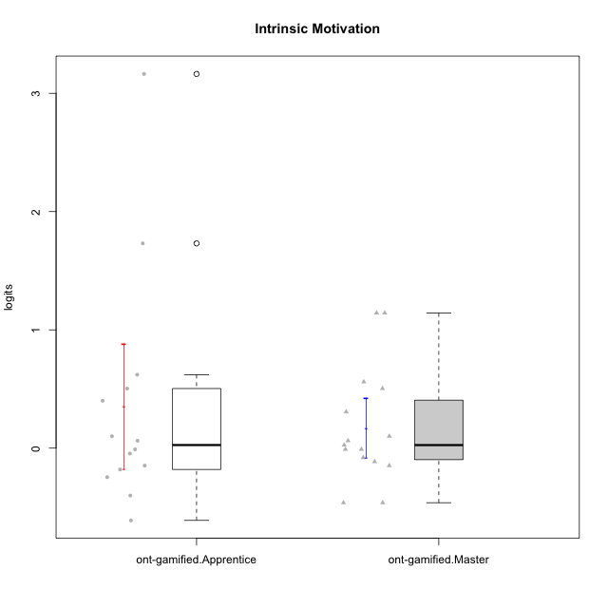

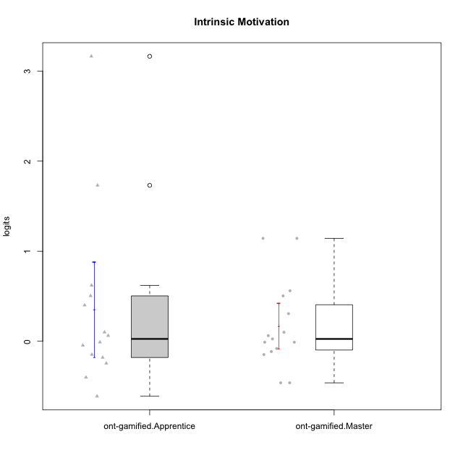

Student's t-Test data
UserID | NroUSP | Type | CLGroup | CLRole | PlayerRole | Intrinsic Motivation | error | WLE.rel
10169 | 10377538 | ont-gamified | Grupo Hefesto | Master | Yee Achiever | 0.062575762076 | 0.19483289178 | 0.84657342077
10170 | 10260351 | ont-gamified | Grupo Afrodite | Apprentice | Yee Achiever | 0.50398434264 | 0.23698953295 | 0.84657342077
10174 | 10276852 | ont-gamified | Grupo Urano | Master | Yee Achiever | -0.14761792984 | 0.18367814161 | 0.84657342077
10175 | 10310700 | ont-gamified | Grupo Hélio | Master | Yee Socializer | 1.1427348777 | 0.36135067026 | 0.84657342077
10176 | 10276949 | ont-gamified | Grupo Cronus | Apprentice | Yee Achiever | -0.18058836809 | 0.18233694995 | 0.84657342077
10178 | 8656201 | ont-gamified | Grupo Morfeu | Apprentice | Yee Socializer | -0.010251073065 | 0.19042915599 | 0.84657342077
10183 | 10352030 | ont-gamified | Grupo Hélio | Apprentice | Yee Socializer | -0.24522198827 | 0.18000064936 | 0.84657342077
10184 | 10276675 | ont-gamified | Grupo Apolo | Master | Yee Socializer | -0.010251073065 | 0.19042915599 | 0.84657342077
10186 | 10310551 | ont-gamified | Grupo Ares | Apprentice | Yee Achiever | -0.045527180262 | 0.18850863524 | 0.84657342077
10189 | 9363926 | ont-gamified | Grupo Hades | Master | Yee Socializer | -0.46155569747 | 0.17483240116 | 0.84657342077
10190 | 10276907 | ont-gamified | Grupo Zeus | Apprentice | Yee Socializer | 0.10029283693 | 0.1973586501 | 0.84657342077
10193 | 10276762 | ont-gamified | Grupo Afrodite | Master | Yee Achiever | -0.11415196535 | 0.18514645818 | 0.84657342077
10195 | 10351971 | ont-gamified | Grupo Urano | Apprentice | Yee Achiever | 0.062575762076 | 0.19483289178 | 0.84657342077
10196 | 10310655 | ont-gamified | Grupo Hefesto | Apprentice | Yee Achiever | -0.40093977182 | 0.17588163875 | 0.84657342077
10197 | 10276661 | ont-gamified | Grupo Gaia | Apprentice | Yee Achiever | 0.62094401627 | 0.25356875849 | 0.84657342077
10198 | 10310888 | ont-gamified | Grupo Apolo | Apprentice | Yee Socializer | 3.1637983458 | 1.321868107 | 0.84657342077
10199 | 10276737 | ont-gamified | Grupo Gaia | Master | Yee Achiever | 0.10029283693 | 0.1973586501 | 0.84657342077
10200 | 9795272 | ont-gamified | Grupo Hades | Apprentice | Yee Socializer | 0.40039274476 | 0.22437195971 | 0.84657342077
10201 | 10276928 | ont-gamified | Grupo Caronte | Master | Yee Achiever | 0.30650451635 | 0.21448699414 | 0.84657342077
10204 | 10310471 | ont-gamified | Grupo Hermes | Master | Yee Achiever | 1.1427348777 | 0.36135067026 | 0.84657342077
10206 | 10310721 | ont-gamified | Grupo Hera | Master | Yee Achiever | -0.010251073065 | 0.19042915599 | 0.84657342077
10213 | 10277040 | ont-gamified | Grupo Morfeu | Master | Yee Socializer | 0.025757254694 | 0.19253075637 | 0.84657342077
10215 | 9285227 | ont-gamified | Grupo Zeus | Master | Yee Socializer | 0.50398434264 | 0.23698953295 | 0.84657342077
10218 | 9842913 | ont-gamified | Grupo Ares | Master | Yee Achiever | -0.46155569747 | 0.17483240116 | 0.84657342077
10221 | 9082496 | ont-gamified | Grupo Hermes | Apprentice | Yee Achiever | -0.14761792984 | 0.18367814161 | 0.84657342077
10223 | 9795185 | ont-gamified | Grupo Cronus | Master | Yee Achiever | 0.56049139385 | 0.24467952769 | 0.84657342077
10231 | 10276911 | ont-gamified | Grupo Caronte | Apprentice | Yee Achiever | 1.7311269793 | 0.55175748029 | 0.84657342077
10232 | 10276974 | ont-gamified | Grupo Artemis | Master | Yee Achiever | -0.080140223961 | 0.1867525134 | 0.84657342077
10240 | 10276654 | ont-gamified | Grupo Hera | Apprentice | Yee Achiever | -0.61084794698 | 0.17354910238 | 0.84657342077

