Assumptions
ANOVA assumptions for Perceived Choice

Shapiro-Wilk normality test for Perceived Choice
W | p.value
0.92143429793 | 0.0012153565132

Plots for normality test
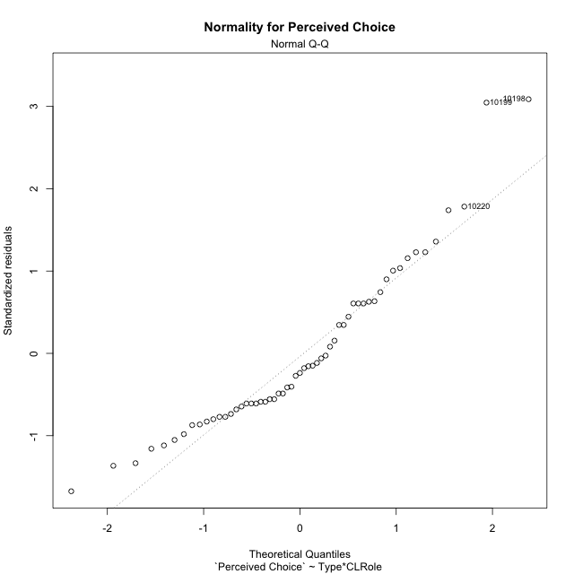

Levene's Test for Homogeneity of Variance in Perceived Choice
Df | F value | Pr(>F)
3 | 0.31617502639 | 0.8136080211
53

Plots for homogeneity of variance
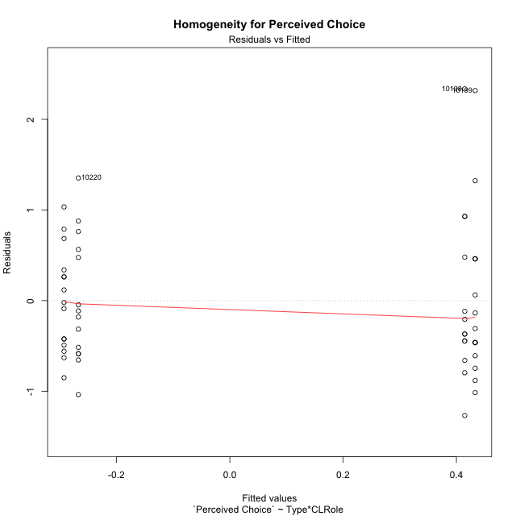

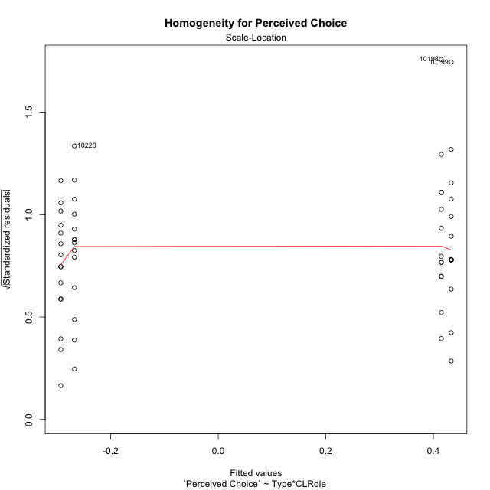

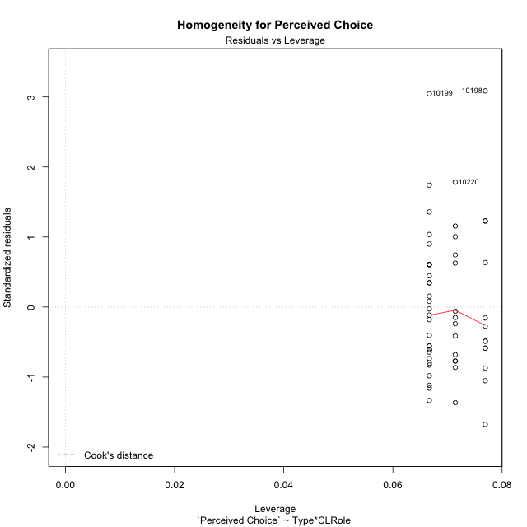

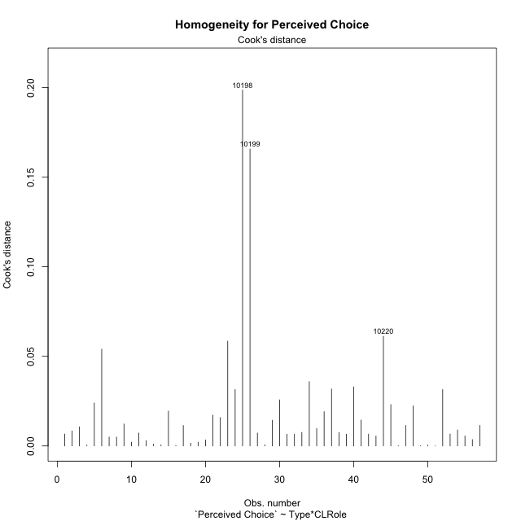

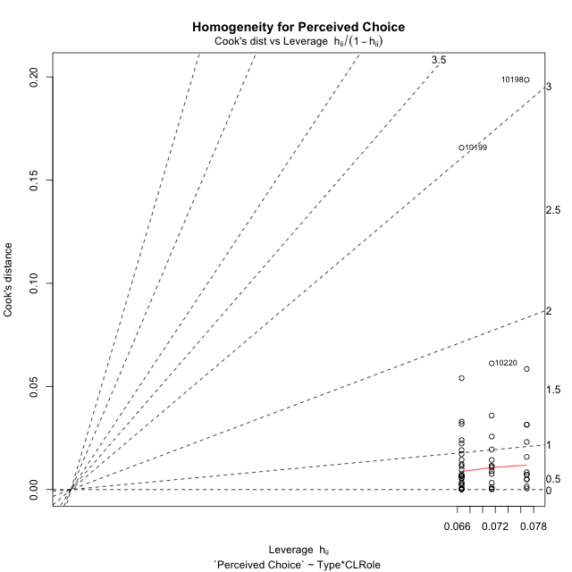

Minimum Sample Size Test for Perceived Choice
Type | CLRole | Freq
non-gamified | Apprentice | 14
ont-gamified | Apprentice | 13
non-gamified | Master | 15
ont-gamified | Master | 15

Errors and Warnings in Sample Size Test for ANOVA in Perceived Choice
code | description
WARN: sample.size | current.size is = 14 and recommended.size must be = 15 for the group: 'non-gamified:Apprentice'. Size sample for parametric test isn't recomended
WARN: sample.size | current.size is = 13 and recommended.size must be = 15 for the group: 'ont-gamified:Apprentice'. Size sample for parametric test isn't recomended

For the group: 'non-gamified:Apprentice', we recommend the use of non parametric test. For the group: 'ont-gamified:Apprentice', we recommend the use of non parametric test. For the group: 'non-gamified:Master', you can perform a parametric test with a non-normal distribution For the group: 'ont-gamified:Master', you can perform a parametric test with a non-normal distribution

If you don't want to remove non-normal data, you must cite the following references: ... (1) Lix, L.M., J.C. Keselman, and H.J. Keselman. 1996. Consequences of assumption violations revisited: A quantitative review of alternatives to the one-way analysis of variance F test. Rev. Educ. Res. 66: 579-619. ... (2) Harwell, M.R., E.N. Rubinstein, W.S. Hayes, and C.C. Olds. 1992. Summarizing Monte Carlo results in methodological research: the one- and two-factor fixed effects ANOVA cases. J. Educ. Stat. 17: 315-339.

Post-hoc
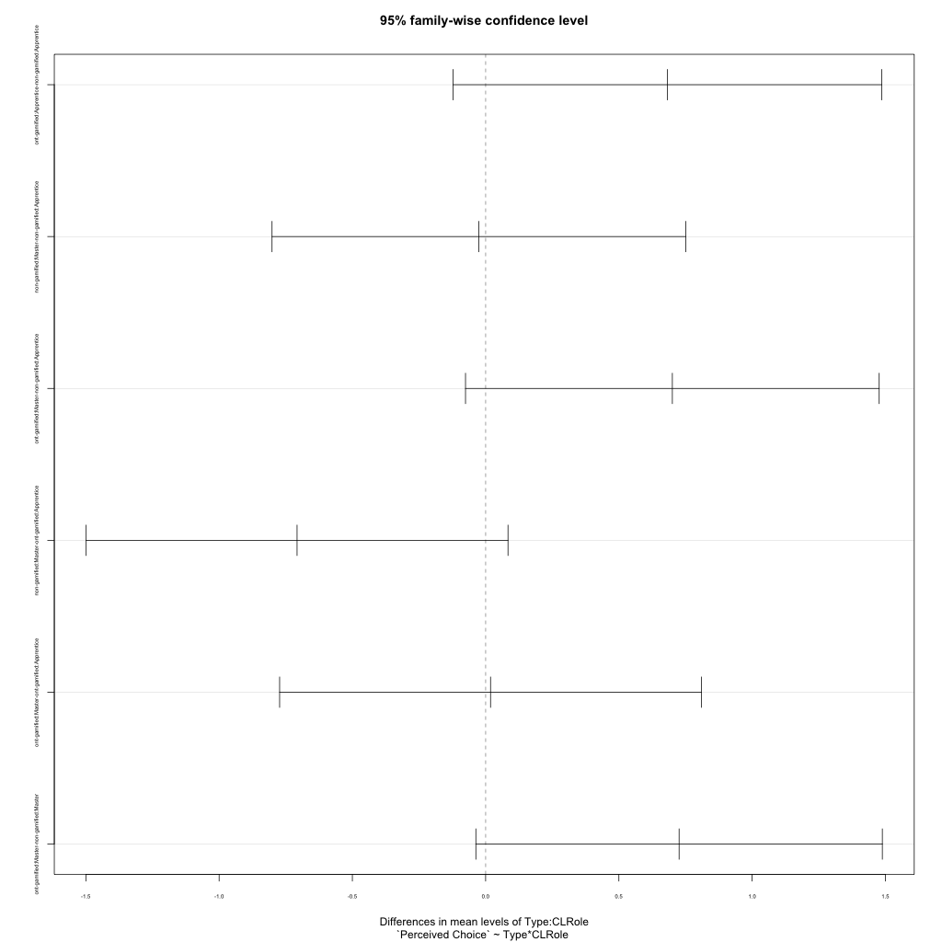
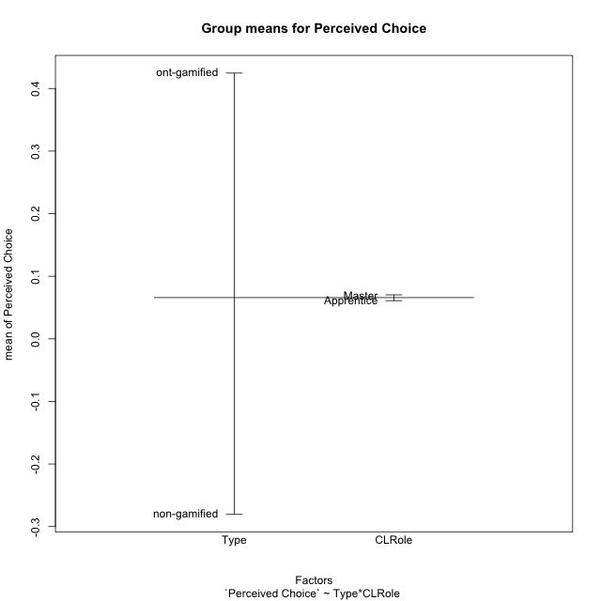
Post-hoc Tukey Honestly Significant Difference (HSD) Test for Perceived Choice

Comparisons of means for Type
 | diff | lwr | upr | p adj
ont-gamified-non-gamified | 0.70517215047 | 0.2867368188 | 1.1236074821 | 0.0013659602744

Comparisons of means for CLRole
 | diff | lwr | upr | p adj
Master-Apprentice | -0.0038419668512 | -0.42279356686 | 0.41510963316 | 0.98539396396

Comparisons of means for Type:CLRole
 | diff | lwr | upr | p adj
ont-gamified:Apprentice-non-gamified:Apprentice | 0.68221162218 | -0.12221674546 | 1.4866399898 | 0.12332859696
non-gamified:Master-non-gamified:Apprentice | -0.025282503518 | -0.80140548044 | 0.75084047341 | 0.99976573706
ont-gamified:Master-non-gamified:Apprentice | 0.70066058194 | -0.075462394988 | 1.4767835589 | 0.090494181562
non-gamified:Master-ont-gamified:Apprentice | -0.7074941257 | -1.4989066143 | 0.083918362898 | 0.095234333341
ont-gamified:Master-ont-gamified:Apprentice | 0.018448959752 | -0.77296352885 | 0.80986144835 | 0.99991402575
ont-gamified:Master-non-gamified:Master | 0.72594308545 | -0.036681070829 | 1.4885672417 | 0.067501487865

Contrast Matrices for Perceived Choice - Type
contrast | estimate | SE | df | t.ratio | p.value
non-gamified - ont-gamified | -0.70407735382 | 0.20895119148 | 53 | -3.3695780763 | 0.0014099742258

Contrast Matrices for Perceived Choice - Type:CLRole
contrast | CLRole | estimate | SE | df | t.ratio | p.value
non-gamified - ont-gamified | Apprentice | -0.68221162218 | 0.30327680018 | 53 | -2.2494685442 | 0.028660738242
non-gamified - ont-gamified | Master | -0.72594308545 | 0.28751623284 | 53 | -2.5248768679 | 0.014602275769

Least Squares Means and Confidence Intervals for Type
Type | lsmean | SE | df | lower.CL | upper.CL | Pairs
non-gamified | -0.28011612199 | 0.14630270541 | 53 | -0.57356218747 | 0.013329943489 | non-gamified
ont-gamified | 0.42396123183 | 0.14918484779 | 53 | 0.12473432082 | 0.72318814284 | ont-gamified

Least Squares Means and Confidence Intervals for Type:CLRole
Type | CLRole | lsmean | SE | df | lower.CL | upper.CL | Pairs
non-gamified | Apprentice | -0.26747487023 | 0.21044033445 | 53 | -0.68956472831 | 0.15461498786 | non-gamified.Apprentice
ont-gamified | Apprentice | 0.41473675195 | 0.21838425576 | 53 | -0.023286594471 | 0.85276009838 | ont-gamified.Apprentice
non-gamified | Master | -0.29275737375 | 0.20330467794 | 53 | -0.70053491736 | 0.11502016987 | non-gamified.Master
ont-gamified | Master | 0.43318571171 | 0.20330467794 | 53 | 0.025408168089 | 0.84096325532 | ont-gamified.Master

Plots

Type_1
Student's t-Test for Perceived Choice in Type between non-gamified:ont-gamified

Student's t-Test results
Alternative hypothesis: less
Group | N | Mean | Mean.Difference | Std.deviation | Std.error | CI.lower | CI.upper | df | t.value | p.value | g | magnitude
non-gamified | 29 | -0.28055202722 | -0.70517215047 | 0.62097025819 | 0.11531128209 | -0.51117459141 | -0.049929463037 | 47.662420925 | -3.4210157338 | 0.00064448490724 | -0.89972326316 | large
ont-gamified | 28 | 0.42462012325 | 0.70517215047 | 0.9040987961 | 0.17085861251 | 0.082902898232 | 0.76633734827 | 47.662420925 | -3.4210157338 | 0.00064448490724 | -0.89972326316 | large
Alternative hypothesis: greater
Group | N | Mean | Mean.Difference | Std.deviation | Std.error | CI.lower | CI.upper | df | t.value | p.value | g | magnitude
non-gamified | 29 | -0.28055202722 | -0.70517215047 | 0.62097025819 | 0.11531128209 | -0.51117459141 | -0.049929463037 | 47.662420925 | -3.4210157338 | 0.99935551509 | -0.89972326316 | large
ont-gamified | 28 | 0.42462012325 | 0.70517215047 | 0.9040987961 | 0.17085861251 | 0.082902898232 | 0.76633734827 | 47.662420925 | -3.4210157338 | 0.99935551509 | -0.89972326316 | large
Alternative hypothesis: two.sided
Group | N | Mean | Mean.Difference | Std.deviation | Std.error | CI.lower | CI.upper | df | t.value | p.value | g | magnitude
non-gamified | 29 | -0.28055202722 | -0.70517215047 | 0.62097025819 | 0.11531128209 | -0.51117459141 | -0.049929463037 | 47.662420925 | -3.4210157338 | 0.0012889698145 | -0.89972326316 | large
ont-gamified | 28 | 0.42462012325 | 0.70517215047 | 0.9040987961 | 0.17085861251 | 0.082902898232 | 0.76633734827 | 47.662420925 | -3.4210157338 | 0.0012889698145 | -0.89972326316 | large

Box plots for Student's t-Test
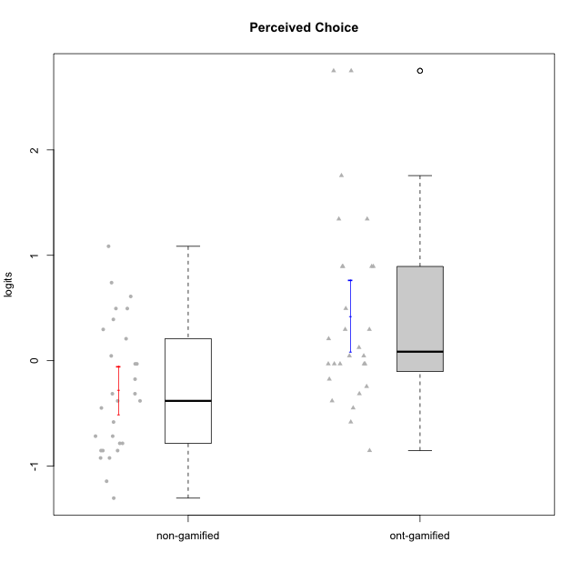

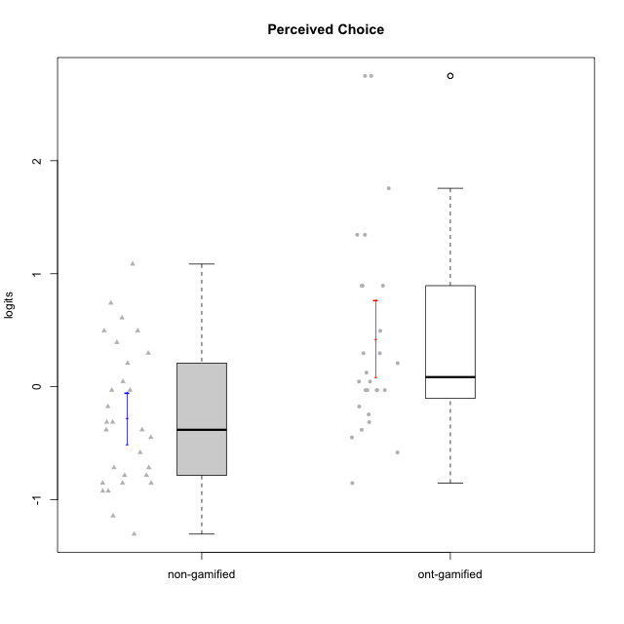

Student's t-Test data
UserID | NroUSP | Type | CLGroup | CLRole | PlayerRole | Perceived Choice | error | WLE.rel
10169 | 10377538 | ont-gamified | Grupo Hefesto | Master | Yee Achiever | -0.03013465276 | 0.2783082774 | 0.76944972051
10170 | 10260351 | ont-gamified | Grupo Afrodite | Apprentice | Yee Achiever | 0.89432291748 | 0.4194463071 | 0.76944972051
10171 | 698531 | non-gamified | Grupo Team 6 | Apprentice |  | 0.29679621121 | 0.30875086382 | 0.76944972051
10172 | 10273971 | non-gamified | Grupo Team 1 | Master |  | -0.17501744567 | 0.27021175094 | 0.76944972051
10174 | 10276852 | ont-gamified | Grupo Urano | Master | Yee Achiever | -0.4482465434 | 0.26256753375 | 0.76944972051
10175 | 10310700 | ont-gamified | Grupo Hélio | Master | Yee Socializer | 1.7561459858 | 0.73000958137 | 0.76944972051
10176 | 10276949 | ont-gamified | Grupo Cronus | Apprentice | Yee Achiever | 0.045896157378 | 0.28380551948 | 0.76944972051
10178 | 8656201 | ont-gamified | Grupo Morfeu | Apprentice | Yee Socializer | 0.045896157378 | 0.28380551948 | 0.76944972051
10179 | 10310759 | non-gamified | Grupo Team 9 | Master |  | -0.9227598848 | 0.26981440368 | 0.76944972051
10181 | 10276866 | non-gamified | Grupo Team 10 | Master |  | -0.03013465276 | 0.2783082774 | 0.76944972051
10183 | 10352030 | ont-gamified | Grupo Hélio | Apprentice | Yee Socializer | -0.03013465276 | 0.2783082774 | 0.76944972051
10184 | 10276675 | ont-gamified | Grupo Apolo | Master | Yee Socializer | 0.12514384383 | 0.29051543971 | 0.76944972051
10185 | 10276960 | non-gamified | Grupo Team 12 | Apprentice |  | -0.4482465434 | 0.26256753375 | 0.76944972051
10186 | 10310551 | ont-gamified | Grupo Ares | Apprentice | Yee Achiever | 0.29679621121 | 0.30875086382 | 0.76944972051
10187 | 9790781 | non-gamified | Grupo Team 15 | Apprentice |  | 0.49504462318 | 0.33678360871 | 0.76944972051
10188 | 10276995 | non-gamified | Grupo Team 3 | Master |  | -0.38114058225 | 0.2635865062 | 0.76944972051
10189 | 9363926 | ont-gamified | Grupo Hades | Master | Yee Socializer | -0.17501744567 | 0.27021175094 | 0.76944972051
10190 | 10276907 | ont-gamified | Grupo Zeus | Apprentice | Yee Socializer | 0.208424484 | 0.29870635502 | 0.76944972051
10191 | 10276981 | non-gamified | Grupo Team 6 | Master |  | -0.03013465276 | 0.2783082774 | 0.76944972051
10192 | 10276682 | non-gamified | Grupo Team 5 | Apprentice |  | -0.58172873323 | 0.2620907084 | 0.76944972051
10193 | 10276762 | ont-gamified | Grupo Afrodite | Master | Yee Achiever | -0.31343622428 | 0.26516604224 | 0.76944972051
10195 | 10351971 | ont-gamified | Grupo Urano | Apprentice | Yee Achiever | -0.24483839121 | 0.26735321031 | 0.76944972051
10196 | 10310655 | ont-gamified | Grupo Hefesto | Apprentice | Yee Achiever | -0.85270229156 | 0.26718470314 | 0.76944972051
10197 | 10276661 | ont-gamified | Grupo Gaia | Apprentice | Yee Achiever | 1.3443366273 | 0.55910246793 | 0.76944972051
10198 | 10310888 | ont-gamified | Grupo Apolo | Apprentice | Yee Socializer | 2.750519164 | 1.3135085436 | 0.76944972051
10199 | 10276737 | ont-gamified | Grupo Gaia | Master | Yee Achiever | 2.750519164 | 1.3135085436 | 0.76944972051
10200 | 9795272 | ont-gamified | Grupo Hades | Apprentice | Yee Socializer | -0.03013465276 | 0.2783082774 | 0.76944972051
10201 | 10276928 | ont-gamified | Grupo Caronte | Master | Yee Achiever | 0.29679621121 | 0.30875086382 | 0.76944972051
10202 | 10277036 | non-gamified | Grupo Team 11 | Apprentice |  | -0.9227598848 | 0.26981440368 | 0.76944972051
10203 | 9921470 | non-gamified | Grupo Team 3 | Apprentice |  | 0.60978673935 | 0.35677571461 | 0.76944972051
10204 | 10310471 | ont-gamified | Grupo Hermes | Master | Yee Achiever | 0.89432291748 | 0.4194463071 | 0.76944972051
10206 | 10310721 | ont-gamified | Grupo Hera | Master | Yee Achiever | 0.89432291748 | 0.4194463071 | 0.76944972051
10208 | 10276932 | non-gamified | Grupo Team 7 | Apprentice |  | 0.208424484 | 0.29870635502 | 0.76944972051
10210 | 10277015 | non-gamified | Grupo Team 9 | Apprentice |  | -1.303691341 | 0.29450607327 | 0.76944972051
10211 | 9311643 | non-gamified | Grupo Team 2 | Master |  | -0.85270229156 | 0.26718470314 | 0.76944972051
10212 | 9065750 | non-gamified | Grupo Team 4 | Master |  | 0.49504462318 | 0.33678360871 | 0.76944972051
10213 | 10277040 | ont-gamified | Grupo Morfeu | Master | Yee Socializer | -0.58172873323 | 0.2620907084 | 0.76944972051
10214 | 10277022 | non-gamified | Grupo Team 5 | Master |  | -0.78383870073 | 0.26513011226 | 0.76944972051
10215 | 9285227 | ont-gamified | Grupo Zeus | Master | Yee Socializer | 0.89432291748 | 0.4194463071 | 0.76944972051
10216 | 10276720 | non-gamified | Grupo Team 15 | Master |  | 0.74038139346 | 0.38315195417 | 0.76944972051
10217 | 9805341 | non-gamified | Grupo Team 13 | Master |  | 0.39167732353 | 0.32118099141 | 0.76944972051
10218 | 9842913 | ont-gamified | Grupo Ares | Master | Yee Achiever | -0.03013465276 | 0.2783082774 | 0.76944972051
10219 | 10276831 | non-gamified | Grupo Team 12 | Master |  | -0.71589168771 | 0.26361092673 | 0.76944972051
10220 | 9760151 | non-gamified | Grupo Team 2 | Apprentice |  | 1.0855463519 | 0.4726478955 | 0.76944972051
10221 | 9082496 | ont-gamified | Grupo Hermes | Apprentice | Yee Achiever | -0.38114058225 | 0.2635865062 | 0.76944972051
10223 | 9795185 | ont-gamified | Grupo Cronus | Master | Yee Achiever | 0.49504462318 | 0.33678360871 | 0.76944972051
10224 | 9368772 | non-gamified | Grupo Team 10 | Apprentice |  | -0.85270229156 | 0.26718470314 | 0.76944972051
10226 | 10310342 | non-gamified | Grupo Team 8 | Master |  | -1.1434122935 | 0.28184149962 | 0.76944972051
10227 | 9274382 | non-gamified | Grupo Team 4 | Apprentice |  | -0.31343622428 | 0.26516604224 | 0.76944972051
10228 | 10310492 | non-gamified | Grupo Team 14 | Apprentice |  | -0.38114058225 | 0.2635865062 | 0.76944972051
10230 | 10351992 | non-gamified | Grupo Team 14 | Master |  | -0.31343622428 | 0.26516604224 | 0.76944972051
10231 | 10276911 | ont-gamified | Grupo Caronte | Apprentice | Yee Achiever | 1.3443366273 | 0.55910246793 | 0.76944972051
10232 | 10276974 | ont-gamified | Grupo Artemis | Master | Yee Achiever | -0.03013465276 | 0.2783082774 | 0.76944972051
10233 | 9805320 | non-gamified | Grupo Team 16 | Apprentice |  | -0.78383870073 | 0.26513011226 | 0.76944972051
10234 | 10310676 | non-gamified | Grupo Team 7 | Master |  | -0.71589168771 | 0.26361092673 | 0.76944972051
10237 | 10377688 | non-gamified | Grupo Team 11 | Master |  | 0.045896157378 | 0.28380551948 | 0.76944972051
10238 | 10276953 | non-gamified | Grupo Team 13 | Apprentice |  | -0.85270229156 | 0.26718470314 | 0.76944972051

Type_CLRole_1
Student's t-Test for Perceived Choice in Type:CLRole between non-gamified.Apprentice:non-gamified.Master

Student's t-Test results
Alternative hypothesis: less
Group | N | Mean | Mean.Difference | Std.deviation | Std.error | CI.lower | CI.upper | df | t.value | p.value | g | magnitude
non-gamified.Apprentice | 14 | -0.26747487023 | 0.025282503518 | 0.69767721837 | 0.18646207984 | -0.6403990299 | 0.10544928944 | 25.058695576 | 0.10681177702 | 0.54210557768 | 0.038868234772 | negligible
non-gamified.Master | 15 | -0.29275737375 | -0.025282503518 | 0.56470532672 | 0.14580628839 | -0.58436995053 | -0.0011447969611 | 25.058695576 | 0.10681177702 | 0.54210557768 | 0.038868234772 | negligible
Alternative hypothesis: greater
Group | N | Mean | Mean.Difference | Std.deviation | Std.error | CI.lower | CI.upper | df | t.value | p.value | g | magnitude
non-gamified.Apprentice | 14 | -0.26747487023 | 0.025282503518 | 0.69767721837 | 0.18646207984 | -0.6403990299 | 0.10544928944 | 25.058695576 | 0.10681177702 | 0.45789442232 | 0.038868234772 | negligible
non-gamified.Master | 15 | -0.29275737375 | -0.025282503518 | 0.56470532672 | 0.14580628839 | -0.58436995053 | -0.0011447969611 | 25.058695576 | 0.10681177702 | 0.45789442232 | 0.038868234772 | negligible
Alternative hypothesis: two.sided
Group | N | Mean | Mean.Difference | Std.deviation | Std.error | CI.lower | CI.upper | df | t.value | p.value | g | magnitude
non-gamified.Apprentice | 14 | -0.26747487023 | 0.025282503518 | 0.69767721837 | 0.18646207984 | -0.6403990299 | 0.10544928944 | 25.058695576 | 0.10681177702 | 0.91578884464 | 0.038868234772 | negligible
non-gamified.Master | 15 | -0.29275737375 | -0.025282503518 | 0.56470532672 | 0.14580628839 | -0.58436995053 | -0.0011447969611 | 25.058695576 | 0.10681177702 | 0.91578884464 | 0.038868234772 | negligible

Box plots for Student's t-Test
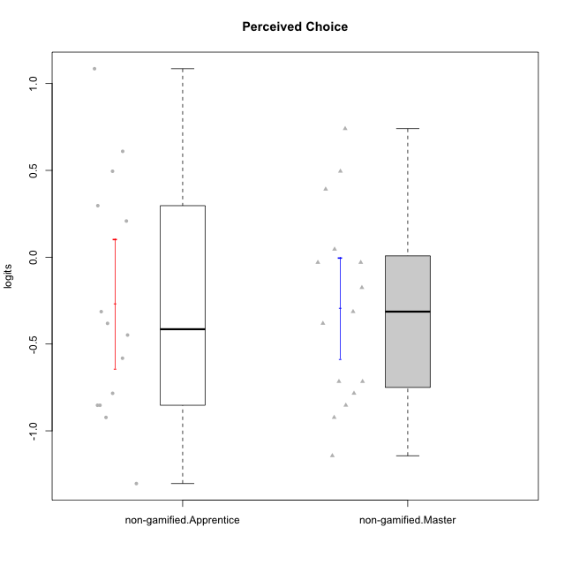

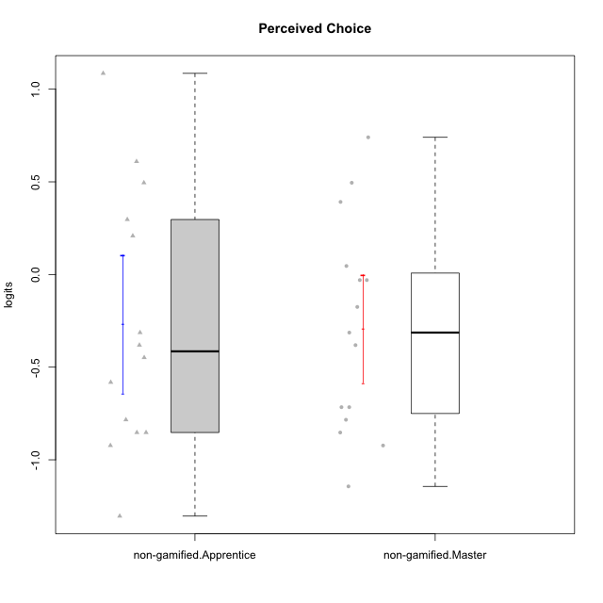

Student's t-Test data
UserID | NroUSP | Type | CLGroup | CLRole | PlayerRole | Perceived Choice | error | WLE.rel
10171 | 698531 | non-gamified | Grupo Team 6 | Apprentice |  | 0.29679621121 | 0.30875086382 | 0.76944972051
10172 | 10273971 | non-gamified | Grupo Team 1 | Master |  | -0.17501744567 | 0.27021175094 | 0.76944972051
10179 | 10310759 | non-gamified | Grupo Team 9 | Master |  | -0.9227598848 | 0.26981440368 | 0.76944972051
10181 | 10276866 | non-gamified | Grupo Team 10 | Master |  | -0.03013465276 | 0.2783082774 | 0.76944972051
10185 | 10276960 | non-gamified | Grupo Team 12 | Apprentice |  | -0.4482465434 | 0.26256753375 | 0.76944972051
10187 | 9790781 | non-gamified | Grupo Team 15 | Apprentice |  | 0.49504462318 | 0.33678360871 | 0.76944972051
10188 | 10276995 | non-gamified | Grupo Team 3 | Master |  | -0.38114058225 | 0.2635865062 | 0.76944972051
10191 | 10276981 | non-gamified | Grupo Team 6 | Master |  | -0.03013465276 | 0.2783082774 | 0.76944972051
10192 | 10276682 | non-gamified | Grupo Team 5 | Apprentice |  | -0.58172873323 | 0.2620907084 | 0.76944972051
10202 | 10277036 | non-gamified | Grupo Team 11 | Apprentice |  | -0.9227598848 | 0.26981440368 | 0.76944972051
10203 | 9921470 | non-gamified | Grupo Team 3 | Apprentice |  | 0.60978673935 | 0.35677571461 | 0.76944972051
10208 | 10276932 | non-gamified | Grupo Team 7 | Apprentice |  | 0.208424484 | 0.29870635502 | 0.76944972051
10210 | 10277015 | non-gamified | Grupo Team 9 | Apprentice |  | -1.303691341 | 0.29450607327 | 0.76944972051
10211 | 9311643 | non-gamified | Grupo Team 2 | Master |  | -0.85270229156 | 0.26718470314 | 0.76944972051
10212 | 9065750 | non-gamified | Grupo Team 4 | Master |  | 0.49504462318 | 0.33678360871 | 0.76944972051
10214 | 10277022 | non-gamified | Grupo Team 5 | Master |  | -0.78383870073 | 0.26513011226 | 0.76944972051
10216 | 10276720 | non-gamified | Grupo Team 15 | Master |  | 0.74038139346 | 0.38315195417 | 0.76944972051
10217 | 9805341 | non-gamified | Grupo Team 13 | Master |  | 0.39167732353 | 0.32118099141 | 0.76944972051
10219 | 10276831 | non-gamified | Grupo Team 12 | Master |  | -0.71589168771 | 0.26361092673 | 0.76944972051
10220 | 9760151 | non-gamified | Grupo Team 2 | Apprentice |  | 1.0855463519 | 0.4726478955 | 0.76944972051
10224 | 9368772 | non-gamified | Grupo Team 10 | Apprentice |  | -0.85270229156 | 0.26718470314 | 0.76944972051
10226 | 10310342 | non-gamified | Grupo Team 8 | Master |  | -1.1434122935 | 0.28184149962 | 0.76944972051
10227 | 9274382 | non-gamified | Grupo Team 4 | Apprentice |  | -0.31343622428 | 0.26516604224 | 0.76944972051
10228 | 10310492 | non-gamified | Grupo Team 14 | Apprentice |  | -0.38114058225 | 0.2635865062 | 0.76944972051
10230 | 10351992 | non-gamified | Grupo Team 14 | Master |  | -0.31343622428 | 0.26516604224 | 0.76944972051
10233 | 9805320 | non-gamified | Grupo Team 16 | Apprentice |  | -0.78383870073 | 0.26513011226 | 0.76944972051
10234 | 10310676 | non-gamified | Grupo Team 7 | Master |  | -0.71589168771 | 0.26361092673 | 0.76944972051
10237 | 10377688 | non-gamified | Grupo Team 11 | Master |  | 0.045896157378 | 0.28380551948 | 0.76944972051
10238 | 10276953 | non-gamified | Grupo Team 13 | Apprentice |  | -0.85270229156 | 0.26718470314 | 0.76944972051

Type_CLRole_2
Student's t-Test for Perceived Choice in Type:CLRole between non-gamified.Apprentice:ont-gamified.Apprentice

Student's t-Test results
Alternative hypothesis: less
Group | N | Mean | Mean.Difference | Std.deviation | Std.error | CI.lower | CI.upper | df | t.value | p.value | g | magnitude
non-gamified.Apprentice | 14 | -0.26747487023 | -0.68221162218 | 0.69767721837 | 0.18646207984 | -0.6403990299 | 0.10544928944 | 21.957702134 | -2.1145842591 | 0.023025895884 | -0.79892150662 | medium
ont-gamified.Apprentice | 13 | 0.41473675195 | 0.68221162218 | 0.94927334829 | 0.26328105628 | -0.11182536061 | 0.94129886452 | 21.957702134 | -2.1145842591 | 0.023025895884 | -0.79892150662 | medium
Alternative hypothesis: greater
Group | N | Mean | Mean.Difference | Std.deviation | Std.error | CI.lower | CI.upper | df | t.value | p.value | g | magnitude
non-gamified.Apprentice | 14 | -0.26747487023 | -0.68221162218 | 0.69767721837 | 0.18646207984 | -0.6403990299 | 0.10544928944 | 21.957702134 | -2.1145842591 | 0.97697410412 | -0.79892150662 | medium
ont-gamified.Apprentice | 13 | 0.41473675195 | 0.68221162218 | 0.94927334829 | 0.26328105628 | -0.11182536061 | 0.94129886452 | 21.957702134 | -2.1145842591 | 0.97697410412 | -0.79892150662 | medium
Alternative hypothesis: two.sided
Group | N | Mean | Mean.Difference | Std.deviation | Std.error | CI.lower | CI.upper | df | t.value | p.value | g | magnitude
non-gamified.Apprentice | 14 | -0.26747487023 | -0.68221162218 | 0.69767721837 | 0.18646207984 | -0.6403990299 | 0.10544928944 | 21.957702134 | -2.1145842591 | 0.046051791767 | -0.79892150662 | medium
ont-gamified.Apprentice | 13 | 0.41473675195 | 0.68221162218 | 0.94927334829 | 0.26328105628 | -0.11182536061 | 0.94129886452 | 21.957702134 | -2.1145842591 | 0.046051791767 | -0.79892150662 | medium

Box plots for Student's t-Test
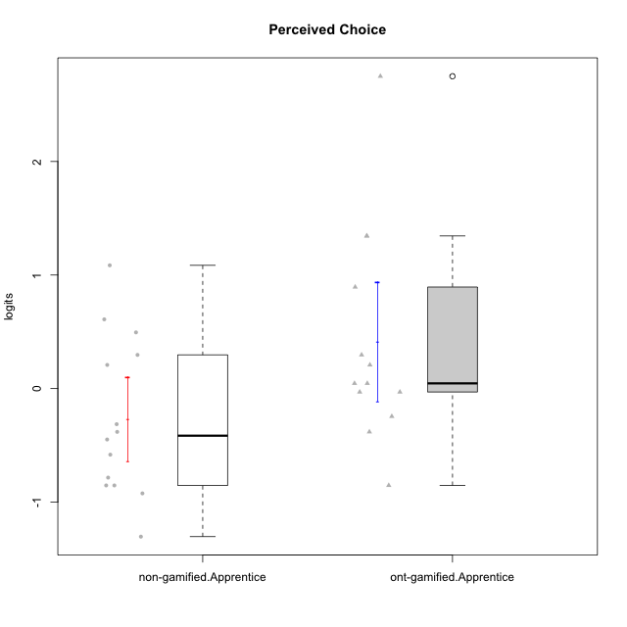

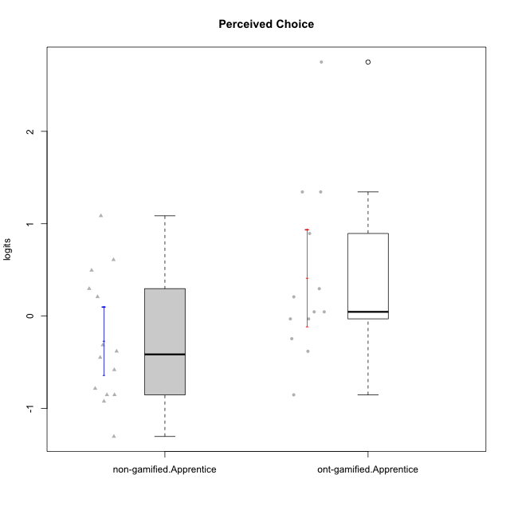

Student's t-Test data
UserID | NroUSP | Type | CLGroup | CLRole | PlayerRole | Perceived Choice | error | WLE.rel
10170 | 10260351 | ont-gamified | Grupo Afrodite | Apprentice | Yee Achiever | 0.89432291748 | 0.4194463071 | 0.76944972051
10171 | 698531 | non-gamified | Grupo Team 6 | Apprentice |  | 0.29679621121 | 0.30875086382 | 0.76944972051
10176 | 10276949 | ont-gamified | Grupo Cronus | Apprentice | Yee Achiever | 0.045896157378 | 0.28380551948 | 0.76944972051
10178 | 8656201 | ont-gamified | Grupo Morfeu | Apprentice | Yee Socializer | 0.045896157378 | 0.28380551948 | 0.76944972051
10183 | 10352030 | ont-gamified | Grupo Hélio | Apprentice | Yee Socializer | -0.03013465276 | 0.2783082774 | 0.76944972051
10185 | 10276960 | non-gamified | Grupo Team 12 | Apprentice |  | -0.4482465434 | 0.26256753375 | 0.76944972051
10186 | 10310551 | ont-gamified | Grupo Ares | Apprentice | Yee Achiever | 0.29679621121 | 0.30875086382 | 0.76944972051
10187 | 9790781 | non-gamified | Grupo Team 15 | Apprentice |  | 0.49504462318 | 0.33678360871 | 0.76944972051
10190 | 10276907 | ont-gamified | Grupo Zeus | Apprentice | Yee Socializer | 0.208424484 | 0.29870635502 | 0.76944972051
10192 | 10276682 | non-gamified | Grupo Team 5 | Apprentice |  | -0.58172873323 | 0.2620907084 | 0.76944972051
10195 | 10351971 | ont-gamified | Grupo Urano | Apprentice | Yee Achiever | -0.24483839121 | 0.26735321031 | 0.76944972051
10196 | 10310655 | ont-gamified | Grupo Hefesto | Apprentice | Yee Achiever | -0.85270229156 | 0.26718470314 | 0.76944972051
10197 | 10276661 | ont-gamified | Grupo Gaia | Apprentice | Yee Achiever | 1.3443366273 | 0.55910246793 | 0.76944972051
10198 | 10310888 | ont-gamified | Grupo Apolo | Apprentice | Yee Socializer | 2.750519164 | 1.3135085436 | 0.76944972051
10200 | 9795272 | ont-gamified | Grupo Hades | Apprentice | Yee Socializer | -0.03013465276 | 0.2783082774 | 0.76944972051
10202 | 10277036 | non-gamified | Grupo Team 11 | Apprentice |  | -0.9227598848 | 0.26981440368 | 0.76944972051
10203 | 9921470 | non-gamified | Grupo Team 3 | Apprentice |  | 0.60978673935 | 0.35677571461 | 0.76944972051
10208 | 10276932 | non-gamified | Grupo Team 7 | Apprentice |  | 0.208424484 | 0.29870635502 | 0.76944972051
10210 | 10277015 | non-gamified | Grupo Team 9 | Apprentice |  | -1.303691341 | 0.29450607327 | 0.76944972051
10220 | 9760151 | non-gamified | Grupo Team 2 | Apprentice |  | 1.0855463519 | 0.4726478955 | 0.76944972051
10221 | 9082496 | ont-gamified | Grupo Hermes | Apprentice | Yee Achiever | -0.38114058225 | 0.2635865062 | 0.76944972051
10224 | 9368772 | non-gamified | Grupo Team 10 | Apprentice |  | -0.85270229156 | 0.26718470314 | 0.76944972051
10227 | 9274382 | non-gamified | Grupo Team 4 | Apprentice |  | -0.31343622428 | 0.26516604224 | 0.76944972051
10228 | 10310492 | non-gamified | Grupo Team 14 | Apprentice |  | -0.38114058225 | 0.2635865062 | 0.76944972051
10231 | 10276911 | ont-gamified | Grupo Caronte | Apprentice | Yee Achiever | 1.3443366273 | 0.55910246793 | 0.76944972051
10233 | 9805320 | non-gamified | Grupo Team 16 | Apprentice |  | -0.78383870073 | 0.26513011226 | 0.76944972051
10238 | 10276953 | non-gamified | Grupo Team 13 | Apprentice |  | -0.85270229156 | 0.26718470314 | 0.76944972051

Type_CLRole_3
Student's t-Test for Perceived Choice in Type:CLRole between non-gamified.Apprentice:ont-gamified.Master

Student's t-Test results
Alternative hypothesis: less
Group | N | Mean | Mean.Difference | Std.deviation | Std.error | CI.lower | CI.upper | df | t.value | p.value | g | magnitude
non-gamified.Apprentice | 14 | -0.26747487023 | -0.70066058194 | 0.69767721837 | 0.18646207984 | -0.6403990299 | 0.10544928944 | 26.187884008 | -2.3571385745 | 0.013083194633 | -0.84393581626 | large
ont-gamified.Master | 15 | 0.43318571171 | 0.70066058194 | 0.89657467317 | 0.23149458519 | -0.029803458668 | 0.89617488208 | 26.187884008 | -2.3571385745 | 0.013083194633 | -0.84393581626 | large
Alternative hypothesis: greater
Group | N | Mean | Mean.Difference | Std.deviation | Std.error | CI.lower | CI.upper | df | t.value | p.value | g | magnitude
non-gamified.Apprentice | 14 | -0.26747487023 | -0.70066058194 | 0.69767721837 | 0.18646207984 | -0.6403990299 | 0.10544928944 | 26.187884008 | -2.3571385745 | 0.98691680537 | -0.84393581626 | large
ont-gamified.Master | 15 | 0.43318571171 | 0.70066058194 | 0.89657467317 | 0.23149458519 | -0.029803458668 | 0.89617488208 | 26.187884008 | -2.3571385745 | 0.98691680537 | -0.84393581626 | large
Alternative hypothesis: two.sided
Group | N | Mean | Mean.Difference | Std.deviation | Std.error | CI.lower | CI.upper | df | t.value | p.value | g | magnitude
non-gamified.Apprentice | 14 | -0.26747487023 | -0.70066058194 | 0.69767721837 | 0.18646207984 | -0.6403990299 | 0.10544928944 | 26.187884008 | -2.3571385745 | 0.026166389266 | -0.84393581626 | large
ont-gamified.Master | 15 | 0.43318571171 | 0.70066058194 | 0.89657467317 | 0.23149458519 | -0.029803458668 | 0.89617488208 | 26.187884008 | -2.3571385745 | 0.026166389266 | -0.84393581626 | large

Box plots for Student's t-Test
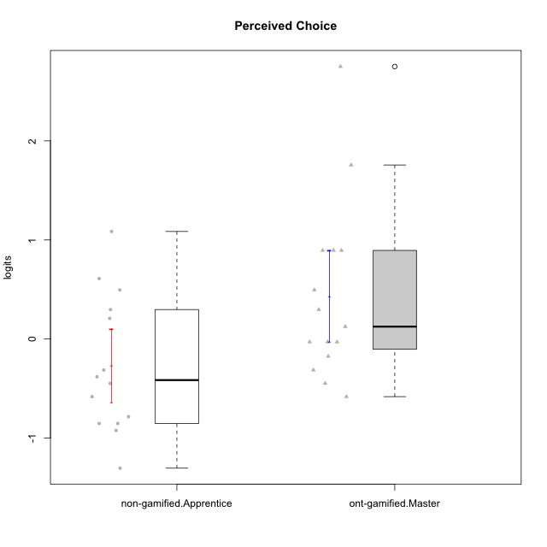

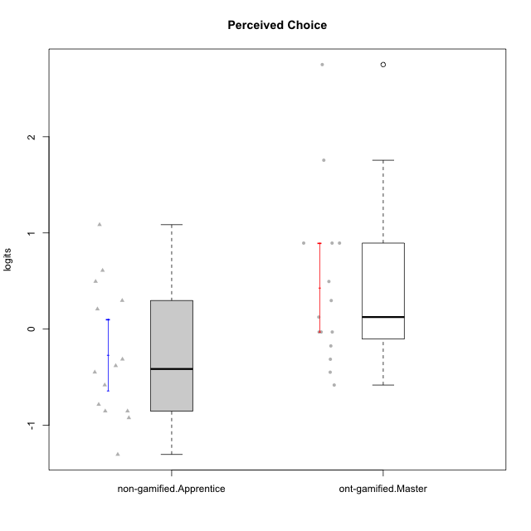

Student's t-Test data
UserID | NroUSP | Type | CLGroup | CLRole | PlayerRole | Perceived Choice | error | WLE.rel
10169 | 10377538 | ont-gamified | Grupo Hefesto | Master | Yee Achiever | -0.03013465276 | 0.2783082774 | 0.76944972051
10171 | 698531 | non-gamified | Grupo Team 6 | Apprentice |  | 0.29679621121 | 0.30875086382 | 0.76944972051
10174 | 10276852 | ont-gamified | Grupo Urano | Master | Yee Achiever | -0.4482465434 | 0.26256753375 | 0.76944972051
10175 | 10310700 | ont-gamified | Grupo Hélio | Master | Yee Socializer | 1.7561459858 | 0.73000958137 | 0.76944972051
10184 | 10276675 | ont-gamified | Grupo Apolo | Master | Yee Socializer | 0.12514384383 | 0.29051543971 | 0.76944972051
10185 | 10276960 | non-gamified | Grupo Team 12 | Apprentice |  | -0.4482465434 | 0.26256753375 | 0.76944972051
10187 | 9790781 | non-gamified | Grupo Team 15 | Apprentice |  | 0.49504462318 | 0.33678360871 | 0.76944972051
10189 | 9363926 | ont-gamified | Grupo Hades | Master | Yee Socializer | -0.17501744567 | 0.27021175094 | 0.76944972051
10192 | 10276682 | non-gamified | Grupo Team 5 | Apprentice |  | -0.58172873323 | 0.2620907084 | 0.76944972051
10193 | 10276762 | ont-gamified | Grupo Afrodite | Master | Yee Achiever | -0.31343622428 | 0.26516604224 | 0.76944972051
10199 | 10276737 | ont-gamified | Grupo Gaia | Master | Yee Achiever | 2.750519164 | 1.3135085436 | 0.76944972051
10201 | 10276928 | ont-gamified | Grupo Caronte | Master | Yee Achiever | 0.29679621121 | 0.30875086382 | 0.76944972051
10202 | 10277036 | non-gamified | Grupo Team 11 | Apprentice |  | -0.9227598848 | 0.26981440368 | 0.76944972051
10203 | 9921470 | non-gamified | Grupo Team 3 | Apprentice |  | 0.60978673935 | 0.35677571461 | 0.76944972051
10204 | 10310471 | ont-gamified | Grupo Hermes | Master | Yee Achiever | 0.89432291748 | 0.4194463071 | 0.76944972051
10206 | 10310721 | ont-gamified | Grupo Hera | Master | Yee Achiever | 0.89432291748 | 0.4194463071 | 0.76944972051
10208 | 10276932 | non-gamified | Grupo Team 7 | Apprentice |  | 0.208424484 | 0.29870635502 | 0.76944972051
10210 | 10277015 | non-gamified | Grupo Team 9 | Apprentice |  | -1.303691341 | 0.29450607327 | 0.76944972051
10213 | 10277040 | ont-gamified | Grupo Morfeu | Master | Yee Socializer | -0.58172873323 | 0.2620907084 | 0.76944972051
10215 | 9285227 | ont-gamified | Grupo Zeus | Master | Yee Socializer | 0.89432291748 | 0.4194463071 | 0.76944972051
10218 | 9842913 | ont-gamified | Grupo Ares | Master | Yee Achiever | -0.03013465276 | 0.2783082774 | 0.76944972051
10220 | 9760151 | non-gamified | Grupo Team 2 | Apprentice |  | 1.0855463519 | 0.4726478955 | 0.76944972051
10223 | 9795185 | ont-gamified | Grupo Cronus | Master | Yee Achiever | 0.49504462318 | 0.33678360871 | 0.76944972051
10224 | 9368772 | non-gamified | Grupo Team 10 | Apprentice |  | -0.85270229156 | 0.26718470314 | 0.76944972051
10227 | 9274382 | non-gamified | Grupo Team 4 | Apprentice |  | -0.31343622428 | 0.26516604224 | 0.76944972051
10228 | 10310492 | non-gamified | Grupo Team 14 | Apprentice |  | -0.38114058225 | 0.2635865062 | 0.76944972051
10232 | 10276974 | ont-gamified | Grupo Artemis | Master | Yee Achiever | -0.03013465276 | 0.2783082774 | 0.76944972051
10233 | 9805320 | non-gamified | Grupo Team 16 | Apprentice |  | -0.78383870073 | 0.26513011226 | 0.76944972051
10238 | 10276953 | non-gamified | Grupo Team 13 | Apprentice |  | -0.85270229156 | 0.26718470314 | 0.76944972051

Type_CLRole_4
Student's t-Test for Perceived Choice in Type:CLRole between non-gamified.Master:ont-gamified.Apprentice

Student's t-Test results
Alternative hypothesis: less
Group | N | Mean | Mean.Difference | Std.deviation | Std.error | CI.lower | CI.upper | df | t.value | p.value | g | magnitude
non-gamified.Master | 15 | -0.29275737375 | -0.7074941257 | 0.56470532672 | 0.14580628839 | -0.58436995053 | -0.0011447969611 | 18.960816601 | -2.3507981405 | 0.01485338184 | -0.89606611726 | large
ont-gamified.Apprentice | 13 | 0.41473675195 | 0.7074941257 | 0.94927334829 | 0.26328105628 | -0.11182536061 | 0.94129886452 | 18.960816601 | -2.3507981405 | 0.01485338184 | -0.89606611726 | large
Alternative hypothesis: greater
Group | N | Mean | Mean.Difference | Std.deviation | Std.error | CI.lower | CI.upper | df | t.value | p.value | g | magnitude
non-gamified.Master | 15 | -0.29275737375 | -0.7074941257 | 0.56470532672 | 0.14580628839 | -0.58436995053 | -0.0011447969611 | 18.960816601 | -2.3507981405 | 0.98514661816 | -0.89606611726 | large
ont-gamified.Apprentice | 13 | 0.41473675195 | 0.7074941257 | 0.94927334829 | 0.26328105628 | -0.11182536061 | 0.94129886452 | 18.960816601 | -2.3507981405 | 0.98514661816 | -0.89606611726 | large
Alternative hypothesis: two.sided
Group | N | Mean | Mean.Difference | Std.deviation | Std.error | CI.lower | CI.upper | df | t.value | p.value | g | magnitude
non-gamified.Master | 15 | -0.29275737375 | -0.7074941257 | 0.56470532672 | 0.14580628839 | -0.58436995053 | -0.0011447969611 | 18.960816601 | -2.3507981405 | 0.02970676368 | -0.89606611726 | large
ont-gamified.Apprentice | 13 | 0.41473675195 | 0.7074941257 | 0.94927334829 | 0.26328105628 | -0.11182536061 | 0.94129886452 | 18.960816601 | -2.3507981405 | 0.02970676368 | -0.89606611726 | large

Box plots for Student's t-Test
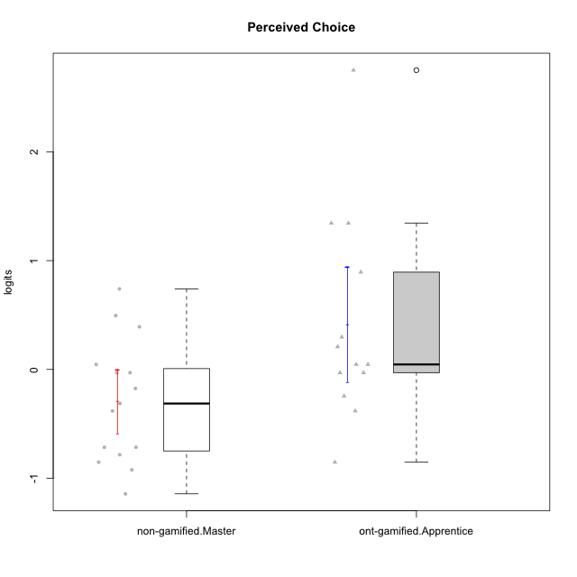

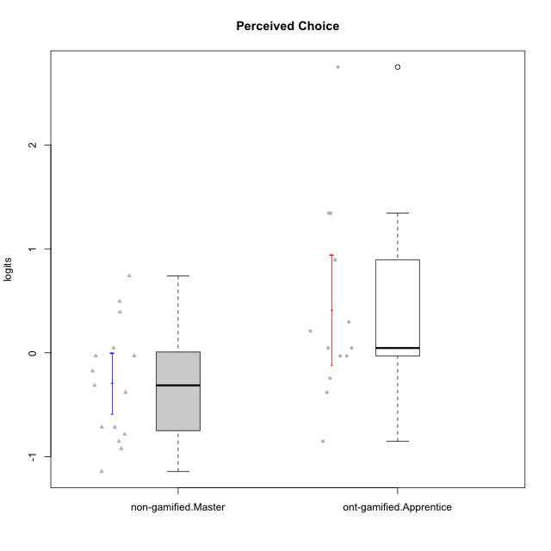

Student's t-Test data
UserID | NroUSP | Type | CLGroup | CLRole | PlayerRole | Perceived Choice | error | WLE.rel
10170 | 10260351 | ont-gamified | Grupo Afrodite | Apprentice | Yee Achiever | 0.89432291748 | 0.4194463071 | 0.76944972051
10172 | 10273971 | non-gamified | Grupo Team 1 | Master |  | -0.17501744567 | 0.27021175094 | 0.76944972051
10176 | 10276949 | ont-gamified | Grupo Cronus | Apprentice | Yee Achiever | 0.045896157378 | 0.28380551948 | 0.76944972051
10178 | 8656201 | ont-gamified | Grupo Morfeu | Apprentice | Yee Socializer | 0.045896157378 | 0.28380551948 | 0.76944972051
10179 | 10310759 | non-gamified | Grupo Team 9 | Master |  | -0.9227598848 | 0.26981440368 | 0.76944972051
10181 | 10276866 | non-gamified | Grupo Team 10 | Master |  | -0.03013465276 | 0.2783082774 | 0.76944972051
10183 | 10352030 | ont-gamified | Grupo Hélio | Apprentice | Yee Socializer | -0.03013465276 | 0.2783082774 | 0.76944972051
10186 | 10310551 | ont-gamified | Grupo Ares | Apprentice | Yee Achiever | 0.29679621121 | 0.30875086382 | 0.76944972051
10188 | 10276995 | non-gamified | Grupo Team 3 | Master |  | -0.38114058225 | 0.2635865062 | 0.76944972051
10190 | 10276907 | ont-gamified | Grupo Zeus | Apprentice | Yee Socializer | 0.208424484 | 0.29870635502 | 0.76944972051
10191 | 10276981 | non-gamified | Grupo Team 6 | Master |  | -0.03013465276 | 0.2783082774 | 0.76944972051
10195 | 10351971 | ont-gamified | Grupo Urano | Apprentice | Yee Achiever | -0.24483839121 | 0.26735321031 | 0.76944972051
10196 | 10310655 | ont-gamified | Grupo Hefesto | Apprentice | Yee Achiever | -0.85270229156 | 0.26718470314 | 0.76944972051
10197 | 10276661 | ont-gamified | Grupo Gaia | Apprentice | Yee Achiever | 1.3443366273 | 0.55910246793 | 0.76944972051
10198 | 10310888 | ont-gamified | Grupo Apolo | Apprentice | Yee Socializer | 2.750519164 | 1.3135085436 | 0.76944972051
10200 | 9795272 | ont-gamified | Grupo Hades | Apprentice | Yee Socializer | -0.03013465276 | 0.2783082774 | 0.76944972051
10211 | 9311643 | non-gamified | Grupo Team 2 | Master |  | -0.85270229156 | 0.26718470314 | 0.76944972051
10212 | 9065750 | non-gamified | Grupo Team 4 | Master |  | 0.49504462318 | 0.33678360871 | 0.76944972051
10214 | 10277022 | non-gamified | Grupo Team 5 | Master |  | -0.78383870073 | 0.26513011226 | 0.76944972051
10216 | 10276720 | non-gamified | Grupo Team 15 | Master |  | 0.74038139346 | 0.38315195417 | 0.76944972051
10217 | 9805341 | non-gamified | Grupo Team 13 | Master |  | 0.39167732353 | 0.32118099141 | 0.76944972051
10219 | 10276831 | non-gamified | Grupo Team 12 | Master |  | -0.71589168771 | 0.26361092673 | 0.76944972051
10221 | 9082496 | ont-gamified | Grupo Hermes | Apprentice | Yee Achiever | -0.38114058225 | 0.2635865062 | 0.76944972051
10226 | 10310342 | non-gamified | Grupo Team 8 | Master |  | -1.1434122935 | 0.28184149962 | 0.76944972051
10230 | 10351992 | non-gamified | Grupo Team 14 | Master |  | -0.31343622428 | 0.26516604224 | 0.76944972051
10231 | 10276911 | ont-gamified | Grupo Caronte | Apprentice | Yee Achiever | 1.3443366273 | 0.55910246793 | 0.76944972051
10234 | 10310676 | non-gamified | Grupo Team 7 | Master |  | -0.71589168771 | 0.26361092673 | 0.76944972051
10237 | 10377688 | non-gamified | Grupo Team 11 | Master |  | 0.045896157378 | 0.28380551948 | 0.76944972051

Type_CLRole_5
Student's t-Test for Perceived Choice in Type:CLRole between non-gamified.Master:ont-gamified.Master

Student's t-Test results
Alternative hypothesis: less
Group | N | Mean | Mean.Difference | Std.deviation | Std.error | CI.lower | CI.upper | df | t.value | p.value | g | magnitude
non-gamified.Master | 15 | -0.29275737375 | -0.72594308545 | 0.56470532672 | 0.14580628839 | -0.58436995053 | -0.0011447969611 | 23.597408133 | -2.6534379919 | 0.0070117482237 | -0.94271211444 | large
ont-gamified.Master | 15 | 0.43318571171 | 0.72594308545 | 0.89657467317 | 0.23149458519 | -0.029803458668 | 0.89617488208 | 23.597408133 | -2.6534379919 | 0.0070117482237 | -0.94271211444 | large
Alternative hypothesis: greater
Group | N | Mean | Mean.Difference | Std.deviation | Std.error | CI.lower | CI.upper | df | t.value | p.value | g | magnitude
non-gamified.Master | 15 | -0.29275737375 | -0.72594308545 | 0.56470532672 | 0.14580628839 | -0.58436995053 | -0.0011447969611 | 23.597408133 | -2.6534379919 | 0.99298825178 | -0.94271211444 | large
ont-gamified.Master | 15 | 0.43318571171 | 0.72594308545 | 0.89657467317 | 0.23149458519 | -0.029803458668 | 0.89617488208 | 23.597408133 | -2.6534379919 | 0.99298825178 | -0.94271211444 | large
Alternative hypothesis: two.sided
Group | N | Mean | Mean.Difference | Std.deviation | Std.error | CI.lower | CI.upper | df | t.value | p.value | g | magnitude
non-gamified.Master | 15 | -0.29275737375 | -0.72594308545 | 0.56470532672 | 0.14580628839 | -0.58436995053 | -0.0011447969611 | 23.597408133 | -2.6534379919 | 0.014023496447 | -0.94271211444 | large
ont-gamified.Master | 15 | 0.43318571171 | 0.72594308545 | 0.89657467317 | 0.23149458519 | -0.029803458668 | 0.89617488208 | 23.597408133 | -2.6534379919 | 0.014023496447 | -0.94271211444 | large

Box plots for Student's t-Test
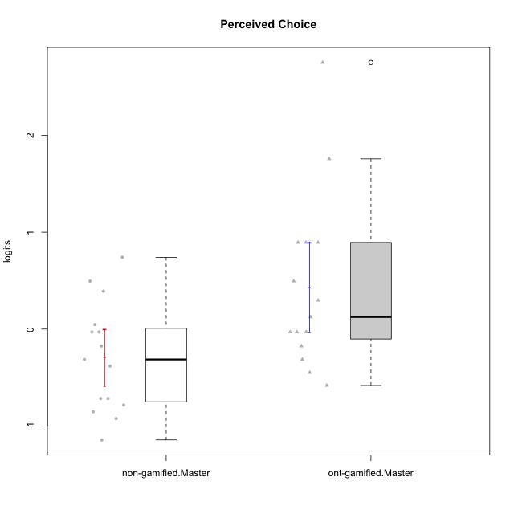

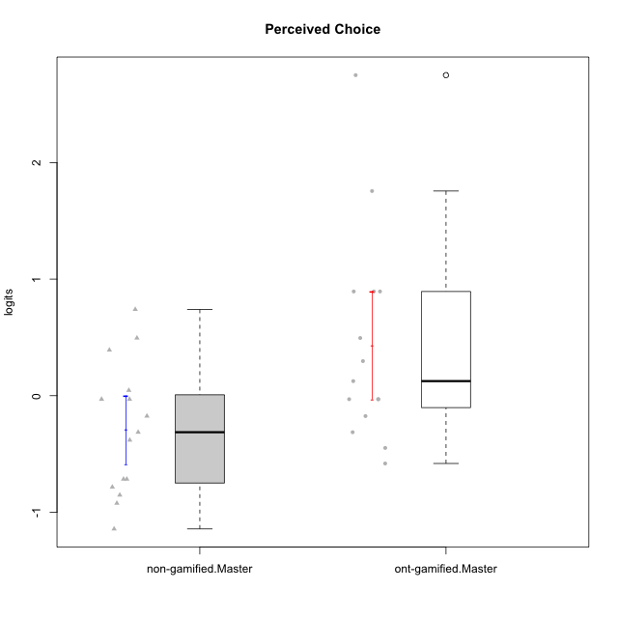

Student's t-Test data
UserID | NroUSP | Type | CLGroup | CLRole | PlayerRole | Perceived Choice | error | WLE.rel
10169 | 10377538 | ont-gamified | Grupo Hefesto | Master | Yee Achiever | -0.03013465276 | 0.2783082774 | 0.76944972051
10172 | 10273971 | non-gamified | Grupo Team 1 | Master |  | -0.17501744567 | 0.27021175094 | 0.76944972051
10174 | 10276852 | ont-gamified | Grupo Urano | Master | Yee Achiever | -0.4482465434 | 0.26256753375 | 0.76944972051
10175 | 10310700 | ont-gamified | Grupo Hélio | Master | Yee Socializer | 1.7561459858 | 0.73000958137 | 0.76944972051
10179 | 10310759 | non-gamified | Grupo Team 9 | Master |  | -0.9227598848 | 0.26981440368 | 0.76944972051
10181 | 10276866 | non-gamified | Grupo Team 10 | Master |  | -0.03013465276 | 0.2783082774 | 0.76944972051
10184 | 10276675 | ont-gamified | Grupo Apolo | Master | Yee Socializer | 0.12514384383 | 0.29051543971 | 0.76944972051
10188 | 10276995 | non-gamified | Grupo Team 3 | Master |  | -0.38114058225 | 0.2635865062 | 0.76944972051
10189 | 9363926 | ont-gamified | Grupo Hades | Master | Yee Socializer | -0.17501744567 | 0.27021175094 | 0.76944972051
10191 | 10276981 | non-gamified | Grupo Team 6 | Master |  | -0.03013465276 | 0.2783082774 | 0.76944972051
10193 | 10276762 | ont-gamified | Grupo Afrodite | Master | Yee Achiever | -0.31343622428 | 0.26516604224 | 0.76944972051
10199 | 10276737 | ont-gamified | Grupo Gaia | Master | Yee Achiever | 2.750519164 | 1.3135085436 | 0.76944972051
10201 | 10276928 | ont-gamified | Grupo Caronte | Master | Yee Achiever | 0.29679621121 | 0.30875086382 | 0.76944972051
10204 | 10310471 | ont-gamified | Grupo Hermes | Master | Yee Achiever | 0.89432291748 | 0.4194463071 | 0.76944972051
10206 | 10310721 | ont-gamified | Grupo Hera | Master | Yee Achiever | 0.89432291748 | 0.4194463071 | 0.76944972051
10211 | 9311643 | non-gamified | Grupo Team 2 | Master |  | -0.85270229156 | 0.26718470314 | 0.76944972051
10212 | 9065750 | non-gamified | Grupo Team 4 | Master |  | 0.49504462318 | 0.33678360871 | 0.76944972051
10213 | 10277040 | ont-gamified | Grupo Morfeu | Master | Yee Socializer | -0.58172873323 | 0.2620907084 | 0.76944972051
10214 | 10277022 | non-gamified | Grupo Team 5 | Master |  | -0.78383870073 | 0.26513011226 | 0.76944972051
10215 | 9285227 | ont-gamified | Grupo Zeus | Master | Yee Socializer | 0.89432291748 | 0.4194463071 | 0.76944972051
10216 | 10276720 | non-gamified | Grupo Team 15 | Master |  | 0.74038139346 | 0.38315195417 | 0.76944972051
10217 | 9805341 | non-gamified | Grupo Team 13 | Master |  | 0.39167732353 | 0.32118099141 | 0.76944972051
10218 | 9842913 | ont-gamified | Grupo Ares | Master | Yee Achiever | -0.03013465276 | 0.2783082774 | 0.76944972051
10219 | 10276831 | non-gamified | Grupo Team 12 | Master |  | -0.71589168771 | 0.26361092673 | 0.76944972051
10223 | 9795185 | ont-gamified | Grupo Cronus | Master | Yee Achiever | 0.49504462318 | 0.33678360871 | 0.76944972051
10226 | 10310342 | non-gamified | Grupo Team 8 | Master |  | -1.1434122935 | 0.28184149962 | 0.76944972051
10230 | 10351992 | non-gamified | Grupo Team 14 | Master |  | -0.31343622428 | 0.26516604224 | 0.76944972051
10232 | 10276974 | ont-gamified | Grupo Artemis | Master | Yee Achiever | -0.03013465276 | 0.2783082774 | 0.76944972051
10234 | 10310676 | non-gamified | Grupo Team 7 | Master |  | -0.71589168771 | 0.26361092673 | 0.76944972051
10237 | 10377688 | non-gamified | Grupo Team 11 | Master |  | 0.045896157378 | 0.28380551948 | 0.76944972051

Type_CLRole_6
Student's t-Test for Perceived Choice in Type:CLRole between ont-gamified.Apprentice:ont-gamified.Master

Student's t-Test results
Alternative hypothesis: less
Group | N | Mean | Mean.Difference | Std.deviation | Std.error | CI.lower | CI.upper | df | t.value | p.value | g | magnitude
ont-gamified.Apprentice | 13 | 0.41473675195 | -0.018448959752 | 0.94927334829 | 0.26328105628 | -0.11182536061 | 0.94129886452 | 24.946579333 | -0.052624039155 | 0.4792253016 | -0.019442266134 | negligible
ont-gamified.Master | 15 | 0.43318571171 | 0.018448959752 | 0.89657467317 | 0.23149458519 | -0.029803458668 | 0.89617488208 | 24.946579333 | -0.052624039155 | 0.4792253016 | -0.019442266134 | negligible
Alternative hypothesis: greater
Group | N | Mean | Mean.Difference | Std.deviation | Std.error | CI.lower | CI.upper | df | t.value | p.value | g | magnitude
ont-gamified.Apprentice | 13 | 0.41473675195 | -0.018448959752 | 0.94927334829 | 0.26328105628 | -0.11182536061 | 0.94129886452 | 24.946579333 | -0.052624039155 | 0.5207746984 | -0.019442266134 | negligible
ont-gamified.Master | 15 | 0.43318571171 | 0.018448959752 | 0.89657467317 | 0.23149458519 | -0.029803458668 | 0.89617488208 | 24.946579333 | -0.052624039155 | 0.5207746984 | -0.019442266134 | negligible
Alternative hypothesis: two.sided
Group | N | Mean | Mean.Difference | Std.deviation | Std.error | CI.lower | CI.upper | df | t.value | p.value | g | magnitude
ont-gamified.Apprentice | 13 | 0.41473675195 | -0.018448959752 | 0.94927334829 | 0.26328105628 | -0.11182536061 | 0.94129886452 | 24.946579333 | -0.052624039155 | 0.95845060319 | -0.019442266134 | negligible
ont-gamified.Master | 15 | 0.43318571171 | 0.018448959752 | 0.89657467317 | 0.23149458519 | -0.029803458668 | 0.89617488208 | 24.946579333 | -0.052624039155 | 0.95845060319 | -0.019442266134 | negligible

Box plots for Student's t-Test
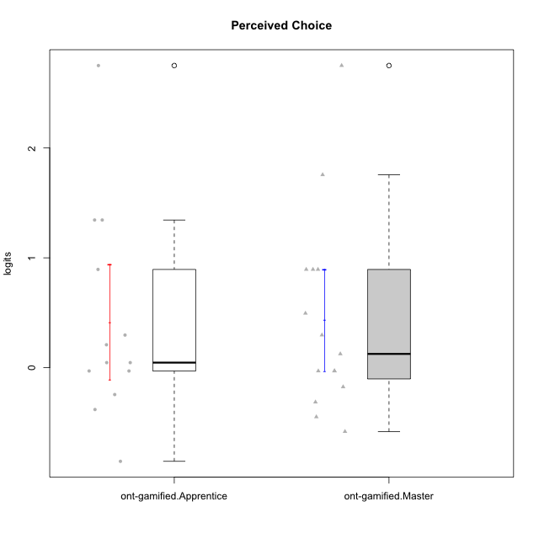

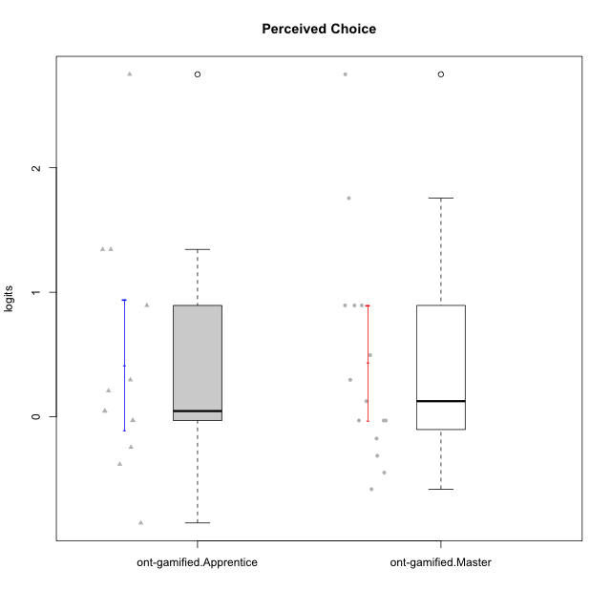

Student's t-Test data
UserID | NroUSP | Type | CLGroup | CLRole | PlayerRole | Perceived Choice | error | WLE.rel
10169 | 10377538 | ont-gamified | Grupo Hefesto | Master | Yee Achiever | -0.03013465276 | 0.2783082774 | 0.76944972051
10170 | 10260351 | ont-gamified | Grupo Afrodite | Apprentice | Yee Achiever | 0.89432291748 | 0.4194463071 | 0.76944972051
10174 | 10276852 | ont-gamified | Grupo Urano | Master | Yee Achiever | -0.4482465434 | 0.26256753375 | 0.76944972051
10175 | 10310700 | ont-gamified | Grupo Hélio | Master | Yee Socializer | 1.7561459858 | 0.73000958137 | 0.76944972051
10176 | 10276949 | ont-gamified | Grupo Cronus | Apprentice | Yee Achiever | 0.045896157378 | 0.28380551948 | 0.76944972051
10178 | 8656201 | ont-gamified | Grupo Morfeu | Apprentice | Yee Socializer | 0.045896157378 | 0.28380551948 | 0.76944972051
10183 | 10352030 | ont-gamified | Grupo Hélio | Apprentice | Yee Socializer | -0.03013465276 | 0.2783082774 | 0.76944972051
10184 | 10276675 | ont-gamified | Grupo Apolo | Master | Yee Socializer | 0.12514384383 | 0.29051543971 | 0.76944972051
10186 | 10310551 | ont-gamified | Grupo Ares | Apprentice | Yee Achiever | 0.29679621121 | 0.30875086382 | 0.76944972051
10189 | 9363926 | ont-gamified | Grupo Hades | Master | Yee Socializer | -0.17501744567 | 0.27021175094 | 0.76944972051
10190 | 10276907 | ont-gamified | Grupo Zeus | Apprentice | Yee Socializer | 0.208424484 | 0.29870635502 | 0.76944972051
10193 | 10276762 | ont-gamified | Grupo Afrodite | Master | Yee Achiever | -0.31343622428 | 0.26516604224 | 0.76944972051
10195 | 10351971 | ont-gamified | Grupo Urano | Apprentice | Yee Achiever | -0.24483839121 | 0.26735321031 | 0.76944972051
10196 | 10310655 | ont-gamified | Grupo Hefesto | Apprentice | Yee Achiever | -0.85270229156 | 0.26718470314 | 0.76944972051
10197 | 10276661 | ont-gamified | Grupo Gaia | Apprentice | Yee Achiever | 1.3443366273 | 0.55910246793 | 0.76944972051
10198 | 10310888 | ont-gamified | Grupo Apolo | Apprentice | Yee Socializer | 2.750519164 | 1.3135085436 | 0.76944972051
10199 | 10276737 | ont-gamified | Grupo Gaia | Master | Yee Achiever | 2.750519164 | 1.3135085436 | 0.76944972051
10200 | 9795272 | ont-gamified | Grupo Hades | Apprentice | Yee Socializer | -0.03013465276 | 0.2783082774 | 0.76944972051
10201 | 10276928 | ont-gamified | Grupo Caronte | Master | Yee Achiever | 0.29679621121 | 0.30875086382 | 0.76944972051
10204 | 10310471 | ont-gamified | Grupo Hermes | Master | Yee Achiever | 0.89432291748 | 0.4194463071 | 0.76944972051
10206 | 10310721 | ont-gamified | Grupo Hera | Master | Yee Achiever | 0.89432291748 | 0.4194463071 | 0.76944972051
10213 | 10277040 | ont-gamified | Grupo Morfeu | Master | Yee Socializer | -0.58172873323 | 0.2620907084 | 0.76944972051
10215 | 9285227 | ont-gamified | Grupo Zeus | Master | Yee Socializer | 0.89432291748 | 0.4194463071 | 0.76944972051
10218 | 9842913 | ont-gamified | Grupo Ares | Master | Yee Achiever | -0.03013465276 | 0.2783082774 | 0.76944972051
10221 | 9082496 | ont-gamified | Grupo Hermes | Apprentice | Yee Achiever | -0.38114058225 | 0.2635865062 | 0.76944972051
10223 | 9795185 | ont-gamified | Grupo Cronus | Master | Yee Achiever | 0.49504462318 | 0.33678360871 | 0.76944972051
10231 | 10276911 | ont-gamified | Grupo Caronte | Apprentice | Yee Achiever | 1.3443366273 | 0.55910246793 | 0.76944972051
10232 | 10276974 | ont-gamified | Grupo Artemis | Master | Yee Achiever | -0.03013465276 | 0.2783082774 | 0.76944972051

