Assumptions
ANOVA assumptions for Pressure/Tension

Shapiro-Wilk normality test for Pressure/Tension
W | p.value
0.95829129379 | 0.070535626826

Plots for normality test
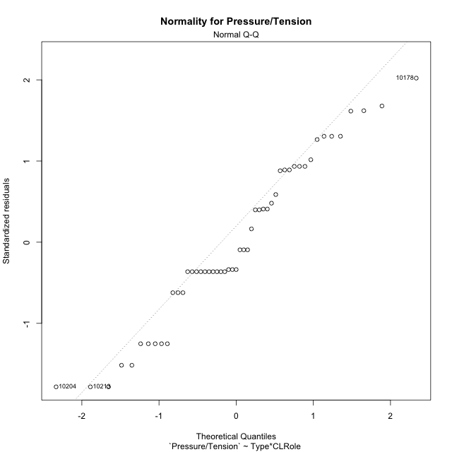

Levene's Test for Homogeneity of Variance in Pressure/Tension
Df | F value | Pr(>F)
3 | 1.9181488828 | 0.13952591173
47

Plots for homogeneity of variance
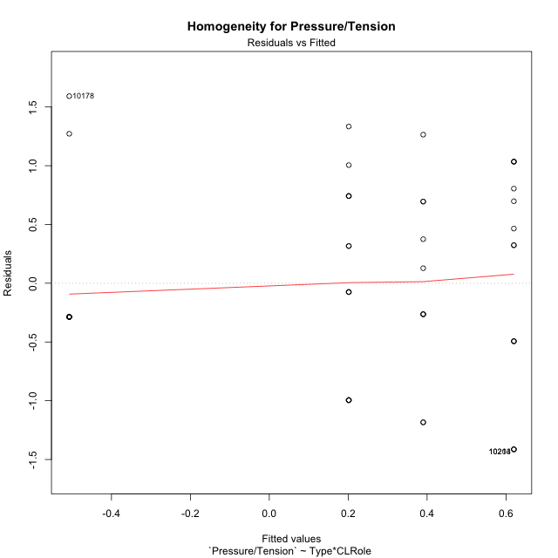

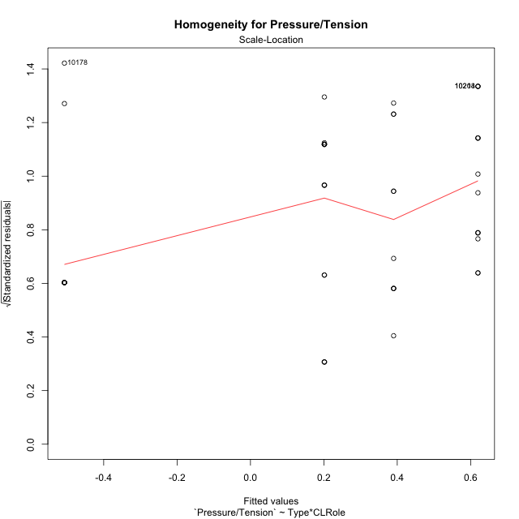

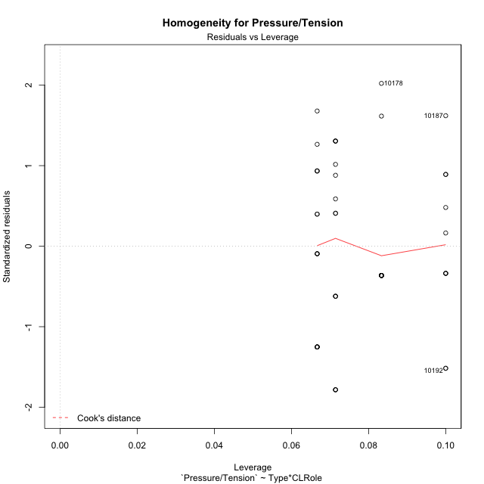

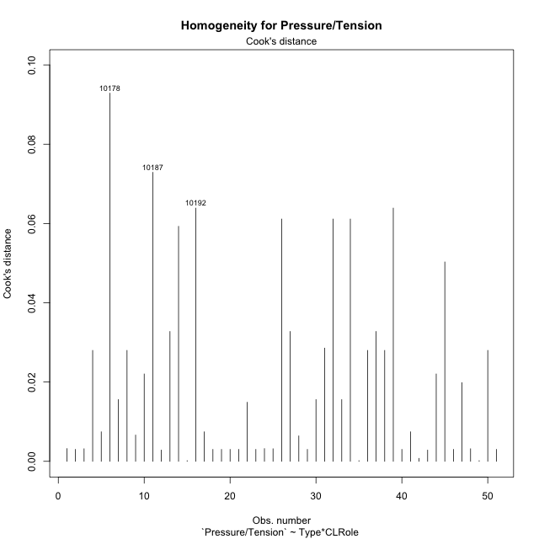

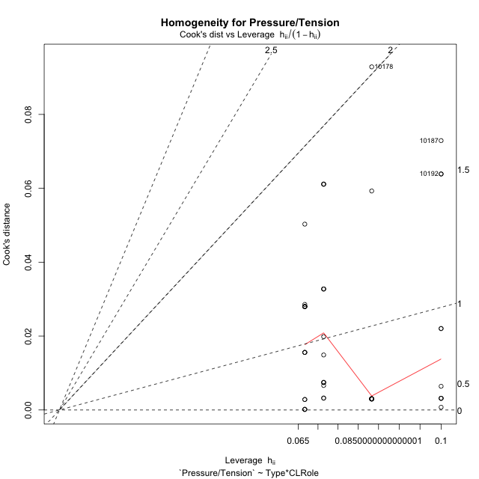

Minimum Sample Size Test for Pressure/Tension
Type | CLRole | Freq
non-gamified | Apprentice | 10
ont-gamified | Apprentice | 12
non-gamified | Master | 15
ont-gamified | Master | 14

Errors and Warnings in Sample Size Test for ANOVA in Pressure/Tension
code | description
WARN: sample.size | current.size is = 10 and recommended.size must be = 15 for the group: 'non-gamified:Apprentice'. Size sample for parametric test isn't recomended
WARN: sample.size | current.size is = 12 and recommended.size must be = 15 for the group: 'ont-gamified:Apprentice'. Size sample for parametric test isn't recomended
WARN: sample.size | current.size is = 14 and recommended.size must be = 15 for the group: 'ont-gamified:Master'. Size sample for parametric test isn't recomended

For the group: 'non-gamified:Apprentice', we recommend the use of non parametric test. For the group: 'ont-gamified:Apprentice', we recommend the use of non parametric test. For the group: 'non-gamified:Master', you can perform a parametric test with a non-normal distribution For the group: 'ont-gamified:Master', we recommend the use of non parametric test.

If you don't want to remove non-normal data, you must cite the following references: ... (1) Lix, L.M., J.C. Keselman, and H.J. Keselman. 1996. Consequences of assumption violations revisited: A quantitative review of alternatives to the one-way analysis of variance F test. Rev. Educ. Res. 66: 579-619. ... (2) Harwell, M.R., E.N. Rubinstein, W.S. Hayes, and C.C. Olds. 1992. Summarizing Monte Carlo results in methodological research: the one- and two-factor fixed effects ANOVA cases. J. Educ. Stat. 17: 315-339.

Post-hoc
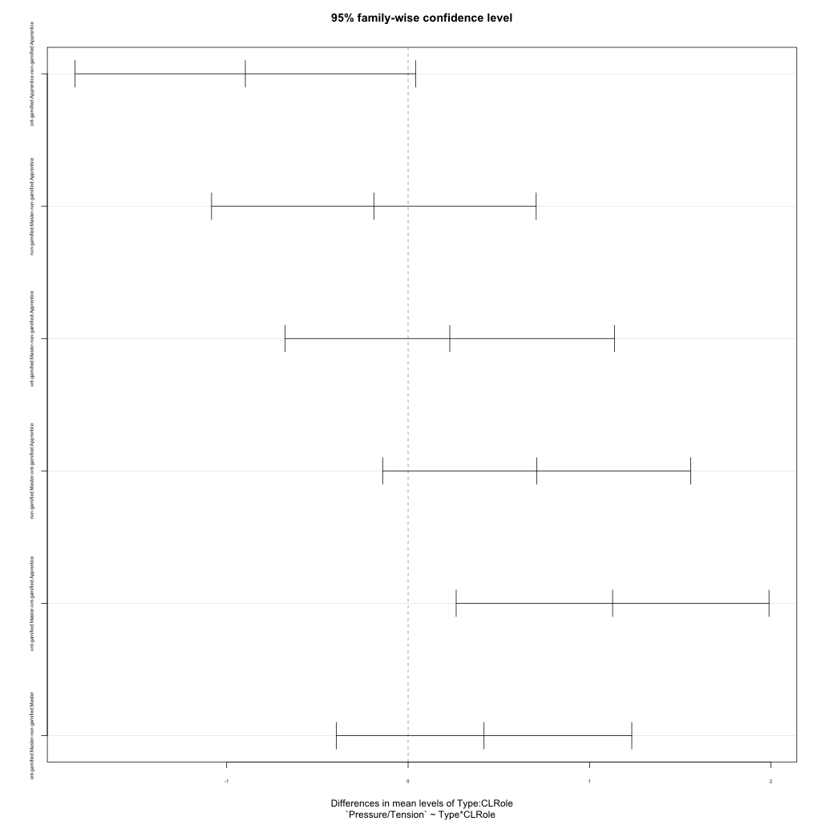
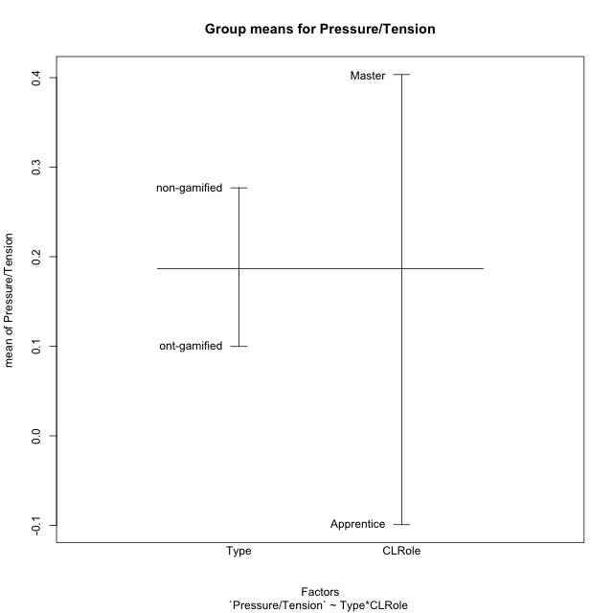
Post-hoc Tukey Honestly Significant Difference (HSD) Test for Pressure/Tension

Comparisons of means for Type
 | diff | lwr | upr | p adj
ont-gamified-non-gamified | -0.17712494455 | -0.6407233119 | 0.2864734228 | 0.44596605303

Comparisons of means for CLRole
 | diff | lwr | upr | p adj
Master-Apprentice | 0.49158327513 | 0.023645358868 | 0.95952119139 | 0.039903864208

Comparisons of means for Type:CLRole
 | diff | lwr | upr | p adj
ont-gamified:Apprentice-non-gamified:Apprentice | -0.89714073884 | -1.8353438942 | 0.041062416569 | 0.065594664903
non-gamified:Master-non-gamified:Apprentice | -0.18868023853 | -1.0832218483 | 0.70586137127 | 0.94284668407
ont-gamified:Master-non-gamified:Apprentice | 0.2297877562 | -0.67744302085 | 1.1370185333 | 0.90618197465
non-gamified:Master-ont-gamified:Apprentice | 0.70846050031 | -0.14017618431 | 1.5570971849 | 0.13177345979
ont-gamified:Master-ont-gamified:Apprentice | 1.126928495 | 0.26492663096 | 1.9889303591 | 0.0057906163202
ont-gamified:Master-non-gamified:Master | 0.41846799473 | -0.39579654736 | 1.2327325368 | 0.52485034873

Contrast Matrices for Pressure/Tension - Type
contrast | estimate | SE | df | t.ratio | p.value
non-gamified - ont-gamified | 0.23933637205 | 0.23321354437 | 47 | 1.0262541685 | 0.31002478188

Contrast Matrices for Pressure/Tension - Type:CLRole
contrast | CLRole | estimate | SE | df | t.ratio | p.value
non-gamified - ont-gamified | Apprentice | 0.89714073884 | 0.35225911802 | 47 | 2.5468204879 | 0.014205184788
non-gamified - ont-gamified | Master | -0.41846799473 | 0.30572494644 | 47 | -1.3687728123 | 0.17757715436

Least Squares Means and Confidence Intervals for Type
Type | lsmean | SE | df | lower.CL | upper.CL | Pairs
non-gamified | 0.29577890362 | 0.16793294538 | 47 | -0.042058606182 | 0.63361641343 | non-gamified
ont-gamified | 0.056442531571 | 0.16182423531 | 47 | -0.2691058387 | 0.38199090184 | ont-gamified

Least Squares Means and Confidence Intervals for Type:CLRole
Type | CLRole | lsmean | SE | df | lower.CL | upper.CL | Pairs
non-gamified | Apprentice | 0.39011902289 | 0.26016060029 | 47 | -0.13325659679 | 0.91349464257 | non-gamified.Apprentice
ont-gamified | Apprentice | -0.50702171595 | 0.23749304892 | 47 | -0.9847961042 | -0.029247327703 | ont-gamified.Apprentice
non-gamified | Master | 0.20143878436 | 0.21242024063 | 47 | -0.22589561965 | 0.62877318837 | non-gamified.Master
ont-gamified | Master | 0.61990677909 | 0.21987583825 | 47 | 0.1775736473 | 1.0622399109 | ont-gamified.Master

Plots

Type_1
Student's t-Test for Pressure/Tension in Type between non-gamified:ont-gamified

Student's t-Test results
Alternative hypothesis: less
Group | N | Mean | Mean.Difference | Std.deviation | Std.error | CI.lower | CI.upper | df | t.value | p.value | g | magnitude
non-gamified | 25 | 0.27691087977 | 0.17712494455 | 0.80505737488 | 0.16101147498 | -0.045112070181 | 0.59893382973 | 47.654100332 | 0.70076256156 | 0.75657053936 | 0.19247086366 | negligible
ont-gamified | 26 | 0.099785935227 | -0.17712494455 | 0.99349873037 | 0.19484113127 | -0.2898963273 | 0.48946819776 | 47.654100332 | 0.70076256156 | 0.75657053936 | 0.19247086366 | negligible
Alternative hypothesis: greater
Group | N | Mean | Mean.Difference | Std.deviation | Std.error | CI.lower | CI.upper | df | t.value | p.value | g | magnitude
non-gamified | 25 | 0.27691087977 | 0.17712494455 | 0.80505737488 | 0.16101147498 | -0.045112070181 | 0.59893382973 | 47.654100332 | 0.70076256156 | 0.24342946064 | 0.19247086366 | negligible
ont-gamified | 26 | 0.099785935227 | -0.17712494455 | 0.99349873037 | 0.19484113127 | -0.2898963273 | 0.48946819776 | 47.654100332 | 0.70076256156 | 0.24342946064 | 0.19247086366 | negligible
Alternative hypothesis: two.sided
Group | N | Mean | Mean.Difference | Std.deviation | Std.error | CI.lower | CI.upper | df | t.value | p.value | g | magnitude
non-gamified | 25 | 0.27691087977 | 0.17712494455 | 0.80505737488 | 0.16101147498 | -0.045112070181 | 0.59893382973 | 47.654100332 | 0.70076256156 | 0.48685892127 | 0.19247086366 | negligible
ont-gamified | 26 | 0.099785935227 | -0.17712494455 | 0.99349873037 | 0.19484113127 | -0.2898963273 | 0.48946819776 | 47.654100332 | 0.70076256156 | 0.48685892127 | 0.19247086366 | negligible

Box plots for Student's t-Test
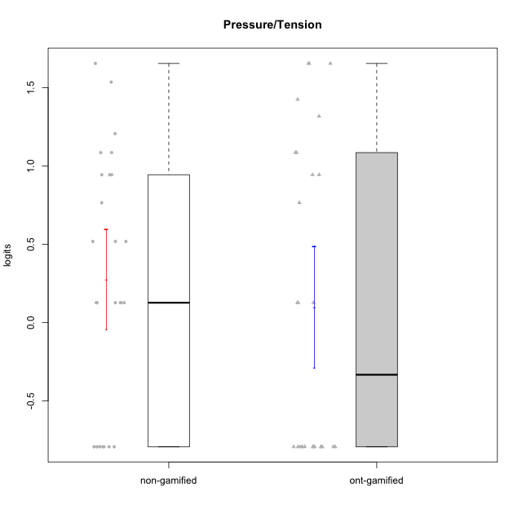

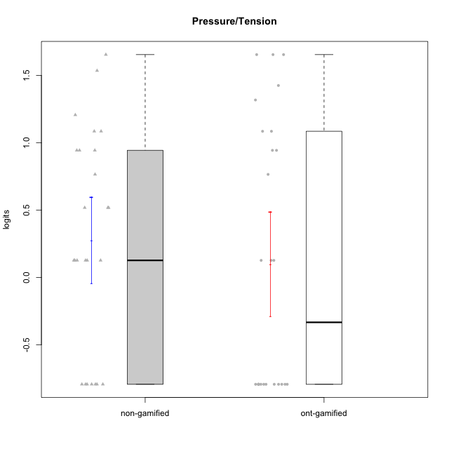

Student's t-Test data
UserID | NroUSP | Type | CLGroup | CLRole | PlayerRole | Pressure/Tension | error | WLE.rel
10169 | 10377538 | ont-gamified | Grupo Hefesto | Master | Yee Achiever | 0.94371808807 | 0.41724390489 | 0.09304962134
10170 | 10260351 | ont-gamified | Grupo Afrodite | Apprentice | Yee Achiever | -0.79346612526 | 1.2578944818 | 0.09304962134
10171 | 698531 | non-gamified | Grupo Team 6 | Apprentice |  | 0.12664853824 | 0.71106685268 | 0.09304962134
10172 | 10273971 | non-gamified | Grupo Team 1 | Master |  | -0.79346612526 | 1.2578944818 | 0.09304962134
10174 | 10276852 | ont-gamified | Grupo Urano | Master | Yee Achiever | 0.12664853824 | 0.71106685268 | 0.09304962134
10178 | 8656201 | ont-gamified | Grupo Morfeu | Apprentice | Yee Socializer | 1.0852985646 | 0.38807588371 | 0.09304962134
10179 | 10310759 | non-gamified | Grupo Team 9 | Master |  | 0.94371808807 | 0.41724390489 | 0.09304962134
10181 | 10276866 | non-gamified | Grupo Team 10 | Master |  | -0.79346612526 | 1.2578944818 | 0.09304962134
10184 | 10276675 | ont-gamified | Grupo Apolo | Master | Yee Socializer | 1.0852985646 | 0.38807588371 | 0.09304962134
10185 | 10276960 | non-gamified | Grupo Team 12 | Apprentice |  | 1.0852985646 | 0.38807588371 | 0.09304962134
10187 | 9790781 | non-gamified | Grupo Team 15 | Apprentice |  | 1.654552162 | 0.38044002712 | 0.09304962134
10188 | 10276995 | non-gamified | Grupo Team 3 | Master |  | 0.51792547686 | 0.54814378769 | 0.09304962134
10189 | 9363926 | ont-gamified | Grupo Hades | Master | Yee Socializer | 1.654552162 | 0.38044002712 | 0.09304962134
10190 | 10276907 | ont-gamified | Grupo Zeus | Apprentice | Yee Socializer | 0.76510209653 | 0.46543496376 | 0.09304962134
10191 | 10276981 | non-gamified | Grupo Team 6 | Master |  | 0.12664853824 | 0.71106685268 | 0.09304962134
10192 | 10276682 | non-gamified | Grupo Team 5 | Apprentice |  | -0.79346612526 | 1.2578944818 | 0.09304962134
10193 | 10276762 | ont-gamified | Grupo Afrodite | Master | Yee Achiever | 0.12664853824 | 0.71106685268 | 0.09304962134
10195 | 10351971 | ont-gamified | Grupo Urano | Apprentice | Yee Achiever | -0.79346612526 | 1.2578944818 | 0.09304962134
10196 | 10310655 | ont-gamified | Grupo Hefesto | Apprentice | Yee Achiever | -0.79346612526 | 1.2578944818 | 0.09304962134
10197 | 10276661 | ont-gamified | Grupo Gaia | Apprentice | Yee Achiever | -0.79346612526 | 1.2578944818 | 0.09304962134
10198 | 10310888 | ont-gamified | Grupo Apolo | Apprentice | Yee Socializer | -0.79346612526 | 1.2578944818 | 0.09304962134
10199 | 10276737 | ont-gamified | Grupo Gaia | Master | Yee Achiever | 1.3175663339 | 0.36255843972 | 0.09304962134
10200 | 9795272 | ont-gamified | Grupo Hades | Apprentice | Yee Socializer | -0.79346612526 | 1.2578944818 | 0.09304962134
10201 | 10276928 | ont-gamified | Grupo Caronte | Master | Yee Achiever | 0.94371808807 | 0.41724390489 | 0.09304962134
10203 | 9921470 | non-gamified | Grupo Team 3 | Apprentice |  | 0.12664853824 | 0.71106685268 | 0.09304962134
10204 | 10310471 | ont-gamified | Grupo Hermes | Master | Yee Achiever | -0.79346612526 | 1.2578944818 | 0.09304962134
10206 | 10310721 | ont-gamified | Grupo Hera | Master | Yee Achiever | 1.654552162 | 0.38044002712 | 0.09304962134
10208 | 10276932 | non-gamified | Grupo Team 7 | Apprentice |  | 0.76510209653 | 0.46543496376 | 0.09304962134
10209 | 10262669 | ont-gamified | Grupo Artemis | Apprentice | Yee Achiever | -0.79346612526 | 1.2578944818 | 0.09304962134
10211 | 9311643 | non-gamified | Grupo Team 2 | Master |  | 0.94371808807 | 0.41724390489 | 0.09304962134
10212 | 9065750 | non-gamified | Grupo Team 4 | Master |  | 1.206586644 | 0.37096623327 | 0.09304962134
10213 | 10277040 | ont-gamified | Grupo Morfeu | Master | Yee Socializer | -0.79346612526 | 1.2578944818 | 0.09304962134
10214 | 10277022 | non-gamified | Grupo Team 5 | Master |  | 0.94371808807 | 0.41724390489 | 0.09304962134
10215 | 9285227 | ont-gamified | Grupo Zeus | Master | Yee Socializer | -0.79346612526 | 1.2578944818 | 0.09304962134
10216 | 10276720 | non-gamified | Grupo Team 15 | Master |  | 0.12664853824 | 0.71106685268 | 0.09304962134
10217 | 9805341 | non-gamified | Grupo Team 13 | Master |  | -0.79346612526 | 1.2578944818 | 0.09304962134
10218 | 9842913 | ont-gamified | Grupo Ares | Master | Yee Achiever | 1.654552162 | 0.38044002712 | 0.09304962134
10219 | 10276831 | non-gamified | Grupo Team 12 | Master |  | -0.79346612526 | 1.2578944818 | 0.09304962134
10220 | 9760151 | non-gamified | Grupo Team 2 | Apprentice |  | -0.79346612526 | 1.2578944818 | 0.09304962134
10221 | 9082496 | ont-gamified | Grupo Hermes | Apprentice | Yee Achiever | -0.79346612526 | 1.2578944818 | 0.09304962134
10223 | 9795185 | ont-gamified | Grupo Cronus | Master | Yee Achiever | 0.12664853824 | 0.71106685268 | 0.09304962134
10224 | 9368772 | non-gamified | Grupo Team 10 | Apprentice |  | 0.51792547686 | 0.54814378769 | 0.09304962134
10226 | 10310342 | non-gamified | Grupo Team 8 | Master |  | 0.51792547686 | 0.54814378769 | 0.09304962134
10228 | 10310492 | non-gamified | Grupo Team 14 | Apprentice |  | 1.0852985646 | 0.38807588371 | 0.09304962134
10230 | 10351992 | non-gamified | Grupo Team 14 | Master |  | 1.535374915 | 0.36709513491 | 0.09304962134
10231 | 10276911 | ont-gamified | Grupo Caronte | Apprentice | Yee Achiever | -0.79346612526 | 1.2578944818 | 0.09304962134
10232 | 10276974 | ont-gamified | Grupo Artemis | Master | Yee Achiever | 1.4251901077 | 0.36136772103 | 0.09304962134
10233 | 9805320 | non-gamified | Grupo Team 16 | Apprentice |  | 0.12664853824 | 0.71106685268 | 0.09304962134
10234 | 10310676 | non-gamified | Grupo Team 7 | Master |  | 0.12664853824 | 0.71106685268 | 0.09304962134
10237 | 10377688 | non-gamified | Grupo Team 11 | Master |  | -0.79346612526 | 1.2578944818 | 0.09304962134
10240 | 10276654 | ont-gamified | Grupo Hera | Apprentice | Yee Achiever | -0.79346612526 | 1.2578944818 | 0.09304962134

Type_CLRole_1
Student's t-Test for Pressure/Tension in Type:CLRole between non-gamified.Apprentice:non-gamified.Master

Student's t-Test results
Alternative hypothesis: less
Group | N | Mean | Mean.Difference | Std.deviation | Std.error | CI.lower | CI.upper | df | t.value | p.value | g | magnitude
non-gamified.Apprentice | 10 | 0.39011902289 | 0.18868023853 | 0.79807301557 | 0.25237284683 | -0.11462667078 | 0.89486471655 | 19.955413613 | 0.57032286209 | 0.7125876124 | 0.22340954652 | small
non-gamified.Master | 15 | 0.20143878436 | -0.18868023853 | 0.82846375929 | 0.21390842284 | -0.22637806133 | 0.62925563005 | 19.955413613 | 0.57032286209 | 0.7125876124 | 0.22340954652 | small
Alternative hypothesis: greater
Group | N | Mean | Mean.Difference | Std.deviation | Std.error | CI.lower | CI.upper | df | t.value | p.value | g | magnitude
non-gamified.Apprentice | 10 | 0.39011902289 | 0.18868023853 | 0.79807301557 | 0.25237284683 | -0.11462667078 | 0.89486471655 | 19.955413613 | 0.57032286209 | 0.2874123876 | 0.22340954652 | small
non-gamified.Master | 15 | 0.20143878436 | -0.18868023853 | 0.82846375929 | 0.21390842284 | -0.22637806133 | 0.62925563005 | 19.955413613 | 0.57032286209 | 0.2874123876 | 0.22340954652 | small
Alternative hypothesis: two.sided
Group | N | Mean | Mean.Difference | Std.deviation | Std.error | CI.lower | CI.upper | df | t.value | p.value | g | magnitude
non-gamified.Apprentice | 10 | 0.39011902289 | 0.18868023853 | 0.79807301557 | 0.25237284683 | -0.11462667078 | 0.89486471655 | 19.955413613 | 0.57032286209 | 0.57482477521 | 0.22340954652 | small
non-gamified.Master | 15 | 0.20143878436 | -0.18868023853 | 0.82846375929 | 0.21390842284 | -0.22637806133 | 0.62925563005 | 19.955413613 | 0.57032286209 | 0.57482477521 | 0.22340954652 | small

Box plots for Student's t-Test
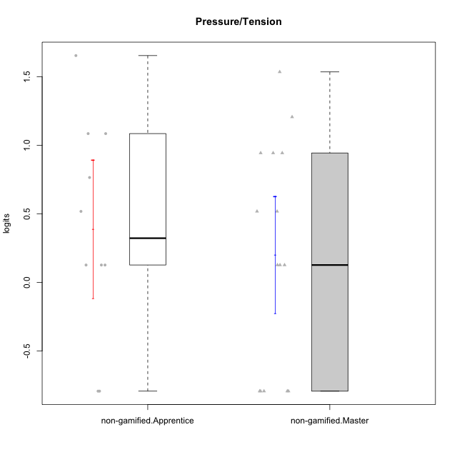

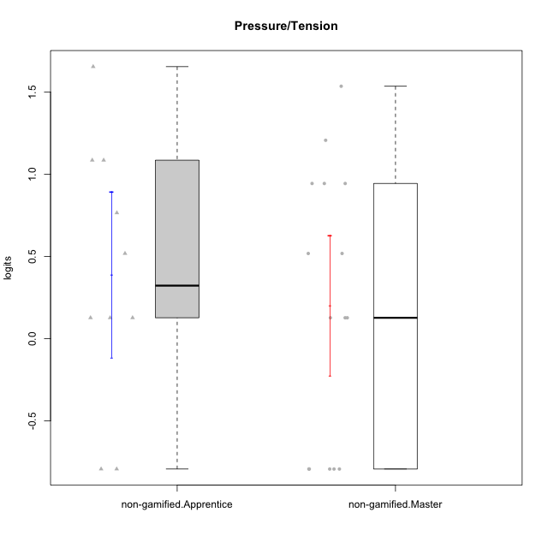

Student's t-Test data
UserID | NroUSP | Type | CLGroup | CLRole | PlayerRole | Pressure/Tension | error | WLE.rel
10171 | 698531 | non-gamified | Grupo Team 6 | Apprentice |  | 0.12664853824 | 0.71106685268 | 0.09304962134
10172 | 10273971 | non-gamified | Grupo Team 1 | Master |  | -0.79346612526 | 1.2578944818 | 0.09304962134
10179 | 10310759 | non-gamified | Grupo Team 9 | Master |  | 0.94371808807 | 0.41724390489 | 0.09304962134
10181 | 10276866 | non-gamified | Grupo Team 10 | Master |  | -0.79346612526 | 1.2578944818 | 0.09304962134
10185 | 10276960 | non-gamified | Grupo Team 12 | Apprentice |  | 1.0852985646 | 0.38807588371 | 0.09304962134
10187 | 9790781 | non-gamified | Grupo Team 15 | Apprentice |  | 1.654552162 | 0.38044002712 | 0.09304962134
10188 | 10276995 | non-gamified | Grupo Team 3 | Master |  | 0.51792547686 | 0.54814378769 | 0.09304962134
10191 | 10276981 | non-gamified | Grupo Team 6 | Master |  | 0.12664853824 | 0.71106685268 | 0.09304962134
10192 | 10276682 | non-gamified | Grupo Team 5 | Apprentice |  | -0.79346612526 | 1.2578944818 | 0.09304962134
10203 | 9921470 | non-gamified | Grupo Team 3 | Apprentice |  | 0.12664853824 | 0.71106685268 | 0.09304962134
10208 | 10276932 | non-gamified | Grupo Team 7 | Apprentice |  | 0.76510209653 | 0.46543496376 | 0.09304962134
10211 | 9311643 | non-gamified | Grupo Team 2 | Master |  | 0.94371808807 | 0.41724390489 | 0.09304962134
10212 | 9065750 | non-gamified | Grupo Team 4 | Master |  | 1.206586644 | 0.37096623327 | 0.09304962134
10214 | 10277022 | non-gamified | Grupo Team 5 | Master |  | 0.94371808807 | 0.41724390489 | 0.09304962134
10216 | 10276720 | non-gamified | Grupo Team 15 | Master |  | 0.12664853824 | 0.71106685268 | 0.09304962134
10217 | 9805341 | non-gamified | Grupo Team 13 | Master |  | -0.79346612526 | 1.2578944818 | 0.09304962134
10219 | 10276831 | non-gamified | Grupo Team 12 | Master |  | -0.79346612526 | 1.2578944818 | 0.09304962134
10220 | 9760151 | non-gamified | Grupo Team 2 | Apprentice |  | -0.79346612526 | 1.2578944818 | 0.09304962134
10224 | 9368772 | non-gamified | Grupo Team 10 | Apprentice |  | 0.51792547686 | 0.54814378769 | 0.09304962134
10226 | 10310342 | non-gamified | Grupo Team 8 | Master |  | 0.51792547686 | 0.54814378769 | 0.09304962134
10228 | 10310492 | non-gamified | Grupo Team 14 | Apprentice |  | 1.0852985646 | 0.38807588371 | 0.09304962134
10230 | 10351992 | non-gamified | Grupo Team 14 | Master |  | 1.535374915 | 0.36709513491 | 0.09304962134
10233 | 9805320 | non-gamified | Grupo Team 16 | Apprentice |  | 0.12664853824 | 0.71106685268 | 0.09304962134
10234 | 10310676 | non-gamified | Grupo Team 7 | Master |  | 0.12664853824 | 0.71106685268 | 0.09304962134
10237 | 10377688 | non-gamified | Grupo Team 11 | Master |  | -0.79346612526 | 1.2578944818 | 0.09304962134

Type_CLRole_2
Student's t-Test for Pressure/Tension in Type:CLRole between non-gamified.Apprentice:ont-gamified.Apprentice

Student's t-Test results
Alternative hypothesis: less
Group | N | Mean | Mean.Difference | Std.deviation | Std.error | CI.lower | CI.upper | df | t.value | p.value | g | magnitude
non-gamified.Apprentice | 10 | 0.39011902289 | 0.89714073884 | 0.79807301557 | 0.25237284683 | -0.11462667078 | 0.89486471655 | 17.724018188 | 2.8176880219 | 0.99424148974 | 1.1796056989 | large
ont-gamified.Apprentice | 12 | -0.50702171595 | -0.89714073884 | 0.67246404882 | 0.1941236498 | -0.89526901556 | -0.11877441635 | 17.724018188 | 2.8176880219 | 0.99424148974 | 1.1796056989 | large
Alternative hypothesis: greater
Group | N | Mean | Mean.Difference | Std.deviation | Std.error | CI.lower | CI.upper | df | t.value | p.value | g | magnitude
non-gamified.Apprentice | 10 | 0.39011902289 | 0.89714073884 | 0.79807301557 | 0.25237284683 | -0.11462667078 | 0.89486471655 | 17.724018188 | 2.8176880219 | 0.0057585102625 | 1.1796056989 | large
ont-gamified.Apprentice | 12 | -0.50702171595 | -0.89714073884 | 0.67246404882 | 0.1941236498 | -0.89526901556 | -0.11877441635 | 17.724018188 | 2.8176880219 | 0.0057585102625 | 1.1796056989 | large
Alternative hypothesis: two.sided
Group | N | Mean | Mean.Difference | Std.deviation | Std.error | CI.lower | CI.upper | df | t.value | p.value | g | magnitude
non-gamified.Apprentice | 10 | 0.39011902289 | 0.89714073884 | 0.79807301557 | 0.25237284683 | -0.11462667078 | 0.89486471655 | 17.724018188 | 2.8176880219 | 0.011517020525 | 1.1796056989 | large
ont-gamified.Apprentice | 12 | -0.50702171595 | -0.89714073884 | 0.67246404882 | 0.1941236498 | -0.89526901556 | -0.11877441635 | 17.724018188 | 2.8176880219 | 0.011517020525 | 1.1796056989 | large

Box plots for Student's t-Test
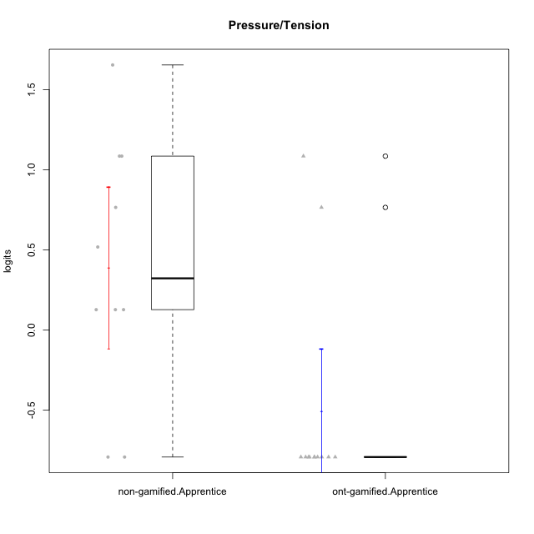

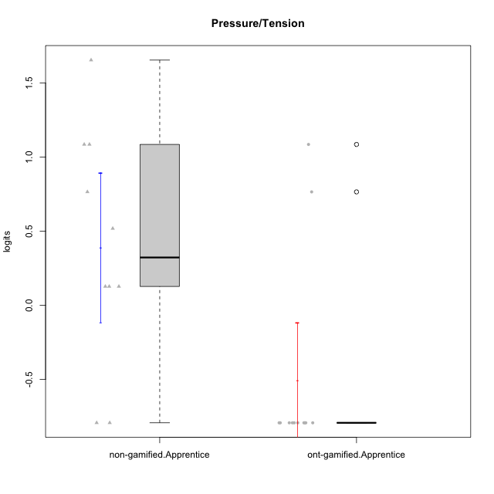

Student's t-Test data
UserID | NroUSP | Type | CLGroup | CLRole | PlayerRole | Pressure/Tension | error | WLE.rel
10170 | 10260351 | ont-gamified | Grupo Afrodite | Apprentice | Yee Achiever | -0.79346612526 | 1.2578944818 | 0.09304962134
10171 | 698531 | non-gamified | Grupo Team 6 | Apprentice |  | 0.12664853824 | 0.71106685268 | 0.09304962134
10178 | 8656201 | ont-gamified | Grupo Morfeu | Apprentice | Yee Socializer | 1.0852985646 | 0.38807588371 | 0.09304962134
10185 | 10276960 | non-gamified | Grupo Team 12 | Apprentice |  | 1.0852985646 | 0.38807588371 | 0.09304962134
10187 | 9790781 | non-gamified | Grupo Team 15 | Apprentice |  | 1.654552162 | 0.38044002712 | 0.09304962134
10190 | 10276907 | ont-gamified | Grupo Zeus | Apprentice | Yee Socializer | 0.76510209653 | 0.46543496376 | 0.09304962134
10192 | 10276682 | non-gamified | Grupo Team 5 | Apprentice |  | -0.79346612526 | 1.2578944818 | 0.09304962134
10195 | 10351971 | ont-gamified | Grupo Urano | Apprentice | Yee Achiever | -0.79346612526 | 1.2578944818 | 0.09304962134
10196 | 10310655 | ont-gamified | Grupo Hefesto | Apprentice | Yee Achiever | -0.79346612526 | 1.2578944818 | 0.09304962134
10197 | 10276661 | ont-gamified | Grupo Gaia | Apprentice | Yee Achiever | -0.79346612526 | 1.2578944818 | 0.09304962134
10198 | 10310888 | ont-gamified | Grupo Apolo | Apprentice | Yee Socializer | -0.79346612526 | 1.2578944818 | 0.09304962134
10200 | 9795272 | ont-gamified | Grupo Hades | Apprentice | Yee Socializer | -0.79346612526 | 1.2578944818 | 0.09304962134
10203 | 9921470 | non-gamified | Grupo Team 3 | Apprentice |  | 0.12664853824 | 0.71106685268 | 0.09304962134
10208 | 10276932 | non-gamified | Grupo Team 7 | Apprentice |  | 0.76510209653 | 0.46543496376 | 0.09304962134
10209 | 10262669 | ont-gamified | Grupo Artemis | Apprentice | Yee Achiever | -0.79346612526 | 1.2578944818 | 0.09304962134
10220 | 9760151 | non-gamified | Grupo Team 2 | Apprentice |  | -0.79346612526 | 1.2578944818 | 0.09304962134
10221 | 9082496 | ont-gamified | Grupo Hermes | Apprentice | Yee Achiever | -0.79346612526 | 1.2578944818 | 0.09304962134
10224 | 9368772 | non-gamified | Grupo Team 10 | Apprentice |  | 0.51792547686 | 0.54814378769 | 0.09304962134
10228 | 10310492 | non-gamified | Grupo Team 14 | Apprentice |  | 1.0852985646 | 0.38807588371 | 0.09304962134
10231 | 10276911 | ont-gamified | Grupo Caronte | Apprentice | Yee Achiever | -0.79346612526 | 1.2578944818 | 0.09304962134
10233 | 9805320 | non-gamified | Grupo Team 16 | Apprentice |  | 0.12664853824 | 0.71106685268 | 0.09304962134
10240 | 10276654 | ont-gamified | Grupo Hera | Apprentice | Yee Achiever | -0.79346612526 | 1.2578944818 | 0.09304962134

Type_CLRole_3
Student's t-Test for Pressure/Tension in Type:CLRole between non-gamified.Apprentice:ont-gamified.Master

Student's t-Test results
Alternative hypothesis: less
Group | N | Mean | Mean.Difference | Std.deviation | Std.error | CI.lower | CI.upper | df | t.value | p.value | g | magnitude
non-gamified.Apprentice | 10 | 0.39011902289 | -0.2297877562 | 0.79807301557 | 0.25237284683 | -0.11462667078 | 0.89486471655 | 21.240178256 | -0.64516694812 | 0.26286366032 | -0.25071496503 | small
ont-gamified.Master | 14 | 0.61990677909 | 0.2297877562 | 0.94036655362 | 0.25132353297 | 0.11725971314 | 1.122553845 | 21.240178256 | -0.64516694812 | 0.26286366032 | -0.25071496503 | small
Alternative hypothesis: greater
Group | N | Mean | Mean.Difference | Std.deviation | Std.error | CI.lower | CI.upper | df | t.value | p.value | g | magnitude
non-gamified.Apprentice | 10 | 0.39011902289 | -0.2297877562 | 0.79807301557 | 0.25237284683 | -0.11462667078 | 0.89486471655 | 21.240178256 | -0.64516694812 | 0.73713633968 | -0.25071496503 | small
ont-gamified.Master | 14 | 0.61990677909 | 0.2297877562 | 0.94036655362 | 0.25132353297 | 0.11725971314 | 1.122553845 | 21.240178256 | -0.64516694812 | 0.73713633968 | -0.25071496503 | small
Alternative hypothesis: two.sided
Group | N | Mean | Mean.Difference | Std.deviation | Std.error | CI.lower | CI.upper | df | t.value | p.value | g | magnitude
non-gamified.Apprentice | 10 | 0.39011902289 | -0.2297877562 | 0.79807301557 | 0.25237284683 | -0.11462667078 | 0.89486471655 | 21.240178256 | -0.64516694812 | 0.52572732064 | -0.25071496503 | small
ont-gamified.Master | 14 | 0.61990677909 | 0.2297877562 | 0.94036655362 | 0.25132353297 | 0.11725971314 | 1.122553845 | 21.240178256 | -0.64516694812 | 0.52572732064 | -0.25071496503 | small

Box plots for Student's t-Test
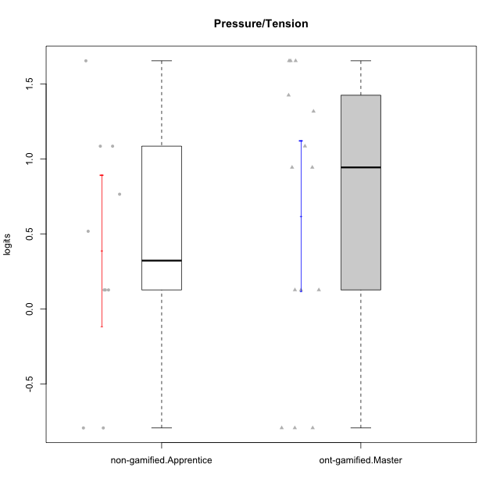

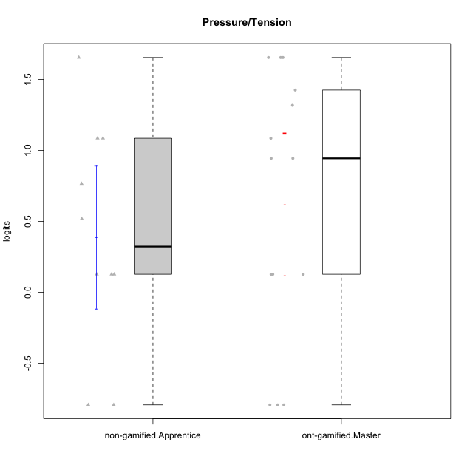

Student's t-Test data
UserID | NroUSP | Type | CLGroup | CLRole | PlayerRole | Pressure/Tension | error | WLE.rel
10169 | 10377538 | ont-gamified | Grupo Hefesto | Master | Yee Achiever | 0.94371808807 | 0.41724390489 | 0.09304962134
10171 | 698531 | non-gamified | Grupo Team 6 | Apprentice |  | 0.12664853824 | 0.71106685268 | 0.09304962134
10174 | 10276852 | ont-gamified | Grupo Urano | Master | Yee Achiever | 0.12664853824 | 0.71106685268 | 0.09304962134
10184 | 10276675 | ont-gamified | Grupo Apolo | Master | Yee Socializer | 1.0852985646 | 0.38807588371 | 0.09304962134
10185 | 10276960 | non-gamified | Grupo Team 12 | Apprentice |  | 1.0852985646 | 0.38807588371 | 0.09304962134
10187 | 9790781 | non-gamified | Grupo Team 15 | Apprentice |  | 1.654552162 | 0.38044002712 | 0.09304962134
10189 | 9363926 | ont-gamified | Grupo Hades | Master | Yee Socializer | 1.654552162 | 0.38044002712 | 0.09304962134
10192 | 10276682 | non-gamified | Grupo Team 5 | Apprentice |  | -0.79346612526 | 1.2578944818 | 0.09304962134
10193 | 10276762 | ont-gamified | Grupo Afrodite | Master | Yee Achiever | 0.12664853824 | 0.71106685268 | 0.09304962134
10199 | 10276737 | ont-gamified | Grupo Gaia | Master | Yee Achiever | 1.3175663339 | 0.36255843972 | 0.09304962134
10201 | 10276928 | ont-gamified | Grupo Caronte | Master | Yee Achiever | 0.94371808807 | 0.41724390489 | 0.09304962134
10203 | 9921470 | non-gamified | Grupo Team 3 | Apprentice |  | 0.12664853824 | 0.71106685268 | 0.09304962134
10204 | 10310471 | ont-gamified | Grupo Hermes | Master | Yee Achiever | -0.79346612526 | 1.2578944818 | 0.09304962134
10206 | 10310721 | ont-gamified | Grupo Hera | Master | Yee Achiever | 1.654552162 | 0.38044002712 | 0.09304962134
10208 | 10276932 | non-gamified | Grupo Team 7 | Apprentice |  | 0.76510209653 | 0.46543496376 | 0.09304962134
10213 | 10277040 | ont-gamified | Grupo Morfeu | Master | Yee Socializer | -0.79346612526 | 1.2578944818 | 0.09304962134
10215 | 9285227 | ont-gamified | Grupo Zeus | Master | Yee Socializer | -0.79346612526 | 1.2578944818 | 0.09304962134
10218 | 9842913 | ont-gamified | Grupo Ares | Master | Yee Achiever | 1.654552162 | 0.38044002712 | 0.09304962134
10220 | 9760151 | non-gamified | Grupo Team 2 | Apprentice |  | -0.79346612526 | 1.2578944818 | 0.09304962134
10223 | 9795185 | ont-gamified | Grupo Cronus | Master | Yee Achiever | 0.12664853824 | 0.71106685268 | 0.09304962134
10224 | 9368772 | non-gamified | Grupo Team 10 | Apprentice |  | 0.51792547686 | 0.54814378769 | 0.09304962134
10228 | 10310492 | non-gamified | Grupo Team 14 | Apprentice |  | 1.0852985646 | 0.38807588371 | 0.09304962134
10232 | 10276974 | ont-gamified | Grupo Artemis | Master | Yee Achiever | 1.4251901077 | 0.36136772103 | 0.09304962134
10233 | 9805320 | non-gamified | Grupo Team 16 | Apprentice |  | 0.12664853824 | 0.71106685268 | 0.09304962134

Type_CLRole_4
Student's t-Test for Pressure/Tension in Type:CLRole between non-gamified.Master:ont-gamified.Apprentice

Student's t-Test results
Alternative hypothesis: less
Group | N | Mean | Mean.Difference | Std.deviation | Std.error | CI.lower | CI.upper | df | t.value | p.value | g | magnitude
non-gamified.Master | 15 | 0.20143878436 | 0.70846050031 | 0.82846375929 | 0.21390842284 | -0.22637806133 | 0.62925563005 | 24.986294936 | 2.4525981674 | 0.98924477106 | 0.89948723642 | large
ont-gamified.Apprentice | 12 | -0.50702171595 | -0.70846050031 | 0.67246404882 | 0.1941236498 | -0.89526901556 | -0.11877441635 | 24.986294936 | 2.4525981674 | 0.98924477106 | 0.89948723642 | large
Alternative hypothesis: greater
Group | N | Mean | Mean.Difference | Std.deviation | Std.error | CI.lower | CI.upper | df | t.value | p.value | g | magnitude
non-gamified.Master | 15 | 0.20143878436 | 0.70846050031 | 0.82846375929 | 0.21390842284 | -0.22637806133 | 0.62925563005 | 24.986294936 | 2.4525981674 | 0.010755228942 | 0.89948723642 | large
ont-gamified.Apprentice | 12 | -0.50702171595 | -0.70846050031 | 0.67246404882 | 0.1941236498 | -0.89526901556 | -0.11877441635 | 24.986294936 | 2.4525981674 | 0.010755228942 | 0.89948723642 | large
Alternative hypothesis: two.sided
Group | N | Mean | Mean.Difference | Std.deviation | Std.error | CI.lower | CI.upper | df | t.value | p.value | g | magnitude
non-gamified.Master | 15 | 0.20143878436 | 0.70846050031 | 0.82846375929 | 0.21390842284 | -0.22637806133 | 0.62925563005 | 24.986294936 | 2.4525981674 | 0.021510457883 | 0.89948723642 | large
ont-gamified.Apprentice | 12 | -0.50702171595 | -0.70846050031 | 0.67246404882 | 0.1941236498 | -0.89526901556 | -0.11877441635 | 24.986294936 | 2.4525981674 | 0.021510457883 | 0.89948723642 | large

Box plots for Student's t-Test
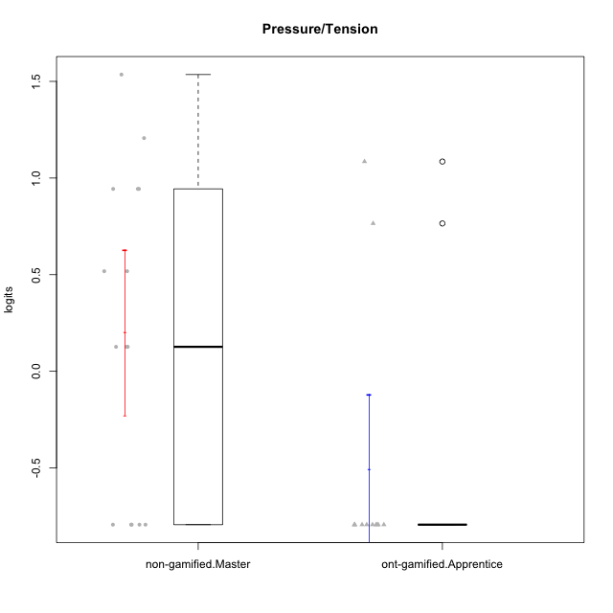

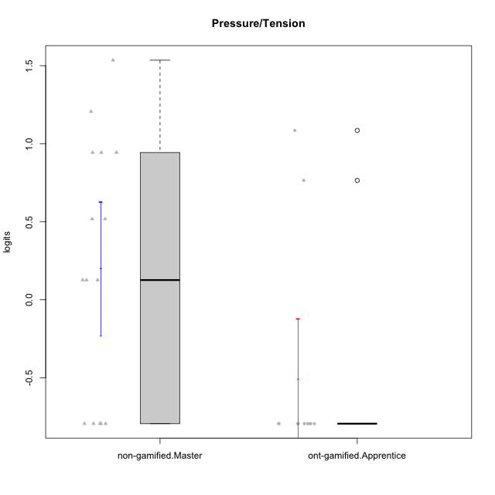

Student's t-Test data
UserID | NroUSP | Type | CLGroup | CLRole | PlayerRole | Pressure/Tension | error | WLE.rel
10170 | 10260351 | ont-gamified | Grupo Afrodite | Apprentice | Yee Achiever | -0.79346612526 | 1.2578944818 | 0.09304962134
10172 | 10273971 | non-gamified | Grupo Team 1 | Master |  | -0.79346612526 | 1.2578944818 | 0.09304962134
10178 | 8656201 | ont-gamified | Grupo Morfeu | Apprentice | Yee Socializer | 1.0852985646 | 0.38807588371 | 0.09304962134
10179 | 10310759 | non-gamified | Grupo Team 9 | Master |  | 0.94371808807 | 0.41724390489 | 0.09304962134
10181 | 10276866 | non-gamified | Grupo Team 10 | Master |  | -0.79346612526 | 1.2578944818 | 0.09304962134
10188 | 10276995 | non-gamified | Grupo Team 3 | Master |  | 0.51792547686 | 0.54814378769 | 0.09304962134
10190 | 10276907 | ont-gamified | Grupo Zeus | Apprentice | Yee Socializer | 0.76510209653 | 0.46543496376 | 0.09304962134
10191 | 10276981 | non-gamified | Grupo Team 6 | Master |  | 0.12664853824 | 0.71106685268 | 0.09304962134
10195 | 10351971 | ont-gamified | Grupo Urano | Apprentice | Yee Achiever | -0.79346612526 | 1.2578944818 | 0.09304962134
10196 | 10310655 | ont-gamified | Grupo Hefesto | Apprentice | Yee Achiever | -0.79346612526 | 1.2578944818 | 0.09304962134
10197 | 10276661 | ont-gamified | Grupo Gaia | Apprentice | Yee Achiever | -0.79346612526 | 1.2578944818 | 0.09304962134
10198 | 10310888 | ont-gamified | Grupo Apolo | Apprentice | Yee Socializer | -0.79346612526 | 1.2578944818 | 0.09304962134
10200 | 9795272 | ont-gamified | Grupo Hades | Apprentice | Yee Socializer | -0.79346612526 | 1.2578944818 | 0.09304962134
10209 | 10262669 | ont-gamified | Grupo Artemis | Apprentice | Yee Achiever | -0.79346612526 | 1.2578944818 | 0.09304962134
10211 | 9311643 | non-gamified | Grupo Team 2 | Master |  | 0.94371808807 | 0.41724390489 | 0.09304962134
10212 | 9065750 | non-gamified | Grupo Team 4 | Master |  | 1.206586644 | 0.37096623327 | 0.09304962134
10214 | 10277022 | non-gamified | Grupo Team 5 | Master |  | 0.94371808807 | 0.41724390489 | 0.09304962134
10216 | 10276720 | non-gamified | Grupo Team 15 | Master |  | 0.12664853824 | 0.71106685268 | 0.09304962134
10217 | 9805341 | non-gamified | Grupo Team 13 | Master |  | -0.79346612526 | 1.2578944818 | 0.09304962134
10219 | 10276831 | non-gamified | Grupo Team 12 | Master |  | -0.79346612526 | 1.2578944818 | 0.09304962134
10221 | 9082496 | ont-gamified | Grupo Hermes | Apprentice | Yee Achiever | -0.79346612526 | 1.2578944818 | 0.09304962134
10226 | 10310342 | non-gamified | Grupo Team 8 | Master |  | 0.51792547686 | 0.54814378769 | 0.09304962134
10230 | 10351992 | non-gamified | Grupo Team 14 | Master |  | 1.535374915 | 0.36709513491 | 0.09304962134
10231 | 10276911 | ont-gamified | Grupo Caronte | Apprentice | Yee Achiever | -0.79346612526 | 1.2578944818 | 0.09304962134
10234 | 10310676 | non-gamified | Grupo Team 7 | Master |  | 0.12664853824 | 0.71106685268 | 0.09304962134
10237 | 10377688 | non-gamified | Grupo Team 11 | Master |  | -0.79346612526 | 1.2578944818 | 0.09304962134
10240 | 10276654 | ont-gamified | Grupo Hera | Apprentice | Yee Achiever | -0.79346612526 | 1.2578944818 | 0.09304962134

Type_CLRole_5
Student's t-Test for Pressure/Tension in Type:CLRole between non-gamified.Master:ont-gamified.Master

Student's t-Test results
Alternative hypothesis: less
Group | N | Mean | Mean.Difference | Std.deviation | Std.error | CI.lower | CI.upper | df | t.value | p.value | g | magnitude
non-gamified.Master | 15 | 0.20143878436 | -0.41846799473 | 0.82846375929 | 0.21390842284 | -0.22637806133 | 0.62925563005 | 25.991465805 | -1.2679664736 | 0.108025534 | -0.46004910629 | small
ont-gamified.Master | 14 | 0.61990677909 | 0.41846799473 | 0.94036655362 | 0.25132353297 | 0.11725971314 | 1.122553845 | 25.991465805 | -1.2679664736 | 0.108025534 | -0.46004910629 | small
Alternative hypothesis: greater
Group | N | Mean | Mean.Difference | Std.deviation | Std.error | CI.lower | CI.upper | df | t.value | p.value | g | magnitude
non-gamified.Master | 15 | 0.20143878436 | -0.41846799473 | 0.82846375929 | 0.21390842284 | -0.22637806133 | 0.62925563005 | 25.991465805 | -1.2679664736 | 0.891974466 | -0.46004910629 | small
ont-gamified.Master | 14 | 0.61990677909 | 0.41846799473 | 0.94036655362 | 0.25132353297 | 0.11725971314 | 1.122553845 | 25.991465805 | -1.2679664736 | 0.891974466 | -0.46004910629 | small
Alternative hypothesis: two.sided
Group | N | Mean | Mean.Difference | Std.deviation | Std.error | CI.lower | CI.upper | df | t.value | p.value | g | magnitude
non-gamified.Master | 15 | 0.20143878436 | -0.41846799473 | 0.82846375929 | 0.21390842284 | -0.22637806133 | 0.62925563005 | 25.991465805 | -1.2679664736 | 0.216051068 | -0.46004910629 | small
ont-gamified.Master | 14 | 0.61990677909 | 0.41846799473 | 0.94036655362 | 0.25132353297 | 0.11725971314 | 1.122553845 | 25.991465805 | -1.2679664736 | 0.216051068 | -0.46004910629 | small

Box plots for Student's t-Test
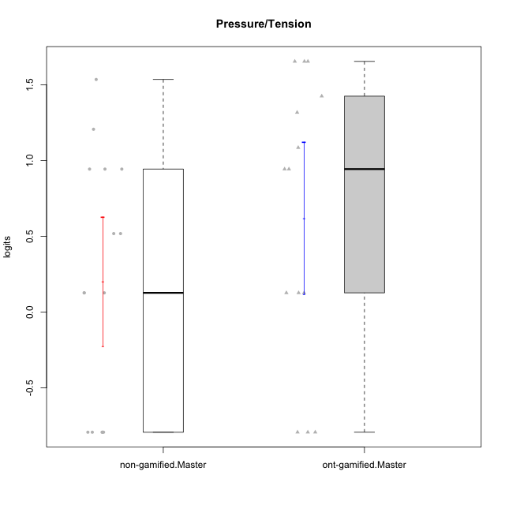

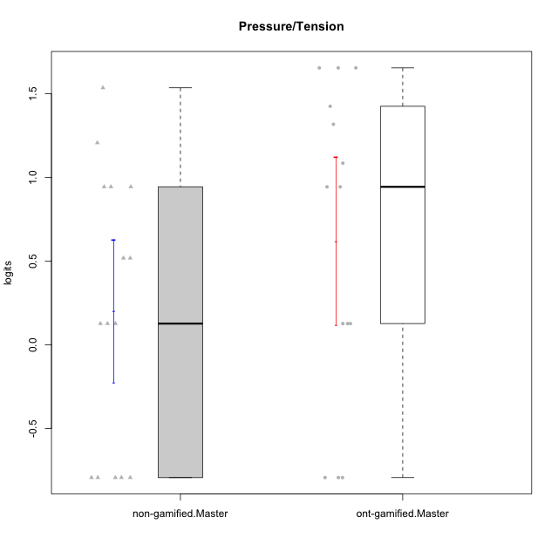

Student's t-Test data
UserID | NroUSP | Type | CLGroup | CLRole | PlayerRole | Pressure/Tension | error | WLE.rel
10169 | 10377538 | ont-gamified | Grupo Hefesto | Master | Yee Achiever | 0.94371808807 | 0.41724390489 | 0.09304962134
10172 | 10273971 | non-gamified | Grupo Team 1 | Master |  | -0.79346612526 | 1.2578944818 | 0.09304962134
10174 | 10276852 | ont-gamified | Grupo Urano | Master | Yee Achiever | 0.12664853824 | 0.71106685268 | 0.09304962134
10179 | 10310759 | non-gamified | Grupo Team 9 | Master |  | 0.94371808807 | 0.41724390489 | 0.09304962134
10181 | 10276866 | non-gamified | Grupo Team 10 | Master |  | -0.79346612526 | 1.2578944818 | 0.09304962134
10184 | 10276675 | ont-gamified | Grupo Apolo | Master | Yee Socializer | 1.0852985646 | 0.38807588371 | 0.09304962134
10188 | 10276995 | non-gamified | Grupo Team 3 | Master |  | 0.51792547686 | 0.54814378769 | 0.09304962134
10189 | 9363926 | ont-gamified | Grupo Hades | Master | Yee Socializer | 1.654552162 | 0.38044002712 | 0.09304962134
10191 | 10276981 | non-gamified | Grupo Team 6 | Master |  | 0.12664853824 | 0.71106685268 | 0.09304962134
10193 | 10276762 | ont-gamified | Grupo Afrodite | Master | Yee Achiever | 0.12664853824 | 0.71106685268 | 0.09304962134
10199 | 10276737 | ont-gamified | Grupo Gaia | Master | Yee Achiever | 1.3175663339 | 0.36255843972 | 0.09304962134
10201 | 10276928 | ont-gamified | Grupo Caronte | Master | Yee Achiever | 0.94371808807 | 0.41724390489 | 0.09304962134
10204 | 10310471 | ont-gamified | Grupo Hermes | Master | Yee Achiever | -0.79346612526 | 1.2578944818 | 0.09304962134
10206 | 10310721 | ont-gamified | Grupo Hera | Master | Yee Achiever | 1.654552162 | 0.38044002712 | 0.09304962134
10211 | 9311643 | non-gamified | Grupo Team 2 | Master |  | 0.94371808807 | 0.41724390489 | 0.09304962134
10212 | 9065750 | non-gamified | Grupo Team 4 | Master |  | 1.206586644 | 0.37096623327 | 0.09304962134
10213 | 10277040 | ont-gamified | Grupo Morfeu | Master | Yee Socializer | -0.79346612526 | 1.2578944818 | 0.09304962134
10214 | 10277022 | non-gamified | Grupo Team 5 | Master |  | 0.94371808807 | 0.41724390489 | 0.09304962134
10215 | 9285227 | ont-gamified | Grupo Zeus | Master | Yee Socializer | -0.79346612526 | 1.2578944818 | 0.09304962134
10216 | 10276720 | non-gamified | Grupo Team 15 | Master |  | 0.12664853824 | 0.71106685268 | 0.09304962134
10217 | 9805341 | non-gamified | Grupo Team 13 | Master |  | -0.79346612526 | 1.2578944818 | 0.09304962134
10218 | 9842913 | ont-gamified | Grupo Ares | Master | Yee Achiever | 1.654552162 | 0.38044002712 | 0.09304962134
10219 | 10276831 | non-gamified | Grupo Team 12 | Master |  | -0.79346612526 | 1.2578944818 | 0.09304962134
10223 | 9795185 | ont-gamified | Grupo Cronus | Master | Yee Achiever | 0.12664853824 | 0.71106685268 | 0.09304962134
10226 | 10310342 | non-gamified | Grupo Team 8 | Master |  | 0.51792547686 | 0.54814378769 | 0.09304962134
10230 | 10351992 | non-gamified | Grupo Team 14 | Master |  | 1.535374915 | 0.36709513491 | 0.09304962134
10232 | 10276974 | ont-gamified | Grupo Artemis | Master | Yee Achiever | 1.4251901077 | 0.36136772103 | 0.09304962134
10234 | 10310676 | non-gamified | Grupo Team 7 | Master |  | 0.12664853824 | 0.71106685268 | 0.09304962134
10237 | 10377688 | non-gamified | Grupo Team 11 | Master |  | -0.79346612526 | 1.2578944818 | 0.09304962134

Type_CLRole_6
Student's t-Test for Pressure/Tension in Type:CLRole between ont-gamified.Apprentice:ont-gamified.Master

Student's t-Test results
Alternative hypothesis: less
Group | N | Mean | Mean.Difference | Std.deviation | Std.error | CI.lower | CI.upper | df | t.value | p.value | g | magnitude
ont-gamified.Apprentice | 12 | -0.50702171595 | -1.126928495 | 0.67246404882 | 0.1941236498 | -0.89526901556 | -0.11877441635 | 23.326562729 | -3.5486549351 | 0.00084269741899 | -1.3174034052 | large
ont-gamified.Master | 14 | 0.61990677909 | 1.126928495 | 0.94036655362 | 0.25132353297 | 0.11725971314 | 1.122553845 | 23.326562729 | -3.5486549351 | 0.00084269741899 | -1.3174034052 | large
Alternative hypothesis: greater
Group | N | Mean | Mean.Difference | Std.deviation | Std.error | CI.lower | CI.upper | df | t.value | p.value | g | magnitude
ont-gamified.Apprentice | 12 | -0.50702171595 | -1.126928495 | 0.67246404882 | 0.1941236498 | -0.89526901556 | -0.11877441635 | 23.326562729 | -3.5486549351 | 0.99915730258 | -1.3174034052 | large
ont-gamified.Master | 14 | 0.61990677909 | 1.126928495 | 0.94036655362 | 0.25132353297 | 0.11725971314 | 1.122553845 | 23.326562729 | -3.5486549351 | 0.99915730258 | -1.3174034052 | large
Alternative hypothesis: two.sided
Group | N | Mean | Mean.Difference | Std.deviation | Std.error | CI.lower | CI.upper | df | t.value | p.value | g | magnitude
ont-gamified.Apprentice | 12 | -0.50702171595 | -1.126928495 | 0.67246404882 | 0.1941236498 | -0.89526901556 | -0.11877441635 | 23.326562729 | -3.5486549351 | 0.001685394838 | -1.3174034052 | large
ont-gamified.Master | 14 | 0.61990677909 | 1.126928495 | 0.94036655362 | 0.25132353297 | 0.11725971314 | 1.122553845 | 23.326562729 | -3.5486549351 | 0.001685394838 | -1.3174034052 | large

Box plots for Student's t-Test
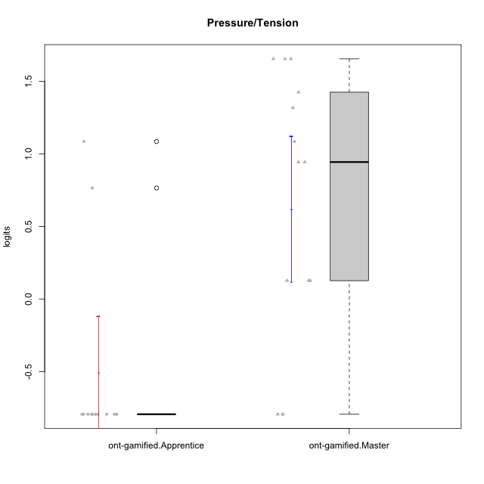

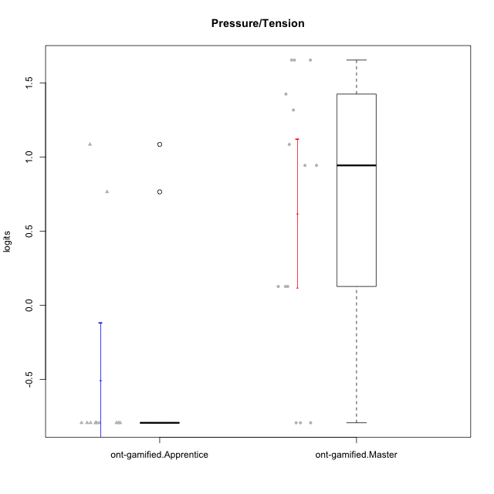

Student's t-Test data
UserID | NroUSP | Type | CLGroup | CLRole | PlayerRole | Pressure/Tension | error | WLE.rel
10169 | 10377538 | ont-gamified | Grupo Hefesto | Master | Yee Achiever | 0.94371808807 | 0.41724390489 | 0.09304962134
10170 | 10260351 | ont-gamified | Grupo Afrodite | Apprentice | Yee Achiever | -0.79346612526 | 1.2578944818 | 0.09304962134
10174 | 10276852 | ont-gamified | Grupo Urano | Master | Yee Achiever | 0.12664853824 | 0.71106685268 | 0.09304962134
10178 | 8656201 | ont-gamified | Grupo Morfeu | Apprentice | Yee Socializer | 1.0852985646 | 0.38807588371 | 0.09304962134
10184 | 10276675 | ont-gamified | Grupo Apolo | Master | Yee Socializer | 1.0852985646 | 0.38807588371 | 0.09304962134
10189 | 9363926 | ont-gamified | Grupo Hades | Master | Yee Socializer | 1.654552162 | 0.38044002712 | 0.09304962134
10190 | 10276907 | ont-gamified | Grupo Zeus | Apprentice | Yee Socializer | 0.76510209653 | 0.46543496376 | 0.09304962134
10193 | 10276762 | ont-gamified | Grupo Afrodite | Master | Yee Achiever | 0.12664853824 | 0.71106685268 | 0.09304962134
10195 | 10351971 | ont-gamified | Grupo Urano | Apprentice | Yee Achiever | -0.79346612526 | 1.2578944818 | 0.09304962134
10196 | 10310655 | ont-gamified | Grupo Hefesto | Apprentice | Yee Achiever | -0.79346612526 | 1.2578944818 | 0.09304962134
10197 | 10276661 | ont-gamified | Grupo Gaia | Apprentice | Yee Achiever | -0.79346612526 | 1.2578944818 | 0.09304962134
10198 | 10310888 | ont-gamified | Grupo Apolo | Apprentice | Yee Socializer | -0.79346612526 | 1.2578944818 | 0.09304962134
10199 | 10276737 | ont-gamified | Grupo Gaia | Master | Yee Achiever | 1.3175663339 | 0.36255843972 | 0.09304962134
10200 | 9795272 | ont-gamified | Grupo Hades | Apprentice | Yee Socializer | -0.79346612526 | 1.2578944818 | 0.09304962134
10201 | 10276928 | ont-gamified | Grupo Caronte | Master | Yee Achiever | 0.94371808807 | 0.41724390489 | 0.09304962134
10204 | 10310471 | ont-gamified | Grupo Hermes | Master | Yee Achiever | -0.79346612526 | 1.2578944818 | 0.09304962134
10206 | 10310721 | ont-gamified | Grupo Hera | Master | Yee Achiever | 1.654552162 | 0.38044002712 | 0.09304962134
10209 | 10262669 | ont-gamified | Grupo Artemis | Apprentice | Yee Achiever | -0.79346612526 | 1.2578944818 | 0.09304962134
10213 | 10277040 | ont-gamified | Grupo Morfeu | Master | Yee Socializer | -0.79346612526 | 1.2578944818 | 0.09304962134
10215 | 9285227 | ont-gamified | Grupo Zeus | Master | Yee Socializer | -0.79346612526 | 1.2578944818 | 0.09304962134
10218 | 9842913 | ont-gamified | Grupo Ares | Master | Yee Achiever | 1.654552162 | 0.38044002712 | 0.09304962134
10221 | 9082496 | ont-gamified | Grupo Hermes | Apprentice | Yee Achiever | -0.79346612526 | 1.2578944818 | 0.09304962134
10223 | 9795185 | ont-gamified | Grupo Cronus | Master | Yee Achiever | 0.12664853824 | 0.71106685268 | 0.09304962134
10231 | 10276911 | ont-gamified | Grupo Caronte | Apprentice | Yee Achiever | -0.79346612526 | 1.2578944818 | 0.09304962134
10232 | 10276974 | ont-gamified | Grupo Artemis | Master | Yee Achiever | 1.4251901077 | 0.36136772103 | 0.09304962134
10240 | 10276654 | ont-gamified | Grupo Hera | Apprentice | Yee Achiever | -0.79346612526 | 1.2578944818 | 0.09304962134

