Type_1
Wilcoxon Analysis for Difference of Programming Skill - Loop in Type between non-gamified:ont-gamified

Wilcoxon test results
Alternative hypothesis: less
Group | N | Median | Mean.Ranks | Sum.Ranks | U | Z | p.value | r | magnitude
non-gamified | 29 | 1.0145114315 | 24.482758621 | 710 | 275 | -0.010541120742 | 0.5 | 0.0015214797244 | none
ont-gamified | 19 | 0.93995879603 | 24.526315789 | 466 | 275 | -0.010541120742 | 0.5 | 0.0015214797244 | none
Alternative hypothesis: greater
Group | N | Median | Mean.Ranks | Sum.Ranks | U | Z | p.value | r | magnitude
non-gamified | 29 | 1.0145114315 | 24.482758621 | 710 | 275 | -0.010541120742 | 0.50832558414 | 0.0015214797244 | none
ont-gamified | 19 | 0.93995879603 | 24.526315789 | 466 | 275 | -0.010541120742 | 0.50832558414 | 0.0015214797244 | none
Alternative hypothesis: two.sided
Group | N | Median | Mean.Ranks | Sum.Ranks | U | Z | p.value | r | magnitude
non-gamified | 29 | 1.0145114315 | 24.482758621 | 710 | 275 | -0.010541120742 | 1 | 0.0015214797244 | none
ont-gamified | 19 | 0.93995879603 | 24.526315789 | 466 | 275 | -0.010541120742 | 1 | 0.0015214797244 | none

Box plots for wilcoxon tests
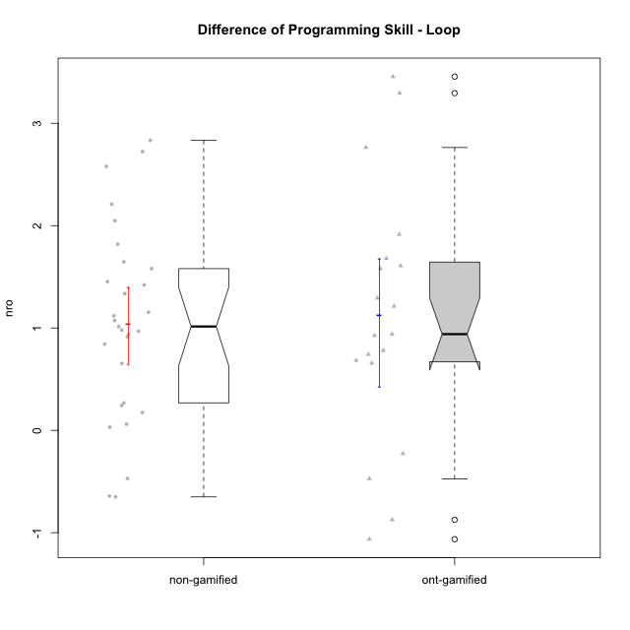

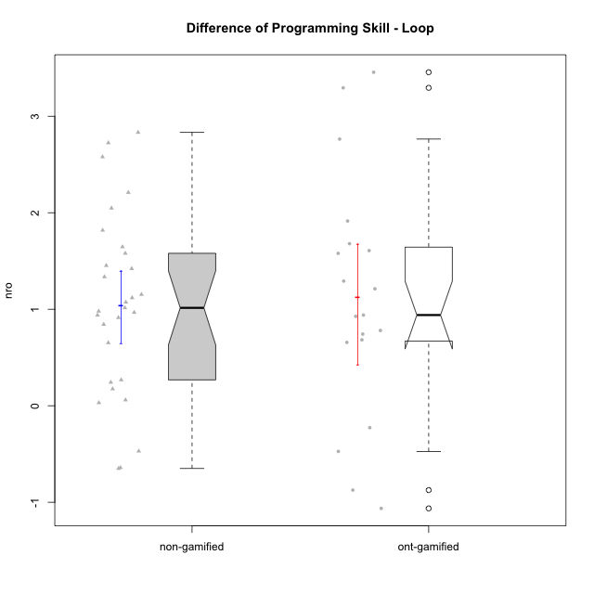

Wilcoxon data
UserID | NroUSP | Type | CLGroup | CLRole | PlayerRole | PreTheta | PostTheta | DiffTheta
10169 | 10377538 | non-gamified | Grupo Team 10 | Apprentice |  | -0.87451916169 | -1.524728275 | -0.65020911327
10170 | 10260351 | non-gamified | Grupo Team 6 | Apprentice |  | -1.2812198189 | -1.2501481185 | 0.031071700435
10172 | 10273971 | ont-gamified | Grupo Koil | Master | Yee Achiever | -0.54776845637 | 2.9081918734 | 3.4559603298
10174 | 10276852 | non-gamified | Grupo Team 1 | Apprentice |  | -2.8286735619 | -1.8490527662 | 0.9796207957
10175 | 10310700 | non-gamified | Grupo Team 6 | Master |  | 0.065925797327 | 1.0804372288 | 1.0145114315
10176 | 10276949 | non-gamified | Grupo Team 9 | Apprentice |  | -0.93837149239 | -0.76369377658 | 0.17467771582
10178 | 8656201 | non-gamified | Grupo Team 11 | Apprentice |  | -0.601850213 | -1.0723071727 | -0.47045695972
10179 | 10310759 | ont-gamified | Grupo Tosskor | Apprentice | Yee Achiever | -1.0286356133 | 0.65038940221 | 1.6790250155
10181 | 10276866 | non-gamified | Grupo Team 7 | Apprentice |  | -1.3619584013 | 0.45655337535 | 1.8185117767
10183 | 10352030 | non-gamified | Grupo Belos | Apprentice | Yee Socializer | -2.6088506342 | -1.2734581585 | 1.3353924757
10184 | 10276675 | non-gamified | Grupo Team 7 | Master |  | -0.76669599206 | 0.81308147281 | 1.5797774649
10185 | 10276960 | ont-gamified | Grupo Tosskor | Master | Yee Achiever | 0.065925797327 | 2.8293587177 | 2.7634329203
10186 | 10310551 | non-gamified | Grupo Team 5 | Apprentice |  | -1.605139213 | -0.66645141028 | 0.93868780274
10187 | 9790781 | ont-gamified | Grupo Razorg | Apprentice | Yee Achiever | -0.601850213 | -1.0751602743 | -0.47331006131
10188 | 10276995 | ont-gamified | Grupo Paldira | Master | Yee Achiever | 1.1234848898 | 0.24950331884 | -0.87398157091
10189 | 9363926 | non-gamified | Grupo Team 2 | Apprentice |  | -1.9523608225 | -0.87958988976 | 1.0727709328
10190 | 10276907 | non-gamified | Grupo Team 8 | Apprentice |  | -0.89772492188 | 0.069093972985 | 0.96681889487
10192 | 10276682 | ont-gamified | Grupo Yeka | Apprentice | Yee Socializer | -1.1522912044 | -0.46957397293 | 0.68271723148
10196 | 10310655 | non-gamified | Grupo Team 5 | Apprentice |  | -1.4932307692 | 0.71625945999 | 2.2094902292
10197 | 10276661 | non-gamified | Grupo Team 11 | Master |  | -0.61326941235 | 0.039379994475 | 0.65264940683
10198 | 10310888 | non-gamified | Grupo Team 1 | Apprentice |  | -2.6664631406 | 0.16590696148 | 2.832370102
10200 | 9795272 | non-gamified | Grupo Team 4 | Apprentice |  | -1.979420985 | -1.737040438 | 0.24238054695
10201 | 10276928 | non-gamified | Grupo Team 10 | Master |  | -0.93797126101 | 0.48266182186 | 1.4206330829
10202 | 10277036 | ont-gamified | Grupo Paldira | Apprentice | Yee Achiever | -2.1847191029 | -1.2583849663 | 0.92633413658
10203 | 9921470 | ont-gamified | Grupo Paldira | Apprentice | Yee Achiever | -2.2219662841 | -3.2856425155 | -1.0636762314
10204 | 10310471 | non-gamified | Grupo Team 5 | Master |  | -0.22771777318 | 1.418254351 | 1.6459721242
10206 | 10310721 | non-gamified | Grupo Team 9 | Master |  | -0.30194106025 | -0.034097413557 | 0.26784364669
10208 | 10276932 | ont-gamified | Grupo Yeka | Master | Yee Socializer | 0.34171781906 | 1.5535990408 | 1.2118812217
10210 | 10277015 | ont-gamified | Grupo Losvakai | Apprentice | Yee Achiever | -1.8202073851 | 0.094068961637 | 1.9142763467
10212 | 9065750 | ont-gamified | Grupo Ellaru | Apprentice | Yee Socializer | -0.55628625378 | 0.1002468964 | 0.65653315018
10213 | 10277040 | non-gamified | Grupo Team 8 | Master |  | -0.024558795884 | 0.88853031354 | 0.91308910942
10214 | 10277022 | ont-gamified | Grupo Koil | Apprentice | Yee Achiever | -0.45589308706 | 0.32388839354 | 0.7797814806
10215 | 9285227 | non-gamified | Grupo Team 7 | Apprentice |  | -1.3110117112 | 1.2678729912 | 2.5788847024
10217 | 9805341 | ont-gamified | Grupo Belos | Master | Yee Socializer | 1.1234848898 | 0.89624558385 | -0.2272393059
10218 | 9842913 | non-gamified | Grupo Team 10 | Apprentice |  | -0.59118367491 | -1.2326279051 | -0.64144423018
10219 | 10276831 | ont-gamified | Grupo Razorg | Apprentice | Yee Achiever | -1.4400200942 | 0.13923679913 | 1.5792568934
10220 | 9760151 | non-gamified | Grupo Team 4 | Apprentice |  | -1.4627398413 | 0.58496311547 | 2.0477029568
10221 | 9082496 | non-gamified | Grupo Team 3 | Apprentice |  | -2.1267356199 | -2.0667159139 | 0.060019706015
10224 | 9368772 | non-gamified | Grupo Team 9 | Apprentice |  | -0.75830479031 | 0.084824041348 | 0.84312883166
10226 | 10310342 | ont-gamified | Grupo Yeka | Apprentice | Yee Socializer | -1.164161103 | 0.1273797818 | 1.2915408848
10227 | 9274382 | non-gamified | Grupo Team 2 | Apprentice |  | -1.8466576325 | -0.39419706966 | 1.4524605628
10228 | 10310492 | ont-gamified | Grupo Losvakai | Apprentice | Yee Achiever | -1.5925749367 | -0.65261614068 | 0.93995879603
10230 | 10351992 | ont-gamified | Grupo Koil | Apprentice | Yee Achiever | -0.47735859336 | 1.1302280141 | 1.6075866074
10231 | 10276911 | non-gamified | Grupo Team 4 | Master |  | 0.14978978935 | 2.8738440941 | 2.7240543047
10232 | 10276974 | non-gamified | Grupo Team 3 | Apprentice |  | -1.7751149302 | -0.65652175558 | 1.1185931746
10237 | 10377688 | ont-gamified | Grupo Ellaru | Apprentice | Yee Socializer | -0.42067623955 | 2.8738440941 | 3.2945203336
10238 | 10276953 | ont-gamified | Grupo Belos | Apprentice | Yee Socializer | -1.3108062526 | -0.56807727975 | 0.74272897286
10240 | 10276654 | non-gamified | Grupo Team 8 | Apprentice |  | -1.4733311117 | -0.32019545711 | 1.1531356546

Type_CLRole_1
Wilcoxon Analysis for Difference of Programming Skill - Loop in Type:CLRole between non-gamified.Apprentice:non-gamified.Master

Wilcoxon test results
Alternative hypothesis: less
Group | N | Median | Mean.Ranks | Sum.Ranks | U | Z | p.value | r | magnitude
non-gamified.Apprentice | 21 | 0.9796207957 | 14.238095238 | 299 | 68 | -0.78072005836 | 0.22865979598 | 0.14497607526 | small
non-gamified.Master | 8 | 1.2175722572 | 17 | 136 | 68 | -0.78072005836 | 0.22865979598 | 0.14497607526 | small
Alternative hypothesis: greater
Group | N | Median | Mean.Ranks | Sum.Ranks | U | Z | p.value | r | magnitude
non-gamified.Apprentice | 21 | 0.9796207957 | 14.238095238 | 299 | 68 | -0.78072005836 | 0.78571436892 | 0.14497607526 | small
non-gamified.Master | 8 | 1.2175722572 | 17 | 136 | 68 | -0.78072005836 | 0.78571436892 | 0.14497607526 | small
Alternative hypothesis: two.sided
Group | N | Median | Mean.Ranks | Sum.Ranks | U | Z | p.value | r | magnitude
non-gamified.Apprentice | 21 | 0.9796207957 | 14.238095238 | 299 | 68 | -0.78072005836 | 0.45731959195 | 0.14497607526 | small
non-gamified.Master | 8 | 1.2175722572 | 17 | 136 | 68 | -0.78072005836 | 0.45731959195 | 0.14497607526 | small

Box plots for wilcoxon tests
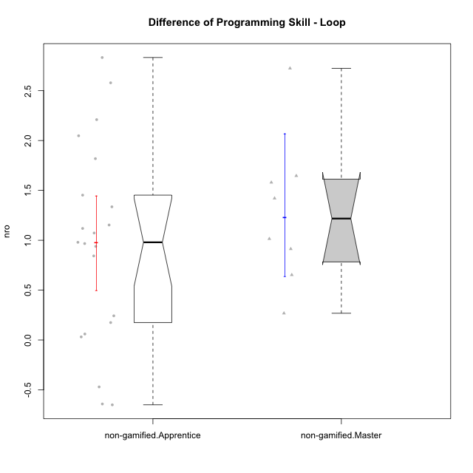

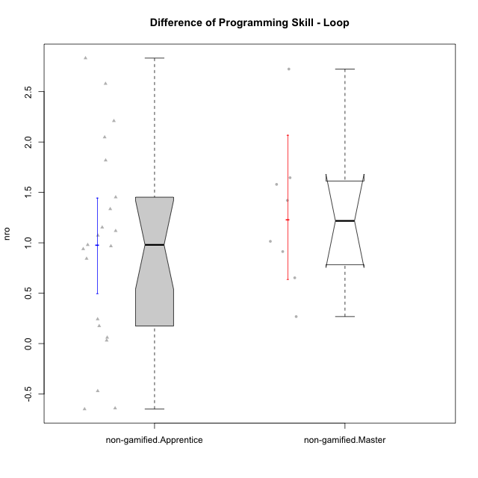

Wilcoxon data
UserID | NroUSP | Type | CLGroup | CLRole | PlayerRole | PreTheta | PostTheta | DiffTheta
10169 | 10377538 | non-gamified | Grupo Team 10 | Apprentice |  | -0.87451916169 | -1.524728275 | -0.65020911327
10170 | 10260351 | non-gamified | Grupo Team 6 | Apprentice |  | -1.2812198189 | -1.2501481185 | 0.031071700435
10174 | 10276852 | non-gamified | Grupo Team 1 | Apprentice |  | -2.8286735619 | -1.8490527662 | 0.9796207957
10175 | 10310700 | non-gamified | Grupo Team 6 | Master |  | 0.065925797327 | 1.0804372288 | 1.0145114315
10176 | 10276949 | non-gamified | Grupo Team 9 | Apprentice |  | -0.93837149239 | -0.76369377658 | 0.17467771582
10178 | 8656201 | non-gamified | Grupo Team 11 | Apprentice |  | -0.601850213 | -1.0723071727 | -0.47045695972
10181 | 10276866 | non-gamified | Grupo Team 7 | Apprentice |  | -1.3619584013 | 0.45655337535 | 1.8185117767
10183 | 10352030 | non-gamified | Grupo Belos | Apprentice | Yee Socializer | -2.6088506342 | -1.2734581585 | 1.3353924757
10184 | 10276675 | non-gamified | Grupo Team 7 | Master |  | -0.76669599206 | 0.81308147281 | 1.5797774649
10186 | 10310551 | non-gamified | Grupo Team 5 | Apprentice |  | -1.605139213 | -0.66645141028 | 0.93868780274
10189 | 9363926 | non-gamified | Grupo Team 2 | Apprentice |  | -1.9523608225 | -0.87958988976 | 1.0727709328
10190 | 10276907 | non-gamified | Grupo Team 8 | Apprentice |  | -0.89772492188 | 0.069093972985 | 0.96681889487
10196 | 10310655 | non-gamified | Grupo Team 5 | Apprentice |  | -1.4932307692 | 0.71625945999 | 2.2094902292
10197 | 10276661 | non-gamified | Grupo Team 11 | Master |  | -0.61326941235 | 0.039379994475 | 0.65264940683
10198 | 10310888 | non-gamified | Grupo Team 1 | Apprentice |  | -2.6664631406 | 0.16590696148 | 2.832370102
10200 | 9795272 | non-gamified | Grupo Team 4 | Apprentice |  | -1.979420985 | -1.737040438 | 0.24238054695
10201 | 10276928 | non-gamified | Grupo Team 10 | Master |  | -0.93797126101 | 0.48266182186 | 1.4206330829
10204 | 10310471 | non-gamified | Grupo Team 5 | Master |  | -0.22771777318 | 1.418254351 | 1.6459721242
10206 | 10310721 | non-gamified | Grupo Team 9 | Master |  | -0.30194106025 | -0.034097413557 | 0.26784364669
10213 | 10277040 | non-gamified | Grupo Team 8 | Master |  | -0.024558795884 | 0.88853031354 | 0.91308910942
10215 | 9285227 | non-gamified | Grupo Team 7 | Apprentice |  | -1.3110117112 | 1.2678729912 | 2.5788847024
10218 | 9842913 | non-gamified | Grupo Team 10 | Apprentice |  | -0.59118367491 | -1.2326279051 | -0.64144423018
10220 | 9760151 | non-gamified | Grupo Team 4 | Apprentice |  | -1.4627398413 | 0.58496311547 | 2.0477029568
10221 | 9082496 | non-gamified | Grupo Team 3 | Apprentice |  | -2.1267356199 | -2.0667159139 | 0.060019706015
10224 | 9368772 | non-gamified | Grupo Team 9 | Apprentice |  | -0.75830479031 | 0.084824041348 | 0.84312883166
10227 | 9274382 | non-gamified | Grupo Team 2 | Apprentice |  | -1.8466576325 | -0.39419706966 | 1.4524605628
10231 | 10276911 | non-gamified | Grupo Team 4 | Master |  | 0.14978978935 | 2.8738440941 | 2.7240543047
10232 | 10276974 | non-gamified | Grupo Team 3 | Apprentice |  | -1.7751149302 | -0.65652175558 | 1.1185931746
10240 | 10276654 | non-gamified | Grupo Team 8 | Apprentice |  | -1.4733311117 | -0.32019545711 | 1.1531356546

Type_CLRole_2
Wilcoxon Analysis for Difference of Programming Skill - Loop in Type:CLRole between non-gamified.Apprentice:ont-gamified.Apprentice

Wilcoxon test results
Alternative hypothesis: less
Group | N | Median | Mean.Ranks | Sum.Ranks | U | Z | p.value | r | magnitude
non-gamified.Apprentice | 21 | 0.9796207957 | 18 | 378 | 147 | 0 | 0.50662394738 | 0 | none
ont-gamified.Apprentice | 14 | 0.9331464663 | 18 | 252 | 147 | 0 | 0.50662394738 | 0 | none
Alternative hypothesis: greater
Group | N | Median | Mean.Ranks | Sum.Ranks | U | Z | p.value | r | magnitude
non-gamified.Apprentice | 21 | 0.9796207957 | 18 | 378 | 147 | 0 | 0.50662394738 | 0 | none
ont-gamified.Apprentice | 14 | 0.9331464663 | 18 | 252 | 147 | 0 | 0.50662394738 | 0 | none
Alternative hypothesis: two.sided
Group | N | Median | Mean.Ranks | Sum.Ranks | U | Z | p.value | r | magnitude
non-gamified.Apprentice | 21 | 0.9796207957 | 18 | 378 | 147 | 0 | 1 | 0 | none
ont-gamified.Apprentice | 14 | 0.9331464663 | 18 | 252 | 147 | 0 | 1 | 0 | none

Box plots for wilcoxon tests
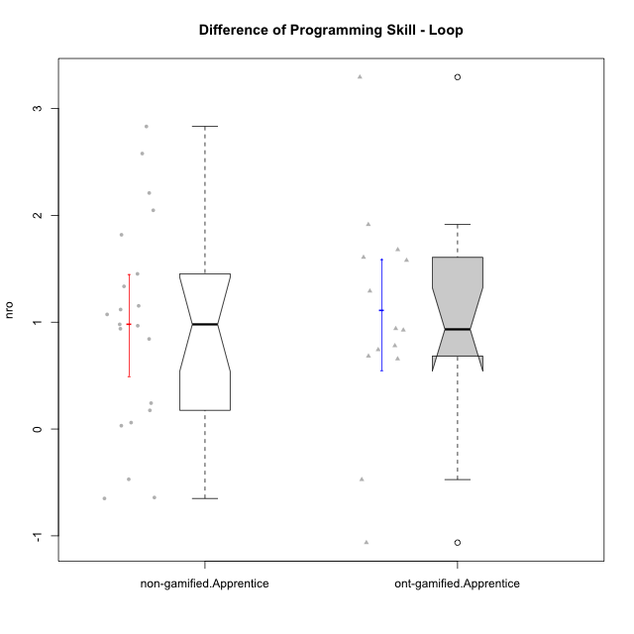

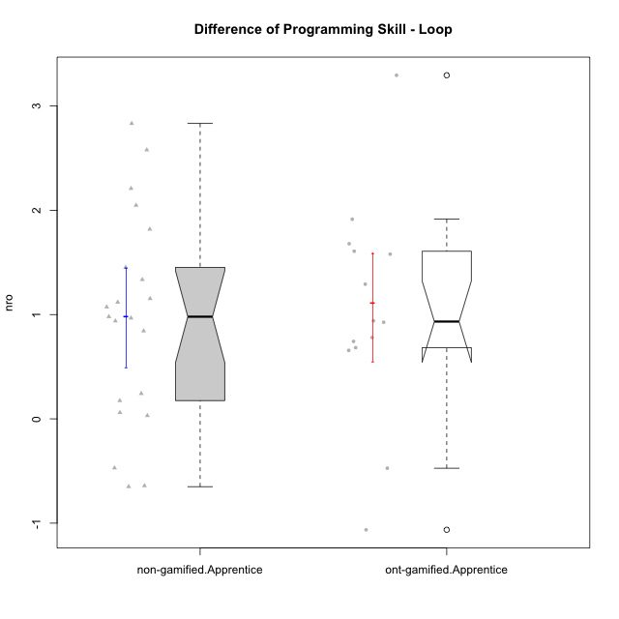

Wilcoxon data
UserID | NroUSP | Type | CLGroup | CLRole | PlayerRole | PreTheta | PostTheta | DiffTheta
10169 | 10377538 | non-gamified | Grupo Team 10 | Apprentice |  | -0.87451916169 | -1.524728275 | -0.65020911327
10170 | 10260351 | non-gamified | Grupo Team 6 | Apprentice |  | -1.2812198189 | -1.2501481185 | 0.031071700435
10174 | 10276852 | non-gamified | Grupo Team 1 | Apprentice |  | -2.8286735619 | -1.8490527662 | 0.9796207957
10176 | 10276949 | non-gamified | Grupo Team 9 | Apprentice |  | -0.93837149239 | -0.76369377658 | 0.17467771582
10178 | 8656201 | non-gamified | Grupo Team 11 | Apprentice |  | -0.601850213 | -1.0723071727 | -0.47045695972
10179 | 10310759 | ont-gamified | Grupo Tosskor | Apprentice | Yee Achiever | -1.0286356133 | 0.65038940221 | 1.6790250155
10181 | 10276866 | non-gamified | Grupo Team 7 | Apprentice |  | -1.3619584013 | 0.45655337535 | 1.8185117767
10183 | 10352030 | non-gamified | Grupo Belos | Apprentice | Yee Socializer | -2.6088506342 | -1.2734581585 | 1.3353924757
10186 | 10310551 | non-gamified | Grupo Team 5 | Apprentice |  | -1.605139213 | -0.66645141028 | 0.93868780274
10187 | 9790781 | ont-gamified | Grupo Razorg | Apprentice | Yee Achiever | -0.601850213 | -1.0751602743 | -0.47331006131
10189 | 9363926 | non-gamified | Grupo Team 2 | Apprentice |  | -1.9523608225 | -0.87958988976 | 1.0727709328
10190 | 10276907 | non-gamified | Grupo Team 8 | Apprentice |  | -0.89772492188 | 0.069093972985 | 0.96681889487
10192 | 10276682 | ont-gamified | Grupo Yeka | Apprentice | Yee Socializer | -1.1522912044 | -0.46957397293 | 0.68271723148
10196 | 10310655 | non-gamified | Grupo Team 5 | Apprentice |  | -1.4932307692 | 0.71625945999 | 2.2094902292
10198 | 10310888 | non-gamified | Grupo Team 1 | Apprentice |  | -2.6664631406 | 0.16590696148 | 2.832370102
10200 | 9795272 | non-gamified | Grupo Team 4 | Apprentice |  | -1.979420985 | -1.737040438 | 0.24238054695
10202 | 10277036 | ont-gamified | Grupo Paldira | Apprentice | Yee Achiever | -2.1847191029 | -1.2583849663 | 0.92633413658
10203 | 9921470 | ont-gamified | Grupo Paldira | Apprentice | Yee Achiever | -2.2219662841 | -3.2856425155 | -1.0636762314
10210 | 10277015 | ont-gamified | Grupo Losvakai | Apprentice | Yee Achiever | -1.8202073851 | 0.094068961637 | 1.9142763467
10212 | 9065750 | ont-gamified | Grupo Ellaru | Apprentice | Yee Socializer | -0.55628625378 | 0.1002468964 | 0.65653315018
10214 | 10277022 | ont-gamified | Grupo Koil | Apprentice | Yee Achiever | -0.45589308706 | 0.32388839354 | 0.7797814806
10215 | 9285227 | non-gamified | Grupo Team 7 | Apprentice |  | -1.3110117112 | 1.2678729912 | 2.5788847024
10218 | 9842913 | non-gamified | Grupo Team 10 | Apprentice |  | -0.59118367491 | -1.2326279051 | -0.64144423018
10219 | 10276831 | ont-gamified | Grupo Razorg | Apprentice | Yee Achiever | -1.4400200942 | 0.13923679913 | 1.5792568934
10220 | 9760151 | non-gamified | Grupo Team 4 | Apprentice |  | -1.4627398413 | 0.58496311547 | 2.0477029568
10221 | 9082496 | non-gamified | Grupo Team 3 | Apprentice |  | -2.1267356199 | -2.0667159139 | 0.060019706015
10224 | 9368772 | non-gamified | Grupo Team 9 | Apprentice |  | -0.75830479031 | 0.084824041348 | 0.84312883166
10226 | 10310342 | ont-gamified | Grupo Yeka | Apprentice | Yee Socializer | -1.164161103 | 0.1273797818 | 1.2915408848
10227 | 9274382 | non-gamified | Grupo Team 2 | Apprentice |  | -1.8466576325 | -0.39419706966 | 1.4524605628
10228 | 10310492 | ont-gamified | Grupo Losvakai | Apprentice | Yee Achiever | -1.5925749367 | -0.65261614068 | 0.93995879603
10230 | 10351992 | ont-gamified | Grupo Koil | Apprentice | Yee Achiever | -0.47735859336 | 1.1302280141 | 1.6075866074
10232 | 10276974 | non-gamified | Grupo Team 3 | Apprentice |  | -1.7751149302 | -0.65652175558 | 1.1185931746
10237 | 10377688 | ont-gamified | Grupo Ellaru | Apprentice | Yee Socializer | -0.42067623955 | 2.8738440941 | 3.2945203336
10238 | 10276953 | ont-gamified | Grupo Belos | Apprentice | Yee Socializer | -1.3108062526 | -0.56807727975 | 0.74272897286
10240 | 10276654 | non-gamified | Grupo Team 8 | Apprentice |  | -1.4733311117 | -0.32019545711 | 1.1531356546

Type_CLRole_3
Wilcoxon Analysis for Difference of Programming Skill - Loop in Type:CLRole between non-gamified.Apprentice:ont-gamified.Master

Wilcoxon test results
Alternative hypothesis: less
Group | N | Median | Mean.Ranks | Sum.Ranks | U | Z | p.value | r | magnitude
non-gamified.Apprentice | 21 | 0.9796207957 | 13.238095238 | 278 | 47 | -0.35783002675 | 0.37631498936 | 0.070176241882 | none
ont-gamified.Master | 5 | 1.2118812217 | 14.6 | 73 | 47 | -0.35783002675 | 0.37631498936 | 0.070176241882 | none
Alternative hypothesis: greater
Group | N | Median | Mean.Ranks | Sum.Ranks | U | Z | p.value | r | magnitude
non-gamified.Apprentice | 21 | 0.9796207957 | 13.238095238 | 278 | 47 | -0.35783002675 | 0.64743083004 | 0.070176241882 | none
ont-gamified.Master | 5 | 1.2118812217 | 14.6 | 73 | 47 | -0.35783002675 | 0.64743083004 | 0.070176241882 | none
Alternative hypothesis: two.sided
Group | N | Median | Mean.Ranks | Sum.Ranks | U | Z | p.value | r | magnitude
non-gamified.Apprentice | 21 | 0.9796207957 | 13.238095238 | 278 | 47 | -0.35783002675 | 0.75262997872 | 0.070176241882 | none
ont-gamified.Master | 5 | 1.2118812217 | 14.6 | 73 | 47 | -0.35783002675 | 0.75262997872 | 0.070176241882 | none

Box plots for wilcoxon tests
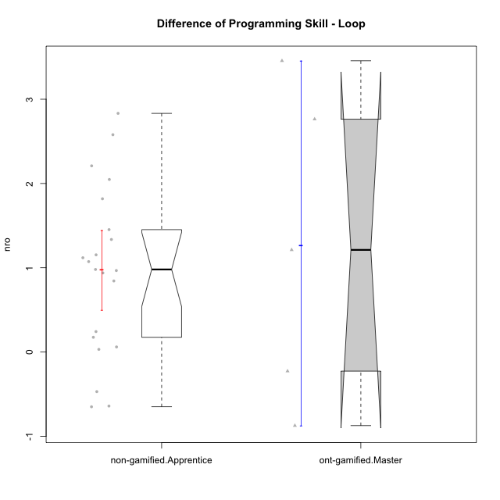

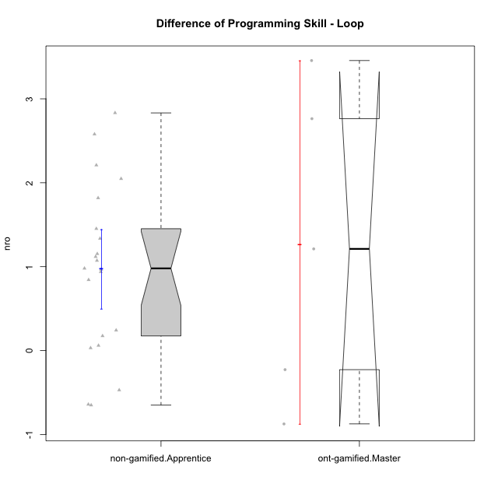

Wilcoxon data
UserID | NroUSP | Type | CLGroup | CLRole | PlayerRole | PreTheta | PostTheta | DiffTheta
10169 | 10377538 | non-gamified | Grupo Team 10 | Apprentice |  | -0.87451916169 | -1.524728275 | -0.65020911327
10170 | 10260351 | non-gamified | Grupo Team 6 | Apprentice |  | -1.2812198189 | -1.2501481185 | 0.031071700435
10172 | 10273971 | ont-gamified | Grupo Koil | Master | Yee Achiever | -0.54776845637 | 2.9081918734 | 3.4559603298
10174 | 10276852 | non-gamified | Grupo Team 1 | Apprentice |  | -2.8286735619 | -1.8490527662 | 0.9796207957
10176 | 10276949 | non-gamified | Grupo Team 9 | Apprentice |  | -0.93837149239 | -0.76369377658 | 0.17467771582
10178 | 8656201 | non-gamified | Grupo Team 11 | Apprentice |  | -0.601850213 | -1.0723071727 | -0.47045695972
10181 | 10276866 | non-gamified | Grupo Team 7 | Apprentice |  | -1.3619584013 | 0.45655337535 | 1.8185117767
10183 | 10352030 | non-gamified | Grupo Belos | Apprentice | Yee Socializer | -2.6088506342 | -1.2734581585 | 1.3353924757
10185 | 10276960 | ont-gamified | Grupo Tosskor | Master | Yee Achiever | 0.065925797327 | 2.8293587177 | 2.7634329203
10186 | 10310551 | non-gamified | Grupo Team 5 | Apprentice |  | -1.605139213 | -0.66645141028 | 0.93868780274
10188 | 10276995 | ont-gamified | Grupo Paldira | Master | Yee Achiever | 1.1234848898 | 0.24950331884 | -0.87398157091
10189 | 9363926 | non-gamified | Grupo Team 2 | Apprentice |  | -1.9523608225 | -0.87958988976 | 1.0727709328
10190 | 10276907 | non-gamified | Grupo Team 8 | Apprentice |  | -0.89772492188 | 0.069093972985 | 0.96681889487
10196 | 10310655 | non-gamified | Grupo Team 5 | Apprentice |  | -1.4932307692 | 0.71625945999 | 2.2094902292
10198 | 10310888 | non-gamified | Grupo Team 1 | Apprentice |  | -2.6664631406 | 0.16590696148 | 2.832370102
10200 | 9795272 | non-gamified | Grupo Team 4 | Apprentice |  | -1.979420985 | -1.737040438 | 0.24238054695
10208 | 10276932 | ont-gamified | Grupo Yeka | Master | Yee Socializer | 0.34171781906 | 1.5535990408 | 1.2118812217
10215 | 9285227 | non-gamified | Grupo Team 7 | Apprentice |  | -1.3110117112 | 1.2678729912 | 2.5788847024
10217 | 9805341 | ont-gamified | Grupo Belos | Master | Yee Socializer | 1.1234848898 | 0.89624558385 | -0.2272393059
10218 | 9842913 | non-gamified | Grupo Team 10 | Apprentice |  | -0.59118367491 | -1.2326279051 | -0.64144423018
10220 | 9760151 | non-gamified | Grupo Team 4 | Apprentice |  | -1.4627398413 | 0.58496311547 | 2.0477029568
10221 | 9082496 | non-gamified | Grupo Team 3 | Apprentice |  | -2.1267356199 | -2.0667159139 | 0.060019706015
10224 | 9368772 | non-gamified | Grupo Team 9 | Apprentice |  | -0.75830479031 | 0.084824041348 | 0.84312883166
10227 | 9274382 | non-gamified | Grupo Team 2 | Apprentice |  | -1.8466576325 | -0.39419706966 | 1.4524605628
10232 | 10276974 | non-gamified | Grupo Team 3 | Apprentice |  | -1.7751149302 | -0.65652175558 | 1.1185931746
10240 | 10276654 | non-gamified | Grupo Team 8 | Apprentice |  | -1.4733311117 | -0.32019545711 | 1.1531356546

Type_CLRole_4
Wilcoxon Analysis for Difference of Programming Skill - Loop in Type:CLRole between non-gamified.Master:ont-gamified.Apprentice

Wilcoxon test results
Alternative hypothesis: less
Group | N | Median | Mean.Ranks | Sum.Ranks | U | Z | p.value | r | magnitude
non-gamified.Master | 8 | 1.2175722572 | 12.125 | 97 | 61 | 0.34126181639 | 0.64322794509 | 0.07275726372 | none
ont-gamified.Apprentice | 14 | 0.9331464663 | 11.142857143 | 156 | 61 | 0.34126181639 | 0.64322794509 | 0.07275726372 | none
Alternative hypothesis: greater
Group | N | Median | Mean.Ranks | Sum.Ranks | U | Z | p.value | r | magnitude
non-gamified.Master | 8 | 1.2175722572 | 12.125 | 97 | 61 | 0.34126181639 | 0.3819745442 | 0.07275726372 | none
ont-gamified.Apprentice | 14 | 0.9331464663 | 11.142857143 | 156 | 61 | 0.34126181639 | 0.3819745442 | 0.07275726372 | none
Alternative hypothesis: two.sided
Group | N | Median | Mean.Ranks | Sum.Ranks | U | Z | p.value | r | magnitude
non-gamified.Master | 8 | 1.2175722572 | 12.125 | 97 | 61 | 0.34126181639 | 0.76394908841 | 0.07275726372 | none
ont-gamified.Apprentice | 14 | 0.9331464663 | 11.142857143 | 156 | 61 | 0.34126181639 | 0.76394908841 | 0.07275726372 | none

Box plots for wilcoxon tests
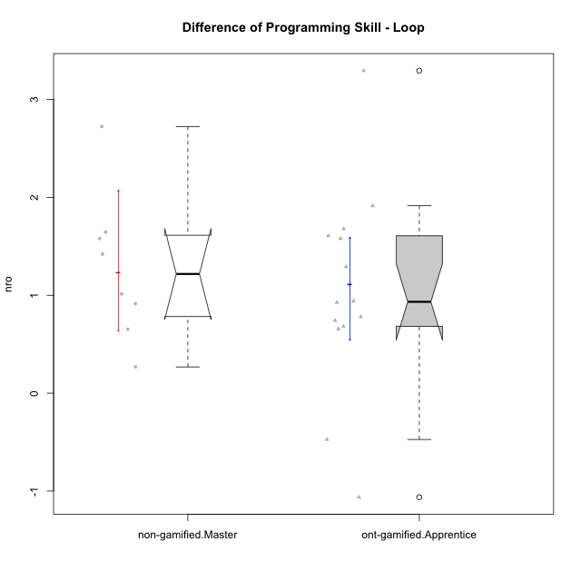

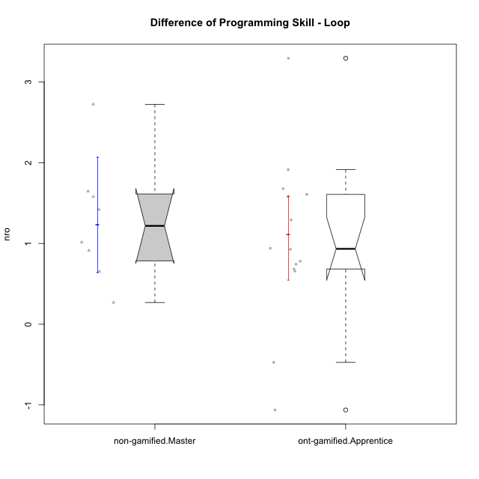

Wilcoxon data
UserID | NroUSP | Type | CLGroup | CLRole | PlayerRole | PreTheta | PostTheta | DiffTheta
10175 | 10310700 | non-gamified | Grupo Team 6 | Master |  | 0.065925797327 | 1.0804372288 | 1.0145114315
10179 | 10310759 | ont-gamified | Grupo Tosskor | Apprentice | Yee Achiever | -1.0286356133 | 0.65038940221 | 1.6790250155
10184 | 10276675 | non-gamified | Grupo Team 7 | Master |  | -0.76669599206 | 0.81308147281 | 1.5797774649
10187 | 9790781 | ont-gamified | Grupo Razorg | Apprentice | Yee Achiever | -0.601850213 | -1.0751602743 | -0.47331006131
10192 | 10276682 | ont-gamified | Grupo Yeka | Apprentice | Yee Socializer | -1.1522912044 | -0.46957397293 | 0.68271723148
10197 | 10276661 | non-gamified | Grupo Team 11 | Master |  | -0.61326941235 | 0.039379994475 | 0.65264940683
10201 | 10276928 | non-gamified | Grupo Team 10 | Master |  | -0.93797126101 | 0.48266182186 | 1.4206330829
10202 | 10277036 | ont-gamified | Grupo Paldira | Apprentice | Yee Achiever | -2.1847191029 | -1.2583849663 | 0.92633413658
10203 | 9921470 | ont-gamified | Grupo Paldira | Apprentice | Yee Achiever | -2.2219662841 | -3.2856425155 | -1.0636762314
10204 | 10310471 | non-gamified | Grupo Team 5 | Master |  | -0.22771777318 | 1.418254351 | 1.6459721242
10206 | 10310721 | non-gamified | Grupo Team 9 | Master |  | -0.30194106025 | -0.034097413557 | 0.26784364669
10210 | 10277015 | ont-gamified | Grupo Losvakai | Apprentice | Yee Achiever | -1.8202073851 | 0.094068961637 | 1.9142763467
10212 | 9065750 | ont-gamified | Grupo Ellaru | Apprentice | Yee Socializer | -0.55628625378 | 0.1002468964 | 0.65653315018
10213 | 10277040 | non-gamified | Grupo Team 8 | Master |  | -0.024558795884 | 0.88853031354 | 0.91308910942
10214 | 10277022 | ont-gamified | Grupo Koil | Apprentice | Yee Achiever | -0.45589308706 | 0.32388839354 | 0.7797814806
10219 | 10276831 | ont-gamified | Grupo Razorg | Apprentice | Yee Achiever | -1.4400200942 | 0.13923679913 | 1.5792568934
10226 | 10310342 | ont-gamified | Grupo Yeka | Apprentice | Yee Socializer | -1.164161103 | 0.1273797818 | 1.2915408848
10228 | 10310492 | ont-gamified | Grupo Losvakai | Apprentice | Yee Achiever | -1.5925749367 | -0.65261614068 | 0.93995879603
10230 | 10351992 | ont-gamified | Grupo Koil | Apprentice | Yee Achiever | -0.47735859336 | 1.1302280141 | 1.6075866074
10231 | 10276911 | non-gamified | Grupo Team 4 | Master |  | 0.14978978935 | 2.8738440941 | 2.7240543047
10237 | 10377688 | ont-gamified | Grupo Ellaru | Apprentice | Yee Socializer | -0.42067623955 | 2.8738440941 | 3.2945203336
10238 | 10276953 | ont-gamified | Grupo Belos | Apprentice | Yee Socializer | -1.3108062526 | -0.56807727975 | 0.74272897286

Type_CLRole_5
Wilcoxon Analysis for Difference of Programming Skill - Loop in Type:CLRole between non-gamified.Master:ont-gamified.Master

Wilcoxon test results
Alternative hypothesis: less
Group | N | Median | Mean.Ranks | Sum.Ranks | U | Z | p.value | r | magnitude
non-gamified.Master | 8 | 1.2175722572 | 7 | 56 | 20 | 0 | 0.52836052836 | 0 | none
ont-gamified.Master | 5 | 1.2118812217 | 7 | 35 | 20 | 0 | 0.52836052836 | 0 | none
Alternative hypothesis: greater
Group | N | Median | Mean.Ranks | Sum.Ranks | U | Z | p.value | r | magnitude
non-gamified.Master | 8 | 1.2175722572 | 7 | 56 | 20 | 0 | 0.52836052836 | 0 | none
ont-gamified.Master | 5 | 1.2118812217 | 7 | 35 | 20 | 0 | 0.52836052836 | 0 | none
Alternative hypothesis: two.sided
Group | N | Median | Mean.Ranks | Sum.Ranks | U | Z | p.value | r | magnitude
non-gamified.Master | 8 | 1.2175722572 | 7 | 56 | 20 | 0 | 1 | 0 | none
ont-gamified.Master | 5 | 1.2118812217 | 7 | 35 | 20 | 0 | 1 | 0 | none

Box plots for wilcoxon tests
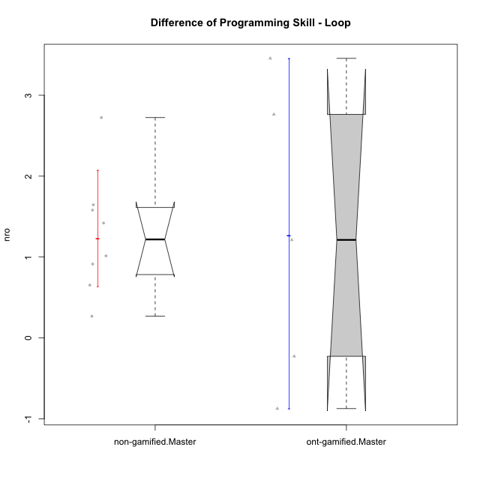

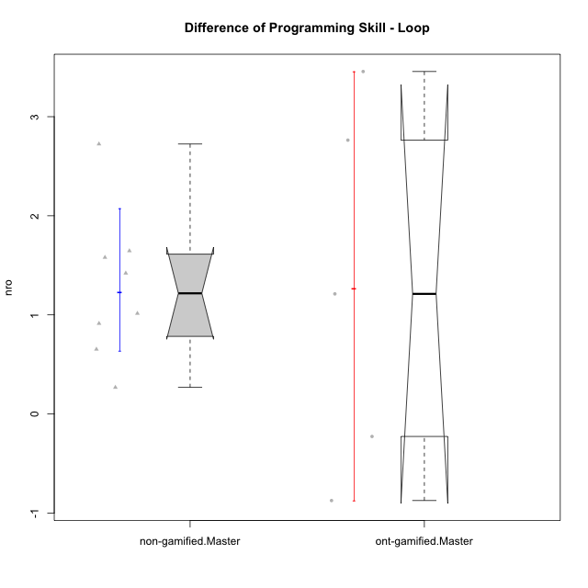

Wilcoxon data
UserID | NroUSP | Type | CLGroup | CLRole | PlayerRole | PreTheta | PostTheta | DiffTheta
10172 | 10273971 | ont-gamified | Grupo Koil | Master | Yee Achiever | -0.54776845637 | 2.9081918734 | 3.4559603298
10175 | 10310700 | non-gamified | Grupo Team 6 | Master |  | 0.065925797327 | 1.0804372288 | 1.0145114315
10184 | 10276675 | non-gamified | Grupo Team 7 | Master |  | -0.76669599206 | 0.81308147281 | 1.5797774649
10185 | 10276960 | ont-gamified | Grupo Tosskor | Master | Yee Achiever | 0.065925797327 | 2.8293587177 | 2.7634329203
10188 | 10276995 | ont-gamified | Grupo Paldira | Master | Yee Achiever | 1.1234848898 | 0.24950331884 | -0.87398157091
10197 | 10276661 | non-gamified | Grupo Team 11 | Master |  | -0.61326941235 | 0.039379994475 | 0.65264940683
10201 | 10276928 | non-gamified | Grupo Team 10 | Master |  | -0.93797126101 | 0.48266182186 | 1.4206330829
10204 | 10310471 | non-gamified | Grupo Team 5 | Master |  | -0.22771777318 | 1.418254351 | 1.6459721242
10206 | 10310721 | non-gamified | Grupo Team 9 | Master |  | -0.30194106025 | -0.034097413557 | 0.26784364669
10208 | 10276932 | ont-gamified | Grupo Yeka | Master | Yee Socializer | 0.34171781906 | 1.5535990408 | 1.2118812217
10213 | 10277040 | non-gamified | Grupo Team 8 | Master |  | -0.024558795884 | 0.88853031354 | 0.91308910942
10217 | 9805341 | ont-gamified | Grupo Belos | Master | Yee Socializer | 1.1234848898 | 0.89624558385 | -0.2272393059
10231 | 10276911 | non-gamified | Grupo Team 4 | Master |  | 0.14978978935 | 2.8738440941 | 2.7240543047

Type_CLRole_6
Wilcoxon Analysis for Difference of Programming Skill - Loop in Type:CLRole between ont-gamified.Apprentice:ont-gamified.Master

Wilcoxon test results
Alternative hypothesis: less
Group | N | Median | Mean.Ranks | Sum.Ranks | U | Z | p.value | r | magnitude
ont-gamified.Apprentice | 14 | 0.9331464663 | 9.7857142857 | 137 | 32 | -0.27774602993 | 0.41150670795 | 0.063719309286 | none
ont-gamified.Master | 5 | 1.2118812217 | 10.6 | 53 | 32 | -0.27774602993 | 0.41150670795 | 0.063719309286 | none
Alternative hypothesis: greater
Group | N | Median | Mean.Ranks | Sum.Ranks | U | Z | p.value | r | magnitude
ont-gamified.Apprentice | 14 | 0.9331464663 | 9.7857142857 | 137 | 32 | -0.27774602993 | 0.62306501548 | 0.063719309286 | none
ont-gamified.Master | 5 | 1.2118812217 | 10.6 | 53 | 32 | -0.27774602993 | 0.62306501548 | 0.063719309286 | none
Alternative hypothesis: two.sided
Group | N | Median | Mean.Ranks | Sum.Ranks | U | Z | p.value | r | magnitude
ont-gamified.Apprentice | 14 | 0.9331464663 | 9.7857142857 | 137 | 32 | -0.27774602993 | 0.82301341589 | 0.063719309286 | none
ont-gamified.Master | 5 | 1.2118812217 | 10.6 | 53 | 32 | -0.27774602993 | 0.82301341589 | 0.063719309286 | none

Box plots for wilcoxon tests
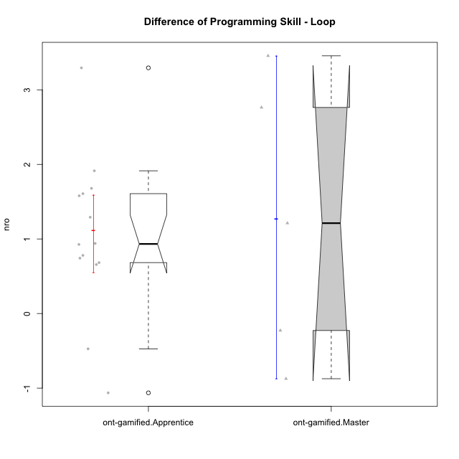

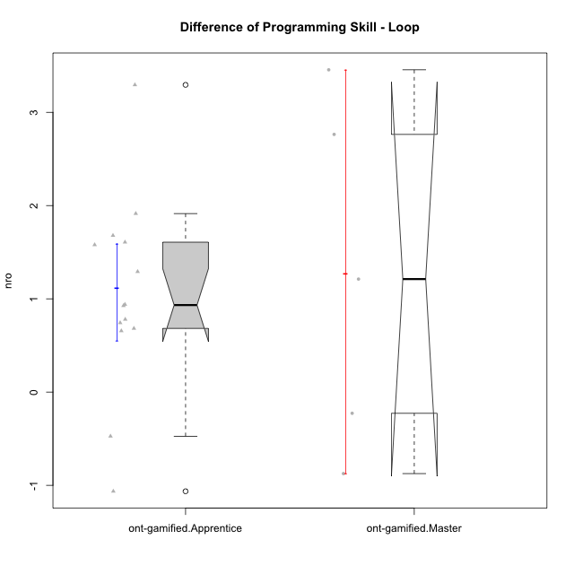

Wilcoxon data
UserID | NroUSP | Type | CLGroup | CLRole | PlayerRole | PreTheta | PostTheta | DiffTheta
10172 | 10273971 | ont-gamified | Grupo Koil | Master | Yee Achiever | -0.54776845637 | 2.9081918734 | 3.4559603298
10179 | 10310759 | ont-gamified | Grupo Tosskor | Apprentice | Yee Achiever | -1.0286356133 | 0.65038940221 | 1.6790250155
10185 | 10276960 | ont-gamified | Grupo Tosskor | Master | Yee Achiever | 0.065925797327 | 2.8293587177 | 2.7634329203
10187 | 9790781 | ont-gamified | Grupo Razorg | Apprentice | Yee Achiever | -0.601850213 | -1.0751602743 | -0.47331006131
10188 | 10276995 | ont-gamified | Grupo Paldira | Master | Yee Achiever | 1.1234848898 | 0.24950331884 | -0.87398157091
10192 | 10276682 | ont-gamified | Grupo Yeka | Apprentice | Yee Socializer | -1.1522912044 | -0.46957397293 | 0.68271723148
10202 | 10277036 | ont-gamified | Grupo Paldira | Apprentice | Yee Achiever | -2.1847191029 | -1.2583849663 | 0.92633413658
10203 | 9921470 | ont-gamified | Grupo Paldira | Apprentice | Yee Achiever | -2.2219662841 | -3.2856425155 | -1.0636762314
10208 | 10276932 | ont-gamified | Grupo Yeka | Master | Yee Socializer | 0.34171781906 | 1.5535990408 | 1.2118812217
10210 | 10277015 | ont-gamified | Grupo Losvakai | Apprentice | Yee Achiever | -1.8202073851 | 0.094068961637 | 1.9142763467
10212 | 9065750 | ont-gamified | Grupo Ellaru | Apprentice | Yee Socializer | -0.55628625378 | 0.1002468964 | 0.65653315018
10214 | 10277022 | ont-gamified | Grupo Koil | Apprentice | Yee Achiever | -0.45589308706 | 0.32388839354 | 0.7797814806
10217 | 9805341 | ont-gamified | Grupo Belos | Master | Yee Socializer | 1.1234848898 | 0.89624558385 | -0.2272393059
10219 | 10276831 | ont-gamified | Grupo Razorg | Apprentice | Yee Achiever | -1.4400200942 | 0.13923679913 | 1.5792568934
10226 | 10310342 | ont-gamified | Grupo Yeka | Apprentice | Yee Socializer | -1.164161103 | 0.1273797818 | 1.2915408848
10228 | 10310492 | ont-gamified | Grupo Losvakai | Apprentice | Yee Achiever | -1.5925749367 | -0.65261614068 | 0.93995879603
10230 | 10351992 | ont-gamified | Grupo Koil | Apprentice | Yee Achiever | -0.47735859336 | 1.1302280141 | 1.6075866074
10237 | 10377688 | ont-gamified | Grupo Ellaru | Apprentice | Yee Socializer | -0.42067623955 | 2.8738440941 | 3.2945203336
10238 | 10276953 | ont-gamified | Grupo Belos | Apprentice | Yee Socializer | -1.3108062526 | -0.56807727975 | 0.74272897286

