Assumptions
ANOVA assumptions for Attention

Shapiro-Wilk normality test for Attention
W | p.value
0.94055242573 | 0.070493573803

Plots for normality test
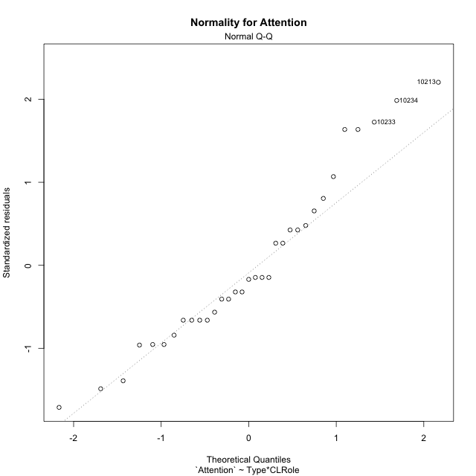

Levene's Test for Homogeneity of Variance in Attention
Df | F value | Pr(>F)
3 | 1.2027638397 | 0.32623891811
29

Plots for homogeneity of variance
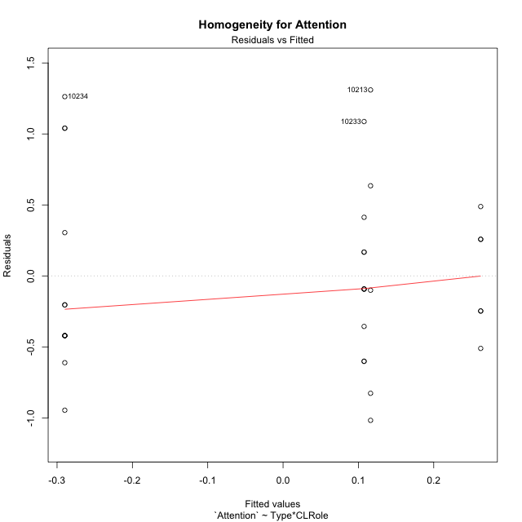

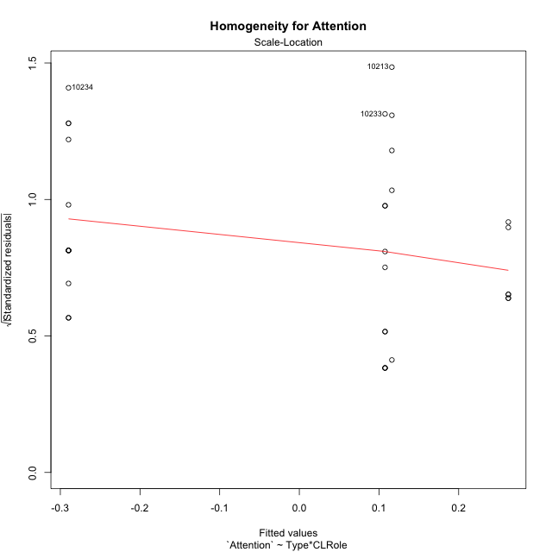

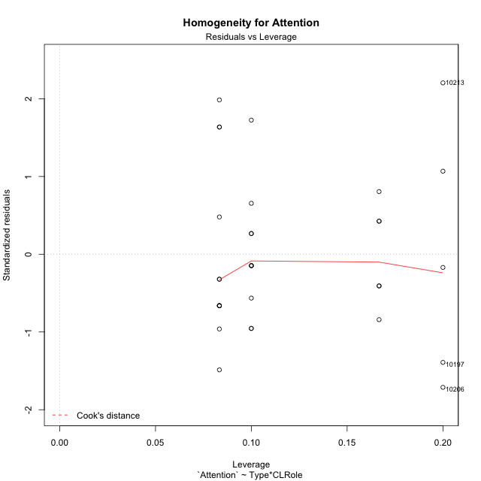

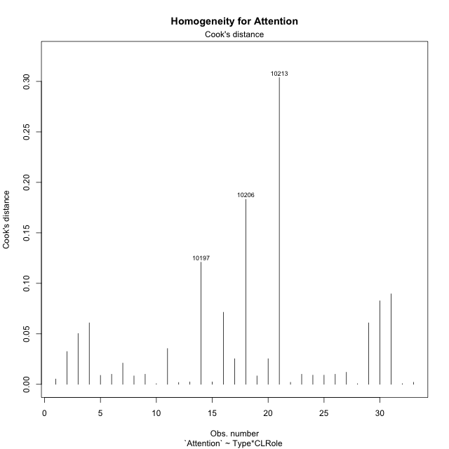

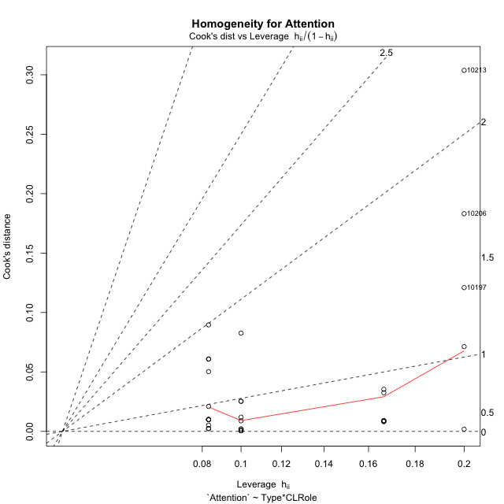

Minimum Sample Size Test for Attention
Type | CLRole | Freq
non-gamified | Apprentice | 12
ont-gamified | Apprentice | 10
non-gamified | Master | 5
ont-gamified | Master | 6

Errors and Warnings in Sample Size Test for ANOVA in Attention
code | description
WARN: sample.size | current.size is = 12 and recommended.size must be = 15 for the group: 'non-gamified:Apprentice'. Size sample for parametric test isn't recomended
WARN: sample.size | current.size is = 10 and recommended.size must be = 15 for the group: 'ont-gamified:Apprentice'. Size sample for parametric test isn't recomended
WARN: sample.size | current.size is = 5 and recommended.size must be = 15 for the group: 'non-gamified:Master'. Size sample for parametric test isn't recomended
WARN: sample.size | current.size is = 6 and recommended.size must be = 15 for the group: 'ont-gamified:Master'. Size sample for parametric test isn't recomended

For the group: 'non-gamified:Apprentice', we recommend the use of non parametric test. For the group: 'ont-gamified:Apprentice', we recommend the use of non parametric test. For the group: 'non-gamified:Master', we recommend the use of non parametric test. For the group: 'ont-gamified:Master', we recommend the use of non parametric test.

If you don't want to remove non-normal data, you must cite the following references: ... (1) Lix, L.M., J.C. Keselman, and H.J. Keselman. 1996. Consequences of assumption violations revisited: A quantitative review of alternatives to the one-way analysis of variance F test. Rev. Educ. Res. 66: 579-619. ... (2) Harwell, M.R., E.N. Rubinstein, W.S. Hayes, and C.C. Olds. 1992. Summarizing Monte Carlo results in methodological research: the one- and two-factor fixed effects ANOVA cases. J. Educ. Stat. 17: 315-339.

Post-hoc
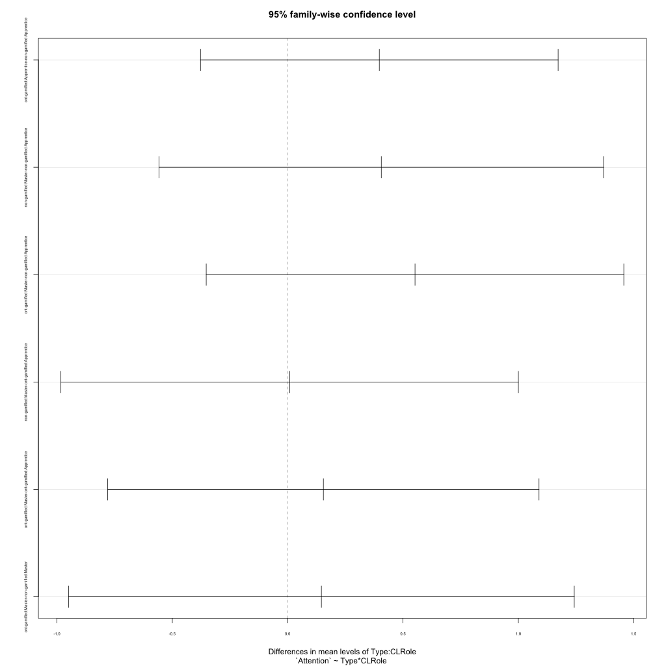
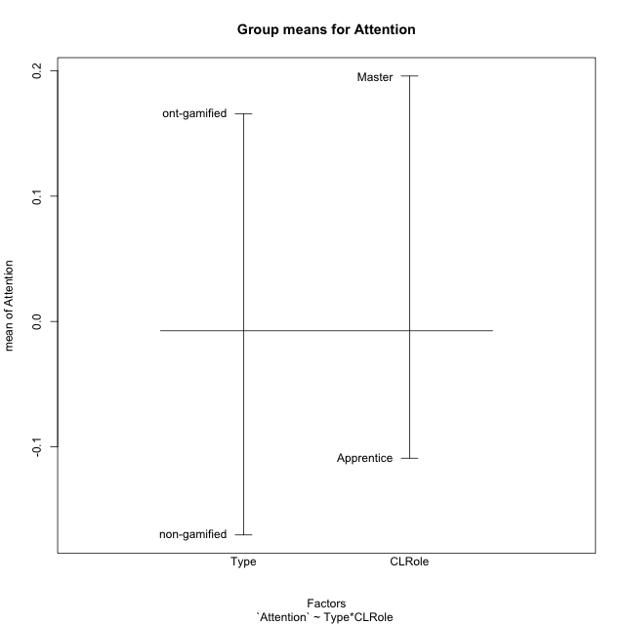
Post-hoc Tukey Honestly Significant Difference (HSD) Test for Attention

Comparisons of means for Type
 | diff | lwr | upr | p adj
ont-gamified-non-gamified | 0.33595385706 | -0.13737281591 | 0.80928053003 | 0.15733334018

Comparisons of means for CLRole
 | diff | lwr | upr | p adj
Master-Apprentice | 0.27449567405 | -0.22731251879 | 0.77630386689 | 0.27242106475

Comparisons of means for Type:CLRole
 | diff | lwr | upr | p adj
ont-gamified:Apprentice-non-gamified:Apprentice | 0.39728684846 | -0.37780890158 | 1.1723825985 | 0.51158287222
non-gamified:Master-non-gamified:Apprentice | 0.4058824476 | -0.5576880041 | 1.3694528993 | 0.66368852736
ont-gamified:Master-non-gamified:Apprentice | 0.55207137932 | -0.35304545522 | 1.4571882139 | 0.36152077502
non-gamified:Master-ont-gamified:Apprentice | 0.0085955991413 | -0.98291021577 | 1.0001014141 | 0.9999951472
ont-gamified:Master-ont-gamified:Apprentice | 0.15478453087 | -0.78001611621 | 1.0895851779 | 0.96887950804
ont-gamified:Master-non-gamified:Master | 0.14618893173 | -0.94996199011 | 1.2423398536 | 0.98326046513

Contrast Matrices for Attention - Type
contrast | estimate | SE | df | t.ratio | p.value
non-gamified - ont-gamified | -0.27173789009 | 0.24637562062 | 29 | -1.1029414737 | 0.27912154661

Contrast Matrices for Attention - Type:CLRole
contrast | CLRole | estimate | SE | df | t.ratio | p.value
non-gamified - ont-gamified | Apprentice | -0.39728684846 | 0.28449006177 | 29 | -1.3964876171 | 0.17316538642
non-gamified - ont-gamified | Master | -0.14618893173 | 0.40232970372 | 29 | -0.36335604947 | 0.71897431366

Least Squares Means and Confidence Intervals for Type
Type | lsmean | SE | df | lower.CL | upper.CL | Pairs
non-gamified | -0.086794540246 | 0.17683377655 | 29 | -0.44846022177 | 0.27487114127 | non-gamified
ont-gamified | 0.18494334984 | 0.17155396209 | 29 | -0.16592389864 | 0.53581059833 | ont-gamified

Least Squares Means and Confidence Intervals for Type:CLRole
Type | CLRole | lsmean | SE | df | lower.CL | upper.CL | Pairs
non-gamified | Apprentice | -0.28973576404 | 0.19180316052 | 29 | -0.68201727339 | 0.1025457453 | non-gamified.Apprentice
ont-gamified | Apprentice | 0.10755108441 | 0.21010983523 | 29 | -0.32217177871 | 0.53727394754 | ont-gamified.Apprentice
non-gamified | Master | 0.11614668355 | 0.29714017858 | 29 | -0.49157321754 | 0.72386658464 | non-gamified.Master
ont-gamified | Master | 0.26233561528 | 0.27125063091 | 29 | -0.29243421551 | 0.81710544607 | ont-gamified.Master

Plots

Type_1
Student's t-Test for Attention in Type between non-gamified:ont-gamified

Student's t-Test results
Alternative hypothesis: less
Group | N | Mean | Mean.Difference | Std.deviation | Std.error | CI.lower | CI.upper | df | t.value | p.value | g | magnitude
non-gamified | 17 | -0.17035857358 | -0.33595385706 | 0.80406356165 | 0.19501405849 | -0.56038669056 | 0.21966954341 | 25.637615882 | -1.4866156831 | 0.074655984211 | -0.49715726079 | small
ont-gamified | 16 | 0.16559528349 | 0.33595385706 | 0.45675454878 | 0.1141886372 | -0.062781990904 | 0.39397255788 | 25.637615882 | -1.4866156831 | 0.074655984211 | -0.49715726079 | small
Alternative hypothesis: greater
Group | N | Mean | Mean.Difference | Std.deviation | Std.error | CI.lower | CI.upper | df | t.value | p.value | g | magnitude
non-gamified | 17 | -0.17035857358 | -0.33595385706 | 0.80406356165 | 0.19501405849 | -0.56038669056 | 0.21966954341 | 25.637615882 | -1.4866156831 | 0.92534401579 | -0.49715726079 | small
ont-gamified | 16 | 0.16559528349 | 0.33595385706 | 0.45675454878 | 0.1141886372 | -0.062781990904 | 0.39397255788 | 25.637615882 | -1.4866156831 | 0.92534401579 | -0.49715726079 | small
Alternative hypothesis: two.sided
Group | N | Mean | Mean.Difference | Std.deviation | Std.error | CI.lower | CI.upper | df | t.value | p.value | g | magnitude
non-gamified | 17 | -0.17035857358 | -0.33595385706 | 0.80406356165 | 0.19501405849 | -0.56038669056 | 0.21966954341 | 25.637615882 | -1.4866156831 | 0.14931196842 | -0.49715726079 | small
ont-gamified | 16 | 0.16559528349 | 0.33595385706 | 0.45675454878 | 0.1141886372 | -0.062781990904 | 0.39397255788 | 25.637615882 | -1.4866156831 | 0.14931196842 | -0.49715726079 | small

Box plots for Student's t-Test
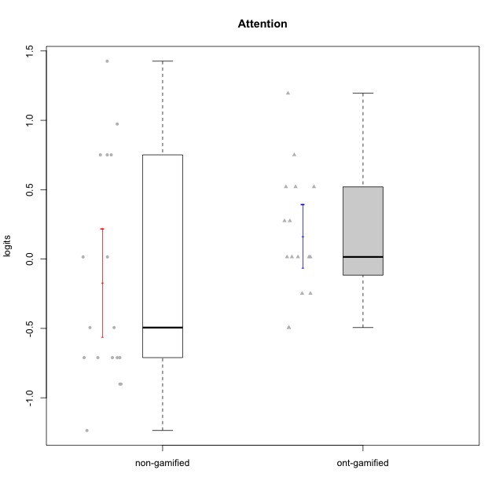

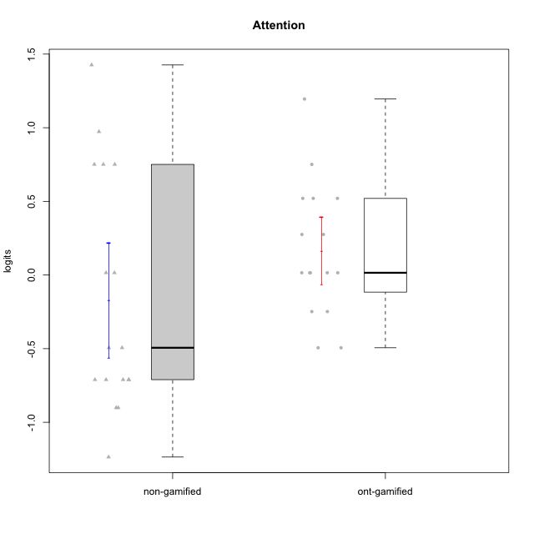

Student's t-Test data
UserID | NroUSP | Type | CLGroup | CLRole | PlayerRole | Attention | error | WLE.rel
10170 | 10260351 | non-gamified | Grupo Team 6 | Apprentice |  | 0.015219938417 | 0.4959323733 | 0.49120665015
10171 | 698531 | ont-gamified | Grupo Losvakai | Master | Yee Achiever | 0.75098899778 | 0.48604705624 | 0.49120665015
10174 | 10276852 | non-gamified | Grupo Team 1 | Apprentice |  | -1.2358565924 | 0.41918087086 | 0.49120665015
10178 | 8656201 | non-gamified | Grupo Team 11 | Apprentice |  | 0.75098899778 | 0.48604705624 | 0.49120665015
10179 | 10310759 | ont-gamified | Grupo Tosskor | Apprentice | Yee Achiever | -0.24821267164 | 0.48742891024 | 0.49120665015
10181 | 10276866 | non-gamified | Grupo Team 7 | Apprentice |  | -0.71056758569 | 0.45086038809 | 0.49120665015
10183 | 10352030 | non-gamified | Grupo Belos | Apprentice | Yee Socializer | -0.90116462417 | 0.43477036865 | 0.49120665015
10185 | 10276960 | ont-gamified | Grupo Tosskor | Master | Yee Achiever | 0.015219938417 | 0.4959323733 | 0.49120665015
10186 | 10310551 | non-gamified | Grupo Team 5 | Apprentice |  | -0.71056758569 | 0.45086038809 | 0.49120665015
10187 | 9790781 | ont-gamified | Grupo Razorg | Apprentice | Yee Achiever | 0.015219938417 | 0.4959323733 | 0.49120665015
10188 | 10276995 | ont-gamified | Grupo Paldira | Master | Yee Achiever | -0.24821267164 | 0.48742891024 | 0.49120665015
10193 | 10276762 | non-gamified | Grupo Team 2 | Master |  | 0.015219938417 | 0.4959323733 | 0.49120665015
10196 | 10310655 | non-gamified | Grupo Team 5 | Apprentice |  | -0.49394158914 | 0.47017278191 | 0.49120665015
10197 | 10276661 | non-gamified | Grupo Team 11 | Master |  | -0.71056758569 | 0.45086038809 | 0.49120665015
10200 | 9795272 | non-gamified | Grupo Team 4 | Apprentice |  | -0.49394158914 | 0.47017278191 | 0.49120665015
10201 | 10276928 | non-gamified | Grupo Team 10 | Master |  | 0.75098899778 | 0.48604705624 | 0.49120665015
10202 | 10277036 | ont-gamified | Grupo Paldira | Apprentice | Yee Achiever | -0.49394158914 | 0.47017278191 | 0.49120665015
10206 | 10310721 | non-gamified | Grupo Team 9 | Master |  | -0.90116462417 | 0.43477036865 | 0.49120665015
10208 | 10276932 | ont-gamified | Grupo Yeka | Master | Yee Socializer | 0.015219938417 | 0.4959323733 | 0.49120665015
10210 | 10277015 | ont-gamified | Grupo Losvakai | Apprentice | Yee Achiever | -0.49394158914 | 0.47017278191 | 0.49120665015
10213 | 10277040 | non-gamified | Grupo Team 8 | Master |  | 1.4262566914 | 0.51745414293 | 0.49120665015
10214 | 10277022 | ont-gamified | Grupo Koil | Apprentice | Yee Achiever | 0.27533387471 | 0.49485604731 | 0.49120665015
10215 | 9285227 | non-gamified | Grupo Team 7 | Apprentice |  | -0.71056758569 | 0.45086038809 | 0.49120665015
10216 | 10276720 | ont-gamified | Grupo Ellaru | Master | Yee Socializer | 0.52039874435 | 0.48969913406 | 0.49120665015
10217 | 9805341 | ont-gamified | Grupo Belos | Master | Yee Socializer | 0.52039874435 | 0.48969913406 | 0.49120665015
10221 | 9082496 | non-gamified | Grupo Team 3 | Apprentice |  | -0.71056758569 | 0.45086038809 | 0.49120665015
10226 | 10310342 | ont-gamified | Grupo Yeka | Apprentice | Yee Socializer | 0.52039874435 | 0.48969913406 | 0.49120665015
10228 | 10310492 | ont-gamified | Grupo Losvakai | Apprentice | Yee Achiever | 0.015219938417 | 0.4959323733 | 0.49120665015
10232 | 10276974 | non-gamified | Grupo Team 3 | Apprentice |  | 0.75098899778 | 0.48604705624 | 0.49120665015
10233 | 9805320 | ont-gamified | Grupo Tosskor | Apprentice | Yee Achiever | 1.194880385 | 0.49685418417 | 0.49120665015
10234 | 10310676 | non-gamified | Grupo Team 6 | Apprentice |  | 0.97314763513 | 0.48751923471 | 0.49120665015
10237 | 10377688 | ont-gamified | Grupo Ellaru | Apprentice | Yee Socializer | 0.015219938417 | 0.4959323733 | 0.49120665015
10238 | 10276953 | ont-gamified | Grupo Belos | Apprentice | Yee Socializer | 0.27533387471 | 0.49485604731 | 0.49120665015

Type_CLRole_1
Student's t-Test for Attention in Type:CLRole between non-gamified.Apprentice:non-gamified.Master

Student's t-Test results
Alternative hypothesis: less
Group | N | Mean | Mean.Difference | Std.deviation | Std.error | CI.lower | CI.upper | df | t.value | p.value | g | magnitude
non-gamified.Apprentice | 12 | -0.28973576404 | -0.4058824476 | 0.73329121832 | 0.21168294114 | -0.71310164633 | 0.13363011824 | 5.9625594021 | -0.83336467197 | 0.21837123697 | -0.47752214411 | small
non-gamified.Master | 5 | 0.11614668355 | 0.4058824476 | 0.98081318103 | 0.4386329892 | -0.76111929485 | 0.99341266196 | 5.9625594021 | -0.83336467197 | 0.21837123697 | -0.47752214411 | small
Alternative hypothesis: greater
Group | N | Mean | Mean.Difference | Std.deviation | Std.error | CI.lower | CI.upper | df | t.value | p.value | g | magnitude
non-gamified.Apprentice | 12 | -0.28973576404 | -0.4058824476 | 0.73329121832 | 0.21168294114 | -0.71310164633 | 0.13363011824 | 5.9625594021 | -0.83336467197 | 0.78162876303 | -0.47752214411 | small
non-gamified.Master | 5 | 0.11614668355 | 0.4058824476 | 0.98081318103 | 0.4386329892 | -0.76111929485 | 0.99341266196 | 5.9625594021 | -0.83336467197 | 0.78162876303 | -0.47752214411 | small
Alternative hypothesis: two.sided
Group | N | Mean | Mean.Difference | Std.deviation | Std.error | CI.lower | CI.upper | df | t.value | p.value | g | magnitude
non-gamified.Apprentice | 12 | -0.28973576404 | -0.4058824476 | 0.73329121832 | 0.21168294114 | -0.71310164633 | 0.13363011824 | 5.9625594021 | -0.83336467197 | 0.43674247394 | -0.47752214411 | small
non-gamified.Master | 5 | 0.11614668355 | 0.4058824476 | 0.98081318103 | 0.4386329892 | -0.76111929485 | 0.99341266196 | 5.9625594021 | -0.83336467197 | 0.43674247394 | -0.47752214411 | small

Box plots for Student's t-Test
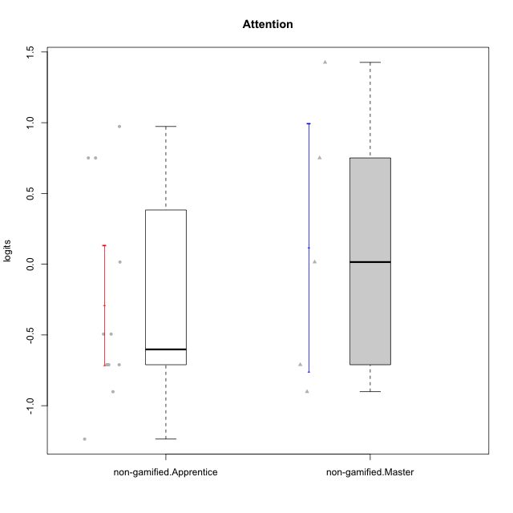

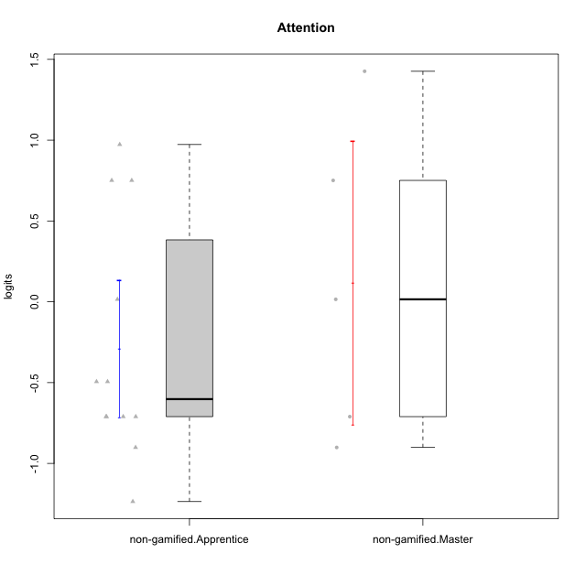

Student's t-Test data
UserID | NroUSP | Type | CLGroup | CLRole | PlayerRole | Attention | error | WLE.rel
10170 | 10260351 | non-gamified | Grupo Team 6 | Apprentice |  | 0.015219938417 | 0.4959323733 | 0.49120665015
10174 | 10276852 | non-gamified | Grupo Team 1 | Apprentice |  | -1.2358565924 | 0.41918087086 | 0.49120665015
10178 | 8656201 | non-gamified | Grupo Team 11 | Apprentice |  | 0.75098899778 | 0.48604705624 | 0.49120665015
10181 | 10276866 | non-gamified | Grupo Team 7 | Apprentice |  | -0.71056758569 | 0.45086038809 | 0.49120665015
10183 | 10352030 | non-gamified | Grupo Belos | Apprentice | Yee Socializer | -0.90116462417 | 0.43477036865 | 0.49120665015
10186 | 10310551 | non-gamified | Grupo Team 5 | Apprentice |  | -0.71056758569 | 0.45086038809 | 0.49120665015
10193 | 10276762 | non-gamified | Grupo Team 2 | Master |  | 0.015219938417 | 0.4959323733 | 0.49120665015
10196 | 10310655 | non-gamified | Grupo Team 5 | Apprentice |  | -0.49394158914 | 0.47017278191 | 0.49120665015
10197 | 10276661 | non-gamified | Grupo Team 11 | Master |  | -0.71056758569 | 0.45086038809 | 0.49120665015
10200 | 9795272 | non-gamified | Grupo Team 4 | Apprentice |  | -0.49394158914 | 0.47017278191 | 0.49120665015
10201 | 10276928 | non-gamified | Grupo Team 10 | Master |  | 0.75098899778 | 0.48604705624 | 0.49120665015
10206 | 10310721 | non-gamified | Grupo Team 9 | Master |  | -0.90116462417 | 0.43477036865 | 0.49120665015
10213 | 10277040 | non-gamified | Grupo Team 8 | Master |  | 1.4262566914 | 0.51745414293 | 0.49120665015
10215 | 9285227 | non-gamified | Grupo Team 7 | Apprentice |  | -0.71056758569 | 0.45086038809 | 0.49120665015
10221 | 9082496 | non-gamified | Grupo Team 3 | Apprentice |  | -0.71056758569 | 0.45086038809 | 0.49120665015
10232 | 10276974 | non-gamified | Grupo Team 3 | Apprentice |  | 0.75098899778 | 0.48604705624 | 0.49120665015
10234 | 10310676 | non-gamified | Grupo Team 6 | Apprentice |  | 0.97314763513 | 0.48751923471 | 0.49120665015

Type_CLRole_2
Student's t-Test for Attention in Type:CLRole between non-gamified.Apprentice:ont-gamified.Apprentice

Student's t-Test results
Alternative hypothesis: less
Group | N | Mean | Mean.Difference | Std.deviation | Std.error | CI.lower | CI.upper | df | t.value | p.value | g | magnitude
non-gamified.Apprentice | 12 | -0.28973576404 | -0.39728684846 | 0.73329121832 | 0.21168294114 | -0.71310164633 | 0.13363011824 | 19.388496622 | -1.4995064598 | 0.074924955757 | -0.59690936549 | medium
ont-gamified.Apprentice | 10 | 0.10755108441 | 0.39728684846 | 0.50384743856 | 0.15933054991 | -0.21111001541 | 0.42621218423 | 19.388496622 | -1.4995064598 | 0.074924955757 | -0.59690936549 | medium
Alternative hypothesis: greater
Group | N | Mean | Mean.Difference | Std.deviation | Std.error | CI.lower | CI.upper | df | t.value | p.value | g | magnitude
non-gamified.Apprentice | 12 | -0.28973576404 | -0.39728684846 | 0.73329121832 | 0.21168294114 | -0.71310164633 | 0.13363011824 | 19.388496622 | -1.4995064598 | 0.92507504424 | -0.59690936549 | medium
ont-gamified.Apprentice | 10 | 0.10755108441 | 0.39728684846 | 0.50384743856 | 0.15933054991 | -0.21111001541 | 0.42621218423 | 19.388496622 | -1.4995064598 | 0.92507504424 | -0.59690936549 | medium
Alternative hypothesis: two.sided
Group | N | Mean | Mean.Difference | Std.deviation | Std.error | CI.lower | CI.upper | df | t.value | p.value | g | magnitude
non-gamified.Apprentice | 12 | -0.28973576404 | -0.39728684846 | 0.73329121832 | 0.21168294114 | -0.71310164633 | 0.13363011824 | 19.388496622 | -1.4995064598 | 0.14984991151 | -0.59690936549 | medium
ont-gamified.Apprentice | 10 | 0.10755108441 | 0.39728684846 | 0.50384743856 | 0.15933054991 | -0.21111001541 | 0.42621218423 | 19.388496622 | -1.4995064598 | 0.14984991151 | -0.59690936549 | medium

Box plots for Student's t-Test
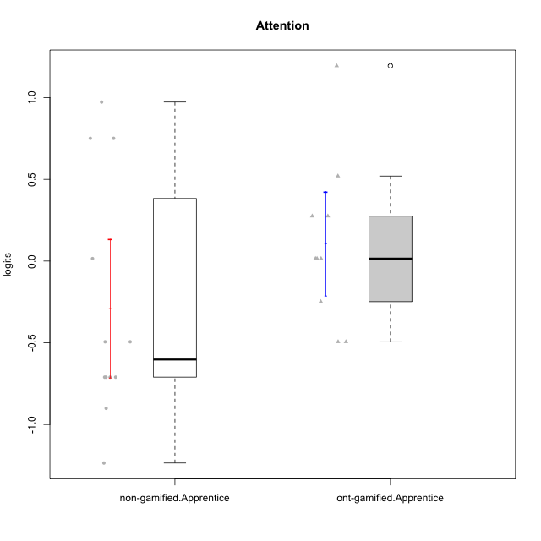

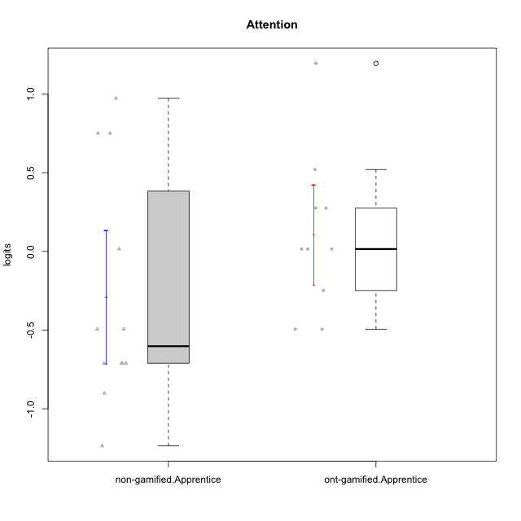

Student's t-Test data
UserID | NroUSP | Type | CLGroup | CLRole | PlayerRole | Attention | error | WLE.rel
10170 | 10260351 | non-gamified | Grupo Team 6 | Apprentice |  | 0.015219938417 | 0.4959323733 | 0.49120665015
10174 | 10276852 | non-gamified | Grupo Team 1 | Apprentice |  | -1.2358565924 | 0.41918087086 | 0.49120665015
10178 | 8656201 | non-gamified | Grupo Team 11 | Apprentice |  | 0.75098899778 | 0.48604705624 | 0.49120665015
10179 | 10310759 | ont-gamified | Grupo Tosskor | Apprentice | Yee Achiever | -0.24821267164 | 0.48742891024 | 0.49120665015
10181 | 10276866 | non-gamified | Grupo Team 7 | Apprentice |  | -0.71056758569 | 0.45086038809 | 0.49120665015
10183 | 10352030 | non-gamified | Grupo Belos | Apprentice | Yee Socializer | -0.90116462417 | 0.43477036865 | 0.49120665015
10186 | 10310551 | non-gamified | Grupo Team 5 | Apprentice |  | -0.71056758569 | 0.45086038809 | 0.49120665015
10187 | 9790781 | ont-gamified | Grupo Razorg | Apprentice | Yee Achiever | 0.015219938417 | 0.4959323733 | 0.49120665015
10196 | 10310655 | non-gamified | Grupo Team 5 | Apprentice |  | -0.49394158914 | 0.47017278191 | 0.49120665015
10200 | 9795272 | non-gamified | Grupo Team 4 | Apprentice |  | -0.49394158914 | 0.47017278191 | 0.49120665015
10202 | 10277036 | ont-gamified | Grupo Paldira | Apprentice | Yee Achiever | -0.49394158914 | 0.47017278191 | 0.49120665015
10210 | 10277015 | ont-gamified | Grupo Losvakai | Apprentice | Yee Achiever | -0.49394158914 | 0.47017278191 | 0.49120665015
10214 | 10277022 | ont-gamified | Grupo Koil | Apprentice | Yee Achiever | 0.27533387471 | 0.49485604731 | 0.49120665015
10215 | 9285227 | non-gamified | Grupo Team 7 | Apprentice |  | -0.71056758569 | 0.45086038809 | 0.49120665015
10221 | 9082496 | non-gamified | Grupo Team 3 | Apprentice |  | -0.71056758569 | 0.45086038809 | 0.49120665015
10226 | 10310342 | ont-gamified | Grupo Yeka | Apprentice | Yee Socializer | 0.52039874435 | 0.48969913406 | 0.49120665015
10228 | 10310492 | ont-gamified | Grupo Losvakai | Apprentice | Yee Achiever | 0.015219938417 | 0.4959323733 | 0.49120665015
10232 | 10276974 | non-gamified | Grupo Team 3 | Apprentice |  | 0.75098899778 | 0.48604705624 | 0.49120665015
10233 | 9805320 | ont-gamified | Grupo Tosskor | Apprentice | Yee Achiever | 1.194880385 | 0.49685418417 | 0.49120665015
10234 | 10310676 | non-gamified | Grupo Team 6 | Apprentice |  | 0.97314763513 | 0.48751923471 | 0.49120665015
10237 | 10377688 | ont-gamified | Grupo Ellaru | Apprentice | Yee Socializer | 0.015219938417 | 0.4959323733 | 0.49120665015
10238 | 10276953 | ont-gamified | Grupo Belos | Apprentice | Yee Socializer | 0.27533387471 | 0.49485604731 | 0.49120665015

Type_CLRole_3
Student's t-Test for Attention in Type:CLRole between non-gamified.Apprentice:ont-gamified.Master

Student's t-Test results
Alternative hypothesis: less
Group | N | Mean | Mean.Difference | Std.deviation | Std.error | CI.lower | CI.upper | df | t.value | p.value | g | magnitude
non-gamified.Apprentice | 12 | -0.28973576404 | -0.55207137932 | 0.73329121832 | 0.21168294114 | -0.71310164633 | 0.13363011824 | 15.836653572 | -2.0871022461 | 0.026704022508 | -0.81435660284 | large
ont-gamified.Master | 6 | 0.26233561528 | 0.55207137932 | 0.3885272588 | 0.15861558921 | -0.054895563133 | 0.57956679369 | 15.836653572 | -2.0871022461 | 0.026704022508 | -0.81435660284 | large
Alternative hypothesis: greater
Group | N | Mean | Mean.Difference | Std.deviation | Std.error | CI.lower | CI.upper | df | t.value | p.value | g | magnitude
non-gamified.Apprentice | 12 | -0.28973576404 | -0.55207137932 | 0.73329121832 | 0.21168294114 | -0.71310164633 | 0.13363011824 | 15.836653572 | -2.0871022461 | 0.97329597749 | -0.81435660284 | large
ont-gamified.Master | 6 | 0.26233561528 | 0.55207137932 | 0.3885272588 | 0.15861558921 | -0.054895563133 | 0.57956679369 | 15.836653572 | -2.0871022461 | 0.97329597749 | -0.81435660284 | large
Alternative hypothesis: two.sided
Group | N | Mean | Mean.Difference | Std.deviation | Std.error | CI.lower | CI.upper | df | t.value | p.value | g | magnitude
non-gamified.Apprentice | 12 | -0.28973576404 | -0.55207137932 | 0.73329121832 | 0.21168294114 | -0.71310164633 | 0.13363011824 | 15.836653572 | -2.0871022461 | 0.053408045016 | -0.81435660284 | large
ont-gamified.Master | 6 | 0.26233561528 | 0.55207137932 | 0.3885272588 | 0.15861558921 | -0.054895563133 | 0.57956679369 | 15.836653572 | -2.0871022461 | 0.053408045016 | -0.81435660284 | large

Box plots for Student's t-Test
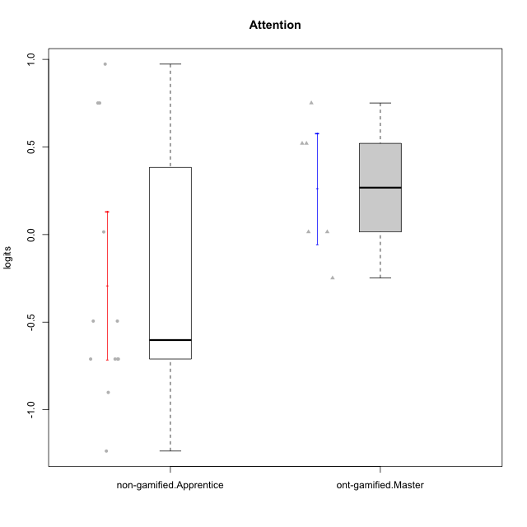

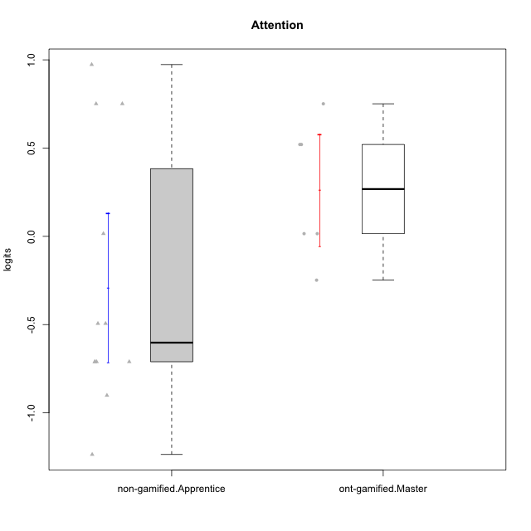

Student's t-Test data
UserID | NroUSP | Type | CLGroup | CLRole | PlayerRole | Attention | error | WLE.rel
10170 | 10260351 | non-gamified | Grupo Team 6 | Apprentice |  | 0.015219938417 | 0.4959323733 | 0.49120665015
10171 | 698531 | ont-gamified | Grupo Losvakai | Master | Yee Achiever | 0.75098899778 | 0.48604705624 | 0.49120665015
10174 | 10276852 | non-gamified | Grupo Team 1 | Apprentice |  | -1.2358565924 | 0.41918087086 | 0.49120665015
10178 | 8656201 | non-gamified | Grupo Team 11 | Apprentice |  | 0.75098899778 | 0.48604705624 | 0.49120665015
10181 | 10276866 | non-gamified | Grupo Team 7 | Apprentice |  | -0.71056758569 | 0.45086038809 | 0.49120665015
10183 | 10352030 | non-gamified | Grupo Belos | Apprentice | Yee Socializer | -0.90116462417 | 0.43477036865 | 0.49120665015
10185 | 10276960 | ont-gamified | Grupo Tosskor | Master | Yee Achiever | 0.015219938417 | 0.4959323733 | 0.49120665015
10186 | 10310551 | non-gamified | Grupo Team 5 | Apprentice |  | -0.71056758569 | 0.45086038809 | 0.49120665015
10188 | 10276995 | ont-gamified | Grupo Paldira | Master | Yee Achiever | -0.24821267164 | 0.48742891024 | 0.49120665015
10196 | 10310655 | non-gamified | Grupo Team 5 | Apprentice |  | -0.49394158914 | 0.47017278191 | 0.49120665015
10200 | 9795272 | non-gamified | Grupo Team 4 | Apprentice |  | -0.49394158914 | 0.47017278191 | 0.49120665015
10208 | 10276932 | ont-gamified | Grupo Yeka | Master | Yee Socializer | 0.015219938417 | 0.4959323733 | 0.49120665015
10215 | 9285227 | non-gamified | Grupo Team 7 | Apprentice |  | -0.71056758569 | 0.45086038809 | 0.49120665015
10216 | 10276720 | ont-gamified | Grupo Ellaru | Master | Yee Socializer | 0.52039874435 | 0.48969913406 | 0.49120665015
10217 | 9805341 | ont-gamified | Grupo Belos | Master | Yee Socializer | 0.52039874435 | 0.48969913406 | 0.49120665015
10221 | 9082496 | non-gamified | Grupo Team 3 | Apprentice |  | -0.71056758569 | 0.45086038809 | 0.49120665015
10232 | 10276974 | non-gamified | Grupo Team 3 | Apprentice |  | 0.75098899778 | 0.48604705624 | 0.49120665015
10234 | 10310676 | non-gamified | Grupo Team 6 | Apprentice |  | 0.97314763513 | 0.48751923471 | 0.49120665015

Type_CLRole_4
Student's t-Test for Attention in Type:CLRole between non-gamified.Master:ont-gamified.Apprentice

Student's t-Test results
Alternative hypothesis: less
Group | N | Mean | Mean.Difference | Std.deviation | Std.error | CI.lower | CI.upper | df | t.value | p.value | g | magnitude
non-gamified.Master | 5 | 0.11614668355 | 0.0085955991413 | 0.98081318103 | 0.4386329892 | -0.76111929485 | 0.99341266196 | 5.0858525592 | 0.018418830389 | 0.50699723348 | 0.011778545937 | negligible
ont-gamified.Apprentice | 10 | 0.10755108441 | -0.0085955991413 | 0.50384743856 | 0.15933054991 | -0.21111001541 | 0.42621218423 | 5.0858525592 | 0.018418830389 | 0.50699723348 | 0.011778545937 | negligible
Alternative hypothesis: greater
Group | N | Mean | Mean.Difference | Std.deviation | Std.error | CI.lower | CI.upper | df | t.value | p.value | g | magnitude
non-gamified.Master | 5 | 0.11614668355 | 0.0085955991413 | 0.98081318103 | 0.4386329892 | -0.76111929485 | 0.99341266196 | 5.0858525592 | 0.018418830389 | 0.49300276652 | 0.011778545937 | negligible
ont-gamified.Apprentice | 10 | 0.10755108441 | -0.0085955991413 | 0.50384743856 | 0.15933054991 | -0.21111001541 | 0.42621218423 | 5.0858525592 | 0.018418830389 | 0.49300276652 | 0.011778545937 | negligible
Alternative hypothesis: two.sided
Group | N | Mean | Mean.Difference | Std.deviation | Std.error | CI.lower | CI.upper | df | t.value | p.value | g | magnitude
non-gamified.Master | 5 | 0.11614668355 | 0.0085955991413 | 0.98081318103 | 0.4386329892 | -0.76111929485 | 0.99341266196 | 5.0858525592 | 0.018418830389 | 0.98600553303 | 0.011778545937 | negligible
ont-gamified.Apprentice | 10 | 0.10755108441 | -0.0085955991413 | 0.50384743856 | 0.15933054991 | -0.21111001541 | 0.42621218423 | 5.0858525592 | 0.018418830389 | 0.98600553303 | 0.011778545937 | negligible

Box plots for Student's t-Test
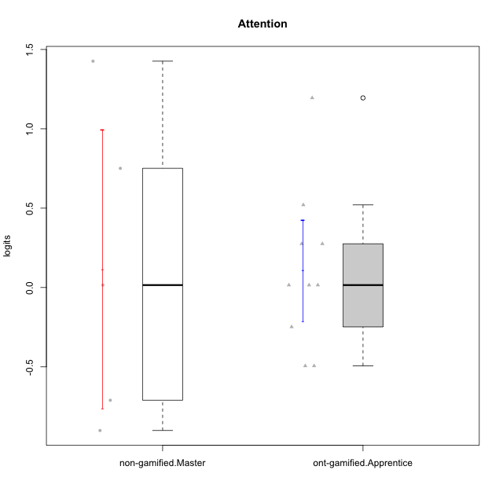

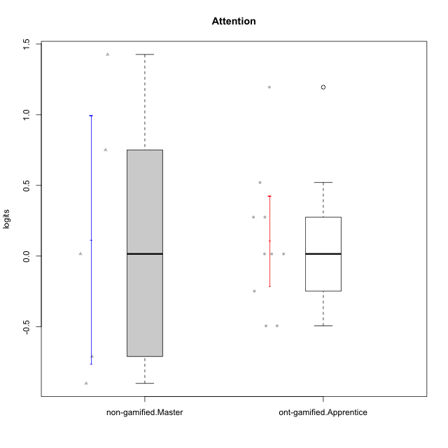

Student's t-Test data
UserID | NroUSP | Type | CLGroup | CLRole | PlayerRole | Attention | error | WLE.rel
10179 | 10310759 | ont-gamified | Grupo Tosskor | Apprentice | Yee Achiever | -0.24821267164 | 0.48742891024 | 0.49120665015
10187 | 9790781 | ont-gamified | Grupo Razorg | Apprentice | Yee Achiever | 0.015219938417 | 0.4959323733 | 0.49120665015
10193 | 10276762 | non-gamified | Grupo Team 2 | Master |  | 0.015219938417 | 0.4959323733 | 0.49120665015
10197 | 10276661 | non-gamified | Grupo Team 11 | Master |  | -0.71056758569 | 0.45086038809 | 0.49120665015
10201 | 10276928 | non-gamified | Grupo Team 10 | Master |  | 0.75098899778 | 0.48604705624 | 0.49120665015
10202 | 10277036 | ont-gamified | Grupo Paldira | Apprentice | Yee Achiever | -0.49394158914 | 0.47017278191 | 0.49120665015
10206 | 10310721 | non-gamified | Grupo Team 9 | Master |  | -0.90116462417 | 0.43477036865 | 0.49120665015
10210 | 10277015 | ont-gamified | Grupo Losvakai | Apprentice | Yee Achiever | -0.49394158914 | 0.47017278191 | 0.49120665015
10213 | 10277040 | non-gamified | Grupo Team 8 | Master |  | 1.4262566914 | 0.51745414293 | 0.49120665015
10214 | 10277022 | ont-gamified | Grupo Koil | Apprentice | Yee Achiever | 0.27533387471 | 0.49485604731 | 0.49120665015
10226 | 10310342 | ont-gamified | Grupo Yeka | Apprentice | Yee Socializer | 0.52039874435 | 0.48969913406 | 0.49120665015
10228 | 10310492 | ont-gamified | Grupo Losvakai | Apprentice | Yee Achiever | 0.015219938417 | 0.4959323733 | 0.49120665015
10233 | 9805320 | ont-gamified | Grupo Tosskor | Apprentice | Yee Achiever | 1.194880385 | 0.49685418417 | 0.49120665015
10237 | 10377688 | ont-gamified | Grupo Ellaru | Apprentice | Yee Socializer | 0.015219938417 | 0.4959323733 | 0.49120665015
10238 | 10276953 | ont-gamified | Grupo Belos | Apprentice | Yee Socializer | 0.27533387471 | 0.49485604731 | 0.49120665015

Type_CLRole_5
Student's t-Test for Attention in Type:CLRole between non-gamified.Master:ont-gamified.Master

Student's t-Test results
Alternative hypothesis: less
Group | N | Mean | Mean.Difference | Std.deviation | Std.error | CI.lower | CI.upper | df | t.value | p.value | g | magnitude
non-gamified.Master | 5 | 0.11614668355 | -0.14618893173 | 0.98081318103 | 0.4386329892 | -0.76111929485 | 0.99341266196 | 5.0454920019 | -0.31342032667 | 0.38325226145 | -0.18689996378 | negligible
ont-gamified.Master | 6 | 0.26233561528 | 0.14618893173 | 0.3885272588 | 0.15861558921 | -0.054895563133 | 0.57956679369 | 5.0454920019 | -0.31342032667 | 0.38325226145 | -0.18689996378 | negligible
Alternative hypothesis: greater
Group | N | Mean | Mean.Difference | Std.deviation | Std.error | CI.lower | CI.upper | df | t.value | p.value | g | magnitude
non-gamified.Master | 5 | 0.11614668355 | -0.14618893173 | 0.98081318103 | 0.4386329892 | -0.76111929485 | 0.99341266196 | 5.0454920019 | -0.31342032667 | 0.61674773855 | -0.18689996378 | negligible
ont-gamified.Master | 6 | 0.26233561528 | 0.14618893173 | 0.3885272588 | 0.15861558921 | -0.054895563133 | 0.57956679369 | 5.0454920019 | -0.31342032667 | 0.61674773855 | -0.18689996378 | negligible
Alternative hypothesis: two.sided
Group | N | Mean | Mean.Difference | Std.deviation | Std.error | CI.lower | CI.upper | df | t.value | p.value | g | magnitude
non-gamified.Master | 5 | 0.11614668355 | -0.14618893173 | 0.98081318103 | 0.4386329892 | -0.76111929485 | 0.99341266196 | 5.0454920019 | -0.31342032667 | 0.76650452291 | -0.18689996378 | negligible
ont-gamified.Master | 6 | 0.26233561528 | 0.14618893173 | 0.3885272588 | 0.15861558921 | -0.054895563133 | 0.57956679369 | 5.0454920019 | -0.31342032667 | 0.76650452291 | -0.18689996378 | negligible

Box plots for Student's t-Test
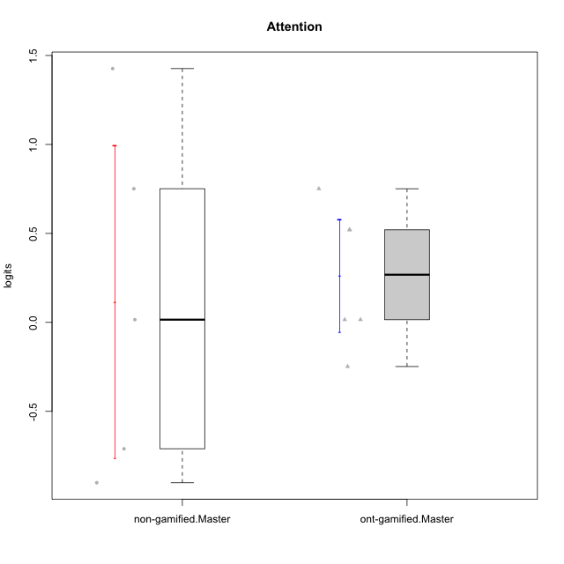

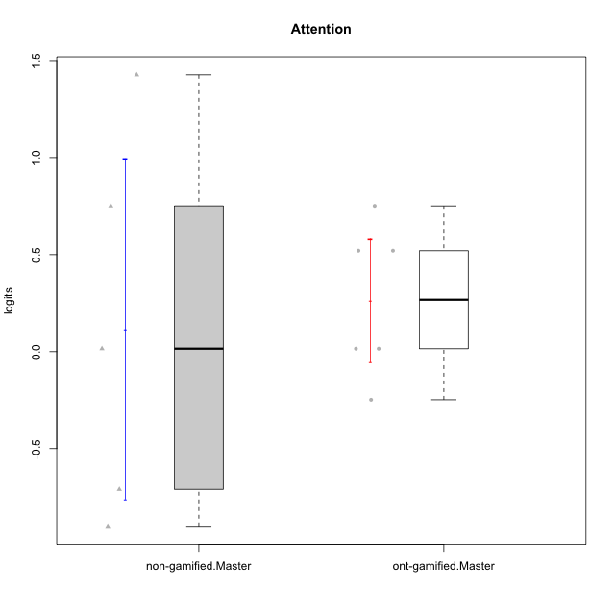

Student's t-Test data
UserID | NroUSP | Type | CLGroup | CLRole | PlayerRole | Attention | error | WLE.rel
10171 | 698531 | ont-gamified | Grupo Losvakai | Master | Yee Achiever | 0.75098899778 | 0.48604705624 | 0.49120665015
10185 | 10276960 | ont-gamified | Grupo Tosskor | Master | Yee Achiever | 0.015219938417 | 0.4959323733 | 0.49120665015
10188 | 10276995 | ont-gamified | Grupo Paldira | Master | Yee Achiever | -0.24821267164 | 0.48742891024 | 0.49120665015
10193 | 10276762 | non-gamified | Grupo Team 2 | Master |  | 0.015219938417 | 0.4959323733 | 0.49120665015
10197 | 10276661 | non-gamified | Grupo Team 11 | Master |  | -0.71056758569 | 0.45086038809 | 0.49120665015
10201 | 10276928 | non-gamified | Grupo Team 10 | Master |  | 0.75098899778 | 0.48604705624 | 0.49120665015
10206 | 10310721 | non-gamified | Grupo Team 9 | Master |  | -0.90116462417 | 0.43477036865 | 0.49120665015
10208 | 10276932 | ont-gamified | Grupo Yeka | Master | Yee Socializer | 0.015219938417 | 0.4959323733 | 0.49120665015
10213 | 10277040 | non-gamified | Grupo Team 8 | Master |  | 1.4262566914 | 0.51745414293 | 0.49120665015
10216 | 10276720 | ont-gamified | Grupo Ellaru | Master | Yee Socializer | 0.52039874435 | 0.48969913406 | 0.49120665015
10217 | 9805341 | ont-gamified | Grupo Belos | Master | Yee Socializer | 0.52039874435 | 0.48969913406 | 0.49120665015

Type_CLRole_6
Student's t-Test for Attention in Type:CLRole between ont-gamified.Apprentice:ont-gamified.Master

Student's t-Test results
Alternative hypothesis: less
Group | N | Mean | Mean.Difference | Std.deviation | Std.error | CI.lower | CI.upper | df | t.value | p.value | g | magnitude
ont-gamified.Apprentice | 10 | 0.10755108441 | -0.15478453087 | 0.50384743856 | 0.15933054991 | -0.21111001541 | 0.42621218423 | 12.890008338 | -0.68847456356 | 0.2516786064 | -0.31407198626 | small
ont-gamified.Master | 6 | 0.26233561528 | 0.15478453087 | 0.3885272588 | 0.15861558921 | -0.054895563133 | 0.57956679369 | 12.890008338 | -0.68847456356 | 0.2516786064 | -0.31407198626 | small
Alternative hypothesis: greater
Group | N | Mean | Mean.Difference | Std.deviation | Std.error | CI.lower | CI.upper | df | t.value | p.value | g | magnitude
ont-gamified.Apprentice | 10 | 0.10755108441 | -0.15478453087 | 0.50384743856 | 0.15933054991 | -0.21111001541 | 0.42621218423 | 12.890008338 | -0.68847456356 | 0.7483213936 | -0.31407198626 | small
ont-gamified.Master | 6 | 0.26233561528 | 0.15478453087 | 0.3885272588 | 0.15861558921 | -0.054895563133 | 0.57956679369 | 12.890008338 | -0.68847456356 | 0.7483213936 | -0.31407198626 | small
Alternative hypothesis: two.sided
Group | N | Mean | Mean.Difference | Std.deviation | Std.error | CI.lower | CI.upper | df | t.value | p.value | g | magnitude
ont-gamified.Apprentice | 10 | 0.10755108441 | -0.15478453087 | 0.50384743856 | 0.15933054991 | -0.21111001541 | 0.42621218423 | 12.890008338 | -0.68847456356 | 0.5033572128 | -0.31407198626 | small
ont-gamified.Master | 6 | 0.26233561528 | 0.15478453087 | 0.3885272588 | 0.15861558921 | -0.054895563133 | 0.57956679369 | 12.890008338 | -0.68847456356 | 0.5033572128 | -0.31407198626 | small

Box plots for Student's t-Test
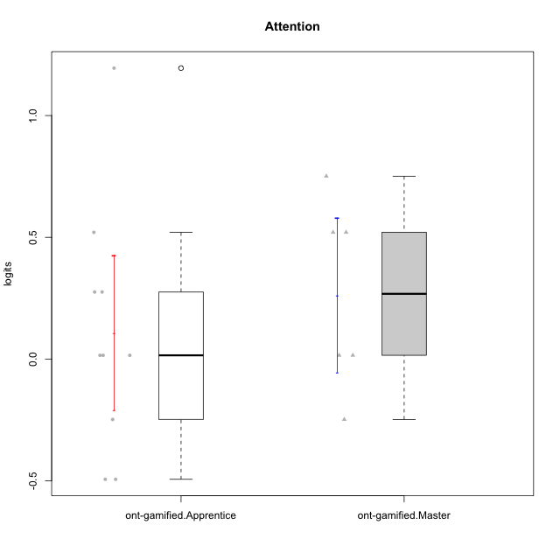

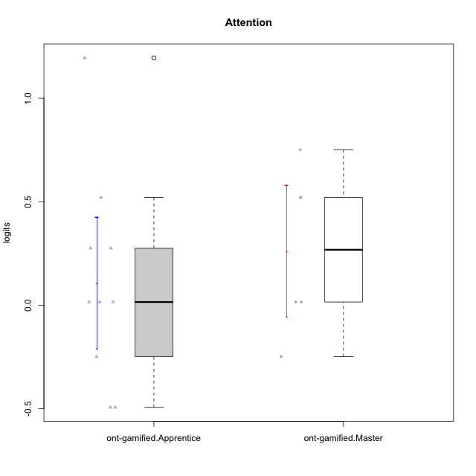

Student's t-Test data
UserID | NroUSP | Type | CLGroup | CLRole | PlayerRole | Attention | error | WLE.rel
10171 | 698531 | ont-gamified | Grupo Losvakai | Master | Yee Achiever | 0.75098899778 | 0.48604705624 | 0.49120665015
10179 | 10310759 | ont-gamified | Grupo Tosskor | Apprentice | Yee Achiever | -0.24821267164 | 0.48742891024 | 0.49120665015
10185 | 10276960 | ont-gamified | Grupo Tosskor | Master | Yee Achiever | 0.015219938417 | 0.4959323733 | 0.49120665015
10187 | 9790781 | ont-gamified | Grupo Razorg | Apprentice | Yee Achiever | 0.015219938417 | 0.4959323733 | 0.49120665015
10188 | 10276995 | ont-gamified | Grupo Paldira | Master | Yee Achiever | -0.24821267164 | 0.48742891024 | 0.49120665015
10202 | 10277036 | ont-gamified | Grupo Paldira | Apprentice | Yee Achiever | -0.49394158914 | 0.47017278191 | 0.49120665015
10208 | 10276932 | ont-gamified | Grupo Yeka | Master | Yee Socializer | 0.015219938417 | 0.4959323733 | 0.49120665015
10210 | 10277015 | ont-gamified | Grupo Losvakai | Apprentice | Yee Achiever | -0.49394158914 | 0.47017278191 | 0.49120665015
10214 | 10277022 | ont-gamified | Grupo Koil | Apprentice | Yee Achiever | 0.27533387471 | 0.49485604731 | 0.49120665015
10216 | 10276720 | ont-gamified | Grupo Ellaru | Master | Yee Socializer | 0.52039874435 | 0.48969913406 | 0.49120665015
10217 | 9805341 | ont-gamified | Grupo Belos | Master | Yee Socializer | 0.52039874435 | 0.48969913406 | 0.49120665015
10226 | 10310342 | ont-gamified | Grupo Yeka | Apprentice | Yee Socializer | 0.52039874435 | 0.48969913406 | 0.49120665015
10228 | 10310492 | ont-gamified | Grupo Losvakai | Apprentice | Yee Achiever | 0.015219938417 | 0.4959323733 | 0.49120665015
10233 | 9805320 | ont-gamified | Grupo Tosskor | Apprentice | Yee Achiever | 1.194880385 | 0.49685418417 | 0.49120665015
10237 | 10377688 | ont-gamified | Grupo Ellaru | Apprentice | Yee Socializer | 0.015219938417 | 0.4959323733 | 0.49120665015
10238 | 10276953 | ont-gamified | Grupo Belos | Apprentice | Yee Socializer | 0.27533387471 | 0.49485604731 | 0.49120665015

