Assumptions
ANOVA assumptions for Level of Motivation

Shapiro-Wilk normality test for Level of Motivation
W | p.value
0.97507686696 | 0.35479333656

Plots for normality test
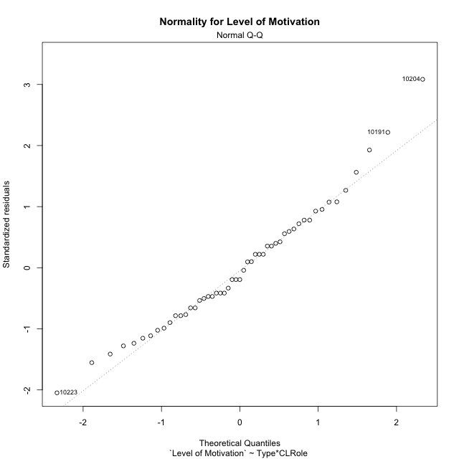

Levene's Test for Homogeneity of Variance in Level of Motivation
Df | F value | Pr(>F)
3 | 1.7047210609 | 0.17886148255
47

Plots for homogeneity of variance
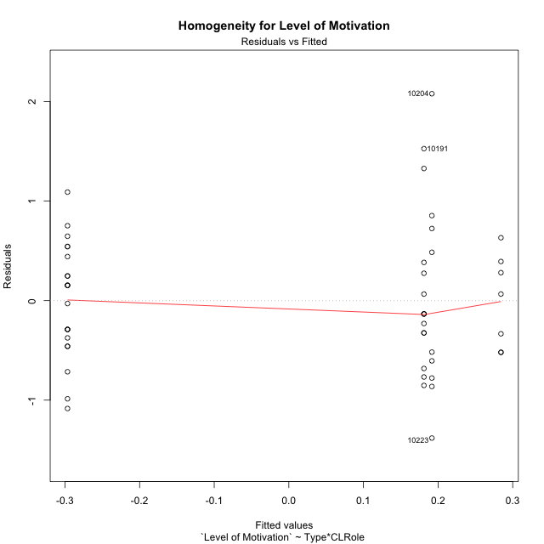

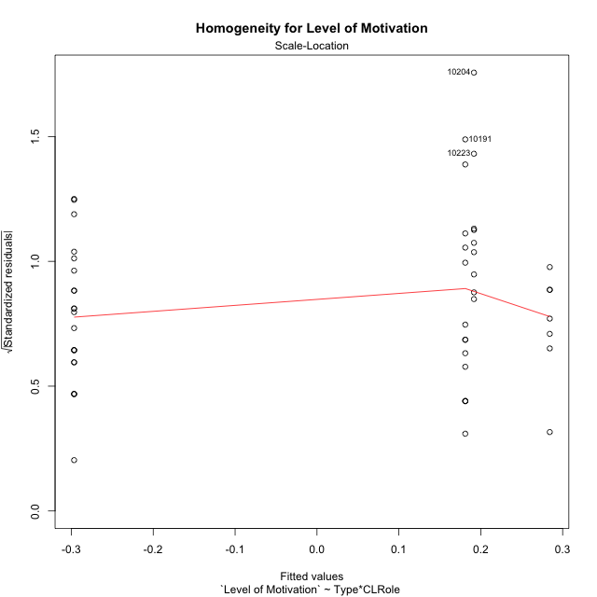

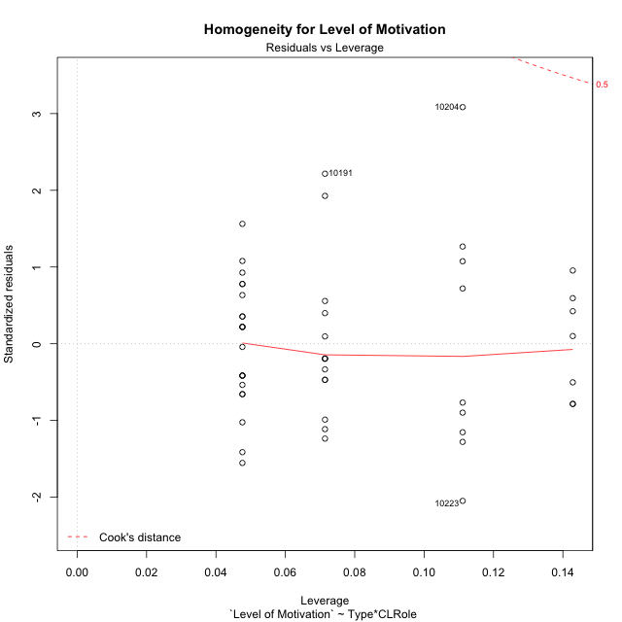

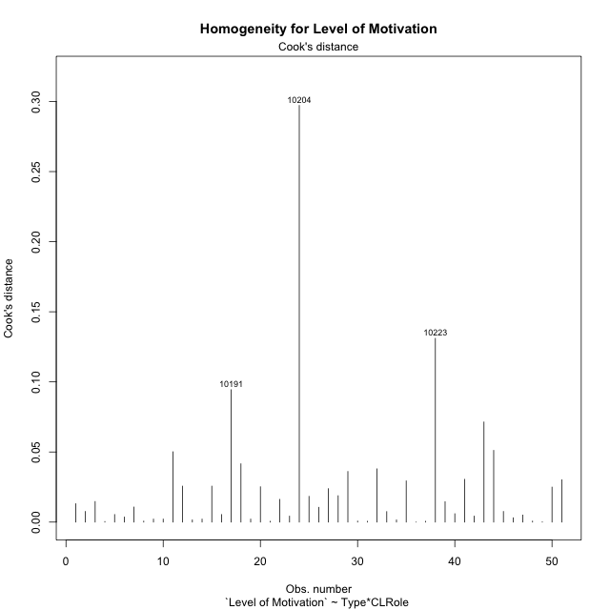

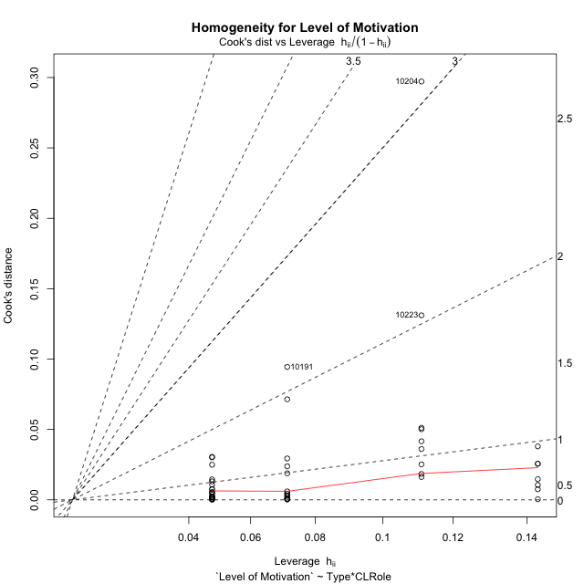

Minimum Sample Size Test for Level of Motivation
Type | CLRole | Freq
non-gamified | Apprentice | 21
ont-gamified | Apprentice | 14
non-gamified | Master | 9
ont-gamified | Master | 7

Errors and Warnings in Sample Size Test for ANOVA in Level of Motivation
code | description
WARN: sample.size | current.size is = 14 and recommended.size must be = 15 for the group: 'ont-gamified:Apprentice'. Size sample for parametric test isn't recomended
WARN: sample.size | current.size is = 9 and recommended.size must be = 15 for the group: 'non-gamified:Master'. Size sample for parametric test isn't recomended
WARN: sample.size | current.size is = 7 and recommended.size must be = 15 for the group: 'ont-gamified:Master'. Size sample for parametric test isn't recomended

For the group: 'non-gamified:Apprentice', you can perform a parametric test with a non-normal distribution For the group: 'ont-gamified:Apprentice', we recommend the use of non parametric test. For the group: 'non-gamified:Master', we recommend the use of non parametric test. For the group: 'ont-gamified:Master', we recommend the use of non parametric test.

If you don't want to remove non-normal data, you must cite the following references: ... (1) Lix, L.M., J.C. Keselman, and H.J. Keselman. 1996. Consequences of assumption violations revisited: A quantitative review of alternatives to the one-way analysis of variance F test. Rev. Educ. Res. 66: 579-619. ... (2) Harwell, M.R., E.N. Rubinstein, W.S. Hayes, and C.C. Olds. 1992. Summarizing Monte Carlo results in methodological research: the one- and two-factor fixed effects ANOVA cases. J. Educ. Stat. 17: 315-339.

Post-hoc
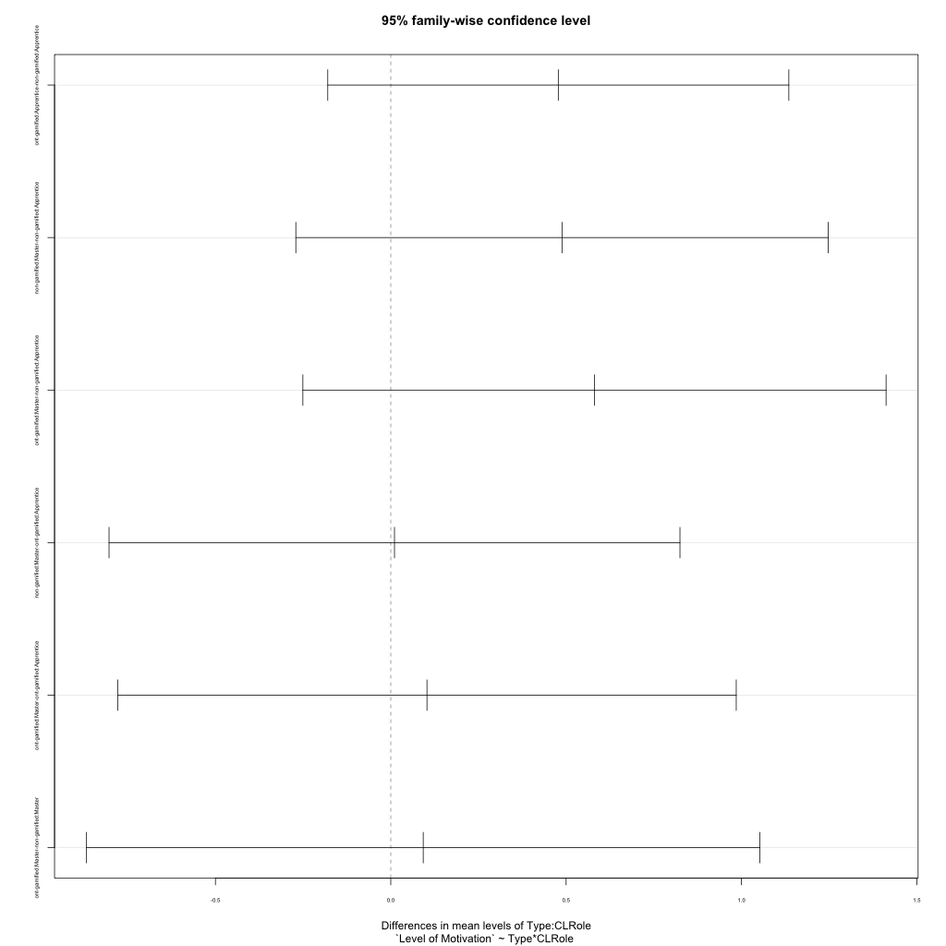
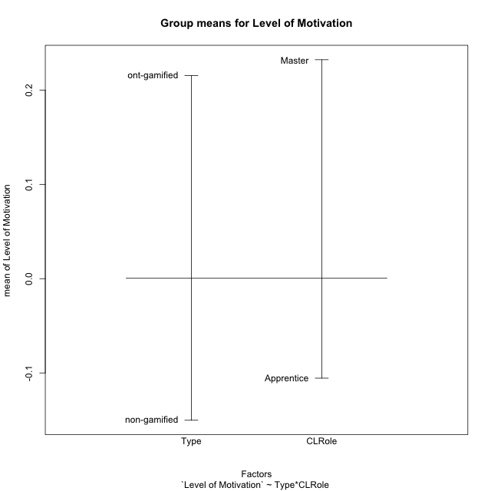
Post-hoc Tukey Honestly Significant Difference (HSD) Test for Level of Motivation

Comparisons of means for Type
 | diff | lwr | upr | p adj
ont-gamified-non-gamified | 0.36560364432 | -0.043851354465 | 0.7750586431 | 0.078877431708

Comparisons of means for CLRole
 | diff | lwr | upr | p adj
Master-Apprentice | 0.32401848664 | -0.1102741227 | 0.75831109599 | 0.14006333702

Comparisons of means for Type:CLRole
 | diff | lwr | upr | p adj
ont-gamified:Apprentice-non-gamified:Apprentice | 0.47769918298 | -0.17967766534 | 1.1350760313 | 0.2274459924
non-gamified:Master-non-gamified:Apprentice | 0.48830358006 | -0.27076982061 | 1.2473769807 | 0.32836411975
ont-gamified:Master-non-gamified:Apprentice | 0.58088578905 | -0.25063745965 | 1.4124090378 | 0.25880118552
non-gamified:Master-ont-gamified:Apprentice | 0.010604397086 | -0.80341113824 | 0.82461993241 | 0.9999847667
ont-gamified:Master-ont-gamified:Apprentice | 0.10318660608 | -0.77877698573 | 0.98515019788 | 0.98937758533
ont-gamified:Master-non-gamified:Master | 0.09258220899 | -0.86757813396 | 1.0527425519 | 0.99397985918

Contrast Matrices for Level of Motivation - Type
contrast | estimate | SE | df | t.ratio | p.value
non-gamified - ont-gamified | -0.28514069598 | 0.21845050993 | 47 | -1.3052873902 | 0.19814908088

Contrast Matrices for Level of Motivation - Type:CLRole
contrast | CLRole | estimate | SE | df | t.ratio | p.value
non-gamified - ont-gamified | Apprentice | -0.47769918298 | 0.2468196653 | 47 | -1.935417838 | 0.058968242372
non-gamified - ont-gamified | Master | -0.09258220899 | 0.36050319552 | 47 | -0.25681383727 | 0.79844340383

Least Squares Means and Confidence Intervals for Type
Type | lsmean | SE | df | lower.CL | upper.CL | Pairs
non-gamified | -0.052465110058 | 0.1425014002 | 47 | -0.3391409501 | 0.23421072999 | non-gamified
ont-gamified | 0.23267558593 | 0.16557166494 | 47 | -0.10041164035 | 0.5657628122 | ont-gamified

Least Squares Means and Confidence Intervals for Type:CLRole
Type | CLRole | lsmean | SE | df | lower.CL | upper.CL | Pairs
non-gamified | Apprentice | -0.29661690009 | 0.15610246273 | 47 | -0.61065454866 | 0.01742074848 | non-gamified.Apprentice
ont-gamified | Apprentice | 0.18108228289 | 0.19118569064 | 47 | -0.20353371662 | 0.5656982824 | ont-gamified.Apprentice
non-gamified | Master | 0.19168667997 | 0.23845045055 | 47 | -0.28801375191 | 0.67138711185 | non-gamified.Master
ont-gamified | Master | 0.28426888896 | 0.27037739664 | 47 | -0.25966027385 | 0.82819805178 | ont-gamified.Master

Plots

Type_1
Student's t-Test for Level of Motivation in Type between non-gamified:ont-gamified

Student's t-Test results
Alternative hypothesis: less
Group | N | Mean | Mean.Difference | Std.deviation | Std.error | CI.lower | CI.upper | df | t.value | p.value | g | magnitude
non-gamified | 30 | -0.15012582607 | -0.36560364432 | 0.78436967639 | 0.14320565506 | -0.43653713619 | 0.13628548405 | 48.13675639 | -1.8516157214 | 0.035110061314 | -0.49799989953 | small
ont-gamified | 21 | 0.21547781825 | 0.36560364432 | 0.6229454194 | 0.13593783515 | -0.056397852061 | 0.48735348855 | 48.13675639 | -1.8516157214 | 0.035110061314 | -0.49799989953 | small
Alternative hypothesis: greater
Group | N | Mean | Mean.Difference | Std.deviation | Std.error | CI.lower | CI.upper | df | t.value | p.value | g | magnitude
non-gamified | 30 | -0.15012582607 | -0.36560364432 | 0.78436967639 | 0.14320565506 | -0.43653713619 | 0.13628548405 | 48.13675639 | -1.8516157214 | 0.96488993869 | -0.49799989953 | small
ont-gamified | 21 | 0.21547781825 | 0.36560364432 | 0.6229454194 | 0.13593783515 | -0.056397852061 | 0.48735348855 | 48.13675639 | -1.8516157214 | 0.96488993869 | -0.49799989953 | small
Alternative hypothesis: two.sided
Group | N | Mean | Mean.Difference | Std.deviation | Std.error | CI.lower | CI.upper | df | t.value | p.value | g | magnitude
non-gamified | 30 | -0.15012582607 | -0.36560364432 | 0.78436967639 | 0.14320565506 | -0.43653713619 | 0.13628548405 | 48.13675639 | -1.8516157214 | 0.070220122627 | -0.49799989953 | small
ont-gamified | 21 | 0.21547781825 | 0.36560364432 | 0.6229454194 | 0.13593783515 | -0.056397852061 | 0.48735348855 | 48.13675639 | -1.8516157214 | 0.070220122627 | -0.49799989953 | small

Box plots for Student's t-Test
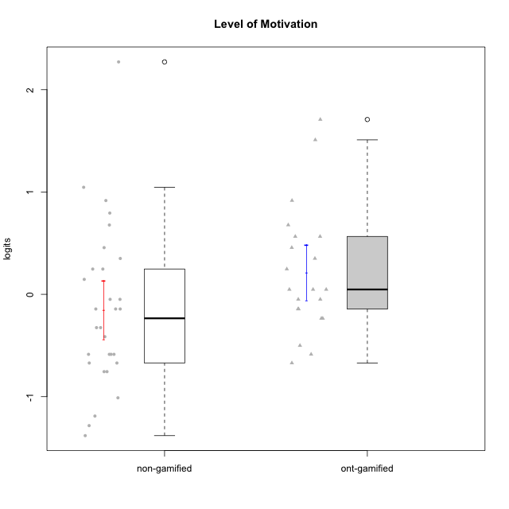

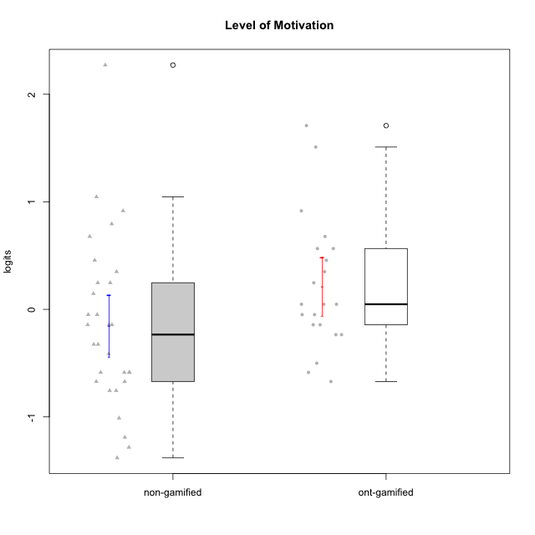

Student's t-Test data
UserID | NroUSP | Type | CLGroup | CLRole | PlayerRole | Level of Motivation | error | WLE.rel
10169 | 10377538 | non-gamified | Grupo Team 10 | Apprentice |  | -1.0112597421 | 0.300540049 | 0.81282607279
10170 | 10260351 | non-gamified | Grupo Team 6 | Apprentice |  | 0.24711298913 | 0.32066925681 | 0.81282607279
10171 | 698531 | ont-gamified | Grupo Losvakai | Master | Yee Achiever | 0.67753957364 | 0.34238231456 | 0.81282607279
10172 | 10273971 | ont-gamified | Grupo Koil | Master | Yee Achiever | 0.350438587 | 0.32506002542 | 0.81282607279
10174 | 10276852 | non-gamified | Grupo Team 1 | Apprentice |  | -0.75559405739 | 0.29506861552 | 0.81282607279
10176 | 10276949 | non-gamified | Grupo Team 9 | Apprentice |  | -0.67118843708 | 0.29491464651 | 0.81282607279
10178 | 8656201 | non-gamified | Grupo Team 11 | Apprentice |  | 0.350438587 | 0.32506002542 | 0.81282607279
10179 | 10310759 | ont-gamified | Grupo Tosskor | Apprentice | Yee Achiever | 0.047465962784 | 0.31293600328 | 0.81282607279
10181 | 10276866 | non-gamified | Grupo Team 7 | Apprentice |  | -0.58638503528 | 0.29546259175 | 0.81282607279
10183 | 10352030 | non-gamified | Grupo Belos | Apprentice | Yee Socializer | -0.58638503528 | 0.29546259175 | 0.81282607279
10184 | 10276675 | non-gamified | Grupo Team 7 | Master |  | 1.0461512661 | 0.3729799365 | 0.81282607279
10185 | 10276960 | ont-gamified | Grupo Tosskor | Master | Yee Achiever | -0.23542232393 | 0.30323512918 | 0.81282607279
10186 | 10310551 | non-gamified | Grupo Team 5 | Apprentice |  | -0.048997918073 | 0.30945025388 | 0.81282607279
10187 | 9790781 | ont-gamified | Grupo Razorg | Apprentice | Yee Achiever | -0.048997918073 | 0.30945025388 | 0.81282607279
10188 | 10276995 | ont-gamified | Grupo Paldira | Master | Yee Achiever | -0.23542232393 | 0.30323512918 | 0.81282607279
10190 | 10276907 | non-gamified | Grupo Team 8 | Apprentice |  | -0.75559405739 | 0.29506861552 | 0.81282607279
10191 | 10276981 | ont-gamified | Grupo Yeka | Apprentice | Yee Socializer | 1.7085564913 | 0.47555335209 | 0.81282607279
10193 | 10276762 | non-gamified | Grupo Team 2 | Master |  | -0.58638503528 | 0.29546259175 | 0.81282607279
10196 | 10310655 | non-gamified | Grupo Team 5 | Apprentice |  | -0.58638503528 | 0.29546259175 | 0.81282607279
10197 | 10276661 | non-gamified | Grupo Team 11 | Master |  | -0.41393424993 | 0.29837965421 | 0.81282607279
10200 | 9795272 | non-gamified | Grupo Team 4 | Apprentice |  | -0.14327146525 | 0.30620438213 | 0.81282607279
10201 | 10276928 | non-gamified | Grupo Team 10 | Master |  | 0.67753957364 | 0.34238231456 | 0.81282607279
10202 | 10277036 | ont-gamified | Grupo Paldira | Apprentice | Yee Achiever | -0.14327146525 | 0.30620438213 | 0.81282607279
10204 | 10310471 | non-gamified | Grupo Team 5 | Master |  | 2.271501927 | 0.62266441597 | 0.81282607279
10206 | 10310721 | non-gamified | Grupo Team 9 | Master |  | -0.3255773711 | 0.30060277614 | 0.81282607279
10208 | 10276932 | ont-gamified | Grupo Yeka | Master | Yee Socializer | -0.048997918073 | 0.30945025388 | 0.81282607279
10210 | 10277015 | ont-gamified | Grupo Losvakai | Apprentice | Yee Achiever | -0.58638503528 | 0.29546259175 | 0.81282607279
10212 | 9065750 | ont-gamified | Grupo Ellaru | Apprentice | Yee Socializer | -0.50076044352 | 0.29664149512 | 0.81282607279
10213 | 10277040 | non-gamified | Grupo Team 8 | Master |  | 0.91656566936 | 0.36047958232 | 0.81282607279
10214 | 10277022 | ont-gamified | Grupo Koil | Apprentice | Yee Achiever | 0.047465962784 | 0.31293600328 | 0.81282607279
10215 | 9285227 | non-gamified | Grupo Team 7 | Apprentice |  | -0.14327146525 | 0.30620438213 | 0.81282607279
10216 | 10276720 | ont-gamified | Grupo Ellaru | Master | Yee Socializer | 0.91656566936 | 0.36047958232 | 0.81282607279
10217 | 9805341 | ont-gamified | Grupo Belos | Master | Yee Socializer | 0.56518095867 | 0.33566808108 | 0.81282607279
10218 | 9842913 | non-gamified | Grupo Team 10 | Apprentice |  | -0.048997918073 | 0.30945025388 | 0.81282607279
10219 | 10276831 | ont-gamified | Grupo Razorg | Apprentice | Yee Achiever | -0.67118843708 | 0.29491464651 | 0.81282607279
10220 | 9760151 | non-gamified | Grupo Team 4 | Apprentice |  | -0.3255773711 | 0.30060277614 | 0.81282607279
10221 | 9082496 | non-gamified | Grupo Team 3 | Apprentice |  | -0.14327146525 | 0.30620438213 | 0.81282607279
10223 | 9795185 | non-gamified | Grupo Team 3 | Master |  | -1.189493223 | 0.30948265103 | 0.81282607279
10224 | 9368772 | non-gamified | Grupo Team 9 | Apprentice |  | 0.45633937173 | 0.32998793656 | 0.81282607279
10226 | 10310342 | ont-gamified | Grupo Yeka | Apprentice | Yee Socializer | 0.56518095867 | 0.33566808108 | 0.81282607279
10227 | 9274382 | non-gamified | Grupo Team 2 | Apprentice |  | 0.79426449022 | 0.35049433752 | 0.81282607279
10228 | 10310492 | ont-gamified | Grupo Losvakai | Apprentice | Yee Achiever | -0.14327146525 | 0.30620438213 | 0.81282607279
10230 | 10351992 | ont-gamified | Grupo Koil | Apprentice | Yee Achiever | 1.5094390257 | 0.43723544934 | 0.81282607279
10231 | 10276911 | non-gamified | Grupo Team 4 | Master |  | -0.67118843708 | 0.29491464651 | 0.81282607279
10232 | 10276974 | non-gamified | Grupo Team 3 | Apprentice |  | 0.24711298913 | 0.32066925681 | 0.81282607279
10233 | 9805320 | ont-gamified | Grupo Tosskor | Apprentice | Yee Achiever | 0.45633937173 | 0.32998793656 | 0.81282607279
10234 | 10310676 | non-gamified | Grupo Team 6 | Apprentice |  | 0.14615528812 | 0.31666063181 | 0.81282607279
10237 | 10377688 | ont-gamified | Grupo Ellaru | Apprentice | Yee Socializer | 0.047465962784 | 0.31293600328 | 0.81282607279
10238 | 10276953 | ont-gamified | Grupo Belos | Apprentice | Yee Socializer | 0.24711298913 | 0.32066925681 | 0.81282607279
10240 | 10276654 | non-gamified | Grupo Team 8 | Apprentice |  | -1.2831205963 | 0.31608004436 | 0.81282607279
10242 | 9424506 | non-gamified | Grupo Team 11 | Apprentice |  | -1.3810790181 | 0.3245032414 | 0.81282607279

Type_CLRole_1
Student's t-Test for Level of Motivation in Type:CLRole between non-gamified.Apprentice:non-gamified.Master

Student's t-Test results
Alternative hypothesis: less
Group | N | Mean | Mean.Difference | Std.deviation | Std.error | CI.lower | CI.upper | df | t.value | p.value | g | magnitude
non-gamified.Apprentice | 21 | -0.29661690009 | -0.48830358006 | 0.57578094293 | 0.1256457026 | -0.5479083053 | -0.045325494881 | 9.9283306779 | -1.2581270943 | 0.11856436796 | -0.62193951002 | medium
non-gamified.Master | 9 | 0.19168667997 | 0.48830358006 | 1.1016572499 | 0.36721908329 | -0.5427514866 | 0.92612484655 | 9.9283306779 | -1.2581270943 | 0.11856436796 | -0.62193951002 | medium
Alternative hypothesis: greater
Group | N | Mean | Mean.Difference | Std.deviation | Std.error | CI.lower | CI.upper | df | t.value | p.value | g | magnitude
non-gamified.Apprentice | 21 | -0.29661690009 | -0.48830358006 | 0.57578094293 | 0.1256457026 | -0.5479083053 | -0.045325494881 | 9.9283306779 | -1.2581270943 | 0.88143563204 | -0.62193951002 | medium
non-gamified.Master | 9 | 0.19168667997 | 0.48830358006 | 1.1016572499 | 0.36721908329 | -0.5427514866 | 0.92612484655 | 9.9283306779 | -1.2581270943 | 0.88143563204 | -0.62193951002 | medium
Alternative hypothesis: two.sided
Group | N | Mean | Mean.Difference | Std.deviation | Std.error | CI.lower | CI.upper | df | t.value | p.value | g | magnitude
non-gamified.Apprentice | 21 | -0.29661690009 | -0.48830358006 | 0.57578094293 | 0.1256457026 | -0.5479083053 | -0.045325494881 | 9.9283306779 | -1.2581270943 | 0.23712873592 | -0.62193951002 | medium
non-gamified.Master | 9 | 0.19168667997 | 0.48830358006 | 1.1016572499 | 0.36721908329 | -0.5427514866 | 0.92612484655 | 9.9283306779 | -1.2581270943 | 0.23712873592 | -0.62193951002 | medium

Box plots for Student's t-Test
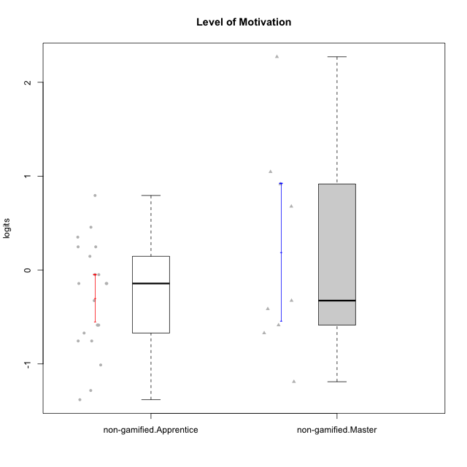

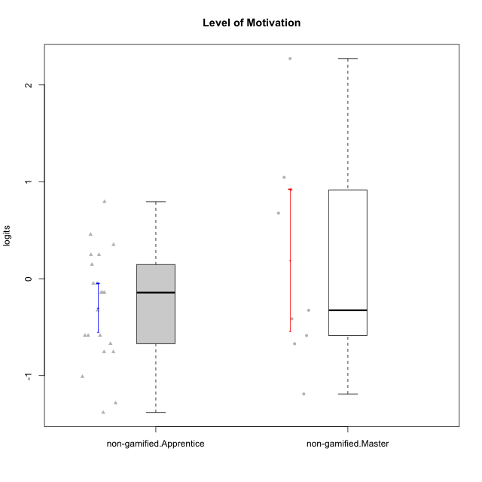

Student's t-Test data
UserID | NroUSP | Type | CLGroup | CLRole | PlayerRole | Level of Motivation | error | WLE.rel
10169 | 10377538 | non-gamified | Grupo Team 10 | Apprentice |  | -1.0112597421 | 0.300540049 | 0.81282607279
10170 | 10260351 | non-gamified | Grupo Team 6 | Apprentice |  | 0.24711298913 | 0.32066925681 | 0.81282607279
10174 | 10276852 | non-gamified | Grupo Team 1 | Apprentice |  | -0.75559405739 | 0.29506861552 | 0.81282607279
10176 | 10276949 | non-gamified | Grupo Team 9 | Apprentice |  | -0.67118843708 | 0.29491464651 | 0.81282607279
10178 | 8656201 | non-gamified | Grupo Team 11 | Apprentice |  | 0.350438587 | 0.32506002542 | 0.81282607279
10181 | 10276866 | non-gamified | Grupo Team 7 | Apprentice |  | -0.58638503528 | 0.29546259175 | 0.81282607279
10183 | 10352030 | non-gamified | Grupo Belos | Apprentice | Yee Socializer | -0.58638503528 | 0.29546259175 | 0.81282607279
10184 | 10276675 | non-gamified | Grupo Team 7 | Master |  | 1.0461512661 | 0.3729799365 | 0.81282607279
10186 | 10310551 | non-gamified | Grupo Team 5 | Apprentice |  | -0.048997918073 | 0.30945025388 | 0.81282607279
10190 | 10276907 | non-gamified | Grupo Team 8 | Apprentice |  | -0.75559405739 | 0.29506861552 | 0.81282607279
10193 | 10276762 | non-gamified | Grupo Team 2 | Master |  | -0.58638503528 | 0.29546259175 | 0.81282607279
10196 | 10310655 | non-gamified | Grupo Team 5 | Apprentice |  | -0.58638503528 | 0.29546259175 | 0.81282607279
10197 | 10276661 | non-gamified | Grupo Team 11 | Master |  | -0.41393424993 | 0.29837965421 | 0.81282607279
10200 | 9795272 | non-gamified | Grupo Team 4 | Apprentice |  | -0.14327146525 | 0.30620438213 | 0.81282607279
10201 | 10276928 | non-gamified | Grupo Team 10 | Master |  | 0.67753957364 | 0.34238231456 | 0.81282607279
10204 | 10310471 | non-gamified | Grupo Team 5 | Master |  | 2.271501927 | 0.62266441597 | 0.81282607279
10206 | 10310721 | non-gamified | Grupo Team 9 | Master |  | -0.3255773711 | 0.30060277614 | 0.81282607279
10213 | 10277040 | non-gamified | Grupo Team 8 | Master |  | 0.91656566936 | 0.36047958232 | 0.81282607279
10215 | 9285227 | non-gamified | Grupo Team 7 | Apprentice |  | -0.14327146525 | 0.30620438213 | 0.81282607279
10218 | 9842913 | non-gamified | Grupo Team 10 | Apprentice |  | -0.048997918073 | 0.30945025388 | 0.81282607279
10220 | 9760151 | non-gamified | Grupo Team 4 | Apprentice |  | -0.3255773711 | 0.30060277614 | 0.81282607279
10221 | 9082496 | non-gamified | Grupo Team 3 | Apprentice |  | -0.14327146525 | 0.30620438213 | 0.81282607279
10223 | 9795185 | non-gamified | Grupo Team 3 | Master |  | -1.189493223 | 0.30948265103 | 0.81282607279
10224 | 9368772 | non-gamified | Grupo Team 9 | Apprentice |  | 0.45633937173 | 0.32998793656 | 0.81282607279
10227 | 9274382 | non-gamified | Grupo Team 2 | Apprentice |  | 0.79426449022 | 0.35049433752 | 0.81282607279
10231 | 10276911 | non-gamified | Grupo Team 4 | Master |  | -0.67118843708 | 0.29491464651 | 0.81282607279
10232 | 10276974 | non-gamified | Grupo Team 3 | Apprentice |  | 0.24711298913 | 0.32066925681 | 0.81282607279
10234 | 10310676 | non-gamified | Grupo Team 6 | Apprentice |  | 0.14615528812 | 0.31666063181 | 0.81282607279
10240 | 10276654 | non-gamified | Grupo Team 8 | Apprentice |  | -1.2831205963 | 0.31608004436 | 0.81282607279
10242 | 9424506 | non-gamified | Grupo Team 11 | Apprentice |  | -1.3810790181 | 0.3245032414 | 0.81282607279

Type_CLRole_2
Student's t-Test for Level of Motivation in Type:CLRole between non-gamified.Apprentice:ont-gamified.Apprentice

Student's t-Test results
Alternative hypothesis: less
Group | N | Mean | Mean.Difference | Std.deviation | Std.error | CI.lower | CI.upper | df | t.value | p.value | g | magnitude
non-gamified.Apprentice | 21 | -0.29661690009 | -0.47769918298 | 0.57578094293 | 0.1256457026 | -0.5479083053 | -0.045325494881 | 24.098274818 | -2.1137212378 | 0.022539222414 | -0.74215475992 | medium
ont-gamified.Apprentice | 14 | 0.18108228289 | 0.47769918298 | 0.70288175739 | 0.1878530514 | -0.19462381991 | 0.55678838568 | 24.098274818 | -2.1137212378 | 0.022539222414 | -0.74215475992 | medium
Alternative hypothesis: greater
Group | N | Mean | Mean.Difference | Std.deviation | Std.error | CI.lower | CI.upper | df | t.value | p.value | g | magnitude
non-gamified.Apprentice | 21 | -0.29661690009 | -0.47769918298 | 0.57578094293 | 0.1256457026 | -0.5479083053 | -0.045325494881 | 24.098274818 | -2.1137212378 | 0.97746077759 | -0.74215475992 | medium
ont-gamified.Apprentice | 14 | 0.18108228289 | 0.47769918298 | 0.70288175739 | 0.1878530514 | -0.19462381991 | 0.55678838568 | 24.098274818 | -2.1137212378 | 0.97746077759 | -0.74215475992 | medium
Alternative hypothesis: two.sided
Group | N | Mean | Mean.Difference | Std.deviation | Std.error | CI.lower | CI.upper | df | t.value | p.value | g | magnitude
non-gamified.Apprentice | 21 | -0.29661690009 | -0.47769918298 | 0.57578094293 | 0.1256457026 | -0.5479083053 | -0.045325494881 | 24.098274818 | -2.1137212378 | 0.045078444828 | -0.74215475992 | medium
ont-gamified.Apprentice | 14 | 0.18108228289 | 0.47769918298 | 0.70288175739 | 0.1878530514 | -0.19462381991 | 0.55678838568 | 24.098274818 | -2.1137212378 | 0.045078444828 | -0.74215475992 | medium

Box plots for Student's t-Test
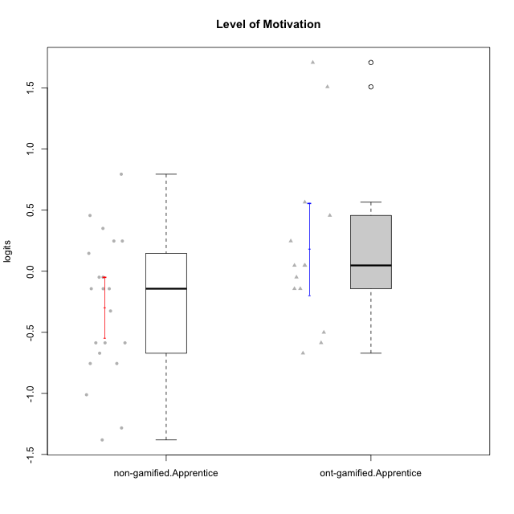

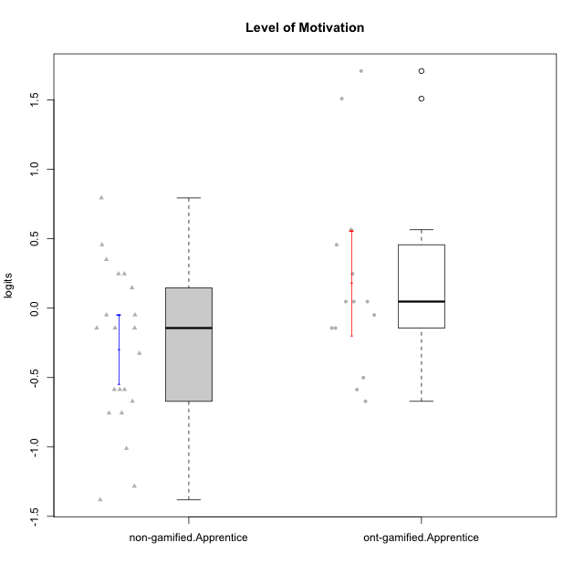

Student's t-Test data
UserID | NroUSP | Type | CLGroup | CLRole | PlayerRole | Level of Motivation | error | WLE.rel
10169 | 10377538 | non-gamified | Grupo Team 10 | Apprentice |  | -1.0112597421 | 0.300540049 | 0.81282607279
10170 | 10260351 | non-gamified | Grupo Team 6 | Apprentice |  | 0.24711298913 | 0.32066925681 | 0.81282607279
10174 | 10276852 | non-gamified | Grupo Team 1 | Apprentice |  | -0.75559405739 | 0.29506861552 | 0.81282607279
10176 | 10276949 | non-gamified | Grupo Team 9 | Apprentice |  | -0.67118843708 | 0.29491464651 | 0.81282607279
10178 | 8656201 | non-gamified | Grupo Team 11 | Apprentice |  | 0.350438587 | 0.32506002542 | 0.81282607279
10179 | 10310759 | ont-gamified | Grupo Tosskor | Apprentice | Yee Achiever | 0.047465962784 | 0.31293600328 | 0.81282607279
10181 | 10276866 | non-gamified | Grupo Team 7 | Apprentice |  | -0.58638503528 | 0.29546259175 | 0.81282607279
10183 | 10352030 | non-gamified | Grupo Belos | Apprentice | Yee Socializer | -0.58638503528 | 0.29546259175 | 0.81282607279
10186 | 10310551 | non-gamified | Grupo Team 5 | Apprentice |  | -0.048997918073 | 0.30945025388 | 0.81282607279
10187 | 9790781 | ont-gamified | Grupo Razorg | Apprentice | Yee Achiever | -0.048997918073 | 0.30945025388 | 0.81282607279
10190 | 10276907 | non-gamified | Grupo Team 8 | Apprentice |  | -0.75559405739 | 0.29506861552 | 0.81282607279
10191 | 10276981 | ont-gamified | Grupo Yeka | Apprentice | Yee Socializer | 1.7085564913 | 0.47555335209 | 0.81282607279
10196 | 10310655 | non-gamified | Grupo Team 5 | Apprentice |  | -0.58638503528 | 0.29546259175 | 0.81282607279
10200 | 9795272 | non-gamified | Grupo Team 4 | Apprentice |  | -0.14327146525 | 0.30620438213 | 0.81282607279
10202 | 10277036 | ont-gamified | Grupo Paldira | Apprentice | Yee Achiever | -0.14327146525 | 0.30620438213 | 0.81282607279
10210 | 10277015 | ont-gamified | Grupo Losvakai | Apprentice | Yee Achiever | -0.58638503528 | 0.29546259175 | 0.81282607279
10212 | 9065750 | ont-gamified | Grupo Ellaru | Apprentice | Yee Socializer | -0.50076044352 | 0.29664149512 | 0.81282607279
10214 | 10277022 | ont-gamified | Grupo Koil | Apprentice | Yee Achiever | 0.047465962784 | 0.31293600328 | 0.81282607279
10215 | 9285227 | non-gamified | Grupo Team 7 | Apprentice |  | -0.14327146525 | 0.30620438213 | 0.81282607279
10218 | 9842913 | non-gamified | Grupo Team 10 | Apprentice |  | -0.048997918073 | 0.30945025388 | 0.81282607279
10219 | 10276831 | ont-gamified | Grupo Razorg | Apprentice | Yee Achiever | -0.67118843708 | 0.29491464651 | 0.81282607279
10220 | 9760151 | non-gamified | Grupo Team 4 | Apprentice |  | -0.3255773711 | 0.30060277614 | 0.81282607279
10221 | 9082496 | non-gamified | Grupo Team 3 | Apprentice |  | -0.14327146525 | 0.30620438213 | 0.81282607279
10224 | 9368772 | non-gamified | Grupo Team 9 | Apprentice |  | 0.45633937173 | 0.32998793656 | 0.81282607279
10226 | 10310342 | ont-gamified | Grupo Yeka | Apprentice | Yee Socializer | 0.56518095867 | 0.33566808108 | 0.81282607279
10227 | 9274382 | non-gamified | Grupo Team 2 | Apprentice |  | 0.79426449022 | 0.35049433752 | 0.81282607279
10228 | 10310492 | ont-gamified | Grupo Losvakai | Apprentice | Yee Achiever | -0.14327146525 | 0.30620438213 | 0.81282607279
10230 | 10351992 | ont-gamified | Grupo Koil | Apprentice | Yee Achiever | 1.5094390257 | 0.43723544934 | 0.81282607279
10232 | 10276974 | non-gamified | Grupo Team 3 | Apprentice |  | 0.24711298913 | 0.32066925681 | 0.81282607279
10233 | 9805320 | ont-gamified | Grupo Tosskor | Apprentice | Yee Achiever | 0.45633937173 | 0.32998793656 | 0.81282607279
10234 | 10310676 | non-gamified | Grupo Team 6 | Apprentice |  | 0.14615528812 | 0.31666063181 | 0.81282607279
10237 | 10377688 | ont-gamified | Grupo Ellaru | Apprentice | Yee Socializer | 0.047465962784 | 0.31293600328 | 0.81282607279
10238 | 10276953 | ont-gamified | Grupo Belos | Apprentice | Yee Socializer | 0.24711298913 | 0.32066925681 | 0.81282607279
10240 | 10276654 | non-gamified | Grupo Team 8 | Apprentice |  | -1.2831205963 | 0.31608004436 | 0.81282607279
10242 | 9424506 | non-gamified | Grupo Team 11 | Apprentice |  | -1.3810790181 | 0.3245032414 | 0.81282607279

Type_CLRole_3
Student's t-Test for Level of Motivation in Type:CLRole between non-gamified.Apprentice:ont-gamified.Master

Student's t-Test results
Alternative hypothesis: less
Group | N | Mean | Mean.Difference | Std.deviation | Std.error | CI.lower | CI.upper | df | t.value | p.value | g | magnitude
non-gamified.Apprentice | 21 | -0.29661690009 | -0.58088578905 | 0.57578094293 | 0.1256457026 | -0.5479083053 | -0.045325494881 | 12.74842672 | -2.6944672957 | 0.0093251459039 | -1.0218630619 | large
ont-gamified.Master | 7 | 0.28426888896 | 0.58088578905 | 0.46349680832 | 0.1751853269 | -0.066101764835 | 0.63463954276 | 12.74842672 | -2.6944672957 | 0.0093251459039 | -1.0218630619 | large
Alternative hypothesis: greater
Group | N | Mean | Mean.Difference | Std.deviation | Std.error | CI.lower | CI.upper | df | t.value | p.value | g | magnitude
non-gamified.Apprentice | 21 | -0.29661690009 | -0.58088578905 | 0.57578094293 | 0.1256457026 | -0.5479083053 | -0.045325494881 | 12.74842672 | -2.6944672957 | 0.9906748541 | -1.0218630619 | large
ont-gamified.Master | 7 | 0.28426888896 | 0.58088578905 | 0.46349680832 | 0.1751853269 | -0.066101764835 | 0.63463954276 | 12.74842672 | -2.6944672957 | 0.9906748541 | -1.0218630619 | large
Alternative hypothesis: two.sided
Group | N | Mean | Mean.Difference | Std.deviation | Std.error | CI.lower | CI.upper | df | t.value | p.value | g | magnitude
non-gamified.Apprentice | 21 | -0.29661690009 | -0.58088578905 | 0.57578094293 | 0.1256457026 | -0.5479083053 | -0.045325494881 | 12.74842672 | -2.6944672957 | 0.018650291808 | -1.0218630619 | large
ont-gamified.Master | 7 | 0.28426888896 | 0.58088578905 | 0.46349680832 | 0.1751853269 | -0.066101764835 | 0.63463954276 | 12.74842672 | -2.6944672957 | 0.018650291808 | -1.0218630619 | large

Box plots for Student's t-Test
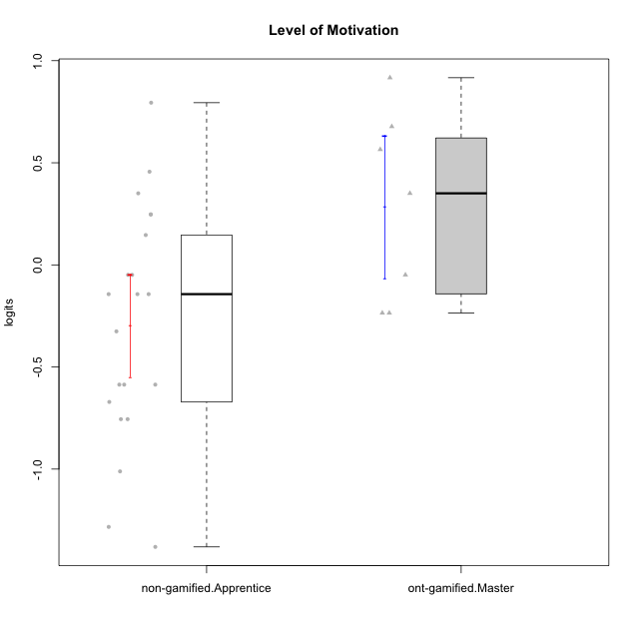

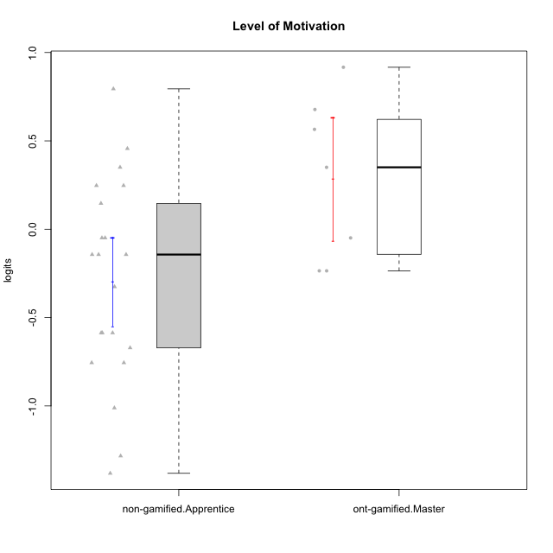

Student's t-Test data
UserID | NroUSP | Type | CLGroup | CLRole | PlayerRole | Level of Motivation | error | WLE.rel
10169 | 10377538 | non-gamified | Grupo Team 10 | Apprentice |  | -1.0112597421 | 0.300540049 | 0.81282607279
10170 | 10260351 | non-gamified | Grupo Team 6 | Apprentice |  | 0.24711298913 | 0.32066925681 | 0.81282607279
10171 | 698531 | ont-gamified | Grupo Losvakai | Master | Yee Achiever | 0.67753957364 | 0.34238231456 | 0.81282607279
10172 | 10273971 | ont-gamified | Grupo Koil | Master | Yee Achiever | 0.350438587 | 0.32506002542 | 0.81282607279
10174 | 10276852 | non-gamified | Grupo Team 1 | Apprentice |  | -0.75559405739 | 0.29506861552 | 0.81282607279
10176 | 10276949 | non-gamified | Grupo Team 9 | Apprentice |  | -0.67118843708 | 0.29491464651 | 0.81282607279
10178 | 8656201 | non-gamified | Grupo Team 11 | Apprentice |  | 0.350438587 | 0.32506002542 | 0.81282607279
10181 | 10276866 | non-gamified | Grupo Team 7 | Apprentice |  | -0.58638503528 | 0.29546259175 | 0.81282607279
10183 | 10352030 | non-gamified | Grupo Belos | Apprentice | Yee Socializer | -0.58638503528 | 0.29546259175 | 0.81282607279
10185 | 10276960 | ont-gamified | Grupo Tosskor | Master | Yee Achiever | -0.23542232393 | 0.30323512918 | 0.81282607279
10186 | 10310551 | non-gamified | Grupo Team 5 | Apprentice |  | -0.048997918073 | 0.30945025388 | 0.81282607279
10188 | 10276995 | ont-gamified | Grupo Paldira | Master | Yee Achiever | -0.23542232393 | 0.30323512918 | 0.81282607279
10190 | 10276907 | non-gamified | Grupo Team 8 | Apprentice |  | -0.75559405739 | 0.29506861552 | 0.81282607279
10196 | 10310655 | non-gamified | Grupo Team 5 | Apprentice |  | -0.58638503528 | 0.29546259175 | 0.81282607279
10200 | 9795272 | non-gamified | Grupo Team 4 | Apprentice |  | -0.14327146525 | 0.30620438213 | 0.81282607279
10208 | 10276932 | ont-gamified | Grupo Yeka | Master | Yee Socializer | -0.048997918073 | 0.30945025388 | 0.81282607279
10215 | 9285227 | non-gamified | Grupo Team 7 | Apprentice |  | -0.14327146525 | 0.30620438213 | 0.81282607279
10216 | 10276720 | ont-gamified | Grupo Ellaru | Master | Yee Socializer | 0.91656566936 | 0.36047958232 | 0.81282607279
10217 | 9805341 | ont-gamified | Grupo Belos | Master | Yee Socializer | 0.56518095867 | 0.33566808108 | 0.81282607279
10218 | 9842913 | non-gamified | Grupo Team 10 | Apprentice |  | -0.048997918073 | 0.30945025388 | 0.81282607279
10220 | 9760151 | non-gamified | Grupo Team 4 | Apprentice |  | -0.3255773711 | 0.30060277614 | 0.81282607279
10221 | 9082496 | non-gamified | Grupo Team 3 | Apprentice |  | -0.14327146525 | 0.30620438213 | 0.81282607279
10224 | 9368772 | non-gamified | Grupo Team 9 | Apprentice |  | 0.45633937173 | 0.32998793656 | 0.81282607279
10227 | 9274382 | non-gamified | Grupo Team 2 | Apprentice |  | 0.79426449022 | 0.35049433752 | 0.81282607279
10232 | 10276974 | non-gamified | Grupo Team 3 | Apprentice |  | 0.24711298913 | 0.32066925681 | 0.81282607279
10234 | 10310676 | non-gamified | Grupo Team 6 | Apprentice |  | 0.14615528812 | 0.31666063181 | 0.81282607279
10240 | 10276654 | non-gamified | Grupo Team 8 | Apprentice |  | -1.2831205963 | 0.31608004436 | 0.81282607279
10242 | 9424506 | non-gamified | Grupo Team 11 | Apprentice |  | -1.3810790181 | 0.3245032414 | 0.81282607279

Type_CLRole_4
Student's t-Test for Level of Motivation in Type:CLRole between non-gamified.Master:ont-gamified.Apprentice

Student's t-Test results
Alternative hypothesis: less
Group | N | Mean | Mean.Difference | Std.deviation | Std.error | CI.lower | CI.upper | df | t.value | p.value | g | magnitude
non-gamified.Master | 9 | 0.19168667997 | 0.010604397086 | 1.1016572499 | 0.36721908329 | -0.5427514866 | 0.92612484655 | 12.219904417 | 0.025708960889 | 0.51004772393 | 0.011661833662 | negligible
ont-gamified.Apprentice | 14 | 0.18108228289 | -0.010604397086 | 0.70288175739 | 0.1878530514 | -0.19462381991 | 0.55678838568 | 12.219904417 | 0.025708960889 | 0.51004772393 | 0.011661833662 | negligible
Alternative hypothesis: greater
Group | N | Mean | Mean.Difference | Std.deviation | Std.error | CI.lower | CI.upper | df | t.value | p.value | g | magnitude
non-gamified.Master | 9 | 0.19168667997 | 0.010604397086 | 1.1016572499 | 0.36721908329 | -0.5427514866 | 0.92612484655 | 12.219904417 | 0.025708960889 | 0.48995227607 | 0.011661833662 | negligible
ont-gamified.Apprentice | 14 | 0.18108228289 | -0.010604397086 | 0.70288175739 | 0.1878530514 | -0.19462381991 | 0.55678838568 | 12.219904417 | 0.025708960889 | 0.48995227607 | 0.011661833662 | negligible
Alternative hypothesis: two.sided
Group | N | Mean | Mean.Difference | Std.deviation | Std.error | CI.lower | CI.upper | df | t.value | p.value | g | magnitude
non-gamified.Master | 9 | 0.19168667997 | 0.010604397086 | 1.1016572499 | 0.36721908329 | -0.5427514866 | 0.92612484655 | 12.219904417 | 0.025708960889 | 0.97990455214 | 0.011661833662 | negligible
ont-gamified.Apprentice | 14 | 0.18108228289 | -0.010604397086 | 0.70288175739 | 0.1878530514 | -0.19462381991 | 0.55678838568 | 12.219904417 | 0.025708960889 | 0.97990455214 | 0.011661833662 | negligible

Box plots for Student's t-Test
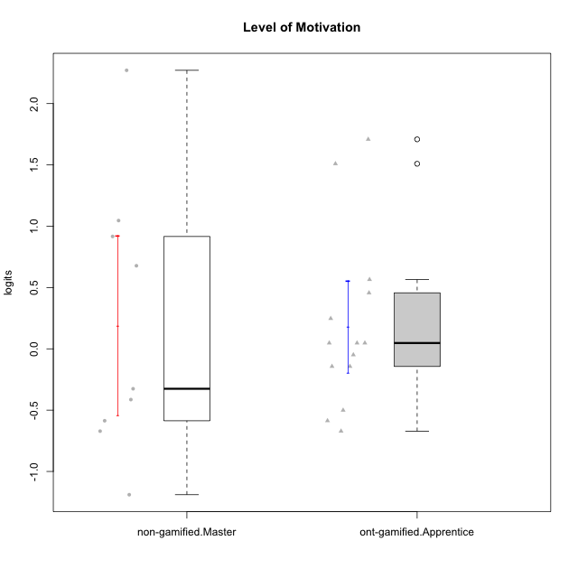

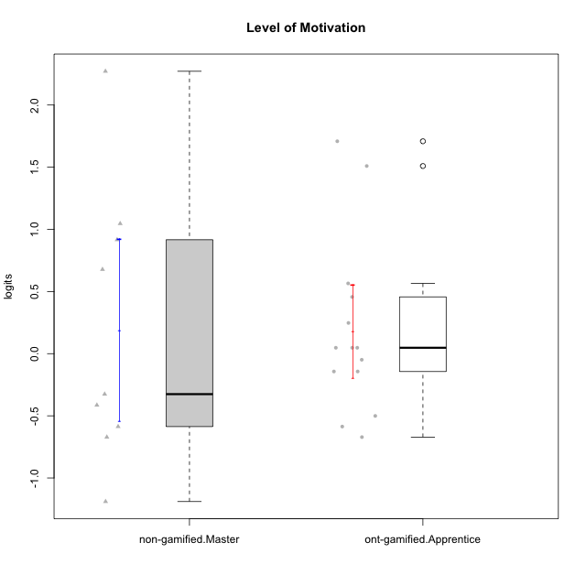

Student's t-Test data
UserID | NroUSP | Type | CLGroup | CLRole | PlayerRole | Level of Motivation | error | WLE.rel
10179 | 10310759 | ont-gamified | Grupo Tosskor | Apprentice | Yee Achiever | 0.047465962784 | 0.31293600328 | 0.81282607279
10184 | 10276675 | non-gamified | Grupo Team 7 | Master |  | 1.0461512661 | 0.3729799365 | 0.81282607279
10187 | 9790781 | ont-gamified | Grupo Razorg | Apprentice | Yee Achiever | -0.048997918073 | 0.30945025388 | 0.81282607279
10191 | 10276981 | ont-gamified | Grupo Yeka | Apprentice | Yee Socializer | 1.7085564913 | 0.47555335209 | 0.81282607279
10193 | 10276762 | non-gamified | Grupo Team 2 | Master |  | -0.58638503528 | 0.29546259175 | 0.81282607279
10197 | 10276661 | non-gamified | Grupo Team 11 | Master |  | -0.41393424993 | 0.29837965421 | 0.81282607279
10201 | 10276928 | non-gamified | Grupo Team 10 | Master |  | 0.67753957364 | 0.34238231456 | 0.81282607279
10202 | 10277036 | ont-gamified | Grupo Paldira | Apprentice | Yee Achiever | -0.14327146525 | 0.30620438213 | 0.81282607279
10204 | 10310471 | non-gamified | Grupo Team 5 | Master |  | 2.271501927 | 0.62266441597 | 0.81282607279
10206 | 10310721 | non-gamified | Grupo Team 9 | Master |  | -0.3255773711 | 0.30060277614 | 0.81282607279
10210 | 10277015 | ont-gamified | Grupo Losvakai | Apprentice | Yee Achiever | -0.58638503528 | 0.29546259175 | 0.81282607279
10212 | 9065750 | ont-gamified | Grupo Ellaru | Apprentice | Yee Socializer | -0.50076044352 | 0.29664149512 | 0.81282607279
10213 | 10277040 | non-gamified | Grupo Team 8 | Master |  | 0.91656566936 | 0.36047958232 | 0.81282607279
10214 | 10277022 | ont-gamified | Grupo Koil | Apprentice | Yee Achiever | 0.047465962784 | 0.31293600328 | 0.81282607279
10219 | 10276831 | ont-gamified | Grupo Razorg | Apprentice | Yee Achiever | -0.67118843708 | 0.29491464651 | 0.81282607279
10223 | 9795185 | non-gamified | Grupo Team 3 | Master |  | -1.189493223 | 0.30948265103 | 0.81282607279
10226 | 10310342 | ont-gamified | Grupo Yeka | Apprentice | Yee Socializer | 0.56518095867 | 0.33566808108 | 0.81282607279
10228 | 10310492 | ont-gamified | Grupo Losvakai | Apprentice | Yee Achiever | -0.14327146525 | 0.30620438213 | 0.81282607279
10230 | 10351992 | ont-gamified | Grupo Koil | Apprentice | Yee Achiever | 1.5094390257 | 0.43723544934 | 0.81282607279
10231 | 10276911 | non-gamified | Grupo Team 4 | Master |  | -0.67118843708 | 0.29491464651 | 0.81282607279
10233 | 9805320 | ont-gamified | Grupo Tosskor | Apprentice | Yee Achiever | 0.45633937173 | 0.32998793656 | 0.81282607279
10237 | 10377688 | ont-gamified | Grupo Ellaru | Apprentice | Yee Socializer | 0.047465962784 | 0.31293600328 | 0.81282607279
10238 | 10276953 | ont-gamified | Grupo Belos | Apprentice | Yee Socializer | 0.24711298913 | 0.32066925681 | 0.81282607279

Type_CLRole_5
Student's t-Test for Level of Motivation in Type:CLRole between non-gamified.Master:ont-gamified.Master

Student's t-Test results
Alternative hypothesis: less
Group | N | Mean | Mean.Difference | Std.deviation | Std.error | CI.lower | CI.upper | df | t.value | p.value | g | magnitude
non-gamified.Master | 9 | 0.19168667997 | -0.09258220899 | 1.1016572499 | 0.36721908329 | -0.5427514866 | 0.92612484655 | 11.276943711 | -0.22754976228 | 0.41203464733 | -0.098757955151 | negligible
ont-gamified.Master | 7 | 0.28426888896 | 0.09258220899 | 0.46349680832 | 0.1751853269 | -0.066101764835 | 0.63463954276 | 11.276943711 | -0.22754976228 | 0.41203464733 | -0.098757955151 | negligible
Alternative hypothesis: greater
Group | N | Mean | Mean.Difference | Std.deviation | Std.error | CI.lower | CI.upper | df | t.value | p.value | g | magnitude
non-gamified.Master | 9 | 0.19168667997 | -0.09258220899 | 1.1016572499 | 0.36721908329 | -0.5427514866 | 0.92612484655 | 11.276943711 | -0.22754976228 | 0.58796535267 | -0.098757955151 | negligible
ont-gamified.Master | 7 | 0.28426888896 | 0.09258220899 | 0.46349680832 | 0.1751853269 | -0.066101764835 | 0.63463954276 | 11.276943711 | -0.22754976228 | 0.58796535267 | -0.098757955151 | negligible
Alternative hypothesis: two.sided
Group | N | Mean | Mean.Difference | Std.deviation | Std.error | CI.lower | CI.upper | df | t.value | p.value | g | magnitude
non-gamified.Master | 9 | 0.19168667997 | -0.09258220899 | 1.1016572499 | 0.36721908329 | -0.5427514866 | 0.92612484655 | 11.276943711 | -0.22754976228 | 0.82406929466 | -0.098757955151 | negligible
ont-gamified.Master | 7 | 0.28426888896 | 0.09258220899 | 0.46349680832 | 0.1751853269 | -0.066101764835 | 0.63463954276 | 11.276943711 | -0.22754976228 | 0.82406929466 | -0.098757955151 | negligible

Box plots for Student's t-Test
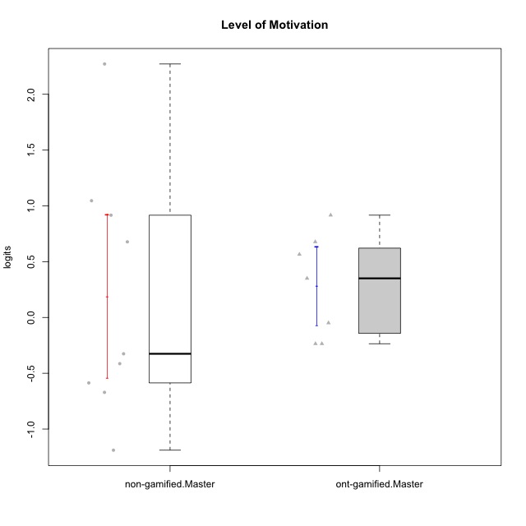

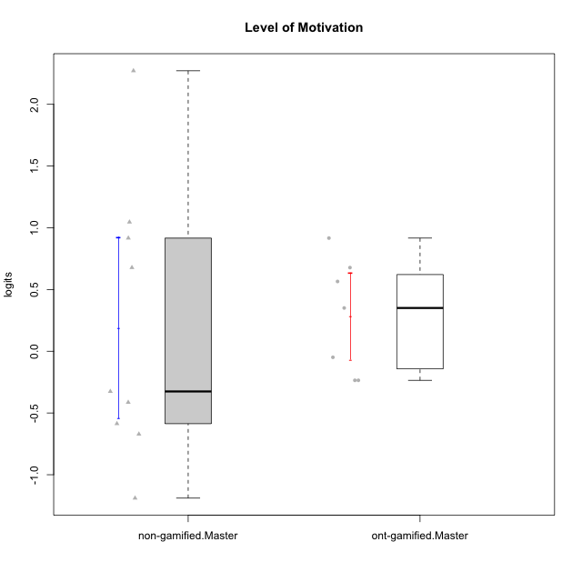

Student's t-Test data
UserID | NroUSP | Type | CLGroup | CLRole | PlayerRole | Level of Motivation | error | WLE.rel
10171 | 698531 | ont-gamified | Grupo Losvakai | Master | Yee Achiever | 0.67753957364 | 0.34238231456 | 0.81282607279
10172 | 10273971 | ont-gamified | Grupo Koil | Master | Yee Achiever | 0.350438587 | 0.32506002542 | 0.81282607279
10184 | 10276675 | non-gamified | Grupo Team 7 | Master |  | 1.0461512661 | 0.3729799365 | 0.81282607279
10185 | 10276960 | ont-gamified | Grupo Tosskor | Master | Yee Achiever | -0.23542232393 | 0.30323512918 | 0.81282607279
10188 | 10276995 | ont-gamified | Grupo Paldira | Master | Yee Achiever | -0.23542232393 | 0.30323512918 | 0.81282607279
10193 | 10276762 | non-gamified | Grupo Team 2 | Master |  | -0.58638503528 | 0.29546259175 | 0.81282607279
10197 | 10276661 | non-gamified | Grupo Team 11 | Master |  | -0.41393424993 | 0.29837965421 | 0.81282607279
10201 | 10276928 | non-gamified | Grupo Team 10 | Master |  | 0.67753957364 | 0.34238231456 | 0.81282607279
10204 | 10310471 | non-gamified | Grupo Team 5 | Master |  | 2.271501927 | 0.62266441597 | 0.81282607279
10206 | 10310721 | non-gamified | Grupo Team 9 | Master |  | -0.3255773711 | 0.30060277614 | 0.81282607279
10208 | 10276932 | ont-gamified | Grupo Yeka | Master | Yee Socializer | -0.048997918073 | 0.30945025388 | 0.81282607279
10213 | 10277040 | non-gamified | Grupo Team 8 | Master |  | 0.91656566936 | 0.36047958232 | 0.81282607279
10216 | 10276720 | ont-gamified | Grupo Ellaru | Master | Yee Socializer | 0.91656566936 | 0.36047958232 | 0.81282607279
10217 | 9805341 | ont-gamified | Grupo Belos | Master | Yee Socializer | 0.56518095867 | 0.33566808108 | 0.81282607279
10223 | 9795185 | non-gamified | Grupo Team 3 | Master |  | -1.189493223 | 0.30948265103 | 0.81282607279
10231 | 10276911 | non-gamified | Grupo Team 4 | Master |  | -0.67118843708 | 0.29491464651 | 0.81282607279

Type_CLRole_6
Student's t-Test for Level of Motivation in Type:CLRole between ont-gamified.Apprentice:ont-gamified.Master

Student's t-Test results
Alternative hypothesis: less
Group | N | Mean | Mean.Difference | Std.deviation | Std.error | CI.lower | CI.upper | df | t.value | p.value | g | magnitude
ont-gamified.Apprentice | 14 | 0.18108228289 | -0.10318660608 | 0.70288175739 | 0.1878530514 | -0.19462381991 | 0.55678838568 | 17.22189172 | -0.40171824573 | 0.3464163449 | -0.15548948958 | negligible
ont-gamified.Master | 7 | 0.28426888896 | 0.10318660608 | 0.46349680832 | 0.1751853269 | -0.066101764835 | 0.63463954276 | 17.22189172 | -0.40171824573 | 0.3464163449 | -0.15548948958 | negligible
Alternative hypothesis: greater
Group | N | Mean | Mean.Difference | Std.deviation | Std.error | CI.lower | CI.upper | df | t.value | p.value | g | magnitude
ont-gamified.Apprentice | 14 | 0.18108228289 | -0.10318660608 | 0.70288175739 | 0.1878530514 | -0.19462381991 | 0.55678838568 | 17.22189172 | -0.40171824573 | 0.6535836551 | -0.15548948958 | negligible
ont-gamified.Master | 7 | 0.28426888896 | 0.10318660608 | 0.46349680832 | 0.1751853269 | -0.066101764835 | 0.63463954276 | 17.22189172 | -0.40171824573 | 0.6535836551 | -0.15548948958 | negligible
Alternative hypothesis: two.sided
Group | N | Mean | Mean.Difference | Std.deviation | Std.error | CI.lower | CI.upper | df | t.value | p.value | g | magnitude
ont-gamified.Apprentice | 14 | 0.18108228289 | -0.10318660608 | 0.70288175739 | 0.1878530514 | -0.19462381991 | 0.55678838568 | 17.22189172 | -0.40171824573 | 0.6928326898 | -0.15548948958 | negligible
ont-gamified.Master | 7 | 0.28426888896 | 0.10318660608 | 0.46349680832 | 0.1751853269 | -0.066101764835 | 0.63463954276 | 17.22189172 | -0.40171824573 | 0.6928326898 | -0.15548948958 | negligible

Box plots for Student's t-Test
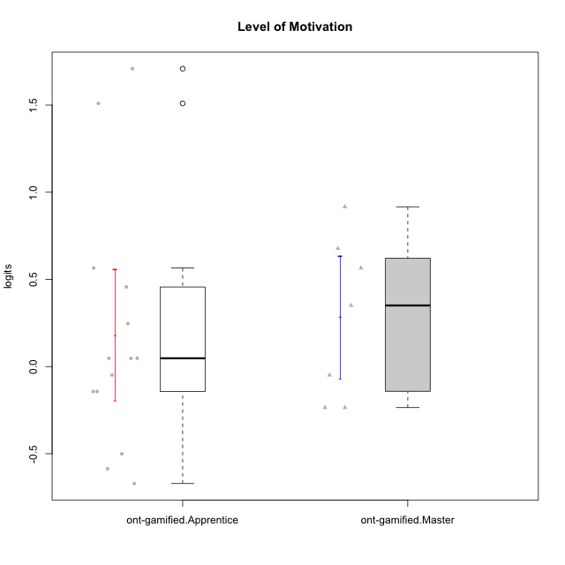

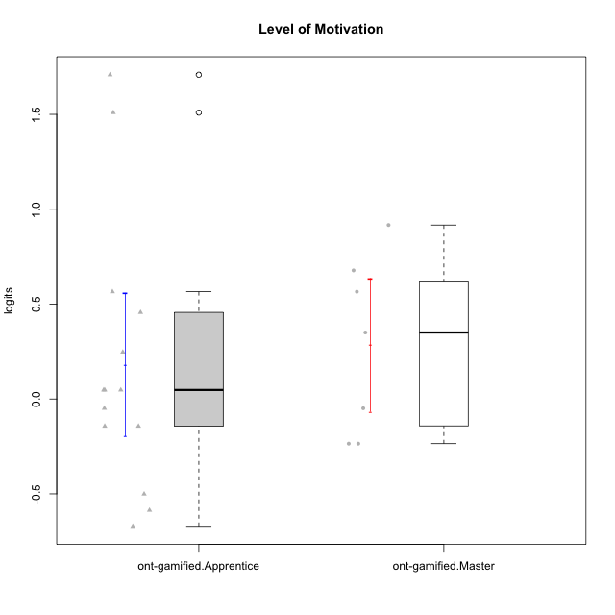

Student's t-Test data
UserID | NroUSP | Type | CLGroup | CLRole | PlayerRole | Level of Motivation | error | WLE.rel
10171 | 698531 | ont-gamified | Grupo Losvakai | Master | Yee Achiever | 0.67753957364 | 0.34238231456 | 0.81282607279
10172 | 10273971 | ont-gamified | Grupo Koil | Master | Yee Achiever | 0.350438587 | 0.32506002542 | 0.81282607279
10179 | 10310759 | ont-gamified | Grupo Tosskor | Apprentice | Yee Achiever | 0.047465962784 | 0.31293600328 | 0.81282607279
10185 | 10276960 | ont-gamified | Grupo Tosskor | Master | Yee Achiever | -0.23542232393 | 0.30323512918 | 0.81282607279
10187 | 9790781 | ont-gamified | Grupo Razorg | Apprentice | Yee Achiever | -0.048997918073 | 0.30945025388 | 0.81282607279
10188 | 10276995 | ont-gamified | Grupo Paldira | Master | Yee Achiever | -0.23542232393 | 0.30323512918 | 0.81282607279
10191 | 10276981 | ont-gamified | Grupo Yeka | Apprentice | Yee Socializer | 1.7085564913 | 0.47555335209 | 0.81282607279
10202 | 10277036 | ont-gamified | Grupo Paldira | Apprentice | Yee Achiever | -0.14327146525 | 0.30620438213 | 0.81282607279
10208 | 10276932 | ont-gamified | Grupo Yeka | Master | Yee Socializer | -0.048997918073 | 0.30945025388 | 0.81282607279
10210 | 10277015 | ont-gamified | Grupo Losvakai | Apprentice | Yee Achiever | -0.58638503528 | 0.29546259175 | 0.81282607279
10212 | 9065750 | ont-gamified | Grupo Ellaru | Apprentice | Yee Socializer | -0.50076044352 | 0.29664149512 | 0.81282607279
10214 | 10277022 | ont-gamified | Grupo Koil | Apprentice | Yee Achiever | 0.047465962784 | 0.31293600328 | 0.81282607279
10216 | 10276720 | ont-gamified | Grupo Ellaru | Master | Yee Socializer | 0.91656566936 | 0.36047958232 | 0.81282607279
10217 | 9805341 | ont-gamified | Grupo Belos | Master | Yee Socializer | 0.56518095867 | 0.33566808108 | 0.81282607279
10219 | 10276831 | ont-gamified | Grupo Razorg | Apprentice | Yee Achiever | -0.67118843708 | 0.29491464651 | 0.81282607279
10226 | 10310342 | ont-gamified | Grupo Yeka | Apprentice | Yee Socializer | 0.56518095867 | 0.33566808108 | 0.81282607279
10228 | 10310492 | ont-gamified | Grupo Losvakai | Apprentice | Yee Achiever | -0.14327146525 | 0.30620438213 | 0.81282607279
10230 | 10351992 | ont-gamified | Grupo Koil | Apprentice | Yee Achiever | 1.5094390257 | 0.43723544934 | 0.81282607279
10233 | 9805320 | ont-gamified | Grupo Tosskor | Apprentice | Yee Achiever | 0.45633937173 | 0.32998793656 | 0.81282607279
10237 | 10377688 | ont-gamified | Grupo Ellaru | Apprentice | Yee Socializer | 0.047465962784 | 0.31293600328 | 0.81282607279
10238 | 10276953 | ont-gamified | Grupo Belos | Apprentice | Yee Socializer | 0.24711298913 | 0.32066925681 | 0.81282607279

