Assumptions
ANOVA assumptions for Satisfaction

Shapiro-Wilk normality test for Satisfaction
W | p.value
0.94427357114 | 0.01187824865

Plots for normality test
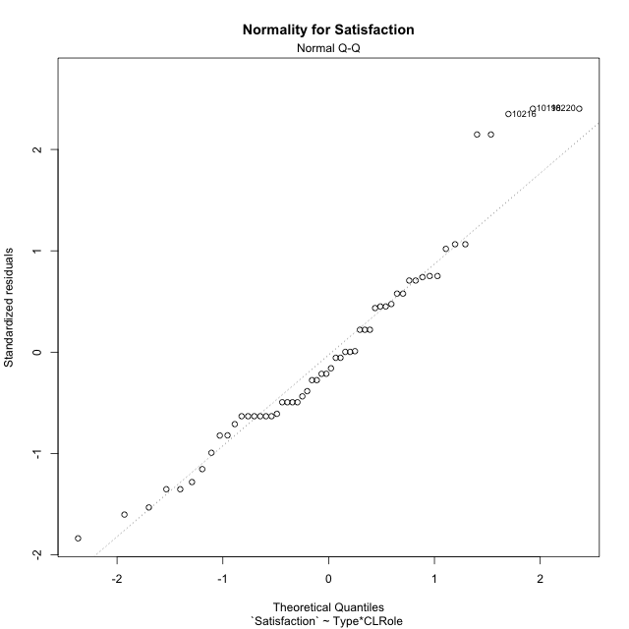

Levene's Test for Homogeneity of Variance in Satisfaction
Df | F value | Pr(>F)
3 | 0.032980945003 | 0.99186242099
52

Plots for homogeneity of variance
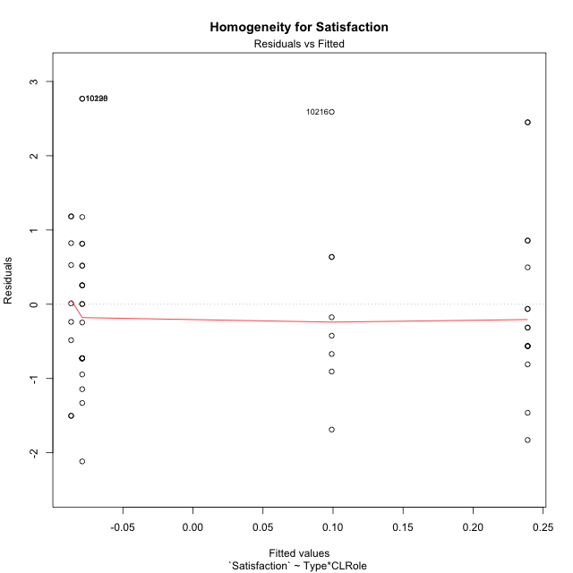

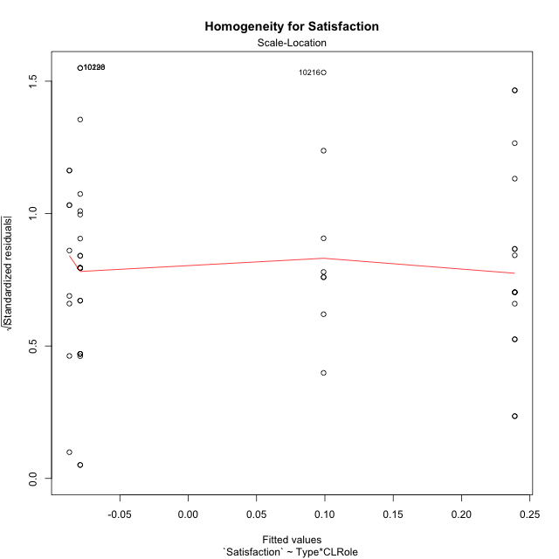

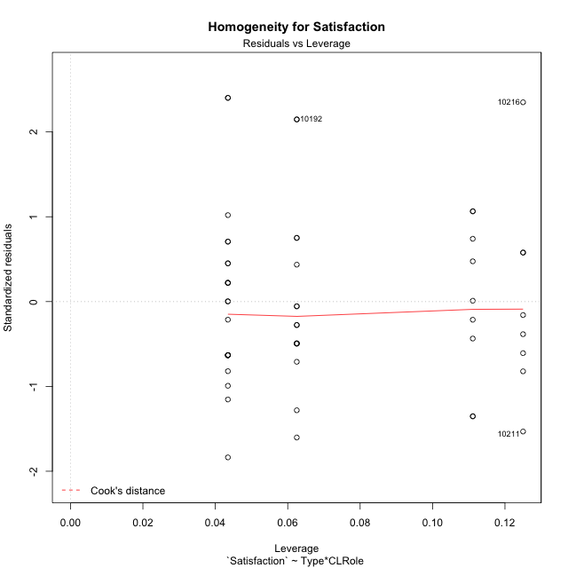

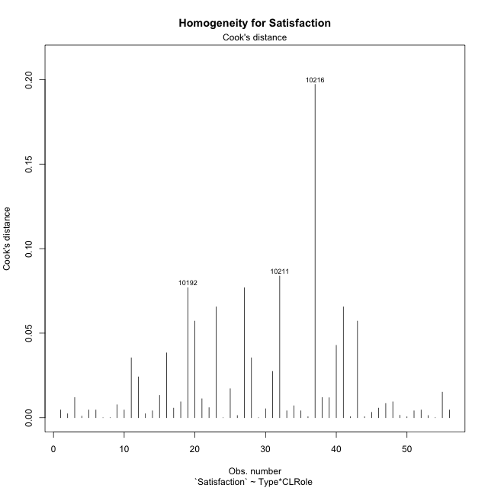

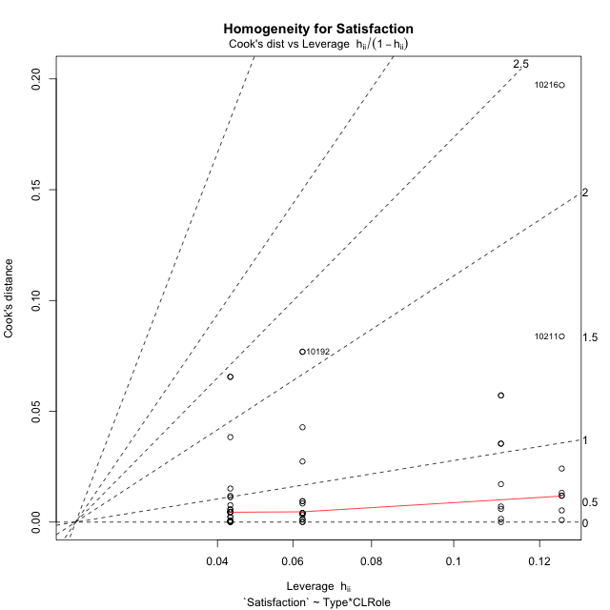

Minimum Sample Size Test for Satisfaction
Type | CLRole | Freq
non-gamified | Apprentice | 23
ont-gamified | Apprentice | 16
non-gamified | Master | 9
ont-gamified | Master | 8

Errors and Warnings in Sample Size Test for ANOVA in Satisfaction
code | description
WARN: sample.size | current.size is = 9 and recommended.size must be = 15 for the group: 'non-gamified:Master'. Size sample for parametric test isn't recomended
WARN: sample.size | current.size is = 8 and recommended.size must be = 15 for the group: 'ont-gamified:Master'. Size sample for parametric test isn't recomended

For the group: 'non-gamified:Apprentice', you can perform a parametric test with a non-normal distribution For the group: 'ont-gamified:Apprentice', you can perform a parametric test with a non-normal distribution For the group: 'non-gamified:Master', we recommend the use of non parametric test. For the group: 'ont-gamified:Master', we recommend the use of non parametric test.

If you don't want to remove non-normal data, you must cite the following references: ... (1) Lix, L.M., J.C. Keselman, and H.J. Keselman. 1996. Consequences of assumption violations revisited: A quantitative review of alternatives to the one-way analysis of variance F test. Rev. Educ. Res. 66: 579-619. ... (2) Harwell, M.R., E.N. Rubinstein, W.S. Hayes, and C.C. Olds. 1992. Summarizing Monte Carlo results in methodological research: the one- and two-factor fixed effects ANOVA cases. J. Educ. Stat. 17: 315-339.

Post-hoc
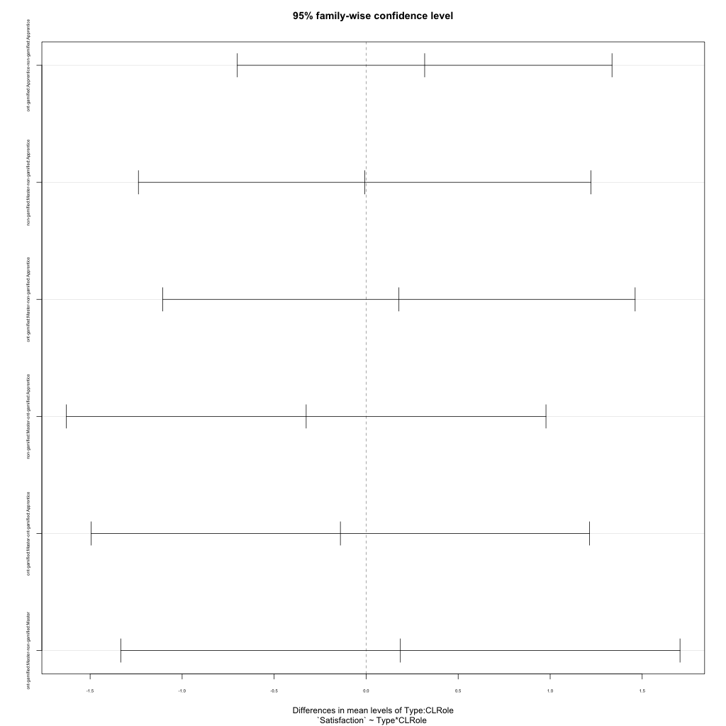
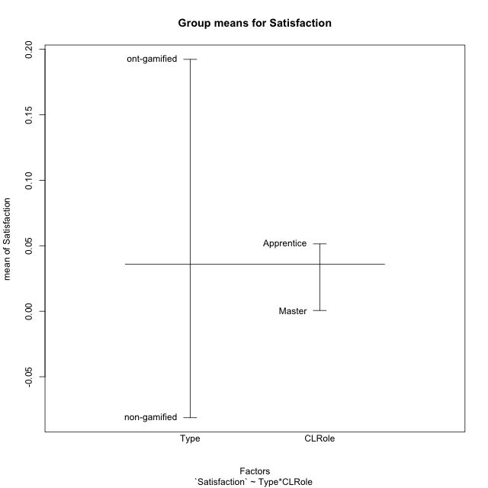
Post-hoc Tukey Honestly Significant Difference (HSD) Test for Satisfaction

Comparisons of means for Type
 | diff | lwr | upr | p adj
ont-gamified-non-gamified | 0.27355873755 | -0.3649138093 | 0.91203128441 | 0.39386560361

Comparisons of means for CLRole
 | diff | lwr | upr | p adj
Master-Apprentice | -0.067341410094 | -0.75451438927 | 0.61983156908 | 0.84487043706

Comparisons of means for Type:CLRole
 | diff | lwr | upr | p adj
ont-gamified:Apprentice-non-gamified:Apprentice | 0.31795433844 | -0.70012909441 | 1.3360377713 | 0.84050813149
non-gamified:Master-non-gamified:Apprentice | -0.0079265714243 | -1.2375292273 | 1.2216760844 | 0.99999817546
ont-gamified:Master-non-gamified:Apprentice | 0.17807949114 | -1.1055713553 | 1.4617303376 | 0.98275944763
non-gamified:Master-ont-gamified:Apprentice | -0.32588090987 | -1.6289388724 | 0.97717705266 | 0.91018839367
ont-gamified:Master-ont-gamified:Apprentice | -0.1398748473 | -1.4940524051 | 1.2143027105 | 0.99271319699
ont-gamified:Master-non-gamified:Master | 0.18600606256 | -1.3336075966 | 1.7056197217 | 0.98801767621

Contrast Matrices for Satisfaction - Type
contrast | estimate | SE | df | t.ratio | p.value
non-gamified - ont-gamified | -0.2519802005 | 0.34458604217 | 52 | -0.73125480915 | 0.46790605524

Contrast Matrices for Satisfaction - Type:CLRole
contrast | CLRole | estimate | SE | df | t.ratio | p.value
non-gamified - ont-gamified | Apprentice | -0.31795433844 | 0.38358912034 | 52 | -0.82889300448 | 0.41095364138
non-gamified - ont-gamified | Master | -0.18600606256 | 0.57255353338 | 52 | -0.32487104126 | 0.74658210078

Least Squares Means and Confidence Intervals for Type
Type | lsmean | SE | df | lower.CL | upper.CL | Pairs
non-gamified | -0.082991942552 | 0.23164221414 | 52 | -0.54781605147 | 0.38183216636 | non-gamified
ont-gamified | 0.16898825795 | 0.25511061344 | 52 | -0.34292863944 | 0.68090515534 | ont-gamified

Least Squares Means and Confidence Intervals for Type:CLRole
Type | CLRole | lsmean | SE | df | lower.CL | upper.CL | Pairs
non-gamified | Apprentice | -0.07902865684 | 0.24569367064 | 52 | -0.57204907605 | 0.41399176237 | non-gamified.Apprentice
ont-gamified | Apprentice | 0.2389256816 | 0.29457636268 | 52 | -0.35218503542 | 0.83003639862 | ont-gamified.Apprentice
non-gamified | Master | -0.086955228264 | 0.39276848357 | 52 | -0.87510285096 | 0.70119239443 | non-gamified.Master
ont-gamified | Master | 0.0990508343 | 0.41659388726 | 52 | -0.73690595857 | 0.93500762717 | ont-gamified.Master

Plots

Type_1
Student's t-Test for Satisfaction in Type between non-gamified:ont-gamified

Student's t-Test results
Alternative hypothesis: less
Group | N | Mean | Mean.Difference | Std.deviation | Std.error | CI.lower | CI.upper | df | t.value | p.value | g | magnitude
non-gamified | 32 | -0.081258005053 | -0.27355873755 | 1.1218577252 | 0.19831830125 | -0.47789460756 | 0.31537859745 | 47.724056916 | -0.86666782904 | 0.19523030841 | -0.23311513749 | small
ont-gamified | 24 | 0.1923007325 | 0.27355873755 | 1.2030078204 | 0.24556294304 | -0.29882515358 | 0.68342661858 | 47.724056916 | -0.86666782904 | 0.19523030841 | -0.23311513749 | small
Alternative hypothesis: greater
Group | N | Mean | Mean.Difference | Std.deviation | Std.error | CI.lower | CI.upper | df | t.value | p.value | g | magnitude
non-gamified | 32 | -0.081258005053 | -0.27355873755 | 1.1218577252 | 0.19831830125 | -0.47789460756 | 0.31537859745 | 47.724056916 | -0.86666782904 | 0.80476969159 | -0.23311513749 | small
ont-gamified | 24 | 0.1923007325 | 0.27355873755 | 1.2030078204 | 0.24556294304 | -0.29882515358 | 0.68342661858 | 47.724056916 | -0.86666782904 | 0.80476969159 | -0.23311513749 | small
Alternative hypothesis: two.sided
Group | N | Mean | Mean.Difference | Std.deviation | Std.error | CI.lower | CI.upper | df | t.value | p.value | g | magnitude
non-gamified | 32 | -0.081258005053 | -0.27355873755 | 1.1218577252 | 0.19831830125 | -0.47789460756 | 0.31537859745 | 47.724056916 | -0.86666782904 | 0.39046061682 | -0.23311513749 | small
ont-gamified | 24 | 0.1923007325 | 0.27355873755 | 1.2030078204 | 0.24556294304 | -0.29882515358 | 0.68342661858 | 47.724056916 | -0.86666782904 | 0.39046061682 | -0.23311513749 | small

Box plots for Student's t-Test
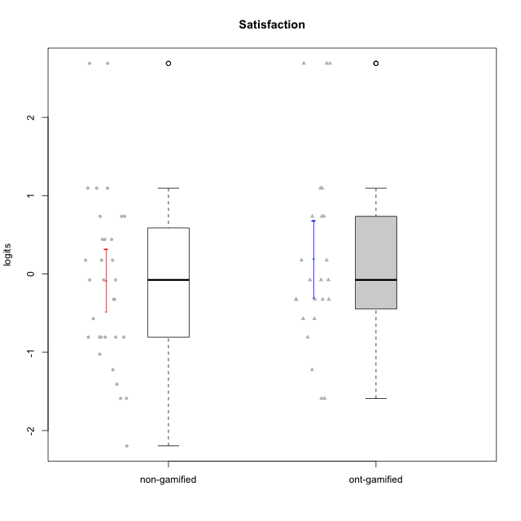

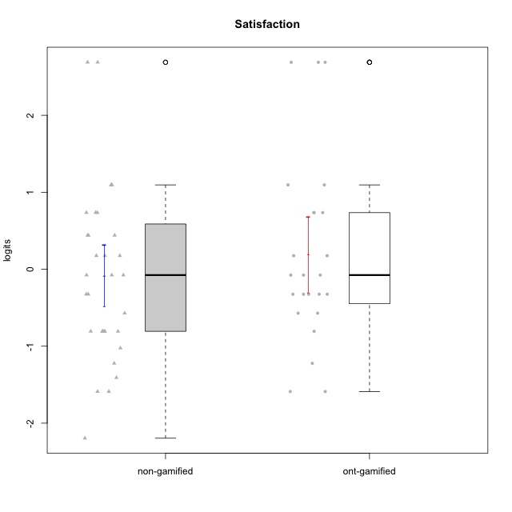

Student's t-Test data
UserID | NroUSP | Type | CLGroup | CLRole | PlayerRole | Satisfaction | error | WLE.rel
10169 | 10377538 | non-gamified | Grupo Team 10 | Apprentice |  | -0.80711445064 | 0.47336422487 | 0.68918373895
10170 | 10260351 | non-gamified | Grupo Team 6 | Apprentice |  | 0.44052628594 | 0.54816859364 | 0.68918373895
10171 | 698531 | ont-gamified | Grupo Losvakai | Master | Yee Achiever | 0.73574069598 | 0.59188550545 | 0.68918373895
10172 | 10273971 | ont-gamified | Grupo Koil | Master | Yee Achiever | -0.076047710592 | 0.50758232207 | 0.68918373895
10174 | 10276852 | non-gamified | Grupo Team 1 | Apprentice |  | -0.80711445064 | 0.47336422487 | 0.68918373895
10176 | 10276949 | non-gamified | Grupo Team 9 | Apprentice |  | -0.80711445064 | 0.47336422487 | 0.68918373895
10178 | 8656201 | non-gamified | Grupo Team 11 | Apprentice |  | -0.076047710592 | 0.50758232207 | 0.68918373895
10179 | 10310759 | ont-gamified | Grupo Tosskor | Apprentice | Yee Achiever | 0.1758193737 | 0.52276838566 | 0.68918373895
10181 | 10276866 | non-gamified | Grupo Team 7 | Apprentice |  | -1.0243944378 | 0.46051209227 | 0.68918373895
10183 | 10352030 | non-gamified | Grupo Belos | Apprentice | Yee Socializer | -0.80711445064 | 0.47336422487 | 0.68918373895
10184 | 10276675 | non-gamified | Grupo Team 7 | Master |  | 1.0956641887 | 0.67076204469 | 0.68918373895
10185 | 10276960 | ont-gamified | Grupo Tosskor | Master | Yee Achiever | -0.80711445064 | 0.47336422487 | 0.68918373895
10186 | 10310551 | non-gamified | Grupo Team 5 | Apprentice |  | 0.44052628594 | 0.54816859364 | 0.68918373895
10187 | 9790781 | ont-gamified | Grupo Razorg | Apprentice | Yee Achiever | -0.32463380358 | 0.49696856271 | 0.68918373895
10188 | 10276995 | ont-gamified | Grupo Paldira | Master | Yee Achiever | -0.57103884373 | 0.48622756286 | 0.68918373895
10189 | 9363926 | non-gamified | Grupo Team 2 | Apprentice |  | -2.1957042986 | 0.54434901651 | 0.68918373895
10190 | 10276907 | non-gamified | Grupo Team 8 | Apprentice |  | 0.73574069598 | 0.59188550545 | 0.68918373895
10191 | 10276981 | ont-gamified | Grupo Yeka | Apprentice | Yee Socializer | 1.0956641887 | 0.67076204469 | 0.68918373895
10192 | 10276682 | ont-gamified | Grupo Yeka | Apprentice | Yee Socializer | 2.6889961189 | 1.415469168 | 0.68918373895
10193 | 10276762 | non-gamified | Grupo Team 2 | Master |  | -1.5892360279 | 0.45129686392 | 0.68918373895
10196 | 10310655 | non-gamified | Grupo Team 5 | Apprentice |  | -1.2229836458 | 0.45108481277 | 0.68918373895
10197 | 10276661 | non-gamified | Grupo Team 11 | Master |  | -0.57103884373 | 0.48622756286 | 0.68918373895
10198 | 10310888 | non-gamified | Grupo Team 1 | Apprentice |  | 2.6889961189 | 1.415469168 | 0.68918373895
10200 | 9795272 | non-gamified | Grupo Team 4 | Apprentice |  | -0.076047710592 | 0.50758232207 | 0.68918373895
10201 | 10276928 | non-gamified | Grupo Team 10 | Master |  | 0.73574069598 | 0.59188550545 | 0.68918373895
10202 | 10277036 | ont-gamified | Grupo Paldira | Apprentice | Yee Achiever | -0.076047710592 | 0.50758232207 | 0.68918373895
10203 | 9921470 | ont-gamified | Grupo Paldira | Apprentice | Yee Achiever | 2.6889961189 | 1.415469168 | 0.68918373895
10204 | 10310471 | non-gamified | Grupo Team 5 | Master |  | 1.0956641887 | 0.67076204469 | 0.68918373895
10206 | 10310721 | non-gamified | Grupo Team 9 | Master |  | -0.076047710592 | 0.50758232207 | 0.68918373895
10208 | 10276932 | ont-gamified | Grupo Yeka | Master | Yee Socializer | -0.32463380358 | 0.49696856271 | 0.68918373895
10210 | 10277015 | ont-gamified | Grupo Losvakai | Apprentice | Yee Achiever | -1.2229836458 | 0.45108481277 | 0.68918373895
10211 | 9311643 | ont-gamified | Grupo Razorg | Master | Yee Achiever | -1.5892360279 | 0.45129686392 | 0.68918373895
10212 | 9065750 | ont-gamified | Grupo Ellaru | Apprentice | Yee Socializer | -0.32463380358 | 0.49696856271 | 0.68918373895
10213 | 10277040 | non-gamified | Grupo Team 8 | Master |  | 0.44052628594 | 0.54816859364 | 0.68918373895
10214 | 10277022 | ont-gamified | Grupo Koil | Apprentice | Yee Achiever | -0.32463380358 | 0.49696856271 | 0.68918373895
10215 | 9285227 | non-gamified | Grupo Team 7 | Apprentice |  | 0.1758193737 | 0.52276838566 | 0.68918373895
10216 | 10276720 | ont-gamified | Grupo Ellaru | Master | Yee Socializer | 2.6889961189 | 1.415469168 | 0.68918373895
10217 | 9805341 | ont-gamified | Grupo Belos | Master | Yee Socializer | 0.73574069598 | 0.59188550545 | 0.68918373895
10218 | 9842913 | non-gamified | Grupo Team 10 | Apprentice |  | 1.0956641887 | 0.67076204469 | 0.68918373895
10219 | 10276831 | ont-gamified | Grupo Razorg | Apprentice | Yee Achiever | -1.5892360279 | 0.45129686392 | 0.68918373895
10220 | 9760151 | non-gamified | Grupo Team 4 | Apprentice |  | 2.6889961189 | 1.415469168 | 0.68918373895
10221 | 9082496 | non-gamified | Grupo Team 3 | Apprentice |  | 0.1758193737 | 0.52276838566 | 0.68918373895
10223 | 9795185 | non-gamified | Grupo Team 3 | Master |  | -1.5892360279 | 0.45129686392 | 0.68918373895
10224 | 9368772 | non-gamified | Grupo Team 9 | Apprentice |  | 0.1758193737 | 0.52276838566 | 0.68918373895
10226 | 10310342 | ont-gamified | Grupo Yeka | Apprentice | Yee Socializer | 0.73574069598 | 0.59188550545 | 0.68918373895
10227 | 9274382 | non-gamified | Grupo Team 2 | Apprentice |  | 0.73574069598 | 0.59188550545 | 0.68918373895
10228 | 10310492 | ont-gamified | Grupo Losvakai | Apprentice | Yee Achiever | -0.57103884373 | 0.48622756286 | 0.68918373895
10230 | 10351992 | ont-gamified | Grupo Koil | Apprentice | Yee Achiever | 1.0956641887 | 0.67076204469 | 0.68918373895
10231 | 10276911 | non-gamified | Grupo Team 4 | Master |  | -0.32463380358 | 0.49696856271 | 0.68918373895
10232 | 10276974 | non-gamified | Grupo Team 3 | Apprentice |  | -0.32463380358 | 0.49696856271 | 0.68918373895
10233 | 9805320 | ont-gamified | Grupo Tosskor | Apprentice | Yee Achiever | -0.32463380358 | 0.49696856271 | 0.68918373895
10234 | 10310676 | non-gamified | Grupo Team 6 | Apprentice |  | -0.80711445064 | 0.47336422487 | 0.68918373895
10237 | 10377688 | ont-gamified | Grupo Ellaru | Apprentice | Yee Socializer | -0.076047710592 | 0.50758232207 | 0.68918373895
10238 | 10276953 | ont-gamified | Grupo Belos | Apprentice | Yee Socializer | 0.1758193737 | 0.52276838566 | 0.68918373895
10240 | 10276654 | non-gamified | Grupo Team 8 | Apprentice |  | -1.408809308 | 0.44744004824 | 0.68918373895
10242 | 9424506 | non-gamified | Grupo Team 11 | Apprentice |  | -0.80711445064 | 0.47336422487 | 0.68918373895

Type_CLRole_1
Student's t-Test for Satisfaction in Type:CLRole between non-gamified.Apprentice:non-gamified.Master

Student's t-Test results
Alternative hypothesis: less
Group | N | Mean | Mean.Difference | Std.deviation | Std.error | CI.lower | CI.upper | df | t.value | p.value | g | magnitude
non-gamified.Apprentice | 23 | -0.07902865684 | 0.0079265714243 | 1.1766326386 | 0.2453448652 | -0.56971838724 | 0.41166107356 | 16.606927009 | 0.018733144104 | 0.50736139111 | 0.006775489316 | negligible
non-gamified.Master | 9 | -0.086955228264 | -0.0079265714243 | 1.0342198104 | 0.34473993681 | -0.77643510188 | 0.60252464535 | 16.606927009 | 0.018733144104 | 0.50736139111 | 0.006775489316 | negligible
Alternative hypothesis: greater
Group | N | Mean | Mean.Difference | Std.deviation | Std.error | CI.lower | CI.upper | df | t.value | p.value | g | magnitude
non-gamified.Apprentice | 23 | -0.07902865684 | 0.0079265714243 | 1.1766326386 | 0.2453448652 | -0.56971838724 | 0.41166107356 | 16.606927009 | 0.018733144104 | 0.49263860889 | 0.006775489316 | negligible
non-gamified.Master | 9 | -0.086955228264 | -0.0079265714243 | 1.0342198104 | 0.34473993681 | -0.77643510188 | 0.60252464535 | 16.606927009 | 0.018733144104 | 0.49263860889 | 0.006775489316 | negligible
Alternative hypothesis: two.sided
Group | N | Mean | Mean.Difference | Std.deviation | Std.error | CI.lower | CI.upper | df | t.value | p.value | g | magnitude
non-gamified.Apprentice | 23 | -0.07902865684 | 0.0079265714243 | 1.1766326386 | 0.2453448652 | -0.56971838724 | 0.41166107356 | 16.606927009 | 0.018733144104 | 0.98527721778 | 0.006775489316 | negligible
non-gamified.Master | 9 | -0.086955228264 | -0.0079265714243 | 1.0342198104 | 0.34473993681 | -0.77643510188 | 0.60252464535 | 16.606927009 | 0.018733144104 | 0.98527721778 | 0.006775489316 | negligible

Box plots for Student's t-Test
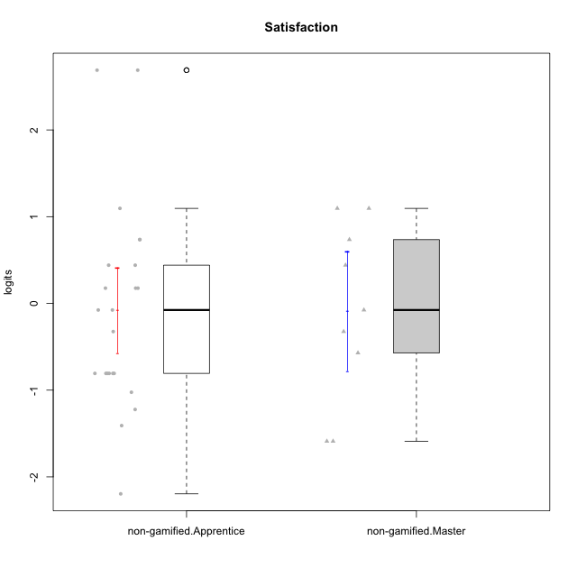

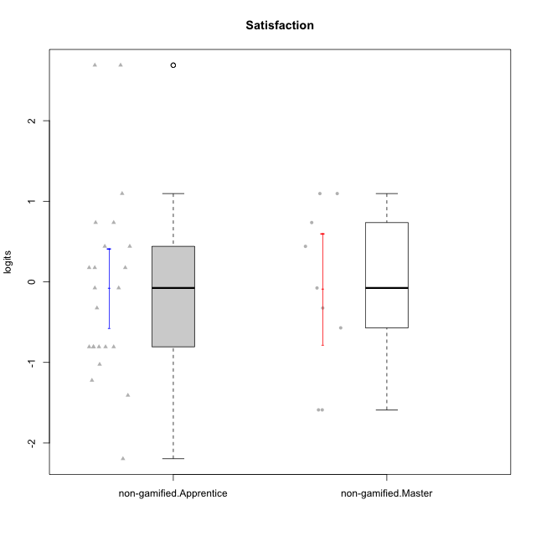

Student's t-Test data
UserID | NroUSP | Type | CLGroup | CLRole | PlayerRole | Satisfaction | error | WLE.rel
10169 | 10377538 | non-gamified | Grupo Team 10 | Apprentice |  | -0.80711445064 | 0.47336422487 | 0.68918373895
10170 | 10260351 | non-gamified | Grupo Team 6 | Apprentice |  | 0.44052628594 | 0.54816859364 | 0.68918373895
10174 | 10276852 | non-gamified | Grupo Team 1 | Apprentice |  | -0.80711445064 | 0.47336422487 | 0.68918373895
10176 | 10276949 | non-gamified | Grupo Team 9 | Apprentice |  | -0.80711445064 | 0.47336422487 | 0.68918373895
10178 | 8656201 | non-gamified | Grupo Team 11 | Apprentice |  | -0.076047710592 | 0.50758232207 | 0.68918373895
10181 | 10276866 | non-gamified | Grupo Team 7 | Apprentice |  | -1.0243944378 | 0.46051209227 | 0.68918373895
10183 | 10352030 | non-gamified | Grupo Belos | Apprentice | Yee Socializer | -0.80711445064 | 0.47336422487 | 0.68918373895
10184 | 10276675 | non-gamified | Grupo Team 7 | Master |  | 1.0956641887 | 0.67076204469 | 0.68918373895
10186 | 10310551 | non-gamified | Grupo Team 5 | Apprentice |  | 0.44052628594 | 0.54816859364 | 0.68918373895
10189 | 9363926 | non-gamified | Grupo Team 2 | Apprentice |  | -2.1957042986 | 0.54434901651 | 0.68918373895
10190 | 10276907 | non-gamified | Grupo Team 8 | Apprentice |  | 0.73574069598 | 0.59188550545 | 0.68918373895
10193 | 10276762 | non-gamified | Grupo Team 2 | Master |  | -1.5892360279 | 0.45129686392 | 0.68918373895
10196 | 10310655 | non-gamified | Grupo Team 5 | Apprentice |  | -1.2229836458 | 0.45108481277 | 0.68918373895
10197 | 10276661 | non-gamified | Grupo Team 11 | Master |  | -0.57103884373 | 0.48622756286 | 0.68918373895
10198 | 10310888 | non-gamified | Grupo Team 1 | Apprentice |  | 2.6889961189 | 1.415469168 | 0.68918373895
10200 | 9795272 | non-gamified | Grupo Team 4 | Apprentice |  | -0.076047710592 | 0.50758232207 | 0.68918373895
10201 | 10276928 | non-gamified | Grupo Team 10 | Master |  | 0.73574069598 | 0.59188550545 | 0.68918373895
10204 | 10310471 | non-gamified | Grupo Team 5 | Master |  | 1.0956641887 | 0.67076204469 | 0.68918373895
10206 | 10310721 | non-gamified | Grupo Team 9 | Master |  | -0.076047710592 | 0.50758232207 | 0.68918373895
10213 | 10277040 | non-gamified | Grupo Team 8 | Master |  | 0.44052628594 | 0.54816859364 | 0.68918373895
10215 | 9285227 | non-gamified | Grupo Team 7 | Apprentice |  | 0.1758193737 | 0.52276838566 | 0.68918373895
10218 | 9842913 | non-gamified | Grupo Team 10 | Apprentice |  | 1.0956641887 | 0.67076204469 | 0.68918373895
10220 | 9760151 | non-gamified | Grupo Team 4 | Apprentice |  | 2.6889961189 | 1.415469168 | 0.68918373895
10221 | 9082496 | non-gamified | Grupo Team 3 | Apprentice |  | 0.1758193737 | 0.52276838566 | 0.68918373895
10223 | 9795185 | non-gamified | Grupo Team 3 | Master |  | -1.5892360279 | 0.45129686392 | 0.68918373895
10224 | 9368772 | non-gamified | Grupo Team 9 | Apprentice |  | 0.1758193737 | 0.52276838566 | 0.68918373895
10227 | 9274382 | non-gamified | Grupo Team 2 | Apprentice |  | 0.73574069598 | 0.59188550545 | 0.68918373895
10231 | 10276911 | non-gamified | Grupo Team 4 | Master |  | -0.32463380358 | 0.49696856271 | 0.68918373895
10232 | 10276974 | non-gamified | Grupo Team 3 | Apprentice |  | -0.32463380358 | 0.49696856271 | 0.68918373895
10234 | 10310676 | non-gamified | Grupo Team 6 | Apprentice |  | -0.80711445064 | 0.47336422487 | 0.68918373895
10240 | 10276654 | non-gamified | Grupo Team 8 | Apprentice |  | -1.408809308 | 0.44744004824 | 0.68918373895
10242 | 9424506 | non-gamified | Grupo Team 11 | Apprentice |  | -0.80711445064 | 0.47336422487 | 0.68918373895

Type_CLRole_2
Student's t-Test for Satisfaction in Type:CLRole between non-gamified.Apprentice:ont-gamified.Apprentice

Student's t-Test results
Alternative hypothesis: less
Group | N | Mean | Mean.Difference | Std.deviation | Std.error | CI.lower | CI.upper | df | t.value | p.value | g | magnitude
non-gamified.Apprentice | 23 | -0.07902865684 | -0.31795433844 | 1.1766326386 | 0.2453448652 | -0.56971838724 | 0.41166107356 | 32.144182375 | -0.82348292018 | 0.20815076199 | -0.26325947479 | small
ont-gamified.Apprentice | 16 | 0.2389256816 | 0.31795433844 | 1.1925516705 | 0.29813791764 | -0.35735015367 | 0.83520151688 | 32.144182375 | -0.82348292018 | 0.20815076199 | -0.26325947479 | small
Alternative hypothesis: greater
Group | N | Mean | Mean.Difference | Std.deviation | Std.error | CI.lower | CI.upper | df | t.value | p.value | g | magnitude
non-gamified.Apprentice | 23 | -0.07902865684 | -0.31795433844 | 1.1766326386 | 0.2453448652 | -0.56971838724 | 0.41166107356 | 32.144182375 | -0.82348292018 | 0.79184923801 | -0.26325947479 | small
ont-gamified.Apprentice | 16 | 0.2389256816 | 0.31795433844 | 1.1925516705 | 0.29813791764 | -0.35735015367 | 0.83520151688 | 32.144182375 | -0.82348292018 | 0.79184923801 | -0.26325947479 | small
Alternative hypothesis: two.sided
Group | N | Mean | Mean.Difference | Std.deviation | Std.error | CI.lower | CI.upper | df | t.value | p.value | g | magnitude
non-gamified.Apprentice | 23 | -0.07902865684 | -0.31795433844 | 1.1766326386 | 0.2453448652 | -0.56971838724 | 0.41166107356 | 32.144182375 | -0.82348292018 | 0.41630152397 | -0.26325947479 | small
ont-gamified.Apprentice | 16 | 0.2389256816 | 0.31795433844 | 1.1925516705 | 0.29813791764 | -0.35735015367 | 0.83520151688 | 32.144182375 | -0.82348292018 | 0.41630152397 | -0.26325947479 | small

Box plots for Student's t-Test
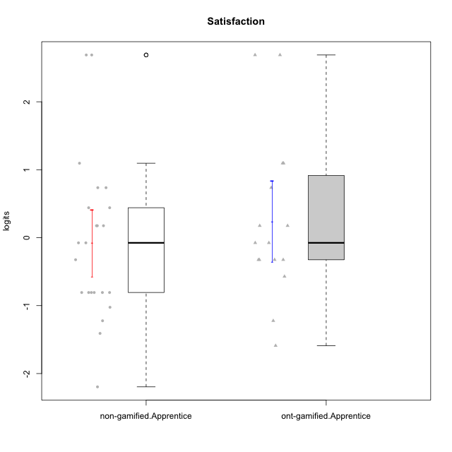



Student's t-Test data
UserID | NroUSP | Type | CLGroup | CLRole | PlayerRole | Satisfaction | error | WLE.rel
10169 | 10377538 | non-gamified | Grupo Team 10 | Apprentice |  | -0.80711445064 | 0.47336422487 | 0.68918373895
10170 | 10260351 | non-gamified | Grupo Team 6 | Apprentice |  | 0.44052628594 | 0.54816859364 | 0.68918373895
10174 | 10276852 | non-gamified | Grupo Team 1 | Apprentice |  | -0.80711445064 | 0.47336422487 | 0.68918373895
10176 | 10276949 | non-gamified | Grupo Team 9 | Apprentice |  | -0.80711445064 | 0.47336422487 | 0.68918373895
10178 | 8656201 | non-gamified | Grupo Team 11 | Apprentice |  | -0.076047710592 | 0.50758232207 | 0.68918373895
10179 | 10310759 | ont-gamified | Grupo Tosskor | Apprentice | Yee Achiever | 0.1758193737 | 0.52276838566 | 0.68918373895
10181 | 10276866 | non-gamified | Grupo Team 7 | Apprentice |  | -1.0243944378 | 0.46051209227 | 0.68918373895
10183 | 10352030 | non-gamified | Grupo Belos | Apprentice | Yee Socializer | -0.80711445064 | 0.47336422487 | 0.68918373895
10186 | 10310551 | non-gamified | Grupo Team 5 | Apprentice |  | 0.44052628594 | 0.54816859364 | 0.68918373895
10187 | 9790781 | ont-gamified | Grupo Razorg | Apprentice | Yee Achiever | -0.32463380358 | 0.49696856271 | 0.68918373895
10189 | 9363926 | non-gamified | Grupo Team 2 | Apprentice |  | -2.1957042986 | 0.54434901651 | 0.68918373895
10190 | 10276907 | non-gamified | Grupo Team 8 | Apprentice |  | 0.73574069598 | 0.59188550545 | 0.68918373895
10191 | 10276981 | ont-gamified | Grupo Yeka | Apprentice | Yee Socializer | 1.0956641887 | 0.67076204469 | 0.68918373895
10192 | 10276682 | ont-gamified | Grupo Yeka | Apprentice | Yee Socializer | 2.6889961189 | 1.415469168 | 0.68918373895
10196 | 10310655 | non-gamified | Grupo Team 5 | Apprentice |  | -1.2229836458 | 0.45108481277 | 0.68918373895
10198 | 10310888 | non-gamified | Grupo Team 1 | Apprentice |  | 2.6889961189 | 1.415469168 | 0.68918373895
10200 | 9795272 | non-gamified | Grupo Team 4 | Apprentice |  | -0.076047710592 | 0.50758232207 | 0.68918373895
10202 | 10277036 | ont-gamified | Grupo Paldira | Apprentice | Yee Achiever | -0.076047710592 | 0.50758232207 | 0.68918373895
10203 | 9921470 | ont-gamified | Grupo Paldira | Apprentice | Yee Achiever | 2.6889961189 | 1.415469168 | 0.68918373895
10210 | 10277015 | ont-gamified | Grupo Losvakai | Apprentice | Yee Achiever | -1.2229836458 | 0.45108481277 | 0.68918373895
10212 | 9065750 | ont-gamified | Grupo Ellaru | Apprentice | Yee Socializer | -0.32463380358 | 0.49696856271 | 0.68918373895
10214 | 10277022 | ont-gamified | Grupo Koil | Apprentice | Yee Achiever | -0.32463380358 | 0.49696856271 | 0.68918373895
10215 | 9285227 | non-gamified | Grupo Team 7 | Apprentice |  | 0.1758193737 | 0.52276838566 | 0.68918373895
10218 | 9842913 | non-gamified | Grupo Team 10 | Apprentice |  | 1.0956641887 | 0.67076204469 | 0.68918373895
10219 | 10276831 | ont-gamified | Grupo Razorg | Apprentice | Yee Achiever | -1.5892360279 | 0.45129686392 | 0.68918373895
10220 | 9760151 | non-gamified | Grupo Team 4 | Apprentice |  | 2.6889961189 | 1.415469168 | 0.68918373895
10221 | 9082496 | non-gamified | Grupo Team 3 | Apprentice |  | 0.1758193737 | 0.52276838566 | 0.68918373895
10224 | 9368772 | non-gamified | Grupo Team 9 | Apprentice |  | 0.1758193737 | 0.52276838566 | 0.68918373895
10226 | 10310342 | ont-gamified | Grupo Yeka | Apprentice | Yee Socializer | 0.73574069598 | 0.59188550545 | 0.68918373895
10227 | 9274382 | non-gamified | Grupo Team 2 | Apprentice |  | 0.73574069598 | 0.59188550545 | 0.68918373895
10228 | 10310492 | ont-gamified | Grupo Losvakai | Apprentice | Yee Achiever | -0.57103884373 | 0.48622756286 | 0.68918373895
10230 | 10351992 | ont-gamified | Grupo Koil | Apprentice | Yee Achiever | 1.0956641887 | 0.67076204469 | 0.68918373895
10232 | 10276974 | non-gamified | Grupo Team 3 | Apprentice |  | -0.32463380358 | 0.49696856271 | 0.68918373895
10233 | 9805320 | ont-gamified | Grupo Tosskor | Apprentice | Yee Achiever | -0.32463380358 | 0.49696856271 | 0.68918373895
10234 | 10310676 | non-gamified | Grupo Team 6 | Apprentice |  | -0.80711445064 | 0.47336422487 | 0.68918373895
10237 | 10377688 | ont-gamified | Grupo Ellaru | Apprentice | Yee Socializer | -0.076047710592 | 0.50758232207 | 0.68918373895
10238 | 10276953 | ont-gamified | Grupo Belos | Apprentice | Yee Socializer | 0.1758193737 | 0.52276838566 | 0.68918373895
10240 | 10276654 | non-gamified | Grupo Team 8 | Apprentice |  | -1.408809308 | 0.44744004824 | 0.68918373895
10242 | 9424506 | non-gamified | Grupo Team 11 | Apprentice |  | -0.80711445064 | 0.47336422487 | 0.68918373895

Type_CLRole_3
Student's t-Test for Satisfaction in Type:CLRole between non-gamified.Apprentice:ont-gamified.Master

Student's t-Test results
Alternative hypothesis: less
Group | N | Mean | Mean.Difference | Std.deviation | Std.error | CI.lower | CI.upper | df | t.value | p.value | g | magnitude
non-gamified.Apprentice | 23 | -0.07902865684 | -0.17807949114 | 1.1766326386 | 0.2453448652 | -0.56971838724 | 0.41166107356 | 11.259306105 | -0.34158562395 | 0.36947647345 | -0.14359021036 | negligible
ont-gamified.Master | 8 | 0.0990508343 | 0.17807949114 | 1.3010545689 | 0.45999225419 | -0.82093367408 | 1.0190353427 | 11.259306105 | -0.34158562395 | 0.36947647345 | -0.14359021036 | negligible
Alternative hypothesis: greater
Group | N | Mean | Mean.Difference | Std.deviation | Std.error | CI.lower | CI.upper | df | t.value | p.value | g | magnitude
non-gamified.Apprentice | 23 | -0.07902865684 | -0.17807949114 | 1.1766326386 | 0.2453448652 | -0.56971838724 | 0.41166107356 | 11.259306105 | -0.34158562395 | 0.63052352655 | -0.14359021036 | negligible
ont-gamified.Master | 8 | 0.0990508343 | 0.17807949114 | 1.3010545689 | 0.45999225419 | -0.82093367408 | 1.0190353427 | 11.259306105 | -0.34158562395 | 0.63052352655 | -0.14359021036 | negligible
Alternative hypothesis: two.sided
Group | N | Mean | Mean.Difference | Std.deviation | Std.error | CI.lower | CI.upper | df | t.value | p.value | g | magnitude
non-gamified.Apprentice | 23 | -0.07902865684 | -0.17807949114 | 1.1766326386 | 0.2453448652 | -0.56971838724 | 0.41166107356 | 11.259306105 | -0.34158562395 | 0.7389529469 | -0.14359021036 | negligible
ont-gamified.Master | 8 | 0.0990508343 | 0.17807949114 | 1.3010545689 | 0.45999225419 | -0.82093367408 | 1.0190353427 | 11.259306105 | -0.34158562395 | 0.7389529469 | -0.14359021036 | negligible

Box plots for Student's t-Test
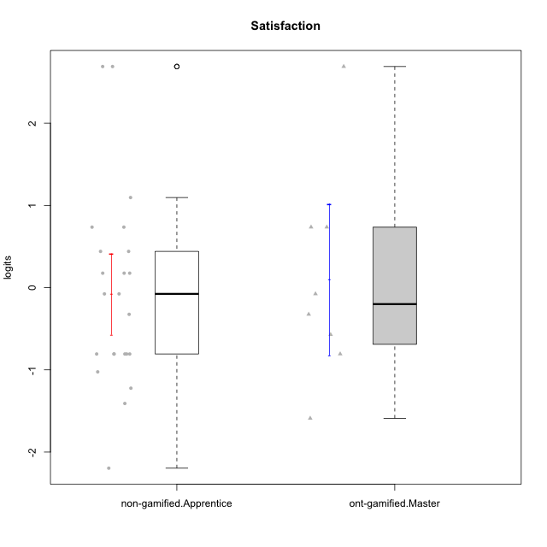

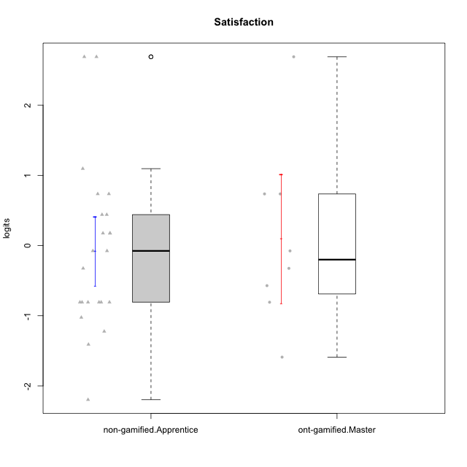

Student's t-Test data
UserID | NroUSP | Type | CLGroup | CLRole | PlayerRole | Satisfaction | error | WLE.rel
10169 | 10377538 | non-gamified | Grupo Team 10 | Apprentice |  | -0.80711445064 | 0.47336422487 | 0.68918373895
10170 | 10260351 | non-gamified | Grupo Team 6 | Apprentice |  | 0.44052628594 | 0.54816859364 | 0.68918373895
10171 | 698531 | ont-gamified | Grupo Losvakai | Master | Yee Achiever | 0.73574069598 | 0.59188550545 | 0.68918373895
10172 | 10273971 | ont-gamified | Grupo Koil | Master | Yee Achiever | -0.076047710592 | 0.50758232207 | 0.68918373895
10174 | 10276852 | non-gamified | Grupo Team 1 | Apprentice |  | -0.80711445064 | 0.47336422487 | 0.68918373895
10176 | 10276949 | non-gamified | Grupo Team 9 | Apprentice |  | -0.80711445064 | 0.47336422487 | 0.68918373895
10178 | 8656201 | non-gamified | Grupo Team 11 | Apprentice |  | -0.076047710592 | 0.50758232207 | 0.68918373895
10181 | 10276866 | non-gamified | Grupo Team 7 | Apprentice |  | -1.0243944378 | 0.46051209227 | 0.68918373895
10183 | 10352030 | non-gamified | Grupo Belos | Apprentice | Yee Socializer | -0.80711445064 | 0.47336422487 | 0.68918373895
10185 | 10276960 | ont-gamified | Grupo Tosskor | Master | Yee Achiever | -0.80711445064 | 0.47336422487 | 0.68918373895
10186 | 10310551 | non-gamified | Grupo Team 5 | Apprentice |  | 0.44052628594 | 0.54816859364 | 0.68918373895
10188 | 10276995 | ont-gamified | Grupo Paldira | Master | Yee Achiever | -0.57103884373 | 0.48622756286 | 0.68918373895
10189 | 9363926 | non-gamified | Grupo Team 2 | Apprentice |  | -2.1957042986 | 0.54434901651 | 0.68918373895
10190 | 10276907 | non-gamified | Grupo Team 8 | Apprentice |  | 0.73574069598 | 0.59188550545 | 0.68918373895
10196 | 10310655 | non-gamified | Grupo Team 5 | Apprentice |  | -1.2229836458 | 0.45108481277 | 0.68918373895
10198 | 10310888 | non-gamified | Grupo Team 1 | Apprentice |  | 2.6889961189 | 1.415469168 | 0.68918373895
10200 | 9795272 | non-gamified | Grupo Team 4 | Apprentice |  | -0.076047710592 | 0.50758232207 | 0.68918373895
10208 | 10276932 | ont-gamified | Grupo Yeka | Master | Yee Socializer | -0.32463380358 | 0.49696856271 | 0.68918373895
10211 | 9311643 | ont-gamified | Grupo Razorg | Master | Yee Achiever | -1.5892360279 | 0.45129686392 | 0.68918373895
10215 | 9285227 | non-gamified | Grupo Team 7 | Apprentice |  | 0.1758193737 | 0.52276838566 | 0.68918373895
10216 | 10276720 | ont-gamified | Grupo Ellaru | Master | Yee Socializer | 2.6889961189 | 1.415469168 | 0.68918373895
10217 | 9805341 | ont-gamified | Grupo Belos | Master | Yee Socializer | 0.73574069598 | 0.59188550545 | 0.68918373895
10218 | 9842913 | non-gamified | Grupo Team 10 | Apprentice |  | 1.0956641887 | 0.67076204469 | 0.68918373895
10220 | 9760151 | non-gamified | Grupo Team 4 | Apprentice |  | 2.6889961189 | 1.415469168 | 0.68918373895
10221 | 9082496 | non-gamified | Grupo Team 3 | Apprentice |  | 0.1758193737 | 0.52276838566 | 0.68918373895
10224 | 9368772 | non-gamified | Grupo Team 9 | Apprentice |  | 0.1758193737 | 0.52276838566 | 0.68918373895
10227 | 9274382 | non-gamified | Grupo Team 2 | Apprentice |  | 0.73574069598 | 0.59188550545 | 0.68918373895
10232 | 10276974 | non-gamified | Grupo Team 3 | Apprentice |  | -0.32463380358 | 0.49696856271 | 0.68918373895
10234 | 10310676 | non-gamified | Grupo Team 6 | Apprentice |  | -0.80711445064 | 0.47336422487 | 0.68918373895
10240 | 10276654 | non-gamified | Grupo Team 8 | Apprentice |  | -1.408809308 | 0.44744004824 | 0.68918373895
10242 | 9424506 | non-gamified | Grupo Team 11 | Apprentice |  | -0.80711445064 | 0.47336422487 | 0.68918373895

Type_CLRole_4
Student's t-Test for Satisfaction in Type:CLRole between non-gamified.Master:ont-gamified.Apprentice

Student's t-Test results
Alternative hypothesis: less
Group | N | Mean | Mean.Difference | Std.deviation | Std.error | CI.lower | CI.upper | df | t.value | p.value | g | magnitude
non-gamified.Master | 9 | -0.086955228264 | -0.32588090987 | 1.0342198104 | 0.34473993681 | -0.77643510188 | 0.60252464535 | 18.825376392 | -0.71500221004 | 0.24169067307 | -0.27644213084 | small
ont-gamified.Apprentice | 16 | 0.2389256816 | 0.32588090987 | 1.1925516705 | 0.29813791764 | -0.35735015367 | 0.83520151688 | 18.825376392 | -0.71500221004 | 0.24169067307 | -0.27644213084 | small
Alternative hypothesis: greater
Group | N | Mean | Mean.Difference | Std.deviation | Std.error | CI.lower | CI.upper | df | t.value | p.value | g | magnitude
non-gamified.Master | 9 | -0.086955228264 | -0.32588090987 | 1.0342198104 | 0.34473993681 | -0.77643510188 | 0.60252464535 | 18.825376392 | -0.71500221004 | 0.75830932693 | -0.27644213084 | small
ont-gamified.Apprentice | 16 | 0.2389256816 | 0.32588090987 | 1.1925516705 | 0.29813791764 | -0.35735015367 | 0.83520151688 | 18.825376392 | -0.71500221004 | 0.75830932693 | -0.27644213084 | small
Alternative hypothesis: two.sided
Group | N | Mean | Mean.Difference | Std.deviation | Std.error | CI.lower | CI.upper | df | t.value | p.value | g | magnitude
non-gamified.Master | 9 | -0.086955228264 | -0.32588090987 | 1.0342198104 | 0.34473993681 | -0.77643510188 | 0.60252464535 | 18.825376392 | -0.71500221004 | 0.48338134613 | -0.27644213084 | small
ont-gamified.Apprentice | 16 | 0.2389256816 | 0.32588090987 | 1.1925516705 | 0.29813791764 | -0.35735015367 | 0.83520151688 | 18.825376392 | -0.71500221004 | 0.48338134613 | -0.27644213084 | small

Box plots for Student's t-Test
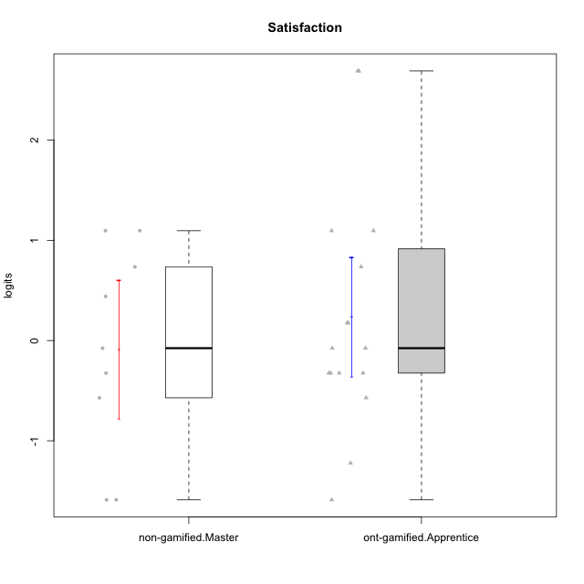

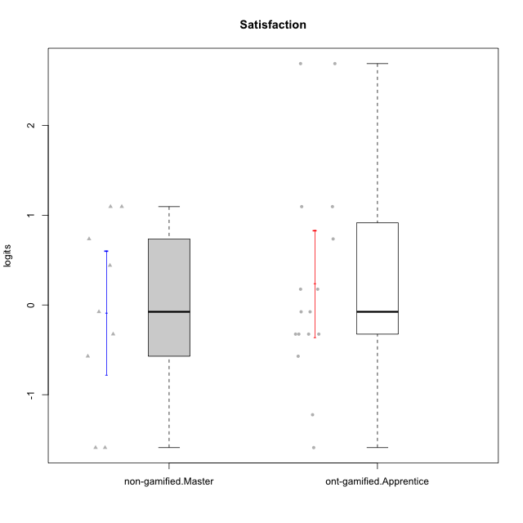

Student's t-Test data
UserID | NroUSP | Type | CLGroup | CLRole | PlayerRole | Satisfaction | error | WLE.rel
10179 | 10310759 | ont-gamified | Grupo Tosskor | Apprentice | Yee Achiever | 0.1758193737 | 0.52276838566 | 0.68918373895
10184 | 10276675 | non-gamified | Grupo Team 7 | Master |  | 1.0956641887 | 0.67076204469 | 0.68918373895
10187 | 9790781 | ont-gamified | Grupo Razorg | Apprentice | Yee Achiever | -0.32463380358 | 0.49696856271 | 0.68918373895
10191 | 10276981 | ont-gamified | Grupo Yeka | Apprentice | Yee Socializer | 1.0956641887 | 0.67076204469 | 0.68918373895
10192 | 10276682 | ont-gamified | Grupo Yeka | Apprentice | Yee Socializer | 2.6889961189 | 1.415469168 | 0.68918373895
10193 | 10276762 | non-gamified | Grupo Team 2 | Master |  | -1.5892360279 | 0.45129686392 | 0.68918373895
10197 | 10276661 | non-gamified | Grupo Team 11 | Master |  | -0.57103884373 | 0.48622756286 | 0.68918373895
10201 | 10276928 | non-gamified | Grupo Team 10 | Master |  | 0.73574069598 | 0.59188550545 | 0.68918373895
10202 | 10277036 | ont-gamified | Grupo Paldira | Apprentice | Yee Achiever | -0.076047710592 | 0.50758232207 | 0.68918373895
10203 | 9921470 | ont-gamified | Grupo Paldira | Apprentice | Yee Achiever | 2.6889961189 | 1.415469168 | 0.68918373895
10204 | 10310471 | non-gamified | Grupo Team 5 | Master |  | 1.0956641887 | 0.67076204469 | 0.68918373895
10206 | 10310721 | non-gamified | Grupo Team 9 | Master |  | -0.076047710592 | 0.50758232207 | 0.68918373895
10210 | 10277015 | ont-gamified | Grupo Losvakai | Apprentice | Yee Achiever | -1.2229836458 | 0.45108481277 | 0.68918373895
10212 | 9065750 | ont-gamified | Grupo Ellaru | Apprentice | Yee Socializer | -0.32463380358 | 0.49696856271 | 0.68918373895
10213 | 10277040 | non-gamified | Grupo Team 8 | Master |  | 0.44052628594 | 0.54816859364 | 0.68918373895
10214 | 10277022 | ont-gamified | Grupo Koil | Apprentice | Yee Achiever | -0.32463380358 | 0.49696856271 | 0.68918373895
10219 | 10276831 | ont-gamified | Grupo Razorg | Apprentice | Yee Achiever | -1.5892360279 | 0.45129686392 | 0.68918373895
10223 | 9795185 | non-gamified | Grupo Team 3 | Master |  | -1.5892360279 | 0.45129686392 | 0.68918373895
10226 | 10310342 | ont-gamified | Grupo Yeka | Apprentice | Yee Socializer | 0.73574069598 | 0.59188550545 | 0.68918373895
10228 | 10310492 | ont-gamified | Grupo Losvakai | Apprentice | Yee Achiever | -0.57103884373 | 0.48622756286 | 0.68918373895
10230 | 10351992 | ont-gamified | Grupo Koil | Apprentice | Yee Achiever | 1.0956641887 | 0.67076204469 | 0.68918373895
10231 | 10276911 | non-gamified | Grupo Team 4 | Master |  | -0.32463380358 | 0.49696856271 | 0.68918373895
10233 | 9805320 | ont-gamified | Grupo Tosskor | Apprentice | Yee Achiever | -0.32463380358 | 0.49696856271 | 0.68918373895
10237 | 10377688 | ont-gamified | Grupo Ellaru | Apprentice | Yee Socializer | -0.076047710592 | 0.50758232207 | 0.68918373895
10238 | 10276953 | ont-gamified | Grupo Belos | Apprentice | Yee Socializer | 0.1758193737 | 0.52276838566 | 0.68918373895

Type_CLRole_5
Student's t-Test for Satisfaction in Type:CLRole between non-gamified.Master:ont-gamified.Master

Student's t-Test results
Alternative hypothesis: less
Group | N | Mean | Mean.Difference | Std.deviation | Std.error | CI.lower | CI.upper | df | t.value | p.value | g | magnitude
non-gamified.Master | 9 | -0.086955228264 | -0.18600606256 | 1.0342198104 | 0.34473993681 | -0.77643510188 | 0.60252464535 | 13.378668101 | -0.32358008138 | 0.37562925185 | -0.15136619348 | negligible
ont-gamified.Master | 8 | 0.0990508343 | 0.18600606256 | 1.3010545689 | 0.45999225419 | -0.82093367408 | 1.0190353427 | 13.378668101 | -0.32358008138 | 0.37562925185 | -0.15136619348 | negligible
Alternative hypothesis: greater
Group | N | Mean | Mean.Difference | Std.deviation | Std.error | CI.lower | CI.upper | df | t.value | p.value | g | magnitude
non-gamified.Master | 9 | -0.086955228264 | -0.18600606256 | 1.0342198104 | 0.34473993681 | -0.77643510188 | 0.60252464535 | 13.378668101 | -0.32358008138 | 0.62437074815 | -0.15136619348 | negligible
ont-gamified.Master | 8 | 0.0990508343 | 0.18600606256 | 1.3010545689 | 0.45999225419 | -0.82093367408 | 1.0190353427 | 13.378668101 | -0.32358008138 | 0.62437074815 | -0.15136619348 | negligible
Alternative hypothesis: two.sided
Group | N | Mean | Mean.Difference | Std.deviation | Std.error | CI.lower | CI.upper | df | t.value | p.value | g | magnitude
non-gamified.Master | 9 | -0.086955228264 | -0.18600606256 | 1.0342198104 | 0.34473993681 | -0.77643510188 | 0.60252464535 | 13.378668101 | -0.32358008138 | 0.7512585037 | -0.15136619348 | negligible
ont-gamified.Master | 8 | 0.0990508343 | 0.18600606256 | 1.3010545689 | 0.45999225419 | -0.82093367408 | 1.0190353427 | 13.378668101 | -0.32358008138 | 0.7512585037 | -0.15136619348 | negligible

Box plots for Student's t-Test
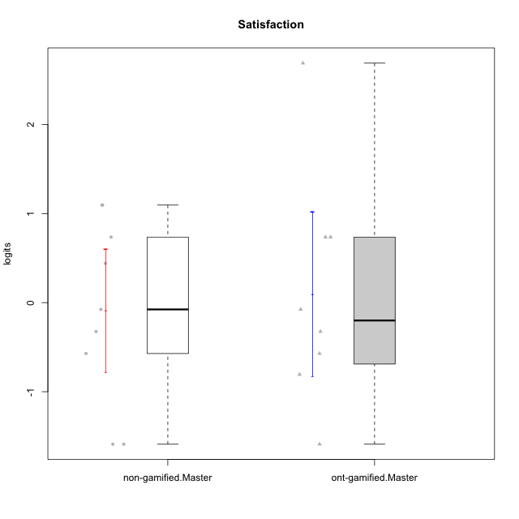

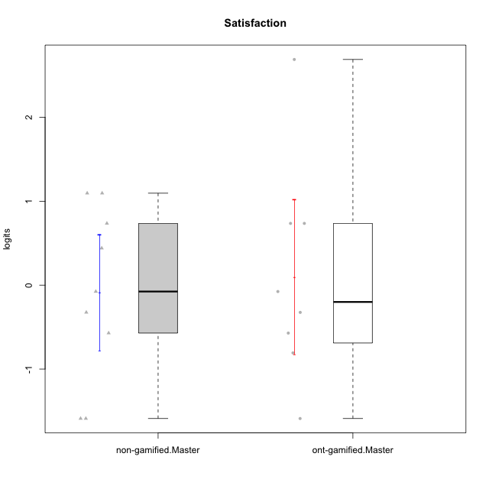

Student's t-Test data
UserID | NroUSP | Type | CLGroup | CLRole | PlayerRole | Satisfaction | error | WLE.rel
10171 | 698531 | ont-gamified | Grupo Losvakai | Master | Yee Achiever | 0.73574069598 | 0.59188550545 | 0.68918373895
10172 | 10273971 | ont-gamified | Grupo Koil | Master | Yee Achiever | -0.076047710592 | 0.50758232207 | 0.68918373895
10184 | 10276675 | non-gamified | Grupo Team 7 | Master |  | 1.0956641887 | 0.67076204469 | 0.68918373895
10185 | 10276960 | ont-gamified | Grupo Tosskor | Master | Yee Achiever | -0.80711445064 | 0.47336422487 | 0.68918373895
10188 | 10276995 | ont-gamified | Grupo Paldira | Master | Yee Achiever | -0.57103884373 | 0.48622756286 | 0.68918373895
10193 | 10276762 | non-gamified | Grupo Team 2 | Master |  | -1.5892360279 | 0.45129686392 | 0.68918373895
10197 | 10276661 | non-gamified | Grupo Team 11 | Master |  | -0.57103884373 | 0.48622756286 | 0.68918373895
10201 | 10276928 | non-gamified | Grupo Team 10 | Master |  | 0.73574069598 | 0.59188550545 | 0.68918373895
10204 | 10310471 | non-gamified | Grupo Team 5 | Master |  | 1.0956641887 | 0.67076204469 | 0.68918373895
10206 | 10310721 | non-gamified | Grupo Team 9 | Master |  | -0.076047710592 | 0.50758232207 | 0.68918373895
10208 | 10276932 | ont-gamified | Grupo Yeka | Master | Yee Socializer | -0.32463380358 | 0.49696856271 | 0.68918373895
10211 | 9311643 | ont-gamified | Grupo Razorg | Master | Yee Achiever | -1.5892360279 | 0.45129686392 | 0.68918373895
10213 | 10277040 | non-gamified | Grupo Team 8 | Master |  | 0.44052628594 | 0.54816859364 | 0.68918373895
10216 | 10276720 | ont-gamified | Grupo Ellaru | Master | Yee Socializer | 2.6889961189 | 1.415469168 | 0.68918373895
10217 | 9805341 | ont-gamified | Grupo Belos | Master | Yee Socializer | 0.73574069598 | 0.59188550545 | 0.68918373895
10223 | 9795185 | non-gamified | Grupo Team 3 | Master |  | -1.5892360279 | 0.45129686392 | 0.68918373895
10231 | 10276911 | non-gamified | Grupo Team 4 | Master |  | -0.32463380358 | 0.49696856271 | 0.68918373895

Type_CLRole_6
Student's t-Test for Satisfaction in Type:CLRole between ont-gamified.Apprentice:ont-gamified.Master

Student's t-Test results
Alternative hypothesis: less
Group | N | Mean | Mean.Difference | Std.deviation | Std.error | CI.lower | CI.upper | df | t.value | p.value | g | magnitude
ont-gamified.Apprentice | 16 | 0.2389256816 | 0.1398748473 | 1.1925516705 | 0.29813791764 | -0.35735015367 | 0.83520151688 | 13.042354554 | 0.2551716938 | 0.59871490763 | 0.109966504 | negligible
ont-gamified.Master | 8 | 0.0990508343 | -0.1398748473 | 1.3010545689 | 0.45999225419 | -0.82093367408 | 1.0190353427 | 13.042354554 | 0.2551716938 | 0.59871490763 | 0.109966504 | negligible
Alternative hypothesis: greater
Group | N | Mean | Mean.Difference | Std.deviation | Std.error | CI.lower | CI.upper | df | t.value | p.value | g | magnitude
ont-gamified.Apprentice | 16 | 0.2389256816 | 0.1398748473 | 1.1925516705 | 0.29813791764 | -0.35735015367 | 0.83520151688 | 13.042354554 | 0.2551716938 | 0.40128509237 | 0.109966504 | negligible
ont-gamified.Master | 8 | 0.0990508343 | -0.1398748473 | 1.3010545689 | 0.45999225419 | -0.82093367408 | 1.0190353427 | 13.042354554 | 0.2551716938 | 0.40128509237 | 0.109966504 | negligible
Alternative hypothesis: two.sided
Group | N | Mean | Mean.Difference | Std.deviation | Std.error | CI.lower | CI.upper | df | t.value | p.value | g | magnitude
ont-gamified.Apprentice | 16 | 0.2389256816 | 0.1398748473 | 1.1925516705 | 0.29813791764 | -0.35735015367 | 0.83520151688 | 13.042354554 | 0.2551716938 | 0.80257018475 | 0.109966504 | negligible
ont-gamified.Master | 8 | 0.0990508343 | -0.1398748473 | 1.3010545689 | 0.45999225419 | -0.82093367408 | 1.0190353427 | 13.042354554 | 0.2551716938 | 0.80257018475 | 0.109966504 | negligible

Box plots for Student's t-Test


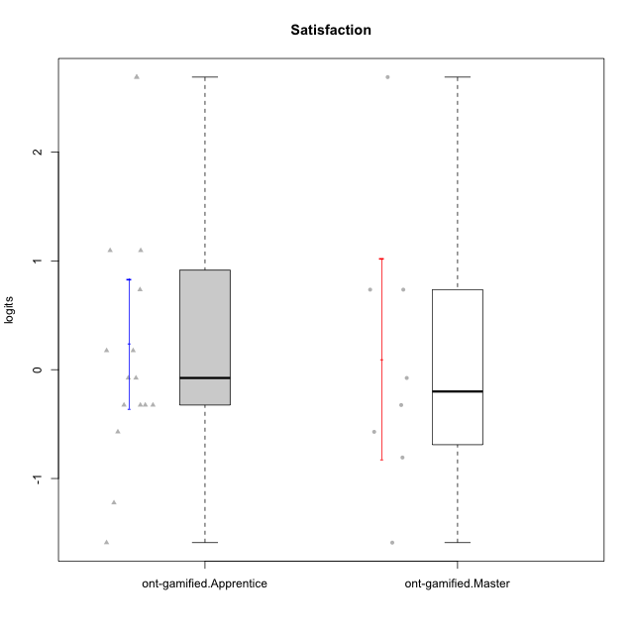

Student's t-Test data
UserID | NroUSP | Type | CLGroup | CLRole | PlayerRole | Satisfaction | error | WLE.rel
10171 | 698531 | ont-gamified | Grupo Losvakai | Master | Yee Achiever | 0.73574069598 | 0.59188550545 | 0.68918373895
10172 | 10273971 | ont-gamified | Grupo Koil | Master | Yee Achiever | -0.076047710592 | 0.50758232207 | 0.68918373895
10179 | 10310759 | ont-gamified | Grupo Tosskor | Apprentice | Yee Achiever | 0.1758193737 | 0.52276838566 | 0.68918373895
10185 | 10276960 | ont-gamified | Grupo Tosskor | Master | Yee Achiever | -0.80711445064 | 0.47336422487 | 0.68918373895
10187 | 9790781 | ont-gamified | Grupo Razorg | Apprentice | Yee Achiever | -0.32463380358 | 0.49696856271 | 0.68918373895
10188 | 10276995 | ont-gamified | Grupo Paldira | Master | Yee Achiever | -0.57103884373 | 0.48622756286 | 0.68918373895
10191 | 10276981 | ont-gamified | Grupo Yeka | Apprentice | Yee Socializer | 1.0956641887 | 0.67076204469 | 0.68918373895
10192 | 10276682 | ont-gamified | Grupo Yeka | Apprentice | Yee Socializer | 2.6889961189 | 1.415469168 | 0.68918373895
10202 | 10277036 | ont-gamified | Grupo Paldira | Apprentice | Yee Achiever | -0.076047710592 | 0.50758232207 | 0.68918373895
10203 | 9921470 | ont-gamified | Grupo Paldira | Apprentice | Yee Achiever | 2.6889961189 | 1.415469168 | 0.68918373895
10208 | 10276932 | ont-gamified | Grupo Yeka | Master | Yee Socializer | -0.32463380358 | 0.49696856271 | 0.68918373895
10210 | 10277015 | ont-gamified | Grupo Losvakai | Apprentice | Yee Achiever | -1.2229836458 | 0.45108481277 | 0.68918373895
10211 | 9311643 | ont-gamified | Grupo Razorg | Master | Yee Achiever | -1.5892360279 | 0.45129686392 | 0.68918373895
10212 | 9065750 | ont-gamified | Grupo Ellaru | Apprentice | Yee Socializer | -0.32463380358 | 0.49696856271 | 0.68918373895
10214 | 10277022 | ont-gamified | Grupo Koil | Apprentice | Yee Achiever | -0.32463380358 | 0.49696856271 | 0.68918373895
10216 | 10276720 | ont-gamified | Grupo Ellaru | Master | Yee Socializer | 2.6889961189 | 1.415469168 | 0.68918373895
10217 | 9805341 | ont-gamified | Grupo Belos | Master | Yee Socializer | 0.73574069598 | 0.59188550545 | 0.68918373895
10219 | 10276831 | ont-gamified | Grupo Razorg | Apprentice | Yee Achiever | -1.5892360279 | 0.45129686392 | 0.68918373895
10226 | 10310342 | ont-gamified | Grupo Yeka | Apprentice | Yee Socializer | 0.73574069598 | 0.59188550545 | 0.68918373895
10228 | 10310492 | ont-gamified | Grupo Losvakai | Apprentice | Yee Achiever | -0.57103884373 | 0.48622756286 | 0.68918373895
10230 | 10351992 | ont-gamified | Grupo Koil | Apprentice | Yee Achiever | 1.0956641887 | 0.67076204469 | 0.68918373895
10233 | 9805320 | ont-gamified | Grupo Tosskor | Apprentice | Yee Achiever | -0.32463380358 | 0.49696856271 | 0.68918373895
10237 | 10377688 | ont-gamified | Grupo Ellaru | Apprentice | Yee Socializer | -0.076047710592 | 0.50758232207 | 0.68918373895
10238 | 10276953 | ont-gamified | Grupo Belos | Apprentice | Yee Socializer | 0.1758193737 | 0.52276838566 | 0.68918373895

