Global-info
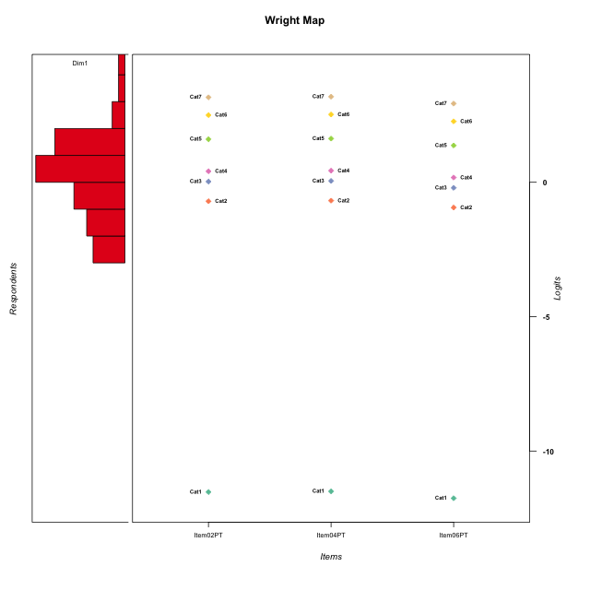
Global information for a measurement model

Information
Number.of.items | Deviance | Log.Likelihood | Number.of.persons | EAP.rel | n.theta.nodes | irt.model
3 | 434.9686703 | -217.48433515 | 48 | 0.86534719126 | 21 | RSM

Global fit statistic MADaQ3 and test fit
MADaQ3 | maxaQ3 | p
0.084569963147 | 0.12685494472 | 1

Test statistic of global fit based on Chi square
maxX2 | Npairs | p.holm
348.1901648 | 3 | 0

Model fit statistics
X100.MADCOV | SRMR | SRMSR
20.429924848 | 0.025052570413 | 0.033197118805

Chi square tests for every item pairs
index1 | index2 | maxK1 | maxK2 | df | chi2 | p | p.holm
1 | 2 | 7 | 7 | 49 | 348.1901648 | 0 | 0
1 | 3 | 7 | 7 | 49 | 174.71331394 | 5.5511151231E-16 | 1.1102230246E-15
2 | 3 | 7 | 7 | 49 | 34.42761729 | 0.94304032487 | 0.94304032487

Item residuals
Item02PT | Item04PT | Item06PT
-0.21973872939 | -0.21447872648 | -0.27950798905
0.28130955536 | 0.29812954187 | -0.9043243235
-0.7927770491 | 1.2326178062 | -0.044203584557
-0.7927770491 | 0.23261780617 | 0.95579641544
-0.21973872939 | -0.21447872648 | -0.27950798905
-1.1018030698 | 0.92338049299 | 0.64963892524
0.77354125579 | -2.1953094912 | 1.4688060828
-0.17257900854 | -0.14568968737 | 0.56591689165
0.45748951088 | -0.51243167613 | 0.16652271459
-0.17257900854 | -0.14568968737 | 0.56591689165
0.82742099146 | -0.14568968737 | -0.43408310835
-0.21973872939 | -0.21447872648 | -0.27950798905
-0.45237749958 | -0.44152955858 | 0.4256224145
-0.72462546737 | 1.2984057283 | 0.055757934211
-0.21973872939 | -0.21447872648 | -0.27950798905
0.14126398877 | 0.16971426383 | -0.13343755126
-0.45237749958 | -0.44152955858 | 0.4256224145
-0.54251048912 | -0.51243167613 | 1.1665227146
0.14126398877 | 0.16971426383 | -0.13343755126
1.0870837042 | -0.88182063501 | -0.22289709824
0.51641250168 | 0.54225855498 | -0.73774839633
0.087083704246 | -0.88182063501 | 0.77710290176
0.087083704246 | 0.11817936499 | -0.22289709824
-0.60268546538 | 2.4269121725 | -1.9049406023
0.37121299446 | 0.38069738284 | 0.28743764191
0.39731453462 | -0.57308782753 | 0.095059397733
-0.0023126682492 | 0.019939838145 | -0.24207356312
0.37121299446 | 0.38069738284 | 0.28743764191
-3.7927770491 | 2.2326178062 | 1.9557964154
1.7735412558 | -2.1953094912 | 0.46880608283
-0.21973872939 | -0.21447872648 | -0.27950798905
-0.21973872939 | -0.21447872648 | -0.27950798905
-0.21973872939 | -0.21447872648 | -0.27950798905
-0.17257900854 | 0.85431031263 | -0.43408310835
-0.21973872939 | -0.21447872648 | -0.27950798905
-0.21973872939 | -0.21447872648 | -0.27950798905
0.14126398877 | -1.8302857362 | 1.8665624487
0.77354125579 | 0.80469050877 | -1.5311939172
-0.48358749832 | 0.54225855498 | 0.26225160367
0.37121299446 | 0.38069738284 | 0.28743764191
1.1412639888 | 0.16971426383 | -1.1334375513
-0.29794319857 | 0.72866348323 | -0.57705935885
0.2072229509 | -0.76738219383 | 0.95579641544
-0.21973872939 | -0.21447872648 | -0.27950798905
-0.0023126682492 | 0.019939838145 | -0.24207356312
1.3973145346 | -0.57308782753 | -0.90494060227
1.2072229509 | 0.23261780617 | -1.0442035846
0.2072229509 | 0.23261780617 | -0.044203584557

Wright Map for Item Response Models

Estimate-Items
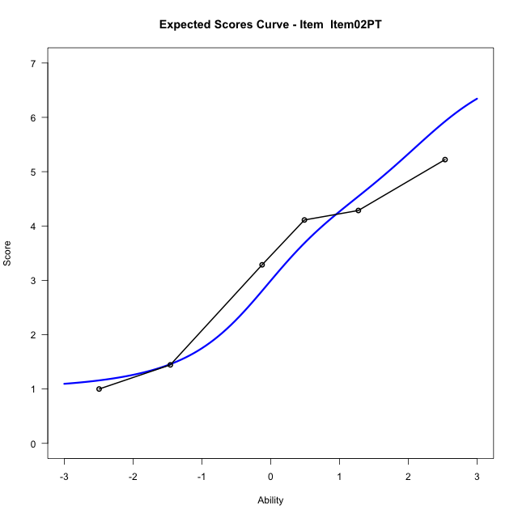
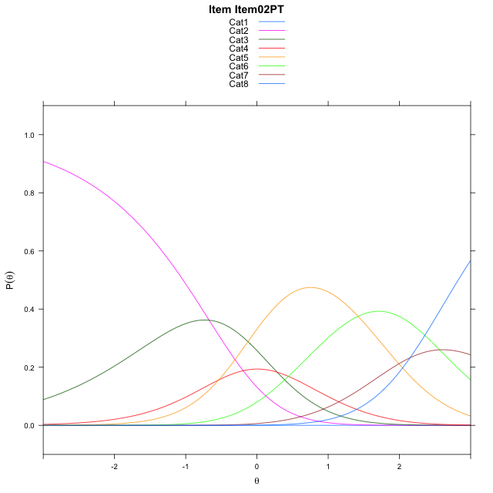
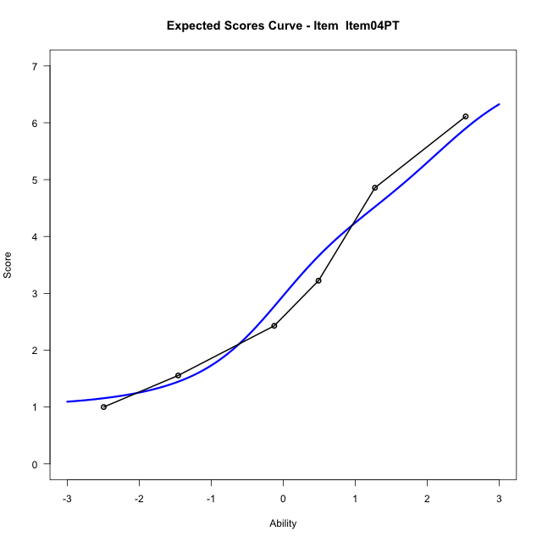
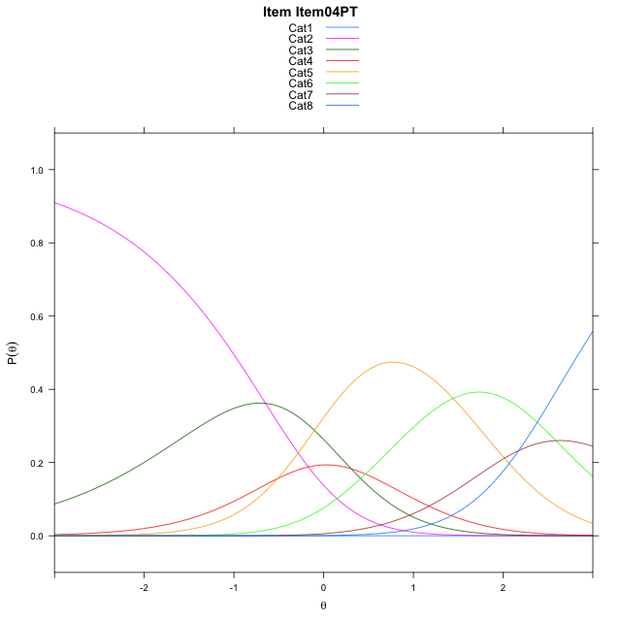
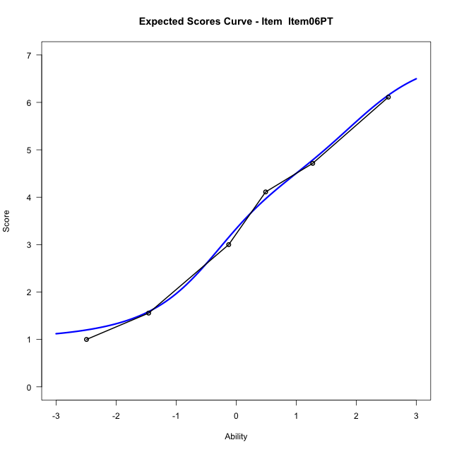
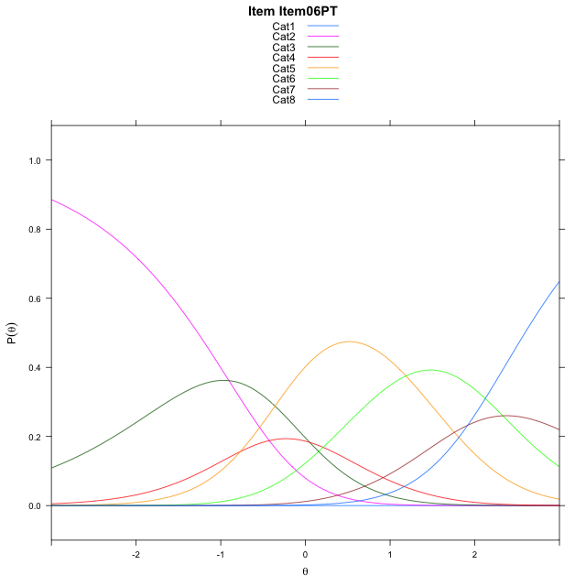
Estimate items information for the measurement model

Full Item Information
item | N | M | xsi.item | AXsi_.Cat1 | AXsi_.Cat2 | AXsi_.Cat3 | AXsi_.Cat4 | AXsi_.Cat5 | AXsi_.Cat6 | AXsi_.Cat7 | B.Cat1.Dim1 | B.Cat2.Dim1 | B.Cat3.Dim1 | B.Cat4.Dim1 | B.Cat5.Dim1 | B.Cat6.Dim1 | B.Cat7.Dim1
Item02PT | 48 | 3.2708333333 | -0.9749578852 | -12.033110348 | -12.704670745 | -12.421790458 | -12.957601221 | -11.538001845 | -8.9739352751 | -6.8247051964 | 1 | 2 | 3 | 4 | 5 | 6 | 7
Item04PT | 48 | 3.25 | -0.95153418323 | -12.009686646 | -12.657823341 | -12.351519352 | -12.863906413 | -11.420883336 | -8.8333930633 | -6.6607392826 | 1 | 2 | 3 | 4 | 5 | 6 | 7
Item06PT | 48 | 3.4791666667 | -1.2076599814 | -12.265812444 | -13.170074937 | -13.119896747 | -13.888409605 | -12.701512326 | -10.370147852 | -8.4536198695 | 1 | 2 | 3 | 4 | 5 | 6 | 7

Thurstonian Thresholds (category-wise)
 | Cat1 | Cat2 | Cat3 | Cat4 | Cat5 | Cat6 | Cat7
Item02PT | -11.999908447 | -1.0379333496 | -0.21102905273 | 0.15829467773 | 1.2900695801 | 2.2246398926 | 2.825592041
Item04PT | -11.999908447 | -1.0144958496 | -0.18759155273 | 0.18173217773 | 1.3135070801 | 2.2480773926 | 2.849029541
Item06PT | -11.999908447 | -1.2704772949 | -0.44375610352 | -0.074432373047 | 1.0573425293 | 1.9919128418 | 2.5928649902

Thurstonian Thresholds (item-wise)
 | Threshold
Item02PT | 0.36738814552
Item04PT | 0.38972547604
Item06PT | 0.13123616426

Item Infit/Outfit Statistic
parameter | Outfit | Outfit_t | Outfit_p | Outfit_pholm | Infit | Infit_t | Infit_p | Infit_pholm
Item02PT | 0.88797434024 | -0.2390680118 | 0.81105284553 | 1 | 1.0348120271 | 0.18846482813 | 0.85051228453 | 1
Item04PT | 0.94067239086 | -0.1083470828 | 0.91372037574 | 1 | 1.143823813 | 0.61384837463 | 0.53931552739 | 1
Item06PT | 0.83827017597 | -0.44203584768 | 0.65846326563 | 1 | 0.94595018528 | -0.20385738866 | 0.83846494469 | 1
Cat1 | 0.94922774294 | 8.6442218319 | 5.4173217877E-18 | 3.2503930726E-17 | 1.5137696069 | 1.5520259381 | 0.12065601741 | 0.72393610445
Cat2 | 1.7748091056 | 0.96916186741 | 0.33246443358 | 1 | 1.6172088373 | 3.7195659797 | 0.00019956541189 | 0.001796088707
Cat3 | 1.2607259771 | 1.4752960809 | 0.14013295963 | 0.70066479817 | 1.4566949118 | 2.9458208598 | 0.0032209888564 | 0.022546921995
Cat4 | 1.127153947 | 12.787549542 | 1.9244665702E-37 | 1.3471265991E-36 | 1.4549558859 | 3.3492167783 | 0.00081040362295 | 0.0064832289836
Cat5 | 0.96221204035 | 373.59313893 | 0 | 0 | 0.96913603748 | -0.35492843519 | 0.72264320535 | 1
Cat6 | 0.92847855001 | 21665.760092 | 0 | 0 | 0.9631204086 | -0.11451501388 | 0.90882954534 | 1

Box plot of expected curves

