global-Estimate-Items
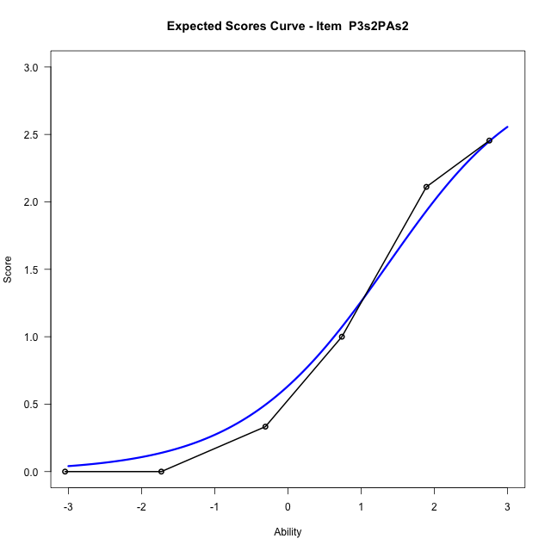
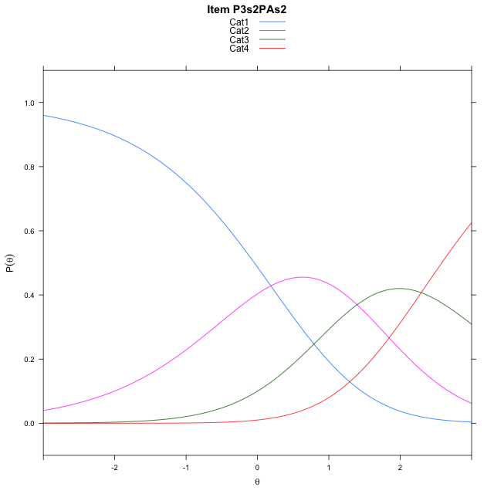
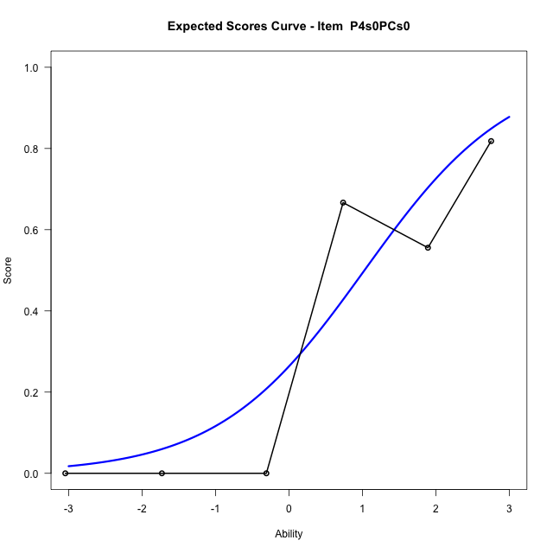
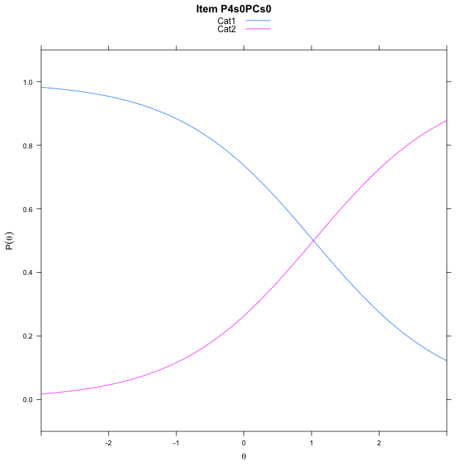
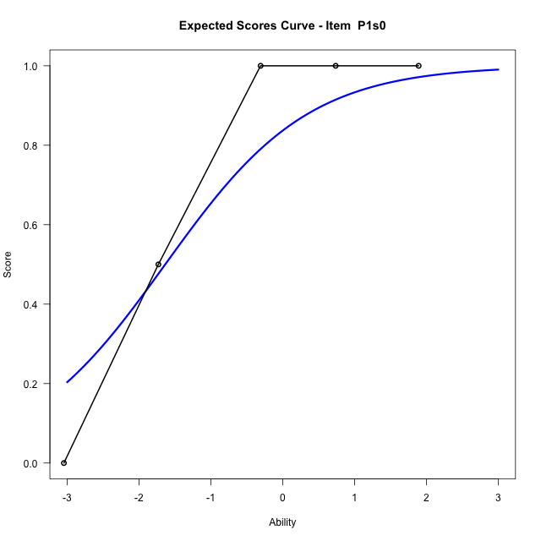
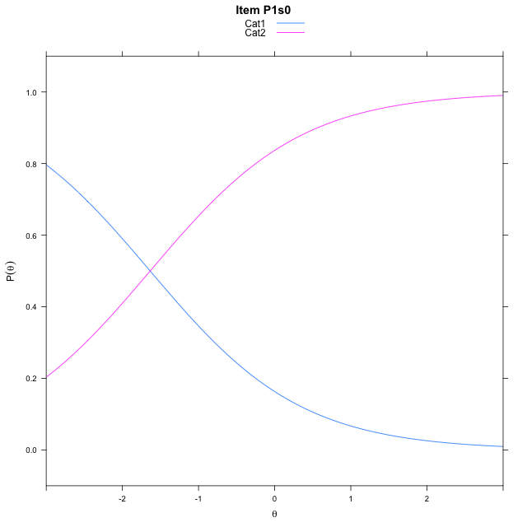
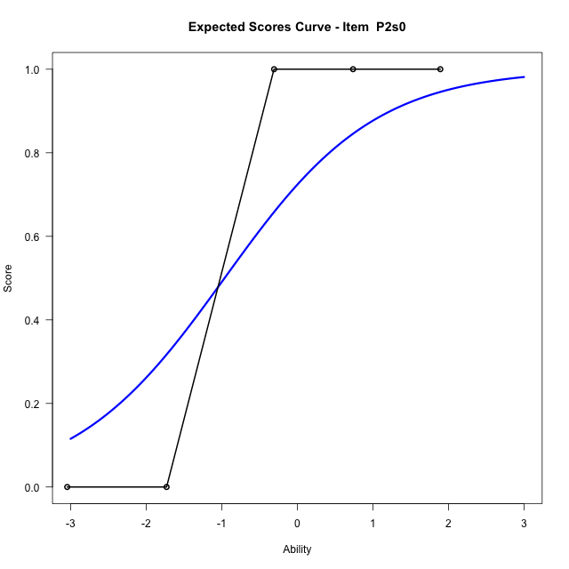
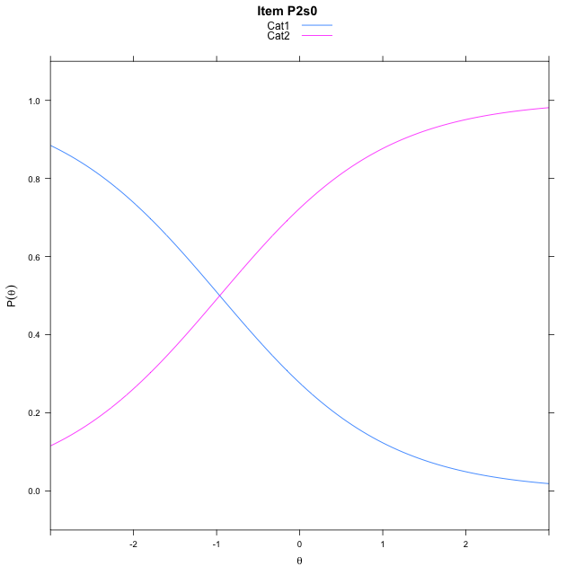
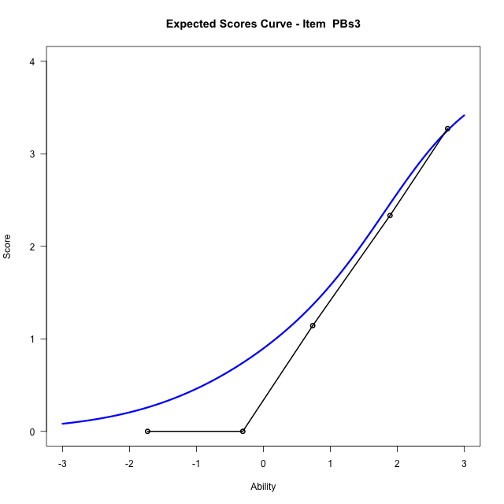
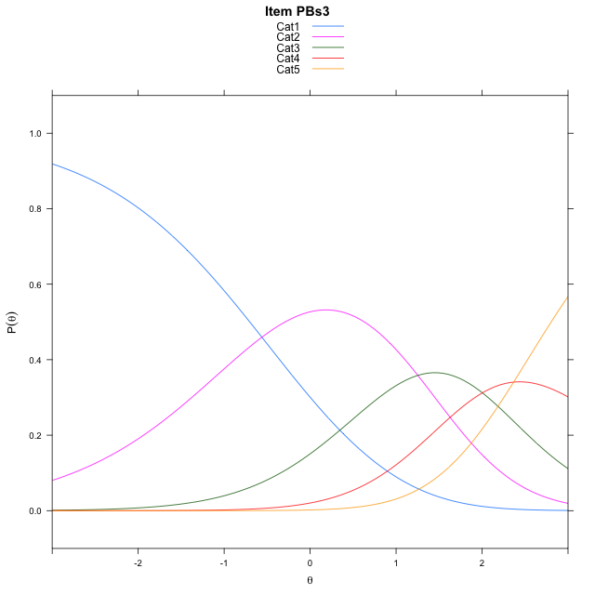
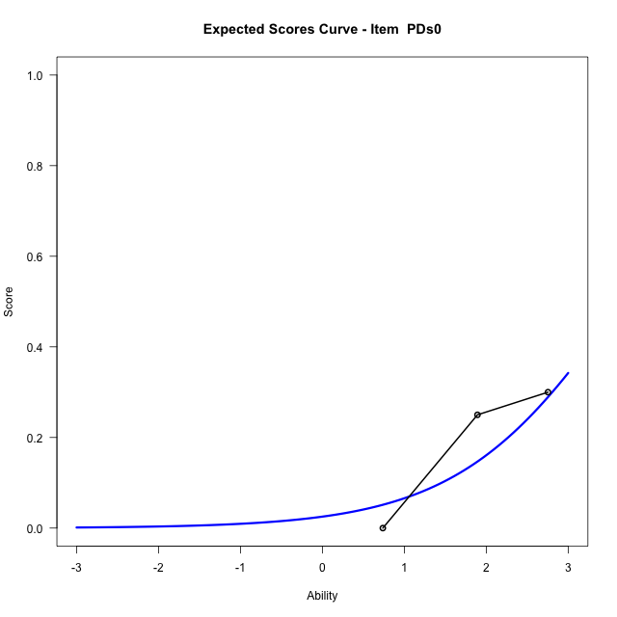
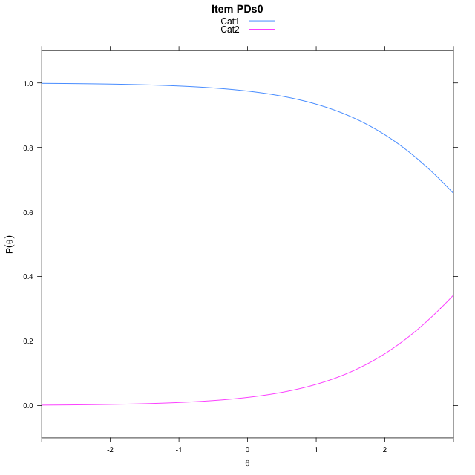
Estimate items information for the measurement model

Full Item Information
item | N | M | xsi.item | AXsi_.Cat1 | AXsi_.Cat2 | AXsi_.Cat3 | AXsi_.Cat4 | B.Cat1.Dim1 | B.Cat2.Dim1 | B.Cat3.Dim1 | B.Cat4.Dim1
P3s2PAs2 | 57 | 1.0526315789 | 1.2922012386 | 0.18715830632 | 1.582630113 | 3.8766037157 |  | 1 | 2 | 3 | 0
P4s0PCs0 | 44 | 0.45454545455 | 1.028557487 | 1.028557487 |  |  |  | 1 | 0 | 0 | 0
P1s0 | 30 | 0.56666666667 | -1.6351740178 | -1.6351740178 |  |  |  | 1 | 0 | 0 | 0
P2s0 | 27 | 0.48148148148 | -0.9625549727 | -0.9625549727 |  |  |  | 1 | 0 | 0 | 0
PBs3 | 28 | 2.0714285714 | 1.2656727134 | -0.56125257043 | 0.69169158383 | 2.6954782379 | 5.0626908536 | 1 | 2 | 3 | 4
PDs0 | 20 | 0.2 | 3.6529230566 | 3.6529230566 |  |  |  | 1 | 0 | 0 | 0

Thurstonian Thresholds (category-wise)
 | Cat1 | Cat2 | Cat3 | Cat4
P3s2PAs2 | -0.043853759766 | 1.3426208496 | 2.5816955566
P4s0PCs0 | 1.0285949707
P1s0 | -1.6352233887
P2s0 | -0.96249389648
PBs3 | -0.70230102539 | 1.0417785645 | 1.9378967285 | 2.8039855957
PDs0 | 3.6530456543

Thurstonian Thresholds (item-wise)
 | Threshold
P3s2PAs2 | 1.3179697205
P4s0PCs0 | 1.0269983263
P1s0 | -1.6335734076
P2s0 | -0.96166660771
PBs3 | 1.4420868881
PDs0 | 3.6541065227

Item Infit/Outfit Statistic
parameter | Outfit | Outfit_t | Outfit_p | Outfit_pholm | Infit | Infit_t | Infit_p | Infit_pholm
P3s2PAs2_Cat1 | 0.82159586938 | 1.6423065886 | 0.10052648238 | 0.60315889427 | 0.89940332191 | -0.47328516372 | 0.63600974547 | 1
P3s2PAs2_Cat2 | 0.73813446335 | 2.9357766424 | 0.0033271379359 | 0.023289965551 | 1.0181063639 | 0.093281635847 | 0.92567982094 | 1
P3s2PAs2_Cat3 | 0.83076212971 | 134.09202171 | 0 | 0 | 1.2478552256 | 0.97649864669 | 0.3288174182 | 1
P4s0PCs0_Cat1 | 0.86351985885 | 0.028313083779 | 0.97741244544 | 1 | 1.0466293842 | 0.26428911739 | 0.79155714532 | 1
P1s0_Cat1 | 0.71664366703 | -0.43519129289 | 0.66342358216 | 1 | 0.82361467224 | -0.79186067957 | 0.42844191628 | 1
P2s0_Cat1 | 0.58338419167 | -0.70711444975 | 0.47949535701 | 1 | 0.7678849384 | -1.0446182368 | 0.29619944749 | 1
PBs3_Cat1 | 0.35174817802 | 29.078061588 | 6.8007974687E-186 | 6.1207177218E-185 | 0.73456303051 | -0.67201943725 | 0.50157132227 | 1
PBs3_Cat2 | 1.0016442871 | 1.570209083 | 0.11636647713 | 0.60315889427 | 0.91361771673 | -0.30734068849 | 0.75858406842 | 1
PBs3_Cat3 | 1.2610368162 | 8.1100591747 | 5.0595116148E-16 | 4.0476092918E-15 | 1.1830867904 | 0.66239268704 | 0.50771958921 | 1
PBs3_Cat4 | 1.941509788 | 235.58798281 | 0 | 0 | 1.2601646795 | 0.8247914927 | 0.40948997737 | 1
PDs0_Cat1 | 0.94713023796 | 0.12190100684 | 0.90297741824 | 1 | 1.0016739024 | 0.093767401482 | 0.92529392741 | 1

Box plot of expected curves

stacking-pre-Estimate-Items
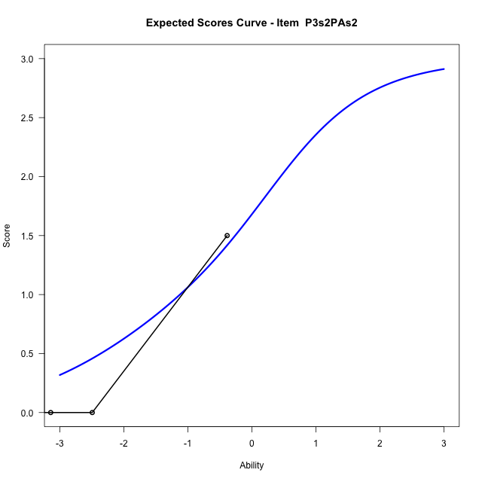
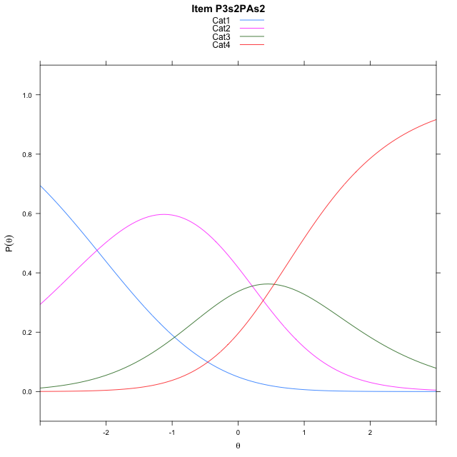
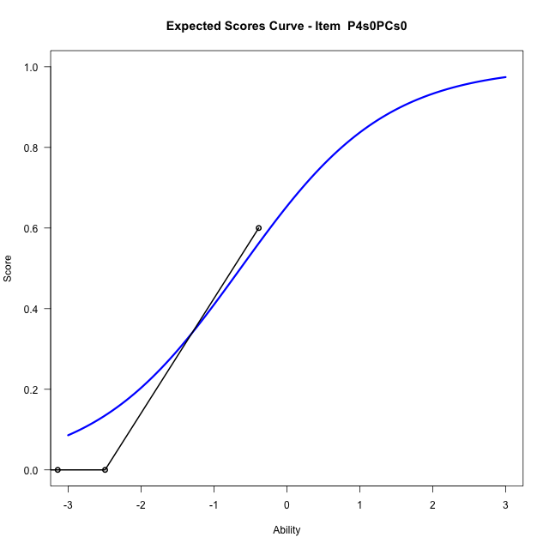
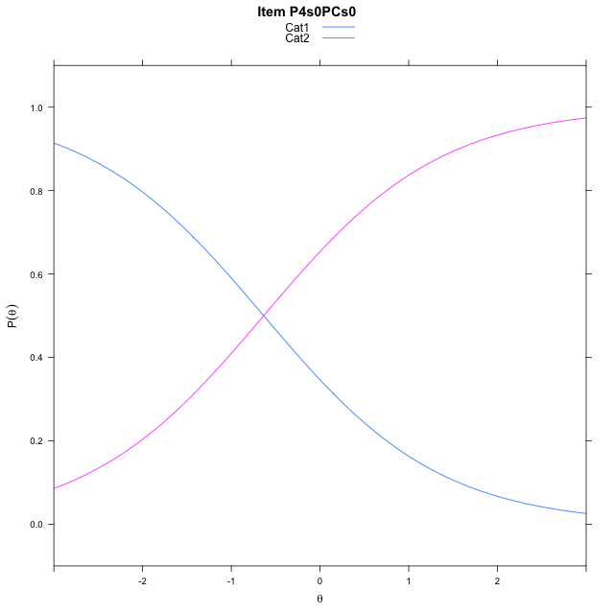
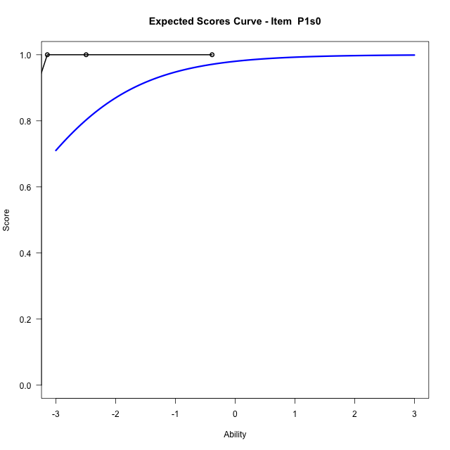
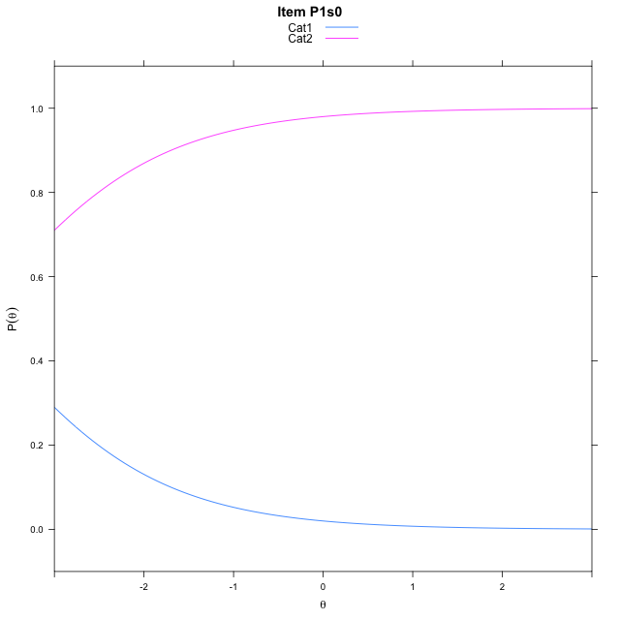
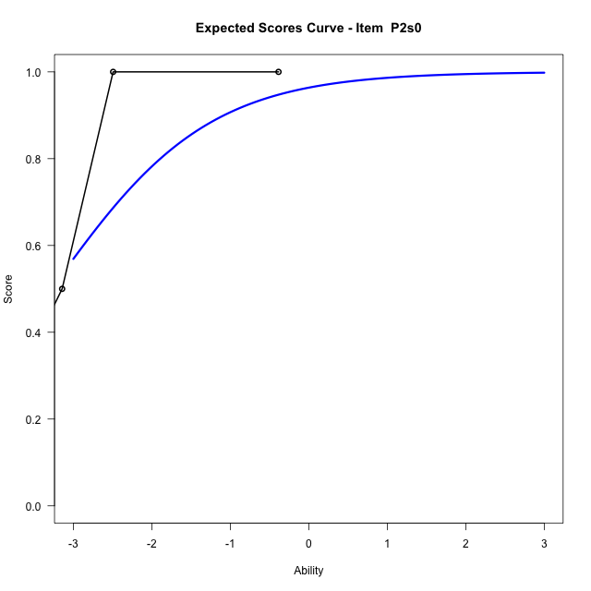
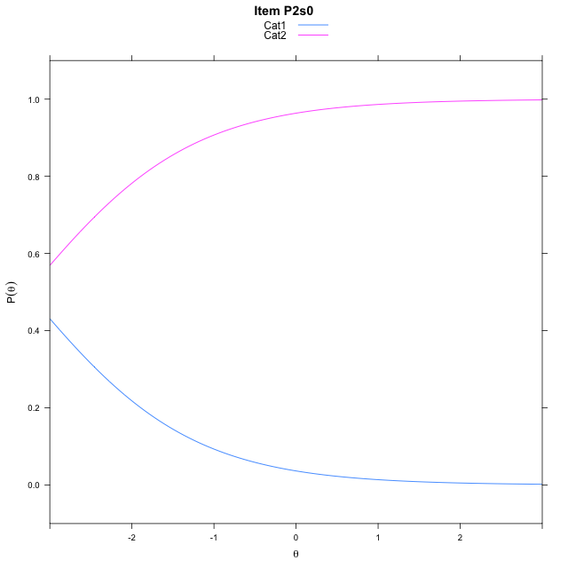
Estimate items information for the measurement model

Full Item Information
item | N | M | xsi.item | AXsi_.Cat1 | AXsi_.Cat2 | AXsi_.Cat3 | B.Cat1.Dim1 | B.Cat2.Dim1 | B.Cat3.Dim1
P3s2PAs2 | 27 | 0.33333333333 | -0.46063726292 | -2.1383577788 | -1.9256049723 | -1.3819117888 | 1 | 2 | 3
P4s0PCs0 | 19 | 0.15789473684 | -0.63519534265 | -0.63519534265 |  |  | 1 | 0 | 0
P1s0 | 30 | 0.56666666667 | -3.8962306887 | -3.8962306887 |  |  | 1 | 0 | 0
P2s0 | 27 | 0.48148148148 | -3.2777971314 | -3.2777971314 |  |  | 1 | 0 | 0

Thurstonian Thresholds (category-wise)
 | Cat1 | Cat2 | Cat3
P3s2PAs2 | -2.2270202637 | -0.091094970703 | 0.9494934082
P4s0PCs0 | -0.63528442383
P1s0 | -3.8963928223
P2s0 | -3.2778625488

Thurstonian Thresholds (item-wise)
 | Threshold
P3s2PAs2 | -0.27298943508
P4s0PCs0 | -0.63606657888
P1s0 | -3.8962866315
P2s0 | -3.2781249132

Item Infit/Outfit Statistic
parameter | Outfit | Outfit_t | Outfit_p | Outfit_pholm | Infit | Infit_t | Infit_p | Infit_pholm
P3s2PAs2_Cat1 | 0.51175600457 | -0.79119367137 | 0.42883098398 | 1 | 0.67106245426 | -1.282786915 | 0.19956673961 | 1
P3s2PAs2_Cat2 | 0.44510345601 | 3.1370446597 | 0.0017066012984 | 0.0085330064919 | 1.3259434789 | 0.47672856401 | 0.63355542006 | 1
P3s2PAs2_Cat3 | 1.3440118346 | 73.26711114 | 0 | 0 | 2.3271841348 | 0.98771113525 | 0.32329413945 | 1
P4s0PCs0_Cat1 | 0.43045122143 | -0.0089239972938 | 0.99287977485 | 1 | 0.88915906336 | -0.21986967624 | 0.82597265328 | 1
P1s0_Cat1 | 0.714286367 | -0.57391721856 | 0.56602382068 | 1 | 0.80719612817 | -1.002094746 | 0.31629783522 | 1
P2s0_Cat1 | 0.62275222888 | -0.88335827533 | 0.37704272696 | 1 | 0.75610778646 | -1.1384828166 | 0.25491893006 | 1

Box plot of expected curves

stacking-pos-Estimate-Items
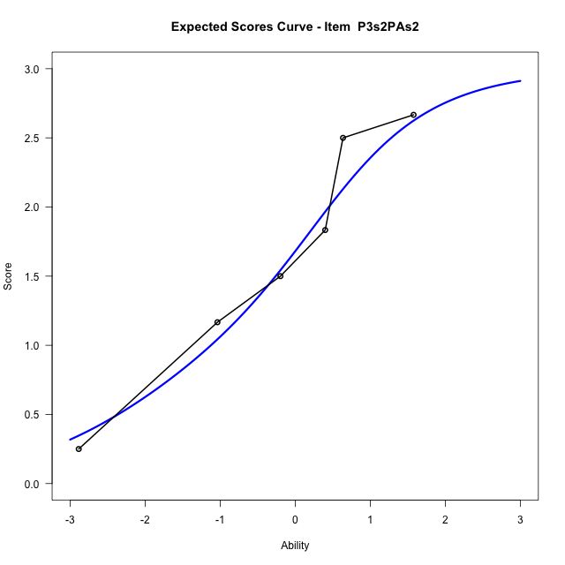
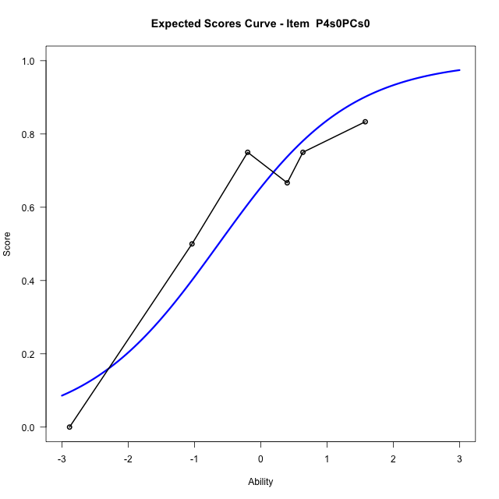
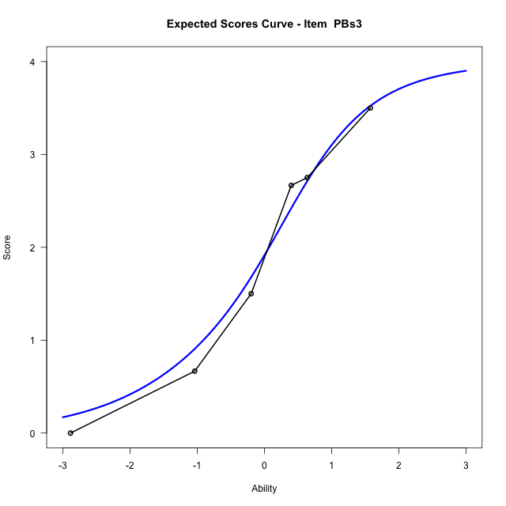
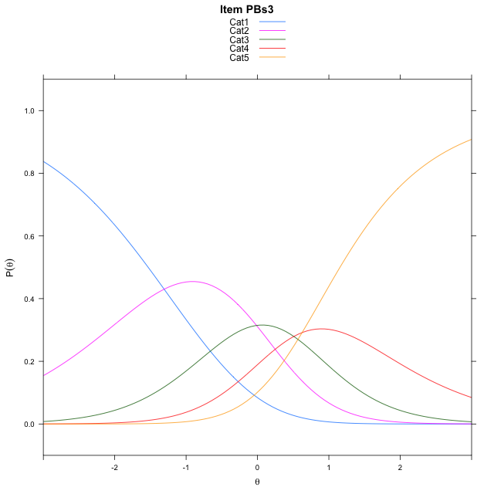
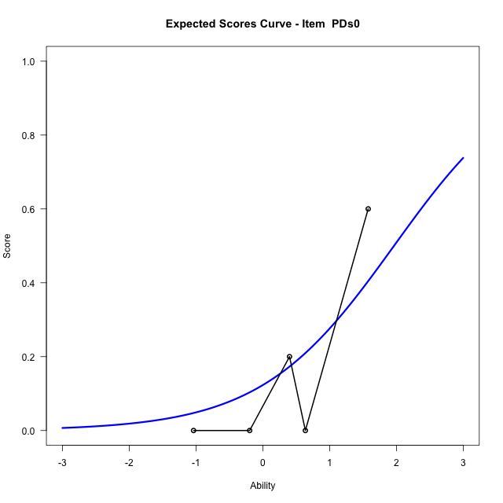
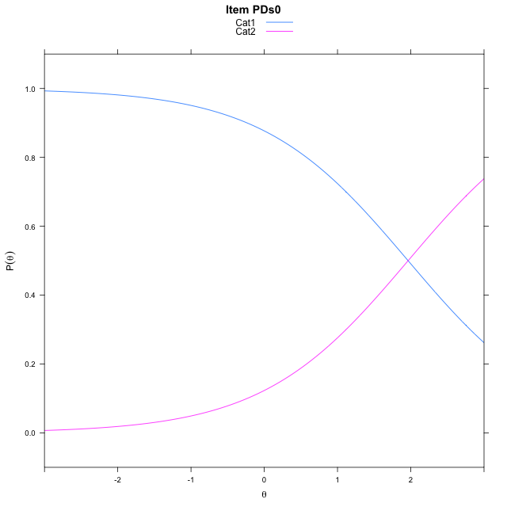
Estimate items information for the measurement model

Full Item Information
item | N | M | xsi.item | AXsi_.Cat1 | AXsi_.Cat2 | AXsi_.Cat3 | AXsi_.Cat4 | B.Cat1.Dim1 | B.Cat2.Dim1 | B.Cat3.Dim1 | B.Cat4.Dim1
P3s2PAs2 | 30 | 1.7 | -0.46064564534 | -2.1384097494 | -1.925661608 | -1.381936936 |  | 1 | 2 | 3 | 0
P4s0PCs0 | 25 | 0.68 | -0.63518752206 | -0.63518752206 |  |  |  | 1 | 0 | 0 | 0
PBs3 | 28 | 2.0714285714 | -0.046852998324 | -1.3077680681 | -1.3213653296 | -0.8124308152 | -0.1874119933 | 1 | 2 | 3 | 4
PDs0 | 20 | 0.2 | 1.9638930809 | 1.9638930809 |  |  |  | 1 | 0 | 0 | 0

Thurstonian Thresholds (category-wise)
 | Cat1 | Cat2 | Cat3 | Cat4
P3s2PAs2 | -2.2270202637 | -0.091094970703 | 0.9494934082
P4s0PCs0 | -0.63528442383
PBs3 | -1.5315856934 | -0.23556518555 | 0.4508972168 | 1.155670166
PDs0 | 1.9638977051

Thurstonian Thresholds (item-wise)
 | Threshold
P3s2PAs2 | -0.27299123621
P4s0PCs0 | -0.63605860267
PBs3 | 0.068902099989
PDs0 | 1.9654990715

Item Infit/Outfit Statistic
parameter | Outfit | Outfit_t | Outfit_p | Outfit_pholm | Infit | Infit_t | Infit_p | Infit_pholm
P3s2PAs2_Cat1 | 0.79060412816 | 1.0426623561 | 0.29710469824 | 1 | 0.99423970338 | 0.052080698617 | 0.95846439236 | 1
P3s2PAs2_Cat2 | 0.92054210944 | -0.13796693785 | 0.89026654739 | 1 | 0.97546691917 | -0.11973678374 | 0.90469166076 | 1
P3s2PAs2_Cat3 | 0.99385906437 | 0.3706546592 | 0.71089476513 | 1 | 1.0995861236 | 0.42285538734 | 0.672400774 | 1
P4s0PCs0_Cat1 | 1.0876793711 | 0.32444423776 | 0.74560173256 | 1 | 1.0782445778 | 0.40971506247 | 0.68201497947 | 1
PBs3_Cat1 | 0.50618100852 | 2.4098506284 | 0.015959052931 | 0.14363147638 | 0.84039543134 | -0.45988393436 | 0.64559953239 | 1
PBs3_Cat2 | 0.87117893495 | 0.11292966692 | 0.91008631597 | 1 | 0.88326363067 | -0.50876800444 | 0.61091484887 | 1
PBs3_Cat3 | 1.1207515691 | 0.45260635404 | 0.65083222255 | 1 | 1.1228201215 | 0.44649784124 | 0.65523767163 | 1
PBs3_Cat4 | 1.8751807641 | 1.7125827982 | 0.086789320146 | 0.69431456117 | 1.1695257691 | 0.60431282289 | 0.54563568267 | 1
PDs0_Cat1 | 0.86315925795 | -0.15788885883 | 0.87454437731 | 1 | 0.94708742945 | -0.086048829563 | 0.93142760076 | 1

Box plot of expected curves

racking-Estimate-Items
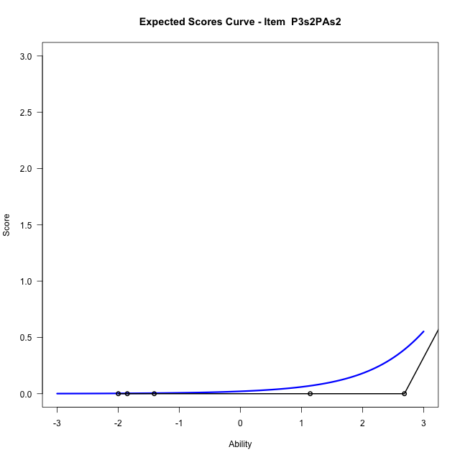
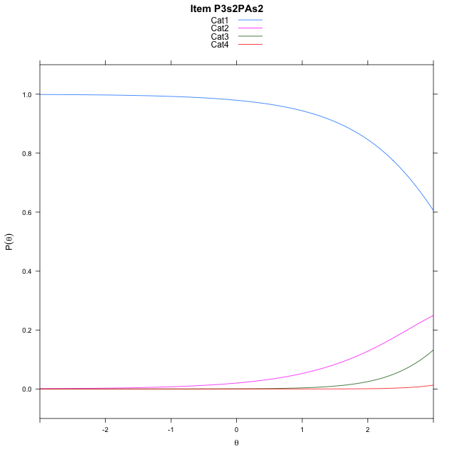
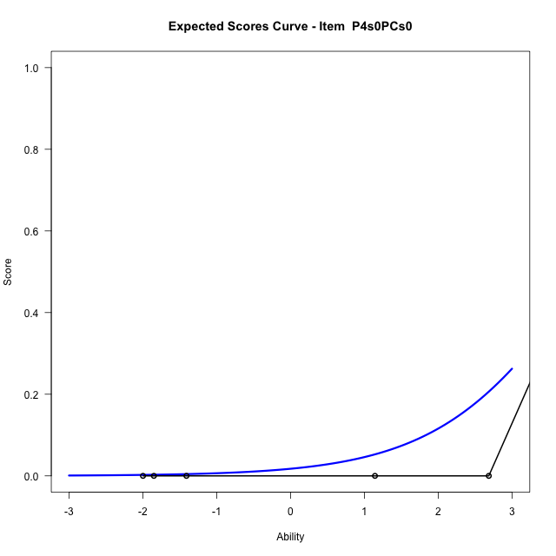
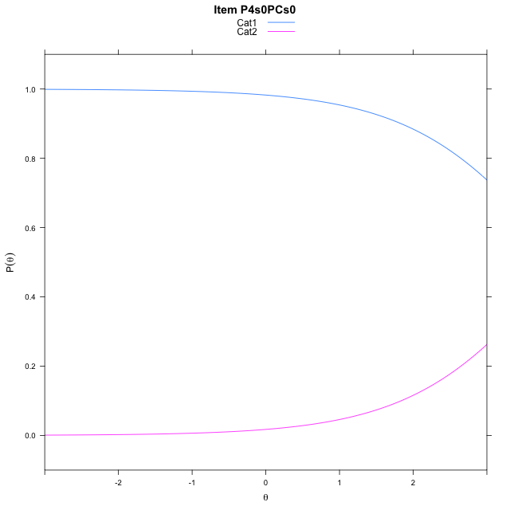
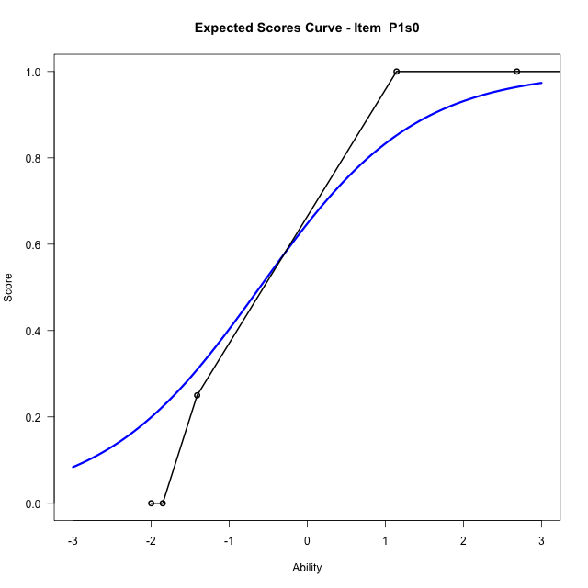
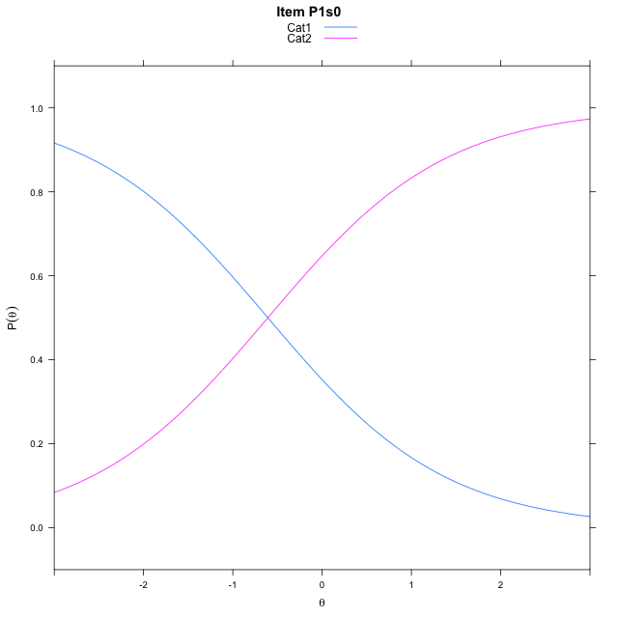
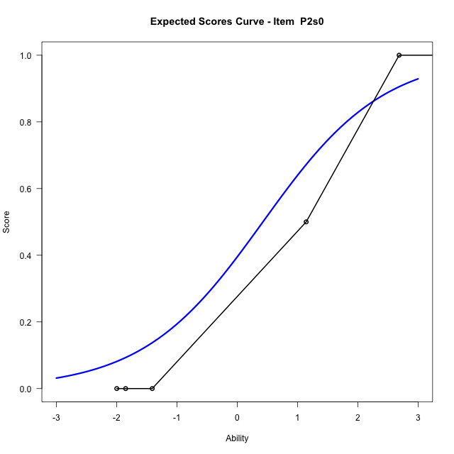
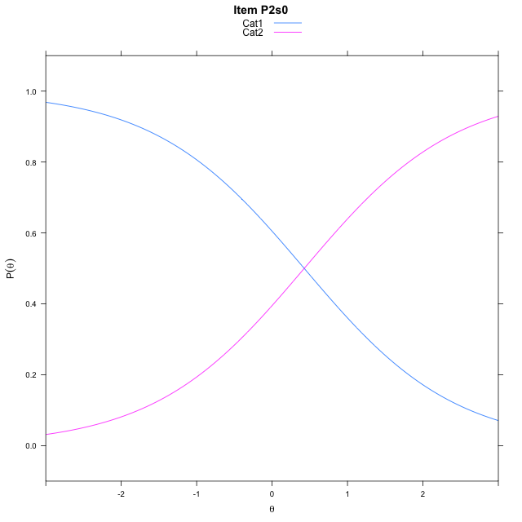
Estimate items information for the measurement model

Full Item Information
item | N | M | xsi.item | AXsi_.Cat1 | AXsi_.Cat2 | AXsi_.Cat3 | B.Cat1.Dim1 | B.Cat2.Dim1 | B.Cat3.Dim1
P3s2PAs2 | 27 | 0.33333333333 | 4.2786662446 | 3.8866889545 | 7.5206852766 | 12.835998734 | 1 | 2 | 3
P4s0PCs0 | 19 | 0.15789473684 | 4.0330633738 | 4.0330633738 |  |  | 1 | 0 | 0
P1s0 | 30 | 0.56666666667 | -0.607422413 | -0.607422413 |  |  | 1 | 0 | 0
P2s0 | 27 | 0.48148148148 | 0.42634632414 | 0.42634632414 |  |  | 1 | 0 | 0

Thurstonian Thresholds (category-wise)
 | Cat1 | Cat2 | Cat3
P3s2PAs2 | 3.2950744629 | 4.0205383301 | 5.4877624512
P4s0PCs0 | 4.0331726074
P1s0 | -0.60745239258
P2s0 | 0.42636108398

Thurstonian Thresholds (item-wise)
 | Threshold
P3s2PAs2 | 4.1591681555
P4s0PCs0 | 4.0314753645
P1s0 | -0.60763556702
P2s0 | 0.42480226897

Item Infit/Outfit Statistic
parameter | Outfit | Outfit_t | Outfit_p | Outfit_pholm | Infit | Infit_t | Infit_p | Infit_pholm
P3s2PAs2_Cat1 | 0.34146706093 | 1.4701707585 | 0.14151551221 | 0.42454653662 | 0.71077945069 | -0.65058905652 | 0.51531179652 | 1
P3s2PAs2_Cat2 | 0.26155458828 | 125.49441114 | 0 | 0 | 0.90291827445 | -0.12346891058 | 0.90173579165 | 1
P3s2PAs2_Cat3 | 0.51353390631 | 27189.315016 | 0 | 0 | 1.4317107515 | 0.4928373493 | 0.62212751802 | 1
P4s0PCs0_Cat1 | 0.37705271056 | 2.2757067546 | 0.022863566814 | 0.091454267256 | 0.94987505704 | -0.07379496984 | 0.9411735296 | 1
P1s0_Cat1 | 0.64148979184 | -0.058626794553 | 0.95324936842 | 1 | 0.81473543469 | -0.68557340358 | 0.4929821579 | 1
P2s0_Cat1 | 0.49676006353 | -0.23376220645 | 0.81516959158 | 1 | 0.77431543823 | -0.79805785473 | 0.42483691723 | 1

Box plot of expected curves

