Type_1
Wilcoxon Analysis for Difference in Scores - Loop Structures in Type between non-gamified:ont-gamified

Wilcoxon test results
Alternative hypothesis: less
Group | N | Median | Mean.Ranks | Sum.Ranks | U | Z | p.value | r | magnitude
non-gamified | 8 | 2.5 | 10.8125 | 86.5 | 50.5 | -0.10894985011 | 0.46420462922 | 0.023774806432 | none
ont-gamified | 13 | 4 | 11.115384615 | 144.5 | 50.5 | -0.10894985011 | 0.46420462922 | 0.023774806432 | none
Alternative hypothesis: greater
Group | N | Median | Mean.Ranks | Sum.Ranks | U | Z | p.value | r | magnitude
non-gamified | 8 | 2.5 | 10.8125 | 86.5 | 50.5 | -0.10894985011 | 0.54986977247 | 0.023774806432 | none
ont-gamified | 13 | 4 | 11.115384615 | 144.5 | 50.5 | -0.10894985011 | 0.54986977247 | 0.023774806432 | none
Alternative hypothesis: two.sided
Group | N | Median | Mean.Ranks | Sum.Ranks | U | Z | p.value | r | magnitude
non-gamified | 8 | 2.5 | 10.8125 | 86.5 | 50.5 | -0.10894985011 | 0.92826183105 | 0.023774806432 | none
ont-gamified | 13 | 4 | 11.115384615 | 144.5 | 50.5 | -0.10894985011 | 0.92826183105 | 0.023774806432 | none

Box plots for wilcoxon tests
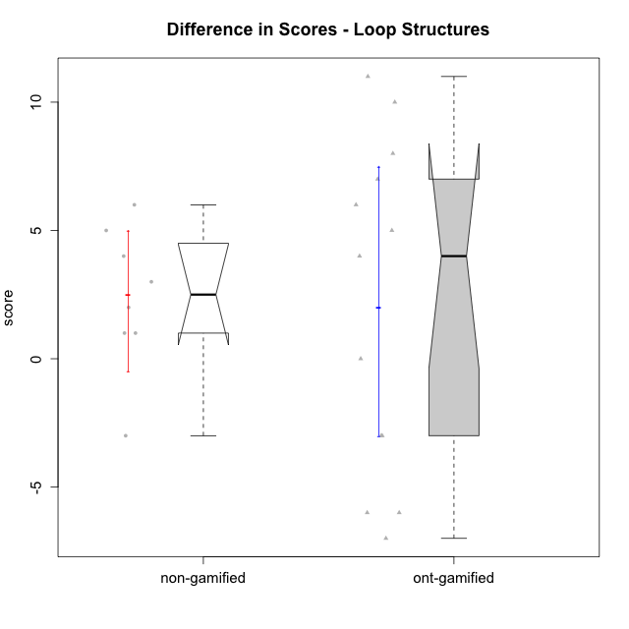

Wilcoxon data
UserID | Type | CLGroup | CLRole | PlayerRole | P1s3 | P2s3 | P3s3 | P4s3 | PreScore | PAs3 | PBs3 | PCs3 | PDs3 | PosScore | difScore
10116 | non-gamified | GroupC | Master |  | 3 | 1 | 1 | 0 | 5 | 3 | 1 | 4 | 0 | 8 | 3
10119 | ont-gamified | Grupo Zeus | Master | Yee Achiever | 0 | 0 | 0 | 0 | 0 | 0 | 0 | 0 | 0 | 0 | 0
10120 | ont-gamified | Grupo Hélio | Master | Yee Socializer | 2 | 1 | 3 | 4 | 10 | 2 | 1 | 1 | 0 | 4 | -6
10121 | ont-gamified | Grupo Hades | Master | Yee Achiever | 2 | 2 | 0 | 0 | 4 | 1 | 0 | 0 | 0 | 1 | -3
10122 | non-gamified | GroupB | Apprentice |  | 1 | 4 | 0 | 0 | 5 | 4 | 2 | 0 | 0 | 6 | 1
10126 | ont-gamified | Grupo Hélio | Apprentice | Yee Socializer | 3 | 2 | 0 | 0 | 5 | 1 | 1 | 0 | 0 | 2 | -3
10129 | non-gamified | GroupB | Apprentice |  | 0 | 0 | 0 | 0 | 0 | 2 | 1 | 2 | 0 | 5 | 5
10130 | non-gamified | GroupC | Apprentice |  | 2 | 0 | 0 | 0 | 2 | 2 | 1 | 3 | 0 | 6 | 4
10131 | ont-gamified | Grupo Zeus | Apprentice | Yee Achiever | 0 | 0 | 0 | 0 | 0 | 2 | 2 | 0 | 0 | 4 | 4
10134 | ont-gamified | Grupo Apolo | Apprentice | Yee Socializer | 0 | 0 | 0 | 0 | 0 | 1 | 1 | 3 | 0 | 5 | 5
10135 | non-gamified | GroupB | Apprentice |  | 1 | 3 | 0 | 0 | 4 | 1 | 4 | 0 | 0 | 5 | 1
10137 | ont-gamified | Grupo Morfeu | Apprentice | Yee Achiever | 0 | 0 | 0 | 0 | 0 | 1 | 2 | 4 | 0 | 7 | 7
10138 | ont-gamified | Grupo Hélio | Apprentice | Yee Socializer | 0 | 0 | 0 | 0 | 0 | 4 | 3 | 1 | 0 | 8 | 8
10139 | ont-gamified | Grupo Zeus | Apprentice | Yee Achiever | 0 | 0 | 0 | 0 | 0 | 2 | 4 | 0 | 0 | 6 | 6
10141 | ont-gamified | Grupo Apolo | Master | Yee Socializer | 0 | 0 | 0 | 0 | 0 | 4 | 4 | 1 | 1 | 10 | 10
10143 | ont-gamified | Grupo Apolo | Apprentice | Yee Socializer | 3 | 3 | 0 | 0 | 6 | 0 | 0 | 0 | 0 | 0 | -6
10144 | non-gamified | GroupA | Master |  | 1 | 1 | 1 | 2 | 5 | 4 | 3 | 0 | 0 | 7 | 2
10145 | non-gamified | GroupB | Master |  | 3 | 4 | 2 | 1 | 10 | 3 | 3 | 1 | 0 | 7 | -3
10146 | non-gamified | GroupA | Apprentice |  | 4 | 0 | 0 | 0 | 4 | 3 | 4 | 1 | 2 | 10 | 6
10148 | ont-gamified | Grupo Apolo | Apprentice | Yee Socializer | 0 | 0 | 0 | 0 | 0 | 4 | 2 | 1 | 4 | 11 | 11
10152 | ont-gamified | Grupo Morfeu | Master | Yee Achiever | 4 | 3 | 4 | 0 | 11 | 3 | 1 | 0 | 0 | 4 | -7

Type_CLRole_1
Wilcoxon Analysis for Difference in Scores - Loop Structures in Type:CLRole between non-gamified.Apprentice:non-gamified.Master

Wilcoxon test results
Alternative hypothesis: less
Group | N | Median | Mean.Ranks | Sum.Ranks | U | Z | p.value | r | magnitude
non-gamified.Apprentice | 5 | 4 | 5.2 | 26 | 11 | 1.0497657034 | 0.85714285714 | 0.37114822378 | medium
non-gamified.Master | 3 | 2 | 3.3333333333 | 10 | 11 | 1.0497657034 | 0.85714285714 | 0.37114822378 | medium
Alternative hypothesis: greater
Group | N | Median | Mean.Ranks | Sum.Ranks | U | Z | p.value | r | magnitude
non-gamified.Apprentice | 5 | 4 | 5.2 | 26 | 11 | 1.0497657034 | 0.17857142857 | 0.37114822378 | medium
non-gamified.Master | 3 | 2 | 3.3333333333 | 10 | 11 | 1.0497657034 | 0.17857142857 | 0.37114822378 | medium
Alternative hypothesis: two.sided
Group | N | Median | Mean.Ranks | Sum.Ranks | U | Z | p.value | r | magnitude
non-gamified.Apprentice | 5 | 4 | 5.2 | 26 | 11 | 1.0497657034 | 0.35714285714 | 0.37114822378 | medium
non-gamified.Master | 3 | 2 | 3.3333333333 | 10 | 11 | 1.0497657034 | 0.35714285714 | 0.37114822378 | medium

Box plots for wilcoxon tests
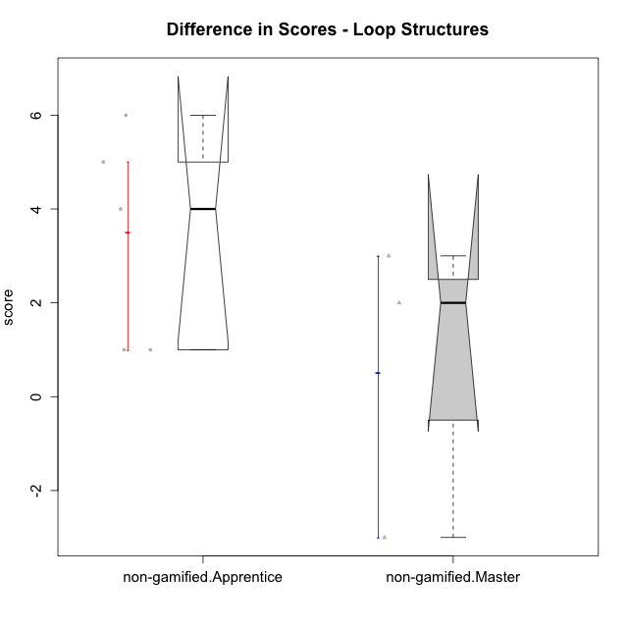

Wilcoxon data
UserID | Type | CLGroup | CLRole | PlayerRole | P1s3 | P2s3 | P3s3 | P4s3 | PreScore | PAs3 | PBs3 | PCs3 | PDs3 | PosScore | difScore
10116 | non-gamified | GroupC | Master |  | 3 | 1 | 1 | 0 | 5 | 3 | 1 | 4 | 0 | 8 | 3
10122 | non-gamified | GroupB | Apprentice |  | 1 | 4 | 0 | 0 | 5 | 4 | 2 | 0 | 0 | 6 | 1
10129 | non-gamified | GroupB | Apprentice |  | 0 | 0 | 0 | 0 | 0 | 2 | 1 | 2 | 0 | 5 | 5
10130 | non-gamified | GroupC | Apprentice |  | 2 | 0 | 0 | 0 | 2 | 2 | 1 | 3 | 0 | 6 | 4
10135 | non-gamified | GroupB | Apprentice |  | 1 | 3 | 0 | 0 | 4 | 1 | 4 | 0 | 0 | 5 | 1
10144 | non-gamified | GroupA | Master |  | 1 | 1 | 1 | 2 | 5 | 4 | 3 | 0 | 0 | 7 | 2
10145 | non-gamified | GroupB | Master |  | 3 | 4 | 2 | 1 | 10 | 3 | 3 | 1 | 0 | 7 | -3
10146 | non-gamified | GroupA | Apprentice |  | 4 | 0 | 0 | 0 | 4 | 3 | 4 | 1 | 2 | 10 | 6

Type_CLRole_2
Wilcoxon Analysis for Difference in Scores - Loop Structures in Type:CLRole between non-gamified.Apprentice:ont-gamified.Apprentice

Wilcoxon test results
Alternative hypothesis: less
Group | N | Median | Mean.Ranks | Sum.Ranks | U | Z | p.value | r | magnitude
non-gamified.Apprentice | 5 | 4 | 5.9 | 29.5 | 14.5 | -0.80957807941 | 0.2331002331 | 0.22453655976 | small
ont-gamified.Apprentice | 8 | 5.5 | 7.6875 | 61.5 | 14.5 | -0.80957807941 | 0.2331002331 | 0.22453655976 | small
Alternative hypothesis: greater
Group | N | Median | Mean.Ranks | Sum.Ranks | U | Z | p.value | r | magnitude
non-gamified.Apprentice | 5 | 4 | 5.9 | 29.5 | 14.5 | -0.80957807941 | 0.79642579643 | 0.22453655976 | small
ont-gamified.Apprentice | 8 | 5.5 | 7.6875 | 61.5 | 14.5 | -0.80957807941 | 0.79642579643 | 0.22453655976 | small
Alternative hypothesis: two.sided
Group | N | Median | Mean.Ranks | Sum.Ranks | U | Z | p.value | r | magnitude
non-gamified.Apprentice | 5 | 4 | 5.9 | 29.5 | 14.5 | -0.80957807941 | 0.45765345765 | 0.22453655976 | small
ont-gamified.Apprentice | 8 | 5.5 | 7.6875 | 61.5 | 14.5 | -0.80957807941 | 0.45765345765 | 0.22453655976 | small

Box plots for wilcoxon tests
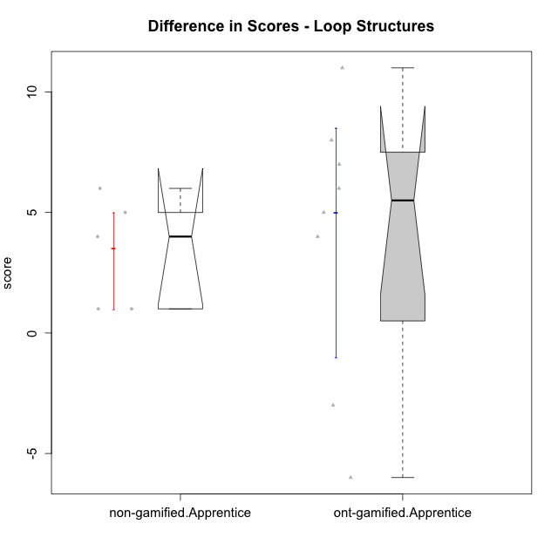

Wilcoxon data
UserID | Type | CLGroup | CLRole | PlayerRole | P1s3 | P2s3 | P3s3 | P4s3 | PreScore | PAs3 | PBs3 | PCs3 | PDs3 | PosScore | difScore
10122 | non-gamified | GroupB | Apprentice |  | 1 | 4 | 0 | 0 | 5 | 4 | 2 | 0 | 0 | 6 | 1
10126 | ont-gamified | Grupo Hélio | Apprentice | Yee Socializer | 3 | 2 | 0 | 0 | 5 | 1 | 1 | 0 | 0 | 2 | -3
10129 | non-gamified | GroupB | Apprentice |  | 0 | 0 | 0 | 0 | 0 | 2 | 1 | 2 | 0 | 5 | 5
10130 | non-gamified | GroupC | Apprentice |  | 2 | 0 | 0 | 0 | 2 | 2 | 1 | 3 | 0 | 6 | 4
10131 | ont-gamified | Grupo Zeus | Apprentice | Yee Achiever | 0 | 0 | 0 | 0 | 0 | 2 | 2 | 0 | 0 | 4 | 4
10134 | ont-gamified | Grupo Apolo | Apprentice | Yee Socializer | 0 | 0 | 0 | 0 | 0 | 1 | 1 | 3 | 0 | 5 | 5
10135 | non-gamified | GroupB | Apprentice |  | 1 | 3 | 0 | 0 | 4 | 1 | 4 | 0 | 0 | 5 | 1
10137 | ont-gamified | Grupo Morfeu | Apprentice | Yee Achiever | 0 | 0 | 0 | 0 | 0 | 1 | 2 | 4 | 0 | 7 | 7
10138 | ont-gamified | Grupo Hélio | Apprentice | Yee Socializer | 0 | 0 | 0 | 0 | 0 | 4 | 3 | 1 | 0 | 8 | 8
10139 | ont-gamified | Grupo Zeus | Apprentice | Yee Achiever | 0 | 0 | 0 | 0 | 0 | 2 | 4 | 0 | 0 | 6 | 6
10143 | ont-gamified | Grupo Apolo | Apprentice | Yee Socializer | 3 | 3 | 0 | 0 | 6 | 0 | 0 | 0 | 0 | 0 | -6
10146 | non-gamified | GroupA | Apprentice |  | 4 | 0 | 0 | 0 | 4 | 3 | 4 | 1 | 2 | 10 | 6
10148 | ont-gamified | Grupo Apolo | Apprentice | Yee Socializer | 0 | 0 | 0 | 0 | 0 | 4 | 2 | 1 | 4 | 11 | 11

Type_CLRole_3
Wilcoxon Analysis for Difference in Scores - Loop Structures in Type:CLRole between non-gamified.Apprentice:ont-gamified.Master

Wilcoxon test results
Alternative hypothesis: less
Group | N | Median | Mean.Ranks | Sum.Ranks | U | Z | p.value | r | magnitude
non-gamified.Apprentice | 5 | 4 | 7 | 35 | 20 | 1.5714681655 | 0.94444444444 | 0.49694186734 | medium
ont-gamified.Master | 5 | -3 | 4 | 20 | 20 | 1.5714681655 | 0.94444444444 | 0.49694186734 | medium
Alternative hypothesis: greater
Group | N | Median | Mean.Ranks | Sum.Ranks | U | Z | p.value | r | magnitude
non-gamified.Apprentice | 5 | 4 | 7 | 35 | 20 | 1.5714681655 | 0.063492063492 | 0.49694186734 | medium
ont-gamified.Master | 5 | -3 | 4 | 20 | 20 | 1.5714681655 | 0.063492063492 | 0.49694186734 | medium
Alternative hypothesis: two.sided
Group | N | Median | Mean.Ranks | Sum.Ranks | U | Z | p.value | r | magnitude
non-gamified.Apprentice | 5 | 4 | 7 | 35 | 20 | 1.5714681655 | 0.12698412698 | 0.49694186734 | medium
ont-gamified.Master | 5 | -3 | 4 | 20 | 20 | 1.5714681655 | 0.12698412698 | 0.49694186734 | medium

Box plots for wilcoxon tests
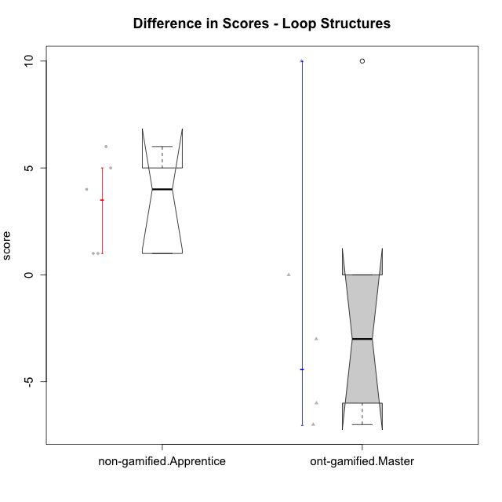

Wilcoxon data
UserID | Type | CLGroup | CLRole | PlayerRole | P1s3 | P2s3 | P3s3 | P4s3 | PreScore | PAs3 | PBs3 | PCs3 | PDs3 | PosScore | difScore
10119 | ont-gamified | Grupo Zeus | Master | Yee Achiever | 0 | 0 | 0 | 0 | 0 | 0 | 0 | 0 | 0 | 0 | 0
10120 | ont-gamified | Grupo Hélio | Master | Yee Socializer | 2 | 1 | 3 | 4 | 10 | 2 | 1 | 1 | 0 | 4 | -6
10121 | ont-gamified | Grupo Hades | Master | Yee Achiever | 2 | 2 | 0 | 0 | 4 | 1 | 0 | 0 | 0 | 1 | -3
10122 | non-gamified | GroupB | Apprentice |  | 1 | 4 | 0 | 0 | 5 | 4 | 2 | 0 | 0 | 6 | 1
10129 | non-gamified | GroupB | Apprentice |  | 0 | 0 | 0 | 0 | 0 | 2 | 1 | 2 | 0 | 5 | 5
10130 | non-gamified | GroupC | Apprentice |  | 2 | 0 | 0 | 0 | 2 | 2 | 1 | 3 | 0 | 6 | 4
10135 | non-gamified | GroupB | Apprentice |  | 1 | 3 | 0 | 0 | 4 | 1 | 4 | 0 | 0 | 5 | 1
10141 | ont-gamified | Grupo Apolo | Master | Yee Socializer | 0 | 0 | 0 | 0 | 0 | 4 | 4 | 1 | 1 | 10 | 10
10146 | non-gamified | GroupA | Apprentice |  | 4 | 0 | 0 | 0 | 4 | 3 | 4 | 1 | 2 | 10 | 6
10152 | ont-gamified | Grupo Morfeu | Master | Yee Achiever | 4 | 3 | 4 | 0 | 11 | 3 | 1 | 0 | 0 | 4 | -7

Type_CLRole_4
Wilcoxon Analysis for Difference in Scores - Loop Structures in Type:CLRole between non-gamified.Master:ont-gamified.Apprentice

Wilcoxon test results
Alternative hypothesis: less
Group | N | Median | Mean.Ranks | Sum.Ranks | U | Z | p.value | r | magnitude
non-gamified.Master | 3 | 2 | 3.8333333333 | 11.5 | 5.5 | -1.3298327334 | 0.10909090909 | 0.40095965552 | medium
ont-gamified.Apprentice | 8 | 5.5 | 6.8125 | 54.5 | 5.5 | -1.3298327334 | 0.10909090909 | 0.40095965552 | medium
Alternative hypothesis: greater
Group | N | Median | Mean.Ranks | Sum.Ranks | U | Z | p.value | r | magnitude
non-gamified.Master | 3 | 2 | 3.8333333333 | 11.5 | 5.5 | -1.3298327334 | 0.91515151515 | 0.40095965552 | medium
ont-gamified.Apprentice | 8 | 5.5 | 6.8125 | 54.5 | 5.5 | -1.3298327334 | 0.91515151515 | 0.40095965552 | medium
Alternative hypothesis: two.sided
Group | N | Median | Mean.Ranks | Sum.Ranks | U | Z | p.value | r | magnitude
non-gamified.Master | 3 | 2 | 3.8333333333 | 11.5 | 5.5 | -1.3298327334 | 0.20606060606 | 0.40095965552 | medium
ont-gamified.Apprentice | 8 | 5.5 | 6.8125 | 54.5 | 5.5 | -1.3298327334 | 0.20606060606 | 0.40095965552 | medium

Box plots for wilcoxon tests
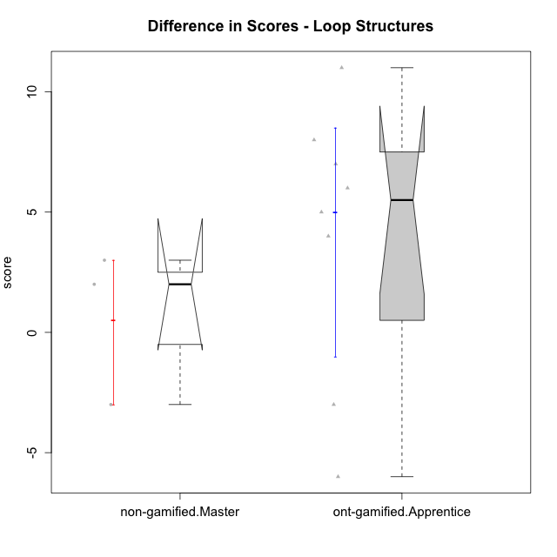

Wilcoxon data
UserID | Type | CLGroup | CLRole | PlayerRole | P1s3 | P2s3 | P3s3 | P4s3 | PreScore | PAs3 | PBs3 | PCs3 | PDs3 | PosScore | difScore
10116 | non-gamified | GroupC | Master |  | 3 | 1 | 1 | 0 | 5 | 3 | 1 | 4 | 0 | 8 | 3
10126 | ont-gamified | Grupo Hélio | Apprentice | Yee Socializer | 3 | 2 | 0 | 0 | 5 | 1 | 1 | 0 | 0 | 2 | -3
10131 | ont-gamified | Grupo Zeus | Apprentice | Yee Achiever | 0 | 0 | 0 | 0 | 0 | 2 | 2 | 0 | 0 | 4 | 4
10134 | ont-gamified | Grupo Apolo | Apprentice | Yee Socializer | 0 | 0 | 0 | 0 | 0 | 1 | 1 | 3 | 0 | 5 | 5
10137 | ont-gamified | Grupo Morfeu | Apprentice | Yee Achiever | 0 | 0 | 0 | 0 | 0 | 1 | 2 | 4 | 0 | 7 | 7
10138 | ont-gamified | Grupo Hélio | Apprentice | Yee Socializer | 0 | 0 | 0 | 0 | 0 | 4 | 3 | 1 | 0 | 8 | 8
10139 | ont-gamified | Grupo Zeus | Apprentice | Yee Achiever | 0 | 0 | 0 | 0 | 0 | 2 | 4 | 0 | 0 | 6 | 6
10143 | ont-gamified | Grupo Apolo | Apprentice | Yee Socializer | 3 | 3 | 0 | 0 | 6 | 0 | 0 | 0 | 0 | 0 | -6
10144 | non-gamified | GroupA | Master |  | 1 | 1 | 1 | 2 | 5 | 4 | 3 | 0 | 0 | 7 | 2
10145 | non-gamified | GroupB | Master |  | 3 | 4 | 2 | 1 | 10 | 3 | 3 | 1 | 0 | 7 | -3
10148 | ont-gamified | Grupo Apolo | Apprentice | Yee Socializer | 0 | 0 | 0 | 0 | 0 | 4 | 2 | 1 | 4 | 11 | 11

Type_CLRole_5
Wilcoxon Analysis for Difference in Scores - Loop Structures in Type:CLRole between non-gamified.Master:ont-gamified.Master

Wilcoxon test results
Alternative hypothesis: less
Group | N | Median | Mean.Ranks | Sum.Ranks | U | Z | p.value | r | magnitude
non-gamified.Master | 3 | 2 | 5.5 | 16.5 | 10.5 | 0.89979917438 | 0.83928571429 | 0.31812704896 | medium
ont-gamified.Master | 5 | -3 | 3.9 | 19.5 | 10.5 | 0.89979917438 | 0.83928571429 | 0.31812704896 | medium
Alternative hypothesis: greater
Group | N | Median | Mean.Ranks | Sum.Ranks | U | Z | p.value | r | magnitude
non-gamified.Master | 3 | 2 | 5.5 | 16.5 | 10.5 | 0.89979917438 | 0.23214285714 | 0.31812704896 | medium
ont-gamified.Master | 5 | -3 | 3.9 | 19.5 | 10.5 | 0.89979917438 | 0.23214285714 | 0.31812704896 | medium
Alternative hypothesis: two.sided
Group | N | Median | Mean.Ranks | Sum.Ranks | U | Z | p.value | r | magnitude
non-gamified.Master | 3 | 2 | 5.5 | 16.5 | 10.5 | 0.89979917438 | 0.46428571429 | 0.31812704896 | medium
ont-gamified.Master | 5 | -3 | 3.9 | 19.5 | 10.5 | 0.89979917438 | 0.46428571429 | 0.31812704896 | medium

Box plots for wilcoxon tests
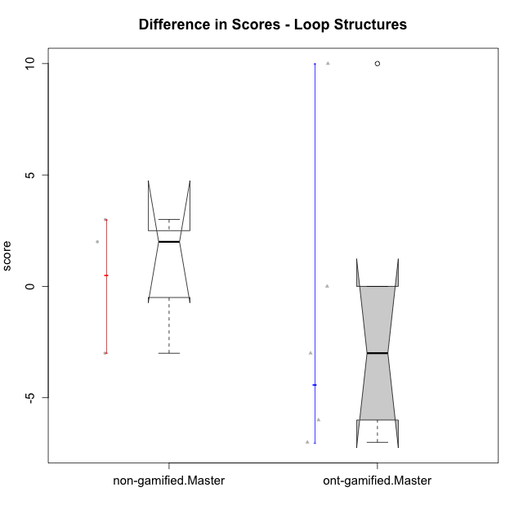

Wilcoxon data
UserID | Type | CLGroup | CLRole | PlayerRole | P1s3 | P2s3 | P3s3 | P4s3 | PreScore | PAs3 | PBs3 | PCs3 | PDs3 | PosScore | difScore
10116 | non-gamified | GroupC | Master |  | 3 | 1 | 1 | 0 | 5 | 3 | 1 | 4 | 0 | 8 | 3
10119 | ont-gamified | Grupo Zeus | Master | Yee Achiever | 0 | 0 | 0 | 0 | 0 | 0 | 0 | 0 | 0 | 0 | 0
10120 | ont-gamified | Grupo Hélio | Master | Yee Socializer | 2 | 1 | 3 | 4 | 10 | 2 | 1 | 1 | 0 | 4 | -6
10121 | ont-gamified | Grupo Hades | Master | Yee Achiever | 2 | 2 | 0 | 0 | 4 | 1 | 0 | 0 | 0 | 1 | -3
10141 | ont-gamified | Grupo Apolo | Master | Yee Socializer | 0 | 0 | 0 | 0 | 0 | 4 | 4 | 1 | 1 | 10 | 10
10144 | non-gamified | GroupA | Master |  | 1 | 1 | 1 | 2 | 5 | 4 | 3 | 0 | 0 | 7 | 2
10145 | non-gamified | GroupB | Master |  | 3 | 4 | 2 | 1 | 10 | 3 | 3 | 1 | 0 | 7 | -3
10152 | ont-gamified | Grupo Morfeu | Master | Yee Achiever | 4 | 3 | 4 | 0 | 11 | 3 | 1 | 0 | 0 | 4 | -7

Type_CLRole_6
Wilcoxon Analysis for Difference in Scores - Loop Structures in Type:CLRole between ont-gamified.Apprentice:ont-gamified.Master

Wilcoxon test results
Alternative hypothesis: less
Group | N | Median | Mean.Ranks | Sum.Ranks | U | Z | p.value | r | magnitude
ont-gamified.Apprentice | 8 | 5.5 | 8.125 | 65 | 29 | 1.3210994919 | 0.91064491064 | 0.36640707369 | medium
ont-gamified.Master | 5 | -3 | 5.2 | 26 | 29 | 1.3210994919 | 0.91064491064 | 0.36640707369 | medium
Alternative hypothesis: greater
Group | N | Median | Mean.Ranks | Sum.Ranks | U | Z | p.value | r | magnitude
ont-gamified.Apprentice | 8 | 5.5 | 8.125 | 65 | 29 | 1.3210994919 | 0.10411810412 | 0.36640707369 | medium
ont-gamified.Master | 5 | -3 | 5.2 | 26 | 29 | 1.3210994919 | 0.10411810412 | 0.36640707369 | medium
Alternative hypothesis: two.sided
Group | N | Median | Mean.Ranks | Sum.Ranks | U | Z | p.value | r | magnitude
ont-gamified.Apprentice | 8 | 5.5 | 8.125 | 65 | 29 | 1.3210994919 | 0.20512820513 | 0.36640707369 | medium
ont-gamified.Master | 5 | -3 | 5.2 | 26 | 29 | 1.3210994919 | 0.20512820513 | 0.36640707369 | medium

Box plots for wilcoxon tests
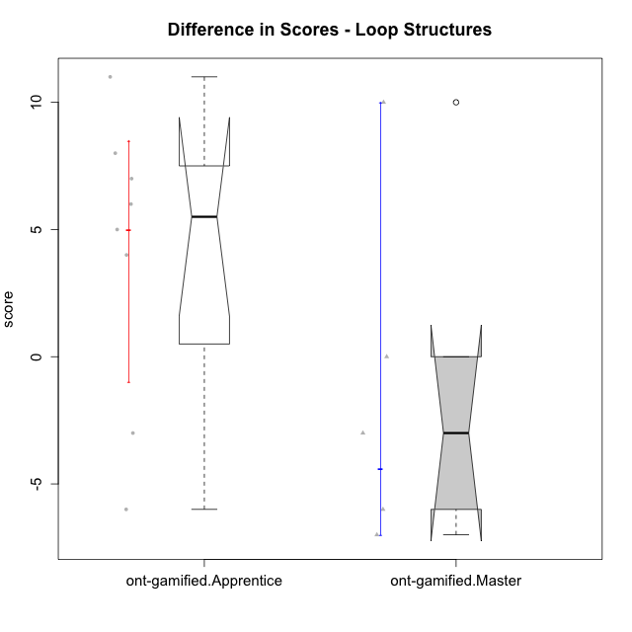

Wilcoxon data
UserID | Type | CLGroup | CLRole | PlayerRole | P1s3 | P2s3 | P3s3 | P4s3 | PreScore | PAs3 | PBs3 | PCs3 | PDs3 | PosScore | difScore
10119 | ont-gamified | Grupo Zeus | Master | Yee Achiever | 0 | 0 | 0 | 0 | 0 | 0 | 0 | 0 | 0 | 0 | 0
10120 | ont-gamified | Grupo Hélio | Master | Yee Socializer | 2 | 1 | 3 | 4 | 10 | 2 | 1 | 1 | 0 | 4 | -6
10121 | ont-gamified | Grupo Hades | Master | Yee Achiever | 2 | 2 | 0 | 0 | 4 | 1 | 0 | 0 | 0 | 1 | -3
10126 | ont-gamified | Grupo Hélio | Apprentice | Yee Socializer | 3 | 2 | 0 | 0 | 5 | 1 | 1 | 0 | 0 | 2 | -3
10131 | ont-gamified | Grupo Zeus | Apprentice | Yee Achiever | 0 | 0 | 0 | 0 | 0 | 2 | 2 | 0 | 0 | 4 | 4
10134 | ont-gamified | Grupo Apolo | Apprentice | Yee Socializer | 0 | 0 | 0 | 0 | 0 | 1 | 1 | 3 | 0 | 5 | 5
10137 | ont-gamified | Grupo Morfeu | Apprentice | Yee Achiever | 0 | 0 | 0 | 0 | 0 | 1 | 2 | 4 | 0 | 7 | 7
10138 | ont-gamified | Grupo Hélio | Apprentice | Yee Socializer | 0 | 0 | 0 | 0 | 0 | 4 | 3 | 1 | 0 | 8 | 8
10139 | ont-gamified | Grupo Zeus | Apprentice | Yee Achiever | 0 | 0 | 0 | 0 | 0 | 2 | 4 | 0 | 0 | 6 | 6
10141 | ont-gamified | Grupo Apolo | Master | Yee Socializer | 0 | 0 | 0 | 0 | 0 | 4 | 4 | 1 | 1 | 10 | 10
10143 | ont-gamified | Grupo Apolo | Apprentice | Yee Socializer | 3 | 3 | 0 | 0 | 6 | 0 | 0 | 0 | 0 | 0 | -6
10148 | ont-gamified | Grupo Apolo | Apprentice | Yee Socializer | 0 | 0 | 0 | 0 | 0 | 4 | 2 | 1 | 4 | 11 | 11
10152 | ont-gamified | Grupo Morfeu | Master | Yee Achiever | 4 | 3 | 4 | 0 | 11 | 3 | 1 | 0 | 0 | 4 | -7

