Assumptions
ANOVA assumptions for Difference in Scores - Loop Structures

Shapiro-Wilk normality test for Difference in Scores - Loop Structures
W | p.value
0.96487943433 | 0.61921988596

Plots for normality test
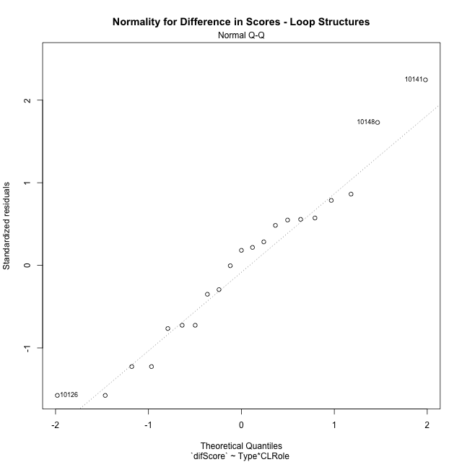

Levene's Test for Homogeneity of Variance in Difference in Scores - Loop Structures
Df | F value | Pr(>F)
3 | 0.81453114984 | 0.50339221551
17

Plots for homogeneity of variance
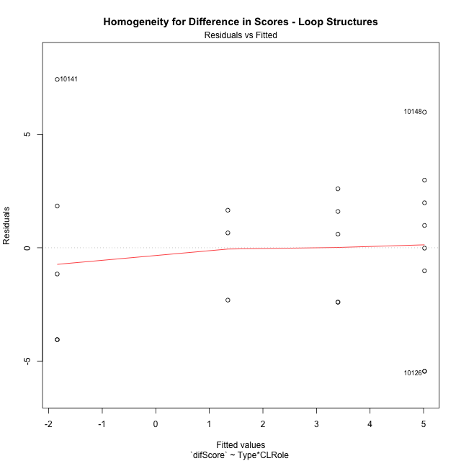

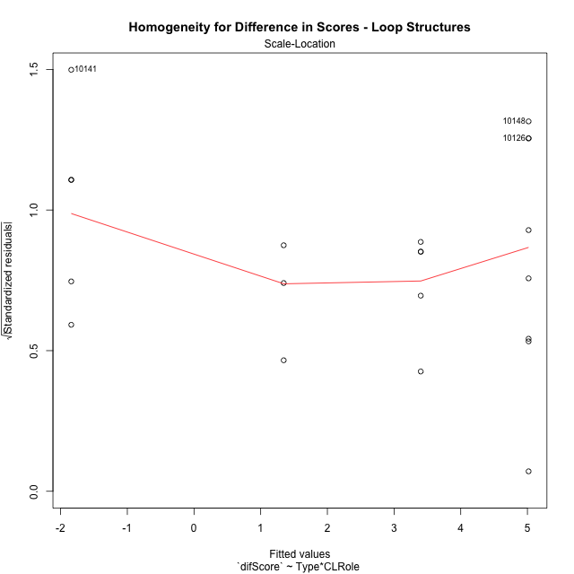

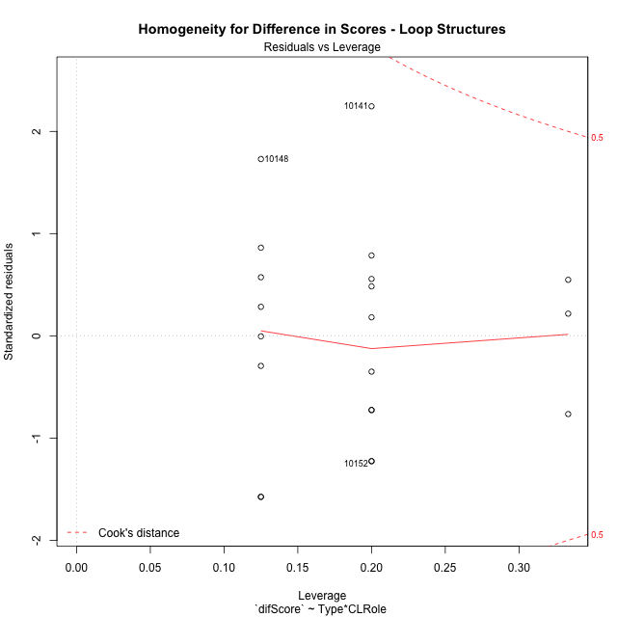

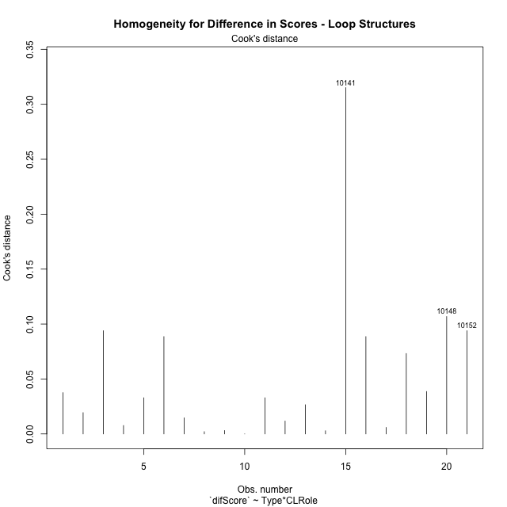

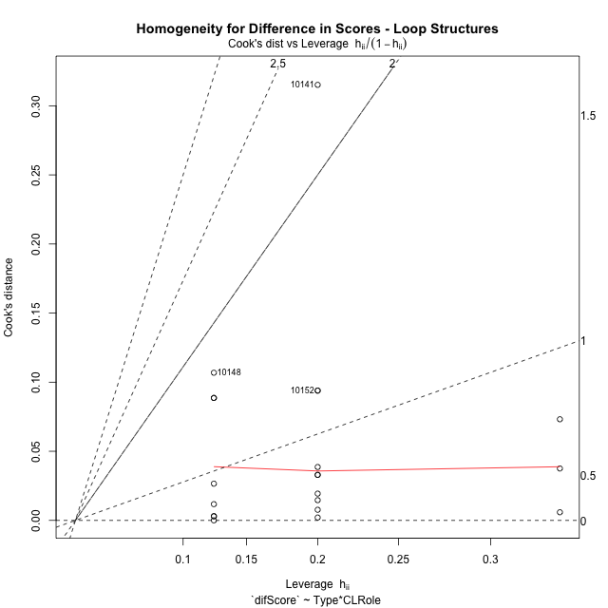

Minimum Sample Size Test for Difference in Scores - Loop Structures
Type | CLRole | Freq
non-gamified | Apprentice | 5
ont-gamified | Apprentice | 8
non-gamified | Master | 3
ont-gamified | Master | 5

Errors and Warnings in Sample Size Test for ANOVA in Difference in Scores - Loop Structures
code | description
WARN: sample.size | current size is 5 and recommended size is 15 for the group: 'non-gamified:Apprentice'.
WARN: sample.size | current size is 8 and recommended size is 15 for the group: 'ont-gamified:Apprentice'.
FAIL: min.size | current size is 3 but the minimal recomended size is 5 for the group: 'non-gamified:Master'.
WARN: sample.size | current size is 5 and recommended size is 15 for the group: 'ont-gamified:Master'.

For the group: 'non-gamified:Apprentice', we recommend the use of non-parametric test. For the group: 'ont-gamified:Apprentice', we recommend the use of non-parametric test. For the group: 'non-gamified:Master', we recommend the use of non-parametric test. For the group: 'ont-gamified:Master', we recommend the use of non-parametric test.

Post-hoc
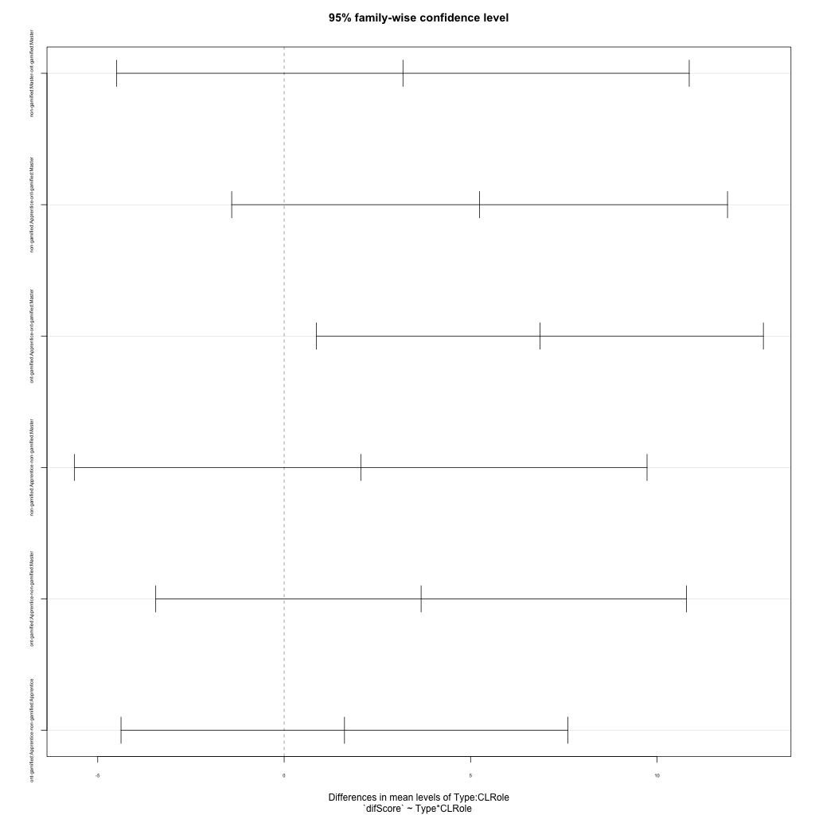
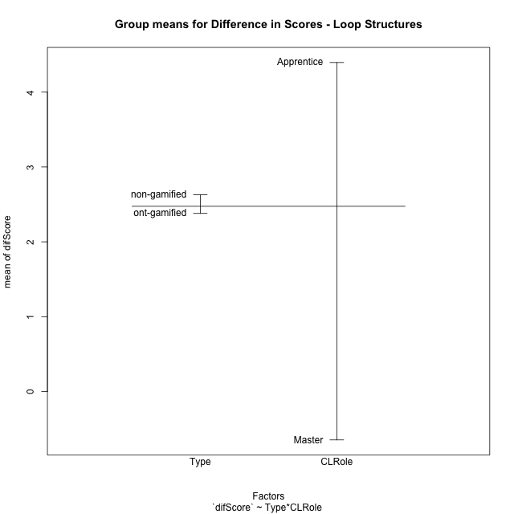
Post-hoc Tukey Honestly Significant Difference (HSD) Test for Difference in Scores - Loop Structures

Comparisons of means for Type
 | diff | lwr | upr | p adj
non-gamified-ont-gamified | 0.24980899077 | -3.2559462317 | 3.7555642133 | 0.88226671858

Comparisons of means for CLRole
 | diff | lwr | upr | p adj
Apprentice-Master | 5.0392169274 | 1.5334617049 | 8.5449721499 | 0.0075122084713

Comparisons of means for Type:CLRole
 | diff | lwr | upr | p adj
non-gamified:Master-ont-gamified:Master | 3.1859667093 | -4.4903503213 | 10.86228374 | 0.64716503119
non-gamified:Apprentice-ont-gamified:Master | 5.241033376 | -1.40685218 | 11.888918932 | 0.15204403348
ont-gamified:Apprentice-ont-gamified:Master | 6.858433376 | 0.86611031461 | 12.850756437 | 0.021971422342
non-gamified:Apprentice-non-gamified:Master | 2.0550666667 | -5.6212503639 | 9.7313836973 | 0.87072431878
ont-gamified:Apprentice-non-gamified:Master | 3.6724666667 | -3.4436696769 | 10.78860301 | 0.47763397171
ont-gamified:Apprentice-non-gamified:Apprentice | 1.6174 | -4.3749230614 | 7.6097230614 | 0.8680269554

Contrast Matrices for Difference in Scores - Loop Structures - Type
contrast | estimate | SE | df | t.ratio | p.value
non-gamified - ont-gamified | 0.78428335467 | 1.7129398967 | 17 | 0.45785806974 | 0.65285236086

Contrast Matrices for Difference in Scores - Loop Structures - Type:CLRole
contrast | CLRole | estimate | SE | df | t.ratio | p.value
non-gamified - ont-gamified | Apprentice | -1.6174 | 2.1080738044 | 17 | -0.76724068987 | 0.45346317905
non-gamified - ont-gamified | Master | 3.1859667093 | 2.7004957311 | 17 | 1.1797710593 | 0.25433802144

Least Squares Means and Confidence Intervals for Type
Type | lsmean | SE | df | lower.CL | upper.CL | Pairs
non-gamified | 2.3724666667 | 1.3502478655 | 17 | -0.47630731399 | 5.2212406473 | non-gamified
ont-gamified | 1.588183312 | 1.0540369022 | 17 | -0.63564016389 | 3.8120067879 | ont-gamified

Least Squares Means and Confidence Intervals for Type:CLRole
Type | CLRole | lsmean | SE | df | lower.CL | upper.CL | Pairs
non-gamified | Apprentice | 3.4 | 1.6537091484 | 17 | -0.089021322567 | 6.8890213226 | non-gamified.Apprentice
ont-gamified | Apprentice | 5.0174 | 1.3073718741 | 17 | 2.2590864539 | 7.7757135461 | ont-gamified.Apprentice
non-gamified | Master | 1.3449333333 | 2.1349293304 | 17 | -3.1593738256 | 5.8492404923 | non-gamified.Master
ont-gamified | Master | -1.841033376 | 1.6537091484 | 17 | -5.3300546986 | 1.6479879466 | ont-gamified.Master

Plots

Type_1
Student's t-Test for Difference in Scores - Loop Structures in Type between non-gamified:ont-gamified

Student's t-Test results
Alternative hypothesis: less
Group | N | Mean | Mean.Difference | Std.deviation | Std.error | CI.lower | CI.upper | df | t.value | p.value | g | magnitude
non-gamified | 8 | 2.62935 | 0.24980899077 | 2.3183664095 | 0.81966630471 | 0.99001739059 | 4.2686826094 | 17.587717775 | 0.14671061455 | 0.55748548594 | 0.053267987259 | negligible
ont-gamified | 13 | 2.3795410092 | -0.24980899077 | 5.3811527008 | 1.4924632295 | -0.6053854498 | 5.3644674683 | 17.587717775 | 0.14671061455 | 0.55748548594 | 0.053267987259 | negligible
Alternative hypothesis: greater
Group | N | Mean | Mean.Difference | Std.deviation | Std.error | CI.lower | CI.upper | df | t.value | p.value | g | magnitude
non-gamified | 8 | 2.62935 | 0.24980899077 | 2.3183664095 | 0.81966630471 | 0.99001739059 | 4.2686826094 | 17.587717775 | 0.14671061455 | 0.44251451406 | 0.053267987259 | negligible
ont-gamified | 13 | 2.3795410092 | -0.24980899077 | 5.3811527008 | 1.4924632295 | -0.6053854498 | 5.3644674683 | 17.587717775 | 0.14671061455 | 0.44251451406 | 0.053267987259 | negligible
Alternative hypothesis: two.sided
Group | N | Mean | Mean.Difference | Std.deviation | Std.error | CI.lower | CI.upper | df | t.value | p.value | g | magnitude
non-gamified | 8 | 2.62935 | 0.24980899077 | 2.3183664095 | 0.81966630471 | 0.99001739059 | 4.2686826094 | 17.587717775 | 0.14671061455 | 0.88502902813 | 0.053267987259 | negligible
ont-gamified | 13 | 2.3795410092 | -0.24980899077 | 5.3811527008 | 1.4924632295 | -0.6053854498 | 5.3644674683 | 17.587717775 | 0.14671061455 | 0.88502902813 | 0.053267987259 | negligible

Box plots for Student's t-Test
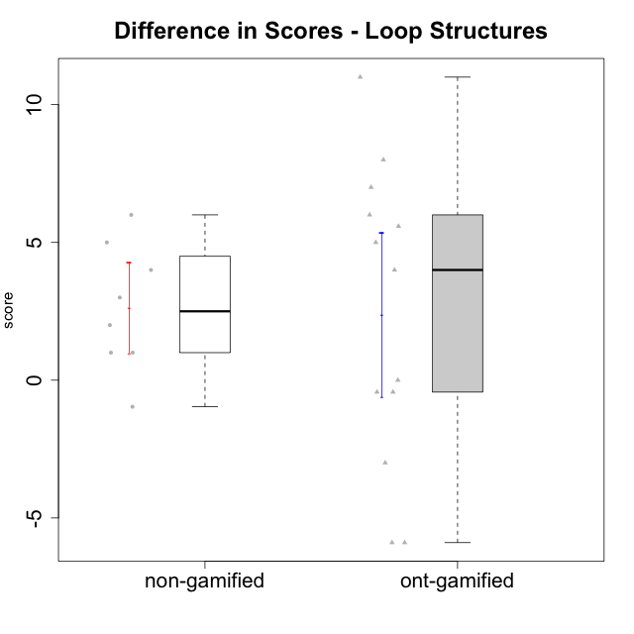

Student's t-Test data
UserID | Type | CLGroup | CLRole | PlayerRole | difScore
10116 | non-gamified | GroupC | Master |  | 3
10119 | ont-gamified | Grupo Zeus | Master | Yee Achiever | 0
10120 | ont-gamified | Grupo Hélio | Master | Yee Socializer | -5.8956
10121 | ont-gamified | Grupo Hades | Master | Yee Achiever | -3
10122 | non-gamified | GroupB | Apprentice |  | 1
10126 | ont-gamified | Grupo Hélio | Apprentice | Yee Socializer | -0.4304
10129 | non-gamified | GroupB | Apprentice |  | 5
10130 | non-gamified | GroupC | Apprentice |  | 4
10131 | ont-gamified | Grupo Zeus | Apprentice | Yee Achiever | 4
10134 | ont-gamified | Grupo Apolo | Apprentice | Yee Socializer | 5
10135 | non-gamified | GroupB | Apprentice |  | 1
10137 | ont-gamified | Grupo Morfeu | Apprentice | Yee Achiever | 7
10138 | ont-gamified | Grupo Hélio | Apprentice | Yee Socializer | 8
10139 | ont-gamified | Grupo Zeus | Apprentice | Yee Achiever | 6
10141 | ont-gamified | Grupo Apolo | Master | Yee Socializer | 5.58603312
10143 | ont-gamified | Grupo Apolo | Apprentice | Yee Socializer | -0.4304
10144 | non-gamified | GroupA | Master |  | 2
10145 | non-gamified | GroupB | Master |  | -0.9652
10146 | non-gamified | GroupA | Apprentice |  | 6
10148 | ont-gamified | Grupo Apolo | Apprentice | Yee Socializer | 11
10152 | ont-gamified | Grupo Morfeu | Master | Yee Achiever | -5.8956

Type_CLRole_1
Student's t-Test for Difference in Scores - Loop Structures in Type:CLRole between non-gamified.Apprentice:non-gamified.Master

Student's t-Test results
Alternative hypothesis: less
Group | N | Mean | Mean.Difference | Std.deviation | Std.error | CI.lower | CI.upper | df | t.value | p.value | g | magnitude
non-gamified.Apprentice | 5 | 3.4 | 2.0550666667 | 2.3021728866 | 1.0295630141 | 1.3408739718 | 5.4591260282 | 4.7745859446 | 1.3056236313 | 0.87447723963 | 0.80313468159 | large
non-gamified.Master | 3 | 1.3449333333 | -2.0550666667 | 2.0621680371 | 1.1905932713 | -1.0362532094 | 3.726119876 | 4.7745859446 | 1.3056236313 | 0.87447723963 | 0.80313468159 | large
Alternative hypothesis: greater
Group | N | Mean | Mean.Difference | Std.deviation | Std.error | CI.lower | CI.upper | df | t.value | p.value | g | magnitude
non-gamified.Apprentice | 5 | 3.4 | 2.0550666667 | 2.3021728866 | 1.0295630141 | 1.3408739718 | 5.4591260282 | 4.7745859446 | 1.3056236313 | 0.12552276037 | 0.80313468159 | large
non-gamified.Master | 3 | 1.3449333333 | -2.0550666667 | 2.0621680371 | 1.1905932713 | -1.0362532094 | 3.726119876 | 4.7745859446 | 1.3056236313 | 0.12552276037 | 0.80313468159 | large
Alternative hypothesis: two.sided
Group | N | Mean | Mean.Difference | Std.deviation | Std.error | CI.lower | CI.upper | df | t.value | p.value | g | magnitude
non-gamified.Apprentice | 5 | 3.4 | 2.0550666667 | 2.3021728866 | 1.0295630141 | 1.3408739718 | 5.4591260282 | 4.7745859446 | 1.3056236313 | 0.25104552074 | 0.80313468159 | large
non-gamified.Master | 3 | 1.3449333333 | -2.0550666667 | 2.0621680371 | 1.1905932713 | -1.0362532094 | 3.726119876 | 4.7745859446 | 1.3056236313 | 0.25104552074 | 0.80313468159 | large

Box plots for Student's t-Test
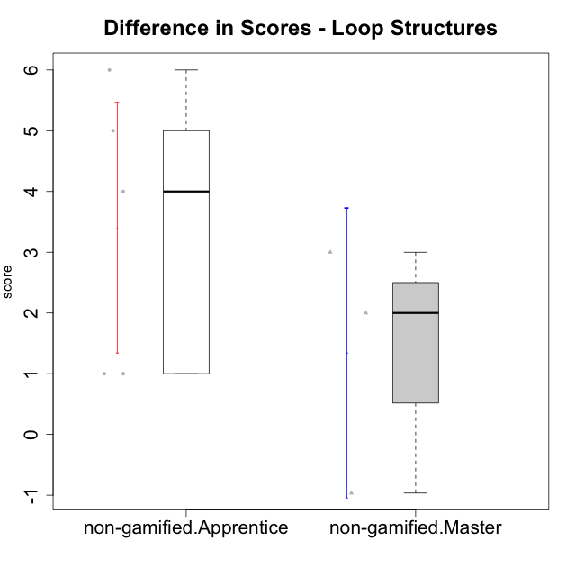

Student's t-Test data
UserID | Type | CLGroup | CLRole | PlayerRole | difScore
10116 | non-gamified | GroupC | Master |  | 3
10122 | non-gamified | GroupB | Apprentice |  | 1
10129 | non-gamified | GroupB | Apprentice |  | 5
10130 | non-gamified | GroupC | Apprentice |  | 4
10135 | non-gamified | GroupB | Apprentice |  | 1
10144 | non-gamified | GroupA | Master |  | 2
10145 | non-gamified | GroupB | Master |  | -0.9652
10146 | non-gamified | GroupA | Apprentice |  | 6

Type_CLRole_2
Student's t-Test for Difference in Scores - Loop Structures in Type:CLRole between non-gamified.Apprentice:ont-gamified.Apprentice

Student's t-Test results
Alternative hypothesis: less
Group | N | Mean | Mean.Difference | Std.deviation | Std.error | CI.lower | CI.upper | df | t.value | p.value | g | magnitude
non-gamified.Apprentice | 5 | 3.4 | -1.6174 | 2.3021728866 | 1.0295630141 | 1.3408739718 | 5.4591260282 | 10.991859829 | -0.93011515125 | 0.18614412618 | -0.4356904249 | small
ont-gamified.Apprentice | 8 | 5.0174 | 1.6174 | 3.963693556 | 1.401377296 | 2.214645408 | 7.820154592 | 10.991859829 | -0.93011515125 | 0.18614412618 | -0.4356904249 | small
Alternative hypothesis: greater
Group | N | Mean | Mean.Difference | Std.deviation | Std.error | CI.lower | CI.upper | df | t.value | p.value | g | magnitude
non-gamified.Apprentice | 5 | 3.4 | -1.6174 | 2.3021728866 | 1.0295630141 | 1.3408739718 | 5.4591260282 | 10.991859829 | -0.93011515125 | 0.81385587382 | -0.4356904249 | small
ont-gamified.Apprentice | 8 | 5.0174 | 1.6174 | 3.963693556 | 1.401377296 | 2.214645408 | 7.820154592 | 10.991859829 | -0.93011515125 | 0.81385587382 | -0.4356904249 | small
Alternative hypothesis: two.sided
Group | N | Mean | Mean.Difference | Std.deviation | Std.error | CI.lower | CI.upper | df | t.value | p.value | g | magnitude
non-gamified.Apprentice | 5 | 3.4 | -1.6174 | 2.3021728866 | 1.0295630141 | 1.3408739718 | 5.4591260282 | 10.991859829 | -0.93011515125 | 0.37228825236 | -0.4356904249 | small
ont-gamified.Apprentice | 8 | 5.0174 | 1.6174 | 3.963693556 | 1.401377296 | 2.214645408 | 7.820154592 | 10.991859829 | -0.93011515125 | 0.37228825236 | -0.4356904249 | small

Box plots for Student's t-Test
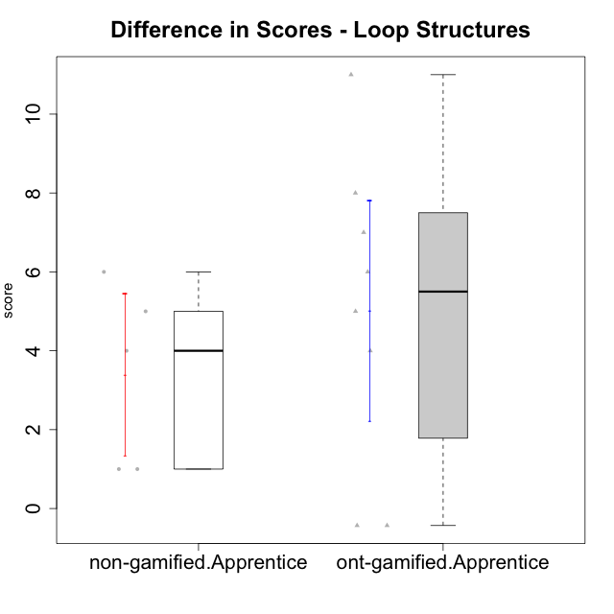

Student's t-Test data
UserID | Type | CLGroup | CLRole | PlayerRole | difScore
10122 | non-gamified | GroupB | Apprentice |  | 1
10126 | ont-gamified | Grupo Hélio | Apprentice | Yee Socializer | -0.4304
10129 | non-gamified | GroupB | Apprentice |  | 5
10130 | non-gamified | GroupC | Apprentice |  | 4
10131 | ont-gamified | Grupo Zeus | Apprentice | Yee Achiever | 4
10134 | ont-gamified | Grupo Apolo | Apprentice | Yee Socializer | 5
10135 | non-gamified | GroupB | Apprentice |  | 1
10137 | ont-gamified | Grupo Morfeu | Apprentice | Yee Achiever | 7
10138 | ont-gamified | Grupo Hélio | Apprentice | Yee Socializer | 8
10139 | ont-gamified | Grupo Zeus | Apprentice | Yee Achiever | 6
10143 | ont-gamified | Grupo Apolo | Apprentice | Yee Socializer | -0.4304
10146 | non-gamified | GroupA | Apprentice |  | 6
10148 | ont-gamified | Grupo Apolo | Apprentice | Yee Socializer | 11

Type_CLRole_3
Student's t-Test for Difference in Scores - Loop Structures in Type:CLRole between non-gamified.Apprentice:ont-gamified.Master

Student's t-Test results
Alternative hypothesis: less
Group | N | Mean | Mean.Difference | Std.deviation | Std.error | CI.lower | CI.upper | df | t.value | p.value | g | magnitude
non-gamified.Apprentice | 5 | 3.4 | 5.241033376 | 2.3021728866 | 1.0295630141 | 1.3408739718 | 5.4591260282 | 5.7373940902 | 2.1954878474 | 0.96370281055 | 1.2541727796 | large
ont-gamified.Master | 5 | -1.841033376 | -5.241033376 | 4.815935664 | 2.153751904 | -6.148537184 | 2.466470432 | 5.7373940902 | 2.1954878474 | 0.96370281055 | 1.2541727796 | large
Alternative hypothesis: greater
Group | N | Mean | Mean.Difference | Std.deviation | Std.error | CI.lower | CI.upper | df | t.value | p.value | g | magnitude
non-gamified.Apprentice | 5 | 3.4 | 5.241033376 | 2.3021728866 | 1.0295630141 | 1.3408739718 | 5.4591260282 | 5.7373940902 | 2.1954878474 | 0.03629718945 | 1.2541727796 | large
ont-gamified.Master | 5 | -1.841033376 | -5.241033376 | 4.815935664 | 2.153751904 | -6.148537184 | 2.466470432 | 5.7373940902 | 2.1954878474 | 0.03629718945 | 1.2541727796 | large
Alternative hypothesis: two.sided
Group | N | Mean | Mean.Difference | Std.deviation | Std.error | CI.lower | CI.upper | df | t.value | p.value | g | magnitude
non-gamified.Apprentice | 5 | 3.4 | 5.241033376 | 2.3021728866 | 1.0295630141 | 1.3408739718 | 5.4591260282 | 5.7373940902 | 2.1954878474 | 0.0725943789 | 1.2541727796 | large
ont-gamified.Master | 5 | -1.841033376 | -5.241033376 | 4.815935664 | 2.153751904 | -6.148537184 | 2.466470432 | 5.7373940902 | 2.1954878474 | 0.0725943789 | 1.2541727796 | large

Box plots for Student's t-Test
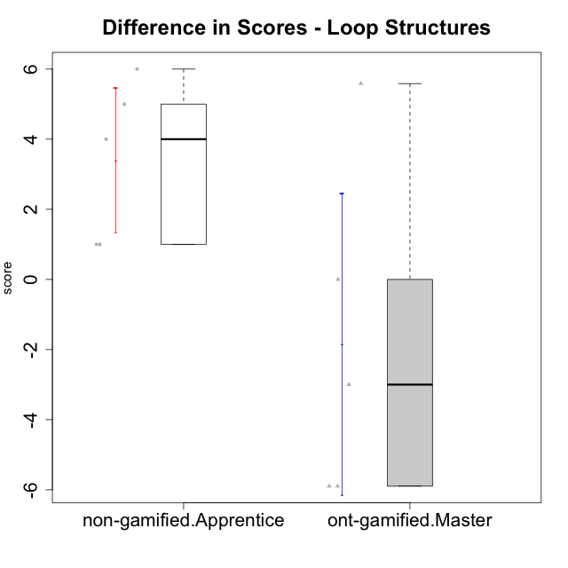

Student's t-Test data
UserID | Type | CLGroup | CLRole | PlayerRole | difScore
10119 | ont-gamified | Grupo Zeus | Master | Yee Achiever | 0
10120 | ont-gamified | Grupo Hélio | Master | Yee Socializer | -5.8956
10121 | ont-gamified | Grupo Hades | Master | Yee Achiever | -3
10122 | non-gamified | GroupB | Apprentice |  | 1
10129 | non-gamified | GroupB | Apprentice |  | 5
10130 | non-gamified | GroupC | Apprentice |  | 4
10135 | non-gamified | GroupB | Apprentice |  | 1
10141 | ont-gamified | Grupo Apolo | Master | Yee Socializer | 5.58603312
10146 | non-gamified | GroupA | Apprentice |  | 6
10152 | ont-gamified | Grupo Morfeu | Master | Yee Achiever | -5.8956

Type_CLRole_4
Student's t-Test for Difference in Scores - Loop Structures in Type:CLRole between non-gamified.Master:ont-gamified.Apprentice

Student's t-Test results
Alternative hypothesis: less
Group | N | Mean | Mean.Difference | Std.deviation | Std.error | CI.lower | CI.upper | df | t.value | p.value | g | magnitude
non-gamified.Master | 3 | 1.3449333333 | -3.6724666667 | 2.0621680371 | 1.1905932713 | -1.0362532094 | 3.726119876 | 7.3498470413 | -1.9971536223 | 0.042017023969 | -0.92541479543 | large
ont-gamified.Apprentice | 8 | 5.0174 | 3.6724666667 | 3.963693556 | 1.401377296 | 2.214645408 | 7.820154592 | 7.3498470413 | -1.9971536223 | 0.042017023969 | -0.92541479543 | large
Alternative hypothesis: greater
Group | N | Mean | Mean.Difference | Std.deviation | Std.error | CI.lower | CI.upper | df | t.value | p.value | g | magnitude
non-gamified.Master | 3 | 1.3449333333 | -3.6724666667 | 2.0621680371 | 1.1905932713 | -1.0362532094 | 3.726119876 | 7.3498470413 | -1.9971536223 | 0.95798297603 | -0.92541479543 | large
ont-gamified.Apprentice | 8 | 5.0174 | 3.6724666667 | 3.963693556 | 1.401377296 | 2.214645408 | 7.820154592 | 7.3498470413 | -1.9971536223 | 0.95798297603 | -0.92541479543 | large
Alternative hypothesis: two.sided
Group | N | Mean | Mean.Difference | Std.deviation | Std.error | CI.lower | CI.upper | df | t.value | p.value | g | magnitude
non-gamified.Master | 3 | 1.3449333333 | -3.6724666667 | 2.0621680371 | 1.1905932713 | -1.0362532094 | 3.726119876 | 7.3498470413 | -1.9971536223 | 0.084034047937 | -0.92541479543 | large
ont-gamified.Apprentice | 8 | 5.0174 | 3.6724666667 | 3.963693556 | 1.401377296 | 2.214645408 | 7.820154592 | 7.3498470413 | -1.9971536223 | 0.084034047937 | -0.92541479543 | large

Box plots for Student's t-Test
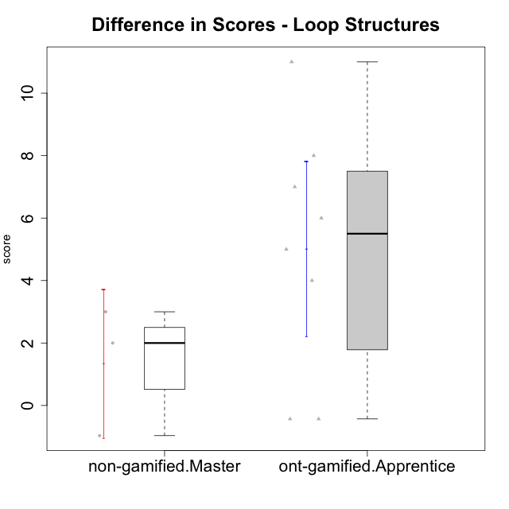

Student's t-Test data
UserID | Type | CLGroup | CLRole | PlayerRole | difScore
10116 | non-gamified | GroupC | Master |  | 3
10126 | ont-gamified | Grupo Hélio | Apprentice | Yee Socializer | -0.4304
10131 | ont-gamified | Grupo Zeus | Apprentice | Yee Achiever | 4
10134 | ont-gamified | Grupo Apolo | Apprentice | Yee Socializer | 5
10137 | ont-gamified | Grupo Morfeu | Apprentice | Yee Achiever | 7
10138 | ont-gamified | Grupo Hélio | Apprentice | Yee Socializer | 8
10139 | ont-gamified | Grupo Zeus | Apprentice | Yee Achiever | 6
10143 | ont-gamified | Grupo Apolo | Apprentice | Yee Socializer | -0.4304
10144 | non-gamified | GroupA | Master |  | 2
10145 | non-gamified | GroupB | Master |  | -0.9652
10148 | ont-gamified | Grupo Apolo | Apprentice | Yee Socializer | 11

Type_CLRole_5
Student's t-Test for Difference in Scores - Loop Structures in Type:CLRole between non-gamified.Master:ont-gamified.Master

Student's t-Test results
Alternative hypothesis: less
Group | N | Mean | Mean.Difference | Std.deviation | Std.error | CI.lower | CI.upper | df | t.value | p.value | g | magnitude
non-gamified.Master | 3 | 1.3449333333 | 3.1859667093 | 2.0621680371 | 1.1905932713 | -1.0362532094 | 3.726119876 | 5.7452154822 | 1.2946207917 | 0.87747821637 | 0.67431282333 | medium
ont-gamified.Master | 5 | -1.841033376 | -3.1859667093 | 4.815935664 | 2.153751904 | -6.148537184 | 2.466470432 | 5.7452154822 | 1.2946207917 | 0.87747821637 | 0.67431282333 | medium
Alternative hypothesis: greater
Group | N | Mean | Mean.Difference | Std.deviation | Std.error | CI.lower | CI.upper | df | t.value | p.value | g | magnitude
non-gamified.Master | 3 | 1.3449333333 | 3.1859667093 | 2.0621680371 | 1.1905932713 | -1.0362532094 | 3.726119876 | 5.7452154822 | 1.2946207917 | 0.12252178363 | 0.67431282333 | medium
ont-gamified.Master | 5 | -1.841033376 | -3.1859667093 | 4.815935664 | 2.153751904 | -6.148537184 | 2.466470432 | 5.7452154822 | 1.2946207917 | 0.12252178363 | 0.67431282333 | medium
Alternative hypothesis: two.sided
Group | N | Mean | Mean.Difference | Std.deviation | Std.error | CI.lower | CI.upper | df | t.value | p.value | g | magnitude
non-gamified.Master | 3 | 1.3449333333 | 3.1859667093 | 2.0621680371 | 1.1905932713 | -1.0362532094 | 3.726119876 | 5.7452154822 | 1.2946207917 | 0.24504356726 | 0.67431282333 | medium
ont-gamified.Master | 5 | -1.841033376 | -3.1859667093 | 4.815935664 | 2.153751904 | -6.148537184 | 2.466470432 | 5.7452154822 | 1.2946207917 | 0.24504356726 | 0.67431282333 | medium

Box plots for Student's t-Test
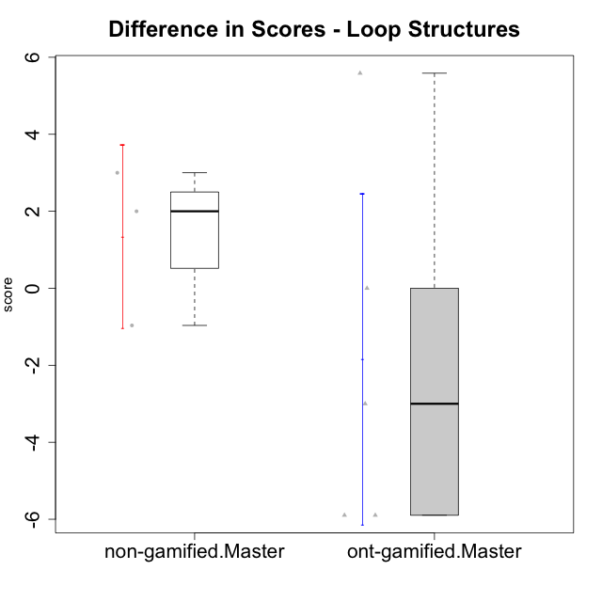

Student's t-Test data
UserID | Type | CLGroup | CLRole | PlayerRole | difScore
10116 | non-gamified | GroupC | Master |  | 3
10119 | ont-gamified | Grupo Zeus | Master | Yee Achiever | 0
10120 | ont-gamified | Grupo Hélio | Master | Yee Socializer | -5.8956
10121 | ont-gamified | Grupo Hades | Master | Yee Achiever | -3
10141 | ont-gamified | Grupo Apolo | Master | Yee Socializer | 5.58603312
10144 | non-gamified | GroupA | Master |  | 2
10145 | non-gamified | GroupB | Master |  | -0.9652
10152 | ont-gamified | Grupo Morfeu | Master | Yee Achiever | -5.8956

Type_CLRole_6
Student's t-Test for Difference in Scores - Loop Structures in Type:CLRole between ont-gamified.Apprentice:ont-gamified.Master

Student's t-Test results
Alternative hypothesis: less
Group | N | Mean | Mean.Difference | Std.deviation | Std.error | CI.lower | CI.upper | df | t.value | p.value | g | magnitude
ont-gamified.Apprentice | 8 | 5.0174 | 6.858433376 | 3.963693556 | 1.401377296 | 2.214645408 | 7.820154592 | 7.3509994654 | 2.6691349707 | 0.98468239963 | 1.4860500263 | large
ont-gamified.Master | 5 | -1.841033376 | -6.858433376 | 4.815935664 | 2.153751904 | -6.148537184 | 2.466470432 | 7.3509994654 | 2.6691349707 | 0.98468239963 | 1.4860500263 | large
Alternative hypothesis: greater
Group | N | Mean | Mean.Difference | Std.deviation | Std.error | CI.lower | CI.upper | df | t.value | p.value | g | magnitude
ont-gamified.Apprentice | 8 | 5.0174 | 6.858433376 | 3.963693556 | 1.401377296 | 2.214645408 | 7.820154592 | 7.3509994654 | 2.6691349707 | 0.015317600374 | 1.4860500263 | large
ont-gamified.Master | 5 | -1.841033376 | -6.858433376 | 4.815935664 | 2.153751904 | -6.148537184 | 2.466470432 | 7.3509994654 | 2.6691349707 | 0.015317600374 | 1.4860500263 | large
Alternative hypothesis: two.sided
Group | N | Mean | Mean.Difference | Std.deviation | Std.error | CI.lower | CI.upper | df | t.value | p.value | g | magnitude
ont-gamified.Apprentice | 8 | 5.0174 | 6.858433376 | 3.963693556 | 1.401377296 | 2.214645408 | 7.820154592 | 7.3509994654 | 2.6691349707 | 0.030635200747 | 1.4860500263 | large
ont-gamified.Master | 5 | -1.841033376 | -6.858433376 | 4.815935664 | 2.153751904 | -6.148537184 | 2.466470432 | 7.3509994654 | 2.6691349707 | 0.030635200747 | 1.4860500263 | large

Box plots for Student's t-Test
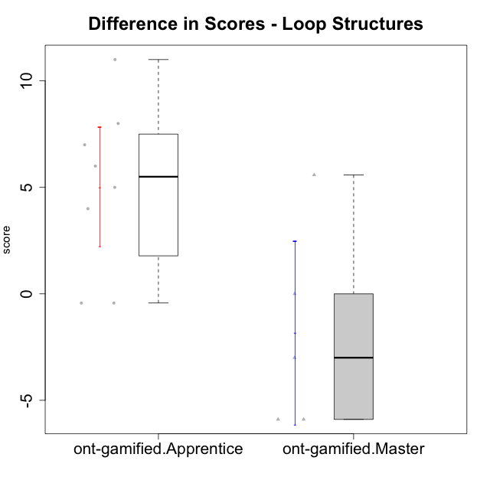

Student's t-Test data
UserID | Type | CLGroup | CLRole | PlayerRole | difScore
10119 | ont-gamified | Grupo Zeus | Master | Yee Achiever | 0
10120 | ont-gamified | Grupo Hélio | Master | Yee Socializer | -5.8956
10121 | ont-gamified | Grupo Hades | Master | Yee Achiever | -3
10126 | ont-gamified | Grupo Hélio | Apprentice | Yee Socializer | -0.4304
10131 | ont-gamified | Grupo Zeus | Apprentice | Yee Achiever | 4
10134 | ont-gamified | Grupo Apolo | Apprentice | Yee Socializer | 5
10137 | ont-gamified | Grupo Morfeu | Apprentice | Yee Achiever | 7
10138 | ont-gamified | Grupo Hélio | Apprentice | Yee Socializer | 8
10139 | ont-gamified | Grupo Zeus | Apprentice | Yee Achiever | 6
10141 | ont-gamified | Grupo Apolo | Master | Yee Socializer | 5.58603312
10143 | ont-gamified | Grupo Apolo | Apprentice | Yee Socializer | -0.4304
10148 | ont-gamified | Grupo Apolo | Apprentice | Yee Socializer | 11
10152 | ont-gamified | Grupo Morfeu | Master | Yee Achiever | -5.8956

