Type_1
Wilcoxon Analysis for Difference in Scores - Loop Structures in Type between non-gamified:ont-gamified

Wilcoxon test results
Alternative hypothesis: less
Group | N | Median | Mean.Ranks | Sum.Ranks | U | Z | p.value | r | magnitude
non-gamified | 14 | 4.5 | 18 | 252 | 147 | 1.4582169414 | 0.92826195777 | 0.26623277084 | small
ont-gamified | 16 | 0.5 | 13.3125 | 213 | 147 | 1.4582169414 | 0.92826195777 | 0.26623277084 | small
Alternative hypothesis: greater
Group | N | Median | Mean.Ranks | Sum.Ranks | U | Z | p.value | r | magnitude
non-gamified | 14 | 4.5 | 18 | 252 | 147 | 1.4582169414 | 0.074804565382 | 0.26623277084 | small
ont-gamified | 16 | 0.5 | 13.3125 | 213 | 147 | 1.4582169414 | 0.074804565382 | 0.26623277084 | small
Alternative hypothesis: two.sided
Group | N | Median | Mean.Ranks | Sum.Ranks | U | Z | p.value | r | magnitude
non-gamified | 14 | 4.5 | 18 | 252 | 147 | 1.4582169414 | 0.14951411119 | 0.26623277084 | small
ont-gamified | 16 | 0.5 | 13.3125 | 213 | 147 | 1.4582169414 | 0.14951411119 | 0.26623277084 | small

Box plots for wilcoxon tests
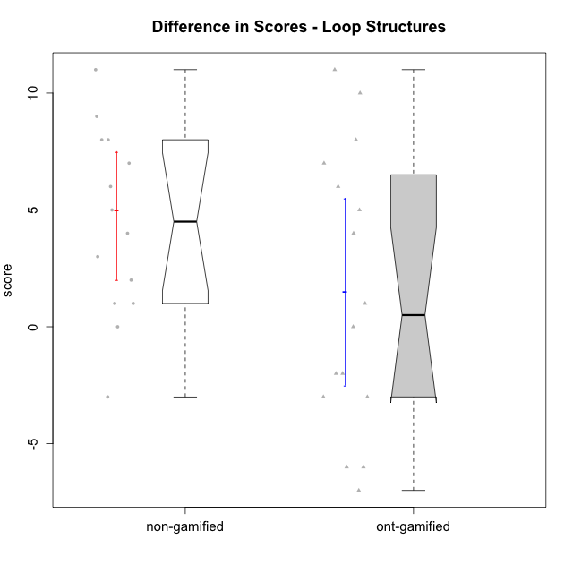

Wilcoxon data
UserID | Type | CLGroup | CLRole | PlayerRole | P1s3 | P2s3 | P3s3 | P4s3 | PreScore | PAs3 | PBs3 | PCs3 | PDs3 | PosScore | difScore
10116 | non-gamified | GroupC | Master |  | 3 | 1 | 1 | 0 | 5 | 3 | 1 | 4 | 0 | 8 | 3
10119 | ont-gamified | Grupo Zeus | Master | Yee Achiever | 0 | 0 | 0 | 0 | 0 | 0 | 0 | 0 | 0 | 0 | 0
10120 | ont-gamified | Grupo Hélio | Master | Yee Socializer | 2 | 1 | 3 | 4 | 10 | 2 | 1 | 1 | 0 | 4 | -6
10121 | ont-gamified | Grupo Hades | Master | Yee Achiever | 2 | 2 | 0 | 0 | 4 | 1 | 0 | 0 | 0 | 1 | -3
10122 | non-gamified | GroupB | Apprentice |  | 1 | 4 | 0 | 0 | 5 | 4 | 2 | 0 | 0 | 6 | 1
10126 | ont-gamified | Grupo Hélio | Apprentice | Yee Socializer | 3 | 2 | 0 | 0 | 5 | 1 | 1 | 0 | 0 | 2 | -3
10127 | ont-gamified | Grupo Hades | Apprentice | Yee Achiever | 2 | 1 | 0 | 0 | 3 | 1 | 0 | 0 | 0 | 1 | -2
10128 | ont-gamified | Grupo Morfeu | Apprentice | Yee Achiever | 4 | 1 | 0 | 0 | 5 | 2 | 3 | 1 | 0 | 6 | 1
10129 | non-gamified | GroupB | Apprentice |  | 0 | 0 | 0 | 0 | 0 | 2 | 1 | 2 | 0 | 5 | 5
10130 | non-gamified | GroupC | Apprentice |  | 2 | 0 | 0 | 0 | 2 | 2 | 1 | 3 | 0 | 6 | 4
10131 | ont-gamified | Grupo Zeus | Apprentice | Yee Achiever | 0 | 0 | 0 | 0 | 0 | 2 | 2 | 0 | 0 | 4 | 4
10132 | non-gamified | GroupA | Apprentice |  | 0 | 0 | 0 | 0 | 0 | 1 | 4 | 3 | 0 | 8 | 8
10133 | ont-gamified | Grupo Hades | Apprentice | Yee Achiever | 1 | 2 | 0 | 0 | 3 | 1 | 0 | 0 | 0 | 1 | -2
10134 | ont-gamified | Grupo Apolo | Apprentice | Yee Socializer | 0 | 0 | 0 | 0 | 0 | 1 | 1 | 3 | 0 | 5 | 5
10135 | non-gamified | GroupB | Apprentice |  | 1 | 3 | 0 | 0 | 4 | 1 | 4 | 0 | 0 | 5 | 1
10136 | non-gamified | GroupC | Apprentice |  | 0 | 0 | 0 | 0 | 0 | 3 | 2 | 2 | 0 | 7 | 7
10137 | ont-gamified | Grupo Morfeu | Apprentice | Yee Achiever | 0 | 0 | 0 | 0 | 0 | 1 | 2 | 4 | 0 | 7 | 7
10138 | ont-gamified | Grupo Hélio | Apprentice | Yee Socializer | 0 | 0 | 0 | 0 | 0 | 4 | 3 | 1 | 0 | 8 | 8
10139 | ont-gamified | Grupo Zeus | Apprentice | Yee Achiever | 0 | 0 | 0 | 0 | 0 | 2 | 4 | 0 | 0 | 6 | 6
10140 | non-gamified | GroupC | Apprentice |  | 1 | 0 | 0 | 0 | 1 | 1 | 2 | 4 | 3 | 10 | 9
10141 | ont-gamified | Grupo Apolo | Master | Yee Socializer | 0 | 0 | 0 | 0 | 0 | 4 | 4 | 1 | 1 | 10 | 10
10143 | ont-gamified | Grupo Apolo | Apprentice | Yee Socializer | 3 | 3 | 0 | 0 | 6 | 0 | 0 | 0 | 0 | 0 | -6
10144 | non-gamified | GroupA | Master |  | 1 | 1 | 1 | 2 | 5 | 4 | 3 | 0 | 0 | 7 | 2
10145 | non-gamified | GroupB | Master |  | 3 | 4 | 2 | 1 | 10 | 3 | 3 | 1 | 0 | 7 | -3
10146 | non-gamified | GroupA | Apprentice |  | 4 | 0 | 0 | 0 | 4 | 3 | 4 | 1 | 2 | 10 | 6
10148 | ont-gamified | Grupo Apolo | Apprentice | Yee Socializer | 0 | 0 | 0 | 0 | 0 | 4 | 2 | 1 | 4 | 11 | 11
10149 | non-gamified | GroupA | Apprentice |  | 0 | 0 | 0 | 0 | 0 | 3 | 3 | 2 | 0 | 8 | 8
10152 | ont-gamified | Grupo Morfeu | Master | Yee Achiever | 4 | 3 | 4 | 0 | 11 | 3 | 1 | 0 | 0 | 4 | -7
10153 | non-gamified | GroupA | Apprentice |  | 1 | 0 | 0 | 0 | 1 | 4 | 4 | 4 | 0 | 12 | 11
10154 | non-gamified | GroupC | Apprentice |  | 0 | 0 | 0 | 0 | 0 | 0 | 0 | 0 | 0 | 0 | 0

Type_CLRole_1
Wilcoxon Analysis for Difference in Scores - Loop Structures in Type:CLRole between non-gamified.Apprentice:non-gamified.Master

Wilcoxon test results
Alternative hypothesis: less
Group | N | Median | Mean.Ranks | Sum.Ranks | U | Z | p.value | r | magnitude
non-gamified.Apprentice | 11 | 6 | 8.4545454545 | 93 | 27 | 1.6384527436 | 0.95054945055 | 0.43789491508 | medium
non-gamified.Master | 3 | 2 | 4 | 12 | 27 | 1.6384527436 | 0.95054945055 | 0.43789491508 | medium
Alternative hypothesis: greater
Group | N | Median | Mean.Ranks | Sum.Ranks | U | Z | p.value | r | magnitude
non-gamified.Apprentice | 11 | 6 | 8.4545454545 | 93 | 27 | 1.6384527436 | 0.057692307692 | 0.43789491508 | medium
non-gamified.Master | 3 | 2 | 4 | 12 | 27 | 1.6384527436 | 0.057692307692 | 0.43789491508 | medium
Alternative hypothesis: two.sided
Group | N | Median | Mean.Ranks | Sum.Ranks | U | Z | p.value | r | magnitude
non-gamified.Apprentice | 11 | 6 | 8.4545454545 | 93 | 27 | 1.6384527436 | 0.11538461538 | 0.43789491508 | medium
non-gamified.Master | 3 | 2 | 4 | 12 | 27 | 1.6384527436 | 0.11538461538 | 0.43789491508 | medium

Box plots for wilcoxon tests
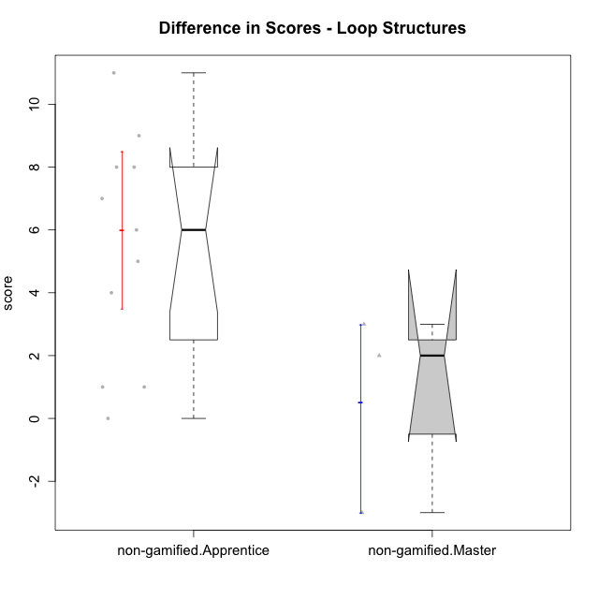

Wilcoxon data
UserID | Type | CLGroup | CLRole | PlayerRole | P1s3 | P2s3 | P3s3 | P4s3 | PreScore | PAs3 | PBs3 | PCs3 | PDs3 | PosScore | difScore
10116 | non-gamified | GroupC | Master |  | 3 | 1 | 1 | 0 | 5 | 3 | 1 | 4 | 0 | 8 | 3
10122 | non-gamified | GroupB | Apprentice |  | 1 | 4 | 0 | 0 | 5 | 4 | 2 | 0 | 0 | 6 | 1
10129 | non-gamified | GroupB | Apprentice |  | 0 | 0 | 0 | 0 | 0 | 2 | 1 | 2 | 0 | 5 | 5
10130 | non-gamified | GroupC | Apprentice |  | 2 | 0 | 0 | 0 | 2 | 2 | 1 | 3 | 0 | 6 | 4
10132 | non-gamified | GroupA | Apprentice |  | 0 | 0 | 0 | 0 | 0 | 1 | 4 | 3 | 0 | 8 | 8
10135 | non-gamified | GroupB | Apprentice |  | 1 | 3 | 0 | 0 | 4 | 1 | 4 | 0 | 0 | 5 | 1
10136 | non-gamified | GroupC | Apprentice |  | 0 | 0 | 0 | 0 | 0 | 3 | 2 | 2 | 0 | 7 | 7
10140 | non-gamified | GroupC | Apprentice |  | 1 | 0 | 0 | 0 | 1 | 1 | 2 | 4 | 3 | 10 | 9
10144 | non-gamified | GroupA | Master |  | 1 | 1 | 1 | 2 | 5 | 4 | 3 | 0 | 0 | 7 | 2
10145 | non-gamified | GroupB | Master |  | 3 | 4 | 2 | 1 | 10 | 3 | 3 | 1 | 0 | 7 | -3
10146 | non-gamified | GroupA | Apprentice |  | 4 | 0 | 0 | 0 | 4 | 3 | 4 | 1 | 2 | 10 | 6
10149 | non-gamified | GroupA | Apprentice |  | 0 | 0 | 0 | 0 | 0 | 3 | 3 | 2 | 0 | 8 | 8
10153 | non-gamified | GroupA | Apprentice |  | 1 | 0 | 0 | 0 | 1 | 4 | 4 | 4 | 0 | 12 | 11
10154 | non-gamified | GroupC | Apprentice |  | 0 | 0 | 0 | 0 | 0 | 0 | 0 | 0 | 0 | 0 | 0

Type_CLRole_2
Wilcoxon Analysis for Difference in Scores - Loop Structures in Type:CLRole between non-gamified.Apprentice:ont-gamified.Apprentice

Wilcoxon test results
Alternative hypothesis: less
Group | N | Median | Mean.Ranks | Sum.Ranks | U | Z | p.value | r | magnitude
non-gamified.Apprentice | 11 | 6 | 13.318181818 | 146.5 | 80.5 | 1.3185221057 | 0.90696481022 | 0.28110985747 | small
ont-gamified.Apprentice | 11 | 4 | 9.6818181818 | 106.5 | 80.5 | 1.3185221057 | 0.90696481022 | 0.28110985747 | small
Alternative hypothesis: greater
Group | N | Median | Mean.Ranks | Sum.Ranks | U | Z | p.value | r | magnitude
non-gamified.Apprentice | 11 | 6 | 13.318181818 | 146.5 | 80.5 | 1.3185221057 | 0.099371732499 | 0.28110985747 | small
ont-gamified.Apprentice | 11 | 4 | 9.6818181818 | 106.5 | 80.5 | 1.3185221057 | 0.099371732499 | 0.28110985747 | small
Alternative hypothesis: two.sided
Group | N | Median | Mean.Ranks | Sum.Ranks | U | Z | p.value | r | magnitude
non-gamified.Apprentice | 11 | 6 | 13.318181818 | 146.5 | 80.5 | 1.3185221057 | 0.198743465 | 0.28110985747 | small
ont-gamified.Apprentice | 11 | 4 | 9.6818181818 | 106.5 | 80.5 | 1.3185221057 | 0.198743465 | 0.28110985747 | small

Box plots for wilcoxon tests
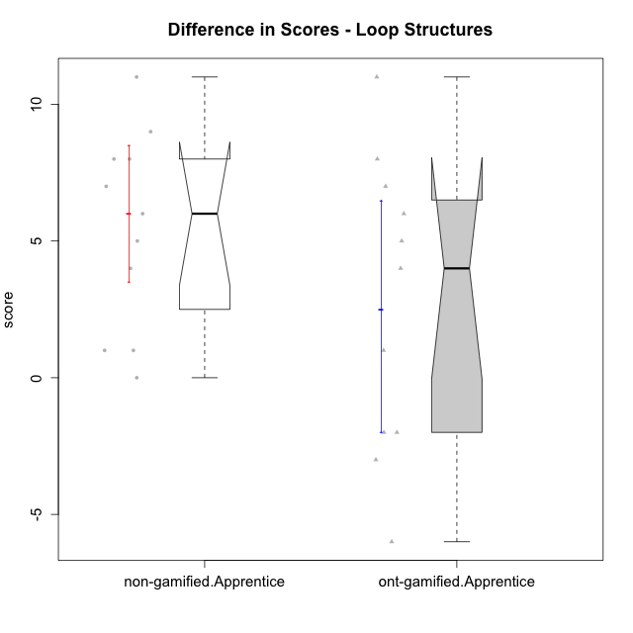

Wilcoxon data
UserID | Type | CLGroup | CLRole | PlayerRole | P1s3 | P2s3 | P3s3 | P4s3 | PreScore | PAs3 | PBs3 | PCs3 | PDs3 | PosScore | difScore
10122 | non-gamified | GroupB | Apprentice |  | 1 | 4 | 0 | 0 | 5 | 4 | 2 | 0 | 0 | 6 | 1
10126 | ont-gamified | Grupo Hélio | Apprentice | Yee Socializer | 3 | 2 | 0 | 0 | 5 | 1 | 1 | 0 | 0 | 2 | -3
10127 | ont-gamified | Grupo Hades | Apprentice | Yee Achiever | 2 | 1 | 0 | 0 | 3 | 1 | 0 | 0 | 0 | 1 | -2
10128 | ont-gamified | Grupo Morfeu | Apprentice | Yee Achiever | 4 | 1 | 0 | 0 | 5 | 2 | 3 | 1 | 0 | 6 | 1
10129 | non-gamified | GroupB | Apprentice |  | 0 | 0 | 0 | 0 | 0 | 2 | 1 | 2 | 0 | 5 | 5
10130 | non-gamified | GroupC | Apprentice |  | 2 | 0 | 0 | 0 | 2 | 2 | 1 | 3 | 0 | 6 | 4
10131 | ont-gamified | Grupo Zeus | Apprentice | Yee Achiever | 0 | 0 | 0 | 0 | 0 | 2 | 2 | 0 | 0 | 4 | 4
10132 | non-gamified | GroupA | Apprentice |  | 0 | 0 | 0 | 0 | 0 | 1 | 4 | 3 | 0 | 8 | 8
10133 | ont-gamified | Grupo Hades | Apprentice | Yee Achiever | 1 | 2 | 0 | 0 | 3 | 1 | 0 | 0 | 0 | 1 | -2
10134 | ont-gamified | Grupo Apolo | Apprentice | Yee Socializer | 0 | 0 | 0 | 0 | 0 | 1 | 1 | 3 | 0 | 5 | 5
10135 | non-gamified | GroupB | Apprentice |  | 1 | 3 | 0 | 0 | 4 | 1 | 4 | 0 | 0 | 5 | 1
10136 | non-gamified | GroupC | Apprentice |  | 0 | 0 | 0 | 0 | 0 | 3 | 2 | 2 | 0 | 7 | 7
10137 | ont-gamified | Grupo Morfeu | Apprentice | Yee Achiever | 0 | 0 | 0 | 0 | 0 | 1 | 2 | 4 | 0 | 7 | 7
10138 | ont-gamified | Grupo Hélio | Apprentice | Yee Socializer | 0 | 0 | 0 | 0 | 0 | 4 | 3 | 1 | 0 | 8 | 8
10139 | ont-gamified | Grupo Zeus | Apprentice | Yee Achiever | 0 | 0 | 0 | 0 | 0 | 2 | 4 | 0 | 0 | 6 | 6
10140 | non-gamified | GroupC | Apprentice |  | 1 | 0 | 0 | 0 | 1 | 1 | 2 | 4 | 3 | 10 | 9
10143 | ont-gamified | Grupo Apolo | Apprentice | Yee Socializer | 3 | 3 | 0 | 0 | 6 | 0 | 0 | 0 | 0 | 0 | -6
10146 | non-gamified | GroupA | Apprentice |  | 4 | 0 | 0 | 0 | 4 | 3 | 4 | 1 | 2 | 10 | 6
10148 | ont-gamified | Grupo Apolo | Apprentice | Yee Socializer | 0 | 0 | 0 | 0 | 0 | 4 | 2 | 1 | 4 | 11 | 11
10149 | non-gamified | GroupA | Apprentice |  | 0 | 0 | 0 | 0 | 0 | 3 | 3 | 2 | 0 | 8 | 8
10153 | non-gamified | GroupA | Apprentice |  | 1 | 0 | 0 | 0 | 1 | 4 | 4 | 4 | 0 | 12 | 11
10154 | non-gamified | GroupC | Apprentice |  | 0 | 0 | 0 | 0 | 0 | 0 | 0 | 0 | 0 | 0 | 0

Type_CLRole_3
Wilcoxon Analysis for Difference in Scores - Loop Structures in Type:CLRole between non-gamified.Apprentice:ont-gamified.Master

Wilcoxon test results
Alternative hypothesis: less
Group | N | Median | Mean.Ranks | Sum.Ranks | U | Z | p.value | r | magnitude
non-gamified.Apprentice | 11 | 6 | 10.045454545 | 110.5 | 44.5 | 1.9301624434 | 0.97527472527 | 0.48254061085 | medium
ont-gamified.Master | 5 | -3 | 5.1 | 25.5 | 44.5 | 1.9301624434 | 0.97527472527 | 0.48254061085 | medium
Alternative hypothesis: greater
Group | N | Median | Mean.Ranks | Sum.Ranks | U | Z | p.value | r | magnitude
non-gamified.Apprentice | 11 | 6 | 10.045454545 | 110.5 | 44.5 | 1.9301624434 | 0.027472527473 | 0.48254061085 | medium
ont-gamified.Master | 5 | -3 | 5.1 | 25.5 | 44.5 | 1.9301624434 | 0.027472527473 | 0.48254061085 | medium
Alternative hypothesis: two.sided
Group | N | Median | Mean.Ranks | Sum.Ranks | U | Z | p.value | r | magnitude
non-gamified.Apprentice | 11 | 6 | 10.045454545 | 110.5 | 44.5 | 1.9301624434 | 0.054258241758 | 0.48254061085 | medium
ont-gamified.Master | 5 | -3 | 5.1 | 25.5 | 44.5 | 1.9301624434 | 0.054258241758 | 0.48254061085 | medium

Box plots for wilcoxon tests
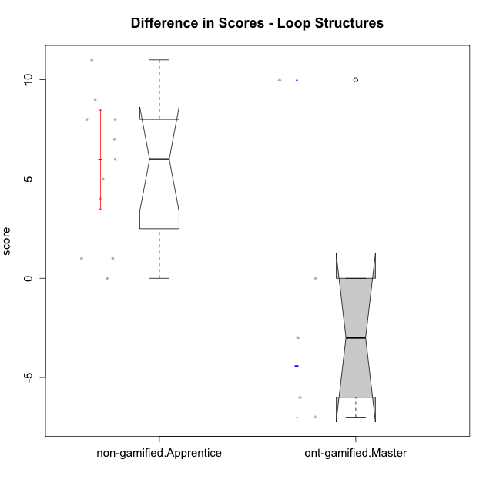

Wilcoxon data
UserID | Type | CLGroup | CLRole | PlayerRole | P1s3 | P2s3 | P3s3 | P4s3 | PreScore | PAs3 | PBs3 | PCs3 | PDs3 | PosScore | difScore
10119 | ont-gamified | Grupo Zeus | Master | Yee Achiever | 0 | 0 | 0 | 0 | 0 | 0 | 0 | 0 | 0 | 0 | 0
10120 | ont-gamified | Grupo Hélio | Master | Yee Socializer | 2 | 1 | 3 | 4 | 10 | 2 | 1 | 1 | 0 | 4 | -6
10121 | ont-gamified | Grupo Hades | Master | Yee Achiever | 2 | 2 | 0 | 0 | 4 | 1 | 0 | 0 | 0 | 1 | -3
10122 | non-gamified | GroupB | Apprentice |  | 1 | 4 | 0 | 0 | 5 | 4 | 2 | 0 | 0 | 6 | 1
10129 | non-gamified | GroupB | Apprentice |  | 0 | 0 | 0 | 0 | 0 | 2 | 1 | 2 | 0 | 5 | 5
10130 | non-gamified | GroupC | Apprentice |  | 2 | 0 | 0 | 0 | 2 | 2 | 1 | 3 | 0 | 6 | 4
10132 | non-gamified | GroupA | Apprentice |  | 0 | 0 | 0 | 0 | 0 | 1 | 4 | 3 | 0 | 8 | 8
10135 | non-gamified | GroupB | Apprentice |  | 1 | 3 | 0 | 0 | 4 | 1 | 4 | 0 | 0 | 5 | 1
10136 | non-gamified | GroupC | Apprentice |  | 0 | 0 | 0 | 0 | 0 | 3 | 2 | 2 | 0 | 7 | 7
10140 | non-gamified | GroupC | Apprentice |  | 1 | 0 | 0 | 0 | 1 | 1 | 2 | 4 | 3 | 10 | 9
10141 | ont-gamified | Grupo Apolo | Master | Yee Socializer | 0 | 0 | 0 | 0 | 0 | 4 | 4 | 1 | 1 | 10 | 10
10146 | non-gamified | GroupA | Apprentice |  | 4 | 0 | 0 | 0 | 4 | 3 | 4 | 1 | 2 | 10 | 6
10149 | non-gamified | GroupA | Apprentice |  | 0 | 0 | 0 | 0 | 0 | 3 | 3 | 2 | 0 | 8 | 8
10152 | ont-gamified | Grupo Morfeu | Master | Yee Achiever | 4 | 3 | 4 | 0 | 11 | 3 | 1 | 0 | 0 | 4 | -7
10153 | non-gamified | GroupA | Apprentice |  | 1 | 0 | 0 | 0 | 1 | 4 | 4 | 4 | 0 | 12 | 11
10154 | non-gamified | GroupC | Apprentice |  | 0 | 0 | 0 | 0 | 0 | 0 | 0 | 0 | 0 | 0 | 0

Type_CLRole_4
Wilcoxon Analysis for Difference in Scores - Loop Structures in Type:CLRole between non-gamified.Master:ont-gamified.Apprentice

Wilcoxon test results
Alternative hypothesis: less
Group | N | Median | Mean.Ranks | Sum.Ranks | U | Z | p.value | r | magnitude
non-gamified.Master | 3 | 2 | 5.8333333333 | 17.5 | 11.5 | -0.78021559221 | 0.24175824176 | 0.20852138813 | small
ont-gamified.Apprentice | 11 | 4 | 7.9545454545 | 87.5 | 11.5 | -0.78021559221 | 0.24175824176 | 0.20852138813 | small
Alternative hypothesis: greater
Group | N | Median | Mean.Ranks | Sum.Ranks | U | Z | p.value | r | magnitude
non-gamified.Master | 3 | 2 | 5.8333333333 | 17.5 | 11.5 | -0.78021559221 | 0.78571428571 | 0.20852138813 | small
ont-gamified.Apprentice | 11 | 4 | 7.9545454545 | 87.5 | 11.5 | -0.78021559221 | 0.78571428571 | 0.20852138813 | small
Alternative hypothesis: two.sided
Group | N | Median | Mean.Ranks | Sum.Ranks | U | Z | p.value | r | magnitude
non-gamified.Master | 3 | 2 | 5.8333333333 | 17.5 | 11.5 | -0.78021559221 | 0.48351648352 | 0.20852138813 | small
ont-gamified.Apprentice | 11 | 4 | 7.9545454545 | 87.5 | 11.5 | -0.78021559221 | 0.48351648352 | 0.20852138813 | small

Box plots for wilcoxon tests
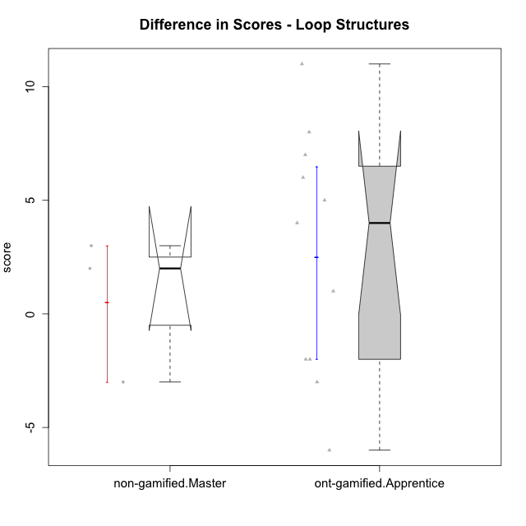

Wilcoxon data
UserID | Type | CLGroup | CLRole | PlayerRole | P1s3 | P2s3 | P3s3 | P4s3 | PreScore | PAs3 | PBs3 | PCs3 | PDs3 | PosScore | difScore
10116 | non-gamified | GroupC | Master |  | 3 | 1 | 1 | 0 | 5 | 3 | 1 | 4 | 0 | 8 | 3
10126 | ont-gamified | Grupo Hélio | Apprentice | Yee Socializer | 3 | 2 | 0 | 0 | 5 | 1 | 1 | 0 | 0 | 2 | -3
10127 | ont-gamified | Grupo Hades | Apprentice | Yee Achiever | 2 | 1 | 0 | 0 | 3 | 1 | 0 | 0 | 0 | 1 | -2
10128 | ont-gamified | Grupo Morfeu | Apprentice | Yee Achiever | 4 | 1 | 0 | 0 | 5 | 2 | 3 | 1 | 0 | 6 | 1
10131 | ont-gamified | Grupo Zeus | Apprentice | Yee Achiever | 0 | 0 | 0 | 0 | 0 | 2 | 2 | 0 | 0 | 4 | 4
10133 | ont-gamified | Grupo Hades | Apprentice | Yee Achiever | 1 | 2 | 0 | 0 | 3 | 1 | 0 | 0 | 0 | 1 | -2
10134 | ont-gamified | Grupo Apolo | Apprentice | Yee Socializer | 0 | 0 | 0 | 0 | 0 | 1 | 1 | 3 | 0 | 5 | 5
10137 | ont-gamified | Grupo Morfeu | Apprentice | Yee Achiever | 0 | 0 | 0 | 0 | 0 | 1 | 2 | 4 | 0 | 7 | 7
10138 | ont-gamified | Grupo Hélio | Apprentice | Yee Socializer | 0 | 0 | 0 | 0 | 0 | 4 | 3 | 1 | 0 | 8 | 8
10139 | ont-gamified | Grupo Zeus | Apprentice | Yee Achiever | 0 | 0 | 0 | 0 | 0 | 2 | 4 | 0 | 0 | 6 | 6
10143 | ont-gamified | Grupo Apolo | Apprentice | Yee Socializer | 3 | 3 | 0 | 0 | 6 | 0 | 0 | 0 | 0 | 0 | -6
10144 | non-gamified | GroupA | Master |  | 1 | 1 | 1 | 2 | 5 | 4 | 3 | 0 | 0 | 7 | 2
10145 | non-gamified | GroupB | Master |  | 3 | 4 | 2 | 1 | 10 | 3 | 3 | 1 | 0 | 7 | -3
10148 | ont-gamified | Grupo Apolo | Apprentice | Yee Socializer | 0 | 0 | 0 | 0 | 0 | 4 | 2 | 1 | 4 | 11 | 11

Type_CLRole_5
Wilcoxon Analysis for Difference in Scores - Loop Structures in Type:CLRole between non-gamified.Master:ont-gamified.Master

Wilcoxon test results
Alternative hypothesis: less
Group | N | Median | Mean.Ranks | Sum.Ranks | U | Z | p.value | r | magnitude
non-gamified.Master | 3 | 2 | 5.5 | 16.5 | 10.5 | 0.89979917438 | 0.83928571429 | 0.31812704896 | medium
ont-gamified.Master | 5 | -3 | 3.9 | 19.5 | 10.5 | 0.89979917438 | 0.83928571429 | 0.31812704896 | medium
Alternative hypothesis: greater
Group | N | Median | Mean.Ranks | Sum.Ranks | U | Z | p.value | r | magnitude
non-gamified.Master | 3 | 2 | 5.5 | 16.5 | 10.5 | 0.89979917438 | 0.23214285714 | 0.31812704896 | medium
ont-gamified.Master | 5 | -3 | 3.9 | 19.5 | 10.5 | 0.89979917438 | 0.23214285714 | 0.31812704896 | medium
Alternative hypothesis: two.sided
Group | N | Median | Mean.Ranks | Sum.Ranks | U | Z | p.value | r | magnitude
non-gamified.Master | 3 | 2 | 5.5 | 16.5 | 10.5 | 0.89979917438 | 0.46428571429 | 0.31812704896 | medium
ont-gamified.Master | 5 | -3 | 3.9 | 19.5 | 10.5 | 0.89979917438 | 0.46428571429 | 0.31812704896 | medium

Box plots for wilcoxon tests
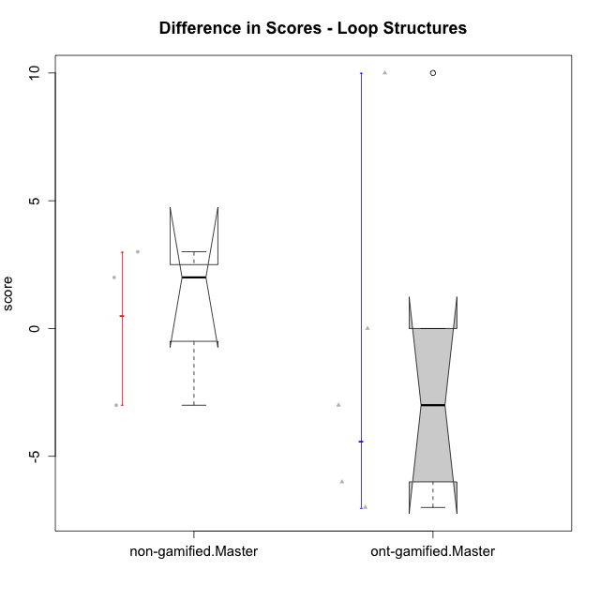

Wilcoxon data
UserID | Type | CLGroup | CLRole | PlayerRole | P1s3 | P2s3 | P3s3 | P4s3 | PreScore | PAs3 | PBs3 | PCs3 | PDs3 | PosScore | difScore
10116 | non-gamified | GroupC | Master |  | 3 | 1 | 1 | 0 | 5 | 3 | 1 | 4 | 0 | 8 | 3
10119 | ont-gamified | Grupo Zeus | Master | Yee Achiever | 0 | 0 | 0 | 0 | 0 | 0 | 0 | 0 | 0 | 0 | 0
10120 | ont-gamified | Grupo Hélio | Master | Yee Socializer | 2 | 1 | 3 | 4 | 10 | 2 | 1 | 1 | 0 | 4 | -6
10121 | ont-gamified | Grupo Hades | Master | Yee Achiever | 2 | 2 | 0 | 0 | 4 | 1 | 0 | 0 | 0 | 1 | -3
10141 | ont-gamified | Grupo Apolo | Master | Yee Socializer | 0 | 0 | 0 | 0 | 0 | 4 | 4 | 1 | 1 | 10 | 10
10144 | non-gamified | GroupA | Master |  | 1 | 1 | 1 | 2 | 5 | 4 | 3 | 0 | 0 | 7 | 2
10145 | non-gamified | GroupB | Master |  | 3 | 4 | 2 | 1 | 10 | 3 | 3 | 1 | 0 | 7 | -3
10152 | ont-gamified | Grupo Morfeu | Master | Yee Achiever | 4 | 3 | 4 | 0 | 11 | 3 | 1 | 0 | 0 | 4 | -7

Type_CLRole_6
Wilcoxon Analysis for Difference in Scores - Loop Structures in Type:CLRole between ont-gamified.Apprentice:ont-gamified.Master

Wilcoxon test results
Alternative hypothesis: less
Group | N | Median | Mean.Ranks | Sum.Ranks | U | Z | p.value | r | magnitude
ont-gamified.Apprentice | 11 | 4 | 9.5454545455 | 105 | 39 | 1.3056981235 | 0.90613553114 | 0.32642453087 | medium
ont-gamified.Master | 5 | -3 | 6.2 | 31 | 39 | 1.3056981235 | 0.90613553114 | 0.32642453087 | medium
Alternative hypothesis: greater
Group | N | Median | Mean.Ranks | Sum.Ranks | U | Z | p.value | r | magnitude
ont-gamified.Apprentice | 11 | 4 | 9.5454545455 | 105 | 39 | 1.3056981235 | 0.10714285714 | 0.32642453087 | medium
ont-gamified.Master | 5 | -3 | 6.2 | 31 | 39 | 1.3056981235 | 0.10714285714 | 0.32642453087 | medium
Alternative hypothesis: two.sided
Group | N | Median | Mean.Ranks | Sum.Ranks | U | Z | p.value | r | magnitude
ont-gamified.Apprentice | 11 | 4 | 9.5454545455 | 105 | 39 | 1.3056981235 | 0.21039377289 | 0.32642453087 | medium
ont-gamified.Master | 5 | -3 | 6.2 | 31 | 39 | 1.3056981235 | 0.21039377289 | 0.32642453087 | medium

Box plots for wilcoxon tests
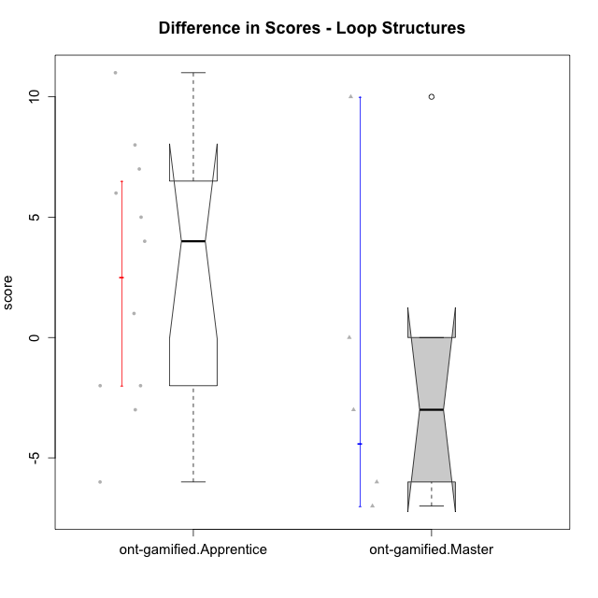

Wilcoxon data
UserID | Type | CLGroup | CLRole | PlayerRole | P1s3 | P2s3 | P3s3 | P4s3 | PreScore | PAs3 | PBs3 | PCs3 | PDs3 | PosScore | difScore
10119 | ont-gamified | Grupo Zeus | Master | Yee Achiever | 0 | 0 | 0 | 0 | 0 | 0 | 0 | 0 | 0 | 0 | 0
10120 | ont-gamified | Grupo Hélio | Master | Yee Socializer | 2 | 1 | 3 | 4 | 10 | 2 | 1 | 1 | 0 | 4 | -6
10121 | ont-gamified | Grupo Hades | Master | Yee Achiever | 2 | 2 | 0 | 0 | 4 | 1 | 0 | 0 | 0 | 1 | -3
10126 | ont-gamified | Grupo Hélio | Apprentice | Yee Socializer | 3 | 2 | 0 | 0 | 5 | 1 | 1 | 0 | 0 | 2 | -3
10127 | ont-gamified | Grupo Hades | Apprentice | Yee Achiever | 2 | 1 | 0 | 0 | 3 | 1 | 0 | 0 | 0 | 1 | -2
10128 | ont-gamified | Grupo Morfeu | Apprentice | Yee Achiever | 4 | 1 | 0 | 0 | 5 | 2 | 3 | 1 | 0 | 6 | 1
10131 | ont-gamified | Grupo Zeus | Apprentice | Yee Achiever | 0 | 0 | 0 | 0 | 0 | 2 | 2 | 0 | 0 | 4 | 4
10133 | ont-gamified | Grupo Hades | Apprentice | Yee Achiever | 1 | 2 | 0 | 0 | 3 | 1 | 0 | 0 | 0 | 1 | -2
10134 | ont-gamified | Grupo Apolo | Apprentice | Yee Socializer | 0 | 0 | 0 | 0 | 0 | 1 | 1 | 3 | 0 | 5 | 5
10137 | ont-gamified | Grupo Morfeu | Apprentice | Yee Achiever | 0 | 0 | 0 | 0 | 0 | 1 | 2 | 4 | 0 | 7 | 7
10138 | ont-gamified | Grupo Hélio | Apprentice | Yee Socializer | 0 | 0 | 0 | 0 | 0 | 4 | 3 | 1 | 0 | 8 | 8
10139 | ont-gamified | Grupo Zeus | Apprentice | Yee Achiever | 0 | 0 | 0 | 0 | 0 | 2 | 4 | 0 | 0 | 6 | 6
10141 | ont-gamified | Grupo Apolo | Master | Yee Socializer | 0 | 0 | 0 | 0 | 0 | 4 | 4 | 1 | 1 | 10 | 10
10143 | ont-gamified | Grupo Apolo | Apprentice | Yee Socializer | 3 | 3 | 0 | 0 | 6 | 0 | 0 | 0 | 0 | 0 | -6
10148 | ont-gamified | Grupo Apolo | Apprentice | Yee Socializer | 0 | 0 | 0 | 0 | 0 | 4 | 2 | 1 | 4 | 11 | 11
10152 | ont-gamified | Grupo Morfeu | Master | Yee Achiever | 4 | 3 | 4 | 0 | 11 | 3 | 1 | 0 | 0 | 4 | -7

