Type_1
Wilcoxon Analysis for Gains in Skill/Knowledge - Loop Structures in Type between non-gamified:ont-gamified

Wilcoxon test results
Alternative hypothesis: less
Group | N | Median | Mean.Ranks | Sum.Ranks | U | Z | p.value | r | magnitude
non-gamified | 14 | 3.5998612283 | 17 | 238 | 133 | 0.87366207873 | 0.80894685784 | 0.15950814272 | small
ont-gamified | 16 | 2.5923850526 | 14.1875 | 227 | 133 | 0.87366207873 | 0.80894685784 | 0.15950814272 | small
Alternative hypothesis: greater
Group | N | Median | Mean.Ranks | Sum.Ranks | U | Z | p.value | r | magnitude
non-gamified | 14 | 3.5998612283 | 17 | 238 | 133 | 0.87366207873 | 0.1967915595 | 0.15950814272 | small
ont-gamified | 16 | 2.5923850526 | 14.1875 | 227 | 133 | 0.87366207873 | 0.1967915595 | 0.15950814272 | small
Alternative hypothesis: two.sided
Group | N | Median | Mean.Ranks | Sum.Ranks | U | Z | p.value | r | magnitude
non-gamified | 14 | 3.5998612283 | 17 | 238 | 133 | 0.87366207873 | 0.39357259795 | 0.15950814272 | small
ont-gamified | 16 | 2.5923850526 | 14.1875 | 227 | 133 | 0.87366207873 | 0.39357259795 | 0.15950814272 | small

Box plots for wilcoxon tests
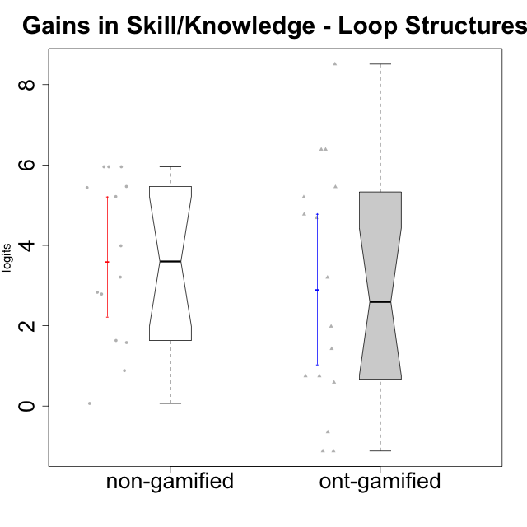

Wilcoxon data
UserID | Type | CLGroup | CLRole | PlayerRole | pre.theta | pos.theta | gain.theta
10116 | non-gamified | GroupC | Master |  | -1.3129298063 | 0.26863357757 | 1.5815633838
10119 | ont-gamified | Grupo Zeus | Master | Yee Achiever | -5.3198435546 | -3.3364584403 | 1.9833851143
10120 | ont-gamified | Grupo Hélio | Master | Yee Socializer | 0.57106163604 | -0.54630759537 | -1.1173692314
10121 | ont-gamified | Grupo Hades | Master | Yee Achiever | -2.4696533328 | -1.7223186469 | 0.74733468587
10122 | non-gamified | GroupB | Apprentice |  | -2.4696533328 | 0.31891779948 | 2.7885711323
10126 | ont-gamified | Grupo Hélio | Apprentice | Yee Socializer | -2.564416276 | -1.1379646184 | 1.4264516577
10127 | ont-gamified | Grupo Hades | Apprentice | Yee Achiever | -2.4696533328 | -1.7223186469 | 0.74733468587
10128 | ont-gamified | Grupo Morfeu | Apprentice | Yee Achiever | -2.564416276 | 0.63696871494 | 3.201384991
10129 | non-gamified | GroupB | Apprentice |  | -5.3198435546 | -0.10545882037 | 5.2143847342
10130 | non-gamified | GroupC | Apprentice |  | -3.7214581505 | -0.51182742187 | 3.2096307286
10131 | ont-gamified | Grupo Zeus | Apprentice | Yee Achiever | -4.7484844996 | -0.064779385731 | 4.6837051139
10132 | non-gamified | GroupA | Apprentice |  | -5.3198435546 | 0.63696871494 | 5.9568122695
10133 | ont-gamified | Grupo Hades | Apprentice | Yee Achiever | -2.564416276 | -1.9744997446 | 0.58991653144
10134 | ont-gamified | Grupo Apolo | Apprentice | Yee Socializer | -5.3198435546 | -0.54630759537 | 4.7735359592
10135 | non-gamified | GroupB | Apprentice |  | -2.564416276 | 0.26863357757 | 2.8330498536
10136 | non-gamified | GroupC | Apprentice |  | -5.3198435546 | 0.63696871494 | 5.9568122695
10137 | ont-gamified | Grupo Morfeu | Apprentice | Yee Achiever | -5.3074976363 | -0.10545882037 | 5.2020388159
10138 | ont-gamified | Grupo Hélio | Apprentice | Yee Socializer | -5.3198435546 | 1.0672524931 | 6.3870960477
10139 | ont-gamified | Grupo Zeus | Apprentice | Yee Achiever | -4.7484844996 | 0.70721934527 | 5.4557038449
10140 | non-gamified | GroupC | Apprentice |  | -3.7214581505 | 0.26863357757 | 3.990091728
10141 | ont-gamified | Grupo Apolo | Master | Yee Socializer | -5.3198435546 | 3.1906742076 | 8.5105177621
10143 | ont-gamified | Grupo Apolo | Apprentice | Yee Socializer | -2.4696533328 | -3.1150702293 | -0.64541689649
10144 | non-gamified | GroupA | Master |  | -0.24487397877 | 0.63696871494 | 0.88184269371
10145 | non-gamified | GroupB | Master |  | 0.57106163604 | 0.63696871494 | 0.065907078898
10146 | non-gamified | GroupA | Apprentice |  | -3.7489141003 | 1.7167627632 | 5.4656768635
10148 | ont-gamified | Grupo Apolo | Apprentice | Yee Socializer | -5.3198435546 | 1.0672524931 | 6.3870960477
10149 | non-gamified | GroupA | Apprentice |  | -5.3198435546 | 0.63696871494 | 5.9568122695
10152 | ont-gamified | Grupo Morfeu | Master | Yee Achiever | 0.57106163604 | -0.54630759537 | -1.1173692314
10153 | non-gamified | GroupA | Apprentice |  | -3.7214581505 | 1.7167627632 | 5.4382209136
10154 | non-gamified | GroupC | Apprentice |  | -4.7484844996 | -3.1150702293 | 1.6334142703

Type_CLRole_1
Wilcoxon Analysis for Gains in Skill/Knowledge - Loop Structures in Type:CLRole between non-gamified.Apprentice:non-gamified.Master

Wilcoxon test results
Alternative hypothesis: less
Group | N | Median | Mean.Ranks | Sum.Ranks | U | Z | p.value | r | magnitude
non-gamified.Apprentice | 11 | 5.2143847342 | 9 | 99 | 33 | 2.5804140337 | 1 | 0.6896446593 | large
non-gamified.Master | 3 | 0.88184269371 | 2 | 6 | 33 | 2.5804140337 | 1 | 0.6896446593 | large
Alternative hypothesis: greater
Group | N | Median | Mean.Ranks | Sum.Ranks | U | Z | p.value | r | magnitude
non-gamified.Apprentice | 11 | 5.2143847342 | 9 | 99 | 33 | 2.5804140337 | 0.0027472527473 | 0.6896446593 | large
non-gamified.Master | 3 | 0.88184269371 | 2 | 6 | 33 | 2.5804140337 | 0.0027472527473 | 0.6896446593 | large
Alternative hypothesis: two.sided
Group | N | Median | Mean.Ranks | Sum.Ranks | U | Z | p.value | r | magnitude
non-gamified.Apprentice | 11 | 5.2143847342 | 9 | 99 | 33 | 2.5804140337 | 0.0054945054945 | 0.6896446593 | large
non-gamified.Master | 3 | 0.88184269371 | 2 | 6 | 33 | 2.5804140337 | 0.0054945054945 | 0.6896446593 | large

Box plots for wilcoxon tests
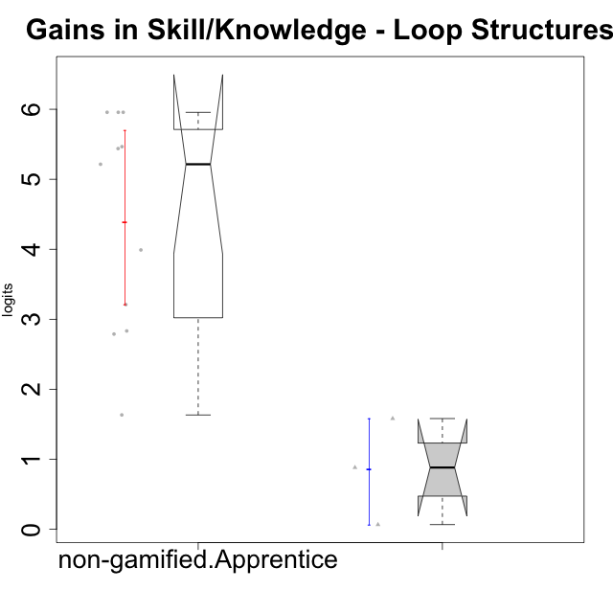

Wilcoxon data
UserID | Type | CLGroup | CLRole | PlayerRole | pre.theta | pos.theta | gain.theta
10116 | non-gamified | GroupC | Master |  | -1.3129298063 | 0.26863357757 | 1.5815633838
10122 | non-gamified | GroupB | Apprentice |  | -2.4696533328 | 0.31891779948 | 2.7885711323
10129 | non-gamified | GroupB | Apprentice |  | -5.3198435546 | -0.10545882037 | 5.2143847342
10130 | non-gamified | GroupC | Apprentice |  | -3.7214581505 | -0.51182742187 | 3.2096307286
10132 | non-gamified | GroupA | Apprentice |  | -5.3198435546 | 0.63696871494 | 5.9568122695
10135 | non-gamified | GroupB | Apprentice |  | -2.564416276 | 0.26863357757 | 2.8330498536
10136 | non-gamified | GroupC | Apprentice |  | -5.3198435546 | 0.63696871494 | 5.9568122695
10140 | non-gamified | GroupC | Apprentice |  | -3.7214581505 | 0.26863357757 | 3.990091728
10144 | non-gamified | GroupA | Master |  | -0.24487397877 | 0.63696871494 | 0.88184269371
10145 | non-gamified | GroupB | Master |  | 0.57106163604 | 0.63696871494 | 0.065907078898
10146 | non-gamified | GroupA | Apprentice |  | -3.7489141003 | 1.7167627632 | 5.4656768635
10149 | non-gamified | GroupA | Apprentice |  | -5.3198435546 | 0.63696871494 | 5.9568122695
10153 | non-gamified | GroupA | Apprentice |  | -3.7214581505 | 1.7167627632 | 5.4382209136
10154 | non-gamified | GroupC | Apprentice |  | -4.7484844996 | -3.1150702293 | 1.6334142703

Type_CLRole_2
Wilcoxon Analysis for Gains in Skill/Knowledge - Loop Structures in Type:CLRole between non-gamified.Apprentice:ont-gamified.Apprentice

Wilcoxon test results
Alternative hypothesis: less
Group | N | Median | Mean.Ranks | Sum.Ranks | U | Z | p.value | r | magnitude
non-gamified.Apprentice | 11 | 5.2143847342 | 12.727272727 | 140 | 74 | 0.88773168151 | 0.81306064936 | 0.18926503043 | small
ont-gamified.Apprentice | 11 | 4.6837051139 | 10.272727273 | 113 | 74 | 0.88773168151 | 0.81306064936 | 0.18926503043 | small
Alternative hypothesis: greater
Group | N | Median | Mean.Ranks | Sum.Ranks | U | Z | p.value | r | magnitude
non-gamified.Apprentice | 11 | 5.2143847342 | 12.727272727 | 140 | 74 | 0.88773168151 | 0.1952193833 | 0.18926503043 | small
ont-gamified.Apprentice | 11 | 4.6837051139 | 10.272727273 | 113 | 74 | 0.88773168151 | 0.1952193833 | 0.18926503043 | small
Alternative hypothesis: two.sided
Group | N | Median | Mean.Ranks | Sum.Ranks | U | Z | p.value | r | magnitude
non-gamified.Apprentice | 11 | 5.2143847342 | 12.727272727 | 140 | 74 | 0.88773168151 | 0.3904387666 | 0.18926503043 | small
ont-gamified.Apprentice | 11 | 4.6837051139 | 10.272727273 | 113 | 74 | 0.88773168151 | 0.3904387666 | 0.18926503043 | small

Box plots for wilcoxon tests
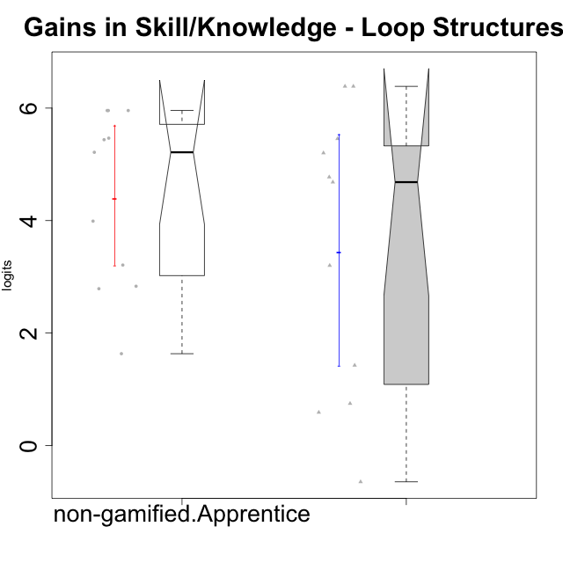

Wilcoxon data
UserID | Type | CLGroup | CLRole | PlayerRole | pre.theta | pos.theta | gain.theta
10122 | non-gamified | GroupB | Apprentice |  | -2.4696533328 | 0.31891779948 | 2.7885711323
10126 | ont-gamified | Grupo Hélio | Apprentice | Yee Socializer | -2.564416276 | -1.1379646184 | 1.4264516577
10127 | ont-gamified | Grupo Hades | Apprentice | Yee Achiever | -2.4696533328 | -1.7223186469 | 0.74733468587
10128 | ont-gamified | Grupo Morfeu | Apprentice | Yee Achiever | -2.564416276 | 0.63696871494 | 3.201384991
10129 | non-gamified | GroupB | Apprentice |  | -5.3198435546 | -0.10545882037 | 5.2143847342
10130 | non-gamified | GroupC | Apprentice |  | -3.7214581505 | -0.51182742187 | 3.2096307286
10131 | ont-gamified | Grupo Zeus | Apprentice | Yee Achiever | -4.7484844996 | -0.064779385731 | 4.6837051139
10132 | non-gamified | GroupA | Apprentice |  | -5.3198435546 | 0.63696871494 | 5.9568122695
10133 | ont-gamified | Grupo Hades | Apprentice | Yee Achiever | -2.564416276 | -1.9744997446 | 0.58991653144
10134 | ont-gamified | Grupo Apolo | Apprentice | Yee Socializer | -5.3198435546 | -0.54630759537 | 4.7735359592
10135 | non-gamified | GroupB | Apprentice |  | -2.564416276 | 0.26863357757 | 2.8330498536
10136 | non-gamified | GroupC | Apprentice |  | -5.3198435546 | 0.63696871494 | 5.9568122695
10137 | ont-gamified | Grupo Morfeu | Apprentice | Yee Achiever | -5.3074976363 | -0.10545882037 | 5.2020388159
10138 | ont-gamified | Grupo Hélio | Apprentice | Yee Socializer | -5.3198435546 | 1.0672524931 | 6.3870960477
10139 | ont-gamified | Grupo Zeus | Apprentice | Yee Achiever | -4.7484844996 | 0.70721934527 | 5.4557038449
10140 | non-gamified | GroupC | Apprentice |  | -3.7214581505 | 0.26863357757 | 3.990091728
10143 | ont-gamified | Grupo Apolo | Apprentice | Yee Socializer | -2.4696533328 | -3.1150702293 | -0.64541689649
10146 | non-gamified | GroupA | Apprentice |  | -3.7489141003 | 1.7167627632 | 5.4656768635
10148 | ont-gamified | Grupo Apolo | Apprentice | Yee Socializer | -5.3198435546 | 1.0672524931 | 6.3870960477
10149 | non-gamified | GroupA | Apprentice |  | -5.3198435546 | 0.63696871494 | 5.9568122695
10153 | non-gamified | GroupA | Apprentice |  | -3.7214581505 | 1.7167627632 | 5.4382209136
10154 | non-gamified | GroupC | Apprentice |  | -4.7484844996 | -3.1150702293 | 1.6334142703

Type_CLRole_3
Wilcoxon Analysis for Gains in Skill/Knowledge - Loop Structures in Type:CLRole between non-gamified.Apprentice:ont-gamified.Master

Wilcoxon test results
Alternative hypothesis: less
Group | N | Median | Mean.Ranks | Sum.Ranks | U | Z | p.value | r | magnitude
non-gamified.Apprentice | 11 | 5.2143847342 | 9.9090909091 | 109 | 43 | 1.7624592552 | 0.9635989011 | 0.4406148138 | medium
ont-gamified.Master | 5 | 0.74733468587 | 5.4 | 27 | 43 | 1.7624592552 | 0.9635989011 | 0.4406148138 | medium
Alternative hypothesis: greater
Group | N | Median | Mean.Ranks | Sum.Ranks | U | Z | p.value | r | magnitude
non-gamified.Apprentice | 11 | 5.2143847342 | 9.9090909091 | 109 | 43 | 1.7624592552 | 0.040750915751 | 0.4406148138 | medium
ont-gamified.Master | 5 | 0.74733468587 | 5.4 | 27 | 43 | 1.7624592552 | 0.040750915751 | 0.4406148138 | medium
Alternative hypothesis: two.sided
Group | N | Median | Mean.Ranks | Sum.Ranks | U | Z | p.value | r | magnitude
non-gamified.Apprentice | 11 | 5.2143847342 | 9.9090909091 | 109 | 43 | 1.7624592552 | 0.08402014652 | 0.4406148138 | medium
ont-gamified.Master | 5 | 0.74733468587 | 5.4 | 27 | 43 | 1.7624592552 | 0.08402014652 | 0.4406148138 | medium

Box plots for wilcoxon tests
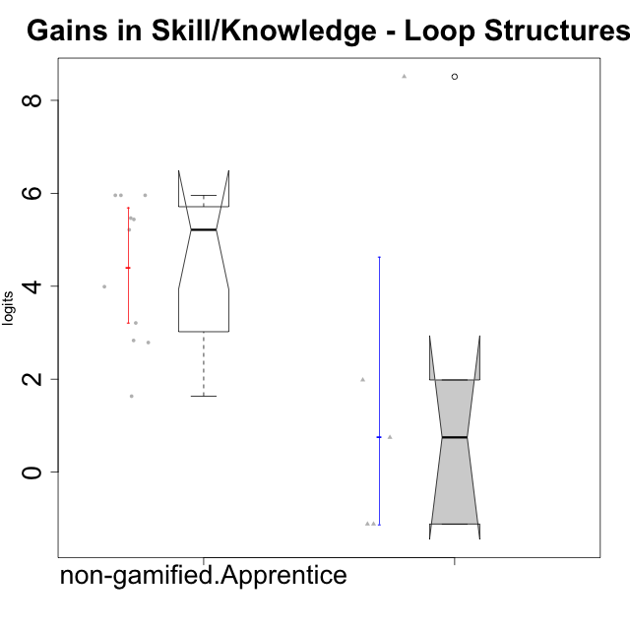

Wilcoxon data
UserID | Type | CLGroup | CLRole | PlayerRole | pre.theta | pos.theta | gain.theta
10119 | ont-gamified | Grupo Zeus | Master | Yee Achiever | -5.3198435546 | -3.3364584403 | 1.9833851143
10120 | ont-gamified | Grupo Hélio | Master | Yee Socializer | 0.57106163604 | -0.54630759537 | -1.1173692314
10121 | ont-gamified | Grupo Hades | Master | Yee Achiever | -2.4696533328 | -1.7223186469 | 0.74733468587
10122 | non-gamified | GroupB | Apprentice |  | -2.4696533328 | 0.31891779948 | 2.7885711323
10129 | non-gamified | GroupB | Apprentice |  | -5.3198435546 | -0.10545882037 | 5.2143847342
10130 | non-gamified | GroupC | Apprentice |  | -3.7214581505 | -0.51182742187 | 3.2096307286
10132 | non-gamified | GroupA | Apprentice |  | -5.3198435546 | 0.63696871494 | 5.9568122695
10135 | non-gamified | GroupB | Apprentice |  | -2.564416276 | 0.26863357757 | 2.8330498536
10136 | non-gamified | GroupC | Apprentice |  | -5.3198435546 | 0.63696871494 | 5.9568122695
10140 | non-gamified | GroupC | Apprentice |  | -3.7214581505 | 0.26863357757 | 3.990091728
10141 | ont-gamified | Grupo Apolo | Master | Yee Socializer | -5.3198435546 | 3.1906742076 | 8.5105177621
10146 | non-gamified | GroupA | Apprentice |  | -3.7489141003 | 1.7167627632 | 5.4656768635
10149 | non-gamified | GroupA | Apprentice |  | -5.3198435546 | 0.63696871494 | 5.9568122695
10152 | ont-gamified | Grupo Morfeu | Master | Yee Achiever | 0.57106163604 | -0.54630759537 | -1.1173692314
10153 | non-gamified | GroupA | Apprentice |  | -3.7214581505 | 1.7167627632 | 5.4382209136
10154 | non-gamified | GroupC | Apprentice |  | -4.7484844996 | -3.1150702293 | 1.6334142703

Type_CLRole_4
Wilcoxon Analysis for Gains in Skill/Knowledge - Loop Structures in Type:CLRole between non-gamified.Master:ont-gamified.Apprentice

Wilcoxon test results
Alternative hypothesis: less
Group | N | Median | Mean.Ranks | Sum.Ranks | U | Z | p.value | r | magnitude
non-gamified.Master | 3 | 0.88184269371 | 4.6666666667 | 14 | 8 | -1.3249049454 | 0.11263736264 | 0.35409574113 | medium
ont-gamified.Apprentice | 11 | 4.6837051139 | 8.2727272727 | 91 | 8 | -1.3249049454 | 0.11263736264 | 0.35409574113 | medium
Alternative hypothesis: greater
Group | N | Median | Mean.Ranks | Sum.Ranks | U | Z | p.value | r | magnitude
non-gamified.Master | 3 | 0.88184269371 | 4.6666666667 | 14 | 8 | -1.3249049454 | 0.91483516484 | 0.35409574113 | medium
ont-gamified.Apprentice | 11 | 4.6837051139 | 8.2727272727 | 91 | 8 | -1.3249049454 | 0.91483516484 | 0.35409574113 | medium
Alternative hypothesis: two.sided
Group | N | Median | Mean.Ranks | Sum.Ranks | U | Z | p.value | r | magnitude
non-gamified.Master | 3 | 0.88184269371 | 4.6666666667 | 14 | 8 | -1.3249049454 | 0.21428571429 | 0.35409574113 | medium
ont-gamified.Apprentice | 11 | 4.6837051139 | 8.2727272727 | 91 | 8 | -1.3249049454 | 0.21428571429 | 0.35409574113 | medium

Box plots for wilcoxon tests
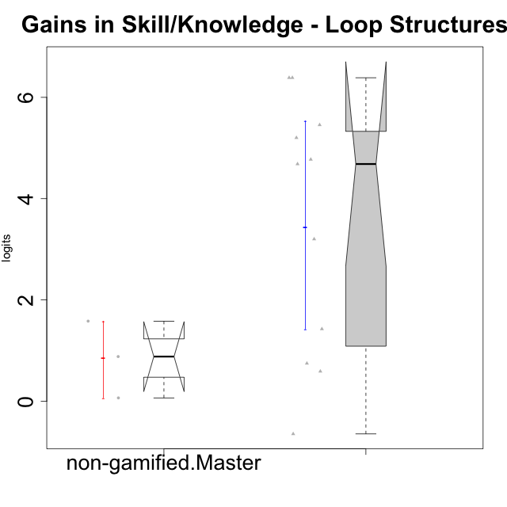

Wilcoxon data
UserID | Type | CLGroup | CLRole | PlayerRole | pre.theta | pos.theta | gain.theta
10116 | non-gamified | GroupC | Master |  | -1.3129298063 | 0.26863357757 | 1.5815633838
10126 | ont-gamified | Grupo Hélio | Apprentice | Yee Socializer | -2.564416276 | -1.1379646184 | 1.4264516577
10127 | ont-gamified | Grupo Hades | Apprentice | Yee Achiever | -2.4696533328 | -1.7223186469 | 0.74733468587
10128 | ont-gamified | Grupo Morfeu | Apprentice | Yee Achiever | -2.564416276 | 0.63696871494 | 3.201384991
10131 | ont-gamified | Grupo Zeus | Apprentice | Yee Achiever | -4.7484844996 | -0.064779385731 | 4.6837051139
10133 | ont-gamified | Grupo Hades | Apprentice | Yee Achiever | -2.564416276 | -1.9744997446 | 0.58991653144
10134 | ont-gamified | Grupo Apolo | Apprentice | Yee Socializer | -5.3198435546 | -0.54630759537 | 4.7735359592
10137 | ont-gamified | Grupo Morfeu | Apprentice | Yee Achiever | -5.3074976363 | -0.10545882037 | 5.2020388159
10138 | ont-gamified | Grupo Hélio | Apprentice | Yee Socializer | -5.3198435546 | 1.0672524931 | 6.3870960477
10139 | ont-gamified | Grupo Zeus | Apprentice | Yee Achiever | -4.7484844996 | 0.70721934527 | 5.4557038449
10143 | ont-gamified | Grupo Apolo | Apprentice | Yee Socializer | -2.4696533328 | -3.1150702293 | -0.64541689649
10144 | non-gamified | GroupA | Master |  | -0.24487397877 | 0.63696871494 | 0.88184269371
10145 | non-gamified | GroupB | Master |  | 0.57106163604 | 0.63696871494 | 0.065907078898
10148 | ont-gamified | Grupo Apolo | Apprentice | Yee Socializer | -5.3198435546 | 1.0672524931 | 6.3870960477

Type_CLRole_5
Wilcoxon Analysis for Gains in Skill/Knowledge - Loop Structures in Type:CLRole between non-gamified.Master:ont-gamified.Master

Wilcoxon test results
Alternative hypothesis: less
Group | N | Median | Mean.Ranks | Sum.Ranks | U | Z | p.value | r | magnitude
non-gamified.Master | 3 | 0.88184269371 | 4.6666666667 | 14 | 8 | 0.14996652906 | 0.57142857143 | 0.053021174826 | none
ont-gamified.Master | 5 | 0.74733468587 | 4.4 | 22 | 8 | 0.14996652906 | 0.57142857143 | 0.053021174826 | none
Alternative hypothesis: greater
Group | N | Median | Mean.Ranks | Sum.Ranks | U | Z | p.value | r | magnitude
non-gamified.Master | 3 | 0.88184269371 | 4.6666666667 | 14 | 8 | 0.14996652906 | 0.46428571429 | 0.053021174826 | none
ont-gamified.Master | 5 | 0.74733468587 | 4.4 | 22 | 8 | 0.14996652906 | 0.46428571429 | 0.053021174826 | none
Alternative hypothesis: two.sided
Group | N | Median | Mean.Ranks | Sum.Ranks | U | Z | p.value | r | magnitude
non-gamified.Master | 3 | 0.88184269371 | 4.6666666667 | 14 | 8 | 0.14996652906 | 0.92857142857 | 0.053021174826 | none
ont-gamified.Master | 5 | 0.74733468587 | 4.4 | 22 | 8 | 0.14996652906 | 0.92857142857 | 0.053021174826 | none

Box plots for wilcoxon tests
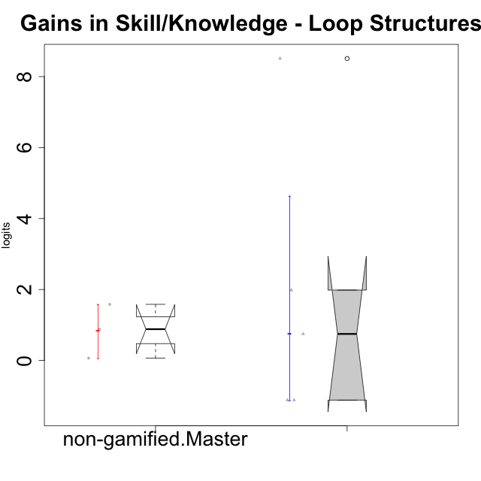

Wilcoxon data
UserID | Type | CLGroup | CLRole | PlayerRole | pre.theta | pos.theta | gain.theta
10116 | non-gamified | GroupC | Master |  | -1.3129298063 | 0.26863357757 | 1.5815633838
10119 | ont-gamified | Grupo Zeus | Master | Yee Achiever | -5.3198435546 | -3.3364584403 | 1.9833851143
10120 | ont-gamified | Grupo Hélio | Master | Yee Socializer | 0.57106163604 | -0.54630759537 | -1.1173692314
10121 | ont-gamified | Grupo Hades | Master | Yee Achiever | -2.4696533328 | -1.7223186469 | 0.74733468587
10141 | ont-gamified | Grupo Apolo | Master | Yee Socializer | -5.3198435546 | 3.1906742076 | 8.5105177621
10144 | non-gamified | GroupA | Master |  | -0.24487397877 | 0.63696871494 | 0.88184269371
10145 | non-gamified | GroupB | Master |  | 0.57106163604 | 0.63696871494 | 0.065907078898
10152 | ont-gamified | Grupo Morfeu | Master | Yee Achiever | 0.57106163604 | -0.54630759537 | -1.1173692314

Type_CLRole_6
Wilcoxon Analysis for Gains in Skill/Knowledge - Loop Structures in Type:CLRole between ont-gamified.Apprentice:ont-gamified.Master

Wilcoxon test results
Alternative hypothesis: less
Group | N | Median | Mean.Ranks | Sum.Ranks | U | Z | p.value | r | magnitude
ont-gamified.Apprentice | 11 | 4.6837051139 | 9.4090909091 | 103.5 | 37.5 | 1.1353896726 | 0.87385531136 | 0.28384741815 | small
ont-gamified.Master | 5 | 0.74733468587 | 6.5 | 32.5 | 37.5 | 1.1353896726 | 0.87385531136 | 0.28384741815 | small
Alternative hypothesis: greater
Group | N | Median | Mean.Ranks | Sum.Ranks | U | Z | p.value | r | magnitude
ont-gamified.Apprentice | 11 | 4.6837051139 | 9.4090909091 | 103.5 | 37.5 | 1.1353896726 | 0.14033882784 | 0.28384741815 | small
ont-gamified.Master | 5 | 0.74733468587 | 6.5 | 32.5 | 37.5 | 1.1353896726 | 0.14033882784 | 0.28384741815 | small
Alternative hypothesis: two.sided
Group | N | Median | Mean.Ranks | Sum.Ranks | U | Z | p.value | r | magnitude
ont-gamified.Apprentice | 11 | 4.6837051139 | 9.4090909091 | 103.5 | 37.5 | 1.1353896726 | 0.27838827839 | 0.28384741815 | small
ont-gamified.Master | 5 | 0.74733468587 | 6.5 | 32.5 | 37.5 | 1.1353896726 | 0.27838827839 | 0.28384741815 | small

Box plots for wilcoxon tests
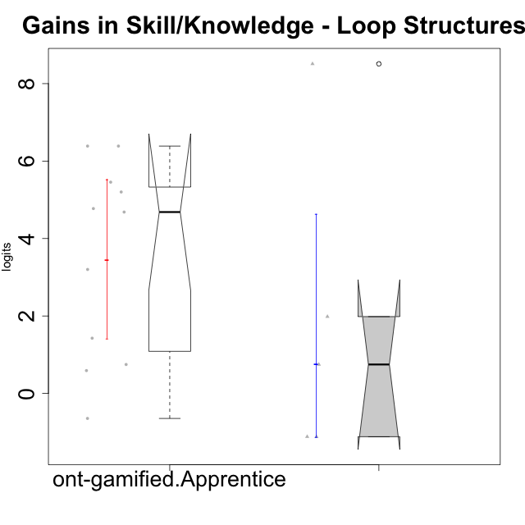

Wilcoxon data
UserID | Type | CLGroup | CLRole | PlayerRole | pre.theta | pos.theta | gain.theta
10119 | ont-gamified | Grupo Zeus | Master | Yee Achiever | -5.3198435546 | -3.3364584403 | 1.9833851143
10120 | ont-gamified | Grupo Hélio | Master | Yee Socializer | 0.57106163604 | -0.54630759537 | -1.1173692314
10121 | ont-gamified | Grupo Hades | Master | Yee Achiever | -2.4696533328 | -1.7223186469 | 0.74733468587
10126 | ont-gamified | Grupo Hélio | Apprentice | Yee Socializer | -2.564416276 | -1.1379646184 | 1.4264516577
10127 | ont-gamified | Grupo Hades | Apprentice | Yee Achiever | -2.4696533328 | -1.7223186469 | 0.74733468587
10128 | ont-gamified | Grupo Morfeu | Apprentice | Yee Achiever | -2.564416276 | 0.63696871494 | 3.201384991
10131 | ont-gamified | Grupo Zeus | Apprentice | Yee Achiever | -4.7484844996 | -0.064779385731 | 4.6837051139
10133 | ont-gamified | Grupo Hades | Apprentice | Yee Achiever | -2.564416276 | -1.9744997446 | 0.58991653144
10134 | ont-gamified | Grupo Apolo | Apprentice | Yee Socializer | -5.3198435546 | -0.54630759537 | 4.7735359592
10137 | ont-gamified | Grupo Morfeu | Apprentice | Yee Achiever | -5.3074976363 | -0.10545882037 | 5.2020388159
10138 | ont-gamified | Grupo Hélio | Apprentice | Yee Socializer | -5.3198435546 | 1.0672524931 | 6.3870960477
10139 | ont-gamified | Grupo Zeus | Apprentice | Yee Achiever | -4.7484844996 | 0.70721934527 | 5.4557038449
10141 | ont-gamified | Grupo Apolo | Master | Yee Socializer | -5.3198435546 | 3.1906742076 | 8.5105177621
10143 | ont-gamified | Grupo Apolo | Apprentice | Yee Socializer | -2.4696533328 | -3.1150702293 | -0.64541689649
10148 | ont-gamified | Grupo Apolo | Apprentice | Yee Socializer | -5.3198435546 | 1.0672524931 | 6.3870960477
10152 | ont-gamified | Grupo Morfeu | Master | Yee Achiever | 0.57106163604 | -0.54630759537 | -1.1173692314

