Assumptions
ANOVA assumptions for Effort/Importance by Type

Shapiro-Wilk normality test for Effort/Importance by Type
W | p.value
0.95796842692 | 0.4761862589

Plots for normality test
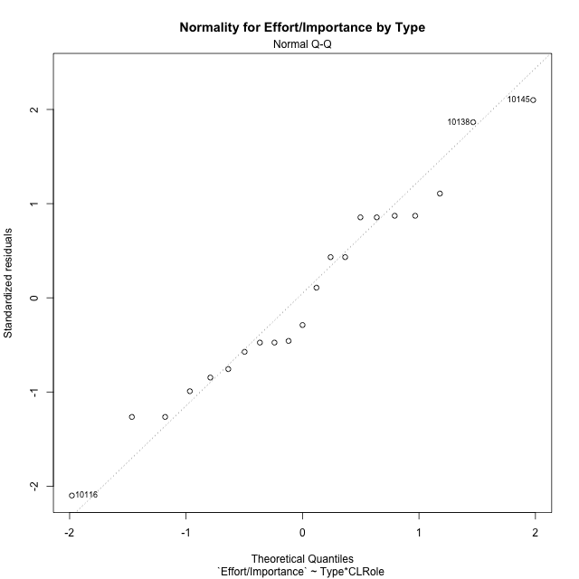

Levene's Test for Homogeneity of Variance in Effort/Importance by Type
Df | F value | Pr(>F)
3 | 2.7728295196 | 0.073206278166
17

Plots for homogeneity of variance
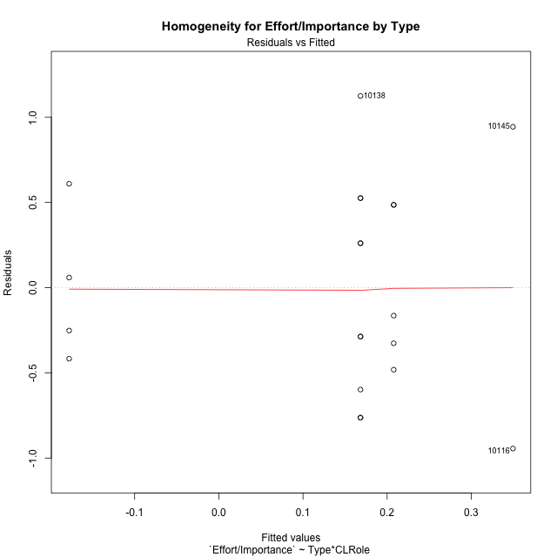

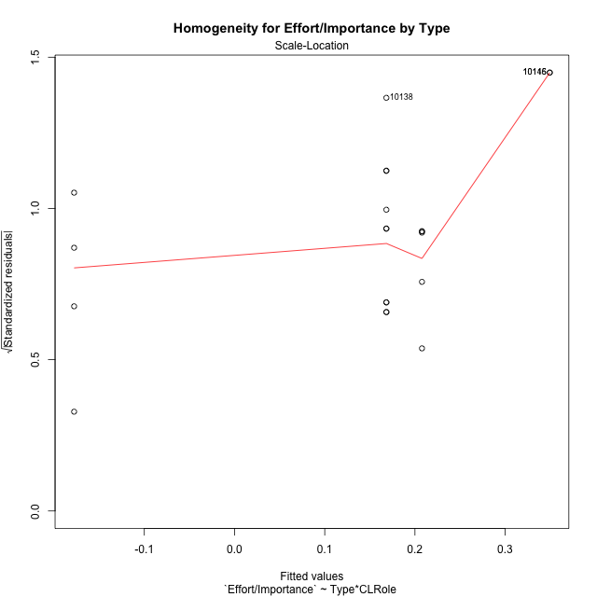

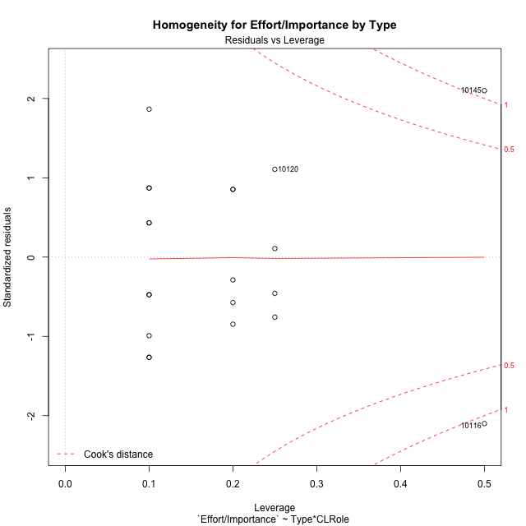

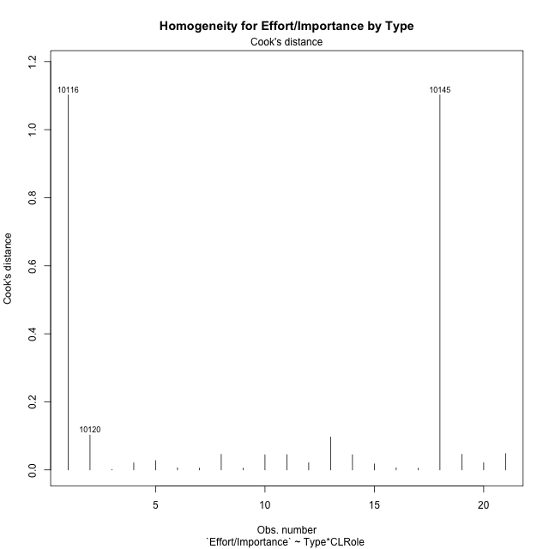

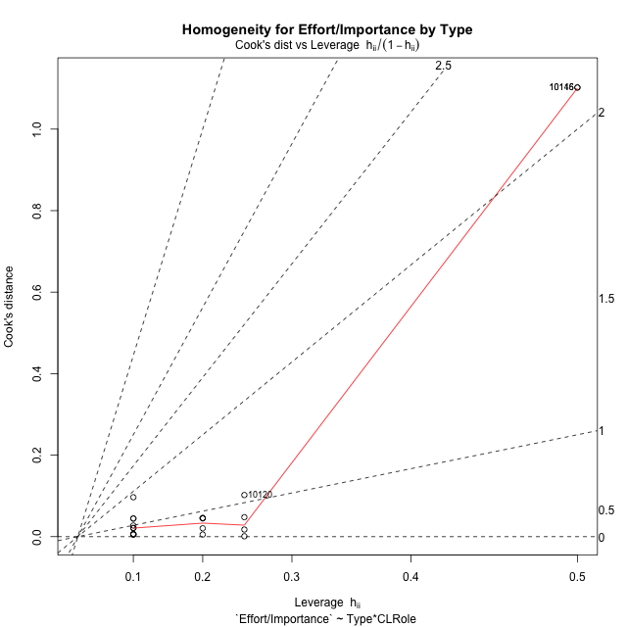

Minimum Sample Size Test for Effort/Importance by Type
Type | CLRole | Freq
non-gamified | Apprentice | 5
ont-gamified | Apprentice | 10
non-gamified | Master | 2
ont-gamified | Master | 4

Errors and Warnings in Sample Size Test for ANOVA in Effort/Importance by Type
code | description
WARN: sample.size | current size is 5 and recommended size is 15 for the group: 'non-gamified:Apprentice'.
WARN: sample.size | current size is 10 and recommended size is 15 for the group: 'ont-gamified:Apprentice'.
FAIL: min.size | current size is 2 but the minimal recomended size is 5 for the group: 'non-gamified:Master'.
FAIL: min.size | current size is 4 but the minimal recomended size is 5 for the group: 'ont-gamified:Master'.

For the group: 'non-gamified:Apprentice', we recommend the use of non-parametric test. For the group: 'ont-gamified:Apprentice', we recommend the use of non-parametric test. For the group: 'non-gamified:Master', we recommend the use of non-parametric test. For the group: 'ont-gamified:Master', we recommend the use of non-parametric test.

Post-hoc
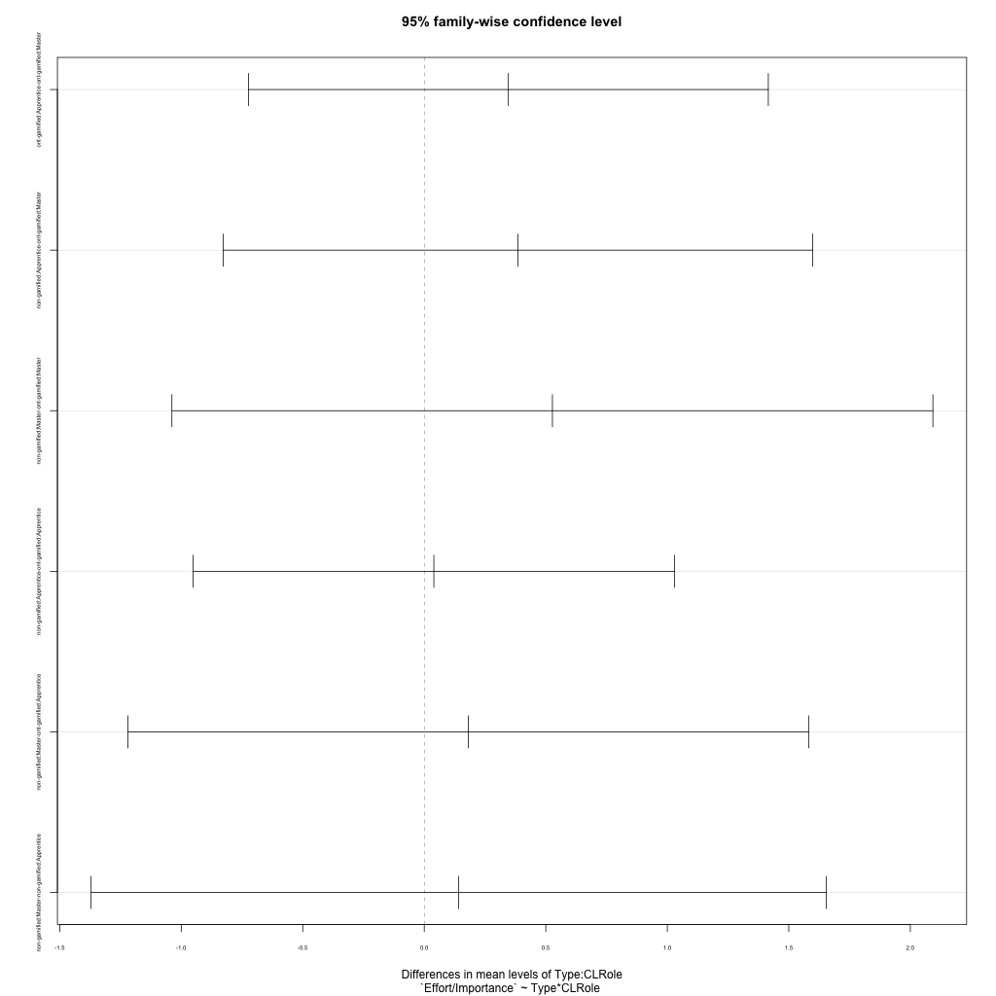
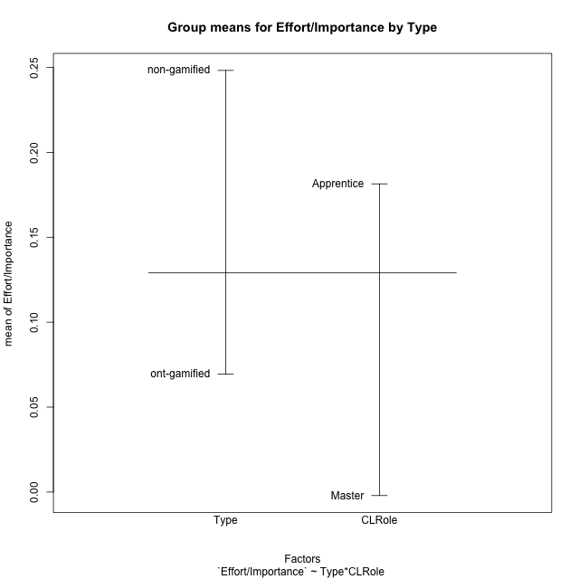
Post-hoc Tukey Honestly Significant Difference (HSD) Test for Effort/Importance by Type

Comparisons of means for Type
 | diff | lwr | upr | p adj
non-gamified-ont-gamified | 0.1788544312 | -0.44228177602 | 0.79999063841 | 0.55153844198

Comparisons of means for CLRole
 | diff | lwr | upr | p adj
Apprentice-Master | 0.18354599759 | -0.4646086343 | 0.83170062948 | 0.5580736906

Comparisons of means for Type:CLRole
 | diff | lwr | upr | p adj
ont-gamified:Apprentice-ont-gamified:Master | 0.34615255408 | -0.72336812318 | 1.4156732313 | 0.79462095007
non-gamified:Apprentice-ont-gamified:Master | 0.38562993686 | -0.8270925206 | 1.5983523943 | 0.80296752
non-gamified:Master-ont-gamified:Master | 0.52729705225 | -1.0383209082 | 2.0929150127 | 0.77478509212
non-gamified:Apprentice-ont-gamified:Apprentice | 0.039477382779 | -0.95070635735 | 1.0296611229 | 0.99945760812
non-gamified:Master-ont-gamified:Apprentice | 0.18114449817 | -1.2191867764 | 1.5814757727 | 0.98243661377
non-gamified:Master-non-gamified:Apprentice | 0.14166711539 | -1.3708635316 | 1.6541977624 | 0.99314419864

Contrast Matrices for Effort/Importance by Type - Type
contrast | estimate | SE | df | t.ratio | p.value
non-gamified - ont-gamified | 0.28338721751 | 0.32584451089 | 17 | 0.86970075617 | 0.39657794143

Contrast Matrices for Effort/Importance by Type - Type:CLRole
contrast | CLRole | estimate | SE | df | t.ratio | p.value
non-gamified - ont-gamified | Apprentice | 0.039477382779 | 0.3483424346 | 17 | 0.1133292383 | 0.91109712605
non-gamified - ont-gamified | Master | 0.52729705225 | 0.55077774951 | 17 | 0.95736810848 | 0.35179961514

Least Squares Means and Confidence Intervals for Type
Type | lsmean | SE | df | lower.CL | upper.CL | Pairs
non-gamified | 0.27861676149 | 0.26605092905 | 17 | -0.28270163313 | 0.8399351561 | non-gamified
ont-gamified | -0.0047704560275 | 0.18812641608 | 17 | -0.40168249927 | 0.39214158721 | ont-gamified

Least Squares Means and Confidence Intervals for Type:CLRole
Type | CLRole | lsmean | SE | df | lower.CL | upper.CL | Pairs
non-gamified | Apprentice | 0.20778320379 | 0.28442040684 | 17 | -0.39229140122 | 0.8078578088 | non-gamified.Apprentice
ont-gamified | Apprentice | 0.16830582101 | 0.20111559839 | 17 | -0.25601100141 | 0.59262264343 | ont-gamified.Apprentice
non-gamified | Master | 0.34945031918 | 0.44970814933 | 17 | -0.59935093975 | 1.2982515781 | non-gamified.Master
ont-gamified | Master | -0.17784673307 | 0.31799168195 | 17 | -0.84875053726 | 0.49305707113 | ont-gamified.Master

Plots

Type_1
Student's t-Test for Effort/Importance by Type in Type between non-gamified:ont-gamified

Student's t-Test results
Alternative hypothesis: less
Group | N | Mean | Mean.Difference | Std.deviation | Std.error | CI.lower | CI.upper | df | t.value | p.value | g | magnitude
non-gamified | 7 | 0.24825952247 | 0.1788544312 | 0.66457467267 | 0.25118561593 | -0.25411170939 | 0.75063075433 | 10.955297435 | 0.60171188503 | 0.72019403941 | 0.27801350694 | small
ont-gamified | 14 | 0.069405091275 | -0.1788544312 | 0.594664321 | 0.15893072495 | -0.24845635863 | 0.38726654118 | 10.955297435 | 0.60171188503 | 0.72019403941 | 0.27801350694 | small
Alternative hypothesis: greater
Group | N | Mean | Mean.Difference | Std.deviation | Std.error | CI.lower | CI.upper | df | t.value | p.value | g | magnitude
non-gamified | 7 | 0.24825952247 | 0.1788544312 | 0.66457467267 | 0.25118561593 | -0.25411170939 | 0.75063075433 | 10.955297435 | 0.60171188503 | 0.27980596059 | 0.27801350694 | small
ont-gamified | 14 | 0.069405091275 | -0.1788544312 | 0.594664321 | 0.15893072495 | -0.24845635863 | 0.38726654118 | 10.955297435 | 0.60171188503 | 0.27980596059 | 0.27801350694 | small
Alternative hypothesis: two.sided
Group | N | Mean | Mean.Difference | Std.deviation | Std.error | CI.lower | CI.upper | df | t.value | p.value | g | magnitude
non-gamified | 7 | 0.24825952247 | 0.1788544312 | 0.66457467267 | 0.25118561593 | -0.25411170939 | 0.75063075433 | 10.955297435 | 0.60171188503 | 0.55961192118 | 0.27801350694 | small
ont-gamified | 14 | 0.069405091275 | -0.1788544312 | 0.594664321 | 0.15893072495 | -0.24845635863 | 0.38726654118 | 10.955297435 | 0.60171188503 | 0.55961192118 | 0.27801350694 | small

Box plots for Student's t-Test
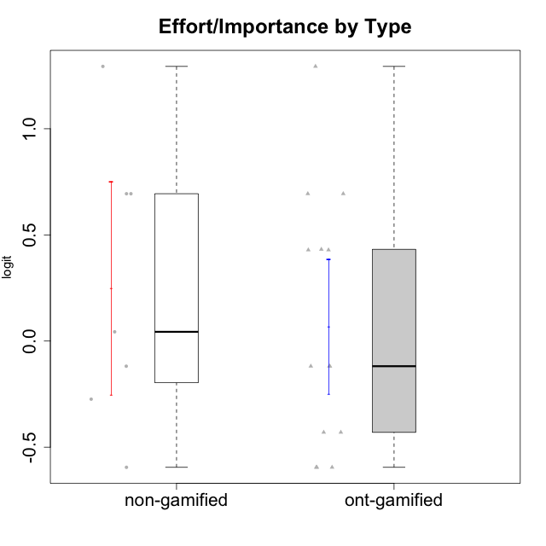

Student's t-Test data
UserID | Type | CLGroup | CLRole | PlayerRole | Interest/Enjoyment | Perceived Choice | Pressure/Tension | Effort/Importance | Intrinsic Motivation
10116 | non-gamified | GroupC | Master |  | -0.11357294579 | -0.84246384474 | 0.207074728 | -0.59479403893 | -0.43947638936
10120 | ont-gamified | Grupo Hélio | Master | Yee Socializer | 1.9055652511 | 1.3724895791 | -0.92888751811 | 0.43187671077 | 1.2745279552
10121 | ont-gamified | Grupo Hades | Master | Yee Achiever | 0.39919386735 | 0.58689611203 | 0.34545624663 | -0.11852834837 | 0.1305263461
10122 | non-gamified | GroupB | Apprentice |  | -2.0523461364 | 1.1695914201 | -0.48810270396 | -0.11852834837 | -0.12829509018
10123 | ont-gamified | Grupo Morfeu | Apprentice | Yee Achiever | -0.83197918173 | 0.23576870755 | 0.207074728 | -0.42994125574 | -0.30830661448
10126 | ont-gamified | Grupo Hélio | Apprentice | Yee Socializer | 1.2733257983 | 1.1695914201 | -0.48810270396 | -0.11852834837 | 0.70312289349
10129 | non-gamified | GroupB | Apprentice |  | -1.7851511272 | -0.62243343859 | 1.1760127697 | 0.043437426927 | -1.3842690895
10130 | non-gamified | GroupC | Apprentice |  | 0.55299522042 | -0.30498894625 | 1.1760127697 | 0.69391751569 | -0.11778394501
10131 | ont-gamified | Grupo Zeus | Apprentice | Yee Achiever | 2.3995832302 | -0.95909932617 | -0.86046882355 | 0.42905726588 | 0.68250249838
10134 | ont-gamified | Grupo Apolo | Apprentice | Yee Socializer | -1.2851216362 | -0.73083108762 | 0.34545624663 | -0.59479403893 | -0.73905075235
10135 | non-gamified | GroupB | Apprentice |  | 0.39919386735 | 0.34922612396 | 0.34545624663 | -0.273828091 | 0.032283913422
10137 | ont-gamified | Grupo Morfeu | Apprentice | Yee Achiever | 1.4744559961 | 1.3724895791 | -1.2956562305 | 0.69391751569 | 1.3321669013
10138 | ont-gamified | Grupo Hélio | Apprentice | Yee Socializer | 0.55299522042 | -0.41039697569 | 0.34545624663 | 1.2936946773 | 0.4248543794
10139 | ont-gamified | Grupo Zeus | Apprentice | Yee Achiever | -0.22343251553 | 0.12466021952 | -0.48810270396 | -0.59479403893 | -0.051365907743
10141 | ont-gamified | Grupo Apolo | Master | Yee Socializer | 0.0020687155691 | -0.41039697569 | -0.059821730394 | -0.42994125574 | -0.19461194637
10142 | ont-gamified | Grupo Hades | Apprentice | Yee Achiever | 0.55299522042 | -0.30498894625 | -0.86046882355 | -0.11852834837 | 0.24748668734
10143 | ont-gamified | Grupo Apolo | Apprentice | Yee Socializer | 0.12501694921 | 0.34922612396 | -0.059821730394 | 0.42905726588 | 0.24078051736
10145 | non-gamified | GroupB | Master |  | -0.63100885186 | -0.84246384474 | 0.49281785314 | 1.2936946773 | -0.016003757564
10146 | non-gamified | GroupA | Apprentice |  | 0.89459676096 | 0.34922612396 | -0.33626190168 | 0.69391751569 | 0.56850057557
10148 | ont-gamified | Grupo Apolo | Apprentice | Yee Socializer | 0.25688594663 | 0.71417324881 | 0.84536116149 | 0.69391751569 | 0.20490388741
10152 | ont-gamified | Grupo Morfeu | Master | Yee Achiever | 3.1382402907 | 0.71417324881 | -0.19509897189 | -0.59479403893 | 1.3837694218

Type_CLRole_1
Student's t-Test for Effort/Importance by Type in Type:CLRole between non-gamified.Apprentice:non-gamified.Master

Student's t-Test results
Alternative hypothesis: less
Group | N | Mean | Mean.Difference | Std.deviation | Std.error | CI.lower | CI.upper | df | t.value | p.value | g | magnitude
non-gamified.Apprentice | 5 | 0.20778320379 | -0.14166711539 | 0.45773664402 | 0.20470605037 | -0.20162889694 | 0.61719530452 | 1.0956027677 | -0.14662614969 | 0.45284401107 | -0.16476433802 | negligible
non-gamified.Master | 2 | 0.34945031918 | 0.14166711539 | 1.3353631774 | 0.94424435811 | -1.539038397 | 2.2379390354 | 1.0956027677 | -0.14662614969 | 0.45284401107 | -0.16476433802 | negligible
Alternative hypothesis: greater
Group | N | Mean | Mean.Difference | Std.deviation | Std.error | CI.lower | CI.upper | df | t.value | p.value | g | magnitude
non-gamified.Apprentice | 5 | 0.20778320379 | -0.14166711539 | 0.45773664402 | 0.20470605037 | -0.20162889694 | 0.61719530452 | 1.0956027677 | -0.14662614969 | 0.54715598893 | -0.16476433802 | negligible
non-gamified.Master | 2 | 0.34945031918 | 0.14166711539 | 1.3353631774 | 0.94424435811 | -1.539038397 | 2.2379390354 | 1.0956027677 | -0.14662614969 | 0.54715598893 | -0.16476433802 | negligible
Alternative hypothesis: two.sided
Group | N | Mean | Mean.Difference | Std.deviation | Std.error | CI.lower | CI.upper | df | t.value | p.value | g | magnitude
non-gamified.Apprentice | 5 | 0.20778320379 | -0.14166711539 | 0.45773664402 | 0.20470605037 | -0.20162889694 | 0.61719530452 | 1.0956027677 | -0.14662614969 | 0.90568802214 | -0.16476433802 | negligible
non-gamified.Master | 2 | 0.34945031918 | 0.14166711539 | 1.3353631774 | 0.94424435811 | -1.539038397 | 2.2379390354 | 1.0956027677 | -0.14662614969 | 0.90568802214 | -0.16476433802 | negligible

Box plots for Student's t-Test
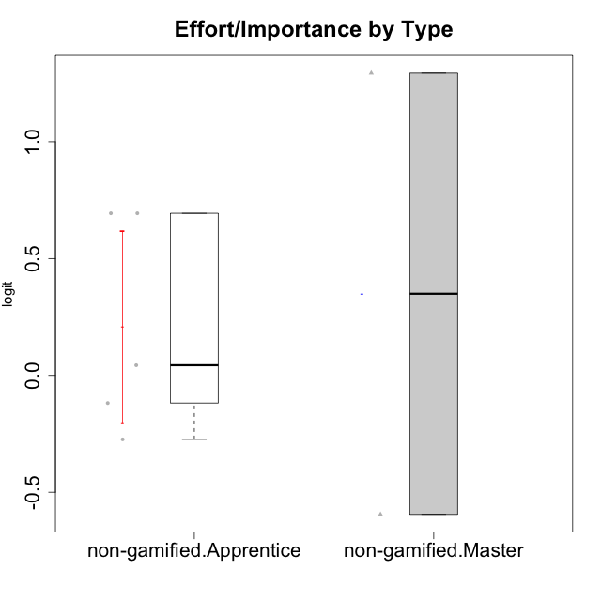

Student's t-Test data
UserID | Type | CLGroup | CLRole | PlayerRole | Interest/Enjoyment | Perceived Choice | Pressure/Tension | Effort/Importance | Intrinsic Motivation
10116 | non-gamified | GroupC | Master |  | -0.11357294579 | -0.84246384474 | 0.207074728 | -0.59479403893 | -0.43947638936
10122 | non-gamified | GroupB | Apprentice |  | -2.0523461364 | 1.1695914201 | -0.48810270396 | -0.11852834837 | -0.12829509018
10129 | non-gamified | GroupB | Apprentice |  | -1.7851511272 | -0.62243343859 | 1.1760127697 | 0.043437426927 | -1.3842690895
10130 | non-gamified | GroupC | Apprentice |  | 0.55299522042 | -0.30498894625 | 1.1760127697 | 0.69391751569 | -0.11778394501
10135 | non-gamified | GroupB | Apprentice |  | 0.39919386735 | 0.34922612396 | 0.34545624663 | -0.273828091 | 0.032283913422
10145 | non-gamified | GroupB | Master |  | -0.63100885186 | -0.84246384474 | 0.49281785314 | 1.2936946773 | -0.016003757564
10146 | non-gamified | GroupA | Apprentice |  | 0.89459676096 | 0.34922612396 | -0.33626190168 | 0.69391751569 | 0.56850057557

Type_CLRole_2
Student's t-Test for Effort/Importance by Type in Type:CLRole between non-gamified.Apprentice:ont-gamified.Apprentice

Student's t-Test results
Alternative hypothesis: less
Group | N | Mean | Mean.Difference | Std.deviation | Std.error | CI.lower | CI.upper | df | t.value | p.value | g | magnitude
non-gamified.Apprentice | 5 | 0.20778320379 | 0.039477382779 | 0.45773664402 | 0.20470605037 | -0.20162889694 | 0.61719530452 | 10.92699645 | 0.13754898888 | 0.55345064806 | 0.063291067163 | negligible
ont-gamified.Apprentice | 10 | 0.16830582101 | -0.039477382779 | 0.63614359453 | 0.20116626776 | -0.23402671452 | 0.57063835654 | 10.92699645 | 0.13754898888 | 0.55345064806 | 0.063291067163 | negligible
Alternative hypothesis: greater
Group | N | Mean | Mean.Difference | Std.deviation | Std.error | CI.lower | CI.upper | df | t.value | p.value | g | magnitude
non-gamified.Apprentice | 5 | 0.20778320379 | 0.039477382779 | 0.45773664402 | 0.20470605037 | -0.20162889694 | 0.61719530452 | 10.92699645 | 0.13754898888 | 0.44654935194 | 0.063291067163 | negligible
ont-gamified.Apprentice | 10 | 0.16830582101 | -0.039477382779 | 0.63614359453 | 0.20116626776 | -0.23402671452 | 0.57063835654 | 10.92699645 | 0.13754898888 | 0.44654935194 | 0.063291067163 | negligible
Alternative hypothesis: two.sided
Group | N | Mean | Mean.Difference | Std.deviation | Std.error | CI.lower | CI.upper | df | t.value | p.value | g | magnitude
non-gamified.Apprentice | 5 | 0.20778320379 | 0.039477382779 | 0.45773664402 | 0.20470605037 | -0.20162889694 | 0.61719530452 | 10.92699645 | 0.13754898888 | 0.89309870388 | 0.063291067163 | negligible
ont-gamified.Apprentice | 10 | 0.16830582101 | -0.039477382779 | 0.63614359453 | 0.20116626776 | -0.23402671452 | 0.57063835654 | 10.92699645 | 0.13754898888 | 0.89309870388 | 0.063291067163 | negligible

Box plots for Student's t-Test
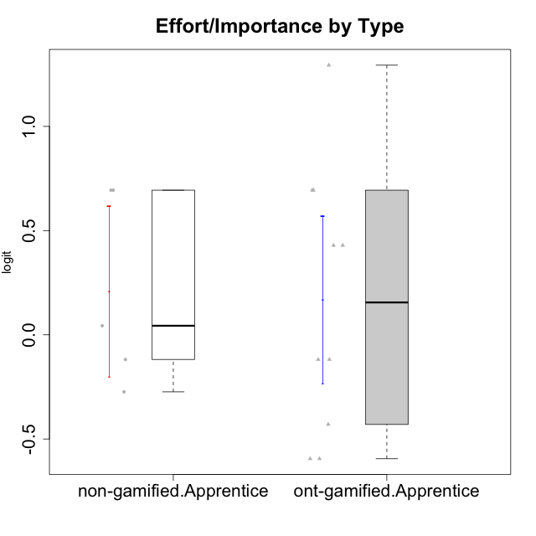

Student's t-Test data
UserID | Type | CLGroup | CLRole | PlayerRole | Interest/Enjoyment | Perceived Choice | Pressure/Tension | Effort/Importance | Intrinsic Motivation
10122 | non-gamified | GroupB | Apprentice |  | -2.0523461364 | 1.1695914201 | -0.48810270396 | -0.11852834837 | -0.12829509018
10123 | ont-gamified | Grupo Morfeu | Apprentice | Yee Achiever | -0.83197918173 | 0.23576870755 | 0.207074728 | -0.42994125574 | -0.30830661448
10126 | ont-gamified | Grupo Hélio | Apprentice | Yee Socializer | 1.2733257983 | 1.1695914201 | -0.48810270396 | -0.11852834837 | 0.70312289349
10129 | non-gamified | GroupB | Apprentice |  | -1.7851511272 | -0.62243343859 | 1.1760127697 | 0.043437426927 | -1.3842690895
10130 | non-gamified | GroupC | Apprentice |  | 0.55299522042 | -0.30498894625 | 1.1760127697 | 0.69391751569 | -0.11778394501
10131 | ont-gamified | Grupo Zeus | Apprentice | Yee Achiever | 2.3995832302 | -0.95909932617 | -0.86046882355 | 0.42905726588 | 0.68250249838
10134 | ont-gamified | Grupo Apolo | Apprentice | Yee Socializer | -1.2851216362 | -0.73083108762 | 0.34545624663 | -0.59479403893 | -0.73905075235
10135 | non-gamified | GroupB | Apprentice |  | 0.39919386735 | 0.34922612396 | 0.34545624663 | -0.273828091 | 0.032283913422
10137 | ont-gamified | Grupo Morfeu | Apprentice | Yee Achiever | 1.4744559961 | 1.3724895791 | -1.2956562305 | 0.69391751569 | 1.3321669013
10138 | ont-gamified | Grupo Hélio | Apprentice | Yee Socializer | 0.55299522042 | -0.41039697569 | 0.34545624663 | 1.2936946773 | 0.4248543794
10139 | ont-gamified | Grupo Zeus | Apprentice | Yee Achiever | -0.22343251553 | 0.12466021952 | -0.48810270396 | -0.59479403893 | -0.051365907743
10142 | ont-gamified | Grupo Hades | Apprentice | Yee Achiever | 0.55299522042 | -0.30498894625 | -0.86046882355 | -0.11852834837 | 0.24748668734
10143 | ont-gamified | Grupo Apolo | Apprentice | Yee Socializer | 0.12501694921 | 0.34922612396 | -0.059821730394 | 0.42905726588 | 0.24078051736
10146 | non-gamified | GroupA | Apprentice |  | 0.89459676096 | 0.34922612396 | -0.33626190168 | 0.69391751569 | 0.56850057557
10148 | ont-gamified | Grupo Apolo | Apprentice | Yee Socializer | 0.25688594663 | 0.71417324881 | 0.84536116149 | 0.69391751569 | 0.20490388741

Type_CLRole_3
Student's t-Test for Effort/Importance by Type in Type:CLRole between non-gamified.Apprentice:ont-gamified.Master

Student's t-Test results
Alternative hypothesis: less
Group | N | Mean | Mean.Difference | Std.deviation | Std.error | CI.lower | CI.upper | df | t.value | p.value | g | magnitude
non-gamified.Apprentice | 5 | 0.20778320379 | 0.38562993686 | 0.45773664402 | 0.20470605037 | -0.20162889694 | 0.61719530452 | 6.6072528673 | 1.2647951189 | 0.87563723513 | 0.75295330921 | medium
ont-gamified.Master | 4 | -0.17784673307 | -0.38562993686 | 0.45191372811 | 0.22595686405 | -0.62976046117 | 0.27406699504 | 6.6072528673 | 1.2647951189 | 0.87563723513 | 0.75295330921 | medium
Alternative hypothesis: greater
Group | N | Mean | Mean.Difference | Std.deviation | Std.error | CI.lower | CI.upper | df | t.value | p.value | g | magnitude
non-gamified.Apprentice | 5 | 0.20778320379 | 0.38562993686 | 0.45773664402 | 0.20470605037 | -0.20162889694 | 0.61719530452 | 6.6072528673 | 1.2647951189 | 0.12436276487 | 0.75295330921 | medium
ont-gamified.Master | 4 | -0.17784673307 | -0.38562993686 | 0.45191372811 | 0.22595686405 | -0.62976046117 | 0.27406699504 | 6.6072528673 | 1.2647951189 | 0.12436276487 | 0.75295330921 | medium
Alternative hypothesis: two.sided
Group | N | Mean | Mean.Difference | Std.deviation | Std.error | CI.lower | CI.upper | df | t.value | p.value | g | magnitude
non-gamified.Apprentice | 5 | 0.20778320379 | 0.38562993686 | 0.45773664402 | 0.20470605037 | -0.20162889694 | 0.61719530452 | 6.6072528673 | 1.2647951189 | 0.24872552974 | 0.75295330921 | medium
ont-gamified.Master | 4 | -0.17784673307 | -0.38562993686 | 0.45191372811 | 0.22595686405 | -0.62976046117 | 0.27406699504 | 6.6072528673 | 1.2647951189 | 0.24872552974 | 0.75295330921 | medium

Box plots for Student's t-Test
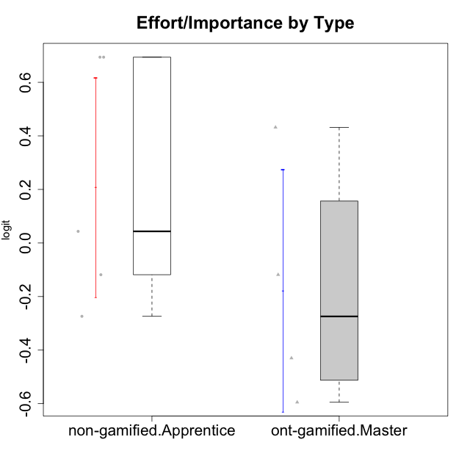

Student's t-Test data
UserID | Type | CLGroup | CLRole | PlayerRole | Interest/Enjoyment | Perceived Choice | Pressure/Tension | Effort/Importance | Intrinsic Motivation
10120 | ont-gamified | Grupo Hélio | Master | Yee Socializer | 1.9055652511 | 1.3724895791 | -0.92888751811 | 0.43187671077 | 1.2745279552
10121 | ont-gamified | Grupo Hades | Master | Yee Achiever | 0.39919386735 | 0.58689611203 | 0.34545624663 | -0.11852834837 | 0.1305263461
10122 | non-gamified | GroupB | Apprentice |  | -2.0523461364 | 1.1695914201 | -0.48810270396 | -0.11852834837 | -0.12829509018
10129 | non-gamified | GroupB | Apprentice |  | -1.7851511272 | -0.62243343859 | 1.1760127697 | 0.043437426927 | -1.3842690895
10130 | non-gamified | GroupC | Apprentice |  | 0.55299522042 | -0.30498894625 | 1.1760127697 | 0.69391751569 | -0.11778394501
10135 | non-gamified | GroupB | Apprentice |  | 0.39919386735 | 0.34922612396 | 0.34545624663 | -0.273828091 | 0.032283913422
10141 | ont-gamified | Grupo Apolo | Master | Yee Socializer | 0.0020687155691 | -0.41039697569 | -0.059821730394 | -0.42994125574 | -0.19461194637
10146 | non-gamified | GroupA | Apprentice |  | 0.89459676096 | 0.34922612396 | -0.33626190168 | 0.69391751569 | 0.56850057557
10152 | ont-gamified | Grupo Morfeu | Master | Yee Achiever | 3.1382402907 | 0.71417324881 | -0.19509897189 | -0.59479403893 | 1.3837694218

Type_CLRole_4
Student's t-Test for Effort/Importance by Type in Type:CLRole between non-gamified.Master:ont-gamified.Apprentice

Student's t-Test results
Alternative hypothesis: less
Group | N | Mean | Mean.Difference | Std.deviation | Std.error | CI.lower | CI.upper | df | t.value | p.value | g | magnitude
non-gamified.Master | 2 | 0.34945031918 | 0.18114449817 | 1.3353631774 | 0.94424435811 | -1.539038397 | 2.2379390354 | 1.0925860841 | 0.18762987264 | 0.56005488382 | 0.22701316711 | small
ont-gamified.Apprentice | 10 | 0.16830582101 | -0.18114449817 | 0.63614359453 | 0.20116626776 | -0.23402671452 | 0.57063835654 | 1.0925860841 | 0.18762987264 | 0.56005488382 | 0.22701316711 | small
Alternative hypothesis: greater
Group | N | Mean | Mean.Difference | Std.deviation | Std.error | CI.lower | CI.upper | df | t.value | p.value | g | magnitude
non-gamified.Master | 2 | 0.34945031918 | 0.18114449817 | 1.3353631774 | 0.94424435811 | -1.539038397 | 2.2379390354 | 1.0925860841 | 0.18762987264 | 0.43994511618 | 0.22701316711 | small
ont-gamified.Apprentice | 10 | 0.16830582101 | -0.18114449817 | 0.63614359453 | 0.20116626776 | -0.23402671452 | 0.57063835654 | 1.0925860841 | 0.18762987264 | 0.43994511618 | 0.22701316711 | small
Alternative hypothesis: two.sided
Group | N | Mean | Mean.Difference | Std.deviation | Std.error | CI.lower | CI.upper | df | t.value | p.value | g | magnitude
non-gamified.Master | 2 | 0.34945031918 | 0.18114449817 | 1.3353631774 | 0.94424435811 | -1.539038397 | 2.2379390354 | 1.0925860841 | 0.18762987264 | 0.87989023236 | 0.22701316711 | small
ont-gamified.Apprentice | 10 | 0.16830582101 | -0.18114449817 | 0.63614359453 | 0.20116626776 | -0.23402671452 | 0.57063835654 | 1.0925860841 | 0.18762987264 | 0.87989023236 | 0.22701316711 | small

Box plots for Student's t-Test
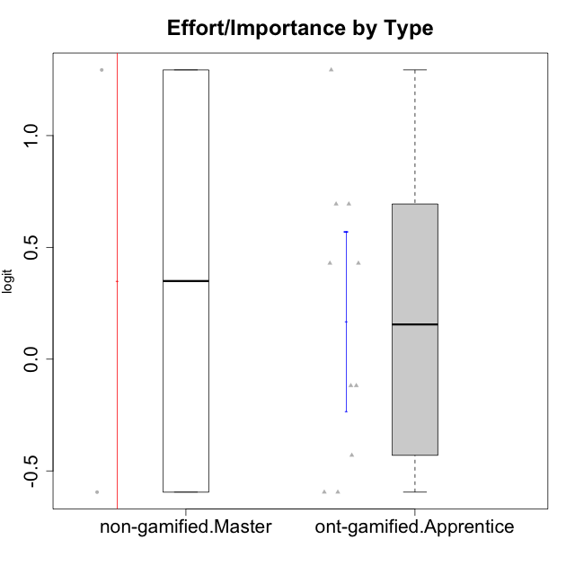

Student's t-Test data
UserID | Type | CLGroup | CLRole | PlayerRole | Interest/Enjoyment | Perceived Choice | Pressure/Tension | Effort/Importance | Intrinsic Motivation
10116 | non-gamified | GroupC | Master |  | -0.11357294579 | -0.84246384474 | 0.207074728 | -0.59479403893 | -0.43947638936
10123 | ont-gamified | Grupo Morfeu | Apprentice | Yee Achiever | -0.83197918173 | 0.23576870755 | 0.207074728 | -0.42994125574 | -0.30830661448
10126 | ont-gamified | Grupo Hélio | Apprentice | Yee Socializer | 1.2733257983 | 1.1695914201 | -0.48810270396 | -0.11852834837 | 0.70312289349
10131 | ont-gamified | Grupo Zeus | Apprentice | Yee Achiever | 2.3995832302 | -0.95909932617 | -0.86046882355 | 0.42905726588 | 0.68250249838
10134 | ont-gamified | Grupo Apolo | Apprentice | Yee Socializer | -1.2851216362 | -0.73083108762 | 0.34545624663 | -0.59479403893 | -0.73905075235
10137 | ont-gamified | Grupo Morfeu | Apprentice | Yee Achiever | 1.4744559961 | 1.3724895791 | -1.2956562305 | 0.69391751569 | 1.3321669013
10138 | ont-gamified | Grupo Hélio | Apprentice | Yee Socializer | 0.55299522042 | -0.41039697569 | 0.34545624663 | 1.2936946773 | 0.4248543794
10139 | ont-gamified | Grupo Zeus | Apprentice | Yee Achiever | -0.22343251553 | 0.12466021952 | -0.48810270396 | -0.59479403893 | -0.051365907743
10142 | ont-gamified | Grupo Hades | Apprentice | Yee Achiever | 0.55299522042 | -0.30498894625 | -0.86046882355 | -0.11852834837 | 0.24748668734
10143 | ont-gamified | Grupo Apolo | Apprentice | Yee Socializer | 0.12501694921 | 0.34922612396 | -0.059821730394 | 0.42905726588 | 0.24078051736
10145 | non-gamified | GroupB | Master |  | -0.63100885186 | -0.84246384474 | 0.49281785314 | 1.2936946773 | -0.016003757564
10148 | ont-gamified | Grupo Apolo | Apprentice | Yee Socializer | 0.25688594663 | 0.71417324881 | 0.84536116149 | 0.69391751569 | 0.20490388741

Type_CLRole_5
Student's t-Test for Effort/Importance by Type in Type:CLRole between non-gamified.Master:ont-gamified.Master

Student's t-Test results
Alternative hypothesis: less
Group | N | Mean | Mean.Difference | Std.deviation | Std.error | CI.lower | CI.upper | df | t.value | p.value | g | magnitude
non-gamified.Master | 2 | 0.34945031918 | 0.52729705225 | 1.3353631774 | 0.94424435811 | -1.539038397 | 2.2379390354 | 1.1165868383 | 0.54309925413 | 0.6622690935 | 0.54505890751 | medium
ont-gamified.Master | 4 | -0.17784673307 | -0.52729705225 | 0.45191372811 | 0.22595686405 | -0.62976046117 | 0.27406699504 | 1.1165868383 | 0.54309925413 | 0.6622690935 | 0.54505890751 | medium
Alternative hypothesis: greater
Group | N | Mean | Mean.Difference | Std.deviation | Std.error | CI.lower | CI.upper | df | t.value | p.value | g | magnitude
non-gamified.Master | 2 | 0.34945031918 | 0.52729705225 | 1.3353631774 | 0.94424435811 | -1.539038397 | 2.2379390354 | 1.1165868383 | 0.54309925413 | 0.3377309065 | 0.54505890751 | medium
ont-gamified.Master | 4 | -0.17784673307 | -0.52729705225 | 0.45191372811 | 0.22595686405 | -0.62976046117 | 0.27406699504 | 1.1165868383 | 0.54309925413 | 0.3377309065 | 0.54505890751 | medium
Alternative hypothesis: two.sided
Group | N | Mean | Mean.Difference | Std.deviation | Std.error | CI.lower | CI.upper | df | t.value | p.value | g | magnitude
non-gamified.Master | 2 | 0.34945031918 | 0.52729705225 | 1.3353631774 | 0.94424435811 | -1.539038397 | 2.2379390354 | 1.1165868383 | 0.54309925413 | 0.675461813 | 0.54505890751 | medium
ont-gamified.Master | 4 | -0.17784673307 | -0.52729705225 | 0.45191372811 | 0.22595686405 | -0.62976046117 | 0.27406699504 | 1.1165868383 | 0.54309925413 | 0.675461813 | 0.54505890751 | medium

Box plots for Student's t-Test
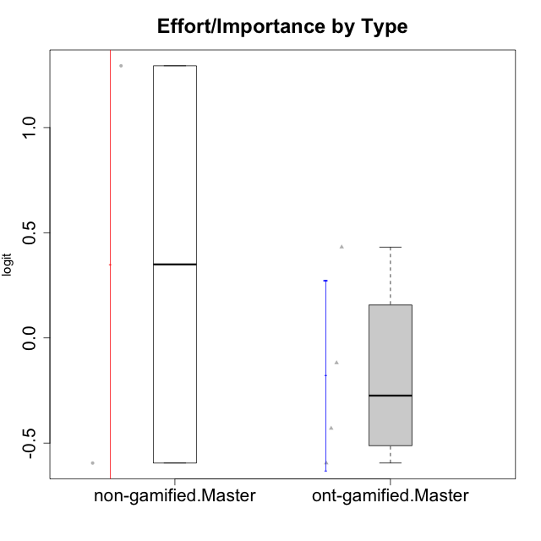

Student's t-Test data
UserID | Type | CLGroup | CLRole | PlayerRole | Interest/Enjoyment | Perceived Choice | Pressure/Tension | Effort/Importance | Intrinsic Motivation
10116 | non-gamified | GroupC | Master |  | -0.11357294579 | -0.84246384474 | 0.207074728 | -0.59479403893 | -0.43947638936
10120 | ont-gamified | Grupo Hélio | Master | Yee Socializer | 1.9055652511 | 1.3724895791 | -0.92888751811 | 0.43187671077 | 1.2745279552
10121 | ont-gamified | Grupo Hades | Master | Yee Achiever | 0.39919386735 | 0.58689611203 | 0.34545624663 | -0.11852834837 | 0.1305263461
10141 | ont-gamified | Grupo Apolo | Master | Yee Socializer | 0.0020687155691 | -0.41039697569 | -0.059821730394 | -0.42994125574 | -0.19461194637
10145 | non-gamified | GroupB | Master |  | -0.63100885186 | -0.84246384474 | 0.49281785314 | 1.2936946773 | -0.016003757564
10152 | ont-gamified | Grupo Morfeu | Master | Yee Achiever | 3.1382402907 | 0.71417324881 | -0.19509897189 | -0.59479403893 | 1.3837694218

Type_CLRole_6
Student's t-Test for Effort/Importance by Type in Type:CLRole between ont-gamified.Apprentice:ont-gamified.Master

Student's t-Test results
Alternative hypothesis: less
Group | N | Mean | Mean.Difference | Std.deviation | Std.error | CI.lower | CI.upper | df | t.value | p.value | g | magnitude
ont-gamified.Apprentice | 10 | 0.16830582101 | 0.34615255408 | 0.63614359453 | 0.20116626776 | -0.23402671452 | 0.57063835654 | 7.9711152831 | 1.1441926728 | 0.85713121661 | 0.54421952086 | medium
ont-gamified.Master | 4 | -0.17784673307 | -0.34615255408 | 0.45191372811 | 0.22595686405 | -0.62976046117 | 0.27406699504 | 7.9711152831 | 1.1441926728 | 0.85713121661 | 0.54421952086 | medium
Alternative hypothesis: greater
Group | N | Mean | Mean.Difference | Std.deviation | Std.error | CI.lower | CI.upper | df | t.value | p.value | g | magnitude
ont-gamified.Apprentice | 10 | 0.16830582101 | 0.34615255408 | 0.63614359453 | 0.20116626776 | -0.23402671452 | 0.57063835654 | 7.9711152831 | 1.1441926728 | 0.14286878339 | 0.54421952086 | medium
ont-gamified.Master | 4 | -0.17784673307 | -0.34615255408 | 0.45191372811 | 0.22595686405 | -0.62976046117 | 0.27406699504 | 7.9711152831 | 1.1441926728 | 0.14286878339 | 0.54421952086 | medium
Alternative hypothesis: two.sided
Group | N | Mean | Mean.Difference | Std.deviation | Std.error | CI.lower | CI.upper | df | t.value | p.value | g | magnitude
ont-gamified.Apprentice | 10 | 0.16830582101 | 0.34615255408 | 0.63614359453 | 0.20116626776 | -0.23402671452 | 0.57063835654 | 7.9711152831 | 1.1441926728 | 0.28573756679 | 0.54421952086 | medium
ont-gamified.Master | 4 | -0.17784673307 | -0.34615255408 | 0.45191372811 | 0.22595686405 | -0.62976046117 | 0.27406699504 | 7.9711152831 | 1.1441926728 | 0.28573756679 | 0.54421952086 | medium

Box plots for Student's t-Test
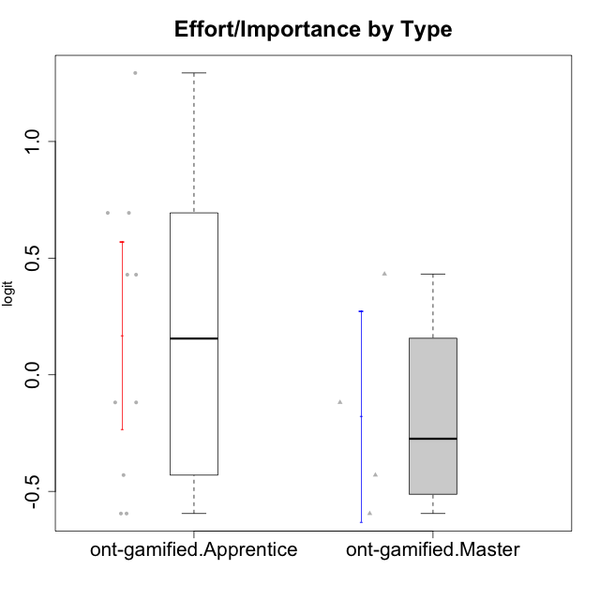

Student's t-Test data
UserID | Type | CLGroup | CLRole | PlayerRole | Interest/Enjoyment | Perceived Choice | Pressure/Tension | Effort/Importance | Intrinsic Motivation
10120 | ont-gamified | Grupo Hélio | Master | Yee Socializer | 1.9055652511 | 1.3724895791 | -0.92888751811 | 0.43187671077 | 1.2745279552
10121 | ont-gamified | Grupo Hades | Master | Yee Achiever | 0.39919386735 | 0.58689611203 | 0.34545624663 | -0.11852834837 | 0.1305263461
10123 | ont-gamified | Grupo Morfeu | Apprentice | Yee Achiever | -0.83197918173 | 0.23576870755 | 0.207074728 | -0.42994125574 | -0.30830661448
10126 | ont-gamified | Grupo Hélio | Apprentice | Yee Socializer | 1.2733257983 | 1.1695914201 | -0.48810270396 | -0.11852834837 | 0.70312289349
10131 | ont-gamified | Grupo Zeus | Apprentice | Yee Achiever | 2.3995832302 | -0.95909932617 | -0.86046882355 | 0.42905726588 | 0.68250249838
10134 | ont-gamified | Grupo Apolo | Apprentice | Yee Socializer | -1.2851216362 | -0.73083108762 | 0.34545624663 | -0.59479403893 | -0.73905075235
10137 | ont-gamified | Grupo Morfeu | Apprentice | Yee Achiever | 1.4744559961 | 1.3724895791 | -1.2956562305 | 0.69391751569 | 1.3321669013
10138 | ont-gamified | Grupo Hélio | Apprentice | Yee Socializer | 0.55299522042 | -0.41039697569 | 0.34545624663 | 1.2936946773 | 0.4248543794
10139 | ont-gamified | Grupo Zeus | Apprentice | Yee Achiever | -0.22343251553 | 0.12466021952 | -0.48810270396 | -0.59479403893 | -0.051365907743
10141 | ont-gamified | Grupo Apolo | Master | Yee Socializer | 0.0020687155691 | -0.41039697569 | -0.059821730394 | -0.42994125574 | -0.19461194637
10142 | ont-gamified | Grupo Hades | Apprentice | Yee Achiever | 0.55299522042 | -0.30498894625 | -0.86046882355 | -0.11852834837 | 0.24748668734
10143 | ont-gamified | Grupo Apolo | Apprentice | Yee Socializer | 0.12501694921 | 0.34922612396 | -0.059821730394 | 0.42905726588 | 0.24078051736
10148 | ont-gamified | Grupo Apolo | Apprentice | Yee Socializer | 0.25688594663 | 0.71417324881 | 0.84536116149 | 0.69391751569 | 0.20490388741
10152 | ont-gamified | Grupo Morfeu | Master | Yee Achiever | 3.1382402907 | 0.71417324881 | -0.19509897189 | -0.59479403893 | 1.3837694218

