Assumptions
ANOVA assumptions for Interest/Enjoyment by Type

Shapiro-Wilk normality test for Interest/Enjoyment by Type
W | p.value
0.95889013225 | 0.4940553737

Plots for normality test
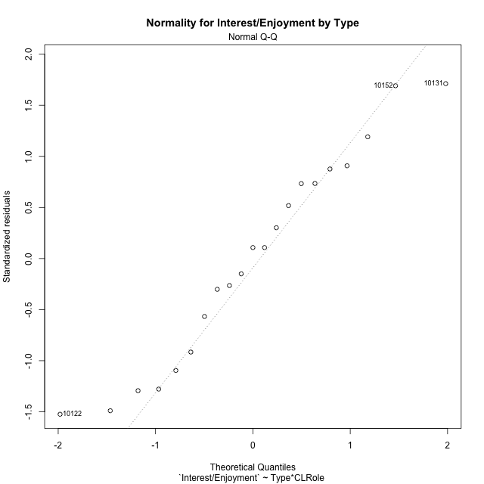

Levene's Test for Homogeneity of Variance in Interest/Enjoyment by Type
Df | F value | Pr(>F)
3 | 0.68673911145 | 0.57242357011
17

Plots for homogeneity of variance
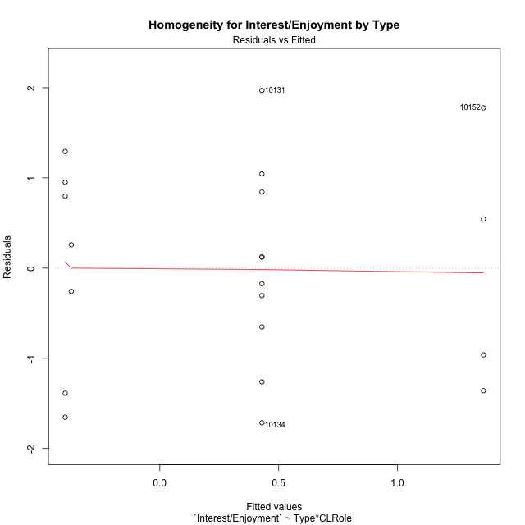

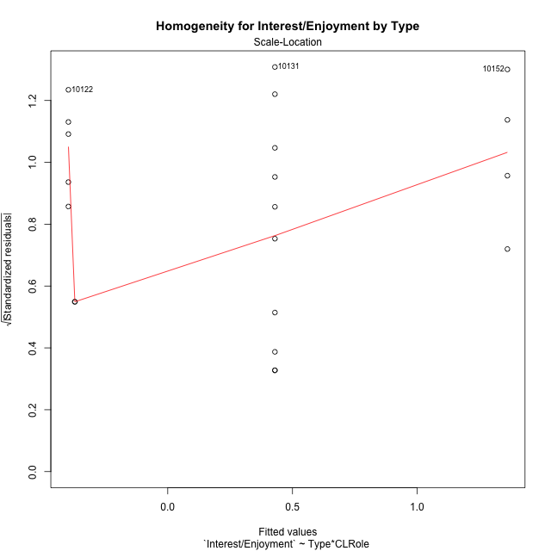

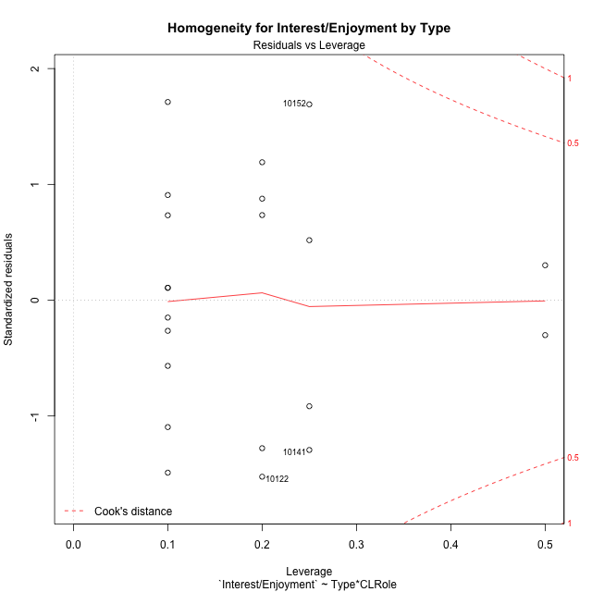

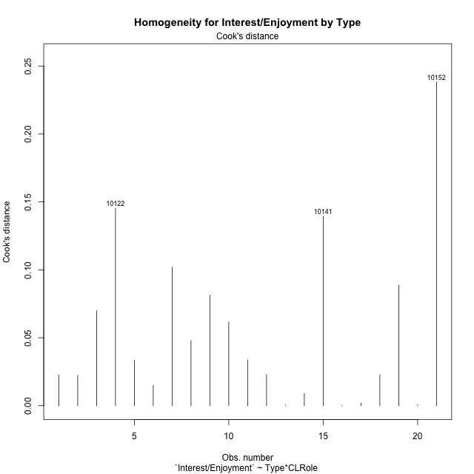

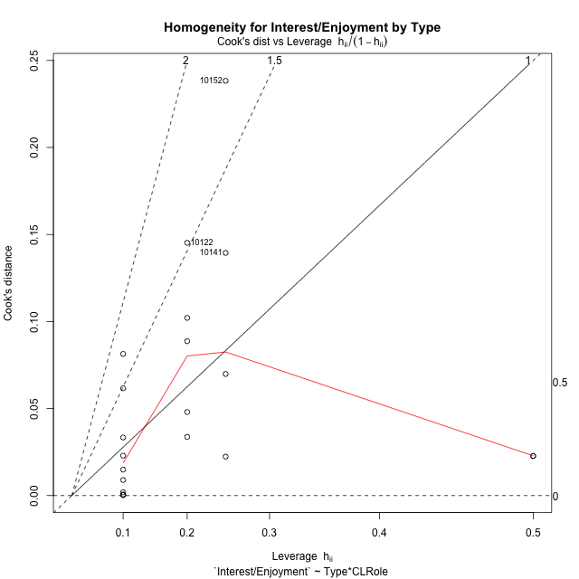

Minimum Sample Size Test for Interest/Enjoyment by Type
Type | CLRole | Freq
non-gamified | Apprentice | 5
ont-gamified | Apprentice | 10
non-gamified | Master | 2
ont-gamified | Master | 4

Errors and Warnings in Sample Size Test for ANOVA in Interest/Enjoyment by Type
code | description
WARN: sample.size | current size is 5 and recommended size is 15 for the group: 'non-gamified:Apprentice'.
WARN: sample.size | current size is 10 and recommended size is 15 for the group: 'ont-gamified:Apprentice'.
FAIL: min.size | current size is 2 but the minimal recomended size is 5 for the group: 'non-gamified:Master'.
FAIL: min.size | current size is 4 but the minimal recomended size is 5 for the group: 'ont-gamified:Master'.

For the group: 'non-gamified:Apprentice', we recommend the use of non-parametric test. For the group: 'ont-gamified:Apprentice', we recommend the use of non-parametric test. For the group: 'non-gamified:Master', we recommend the use of non-parametric test. For the group: 'ont-gamified:Master', we recommend the use of non-parametric test.

Post-hoc
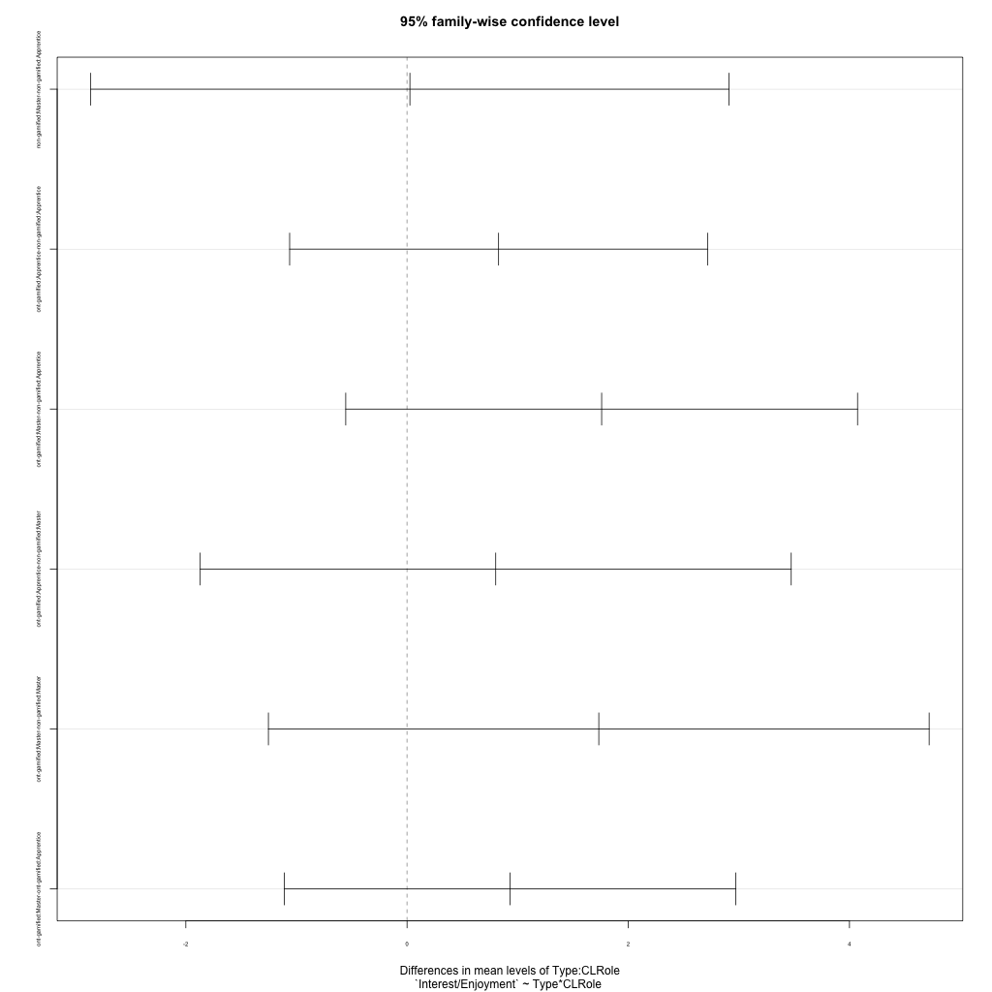
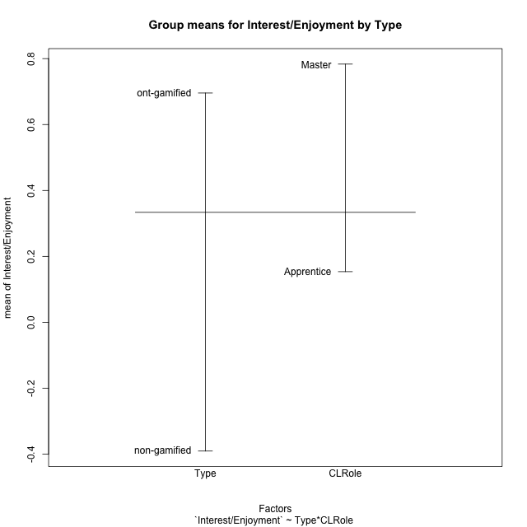
Post-hoc Tukey Honestly Significant Difference (HSD) Test for Interest/Enjoyment by Type

Comparisons of means for Type
 | diff | lwr | upr | p adj
ont-gamified-non-gamified | 1.0864556841 | -0.098582951311 | 2.2714943195 | 0.069898760133

Comparisons of means for CLRole
 | diff | lwr | upr | p adj
Master-Apprentice | 0.62981348032 | -0.60677242724 | 1.8663993879 | 0.29758596771

Comparisons of means for Type:CLRole
 | diff | lwr | upr | p adj
non-gamified:Master-non-gamified:Apprentice | 0.025851384141 | -2.8598397624 | 2.9115425307 | 0.99999381341
ont-gamified:Apprentice-non-gamified:Apprentice | 0.82761478575 | -1.0615135159 | 2.7167430874 | 0.60797879681
ont-gamified:Master-non-gamified:Apprentice | 1.7594093142 | -0.55429088468 | 4.073109513 | 0.17403587489
ont-gamified:Apprentice-non-gamified:Master | 0.80176340161 | -1.8698674636 | 3.4733942668 | 0.82843892657
ont-gamified:Master-non-gamified:Master | 1.73355793 | -1.2534161827 | 4.7205320427 | 0.37897775745
ont-gamified:Master-ont-gamified:Apprentice | 0.93179452841 | -1.1086972498 | 2.9722863066 | 0.57642804516

Contrast Matrices for Interest/Enjoyment by Type - Type
contrast | estimate | SE | df | t.ratio | p.value
non-gamified - ont-gamified | -1.2805863579 | 0.62166450781 | 17 | -2.0599315898 | 0.055054739978

Contrast Matrices for Interest/Enjoyment by Type - Type:CLRole
contrast | CLRole | estimate | SE | df | t.ratio | p.value
non-gamified - ont-gamified | Apprentice | -0.82761478575 | 0.66458731364 | 17 | -1.2453063258 | 0.22991146501
non-gamified - ont-gamified | Master | -1.73355793 | 1.0508048076 | 17 | -1.6497430517 | 0.11734892387

Least Squares Means and Confidence Intervals for Type
Type | lsmean | SE | df | lower.CL | upper.CL | Pairs
non-gamified | -0.3852165909 | 0.50758694511 | 17 | -1.4561314348 | 0.68569825301 | non-gamified
ont-gamified | 0.89536976699 | 0.35891817093 | 17 | 0.13811861879 | 1.6526209152 | ont-gamified

Least Squares Means and Confidence Intervals for Type:CLRole
Type | CLRole | lsmean | SE | df | lower.CL | upper.CL | Pairs
non-gamified | Apprentice | -0.39814228297 | 0.54263326932 | 17 | -1.5429984076 | 0.74671384169 | non-gamified.Apprentice
ont-gamified | Apprentice | 0.42947250278 | 0.38369966443 | 17 | -0.38006302645 | 1.239008032 | ont-gamified.Apprentice
non-gamified | Master | -0.37229089883 | 0.85797853262 | 17 | -2.1824673724 | 1.4378855747 | non-gamified.Master
ont-gamified | Master | 1.3612670312 | 0.60668243853 | 17 | 0.08127897159 | 2.6412550908 | ont-gamified.Master

Plots

Type_1
Student's t-Test for Interest/Enjoyment by Type in Type between non-gamified:ont-gamified

Student's t-Test results
Alternative hypothesis: less
Group | N | Mean | Mean.Difference | Std.deviation | Std.error | CI.lower | CI.upper | df | t.value | p.value | g | magnitude
non-gamified | 7 | -0.39075617321 | -1.0864556841 | 1.1551760551 | 0.43661550889 | -1.263987191 | 0.48247484458 | 12.777990577 | -1.9909193657 | 0.034157433172 | -0.86679224237 | large
ont-gamified | 14 | 0.6956995109 | 1.0864556841 | 1.224850905 | 0.32735517403 | 0.040989162836 | 1.350409859 | 12.777990577 | -1.9909193657 | 0.034157433172 | -0.86679224237 | large
Alternative hypothesis: greater
Group | N | Mean | Mean.Difference | Std.deviation | Std.error | CI.lower | CI.upper | df | t.value | p.value | g | magnitude
non-gamified | 7 | -0.39075617321 | -1.0864556841 | 1.1551760551 | 0.43661550889 | -1.263987191 | 0.48247484458 | 12.777990577 | -1.9909193657 | 0.96584256683 | -0.86679224237 | large
ont-gamified | 14 | 0.6956995109 | 1.0864556841 | 1.224850905 | 0.32735517403 | 0.040989162836 | 1.350409859 | 12.777990577 | -1.9909193657 | 0.96584256683 | -0.86679224237 | large
Alternative hypothesis: two.sided
Group | N | Mean | Mean.Difference | Std.deviation | Std.error | CI.lower | CI.upper | df | t.value | p.value | g | magnitude
non-gamified | 7 | -0.39075617321 | -1.0864556841 | 1.1551760551 | 0.43661550889 | -1.263987191 | 0.48247484458 | 12.777990577 | -1.9909193657 | 0.068314866344 | -0.86679224237 | large
ont-gamified | 14 | 0.6956995109 | 1.0864556841 | 1.224850905 | 0.32735517403 | 0.040989162836 | 1.350409859 | 12.777990577 | -1.9909193657 | 0.068314866344 | -0.86679224237 | large

Box plots for Student's t-Test
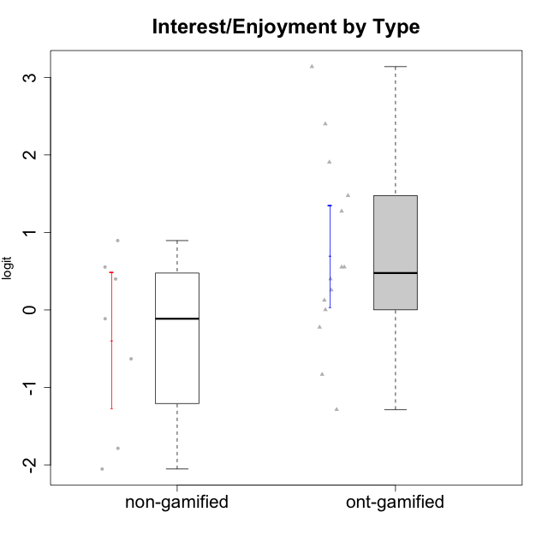

Student's t-Test data
UserID | Type | CLGroup | CLRole | PlayerRole | Interest/Enjoyment | Perceived Choice | Pressure/Tension | Effort/Importance | Intrinsic Motivation
10116 | non-gamified | GroupC | Master |  | -0.11357294579 | -0.84246384474 | 0.207074728 | -0.59479403893 | -0.43947638936
10120 | ont-gamified | Grupo Hélio | Master | Yee Socializer | 1.9055652511 | 1.3724895791 | -0.92888751811 | 0.43187671077 | 1.2745279552
10121 | ont-gamified | Grupo Hades | Master | Yee Achiever | 0.39919386735 | 0.58689611203 | 0.34545624663 | -0.11852834837 | 0.1305263461
10122 | non-gamified | GroupB | Apprentice |  | -2.0523461364 | 1.1695914201 | -0.48810270396 | -0.11852834837 | -0.12829509018
10123 | ont-gamified | Grupo Morfeu | Apprentice | Yee Achiever | -0.83197918173 | 0.23576870755 | 0.207074728 | -0.42994125574 | -0.30830661448
10126 | ont-gamified | Grupo Hélio | Apprentice | Yee Socializer | 1.2733257983 | 1.1695914201 | -0.48810270396 | -0.11852834837 | 0.70312289349
10129 | non-gamified | GroupB | Apprentice |  | -1.7851511272 | -0.62243343859 | 1.1760127697 | 0.043437426927 | -1.3842690895
10130 | non-gamified | GroupC | Apprentice |  | 0.55299522042 | -0.30498894625 | 1.1760127697 | 0.69391751569 | -0.11778394501
10131 | ont-gamified | Grupo Zeus | Apprentice | Yee Achiever | 2.3995832302 | -0.95909932617 | -0.86046882355 | 0.42905726588 | 0.68250249838
10134 | ont-gamified | Grupo Apolo | Apprentice | Yee Socializer | -1.2851216362 | -0.73083108762 | 0.34545624663 | -0.59479403893 | -0.73905075235
10135 | non-gamified | GroupB | Apprentice |  | 0.39919386735 | 0.34922612396 | 0.34545624663 | -0.273828091 | 0.032283913422
10137 | ont-gamified | Grupo Morfeu | Apprentice | Yee Achiever | 1.4744559961 | 1.3724895791 | -1.2956562305 | 0.69391751569 | 1.3321669013
10138 | ont-gamified | Grupo Hélio | Apprentice | Yee Socializer | 0.55299522042 | -0.41039697569 | 0.34545624663 | 1.2936946773 | 0.4248543794
10139 | ont-gamified | Grupo Zeus | Apprentice | Yee Achiever | -0.22343251553 | 0.12466021952 | -0.48810270396 | -0.59479403893 | -0.051365907743
10141 | ont-gamified | Grupo Apolo | Master | Yee Socializer | 0.0020687155691 | -0.41039697569 | -0.059821730394 | -0.42994125574 | -0.19461194637
10142 | ont-gamified | Grupo Hades | Apprentice | Yee Achiever | 0.55299522042 | -0.30498894625 | -0.86046882355 | -0.11852834837 | 0.24748668734
10143 | ont-gamified | Grupo Apolo | Apprentice | Yee Socializer | 0.12501694921 | 0.34922612396 | -0.059821730394 | 0.42905726588 | 0.24078051736
10145 | non-gamified | GroupB | Master |  | -0.63100885186 | -0.84246384474 | 0.49281785314 | 1.2936946773 | -0.016003757564
10146 | non-gamified | GroupA | Apprentice |  | 0.89459676096 | 0.34922612396 | -0.33626190168 | 0.69391751569 | 0.56850057557
10148 | ont-gamified | Grupo Apolo | Apprentice | Yee Socializer | 0.25688594663 | 0.71417324881 | 0.84536116149 | 0.69391751569 | 0.20490388741
10152 | ont-gamified | Grupo Morfeu | Master | Yee Achiever | 3.1382402907 | 0.71417324881 | -0.19509897189 | -0.59479403893 | 1.3837694218

Type_CLRole_1
Student's t-Test for Interest/Enjoyment by Type in Type:CLRole between non-gamified.Apprentice:non-gamified.Master

Student's t-Test results
Alternative hypothesis: less
Group | N | Mean | Mean.Difference | Std.deviation | Std.error | CI.lower | CI.upper | df | t.value | p.value | g | magnitude
non-gamified.Apprentice | 5 | -0.39814228297 | -0.025851384141 | 1.4028333512 | 0.62736614689 | -1.6528745767 | 0.85659001081 | 4.9083634487 | -0.038094126119 | 0.48555665661 | -0.017204310654 | negligible
non-gamified.Master | 2 | -0.37229089883 | 0.025851384141 | 0.36588243801 | 0.25871795303 | -0.8897268049 | 0.14514500724 | 4.9083634487 | -0.038094126119 | 0.48555665661 | -0.017204310654 | negligible
Alternative hypothesis: greater
Group | N | Mean | Mean.Difference | Std.deviation | Std.error | CI.lower | CI.upper | df | t.value | p.value | g | magnitude
non-gamified.Apprentice | 5 | -0.39814228297 | -0.025851384141 | 1.4028333512 | 0.62736614689 | -1.6528745767 | 0.85659001081 | 4.9083634487 | -0.038094126119 | 0.51444334339 | -0.017204310654 | negligible
non-gamified.Master | 2 | -0.37229089883 | 0.025851384141 | 0.36588243801 | 0.25871795303 | -0.8897268049 | 0.14514500724 | 4.9083634487 | -0.038094126119 | 0.51444334339 | -0.017204310654 | negligible
Alternative hypothesis: two.sided
Group | N | Mean | Mean.Difference | Std.deviation | Std.error | CI.lower | CI.upper | df | t.value | p.value | g | magnitude
non-gamified.Apprentice | 5 | -0.39814228297 | -0.025851384141 | 1.4028333512 | 0.62736614689 | -1.6528745767 | 0.85659001081 | 4.9083634487 | -0.038094126119 | 0.97111331322 | -0.017204310654 | negligible
non-gamified.Master | 2 | -0.37229089883 | 0.025851384141 | 0.36588243801 | 0.25871795303 | -0.8897268049 | 0.14514500724 | 4.9083634487 | -0.038094126119 | 0.97111331322 | -0.017204310654 | negligible

Box plots for Student's t-Test
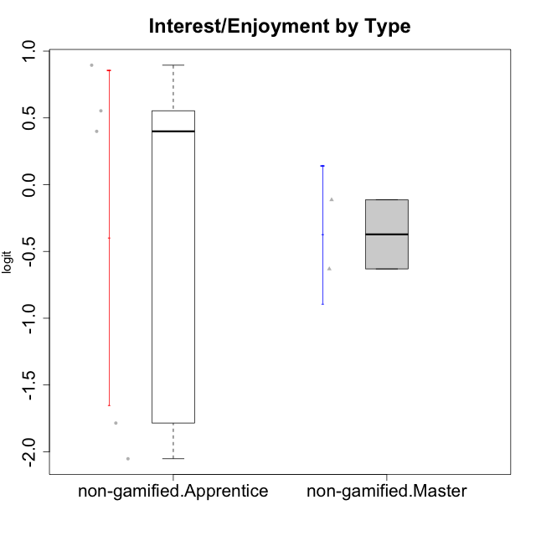

Student's t-Test data
UserID | Type | CLGroup | CLRole | PlayerRole | Interest/Enjoyment | Perceived Choice | Pressure/Tension | Effort/Importance | Intrinsic Motivation
10116 | non-gamified | GroupC | Master |  | -0.11357294579 | -0.84246384474 | 0.207074728 | -0.59479403893 | -0.43947638936
10122 | non-gamified | GroupB | Apprentice |  | -2.0523461364 | 1.1695914201 | -0.48810270396 | -0.11852834837 | -0.12829509018
10129 | non-gamified | GroupB | Apprentice |  | -1.7851511272 | -0.62243343859 | 1.1760127697 | 0.043437426927 | -1.3842690895
10130 | non-gamified | GroupC | Apprentice |  | 0.55299522042 | -0.30498894625 | 1.1760127697 | 0.69391751569 | -0.11778394501
10135 | non-gamified | GroupB | Apprentice |  | 0.39919386735 | 0.34922612396 | 0.34545624663 | -0.273828091 | 0.032283913422
10145 | non-gamified | GroupB | Master |  | -0.63100885186 | -0.84246384474 | 0.49281785314 | 1.2936946773 | -0.016003757564
10146 | non-gamified | GroupA | Apprentice |  | 0.89459676096 | 0.34922612396 | -0.33626190168 | 0.69391751569 | 0.56850057557

Type_CLRole_2
Student's t-Test for Interest/Enjoyment by Type in Type:CLRole between non-gamified.Apprentice:ont-gamified.Apprentice

Student's t-Test results
Alternative hypothesis: less
Group | N | Mean | Mean.Difference | Std.deviation | Std.error | CI.lower | CI.upper | df | t.value | p.value | g | magnitude
non-gamified.Apprentice | 5 | -0.39814228297 | -0.82761478575 | 1.4028333512 | 0.62736614689 | -1.6528745767 | 0.85659001081 | 6.5397106497 | -1.1548896071 | 0.14429193989 | -0.65002082082 | medium
ont-gamified.Apprentice | 10 | 0.42947250278 | 0.82761478575 | 1.0952315112 | 0.34634261405 | -0.26321272533 | 1.1221577309 | 6.5397106497 | -1.1548896071 | 0.14429193989 | -0.65002082082 | medium
Alternative hypothesis: greater
Group | N | Mean | Mean.Difference | Std.deviation | Std.error | CI.lower | CI.upper | df | t.value | p.value | g | magnitude
non-gamified.Apprentice | 5 | -0.39814228297 | -0.82761478575 | 1.4028333512 | 0.62736614689 | -1.6528745767 | 0.85659001081 | 6.5397106497 | -1.1548896071 | 0.85570806011 | -0.65002082082 | medium
ont-gamified.Apprentice | 10 | 0.42947250278 | 0.82761478575 | 1.0952315112 | 0.34634261405 | -0.26321272533 | 1.1221577309 | 6.5397106497 | -1.1548896071 | 0.85570806011 | -0.65002082082 | medium
Alternative hypothesis: two.sided
Group | N | Mean | Mean.Difference | Std.deviation | Std.error | CI.lower | CI.upper | df | t.value | p.value | g | magnitude
non-gamified.Apprentice | 5 | -0.39814228297 | -0.82761478575 | 1.4028333512 | 0.62736614689 | -1.6528745767 | 0.85659001081 | 6.5397106497 | -1.1548896071 | 0.28858387977 | -0.65002082082 | medium
ont-gamified.Apprentice | 10 | 0.42947250278 | 0.82761478575 | 1.0952315112 | 0.34634261405 | -0.26321272533 | 1.1221577309 | 6.5397106497 | -1.1548896071 | 0.28858387977 | -0.65002082082 | medium

Box plots for Student's t-Test
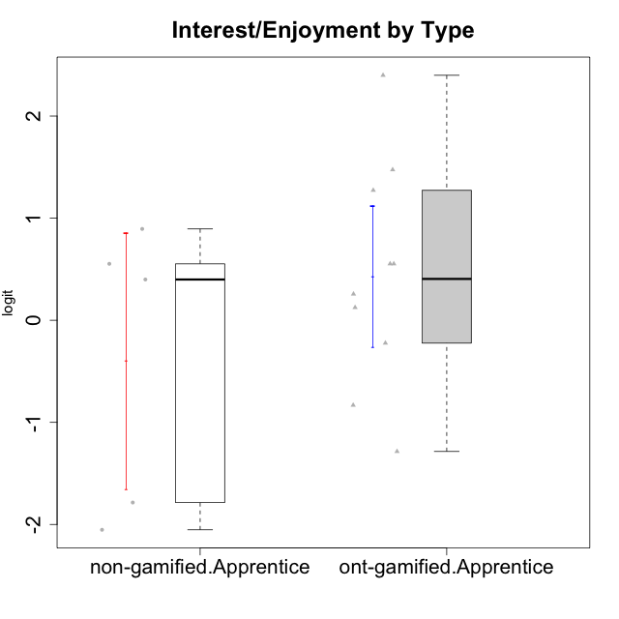

Student's t-Test data
UserID | Type | CLGroup | CLRole | PlayerRole | Interest/Enjoyment | Perceived Choice | Pressure/Tension | Effort/Importance | Intrinsic Motivation
10122 | non-gamified | GroupB | Apprentice |  | -2.0523461364 | 1.1695914201 | -0.48810270396 | -0.11852834837 | -0.12829509018
10123 | ont-gamified | Grupo Morfeu | Apprentice | Yee Achiever | -0.83197918173 | 0.23576870755 | 0.207074728 | -0.42994125574 | -0.30830661448
10126 | ont-gamified | Grupo Hélio | Apprentice | Yee Socializer | 1.2733257983 | 1.1695914201 | -0.48810270396 | -0.11852834837 | 0.70312289349
10129 | non-gamified | GroupB | Apprentice |  | -1.7851511272 | -0.62243343859 | 1.1760127697 | 0.043437426927 | -1.3842690895
10130 | non-gamified | GroupC | Apprentice |  | 0.55299522042 | -0.30498894625 | 1.1760127697 | 0.69391751569 | -0.11778394501
10131 | ont-gamified | Grupo Zeus | Apprentice | Yee Achiever | 2.3995832302 | -0.95909932617 | -0.86046882355 | 0.42905726588 | 0.68250249838
10134 | ont-gamified | Grupo Apolo | Apprentice | Yee Socializer | -1.2851216362 | -0.73083108762 | 0.34545624663 | -0.59479403893 | -0.73905075235
10135 | non-gamified | GroupB | Apprentice |  | 0.39919386735 | 0.34922612396 | 0.34545624663 | -0.273828091 | 0.032283913422
10137 | ont-gamified | Grupo Morfeu | Apprentice | Yee Achiever | 1.4744559961 | 1.3724895791 | -1.2956562305 | 0.69391751569 | 1.3321669013
10138 | ont-gamified | Grupo Hélio | Apprentice | Yee Socializer | 0.55299522042 | -0.41039697569 | 0.34545624663 | 1.2936946773 | 0.4248543794
10139 | ont-gamified | Grupo Zeus | Apprentice | Yee Achiever | -0.22343251553 | 0.12466021952 | -0.48810270396 | -0.59479403893 | -0.051365907743
10142 | ont-gamified | Grupo Hades | Apprentice | Yee Achiever | 0.55299522042 | -0.30498894625 | -0.86046882355 | -0.11852834837 | 0.24748668734
10143 | ont-gamified | Grupo Apolo | Apprentice | Yee Socializer | 0.12501694921 | 0.34922612396 | -0.059821730394 | 0.42905726588 | 0.24078051736
10146 | non-gamified | GroupA | Apprentice |  | 0.89459676096 | 0.34922612396 | -0.33626190168 | 0.69391751569 | 0.56850057557
10148 | ont-gamified | Grupo Apolo | Apprentice | Yee Socializer | 0.25688594663 | 0.71417324881 | 0.84536116149 | 0.69391751569 | 0.20490388741

Type_CLRole_3
Student's t-Test for Interest/Enjoyment by Type in Type:CLRole between non-gamified.Apprentice:ont-gamified.Master

Student's t-Test results
Alternative hypothesis: less
Group | N | Mean | Mean.Difference | Std.deviation | Std.error | CI.lower | CI.upper | df | t.value | p.value | g | magnitude
non-gamified.Apprentice | 5 | -0.39814228297 | -1.7594093142 | 1.4028333512 | 0.62736614689 | -1.6528745767 | 0.85659001081 | 6.4806135405 | -1.8418373195 | 0.055719807633 | -1.1019817158 | large
ont-gamified.Master | 4 | 1.3612670312 | 1.7594093142 | 1.4407057704 | 0.72035288522 | -0.079438739259 | 2.8019728016 | 6.4806135405 | -1.8418373195 | 0.055719807633 | -1.1019817158 | large
Alternative hypothesis: greater
Group | N | Mean | Mean.Difference | Std.deviation | Std.error | CI.lower | CI.upper | df | t.value | p.value | g | magnitude
non-gamified.Apprentice | 5 | -0.39814228297 | -1.7594093142 | 1.4028333512 | 0.62736614689 | -1.6528745767 | 0.85659001081 | 6.4806135405 | -1.8418373195 | 0.94428019237 | -1.1019817158 | large
ont-gamified.Master | 4 | 1.3612670312 | 1.7594093142 | 1.4407057704 | 0.72035288522 | -0.079438739259 | 2.8019728016 | 6.4806135405 | -1.8418373195 | 0.94428019237 | -1.1019817158 | large
Alternative hypothesis: two.sided
Group | N | Mean | Mean.Difference | Std.deviation | Std.error | CI.lower | CI.upper | df | t.value | p.value | g | magnitude
non-gamified.Apprentice | 5 | -0.39814228297 | -1.7594093142 | 1.4028333512 | 0.62736614689 | -1.6528745767 | 0.85659001081 | 6.4806135405 | -1.8418373195 | 0.11143961527 | -1.1019817158 | large
ont-gamified.Master | 4 | 1.3612670312 | 1.7594093142 | 1.4407057704 | 0.72035288522 | -0.079438739259 | 2.8019728016 | 6.4806135405 | -1.8418373195 | 0.11143961527 | -1.1019817158 | large

Box plots for Student's t-Test
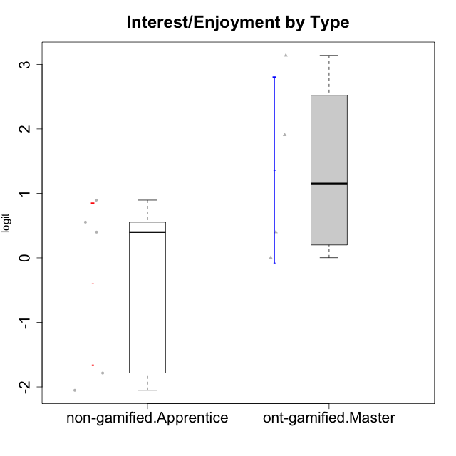

Student's t-Test data
UserID | Type | CLGroup | CLRole | PlayerRole | Interest/Enjoyment | Perceived Choice | Pressure/Tension | Effort/Importance | Intrinsic Motivation
10120 | ont-gamified | Grupo Hélio | Master | Yee Socializer | 1.9055652511 | 1.3724895791 | -0.92888751811 | 0.43187671077 | 1.2745279552
10121 | ont-gamified | Grupo Hades | Master | Yee Achiever | 0.39919386735 | 0.58689611203 | 0.34545624663 | -0.11852834837 | 0.1305263461
10122 | non-gamified | GroupB | Apprentice |  | -2.0523461364 | 1.1695914201 | -0.48810270396 | -0.11852834837 | -0.12829509018
10129 | non-gamified | GroupB | Apprentice |  | -1.7851511272 | -0.62243343859 | 1.1760127697 | 0.043437426927 | -1.3842690895
10130 | non-gamified | GroupC | Apprentice |  | 0.55299522042 | -0.30498894625 | 1.1760127697 | 0.69391751569 | -0.11778394501
10135 | non-gamified | GroupB | Apprentice |  | 0.39919386735 | 0.34922612396 | 0.34545624663 | -0.273828091 | 0.032283913422
10141 | ont-gamified | Grupo Apolo | Master | Yee Socializer | 0.0020687155691 | -0.41039697569 | -0.059821730394 | -0.42994125574 | -0.19461194637
10146 | non-gamified | GroupA | Apprentice |  | 0.89459676096 | 0.34922612396 | -0.33626190168 | 0.69391751569 | 0.56850057557
10152 | ont-gamified | Grupo Morfeu | Master | Yee Achiever | 3.1382402907 | 0.71417324881 | -0.19509897189 | -0.59479403893 | 1.3837694218

Type_CLRole_4
Student's t-Test for Interest/Enjoyment by Type in Type:CLRole between non-gamified.Master:ont-gamified.Apprentice

Student's t-Test results
Alternative hypothesis: less
Group | N | Mean | Mean.Difference | Std.deviation | Std.error | CI.lower | CI.upper | df | t.value | p.value | g | magnitude
non-gamified.Master | 2 | -0.37229089883 | -0.80176340161 | 0.36588243801 | 0.25871795303 | -0.8897268049 | 0.14514500724 | 5.7455078009 | -1.8546215601 | 0.057615712023 | -0.70791452768 | medium
ont-gamified.Apprentice | 10 | 0.42947250278 | 0.80176340161 | 1.0952315112 | 0.34634261405 | -0.26321272533 | 1.1221577309 | 5.7455078009 | -1.8546215601 | 0.057615712023 | -0.70791452768 | medium
Alternative hypothesis: greater
Group | N | Mean | Mean.Difference | Std.deviation | Std.error | CI.lower | CI.upper | df | t.value | p.value | g | magnitude
non-gamified.Master | 2 | -0.37229089883 | -0.80176340161 | 0.36588243801 | 0.25871795303 | -0.8897268049 | 0.14514500724 | 5.7455078009 | -1.8546215601 | 0.94238428798 | -0.70791452768 | medium
ont-gamified.Apprentice | 10 | 0.42947250278 | 0.80176340161 | 1.0952315112 | 0.34634261405 | -0.26321272533 | 1.1221577309 | 5.7455078009 | -1.8546215601 | 0.94238428798 | -0.70791452768 | medium
Alternative hypothesis: two.sided
Group | N | Mean | Mean.Difference | Std.deviation | Std.error | CI.lower | CI.upper | df | t.value | p.value | g | magnitude
non-gamified.Master | 2 | -0.37229089883 | -0.80176340161 | 0.36588243801 | 0.25871795303 | -0.8897268049 | 0.14514500724 | 5.7455078009 | -1.8546215601 | 0.11523142405 | -0.70791452768 | medium
ont-gamified.Apprentice | 10 | 0.42947250278 | 0.80176340161 | 1.0952315112 | 0.34634261405 | -0.26321272533 | 1.1221577309 | 5.7455078009 | -1.8546215601 | 0.11523142405 | -0.70791452768 | medium

Box plots for Student's t-Test
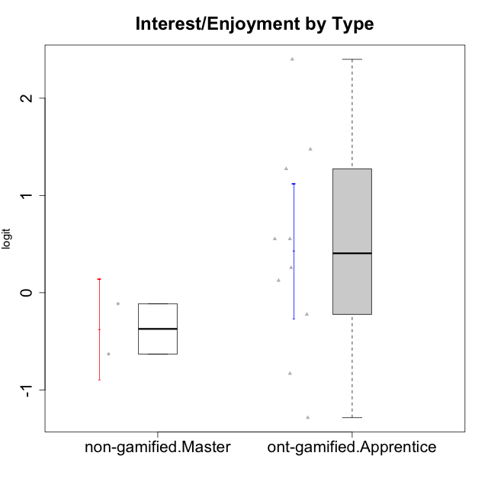

Student's t-Test data
UserID | Type | CLGroup | CLRole | PlayerRole | Interest/Enjoyment | Perceived Choice | Pressure/Tension | Effort/Importance | Intrinsic Motivation
10116 | non-gamified | GroupC | Master |  | -0.11357294579 | -0.84246384474 | 0.207074728 | -0.59479403893 | -0.43947638936
10123 | ont-gamified | Grupo Morfeu | Apprentice | Yee Achiever | -0.83197918173 | 0.23576870755 | 0.207074728 | -0.42994125574 | -0.30830661448
10126 | ont-gamified | Grupo Hélio | Apprentice | Yee Socializer | 1.2733257983 | 1.1695914201 | -0.48810270396 | -0.11852834837 | 0.70312289349
10131 | ont-gamified | Grupo Zeus | Apprentice | Yee Achiever | 2.3995832302 | -0.95909932617 | -0.86046882355 | 0.42905726588 | 0.68250249838
10134 | ont-gamified | Grupo Apolo | Apprentice | Yee Socializer | -1.2851216362 | -0.73083108762 | 0.34545624663 | -0.59479403893 | -0.73905075235
10137 | ont-gamified | Grupo Morfeu | Apprentice | Yee Achiever | 1.4744559961 | 1.3724895791 | -1.2956562305 | 0.69391751569 | 1.3321669013
10138 | ont-gamified | Grupo Hélio | Apprentice | Yee Socializer | 0.55299522042 | -0.41039697569 | 0.34545624663 | 1.2936946773 | 0.4248543794
10139 | ont-gamified | Grupo Zeus | Apprentice | Yee Achiever | -0.22343251553 | 0.12466021952 | -0.48810270396 | -0.59479403893 | -0.051365907743
10142 | ont-gamified | Grupo Hades | Apprentice | Yee Achiever | 0.55299522042 | -0.30498894625 | -0.86046882355 | -0.11852834837 | 0.24748668734
10143 | ont-gamified | Grupo Apolo | Apprentice | Yee Socializer | 0.12501694921 | 0.34922612396 | -0.059821730394 | 0.42905726588 | 0.24078051736
10145 | non-gamified | GroupB | Master |  | -0.63100885186 | -0.84246384474 | 0.49281785314 | 1.2936946773 | -0.016003757564
10148 | ont-gamified | Grupo Apolo | Apprentice | Yee Socializer | 0.25688594663 | 0.71417324881 | 0.84536116149 | 0.69391751569 | 0.20490388741

Type_CLRole_5
Student's t-Test for Interest/Enjoyment by Type in Type:CLRole between non-gamified.Master:ont-gamified.Master

Student's t-Test results
Alternative hypothesis: less
Group | N | Mean | Mean.Difference | Std.deviation | Std.error | CI.lower | CI.upper | df | t.value | p.value | g | magnitude
non-gamified.Master | 2 | -0.37229089883 | -1.73355793 | 0.36588243801 | 0.25871795303 | -0.8897268049 | 0.14514500724 | 3.642068107 | -2.264892745 | 0.046387047877 | -1.0997741796 | large
ont-gamified.Master | 4 | 1.3612670312 | 1.73355793 | 1.4407057704 | 0.72035288522 | -0.079438739259 | 2.8019728016 | 3.642068107 | -2.264892745 | 0.046387047877 | -1.0997741796 | large
Alternative hypothesis: greater
Group | N | Mean | Mean.Difference | Std.deviation | Std.error | CI.lower | CI.upper | df | t.value | p.value | g | magnitude
non-gamified.Master | 2 | -0.37229089883 | -1.73355793 | 0.36588243801 | 0.25871795303 | -0.8897268049 | 0.14514500724 | 3.642068107 | -2.264892745 | 0.95361295212 | -1.0997741796 | large
ont-gamified.Master | 4 | 1.3612670312 | 1.73355793 | 1.4407057704 | 0.72035288522 | -0.079438739259 | 2.8019728016 | 3.642068107 | -2.264892745 | 0.95361295212 | -1.0997741796 | large
Alternative hypothesis: two.sided
Group | N | Mean | Mean.Difference | Std.deviation | Std.error | CI.lower | CI.upper | df | t.value | p.value | g | magnitude
non-gamified.Master | 2 | -0.37229089883 | -1.73355793 | 0.36588243801 | 0.25871795303 | -0.8897268049 | 0.14514500724 | 3.642068107 | -2.264892745 | 0.092774095753 | -1.0997741796 | large
ont-gamified.Master | 4 | 1.3612670312 | 1.73355793 | 1.4407057704 | 0.72035288522 | -0.079438739259 | 2.8019728016 | 3.642068107 | -2.264892745 | 0.092774095753 | -1.0997741796 | large

Box plots for Student's t-Test
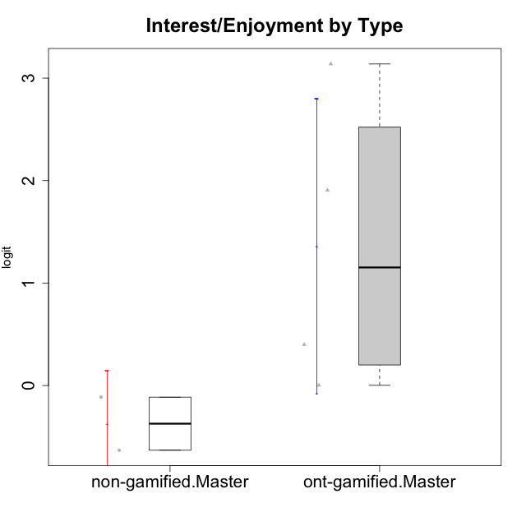

Student's t-Test data
UserID | Type | CLGroup | CLRole | PlayerRole | Interest/Enjoyment | Perceived Choice | Pressure/Tension | Effort/Importance | Intrinsic Motivation
10116 | non-gamified | GroupC | Master |  | -0.11357294579 | -0.84246384474 | 0.207074728 | -0.59479403893 | -0.43947638936
10120 | ont-gamified | Grupo Hélio | Master | Yee Socializer | 1.9055652511 | 1.3724895791 | -0.92888751811 | 0.43187671077 | 1.2745279552
10121 | ont-gamified | Grupo Hades | Master | Yee Achiever | 0.39919386735 | 0.58689611203 | 0.34545624663 | -0.11852834837 | 0.1305263461
10141 | ont-gamified | Grupo Apolo | Master | Yee Socializer | 0.0020687155691 | -0.41039697569 | -0.059821730394 | -0.42994125574 | -0.19461194637
10145 | non-gamified | GroupB | Master |  | -0.63100885186 | -0.84246384474 | 0.49281785314 | 1.2936946773 | -0.016003757564
10152 | ont-gamified | Grupo Morfeu | Master | Yee Achiever | 3.1382402907 | 0.71417324881 | -0.19509897189 | -0.59479403893 | 1.3837694218

Type_CLRole_6
Student's t-Test for Interest/Enjoyment by Type in Type:CLRole between ont-gamified.Apprentice:ont-gamified.Master

Student's t-Test results
Alternative hypothesis: less
Group | N | Mean | Mean.Difference | Std.deviation | Std.error | CI.lower | CI.upper | df | t.value | p.value | g | magnitude
ont-gamified.Apprentice | 10 | 0.42947250278 | -0.93179452841 | 1.0952315112 | 0.34634261405 | -0.26321272533 | 1.1221577309 | 4.4677179884 | -1.1657805424 | 0.15107083285 | -0.73240538515 | medium
ont-gamified.Master | 4 | 1.3612670312 | 0.93179452841 | 1.4407057704 | 0.72035288522 | -0.079438739259 | 2.8019728016 | 4.4677179884 | -1.1657805424 | 0.15107083285 | -0.73240538515 | medium
Alternative hypothesis: greater
Group | N | Mean | Mean.Difference | Std.deviation | Std.error | CI.lower | CI.upper | df | t.value | p.value | g | magnitude
ont-gamified.Apprentice | 10 | 0.42947250278 | -0.93179452841 | 1.0952315112 | 0.34634261405 | -0.26321272533 | 1.1221577309 | 4.4677179884 | -1.1657805424 | 0.84892916715 | -0.73240538515 | medium
ont-gamified.Master | 4 | 1.3612670312 | 0.93179452841 | 1.4407057704 | 0.72035288522 | -0.079438739259 | 2.8019728016 | 4.4677179884 | -1.1657805424 | 0.84892916715 | -0.73240538515 | medium
Alternative hypothesis: two.sided
Group | N | Mean | Mean.Difference | Std.deviation | Std.error | CI.lower | CI.upper | df | t.value | p.value | g | magnitude
ont-gamified.Apprentice | 10 | 0.42947250278 | -0.93179452841 | 1.0952315112 | 0.34634261405 | -0.26321272533 | 1.1221577309 | 4.4677179884 | -1.1657805424 | 0.3021416657 | -0.73240538515 | medium
ont-gamified.Master | 4 | 1.3612670312 | 0.93179452841 | 1.4407057704 | 0.72035288522 | -0.079438739259 | 2.8019728016 | 4.4677179884 | -1.1657805424 | 0.3021416657 | -0.73240538515 | medium

Box plots for Student's t-Test
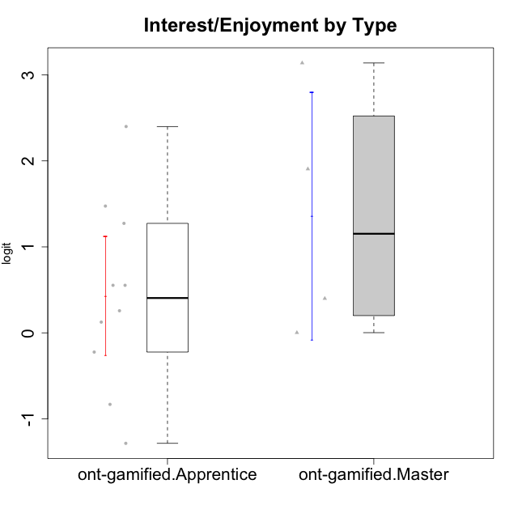

Student's t-Test data
UserID | Type | CLGroup | CLRole | PlayerRole | Interest/Enjoyment | Perceived Choice | Pressure/Tension | Effort/Importance | Intrinsic Motivation
10120 | ont-gamified | Grupo Hélio | Master | Yee Socializer | 1.9055652511 | 1.3724895791 | -0.92888751811 | 0.43187671077 | 1.2745279552
10121 | ont-gamified | Grupo Hades | Master | Yee Achiever | 0.39919386735 | 0.58689611203 | 0.34545624663 | -0.11852834837 | 0.1305263461
10123 | ont-gamified | Grupo Morfeu | Apprentice | Yee Achiever | -0.83197918173 | 0.23576870755 | 0.207074728 | -0.42994125574 | -0.30830661448
10126 | ont-gamified | Grupo Hélio | Apprentice | Yee Socializer | 1.2733257983 | 1.1695914201 | -0.48810270396 | -0.11852834837 | 0.70312289349
10131 | ont-gamified | Grupo Zeus | Apprentice | Yee Achiever | 2.3995832302 | -0.95909932617 | -0.86046882355 | 0.42905726588 | 0.68250249838
10134 | ont-gamified | Grupo Apolo | Apprentice | Yee Socializer | -1.2851216362 | -0.73083108762 | 0.34545624663 | -0.59479403893 | -0.73905075235
10137 | ont-gamified | Grupo Morfeu | Apprentice | Yee Achiever | 1.4744559961 | 1.3724895791 | -1.2956562305 | 0.69391751569 | 1.3321669013
10138 | ont-gamified | Grupo Hélio | Apprentice | Yee Socializer | 0.55299522042 | -0.41039697569 | 0.34545624663 | 1.2936946773 | 0.4248543794
10139 | ont-gamified | Grupo Zeus | Apprentice | Yee Achiever | -0.22343251553 | 0.12466021952 | -0.48810270396 | -0.59479403893 | -0.051365907743
10141 | ont-gamified | Grupo Apolo | Master | Yee Socializer | 0.0020687155691 | -0.41039697569 | -0.059821730394 | -0.42994125574 | -0.19461194637
10142 | ont-gamified | Grupo Hades | Apprentice | Yee Achiever | 0.55299522042 | -0.30498894625 | -0.86046882355 | -0.11852834837 | 0.24748668734
10143 | ont-gamified | Grupo Apolo | Apprentice | Yee Socializer | 0.12501694921 | 0.34922612396 | -0.059821730394 | 0.42905726588 | 0.24078051736
10148 | ont-gamified | Grupo Apolo | Apprentice | Yee Socializer | 0.25688594663 | 0.71417324881 | 0.84536116149 | 0.69391751569 | 0.20490388741
10152 | ont-gamified | Grupo Morfeu | Master | Yee Achiever | 3.1382402907 | 0.71417324881 | -0.19509897189 | -0.59479403893 | 1.3837694218

