Assumptions
ANOVA assumptions for Perceived Choice by Type

Shapiro-Wilk normality test for Perceived Choice by Type
W | p.value
0.95302549849 | 0.38801198695

Plots for normality test
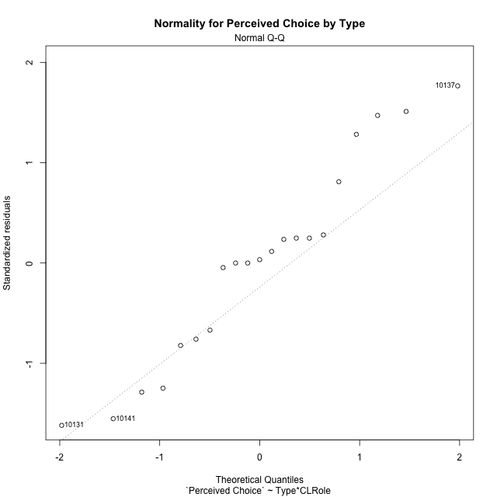

Levene's Test for Homogeneity of Variance in Perceived Choice by Type
Df | F value | Pr(>F)
3 | 1.0871247749 | 0.38126935618
17

Plots for homogeneity of variance
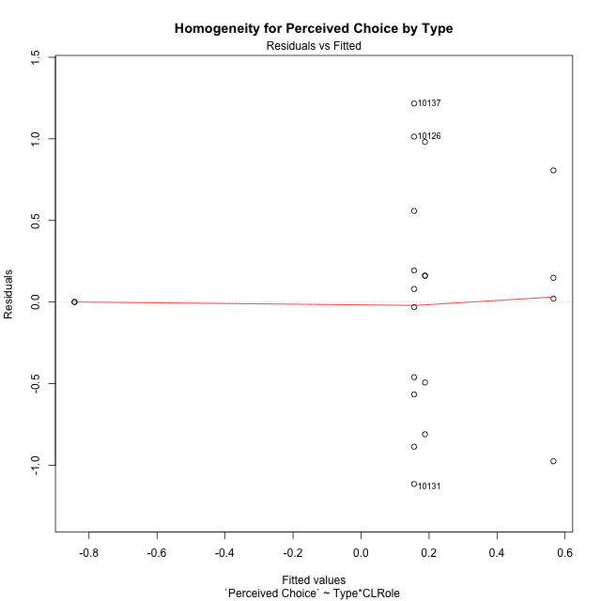

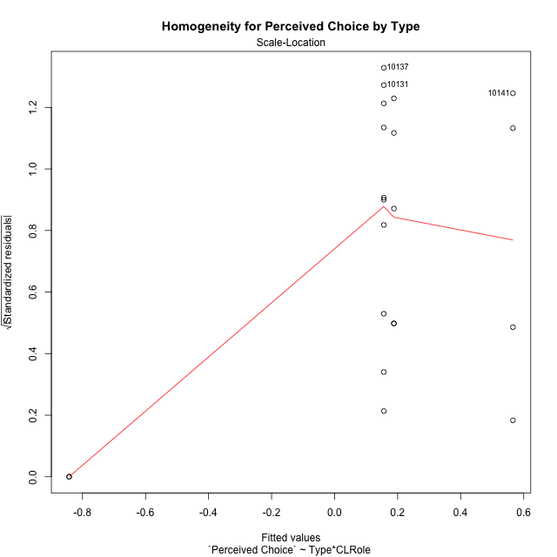

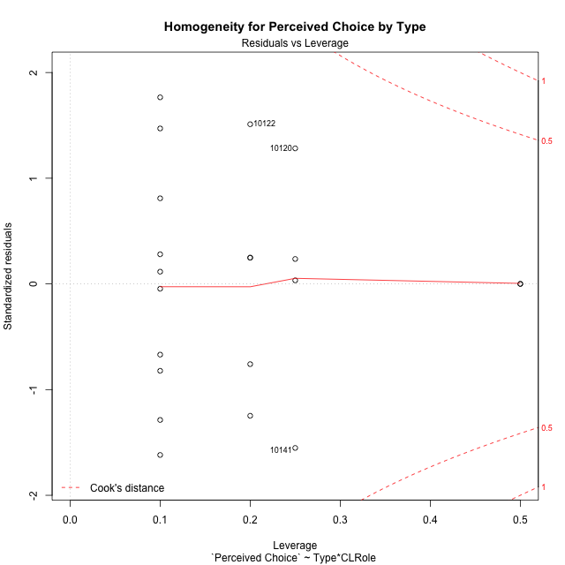

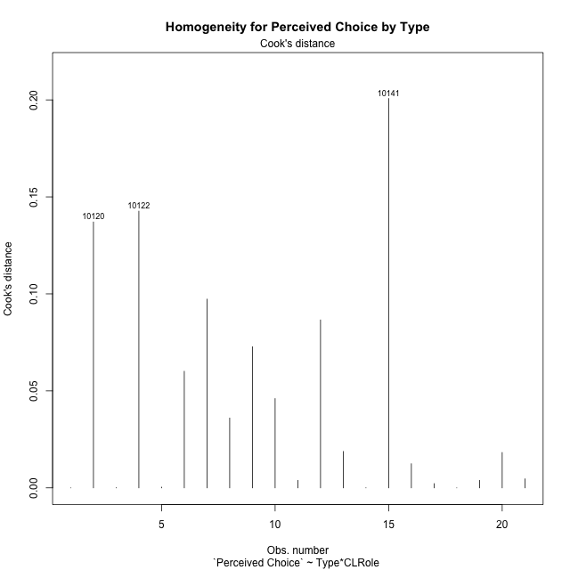

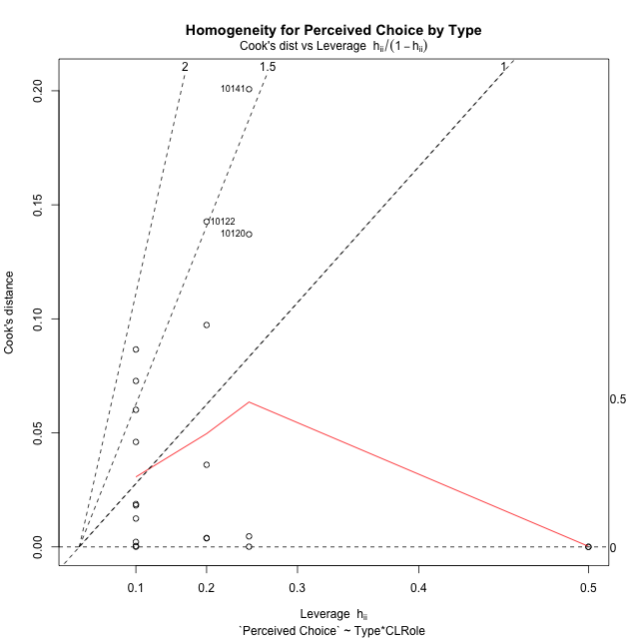

Minimum Sample Size Test for Perceived Choice by Type
Type | CLRole | Freq
non-gamified | Apprentice | 5
ont-gamified | Apprentice | 10
non-gamified | Master | 2
ont-gamified | Master | 4

Errors and Warnings in Sample Size Test for ANOVA in Perceived Choice by Type
code | description
WARN: sample.size | current size is 5 and recommended size is 15 for the group: 'non-gamified:Apprentice'.
WARN: sample.size | current size is 10 and recommended size is 15 for the group: 'ont-gamified:Apprentice'.
FAIL: min.size | current size is 2 but the minimal recomended size is 5 for the group: 'non-gamified:Master'.
FAIL: min.size | current size is 4 but the minimal recomended size is 5 for the group: 'ont-gamified:Master'.

For the group: 'non-gamified:Apprentice', we recommend the use of non-parametric test. For the group: 'ont-gamified:Apprentice', we recommend the use of non-parametric test. For the group: 'non-gamified:Master', we recommend the use of non-parametric test. For the group: 'ont-gamified:Master', we recommend the use of non-parametric test.

Post-hoc
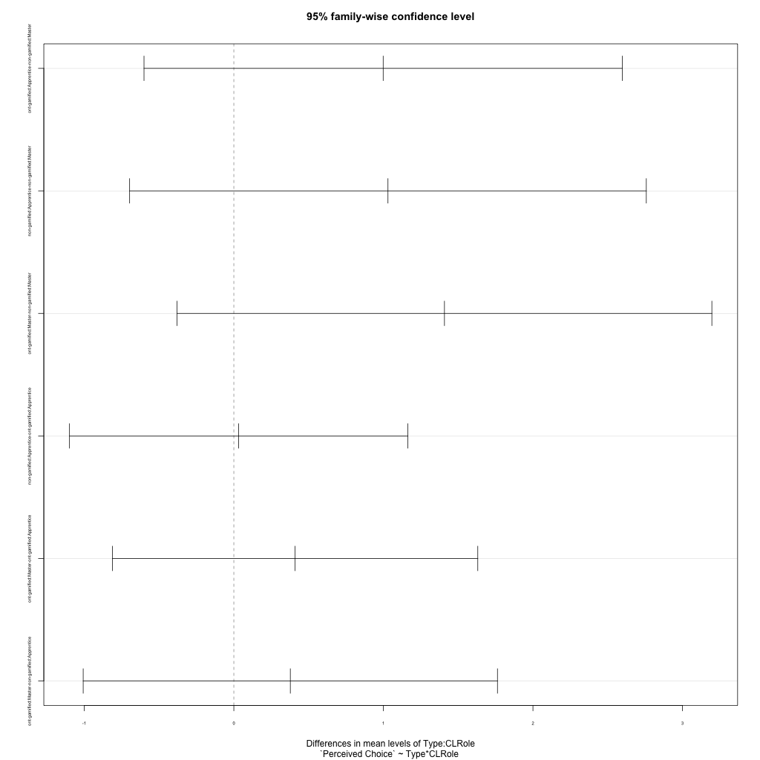
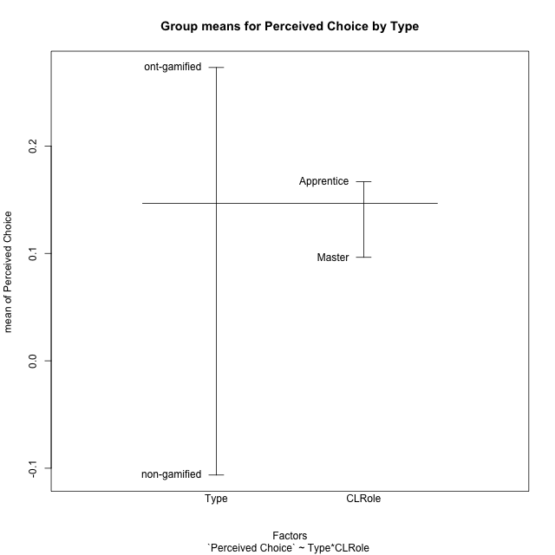
Post-hoc Tukey Honestly Significant Difference (HSD) Test for Perceived Choice by Type

Comparisons of means for Type
 | diff | lwr | upr | p adj
ont-gamified-non-gamified | 0.37945483859 | -0.3299095163 | 1.0888191935 | 0.27474755554

Comparisons of means for CLRole
 | diff | lwr | upr | p adj
Apprentice-Master | 0.070375237295 | -0.6698453246 | 0.81059579919 | 0.843401523

Comparisons of means for Type:CLRole
 | diff | lwr | upr | p adj
ont-gamified:Apprentice-non-gamified:Master | 0.99852314107 | -0.60071560826 | 2.5977618904 | 0.31856600351
non-gamified:Apprentice-non-gamified:Master | 1.0305881014 | -0.69678717351 | 2.7579633762 | 0.35593109019
ont-gamified:Master-non-gamified:Master | 1.4082543358 | -0.37974894206 | 3.1962576137 | 0.15261262833
non-gamified:Apprentice-ont-gamified:Apprentice | 0.032064960296 | -1.0987676041 | 1.1628975247 | 0.99980432874
ont-gamified:Master-ont-gamified:Apprentice | 0.40973119474 | -0.81170757578 | 1.6311699653 | 0.77684821369
ont-gamified:Master-non-gamified:Apprentice | 0.37766623445 | -1.0073151492 | 1.7626476181 | 0.86458277627

Contrast Matrices for Perceived Choice by Type - Type
contrast | estimate | SE | df | t.ratio | p.value
non-gamified - ont-gamified | -0.68809468776 | 0.37212849384 | 17 | -1.8490782059 | 0.081913515242

Contrast Matrices for Perceived Choice by Type - Type:CLRole
contrast | CLRole | estimate | SE | df | t.ratio | p.value
non-gamified - ont-gamified | Apprentice | 0.032064960296 | 0.39782209366 | 17 | 0.080601255704 | 0.93670035983
non-gamified - ont-gamified | Master | -1.4082543358 | 0.62901195975 | 17 | -2.2388355483 | 0.038832202165

Least Squares Means and Confidence Intervals for Type
Type | lsmean | SE | df | lower.CL | upper.CL | Pairs
non-gamified | -0.32716979406 | 0.30384164289 | 17 | -0.96821962541 | 0.3138800373 | non-gamified
ont-gamified | 0.3609248937 | 0.21484848609 | 17 | -0.092365789128 | 0.81421557653 | ont-gamified

Least Squares Means and Confidence Intervals for Type:CLRole
Type | CLRole | lsmean | SE | df | lower.CL | upper.CL | Pairs
non-gamified | Apprentice | 0.18812425663 | 0.32482037929 | 17 | -0.4971868396 | 0.87343535285 | non-gamified.Apprentice
ont-gamified | Apprentice | 0.15605929633 | 0.22968269286 | 17 | -0.32852882703 | 0.64064741969 | ont-gamified.Apprentice
non-gamified | Master | -0.84246384474 | 0.5135861145 | 17 | -1.9260358297 | 0.24110814019 | non-gamified.Master
ont-gamified | Master | 0.56579049107 | 0.36316022429 | 17 | -0.20041060737 | 1.3319915895 | ont-gamified.Master

Plots

Type_1
Student's t-Test for Perceived Choice by Type in Type between non-gamified:ont-gamified

Student's t-Test results
Alternative hypothesis: less
Group | N | Mean | Mean.Difference | Std.deviation | Std.error | CI.lower | CI.upper | df | t.value | p.value | g | magnitude
non-gamified | 7 | -0.10632948662 | -0.37945483859 | 0.75637870203 | 0.28588427751 | -0.67809804164 | 0.4654390684 | 12.174427262 | -1.0814356031 | 0.15022988325 | -0.47951322899 | small
ont-gamified | 14 | 0.27312535197 | 0.37945483859 | 0.76119895419 | 0.20343897784 | -0.13375260371 | 0.68000330765 | 12.174427262 | -1.0814356031 | 0.15022988325 | -0.47951322899 | small
Alternative hypothesis: greater
Group | N | Mean | Mean.Difference | Std.deviation | Std.error | CI.lower | CI.upper | df | t.value | p.value | g | magnitude
non-gamified | 7 | -0.10632948662 | -0.37945483859 | 0.75637870203 | 0.28588427751 | -0.67809804164 | 0.4654390684 | 12.174427262 | -1.0814356031 | 0.84977011675 | -0.47951322899 | small
ont-gamified | 14 | 0.27312535197 | 0.37945483859 | 0.76119895419 | 0.20343897784 | -0.13375260371 | 0.68000330765 | 12.174427262 | -1.0814356031 | 0.84977011675 | -0.47951322899 | small
Alternative hypothesis: two.sided
Group | N | Mean | Mean.Difference | Std.deviation | Std.error | CI.lower | CI.upper | df | t.value | p.value | g | magnitude
non-gamified | 7 | -0.10632948662 | -0.37945483859 | 0.75637870203 | 0.28588427751 | -0.67809804164 | 0.4654390684 | 12.174427262 | -1.0814356031 | 0.3004597665 | -0.47951322899 | small
ont-gamified | 14 | 0.27312535197 | 0.37945483859 | 0.76119895419 | 0.20343897784 | -0.13375260371 | 0.68000330765 | 12.174427262 | -1.0814356031 | 0.3004597665 | -0.47951322899 | small

Box plots for Student's t-Test
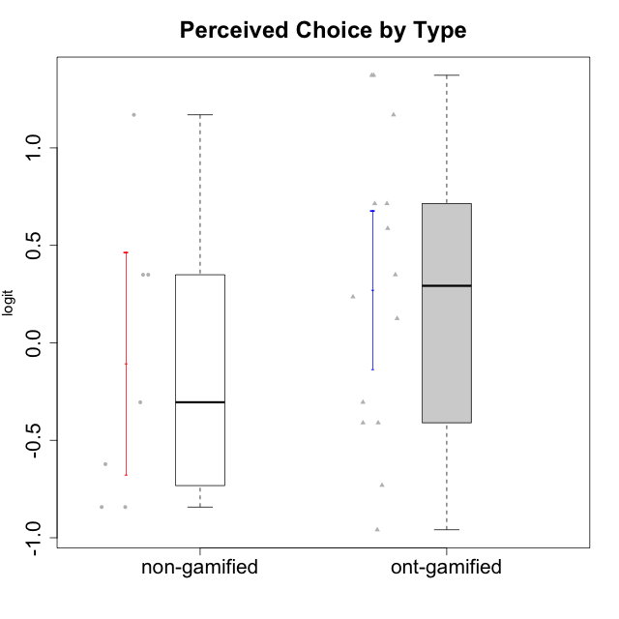

Student's t-Test data
UserID | Type | CLGroup | CLRole | PlayerRole | Interest/Enjoyment | Perceived Choice | Pressure/Tension | Effort/Importance | Intrinsic Motivation
10116 | non-gamified | GroupC | Master |  | -0.11357294579 | -0.84246384474 | 0.207074728 | -0.59479403893 | -0.43947638936
10120 | ont-gamified | Grupo Hélio | Master | Yee Socializer | 1.9055652511 | 1.3724895791 | -0.92888751811 | 0.43187671077 | 1.2745279552
10121 | ont-gamified | Grupo Hades | Master | Yee Achiever | 0.39919386735 | 0.58689611203 | 0.34545624663 | -0.11852834837 | 0.1305263461
10122 | non-gamified | GroupB | Apprentice |  | -2.0523461364 | 1.1695914201 | -0.48810270396 | -0.11852834837 | -0.12829509018
10123 | ont-gamified | Grupo Morfeu | Apprentice | Yee Achiever | -0.83197918173 | 0.23576870755 | 0.207074728 | -0.42994125574 | -0.30830661448
10126 | ont-gamified | Grupo Hélio | Apprentice | Yee Socializer | 1.2733257983 | 1.1695914201 | -0.48810270396 | -0.11852834837 | 0.70312289349
10129 | non-gamified | GroupB | Apprentice |  | -1.7851511272 | -0.62243343859 | 1.1760127697 | 0.043437426927 | -1.3842690895
10130 | non-gamified | GroupC | Apprentice |  | 0.55299522042 | -0.30498894625 | 1.1760127697 | 0.69391751569 | -0.11778394501
10131 | ont-gamified | Grupo Zeus | Apprentice | Yee Achiever | 2.3995832302 | -0.95909932617 | -0.86046882355 | 0.42905726588 | 0.68250249838
10134 | ont-gamified | Grupo Apolo | Apprentice | Yee Socializer | -1.2851216362 | -0.73083108762 | 0.34545624663 | -0.59479403893 | -0.73905075235
10135 | non-gamified | GroupB | Apprentice |  | 0.39919386735 | 0.34922612396 | 0.34545624663 | -0.273828091 | 0.032283913422
10137 | ont-gamified | Grupo Morfeu | Apprentice | Yee Achiever | 1.4744559961 | 1.3724895791 | -1.2956562305 | 0.69391751569 | 1.3321669013
10138 | ont-gamified | Grupo Hélio | Apprentice | Yee Socializer | 0.55299522042 | -0.41039697569 | 0.34545624663 | 1.2936946773 | 0.4248543794
10139 | ont-gamified | Grupo Zeus | Apprentice | Yee Achiever | -0.22343251553 | 0.12466021952 | -0.48810270396 | -0.59479403893 | -0.051365907743
10141 | ont-gamified | Grupo Apolo | Master | Yee Socializer | 0.0020687155691 | -0.41039697569 | -0.059821730394 | -0.42994125574 | -0.19461194637
10142 | ont-gamified | Grupo Hades | Apprentice | Yee Achiever | 0.55299522042 | -0.30498894625 | -0.86046882355 | -0.11852834837 | 0.24748668734
10143 | ont-gamified | Grupo Apolo | Apprentice | Yee Socializer | 0.12501694921 | 0.34922612396 | -0.059821730394 | 0.42905726588 | 0.24078051736
10145 | non-gamified | GroupB | Master |  | -0.63100885186 | -0.84246384474 | 0.49281785314 | 1.2936946773 | -0.016003757564
10146 | non-gamified | GroupA | Apprentice |  | 0.89459676096 | 0.34922612396 | -0.33626190168 | 0.69391751569 | 0.56850057557
10148 | ont-gamified | Grupo Apolo | Apprentice | Yee Socializer | 0.25688594663 | 0.71417324881 | 0.84536116149 | 0.69391751569 | 0.20490388741
10152 | ont-gamified | Grupo Morfeu | Master | Yee Achiever | 3.1382402907 | 0.71417324881 | -0.19509897189 | -0.59479403893 | 1.3837694218

Type_CLRole_1
Student's t-Test for Perceived Choice by Type in Type:CLRole between non-gamified.Apprentice:non-gamified.Master

Student's t-Test results
Alternative hypothesis: less
Group | N | Mean | Mean.Difference | Std.deviation | Std.error | CI.lower | CI.upper | df | t.value | p.value | g | magnitude
non-gamified.Apprentice | 5 | 0.18812425663 | 1.0305881014 | 0.69198082061 | 0.3094632308 | -0.43080220497 | 0.80705071823 | 4 | 3.3302441091 | 0.98545048419 | 1.402208046 | large
non-gamified.Master | 2 | -0.84246384474 | -1.0305881014 | 0 | 0 | -0.84246384474 | -0.84246384474 | 4 | 3.3302441091 | 0.98545048419 | 1.402208046 | large
Alternative hypothesis: greater
Group | N | Mean | Mean.Difference | Std.deviation | Std.error | CI.lower | CI.upper | df | t.value | p.value | g | magnitude
non-gamified.Apprentice | 5 | 0.18812425663 | 1.0305881014 | 0.69198082061 | 0.3094632308 | -0.43080220497 | 0.80705071823 | 4 | 3.3302441091 | 0.014549515811 | 1.402208046 | large
non-gamified.Master | 2 | -0.84246384474 | -1.0305881014 | 0 | 0 | -0.84246384474 | -0.84246384474 | 4 | 3.3302441091 | 0.014549515811 | 1.402208046 | large
Alternative hypothesis: two.sided
Group | N | Mean | Mean.Difference | Std.deviation | Std.error | CI.lower | CI.upper | df | t.value | p.value | g | magnitude
non-gamified.Apprentice | 5 | 0.18812425663 | 1.0305881014 | 0.69198082061 | 0.3094632308 | -0.43080220497 | 0.80705071823 | 4 | 3.3302441091 | 0.029099031622 | 1.402208046 | large
non-gamified.Master | 2 | -0.84246384474 | -1.0305881014 | 0 | 0 | -0.84246384474 | -0.84246384474 | 4 | 3.3302441091 | 0.029099031622 | 1.402208046 | large

Box plots for Student's t-Test
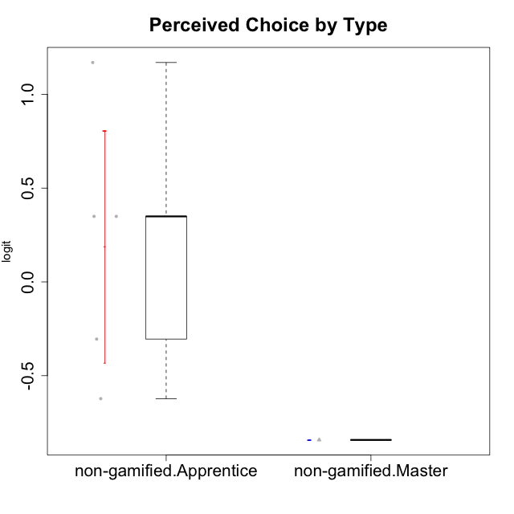

Student's t-Test data
UserID | Type | CLGroup | CLRole | PlayerRole | Interest/Enjoyment | Perceived Choice | Pressure/Tension | Effort/Importance | Intrinsic Motivation
10116 | non-gamified | GroupC | Master |  | -0.11357294579 | -0.84246384474 | 0.207074728 | -0.59479403893 | -0.43947638936
10122 | non-gamified | GroupB | Apprentice |  | -2.0523461364 | 1.1695914201 | -0.48810270396 | -0.11852834837 | -0.12829509018
10129 | non-gamified | GroupB | Apprentice |  | -1.7851511272 | -0.62243343859 | 1.1760127697 | 0.043437426927 | -1.3842690895
10130 | non-gamified | GroupC | Apprentice |  | 0.55299522042 | -0.30498894625 | 1.1760127697 | 0.69391751569 | -0.11778394501
10135 | non-gamified | GroupB | Apprentice |  | 0.39919386735 | 0.34922612396 | 0.34545624663 | -0.273828091 | 0.032283913422
10145 | non-gamified | GroupB | Master |  | -0.63100885186 | -0.84246384474 | 0.49281785314 | 1.2936946773 | -0.016003757564
10146 | non-gamified | GroupA | Apprentice |  | 0.89459676096 | 0.34922612396 | -0.33626190168 | 0.69391751569 | 0.56850057557

Type_CLRole_2
Student's t-Test for Perceived Choice by Type in Type:CLRole between non-gamified.Apprentice:ont-gamified.Apprentice

Student's t-Test results
Alternative hypothesis: less
Group | N | Mean | Mean.Difference | Std.deviation | Std.error | CI.lower | CI.upper | df | t.value | p.value | g | magnitude
non-gamified.Apprentice | 5 | 0.18812425663 | 0.032064960296 | 0.69198082061 | 0.3094632308 | -0.43080220497 | 0.80705071823 | 9.0313795446 | 0.081166971626 | 0.53146027516 | 0.040157364838 | negligible
ont-gamified.Apprentice | 10 | 0.15605929633 | -0.032064960296 | 0.77650825243 | 0.24555346996 | -0.33504764359 | 0.64716623625 | 9.0313795446 | 0.081166971626 | 0.53146027516 | 0.040157364838 | negligible
Alternative hypothesis: greater
Group | N | Mean | Mean.Difference | Std.deviation | Std.error | CI.lower | CI.upper | df | t.value | p.value | g | magnitude
non-gamified.Apprentice | 5 | 0.18812425663 | 0.032064960296 | 0.69198082061 | 0.3094632308 | -0.43080220497 | 0.80705071823 | 9.0313795446 | 0.081166971626 | 0.46853972484 | 0.040157364838 | negligible
ont-gamified.Apprentice | 10 | 0.15605929633 | -0.032064960296 | 0.77650825243 | 0.24555346996 | -0.33504764359 | 0.64716623625 | 9.0313795446 | 0.081166971626 | 0.46853972484 | 0.040157364838 | negligible
Alternative hypothesis: two.sided
Group | N | Mean | Mean.Difference | Std.deviation | Std.error | CI.lower | CI.upper | df | t.value | p.value | g | magnitude
non-gamified.Apprentice | 5 | 0.18812425663 | 0.032064960296 | 0.69198082061 | 0.3094632308 | -0.43080220497 | 0.80705071823 | 9.0313795446 | 0.081166971626 | 0.93707944968 | 0.040157364838 | negligible
ont-gamified.Apprentice | 10 | 0.15605929633 | -0.032064960296 | 0.77650825243 | 0.24555346996 | -0.33504764359 | 0.64716623625 | 9.0313795446 | 0.081166971626 | 0.93707944968 | 0.040157364838 | negligible

Box plots for Student's t-Test
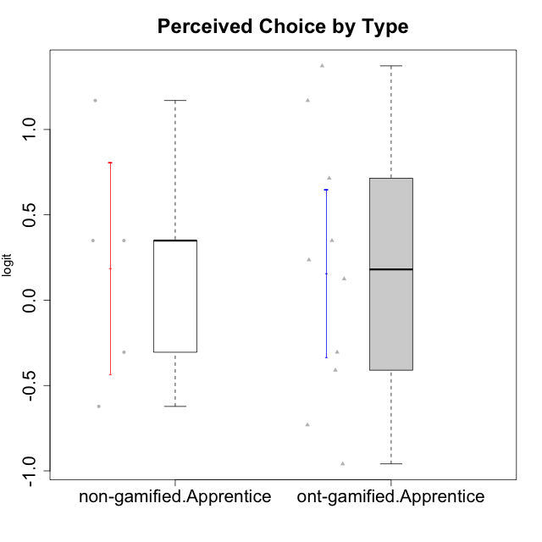

Student's t-Test data
UserID | Type | CLGroup | CLRole | PlayerRole | Interest/Enjoyment | Perceived Choice | Pressure/Tension | Effort/Importance | Intrinsic Motivation
10122 | non-gamified | GroupB | Apprentice |  | -2.0523461364 | 1.1695914201 | -0.48810270396 | -0.11852834837 | -0.12829509018
10123 | ont-gamified | Grupo Morfeu | Apprentice | Yee Achiever | -0.83197918173 | 0.23576870755 | 0.207074728 | -0.42994125574 | -0.30830661448
10126 | ont-gamified | Grupo Hélio | Apprentice | Yee Socializer | 1.2733257983 | 1.1695914201 | -0.48810270396 | -0.11852834837 | 0.70312289349
10129 | non-gamified | GroupB | Apprentice |  | -1.7851511272 | -0.62243343859 | 1.1760127697 | 0.043437426927 | -1.3842690895
10130 | non-gamified | GroupC | Apprentice |  | 0.55299522042 | -0.30498894625 | 1.1760127697 | 0.69391751569 | -0.11778394501
10131 | ont-gamified | Grupo Zeus | Apprentice | Yee Achiever | 2.3995832302 | -0.95909932617 | -0.86046882355 | 0.42905726588 | 0.68250249838
10134 | ont-gamified | Grupo Apolo | Apprentice | Yee Socializer | -1.2851216362 | -0.73083108762 | 0.34545624663 | -0.59479403893 | -0.73905075235
10135 | non-gamified | GroupB | Apprentice |  | 0.39919386735 | 0.34922612396 | 0.34545624663 | -0.273828091 | 0.032283913422
10137 | ont-gamified | Grupo Morfeu | Apprentice | Yee Achiever | 1.4744559961 | 1.3724895791 | -1.2956562305 | 0.69391751569 | 1.3321669013
10138 | ont-gamified | Grupo Hélio | Apprentice | Yee Socializer | 0.55299522042 | -0.41039697569 | 0.34545624663 | 1.2936946773 | 0.4248543794
10139 | ont-gamified | Grupo Zeus | Apprentice | Yee Achiever | -0.22343251553 | 0.12466021952 | -0.48810270396 | -0.59479403893 | -0.051365907743
10142 | ont-gamified | Grupo Hades | Apprentice | Yee Achiever | 0.55299522042 | -0.30498894625 | -0.86046882355 | -0.11852834837 | 0.24748668734
10143 | ont-gamified | Grupo Apolo | Apprentice | Yee Socializer | 0.12501694921 | 0.34922612396 | -0.059821730394 | 0.42905726588 | 0.24078051736
10146 | non-gamified | GroupA | Apprentice |  | 0.89459676096 | 0.34922612396 | -0.33626190168 | 0.69391751569 | 0.56850057557
10148 | ont-gamified | Grupo Apolo | Apprentice | Yee Socializer | 0.25688594663 | 0.71417324881 | 0.84536116149 | 0.69391751569 | 0.20490388741

Type_CLRole_3
Student's t-Test for Perceived Choice by Type in Type:CLRole between non-gamified.Apprentice:ont-gamified.Master

Student's t-Test results
Alternative hypothesis: less
Group | N | Mean | Mean.Difference | Std.deviation | Std.error | CI.lower | CI.upper | df | t.value | p.value | g | magnitude
non-gamified.Apprentice | 5 | 0.18812425663 | -0.37766623445 | 0.69198082061 | 0.3094632308 | -0.43080220497 | 0.80705071823 | 6.3572434948 | -0.78530379621 | 0.23026665481 | -0.47196514041 | small
ont-gamified.Master | 4 | 0.56579049107 | 0.37766623445 | 0.73624458775 | 0.36812229388 | -0.17045409668 | 1.3020350788 | 6.3572434948 | -0.78530379621 | 0.23026665481 | -0.47196514041 | small
Alternative hypothesis: greater
Group | N | Mean | Mean.Difference | Std.deviation | Std.error | CI.lower | CI.upper | df | t.value | p.value | g | magnitude
non-gamified.Apprentice | 5 | 0.18812425663 | -0.37766623445 | 0.69198082061 | 0.3094632308 | -0.43080220497 | 0.80705071823 | 6.3572434948 | -0.78530379621 | 0.76973334519 | -0.47196514041 | small
ont-gamified.Master | 4 | 0.56579049107 | 0.37766623445 | 0.73624458775 | 0.36812229388 | -0.17045409668 | 1.3020350788 | 6.3572434948 | -0.78530379621 | 0.76973334519 | -0.47196514041 | small
Alternative hypothesis: two.sided
Group | N | Mean | Mean.Difference | Std.deviation | Std.error | CI.lower | CI.upper | df | t.value | p.value | g | magnitude
non-gamified.Apprentice | 5 | 0.18812425663 | -0.37766623445 | 0.69198082061 | 0.3094632308 | -0.43080220497 | 0.80705071823 | 6.3572434948 | -0.78530379621 | 0.46053330962 | -0.47196514041 | small
ont-gamified.Master | 4 | 0.56579049107 | 0.37766623445 | 0.73624458775 | 0.36812229388 | -0.17045409668 | 1.3020350788 | 6.3572434948 | -0.78530379621 | 0.46053330962 | -0.47196514041 | small

Box plots for Student's t-Test
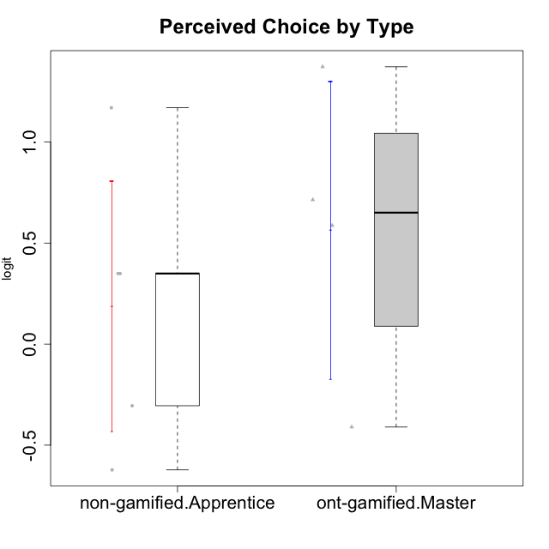

Student's t-Test data
UserID | Type | CLGroup | CLRole | PlayerRole | Interest/Enjoyment | Perceived Choice | Pressure/Tension | Effort/Importance | Intrinsic Motivation
10120 | ont-gamified | Grupo Hélio | Master | Yee Socializer | 1.9055652511 | 1.3724895791 | -0.92888751811 | 0.43187671077 | 1.2745279552
10121 | ont-gamified | Grupo Hades | Master | Yee Achiever | 0.39919386735 | 0.58689611203 | 0.34545624663 | -0.11852834837 | 0.1305263461
10122 | non-gamified | GroupB | Apprentice |  | -2.0523461364 | 1.1695914201 | -0.48810270396 | -0.11852834837 | -0.12829509018
10129 | non-gamified | GroupB | Apprentice |  | -1.7851511272 | -0.62243343859 | 1.1760127697 | 0.043437426927 | -1.3842690895
10130 | non-gamified | GroupC | Apprentice |  | 0.55299522042 | -0.30498894625 | 1.1760127697 | 0.69391751569 | -0.11778394501
10135 | non-gamified | GroupB | Apprentice |  | 0.39919386735 | 0.34922612396 | 0.34545624663 | -0.273828091 | 0.032283913422
10141 | ont-gamified | Grupo Apolo | Master | Yee Socializer | 0.0020687155691 | -0.41039697569 | -0.059821730394 | -0.42994125574 | -0.19461194637
10146 | non-gamified | GroupA | Apprentice |  | 0.89459676096 | 0.34922612396 | -0.33626190168 | 0.69391751569 | 0.56850057557
10152 | ont-gamified | Grupo Morfeu | Master | Yee Achiever | 3.1382402907 | 0.71417324881 | -0.19509897189 | -0.59479403893 | 1.3837694218

Type_CLRole_4
Student's t-Test for Perceived Choice by Type in Type:CLRole between non-gamified.Master:ont-gamified.Apprentice

Student's t-Test results
Alternative hypothesis: less
Group | N | Mean | Mean.Difference | Std.deviation | Std.error | CI.lower | CI.upper | df | t.value | p.value | g | magnitude
non-gamified.Master | 2 | -0.84246384474 | -0.99852314107 | 0 | 0 | -0.84246384474 | -0.84246384474 | 9 | -4.06641837 | 0.0014073595526 | -1.2512056523 | large
ont-gamified.Apprentice | 10 | 0.15605929633 | 0.99852314107 | 0.77650825243 | 0.24555346996 | -0.33504764359 | 0.64716623625 | 9 | -4.06641837 | 0.0014073595526 | -1.2512056523 | large
Alternative hypothesis: greater
Group | N | Mean | Mean.Difference | Std.deviation | Std.error | CI.lower | CI.upper | df | t.value | p.value | g | magnitude
non-gamified.Master | 2 | -0.84246384474 | -0.99852314107 | 0 | 0 | -0.84246384474 | -0.84246384474 | 9 | -4.06641837 | 0.99859264045 | -1.2512056523 | large
ont-gamified.Apprentice | 10 | 0.15605929633 | 0.99852314107 | 0.77650825243 | 0.24555346996 | -0.33504764359 | 0.64716623625 | 9 | -4.06641837 | 0.99859264045 | -1.2512056523 | large
Alternative hypothesis: two.sided
Group | N | Mean | Mean.Difference | Std.deviation | Std.error | CI.lower | CI.upper | df | t.value | p.value | g | magnitude
non-gamified.Master | 2 | -0.84246384474 | -0.99852314107 | 0 | 0 | -0.84246384474 | -0.84246384474 | 9 | -4.06641837 | 0.0028147191051 | -1.2512056523 | large
ont-gamified.Apprentice | 10 | 0.15605929633 | 0.99852314107 | 0.77650825243 | 0.24555346996 | -0.33504764359 | 0.64716623625 | 9 | -4.06641837 | 0.0028147191051 | -1.2512056523 | large

Box plots for Student's t-Test
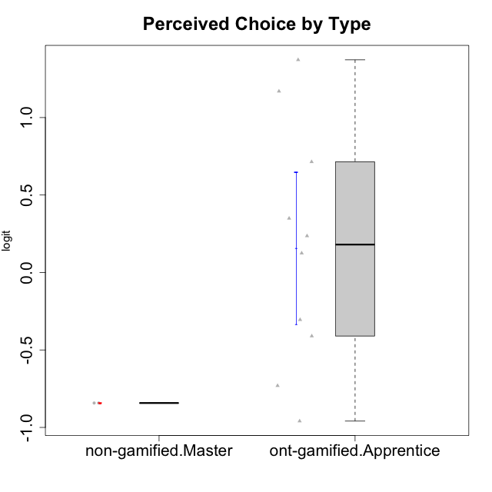

Student's t-Test data
UserID | Type | CLGroup | CLRole | PlayerRole | Interest/Enjoyment | Perceived Choice | Pressure/Tension | Effort/Importance | Intrinsic Motivation
10116 | non-gamified | GroupC | Master |  | -0.11357294579 | -0.84246384474 | 0.207074728 | -0.59479403893 | -0.43947638936
10123 | ont-gamified | Grupo Morfeu | Apprentice | Yee Achiever | -0.83197918173 | 0.23576870755 | 0.207074728 | -0.42994125574 | -0.30830661448
10126 | ont-gamified | Grupo Hélio | Apprentice | Yee Socializer | 1.2733257983 | 1.1695914201 | -0.48810270396 | -0.11852834837 | 0.70312289349
10131 | ont-gamified | Grupo Zeus | Apprentice | Yee Achiever | 2.3995832302 | -0.95909932617 | -0.86046882355 | 0.42905726588 | 0.68250249838
10134 | ont-gamified | Grupo Apolo | Apprentice | Yee Socializer | -1.2851216362 | -0.73083108762 | 0.34545624663 | -0.59479403893 | -0.73905075235
10137 | ont-gamified | Grupo Morfeu | Apprentice | Yee Achiever | 1.4744559961 | 1.3724895791 | -1.2956562305 | 0.69391751569 | 1.3321669013
10138 | ont-gamified | Grupo Hélio | Apprentice | Yee Socializer | 0.55299522042 | -0.41039697569 | 0.34545624663 | 1.2936946773 | 0.4248543794
10139 | ont-gamified | Grupo Zeus | Apprentice | Yee Achiever | -0.22343251553 | 0.12466021952 | -0.48810270396 | -0.59479403893 | -0.051365907743
10142 | ont-gamified | Grupo Hades | Apprentice | Yee Achiever | 0.55299522042 | -0.30498894625 | -0.86046882355 | -0.11852834837 | 0.24748668734
10143 | ont-gamified | Grupo Apolo | Apprentice | Yee Socializer | 0.12501694921 | 0.34922612396 | -0.059821730394 | 0.42905726588 | 0.24078051736
10145 | non-gamified | GroupB | Master |  | -0.63100885186 | -0.84246384474 | 0.49281785314 | 1.2936946773 | -0.016003757564
10148 | ont-gamified | Grupo Apolo | Apprentice | Yee Socializer | 0.25688594663 | 0.71417324881 | 0.84536116149 | 0.69391751569 | 0.20490388741

Type_CLRole_5
Student's t-Test for Perceived Choice by Type in Type:CLRole between non-gamified.Master:ont-gamified.Master

Student's t-Test results
Alternative hypothesis: less
Group | N | Mean | Mean.Difference | Std.deviation | Std.error | CI.lower | CI.upper | df | t.value | p.value | g | magnitude
non-gamified.Master | 2 | -0.84246384474 | -1.4082543358 | 0 | 0 | -0.84246384474 | -0.84246384474 | 3 | -3.8255067928 | 0.015727939111 | -1.7669259013 | large
ont-gamified.Master | 4 | 0.56579049107 | 1.4082543358 | 0.73624458775 | 0.36812229388 | -0.17045409668 | 1.3020350788 | 3 | -3.8255067928 | 0.015727939111 | -1.7669259013 | large
Alternative hypothesis: greater
Group | N | Mean | Mean.Difference | Std.deviation | Std.error | CI.lower | CI.upper | df | t.value | p.value | g | magnitude
non-gamified.Master | 2 | -0.84246384474 | -1.4082543358 | 0 | 0 | -0.84246384474 | -0.84246384474 | 3 | -3.8255067928 | 0.98427206089 | -1.7669259013 | large
ont-gamified.Master | 4 | 0.56579049107 | 1.4082543358 | 0.73624458775 | 0.36812229388 | -0.17045409668 | 1.3020350788 | 3 | -3.8255067928 | 0.98427206089 | -1.7669259013 | large
Alternative hypothesis: two.sided
Group | N | Mean | Mean.Difference | Std.deviation | Std.error | CI.lower | CI.upper | df | t.value | p.value | g | magnitude
non-gamified.Master | 2 | -0.84246384474 | -1.4082543358 | 0 | 0 | -0.84246384474 | -0.84246384474 | 3 | -3.8255067928 | 0.031455878222 | -1.7669259013 | large
ont-gamified.Master | 4 | 0.56579049107 | 1.4082543358 | 0.73624458775 | 0.36812229388 | -0.17045409668 | 1.3020350788 | 3 | -3.8255067928 | 0.031455878222 | -1.7669259013 | large

Box plots for Student's t-Test
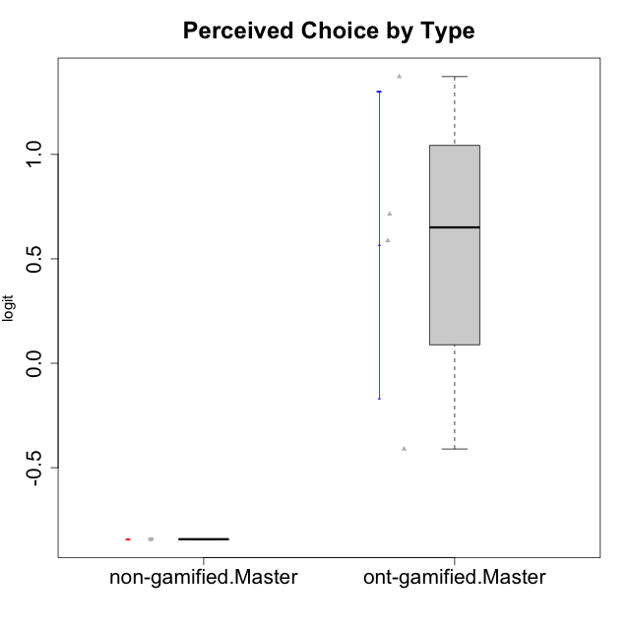

Student's t-Test data
UserID | Type | CLGroup | CLRole | PlayerRole | Interest/Enjoyment | Perceived Choice | Pressure/Tension | Effort/Importance | Intrinsic Motivation
10116 | non-gamified | GroupC | Master |  | -0.11357294579 | -0.84246384474 | 0.207074728 | -0.59479403893 | -0.43947638936
10120 | ont-gamified | Grupo Hélio | Master | Yee Socializer | 1.9055652511 | 1.3724895791 | -0.92888751811 | 0.43187671077 | 1.2745279552
10121 | ont-gamified | Grupo Hades | Master | Yee Achiever | 0.39919386735 | 0.58689611203 | 0.34545624663 | -0.11852834837 | 0.1305263461
10141 | ont-gamified | Grupo Apolo | Master | Yee Socializer | 0.0020687155691 | -0.41039697569 | -0.059821730394 | -0.42994125574 | -0.19461194637
10145 | non-gamified | GroupB | Master |  | -0.63100885186 | -0.84246384474 | 0.49281785314 | 1.2936946773 | -0.016003757564
10152 | ont-gamified | Grupo Morfeu | Master | Yee Achiever | 3.1382402907 | 0.71417324881 | -0.19509897189 | -0.59479403893 | 1.3837694218

Type_CLRole_6
Student's t-Test for Perceived Choice by Type in Type:CLRole between ont-gamified.Apprentice:ont-gamified.Master

Student's t-Test results
Alternative hypothesis: less
Group | N | Mean | Mean.Difference | Std.deviation | Std.error | CI.lower | CI.upper | df | t.value | p.value | g | magnitude
ont-gamified.Apprentice | 10 | 0.15605929633 | -0.40973119474 | 0.77650825243 | 0.24555346996 | -0.33504764359 | 0.64716623625 | 5.8758501721 | -0.92593608348 | 0.19546201032 | -0.50033631852 | medium
ont-gamified.Master | 4 | 0.56579049107 | 0.40973119474 | 0.73624458775 | 0.36812229388 | -0.17045409668 | 1.3020350788 | 5.8758501721 | -0.92593608348 | 0.19546201032 | -0.50033631852 | medium
Alternative hypothesis: greater
Group | N | Mean | Mean.Difference | Std.deviation | Std.error | CI.lower | CI.upper | df | t.value | p.value | g | magnitude
ont-gamified.Apprentice | 10 | 0.15605929633 | -0.40973119474 | 0.77650825243 | 0.24555346996 | -0.33504764359 | 0.64716623625 | 5.8758501721 | -0.92593608348 | 0.80453798968 | -0.50033631852 | medium
ont-gamified.Master | 4 | 0.56579049107 | 0.40973119474 | 0.73624458775 | 0.36812229388 | -0.17045409668 | 1.3020350788 | 5.8758501721 | -0.92593608348 | 0.80453798968 | -0.50033631852 | medium
Alternative hypothesis: two.sided
Group | N | Mean | Mean.Difference | Std.deviation | Std.error | CI.lower | CI.upper | df | t.value | p.value | g | magnitude
ont-gamified.Apprentice | 10 | 0.15605929633 | -0.40973119474 | 0.77650825243 | 0.24555346996 | -0.33504764359 | 0.64716623625 | 5.8758501721 | -0.92593608348 | 0.39092402064 | -0.50033631852 | medium
ont-gamified.Master | 4 | 0.56579049107 | 0.40973119474 | 0.73624458775 | 0.36812229388 | -0.17045409668 | 1.3020350788 | 5.8758501721 | -0.92593608348 | 0.39092402064 | -0.50033631852 | medium

Box plots for Student's t-Test
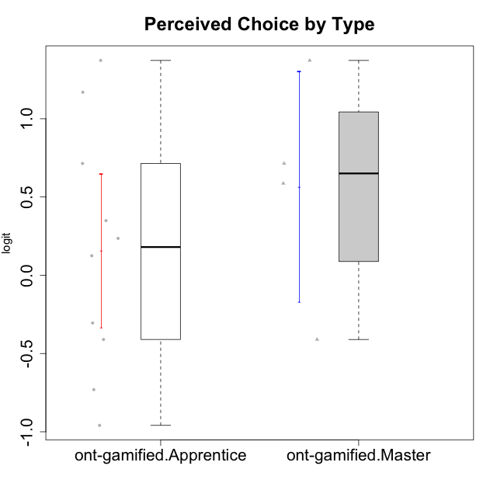

Student's t-Test data
UserID | Type | CLGroup | CLRole | PlayerRole | Interest/Enjoyment | Perceived Choice | Pressure/Tension | Effort/Importance | Intrinsic Motivation
10120 | ont-gamified | Grupo Hélio | Master | Yee Socializer | 1.9055652511 | 1.3724895791 | -0.92888751811 | 0.43187671077 | 1.2745279552
10121 | ont-gamified | Grupo Hades | Master | Yee Achiever | 0.39919386735 | 0.58689611203 | 0.34545624663 | -0.11852834837 | 0.1305263461
10123 | ont-gamified | Grupo Morfeu | Apprentice | Yee Achiever | -0.83197918173 | 0.23576870755 | 0.207074728 | -0.42994125574 | -0.30830661448
10126 | ont-gamified | Grupo Hélio | Apprentice | Yee Socializer | 1.2733257983 | 1.1695914201 | -0.48810270396 | -0.11852834837 | 0.70312289349
10131 | ont-gamified | Grupo Zeus | Apprentice | Yee Achiever | 2.3995832302 | -0.95909932617 | -0.86046882355 | 0.42905726588 | 0.68250249838
10134 | ont-gamified | Grupo Apolo | Apprentice | Yee Socializer | -1.2851216362 | -0.73083108762 | 0.34545624663 | -0.59479403893 | -0.73905075235
10137 | ont-gamified | Grupo Morfeu | Apprentice | Yee Achiever | 1.4744559961 | 1.3724895791 | -1.2956562305 | 0.69391751569 | 1.3321669013
10138 | ont-gamified | Grupo Hélio | Apprentice | Yee Socializer | 0.55299522042 | -0.41039697569 | 0.34545624663 | 1.2936946773 | 0.4248543794
10139 | ont-gamified | Grupo Zeus | Apprentice | Yee Achiever | -0.22343251553 | 0.12466021952 | -0.48810270396 | -0.59479403893 | -0.051365907743
10141 | ont-gamified | Grupo Apolo | Master | Yee Socializer | 0.0020687155691 | -0.41039697569 | -0.059821730394 | -0.42994125574 | -0.19461194637
10142 | ont-gamified | Grupo Hades | Apprentice | Yee Achiever | 0.55299522042 | -0.30498894625 | -0.86046882355 | -0.11852834837 | 0.24748668734
10143 | ont-gamified | Grupo Apolo | Apprentice | Yee Socializer | 0.12501694921 | 0.34922612396 | -0.059821730394 | 0.42905726588 | 0.24078051736
10148 | ont-gamified | Grupo Apolo | Apprentice | Yee Socializer | 0.25688594663 | 0.71417324881 | 0.84536116149 | 0.69391751569 | 0.20490388741
10152 | ont-gamified | Grupo Morfeu | Master | Yee Achiever | 3.1382402907 | 0.71417324881 | -0.19509897189 | -0.59479403893 | 1.3837694218

