Assumptions
ANOVA assumptions for Interest/Enjoyment by Type

Shapiro-Wilk normality test for Interest/Enjoyment by Type
W | p.value
0.97770177121 | 0.88911479623

Plots for normality test
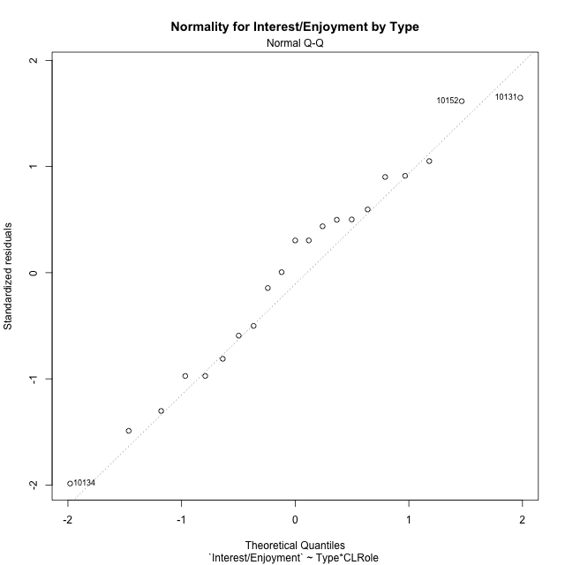

Levene's Test for Homogeneity of Variance in Interest/Enjoyment by Type
Df | F value | Pr(>F)
3 | 0.48600731395 | 0.69647966904
17

Plots for homogeneity of variance
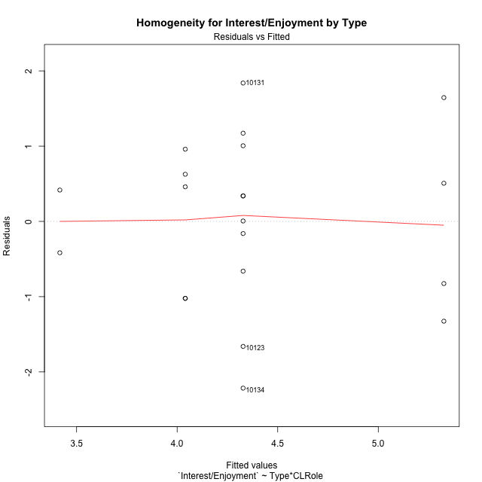

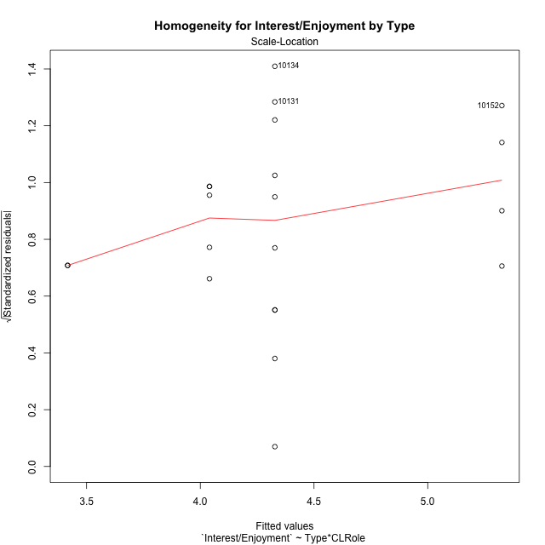

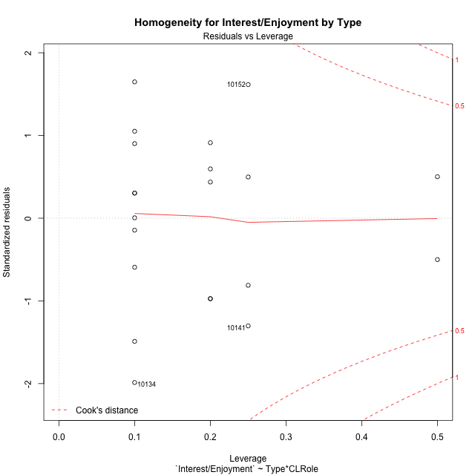

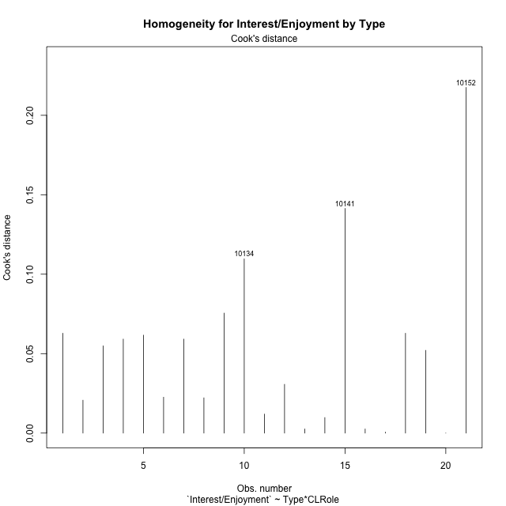

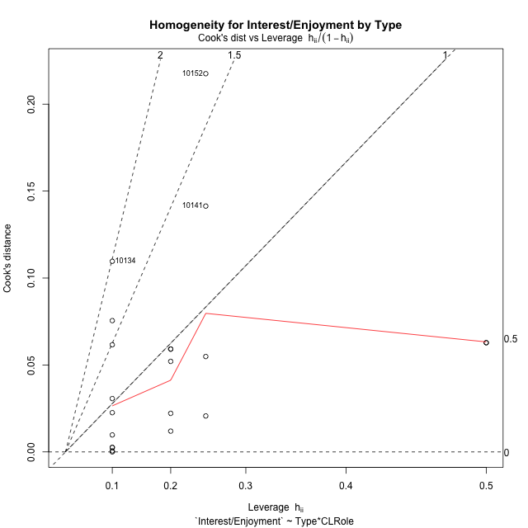

Minimum Sample Size Test for Interest/Enjoyment by Type
Type | CLRole | Freq
non-gamified | Apprentice | 5
ont-gamified | Apprentice | 10
non-gamified | Master | 2
ont-gamified | Master | 4

Errors and Warnings in Sample Size Test for ANOVA in Interest/Enjoyment by Type
code | description
WARN: sample.size | current size is 5 and recommended size is 15 for the group: 'non-gamified:Apprentice'.
WARN: sample.size | current size is 10 and recommended size is 15 for the group: 'ont-gamified:Apprentice'.
FAIL: min.size | current size is 2 but the minimal recomended size is 5 for the group: 'non-gamified:Master'.
FAIL: min.size | current size is 4 but the minimal recomended size is 5 for the group: 'ont-gamified:Master'.

For the group: 'non-gamified:Apprentice', we recommend the use of non-parametric test. For the group: 'ont-gamified:Apprentice', we recommend the use of non-parametric test. For the group: 'non-gamified:Master', we recommend the use of non-parametric test. For the group: 'ont-gamified:Master', we recommend the use of non-parametric test.

Post-hoc
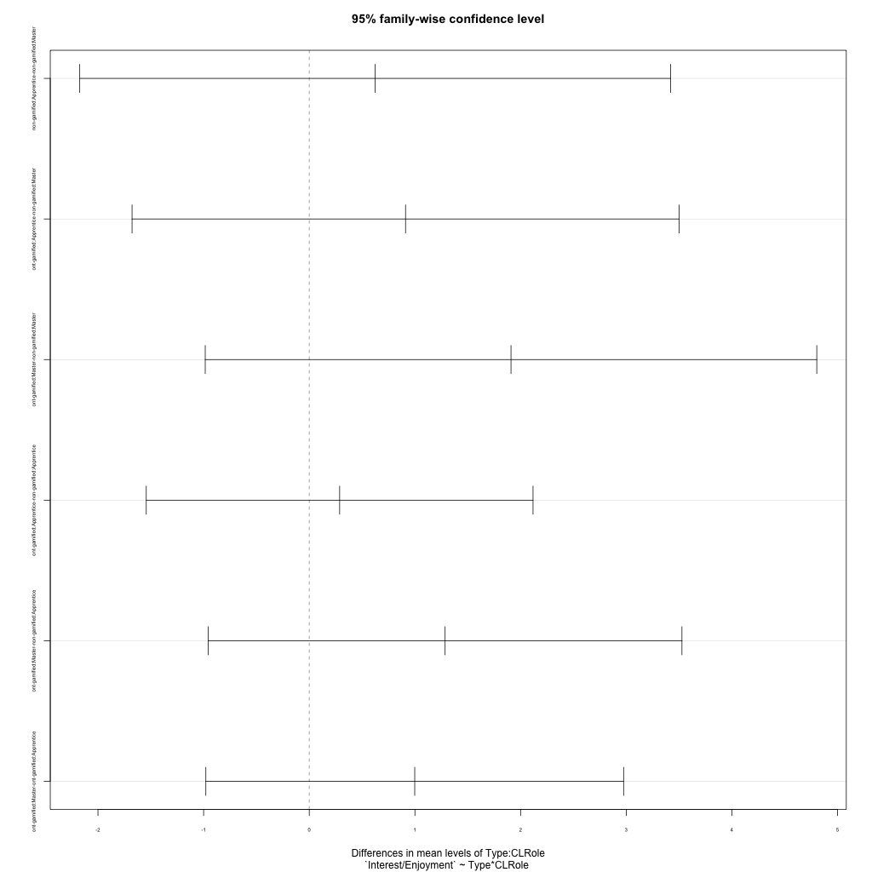
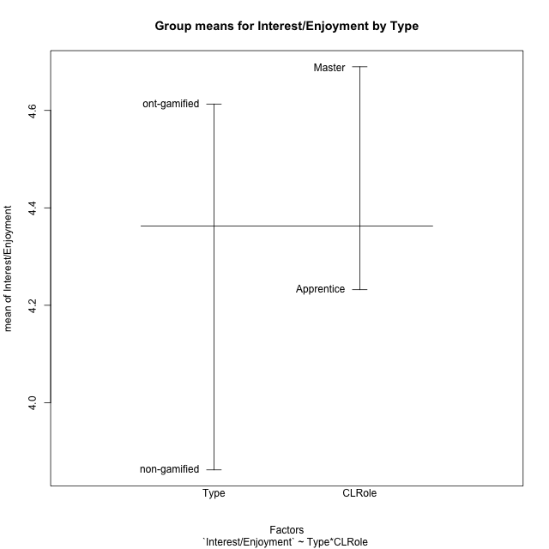
Post-hoc Tukey Honestly Significant Difference (HSD) Test for Interest/Enjoyment by Type

Comparisons of means for Type
 | diff | lwr | upr | p adj
ont-gamified-non-gamified | 0.75098095238 | -0.39719661145 | 1.8991585162 | 0.18548110005

Comparisons of means for CLRole
 | diff | lwr | upr | p adj
Master-Apprentice | 0.45758 | -0.74054143872 | 1.6557014387 | 0.43150323179

Comparisons of means for Type:CLRole
 | diff | lwr | upr | p adj
non-gamified:Apprentice-non-gamified:Master | 0.62362666667 | -2.1723039736 | 3.4195573069 | 0.91959524364
ont-gamified:Apprentice-non-gamified:Master | 0.91123333333 | -1.677295451 | 3.4997621176 | 0.75107042531
ont-gamified:Master-non-gamified:Master | 1.9094166667 | -0.98464649504 | 4.8034798284 | 0.27474960107
ont-gamified:Apprentice-non-gamified:Apprentice | 0.28760666667 | -1.54275959 | 2.1179729233 | 0.96938102389
ont-gamified:Master-non-gamified:Apprentice | 1.28579 | -0.95594168563 | 3.5275216856 | 0.38887172637
ont-gamified:Master-ont-gamified:Apprentice | 0.99818333333 | -0.97883818211 | 2.9752048488 | 0.49580968887

Contrast Matrices for Interest/Enjoyment by Type - Type
contrast | estimate | SE | df | t.ratio | p.value
non-gamified - ont-gamified | -1.0985116667 | 0.60232739994 | 17 | -1.8237783418 | 0.085816044983

Contrast Matrices for Interest/Enjoyment by Type - Type:CLRole
contrast | CLRole | estimate | SE | df | t.ratio | p.value
non-gamified - ont-gamified | Apprentice | -0.28760666667 | 0.64391507578 | 17 | -0.446653103 | 0.66076314656
non-gamified - ont-gamified | Master | -1.9094166667 | 1.0181191296 | 17 | -1.8754354094 | 0.07801549293

Least Squares Means and Confidence Intervals for Type
Type | lsmean | SE | df | lower.CL | upper.CL | Pairs
non-gamified | 3.72848 | 0.49179826265 | 17 | 2.6908763643 | 4.7660836357 | non-gamified
ont-gamified | 4.8269916667 | 0.3477538865 | 17 | 4.0932950997 | 5.5606882336 | ont-gamified

Least Squares Means and Confidence Intervals for Type:CLRole
Type | CLRole | lsmean | SE | df | lower.CL | upper.CL | Pairs
non-gamified | Apprentice | 4.0402933333 | 0.52575445778 | 17 | 2.9310483882 | 5.1495382785 | non-gamified.Apprentice
ont-gamified | Apprentice | 4.3279 | 0.37176454234 | 17 | 3.5435453773 | 5.1122546227 | ont-gamified.Apprentice
non-gamified | Master | 3.4166666667 | 0.83129078829 | 17 | 1.6627964118 | 5.1705369215 | non-gamified.Master
ont-gamified | Master | 5.3260833333 | 0.58781135354 | 17 | 4.0859097828 | 6.5662568839 | ont-gamified.Master

Plots

Type_1
Student's t-Test for Interest/Enjoyment by Type in Type between non-gamified:ont-gamified

Student's t-Test results
Alternative hypothesis: less
Group | N | Mean | Mean.Difference | Std.deviation | Std.error | CI.lower | CI.upper | df | t.value | p.value | g | magnitude
non-gamified | 7 | 3.8621142857 | -0.75098095238 | 0.86796125593 | 0.32805851869 | 3.2059972483 | 4.5182313231 | 17.187162722 | -1.5639432762 | 0.06802785471 | -0.60592384224 | medium
ont-gamified | 14 | 4.6130952381 | 0.75098095238 | 1.3120074358 | 0.35064873669 | 3.9117977647 | 5.3143927115 | 17.187162722 | -1.5639432762 | 0.06802785471 | -0.60592384224 | medium
Alternative hypothesis: greater
Group | N | Mean | Mean.Difference | Std.deviation | Std.error | CI.lower | CI.upper | df | t.value | p.value | g | magnitude
non-gamified | 7 | 3.8621142857 | -0.75098095238 | 0.86796125593 | 0.32805851869 | 3.2059972483 | 4.5182313231 | 17.187162722 | -1.5639432762 | 0.93197214529 | -0.60592384224 | medium
ont-gamified | 14 | 4.6130952381 | 0.75098095238 | 1.3120074358 | 0.35064873669 | 3.9117977647 | 5.3143927115 | 17.187162722 | -1.5639432762 | 0.93197214529 | -0.60592384224 | medium
Alternative hypothesis: two.sided
Group | N | Mean | Mean.Difference | Std.deviation | Std.error | CI.lower | CI.upper | df | t.value | p.value | g | magnitude
non-gamified | 7 | 3.8621142857 | -0.75098095238 | 0.86796125593 | 0.32805851869 | 3.2059972483 | 4.5182313231 | 17.187162722 | -1.5639432762 | 0.13605570942 | -0.60592384224 | medium
ont-gamified | 14 | 4.6130952381 | 0.75098095238 | 1.3120074358 | 0.35064873669 | 3.9117977647 | 5.3143927115 | 17.187162722 | -1.5639432762 | 0.13605570942 | -0.60592384224 | medium

Box plots for Student's t-Test
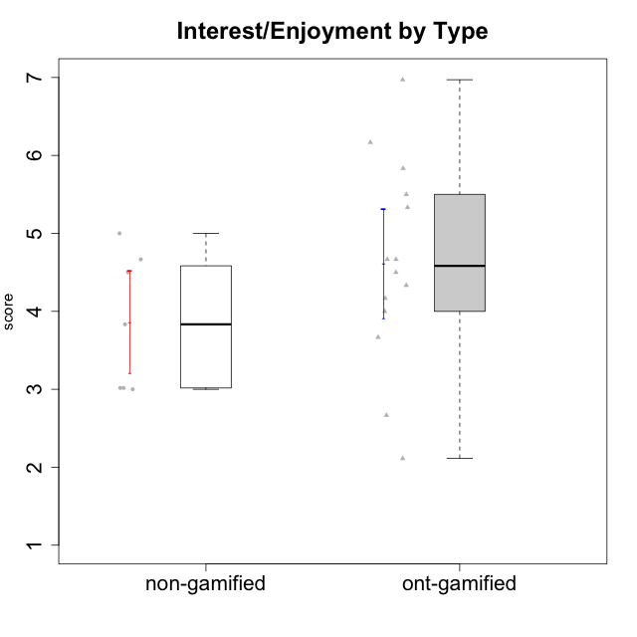

Student's t-Test data
UserID | Type | CLGroup | CLRole | PlayerRole | Interest/Enjoyment | Perceived Choice | Pressure/Tension | Effort/Importance | Intrinsic Motivation
10116 | non-gamified | GroupC | Master |  | 3.8333333333 | 2.8 | 3.5 | 4 | 3.7833333333
10120 | ont-gamified | Grupo Hélio | Master | Yee Socializer | 5.8333333333 | 6.4 | 1.5 | 6.1492666667 | 6.2666666667
10121 | ont-gamified | Grupo Hades | Master | Yee Achiever | 4.5 | 5.4 | 3.75 | 5 | 4.7875
10122 | non-gamified | GroupB | Apprentice |  | 3.0174 | 6.2 | 2.25 | 5 | 4.5708333333
10123 | ont-gamified | Grupo Morfeu | Apprentice | Yee Achiever | 2.6666666667 | 4.8 | 3.5 | 4.3333333333 | 4.075
10126 | ont-gamified | Grupo Hélio | Apprentice | Yee Socializer | 5.3333333333 | 6.2 | 2.25 | 5 | 5.5708333333
10129 | non-gamified | GroupB | Apprentice |  | 3.0174 | 3.2 | 5.2239 | 5.3333333333 | 4.2125383333
10130 | non-gamified | GroupC | Apprentice |  | 4.6666666667 | 3.8 | 5 | 6.3333333333 | 4.45
10131 | ont-gamified | Grupo Zeus | Apprentice | Yee Achiever | 6.1666666667 | 2.6 | 1.75 | 6 | 5.2541666667
10134 | ont-gamified | Grupo Apolo | Apprentice | Yee Socializer | 2.1123333333 | 3 | 3.75 | 4 | 3.8234666667
10135 | non-gamified | GroupB | Apprentice |  | 4.5 | 5 | 3.75 | 4.6666666667 | 4.6041666667
10137 | ont-gamified | Grupo Morfeu | Apprentice | Yee Achiever | 5.5 | 6.4 | 1 | 6.3333333333 | 6.0473666667
10138 | ont-gamified | Grupo Hélio | Apprentice | Yee Socializer | 4.6666666667 | 3.6 | 3.75 | 7 | 4.8791666667
10139 | ont-gamified | Grupo Zeus | Apprentice | Yee Achiever | 3.6666666667 | 4.6 | 2.25 | 4 | 4.5041666667
10141 | ont-gamified | Grupo Apolo | Master | Yee Socializer | 4 | 4.0174 | 3 | 4.3333333333 | 4.2333333333
10142 | ont-gamified | Grupo Hades | Apprentice | Yee Achiever | 4.6666666667 | 3.8 | 1.75 | 5 | 4.9291666667
10143 | ont-gamified | Grupo Apolo | Apprentice | Yee Socializer | 4.1666666667 | 5 | 3 | 6 | 5.0416666667
10145 | non-gamified | GroupB | Master |  | 3 | 2.8 | 4 | 7 | 4.2
10146 | non-gamified | GroupA | Apprentice |  | 5 | 5 | 2.5 | 6.3333333333 | 4.9291283333
10148 | ont-gamified | Grupo Apolo | Apprentice | Yee Socializer | 4.3333333333 | 5.6 | 4.5 | 6.3333333333 | 4.9416666667
10152 | ont-gamified | Grupo Morfeu | Master | Yee Achiever | 6.971 | 5.6 | 2.75 | 4 | 5.4625

Type_CLRole_1
Student's t-Test for Interest/Enjoyment by Type in Type:CLRole between non-gamified.Apprentice:non-gamified.Master

Student's t-Test results
Alternative hypothesis: less
Group | N | Mean | Mean.Difference | Std.deviation | Std.error | CI.lower | CI.upper | df | t.value | p.value | g | magnitude
non-gamified.Apprentice | 5 | 4.0402933333 | 0.62362666667 | 0.95096427389 | 0.42528415212 | 3.1897250291 | 4.8908616376 | 3.2791683751 | 1.0474425329 | 0.81706143775 | 0.58976482892 | medium
non-gamified.Master | 2 | 3.4166666667 | -0.62362666667 | 0.58925565099 | 0.41666666667 | 2.5833333333 | 4.25 | 3.2791683751 | 1.0474425329 | 0.81706143775 | 0.58976482892 | medium
Alternative hypothesis: greater
Group | N | Mean | Mean.Difference | Std.deviation | Std.error | CI.lower | CI.upper | df | t.value | p.value | g | magnitude
non-gamified.Apprentice | 5 | 4.0402933333 | 0.62362666667 | 0.95096427389 | 0.42528415212 | 3.1897250291 | 4.8908616376 | 3.2791683751 | 1.0474425329 | 0.18293856225 | 0.58976482892 | medium
non-gamified.Master | 2 | 3.4166666667 | -0.62362666667 | 0.58925565099 | 0.41666666667 | 2.5833333333 | 4.25 | 3.2791683751 | 1.0474425329 | 0.18293856225 | 0.58976482892 | medium
Alternative hypothesis: two.sided
Group | N | Mean | Mean.Difference | Std.deviation | Std.error | CI.lower | CI.upper | df | t.value | p.value | g | magnitude
non-gamified.Apprentice | 5 | 4.0402933333 | 0.62362666667 | 0.95096427389 | 0.42528415212 | 3.1897250291 | 4.8908616376 | 3.2791683751 | 1.0474425329 | 0.36587712449 | 0.58976482892 | medium
non-gamified.Master | 2 | 3.4166666667 | -0.62362666667 | 0.58925565099 | 0.41666666667 | 2.5833333333 | 4.25 | 3.2791683751 | 1.0474425329 | 0.36587712449 | 0.58976482892 | medium

Box plots for Student's t-Test
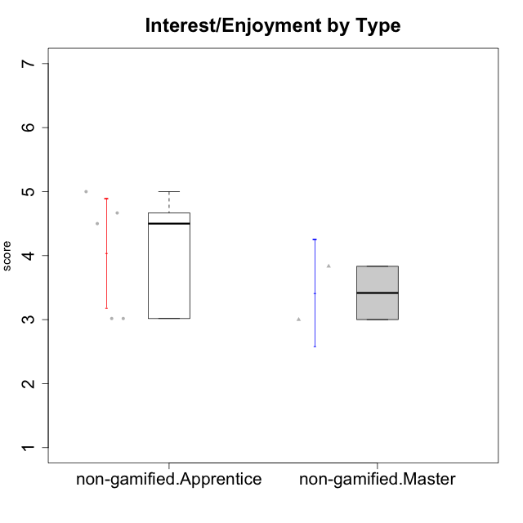

Student's t-Test data
UserID | Type | CLGroup | CLRole | PlayerRole | Interest/Enjoyment | Perceived Choice | Pressure/Tension | Effort/Importance | Intrinsic Motivation
10116 | non-gamified | GroupC | Master |  | 3.8333333333 | 2.8 | 3.5 | 4 | 3.7833333333
10122 | non-gamified | GroupB | Apprentice |  | 3.0174 | 6.2 | 2.25 | 5 | 4.5708333333
10129 | non-gamified | GroupB | Apprentice |  | 3.0174 | 3.2 | 5.2239 | 5.3333333333 | 4.2125383333
10130 | non-gamified | GroupC | Apprentice |  | 4.6666666667 | 3.8 | 5 | 6.3333333333 | 4.45
10135 | non-gamified | GroupB | Apprentice |  | 4.5 | 5 | 3.75 | 4.6666666667 | 4.6041666667
10145 | non-gamified | GroupB | Master |  | 3 | 2.8 | 4 | 7 | 4.2
10146 | non-gamified | GroupA | Apprentice |  | 5 | 5 | 2.5 | 6.3333333333 | 4.9291283333

Type_CLRole_2
Student's t-Test for Interest/Enjoyment by Type in Type:CLRole between non-gamified.Apprentice:ont-gamified.Apprentice

Student's t-Test results
Alternative hypothesis: less
Group | N | Mean | Mean.Difference | Std.deviation | Std.error | CI.lower | CI.upper | df | t.value | p.value | g | magnitude
non-gamified.Apprentice | 5 | 4.0402933333 | -0.28760666667 | 0.95096427389 | 0.42528415212 | 3.1897250291 | 4.8908616376 | 10.455606941 | -0.49482063888 | 0.31547973611 | -0.2316925001 | small
ont-gamified.Apprentice | 10 | 4.3279 | 0.28760666667 | 1.252862954 | 0.39619005307 | 3.5355198939 | 5.1202801061 | 10.455606941 | -0.49482063888 | 0.31547973611 | -0.2316925001 | small
Alternative hypothesis: greater
Group | N | Mean | Mean.Difference | Std.deviation | Std.error | CI.lower | CI.upper | df | t.value | p.value | g | magnitude
non-gamified.Apprentice | 5 | 4.0402933333 | -0.28760666667 | 0.95096427389 | 0.42528415212 | 3.1897250291 | 4.8908616376 | 10.455606941 | -0.49482063888 | 0.68452026389 | -0.2316925001 | small
ont-gamified.Apprentice | 10 | 4.3279 | 0.28760666667 | 1.252862954 | 0.39619005307 | 3.5355198939 | 5.1202801061 | 10.455606941 | -0.49482063888 | 0.68452026389 | -0.2316925001 | small
Alternative hypothesis: two.sided
Group | N | Mean | Mean.Difference | Std.deviation | Std.error | CI.lower | CI.upper | df | t.value | p.value | g | magnitude
non-gamified.Apprentice | 5 | 4.0402933333 | -0.28760666667 | 0.95096427389 | 0.42528415212 | 3.1897250291 | 4.8908616376 | 10.455606941 | -0.49482063888 | 0.63095947222 | -0.2316925001 | small
ont-gamified.Apprentice | 10 | 4.3279 | 0.28760666667 | 1.252862954 | 0.39619005307 | 3.5355198939 | 5.1202801061 | 10.455606941 | -0.49482063888 | 0.63095947222 | -0.2316925001 | small

Box plots for Student's t-Test
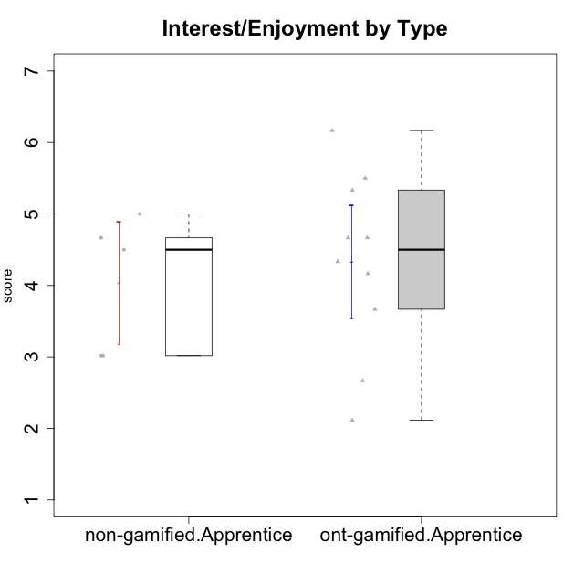

Student's t-Test data
UserID | Type | CLGroup | CLRole | PlayerRole | Interest/Enjoyment | Perceived Choice | Pressure/Tension | Effort/Importance | Intrinsic Motivation
10122 | non-gamified | GroupB | Apprentice |  | 3.0174 | 6.2 | 2.25 | 5 | 4.5708333333
10123 | ont-gamified | Grupo Morfeu | Apprentice | Yee Achiever | 2.6666666667 | 4.8 | 3.5 | 4.3333333333 | 4.075
10126 | ont-gamified | Grupo Hélio | Apprentice | Yee Socializer | 5.3333333333 | 6.2 | 2.25 | 5 | 5.5708333333
10129 | non-gamified | GroupB | Apprentice |  | 3.0174 | 3.2 | 5.2239 | 5.3333333333 | 4.2125383333
10130 | non-gamified | GroupC | Apprentice |  | 4.6666666667 | 3.8 | 5 | 6.3333333333 | 4.45
10131 | ont-gamified | Grupo Zeus | Apprentice | Yee Achiever | 6.1666666667 | 2.6 | 1.75 | 6 | 5.2541666667
10134 | ont-gamified | Grupo Apolo | Apprentice | Yee Socializer | 2.1123333333 | 3 | 3.75 | 4 | 3.8234666667
10135 | non-gamified | GroupB | Apprentice |  | 4.5 | 5 | 3.75 | 4.6666666667 | 4.6041666667
10137 | ont-gamified | Grupo Morfeu | Apprentice | Yee Achiever | 5.5 | 6.4 | 1 | 6.3333333333 | 6.0473666667
10138 | ont-gamified | Grupo Hélio | Apprentice | Yee Socializer | 4.6666666667 | 3.6 | 3.75 | 7 | 4.8791666667
10139 | ont-gamified | Grupo Zeus | Apprentice | Yee Achiever | 3.6666666667 | 4.6 | 2.25 | 4 | 4.5041666667
10142 | ont-gamified | Grupo Hades | Apprentice | Yee Achiever | 4.6666666667 | 3.8 | 1.75 | 5 | 4.9291666667
10143 | ont-gamified | Grupo Apolo | Apprentice | Yee Socializer | 4.1666666667 | 5 | 3 | 6 | 5.0416666667
10146 | non-gamified | GroupA | Apprentice |  | 5 | 5 | 2.5 | 6.3333333333 | 4.9291283333
10148 | ont-gamified | Grupo Apolo | Apprentice | Yee Socializer | 4.3333333333 | 5.6 | 4.5 | 6.3333333333 | 4.9416666667

Type_CLRole_3
Student's t-Test for Interest/Enjoyment by Type in Type:CLRole between non-gamified.Apprentice:ont-gamified.Master

Student's t-Test results
Alternative hypothesis: less
Group | N | Mean | Mean.Difference | Std.deviation | Std.error | CI.lower | CI.upper | df | t.value | p.value | g | magnitude
non-gamified.Apprentice | 5 | 4.0402933333 | -1.28579 | 0.95096427389 | 0.42528415212 | 3.1897250291 | 4.8908616376 | 5.2576362457 | -1.6184064397 | 0.081817851648 | -1.006774178 | large
ont-gamified.Master | 4 | 5.3260833333 | 1.28579 | 1.3421331384 | 0.67106656919 | 3.983950195 | 6.6682164717 | 5.2576362457 | -1.6184064397 | 0.081817851648 | -1.006774178 | large
Alternative hypothesis: greater
Group | N | Mean | Mean.Difference | Std.deviation | Std.error | CI.lower | CI.upper | df | t.value | p.value | g | magnitude
non-gamified.Apprentice | 5 | 4.0402933333 | -1.28579 | 0.95096427389 | 0.42528415212 | 3.1897250291 | 4.8908616376 | 5.2576362457 | -1.6184064397 | 0.91818214835 | -1.006774178 | large
ont-gamified.Master | 4 | 5.3260833333 | 1.28579 | 1.3421331384 | 0.67106656919 | 3.983950195 | 6.6682164717 | 5.2576362457 | -1.6184064397 | 0.91818214835 | -1.006774178 | large
Alternative hypothesis: two.sided
Group | N | Mean | Mean.Difference | Std.deviation | Std.error | CI.lower | CI.upper | df | t.value | p.value | g | magnitude
non-gamified.Apprentice | 5 | 4.0402933333 | -1.28579 | 0.95096427389 | 0.42528415212 | 3.1897250291 | 4.8908616376 | 5.2576362457 | -1.6184064397 | 0.1636357033 | -1.006774178 | large
ont-gamified.Master | 4 | 5.3260833333 | 1.28579 | 1.3421331384 | 0.67106656919 | 3.983950195 | 6.6682164717 | 5.2576362457 | -1.6184064397 | 0.1636357033 | -1.006774178 | large

Box plots for Student's t-Test
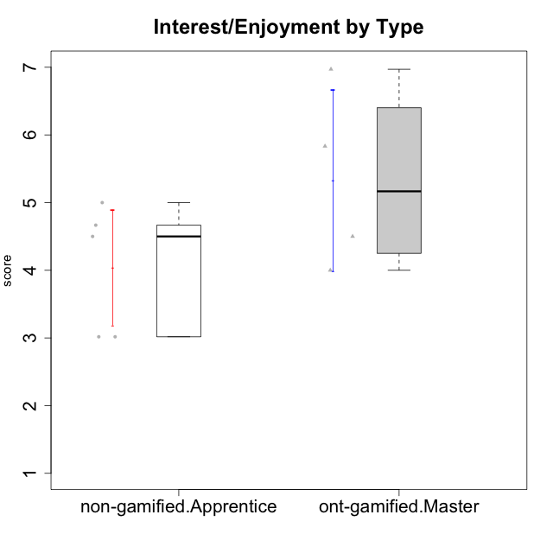

Student's t-Test data
UserID | Type | CLGroup | CLRole | PlayerRole | Interest/Enjoyment | Perceived Choice | Pressure/Tension | Effort/Importance | Intrinsic Motivation
10120 | ont-gamified | Grupo Hélio | Master | Yee Socializer | 5.8333333333 | 6.4 | 1.5 | 6.1492666667 | 6.2666666667
10121 | ont-gamified | Grupo Hades | Master | Yee Achiever | 4.5 | 5.4 | 3.75 | 5 | 4.7875
10122 | non-gamified | GroupB | Apprentice |  | 3.0174 | 6.2 | 2.25 | 5 | 4.5708333333
10129 | non-gamified | GroupB | Apprentice |  | 3.0174 | 3.2 | 5.2239 | 5.3333333333 | 4.2125383333
10130 | non-gamified | GroupC | Apprentice |  | 4.6666666667 | 3.8 | 5 | 6.3333333333 | 4.45
10135 | non-gamified | GroupB | Apprentice |  | 4.5 | 5 | 3.75 | 4.6666666667 | 4.6041666667
10141 | ont-gamified | Grupo Apolo | Master | Yee Socializer | 4 | 4.0174 | 3 | 4.3333333333 | 4.2333333333
10146 | non-gamified | GroupA | Apprentice |  | 5 | 5 | 2.5 | 6.3333333333 | 4.9291283333
10152 | ont-gamified | Grupo Morfeu | Master | Yee Achiever | 6.971 | 5.6 | 2.75 | 4 | 5.4625

Type_CLRole_4
Student's t-Test for Interest/Enjoyment by Type in Type:CLRole between non-gamified.Master:ont-gamified.Apprentice

Student's t-Test results
Alternative hypothesis: less
Group | N | Mean | Mean.Difference | Std.deviation | Std.error | CI.lower | CI.upper | df | t.value | p.value | g | magnitude
non-gamified.Master | 2 | 3.4166666667 | -0.91123333333 | 0.58925565099 | 0.41666666667 | 2.5833333333 | 4.25 | 3.323808301 | -1.5848670684 | 0.10117085647 | -0.69914944992 | medium
ont-gamified.Apprentice | 10 | 4.3279 | 0.91123333333 | 1.252862954 | 0.39619005307 | 3.5355198939 | 5.1202801061 | 3.323808301 | -1.5848670684 | 0.10117085647 | -0.69914944992 | medium
Alternative hypothesis: greater
Group | N | Mean | Mean.Difference | Std.deviation | Std.error | CI.lower | CI.upper | df | t.value | p.value | g | magnitude
non-gamified.Master | 2 | 3.4166666667 | -0.91123333333 | 0.58925565099 | 0.41666666667 | 2.5833333333 | 4.25 | 3.323808301 | -1.5848670684 | 0.89882914353 | -0.69914944992 | medium
ont-gamified.Apprentice | 10 | 4.3279 | 0.91123333333 | 1.252862954 | 0.39619005307 | 3.5355198939 | 5.1202801061 | 3.323808301 | -1.5848670684 | 0.89882914353 | -0.69914944992 | medium
Alternative hypothesis: two.sided
Group | N | Mean | Mean.Difference | Std.deviation | Std.error | CI.lower | CI.upper | df | t.value | p.value | g | magnitude
non-gamified.Master | 2 | 3.4166666667 | -0.91123333333 | 0.58925565099 | 0.41666666667 | 2.5833333333 | 4.25 | 3.323808301 | -1.5848670684 | 0.20234171294 | -0.69914944992 | medium
ont-gamified.Apprentice | 10 | 4.3279 | 0.91123333333 | 1.252862954 | 0.39619005307 | 3.5355198939 | 5.1202801061 | 3.323808301 | -1.5848670684 | 0.20234171294 | -0.69914944992 | medium

Box plots for Student's t-Test
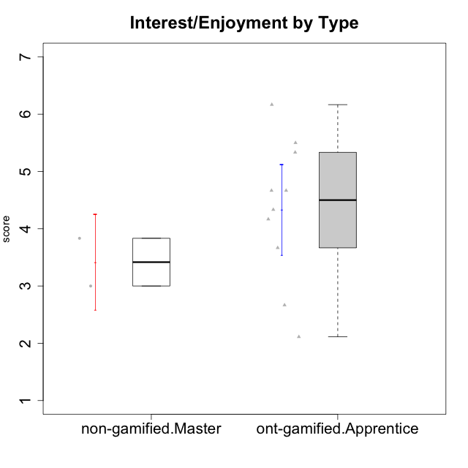

Student's t-Test data
UserID | Type | CLGroup | CLRole | PlayerRole | Interest/Enjoyment | Perceived Choice | Pressure/Tension | Effort/Importance | Intrinsic Motivation
10116 | non-gamified | GroupC | Master |  | 3.8333333333 | 2.8 | 3.5 | 4 | 3.7833333333
10123 | ont-gamified | Grupo Morfeu | Apprentice | Yee Achiever | 2.6666666667 | 4.8 | 3.5 | 4.3333333333 | 4.075
10126 | ont-gamified | Grupo Hélio | Apprentice | Yee Socializer | 5.3333333333 | 6.2 | 2.25 | 5 | 5.5708333333
10131 | ont-gamified | Grupo Zeus | Apprentice | Yee Achiever | 6.1666666667 | 2.6 | 1.75 | 6 | 5.2541666667
10134 | ont-gamified | Grupo Apolo | Apprentice | Yee Socializer | 2.1123333333 | 3 | 3.75 | 4 | 3.8234666667
10137 | ont-gamified | Grupo Morfeu | Apprentice | Yee Achiever | 5.5 | 6.4 | 1 | 6.3333333333 | 6.0473666667
10138 | ont-gamified | Grupo Hélio | Apprentice | Yee Socializer | 4.6666666667 | 3.6 | 3.75 | 7 | 4.8791666667
10139 | ont-gamified | Grupo Zeus | Apprentice | Yee Achiever | 3.6666666667 | 4.6 | 2.25 | 4 | 4.5041666667
10142 | ont-gamified | Grupo Hades | Apprentice | Yee Achiever | 4.6666666667 | 3.8 | 1.75 | 5 | 4.9291666667
10143 | ont-gamified | Grupo Apolo | Apprentice | Yee Socializer | 4.1666666667 | 5 | 3 | 6 | 5.0416666667
10145 | non-gamified | GroupB | Master |  | 3 | 2.8 | 4 | 7 | 4.2
10148 | ont-gamified | Grupo Apolo | Apprentice | Yee Socializer | 4.3333333333 | 5.6 | 4.5 | 6.3333333333 | 4.9416666667

Type_CLRole_5
Student's t-Test for Interest/Enjoyment by Type in Type:CLRole between non-gamified.Master:ont-gamified.Master

Student's t-Test results
Alternative hypothesis: less
Group | N | Mean | Mean.Difference | Std.deviation | Std.error | CI.lower | CI.upper | df | t.value | p.value | g | magnitude
non-gamified.Master | 2 | 3.4166666667 | -1.9094166667 | 0.58925565099 | 0.41666666667 | 2.5833333333 | 4.25 | 3.98304797 | -2.4172901904 | 0.036624191721 | -1.2739194649 | large
ont-gamified.Master | 4 | 5.3260833333 | 1.9094166667 | 1.3421331384 | 0.67106656919 | 3.983950195 | 6.6682164717 | 3.98304797 | -2.4172901904 | 0.036624191721 | -1.2739194649 | large
Alternative hypothesis: greater
Group | N | Mean | Mean.Difference | Std.deviation | Std.error | CI.lower | CI.upper | df | t.value | p.value | g | magnitude
non-gamified.Master | 2 | 3.4166666667 | -1.9094166667 | 0.58925565099 | 0.41666666667 | 2.5833333333 | 4.25 | 3.98304797 | -2.4172901904 | 0.96337580828 | -1.2739194649 | large
ont-gamified.Master | 4 | 5.3260833333 | 1.9094166667 | 1.3421331384 | 0.67106656919 | 3.983950195 | 6.6682164717 | 3.98304797 | -2.4172901904 | 0.96337580828 | -1.2739194649 | large
Alternative hypothesis: two.sided
Group | N | Mean | Mean.Difference | Std.deviation | Std.error | CI.lower | CI.upper | df | t.value | p.value | g | magnitude
non-gamified.Master | 2 | 3.4166666667 | -1.9094166667 | 0.58925565099 | 0.41666666667 | 2.5833333333 | 4.25 | 3.98304797 | -2.4172901904 | 0.073248383442 | -1.2739194649 | large
ont-gamified.Master | 4 | 5.3260833333 | 1.9094166667 | 1.3421331384 | 0.67106656919 | 3.983950195 | 6.6682164717 | 3.98304797 | -2.4172901904 | 0.073248383442 | -1.2739194649 | large

Box plots for Student's t-Test
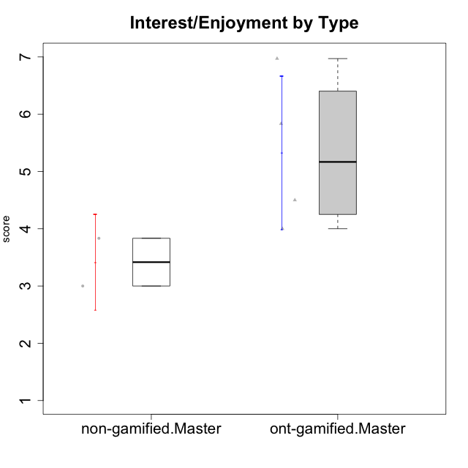

Student's t-Test data
UserID | Type | CLGroup | CLRole | PlayerRole | Interest/Enjoyment | Perceived Choice | Pressure/Tension | Effort/Importance | Intrinsic Motivation
10116 | non-gamified | GroupC | Master |  | 3.8333333333 | 2.8 | 3.5 | 4 | 3.7833333333
10120 | ont-gamified | Grupo Hélio | Master | Yee Socializer | 5.8333333333 | 6.4 | 1.5 | 6.1492666667 | 6.2666666667
10121 | ont-gamified | Grupo Hades | Master | Yee Achiever | 4.5 | 5.4 | 3.75 | 5 | 4.7875
10141 | ont-gamified | Grupo Apolo | Master | Yee Socializer | 4 | 4.0174 | 3 | 4.3333333333 | 4.2333333333
10145 | non-gamified | GroupB | Master |  | 3 | 2.8 | 4 | 7 | 4.2
10152 | ont-gamified | Grupo Morfeu | Master | Yee Achiever | 6.971 | 5.6 | 2.75 | 4 | 5.4625

Type_CLRole_6
Student's t-Test for Interest/Enjoyment by Type in Type:CLRole between ont-gamified.Apprentice:ont-gamified.Master

Student's t-Test results
Alternative hypothesis: less
Group | N | Mean | Mean.Difference | Std.deviation | Std.error | CI.lower | CI.upper | df | t.value | p.value | g | magnitude
ont-gamified.Apprentice | 10 | 4.3279 | -0.99818333333 | 1.252862954 | 0.39619005307 | 3.5355198939 | 5.1202801061 | 5.2434826016 | -1.2808839465 | 0.12698115622 | -0.73247705294 | medium
ont-gamified.Master | 4 | 5.3260833333 | 0.99818333333 | 1.3421331384 | 0.67106656919 | 3.983950195 | 6.6682164717 | 5.2434826016 | -1.2808839465 | 0.12698115622 | -0.73247705294 | medium
Alternative hypothesis: greater
Group | N | Mean | Mean.Difference | Std.deviation | Std.error | CI.lower | CI.upper | df | t.value | p.value | g | magnitude
ont-gamified.Apprentice | 10 | 4.3279 | -0.99818333333 | 1.252862954 | 0.39619005307 | 3.5355198939 | 5.1202801061 | 5.2434826016 | -1.2808839465 | 0.87301884378 | -0.73247705294 | medium
ont-gamified.Master | 4 | 5.3260833333 | 0.99818333333 | 1.3421331384 | 0.67106656919 | 3.983950195 | 6.6682164717 | 5.2434826016 | -1.2808839465 | 0.87301884378 | -0.73247705294 | medium
Alternative hypothesis: two.sided
Group | N | Mean | Mean.Difference | Std.deviation | Std.error | CI.lower | CI.upper | df | t.value | p.value | g | magnitude
ont-gamified.Apprentice | 10 | 4.3279 | -0.99818333333 | 1.252862954 | 0.39619005307 | 3.5355198939 | 5.1202801061 | 5.2434826016 | -1.2808839465 | 0.25396231245 | -0.73247705294 | medium
ont-gamified.Master | 4 | 5.3260833333 | 0.99818333333 | 1.3421331384 | 0.67106656919 | 3.983950195 | 6.6682164717 | 5.2434826016 | -1.2808839465 | 0.25396231245 | -0.73247705294 | medium

Box plots for Student's t-Test


Student's t-Test data
UserID | Type | CLGroup | CLRole | PlayerRole | Interest/Enjoyment | Perceived Choice | Pressure/Tension | Effort/Importance | Intrinsic Motivation
10120 | ont-gamified | Grupo Hélio | Master | Yee Socializer | 5.8333333333 | 6.4 | 1.5 | 6.1492666667 | 6.2666666667
10121 | ont-gamified | Grupo Hades | Master | Yee Achiever | 4.5 | 5.4 | 3.75 | 5 | 4.7875
10123 | ont-gamified | Grupo Morfeu | Apprentice | Yee Achiever | 2.6666666667 | 4.8 | 3.5 | 4.3333333333 | 4.075
10126 | ont-gamified | Grupo Hélio | Apprentice | Yee Socializer | 5.3333333333 | 6.2 | 2.25 | 5 | 5.5708333333
10131 | ont-gamified | Grupo Zeus | Apprentice | Yee Achiever | 6.1666666667 | 2.6 | 1.75 | 6 | 5.2541666667
10134 | ont-gamified | Grupo Apolo | Apprentice | Yee Socializer | 2.1123333333 | 3 | 3.75 | 4 | 3.8234666667
10137 | ont-gamified | Grupo Morfeu | Apprentice | Yee Achiever | 5.5 | 6.4 | 1 | 6.3333333333 | 6.0473666667
10138 | ont-gamified | Grupo Hélio | Apprentice | Yee Socializer | 4.6666666667 | 3.6 | 3.75 | 7 | 4.8791666667
10139 | ont-gamified | Grupo Zeus | Apprentice | Yee Achiever | 3.6666666667 | 4.6 | 2.25 | 4 | 4.5041666667
10141 | ont-gamified | Grupo Apolo | Master | Yee Socializer | 4 | 4.0174 | 3 | 4.3333333333 | 4.2333333333
10142 | ont-gamified | Grupo Hades | Apprentice | Yee Achiever | 4.6666666667 | 3.8 | 1.75 | 5 | 4.9291666667
10143 | ont-gamified | Grupo Apolo | Apprentice | Yee Socializer | 4.1666666667 | 5 | 3 | 6 | 5.0416666667
10148 | ont-gamified | Grupo Apolo | Apprentice | Yee Socializer | 4.3333333333 | 5.6 | 4.5 | 6.3333333333 | 4.9416666667
10152 | ont-gamified | Grupo Morfeu | Master | Yee Achiever | 6.971 | 5.6 | 2.75 | 4 | 5.4625

