Type_1
Wilcoxon Analysis for Intrinsic Motivation by Type in Type between non-gamified:ont-gamified

Wilcoxon test results
Alternative hypothesis: less
Group | N | Median | Mean.Ranks | Sum.Ranks | U | Z | p.value | r | magnitude
non-gamified | 7 | 4.45 | 7.4285714286 | 52 | 24 | -1.8651177424 | 0.033341933265 | 0.40700205878 | medium
ont-gamified | 14 | 4.9354166667 | 12.785714286 | 179 | 24 | -1.8651177424 | 0.033341933265 | 0.40700205878 | medium
Alternative hypothesis: greater
Group | N | Median | Mean.Ranks | Sum.Ranks | U | Z | p.value | r | magnitude
non-gamified | 7 | 4.45 | 7.4285714286 | 52 | 24 | -1.8651177424 | 0.9721878225 | 0.40700205878 | medium
ont-gamified | 14 | 4.9354166667 | 12.785714286 | 179 | 24 | -1.8651177424 | 0.9721878225 | 0.40700205878 | medium
Alternative hypothesis: two.sided
Group | N | Median | Mean.Ranks | Sum.Ranks | U | Z | p.value | r | magnitude
non-gamified | 7 | 4.45 | 7.4285714286 | 52 | 24 | -1.8651177424 | 0.066683866529 | 0.40700205878 | medium
ont-gamified | 14 | 4.9354166667 | 12.785714286 | 179 | 24 | -1.8651177424 | 0.066683866529 | 0.40700205878 | medium

Box plots for wilcoxon tests
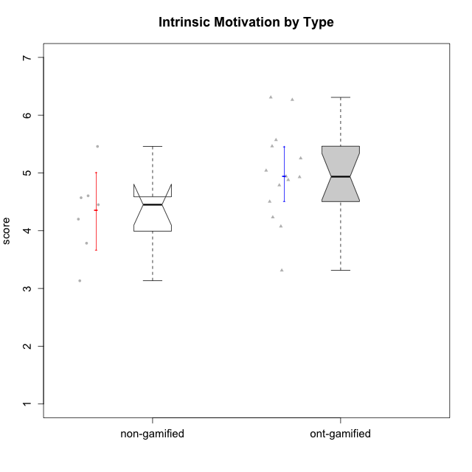

Wilcoxon data
UserID | Type | CLGroup | CLRole | PlayerRole | Item22IE | Item09IE | Item12IE | Item24IE | Item21IE | Item01IE | Item17PC | Item15PC | Item06PC | Item02PC | Item08PC | Item16PT | Item14PT | Item18PT | Item11PT | Item13EI | Item03EI | Item07EI | Interest/Enjoyment | Perceived Choice | Pressure/Tension | Effort/Importance | Intrinsic Motivation
10116 | non-gamified | GroupC | Master |  | 4 | 4 | 2 | 6 | 4 | 3 | 4 | 5 | 6 | 7 | 4 | 4 | 2 | 2 | 2 | 4 | 4 | 4 | 3.8333333333 | 2.8 | 3.5 | 4 | 3.7833333333
10120 | ont-gamified | Grupo Hélio | Master | Yee Socializer | 6 | 6 | 5 | 5 | 6 | 7 | 1 | 1 | 2 | 3 | 1 | 1 | 2 | 1 | 6 | 3 | 7 | 1 | 5.8333333333 | 6.4 | 1.5 | 6.3333333333 | 6.2666666667
10121 | ont-gamified | Grupo Hades | Master | Yee Achiever | 5 | 6 | 6 | 4 | 5 | 1 | 3 | 4 | 2 | 2 | 2 | 5 | 3 | 2 | 3 | 3 | 5 | 3 | 4.5 | 5.4 | 3.75 | 5 | 4.7875
10122 | non-gamified | GroupB | Apprentice |  | 1 | 1 | 2 | 1 | 1 | 2 | 1 | 1 | 2 | 3 | 2 | 1 | 1 | 1 | 2 | 2 | 3 | 2 | 1.3333333333 | 6.2 | 2.25 | 5 | 4.5708333333
10123 | ont-gamified | Grupo Morfeu | Apprentice | Yee Achiever | 3 | 2 | 3 | 3 | 3 | 2 | 3 | 3 | 2 | 5 | 3 | 2 | 4 | 4 | 4 | 3 | 3 | 3 | 2.6666666667 | 4.8 | 3.5 | 4.3333333333 | 4.075
10126 | ont-gamified | Grupo Hélio | Apprentice | Yee Socializer | 5 | 6 | 6 | 4 | 6 | 5 | 2 | 2 | 2 | 2 | 1 | 1 | 2 | 1 | 3 | 1 | 5 | 5 | 5.3333333333 | 6.2 | 2.25 | 5 | 5.5708333333
10129 | non-gamified | GroupB | Apprentice |  | 1 | 2 | 1 | 1 | 3 | 1 | 4 | 5 | 4 | 7 | 4 | 5 | 5 | 5 | 1 | 5 | 7 | 2 | 1.5 | 3.2 | 5.5 | 5.3333333333 | 3.1333333333
10130 | non-gamified | GroupC | Apprentice |  | 5 | 5 | 4 | 5 | 5 | 4 | 4 | 4 | 5 | 3 | 5 | 5 | 4 | 5 | 2 | 1 | 6 | 2 | 4.6666666667 | 3.8 | 5 | 6.3333333333 | 4.45
10131 | ont-gamified | Grupo Zeus | Apprentice | Yee Achiever | 7 | 5 | 7 | 7 | 7 | 4 | 6 | 7 | 7 | 5 | 2 | 2 | 1 | 2 | 6 | 3 | 6 | 1 | 6.1666666667 | 2.6 | 1.75 | 6 | 5.2541666667
10134 | ont-gamified | Grupo Apolo | Apprentice | Yee Socializer | 2 | 2 | 2 | 2 | 2 | 2 | 5 | 5 | 3 | 6 | 6 | 3 | 3 | 3 | 2 | 4 | 4 | 4 | 2 | 3 | 3.75 | 4 | 3.3125
10135 | non-gamified | GroupB | Apprentice |  | 5 | 5 | 5 | 2 | 5 | 5 | 2 | 2 | 1 | 4 | 6 | 4 | 4 | 4 | 5 | 2 | 5 | 5 | 4.5 | 5 | 3.75 | 4.6666666667 | 4.6041666667
10137 | ont-gamified | Grupo Morfeu | Apprentice | Yee Achiever | 5 | 5 | 6 | 6 | 6 | 5 | 1 | 4 | 1 | 1 | 1 | 1 | 1 | 1 | 7 | 1 | 5 | 1 | 5.5 | 6.4 | 1 | 6.3333333333 | 6.3083333333
10138 | ont-gamified | Grupo Hélio | Apprentice | Yee Socializer | 4 | 6 | 6 | 4 | 5 | 3 | 4 | 5 | 6 | 4 | 3 | 4 | 4 | 2 | 3 | 1 | 7 | 1 | 4.6666666667 | 3.6 | 3.75 | 7 | 4.8791666667
10139 | ont-gamified | Grupo Zeus | Apprentice | Yee Achiever | 3 | 6 | 3 | 4 | 5 | 1 | 1 | 7 | 4 | 4 | 1 | 3 | 4 | 1 | 7 | 4 | 5 | 5 | 3.6666666667 | 4.6 | 2.25 | 4 | 4.5041666667
10141 | ont-gamified | Grupo Apolo | Master | Yee Socializer | 5 | 5 | 3 | 4 | 5 | 2 | 4 | 4 | 6 | 4 | 4 | 3 | 4 | 1 | 4 | 5 | 5 | 3 | 4 | 3.6 | 3 | 4.3333333333 | 4.2333333333
10142 | ont-gamified | Grupo Hades | Apprentice | Yee Achiever | 4 | 6 | 4 | 6 | 4 | 4 | 4 | 4 | 3 | 6 | 4 | 4 | 1 | 1 | 7 | 2 | 4 | 3 | 4.6666666667 | 3.8 | 1.75 | 5 | 4.9291666667
10143 | ont-gamified | Grupo Apolo | Apprentice | Yee Socializer | 4 | 4 | 4 | 4 | 5 | 4 | 2 | 4 | 3 | 4 | 2 | 3 | 2 | 2 | 3 | 2 | 6 | 2 | 4.1666666667 | 5 | 3 | 6 | 5.0416666667
10145 | non-gamified | GroupB | Master |  | 2 | 4 | 4 | 4 | 3 | 1 | 4 | 7 | 4 | 7 | 4 | 4 | 4 | 4 | 4 | 1 | 7 | 1 | 3 | 2.8 | 4 | 7 | 4.2
10146 | non-gamified | GroupA | Apprentice |  | 5 | 5 | 5 | 5 | 5 | 5 | 3 | 4 | 3 | 3 | 2 | 3 | 3 | 3 | 7 | 1 | 6 | 2 | 5 | 5 | 2.5 | 6.3333333333 | 5.4583333333
10148 | ont-gamified | Grupo Apolo | Apprentice | Yee Socializer | 5 | 4 | 4 | 3 | 6 | 4 | 3 | 4 | 1 | 3 | 1 | 5 | 2 | 5 | 2 | 2 | 6 | 1 | 4.3333333333 | 5.6 | 4.5 | 6.3333333333 | 4.9416666667
10152 | ont-gamified | Grupo Morfeu | Master | Yee Achiever | 7 | 7 | 7 | 7 | 7 | 7 | 2 | 2 | 4 | 3 | 1 | 2 | 3 | 2 | 4 | 5 | 7 | 6 | 7 | 5.6 | 2.75 | 4 | 5.4625

Type_CLRole_1
Wilcoxon Analysis for Intrinsic Motivation by Type in Type:CLRole between non-gamified.Apprentice:non-gamified.Master

Wilcoxon test results
Alternative hypothesis: less
Group | N | Median | Mean.Ranks | Sum.Ranks | U | Z | p.value | r | magnitude
non-gamified.Apprentice | 5 | 4.5708333333 | 4.6 | 23 | 8 | 1.1618950039 | 0.90476190476 | 0.43915503283 | medium
non-gamified.Master | 2 | 3.9916666667 | 2.5 | 5 | 8 | 1.1618950039 | 0.90476190476 | 0.43915503283 | medium
Alternative hypothesis: greater
Group | N | Median | Mean.Ranks | Sum.Ranks | U | Z | p.value | r | magnitude
non-gamified.Apprentice | 5 | 4.5708333333 | 4.6 | 23 | 8 | 1.1618950039 | 0.19047619048 | 0.43915503283 | medium
non-gamified.Master | 2 | 3.9916666667 | 2.5 | 5 | 8 | 1.1618950039 | 0.19047619048 | 0.43915503283 | medium
Alternative hypothesis: two.sided
Group | N | Median | Mean.Ranks | Sum.Ranks | U | Z | p.value | r | magnitude
non-gamified.Apprentice | 5 | 4.5708333333 | 4.6 | 23 | 8 | 1.1618950039 | 0.38095238095 | 0.43915503283 | medium
non-gamified.Master | 2 | 3.9916666667 | 2.5 | 5 | 8 | 1.1618950039 | 0.38095238095 | 0.43915503283 | medium

Box plots for wilcoxon tests
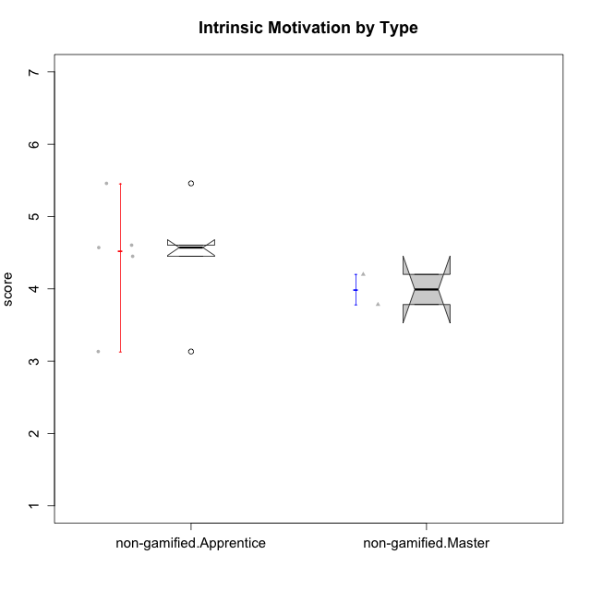

Wilcoxon data
UserID | Type | CLGroup | CLRole | PlayerRole | Item22IE | Item09IE | Item12IE | Item24IE | Item21IE | Item01IE | Item17PC | Item15PC | Item06PC | Item02PC | Item08PC | Item16PT | Item14PT | Item18PT | Item11PT | Item13EI | Item03EI | Item07EI | Interest/Enjoyment | Perceived Choice | Pressure/Tension | Effort/Importance | Intrinsic Motivation
10116 | non-gamified | GroupC | Master |  | 4 | 4 | 2 | 6 | 4 | 3 | 4 | 5 | 6 | 7 | 4 | 4 | 2 | 2 | 2 | 4 | 4 | 4 | 3.8333333333 | 2.8 | 3.5 | 4 | 3.7833333333
10122 | non-gamified | GroupB | Apprentice |  | 1 | 1 | 2 | 1 | 1 | 2 | 1 | 1 | 2 | 3 | 2 | 1 | 1 | 1 | 2 | 2 | 3 | 2 | 1.3333333333 | 6.2 | 2.25 | 5 | 4.5708333333
10129 | non-gamified | GroupB | Apprentice |  | 1 | 2 | 1 | 1 | 3 | 1 | 4 | 5 | 4 | 7 | 4 | 5 | 5 | 5 | 1 | 5 | 7 | 2 | 1.5 | 3.2 | 5.5 | 5.3333333333 | 3.1333333333
10130 | non-gamified | GroupC | Apprentice |  | 5 | 5 | 4 | 5 | 5 | 4 | 4 | 4 | 5 | 3 | 5 | 5 | 4 | 5 | 2 | 1 | 6 | 2 | 4.6666666667 | 3.8 | 5 | 6.3333333333 | 4.45
10135 | non-gamified | GroupB | Apprentice |  | 5 | 5 | 5 | 2 | 5 | 5 | 2 | 2 | 1 | 4 | 6 | 4 | 4 | 4 | 5 | 2 | 5 | 5 | 4.5 | 5 | 3.75 | 4.6666666667 | 4.6041666667
10145 | non-gamified | GroupB | Master |  | 2 | 4 | 4 | 4 | 3 | 1 | 4 | 7 | 4 | 7 | 4 | 4 | 4 | 4 | 4 | 1 | 7 | 1 | 3 | 2.8 | 4 | 7 | 4.2
10146 | non-gamified | GroupA | Apprentice |  | 5 | 5 | 5 | 5 | 5 | 5 | 3 | 4 | 3 | 3 | 2 | 3 | 3 | 3 | 7 | 1 | 6 | 2 | 5 | 5 | 2.5 | 6.3333333333 | 5.4583333333

Type_CLRole_2
Wilcoxon Analysis for Intrinsic Motivation by Type in Type:CLRole between non-gamified.Apprentice:ont-gamified.Apprentice

Wilcoxon test results
Alternative hypothesis: less
Group | N | Median | Mean.Ranks | Sum.Ranks | U | Z | p.value | r | magnitude
non-gamified.Apprentice | 5 | 4.5708333333 | 6.2 | 31 | 16 | -1.1022703843 | 0.15484515485 | 0.28460498942 | small
ont-gamified.Apprentice | 10 | 4.9354166667 | 8.9 | 89 | 16 | -1.1022703843 | 0.15484515485 | 0.28460498942 | small
Alternative hypothesis: greater
Group | N | Median | Mean.Ranks | Sum.Ranks | U | Z | p.value | r | magnitude
non-gamified.Apprentice | 5 | 4.5708333333 | 6.2 | 31 | 16 | -1.1022703843 | 0.87279387279 | 0.28460498942 | small
ont-gamified.Apprentice | 10 | 4.9354166667 | 8.9 | 89 | 16 | -1.1022703843 | 0.87279387279 | 0.28460498942 | small
Alternative hypothesis: two.sided
Group | N | Median | Mean.Ranks | Sum.Ranks | U | Z | p.value | r | magnitude
non-gamified.Apprentice | 5 | 4.5708333333 | 6.2 | 31 | 16 | -1.1022703843 | 0.30969030969 | 0.28460498942 | small
ont-gamified.Apprentice | 10 | 4.9354166667 | 8.9 | 89 | 16 | -1.1022703843 | 0.30969030969 | 0.28460498942 | small

Box plots for wilcoxon tests
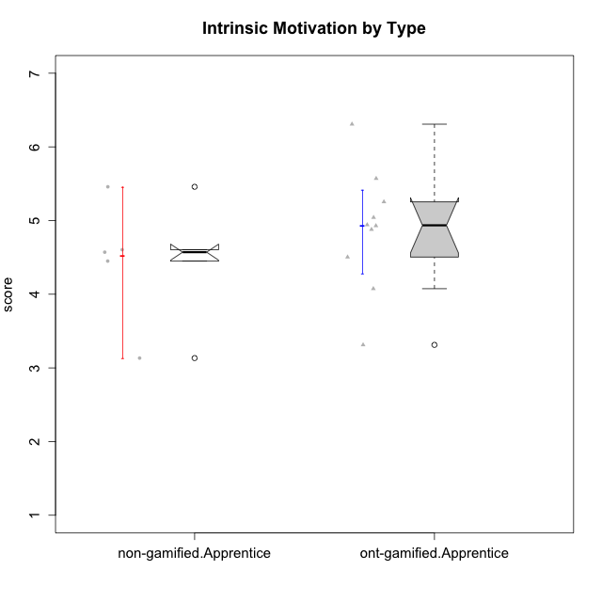

Wilcoxon data
UserID | Type | CLGroup | CLRole | PlayerRole | Item22IE | Item09IE | Item12IE | Item24IE | Item21IE | Item01IE | Item17PC | Item15PC | Item06PC | Item02PC | Item08PC | Item16PT | Item14PT | Item18PT | Item11PT | Item13EI | Item03EI | Item07EI | Interest/Enjoyment | Perceived Choice | Pressure/Tension | Effort/Importance | Intrinsic Motivation
10122 | non-gamified | GroupB | Apprentice |  | 1 | 1 | 2 | 1 | 1 | 2 | 1 | 1 | 2 | 3 | 2 | 1 | 1 | 1 | 2 | 2 | 3 | 2 | 1.3333333333 | 6.2 | 2.25 | 5 | 4.5708333333
10123 | ont-gamified | Grupo Morfeu | Apprentice | Yee Achiever | 3 | 2 | 3 | 3 | 3 | 2 | 3 | 3 | 2 | 5 | 3 | 2 | 4 | 4 | 4 | 3 | 3 | 3 | 2.6666666667 | 4.8 | 3.5 | 4.3333333333 | 4.075
10126 | ont-gamified | Grupo Hélio | Apprentice | Yee Socializer | 5 | 6 | 6 | 4 | 6 | 5 | 2 | 2 | 2 | 2 | 1 | 1 | 2 | 1 | 3 | 1 | 5 | 5 | 5.3333333333 | 6.2 | 2.25 | 5 | 5.5708333333
10129 | non-gamified | GroupB | Apprentice |  | 1 | 2 | 1 | 1 | 3 | 1 | 4 | 5 | 4 | 7 | 4 | 5 | 5 | 5 | 1 | 5 | 7 | 2 | 1.5 | 3.2 | 5.5 | 5.3333333333 | 3.1333333333
10130 | non-gamified | GroupC | Apprentice |  | 5 | 5 | 4 | 5 | 5 | 4 | 4 | 4 | 5 | 3 | 5 | 5 | 4 | 5 | 2 | 1 | 6 | 2 | 4.6666666667 | 3.8 | 5 | 6.3333333333 | 4.45
10131 | ont-gamified | Grupo Zeus | Apprentice | Yee Achiever | 7 | 5 | 7 | 7 | 7 | 4 | 6 | 7 | 7 | 5 | 2 | 2 | 1 | 2 | 6 | 3 | 6 | 1 | 6.1666666667 | 2.6 | 1.75 | 6 | 5.2541666667
10134 | ont-gamified | Grupo Apolo | Apprentice | Yee Socializer | 2 | 2 | 2 | 2 | 2 | 2 | 5 | 5 | 3 | 6 | 6 | 3 | 3 | 3 | 2 | 4 | 4 | 4 | 2 | 3 | 3.75 | 4 | 3.3125
10135 | non-gamified | GroupB | Apprentice |  | 5 | 5 | 5 | 2 | 5 | 5 | 2 | 2 | 1 | 4 | 6 | 4 | 4 | 4 | 5 | 2 | 5 | 5 | 4.5 | 5 | 3.75 | 4.6666666667 | 4.6041666667
10137 | ont-gamified | Grupo Morfeu | Apprentice | Yee Achiever | 5 | 5 | 6 | 6 | 6 | 5 | 1 | 4 | 1 | 1 | 1 | 1 | 1 | 1 | 7 | 1 | 5 | 1 | 5.5 | 6.4 | 1 | 6.3333333333 | 6.3083333333
10138 | ont-gamified | Grupo Hélio | Apprentice | Yee Socializer | 4 | 6 | 6 | 4 | 5 | 3 | 4 | 5 | 6 | 4 | 3 | 4 | 4 | 2 | 3 | 1 | 7 | 1 | 4.6666666667 | 3.6 | 3.75 | 7 | 4.8791666667
10139 | ont-gamified | Grupo Zeus | Apprentice | Yee Achiever | 3 | 6 | 3 | 4 | 5 | 1 | 1 | 7 | 4 | 4 | 1 | 3 | 4 | 1 | 7 | 4 | 5 | 5 | 3.6666666667 | 4.6 | 2.25 | 4 | 4.5041666667
10142 | ont-gamified | Grupo Hades | Apprentice | Yee Achiever | 4 | 6 | 4 | 6 | 4 | 4 | 4 | 4 | 3 | 6 | 4 | 4 | 1 | 1 | 7 | 2 | 4 | 3 | 4.6666666667 | 3.8 | 1.75 | 5 | 4.9291666667
10143 | ont-gamified | Grupo Apolo | Apprentice | Yee Socializer | 4 | 4 | 4 | 4 | 5 | 4 | 2 | 4 | 3 | 4 | 2 | 3 | 2 | 2 | 3 | 2 | 6 | 2 | 4.1666666667 | 5 | 3 | 6 | 5.0416666667
10146 | non-gamified | GroupA | Apprentice |  | 5 | 5 | 5 | 5 | 5 | 5 | 3 | 4 | 3 | 3 | 2 | 3 | 3 | 3 | 7 | 1 | 6 | 2 | 5 | 5 | 2.5 | 6.3333333333 | 5.4583333333
10148 | ont-gamified | Grupo Apolo | Apprentice | Yee Socializer | 5 | 4 | 4 | 3 | 6 | 4 | 3 | 4 | 1 | 3 | 1 | 5 | 2 | 5 | 2 | 2 | 6 | 1 | 4.3333333333 | 5.6 | 4.5 | 6.3333333333 | 4.9416666667

Type_CLRole_3
Wilcoxon Analysis for Intrinsic Motivation by Type in Type:CLRole between non-gamified.Apprentice:ont-gamified.Master

Wilcoxon test results
Alternative hypothesis: less
Group | N | Median | Mean.Ranks | Sum.Ranks | U | Z | p.value | r | magnitude
non-gamified.Apprentice | 5 | 4.5708333333 | 4 | 20 | 5 | -1.2247448714 | 0.14285714286 | 0.40824829046 | medium
ont-gamified.Master | 4 | 5.125 | 6.25 | 25 | 5 | -1.2247448714 | 0.14285714286 | 0.40824829046 | medium
Alternative hypothesis: greater
Group | N | Median | Mean.Ranks | Sum.Ranks | U | Z | p.value | r | magnitude
non-gamified.Apprentice | 5 | 4.5708333333 | 4 | 20 | 5 | -1.2247448714 | 0.90476190476 | 0.40824829046 | medium
ont-gamified.Master | 4 | 5.125 | 6.25 | 25 | 5 | -1.2247448714 | 0.90476190476 | 0.40824829046 | medium
Alternative hypothesis: two.sided
Group | N | Median | Mean.Ranks | Sum.Ranks | U | Z | p.value | r | magnitude
non-gamified.Apprentice | 5 | 4.5708333333 | 4 | 20 | 5 | -1.2247448714 | 0.28571428571 | 0.40824829046 | medium
ont-gamified.Master | 4 | 5.125 | 6.25 | 25 | 5 | -1.2247448714 | 0.28571428571 | 0.40824829046 | medium

Box plots for wilcoxon tests
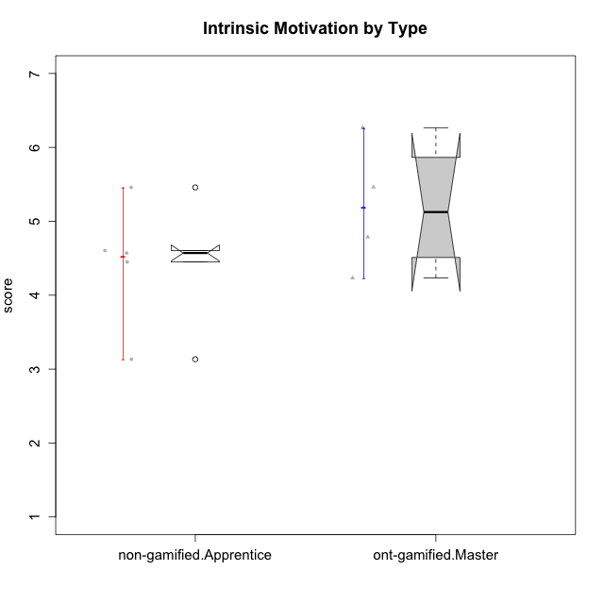

Wilcoxon data
UserID | Type | CLGroup | CLRole | PlayerRole | Item22IE | Item09IE | Item12IE | Item24IE | Item21IE | Item01IE | Item17PC | Item15PC | Item06PC | Item02PC | Item08PC | Item16PT | Item14PT | Item18PT | Item11PT | Item13EI | Item03EI | Item07EI | Interest/Enjoyment | Perceived Choice | Pressure/Tension | Effort/Importance | Intrinsic Motivation
10120 | ont-gamified | Grupo Hélio | Master | Yee Socializer | 6 | 6 | 5 | 5 | 6 | 7 | 1 | 1 | 2 | 3 | 1 | 1 | 2 | 1 | 6 | 3 | 7 | 1 | 5.8333333333 | 6.4 | 1.5 | 6.3333333333 | 6.2666666667
10121 | ont-gamified | Grupo Hades | Master | Yee Achiever | 5 | 6 | 6 | 4 | 5 | 1 | 3 | 4 | 2 | 2 | 2 | 5 | 3 | 2 | 3 | 3 | 5 | 3 | 4.5 | 5.4 | 3.75 | 5 | 4.7875
10122 | non-gamified | GroupB | Apprentice |  | 1 | 1 | 2 | 1 | 1 | 2 | 1 | 1 | 2 | 3 | 2 | 1 | 1 | 1 | 2 | 2 | 3 | 2 | 1.3333333333 | 6.2 | 2.25 | 5 | 4.5708333333
10129 | non-gamified | GroupB | Apprentice |  | 1 | 2 | 1 | 1 | 3 | 1 | 4 | 5 | 4 | 7 | 4 | 5 | 5 | 5 | 1 | 5 | 7 | 2 | 1.5 | 3.2 | 5.5 | 5.3333333333 | 3.1333333333
10130 | non-gamified | GroupC | Apprentice |  | 5 | 5 | 4 | 5 | 5 | 4 | 4 | 4 | 5 | 3 | 5 | 5 | 4 | 5 | 2 | 1 | 6 | 2 | 4.6666666667 | 3.8 | 5 | 6.3333333333 | 4.45
10135 | non-gamified | GroupB | Apprentice |  | 5 | 5 | 5 | 2 | 5 | 5 | 2 | 2 | 1 | 4 | 6 | 4 | 4 | 4 | 5 | 2 | 5 | 5 | 4.5 | 5 | 3.75 | 4.6666666667 | 4.6041666667
10141 | ont-gamified | Grupo Apolo | Master | Yee Socializer | 5 | 5 | 3 | 4 | 5 | 2 | 4 | 4 | 6 | 4 | 4 | 3 | 4 | 1 | 4 | 5 | 5 | 3 | 4 | 3.6 | 3 | 4.3333333333 | 4.2333333333
10146 | non-gamified | GroupA | Apprentice |  | 5 | 5 | 5 | 5 | 5 | 5 | 3 | 4 | 3 | 3 | 2 | 3 | 3 | 3 | 7 | 1 | 6 | 2 | 5 | 5 | 2.5 | 6.3333333333 | 5.4583333333
10152 | ont-gamified | Grupo Morfeu | Master | Yee Achiever | 7 | 7 | 7 | 7 | 7 | 7 | 2 | 2 | 4 | 3 | 1 | 2 | 3 | 2 | 4 | 5 | 7 | 6 | 7 | 5.6 | 2.75 | 4 | 5.4625

Type_CLRole_4
Wilcoxon Analysis for Intrinsic Motivation by Type in Type:CLRole between non-gamified.Master:ont-gamified.Apprentice

Wilcoxon test results
Alternative hypothesis: less
Group | N | Median | Mean.Ranks | Sum.Ranks | U | Z | p.value | r | magnitude
non-gamified.Master | 2 | 3.9916666667 | 3 | 6 | 3 | -1.5038412355 | 0.090909090909 | 0.43412157106 | medium
ont-gamified.Apprentice | 10 | 4.9354166667 | 7.2 | 72 | 3 | -1.5038412355 | 0.090909090909 | 0.43412157106 | medium
Alternative hypothesis: greater
Group | N | Median | Mean.Ranks | Sum.Ranks | U | Z | p.value | r | magnitude
non-gamified.Master | 2 | 3.9916666667 | 3 | 6 | 3 | -1.5038412355 | 0.93939393939 | 0.43412157106 | medium
ont-gamified.Apprentice | 10 | 4.9354166667 | 7.2 | 72 | 3 | -1.5038412355 | 0.93939393939 | 0.43412157106 | medium
Alternative hypothesis: two.sided
Group | N | Median | Mean.Ranks | Sum.Ranks | U | Z | p.value | r | magnitude
non-gamified.Master | 2 | 3.9916666667 | 3 | 6 | 3 | -1.5038412355 | 0.18181818182 | 0.43412157106 | medium
ont-gamified.Apprentice | 10 | 4.9354166667 | 7.2 | 72 | 3 | -1.5038412355 | 0.18181818182 | 0.43412157106 | medium

Box plots for wilcoxon tests
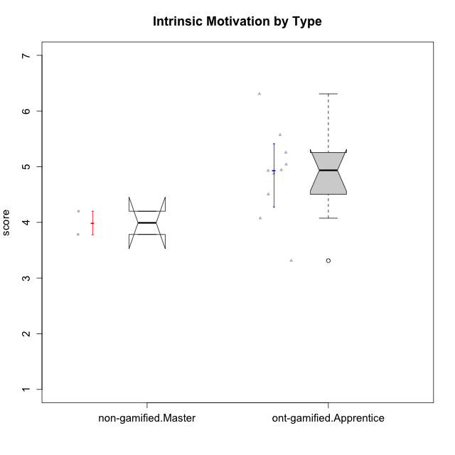

Wilcoxon data
UserID | Type | CLGroup | CLRole | PlayerRole | Item22IE | Item09IE | Item12IE | Item24IE | Item21IE | Item01IE | Item17PC | Item15PC | Item06PC | Item02PC | Item08PC | Item16PT | Item14PT | Item18PT | Item11PT | Item13EI | Item03EI | Item07EI | Interest/Enjoyment | Perceived Choice | Pressure/Tension | Effort/Importance | Intrinsic Motivation
10116 | non-gamified | GroupC | Master |  | 4 | 4 | 2 | 6 | 4 | 3 | 4 | 5 | 6 | 7 | 4 | 4 | 2 | 2 | 2 | 4 | 4 | 4 | 3.8333333333 | 2.8 | 3.5 | 4 | 3.7833333333
10123 | ont-gamified | Grupo Morfeu | Apprentice | Yee Achiever | 3 | 2 | 3 | 3 | 3 | 2 | 3 | 3 | 2 | 5 | 3 | 2 | 4 | 4 | 4 | 3 | 3 | 3 | 2.6666666667 | 4.8 | 3.5 | 4.3333333333 | 4.075
10126 | ont-gamified | Grupo Hélio | Apprentice | Yee Socializer | 5 | 6 | 6 | 4 | 6 | 5 | 2 | 2 | 2 | 2 | 1 | 1 | 2 | 1 | 3 | 1 | 5 | 5 | 5.3333333333 | 6.2 | 2.25 | 5 | 5.5708333333
10131 | ont-gamified | Grupo Zeus | Apprentice | Yee Achiever | 7 | 5 | 7 | 7 | 7 | 4 | 6 | 7 | 7 | 5 | 2 | 2 | 1 | 2 | 6 | 3 | 6 | 1 | 6.1666666667 | 2.6 | 1.75 | 6 | 5.2541666667
10134 | ont-gamified | Grupo Apolo | Apprentice | Yee Socializer | 2 | 2 | 2 | 2 | 2 | 2 | 5 | 5 | 3 | 6 | 6 | 3 | 3 | 3 | 2 | 4 | 4 | 4 | 2 | 3 | 3.75 | 4 | 3.3125
10137 | ont-gamified | Grupo Morfeu | Apprentice | Yee Achiever | 5 | 5 | 6 | 6 | 6 | 5 | 1 | 4 | 1 | 1 | 1 | 1 | 1 | 1 | 7 | 1 | 5 | 1 | 5.5 | 6.4 | 1 | 6.3333333333 | 6.3083333333
10138 | ont-gamified | Grupo Hélio | Apprentice | Yee Socializer | 4 | 6 | 6 | 4 | 5 | 3 | 4 | 5 | 6 | 4 | 3 | 4 | 4 | 2 | 3 | 1 | 7 | 1 | 4.6666666667 | 3.6 | 3.75 | 7 | 4.8791666667
10139 | ont-gamified | Grupo Zeus | Apprentice | Yee Achiever | 3 | 6 | 3 | 4 | 5 | 1 | 1 | 7 | 4 | 4 | 1 | 3 | 4 | 1 | 7 | 4 | 5 | 5 | 3.6666666667 | 4.6 | 2.25 | 4 | 4.5041666667
10142 | ont-gamified | Grupo Hades | Apprentice | Yee Achiever | 4 | 6 | 4 | 6 | 4 | 4 | 4 | 4 | 3 | 6 | 4 | 4 | 1 | 1 | 7 | 2 | 4 | 3 | 4.6666666667 | 3.8 | 1.75 | 5 | 4.9291666667
10143 | ont-gamified | Grupo Apolo | Apprentice | Yee Socializer | 4 | 4 | 4 | 4 | 5 | 4 | 2 | 4 | 3 | 4 | 2 | 3 | 2 | 2 | 3 | 2 | 6 | 2 | 4.1666666667 | 5 | 3 | 6 | 5.0416666667
10145 | non-gamified | GroupB | Master |  | 2 | 4 | 4 | 4 | 3 | 1 | 4 | 7 | 4 | 7 | 4 | 4 | 4 | 4 | 4 | 1 | 7 | 1 | 3 | 2.8 | 4 | 7 | 4.2
10148 | ont-gamified | Grupo Apolo | Apprentice | Yee Socializer | 5 | 4 | 4 | 3 | 6 | 4 | 3 | 4 | 1 | 3 | 1 | 5 | 2 | 5 | 2 | 2 | 6 | 1 | 4.3333333333 | 5.6 | 4.5 | 6.3333333333 | 4.9416666667

Type_CLRole_5
Wilcoxon Analysis for Intrinsic Motivation by Type in Type:CLRole between non-gamified.Master:ont-gamified.Master

Wilcoxon test results
Alternative hypothesis: less
Group | N | Median | Mean.Ranks | Sum.Ranks | U | Z | p.value | r | magnitude
non-gamified.Master | 2 | 3.9916666667 | 1.5 | 3 | 0 | -1.8516401995 | 0.066666666667 | 0.75592894602 | large
ont-gamified.Master | 4 | 5.125 | 4.5 | 18 | 0 | -1.8516401995 | 0.066666666667 | 0.75592894602 | large
Alternative hypothesis: greater
Group | N | Median | Mean.Ranks | Sum.Ranks | U | Z | p.value | r | magnitude
non-gamified.Master | 2 | 3.9916666667 | 1.5 | 3 | 0 | -1.8516401995 | 1 | 0.75592894602 | large
ont-gamified.Master | 4 | 5.125 | 4.5 | 18 | 0 | -1.8516401995 | 1 | 0.75592894602 | large
Alternative hypothesis: two.sided
Group | N | Median | Mean.Ranks | Sum.Ranks | U | Z | p.value | r | magnitude
non-gamified.Master | 2 | 3.9916666667 | 1.5 | 3 | 0 | -1.8516401995 | 0.13333333333 | 0.75592894602 | large
ont-gamified.Master | 4 | 5.125 | 4.5 | 18 | 0 | -1.8516401995 | 0.13333333333 | 0.75592894602 | large

Box plots for wilcoxon tests


Wilcoxon data
UserID | Type | CLGroup | CLRole | PlayerRole | Item22IE | Item09IE | Item12IE | Item24IE | Item21IE | Item01IE | Item17PC | Item15PC | Item06PC | Item02PC | Item08PC | Item16PT | Item14PT | Item18PT | Item11PT | Item13EI | Item03EI | Item07EI | Interest/Enjoyment | Perceived Choice | Pressure/Tension | Effort/Importance | Intrinsic Motivation
10116 | non-gamified | GroupC | Master |  | 4 | 4 | 2 | 6 | 4 | 3 | 4 | 5 | 6 | 7 | 4 | 4 | 2 | 2 | 2 | 4 | 4 | 4 | 3.8333333333 | 2.8 | 3.5 | 4 | 3.7833333333
10120 | ont-gamified | Grupo Hélio | Master | Yee Socializer | 6 | 6 | 5 | 5 | 6 | 7 | 1 | 1 | 2 | 3 | 1 | 1 | 2 | 1 | 6 | 3 | 7 | 1 | 5.8333333333 | 6.4 | 1.5 | 6.3333333333 | 6.2666666667
10121 | ont-gamified | Grupo Hades | Master | Yee Achiever | 5 | 6 | 6 | 4 | 5 | 1 | 3 | 4 | 2 | 2 | 2 | 5 | 3 | 2 | 3 | 3 | 5 | 3 | 4.5 | 5.4 | 3.75 | 5 | 4.7875
10141 | ont-gamified | Grupo Apolo | Master | Yee Socializer | 5 | 5 | 3 | 4 | 5 | 2 | 4 | 4 | 6 | 4 | 4 | 3 | 4 | 1 | 4 | 5 | 5 | 3 | 4 | 3.6 | 3 | 4.3333333333 | 4.2333333333
10145 | non-gamified | GroupB | Master |  | 2 | 4 | 4 | 4 | 3 | 1 | 4 | 7 | 4 | 7 | 4 | 4 | 4 | 4 | 4 | 1 | 7 | 1 | 3 | 2.8 | 4 | 7 | 4.2
10152 | ont-gamified | Grupo Morfeu | Master | Yee Achiever | 7 | 7 | 7 | 7 | 7 | 7 | 2 | 2 | 4 | 3 | 1 | 2 | 3 | 2 | 4 | 5 | 7 | 6 | 7 | 5.6 | 2.75 | 4 | 5.4625

Type_CLRole_6
Wilcoxon Analysis for Intrinsic Motivation by Type in Type:CLRole between ont-gamified.Apprentice:ont-gamified.Master

Wilcoxon test results
Alternative hypothesis: less
Group | N | Median | Mean.Ranks | Sum.Ranks | U | Z | p.value | r | magnitude
ont-gamified.Apprentice | 10 | 4.9354166667 | 7.3 | 73 | 18 | -0.28284271247 | 0.41958041958 | 0.075592894602 | none
ont-gamified.Master | 4 | 5.125 | 8 | 32 | 18 | -0.28284271247 | 0.41958041958 | 0.075592894602 | none
Alternative hypothesis: greater
Group | N | Median | Mean.Ranks | Sum.Ranks | U | Z | p.value | r | magnitude
ont-gamified.Apprentice | 10 | 4.9354166667 | 7.3 | 73 | 18 | -0.28284271247 | 0.63336663337 | 0.075592894602 | none
ont-gamified.Master | 4 | 5.125 | 8 | 32 | 18 | -0.28284271247 | 0.63336663337 | 0.075592894602 | none
Alternative hypothesis: two.sided
Group | N | Median | Mean.Ranks | Sum.Ranks | U | Z | p.value | r | magnitude
ont-gamified.Apprentice | 10 | 4.9354166667 | 7.3 | 73 | 18 | -0.28284271247 | 0.83916083916 | 0.075592894602 | none
ont-gamified.Master | 4 | 5.125 | 8 | 32 | 18 | -0.28284271247 | 0.83916083916 | 0.075592894602 | none

Box plots for wilcoxon tests


Wilcoxon data
UserID | Type | CLGroup | CLRole | PlayerRole | Item22IE | Item09IE | Item12IE | Item24IE | Item21IE | Item01IE | Item17PC | Item15PC | Item06PC | Item02PC | Item08PC | Item16PT | Item14PT | Item18PT | Item11PT | Item13EI | Item03EI | Item07EI | Interest/Enjoyment | Perceived Choice | Pressure/Tension | Effort/Importance | Intrinsic Motivation
10120 | ont-gamified | Grupo Hélio | Master | Yee Socializer | 6 | 6 | 5 | 5 | 6 | 7 | 1 | 1 | 2 | 3 | 1 | 1 | 2 | 1 | 6 | 3 | 7 | 1 | 5.8333333333 | 6.4 | 1.5 | 6.3333333333 | 6.2666666667
10121 | ont-gamified | Grupo Hades | Master | Yee Achiever | 5 | 6 | 6 | 4 | 5 | 1 | 3 | 4 | 2 | 2 | 2 | 5 | 3 | 2 | 3 | 3 | 5 | 3 | 4.5 | 5.4 | 3.75 | 5 | 4.7875
10123 | ont-gamified | Grupo Morfeu | Apprentice | Yee Achiever | 3 | 2 | 3 | 3 | 3 | 2 | 3 | 3 | 2 | 5 | 3 | 2 | 4 | 4 | 4 | 3 | 3 | 3 | 2.6666666667 | 4.8 | 3.5 | 4.3333333333 | 4.075
10126 | ont-gamified | Grupo Hélio | Apprentice | Yee Socializer | 5 | 6 | 6 | 4 | 6 | 5 | 2 | 2 | 2 | 2 | 1 | 1 | 2 | 1 | 3 | 1 | 5 | 5 | 5.3333333333 | 6.2 | 2.25 | 5 | 5.5708333333
10131 | ont-gamified | Grupo Zeus | Apprentice | Yee Achiever | 7 | 5 | 7 | 7 | 7 | 4 | 6 | 7 | 7 | 5 | 2 | 2 | 1 | 2 | 6 | 3 | 6 | 1 | 6.1666666667 | 2.6 | 1.75 | 6 | 5.2541666667
10134 | ont-gamified | Grupo Apolo | Apprentice | Yee Socializer | 2 | 2 | 2 | 2 | 2 | 2 | 5 | 5 | 3 | 6 | 6 | 3 | 3 | 3 | 2 | 4 | 4 | 4 | 2 | 3 | 3.75 | 4 | 3.3125
10137 | ont-gamified | Grupo Morfeu | Apprentice | Yee Achiever | 5 | 5 | 6 | 6 | 6 | 5 | 1 | 4 | 1 | 1 | 1 | 1 | 1 | 1 | 7 | 1 | 5 | 1 | 5.5 | 6.4 | 1 | 6.3333333333 | 6.3083333333
10138 | ont-gamified | Grupo Hélio | Apprentice | Yee Socializer | 4 | 6 | 6 | 4 | 5 | 3 | 4 | 5 | 6 | 4 | 3 | 4 | 4 | 2 | 3 | 1 | 7 | 1 | 4.6666666667 | 3.6 | 3.75 | 7 | 4.8791666667
10139 | ont-gamified | Grupo Zeus | Apprentice | Yee Achiever | 3 | 6 | 3 | 4 | 5 | 1 | 1 | 7 | 4 | 4 | 1 | 3 | 4 | 1 | 7 | 4 | 5 | 5 | 3.6666666667 | 4.6 | 2.25 | 4 | 4.5041666667
10141 | ont-gamified | Grupo Apolo | Master | Yee Socializer | 5 | 5 | 3 | 4 | 5 | 2 | 4 | 4 | 6 | 4 | 4 | 3 | 4 | 1 | 4 | 5 | 5 | 3 | 4 | 3.6 | 3 | 4.3333333333 | 4.2333333333
10142 | ont-gamified | Grupo Hades | Apprentice | Yee Achiever | 4 | 6 | 4 | 6 | 4 | 4 | 4 | 4 | 3 | 6 | 4 | 4 | 1 | 1 | 7 | 2 | 4 | 3 | 4.6666666667 | 3.8 | 1.75 | 5 | 4.9291666667
10143 | ont-gamified | Grupo Apolo | Apprentice | Yee Socializer | 4 | 4 | 4 | 4 | 5 | 4 | 2 | 4 | 3 | 4 | 2 | 3 | 2 | 2 | 3 | 2 | 6 | 2 | 4.1666666667 | 5 | 3 | 6 | 5.0416666667
10148 | ont-gamified | Grupo Apolo | Apprentice | Yee Socializer | 5 | 4 | 4 | 3 | 6 | 4 | 3 | 4 | 1 | 3 | 1 | 5 | 2 | 5 | 2 | 2 | 6 | 1 | 4.3333333333 | 5.6 | 4.5 | 6.3333333333 | 4.9416666667
10152 | ont-gamified | Grupo Morfeu | Master | Yee Achiever | 7 | 7 | 7 | 7 | 7 | 7 | 2 | 2 | 4 | 3 | 1 | 2 | 3 | 2 | 4 | 5 | 7 | 6 | 7 | 5.6 | 2.75 | 4 | 5.4625

