Assumptions
ANOVA assumptions for Effort/Importance by Type

Shapiro-Wilk normality test for Effort/Importance by Type
W | p.value
0.96945155441 | 0.52427897729

Plots for normality test
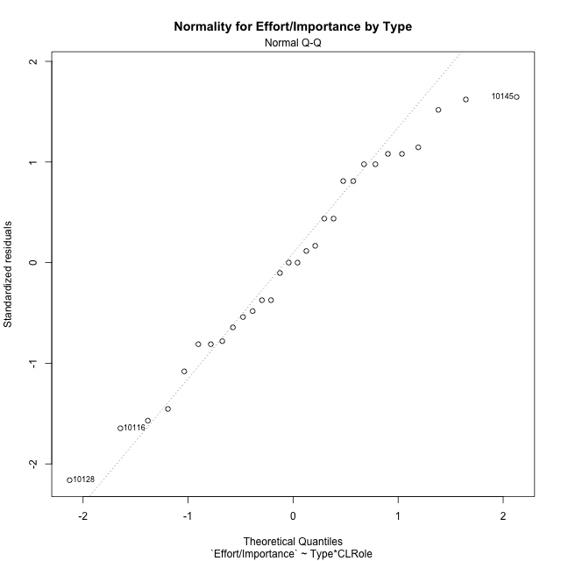

Levene's Test for Homogeneity of Variance in Effort/Importance by Type
Df | F value | Pr(>F)
3 | 0.78220538296 | 0.5146497972
26

Plots for homogeneity of variance
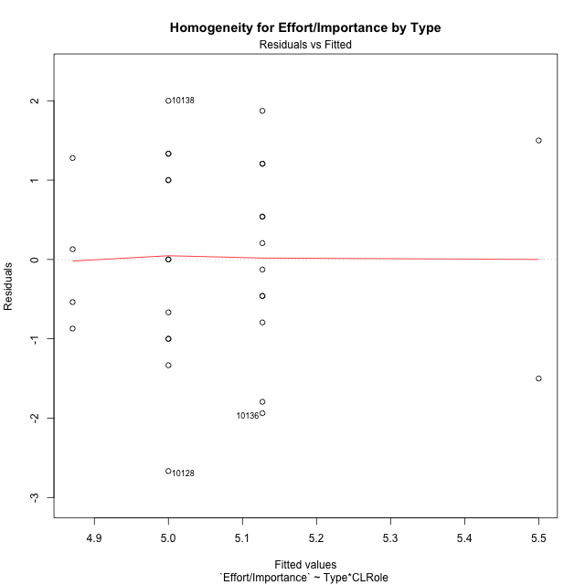

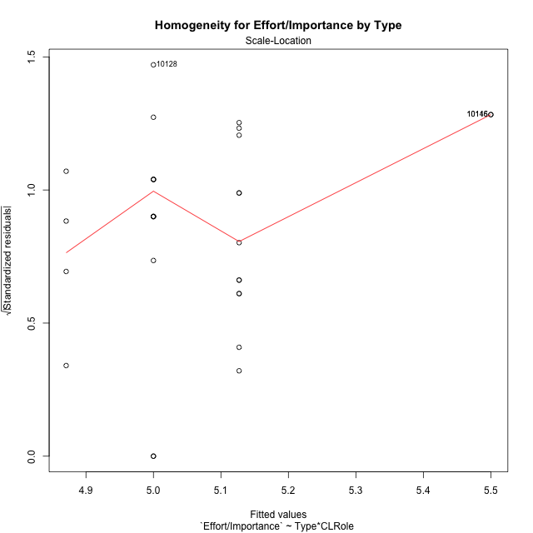

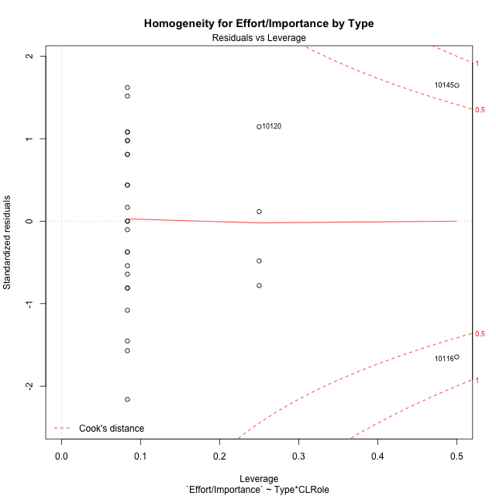

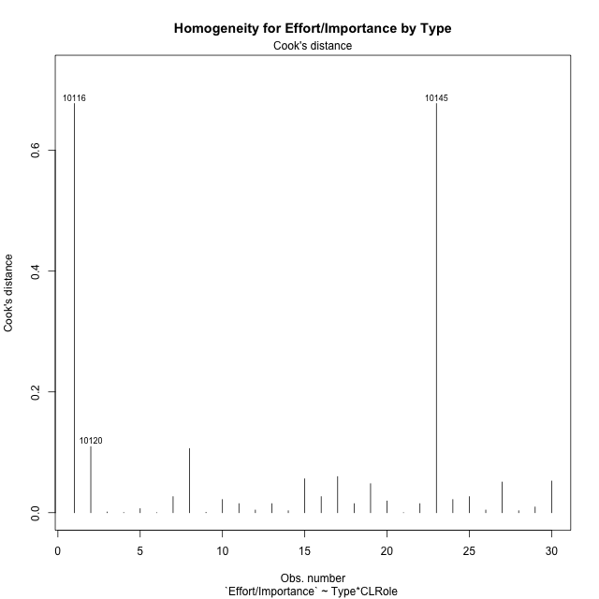

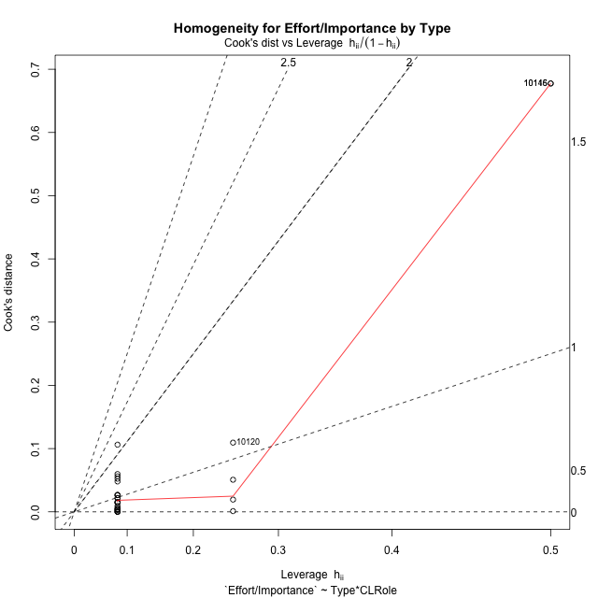

Minimum Sample Size Test for Effort/Importance by Type
Type | CLRole | Freq
non-gamified | Apprentice | 12
ont-gamified | Apprentice | 12
non-gamified | Master | 2
ont-gamified | Master | 4

Errors and Warnings in Sample Size Test for ANOVA in Effort/Importance by Type
code | description
WARN: sample.size | current size is 12 and recommended size is 15 for the group: 'non-gamified:Apprentice'.
WARN: sample.size | current size is 12 and recommended size is 15 for the group: 'ont-gamified:Apprentice'.
FAIL: min.size | current size is 2 but the minimal recomended size is 5 for the group: 'non-gamified:Master'.
FAIL: min.size | current size is 4 but the minimal recomended size is 5 for the group: 'ont-gamified:Master'.

For the group: 'non-gamified:Apprentice', we recommend the use of non-parametric test. For the group: 'ont-gamified:Apprentice', we recommend the use of non-parametric test. For the group: 'non-gamified:Master', we recommend the use of non-parametric test. For the group: 'ont-gamified:Master', we recommend the use of non-parametric test.

Post-hoc
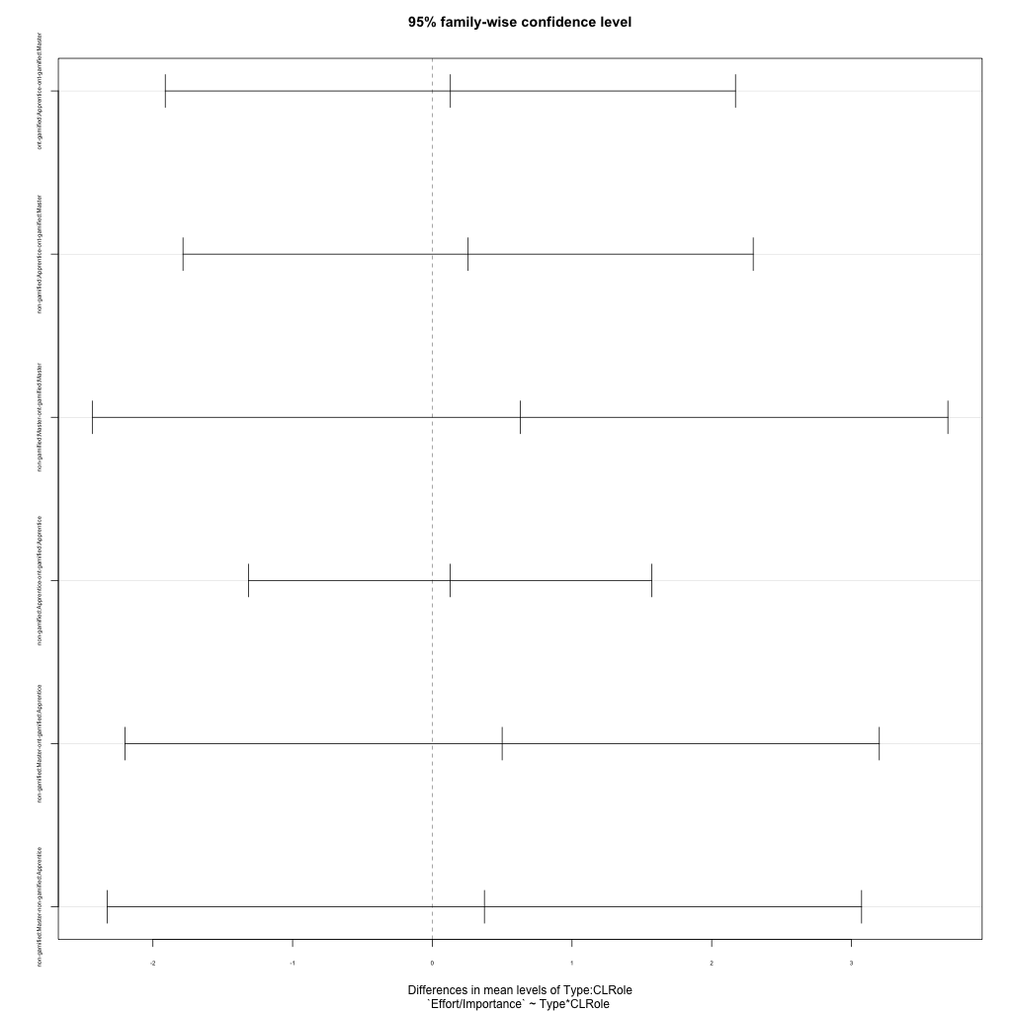
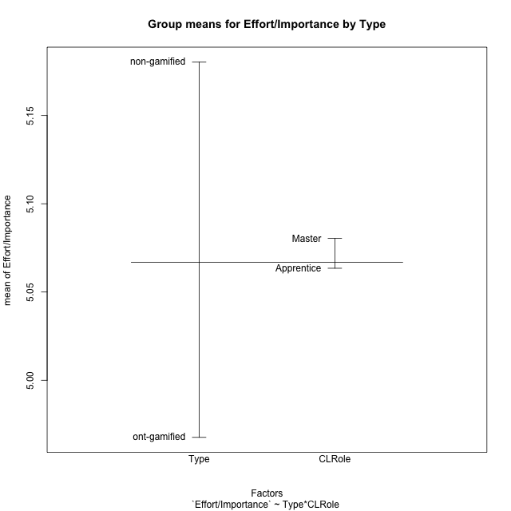
Post-hoc Tukey Honestly Significant Difference (HSD) Test for Effort/Importance by Type

Comparisons of means for Type
 | diff | lwr | upr | p adj
non-gamified-ont-gamified | 0.21256607143 | -0.75675349649 | 1.1818856393 | 0.65589539277

Comparisons of means for CLRole
 | diff | lwr | upr | p adj
Master-Apprentice | 0.052394345238 | -1.1565595619 | 1.2613482524 | 0.92969804137

Comparisons of means for Type:CLRole
 | diff | lwr | upr | p adj
ont-gamified:Apprentice-ont-gamified:Master | 0.12935 | -1.9115535484 | 2.1702535484 | 0.99808265221
non-gamified:Apprentice-ont-gamified:Master | 0.25628333333 | -1.7846202151 | 2.2971868818 | 0.98562375263
non-gamified:Master-ont-gamified:Master | 0.62935 | -2.4320053227 | 3.6907053227 | 0.94183796971
non-gamified:Apprentice-ont-gamified:Apprentice | 0.12693333333 | -1.3162034055 | 1.5700700722 | 0.99493456416
non-gamified:Master-ont-gamified:Apprentice | 0.5 | -2.1998616195 | 3.1998616195 | 0.9564392511
non-gamified:Master-non-gamified:Apprentice | 0.37306666667 | -2.3267949528 | 3.0729282862 | 0.98104102021

Contrast Matrices for Effort/Importance by Type - Type
contrast | estimate | SE | df | t.ratio | p.value
non-gamified - ont-gamified | 0.37814166667 | 0.61685399927 | 26 | 0.61301647897 | 0.54519094727

Contrast Matrices for Effort/Importance by Type - Type:CLRole
contrast | CLRole | estimate | SE | df | t.ratio | p.value
non-gamified - ont-gamified | Apprentice | 0.12693333333 | 0.52605485812 | 26 | 0.24129295904 | 0.81122086921
non-gamified - ont-gamified | Master | 0.62935 | 1.1159308724 | 26 | 0.56396862529 | 0.57760829743

Least Squares Means and Confidence Intervals for Type
Type | lsmean | SE | df | lower.CL | upper.CL | Pairs
non-gamified | 5.3134666667 | 0.49207926143 | 26 | 4.3019832586 | 6.3249500747 | non-gamified
ont-gamified | 4.935325 | 0.37197695745 | 26 | 4.1707154135 | 5.6999345865 | ont-gamified

Least Squares Means and Confidence Intervals for Type:CLRole
Type | CLRole | lsmean | SE | df | lower.CL | upper.CL | Pairs
non-gamified | Apprentice | 5.1269333333 | 0.37197695745 | 26 | 4.3623237468 | 5.8915429199 | non-gamified.Apprentice
ont-gamified | Apprentice | 5 | 0.37197695745 | 26 | 4.2353904135 | 5.7646095865 | ont-gamified.Apprentice
non-gamified | Master | 5.5 | 0.91115374184 | 26 | 3.6270966605 | 7.3729033395 | non-gamified.Master
ont-gamified | Master | 4.87065 | 0.64428298956 | 26 | 3.5463073482 | 6.1949926518 | ont-gamified.Master

Plots

Type_1
Student's t-Test for Effort/Importance by Type in Type between non-gamified:ont-gamified

Student's t-Test results
Alternative hypothesis: less
Group | N | Mean | Mean.Difference | Std.deviation | Std.error | CI.lower | CI.upper | df | t.value | p.value | g | magnitude
non-gamified | 14 | 5.1802285714 | 0.21256607143 | 1.2348101677 | 0.33001689894 | 4.5201947735 | 5.8402623693 | 27.589423515 | 0.46675520101 | 0.67782999523 | 0.16600938712 | negligible
ont-gamified | 16 | 4.9676625 | -0.21256607143 | 1.2553197675 | 0.31382994189 | 4.3400026162 | 5.5953223838 | 27.589423515 | 0.46675520101 | 0.67782999523 | 0.16600938712 | negligible
Alternative hypothesis: greater
Group | N | Mean | Mean.Difference | Std.deviation | Std.error | CI.lower | CI.upper | df | t.value | p.value | g | magnitude
non-gamified | 14 | 5.1802285714 | 0.21256607143 | 1.2348101677 | 0.33001689894 | 4.5201947735 | 5.8402623693 | 27.589423515 | 0.46675520101 | 0.32217000477 | 0.16600938712 | negligible
ont-gamified | 16 | 4.9676625 | -0.21256607143 | 1.2553197675 | 0.31382994189 | 4.3400026162 | 5.5953223838 | 27.589423515 | 0.46675520101 | 0.32217000477 | 0.16600938712 | negligible
Alternative hypothesis: two.sided
Group | N | Mean | Mean.Difference | Std.deviation | Std.error | CI.lower | CI.upper | df | t.value | p.value | g | magnitude
non-gamified | 14 | 5.1802285714 | 0.21256607143 | 1.2348101677 | 0.33001689894 | 4.5201947735 | 5.8402623693 | 27.589423515 | 0.46675520101 | 0.64434000955 | 0.16600938712 | negligible
ont-gamified | 16 | 4.9676625 | -0.21256607143 | 1.2553197675 | 0.31382994189 | 4.3400026162 | 5.5953223838 | 27.589423515 | 0.46675520101 | 0.64434000955 | 0.16600938712 | negligible

Box plots for Student's t-Test
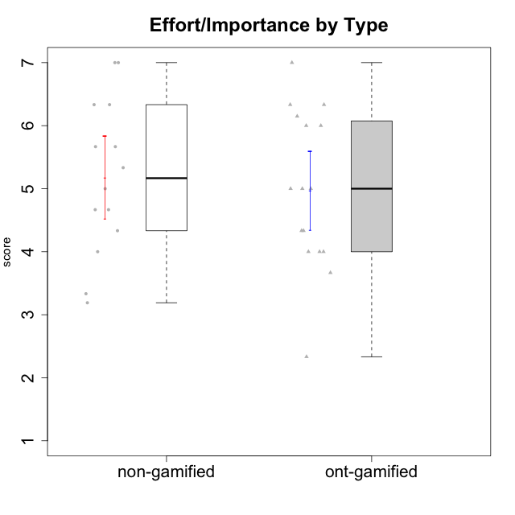

Student's t-Test data
UserID | Type | CLGroup | CLRole | PlayerRole | Interest/Enjoyment | Perceived Choice | Pressure/Tension | Effort/Importance | Intrinsic Motivation
10116 | non-gamified | GroupC | Master |  | 3.8333333333 | 2.8 | 3.5 | 4 | 3.7833333333
10120 | ont-gamified | Grupo Hélio | Master | Yee Socializer | 5.8333333333 | 6.4 | 1.5 | 6.1492666667 | 6.2666666667
10121 | ont-gamified | Grupo Hades | Master | Yee Achiever | 4.5 | 5.4 | 3.75 | 5 | 4.7875
10122 | non-gamified | GroupB | Apprentice |  | 1.3333333333 | 6.2 | 2.25 | 5 | 4.5708333333
10123 | ont-gamified | Grupo Morfeu | Apprentice | Yee Achiever | 2.6666666667 | 4.8 | 3.5 | 4.3333333333 | 4.075
10126 | ont-gamified | Grupo Hélio | Apprentice | Yee Socializer | 5.3333333333 | 6.2 | 2.25 | 5 | 5.5708333333
10127 | ont-gamified | Grupo Hades | Apprentice | Yee Achiever | 5.8333333333 | 4.8 | 2.75 | 3.6666666667 | 4.8875
10128 | ont-gamified | Grupo Morfeu | Apprentice | Yee Achiever | 1.8652333333 | 5.4 | 2.5 | 2.3333333333 | 3.7963833333
10129 | non-gamified | GroupB | Apprentice |  | 1.5 | 3.2 | 5.2239 | 5.3333333333 | 3.1333333333
10130 | non-gamified | GroupC | Apprentice |  | 4.6666666667 | 3.8 | 5 | 6.3333333333 | 4.45
10131 | ont-gamified | Grupo Zeus | Apprentice | Yee Achiever | 6.1666666667 | 2.6 | 1.75 | 6 | 5.2541666667
10132 | non-gamified | GroupA | Apprentice |  | 1 | 4 | 2.75 | 5.6666666667 | 3.9791666667
10134 | ont-gamified | Grupo Apolo | Apprentice | Yee Socializer | 2 | 3 | 3.75 | 4 | 3.7963833333
10135 | non-gamified | GroupB | Apprentice |  | 4.5 | 5 | 3.75 | 4.6666666667 | 4.6041666667
10136 | non-gamified | GroupC | Apprentice |  | 1 | 2 | 3.25 | 3.1898666667 | 2.697185
10137 | ont-gamified | Grupo Morfeu | Apprentice | Yee Achiever | 5.5 | 6.4 | 1 | 6.3333333333 | 6.0202833333
10138 | ont-gamified | Grupo Hélio | Apprentice | Yee Socializer | 4.6666666667 | 3.6 | 3.75 | 7 | 4.8791666667
10139 | ont-gamified | Grupo Zeus | Apprentice | Yee Achiever | 3.6666666667 | 4.6 | 2.25 | 4 | 4.5041666667
10140 | non-gamified | GroupC | Apprentice |  | 2.3333333333 | 4 | 4.5 | 3.3333333333 | 3.2916666667
10141 | ont-gamified | Grupo Apolo | Master | Yee Socializer | 4 | 4.0174 | 3 | 4.3333333333 | 4.2333333333
10142 | ont-gamified | Grupo Hades | Apprentice | Yee Achiever | 4.6666666667 | 3.8 | 1.75 | 5 | 4.9291666667
10143 | ont-gamified | Grupo Apolo | Apprentice | Yee Socializer | 4.1666666667 | 5 | 3 | 6 | 5.0416666667
10145 | non-gamified | GroupB | Master |  | 3 | 2.8 | 4 | 7 | 4.2
10146 | non-gamified | GroupA | Apprentice |  | 5 | 5 | 2.5 | 6.3333333333 | 5.4583333333
10148 | ont-gamified | Grupo Apolo | Apprentice | Yee Socializer | 4.3333333333 | 5.6 | 4.5 | 6.3333333333 | 4.9416666667
10149 | non-gamified | GroupA | Apprentice |  | 2.5 | 2.4 | 5.2239 | 5.6666666667 | 3.2666666667
10152 | ont-gamified | Grupo Morfeu | Master | Yee Achiever | 7 | 5.6 | 2.75 | 4 | 5.4625
10153 | non-gamified | GroupA | Apprentice |  | 4.6666666667 | 4 | 2.5 | 4.6666666667 | 4.7083333333
10154 | non-gamified | GroupC | Apprentice |  | 2.1666666667 | 2.2 | 4 | 4.3333333333 | 3.175
10158 | non-gamified | GroupD | Apprentice |  | 6.5 | 5.4 | 1 | 7 | 6.1899333333

Type_CLRole_1
Student's t-Test for Effort/Importance by Type in Type:CLRole between non-gamified.Apprentice:non-gamified.Master

Student's t-Test results
Alternative hypothesis: less
Group | N | Mean | Mean.Difference | Std.deviation | Std.error | CI.lower | CI.upper | df | t.value | p.value | g | magnitude
non-gamified.Apprentice | 12 | 5.1269333333 | -0.37306666667 | 1.170983962 | 0.33803395283 | 4.4508654277 | 5.803001239 | 1.103890946 | -0.24262647624 | 0.42275491818 | -0.2733944155 | small
non-gamified.Master | 2 | 5.5 | 0.37306666667 | 2.1213203436 | 1.5 | 2.5 | 8.5 | 1.103890946 | -0.24262647624 | 0.42275491818 | -0.2733944155 | small
Alternative hypothesis: greater
Group | N | Mean | Mean.Difference | Std.deviation | Std.error | CI.lower | CI.upper | df | t.value | p.value | g | magnitude
non-gamified.Apprentice | 12 | 5.1269333333 | -0.37306666667 | 1.170983962 | 0.33803395283 | 4.4508654277 | 5.803001239 | 1.103890946 | -0.24262647624 | 0.57724508182 | -0.2733944155 | small
non-gamified.Master | 2 | 5.5 | 0.37306666667 | 2.1213203436 | 1.5 | 2.5 | 8.5 | 1.103890946 | -0.24262647624 | 0.57724508182 | -0.2733944155 | small
Alternative hypothesis: two.sided
Group | N | Mean | Mean.Difference | Std.deviation | Std.error | CI.lower | CI.upper | df | t.value | p.value | g | magnitude
non-gamified.Apprentice | 12 | 5.1269333333 | -0.37306666667 | 1.170983962 | 0.33803395283 | 4.4508654277 | 5.803001239 | 1.103890946 | -0.24262647624 | 0.84550983636 | -0.2733944155 | small
non-gamified.Master | 2 | 5.5 | 0.37306666667 | 2.1213203436 | 1.5 | 2.5 | 8.5 | 1.103890946 | -0.24262647624 | 0.84550983636 | -0.2733944155 | small

Box plots for Student's t-Test
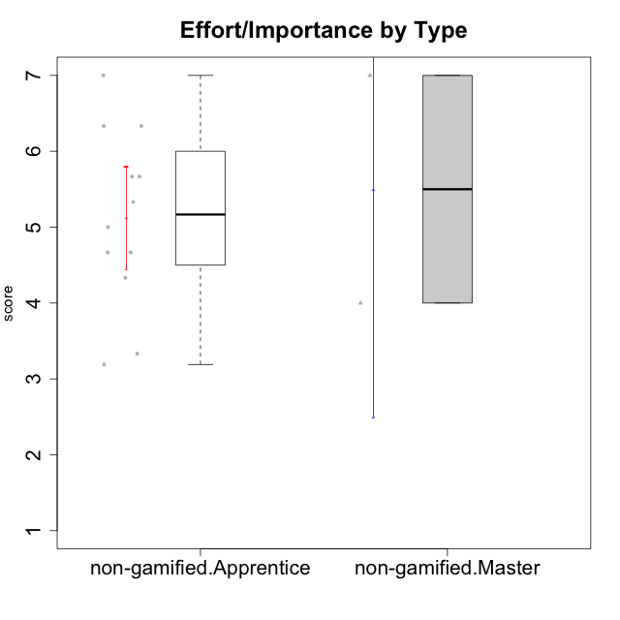

Student's t-Test data
UserID | Type | CLGroup | CLRole | PlayerRole | Interest/Enjoyment | Perceived Choice | Pressure/Tension | Effort/Importance | Intrinsic Motivation
10116 | non-gamified | GroupC | Master |  | 3.8333333333 | 2.8 | 3.5 | 4 | 3.7833333333
10122 | non-gamified | GroupB | Apprentice |  | 1.3333333333 | 6.2 | 2.25 | 5 | 4.5708333333
10129 | non-gamified | GroupB | Apprentice |  | 1.5 | 3.2 | 5.2239 | 5.3333333333 | 3.1333333333
10130 | non-gamified | GroupC | Apprentice |  | 4.6666666667 | 3.8 | 5 | 6.3333333333 | 4.45
10132 | non-gamified | GroupA | Apprentice |  | 1 | 4 | 2.75 | 5.6666666667 | 3.9791666667
10135 | non-gamified | GroupB | Apprentice |  | 4.5 | 5 | 3.75 | 4.6666666667 | 4.6041666667
10136 | non-gamified | GroupC | Apprentice |  | 1 | 2 | 3.25 | 3.1898666667 | 2.697185
10140 | non-gamified | GroupC | Apprentice |  | 2.3333333333 | 4 | 4.5 | 3.3333333333 | 3.2916666667
10145 | non-gamified | GroupB | Master |  | 3 | 2.8 | 4 | 7 | 4.2
10146 | non-gamified | GroupA | Apprentice |  | 5 | 5 | 2.5 | 6.3333333333 | 5.4583333333
10149 | non-gamified | GroupA | Apprentice |  | 2.5 | 2.4 | 5.2239 | 5.6666666667 | 3.2666666667
10153 | non-gamified | GroupA | Apprentice |  | 4.6666666667 | 4 | 2.5 | 4.6666666667 | 4.7083333333
10154 | non-gamified | GroupC | Apprentice |  | 2.1666666667 | 2.2 | 4 | 4.3333333333 | 3.175
10158 | non-gamified | GroupD | Apprentice |  | 6.5 | 5.4 | 1 | 7 | 6.1899333333

Type_CLRole_2
Student's t-Test for Effort/Importance by Type in Type:CLRole between non-gamified.Apprentice:ont-gamified.Apprentice

Student's t-Test results
Alternative hypothesis: less
Group | N | Mean | Mean.Difference | Std.deviation | Std.error | CI.lower | CI.upper | df | t.value | p.value | g | magnitude
non-gamified.Apprentice | 12 | 5.1269333333 | 0.12693333333 | 1.170983962 | 0.33803395283 | 4.4508654277 | 5.803001239 | 21.441497974 | 0.24315297819 | 0.59490100087 | 0.09584379499 | negligible
ont-gamified.Apprentice | 12 | 5 | -0.12693333333 | 1.3780384244 | 0.39780542763 | 4.2043891447 | 5.7956108553 | 21.441497974 | 0.24315297819 | 0.59490100087 | 0.09584379499 | negligible
Alternative hypothesis: greater
Group | N | Mean | Mean.Difference | Std.deviation | Std.error | CI.lower | CI.upper | df | t.value | p.value | g | magnitude
non-gamified.Apprentice | 12 | 5.1269333333 | 0.12693333333 | 1.170983962 | 0.33803395283 | 4.4508654277 | 5.803001239 | 21.441497974 | 0.24315297819 | 0.40509899913 | 0.09584379499 | negligible
ont-gamified.Apprentice | 12 | 5 | -0.12693333333 | 1.3780384244 | 0.39780542763 | 4.2043891447 | 5.7956108553 | 21.441497974 | 0.24315297819 | 0.40509899913 | 0.09584379499 | negligible
Alternative hypothesis: two.sided
Group | N | Mean | Mean.Difference | Std.deviation | Std.error | CI.lower | CI.upper | df | t.value | p.value | g | magnitude
non-gamified.Apprentice | 12 | 5.1269333333 | 0.12693333333 | 1.170983962 | 0.33803395283 | 4.4508654277 | 5.803001239 | 21.441497974 | 0.24315297819 | 0.81019799827 | 0.09584379499 | negligible
ont-gamified.Apprentice | 12 | 5 | -0.12693333333 | 1.3780384244 | 0.39780542763 | 4.2043891447 | 5.7956108553 | 21.441497974 | 0.24315297819 | 0.81019799827 | 0.09584379499 | negligible

Box plots for Student's t-Test
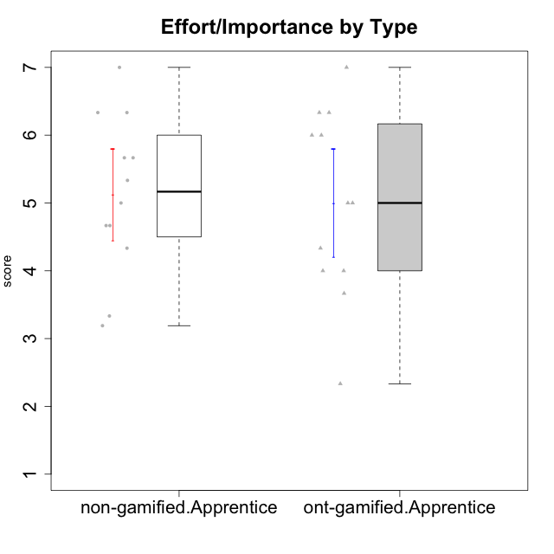

Student's t-Test data
UserID | Type | CLGroup | CLRole | PlayerRole | Interest/Enjoyment | Perceived Choice | Pressure/Tension | Effort/Importance | Intrinsic Motivation
10122 | non-gamified | GroupB | Apprentice |  | 1.3333333333 | 6.2 | 2.25 | 5 | 4.5708333333
10123 | ont-gamified | Grupo Morfeu | Apprentice | Yee Achiever | 2.6666666667 | 4.8 | 3.5 | 4.3333333333 | 4.075
10126 | ont-gamified | Grupo Hélio | Apprentice | Yee Socializer | 5.3333333333 | 6.2 | 2.25 | 5 | 5.5708333333
10127 | ont-gamified | Grupo Hades | Apprentice | Yee Achiever | 5.8333333333 | 4.8 | 2.75 | 3.6666666667 | 4.8875
10128 | ont-gamified | Grupo Morfeu | Apprentice | Yee Achiever | 1.8652333333 | 5.4 | 2.5 | 2.3333333333 | 3.7963833333
10129 | non-gamified | GroupB | Apprentice |  | 1.5 | 3.2 | 5.2239 | 5.3333333333 | 3.1333333333
10130 | non-gamified | GroupC | Apprentice |  | 4.6666666667 | 3.8 | 5 | 6.3333333333 | 4.45
10131 | ont-gamified | Grupo Zeus | Apprentice | Yee Achiever | 6.1666666667 | 2.6 | 1.75 | 6 | 5.2541666667
10132 | non-gamified | GroupA | Apprentice |  | 1 | 4 | 2.75 | 5.6666666667 | 3.9791666667
10134 | ont-gamified | Grupo Apolo | Apprentice | Yee Socializer | 2 | 3 | 3.75 | 4 | 3.7963833333
10135 | non-gamified | GroupB | Apprentice |  | 4.5 | 5 | 3.75 | 4.6666666667 | 4.6041666667
10136 | non-gamified | GroupC | Apprentice |  | 1 | 2 | 3.25 | 3.1898666667 | 2.697185
10137 | ont-gamified | Grupo Morfeu | Apprentice | Yee Achiever | 5.5 | 6.4 | 1 | 6.3333333333 | 6.0202833333
10138 | ont-gamified | Grupo Hélio | Apprentice | Yee Socializer | 4.6666666667 | 3.6 | 3.75 | 7 | 4.8791666667
10139 | ont-gamified | Grupo Zeus | Apprentice | Yee Achiever | 3.6666666667 | 4.6 | 2.25 | 4 | 4.5041666667
10140 | non-gamified | GroupC | Apprentice |  | 2.3333333333 | 4 | 4.5 | 3.3333333333 | 3.2916666667
10142 | ont-gamified | Grupo Hades | Apprentice | Yee Achiever | 4.6666666667 | 3.8 | 1.75 | 5 | 4.9291666667
10143 | ont-gamified | Grupo Apolo | Apprentice | Yee Socializer | 4.1666666667 | 5 | 3 | 6 | 5.0416666667
10146 | non-gamified | GroupA | Apprentice |  | 5 | 5 | 2.5 | 6.3333333333 | 5.4583333333
10148 | ont-gamified | Grupo Apolo | Apprentice | Yee Socializer | 4.3333333333 | 5.6 | 4.5 | 6.3333333333 | 4.9416666667
10149 | non-gamified | GroupA | Apprentice |  | 2.5 | 2.4 | 5.2239 | 5.6666666667 | 3.2666666667
10153 | non-gamified | GroupA | Apprentice |  | 4.6666666667 | 4 | 2.5 | 4.6666666667 | 4.7083333333
10154 | non-gamified | GroupC | Apprentice |  | 2.1666666667 | 2.2 | 4 | 4.3333333333 | 3.175
10158 | non-gamified | GroupD | Apprentice |  | 6.5 | 5.4 | 1 | 7 | 6.1899333333

Type_CLRole_3
Student's t-Test for Effort/Importance by Type in Type:CLRole between non-gamified.Apprentice:ont-gamified.Master

Student's t-Test results
Alternative hypothesis: less
Group | N | Mean | Mean.Difference | Std.deviation | Std.error | CI.lower | CI.upper | df | t.value | p.value | g | magnitude
non-gamified.Apprentice | 12 | 5.1269333333 | 0.25628333333 | 1.170983962 | 0.33803395283 | 4.4508654277 | 5.803001239 | 6.3747460616 | 0.44008699629 | 0.66279721142 | 0.21500075178 | small
ont-gamified.Master | 4 | 4.87065 | -0.25628333333 | 0.94839032498 | 0.47419516249 | 3.922259675 | 5.819040325 | 6.3747460616 | 0.44008699629 | 0.66279721142 | 0.21500075178 | small
Alternative hypothesis: greater
Group | N | Mean | Mean.Difference | Std.deviation | Std.error | CI.lower | CI.upper | df | t.value | p.value | g | magnitude
non-gamified.Apprentice | 12 | 5.1269333333 | 0.25628333333 | 1.170983962 | 0.33803395283 | 4.4508654277 | 5.803001239 | 6.3747460616 | 0.44008699629 | 0.33720278858 | 0.21500075178 | small
ont-gamified.Master | 4 | 4.87065 | -0.25628333333 | 0.94839032498 | 0.47419516249 | 3.922259675 | 5.819040325 | 6.3747460616 | 0.44008699629 | 0.33720278858 | 0.21500075178 | small
Alternative hypothesis: two.sided
Group | N | Mean | Mean.Difference | Std.deviation | Std.error | CI.lower | CI.upper | df | t.value | p.value | g | magnitude
non-gamified.Apprentice | 12 | 5.1269333333 | 0.25628333333 | 1.170983962 | 0.33803395283 | 4.4508654277 | 5.803001239 | 6.3747460616 | 0.44008699629 | 0.67440557717 | 0.21500075178 | small
ont-gamified.Master | 4 | 4.87065 | -0.25628333333 | 0.94839032498 | 0.47419516249 | 3.922259675 | 5.819040325 | 6.3747460616 | 0.44008699629 | 0.67440557717 | 0.21500075178 | small

Box plots for Student's t-Test
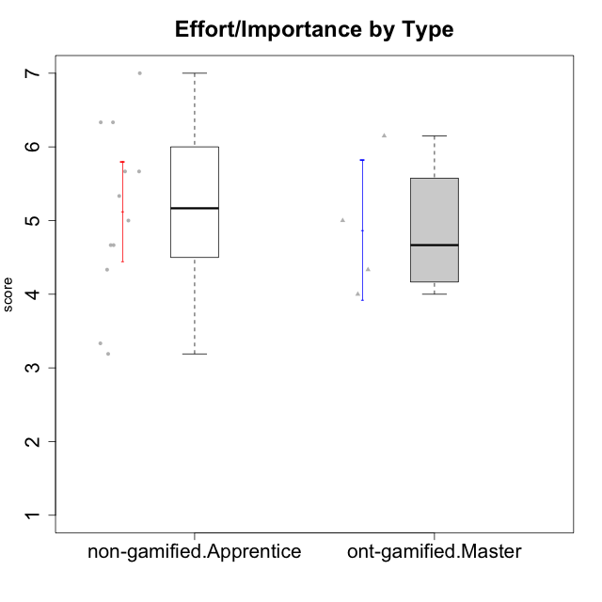

Student's t-Test data
UserID | Type | CLGroup | CLRole | PlayerRole | Interest/Enjoyment | Perceived Choice | Pressure/Tension | Effort/Importance | Intrinsic Motivation
10120 | ont-gamified | Grupo Hélio | Master | Yee Socializer | 5.8333333333 | 6.4 | 1.5 | 6.1492666667 | 6.2666666667
10121 | ont-gamified | Grupo Hades | Master | Yee Achiever | 4.5 | 5.4 | 3.75 | 5 | 4.7875
10122 | non-gamified | GroupB | Apprentice |  | 1.3333333333 | 6.2 | 2.25 | 5 | 4.5708333333
10129 | non-gamified | GroupB | Apprentice |  | 1.5 | 3.2 | 5.2239 | 5.3333333333 | 3.1333333333
10130 | non-gamified | GroupC | Apprentice |  | 4.6666666667 | 3.8 | 5 | 6.3333333333 | 4.45
10132 | non-gamified | GroupA | Apprentice |  | 1 | 4 | 2.75 | 5.6666666667 | 3.9791666667
10135 | non-gamified | GroupB | Apprentice |  | 4.5 | 5 | 3.75 | 4.6666666667 | 4.6041666667
10136 | non-gamified | GroupC | Apprentice |  | 1 | 2 | 3.25 | 3.1898666667 | 2.697185
10140 | non-gamified | GroupC | Apprentice |  | 2.3333333333 | 4 | 4.5 | 3.3333333333 | 3.2916666667
10141 | ont-gamified | Grupo Apolo | Master | Yee Socializer | 4 | 4.0174 | 3 | 4.3333333333 | 4.2333333333
10146 | non-gamified | GroupA | Apprentice |  | 5 | 5 | 2.5 | 6.3333333333 | 5.4583333333
10149 | non-gamified | GroupA | Apprentice |  | 2.5 | 2.4 | 5.2239 | 5.6666666667 | 3.2666666667
10152 | ont-gamified | Grupo Morfeu | Master | Yee Achiever | 7 | 5.6 | 2.75 | 4 | 5.4625
10153 | non-gamified | GroupA | Apprentice |  | 4.6666666667 | 4 | 2.5 | 4.6666666667 | 4.7083333333
10154 | non-gamified | GroupC | Apprentice |  | 2.1666666667 | 2.2 | 4 | 4.3333333333 | 3.175
10158 | non-gamified | GroupD | Apprentice |  | 6.5 | 5.4 | 1 | 7 | 6.1899333333

Type_CLRole_4
Student's t-Test for Effort/Importance by Type in Type:CLRole between non-gamified.Master:ont-gamified.Apprentice

Student's t-Test results
Alternative hypothesis: less
Group | N | Mean | Mean.Difference | Std.deviation | Std.error | CI.lower | CI.upper | df | t.value | p.value | g | magnitude
non-gamified.Master | 2 | 5.5 | 0.5 | 2.1213203436 | 1.5 | 2.5 | 8.5 | 1.1450976905 | 0.32219537038 | 0.60192584161 | 0.32180560081 | small
ont-gamified.Apprentice | 12 | 5 | -0.5 | 1.3780384244 | 0.39780542763 | 4.2043891447 | 5.7956108553 | 1.1450976905 | 0.32219537038 | 0.60192584161 | 0.32180560081 | small
Alternative hypothesis: greater
Group | N | Mean | Mean.Difference | Std.deviation | Std.error | CI.lower | CI.upper | df | t.value | p.value | g | magnitude
non-gamified.Master | 2 | 5.5 | 0.5 | 2.1213203436 | 1.5 | 2.5 | 8.5 | 1.1450976905 | 0.32219537038 | 0.39807415839 | 0.32180560081 | small
ont-gamified.Apprentice | 12 | 5 | -0.5 | 1.3780384244 | 0.39780542763 | 4.2043891447 | 5.7956108553 | 1.1450976905 | 0.32219537038 | 0.39807415839 | 0.32180560081 | small
Alternative hypothesis: two.sided
Group | N | Mean | Mean.Difference | Std.deviation | Std.error | CI.lower | CI.upper | df | t.value | p.value | g | magnitude
non-gamified.Master | 2 | 5.5 | 0.5 | 2.1213203436 | 1.5 | 2.5 | 8.5 | 1.1450976905 | 0.32219537038 | 0.79614831678 | 0.32180560081 | small
ont-gamified.Apprentice | 12 | 5 | -0.5 | 1.3780384244 | 0.39780542763 | 4.2043891447 | 5.7956108553 | 1.1450976905 | 0.32219537038 | 0.79614831678 | 0.32180560081 | small

Box plots for Student's t-Test


Student's t-Test data
UserID | Type | CLGroup | CLRole | PlayerRole | Interest/Enjoyment | Perceived Choice | Pressure/Tension | Effort/Importance | Intrinsic Motivation
10116 | non-gamified | GroupC | Master |  | 3.8333333333 | 2.8 | 3.5 | 4 | 3.7833333333
10123 | ont-gamified | Grupo Morfeu | Apprentice | Yee Achiever | 2.6666666667 | 4.8 | 3.5 | 4.3333333333 | 4.075
10126 | ont-gamified | Grupo Hélio | Apprentice | Yee Socializer | 5.3333333333 | 6.2 | 2.25 | 5 | 5.5708333333
10127 | ont-gamified | Grupo Hades | Apprentice | Yee Achiever | 5.8333333333 | 4.8 | 2.75 | 3.6666666667 | 4.8875
10128 | ont-gamified | Grupo Morfeu | Apprentice | Yee Achiever | 1.8652333333 | 5.4 | 2.5 | 2.3333333333 | 3.7963833333
10131 | ont-gamified | Grupo Zeus | Apprentice | Yee Achiever | 6.1666666667 | 2.6 | 1.75 | 6 | 5.2541666667
10134 | ont-gamified | Grupo Apolo | Apprentice | Yee Socializer | 2 | 3 | 3.75 | 4 | 3.7963833333
10137 | ont-gamified | Grupo Morfeu | Apprentice | Yee Achiever | 5.5 | 6.4 | 1 | 6.3333333333 | 6.0202833333
10138 | ont-gamified | Grupo Hélio | Apprentice | Yee Socializer | 4.6666666667 | 3.6 | 3.75 | 7 | 4.8791666667
10139 | ont-gamified | Grupo Zeus | Apprentice | Yee Achiever | 3.6666666667 | 4.6 | 2.25 | 4 | 4.5041666667
10142 | ont-gamified | Grupo Hades | Apprentice | Yee Achiever | 4.6666666667 | 3.8 | 1.75 | 5 | 4.9291666667
10143 | ont-gamified | Grupo Apolo | Apprentice | Yee Socializer | 4.1666666667 | 5 | 3 | 6 | 5.0416666667
10145 | non-gamified | GroupB | Master |  | 3 | 2.8 | 4 | 7 | 4.2
10148 | ont-gamified | Grupo Apolo | Apprentice | Yee Socializer | 4.3333333333 | 5.6 | 4.5 | 6.3333333333 | 4.9416666667

Type_CLRole_5
Student's t-Test for Effort/Importance by Type in Type:CLRole between non-gamified.Master:ont-gamified.Master

Student's t-Test results
Alternative hypothesis: less
Group | N | Mean | Mean.Difference | Std.deviation | Std.error | CI.lower | CI.upper | df | t.value | p.value | g | magnitude
non-gamified.Master | 2 | 5.5 | 0.62935 | 2.1213203436 | 1.5 | 2.5 | 8.5 | 1.2058496079 | 0.4000523501 | 0.62579721603 | 0.37531529534 | small
ont-gamified.Master | 4 | 4.87065 | -0.62935 | 0.94839032498 | 0.47419516249 | 3.922259675 | 5.819040325 | 1.2058496079 | 0.4000523501 | 0.62579721603 | 0.37531529534 | small
Alternative hypothesis: greater
Group | N | Mean | Mean.Difference | Std.deviation | Std.error | CI.lower | CI.upper | df | t.value | p.value | g | magnitude
non-gamified.Master | 2 | 5.5 | 0.62935 | 2.1213203436 | 1.5 | 2.5 | 8.5 | 1.2058496079 | 0.4000523501 | 0.37420278397 | 0.37531529534 | small
ont-gamified.Master | 4 | 4.87065 | -0.62935 | 0.94839032498 | 0.47419516249 | 3.922259675 | 5.819040325 | 1.2058496079 | 0.4000523501 | 0.37420278397 | 0.37531529534 | small
Alternative hypothesis: two.sided
Group | N | Mean | Mean.Difference | Std.deviation | Std.error | CI.lower | CI.upper | df | t.value | p.value | g | magnitude
non-gamified.Master | 2 | 5.5 | 0.62935 | 2.1213203436 | 1.5 | 2.5 | 8.5 | 1.2058496079 | 0.4000523501 | 0.74840556794 | 0.37531529534 | small
ont-gamified.Master | 4 | 4.87065 | -0.62935 | 0.94839032498 | 0.47419516249 | 3.922259675 | 5.819040325 | 1.2058496079 | 0.4000523501 | 0.74840556794 | 0.37531529534 | small

Box plots for Student's t-Test


Student's t-Test data
UserID | Type | CLGroup | CLRole | PlayerRole | Interest/Enjoyment | Perceived Choice | Pressure/Tension | Effort/Importance | Intrinsic Motivation
10116 | non-gamified | GroupC | Master |  | 3.8333333333 | 2.8 | 3.5 | 4 | 3.7833333333
10120 | ont-gamified | Grupo Hélio | Master | Yee Socializer | 5.8333333333 | 6.4 | 1.5 | 6.1492666667 | 6.2666666667
10121 | ont-gamified | Grupo Hades | Master | Yee Achiever | 4.5 | 5.4 | 3.75 | 5 | 4.7875
10141 | ont-gamified | Grupo Apolo | Master | Yee Socializer | 4 | 4.0174 | 3 | 4.3333333333 | 4.2333333333
10145 | non-gamified | GroupB | Master |  | 3 | 2.8 | 4 | 7 | 4.2
10152 | ont-gamified | Grupo Morfeu | Master | Yee Achiever | 7 | 5.6 | 2.75 | 4 | 5.4625

Type_CLRole_6
Student's t-Test for Effort/Importance by Type in Type:CLRole between ont-gamified.Apprentice:ont-gamified.Master

Student's t-Test results
Alternative hypothesis: less
Group | N | Mean | Mean.Difference | Std.deviation | Std.error | CI.lower | CI.upper | df | t.value | p.value | g | magnitude
ont-gamified.Apprentice | 12 | 5 | 0.12935 | 1.3780384244 | 0.39780542763 | 4.2043891447 | 5.7956108553 | 7.6721083683 | 0.20897992536 | 0.58004732216 | 0.094217746421 | negligible
ont-gamified.Master | 4 | 4.87065 | -0.12935 | 0.94839032498 | 0.47419516249 | 3.922259675 | 5.819040325 | 7.6721083683 | 0.20897992536 | 0.58004732216 | 0.094217746421 | negligible
Alternative hypothesis: greater
Group | N | Mean | Mean.Difference | Std.deviation | Std.error | CI.lower | CI.upper | df | t.value | p.value | g | magnitude
ont-gamified.Apprentice | 12 | 5 | 0.12935 | 1.3780384244 | 0.39780542763 | 4.2043891447 | 5.7956108553 | 7.6721083683 | 0.20897992536 | 0.41995267784 | 0.094217746421 | negligible
ont-gamified.Master | 4 | 4.87065 | -0.12935 | 0.94839032498 | 0.47419516249 | 3.922259675 | 5.819040325 | 7.6721083683 | 0.20897992536 | 0.41995267784 | 0.094217746421 | negligible
Alternative hypothesis: two.sided
Group | N | Mean | Mean.Difference | Std.deviation | Std.error | CI.lower | CI.upper | df | t.value | p.value | g | magnitude
ont-gamified.Apprentice | 12 | 5 | 0.12935 | 1.3780384244 | 0.39780542763 | 4.2043891447 | 5.7956108553 | 7.6721083683 | 0.20897992536 | 0.83990535567 | 0.094217746421 | negligible
ont-gamified.Master | 4 | 4.87065 | -0.12935 | 0.94839032498 | 0.47419516249 | 3.922259675 | 5.819040325 | 7.6721083683 | 0.20897992536 | 0.83990535567 | 0.094217746421 | negligible

Box plots for Student's t-Test
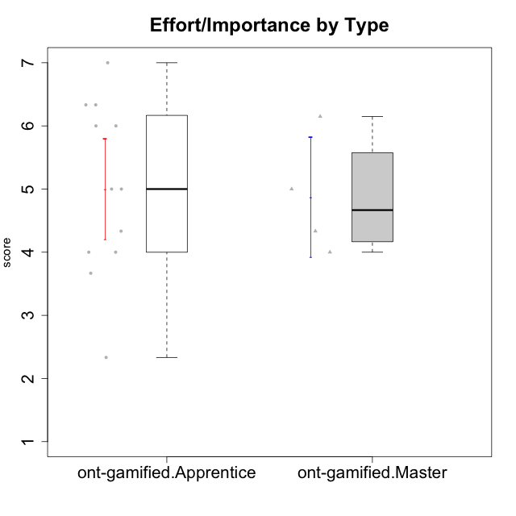

Student's t-Test data
UserID | Type | CLGroup | CLRole | PlayerRole | Interest/Enjoyment | Perceived Choice | Pressure/Tension | Effort/Importance | Intrinsic Motivation
10120 | ont-gamified | Grupo Hélio | Master | Yee Socializer | 5.8333333333 | 6.4 | 1.5 | 6.1492666667 | 6.2666666667
10121 | ont-gamified | Grupo Hades | Master | Yee Achiever | 4.5 | 5.4 | 3.75 | 5 | 4.7875
10123 | ont-gamified | Grupo Morfeu | Apprentice | Yee Achiever | 2.6666666667 | 4.8 | 3.5 | 4.3333333333 | 4.075
10126 | ont-gamified | Grupo Hélio | Apprentice | Yee Socializer | 5.3333333333 | 6.2 | 2.25 | 5 | 5.5708333333
10127 | ont-gamified | Grupo Hades | Apprentice | Yee Achiever | 5.8333333333 | 4.8 | 2.75 | 3.6666666667 | 4.8875
10128 | ont-gamified | Grupo Morfeu | Apprentice | Yee Achiever | 1.8652333333 | 5.4 | 2.5 | 2.3333333333 | 3.7963833333
10131 | ont-gamified | Grupo Zeus | Apprentice | Yee Achiever | 6.1666666667 | 2.6 | 1.75 | 6 | 5.2541666667
10134 | ont-gamified | Grupo Apolo | Apprentice | Yee Socializer | 2 | 3 | 3.75 | 4 | 3.7963833333
10137 | ont-gamified | Grupo Morfeu | Apprentice | Yee Achiever | 5.5 | 6.4 | 1 | 6.3333333333 | 6.0202833333
10138 | ont-gamified | Grupo Hélio | Apprentice | Yee Socializer | 4.6666666667 | 3.6 | 3.75 | 7 | 4.8791666667
10139 | ont-gamified | Grupo Zeus | Apprentice | Yee Achiever | 3.6666666667 | 4.6 | 2.25 | 4 | 4.5041666667
10141 | ont-gamified | Grupo Apolo | Master | Yee Socializer | 4 | 4.0174 | 3 | 4.3333333333 | 4.2333333333
10142 | ont-gamified | Grupo Hades | Apprentice | Yee Achiever | 4.6666666667 | 3.8 | 1.75 | 5 | 4.9291666667
10143 | ont-gamified | Grupo Apolo | Apprentice | Yee Socializer | 4.1666666667 | 5 | 3 | 6 | 5.0416666667
10148 | ont-gamified | Grupo Apolo | Apprentice | Yee Socializer | 4.3333333333 | 5.6 | 4.5 | 6.3333333333 | 4.9416666667
10152 | ont-gamified | Grupo Morfeu | Master | Yee Achiever | 7 | 5.6 | 2.75 | 4 | 5.4625

