Type_1
Wilcoxon Analysis for Intrinsic Motivation by Type in Type between non-gamified:ont-gamified

Wilcoxon test results
Alternative hypothesis: less
Group | N | Median | Mean.Ranks | Sum.Ranks | U | Z | p.value | r | magnitude
non-gamified | 14 | 4.0895833333 | 11.357142857 | 159 | 54 | -2.4110918803 | 0.0075983267396 | 0.44020313702 | medium
ont-gamified | 16 | 4.9083333333 | 19.125 | 306 | 54 | -2.4110918803 | 0.0075983267396 | 0.44020313702 | medium
Alternative hypothesis: greater
Group | N | Median | Mean.Ranks | Sum.Ranks | U | Z | p.value | r | magnitude
non-gamified | 14 | 4.0895833333 | 11.357142857 | 159 | 54 | -2.4110918803 | 0.99329850727 | 0.44020313702 | medium
ont-gamified | 16 | 4.9083333333 | 19.125 | 306 | 54 | -2.4110918803 | 0.99329850727 | 0.44020313702 | medium
Alternative hypothesis: two.sided
Group | N | Median | Mean.Ranks | Sum.Ranks | U | Z | p.value | r | magnitude
non-gamified | 14 | 4.0895833333 | 11.357142857 | 159 | 54 | -2.4110918803 | 0.015196653479 | 0.44020313702 | medium
ont-gamified | 16 | 4.9083333333 | 19.125 | 306 | 54 | -2.4110918803 | 0.015196653479 | 0.44020313702 | medium

Box plots for wilcoxon tests
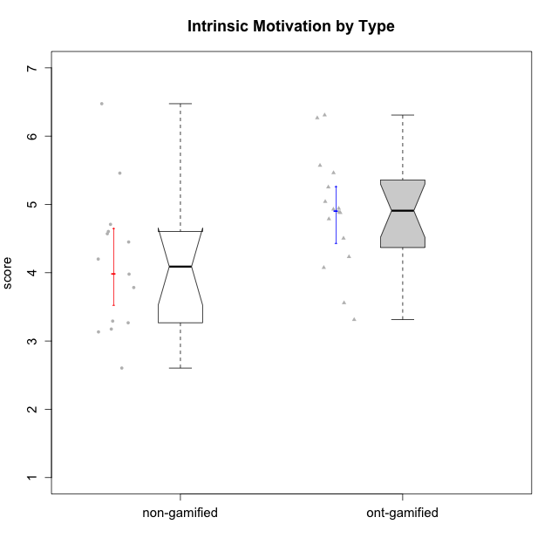

Wilcoxon data
UserID | Type | CLGroup | CLRole | PlayerRole | Item22IE | Item09IE | Item12IE | Item24IE | Item21IE | Item01IE | Item17PC | Item15PC | Item06PC | Item02PC | Item08PC | Item16PT | Item14PT | Item18PT | Item11PT | Item13EI | Item03EI | Item07EI | Interest/Enjoyment | Perceived Choice | Pressure/Tension | Effort/Importance | Intrinsic Motivation
10116 | non-gamified | GroupC | Master |  | 4 | 4 | 2 | 6 | 4 | 3 | 4 | 5 | 6 | 7 | 4 | 4 | 2 | 2 | 2 | 4 | 4 | 4 | 3.8333333333 | 2.8 | 3.5 | 4 | 3.7833333333
10120 | ont-gamified | Grupo Hélio | Master | Yee Socializer | 6 | 6 | 5 | 5 | 6 | 7 | 1 | 1 | 2 | 3 | 1 | 1 | 2 | 1 | 6 | 3 | 7 | 1 | 5.8333333333 | 6.4 | 1.5 | 6.3333333333 | 6.2666666667
10121 | ont-gamified | Grupo Hades | Master | Yee Achiever | 5 | 6 | 6 | 4 | 5 | 1 | 3 | 4 | 2 | 2 | 2 | 5 | 3 | 2 | 3 | 3 | 5 | 3 | 4.5 | 5.4 | 3.75 | 5 | 4.7875
10122 | non-gamified | GroupB | Apprentice |  | 1 | 1 | 2 | 1 | 1 | 2 | 1 | 1 | 2 | 3 | 2 | 1 | 1 | 1 | 2 | 2 | 3 | 2 | 1.3333333333 | 6.2 | 2.25 | 5 | 4.5708333333
10123 | ont-gamified | Grupo Morfeu | Apprentice | Yee Achiever | 3 | 2 | 3 | 3 | 3 | 2 | 3 | 3 | 2 | 5 | 3 | 2 | 4 | 4 | 4 | 3 | 3 | 3 | 2.6666666667 | 4.8 | 3.5 | 4.3333333333 | 4.075
10126 | ont-gamified | Grupo Hélio | Apprentice | Yee Socializer | 5 | 6 | 6 | 4 | 6 | 5 | 2 | 2 | 2 | 2 | 1 | 1 | 2 | 1 | 3 | 1 | 5 | 5 | 5.3333333333 | 6.2 | 2.25 | 5 | 5.5708333333
10127 | ont-gamified | Grupo Hades | Apprentice | Yee Achiever | 7 | 6 | 6 | 6 | 6 | 4 | 4 | 3 | 3 | 2 | 4 | 4 | 2 | 2 | 5 | 5 | 5 | 5 | 5.8333333333 | 4.8 | 2.75 | 3.6666666667 | 4.8875
10128 | ont-gamified | Grupo Morfeu | Apprentice | Yee Achiever | 1 | 1 | 1 | 1 | 1 | 1 | 1 | 1 | 1 | 4 | 6 | 1 | 1 | 1 | 1 | 5 | 2 | 6 | 1 | 5.4 | 2.5 | 2.3333333333 | 3.5583333333
10129 | non-gamified | GroupB | Apprentice |  | 1 | 2 | 1 | 1 | 3 | 1 | 4 | 5 | 4 | 7 | 4 | 5 | 5 | 5 | 1 | 5 | 7 | 2 | 1.5 | 3.2 | 5.5 | 5.3333333333 | 3.1333333333
10130 | non-gamified | GroupC | Apprentice |  | 5 | 5 | 4 | 5 | 5 | 4 | 4 | 4 | 5 | 3 | 5 | 5 | 4 | 5 | 2 | 1 | 6 | 2 | 4.6666666667 | 3.8 | 5 | 6.3333333333 | 4.45
10131 | ont-gamified | Grupo Zeus | Apprentice | Yee Achiever | 7 | 5 | 7 | 7 | 7 | 4 | 6 | 7 | 7 | 5 | 2 | 2 | 1 | 2 | 6 | 3 | 6 | 1 | 6.1666666667 | 2.6 | 1.75 | 6 | 5.2541666667
10132 | non-gamified | GroupA | Apprentice |  | 1 | 1 | 1 | 1 | 1 | 1 | 2 | 3 | 4 | 7 | 4 | 2 | 2 | 2 | 3 | 3 | 7 | 3 | 1 | 4 | 2.75 | 5.6666666667 | 3.9791666667
10134 | ont-gamified | Grupo Apolo | Apprentice | Yee Socializer | 2 | 2 | 2 | 2 | 2 | 2 | 5 | 5 | 3 | 6 | 6 | 3 | 3 | 3 | 2 | 4 | 4 | 4 | 2 | 3 | 3.75 | 4 | 3.3125
10135 | non-gamified | GroupB | Apprentice |  | 5 | 5 | 5 | 2 | 5 | 5 | 2 | 2 | 1 | 4 | 6 | 4 | 4 | 4 | 5 | 2 | 5 | 5 | 4.5 | 5 | 3.75 | 4.6666666667 | 4.6041666667
10136 | non-gamified | GroupC | Apprentice |  | 1 | 1 | 1 | 1 | 1 | 1 | 6 | 5 | 6 | 7 | 6 | 3 | 1 | 5 | 4 | 5 | 3 | 6 | 1 | 2 | 3.25 | 2.6666666667 | 2.6041666667
10137 | ont-gamified | Grupo Morfeu | Apprentice | Yee Achiever | 5 | 5 | 6 | 6 | 6 | 5 | 1 | 4 | 1 | 1 | 1 | 1 | 1 | 1 | 7 | 1 | 5 | 1 | 5.5 | 6.4 | 1 | 6.3333333333 | 6.3083333333
10138 | ont-gamified | Grupo Hélio | Apprentice | Yee Socializer | 4 | 6 | 6 | 4 | 5 | 3 | 4 | 5 | 6 | 4 | 3 | 4 | 4 | 2 | 3 | 1 | 7 | 1 | 4.6666666667 | 3.6 | 3.75 | 7 | 4.8791666667
10139 | ont-gamified | Grupo Zeus | Apprentice | Yee Achiever | 3 | 6 | 3 | 4 | 5 | 1 | 1 | 7 | 4 | 4 | 1 | 3 | 4 | 1 | 7 | 4 | 5 | 5 | 3.6666666667 | 4.6 | 2.25 | 4 | 4.5041666667
10140 | non-gamified | GroupC | Apprentice |  | 2 | 4 | 1 | 2 | 4 | 1 | 4 | 4 | 4 | 4 | 4 | 4 | 5 | 5 | 4 | 5 | 3 | 4 | 2.3333333333 | 4 | 4.5 | 3.3333333333 | 3.2916666667
10141 | ont-gamified | Grupo Apolo | Master | Yee Socializer | 5 | 5 | 3 | 4 | 5 | 2 | 4 | 4 | 6 | 4 | 4 | 3 | 4 | 1 | 4 | 5 | 5 | 3 | 4 | 3.6 | 3 | 4.3333333333 | 4.2333333333
10142 | ont-gamified | Grupo Hades | Apprentice | Yee Achiever | 4 | 6 | 4 | 6 | 4 | 4 | 4 | 4 | 3 | 6 | 4 | 4 | 1 | 1 | 7 | 2 | 4 | 3 | 4.6666666667 | 3.8 | 1.75 | 5 | 4.9291666667
10143 | ont-gamified | Grupo Apolo | Apprentice | Yee Socializer | 4 | 4 | 4 | 4 | 5 | 4 | 2 | 4 | 3 | 4 | 2 | 3 | 2 | 2 | 3 | 2 | 6 | 2 | 4.1666666667 | 5 | 3 | 6 | 5.0416666667
10145 | non-gamified | GroupB | Master |  | 2 | 4 | 4 | 4 | 3 | 1 | 4 | 7 | 4 | 7 | 4 | 4 | 4 | 4 | 4 | 1 | 7 | 1 | 3 | 2.8 | 4 | 7 | 4.2
10146 | non-gamified | GroupA | Apprentice |  | 5 | 5 | 5 | 5 | 5 | 5 | 3 | 4 | 3 | 3 | 2 | 3 | 3 | 3 | 7 | 1 | 6 | 2 | 5 | 5 | 2.5 | 6.3333333333 | 5.4583333333
10148 | ont-gamified | Grupo Apolo | Apprentice | Yee Socializer | 5 | 4 | 4 | 3 | 6 | 4 | 3 | 4 | 1 | 3 | 1 | 5 | 2 | 5 | 2 | 2 | 6 | 1 | 4.3333333333 | 5.6 | 4.5 | 6.3333333333 | 4.9416666667
10149 | non-gamified | GroupA | Apprentice |  | 1 | 1 | 1 | 1 | 7 | 4 | 6 | 6 | 7 | 3 | 6 | 5 | 5 | 5 | 1 | 1 | 7 | 5 | 2.5 | 2.4 | 5.5 | 5.6666666667 | 3.2666666667
10152 | ont-gamified | Grupo Morfeu | Master | Yee Achiever | 7 | 7 | 7 | 7 | 7 | 7 | 2 | 2 | 4 | 3 | 1 | 2 | 3 | 2 | 4 | 5 | 7 | 6 | 7 | 5.6 | 2.75 | 4 | 5.4625
10153 | non-gamified | GroupA | Apprentice |  | 6 | 5 | 5 | 4 | 3 | 5 | 5 | 6 | 3 | 4 | 2 | 2 | 2 | 2 | 4 | 5 | 5 | 2 | 4.6666666667 | 4 | 2.5 | 4.6666666667 | 4.7083333333
10154 | non-gamified | GroupC | Apprentice |  | 1 | 4 | 2 | 2 | 1 | 3 | 6 | 6 | 6 | 6 | 5 | 5 | 2 | 3 | 2 | 5 | 5 | 3 | 2.1666666667 | 2.2 | 4 | 4.3333333333 | 3.175
10158 | non-gamified | GroupD | Apprentice |  | 7 | 6 | 7 | 6 | 6 | 7 | 1 | 4 | 4 | 3 | 1 | 1 | 1 | 1 | 7 | 1 | 7 | 1 | 6.5 | 5.4 | 1 | 7 | 6.475

Type_CLRole_1
Wilcoxon Analysis for Intrinsic Motivation by Type in Type:CLRole between non-gamified.Apprentice:non-gamified.Master

Wilcoxon test results
Alternative hypothesis: less
Group | N | Median | Mean.Ranks | Sum.Ranks | U | Z | p.value | r | magnitude
non-gamified.Apprentice | 12 | 4.2145833333 | 7.5833333333 | 91 | 13 | 0.18257418584 | 0.6043956044 | 0.048795003647 | none
non-gamified.Master | 2 | 3.9916666667 | 7 | 14 | 13 | 0.18257418584 | 0.6043956044 | 0.048795003647 | none
Alternative hypothesis: greater
Group | N | Median | Mean.Ranks | Sum.Ranks | U | Z | p.value | r | magnitude
non-gamified.Apprentice | 12 | 4.2145833333 | 7.5833333333 | 91 | 13 | 0.18257418584 | 0.46153846154 | 0.048795003647 | none
non-gamified.Master | 2 | 3.9916666667 | 7 | 14 | 13 | 0.18257418584 | 0.46153846154 | 0.048795003647 | none
Alternative hypothesis: two.sided
Group | N | Median | Mean.Ranks | Sum.Ranks | U | Z | p.value | r | magnitude
non-gamified.Apprentice | 12 | 4.2145833333 | 7.5833333333 | 91 | 13 | 0.18257418584 | 0.92307692308 | 0.048795003647 | none
non-gamified.Master | 2 | 3.9916666667 | 7 | 14 | 13 | 0.18257418584 | 0.92307692308 | 0.048795003647 | none

Box plots for wilcoxon tests
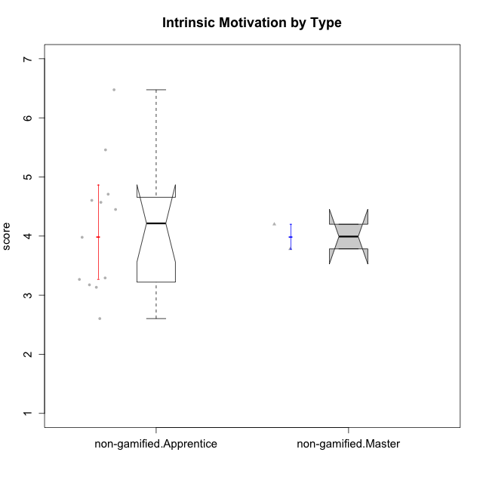

Wilcoxon data
UserID | Type | CLGroup | CLRole | PlayerRole | Item22IE | Item09IE | Item12IE | Item24IE | Item21IE | Item01IE | Item17PC | Item15PC | Item06PC | Item02PC | Item08PC | Item16PT | Item14PT | Item18PT | Item11PT | Item13EI | Item03EI | Item07EI | Interest/Enjoyment | Perceived Choice | Pressure/Tension | Effort/Importance | Intrinsic Motivation
10116 | non-gamified | GroupC | Master |  | 4 | 4 | 2 | 6 | 4 | 3 | 4 | 5 | 6 | 7 | 4 | 4 | 2 | 2 | 2 | 4 | 4 | 4 | 3.8333333333 | 2.8 | 3.5 | 4 | 3.7833333333
10122 | non-gamified | GroupB | Apprentice |  | 1 | 1 | 2 | 1 | 1 | 2 | 1 | 1 | 2 | 3 | 2 | 1 | 1 | 1 | 2 | 2 | 3 | 2 | 1.3333333333 | 6.2 | 2.25 | 5 | 4.5708333333
10129 | non-gamified | GroupB | Apprentice |  | 1 | 2 | 1 | 1 | 3 | 1 | 4 | 5 | 4 | 7 | 4 | 5 | 5 | 5 | 1 | 5 | 7 | 2 | 1.5 | 3.2 | 5.5 | 5.3333333333 | 3.1333333333
10130 | non-gamified | GroupC | Apprentice |  | 5 | 5 | 4 | 5 | 5 | 4 | 4 | 4 | 5 | 3 | 5 | 5 | 4 | 5 | 2 | 1 | 6 | 2 | 4.6666666667 | 3.8 | 5 | 6.3333333333 | 4.45
10132 | non-gamified | GroupA | Apprentice |  | 1 | 1 | 1 | 1 | 1 | 1 | 2 | 3 | 4 | 7 | 4 | 2 | 2 | 2 | 3 | 3 | 7 | 3 | 1 | 4 | 2.75 | 5.6666666667 | 3.9791666667
10135 | non-gamified | GroupB | Apprentice |  | 5 | 5 | 5 | 2 | 5 | 5 | 2 | 2 | 1 | 4 | 6 | 4 | 4 | 4 | 5 | 2 | 5 | 5 | 4.5 | 5 | 3.75 | 4.6666666667 | 4.6041666667
10136 | non-gamified | GroupC | Apprentice |  | 1 | 1 | 1 | 1 | 1 | 1 | 6 | 5 | 6 | 7 | 6 | 3 | 1 | 5 | 4 | 5 | 3 | 6 | 1 | 2 | 3.25 | 2.6666666667 | 2.6041666667
10140 | non-gamified | GroupC | Apprentice |  | 2 | 4 | 1 | 2 | 4 | 1 | 4 | 4 | 4 | 4 | 4 | 4 | 5 | 5 | 4 | 5 | 3 | 4 | 2.3333333333 | 4 | 4.5 | 3.3333333333 | 3.2916666667
10145 | non-gamified | GroupB | Master |  | 2 | 4 | 4 | 4 | 3 | 1 | 4 | 7 | 4 | 7 | 4 | 4 | 4 | 4 | 4 | 1 | 7 | 1 | 3 | 2.8 | 4 | 7 | 4.2
10146 | non-gamified | GroupA | Apprentice |  | 5 | 5 | 5 | 5 | 5 | 5 | 3 | 4 | 3 | 3 | 2 | 3 | 3 | 3 | 7 | 1 | 6 | 2 | 5 | 5 | 2.5 | 6.3333333333 | 5.4583333333
10149 | non-gamified | GroupA | Apprentice |  | 1 | 1 | 1 | 1 | 7 | 4 | 6 | 6 | 7 | 3 | 6 | 5 | 5 | 5 | 1 | 1 | 7 | 5 | 2.5 | 2.4 | 5.5 | 5.6666666667 | 3.2666666667
10153 | non-gamified | GroupA | Apprentice |  | 6 | 5 | 5 | 4 | 3 | 5 | 5 | 6 | 3 | 4 | 2 | 2 | 2 | 2 | 4 | 5 | 5 | 2 | 4.6666666667 | 4 | 2.5 | 4.6666666667 | 4.7083333333
10154 | non-gamified | GroupC | Apprentice |  | 1 | 4 | 2 | 2 | 1 | 3 | 6 | 6 | 6 | 6 | 5 | 5 | 2 | 3 | 2 | 5 | 5 | 3 | 2.1666666667 | 2.2 | 4 | 4.3333333333 | 3.175
10158 | non-gamified | GroupD | Apprentice |  | 7 | 6 | 7 | 6 | 6 | 7 | 1 | 4 | 4 | 3 | 1 | 1 | 1 | 1 | 7 | 1 | 7 | 1 | 6.5 | 5.4 | 1 | 7 | 6.475

Type_CLRole_2
Wilcoxon Analysis for Intrinsic Motivation by Type in Type:CLRole between non-gamified.Apprentice:ont-gamified.Apprentice

Wilcoxon test results
Alternative hypothesis: less
Group | N | Median | Mean.Ranks | Sum.Ranks | U | Z | p.value | r | magnitude
non-gamified.Apprentice | 12 | 4.2145833333 | 9.75 | 117 | 39 | -1.9052558883 | 0.029828530603 | 0.38890872965 | medium
ont-gamified.Apprentice | 12 | 4.9083333333 | 15.25 | 183 | 39 | -1.9052558883 | 0.029828530603 | 0.38890872965 | medium
Alternative hypothesis: greater
Group | N | Median | Mean.Ranks | Sum.Ranks | U | Z | p.value | r | magnitude
non-gamified.Apprentice | 12 | 4.2145833333 | 9.75 | 117 | 39 | -1.9052558883 | 0.97406769432 | 0.38890872965 | medium
ont-gamified.Apprentice | 12 | 4.9083333333 | 15.25 | 183 | 39 | -1.9052558883 | 0.97406769432 | 0.38890872965 | medium
Alternative hypothesis: two.sided
Group | N | Median | Mean.Ranks | Sum.Ranks | U | Z | p.value | r | magnitude
non-gamified.Apprentice | 12 | 4.2145833333 | 9.75 | 117 | 39 | -1.9052558883 | 0.059657061205 | 0.38890872965 | medium
ont-gamified.Apprentice | 12 | 4.9083333333 | 15.25 | 183 | 39 | -1.9052558883 | 0.059657061205 | 0.38890872965 | medium

Box plots for wilcoxon tests
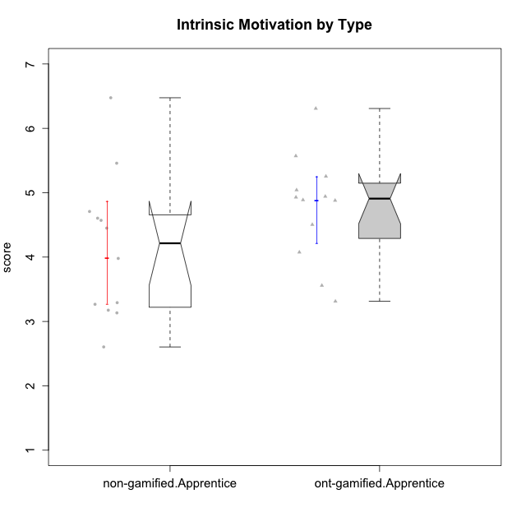

Wilcoxon data
UserID | Type | CLGroup | CLRole | PlayerRole | Item22IE | Item09IE | Item12IE | Item24IE | Item21IE | Item01IE | Item17PC | Item15PC | Item06PC | Item02PC | Item08PC | Item16PT | Item14PT | Item18PT | Item11PT | Item13EI | Item03EI | Item07EI | Interest/Enjoyment | Perceived Choice | Pressure/Tension | Effort/Importance | Intrinsic Motivation
10122 | non-gamified | GroupB | Apprentice |  | 1 | 1 | 2 | 1 | 1 | 2 | 1 | 1 | 2 | 3 | 2 | 1 | 1 | 1 | 2 | 2 | 3 | 2 | 1.3333333333 | 6.2 | 2.25 | 5 | 4.5708333333
10123 | ont-gamified | Grupo Morfeu | Apprentice | Yee Achiever | 3 | 2 | 3 | 3 | 3 | 2 | 3 | 3 | 2 | 5 | 3 | 2 | 4 | 4 | 4 | 3 | 3 | 3 | 2.6666666667 | 4.8 | 3.5 | 4.3333333333 | 4.075
10126 | ont-gamified | Grupo Hélio | Apprentice | Yee Socializer | 5 | 6 | 6 | 4 | 6 | 5 | 2 | 2 | 2 | 2 | 1 | 1 | 2 | 1 | 3 | 1 | 5 | 5 | 5.3333333333 | 6.2 | 2.25 | 5 | 5.5708333333
10127 | ont-gamified | Grupo Hades | Apprentice | Yee Achiever | 7 | 6 | 6 | 6 | 6 | 4 | 4 | 3 | 3 | 2 | 4 | 4 | 2 | 2 | 5 | 5 | 5 | 5 | 5.8333333333 | 4.8 | 2.75 | 3.6666666667 | 4.8875
10128 | ont-gamified | Grupo Morfeu | Apprentice | Yee Achiever | 1 | 1 | 1 | 1 | 1 | 1 | 1 | 1 | 1 | 4 | 6 | 1 | 1 | 1 | 1 | 5 | 2 | 6 | 1 | 5.4 | 2.5 | 2.3333333333 | 3.5583333333
10129 | non-gamified | GroupB | Apprentice |  | 1 | 2 | 1 | 1 | 3 | 1 | 4 | 5 | 4 | 7 | 4 | 5 | 5 | 5 | 1 | 5 | 7 | 2 | 1.5 | 3.2 | 5.5 | 5.3333333333 | 3.1333333333
10130 | non-gamified | GroupC | Apprentice |  | 5 | 5 | 4 | 5 | 5 | 4 | 4 | 4 | 5 | 3 | 5 | 5 | 4 | 5 | 2 | 1 | 6 | 2 | 4.6666666667 | 3.8 | 5 | 6.3333333333 | 4.45
10131 | ont-gamified | Grupo Zeus | Apprentice | Yee Achiever | 7 | 5 | 7 | 7 | 7 | 4 | 6 | 7 | 7 | 5 | 2 | 2 | 1 | 2 | 6 | 3 | 6 | 1 | 6.1666666667 | 2.6 | 1.75 | 6 | 5.2541666667
10132 | non-gamified | GroupA | Apprentice |  | 1 | 1 | 1 | 1 | 1 | 1 | 2 | 3 | 4 | 7 | 4 | 2 | 2 | 2 | 3 | 3 | 7 | 3 | 1 | 4 | 2.75 | 5.6666666667 | 3.9791666667
10134 | ont-gamified | Grupo Apolo | Apprentice | Yee Socializer | 2 | 2 | 2 | 2 | 2 | 2 | 5 | 5 | 3 | 6 | 6 | 3 | 3 | 3 | 2 | 4 | 4 | 4 | 2 | 3 | 3.75 | 4 | 3.3125
10135 | non-gamified | GroupB | Apprentice |  | 5 | 5 | 5 | 2 | 5 | 5 | 2 | 2 | 1 | 4 | 6 | 4 | 4 | 4 | 5 | 2 | 5 | 5 | 4.5 | 5 | 3.75 | 4.6666666667 | 4.6041666667
10136 | non-gamified | GroupC | Apprentice |  | 1 | 1 | 1 | 1 | 1 | 1 | 6 | 5 | 6 | 7 | 6 | 3 | 1 | 5 | 4 | 5 | 3 | 6 | 1 | 2 | 3.25 | 2.6666666667 | 2.6041666667
10137 | ont-gamified | Grupo Morfeu | Apprentice | Yee Achiever | 5 | 5 | 6 | 6 | 6 | 5 | 1 | 4 | 1 | 1 | 1 | 1 | 1 | 1 | 7 | 1 | 5 | 1 | 5.5 | 6.4 | 1 | 6.3333333333 | 6.3083333333
10138 | ont-gamified | Grupo Hélio | Apprentice | Yee Socializer | 4 | 6 | 6 | 4 | 5 | 3 | 4 | 5 | 6 | 4 | 3 | 4 | 4 | 2 | 3 | 1 | 7 | 1 | 4.6666666667 | 3.6 | 3.75 | 7 | 4.8791666667
10139 | ont-gamified | Grupo Zeus | Apprentice | Yee Achiever | 3 | 6 | 3 | 4 | 5 | 1 | 1 | 7 | 4 | 4 | 1 | 3 | 4 | 1 | 7 | 4 | 5 | 5 | 3.6666666667 | 4.6 | 2.25 | 4 | 4.5041666667
10140 | non-gamified | GroupC | Apprentice |  | 2 | 4 | 1 | 2 | 4 | 1 | 4 | 4 | 4 | 4 | 4 | 4 | 5 | 5 | 4 | 5 | 3 | 4 | 2.3333333333 | 4 | 4.5 | 3.3333333333 | 3.2916666667
10142 | ont-gamified | Grupo Hades | Apprentice | Yee Achiever | 4 | 6 | 4 | 6 | 4 | 4 | 4 | 4 | 3 | 6 | 4 | 4 | 1 | 1 | 7 | 2 | 4 | 3 | 4.6666666667 | 3.8 | 1.75 | 5 | 4.9291666667
10143 | ont-gamified | Grupo Apolo | Apprentice | Yee Socializer | 4 | 4 | 4 | 4 | 5 | 4 | 2 | 4 | 3 | 4 | 2 | 3 | 2 | 2 | 3 | 2 | 6 | 2 | 4.1666666667 | 5 | 3 | 6 | 5.0416666667
10146 | non-gamified | GroupA | Apprentice |  | 5 | 5 | 5 | 5 | 5 | 5 | 3 | 4 | 3 | 3 | 2 | 3 | 3 | 3 | 7 | 1 | 6 | 2 | 5 | 5 | 2.5 | 6.3333333333 | 5.4583333333
10148 | ont-gamified | Grupo Apolo | Apprentice | Yee Socializer | 5 | 4 | 4 | 3 | 6 | 4 | 3 | 4 | 1 | 3 | 1 | 5 | 2 | 5 | 2 | 2 | 6 | 1 | 4.3333333333 | 5.6 | 4.5 | 6.3333333333 | 4.9416666667
10149 | non-gamified | GroupA | Apprentice |  | 1 | 1 | 1 | 1 | 7 | 4 | 6 | 6 | 7 | 3 | 6 | 5 | 5 | 5 | 1 | 1 | 7 | 5 | 2.5 | 2.4 | 5.5 | 5.6666666667 | 3.2666666667
10153 | non-gamified | GroupA | Apprentice |  | 6 | 5 | 5 | 4 | 3 | 5 | 5 | 6 | 3 | 4 | 2 | 2 | 2 | 2 | 4 | 5 | 5 | 2 | 4.6666666667 | 4 | 2.5 | 4.6666666667 | 4.7083333333
10154 | non-gamified | GroupC | Apprentice |  | 1 | 4 | 2 | 2 | 1 | 3 | 6 | 6 | 6 | 6 | 5 | 5 | 2 | 3 | 2 | 5 | 5 | 3 | 2.1666666667 | 2.2 | 4 | 4.3333333333 | 3.175
10158 | non-gamified | GroupD | Apprentice |  | 7 | 6 | 7 | 6 | 6 | 7 | 1 | 4 | 4 | 3 | 1 | 1 | 1 | 1 | 7 | 1 | 7 | 1 | 6.5 | 5.4 | 1 | 7 | 6.475

Type_CLRole_3
Wilcoxon Analysis for Intrinsic Motivation by Type in Type:CLRole between non-gamified.Apprentice:ont-gamified.Master

Wilcoxon test results
Alternative hypothesis: less
Group | N | Median | Mean.Ranks | Sum.Ranks | U | Z | p.value | r | magnitude
non-gamified.Apprentice | 12 | 4.2145833333 | 7.3333333333 | 88 | 10 | -1.6977493753 | 0.051648351648 | 0.42443734381 | medium
ont-gamified.Master | 4 | 5.125 | 12 | 48 | 10 | -1.6977493753 | 0.051648351648 | 0.42443734381 | medium
Alternative hypothesis: greater
Group | N | Median | Mean.Ranks | Sum.Ranks | U | Z | p.value | r | magnitude
non-gamified.Apprentice | 12 | 4.2145833333 | 7.3333333333 | 88 | 10 | -1.6977493753 | 0.96098901099 | 0.42443734381 | medium
ont-gamified.Master | 4 | 5.125 | 12 | 48 | 10 | -1.6977493753 | 0.96098901099 | 0.42443734381 | medium
Alternative hypothesis: two.sided
Group | N | Median | Mean.Ranks | Sum.Ranks | U | Z | p.value | r | magnitude
non-gamified.Apprentice | 12 | 4.2145833333 | 7.3333333333 | 88 | 10 | -1.6977493753 | 0.1032967033 | 0.42443734381 | medium
ont-gamified.Master | 4 | 5.125 | 12 | 48 | 10 | -1.6977493753 | 0.1032967033 | 0.42443734381 | medium

Box plots for wilcoxon tests
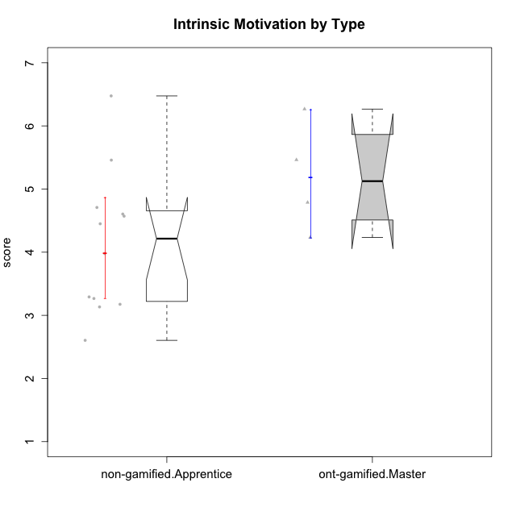

Wilcoxon data
UserID | Type | CLGroup | CLRole | PlayerRole | Item22IE | Item09IE | Item12IE | Item24IE | Item21IE | Item01IE | Item17PC | Item15PC | Item06PC | Item02PC | Item08PC | Item16PT | Item14PT | Item18PT | Item11PT | Item13EI | Item03EI | Item07EI | Interest/Enjoyment | Perceived Choice | Pressure/Tension | Effort/Importance | Intrinsic Motivation
10120 | ont-gamified | Grupo Hélio | Master | Yee Socializer | 6 | 6 | 5 | 5 | 6 | 7 | 1 | 1 | 2 | 3 | 1 | 1 | 2 | 1 | 6 | 3 | 7 | 1 | 5.8333333333 | 6.4 | 1.5 | 6.3333333333 | 6.2666666667
10121 | ont-gamified | Grupo Hades | Master | Yee Achiever | 5 | 6 | 6 | 4 | 5 | 1 | 3 | 4 | 2 | 2 | 2 | 5 | 3 | 2 | 3 | 3 | 5 | 3 | 4.5 | 5.4 | 3.75 | 5 | 4.7875
10122 | non-gamified | GroupB | Apprentice |  | 1 | 1 | 2 | 1 | 1 | 2 | 1 | 1 | 2 | 3 | 2 | 1 | 1 | 1 | 2 | 2 | 3 | 2 | 1.3333333333 | 6.2 | 2.25 | 5 | 4.5708333333
10129 | non-gamified | GroupB | Apprentice |  | 1 | 2 | 1 | 1 | 3 | 1 | 4 | 5 | 4 | 7 | 4 | 5 | 5 | 5 | 1 | 5 | 7 | 2 | 1.5 | 3.2 | 5.5 | 5.3333333333 | 3.1333333333
10130 | non-gamified | GroupC | Apprentice |  | 5 | 5 | 4 | 5 | 5 | 4 | 4 | 4 | 5 | 3 | 5 | 5 | 4 | 5 | 2 | 1 | 6 | 2 | 4.6666666667 | 3.8 | 5 | 6.3333333333 | 4.45
10132 | non-gamified | GroupA | Apprentice |  | 1 | 1 | 1 | 1 | 1 | 1 | 2 | 3 | 4 | 7 | 4 | 2 | 2 | 2 | 3 | 3 | 7 | 3 | 1 | 4 | 2.75 | 5.6666666667 | 3.9791666667
10135 | non-gamified | GroupB | Apprentice |  | 5 | 5 | 5 | 2 | 5 | 5 | 2 | 2 | 1 | 4 | 6 | 4 | 4 | 4 | 5 | 2 | 5 | 5 | 4.5 | 5 | 3.75 | 4.6666666667 | 4.6041666667
10136 | non-gamified | GroupC | Apprentice |  | 1 | 1 | 1 | 1 | 1 | 1 | 6 | 5 | 6 | 7 | 6 | 3 | 1 | 5 | 4 | 5 | 3 | 6 | 1 | 2 | 3.25 | 2.6666666667 | 2.6041666667
10140 | non-gamified | GroupC | Apprentice |  | 2 | 4 | 1 | 2 | 4 | 1 | 4 | 4 | 4 | 4 | 4 | 4 | 5 | 5 | 4 | 5 | 3 | 4 | 2.3333333333 | 4 | 4.5 | 3.3333333333 | 3.2916666667
10141 | ont-gamified | Grupo Apolo | Master | Yee Socializer | 5 | 5 | 3 | 4 | 5 | 2 | 4 | 4 | 6 | 4 | 4 | 3 | 4 | 1 | 4 | 5 | 5 | 3 | 4 | 3.6 | 3 | 4.3333333333 | 4.2333333333
10146 | non-gamified | GroupA | Apprentice |  | 5 | 5 | 5 | 5 | 5 | 5 | 3 | 4 | 3 | 3 | 2 | 3 | 3 | 3 | 7 | 1 | 6 | 2 | 5 | 5 | 2.5 | 6.3333333333 | 5.4583333333
10149 | non-gamified | GroupA | Apprentice |  | 1 | 1 | 1 | 1 | 7 | 4 | 6 | 6 | 7 | 3 | 6 | 5 | 5 | 5 | 1 | 1 | 7 | 5 | 2.5 | 2.4 | 5.5 | 5.6666666667 | 3.2666666667
10152 | ont-gamified | Grupo Morfeu | Master | Yee Achiever | 7 | 7 | 7 | 7 | 7 | 7 | 2 | 2 | 4 | 3 | 1 | 2 | 3 | 2 | 4 | 5 | 7 | 6 | 7 | 5.6 | 2.75 | 4 | 5.4625
10153 | non-gamified | GroupA | Apprentice |  | 6 | 5 | 5 | 4 | 3 | 5 | 5 | 6 | 3 | 4 | 2 | 2 | 2 | 2 | 4 | 5 | 5 | 2 | 4.6666666667 | 4 | 2.5 | 4.6666666667 | 4.7083333333
10154 | non-gamified | GroupC | Apprentice |  | 1 | 4 | 2 | 2 | 1 | 3 | 6 | 6 | 6 | 6 | 5 | 5 | 2 | 3 | 2 | 5 | 5 | 3 | 2.1666666667 | 2.2 | 4 | 4.3333333333 | 3.175
10158 | non-gamified | GroupD | Apprentice |  | 7 | 6 | 7 | 6 | 6 | 7 | 1 | 4 | 4 | 3 | 1 | 1 | 1 | 1 | 7 | 1 | 7 | 1 | 6.5 | 5.4 | 1 | 7 | 6.475

Type_CLRole_4
Wilcoxon Analysis for Intrinsic Motivation by Type in Type:CLRole between non-gamified.Master:ont-gamified.Apprentice

Wilcoxon test results
Alternative hypothesis: less
Group | N | Median | Mean.Ranks | Sum.Ranks | U | Z | p.value | r | magnitude
non-gamified.Master | 2 | 3.9916666667 | 4 | 8 | 5 | -1.2780193008 | 0.13186813187 | 0.34156502553 | medium
ont-gamified.Apprentice | 12 | 4.9083333333 | 8.0833333333 | 97 | 5 | -1.2780193008 | 0.13186813187 | 0.34156502553 | medium
Alternative hypothesis: greater
Group | N | Median | Mean.Ranks | Sum.Ranks | U | Z | p.value | r | magnitude
non-gamified.Master | 2 | 3.9916666667 | 4 | 8 | 5 | -1.2780193008 | 0.9010989011 | 0.34156502553 | medium
ont-gamified.Apprentice | 12 | 4.9083333333 | 8.0833333333 | 97 | 5 | -1.2780193008 | 0.9010989011 | 0.34156502553 | medium
Alternative hypothesis: two.sided
Group | N | Median | Mean.Ranks | Sum.Ranks | U | Z | p.value | r | magnitude
non-gamified.Master | 2 | 3.9916666667 | 4 | 8 | 5 | -1.2780193008 | 0.26373626374 | 0.34156502553 | medium
ont-gamified.Apprentice | 12 | 4.9083333333 | 8.0833333333 | 97 | 5 | -1.2780193008 | 0.26373626374 | 0.34156502553 | medium

Box plots for wilcoxon tests
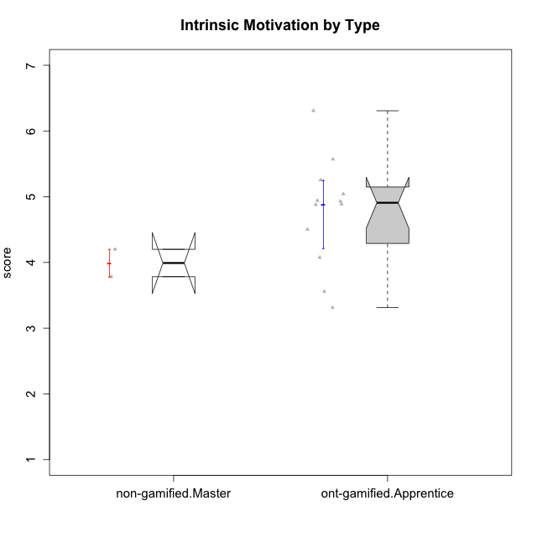

Wilcoxon data
UserID | Type | CLGroup | CLRole | PlayerRole | Item22IE | Item09IE | Item12IE | Item24IE | Item21IE | Item01IE | Item17PC | Item15PC | Item06PC | Item02PC | Item08PC | Item16PT | Item14PT | Item18PT | Item11PT | Item13EI | Item03EI | Item07EI | Interest/Enjoyment | Perceived Choice | Pressure/Tension | Effort/Importance | Intrinsic Motivation
10116 | non-gamified | GroupC | Master |  | 4 | 4 | 2 | 6 | 4 | 3 | 4 | 5 | 6 | 7 | 4 | 4 | 2 | 2 | 2 | 4 | 4 | 4 | 3.8333333333 | 2.8 | 3.5 | 4 | 3.7833333333
10123 | ont-gamified | Grupo Morfeu | Apprentice | Yee Achiever | 3 | 2 | 3 | 3 | 3 | 2 | 3 | 3 | 2 | 5 | 3 | 2 | 4 | 4 | 4 | 3 | 3 | 3 | 2.6666666667 | 4.8 | 3.5 | 4.3333333333 | 4.075
10126 | ont-gamified | Grupo Hélio | Apprentice | Yee Socializer | 5 | 6 | 6 | 4 | 6 | 5 | 2 | 2 | 2 | 2 | 1 | 1 | 2 | 1 | 3 | 1 | 5 | 5 | 5.3333333333 | 6.2 | 2.25 | 5 | 5.5708333333
10127 | ont-gamified | Grupo Hades | Apprentice | Yee Achiever | 7 | 6 | 6 | 6 | 6 | 4 | 4 | 3 | 3 | 2 | 4 | 4 | 2 | 2 | 5 | 5 | 5 | 5 | 5.8333333333 | 4.8 | 2.75 | 3.6666666667 | 4.8875
10128 | ont-gamified | Grupo Morfeu | Apprentice | Yee Achiever | 1 | 1 | 1 | 1 | 1 | 1 | 1 | 1 | 1 | 4 | 6 | 1 | 1 | 1 | 1 | 5 | 2 | 6 | 1 | 5.4 | 2.5 | 2.3333333333 | 3.5583333333
10131 | ont-gamified | Grupo Zeus | Apprentice | Yee Achiever | 7 | 5 | 7 | 7 | 7 | 4 | 6 | 7 | 7 | 5 | 2 | 2 | 1 | 2 | 6 | 3 | 6 | 1 | 6.1666666667 | 2.6 | 1.75 | 6 | 5.2541666667
10134 | ont-gamified | Grupo Apolo | Apprentice | Yee Socializer | 2 | 2 | 2 | 2 | 2 | 2 | 5 | 5 | 3 | 6 | 6 | 3 | 3 | 3 | 2 | 4 | 4 | 4 | 2 | 3 | 3.75 | 4 | 3.3125
10137 | ont-gamified | Grupo Morfeu | Apprentice | Yee Achiever | 5 | 5 | 6 | 6 | 6 | 5 | 1 | 4 | 1 | 1 | 1 | 1 | 1 | 1 | 7 | 1 | 5 | 1 | 5.5 | 6.4 | 1 | 6.3333333333 | 6.3083333333
10138 | ont-gamified | Grupo Hélio | Apprentice | Yee Socializer | 4 | 6 | 6 | 4 | 5 | 3 | 4 | 5 | 6 | 4 | 3 | 4 | 4 | 2 | 3 | 1 | 7 | 1 | 4.6666666667 | 3.6 | 3.75 | 7 | 4.8791666667
10139 | ont-gamified | Grupo Zeus | Apprentice | Yee Achiever | 3 | 6 | 3 | 4 | 5 | 1 | 1 | 7 | 4 | 4 | 1 | 3 | 4 | 1 | 7 | 4 | 5 | 5 | 3.6666666667 | 4.6 | 2.25 | 4 | 4.5041666667
10142 | ont-gamified | Grupo Hades | Apprentice | Yee Achiever | 4 | 6 | 4 | 6 | 4 | 4 | 4 | 4 | 3 | 6 | 4 | 4 | 1 | 1 | 7 | 2 | 4 | 3 | 4.6666666667 | 3.8 | 1.75 | 5 | 4.9291666667
10143 | ont-gamified | Grupo Apolo | Apprentice | Yee Socializer | 4 | 4 | 4 | 4 | 5 | 4 | 2 | 4 | 3 | 4 | 2 | 3 | 2 | 2 | 3 | 2 | 6 | 2 | 4.1666666667 | 5 | 3 | 6 | 5.0416666667
10145 | non-gamified | GroupB | Master |  | 2 | 4 | 4 | 4 | 3 | 1 | 4 | 7 | 4 | 7 | 4 | 4 | 4 | 4 | 4 | 1 | 7 | 1 | 3 | 2.8 | 4 | 7 | 4.2
10148 | ont-gamified | Grupo Apolo | Apprentice | Yee Socializer | 5 | 4 | 4 | 3 | 6 | 4 | 3 | 4 | 1 | 3 | 1 | 5 | 2 | 5 | 2 | 2 | 6 | 1 | 4.3333333333 | 5.6 | 4.5 | 6.3333333333 | 4.9416666667

Type_CLRole_5
Wilcoxon Analysis for Intrinsic Motivation by Type in Type:CLRole between non-gamified.Master:ont-gamified.Master

Wilcoxon test results
Alternative hypothesis: less
Group | N | Median | Mean.Ranks | Sum.Ranks | U | Z | p.value | r | magnitude
non-gamified.Master | 2 | 3.9916666667 | 1.5 | 3 | 0 | -1.8516401995 | 0.066666666667 | 0.75592894602 | large
ont-gamified.Master | 4 | 5.125 | 4.5 | 18 | 0 | -1.8516401995 | 0.066666666667 | 0.75592894602 | large
Alternative hypothesis: greater
Group | N | Median | Mean.Ranks | Sum.Ranks | U | Z | p.value | r | magnitude
non-gamified.Master | 2 | 3.9916666667 | 1.5 | 3 | 0 | -1.8516401995 | 1 | 0.75592894602 | large
ont-gamified.Master | 4 | 5.125 | 4.5 | 18 | 0 | -1.8516401995 | 1 | 0.75592894602 | large
Alternative hypothesis: two.sided
Group | N | Median | Mean.Ranks | Sum.Ranks | U | Z | p.value | r | magnitude
non-gamified.Master | 2 | 3.9916666667 | 1.5 | 3 | 0 | -1.8516401995 | 0.13333333333 | 0.75592894602 | large
ont-gamified.Master | 4 | 5.125 | 4.5 | 18 | 0 | -1.8516401995 | 0.13333333333 | 0.75592894602 | large

Box plots for wilcoxon tests


Wilcoxon data
UserID | Type | CLGroup | CLRole | PlayerRole | Item22IE | Item09IE | Item12IE | Item24IE | Item21IE | Item01IE | Item17PC | Item15PC | Item06PC | Item02PC | Item08PC | Item16PT | Item14PT | Item18PT | Item11PT | Item13EI | Item03EI | Item07EI | Interest/Enjoyment | Perceived Choice | Pressure/Tension | Effort/Importance | Intrinsic Motivation
10116 | non-gamified | GroupC | Master |  | 4 | 4 | 2 | 6 | 4 | 3 | 4 | 5 | 6 | 7 | 4 | 4 | 2 | 2 | 2 | 4 | 4 | 4 | 3.8333333333 | 2.8 | 3.5 | 4 | 3.7833333333
10120 | ont-gamified | Grupo Hélio | Master | Yee Socializer | 6 | 6 | 5 | 5 | 6 | 7 | 1 | 1 | 2 | 3 | 1 | 1 | 2 | 1 | 6 | 3 | 7 | 1 | 5.8333333333 | 6.4 | 1.5 | 6.3333333333 | 6.2666666667
10121 | ont-gamified | Grupo Hades | Master | Yee Achiever | 5 | 6 | 6 | 4 | 5 | 1 | 3 | 4 | 2 | 2 | 2 | 5 | 3 | 2 | 3 | 3 | 5 | 3 | 4.5 | 5.4 | 3.75 | 5 | 4.7875
10141 | ont-gamified | Grupo Apolo | Master | Yee Socializer | 5 | 5 | 3 | 4 | 5 | 2 | 4 | 4 | 6 | 4 | 4 | 3 | 4 | 1 | 4 | 5 | 5 | 3 | 4 | 3.6 | 3 | 4.3333333333 | 4.2333333333
10145 | non-gamified | GroupB | Master |  | 2 | 4 | 4 | 4 | 3 | 1 | 4 | 7 | 4 | 7 | 4 | 4 | 4 | 4 | 4 | 1 | 7 | 1 | 3 | 2.8 | 4 | 7 | 4.2
10152 | ont-gamified | Grupo Morfeu | Master | Yee Achiever | 7 | 7 | 7 | 7 | 7 | 7 | 2 | 2 | 4 | 3 | 1 | 2 | 3 | 2 | 4 | 5 | 7 | 6 | 7 | 5.6 | 2.75 | 4 | 5.4625

Type_CLRole_6
Wilcoxon Analysis for Intrinsic Motivation by Type in Type:CLRole between ont-gamified.Apprentice:ont-gamified.Master

Wilcoxon test results
Alternative hypothesis: less
Group | N | Median | Mean.Ranks | Sum.Ranks | U | Z | p.value | r | magnitude
ont-gamified.Apprentice | 12 | 4.9083333333 | 8.1666666667 | 98 | 20 | -0.48507125007 | 0.34175824176 | 0.12126781252 | small
ont-gamified.Master | 4 | 5.125 | 9.5 | 38 | 20 | -0.48507125007 | 0.34175824176 | 0.12126781252 | small
Alternative hypothesis: greater
Group | N | Median | Mean.Ranks | Sum.Ranks | U | Z | p.value | r | magnitude
ont-gamified.Apprentice | 12 | 4.9083333333 | 8.1666666667 | 98 | 20 | -0.48507125007 | 0.70054945055 | 0.12126781252 | small
ont-gamified.Master | 4 | 5.125 | 9.5 | 38 | 20 | -0.48507125007 | 0.70054945055 | 0.12126781252 | small
Alternative hypothesis: two.sided
Group | N | Median | Mean.Ranks | Sum.Ranks | U | Z | p.value | r | magnitude
ont-gamified.Apprentice | 12 | 4.9083333333 | 8.1666666667 | 98 | 20 | -0.48507125007 | 0.68351648352 | 0.12126781252 | small
ont-gamified.Master | 4 | 5.125 | 9.5 | 38 | 20 | -0.48507125007 | 0.68351648352 | 0.12126781252 | small

Box plots for wilcoxon tests


Wilcoxon data
UserID | Type | CLGroup | CLRole | PlayerRole | Item22IE | Item09IE | Item12IE | Item24IE | Item21IE | Item01IE | Item17PC | Item15PC | Item06PC | Item02PC | Item08PC | Item16PT | Item14PT | Item18PT | Item11PT | Item13EI | Item03EI | Item07EI | Interest/Enjoyment | Perceived Choice | Pressure/Tension | Effort/Importance | Intrinsic Motivation
10120 | ont-gamified | Grupo Hélio | Master | Yee Socializer | 6 | 6 | 5 | 5 | 6 | 7 | 1 | 1 | 2 | 3 | 1 | 1 | 2 | 1 | 6 | 3 | 7 | 1 | 5.8333333333 | 6.4 | 1.5 | 6.3333333333 | 6.2666666667
10121 | ont-gamified | Grupo Hades | Master | Yee Achiever | 5 | 6 | 6 | 4 | 5 | 1 | 3 | 4 | 2 | 2 | 2 | 5 | 3 | 2 | 3 | 3 | 5 | 3 | 4.5 | 5.4 | 3.75 | 5 | 4.7875
10123 | ont-gamified | Grupo Morfeu | Apprentice | Yee Achiever | 3 | 2 | 3 | 3 | 3 | 2 | 3 | 3 | 2 | 5 | 3 | 2 | 4 | 4 | 4 | 3 | 3 | 3 | 2.6666666667 | 4.8 | 3.5 | 4.3333333333 | 4.075
10126 | ont-gamified | Grupo Hélio | Apprentice | Yee Socializer | 5 | 6 | 6 | 4 | 6 | 5 | 2 | 2 | 2 | 2 | 1 | 1 | 2 | 1 | 3 | 1 | 5 | 5 | 5.3333333333 | 6.2 | 2.25 | 5 | 5.5708333333
10127 | ont-gamified | Grupo Hades | Apprentice | Yee Achiever | 7 | 6 | 6 | 6 | 6 | 4 | 4 | 3 | 3 | 2 | 4 | 4 | 2 | 2 | 5 | 5 | 5 | 5 | 5.8333333333 | 4.8 | 2.75 | 3.6666666667 | 4.8875
10128 | ont-gamified | Grupo Morfeu | Apprentice | Yee Achiever | 1 | 1 | 1 | 1 | 1 | 1 | 1 | 1 | 1 | 4 | 6 | 1 | 1 | 1 | 1 | 5 | 2 | 6 | 1 | 5.4 | 2.5 | 2.3333333333 | 3.5583333333
10131 | ont-gamified | Grupo Zeus | Apprentice | Yee Achiever | 7 | 5 | 7 | 7 | 7 | 4 | 6 | 7 | 7 | 5 | 2 | 2 | 1 | 2 | 6 | 3 | 6 | 1 | 6.1666666667 | 2.6 | 1.75 | 6 | 5.2541666667
10134 | ont-gamified | Grupo Apolo | Apprentice | Yee Socializer | 2 | 2 | 2 | 2 | 2 | 2 | 5 | 5 | 3 | 6 | 6 | 3 | 3 | 3 | 2 | 4 | 4 | 4 | 2 | 3 | 3.75 | 4 | 3.3125
10137 | ont-gamified | Grupo Morfeu | Apprentice | Yee Achiever | 5 | 5 | 6 | 6 | 6 | 5 | 1 | 4 | 1 | 1 | 1 | 1 | 1 | 1 | 7 | 1 | 5 | 1 | 5.5 | 6.4 | 1 | 6.3333333333 | 6.3083333333
10138 | ont-gamified | Grupo Hélio | Apprentice | Yee Socializer | 4 | 6 | 6 | 4 | 5 | 3 | 4 | 5 | 6 | 4 | 3 | 4 | 4 | 2 | 3 | 1 | 7 | 1 | 4.6666666667 | 3.6 | 3.75 | 7 | 4.8791666667
10139 | ont-gamified | Grupo Zeus | Apprentice | Yee Achiever | 3 | 6 | 3 | 4 | 5 | 1 | 1 | 7 | 4 | 4 | 1 | 3 | 4 | 1 | 7 | 4 | 5 | 5 | 3.6666666667 | 4.6 | 2.25 | 4 | 4.5041666667
10141 | ont-gamified | Grupo Apolo | Master | Yee Socializer | 5 | 5 | 3 | 4 | 5 | 2 | 4 | 4 | 6 | 4 | 4 | 3 | 4 | 1 | 4 | 5 | 5 | 3 | 4 | 3.6 | 3 | 4.3333333333 | 4.2333333333
10142 | ont-gamified | Grupo Hades | Apprentice | Yee Achiever | 4 | 6 | 4 | 6 | 4 | 4 | 4 | 4 | 3 | 6 | 4 | 4 | 1 | 1 | 7 | 2 | 4 | 3 | 4.6666666667 | 3.8 | 1.75 | 5 | 4.9291666667
10143 | ont-gamified | Grupo Apolo | Apprentice | Yee Socializer | 4 | 4 | 4 | 4 | 5 | 4 | 2 | 4 | 3 | 4 | 2 | 3 | 2 | 2 | 3 | 2 | 6 | 2 | 4.1666666667 | 5 | 3 | 6 | 5.0416666667
10148 | ont-gamified | Grupo Apolo | Apprentice | Yee Socializer | 5 | 4 | 4 | 3 | 6 | 4 | 3 | 4 | 1 | 3 | 1 | 5 | 2 | 5 | 2 | 2 | 6 | 1 | 4.3333333333 | 5.6 | 4.5 | 6.3333333333 | 4.9416666667
10152 | ont-gamified | Grupo Morfeu | Master | Yee Achiever | 7 | 7 | 7 | 7 | 7 | 7 | 2 | 2 | 4 | 3 | 1 | 2 | 3 | 2 | 4 | 5 | 7 | 6 | 7 | 5.6 | 2.75 | 4 | 5.4625

