Assumptions
ANOVA assumptions for Intrinsic Motivation by Type

Shapiro-Wilk normality test for Intrinsic Motivation by Type
W | p.value
0.9621504731 | 0.35114732344

Plots for normality test
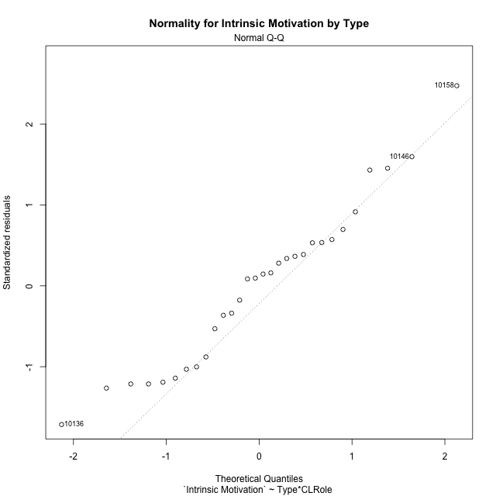

Levene's Test for Homogeneity of Variance in Intrinsic Motivation by Type
Df | F value | Pr(>F)
3 | 1.8402040232 | 0.16466230477
26

Plots for homogeneity of variance
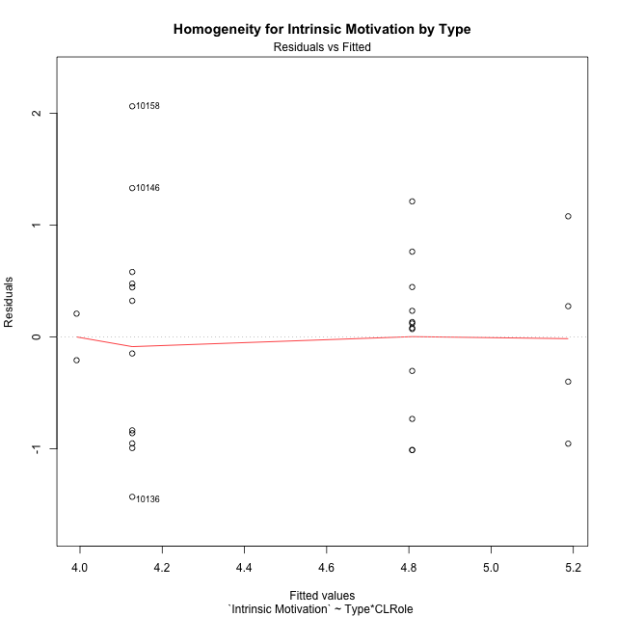

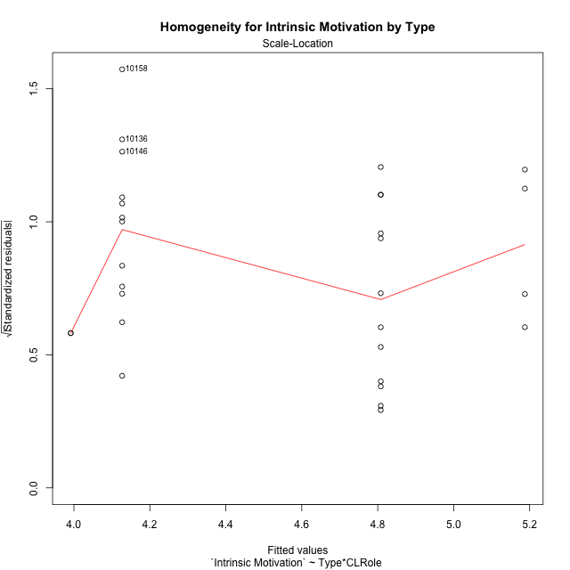

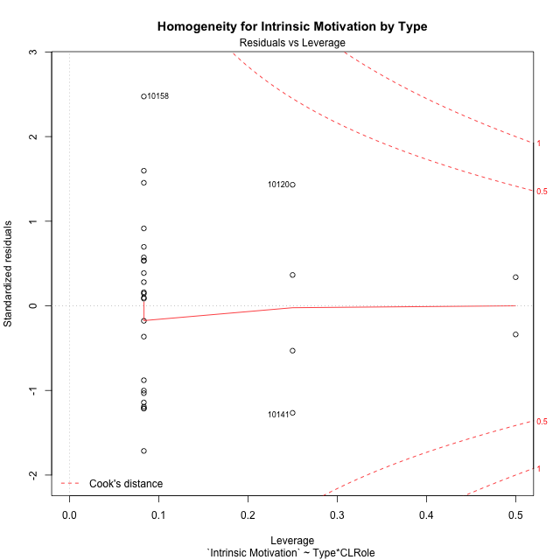

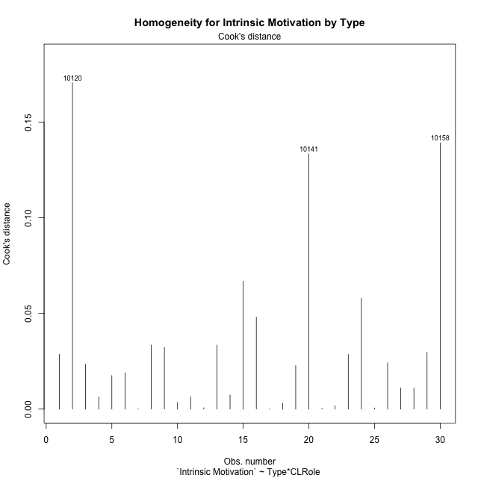

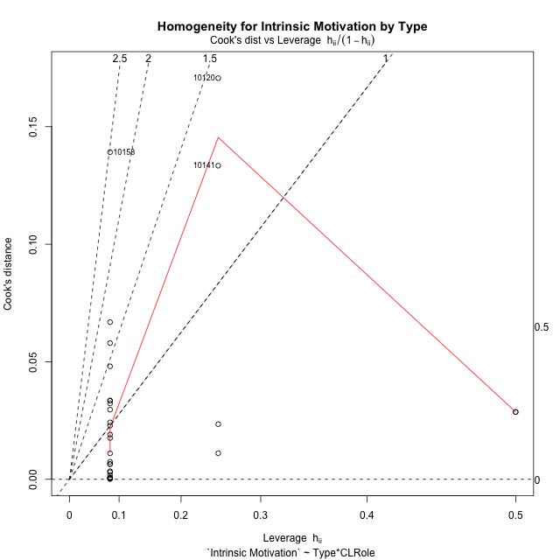

Minimum Sample Size Test for Intrinsic Motivation by Type
Type | CLRole | Freq
non-gamified | Apprentice | 12
ont-gamified | Apprentice | 12
non-gamified | Master | 2
ont-gamified | Master | 4

Errors and Warnings in Sample Size Test for ANOVA in Intrinsic Motivation by Type
code | description
WARN: sample.size | current size is 12 and recommended size is 15 for the group: 'non-gamified:Apprentice'.
WARN: sample.size | current size is 12 and recommended size is 15 for the group: 'ont-gamified:Apprentice'.
FAIL: min.size | current size is 2 but the minimal recomended size is 5 for the group: 'non-gamified:Master'.
FAIL: min.size | current size is 4 but the minimal recomended size is 5 for the group: 'ont-gamified:Master'.

For the group: 'non-gamified:Apprentice', we recommend the use of non-parametric test. For the group: 'ont-gamified:Apprentice', we recommend the use of non-parametric test. For the group: 'non-gamified:Master', we recommend the use of non-parametric test. For the group: 'ont-gamified:Master', we recommend the use of non-parametric test.

Post-hoc
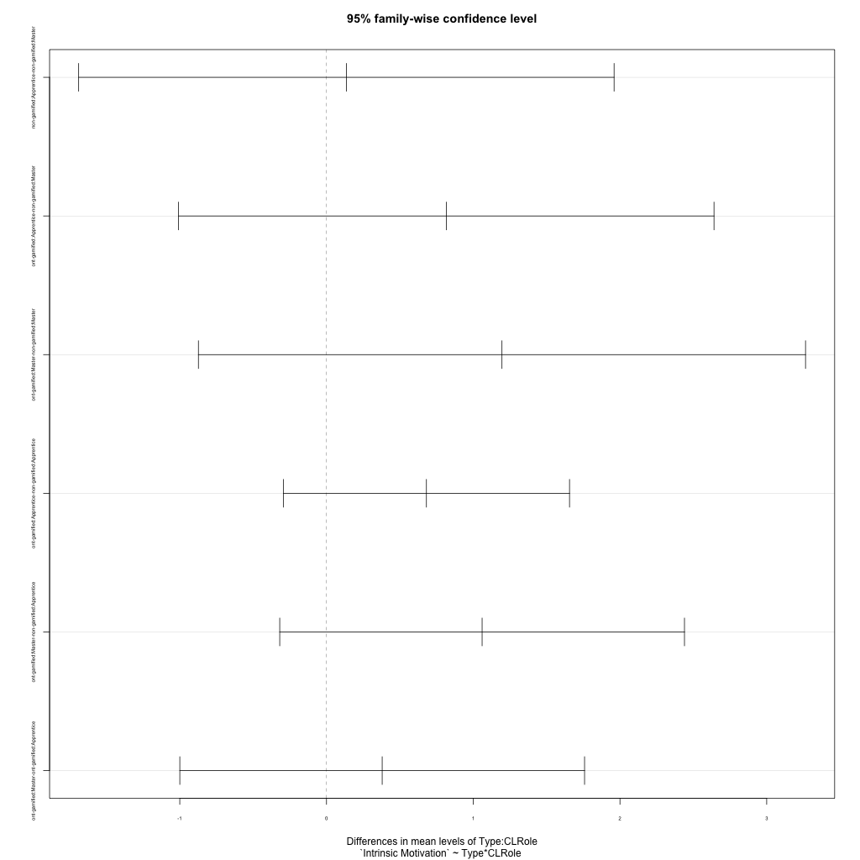
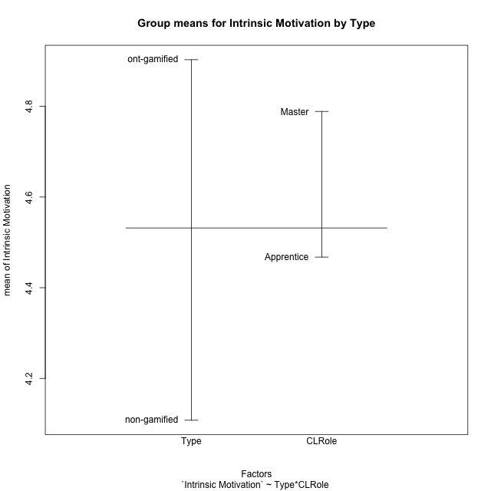
Post-hoc Tukey Honestly Significant Difference (HSD) Test for Intrinsic Motivation by Type

Comparisons of means for Type
 | diff | lwr | upr | p adj
ont-gamified-non-gamified | 0.795188125 | 0.14012676424 | 1.4502494858 | 0.019263965399

Comparisons of means for CLRole
 | diff | lwr | upr | p adj
Master-Apprentice | 0.18881579861 | -0.62818926115 | 1.0058208584 | 0.63871932845

Comparisons of means for Type:CLRole
 | diff | lwr | upr | p adj
non-gamified:Apprentice-non-gamified:Master | 0.13538486111 | -1.6891682428 | 1.959937965 | 0.99693744909
ont-gamified:Apprentice-non-gamified:Master | 0.81636527778 | -1.0081878262 | 2.6409183817 | 0.6155350794
ont-gamified:Master-non-gamified:Master | 1.1958333333 | -0.87301542389 | 3.2646820906 | 0.40389017389
ont-gamified:Apprentice-non-gamified:Apprentice | 0.68098041667 | -0.29428424032 | 1.6562450737 | 0.24632297201
ont-gamified:Master-non-gamified:Apprentice | 1.0604484722 | -0.31878403259 | 2.439680977 | 0.17669485245
ont-gamified:Master-ont-gamified:Apprentice | 0.37946805556 | -0.99976444926 | 1.7587005604 | 0.87379865093

Contrast Matrices for Intrinsic Motivation by Type - Type
contrast | estimate | SE | df | t.ratio | p.value
non-gamified - ont-gamified | -0.938406875 | 0.41686687603 | 26 | -2.2510948434 | 0.033057318809

Contrast Matrices for Intrinsic Motivation by Type - Type:CLRole
contrast | CLRole | estimate | SE | df | t.ratio | p.value
non-gamified - ont-gamified | Apprentice | -0.68098041667 | 0.35550526638 | 26 | -1.915528351 | 0.066484751443
non-gamified - ont-gamified | Master | -1.1958333333 | 0.75414055381 | 26 | -1.5856902633 | 0.12489850388

Least Squares Means and Confidence Intervals for Type
Type | lsmean | SE | df | lower.CL | upper.CL | Pairs
non-gamified | 4.0593590972 | 0.33254472649 | 26 | 3.3758036222 | 4.7429145722 | non-gamified
ont-gamified | 4.9977659722 | 0.2513801846 | 26 | 4.4810466025 | 5.514485342 | ont-gamified

Least Squares Means and Confidence Intervals for Type:CLRole
Type | CLRole | lsmean | SE | df | lower.CL | upper.CL | Pairs
non-gamified | Apprentice | 4.1270515278 | 0.2513801846 | 26 | 3.610332158 | 4.6437708975 | non-gamified.Apprentice
ont-gamified | Apprentice | 4.8080319444 | 0.2513801846 | 26 | 4.2913125747 | 5.3247513142 | ont-gamified.Apprentice
non-gamified | Master | 3.9916666667 | 0.61575318372 | 26 | 2.7259678706 | 5.2573654627 | non-gamified.Master
ont-gamified | Master | 5.1875 | 0.43540325175 | 26 | 4.2925157984 | 6.0824842016 | ont-gamified.Master

Plots

Type_1
Student's t-Test for Intrinsic Motivation by Type in Type between non-gamified:ont-gamified

Student's t-Test results
Alternative hypothesis: less
Group | N | Mean | Mean.Difference | Std.deviation | Std.error | CI.lower | CI.upper | df | t.value | p.value | g | magnitude
non-gamified | 14 | 4.1077108333 | -0.795188125 | 0.97709069526 | 0.26113847268 | 3.585433888 | 4.6299877787 | 23.651466134 | -2.5075877451 | 0.0097194483149 | -0.91137370981 | large
ont-gamified | 16 | 4.9028989583 | 0.795188125 | 0.71963562281 | 0.1799089057 | 4.5430811469 | 5.2627167697 | 23.651466134 | -2.5075877451 | 0.0097194483149 | -0.91137370981 | large
Alternative hypothesis: greater
Group | N | Mean | Mean.Difference | Std.deviation | Std.error | CI.lower | CI.upper | df | t.value | p.value | g | magnitude
non-gamified | 14 | 4.1077108333 | -0.795188125 | 0.97709069526 | 0.26113847268 | 3.585433888 | 4.6299877787 | 23.651466134 | -2.5075877451 | 0.99028055169 | -0.91137370981 | large
ont-gamified | 16 | 4.9028989583 | 0.795188125 | 0.71963562281 | 0.1799089057 | 4.5430811469 | 5.2627167697 | 23.651466134 | -2.5075877451 | 0.99028055169 | -0.91137370981 | large
Alternative hypothesis: two.sided
Group | N | Mean | Mean.Difference | Std.deviation | Std.error | CI.lower | CI.upper | df | t.value | p.value | g | magnitude
non-gamified | 14 | 4.1077108333 | -0.795188125 | 0.97709069526 | 0.26113847268 | 3.585433888 | 4.6299877787 | 23.651466134 | -2.5075877451 | 0.01943889663 | -0.91137370981 | large
ont-gamified | 16 | 4.9028989583 | 0.795188125 | 0.71963562281 | 0.1799089057 | 4.5430811469 | 5.2627167697 | 23.651466134 | -2.5075877451 | 0.01943889663 | -0.91137370981 | large

Box plots for Student's t-Test
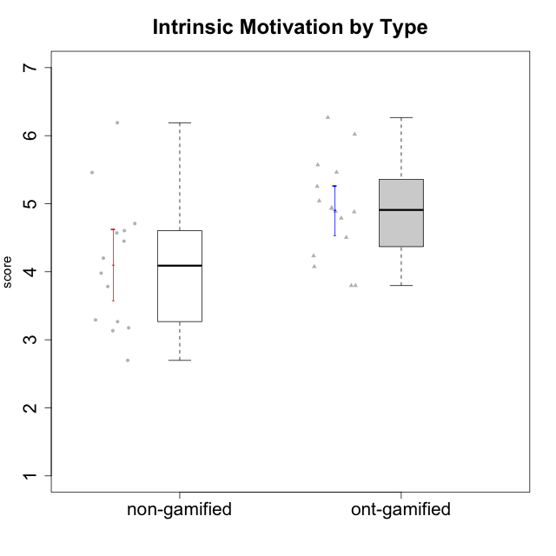

Student's t-Test data
UserID | Type | CLGroup | CLRole | PlayerRole | Interest/Enjoyment | Perceived Choice | Pressure/Tension | Effort/Importance | Intrinsic Motivation
10116 | non-gamified | GroupC | Master |  | 3.8333333333 | 2.8 | 3.5 | 4 | 3.7833333333
10120 | ont-gamified | Grupo Hélio | Master | Yee Socializer | 5.8333333333 | 6.4 | 1.5 | 6.1492666667 | 6.2666666667
10121 | ont-gamified | Grupo Hades | Master | Yee Achiever | 4.5 | 5.4 | 3.75 | 5 | 4.7875
10122 | non-gamified | GroupB | Apprentice |  | 1.3333333333 | 6.2 | 2.25 | 5 | 4.5708333333
10123 | ont-gamified | Grupo Morfeu | Apprentice | Yee Achiever | 2.6666666667 | 4.8 | 3.5 | 4.3333333333 | 4.075
10126 | ont-gamified | Grupo Hélio | Apprentice | Yee Socializer | 5.3333333333 | 6.2 | 2.25 | 5 | 5.5708333333
10127 | ont-gamified | Grupo Hades | Apprentice | Yee Achiever | 5.8333333333 | 4.8 | 2.75 | 3.6666666667 | 4.8875
10128 | ont-gamified | Grupo Morfeu | Apprentice | Yee Achiever | 1.8652333333 | 5.4 | 2.5 | 2.3333333333 | 3.7963833333
10129 | non-gamified | GroupB | Apprentice |  | 1.5 | 3.2 | 5.2239 | 5.3333333333 | 3.1333333333
10130 | non-gamified | GroupC | Apprentice |  | 4.6666666667 | 3.8 | 5 | 6.3333333333 | 4.45
10131 | ont-gamified | Grupo Zeus | Apprentice | Yee Achiever | 6.1666666667 | 2.6 | 1.75 | 6 | 5.2541666667
10132 | non-gamified | GroupA | Apprentice |  | 1 | 4 | 2.75 | 5.6666666667 | 3.9791666667
10134 | ont-gamified | Grupo Apolo | Apprentice | Yee Socializer | 2 | 3 | 3.75 | 4 | 3.7963833333
10135 | non-gamified | GroupB | Apprentice |  | 4.5 | 5 | 3.75 | 4.6666666667 | 4.6041666667
10136 | non-gamified | GroupC | Apprentice |  | 1 | 2 | 3.25 | 3.1898666667 | 2.697185
10137 | ont-gamified | Grupo Morfeu | Apprentice | Yee Achiever | 5.5 | 6.4 | 1 | 6.3333333333 | 6.0202833333
10138 | ont-gamified | Grupo Hélio | Apprentice | Yee Socializer | 4.6666666667 | 3.6 | 3.75 | 7 | 4.8791666667
10139 | ont-gamified | Grupo Zeus | Apprentice | Yee Achiever | 3.6666666667 | 4.6 | 2.25 | 4 | 4.5041666667
10140 | non-gamified | GroupC | Apprentice |  | 2.3333333333 | 4 | 4.5 | 3.3333333333 | 3.2916666667
10141 | ont-gamified | Grupo Apolo | Master | Yee Socializer | 4 | 4.0174 | 3 | 4.3333333333 | 4.2333333333
10142 | ont-gamified | Grupo Hades | Apprentice | Yee Achiever | 4.6666666667 | 3.8 | 1.75 | 5 | 4.9291666667
10143 | ont-gamified | Grupo Apolo | Apprentice | Yee Socializer | 4.1666666667 | 5 | 3 | 6 | 5.0416666667
10145 | non-gamified | GroupB | Master |  | 3 | 2.8 | 4 | 7 | 4.2
10146 | non-gamified | GroupA | Apprentice |  | 5 | 5 | 2.5 | 6.3333333333 | 5.4583333333
10148 | ont-gamified | Grupo Apolo | Apprentice | Yee Socializer | 4.3333333333 | 5.6 | 4.5 | 6.3333333333 | 4.9416666667
10149 | non-gamified | GroupA | Apprentice |  | 2.5 | 2.4 | 5.2239 | 5.6666666667 | 3.2666666667
10152 | ont-gamified | Grupo Morfeu | Master | Yee Achiever | 7 | 5.6 | 2.75 | 4 | 5.4625
10153 | non-gamified | GroupA | Apprentice |  | 4.6666666667 | 4 | 2.5 | 4.6666666667 | 4.7083333333
10154 | non-gamified | GroupC | Apprentice |  | 2.1666666667 | 2.2 | 4 | 4.3333333333 | 3.175
10158 | non-gamified | GroupD | Apprentice |  | 6.5 | 5.4 | 1 | 7 | 6.1899333333

Type_CLRole_1
Student's t-Test for Intrinsic Motivation by Type in Type:CLRole between non-gamified.Apprentice:non-gamified.Master

Student's t-Test results
Alternative hypothesis: less
Group | N | Mean | Mean.Difference | Std.deviation | Std.error | CI.lower | CI.upper | df | t.value | p.value | g | magnitude
non-gamified.Apprentice | 12 | 4.1270515278 | 0.13538486111 | 1.057138253 | 0.30516952747 | 3.5167124728 | 4.7373905827 | 6.9756921656 | 0.36639886614 | 0.63753598571 | 0.1247841537 | negligible
non-gamified.Master | 2 | 3.9916666667 | -0.13538486111 | 0.29462782549 | 0.20833333333 | 3.575 | 4.4083333333 | 6.9756921656 | 0.36639886614 | 0.63753598571 | 0.1247841537 | negligible
Alternative hypothesis: greater
Group | N | Mean | Mean.Difference | Std.deviation | Std.error | CI.lower | CI.upper | df | t.value | p.value | g | magnitude
non-gamified.Apprentice | 12 | 4.1270515278 | 0.13538486111 | 1.057138253 | 0.30516952747 | 3.5167124728 | 4.7373905827 | 6.9756921656 | 0.36639886614 | 0.36246401429 | 0.1247841537 | negligible
non-gamified.Master | 2 | 3.9916666667 | -0.13538486111 | 0.29462782549 | 0.20833333333 | 3.575 | 4.4083333333 | 6.9756921656 | 0.36639886614 | 0.36246401429 | 0.1247841537 | negligible
Alternative hypothesis: two.sided
Group | N | Mean | Mean.Difference | Std.deviation | Std.error | CI.lower | CI.upper | df | t.value | p.value | g | magnitude
non-gamified.Apprentice | 12 | 4.1270515278 | 0.13538486111 | 1.057138253 | 0.30516952747 | 3.5167124728 | 4.7373905827 | 6.9756921656 | 0.36639886614 | 0.72492802858 | 0.1247841537 | negligible
non-gamified.Master | 2 | 3.9916666667 | -0.13538486111 | 0.29462782549 | 0.20833333333 | 3.575 | 4.4083333333 | 6.9756921656 | 0.36639886614 | 0.72492802858 | 0.1247841537 | negligible

Box plots for Student's t-Test
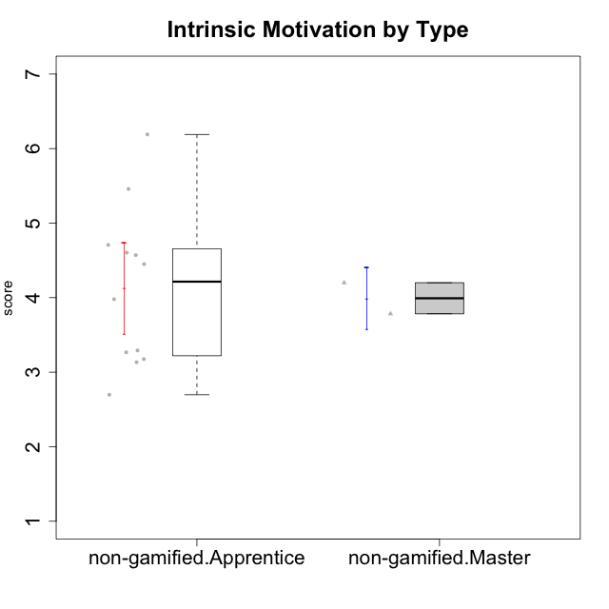

Student's t-Test data
UserID | Type | CLGroup | CLRole | PlayerRole | Interest/Enjoyment | Perceived Choice | Pressure/Tension | Effort/Importance | Intrinsic Motivation
10116 | non-gamified | GroupC | Master |  | 3.8333333333 | 2.8 | 3.5 | 4 | 3.7833333333
10122 | non-gamified | GroupB | Apprentice |  | 1.3333333333 | 6.2 | 2.25 | 5 | 4.5708333333
10129 | non-gamified | GroupB | Apprentice |  | 1.5 | 3.2 | 5.2239 | 5.3333333333 | 3.1333333333
10130 | non-gamified | GroupC | Apprentice |  | 4.6666666667 | 3.8 | 5 | 6.3333333333 | 4.45
10132 | non-gamified | GroupA | Apprentice |  | 1 | 4 | 2.75 | 5.6666666667 | 3.9791666667
10135 | non-gamified | GroupB | Apprentice |  | 4.5 | 5 | 3.75 | 4.6666666667 | 4.6041666667
10136 | non-gamified | GroupC | Apprentice |  | 1 | 2 | 3.25 | 3.1898666667 | 2.697185
10140 | non-gamified | GroupC | Apprentice |  | 2.3333333333 | 4 | 4.5 | 3.3333333333 | 3.2916666667
10145 | non-gamified | GroupB | Master |  | 3 | 2.8 | 4 | 7 | 4.2
10146 | non-gamified | GroupA | Apprentice |  | 5 | 5 | 2.5 | 6.3333333333 | 5.4583333333
10149 | non-gamified | GroupA | Apprentice |  | 2.5 | 2.4 | 5.2239 | 5.6666666667 | 3.2666666667
10153 | non-gamified | GroupA | Apprentice |  | 4.6666666667 | 4 | 2.5 | 4.6666666667 | 4.7083333333
10154 | non-gamified | GroupC | Apprentice |  | 2.1666666667 | 2.2 | 4 | 4.3333333333 | 3.175
10158 | non-gamified | GroupD | Apprentice |  | 6.5 | 5.4 | 1 | 7 | 6.1899333333

Type_CLRole_2
Student's t-Test for Intrinsic Motivation by Type in Type:CLRole between non-gamified.Apprentice:ont-gamified.Apprentice

Student's t-Test results
Alternative hypothesis: less
Group | N | Mean | Mean.Difference | Std.deviation | Std.error | CI.lower | CI.upper | df | t.value | p.value | g | magnitude
non-gamified.Apprentice | 12 | 4.1270515278 | -0.68098041667 | 1.057138253 | 0.30516952747 | 3.5167124728 | 4.7373905827 | 18.70595839 | -1.8800406114 | 0.037884516161 | -0.74105704267 | medium
ont-gamified.Apprentice | 12 | 4.8080319444 | 0.68098041667 | 0.67591578997 | 0.19512008164 | 4.4177917812 | 5.1982721077 | 18.70595839 | -1.8800406114 | 0.037884516161 | -0.74105704267 | medium
Alternative hypothesis: greater
Group | N | Mean | Mean.Difference | Std.deviation | Std.error | CI.lower | CI.upper | df | t.value | p.value | g | magnitude
non-gamified.Apprentice | 12 | 4.1270515278 | -0.68098041667 | 1.057138253 | 0.30516952747 | 3.5167124728 | 4.7373905827 | 18.70595839 | -1.8800406114 | 0.96211548384 | -0.74105704267 | medium
ont-gamified.Apprentice | 12 | 4.8080319444 | 0.68098041667 | 0.67591578997 | 0.19512008164 | 4.4177917812 | 5.1982721077 | 18.70595839 | -1.8800406114 | 0.96211548384 | -0.74105704267 | medium
Alternative hypothesis: two.sided
Group | N | Mean | Mean.Difference | Std.deviation | Std.error | CI.lower | CI.upper | df | t.value | p.value | g | magnitude
non-gamified.Apprentice | 12 | 4.1270515278 | -0.68098041667 | 1.057138253 | 0.30516952747 | 3.5167124728 | 4.7373905827 | 18.70595839 | -1.8800406114 | 0.075769032322 | -0.74105704267 | medium
ont-gamified.Apprentice | 12 | 4.8080319444 | 0.68098041667 | 0.67591578997 | 0.19512008164 | 4.4177917812 | 5.1982721077 | 18.70595839 | -1.8800406114 | 0.075769032322 | -0.74105704267 | medium

Box plots for Student's t-Test
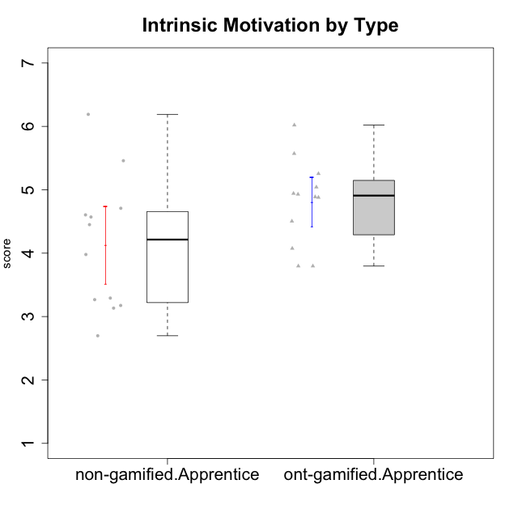

Student's t-Test data
UserID | Type | CLGroup | CLRole | PlayerRole | Interest/Enjoyment | Perceived Choice | Pressure/Tension | Effort/Importance | Intrinsic Motivation
10122 | non-gamified | GroupB | Apprentice |  | 1.3333333333 | 6.2 | 2.25 | 5 | 4.5708333333
10123 | ont-gamified | Grupo Morfeu | Apprentice | Yee Achiever | 2.6666666667 | 4.8 | 3.5 | 4.3333333333 | 4.075
10126 | ont-gamified | Grupo Hélio | Apprentice | Yee Socializer | 5.3333333333 | 6.2 | 2.25 | 5 | 5.5708333333
10127 | ont-gamified | Grupo Hades | Apprentice | Yee Achiever | 5.8333333333 | 4.8 | 2.75 | 3.6666666667 | 4.8875
10128 | ont-gamified | Grupo Morfeu | Apprentice | Yee Achiever | 1.8652333333 | 5.4 | 2.5 | 2.3333333333 | 3.7963833333
10129 | non-gamified | GroupB | Apprentice |  | 1.5 | 3.2 | 5.2239 | 5.3333333333 | 3.1333333333
10130 | non-gamified | GroupC | Apprentice |  | 4.6666666667 | 3.8 | 5 | 6.3333333333 | 4.45
10131 | ont-gamified | Grupo Zeus | Apprentice | Yee Achiever | 6.1666666667 | 2.6 | 1.75 | 6 | 5.2541666667
10132 | non-gamified | GroupA | Apprentice |  | 1 | 4 | 2.75 | 5.6666666667 | 3.9791666667
10134 | ont-gamified | Grupo Apolo | Apprentice | Yee Socializer | 2 | 3 | 3.75 | 4 | 3.7963833333
10135 | non-gamified | GroupB | Apprentice |  | 4.5 | 5 | 3.75 | 4.6666666667 | 4.6041666667
10136 | non-gamified | GroupC | Apprentice |  | 1 | 2 | 3.25 | 3.1898666667 | 2.697185
10137 | ont-gamified | Grupo Morfeu | Apprentice | Yee Achiever | 5.5 | 6.4 | 1 | 6.3333333333 | 6.0202833333
10138 | ont-gamified | Grupo Hélio | Apprentice | Yee Socializer | 4.6666666667 | 3.6 | 3.75 | 7 | 4.8791666667
10139 | ont-gamified | Grupo Zeus | Apprentice | Yee Achiever | 3.6666666667 | 4.6 | 2.25 | 4 | 4.5041666667
10140 | non-gamified | GroupC | Apprentice |  | 2.3333333333 | 4 | 4.5 | 3.3333333333 | 3.2916666667
10142 | ont-gamified | Grupo Hades | Apprentice | Yee Achiever | 4.6666666667 | 3.8 | 1.75 | 5 | 4.9291666667
10143 | ont-gamified | Grupo Apolo | Apprentice | Yee Socializer | 4.1666666667 | 5 | 3 | 6 | 5.0416666667
10146 | non-gamified | GroupA | Apprentice |  | 5 | 5 | 2.5 | 6.3333333333 | 5.4583333333
10148 | ont-gamified | Grupo Apolo | Apprentice | Yee Socializer | 4.3333333333 | 5.6 | 4.5 | 6.3333333333 | 4.9416666667
10149 | non-gamified | GroupA | Apprentice |  | 2.5 | 2.4 | 5.2239 | 5.6666666667 | 3.2666666667
10153 | non-gamified | GroupA | Apprentice |  | 4.6666666667 | 4 | 2.5 | 4.6666666667 | 4.7083333333
10154 | non-gamified | GroupC | Apprentice |  | 2.1666666667 | 2.2 | 4 | 4.3333333333 | 3.175
10158 | non-gamified | GroupD | Apprentice |  | 6.5 | 5.4 | 1 | 7 | 6.1899333333

Type_CLRole_3
Student's t-Test for Intrinsic Motivation by Type in Type:CLRole between non-gamified.Apprentice:ont-gamified.Master

Student's t-Test results
Alternative hypothesis: less
Group | N | Mean | Mean.Difference | Std.deviation | Std.error | CI.lower | CI.upper | df | t.value | p.value | g | magnitude
non-gamified.Apprentice | 12 | 4.1270515278 | -1.0604484722 | 1.057138253 | 0.30516952747 | 3.5167124728 | 4.7373905827 | 6.2076046924 | -1.9840246089 | 0.046447941171 | -0.98166672923 | large
ont-gamified.Master | 4 | 5.1875 | 1.0604484722 | 0.87762173367 | 0.43881086683 | 4.3098782663 | 6.0651217337 | 6.2076046924 | -1.9840246089 | 0.046447941171 | -0.98166672923 | large
Alternative hypothesis: greater
Group | N | Mean | Mean.Difference | Std.deviation | Std.error | CI.lower | CI.upper | df | t.value | p.value | g | magnitude
non-gamified.Apprentice | 12 | 4.1270515278 | -1.0604484722 | 1.057138253 | 0.30516952747 | 3.5167124728 | 4.7373905827 | 6.2076046924 | -1.9840246089 | 0.95355205883 | -0.98166672923 | large
ont-gamified.Master | 4 | 5.1875 | 1.0604484722 | 0.87762173367 | 0.43881086683 | 4.3098782663 | 6.0651217337 | 6.2076046924 | -1.9840246089 | 0.95355205883 | -0.98166672923 | large
Alternative hypothesis: two.sided
Group | N | Mean | Mean.Difference | Std.deviation | Std.error | CI.lower | CI.upper | df | t.value | p.value | g | magnitude
non-gamified.Apprentice | 12 | 4.1270515278 | -1.0604484722 | 1.057138253 | 0.30516952747 | 3.5167124728 | 4.7373905827 | 6.2076046924 | -1.9840246089 | 0.092895882341 | -0.98166672923 | large
ont-gamified.Master | 4 | 5.1875 | 1.0604484722 | 0.87762173367 | 0.43881086683 | 4.3098782663 | 6.0651217337 | 6.2076046924 | -1.9840246089 | 0.092895882341 | -0.98166672923 | large

Box plots for Student's t-Test
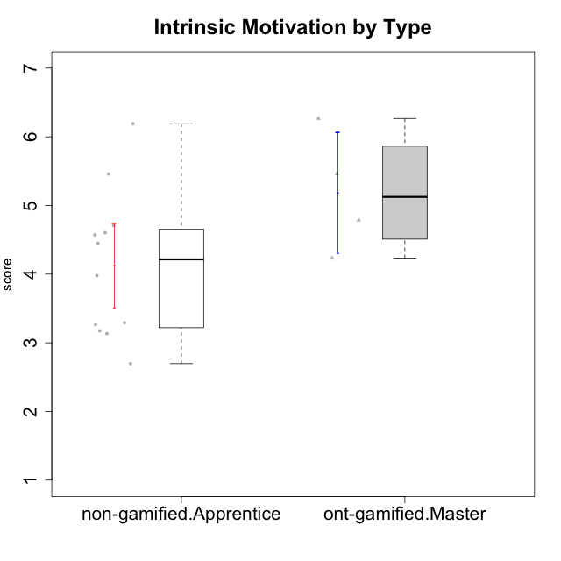

Student's t-Test data
UserID | Type | CLGroup | CLRole | PlayerRole | Interest/Enjoyment | Perceived Choice | Pressure/Tension | Effort/Importance | Intrinsic Motivation
10120 | ont-gamified | Grupo Hélio | Master | Yee Socializer | 5.8333333333 | 6.4 | 1.5 | 6.1492666667 | 6.2666666667
10121 | ont-gamified | Grupo Hades | Master | Yee Achiever | 4.5 | 5.4 | 3.75 | 5 | 4.7875
10122 | non-gamified | GroupB | Apprentice |  | 1.3333333333 | 6.2 | 2.25 | 5 | 4.5708333333
10129 | non-gamified | GroupB | Apprentice |  | 1.5 | 3.2 | 5.2239 | 5.3333333333 | 3.1333333333
10130 | non-gamified | GroupC | Apprentice |  | 4.6666666667 | 3.8 | 5 | 6.3333333333 | 4.45
10132 | non-gamified | GroupA | Apprentice |  | 1 | 4 | 2.75 | 5.6666666667 | 3.9791666667
10135 | non-gamified | GroupB | Apprentice |  | 4.5 | 5 | 3.75 | 4.6666666667 | 4.6041666667
10136 | non-gamified | GroupC | Apprentice |  | 1 | 2 | 3.25 | 3.1898666667 | 2.697185
10140 | non-gamified | GroupC | Apprentice |  | 2.3333333333 | 4 | 4.5 | 3.3333333333 | 3.2916666667
10141 | ont-gamified | Grupo Apolo | Master | Yee Socializer | 4 | 4.0174 | 3 | 4.3333333333 | 4.2333333333
10146 | non-gamified | GroupA | Apprentice |  | 5 | 5 | 2.5 | 6.3333333333 | 5.4583333333
10149 | non-gamified | GroupA | Apprentice |  | 2.5 | 2.4 | 5.2239 | 5.6666666667 | 3.2666666667
10152 | ont-gamified | Grupo Morfeu | Master | Yee Achiever | 7 | 5.6 | 2.75 | 4 | 5.4625
10153 | non-gamified | GroupA | Apprentice |  | 4.6666666667 | 4 | 2.5 | 4.6666666667 | 4.7083333333
10154 | non-gamified | GroupC | Apprentice |  | 2.1666666667 | 2.2 | 4 | 4.3333333333 | 3.175
10158 | non-gamified | GroupD | Apprentice |  | 6.5 | 5.4 | 1 | 7 | 6.1899333333

Type_CLRole_4
Student's t-Test for Intrinsic Motivation by Type in Type:CLRole between non-gamified.Master:ont-gamified.Apprentice

Student's t-Test results
Alternative hypothesis: less
Group | N | Mean | Mean.Difference | Std.deviation | Std.error | CI.lower | CI.upper | df | t.value | p.value | g | magnitude
non-gamified.Master | 2 | 3.9916666667 | -0.81636527778 | 0.29462782549 | 0.20833333333 | 3.575 | 4.4083333333 | 3.2934167662 | -2.8600481333 | 0.028905092922 | -1.1709066076 | large
ont-gamified.Apprentice | 12 | 4.8080319444 | 0.81636527778 | 0.67591578997 | 0.19512008164 | 4.4177917812 | 5.1982721077 | 3.2934167662 | -2.8600481333 | 0.028905092922 | -1.1709066076 | large
Alternative hypothesis: greater
Group | N | Mean | Mean.Difference | Std.deviation | Std.error | CI.lower | CI.upper | df | t.value | p.value | g | magnitude
non-gamified.Master | 2 | 3.9916666667 | -0.81636527778 | 0.29462782549 | 0.20833333333 | 3.575 | 4.4083333333 | 3.2934167662 | -2.8600481333 | 0.97109490708 | -1.1709066076 | large
ont-gamified.Apprentice | 12 | 4.8080319444 | 0.81636527778 | 0.67591578997 | 0.19512008164 | 4.4177917812 | 5.1982721077 | 3.2934167662 | -2.8600481333 | 0.97109490708 | -1.1709066076 | large
Alternative hypothesis: two.sided
Group | N | Mean | Mean.Difference | Std.deviation | Std.error | CI.lower | CI.upper | df | t.value | p.value | g | magnitude
non-gamified.Master | 2 | 3.9916666667 | -0.81636527778 | 0.29462782549 | 0.20833333333 | 3.575 | 4.4083333333 | 3.2934167662 | -2.8600481333 | 0.057810185844 | -1.1709066076 | large
ont-gamified.Apprentice | 12 | 4.8080319444 | 0.81636527778 | 0.67591578997 | 0.19512008164 | 4.4177917812 | 5.1982721077 | 3.2934167662 | -2.8600481333 | 0.057810185844 | -1.1709066076 | large

Box plots for Student's t-Test
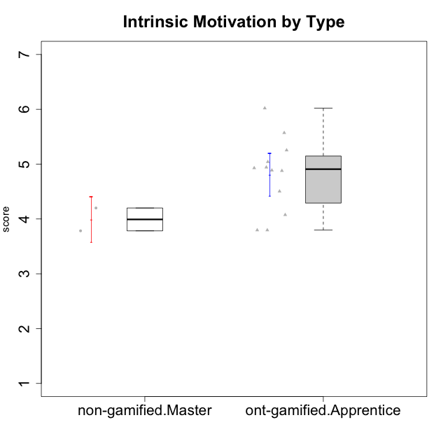

Student's t-Test data
UserID | Type | CLGroup | CLRole | PlayerRole | Interest/Enjoyment | Perceived Choice | Pressure/Tension | Effort/Importance | Intrinsic Motivation
10116 | non-gamified | GroupC | Master |  | 3.8333333333 | 2.8 | 3.5 | 4 | 3.7833333333
10123 | ont-gamified | Grupo Morfeu | Apprentice | Yee Achiever | 2.6666666667 | 4.8 | 3.5 | 4.3333333333 | 4.075
10126 | ont-gamified | Grupo Hélio | Apprentice | Yee Socializer | 5.3333333333 | 6.2 | 2.25 | 5 | 5.5708333333
10127 | ont-gamified | Grupo Hades | Apprentice | Yee Achiever | 5.8333333333 | 4.8 | 2.75 | 3.6666666667 | 4.8875
10128 | ont-gamified | Grupo Morfeu | Apprentice | Yee Achiever | 1.8652333333 | 5.4 | 2.5 | 2.3333333333 | 3.7963833333
10131 | ont-gamified | Grupo Zeus | Apprentice | Yee Achiever | 6.1666666667 | 2.6 | 1.75 | 6 | 5.2541666667
10134 | ont-gamified | Grupo Apolo | Apprentice | Yee Socializer | 2 | 3 | 3.75 | 4 | 3.7963833333
10137 | ont-gamified | Grupo Morfeu | Apprentice | Yee Achiever | 5.5 | 6.4 | 1 | 6.3333333333 | 6.0202833333
10138 | ont-gamified | Grupo Hélio | Apprentice | Yee Socializer | 4.6666666667 | 3.6 | 3.75 | 7 | 4.8791666667
10139 | ont-gamified | Grupo Zeus | Apprentice | Yee Achiever | 3.6666666667 | 4.6 | 2.25 | 4 | 4.5041666667
10142 | ont-gamified | Grupo Hades | Apprentice | Yee Achiever | 4.6666666667 | 3.8 | 1.75 | 5 | 4.9291666667
10143 | ont-gamified | Grupo Apolo | Apprentice | Yee Socializer | 4.1666666667 | 5 | 3 | 6 | 5.0416666667
10145 | non-gamified | GroupB | Master |  | 3 | 2.8 | 4 | 7 | 4.2
10148 | ont-gamified | Grupo Apolo | Apprentice | Yee Socializer | 4.3333333333 | 5.6 | 4.5 | 6.3333333333 | 4.9416666667

Type_CLRole_5
Student's t-Test for Intrinsic Motivation by Type in Type:CLRole between non-gamified.Master:ont-gamified.Master

Student's t-Test results
Alternative hypothesis: less
Group | N | Mean | Mean.Difference | Std.deviation | Std.error | CI.lower | CI.upper | df | t.value | p.value | g | magnitude
non-gamified.Master | 2 | 3.9916666667 | -1.1958333333 | 0.29462782549 | 0.20833333333 | 3.575 | 4.4083333333 | 3.9090285261 | -2.4618043097 | 0.035511109474 | -1.235704063 | large
ont-gamified.Master | 4 | 5.1875 | 1.1958333333 | 0.87762173367 | 0.43881086683 | 4.3098782663 | 6.0651217337 | 3.9090285261 | -2.4618043097 | 0.035511109474 | -1.235704063 | large
Alternative hypothesis: greater
Group | N | Mean | Mean.Difference | Std.deviation | Std.error | CI.lower | CI.upper | df | t.value | p.value | g | magnitude
non-gamified.Master | 2 | 3.9916666667 | -1.1958333333 | 0.29462782549 | 0.20833333333 | 3.575 | 4.4083333333 | 3.9090285261 | -2.4618043097 | 0.96448889053 | -1.235704063 | large
ont-gamified.Master | 4 | 5.1875 | 1.1958333333 | 0.87762173367 | 0.43881086683 | 4.3098782663 | 6.0651217337 | 3.9090285261 | -2.4618043097 | 0.96448889053 | -1.235704063 | large
Alternative hypothesis: two.sided
Group | N | Mean | Mean.Difference | Std.deviation | Std.error | CI.lower | CI.upper | df | t.value | p.value | g | magnitude
non-gamified.Master | 2 | 3.9916666667 | -1.1958333333 | 0.29462782549 | 0.20833333333 | 3.575 | 4.4083333333 | 3.9090285261 | -2.4618043097 | 0.071022218949 | -1.235704063 | large
ont-gamified.Master | 4 | 5.1875 | 1.1958333333 | 0.87762173367 | 0.43881086683 | 4.3098782663 | 6.0651217337 | 3.9090285261 | -2.4618043097 | 0.071022218949 | -1.235704063 | large

Box plots for Student's t-Test
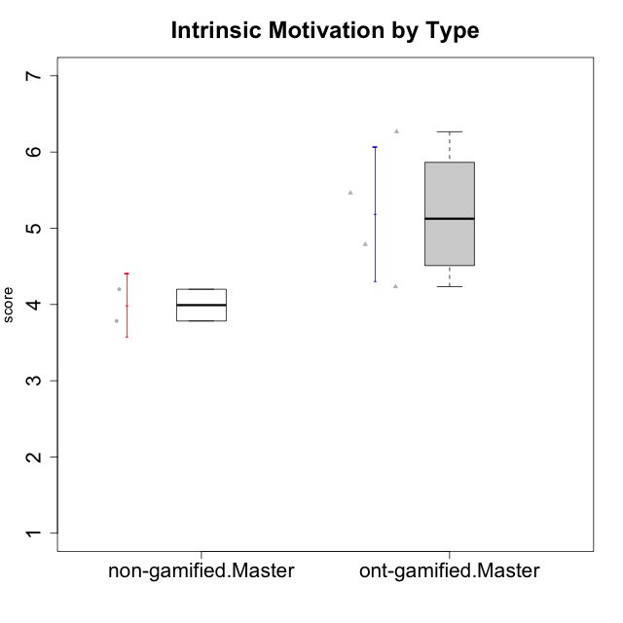

Student's t-Test data
UserID | Type | CLGroup | CLRole | PlayerRole | Interest/Enjoyment | Perceived Choice | Pressure/Tension | Effort/Importance | Intrinsic Motivation
10116 | non-gamified | GroupC | Master |  | 3.8333333333 | 2.8 | 3.5 | 4 | 3.7833333333
10120 | ont-gamified | Grupo Hélio | Master | Yee Socializer | 5.8333333333 | 6.4 | 1.5 | 6.1492666667 | 6.2666666667
10121 | ont-gamified | Grupo Hades | Master | Yee Achiever | 4.5 | 5.4 | 3.75 | 5 | 4.7875
10141 | ont-gamified | Grupo Apolo | Master | Yee Socializer | 4 | 4.0174 | 3 | 4.3333333333 | 4.2333333333
10145 | non-gamified | GroupB | Master |  | 3 | 2.8 | 4 | 7 | 4.2
10152 | ont-gamified | Grupo Morfeu | Master | Yee Achiever | 7 | 5.6 | 2.75 | 4 | 5.4625

Type_CLRole_6
Student's t-Test for Intrinsic Motivation by Type in Type:CLRole between ont-gamified.Apprentice:ont-gamified.Master

Student's t-Test results
Alternative hypothesis: less
Group | N | Mean | Mean.Difference | Std.deviation | Std.error | CI.lower | CI.upper | df | t.value | p.value | g | magnitude
ont-gamified.Apprentice | 12 | 4.8080319444 | -0.37946805556 | 0.67591578997 | 0.19512008164 | 4.4177917812 | 5.1982721077 | 4.2581953238 | -0.79016959353 | 0.23555667778 | -0.49561676324 | small
ont-gamified.Master | 4 | 5.1875 | 0.37946805556 | 0.87762173367 | 0.43881086683 | 4.3098782663 | 6.0651217337 | 4.2581953238 | -0.79016959353 | 0.23555667778 | -0.49561676324 | small
Alternative hypothesis: greater
Group | N | Mean | Mean.Difference | Std.deviation | Std.error | CI.lower | CI.upper | df | t.value | p.value | g | magnitude
ont-gamified.Apprentice | 12 | 4.8080319444 | -0.37946805556 | 0.67591578997 | 0.19512008164 | 4.4177917812 | 5.1982721077 | 4.2581953238 | -0.79016959353 | 0.76444332222 | -0.49561676324 | small
ont-gamified.Master | 4 | 5.1875 | 0.37946805556 | 0.87762173367 | 0.43881086683 | 4.3098782663 | 6.0651217337 | 4.2581953238 | -0.79016959353 | 0.76444332222 | -0.49561676324 | small
Alternative hypothesis: two.sided
Group | N | Mean | Mean.Difference | Std.deviation | Std.error | CI.lower | CI.upper | df | t.value | p.value | g | magnitude
ont-gamified.Apprentice | 12 | 4.8080319444 | -0.37946805556 | 0.67591578997 | 0.19512008164 | 4.4177917812 | 5.1982721077 | 4.2581953238 | -0.79016959353 | 0.47111335556 | -0.49561676324 | small
ont-gamified.Master | 4 | 5.1875 | 0.37946805556 | 0.87762173367 | 0.43881086683 | 4.3098782663 | 6.0651217337 | 4.2581953238 | -0.79016959353 | 0.47111335556 | -0.49561676324 | small

Box plots for Student's t-Test
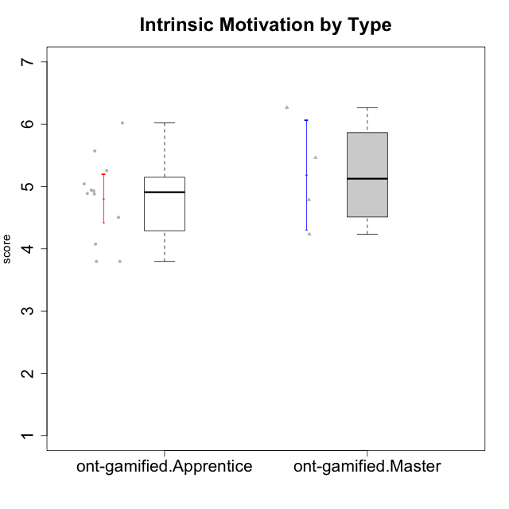

Student's t-Test data
UserID | Type | CLGroup | CLRole | PlayerRole | Interest/Enjoyment | Perceived Choice | Pressure/Tension | Effort/Importance | Intrinsic Motivation
10120 | ont-gamified | Grupo Hélio | Master | Yee Socializer | 5.8333333333 | 6.4 | 1.5 | 6.1492666667 | 6.2666666667
10121 | ont-gamified | Grupo Hades | Master | Yee Achiever | 4.5 | 5.4 | 3.75 | 5 | 4.7875
10123 | ont-gamified | Grupo Morfeu | Apprentice | Yee Achiever | 2.6666666667 | 4.8 | 3.5 | 4.3333333333 | 4.075
10126 | ont-gamified | Grupo Hélio | Apprentice | Yee Socializer | 5.3333333333 | 6.2 | 2.25 | 5 | 5.5708333333
10127 | ont-gamified | Grupo Hades | Apprentice | Yee Achiever | 5.8333333333 | 4.8 | 2.75 | 3.6666666667 | 4.8875
10128 | ont-gamified | Grupo Morfeu | Apprentice | Yee Achiever | 1.8652333333 | 5.4 | 2.5 | 2.3333333333 | 3.7963833333
10131 | ont-gamified | Grupo Zeus | Apprentice | Yee Achiever | 6.1666666667 | 2.6 | 1.75 | 6 | 5.2541666667
10134 | ont-gamified | Grupo Apolo | Apprentice | Yee Socializer | 2 | 3 | 3.75 | 4 | 3.7963833333
10137 | ont-gamified | Grupo Morfeu | Apprentice | Yee Achiever | 5.5 | 6.4 | 1 | 6.3333333333 | 6.0202833333
10138 | ont-gamified | Grupo Hélio | Apprentice | Yee Socializer | 4.6666666667 | 3.6 | 3.75 | 7 | 4.8791666667
10139 | ont-gamified | Grupo Zeus | Apprentice | Yee Achiever | 3.6666666667 | 4.6 | 2.25 | 4 | 4.5041666667
10141 | ont-gamified | Grupo Apolo | Master | Yee Socializer | 4 | 4.0174 | 3 | 4.3333333333 | 4.2333333333
10142 | ont-gamified | Grupo Hades | Apprentice | Yee Achiever | 4.6666666667 | 3.8 | 1.75 | 5 | 4.9291666667
10143 | ont-gamified | Grupo Apolo | Apprentice | Yee Socializer | 4.1666666667 | 5 | 3 | 6 | 5.0416666667
10148 | ont-gamified | Grupo Apolo | Apprentice | Yee Socializer | 4.3333333333 | 5.6 | 4.5 | 6.3333333333 | 4.9416666667
10152 | ont-gamified | Grupo Morfeu | Master | Yee Achiever | 7 | 5.6 | 2.75 | 4 | 5.4625

