Type_1
Wilcoxon Analysis for Perceived Choice by Type in Type between non-gamified:ont-gamified

Wilcoxon test results
Alternative hypothesis: less
Group | N | Median | Mean.Ranks | Sum.Ranks | U | Z | p.value | r | magnitude
non-gamified | 14 | 3.9 | 12.071428571 | 169 | 64 | -1.9996169683 | 0.022764510418 | 0.36507843997 | medium
ont-gamified | 16 | 4.9 | 18.5 | 296 | 64 | -1.9996169683 | 0.022764510418 | 0.36507843997 | medium
Alternative hypothesis: greater
Group | N | Median | Mean.Ranks | Sum.Ranks | U | Z | p.value | r | magnitude
non-gamified | 14 | 3.9 | 12.071428571 | 169 | 64 | -1.9996169683 | 0.97837917642 | 0.36507843997 | medium
ont-gamified | 16 | 4.9 | 18.5 | 296 | 64 | -1.9996169683 | 0.97837917642 | 0.36507843997 | medium
Alternative hypothesis: two.sided
Group | N | Median | Mean.Ranks | Sum.Ranks | U | Z | p.value | r | magnitude
non-gamified | 14 | 3.9 | 12.071428571 | 169 | 64 | -1.9996169683 | 0.045524695513 | 0.36507843997 | medium
ont-gamified | 16 | 4.9 | 18.5 | 296 | 64 | -1.9996169683 | 0.045524695513 | 0.36507843997 | medium

Box plots for wilcoxon tests
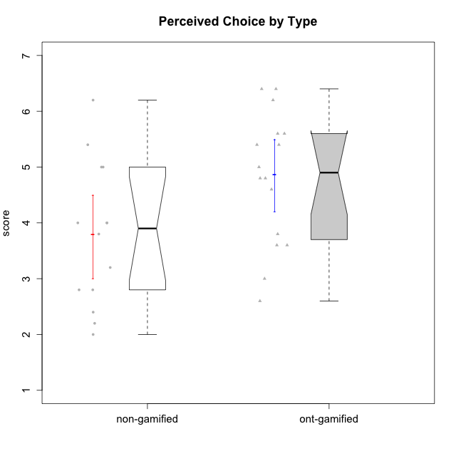

Wilcoxon data
UserID | Type | CLGroup | CLRole | PlayerRole | Item22IE | Item09IE | Item12IE | Item24IE | Item21IE | Item01IE | Item17PC | Item15PC | Item06PC | Item02PC | Item08PC | Item16PT | Item14PT | Item18PT | Item11PT | Item13EI | Item03EI | Item07EI | Interest/Enjoyment | Perceived Choice | Pressure/Tension | Effort/Importance | Intrinsic Motivation
10116 | non-gamified | GroupC | Master |  | 4 | 4 | 2 | 6 | 4 | 3 | 4 | 5 | 6 | 7 | 4 | 4 | 2 | 2 | 2 | 4 | 4 | 4 | 3.8333333333 | 2.8 | 3.5 | 4 | 3.7833333333
10120 | ont-gamified | Grupo Hélio | Master | Yee Socializer | 6 | 6 | 5 | 5 | 6 | 7 | 1 | 1 | 2 | 3 | 1 | 1 | 2 | 1 | 6 | 3 | 7 | 1 | 5.8333333333 | 6.4 | 1.5 | 6.3333333333 | 6.2666666667
10121 | ont-gamified | Grupo Hades | Master | Yee Achiever | 5 | 6 | 6 | 4 | 5 | 1 | 3 | 4 | 2 | 2 | 2 | 5 | 3 | 2 | 3 | 3 | 5 | 3 | 4.5 | 5.4 | 3.75 | 5 | 4.7875
10122 | non-gamified | GroupB | Apprentice |  | 1 | 1 | 2 | 1 | 1 | 2 | 1 | 1 | 2 | 3 | 2 | 1 | 1 | 1 | 2 | 2 | 3 | 2 | 1.3333333333 | 6.2 | 2.25 | 5 | 4.5708333333
10123 | ont-gamified | Grupo Morfeu | Apprentice | Yee Achiever | 3 | 2 | 3 | 3 | 3 | 2 | 3 | 3 | 2 | 5 | 3 | 2 | 4 | 4 | 4 | 3 | 3 | 3 | 2.6666666667 | 4.8 | 3.5 | 4.3333333333 | 4.075
10126 | ont-gamified | Grupo Hélio | Apprentice | Yee Socializer | 5 | 6 | 6 | 4 | 6 | 5 | 2 | 2 | 2 | 2 | 1 | 1 | 2 | 1 | 3 | 1 | 5 | 5 | 5.3333333333 | 6.2 | 2.25 | 5 | 5.5708333333
10127 | ont-gamified | Grupo Hades | Apprentice | Yee Achiever | 7 | 6 | 6 | 6 | 6 | 4 | 4 | 3 | 3 | 2 | 4 | 4 | 2 | 2 | 5 | 5 | 5 | 5 | 5.8333333333 | 4.8 | 2.75 | 3.6666666667 | 4.8875
10128 | ont-gamified | Grupo Morfeu | Apprentice | Yee Achiever | 1 | 1 | 1 | 1 | 1 | 1 | 1 | 1 | 1 | 4 | 6 | 1 | 1 | 1 | 1 | 5 | 2 | 6 | 1 | 5.4 | 2.5 | 2.3333333333 | 3.5583333333
10129 | non-gamified | GroupB | Apprentice |  | 1 | 2 | 1 | 1 | 3 | 1 | 4 | 5 | 4 | 7 | 4 | 5 | 5 | 5 | 1 | 5 | 7 | 2 | 1.5 | 3.2 | 5.5 | 5.3333333333 | 3.1333333333
10130 | non-gamified | GroupC | Apprentice |  | 5 | 5 | 4 | 5 | 5 | 4 | 4 | 4 | 5 | 3 | 5 | 5 | 4 | 5 | 2 | 1 | 6 | 2 | 4.6666666667 | 3.8 | 5 | 6.3333333333 | 4.45
10131 | ont-gamified | Grupo Zeus | Apprentice | Yee Achiever | 7 | 5 | 7 | 7 | 7 | 4 | 6 | 7 | 7 | 5 | 2 | 2 | 1 | 2 | 6 | 3 | 6 | 1 | 6.1666666667 | 2.6 | 1.75 | 6 | 5.2541666667
10132 | non-gamified | GroupA | Apprentice |  | 1 | 1 | 1 | 1 | 1 | 1 | 2 | 3 | 4 | 7 | 4 | 2 | 2 | 2 | 3 | 3 | 7 | 3 | 1 | 4 | 2.75 | 5.6666666667 | 3.9791666667
10134 | ont-gamified | Grupo Apolo | Apprentice | Yee Socializer | 2 | 2 | 2 | 2 | 2 | 2 | 5 | 5 | 3 | 6 | 6 | 3 | 3 | 3 | 2 | 4 | 4 | 4 | 2 | 3 | 3.75 | 4 | 3.3125
10135 | non-gamified | GroupB | Apprentice |  | 5 | 5 | 5 | 2 | 5 | 5 | 2 | 2 | 1 | 4 | 6 | 4 | 4 | 4 | 5 | 2 | 5 | 5 | 4.5 | 5 | 3.75 | 4.6666666667 | 4.6041666667
10136 | non-gamified | GroupC | Apprentice |  | 1 | 1 | 1 | 1 | 1 | 1 | 6 | 5 | 6 | 7 | 6 | 3 | 1 | 5 | 4 | 5 | 3 | 6 | 1 | 2 | 3.25 | 2.6666666667 | 2.6041666667
10137 | ont-gamified | Grupo Morfeu | Apprentice | Yee Achiever | 5 | 5 | 6 | 6 | 6 | 5 | 1 | 4 | 1 | 1 | 1 | 1 | 1 | 1 | 7 | 1 | 5 | 1 | 5.5 | 6.4 | 1 | 6.3333333333 | 6.3083333333
10138 | ont-gamified | Grupo Hélio | Apprentice | Yee Socializer | 4 | 6 | 6 | 4 | 5 | 3 | 4 | 5 | 6 | 4 | 3 | 4 | 4 | 2 | 3 | 1 | 7 | 1 | 4.6666666667 | 3.6 | 3.75 | 7 | 4.8791666667
10139 | ont-gamified | Grupo Zeus | Apprentice | Yee Achiever | 3 | 6 | 3 | 4 | 5 | 1 | 1 | 7 | 4 | 4 | 1 | 3 | 4 | 1 | 7 | 4 | 5 | 5 | 3.6666666667 | 4.6 | 2.25 | 4 | 4.5041666667
10140 | non-gamified | GroupC | Apprentice |  | 2 | 4 | 1 | 2 | 4 | 1 | 4 | 4 | 4 | 4 | 4 | 4 | 5 | 5 | 4 | 5 | 3 | 4 | 2.3333333333 | 4 | 4.5 | 3.3333333333 | 3.2916666667
10141 | ont-gamified | Grupo Apolo | Master | Yee Socializer | 5 | 5 | 3 | 4 | 5 | 2 | 4 | 4 | 6 | 4 | 4 | 3 | 4 | 1 | 4 | 5 | 5 | 3 | 4 | 3.6 | 3 | 4.3333333333 | 4.2333333333
10142 | ont-gamified | Grupo Hades | Apprentice | Yee Achiever | 4 | 6 | 4 | 6 | 4 | 4 | 4 | 4 | 3 | 6 | 4 | 4 | 1 | 1 | 7 | 2 | 4 | 3 | 4.6666666667 | 3.8 | 1.75 | 5 | 4.9291666667
10143 | ont-gamified | Grupo Apolo | Apprentice | Yee Socializer | 4 | 4 | 4 | 4 | 5 | 4 | 2 | 4 | 3 | 4 | 2 | 3 | 2 | 2 | 3 | 2 | 6 | 2 | 4.1666666667 | 5 | 3 | 6 | 5.0416666667
10145 | non-gamified | GroupB | Master |  | 2 | 4 | 4 | 4 | 3 | 1 | 4 | 7 | 4 | 7 | 4 | 4 | 4 | 4 | 4 | 1 | 7 | 1 | 3 | 2.8 | 4 | 7 | 4.2
10146 | non-gamified | GroupA | Apprentice |  | 5 | 5 | 5 | 5 | 5 | 5 | 3 | 4 | 3 | 3 | 2 | 3 | 3 | 3 | 7 | 1 | 6 | 2 | 5 | 5 | 2.5 | 6.3333333333 | 5.4583333333
10148 | ont-gamified | Grupo Apolo | Apprentice | Yee Socializer | 5 | 4 | 4 | 3 | 6 | 4 | 3 | 4 | 1 | 3 | 1 | 5 | 2 | 5 | 2 | 2 | 6 | 1 | 4.3333333333 | 5.6 | 4.5 | 6.3333333333 | 4.9416666667
10149 | non-gamified | GroupA | Apprentice |  | 1 | 1 | 1 | 1 | 7 | 4 | 6 | 6 | 7 | 3 | 6 | 5 | 5 | 5 | 1 | 1 | 7 | 5 | 2.5 | 2.4 | 5.5 | 5.6666666667 | 3.2666666667
10152 | ont-gamified | Grupo Morfeu | Master | Yee Achiever | 7 | 7 | 7 | 7 | 7 | 7 | 2 | 2 | 4 | 3 | 1 | 2 | 3 | 2 | 4 | 5 | 7 | 6 | 7 | 5.6 | 2.75 | 4 | 5.4625
10153 | non-gamified | GroupA | Apprentice |  | 6 | 5 | 5 | 4 | 3 | 5 | 5 | 6 | 3 | 4 | 2 | 2 | 2 | 2 | 4 | 5 | 5 | 2 | 4.6666666667 | 4 | 2.5 | 4.6666666667 | 4.7083333333
10154 | non-gamified | GroupC | Apprentice |  | 1 | 4 | 2 | 2 | 1 | 3 | 6 | 6 | 6 | 6 | 5 | 5 | 2 | 3 | 2 | 5 | 5 | 3 | 2.1666666667 | 2.2 | 4 | 4.3333333333 | 3.175
10158 | non-gamified | GroupD | Apprentice |  | 7 | 6 | 7 | 6 | 6 | 7 | 1 | 4 | 4 | 3 | 1 | 1 | 1 | 1 | 7 | 1 | 7 | 1 | 6.5 | 5.4 | 1 | 7 | 6.475

Type_CLRole_1
Wilcoxon Analysis for Perceived Choice by Type in Type:CLRole between non-gamified.Apprentice:non-gamified.Master

Wilcoxon test results
Alternative hypothesis: less
Group | N | Median | Mean.Ranks | Sum.Ranks | U | Z | p.value | r | magnitude
non-gamified.Apprentice | 12 | 4 | 8 | 96 | 18 | 1.1027400576 | 0.86813186813 | 0.29471967731 | small
non-gamified.Master | 2 | 2.8 | 4.5 | 9 | 18 | 1.1027400576 | 0.86813186813 | 0.29471967731 | small
Alternative hypothesis: greater
Group | N | Median | Mean.Ranks | Sum.Ranks | U | Z | p.value | r | magnitude
non-gamified.Apprentice | 12 | 4 | 8 | 96 | 18 | 1.1027400576 | 0.16483516484 | 0.29471967731 | small
non-gamified.Master | 2 | 2.8 | 4.5 | 9 | 18 | 1.1027400576 | 0.16483516484 | 0.29471967731 | small
Alternative hypothesis: two.sided
Group | N | Median | Mean.Ranks | Sum.Ranks | U | Z | p.value | r | magnitude
non-gamified.Apprentice | 12 | 4 | 8 | 96 | 18 | 1.1027400576 | 0.30769230769 | 0.29471967731 | small
non-gamified.Master | 2 | 2.8 | 4.5 | 9 | 18 | 1.1027400576 | 0.30769230769 | 0.29471967731 | small

Box plots for wilcoxon tests
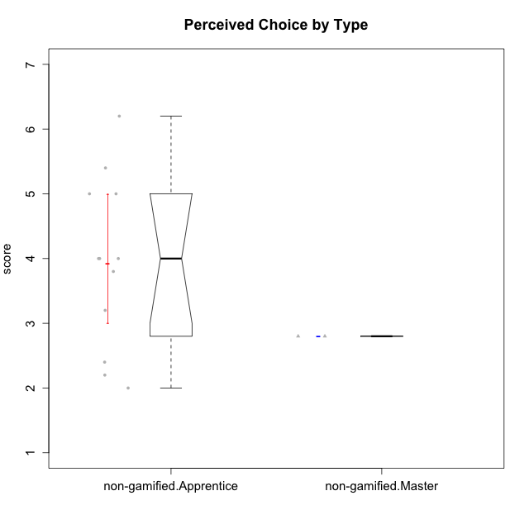

Wilcoxon data
UserID | Type | CLGroup | CLRole | PlayerRole | Item22IE | Item09IE | Item12IE | Item24IE | Item21IE | Item01IE | Item17PC | Item15PC | Item06PC | Item02PC | Item08PC | Item16PT | Item14PT | Item18PT | Item11PT | Item13EI | Item03EI | Item07EI | Interest/Enjoyment | Perceived Choice | Pressure/Tension | Effort/Importance | Intrinsic Motivation
10116 | non-gamified | GroupC | Master |  | 4 | 4 | 2 | 6 | 4 | 3 | 4 | 5 | 6 | 7 | 4 | 4 | 2 | 2 | 2 | 4 | 4 | 4 | 3.8333333333 | 2.8 | 3.5 | 4 | 3.7833333333
10122 | non-gamified | GroupB | Apprentice |  | 1 | 1 | 2 | 1 | 1 | 2 | 1 | 1 | 2 | 3 | 2 | 1 | 1 | 1 | 2 | 2 | 3 | 2 | 1.3333333333 | 6.2 | 2.25 | 5 | 4.5708333333
10129 | non-gamified | GroupB | Apprentice |  | 1 | 2 | 1 | 1 | 3 | 1 | 4 | 5 | 4 | 7 | 4 | 5 | 5 | 5 | 1 | 5 | 7 | 2 | 1.5 | 3.2 | 5.5 | 5.3333333333 | 3.1333333333
10130 | non-gamified | GroupC | Apprentice |  | 5 | 5 | 4 | 5 | 5 | 4 | 4 | 4 | 5 | 3 | 5 | 5 | 4 | 5 | 2 | 1 | 6 | 2 | 4.6666666667 | 3.8 | 5 | 6.3333333333 | 4.45
10132 | non-gamified | GroupA | Apprentice |  | 1 | 1 | 1 | 1 | 1 | 1 | 2 | 3 | 4 | 7 | 4 | 2 | 2 | 2 | 3 | 3 | 7 | 3 | 1 | 4 | 2.75 | 5.6666666667 | 3.9791666667
10135 | non-gamified | GroupB | Apprentice |  | 5 | 5 | 5 | 2 | 5 | 5 | 2 | 2 | 1 | 4 | 6 | 4 | 4 | 4 | 5 | 2 | 5 | 5 | 4.5 | 5 | 3.75 | 4.6666666667 | 4.6041666667
10136 | non-gamified | GroupC | Apprentice |  | 1 | 1 | 1 | 1 | 1 | 1 | 6 | 5 | 6 | 7 | 6 | 3 | 1 | 5 | 4 | 5 | 3 | 6 | 1 | 2 | 3.25 | 2.6666666667 | 2.6041666667
10140 | non-gamified | GroupC | Apprentice |  | 2 | 4 | 1 | 2 | 4 | 1 | 4 | 4 | 4 | 4 | 4 | 4 | 5 | 5 | 4 | 5 | 3 | 4 | 2.3333333333 | 4 | 4.5 | 3.3333333333 | 3.2916666667
10145 | non-gamified | GroupB | Master |  | 2 | 4 | 4 | 4 | 3 | 1 | 4 | 7 | 4 | 7 | 4 | 4 | 4 | 4 | 4 | 1 | 7 | 1 | 3 | 2.8 | 4 | 7 | 4.2
10146 | non-gamified | GroupA | Apprentice |  | 5 | 5 | 5 | 5 | 5 | 5 | 3 | 4 | 3 | 3 | 2 | 3 | 3 | 3 | 7 | 1 | 6 | 2 | 5 | 5 | 2.5 | 6.3333333333 | 5.4583333333
10149 | non-gamified | GroupA | Apprentice |  | 1 | 1 | 1 | 1 | 7 | 4 | 6 | 6 | 7 | 3 | 6 | 5 | 5 | 5 | 1 | 1 | 7 | 5 | 2.5 | 2.4 | 5.5 | 5.6666666667 | 3.2666666667
10153 | non-gamified | GroupA | Apprentice |  | 6 | 5 | 5 | 4 | 3 | 5 | 5 | 6 | 3 | 4 | 2 | 2 | 2 | 2 | 4 | 5 | 5 | 2 | 4.6666666667 | 4 | 2.5 | 4.6666666667 | 4.7083333333
10154 | non-gamified | GroupC | Apprentice |  | 1 | 4 | 2 | 2 | 1 | 3 | 6 | 6 | 6 | 6 | 5 | 5 | 2 | 3 | 2 | 5 | 5 | 3 | 2.1666666667 | 2.2 | 4 | 4.3333333333 | 3.175
10158 | non-gamified | GroupD | Apprentice |  | 7 | 6 | 7 | 6 | 6 | 7 | 1 | 4 | 4 | 3 | 1 | 1 | 1 | 1 | 7 | 1 | 7 | 1 | 6.5 | 5.4 | 1 | 7 | 6.475

Type_CLRole_2
Wilcoxon Analysis for Perceived Choice by Type in Type:CLRole between non-gamified.Apprentice:ont-gamified.Apprentice

Wilcoxon test results
Alternative hypothesis: less
Group | N | Median | Mean.Ranks | Sum.Ranks | U | Z | p.value | r | magnitude
non-gamified.Apprentice | 12 | 4 | 10.791666667 | 129.5 | 51.5 | -1.1866677552 | 0.12311863665 | 0.24222754121 | small
ont-gamified.Apprentice | 12 | 4.8 | 14.208333333 | 170.5 | 51.5 | -1.1866677552 | 0.12311863665 | 0.24222754121 | small
Alternative hypothesis: greater
Group | N | Median | Mean.Ranks | Sum.Ranks | U | Z | p.value | r | magnitude
non-gamified.Apprentice | 12 | 4 | 10.791666667 | 129.5 | 51.5 | -1.1866677552 | 0.88270129386 | 0.24222754121 | small
ont-gamified.Apprentice | 12 | 4.8 | 14.208333333 | 170.5 | 51.5 | -1.1866677552 | 0.88270129386 | 0.24222754121 | small
Alternative hypothesis: two.sided
Group | N | Median | Mean.Ranks | Sum.Ranks | U | Z | p.value | r | magnitude
non-gamified.Apprentice | 12 | 4 | 10.791666667 | 129.5 | 51.5 | -1.1866677552 | 0.24623727329 | 0.24222754121 | small
ont-gamified.Apprentice | 12 | 4.8 | 14.208333333 | 170.5 | 51.5 | -1.1866677552 | 0.24623727329 | 0.24222754121 | small

Box plots for wilcoxon tests
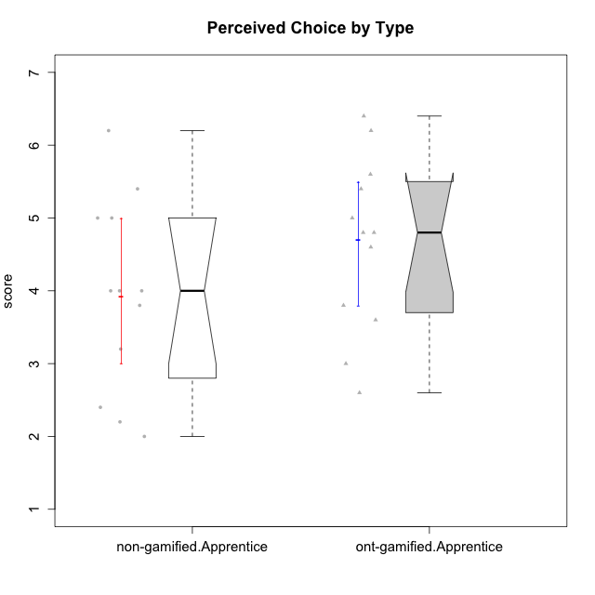

Wilcoxon data
UserID | Type | CLGroup | CLRole | PlayerRole | Item22IE | Item09IE | Item12IE | Item24IE | Item21IE | Item01IE | Item17PC | Item15PC | Item06PC | Item02PC | Item08PC | Item16PT | Item14PT | Item18PT | Item11PT | Item13EI | Item03EI | Item07EI | Interest/Enjoyment | Perceived Choice | Pressure/Tension | Effort/Importance | Intrinsic Motivation
10122 | non-gamified | GroupB | Apprentice |  | 1 | 1 | 2 | 1 | 1 | 2 | 1 | 1 | 2 | 3 | 2 | 1 | 1 | 1 | 2 | 2 | 3 | 2 | 1.3333333333 | 6.2 | 2.25 | 5 | 4.5708333333
10123 | ont-gamified | Grupo Morfeu | Apprentice | Yee Achiever | 3 | 2 | 3 | 3 | 3 | 2 | 3 | 3 | 2 | 5 | 3 | 2 | 4 | 4 | 4 | 3 | 3 | 3 | 2.6666666667 | 4.8 | 3.5 | 4.3333333333 | 4.075
10126 | ont-gamified | Grupo Hélio | Apprentice | Yee Socializer | 5 | 6 | 6 | 4 | 6 | 5 | 2 | 2 | 2 | 2 | 1 | 1 | 2 | 1 | 3 | 1 | 5 | 5 | 5.3333333333 | 6.2 | 2.25 | 5 | 5.5708333333
10127 | ont-gamified | Grupo Hades | Apprentice | Yee Achiever | 7 | 6 | 6 | 6 | 6 | 4 | 4 | 3 | 3 | 2 | 4 | 4 | 2 | 2 | 5 | 5 | 5 | 5 | 5.8333333333 | 4.8 | 2.75 | 3.6666666667 | 4.8875
10128 | ont-gamified | Grupo Morfeu | Apprentice | Yee Achiever | 1 | 1 | 1 | 1 | 1 | 1 | 1 | 1 | 1 | 4 | 6 | 1 | 1 | 1 | 1 | 5 | 2 | 6 | 1 | 5.4 | 2.5 | 2.3333333333 | 3.5583333333
10129 | non-gamified | GroupB | Apprentice |  | 1 | 2 | 1 | 1 | 3 | 1 | 4 | 5 | 4 | 7 | 4 | 5 | 5 | 5 | 1 | 5 | 7 | 2 | 1.5 | 3.2 | 5.5 | 5.3333333333 | 3.1333333333
10130 | non-gamified | GroupC | Apprentice |  | 5 | 5 | 4 | 5 | 5 | 4 | 4 | 4 | 5 | 3 | 5 | 5 | 4 | 5 | 2 | 1 | 6 | 2 | 4.6666666667 | 3.8 | 5 | 6.3333333333 | 4.45
10131 | ont-gamified | Grupo Zeus | Apprentice | Yee Achiever | 7 | 5 | 7 | 7 | 7 | 4 | 6 | 7 | 7 | 5 | 2 | 2 | 1 | 2 | 6 | 3 | 6 | 1 | 6.1666666667 | 2.6 | 1.75 | 6 | 5.2541666667
10132 | non-gamified | GroupA | Apprentice |  | 1 | 1 | 1 | 1 | 1 | 1 | 2 | 3 | 4 | 7 | 4 | 2 | 2 | 2 | 3 | 3 | 7 | 3 | 1 | 4 | 2.75 | 5.6666666667 | 3.9791666667
10134 | ont-gamified | Grupo Apolo | Apprentice | Yee Socializer | 2 | 2 | 2 | 2 | 2 | 2 | 5 | 5 | 3 | 6 | 6 | 3 | 3 | 3 | 2 | 4 | 4 | 4 | 2 | 3 | 3.75 | 4 | 3.3125
10135 | non-gamified | GroupB | Apprentice |  | 5 | 5 | 5 | 2 | 5 | 5 | 2 | 2 | 1 | 4 | 6 | 4 | 4 | 4 | 5 | 2 | 5 | 5 | 4.5 | 5 | 3.75 | 4.6666666667 | 4.6041666667
10136 | non-gamified | GroupC | Apprentice |  | 1 | 1 | 1 | 1 | 1 | 1 | 6 | 5 | 6 | 7 | 6 | 3 | 1 | 5 | 4 | 5 | 3 | 6 | 1 | 2 | 3.25 | 2.6666666667 | 2.6041666667
10137 | ont-gamified | Grupo Morfeu | Apprentice | Yee Achiever | 5 | 5 | 6 | 6 | 6 | 5 | 1 | 4 | 1 | 1 | 1 | 1 | 1 | 1 | 7 | 1 | 5 | 1 | 5.5 | 6.4 | 1 | 6.3333333333 | 6.3083333333
10138 | ont-gamified | Grupo Hélio | Apprentice | Yee Socializer | 4 | 6 | 6 | 4 | 5 | 3 | 4 | 5 | 6 | 4 | 3 | 4 | 4 | 2 | 3 | 1 | 7 | 1 | 4.6666666667 | 3.6 | 3.75 | 7 | 4.8791666667
10139 | ont-gamified | Grupo Zeus | Apprentice | Yee Achiever | 3 | 6 | 3 | 4 | 5 | 1 | 1 | 7 | 4 | 4 | 1 | 3 | 4 | 1 | 7 | 4 | 5 | 5 | 3.6666666667 | 4.6 | 2.25 | 4 | 4.5041666667
10140 | non-gamified | GroupC | Apprentice |  | 2 | 4 | 1 | 2 | 4 | 1 | 4 | 4 | 4 | 4 | 4 | 4 | 5 | 5 | 4 | 5 | 3 | 4 | 2.3333333333 | 4 | 4.5 | 3.3333333333 | 3.2916666667
10142 | ont-gamified | Grupo Hades | Apprentice | Yee Achiever | 4 | 6 | 4 | 6 | 4 | 4 | 4 | 4 | 3 | 6 | 4 | 4 | 1 | 1 | 7 | 2 | 4 | 3 | 4.6666666667 | 3.8 | 1.75 | 5 | 4.9291666667
10143 | ont-gamified | Grupo Apolo | Apprentice | Yee Socializer | 4 | 4 | 4 | 4 | 5 | 4 | 2 | 4 | 3 | 4 | 2 | 3 | 2 | 2 | 3 | 2 | 6 | 2 | 4.1666666667 | 5 | 3 | 6 | 5.0416666667
10146 | non-gamified | GroupA | Apprentice |  | 5 | 5 | 5 | 5 | 5 | 5 | 3 | 4 | 3 | 3 | 2 | 3 | 3 | 3 | 7 | 1 | 6 | 2 | 5 | 5 | 2.5 | 6.3333333333 | 5.4583333333
10148 | ont-gamified | Grupo Apolo | Apprentice | Yee Socializer | 5 | 4 | 4 | 3 | 6 | 4 | 3 | 4 | 1 | 3 | 1 | 5 | 2 | 5 | 2 | 2 | 6 | 1 | 4.3333333333 | 5.6 | 4.5 | 6.3333333333 | 4.9416666667
10149 | non-gamified | GroupA | Apprentice |  | 1 | 1 | 1 | 1 | 7 | 4 | 6 | 6 | 7 | 3 | 6 | 5 | 5 | 5 | 1 | 1 | 7 | 5 | 2.5 | 2.4 | 5.5 | 5.6666666667 | 3.2666666667
10153 | non-gamified | GroupA | Apprentice |  | 6 | 5 | 5 | 4 | 3 | 5 | 5 | 6 | 3 | 4 | 2 | 2 | 2 | 2 | 4 | 5 | 5 | 2 | 4.6666666667 | 4 | 2.5 | 4.6666666667 | 4.7083333333
10154 | non-gamified | GroupC | Apprentice |  | 1 | 4 | 2 | 2 | 1 | 3 | 6 | 6 | 6 | 6 | 5 | 5 | 2 | 3 | 2 | 5 | 5 | 3 | 2.1666666667 | 2.2 | 4 | 4.3333333333 | 3.175
10158 | non-gamified | GroupD | Apprentice |  | 7 | 6 | 7 | 6 | 6 | 7 | 1 | 4 | 4 | 3 | 1 | 1 | 1 | 1 | 7 | 1 | 7 | 1 | 6.5 | 5.4 | 1 | 7 | 6.475

Type_CLRole_3
Wilcoxon Analysis for Perceived Choice by Type in Type:CLRole between non-gamified.Apprentice:ont-gamified.Master

Wilcoxon test results
Alternative hypothesis: less
Group | N | Median | Mean.Ranks | Sum.Ranks | U | Z | p.value | r | magnitude
non-gamified.Apprentice | 12 | 4 | 7.375 | 88.5 | 10.5 | -1.6443861878 | 0.053296703297 | 0.41109654696 | medium
ont-gamified.Master | 4 | 5.5 | 11.875 | 47.5 | 10.5 | -1.6443861878 | 0.053296703297 | 0.41109654696 | medium
Alternative hypothesis: greater
Group | N | Median | Mean.Ranks | Sum.Ranks | U | Z | p.value | r | magnitude
non-gamified.Apprentice | 12 | 4 | 7.375 | 88.5 | 10.5 | -1.6443861878 | 0.95549450549 | 0.41109654696 | medium
ont-gamified.Master | 4 | 5.5 | 11.875 | 47.5 | 10.5 | -1.6443861878 | 0.95549450549 | 0.41109654696 | medium
Alternative hypothesis: two.sided
Group | N | Median | Mean.Ranks | Sum.Ranks | U | Z | p.value | r | magnitude
non-gamified.Apprentice | 12 | 4 | 7.375 | 88.5 | 10.5 | -1.6443861878 | 0.10714285714 | 0.41109654696 | medium
ont-gamified.Master | 4 | 5.5 | 11.875 | 47.5 | 10.5 | -1.6443861878 | 0.10714285714 | 0.41109654696 | medium

Box plots for wilcoxon tests
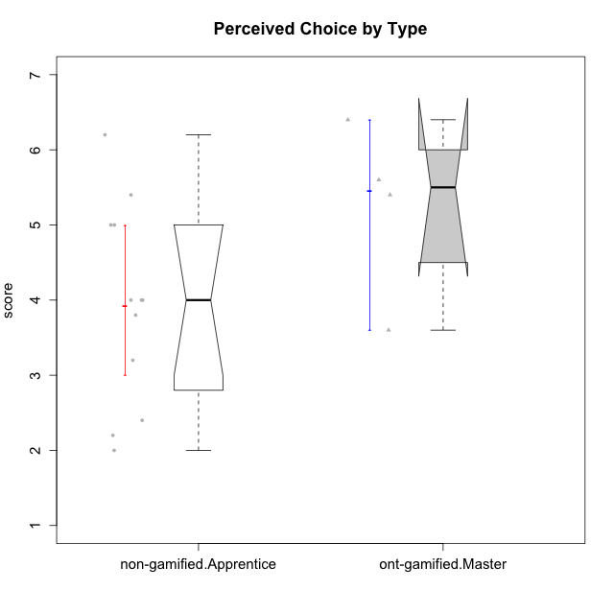

Wilcoxon data
UserID | Type | CLGroup | CLRole | PlayerRole | Item22IE | Item09IE | Item12IE | Item24IE | Item21IE | Item01IE | Item17PC | Item15PC | Item06PC | Item02PC | Item08PC | Item16PT | Item14PT | Item18PT | Item11PT | Item13EI | Item03EI | Item07EI | Interest/Enjoyment | Perceived Choice | Pressure/Tension | Effort/Importance | Intrinsic Motivation
10120 | ont-gamified | Grupo Hélio | Master | Yee Socializer | 6 | 6 | 5 | 5 | 6 | 7 | 1 | 1 | 2 | 3 | 1 | 1 | 2 | 1 | 6 | 3 | 7 | 1 | 5.8333333333 | 6.4 | 1.5 | 6.3333333333 | 6.2666666667
10121 | ont-gamified | Grupo Hades | Master | Yee Achiever | 5 | 6 | 6 | 4 | 5 | 1 | 3 | 4 | 2 | 2 | 2 | 5 | 3 | 2 | 3 | 3 | 5 | 3 | 4.5 | 5.4 | 3.75 | 5 | 4.7875
10122 | non-gamified | GroupB | Apprentice |  | 1 | 1 | 2 | 1 | 1 | 2 | 1 | 1 | 2 | 3 | 2 | 1 | 1 | 1 | 2 | 2 | 3 | 2 | 1.3333333333 | 6.2 | 2.25 | 5 | 4.5708333333
10129 | non-gamified | GroupB | Apprentice |  | 1 | 2 | 1 | 1 | 3 | 1 | 4 | 5 | 4 | 7 | 4 | 5 | 5 | 5 | 1 | 5 | 7 | 2 | 1.5 | 3.2 | 5.5 | 5.3333333333 | 3.1333333333
10130 | non-gamified | GroupC | Apprentice |  | 5 | 5 | 4 | 5 | 5 | 4 | 4 | 4 | 5 | 3 | 5 | 5 | 4 | 5 | 2 | 1 | 6 | 2 | 4.6666666667 | 3.8 | 5 | 6.3333333333 | 4.45
10132 | non-gamified | GroupA | Apprentice |  | 1 | 1 | 1 | 1 | 1 | 1 | 2 | 3 | 4 | 7 | 4 | 2 | 2 | 2 | 3 | 3 | 7 | 3 | 1 | 4 | 2.75 | 5.6666666667 | 3.9791666667
10135 | non-gamified | GroupB | Apprentice |  | 5 | 5 | 5 | 2 | 5 | 5 | 2 | 2 | 1 | 4 | 6 | 4 | 4 | 4 | 5 | 2 | 5 | 5 | 4.5 | 5 | 3.75 | 4.6666666667 | 4.6041666667
10136 | non-gamified | GroupC | Apprentice |  | 1 | 1 | 1 | 1 | 1 | 1 | 6 | 5 | 6 | 7 | 6 | 3 | 1 | 5 | 4 | 5 | 3 | 6 | 1 | 2 | 3.25 | 2.6666666667 | 2.6041666667
10140 | non-gamified | GroupC | Apprentice |  | 2 | 4 | 1 | 2 | 4 | 1 | 4 | 4 | 4 | 4 | 4 | 4 | 5 | 5 | 4 | 5 | 3 | 4 | 2.3333333333 | 4 | 4.5 | 3.3333333333 | 3.2916666667
10141 | ont-gamified | Grupo Apolo | Master | Yee Socializer | 5 | 5 | 3 | 4 | 5 | 2 | 4 | 4 | 6 | 4 | 4 | 3 | 4 | 1 | 4 | 5 | 5 | 3 | 4 | 3.6 | 3 | 4.3333333333 | 4.2333333333
10146 | non-gamified | GroupA | Apprentice |  | 5 | 5 | 5 | 5 | 5 | 5 | 3 | 4 | 3 | 3 | 2 | 3 | 3 | 3 | 7 | 1 | 6 | 2 | 5 | 5 | 2.5 | 6.3333333333 | 5.4583333333
10149 | non-gamified | GroupA | Apprentice |  | 1 | 1 | 1 | 1 | 7 | 4 | 6 | 6 | 7 | 3 | 6 | 5 | 5 | 5 | 1 | 1 | 7 | 5 | 2.5 | 2.4 | 5.5 | 5.6666666667 | 3.2666666667
10152 | ont-gamified | Grupo Morfeu | Master | Yee Achiever | 7 | 7 | 7 | 7 | 7 | 7 | 2 | 2 | 4 | 3 | 1 | 2 | 3 | 2 | 4 | 5 | 7 | 6 | 7 | 5.6 | 2.75 | 4 | 5.4625
10153 | non-gamified | GroupA | Apprentice |  | 6 | 5 | 5 | 4 | 3 | 5 | 5 | 6 | 3 | 4 | 2 | 2 | 2 | 2 | 4 | 5 | 5 | 2 | 4.6666666667 | 4 | 2.5 | 4.6666666667 | 4.7083333333
10154 | non-gamified | GroupC | Apprentice |  | 1 | 4 | 2 | 2 | 1 | 3 | 6 | 6 | 6 | 6 | 5 | 5 | 2 | 3 | 2 | 5 | 5 | 3 | 2.1666666667 | 2.2 | 4 | 4.3333333333 | 3.175
10158 | non-gamified | GroupD | Apprentice |  | 7 | 6 | 7 | 6 | 6 | 7 | 1 | 4 | 4 | 3 | 1 | 1 | 1 | 1 | 7 | 1 | 7 | 1 | 6.5 | 5.4 | 1 | 7 | 6.475

Type_CLRole_4
Wilcoxon Analysis for Perceived Choice by Type in Type:CLRole between non-gamified.Master:ont-gamified.Apprentice

Wilcoxon test results
Alternative hypothesis: less
Group | N | Median | Mean.Ranks | Sum.Ranks | U | Z | p.value | r | magnitude
non-gamified.Master | 2 | 2.8 | 2.5 | 5 | 2 | -1.8297677549 | 0.043956043956 | 0.48902600258 | medium
ont-gamified.Apprentice | 12 | 4.8 | 8.3333333333 | 100 | 2 | -1.8297677549 | 0.043956043956 | 0.48902600258 | medium
Alternative hypothesis: greater
Group | N | Median | Mean.Ranks | Sum.Ranks | U | Z | p.value | r | magnitude
non-gamified.Master | 2 | 2.8 | 2.5 | 5 | 2 | -1.8297677549 | 0.97802197802 | 0.48902600258 | medium
ont-gamified.Apprentice | 12 | 4.8 | 8.3333333333 | 100 | 2 | -1.8297677549 | 0.97802197802 | 0.48902600258 | medium
Alternative hypothesis: two.sided
Group | N | Median | Mean.Ranks | Sum.Ranks | U | Z | p.value | r | magnitude
non-gamified.Master | 2 | 2.8 | 2.5 | 5 | 2 | -1.8297677549 | 0.087912087912 | 0.48902600258 | medium
ont-gamified.Apprentice | 12 | 4.8 | 8.3333333333 | 100 | 2 | -1.8297677549 | 0.087912087912 | 0.48902600258 | medium

Box plots for wilcoxon tests
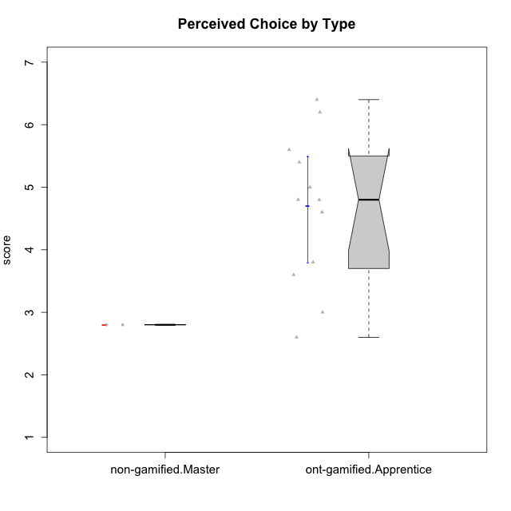

Wilcoxon data
UserID | Type | CLGroup | CLRole | PlayerRole | Item22IE | Item09IE | Item12IE | Item24IE | Item21IE | Item01IE | Item17PC | Item15PC | Item06PC | Item02PC | Item08PC | Item16PT | Item14PT | Item18PT | Item11PT | Item13EI | Item03EI | Item07EI | Interest/Enjoyment | Perceived Choice | Pressure/Tension | Effort/Importance | Intrinsic Motivation
10116 | non-gamified | GroupC | Master |  | 4 | 4 | 2 | 6 | 4 | 3 | 4 | 5 | 6 | 7 | 4 | 4 | 2 | 2 | 2 | 4 | 4 | 4 | 3.8333333333 | 2.8 | 3.5 | 4 | 3.7833333333
10123 | ont-gamified | Grupo Morfeu | Apprentice | Yee Achiever | 3 | 2 | 3 | 3 | 3 | 2 | 3 | 3 | 2 | 5 | 3 | 2 | 4 | 4 | 4 | 3 | 3 | 3 | 2.6666666667 | 4.8 | 3.5 | 4.3333333333 | 4.075
10126 | ont-gamified | Grupo Hélio | Apprentice | Yee Socializer | 5 | 6 | 6 | 4 | 6 | 5 | 2 | 2 | 2 | 2 | 1 | 1 | 2 | 1 | 3 | 1 | 5 | 5 | 5.3333333333 | 6.2 | 2.25 | 5 | 5.5708333333
10127 | ont-gamified | Grupo Hades | Apprentice | Yee Achiever | 7 | 6 | 6 | 6 | 6 | 4 | 4 | 3 | 3 | 2 | 4 | 4 | 2 | 2 | 5 | 5 | 5 | 5 | 5.8333333333 | 4.8 | 2.75 | 3.6666666667 | 4.8875
10128 | ont-gamified | Grupo Morfeu | Apprentice | Yee Achiever | 1 | 1 | 1 | 1 | 1 | 1 | 1 | 1 | 1 | 4 | 6 | 1 | 1 | 1 | 1 | 5 | 2 | 6 | 1 | 5.4 | 2.5 | 2.3333333333 | 3.5583333333
10131 | ont-gamified | Grupo Zeus | Apprentice | Yee Achiever | 7 | 5 | 7 | 7 | 7 | 4 | 6 | 7 | 7 | 5 | 2 | 2 | 1 | 2 | 6 | 3 | 6 | 1 | 6.1666666667 | 2.6 | 1.75 | 6 | 5.2541666667
10134 | ont-gamified | Grupo Apolo | Apprentice | Yee Socializer | 2 | 2 | 2 | 2 | 2 | 2 | 5 | 5 | 3 | 6 | 6 | 3 | 3 | 3 | 2 | 4 | 4 | 4 | 2 | 3 | 3.75 | 4 | 3.3125
10137 | ont-gamified | Grupo Morfeu | Apprentice | Yee Achiever | 5 | 5 | 6 | 6 | 6 | 5 | 1 | 4 | 1 | 1 | 1 | 1 | 1 | 1 | 7 | 1 | 5 | 1 | 5.5 | 6.4 | 1 | 6.3333333333 | 6.3083333333
10138 | ont-gamified | Grupo Hélio | Apprentice | Yee Socializer | 4 | 6 | 6 | 4 | 5 | 3 | 4 | 5 | 6 | 4 | 3 | 4 | 4 | 2 | 3 | 1 | 7 | 1 | 4.6666666667 | 3.6 | 3.75 | 7 | 4.8791666667
10139 | ont-gamified | Grupo Zeus | Apprentice | Yee Achiever | 3 | 6 | 3 | 4 | 5 | 1 | 1 | 7 | 4 | 4 | 1 | 3 | 4 | 1 | 7 | 4 | 5 | 5 | 3.6666666667 | 4.6 | 2.25 | 4 | 4.5041666667
10142 | ont-gamified | Grupo Hades | Apprentice | Yee Achiever | 4 | 6 | 4 | 6 | 4 | 4 | 4 | 4 | 3 | 6 | 4 | 4 | 1 | 1 | 7 | 2 | 4 | 3 | 4.6666666667 | 3.8 | 1.75 | 5 | 4.9291666667
10143 | ont-gamified | Grupo Apolo | Apprentice | Yee Socializer | 4 | 4 | 4 | 4 | 5 | 4 | 2 | 4 | 3 | 4 | 2 | 3 | 2 | 2 | 3 | 2 | 6 | 2 | 4.1666666667 | 5 | 3 | 6 | 5.0416666667
10145 | non-gamified | GroupB | Master |  | 2 | 4 | 4 | 4 | 3 | 1 | 4 | 7 | 4 | 7 | 4 | 4 | 4 | 4 | 4 | 1 | 7 | 1 | 3 | 2.8 | 4 | 7 | 4.2
10148 | ont-gamified | Grupo Apolo | Apprentice | Yee Socializer | 5 | 4 | 4 | 3 | 6 | 4 | 3 | 4 | 1 | 3 | 1 | 5 | 2 | 5 | 2 | 2 | 6 | 1 | 4.3333333333 | 5.6 | 4.5 | 6.3333333333 | 4.9416666667

Type_CLRole_5
Wilcoxon Analysis for Perceived Choice by Type in Type:CLRole between non-gamified.Master:ont-gamified.Master

Wilcoxon test results
Alternative hypothesis: less
Group | N | Median | Mean.Ranks | Sum.Ranks | U | Z | p.value | r | magnitude
non-gamified.Master | 2 | 2.8 | 1.5 | 3 | 0 | -1.8786728733 | 0.066666666667 | 0.76696498885 | large
ont-gamified.Master | 4 | 5.5 | 4.5 | 18 | 0 | -1.8786728733 | 0.066666666667 | 0.76696498885 | large
Alternative hypothesis: greater
Group | N | Median | Mean.Ranks | Sum.Ranks | U | Z | p.value | r | magnitude
non-gamified.Master | 2 | 2.8 | 1.5 | 3 | 0 | -1.8786728733 | 1 | 0.76696498885 | large
ont-gamified.Master | 4 | 5.5 | 4.5 | 18 | 0 | -1.8786728733 | 1 | 0.76696498885 | large
Alternative hypothesis: two.sided
Group | N | Median | Mean.Ranks | Sum.Ranks | U | Z | p.value | r | magnitude
non-gamified.Master | 2 | 2.8 | 1.5 | 3 | 0 | -1.8786728733 | 0.13333333333 | 0.76696498885 | large
ont-gamified.Master | 4 | 5.5 | 4.5 | 18 | 0 | -1.8786728733 | 0.13333333333 | 0.76696498885 | large

Box plots for wilcoxon tests
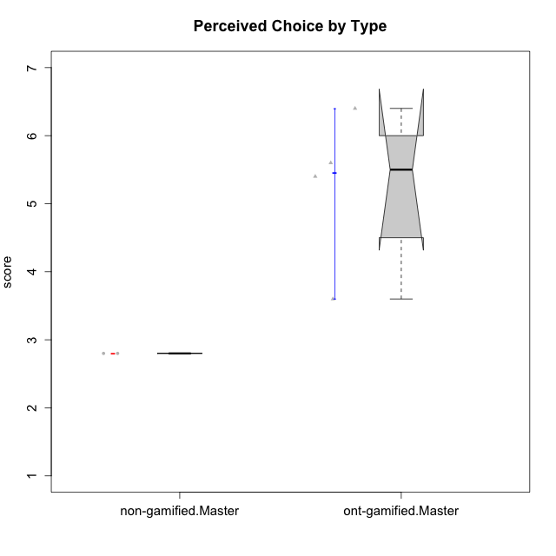

Wilcoxon data
UserID | Type | CLGroup | CLRole | PlayerRole | Item22IE | Item09IE | Item12IE | Item24IE | Item21IE | Item01IE | Item17PC | Item15PC | Item06PC | Item02PC | Item08PC | Item16PT | Item14PT | Item18PT | Item11PT | Item13EI | Item03EI | Item07EI | Interest/Enjoyment | Perceived Choice | Pressure/Tension | Effort/Importance | Intrinsic Motivation
10116 | non-gamified | GroupC | Master |  | 4 | 4 | 2 | 6 | 4 | 3 | 4 | 5 | 6 | 7 | 4 | 4 | 2 | 2 | 2 | 4 | 4 | 4 | 3.8333333333 | 2.8 | 3.5 | 4 | 3.7833333333
10120 | ont-gamified | Grupo Hélio | Master | Yee Socializer | 6 | 6 | 5 | 5 | 6 | 7 | 1 | 1 | 2 | 3 | 1 | 1 | 2 | 1 | 6 | 3 | 7 | 1 | 5.8333333333 | 6.4 | 1.5 | 6.3333333333 | 6.2666666667
10121 | ont-gamified | Grupo Hades | Master | Yee Achiever | 5 | 6 | 6 | 4 | 5 | 1 | 3 | 4 | 2 | 2 | 2 | 5 | 3 | 2 | 3 | 3 | 5 | 3 | 4.5 | 5.4 | 3.75 | 5 | 4.7875
10141 | ont-gamified | Grupo Apolo | Master | Yee Socializer | 5 | 5 | 3 | 4 | 5 | 2 | 4 | 4 | 6 | 4 | 4 | 3 | 4 | 1 | 4 | 5 | 5 | 3 | 4 | 3.6 | 3 | 4.3333333333 | 4.2333333333
10145 | non-gamified | GroupB | Master |  | 2 | 4 | 4 | 4 | 3 | 1 | 4 | 7 | 4 | 7 | 4 | 4 | 4 | 4 | 4 | 1 | 7 | 1 | 3 | 2.8 | 4 | 7 | 4.2
10152 | ont-gamified | Grupo Morfeu | Master | Yee Achiever | 7 | 7 | 7 | 7 | 7 | 7 | 2 | 2 | 4 | 3 | 1 | 2 | 3 | 2 | 4 | 5 | 7 | 6 | 7 | 5.6 | 2.75 | 4 | 5.4625

Type_CLRole_6
Wilcoxon Analysis for Perceived Choice by Type in Type:CLRole between ont-gamified.Apprentice:ont-gamified.Master

Wilcoxon test results
Alternative hypothesis: less
Group | N | Median | Mean.Ranks | Sum.Ranks | U | Z | p.value | r | magnitude
ont-gamified.Apprentice | 12 | 4.8 | 7.8333333333 | 94 | 16 | -0.97372899112 | 0.18516483516 | 0.24343224778 | small
ont-gamified.Master | 4 | 5.5 | 10.5 | 42 | 16 | -0.97372899112 | 0.18516483516 | 0.24343224778 | small
Alternative hypothesis: greater
Group | N | Median | Mean.Ranks | Sum.Ranks | U | Z | p.value | r | magnitude
ont-gamified.Apprentice | 12 | 4.8 | 7.8333333333 | 94 | 16 | -0.97372899112 | 0.83791208791 | 0.24343224778 | small
ont-gamified.Master | 4 | 5.5 | 10.5 | 42 | 16 | -0.97372899112 | 0.83791208791 | 0.24343224778 | small
Alternative hypothesis: two.sided
Group | N | Median | Mean.Ranks | Sum.Ranks | U | Z | p.value | r | magnitude
ont-gamified.Apprentice | 12 | 4.8 | 7.8333333333 | 94 | 16 | -0.97372899112 | 0.36978021978 | 0.24343224778 | small
ont-gamified.Master | 4 | 5.5 | 10.5 | 42 | 16 | -0.97372899112 | 0.36978021978 | 0.24343224778 | small

Box plots for wilcoxon tests
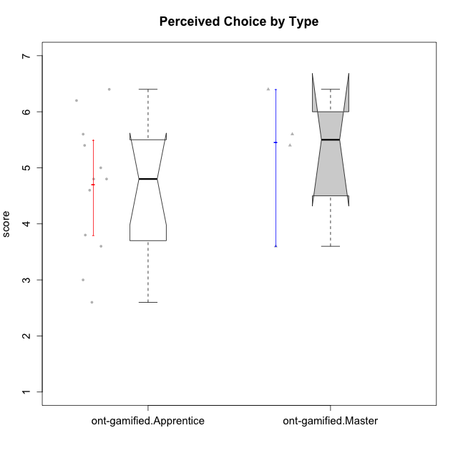

Wilcoxon data
UserID | Type | CLGroup | CLRole | PlayerRole | Item22IE | Item09IE | Item12IE | Item24IE | Item21IE | Item01IE | Item17PC | Item15PC | Item06PC | Item02PC | Item08PC | Item16PT | Item14PT | Item18PT | Item11PT | Item13EI | Item03EI | Item07EI | Interest/Enjoyment | Perceived Choice | Pressure/Tension | Effort/Importance | Intrinsic Motivation
10120 | ont-gamified | Grupo Hélio | Master | Yee Socializer | 6 | 6 | 5 | 5 | 6 | 7 | 1 | 1 | 2 | 3 | 1 | 1 | 2 | 1 | 6 | 3 | 7 | 1 | 5.8333333333 | 6.4 | 1.5 | 6.3333333333 | 6.2666666667
10121 | ont-gamified | Grupo Hades | Master | Yee Achiever | 5 | 6 | 6 | 4 | 5 | 1 | 3 | 4 | 2 | 2 | 2 | 5 | 3 | 2 | 3 | 3 | 5 | 3 | 4.5 | 5.4 | 3.75 | 5 | 4.7875
10123 | ont-gamified | Grupo Morfeu | Apprentice | Yee Achiever | 3 | 2 | 3 | 3 | 3 | 2 | 3 | 3 | 2 | 5 | 3 | 2 | 4 | 4 | 4 | 3 | 3 | 3 | 2.6666666667 | 4.8 | 3.5 | 4.3333333333 | 4.075
10126 | ont-gamified | Grupo Hélio | Apprentice | Yee Socializer | 5 | 6 | 6 | 4 | 6 | 5 | 2 | 2 | 2 | 2 | 1 | 1 | 2 | 1 | 3 | 1 | 5 | 5 | 5.3333333333 | 6.2 | 2.25 | 5 | 5.5708333333
10127 | ont-gamified | Grupo Hades | Apprentice | Yee Achiever | 7 | 6 | 6 | 6 | 6 | 4 | 4 | 3 | 3 | 2 | 4 | 4 | 2 | 2 | 5 | 5 | 5 | 5 | 5.8333333333 | 4.8 | 2.75 | 3.6666666667 | 4.8875
10128 | ont-gamified | Grupo Morfeu | Apprentice | Yee Achiever | 1 | 1 | 1 | 1 | 1 | 1 | 1 | 1 | 1 | 4 | 6 | 1 | 1 | 1 | 1 | 5 | 2 | 6 | 1 | 5.4 | 2.5 | 2.3333333333 | 3.5583333333
10131 | ont-gamified | Grupo Zeus | Apprentice | Yee Achiever | 7 | 5 | 7 | 7 | 7 | 4 | 6 | 7 | 7 | 5 | 2 | 2 | 1 | 2 | 6 | 3 | 6 | 1 | 6.1666666667 | 2.6 | 1.75 | 6 | 5.2541666667
10134 | ont-gamified | Grupo Apolo | Apprentice | Yee Socializer | 2 | 2 | 2 | 2 | 2 | 2 | 5 | 5 | 3 | 6 | 6 | 3 | 3 | 3 | 2 | 4 | 4 | 4 | 2 | 3 | 3.75 | 4 | 3.3125
10137 | ont-gamified | Grupo Morfeu | Apprentice | Yee Achiever | 5 | 5 | 6 | 6 | 6 | 5 | 1 | 4 | 1 | 1 | 1 | 1 | 1 | 1 | 7 | 1 | 5 | 1 | 5.5 | 6.4 | 1 | 6.3333333333 | 6.3083333333
10138 | ont-gamified | Grupo Hélio | Apprentice | Yee Socializer | 4 | 6 | 6 | 4 | 5 | 3 | 4 | 5 | 6 | 4 | 3 | 4 | 4 | 2 | 3 | 1 | 7 | 1 | 4.6666666667 | 3.6 | 3.75 | 7 | 4.8791666667
10139 | ont-gamified | Grupo Zeus | Apprentice | Yee Achiever | 3 | 6 | 3 | 4 | 5 | 1 | 1 | 7 | 4 | 4 | 1 | 3 | 4 | 1 | 7 | 4 | 5 | 5 | 3.6666666667 | 4.6 | 2.25 | 4 | 4.5041666667
10141 | ont-gamified | Grupo Apolo | Master | Yee Socializer | 5 | 5 | 3 | 4 | 5 | 2 | 4 | 4 | 6 | 4 | 4 | 3 | 4 | 1 | 4 | 5 | 5 | 3 | 4 | 3.6 | 3 | 4.3333333333 | 4.2333333333
10142 | ont-gamified | Grupo Hades | Apprentice | Yee Achiever | 4 | 6 | 4 | 6 | 4 | 4 | 4 | 4 | 3 | 6 | 4 | 4 | 1 | 1 | 7 | 2 | 4 | 3 | 4.6666666667 | 3.8 | 1.75 | 5 | 4.9291666667
10143 | ont-gamified | Grupo Apolo | Apprentice | Yee Socializer | 4 | 4 | 4 | 4 | 5 | 4 | 2 | 4 | 3 | 4 | 2 | 3 | 2 | 2 | 3 | 2 | 6 | 2 | 4.1666666667 | 5 | 3 | 6 | 5.0416666667
10148 | ont-gamified | Grupo Apolo | Apprentice | Yee Socializer | 5 | 4 | 4 | 3 | 6 | 4 | 3 | 4 | 1 | 3 | 1 | 5 | 2 | 5 | 2 | 2 | 6 | 1 | 4.3333333333 | 5.6 | 4.5 | 6.3333333333 | 4.9416666667
10152 | ont-gamified | Grupo Morfeu | Master | Yee Achiever | 7 | 7 | 7 | 7 | 7 | 7 | 2 | 2 | 4 | 3 | 1 | 2 | 3 | 2 | 4 | 5 | 7 | 6 | 7 | 5.6 | 2.75 | 4 | 5.4625

