Assumptions
ANOVA assumptions for Perceived Choice by Type

Shapiro-Wilk normality test for Perceived Choice by Type
W | p.value
0.95970917671 | 0.30451178077

Plots for normality test
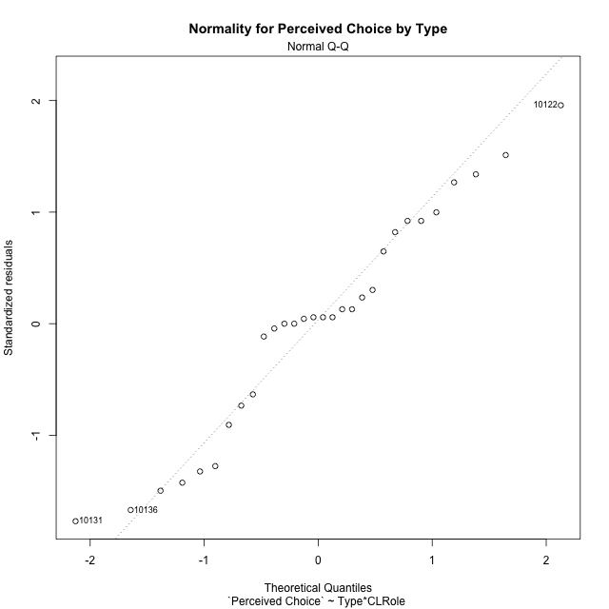

Levene's Test for Homogeneity of Variance in Perceived Choice by Type
Df | F value | Pr(>F)
3 | 1.1426632614 | 0.35037915688
26

Plots for homogeneity of variance
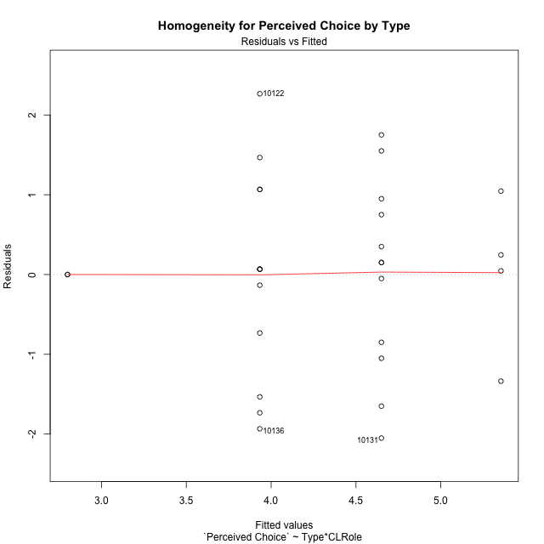

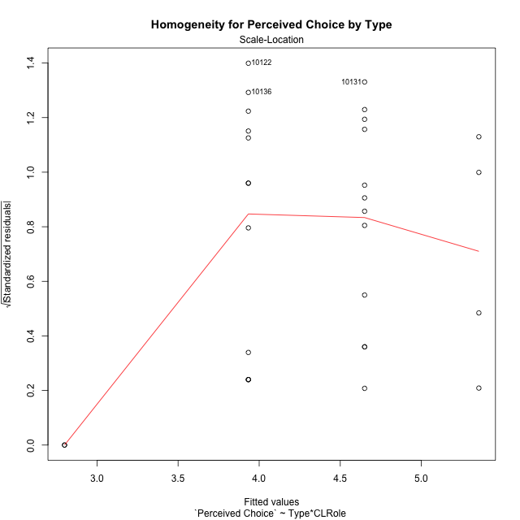

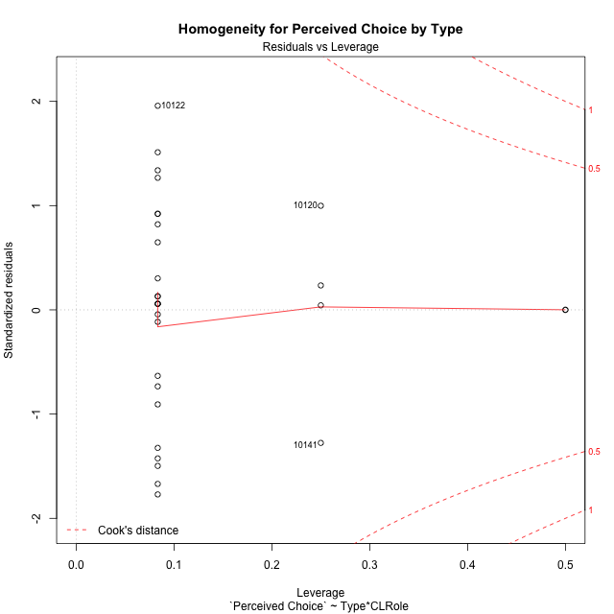

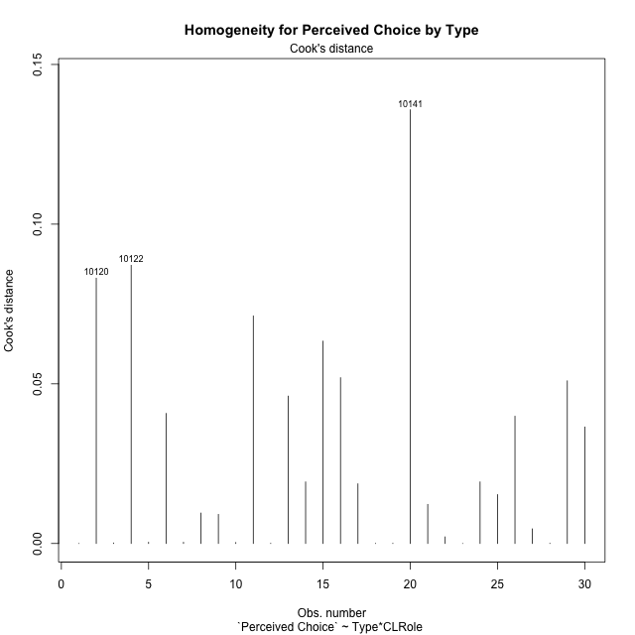

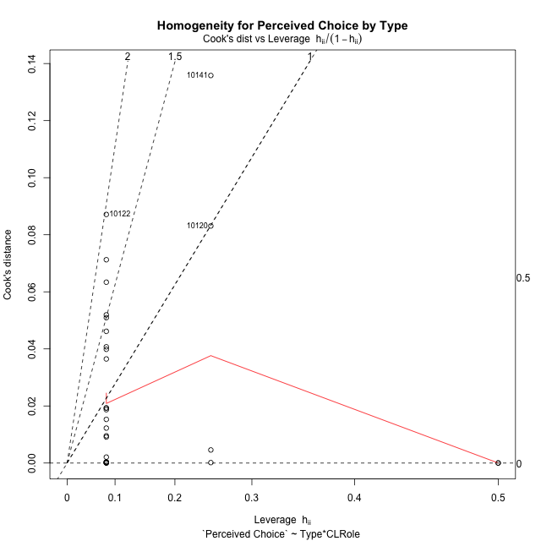

Minimum Sample Size Test for Perceived Choice by Type
Type | CLRole | Freq
non-gamified | Apprentice | 12
ont-gamified | Apprentice | 12
non-gamified | Master | 2
ont-gamified | Master | 4

Errors and Warnings in Sample Size Test for ANOVA in Perceived Choice by Type
code | description
WARN: sample.size | current size is 12 and recommended size is 15 for the group: 'non-gamified:Apprentice'.
WARN: sample.size | current size is 12 and recommended size is 15 for the group: 'ont-gamified:Apprentice'.
FAIL: min.size | current size is 2 but the minimal recomended size is 5 for the group: 'non-gamified:Master'.
FAIL: min.size | current size is 4 but the minimal recomended size is 5 for the group: 'ont-gamified:Master'.

For the group: 'non-gamified:Apprentice', we recommend the use of non-parametric test. For the group: 'ont-gamified:Apprentice', we recommend the use of non-parametric test. For the group: 'non-gamified:Master', we recommend the use of non-parametric test. For the group: 'ont-gamified:Master', we recommend the use of non-parametric test.

Post-hoc
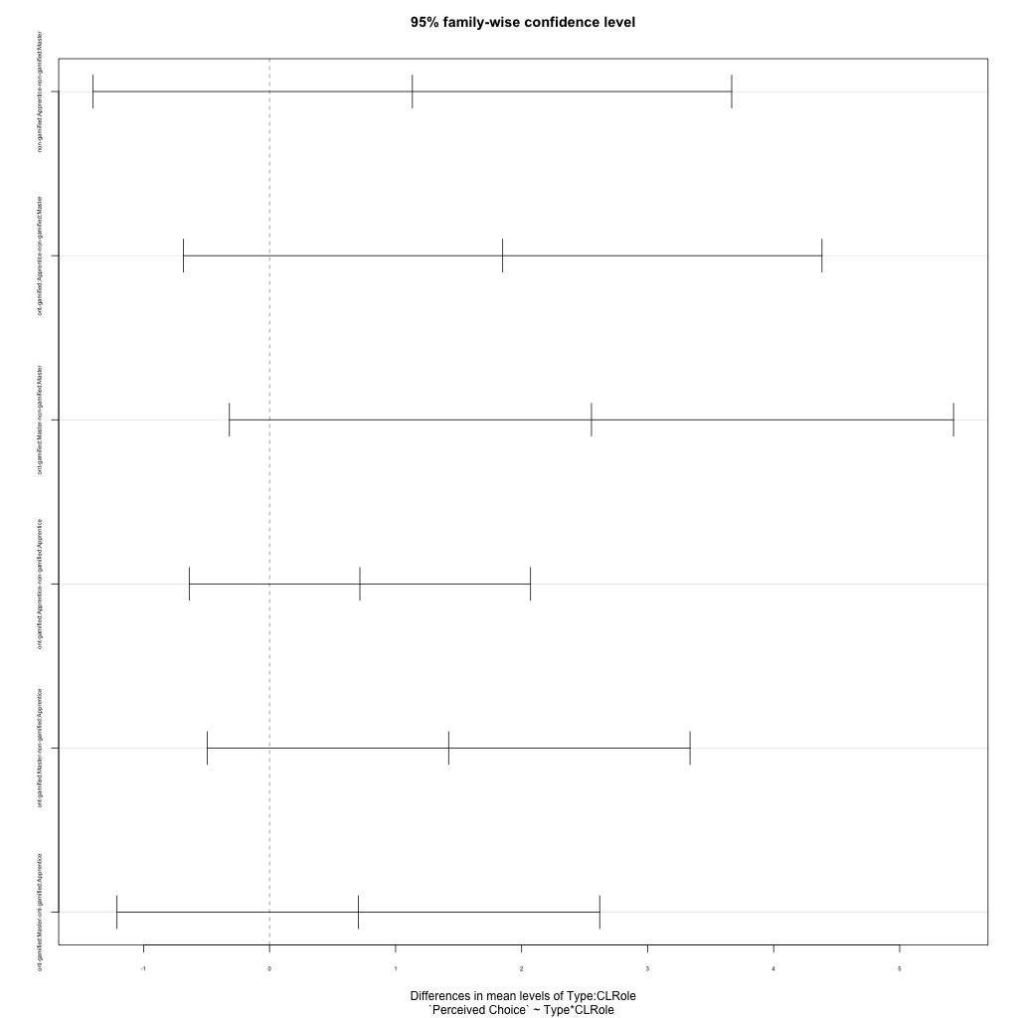
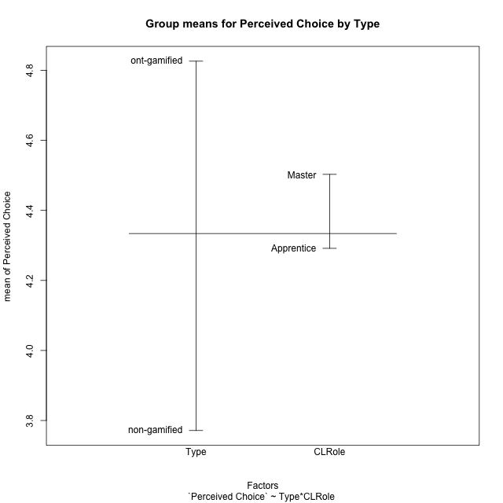
Post-hoc Tukey Honestly Significant Difference (HSD) Test for Perceived Choice by Type

Comparisons of means for Type
 | diff | lwr | upr | p adj
ont-gamified-non-gamified | 1.0546589286 | 0.1449986968 | 1.9643191603 | 0.024757903201

Comparisons of means for CLRole
 | diff | lwr | upr | p adj
Master-Apprentice | 0.035456845238 | -1.0990887966 | 1.1700024871 | 0.94927092827

Comparisons of means for Type:CLRole
 | diff | lwr | upr | p adj
non-gamified:Apprentice-non-gamified:Master | 1.1333333333 | -1.4003581631 | 3.6670248298 | 0.61574960308
ont-gamified:Apprentice-non-gamified:Master | 1.85 | -0.68369149642 | 4.3836914964 | 0.21274491302
ont-gamified:Master-non-gamified:Master | 2.55435 | -0.31858611364 | 5.4272861136 | 0.094414127958
ont-gamified:Apprentice-non-gamified:Apprentice | 0.71666666667 | -0.63764840525 | 2.0709817386 | 0.47995756266
ont-gamified:Master-non-gamified:Apprentice | 1.4210166667 | -0.49427407576 | 3.3363074091 | 0.20124440171
ont-gamified:Master-ont-gamified:Apprentice | 0.70435 | -1.2109407424 | 2.6196407424 | 0.74570935441

Contrast Matrices for Perceived Choice by Type - Type
contrast | estimate | SE | df | t.ratio | p.value
non-gamified - ont-gamified | -1.6355083333 | 0.57888808863 | 26 | -2.8252582243 | 0.0089559824304

Contrast Matrices for Perceived Choice by Type - Type:CLRole
contrast | CLRole | estimate | SE | df | t.ratio | p.value
non-gamified - ont-gamified | Apprentice | -0.71666666667 | 0.49367742074 | 26 | -1.4516901859 | 0.15854853565
non-gamified - ont-gamified | Master | -2.55435 | 1.0472479558 | 26 | -2.4391071722 | 0.021857397979

Least Squares Means and Confidence Intervals for Type
Type | lsmean | SE | df | lower.CL | upper.CL | Pairs
non-gamified | 3.3666666667 | 0.461792942 | 26 | 2.4174376798 | 4.3158956535 | non-gamified
ont-gamified | 5.002175 | 0.34908265192 | 26 | 4.2846253325 | 5.7197246675 | ont-gamified

Least Squares Means and Confidence Intervals for Type:CLRole
Type | CLRole | lsmean | SE | df | lower.CL | upper.CL | Pairs
non-gamified | Apprentice | 3.9333333333 | 0.34908265192 | 26 | 3.2157836658 | 4.6508830009 | non-gamified.Apprentice
ont-gamified | Apprentice | 4.65 | 0.34908265192 | 26 | 3.9324503325 | 5.3675496675 | ont-gamified.Apprentice
non-gamified | Master | 2.8 | 0.85507437527 | 26 | 1.0423694494 | 4.5576305506 | non-gamified.Master
ont-gamified | Master | 5.35435 | 0.60462888917 | 26 | 4.1115175189 | 6.5971824811 | ont-gamified.Master

Plots

Type_1
Student's t-Test for Perceived Choice by Type in Type between non-gamified:ont-gamified

Student's t-Test results
Alternative hypothesis: less
Group | N | Mean | Mean.Difference | Std.deviation | Std.error | CI.lower | CI.upper | df | t.value | p.value | g | magnitude
non-gamified | 14 | 3.7714285714 | -1.0546589286 | 1.2838814775 | 0.34313175815 | 3.0851650551 | 4.4576920877 | 26.518619331 | -2.3451579852 | 0.013382285034 | -0.84075793502 | large
ont-gamified | 16 | 4.8260875 | 1.0546589286 | 1.1628004655 | 0.29070011637 | 4.2446872673 | 5.4074877327 | 26.518619331 | -2.3451579852 | 0.013382285034 | -0.84075793502 | large
Alternative hypothesis: greater
Group | N | Mean | Mean.Difference | Std.deviation | Std.error | CI.lower | CI.upper | df | t.value | p.value | g | magnitude
non-gamified | 14 | 3.7714285714 | -1.0546589286 | 1.2838814775 | 0.34313175815 | 3.0851650551 | 4.4576920877 | 26.518619331 | -2.3451579852 | 0.98661771497 | -0.84075793502 | large
ont-gamified | 16 | 4.8260875 | 1.0546589286 | 1.1628004655 | 0.29070011637 | 4.2446872673 | 5.4074877327 | 26.518619331 | -2.3451579852 | 0.98661771497 | -0.84075793502 | large
Alternative hypothesis: two.sided
Group | N | Mean | Mean.Difference | Std.deviation | Std.error | CI.lower | CI.upper | df | t.value | p.value | g | magnitude
non-gamified | 14 | 3.7714285714 | -1.0546589286 | 1.2838814775 | 0.34313175815 | 3.0851650551 | 4.4576920877 | 26.518619331 | -2.3451579852 | 0.026764570068 | -0.84075793502 | large
ont-gamified | 16 | 4.8260875 | 1.0546589286 | 1.1628004655 | 0.29070011637 | 4.2446872673 | 5.4074877327 | 26.518619331 | -2.3451579852 | 0.026764570068 | -0.84075793502 | large

Box plots for Student's t-Test
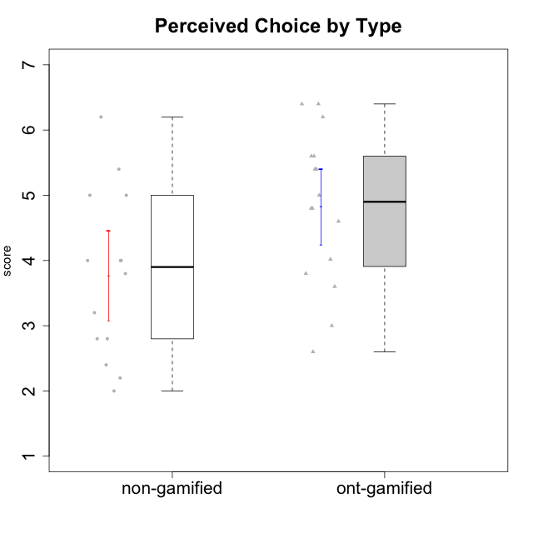

Student's t-Test data
UserID | Type | CLGroup | CLRole | PlayerRole | Interest/Enjoyment | Perceived Choice | Pressure/Tension | Effort/Importance | Intrinsic Motivation
10116 | non-gamified | GroupC | Master |  | 3.8333333333 | 2.8 | 3.5 | 4 | 3.7833333333
10120 | ont-gamified | Grupo Hélio | Master | Yee Socializer | 5.8333333333 | 6.4 | 1.5 | 6.1492666667 | 6.2666666667
10121 | ont-gamified | Grupo Hades | Master | Yee Achiever | 4.5 | 5.4 | 3.75 | 5 | 4.7875
10122 | non-gamified | GroupB | Apprentice |  | 1.3333333333 | 6.2 | 2.25 | 5 | 4.5708333333
10123 | ont-gamified | Grupo Morfeu | Apprentice | Yee Achiever | 2.6666666667 | 4.8 | 3.5 | 4.3333333333 | 4.075
10126 | ont-gamified | Grupo Hélio | Apprentice | Yee Socializer | 5.3333333333 | 6.2 | 2.25 | 5 | 5.5708333333
10127 | ont-gamified | Grupo Hades | Apprentice | Yee Achiever | 5.8333333333 | 4.8 | 2.75 | 3.6666666667 | 4.8875
10128 | ont-gamified | Grupo Morfeu | Apprentice | Yee Achiever | 1.8652333333 | 5.4 | 2.5 | 2.3333333333 | 3.7963833333
10129 | non-gamified | GroupB | Apprentice |  | 1.5 | 3.2 | 5.2239 | 5.3333333333 | 3.1333333333
10130 | non-gamified | GroupC | Apprentice |  | 4.6666666667 | 3.8 | 5 | 6.3333333333 | 4.45
10131 | ont-gamified | Grupo Zeus | Apprentice | Yee Achiever | 6.1666666667 | 2.6 | 1.75 | 6 | 5.2541666667
10132 | non-gamified | GroupA | Apprentice |  | 1 | 4 | 2.75 | 5.6666666667 | 3.9791666667
10134 | ont-gamified | Grupo Apolo | Apprentice | Yee Socializer | 2 | 3 | 3.75 | 4 | 3.7963833333
10135 | non-gamified | GroupB | Apprentice |  | 4.5 | 5 | 3.75 | 4.6666666667 | 4.6041666667
10136 | non-gamified | GroupC | Apprentice |  | 1 | 2 | 3.25 | 3.1898666667 | 2.697185
10137 | ont-gamified | Grupo Morfeu | Apprentice | Yee Achiever | 5.5 | 6.4 | 1 | 6.3333333333 | 6.0202833333
10138 | ont-gamified | Grupo Hélio | Apprentice | Yee Socializer | 4.6666666667 | 3.6 | 3.75 | 7 | 4.8791666667
10139 | ont-gamified | Grupo Zeus | Apprentice | Yee Achiever | 3.6666666667 | 4.6 | 2.25 | 4 | 4.5041666667
10140 | non-gamified | GroupC | Apprentice |  | 2.3333333333 | 4 | 4.5 | 3.3333333333 | 3.2916666667
10141 | ont-gamified | Grupo Apolo | Master | Yee Socializer | 4 | 4.0174 | 3 | 4.3333333333 | 4.2333333333
10142 | ont-gamified | Grupo Hades | Apprentice | Yee Achiever | 4.6666666667 | 3.8 | 1.75 | 5 | 4.9291666667
10143 | ont-gamified | Grupo Apolo | Apprentice | Yee Socializer | 4.1666666667 | 5 | 3 | 6 | 5.0416666667
10145 | non-gamified | GroupB | Master |  | 3 | 2.8 | 4 | 7 | 4.2
10146 | non-gamified | GroupA | Apprentice |  | 5 | 5 | 2.5 | 6.3333333333 | 5.4583333333
10148 | ont-gamified | Grupo Apolo | Apprentice | Yee Socializer | 4.3333333333 | 5.6 | 4.5 | 6.3333333333 | 4.9416666667
10149 | non-gamified | GroupA | Apprentice |  | 2.5 | 2.4 | 5.2239 | 5.6666666667 | 3.2666666667
10152 | ont-gamified | Grupo Morfeu | Master | Yee Achiever | 7 | 5.6 | 2.75 | 4 | 5.4625
10153 | non-gamified | GroupA | Apprentice |  | 4.6666666667 | 4 | 2.5 | 4.6666666667 | 4.7083333333
10154 | non-gamified | GroupC | Apprentice |  | 2.1666666667 | 2.2 | 4 | 4.3333333333 | 3.175
10158 | non-gamified | GroupD | Apprentice |  | 6.5 | 5.4 | 1 | 7 | 6.1899333333

Type_CLRole_1
Student's t-Test for Perceived Choice by Type in Type:CLRole between non-gamified.Apprentice:non-gamified.Master

Student's t-Test results
Alternative hypothesis: less
Group | N | Mean | Mean.Difference | Std.deviation | Std.error | CI.lower | CI.upper | df | t.value | p.value | g | magnitude
non-gamified.Apprentice | 12 | 3.9333333333 | 1.1333333333 | 1.3220736696 | 0.38164979452 | 3.1700337443 | 4.6966329224 | 11 | 2.9695635884 | 0.99362235042 | 0.8382066565 | large
non-gamified.Master | 2 | 2.8 | -1.1333333333 | 0 | 0 | 2.8 | 2.8 | 11 | 2.9695635884 | 0.99362235042 | 0.8382066565 | large
Alternative hypothesis: greater
Group | N | Mean | Mean.Difference | Std.deviation | Std.error | CI.lower | CI.upper | df | t.value | p.value | g | magnitude
non-gamified.Apprentice | 12 | 3.9333333333 | 1.1333333333 | 1.3220736696 | 0.38164979452 | 3.1700337443 | 4.6966329224 | 11 | 2.9695635884 | 0.006377649577 | 0.8382066565 | large
non-gamified.Master | 2 | 2.8 | -1.1333333333 | 0 | 0 | 2.8 | 2.8 | 11 | 2.9695635884 | 0.006377649577 | 0.8382066565 | large
Alternative hypothesis: two.sided
Group | N | Mean | Mean.Difference | Std.deviation | Std.error | CI.lower | CI.upper | df | t.value | p.value | g | magnitude
non-gamified.Apprentice | 12 | 3.9333333333 | 1.1333333333 | 1.3220736696 | 0.38164979452 | 3.1700337443 | 4.6966329224 | 11 | 2.9695635884 | 0.012755299154 | 0.8382066565 | large
non-gamified.Master | 2 | 2.8 | -1.1333333333 | 0 | 0 | 2.8 | 2.8 | 11 | 2.9695635884 | 0.012755299154 | 0.8382066565 | large

Box plots for Student's t-Test
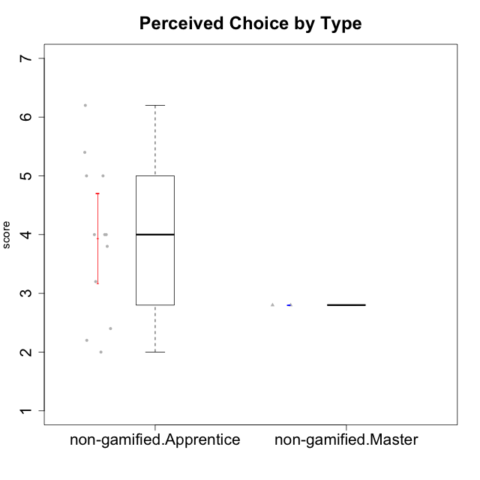

Student's t-Test data
UserID | Type | CLGroup | CLRole | PlayerRole | Interest/Enjoyment | Perceived Choice | Pressure/Tension | Effort/Importance | Intrinsic Motivation
10116 | non-gamified | GroupC | Master |  | 3.8333333333 | 2.8 | 3.5 | 4 | 3.7833333333
10122 | non-gamified | GroupB | Apprentice |  | 1.3333333333 | 6.2 | 2.25 | 5 | 4.5708333333
10129 | non-gamified | GroupB | Apprentice |  | 1.5 | 3.2 | 5.2239 | 5.3333333333 | 3.1333333333
10130 | non-gamified | GroupC | Apprentice |  | 4.6666666667 | 3.8 | 5 | 6.3333333333 | 4.45
10132 | non-gamified | GroupA | Apprentice |  | 1 | 4 | 2.75 | 5.6666666667 | 3.9791666667
10135 | non-gamified | GroupB | Apprentice |  | 4.5 | 5 | 3.75 | 4.6666666667 | 4.6041666667
10136 | non-gamified | GroupC | Apprentice |  | 1 | 2 | 3.25 | 3.1898666667 | 2.697185
10140 | non-gamified | GroupC | Apprentice |  | 2.3333333333 | 4 | 4.5 | 3.3333333333 | 3.2916666667
10145 | non-gamified | GroupB | Master |  | 3 | 2.8 | 4 | 7 | 4.2
10146 | non-gamified | GroupA | Apprentice |  | 5 | 5 | 2.5 | 6.3333333333 | 5.4583333333
10149 | non-gamified | GroupA | Apprentice |  | 2.5 | 2.4 | 5.2239 | 5.6666666667 | 3.2666666667
10153 | non-gamified | GroupA | Apprentice |  | 4.6666666667 | 4 | 2.5 | 4.6666666667 | 4.7083333333
10154 | non-gamified | GroupC | Apprentice |  | 2.1666666667 | 2.2 | 4 | 4.3333333333 | 3.175
10158 | non-gamified | GroupD | Apprentice |  | 6.5 | 5.4 | 1 | 7 | 6.1899333333

Type_CLRole_2
Student's t-Test for Perceived Choice by Type in Type:CLRole between non-gamified.Apprentice:ont-gamified.Apprentice

Student's t-Test results
Alternative hypothesis: less
Group | N | Mean | Mean.Difference | Std.deviation | Std.error | CI.lower | CI.upper | df | t.value | p.value | g | magnitude
non-gamified.Apprentice | 12 | 3.9333333333 | -0.71666666667 | 1.3220736696 | 0.38164979452 | 3.1700337443 | 4.6966329224 | 21.797997682 | -1.390256752 | 0.089242463079 | -0.54799856497 | medium
ont-gamified.Apprentice | 12 | 4.65 | 0.71666666667 | 1.2003787281 | 0.3465194909 | 3.9569610182 | 5.3430389818 | 21.797997682 | -1.390256752 | 0.089242463079 | -0.54799856497 | medium
Alternative hypothesis: greater
Group | N | Mean | Mean.Difference | Std.deviation | Std.error | CI.lower | CI.upper | df | t.value | p.value | g | magnitude
non-gamified.Apprentice | 12 | 3.9333333333 | -0.71666666667 | 1.3220736696 | 0.38164979452 | 3.1700337443 | 4.6966329224 | 21.797997682 | -1.390256752 | 0.91075753692 | -0.54799856497 | medium
ont-gamified.Apprentice | 12 | 4.65 | 0.71666666667 | 1.2003787281 | 0.3465194909 | 3.9569610182 | 5.3430389818 | 21.797997682 | -1.390256752 | 0.91075753692 | -0.54799856497 | medium
Alternative hypothesis: two.sided
Group | N | Mean | Mean.Difference | Std.deviation | Std.error | CI.lower | CI.upper | df | t.value | p.value | g | magnitude
non-gamified.Apprentice | 12 | 3.9333333333 | -0.71666666667 | 1.3220736696 | 0.38164979452 | 3.1700337443 | 4.6966329224 | 21.797997682 | -1.390256752 | 0.17848492616 | -0.54799856497 | medium
ont-gamified.Apprentice | 12 | 4.65 | 0.71666666667 | 1.2003787281 | 0.3465194909 | 3.9569610182 | 5.3430389818 | 21.797997682 | -1.390256752 | 0.17848492616 | -0.54799856497 | medium

Box plots for Student's t-Test
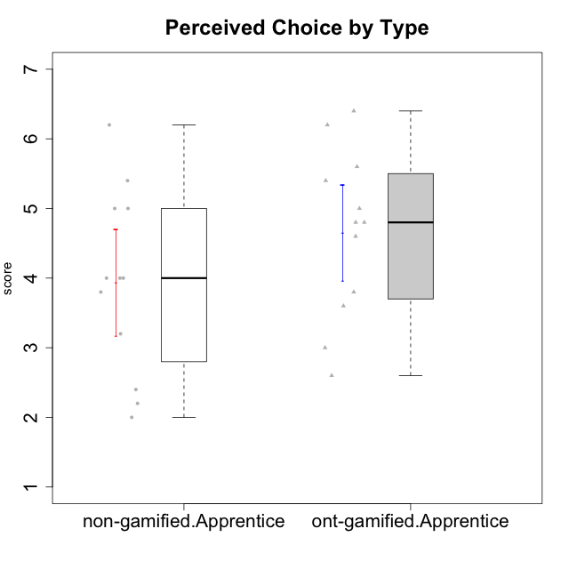

Student's t-Test data
UserID | Type | CLGroup | CLRole | PlayerRole | Interest/Enjoyment | Perceived Choice | Pressure/Tension | Effort/Importance | Intrinsic Motivation
10122 | non-gamified | GroupB | Apprentice |  | 1.3333333333 | 6.2 | 2.25 | 5 | 4.5708333333
10123 | ont-gamified | Grupo Morfeu | Apprentice | Yee Achiever | 2.6666666667 | 4.8 | 3.5 | 4.3333333333 | 4.075
10126 | ont-gamified | Grupo Hélio | Apprentice | Yee Socializer | 5.3333333333 | 6.2 | 2.25 | 5 | 5.5708333333
10127 | ont-gamified | Grupo Hades | Apprentice | Yee Achiever | 5.8333333333 | 4.8 | 2.75 | 3.6666666667 | 4.8875
10128 | ont-gamified | Grupo Morfeu | Apprentice | Yee Achiever | 1.8652333333 | 5.4 | 2.5 | 2.3333333333 | 3.7963833333
10129 | non-gamified | GroupB | Apprentice |  | 1.5 | 3.2 | 5.2239 | 5.3333333333 | 3.1333333333
10130 | non-gamified | GroupC | Apprentice |  | 4.6666666667 | 3.8 | 5 | 6.3333333333 | 4.45
10131 | ont-gamified | Grupo Zeus | Apprentice | Yee Achiever | 6.1666666667 | 2.6 | 1.75 | 6 | 5.2541666667
10132 | non-gamified | GroupA | Apprentice |  | 1 | 4 | 2.75 | 5.6666666667 | 3.9791666667
10134 | ont-gamified | Grupo Apolo | Apprentice | Yee Socializer | 2 | 3 | 3.75 | 4 | 3.7963833333
10135 | non-gamified | GroupB | Apprentice |  | 4.5 | 5 | 3.75 | 4.6666666667 | 4.6041666667
10136 | non-gamified | GroupC | Apprentice |  | 1 | 2 | 3.25 | 3.1898666667 | 2.697185
10137 | ont-gamified | Grupo Morfeu | Apprentice | Yee Achiever | 5.5 | 6.4 | 1 | 6.3333333333 | 6.0202833333
10138 | ont-gamified | Grupo Hélio | Apprentice | Yee Socializer | 4.6666666667 | 3.6 | 3.75 | 7 | 4.8791666667
10139 | ont-gamified | Grupo Zeus | Apprentice | Yee Achiever | 3.6666666667 | 4.6 | 2.25 | 4 | 4.5041666667
10140 | non-gamified | GroupC | Apprentice |  | 2.3333333333 | 4 | 4.5 | 3.3333333333 | 3.2916666667
10142 | ont-gamified | Grupo Hades | Apprentice | Yee Achiever | 4.6666666667 | 3.8 | 1.75 | 5 | 4.9291666667
10143 | ont-gamified | Grupo Apolo | Apprentice | Yee Socializer | 4.1666666667 | 5 | 3 | 6 | 5.0416666667
10146 | non-gamified | GroupA | Apprentice |  | 5 | 5 | 2.5 | 6.3333333333 | 5.4583333333
10148 | ont-gamified | Grupo Apolo | Apprentice | Yee Socializer | 4.3333333333 | 5.6 | 4.5 | 6.3333333333 | 4.9416666667
10149 | non-gamified | GroupA | Apprentice |  | 2.5 | 2.4 | 5.2239 | 5.6666666667 | 3.2666666667
10153 | non-gamified | GroupA | Apprentice |  | 4.6666666667 | 4 | 2.5 | 4.6666666667 | 4.7083333333
10154 | non-gamified | GroupC | Apprentice |  | 2.1666666667 | 2.2 | 4 | 4.3333333333 | 3.175
10158 | non-gamified | GroupD | Apprentice |  | 6.5 | 5.4 | 1 | 7 | 6.1899333333

Type_CLRole_3
Student's t-Test for Perceived Choice by Type in Type:CLRole between non-gamified.Apprentice:ont-gamified.Master

Student's t-Test results
Alternative hypothesis: less
Group | N | Mean | Mean.Difference | Std.deviation | Std.error | CI.lower | CI.upper | df | t.value | p.value | g | magnitude
non-gamified.Apprentice | 12 | 3.9333333333 | -1.4210166667 | 1.3220736696 | 0.38164979452 | 3.1700337443 | 4.6966329224 | 6.9524675519 | -2.2727478328 | 0.028748573287 | -1.0676326383 | large
ont-gamified.Master | 4 | 5.35435 | 1.4210166667 | 0.99049601547 | 0.49524800774 | 4.3638539845 | 6.3448460155 | 6.9524675519 | -2.2727478328 | 0.028748573287 | -1.0676326383 | large
Alternative hypothesis: greater
Group | N | Mean | Mean.Difference | Std.deviation | Std.error | CI.lower | CI.upper | df | t.value | p.value | g | magnitude
non-gamified.Apprentice | 12 | 3.9333333333 | -1.4210166667 | 1.3220736696 | 0.38164979452 | 3.1700337443 | 4.6966329224 | 6.9524675519 | -2.2727478328 | 0.97125142671 | -1.0676326383 | large
ont-gamified.Master | 4 | 5.35435 | 1.4210166667 | 0.99049601547 | 0.49524800774 | 4.3638539845 | 6.3448460155 | 6.9524675519 | -2.2727478328 | 0.97125142671 | -1.0676326383 | large
Alternative hypothesis: two.sided
Group | N | Mean | Mean.Difference | Std.deviation | Std.error | CI.lower | CI.upper | df | t.value | p.value | g | magnitude
non-gamified.Apprentice | 12 | 3.9333333333 | -1.4210166667 | 1.3220736696 | 0.38164979452 | 3.1700337443 | 4.6966329224 | 6.9524675519 | -2.2727478328 | 0.057497146574 | -1.0676326383 | large
ont-gamified.Master | 4 | 5.35435 | 1.4210166667 | 0.99049601547 | 0.49524800774 | 4.3638539845 | 6.3448460155 | 6.9524675519 | -2.2727478328 | 0.057497146574 | -1.0676326383 | large

Box plots for Student's t-Test
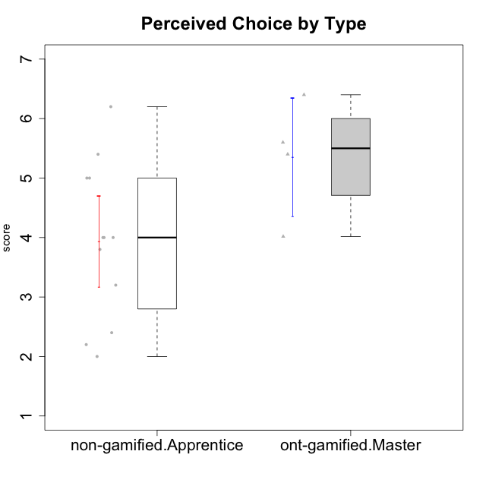

Student's t-Test data
UserID | Type | CLGroup | CLRole | PlayerRole | Interest/Enjoyment | Perceived Choice | Pressure/Tension | Effort/Importance | Intrinsic Motivation
10120 | ont-gamified | Grupo Hélio | Master | Yee Socializer | 5.8333333333 | 6.4 | 1.5 | 6.1492666667 | 6.2666666667
10121 | ont-gamified | Grupo Hades | Master | Yee Achiever | 4.5 | 5.4 | 3.75 | 5 | 4.7875
10122 | non-gamified | GroupB | Apprentice |  | 1.3333333333 | 6.2 | 2.25 | 5 | 4.5708333333
10129 | non-gamified | GroupB | Apprentice |  | 1.5 | 3.2 | 5.2239 | 5.3333333333 | 3.1333333333
10130 | non-gamified | GroupC | Apprentice |  | 4.6666666667 | 3.8 | 5 | 6.3333333333 | 4.45
10132 | non-gamified | GroupA | Apprentice |  | 1 | 4 | 2.75 | 5.6666666667 | 3.9791666667
10135 | non-gamified | GroupB | Apprentice |  | 4.5 | 5 | 3.75 | 4.6666666667 | 4.6041666667
10136 | non-gamified | GroupC | Apprentice |  | 1 | 2 | 3.25 | 3.1898666667 | 2.697185
10140 | non-gamified | GroupC | Apprentice |  | 2.3333333333 | 4 | 4.5 | 3.3333333333 | 3.2916666667
10141 | ont-gamified | Grupo Apolo | Master | Yee Socializer | 4 | 4.0174 | 3 | 4.3333333333 | 4.2333333333
10146 | non-gamified | GroupA | Apprentice |  | 5 | 5 | 2.5 | 6.3333333333 | 5.4583333333
10149 | non-gamified | GroupA | Apprentice |  | 2.5 | 2.4 | 5.2239 | 5.6666666667 | 3.2666666667
10152 | ont-gamified | Grupo Morfeu | Master | Yee Achiever | 7 | 5.6 | 2.75 | 4 | 5.4625
10153 | non-gamified | GroupA | Apprentice |  | 4.6666666667 | 4 | 2.5 | 4.6666666667 | 4.7083333333
10154 | non-gamified | GroupC | Apprentice |  | 2.1666666667 | 2.2 | 4 | 4.3333333333 | 3.175
10158 | non-gamified | GroupD | Apprentice |  | 6.5 | 5.4 | 1 | 7 | 6.1899333333

Type_CLRole_4
Student's t-Test for Perceived Choice by Type in Type:CLRole between non-gamified.Master:ont-gamified.Apprentice

Student's t-Test results
Alternative hypothesis: less
Group | N | Mean | Mean.Difference | Std.deviation | Std.error | CI.lower | CI.upper | df | t.value | p.value | g | magnitude
non-gamified.Master | 2 | 2.8 | -1.85 | 0 | 0 | 2.8 | 2.8 | 11 | -5.338805027 | 0.00011892288673 | -1.5069628173 | large
ont-gamified.Apprentice | 12 | 4.65 | 1.85 | 1.2003787281 | 0.3465194909 | 3.9569610182 | 5.3430389818 | 11 | -5.338805027 | 0.00011892288673 | -1.5069628173 | large
Alternative hypothesis: greater
Group | N | Mean | Mean.Difference | Std.deviation | Std.error | CI.lower | CI.upper | df | t.value | p.value | g | magnitude
non-gamified.Master | 2 | 2.8 | -1.85 | 0 | 0 | 2.8 | 2.8 | 11 | -5.338805027 | 0.99988107711 | -1.5069628173 | large
ont-gamified.Apprentice | 12 | 4.65 | 1.85 | 1.2003787281 | 0.3465194909 | 3.9569610182 | 5.3430389818 | 11 | -5.338805027 | 0.99988107711 | -1.5069628173 | large
Alternative hypothesis: two.sided
Group | N | Mean | Mean.Difference | Std.deviation | Std.error | CI.lower | CI.upper | df | t.value | p.value | g | magnitude
non-gamified.Master | 2 | 2.8 | -1.85 | 0 | 0 | 2.8 | 2.8 | 11 | -5.338805027 | 0.00023784577345 | -1.5069628173 | large
ont-gamified.Apprentice | 12 | 4.65 | 1.85 | 1.2003787281 | 0.3465194909 | 3.9569610182 | 5.3430389818 | 11 | -5.338805027 | 0.00023784577345 | -1.5069628173 | large

Box plots for Student's t-Test
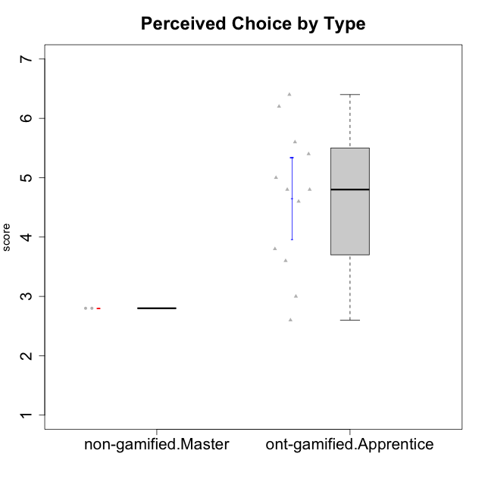

Student's t-Test data
UserID | Type | CLGroup | CLRole | PlayerRole | Interest/Enjoyment | Perceived Choice | Pressure/Tension | Effort/Importance | Intrinsic Motivation
10116 | non-gamified | GroupC | Master |  | 3.8333333333 | 2.8 | 3.5 | 4 | 3.7833333333
10123 | ont-gamified | Grupo Morfeu | Apprentice | Yee Achiever | 2.6666666667 | 4.8 | 3.5 | 4.3333333333 | 4.075
10126 | ont-gamified | Grupo Hélio | Apprentice | Yee Socializer | 5.3333333333 | 6.2 | 2.25 | 5 | 5.5708333333
10127 | ont-gamified | Grupo Hades | Apprentice | Yee Achiever | 5.8333333333 | 4.8 | 2.75 | 3.6666666667 | 4.8875
10128 | ont-gamified | Grupo Morfeu | Apprentice | Yee Achiever | 1.8652333333 | 5.4 | 2.5 | 2.3333333333 | 3.7963833333
10131 | ont-gamified | Grupo Zeus | Apprentice | Yee Achiever | 6.1666666667 | 2.6 | 1.75 | 6 | 5.2541666667
10134 | ont-gamified | Grupo Apolo | Apprentice | Yee Socializer | 2 | 3 | 3.75 | 4 | 3.7963833333
10137 | ont-gamified | Grupo Morfeu | Apprentice | Yee Achiever | 5.5 | 6.4 | 1 | 6.3333333333 | 6.0202833333
10138 | ont-gamified | Grupo Hélio | Apprentice | Yee Socializer | 4.6666666667 | 3.6 | 3.75 | 7 | 4.8791666667
10139 | ont-gamified | Grupo Zeus | Apprentice | Yee Achiever | 3.6666666667 | 4.6 | 2.25 | 4 | 4.5041666667
10142 | ont-gamified | Grupo Hades | Apprentice | Yee Achiever | 4.6666666667 | 3.8 | 1.75 | 5 | 4.9291666667
10143 | ont-gamified | Grupo Apolo | Apprentice | Yee Socializer | 4.1666666667 | 5 | 3 | 6 | 5.0416666667
10145 | non-gamified | GroupB | Master |  | 3 | 2.8 | 4 | 7 | 4.2
10148 | ont-gamified | Grupo Apolo | Apprentice | Yee Socializer | 4.3333333333 | 5.6 | 4.5 | 6.3333333333 | 4.9416666667

Type_CLRole_5
Student's t-Test for Perceived Choice by Type in Type:CLRole between non-gamified.Master:ont-gamified.Master

Student's t-Test results
Alternative hypothesis: less
Group | N | Mean | Mean.Difference | Std.deviation | Std.error | CI.lower | CI.upper | df | t.value | p.value | g | magnitude
non-gamified.Master | 2 | 2.8 | -2.55435 | 0 | 0 | 2.8 | 2.8 | 3 | -5.1577188804 | 0.0070665813256 | -2.3822483072 | large
ont-gamified.Master | 4 | 5.35435 | 2.55435 | 0.99049601547 | 0.49524800774 | 4.3638539845 | 6.3448460155 | 3 | -5.1577188804 | 0.0070665813256 | -2.3822483072 | large
Alternative hypothesis: greater
Group | N | Mean | Mean.Difference | Std.deviation | Std.error | CI.lower | CI.upper | df | t.value | p.value | g | magnitude
non-gamified.Master | 2 | 2.8 | -2.55435 | 0 | 0 | 2.8 | 2.8 | 3 | -5.1577188804 | 0.99293341867 | -2.3822483072 | large
ont-gamified.Master | 4 | 5.35435 | 2.55435 | 0.99049601547 | 0.49524800774 | 4.3638539845 | 6.3448460155 | 3 | -5.1577188804 | 0.99293341867 | -2.3822483072 | large
Alternative hypothesis: two.sided
Group | N | Mean | Mean.Difference | Std.deviation | Std.error | CI.lower | CI.upper | df | t.value | p.value | g | magnitude
non-gamified.Master | 2 | 2.8 | -2.55435 | 0 | 0 | 2.8 | 2.8 | 3 | -5.1577188804 | 0.014133162651 | -2.3822483072 | large
ont-gamified.Master | 4 | 5.35435 | 2.55435 | 0.99049601547 | 0.49524800774 | 4.3638539845 | 6.3448460155 | 3 | -5.1577188804 | 0.014133162651 | -2.3822483072 | large

Box plots for Student's t-Test
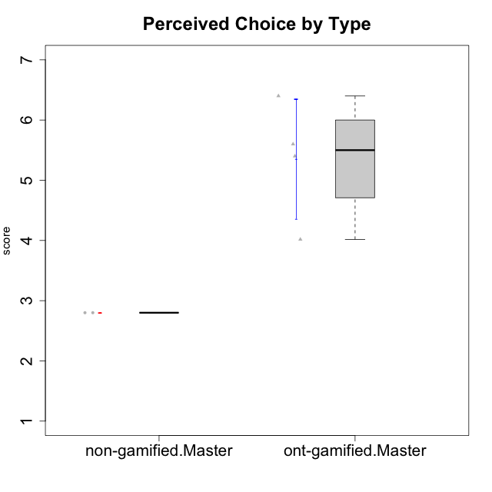

Student's t-Test data
UserID | Type | CLGroup | CLRole | PlayerRole | Interest/Enjoyment | Perceived Choice | Pressure/Tension | Effort/Importance | Intrinsic Motivation
10116 | non-gamified | GroupC | Master |  | 3.8333333333 | 2.8 | 3.5 | 4 | 3.7833333333
10120 | ont-gamified | Grupo Hélio | Master | Yee Socializer | 5.8333333333 | 6.4 | 1.5 | 6.1492666667 | 6.2666666667
10121 | ont-gamified | Grupo Hades | Master | Yee Achiever | 4.5 | 5.4 | 3.75 | 5 | 4.7875
10141 | ont-gamified | Grupo Apolo | Master | Yee Socializer | 4 | 4.0174 | 3 | 4.3333333333 | 4.2333333333
10145 | non-gamified | GroupB | Master |  | 3 | 2.8 | 4 | 7 | 4.2
10152 | ont-gamified | Grupo Morfeu | Master | Yee Achiever | 7 | 5.6 | 2.75 | 4 | 5.4625

Type_CLRole_6
Student's t-Test for Perceived Choice by Type in Type:CLRole between ont-gamified.Apprentice:ont-gamified.Master

Student's t-Test results
Alternative hypothesis: less
Group | N | Mean | Mean.Difference | Std.deviation | Std.error | CI.lower | CI.upper | df | t.value | p.value | g | magnitude
ont-gamified.Apprentice | 12 | 4.65 | -0.70435 | 1.2003787281 | 0.3465194909 | 3.9569610182 | 5.3430389818 | 6.2480030585 | -1.1652956746 | 0.14322570693 | -0.57476760071 | medium
ont-gamified.Master | 4 | 5.35435 | 0.70435 | 0.99049601547 | 0.49524800774 | 4.3638539845 | 6.3448460155 | 6.2480030585 | -1.1652956746 | 0.14322570693 | -0.57476760071 | medium
Alternative hypothesis: greater
Group | N | Mean | Mean.Difference | Std.deviation | Std.error | CI.lower | CI.upper | df | t.value | p.value | g | magnitude
ont-gamified.Apprentice | 12 | 4.65 | -0.70435 | 1.2003787281 | 0.3465194909 | 3.9569610182 | 5.3430389818 | 6.2480030585 | -1.1652956746 | 0.85677429307 | -0.57476760071 | medium
ont-gamified.Master | 4 | 5.35435 | 0.70435 | 0.99049601547 | 0.49524800774 | 4.3638539845 | 6.3448460155 | 6.2480030585 | -1.1652956746 | 0.85677429307 | -0.57476760071 | medium
Alternative hypothesis: two.sided
Group | N | Mean | Mean.Difference | Std.deviation | Std.error | CI.lower | CI.upper | df | t.value | p.value | g | magnitude
ont-gamified.Apprentice | 12 | 4.65 | -0.70435 | 1.2003787281 | 0.3465194909 | 3.9569610182 | 5.3430389818 | 6.2480030585 | -1.1652956746 | 0.28645141386 | -0.57476760071 | medium
ont-gamified.Master | 4 | 5.35435 | 0.70435 | 0.99049601547 | 0.49524800774 | 4.3638539845 | 6.3448460155 | 6.2480030585 | -1.1652956746 | 0.28645141386 | -0.57476760071 | medium

Box plots for Student's t-Test


Student's t-Test data
UserID | Type | CLGroup | CLRole | PlayerRole | Interest/Enjoyment | Perceived Choice | Pressure/Tension | Effort/Importance | Intrinsic Motivation
10120 | ont-gamified | Grupo Hélio | Master | Yee Socializer | 5.8333333333 | 6.4 | 1.5 | 6.1492666667 | 6.2666666667
10121 | ont-gamified | Grupo Hades | Master | Yee Achiever | 4.5 | 5.4 | 3.75 | 5 | 4.7875
10123 | ont-gamified | Grupo Morfeu | Apprentice | Yee Achiever | 2.6666666667 | 4.8 | 3.5 | 4.3333333333 | 4.075
10126 | ont-gamified | Grupo Hélio | Apprentice | Yee Socializer | 5.3333333333 | 6.2 | 2.25 | 5 | 5.5708333333
10127 | ont-gamified | Grupo Hades | Apprentice | Yee Achiever | 5.8333333333 | 4.8 | 2.75 | 3.6666666667 | 4.8875
10128 | ont-gamified | Grupo Morfeu | Apprentice | Yee Achiever | 1.8652333333 | 5.4 | 2.5 | 2.3333333333 | 3.7963833333
10131 | ont-gamified | Grupo Zeus | Apprentice | Yee Achiever | 6.1666666667 | 2.6 | 1.75 | 6 | 5.2541666667
10134 | ont-gamified | Grupo Apolo | Apprentice | Yee Socializer | 2 | 3 | 3.75 | 4 | 3.7963833333
10137 | ont-gamified | Grupo Morfeu | Apprentice | Yee Achiever | 5.5 | 6.4 | 1 | 6.3333333333 | 6.0202833333
10138 | ont-gamified | Grupo Hélio | Apprentice | Yee Socializer | 4.6666666667 | 3.6 | 3.75 | 7 | 4.8791666667
10139 | ont-gamified | Grupo Zeus | Apprentice | Yee Achiever | 3.6666666667 | 4.6 | 2.25 | 4 | 4.5041666667
10141 | ont-gamified | Grupo Apolo | Master | Yee Socializer | 4 | 4.0174 | 3 | 4.3333333333 | 4.2333333333
10142 | ont-gamified | Grupo Hades | Apprentice | Yee Achiever | 4.6666666667 | 3.8 | 1.75 | 5 | 4.9291666667
10143 | ont-gamified | Grupo Apolo | Apprentice | Yee Socializer | 4.1666666667 | 5 | 3 | 6 | 5.0416666667
10148 | ont-gamified | Grupo Apolo | Apprentice | Yee Socializer | 4.3333333333 | 5.6 | 4.5 | 6.3333333333 | 4.9416666667
10152 | ont-gamified | Grupo Morfeu | Master | Yee Achiever | 7 | 5.6 | 2.75 | 4 | 5.4625

