Assumptions
ANOVA assumptions for Pressure/Tension by Type

Shapiro-Wilk normality test for Pressure/Tension by Type
W | p.value
0.97254629228 | 0.6109338622

Plots for normality test
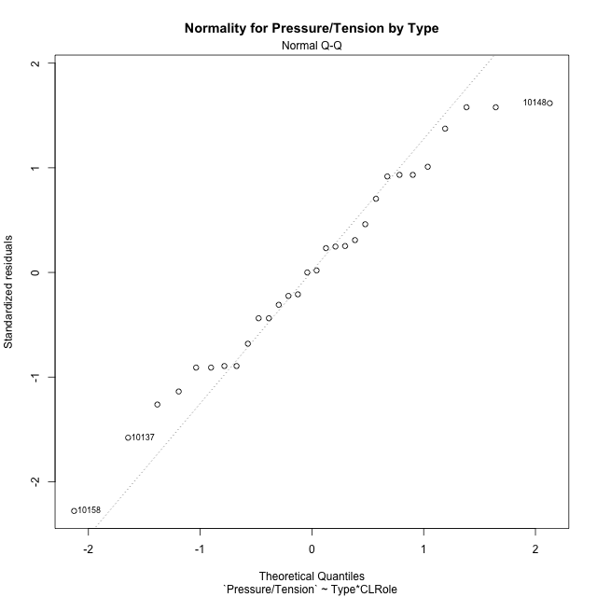

Levene's Test for Homogeneity of Variance in Pressure/Tension by Type
Df | F value | Pr(>F)
3 | 1.6416558517 | 0.20403430798
26

Plots for homogeneity of variance
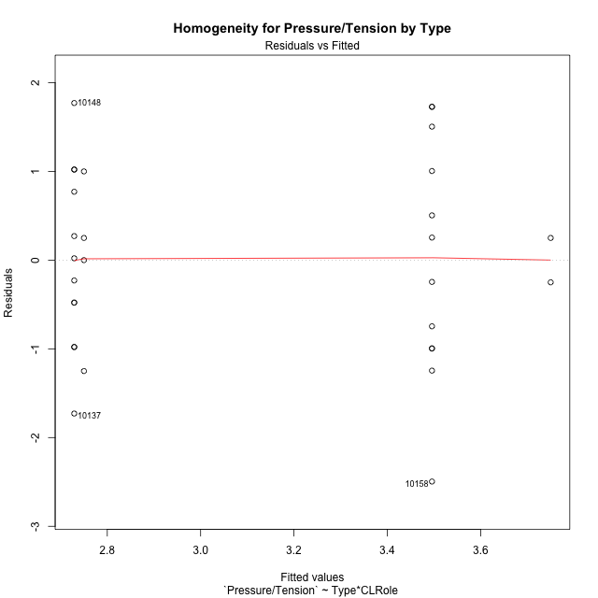

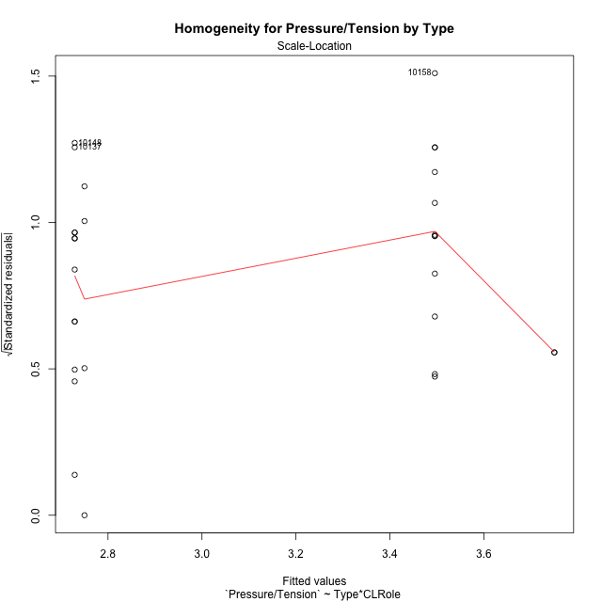

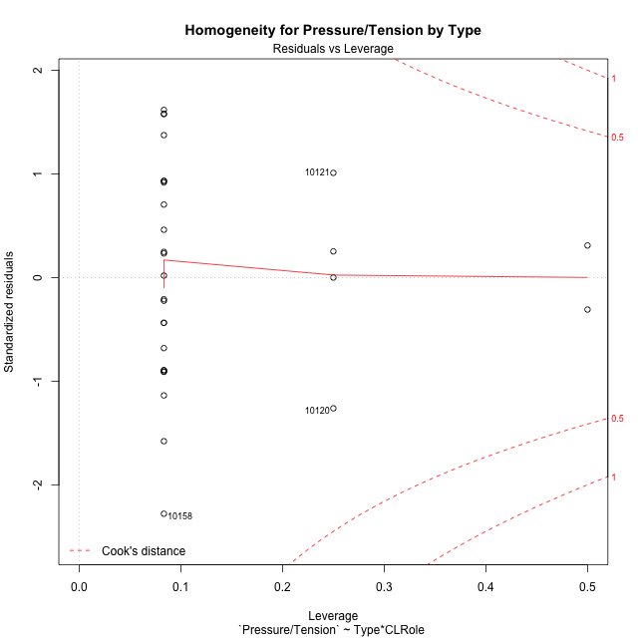

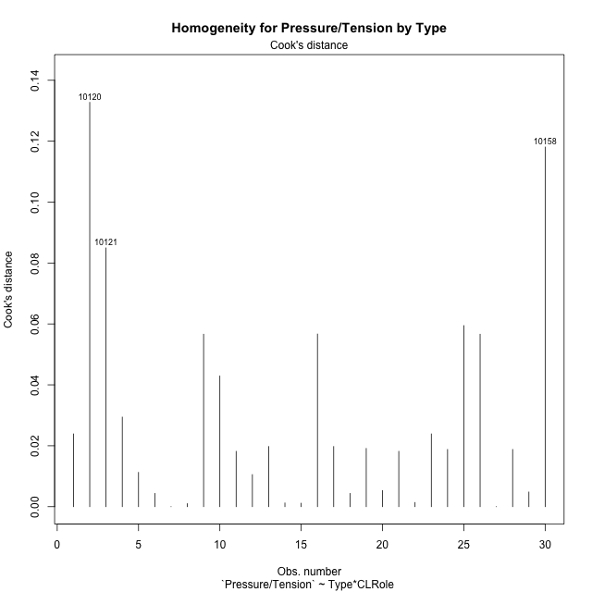

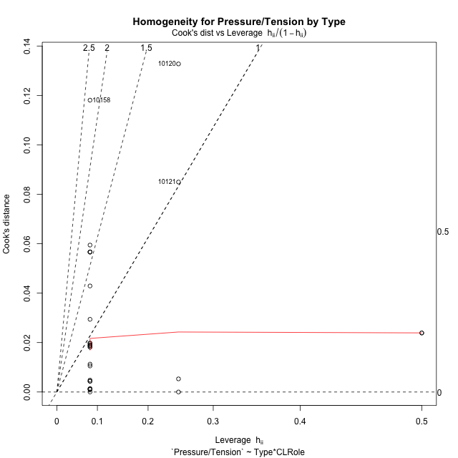

Minimum Sample Size Test for Pressure/Tension by Type
Type | CLRole | Freq
non-gamified | Apprentice | 12
ont-gamified | Apprentice | 12
non-gamified | Master | 2
ont-gamified | Master | 4

Errors and Warnings in Sample Size Test for ANOVA in Pressure/Tension by Type
code | description
WARN: sample.size | current size is 12 and recommended size is 15 for the group: 'non-gamified:Apprentice'.
WARN: sample.size | current size is 12 and recommended size is 15 for the group: 'ont-gamified:Apprentice'.
FAIL: min.size | current size is 2 but the minimal recomended size is 5 for the group: 'non-gamified:Master'.
FAIL: min.size | current size is 4 but the minimal recomended size is 5 for the group: 'ont-gamified:Master'.

For the group: 'non-gamified:Apprentice', we recommend the use of non-parametric test. For the group: 'ont-gamified:Apprentice', we recommend the use of non-parametric test. For the group: 'non-gamified:Master', we recommend the use of non-parametric test. For the group: 'ont-gamified:Master', we recommend the use of non-parametric test.

Post-hoc
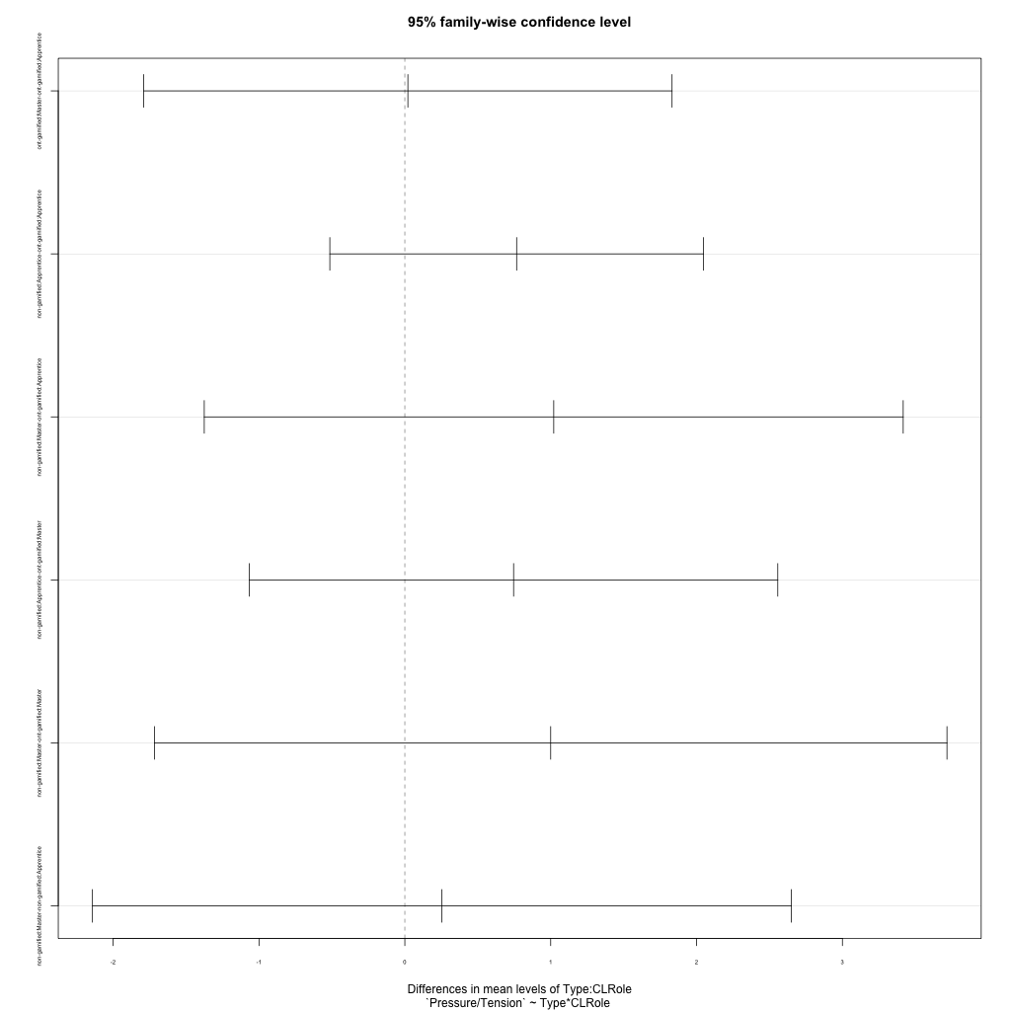
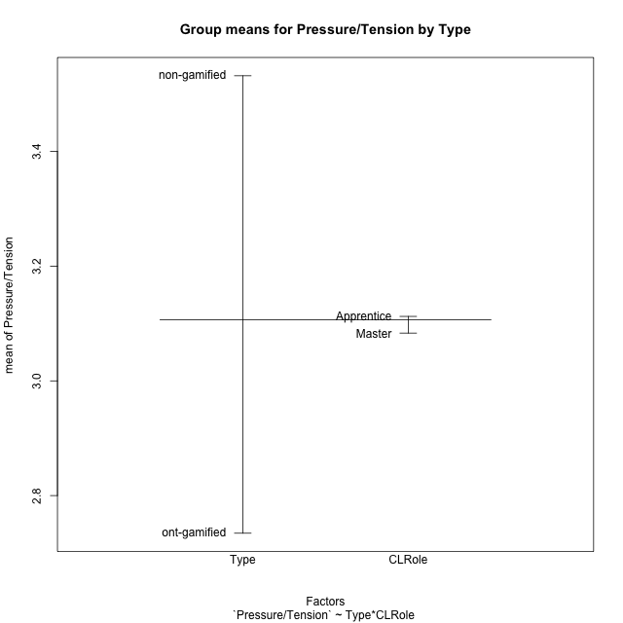
Post-hoc Tukey Honestly Significant Difference (HSD) Test for Pressure/Tension by Type

Comparisons of means for Type
 | diff | lwr | upr | p adj
non-gamified-ont-gamified | 0.79761071429 | -0.062625550179 | 1.6578469788 | 0.067777748663

Comparisons of means for CLRole
 | diff | lwr | upr | p adj
Master-Apprentice | 0.10386011905 | -0.96904300539 | 1.1767632435 | 0.84382533498

Comparisons of means for Type:CLRole
 | diff | lwr | upr | p adj
ont-gamified:Master-ont-gamified:Apprentice | 0.020833333333 | -1.7903951848 | 1.8320618515 | 0.99998839819
non-gamified:Apprentice-ont-gamified:Apprentice | 0.76648333333 | -0.51424863415 | 2.0472153008 | 0.37384196249
non-gamified:Master-ont-gamified:Apprentice | 1.0208333333 | -1.37519678 | 3.4168634466 | 0.65130262665
non-gamified:Apprentice-ont-gamified:Master | 0.74565 | -1.0655785182 | 2.5568785182 | 0.67511611099
non-gamified:Master-ont-gamified:Master | 1 | -1.7168427773 | 3.7168427773 | 0.74520629058
non-gamified:Master-non-gamified:Apprentice | 0.25435 | -2.1416801133 | 2.6503801133 | 0.9911926681

Contrast Matrices for Pressure/Tension by Type - Type
contrast | estimate | SE | df | t.ratio | p.value
non-gamified - ont-gamified | 0.88324166667 | 0.54743574525 | 26 | 1.6134161394 | 0.11872730694

Contrast Matrices for Pressure/Tension by Type - Type:CLRole
contrast | CLRole | estimate | SE | df | t.ratio | p.value
non-gamified - ont-gamified | Apprentice | 0.76648333333 | 0.46685477219 | 26 | 1.6418025026 | 0.11267337563
non-gamified - ont-gamified | Master | 1 | 0.99034852572 | 26 | 1.009745533 | 0.32192255577

Least Squares Means and Confidence Intervals for Type
Type | lsmean | SE | df | lower.CL | upper.CL | Pairs
non-gamified | 3.622825 | 0.43670265172 | 26 | 2.7251698434 | 4.5204801566 | non-gamified
ont-gamified | 2.7395833333 | 0.33011617524 | 26 | 2.061019817 | 3.4181468497 | ont-gamified

Least Squares Means and Confidence Intervals for Type:CLRole
Type | CLRole | lsmean | SE | df | lower.CL | upper.CL | Pairs
non-gamified | Apprentice | 3.49565 | 0.33011617524 | 26 | 2.8170864836 | 4.1742135164 | non-gamified.Apprentice
ont-gamified | Apprentice | 2.7291666667 | 0.33011617524 | 26 | 2.0506031503 | 3.407730183 | ont-gamified.Apprentice
non-gamified | Master | 3.75 | 0.80861618518 | 26 | 2.0878656268 | 5.4121343732 | non-gamified.Master
ont-gamified | Master | 2.75 | 0.57177798792 | 26 | 1.5746935135 | 3.9253064865 | ont-gamified.Master

Plots

Type_1
Student's t-Test for Pressure/Tension by Type in Type between non-gamified:ont-gamified

Student's t-Test results
Alternative hypothesis: less
Group | N | Mean | Mean.Difference | Std.deviation | Std.error | CI.lower | CI.upper | df | t.value | p.value | g | magnitude
non-gamified | 14 | 3.5319857143 | 0.79761071429 | 1.245896008 | 0.3329797144 | 2.8660262855 | 4.1979451431 | 24.384233134 | 1.9405947368 | 0.96802301003 | 0.70309051824 | medium
ont-gamified | 16 | 2.734375 | -0.79761071429 | 0.96379782631 | 0.24094945658 | 2.2524760868 | 3.2162739132 | 24.384233134 | 1.9405947368 | 0.96802301003 | 0.70309051824 | medium
Alternative hypothesis: greater
Group | N | Mean | Mean.Difference | Std.deviation | Std.error | CI.lower | CI.upper | df | t.value | p.value | g | magnitude
non-gamified | 14 | 3.5319857143 | 0.79761071429 | 1.245896008 | 0.3329797144 | 2.8660262855 | 4.1979451431 | 24.384233134 | 1.9405947368 | 0.031976989965 | 0.70309051824 | medium
ont-gamified | 16 | 2.734375 | -0.79761071429 | 0.96379782631 | 0.24094945658 | 2.2524760868 | 3.2162739132 | 24.384233134 | 1.9405947368 | 0.031976989965 | 0.70309051824 | medium
Alternative hypothesis: two.sided
Group | N | Mean | Mean.Difference | Std.deviation | Std.error | CI.lower | CI.upper | df | t.value | p.value | g | magnitude
non-gamified | 14 | 3.5319857143 | 0.79761071429 | 1.245896008 | 0.3329797144 | 2.8660262855 | 4.1979451431 | 24.384233134 | 1.9405947368 | 0.063953979931 | 0.70309051824 | medium
ont-gamified | 16 | 2.734375 | -0.79761071429 | 0.96379782631 | 0.24094945658 | 2.2524760868 | 3.2162739132 | 24.384233134 | 1.9405947368 | 0.063953979931 | 0.70309051824 | medium

Box plots for Student's t-Test
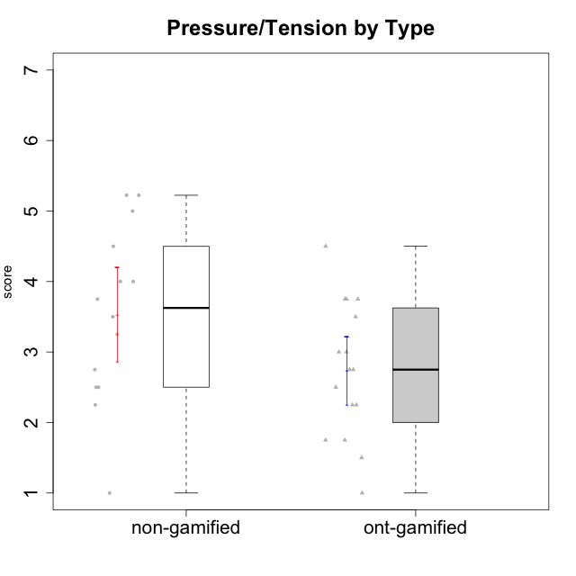

Student's t-Test data
UserID | Type | CLGroup | CLRole | PlayerRole | Interest/Enjoyment | Perceived Choice | Pressure/Tension | Effort/Importance | Intrinsic Motivation
10116 | non-gamified | GroupC | Master |  | 3.8333333333 | 2.8 | 3.5 | 4 | 3.7833333333
10120 | ont-gamified | Grupo Hélio | Master | Yee Socializer | 5.8333333333 | 6.4 | 1.5 | 6.1492666667 | 6.2666666667
10121 | ont-gamified | Grupo Hades | Master | Yee Achiever | 4.5 | 5.4 | 3.75 | 5 | 4.7875
10122 | non-gamified | GroupB | Apprentice |  | 1.3333333333 | 6.2 | 2.25 | 5 | 4.5708333333
10123 | ont-gamified | Grupo Morfeu | Apprentice | Yee Achiever | 2.6666666667 | 4.8 | 3.5 | 4.3333333333 | 4.075
10126 | ont-gamified | Grupo Hélio | Apprentice | Yee Socializer | 5.3333333333 | 6.2 | 2.25 | 5 | 5.5708333333
10127 | ont-gamified | Grupo Hades | Apprentice | Yee Achiever | 5.8333333333 | 4.8 | 2.75 | 3.6666666667 | 4.8875
10128 | ont-gamified | Grupo Morfeu | Apprentice | Yee Achiever | 1.8652333333 | 5.4 | 2.5 | 2.3333333333 | 3.7963833333
10129 | non-gamified | GroupB | Apprentice |  | 1.5 | 3.2 | 5.2239 | 5.3333333333 | 3.1333333333
10130 | non-gamified | GroupC | Apprentice |  | 4.6666666667 | 3.8 | 5 | 6.3333333333 | 4.45
10131 | ont-gamified | Grupo Zeus | Apprentice | Yee Achiever | 6.1666666667 | 2.6 | 1.75 | 6 | 5.2541666667
10132 | non-gamified | GroupA | Apprentice |  | 1 | 4 | 2.75 | 5.6666666667 | 3.9791666667
10134 | ont-gamified | Grupo Apolo | Apprentice | Yee Socializer | 2 | 3 | 3.75 | 4 | 3.7963833333
10135 | non-gamified | GroupB | Apprentice |  | 4.5 | 5 | 3.75 | 4.6666666667 | 4.6041666667
10136 | non-gamified | GroupC | Apprentice |  | 1 | 2 | 3.25 | 3.1898666667 | 2.697185
10137 | ont-gamified | Grupo Morfeu | Apprentice | Yee Achiever | 5.5 | 6.4 | 1 | 6.3333333333 | 6.0202833333
10138 | ont-gamified | Grupo Hélio | Apprentice | Yee Socializer | 4.6666666667 | 3.6 | 3.75 | 7 | 4.8791666667
10139 | ont-gamified | Grupo Zeus | Apprentice | Yee Achiever | 3.6666666667 | 4.6 | 2.25 | 4 | 4.5041666667
10140 | non-gamified | GroupC | Apprentice |  | 2.3333333333 | 4 | 4.5 | 3.3333333333 | 3.2916666667
10141 | ont-gamified | Grupo Apolo | Master | Yee Socializer | 4 | 4.0174 | 3 | 4.3333333333 | 4.2333333333
10142 | ont-gamified | Grupo Hades | Apprentice | Yee Achiever | 4.6666666667 | 3.8 | 1.75 | 5 | 4.9291666667
10143 | ont-gamified | Grupo Apolo | Apprentice | Yee Socializer | 4.1666666667 | 5 | 3 | 6 | 5.0416666667
10145 | non-gamified | GroupB | Master |  | 3 | 2.8 | 4 | 7 | 4.2
10146 | non-gamified | GroupA | Apprentice |  | 5 | 5 | 2.5 | 6.3333333333 | 5.4583333333
10148 | ont-gamified | Grupo Apolo | Apprentice | Yee Socializer | 4.3333333333 | 5.6 | 4.5 | 6.3333333333 | 4.9416666667
10149 | non-gamified | GroupA | Apprentice |  | 2.5 | 2.4 | 5.2239 | 5.6666666667 | 3.2666666667
10152 | ont-gamified | Grupo Morfeu | Master | Yee Achiever | 7 | 5.6 | 2.75 | 4 | 5.4625
10153 | non-gamified | GroupA | Apprentice |  | 4.6666666667 | 4 | 2.5 | 4.6666666667 | 4.7083333333
10154 | non-gamified | GroupC | Apprentice |  | 2.1666666667 | 2.2 | 4 | 4.3333333333 | 3.175
10158 | non-gamified | GroupD | Apprentice |  | 6.5 | 5.4 | 1 | 7 | 6.1899333333

Type_CLRole_1
Student's t-Test for Pressure/Tension by Type in Type:CLRole between non-gamified.Apprentice:non-gamified.Master

Student's t-Test results
Alternative hypothesis: less
Group | N | Mean | Mean.Difference | Std.deviation | Std.error | CI.lower | CI.upper | df | t.value | p.value | g | magnitude
non-gamified.Apprentice | 12 | 3.49565 | -0.25435 | 1.3464915808 | 0.38869863833 | 2.7182527233 | 4.2730472767 | 7.6267911278 | -0.55035727137 | 0.29890926217 | -0.18412825048 | negligible
non-gamified.Master | 2 | 3.75 | 0.25435 | 0.35355339059 | 0.25 | 3.25 | 4.25 | 7.6267911278 | -0.55035727137 | 0.29890926217 | -0.18412825048 | negligible
Alternative hypothesis: greater
Group | N | Mean | Mean.Difference | Std.deviation | Std.error | CI.lower | CI.upper | df | t.value | p.value | g | magnitude
non-gamified.Apprentice | 12 | 3.49565 | -0.25435 | 1.3464915808 | 0.38869863833 | 2.7182527233 | 4.2730472767 | 7.6267911278 | -0.55035727137 | 0.70109073783 | -0.18412825048 | negligible
non-gamified.Master | 2 | 3.75 | 0.25435 | 0.35355339059 | 0.25 | 3.25 | 4.25 | 7.6267911278 | -0.55035727137 | 0.70109073783 | -0.18412825048 | negligible
Alternative hypothesis: two.sided
Group | N | Mean | Mean.Difference | Std.deviation | Std.error | CI.lower | CI.upper | df | t.value | p.value | g | magnitude
non-gamified.Apprentice | 12 | 3.49565 | -0.25435 | 1.3464915808 | 0.38869863833 | 2.7182527233 | 4.2730472767 | 7.6267911278 | -0.55035727137 | 0.59781852433 | -0.18412825048 | negligible
non-gamified.Master | 2 | 3.75 | 0.25435 | 0.35355339059 | 0.25 | 3.25 | 4.25 | 7.6267911278 | -0.55035727137 | 0.59781852433 | -0.18412825048 | negligible

Box plots for Student's t-Test
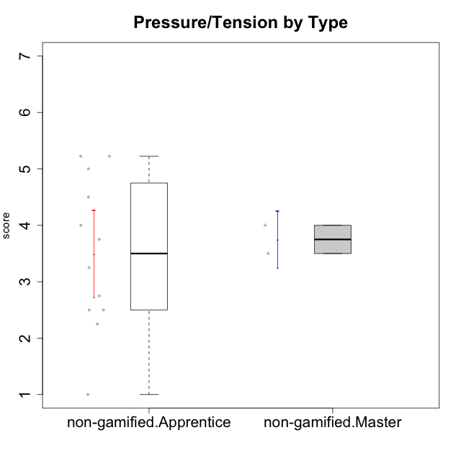

Student's t-Test data
UserID | Type | CLGroup | CLRole | PlayerRole | Interest/Enjoyment | Perceived Choice | Pressure/Tension | Effort/Importance | Intrinsic Motivation
10116 | non-gamified | GroupC | Master |  | 3.8333333333 | 2.8 | 3.5 | 4 | 3.7833333333
10122 | non-gamified | GroupB | Apprentice |  | 1.3333333333 | 6.2 | 2.25 | 5 | 4.5708333333
10129 | non-gamified | GroupB | Apprentice |  | 1.5 | 3.2 | 5.2239 | 5.3333333333 | 3.1333333333
10130 | non-gamified | GroupC | Apprentice |  | 4.6666666667 | 3.8 | 5 | 6.3333333333 | 4.45
10132 | non-gamified | GroupA | Apprentice |  | 1 | 4 | 2.75 | 5.6666666667 | 3.9791666667
10135 | non-gamified | GroupB | Apprentice |  | 4.5 | 5 | 3.75 | 4.6666666667 | 4.6041666667
10136 | non-gamified | GroupC | Apprentice |  | 1 | 2 | 3.25 | 3.1898666667 | 2.697185
10140 | non-gamified | GroupC | Apprentice |  | 2.3333333333 | 4 | 4.5 | 3.3333333333 | 3.2916666667
10145 | non-gamified | GroupB | Master |  | 3 | 2.8 | 4 | 7 | 4.2
10146 | non-gamified | GroupA | Apprentice |  | 5 | 5 | 2.5 | 6.3333333333 | 5.4583333333
10149 | non-gamified | GroupA | Apprentice |  | 2.5 | 2.4 | 5.2239 | 5.6666666667 | 3.2666666667
10153 | non-gamified | GroupA | Apprentice |  | 4.6666666667 | 4 | 2.5 | 4.6666666667 | 4.7083333333
10154 | non-gamified | GroupC | Apprentice |  | 2.1666666667 | 2.2 | 4 | 4.3333333333 | 3.175
10158 | non-gamified | GroupD | Apprentice |  | 6.5 | 5.4 | 1 | 7 | 6.1899333333

Type_CLRole_2
Student's t-Test for Pressure/Tension by Type in Type:CLRole between non-gamified.Apprentice:ont-gamified.Apprentice

Student's t-Test results
Alternative hypothesis: less
Group | N | Mean | Mean.Difference | Std.deviation | Std.error | CI.lower | CI.upper | df | t.value | p.value | g | magnitude
non-gamified.Apprentice | 12 | 3.49565 | 0.76648333333 | 1.3464915808 | 0.38869863833 | 2.7182527233 | 4.2730472767 | 20.439079444 | 1.5752867454 | 0.93472854636 | 0.62093197872 | medium
ont-gamified.Apprentice | 12 | 2.7291666667 | -0.76648333333 | 1.0138715925 | 0.29267951842 | 2.1438076298 | 3.3145257035 | 20.439079444 | 1.5752867454 | 0.93472854636 | 0.62093197872 | medium
Alternative hypothesis: greater
Group | N | Mean | Mean.Difference | Std.deviation | Std.error | CI.lower | CI.upper | df | t.value | p.value | g | magnitude
non-gamified.Apprentice | 12 | 3.49565 | 0.76648333333 | 1.3464915808 | 0.38869863833 | 2.7182527233 | 4.2730472767 | 20.439079444 | 1.5752867454 | 0.065271453636 | 0.62093197872 | medium
ont-gamified.Apprentice | 12 | 2.7291666667 | -0.76648333333 | 1.0138715925 | 0.29267951842 | 2.1438076298 | 3.3145257035 | 20.439079444 | 1.5752867454 | 0.065271453636 | 0.62093197872 | medium
Alternative hypothesis: two.sided
Group | N | Mean | Mean.Difference | Std.deviation | Std.error | CI.lower | CI.upper | df | t.value | p.value | g | magnitude
non-gamified.Apprentice | 12 | 3.49565 | 0.76648333333 | 1.3464915808 | 0.38869863833 | 2.7182527233 | 4.2730472767 | 20.439079444 | 1.5752867454 | 0.13054290727 | 0.62093197872 | medium
ont-gamified.Apprentice | 12 | 2.7291666667 | -0.76648333333 | 1.0138715925 | 0.29267951842 | 2.1438076298 | 3.3145257035 | 20.439079444 | 1.5752867454 | 0.13054290727 | 0.62093197872 | medium

Box plots for Student's t-Test
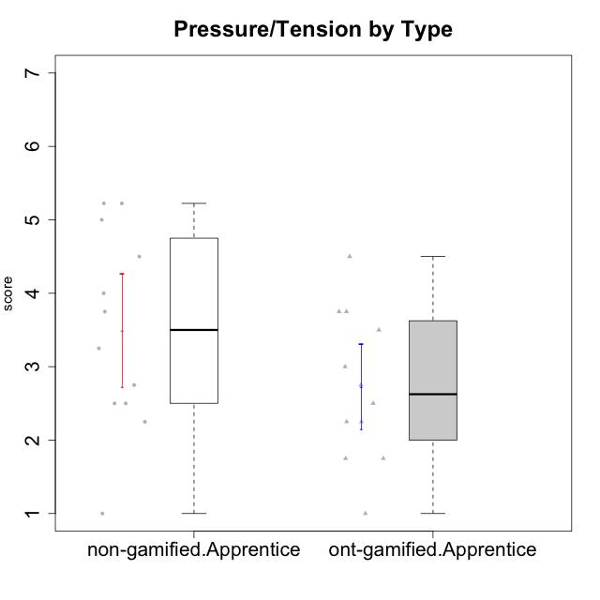

Student's t-Test data
UserID | Type | CLGroup | CLRole | PlayerRole | Interest/Enjoyment | Perceived Choice | Pressure/Tension | Effort/Importance | Intrinsic Motivation
10122 | non-gamified | GroupB | Apprentice |  | 1.3333333333 | 6.2 | 2.25 | 5 | 4.5708333333
10123 | ont-gamified | Grupo Morfeu | Apprentice | Yee Achiever | 2.6666666667 | 4.8 | 3.5 | 4.3333333333 | 4.075
10126 | ont-gamified | Grupo Hélio | Apprentice | Yee Socializer | 5.3333333333 | 6.2 | 2.25 | 5 | 5.5708333333
10127 | ont-gamified | Grupo Hades | Apprentice | Yee Achiever | 5.8333333333 | 4.8 | 2.75 | 3.6666666667 | 4.8875
10128 | ont-gamified | Grupo Morfeu | Apprentice | Yee Achiever | 1.8652333333 | 5.4 | 2.5 | 2.3333333333 | 3.7963833333
10129 | non-gamified | GroupB | Apprentice |  | 1.5 | 3.2 | 5.2239 | 5.3333333333 | 3.1333333333
10130 | non-gamified | GroupC | Apprentice |  | 4.6666666667 | 3.8 | 5 | 6.3333333333 | 4.45
10131 | ont-gamified | Grupo Zeus | Apprentice | Yee Achiever | 6.1666666667 | 2.6 | 1.75 | 6 | 5.2541666667
10132 | non-gamified | GroupA | Apprentice |  | 1 | 4 | 2.75 | 5.6666666667 | 3.9791666667
10134 | ont-gamified | Grupo Apolo | Apprentice | Yee Socializer | 2 | 3 | 3.75 | 4 | 3.7963833333
10135 | non-gamified | GroupB | Apprentice |  | 4.5 | 5 | 3.75 | 4.6666666667 | 4.6041666667
10136 | non-gamified | GroupC | Apprentice |  | 1 | 2 | 3.25 | 3.1898666667 | 2.697185
10137 | ont-gamified | Grupo Morfeu | Apprentice | Yee Achiever | 5.5 | 6.4 | 1 | 6.3333333333 | 6.0202833333
10138 | ont-gamified | Grupo Hélio | Apprentice | Yee Socializer | 4.6666666667 | 3.6 | 3.75 | 7 | 4.8791666667
10139 | ont-gamified | Grupo Zeus | Apprentice | Yee Achiever | 3.6666666667 | 4.6 | 2.25 | 4 | 4.5041666667
10140 | non-gamified | GroupC | Apprentice |  | 2.3333333333 | 4 | 4.5 | 3.3333333333 | 3.2916666667
10142 | ont-gamified | Grupo Hades | Apprentice | Yee Achiever | 4.6666666667 | 3.8 | 1.75 | 5 | 4.9291666667
10143 | ont-gamified | Grupo Apolo | Apprentice | Yee Socializer | 4.1666666667 | 5 | 3 | 6 | 5.0416666667
10146 | non-gamified | GroupA | Apprentice |  | 5 | 5 | 2.5 | 6.3333333333 | 5.4583333333
10148 | ont-gamified | Grupo Apolo | Apprentice | Yee Socializer | 4.3333333333 | 5.6 | 4.5 | 6.3333333333 | 4.9416666667
10149 | non-gamified | GroupA | Apprentice |  | 2.5 | 2.4 | 5.2239 | 5.6666666667 | 3.2666666667
10153 | non-gamified | GroupA | Apprentice |  | 4.6666666667 | 4 | 2.5 | 4.6666666667 | 4.7083333333
10154 | non-gamified | GroupC | Apprentice |  | 2.1666666667 | 2.2 | 4 | 4.3333333333 | 3.175
10158 | non-gamified | GroupD | Apprentice |  | 6.5 | 5.4 | 1 | 7 | 6.1899333333

Type_CLRole_3
Student's t-Test for Pressure/Tension by Type in Type:CLRole between non-gamified.Apprentice:ont-gamified.Master

Student's t-Test results
Alternative hypothesis: less
Group | N | Mean | Mean.Difference | Std.deviation | Std.error | CI.lower | CI.upper | df | t.value | p.value | g | magnitude
non-gamified.Apprentice | 12 | 3.49565 | 0.74565 | 1.3464915808 | 0.38869863833 | 2.7182527233 | 4.2730472767 | 7.5879991583 | 1.2261117654 | 0.87157860309 | 0.55525051335 | medium
ont-gamified.Master | 4 | 2.75 | -0.74565 | 0.93541434669 | 0.46770717335 | 1.8145856533 | 3.6854143467 | 7.5879991583 | 1.2261117654 | 0.87157860309 | 0.55525051335 | medium
Alternative hypothesis: greater
Group | N | Mean | Mean.Difference | Std.deviation | Std.error | CI.lower | CI.upper | df | t.value | p.value | g | magnitude
non-gamified.Apprentice | 12 | 3.49565 | 0.74565 | 1.3464915808 | 0.38869863833 | 2.7182527233 | 4.2730472767 | 7.5879991583 | 1.2261117654 | 0.12842139691 | 0.55525051335 | medium
ont-gamified.Master | 4 | 2.75 | -0.74565 | 0.93541434669 | 0.46770717335 | 1.8145856533 | 3.6854143467 | 7.5879991583 | 1.2261117654 | 0.12842139691 | 0.55525051335 | medium
Alternative hypothesis: two.sided
Group | N | Mean | Mean.Difference | Std.deviation | Std.error | CI.lower | CI.upper | df | t.value | p.value | g | magnitude
non-gamified.Apprentice | 12 | 3.49565 | 0.74565 | 1.3464915808 | 0.38869863833 | 2.7182527233 | 4.2730472767 | 7.5879991583 | 1.2261117654 | 0.25684279383 | 0.55525051335 | medium
ont-gamified.Master | 4 | 2.75 | -0.74565 | 0.93541434669 | 0.46770717335 | 1.8145856533 | 3.6854143467 | 7.5879991583 | 1.2261117654 | 0.25684279383 | 0.55525051335 | medium

Box plots for Student's t-Test
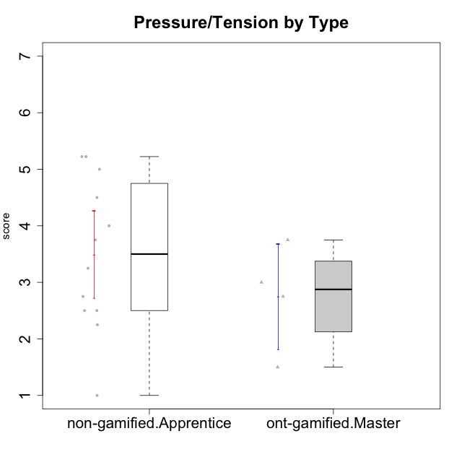

Student's t-Test data
UserID | Type | CLGroup | CLRole | PlayerRole | Interest/Enjoyment | Perceived Choice | Pressure/Tension | Effort/Importance | Intrinsic Motivation
10120 | ont-gamified | Grupo Hélio | Master | Yee Socializer | 5.8333333333 | 6.4 | 1.5 | 6.1492666667 | 6.2666666667
10121 | ont-gamified | Grupo Hades | Master | Yee Achiever | 4.5 | 5.4 | 3.75 | 5 | 4.7875
10122 | non-gamified | GroupB | Apprentice |  | 1.3333333333 | 6.2 | 2.25 | 5 | 4.5708333333
10129 | non-gamified | GroupB | Apprentice |  | 1.5 | 3.2 | 5.2239 | 5.3333333333 | 3.1333333333
10130 | non-gamified | GroupC | Apprentice |  | 4.6666666667 | 3.8 | 5 | 6.3333333333 | 4.45
10132 | non-gamified | GroupA | Apprentice |  | 1 | 4 | 2.75 | 5.6666666667 | 3.9791666667
10135 | non-gamified | GroupB | Apprentice |  | 4.5 | 5 | 3.75 | 4.6666666667 | 4.6041666667
10136 | non-gamified | GroupC | Apprentice |  | 1 | 2 | 3.25 | 3.1898666667 | 2.697185
10140 | non-gamified | GroupC | Apprentice |  | 2.3333333333 | 4 | 4.5 | 3.3333333333 | 3.2916666667
10141 | ont-gamified | Grupo Apolo | Master | Yee Socializer | 4 | 4.0174 | 3 | 4.3333333333 | 4.2333333333
10146 | non-gamified | GroupA | Apprentice |  | 5 | 5 | 2.5 | 6.3333333333 | 5.4583333333
10149 | non-gamified | GroupA | Apprentice |  | 2.5 | 2.4 | 5.2239 | 5.6666666667 | 3.2666666667
10152 | ont-gamified | Grupo Morfeu | Master | Yee Achiever | 7 | 5.6 | 2.75 | 4 | 5.4625
10153 | non-gamified | GroupA | Apprentice |  | 4.6666666667 | 4 | 2.5 | 4.6666666667 | 4.7083333333
10154 | non-gamified | GroupC | Apprentice |  | 2.1666666667 | 2.2 | 4 | 4.3333333333 | 3.175
10158 | non-gamified | GroupD | Apprentice |  | 6.5 | 5.4 | 1 | 7 | 6.1899333333

Type_CLRole_4
Student's t-Test for Pressure/Tension by Type in Type:CLRole between non-gamified.Master:ont-gamified.Apprentice

Student's t-Test results
Alternative hypothesis: less
Group | N | Mean | Mean.Difference | Std.deviation | Std.error | CI.lower | CI.upper | df | t.value | p.value | g | magnitude
non-gamified.Master | 2 | 3.75 | 1.0208333333 | 0.35355339059 | 0.25 | 3.25 | 4.25 | 4.799955479 | 2.6520850778 | 0.97639834211 | 0.97911484737 | large
ont-gamified.Apprentice | 12 | 2.7291666667 | -1.0208333333 | 1.0138715925 | 0.29267951842 | 2.1438076298 | 3.3145257035 | 4.799955479 | 2.6520850778 | 0.97639834211 | 0.97911484737 | large
Alternative hypothesis: greater
Group | N | Mean | Mean.Difference | Std.deviation | Std.error | CI.lower | CI.upper | df | t.value | p.value | g | magnitude
non-gamified.Master | 2 | 3.75 | 1.0208333333 | 0.35355339059 | 0.25 | 3.25 | 4.25 | 4.799955479 | 2.6520850778 | 0.023601657892 | 0.97911484737 | large
ont-gamified.Apprentice | 12 | 2.7291666667 | -1.0208333333 | 1.0138715925 | 0.29267951842 | 2.1438076298 | 3.3145257035 | 4.799955479 | 2.6520850778 | 0.023601657892 | 0.97911484737 | large
Alternative hypothesis: two.sided
Group | N | Mean | Mean.Difference | Std.deviation | Std.error | CI.lower | CI.upper | df | t.value | p.value | g | magnitude
non-gamified.Master | 2 | 3.75 | 1.0208333333 | 0.35355339059 | 0.25 | 3.25 | 4.25 | 4.799955479 | 2.6520850778 | 0.047203315783 | 0.97911484737 | large
ont-gamified.Apprentice | 12 | 2.7291666667 | -1.0208333333 | 1.0138715925 | 0.29267951842 | 2.1438076298 | 3.3145257035 | 4.799955479 | 2.6520850778 | 0.047203315783 | 0.97911484737 | large

Box plots for Student's t-Test
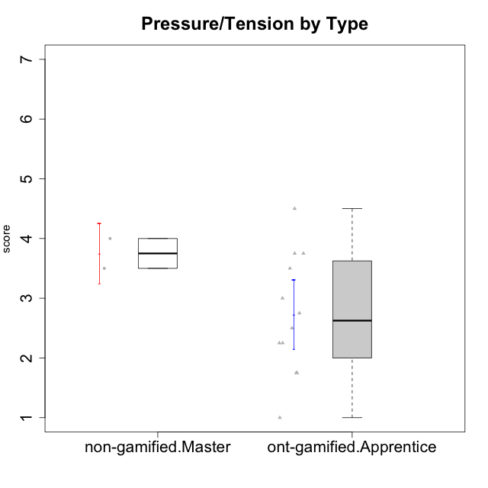

Student's t-Test data
UserID | Type | CLGroup | CLRole | PlayerRole | Interest/Enjoyment | Perceived Choice | Pressure/Tension | Effort/Importance | Intrinsic Motivation
10116 | non-gamified | GroupC | Master |  | 3.8333333333 | 2.8 | 3.5 | 4 | 3.7833333333
10123 | ont-gamified | Grupo Morfeu | Apprentice | Yee Achiever | 2.6666666667 | 4.8 | 3.5 | 4.3333333333 | 4.075
10126 | ont-gamified | Grupo Hélio | Apprentice | Yee Socializer | 5.3333333333 | 6.2 | 2.25 | 5 | 5.5708333333
10127 | ont-gamified | Grupo Hades | Apprentice | Yee Achiever | 5.8333333333 | 4.8 | 2.75 | 3.6666666667 | 4.8875
10128 | ont-gamified | Grupo Morfeu | Apprentice | Yee Achiever | 1.8652333333 | 5.4 | 2.5 | 2.3333333333 | 3.7963833333
10131 | ont-gamified | Grupo Zeus | Apprentice | Yee Achiever | 6.1666666667 | 2.6 | 1.75 | 6 | 5.2541666667
10134 | ont-gamified | Grupo Apolo | Apprentice | Yee Socializer | 2 | 3 | 3.75 | 4 | 3.7963833333
10137 | ont-gamified | Grupo Morfeu | Apprentice | Yee Achiever | 5.5 | 6.4 | 1 | 6.3333333333 | 6.0202833333
10138 | ont-gamified | Grupo Hélio | Apprentice | Yee Socializer | 4.6666666667 | 3.6 | 3.75 | 7 | 4.8791666667
10139 | ont-gamified | Grupo Zeus | Apprentice | Yee Achiever | 3.6666666667 | 4.6 | 2.25 | 4 | 4.5041666667
10142 | ont-gamified | Grupo Hades | Apprentice | Yee Achiever | 4.6666666667 | 3.8 | 1.75 | 5 | 4.9291666667
10143 | ont-gamified | Grupo Apolo | Apprentice | Yee Socializer | 4.1666666667 | 5 | 3 | 6 | 5.0416666667
10145 | non-gamified | GroupB | Master |  | 3 | 2.8 | 4 | 7 | 4.2
10148 | ont-gamified | Grupo Apolo | Apprentice | Yee Socializer | 4.3333333333 | 5.6 | 4.5 | 6.3333333333 | 4.9416666667

Type_CLRole_5
Student's t-Test for Pressure/Tension by Type in Type:CLRole between non-gamified.Master:ont-gamified.Master

Student's t-Test results
Alternative hypothesis: less
Group | N | Mean | Mean.Difference | Std.deviation | Std.error | CI.lower | CI.upper | df | t.value | p.value | g | magnitude
non-gamified.Master | 2 | 3.75 | 1 | 0.35355339059 | 0.25 | 3.25 | 4.25 | 3.9836065574 | 1.8856180832 | 0.93364368824 | 0.96483630265 | large
ont-gamified.Master | 4 | 2.75 | -1 | 0.93541434669 | 0.46770717335 | 1.8145856533 | 3.6854143467 | 3.9836065574 | 1.8856180832 | 0.93364368824 | 0.96483630265 | large
Alternative hypothesis: greater
Group | N | Mean | Mean.Difference | Std.deviation | Std.error | CI.lower | CI.upper | df | t.value | p.value | g | magnitude
non-gamified.Master | 2 | 3.75 | 1 | 0.35355339059 | 0.25 | 3.25 | 4.25 | 3.9836065574 | 1.8856180832 | 0.066356311764 | 0.96483630265 | large
ont-gamified.Master | 4 | 2.75 | -1 | 0.93541434669 | 0.46770717335 | 1.8145856533 | 3.6854143467 | 3.9836065574 | 1.8856180832 | 0.066356311764 | 0.96483630265 | large
Alternative hypothesis: two.sided
Group | N | Mean | Mean.Difference | Std.deviation | Std.error | CI.lower | CI.upper | df | t.value | p.value | g | magnitude
non-gamified.Master | 2 | 3.75 | 1 | 0.35355339059 | 0.25 | 3.25 | 4.25 | 3.9836065574 | 1.8856180832 | 0.13271262353 | 0.96483630265 | large
ont-gamified.Master | 4 | 2.75 | -1 | 0.93541434669 | 0.46770717335 | 1.8145856533 | 3.6854143467 | 3.9836065574 | 1.8856180832 | 0.13271262353 | 0.96483630265 | large

Box plots for Student's t-Test
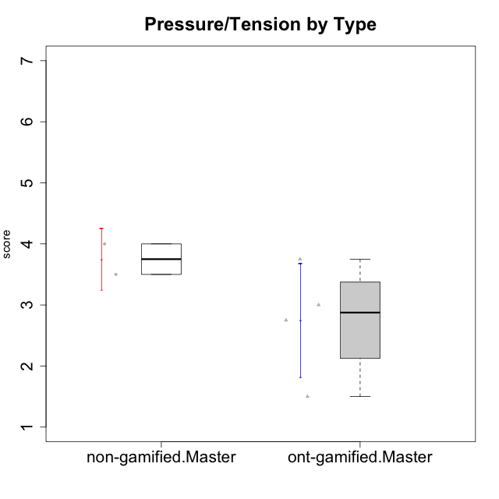

Student's t-Test data
UserID | Type | CLGroup | CLRole | PlayerRole | Interest/Enjoyment | Perceived Choice | Pressure/Tension | Effort/Importance | Intrinsic Motivation
10116 | non-gamified | GroupC | Master |  | 3.8333333333 | 2.8 | 3.5 | 4 | 3.7833333333
10120 | ont-gamified | Grupo Hélio | Master | Yee Socializer | 5.8333333333 | 6.4 | 1.5 | 6.1492666667 | 6.2666666667
10121 | ont-gamified | Grupo Hades | Master | Yee Achiever | 4.5 | 5.4 | 3.75 | 5 | 4.7875
10141 | ont-gamified | Grupo Apolo | Master | Yee Socializer | 4 | 4.0174 | 3 | 4.3333333333 | 4.2333333333
10145 | non-gamified | GroupB | Master |  | 3 | 2.8 | 4 | 7 | 4.2
10152 | ont-gamified | Grupo Morfeu | Master | Yee Achiever | 7 | 5.6 | 2.75 | 4 | 5.4625

Type_CLRole_6
Student's t-Test for Pressure/Tension by Type in Type:CLRole between ont-gamified.Apprentice:ont-gamified.Master

Student's t-Test results
Alternative hypothesis: less
Group | N | Mean | Mean.Difference | Std.deviation | Std.error | CI.lower | CI.upper | df | t.value | p.value | g | magnitude
ont-gamified.Apprentice | 12 | 2.7291666667 | -0.020833333333 | 1.0138715925 | 0.29267951842 | 2.1438076298 | 3.3145257035 | 5.5763916676 | -0.03775968628 | 0.48559719129 | -0.019744773484 | negligible
ont-gamified.Master | 4 | 2.75 | 0.020833333333 | 0.93541434669 | 0.46770717335 | 1.8145856533 | 3.6854143467 | 5.5763916676 | -0.03775968628 | 0.48559719129 | -0.019744773484 | negligible
Alternative hypothesis: greater
Group | N | Mean | Mean.Difference | Std.deviation | Std.error | CI.lower | CI.upper | df | t.value | p.value | g | magnitude
ont-gamified.Apprentice | 12 | 2.7291666667 | -0.020833333333 | 1.0138715925 | 0.29267951842 | 2.1438076298 | 3.3145257035 | 5.5763916676 | -0.03775968628 | 0.51440280871 | -0.019744773484 | negligible
ont-gamified.Master | 4 | 2.75 | 0.020833333333 | 0.93541434669 | 0.46770717335 | 1.8145856533 | 3.6854143467 | 5.5763916676 | -0.03775968628 | 0.51440280871 | -0.019744773484 | negligible
Alternative hypothesis: two.sided
Group | N | Mean | Mean.Difference | Std.deviation | Std.error | CI.lower | CI.upper | df | t.value | p.value | g | magnitude
ont-gamified.Apprentice | 12 | 2.7291666667 | -0.020833333333 | 1.0138715925 | 0.29267951842 | 2.1438076298 | 3.3145257035 | 5.5763916676 | -0.03775968628 | 0.97119438258 | -0.019744773484 | negligible
ont-gamified.Master | 4 | 2.75 | 0.020833333333 | 0.93541434669 | 0.46770717335 | 1.8145856533 | 3.6854143467 | 5.5763916676 | -0.03775968628 | 0.97119438258 | -0.019744773484 | negligible

Box plots for Student's t-Test
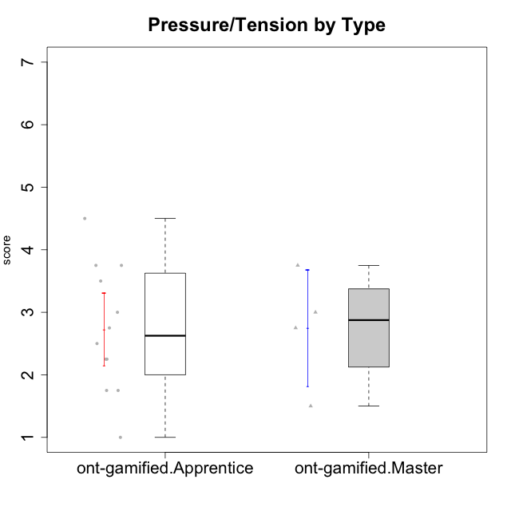

Student's t-Test data
UserID | Type | CLGroup | CLRole | PlayerRole | Interest/Enjoyment | Perceived Choice | Pressure/Tension | Effort/Importance | Intrinsic Motivation
10120 | ont-gamified | Grupo Hélio | Master | Yee Socializer | 5.8333333333 | 6.4 | 1.5 | 6.1492666667 | 6.2666666667
10121 | ont-gamified | Grupo Hades | Master | Yee Achiever | 4.5 | 5.4 | 3.75 | 5 | 4.7875
10123 | ont-gamified | Grupo Morfeu | Apprentice | Yee Achiever | 2.6666666667 | 4.8 | 3.5 | 4.3333333333 | 4.075
10126 | ont-gamified | Grupo Hélio | Apprentice | Yee Socializer | 5.3333333333 | 6.2 | 2.25 | 5 | 5.5708333333
10127 | ont-gamified | Grupo Hades | Apprentice | Yee Achiever | 5.8333333333 | 4.8 | 2.75 | 3.6666666667 | 4.8875
10128 | ont-gamified | Grupo Morfeu | Apprentice | Yee Achiever | 1.8652333333 | 5.4 | 2.5 | 2.3333333333 | 3.7963833333
10131 | ont-gamified | Grupo Zeus | Apprentice | Yee Achiever | 6.1666666667 | 2.6 | 1.75 | 6 | 5.2541666667
10134 | ont-gamified | Grupo Apolo | Apprentice | Yee Socializer | 2 | 3 | 3.75 | 4 | 3.7963833333
10137 | ont-gamified | Grupo Morfeu | Apprentice | Yee Achiever | 5.5 | 6.4 | 1 | 6.3333333333 | 6.0202833333
10138 | ont-gamified | Grupo Hélio | Apprentice | Yee Socializer | 4.6666666667 | 3.6 | 3.75 | 7 | 4.8791666667
10139 | ont-gamified | Grupo Zeus | Apprentice | Yee Achiever | 3.6666666667 | 4.6 | 2.25 | 4 | 4.5041666667
10141 | ont-gamified | Grupo Apolo | Master | Yee Socializer | 4 | 4.0174 | 3 | 4.3333333333 | 4.2333333333
10142 | ont-gamified | Grupo Hades | Apprentice | Yee Achiever | 4.6666666667 | 3.8 | 1.75 | 5 | 4.9291666667
10143 | ont-gamified | Grupo Apolo | Apprentice | Yee Socializer | 4.1666666667 | 5 | 3 | 6 | 5.0416666667
10148 | ont-gamified | Grupo Apolo | Apprentice | Yee Socializer | 4.3333333333 | 5.6 | 4.5 | 6.3333333333 | 4.9416666667
10152 | ont-gamified | Grupo Morfeu | Master | Yee Achiever | 7 | 5.6 | 2.75 | 4 | 5.4625

