Type_1
Wilcoxon Analysis for Effort/Importance by Type in Type between non-gamified:ont-gamified

Wilcoxon test results
Alternative hypothesis: less
Group | N | Median | Mean.Ranks | Sum.Ranks | U | Z | p.value | r | magnitude
non-gamified | 14 | -0.03754546072 | 16.214285714 | 227 | 122 | 0.41808404076 | 0.66336181067 | 0.076331353353 | none
ont-gamified | 16 | -0.11852834837 | 14.875 | 238 | 122 | 0.41808404076 | 0.66336181067 | 0.076331353353 | none
Alternative hypothesis: greater
Group | N | Median | Mean.Ranks | Sum.Ranks | U | Z | p.value | r | magnitude
non-gamified | 14 | -0.03754546072 | 16.214285714 | 227 | 122 | 0.41808404076 | 0.34369294197 | 0.076331353353 | none
ont-gamified | 16 | -0.11852834837 | 14.875 | 238 | 122 | 0.41808404076 | 0.34369294197 | 0.076331353353 | none
Alternative hypothesis: two.sided
Group | N | Median | Mean.Ranks | Sum.Ranks | U | Z | p.value | r | magnitude
non-gamified | 14 | -0.03754546072 | 16.214285714 | 227 | 122 | 0.41808404076 | 0.68749162399 | 0.076331353353 | none
ont-gamified | 16 | -0.11852834837 | 14.875 | 238 | 122 | 0.41808404076 | 0.68749162399 | 0.076331353353 | none

Box plots for wilcoxon tests
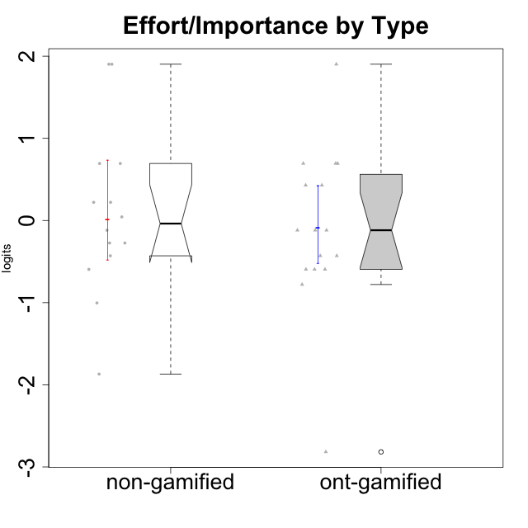

Wilcoxon data
UserID | Type | CLGroup | CLRole | PlayerRole | Score | theta | error | Outfit | Infit | Effort/Importance
10116 | non-gamified | GroupC | Master |  | 9 | -0.59479403893 | 0.44401493961 | 0.019779694234 | 0.02108660608 | -0.59479403893
10120 | ont-gamified | Grupo Hélio | Master | Yee Socializer | 16 | 0.69391751569 | 0.57678426944 | 0.8643362967 | 0.87895879231 | 0.69391751569
10121 | ont-gamified | Grupo Hades | Master | Yee Achiever | 12 | -0.11852834837 | 0.42555824291 | 0.017373998066 | 0.017279489197 | -0.11852834837
10122 | non-gamified | GroupB | Apprentice |  | 12 | -0.11852834837 | 0.42555824291 | 1.3906306937 | 1.3655461541 | -0.11852834837
10123 | ont-gamified | Grupo Morfeu | Apprentice | Yee Achiever | 10 | -0.42994125574 | 0.4282113421 | 0.67237549425 | 0.68470695523 | -0.42994125574
10126 | ont-gamified | Grupo Hélio | Apprentice | Yee Socializer | 12 | -0.11852834837 | 0.42555824291 | 1.3756391719 | 1.4002344155 | -0.11852834837
10127 | ont-gamified | Grupo Hades | Apprentice | Yee Achiever | 8 | -0.77939890156 | 0.47320431622 | 0.43394231491 | 0.44336836869 | -0.77939890156
10128 | ont-gamified | Grupo Morfeu | Apprentice | Yee Achiever | 4 | -2.8167871346 | 1.0335948047 | 0.76551273435 | 0.76349000959 | -2.8167871346
10129 | non-gamified | GroupB | Apprentice |  | 13 | 0.043437426927 | 0.43806819365 | 1.5206833655 | 1.5163452508 | 0.043437426927
10130 | non-gamified | GroupC | Apprentice |  | 16 | 0.69391751569 | 0.57678426944 | 0.28173022403 | 0.28831118611 | 0.69391751569
10131 | ont-gamified | Grupo Zeus | Apprentice | Yee Achiever | 15 | 0.42905726588 | 0.50398536684 | 0.53396862013 | 0.57174649011 | 0.42905726588
10132 | non-gamified | GroupA | Apprentice |  | 14 | 0.22124465728 | 0.46232323278 | 0.45432807785 | 0.42147372053 | 0.22124465728
10134 | ont-gamified | Grupo Apolo | Apprentice | Yee Socializer | 9 | -0.59479403893 | 0.44401493961 | 0.019779694234 | 0.02108660608 | -0.59479403893
10135 | non-gamified | GroupB | Apprentice |  | 11 | -0.273828091 | 0.42243517747 | 0.75660535145 | 0.75726678936 | -0.273828091
10136 | non-gamified | GroupC | Apprentice |  | 5 | -1.8692697877 | 0.79164346064 | 0.41866244238 | 0.39293641474 | -1.8692697877
10137 | ont-gamified | Grupo Morfeu | Apprentice | Yee Achiever | 16 | 0.69391751569 | 0.57678426944 | 1.1496667752 | 1.0975379773 | 0.69391751569
10138 | ont-gamified | Grupo Hélio | Apprentice | Yee Socializer | 18 | 1.9022755195 | 1.1932250031 | 0.17659067676 | 0.17854500884 | 1.9022755195
10139 | ont-gamified | Grupo Zeus | Apprentice | Yee Achiever | 9 | -0.59479403893 | 0.44401493961 | 0.26912907816 | 0.26570808606 | -0.59479403893
10140 | non-gamified | GroupC | Apprentice |  | 7 | -1.003658681 | 0.52357527113 | 0.27500791892 | 0.27651698895 | -1.003658681
10141 | ont-gamified | Grupo Apolo | Master | Yee Socializer | 10 | -0.42994125574 | 0.4282113421 | 0.4547114406 | 0.45022340987 | -0.42994125574
10142 | ont-gamified | Grupo Hades | Apprentice | Yee Achiever | 12 | -0.11852834837 | 0.42555824291 | 0.50040229555 | 0.49385125641 | -0.11852834837
10143 | ont-gamified | Grupo Apolo | Apprentice | Yee Socializer | 15 | 0.42905726588 | 0.50398536684 | 0.027613846047 | 0.029457233773 | 0.42905726588
10145 | non-gamified | GroupB | Master |  | 18 | 1.9022755195 | 1.1932250031 | 0.17659067676 | 0.17854500884 | 1.9022755195
10146 | non-gamified | GroupA | Apprentice |  | 16 | 0.69391751569 | 0.57678426944 | 0.28173022403 | 0.28831118611 | 0.69391751569
10148 | ont-gamified | Grupo Apolo | Apprentice | Yee Socializer | 16 | 0.69391751569 | 0.57678426944 | 0.30074597755 | 0.32288826206 | 0.69391751569
10149 | non-gamified | GroupA | Apprentice |  | 14 | 0.22124465728 | 0.46232323278 | 2.0083045197 | 2.0636136668 | 0.22124465728
10152 | ont-gamified | Grupo Morfeu | Master | Yee Achiever | 9 | -0.59479403893 | 0.44401493961 | 2.3139254995 | 2.3633132965 | -0.59479403893
10153 | non-gamified | GroupA | Apprentice |  | 11 | -0.273828091 | 0.42243517747 | 0.85316100375 | 0.8543359864 | -0.273828091
10154 | non-gamified | GroupC | Apprentice |  | 10 | -0.42994125574 | 0.4282113421 | 0.4547114406 | 0.45022340987 | -0.42994125574
10158 | non-gamified | GroupD | Apprentice |  | 18 | 1.9022755195 | 1.1932250031 | 0.17659067676 | 0.17854500884 | 1.9022755195

Type_CLRole_1
Wilcoxon Analysis for Effort/Importance by Type in Type:CLRole between non-gamified.Apprentice:non-gamified.Master

Wilcoxon test results
Alternative hypothesis: less
Group | N | Median | Mean.Ranks | Sum.Ranks | U | Z | p.value | r | magnitude
non-gamified.Apprentice | 12 | -0.03754546072 | 7.375 | 88.5 | 10.5 | -0.27507306024 | 0.42857142857 | 0.073516367697 | none
non-gamified.Master | 2 | 0.65374074028 | 8.25 | 16.5 | 10.5 | -0.27507306024 | 0.42857142857 | 0.073516367697 | none
Alternative hypothesis: greater
Group | N | Median | Mean.Ranks | Sum.Ranks | U | Z | p.value | r | magnitude
non-gamified.Apprentice | 12 | -0.03754546072 | 7.375 | 88.5 | 10.5 | -0.27507306024 | 0.61538461538 | 0.073516367697 | none
non-gamified.Master | 2 | 0.65374074028 | 8.25 | 16.5 | 10.5 | -0.27507306024 | 0.61538461538 | 0.073516367697 | none
Alternative hypothesis: two.sided
Group | N | Median | Mean.Ranks | Sum.Ranks | U | Z | p.value | r | magnitude
non-gamified.Apprentice | 12 | -0.03754546072 | 7.375 | 88.5 | 10.5 | -0.27507306024 | 0.85714285714 | 0.073516367697 | none
non-gamified.Master | 2 | 0.65374074028 | 8.25 | 16.5 | 10.5 | -0.27507306024 | 0.85714285714 | 0.073516367697 | none

Box plots for wilcoxon tests
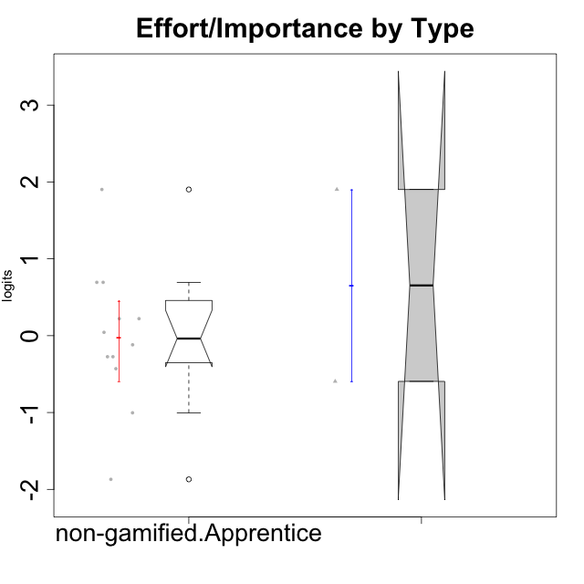

Wilcoxon data
UserID | Type | CLGroup | CLRole | PlayerRole | Score | theta | error | Outfit | Infit | Effort/Importance
10116 | non-gamified | GroupC | Master |  | 9 | -0.59479403893 | 0.44401493961 | 0.019779694234 | 0.02108660608 | -0.59479403893
10122 | non-gamified | GroupB | Apprentice |  | 12 | -0.11852834837 | 0.42555824291 | 1.3906306937 | 1.3655461541 | -0.11852834837
10129 | non-gamified | GroupB | Apprentice |  | 13 | 0.043437426927 | 0.43806819365 | 1.5206833655 | 1.5163452508 | 0.043437426927
10130 | non-gamified | GroupC | Apprentice |  | 16 | 0.69391751569 | 0.57678426944 | 0.28173022403 | 0.28831118611 | 0.69391751569
10132 | non-gamified | GroupA | Apprentice |  | 14 | 0.22124465728 | 0.46232323278 | 0.45432807785 | 0.42147372053 | 0.22124465728
10135 | non-gamified | GroupB | Apprentice |  | 11 | -0.273828091 | 0.42243517747 | 0.75660535145 | 0.75726678936 | -0.273828091
10136 | non-gamified | GroupC | Apprentice |  | 5 | -1.8692697877 | 0.79164346064 | 0.41866244238 | 0.39293641474 | -1.8692697877
10140 | non-gamified | GroupC | Apprentice |  | 7 | -1.003658681 | 0.52357527113 | 0.27500791892 | 0.27651698895 | -1.003658681
10145 | non-gamified | GroupB | Master |  | 18 | 1.9022755195 | 1.1932250031 | 0.17659067676 | 0.17854500884 | 1.9022755195
10146 | non-gamified | GroupA | Apprentice |  | 16 | 0.69391751569 | 0.57678426944 | 0.28173022403 | 0.28831118611 | 0.69391751569
10149 | non-gamified | GroupA | Apprentice |  | 14 | 0.22124465728 | 0.46232323278 | 2.0083045197 | 2.0636136668 | 0.22124465728
10153 | non-gamified | GroupA | Apprentice |  | 11 | -0.273828091 | 0.42243517747 | 0.85316100375 | 0.8543359864 | -0.273828091
10154 | non-gamified | GroupC | Apprentice |  | 10 | -0.42994125574 | 0.4282113421 | 0.4547114406 | 0.45022340987 | -0.42994125574
10158 | non-gamified | GroupD | Apprentice |  | 18 | 1.9022755195 | 1.1932250031 | 0.17659067676 | 0.17854500884 | 1.9022755195

Type_CLRole_2
Wilcoxon Analysis for Effort/Importance by Type in Type:CLRole between non-gamified.Apprentice:ont-gamified.Apprentice

Wilcoxon test results
Alternative hypothesis: less
Group | N | Median | Mean.Ranks | Sum.Ranks | U | Z | p.value | r | magnitude
non-gamified.Apprentice | 12 | -0.03754546072 | 12.75 | 153 | 75 | 0.17396309348 | 0.5734114452 | 0.035510067759 | none
ont-gamified.Apprentice | 12 | -0.11852834837 | 12.25 | 147 | 75 | 0.17396309348 | 0.5734114452 | 0.035510067759 | none
Alternative hypothesis: greater
Group | N | Median | Mean.Ranks | Sum.Ranks | U | Z | p.value | r | magnitude
non-gamified.Apprentice | 12 | -0.03754546072 | 12.75 | 153 | 75 | 0.17396309348 | 0.43772030904 | 0.035510067759 | none
ont-gamified.Apprentice | 12 | -0.11852834837 | 12.25 | 147 | 75 | 0.17396309348 | 0.43772030904 | 0.035510067759 | none
Alternative hypothesis: two.sided
Group | N | Median | Mean.Ranks | Sum.Ranks | U | Z | p.value | r | magnitude
non-gamified.Apprentice | 12 | -0.03754546072 | 12.75 | 153 | 75 | 0.17396309348 | 0.87544061807 | 0.035510067759 | none
ont-gamified.Apprentice | 12 | -0.11852834837 | 12.25 | 147 | 75 | 0.17396309348 | 0.87544061807 | 0.035510067759 | none

Box plots for wilcoxon tests
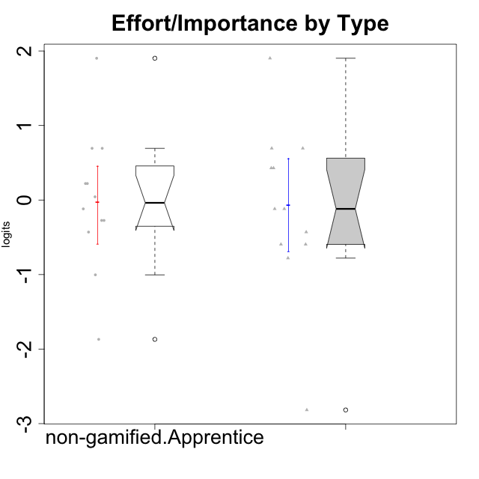

Wilcoxon data
UserID | Type | CLGroup | CLRole | PlayerRole | Score | theta | error | Outfit | Infit | Effort/Importance
10122 | non-gamified | GroupB | Apprentice |  | 12 | -0.11852834837 | 0.42555824291 | 1.3906306937 | 1.3655461541 | -0.11852834837
10123 | ont-gamified | Grupo Morfeu | Apprentice | Yee Achiever | 10 | -0.42994125574 | 0.4282113421 | 0.67237549425 | 0.68470695523 | -0.42994125574
10126 | ont-gamified | Grupo Hélio | Apprentice | Yee Socializer | 12 | -0.11852834837 | 0.42555824291 | 1.3756391719 | 1.4002344155 | -0.11852834837
10127 | ont-gamified | Grupo Hades | Apprentice | Yee Achiever | 8 | -0.77939890156 | 0.47320431622 | 0.43394231491 | 0.44336836869 | -0.77939890156
10128 | ont-gamified | Grupo Morfeu | Apprentice | Yee Achiever | 4 | -2.8167871346 | 1.0335948047 | 0.76551273435 | 0.76349000959 | -2.8167871346
10129 | non-gamified | GroupB | Apprentice |  | 13 | 0.043437426927 | 0.43806819365 | 1.5206833655 | 1.5163452508 | 0.043437426927
10130 | non-gamified | GroupC | Apprentice |  | 16 | 0.69391751569 | 0.57678426944 | 0.28173022403 | 0.28831118611 | 0.69391751569
10131 | ont-gamified | Grupo Zeus | Apprentice | Yee Achiever | 15 | 0.42905726588 | 0.50398536684 | 0.53396862013 | 0.57174649011 | 0.42905726588
10132 | non-gamified | GroupA | Apprentice |  | 14 | 0.22124465728 | 0.46232323278 | 0.45432807785 | 0.42147372053 | 0.22124465728
10134 | ont-gamified | Grupo Apolo | Apprentice | Yee Socializer | 9 | -0.59479403893 | 0.44401493961 | 0.019779694234 | 0.02108660608 | -0.59479403893
10135 | non-gamified | GroupB | Apprentice |  | 11 | -0.273828091 | 0.42243517747 | 0.75660535145 | 0.75726678936 | -0.273828091
10136 | non-gamified | GroupC | Apprentice |  | 5 | -1.8692697877 | 0.79164346064 | 0.41866244238 | 0.39293641474 | -1.8692697877
10137 | ont-gamified | Grupo Morfeu | Apprentice | Yee Achiever | 16 | 0.69391751569 | 0.57678426944 | 1.1496667752 | 1.0975379773 | 0.69391751569
10138 | ont-gamified | Grupo Hélio | Apprentice | Yee Socializer | 18 | 1.9022755195 | 1.1932250031 | 0.17659067676 | 0.17854500884 | 1.9022755195
10139 | ont-gamified | Grupo Zeus | Apprentice | Yee Achiever | 9 | -0.59479403893 | 0.44401493961 | 0.26912907816 | 0.26570808606 | -0.59479403893
10140 | non-gamified | GroupC | Apprentice |  | 7 | -1.003658681 | 0.52357527113 | 0.27500791892 | 0.27651698895 | -1.003658681
10142 | ont-gamified | Grupo Hades | Apprentice | Yee Achiever | 12 | -0.11852834837 | 0.42555824291 | 0.50040229555 | 0.49385125641 | -0.11852834837
10143 | ont-gamified | Grupo Apolo | Apprentice | Yee Socializer | 15 | 0.42905726588 | 0.50398536684 | 0.027613846047 | 0.029457233773 | 0.42905726588
10146 | non-gamified | GroupA | Apprentice |  | 16 | 0.69391751569 | 0.57678426944 | 0.28173022403 | 0.28831118611 | 0.69391751569
10148 | ont-gamified | Grupo Apolo | Apprentice | Yee Socializer | 16 | 0.69391751569 | 0.57678426944 | 0.30074597755 | 0.32288826206 | 0.69391751569
10149 | non-gamified | GroupA | Apprentice |  | 14 | 0.22124465728 | 0.46232323278 | 2.0083045197 | 2.0636136668 | 0.22124465728
10153 | non-gamified | GroupA | Apprentice |  | 11 | -0.273828091 | 0.42243517747 | 0.85316100375 | 0.8543359864 | -0.273828091
10154 | non-gamified | GroupC | Apprentice |  | 10 | -0.42994125574 | 0.4282113421 | 0.4547114406 | 0.45022340987 | -0.42994125574
10158 | non-gamified | GroupD | Apprentice |  | 18 | 1.9022755195 | 1.1932250031 | 0.17659067676 | 0.17854500884 | 1.9022755195

Type_CLRole_3
Wilcoxon Analysis for Effort/Importance by Type in Type:CLRole between non-gamified.Apprentice:ont-gamified.Master

Wilcoxon test results
Alternative hypothesis: less
Group | N | Median | Mean.Ranks | Sum.Ranks | U | Z | p.value | r | magnitude
non-gamified.Apprentice | 12 | -0.03754546072 | 8.8333333333 | 106 | 28 | 0.48795003647 | 0.69065934066 | 0.12198750912 | small
ont-gamified.Master | 4 | -0.27423480205 | 7.5 | 30 | 28 | 0.48795003647 | 0.69065934066 | 0.12198750912 | small
Alternative hypothesis: greater
Group | N | Median | Mean.Ranks | Sum.Ranks | U | Z | p.value | r | magnitude
non-gamified.Apprentice | 12 | -0.03754546072 | 8.8333333333 | 106 | 28 | 0.48795003647 | 0.33296703297 | 0.12198750912 | small
ont-gamified.Master | 4 | -0.27423480205 | 7.5 | 30 | 28 | 0.48795003647 | 0.33296703297 | 0.12198750912 | small
Alternative hypothesis: two.sided
Group | N | Median | Mean.Ranks | Sum.Ranks | U | Z | p.value | r | magnitude
non-gamified.Apprentice | 12 | -0.03754546072 | 8.8333333333 | 106 | 28 | 0.48795003647 | 0.65824175824 | 0.12198750912 | small
ont-gamified.Master | 4 | -0.27423480205 | 7.5 | 30 | 28 | 0.48795003647 | 0.65824175824 | 0.12198750912 | small

Box plots for wilcoxon tests
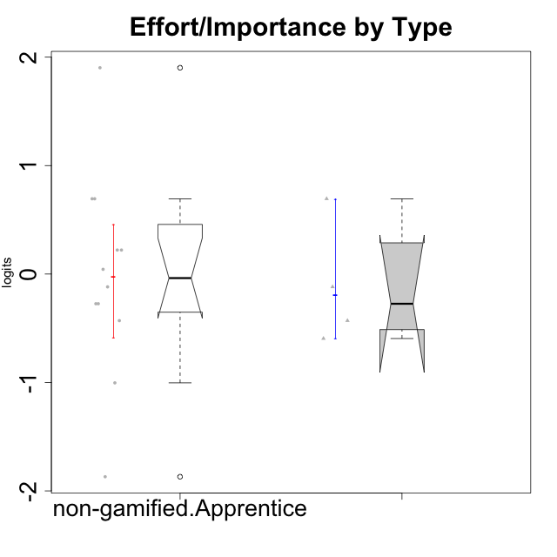

Wilcoxon data
UserID | Type | CLGroup | CLRole | PlayerRole | Score | theta | error | Outfit | Infit | Effort/Importance
10120 | ont-gamified | Grupo Hélio | Master | Yee Socializer | 16 | 0.69391751569 | 0.57678426944 | 0.8643362967 | 0.87895879231 | 0.69391751569
10121 | ont-gamified | Grupo Hades | Master | Yee Achiever | 12 | -0.11852834837 | 0.42555824291 | 0.017373998066 | 0.017279489197 | -0.11852834837
10122 | non-gamified | GroupB | Apprentice |  | 12 | -0.11852834837 | 0.42555824291 | 1.3906306937 | 1.3655461541 | -0.11852834837
10129 | non-gamified | GroupB | Apprentice |  | 13 | 0.043437426927 | 0.43806819365 | 1.5206833655 | 1.5163452508 | 0.043437426927
10130 | non-gamified | GroupC | Apprentice |  | 16 | 0.69391751569 | 0.57678426944 | 0.28173022403 | 0.28831118611 | 0.69391751569
10132 | non-gamified | GroupA | Apprentice |  | 14 | 0.22124465728 | 0.46232323278 | 0.45432807785 | 0.42147372053 | 0.22124465728
10135 | non-gamified | GroupB | Apprentice |  | 11 | -0.273828091 | 0.42243517747 | 0.75660535145 | 0.75726678936 | -0.273828091
10136 | non-gamified | GroupC | Apprentice |  | 5 | -1.8692697877 | 0.79164346064 | 0.41866244238 | 0.39293641474 | -1.8692697877
10140 | non-gamified | GroupC | Apprentice |  | 7 | -1.003658681 | 0.52357527113 | 0.27500791892 | 0.27651698895 | -1.003658681
10141 | ont-gamified | Grupo Apolo | Master | Yee Socializer | 10 | -0.42994125574 | 0.4282113421 | 0.4547114406 | 0.45022340987 | -0.42994125574
10146 | non-gamified | GroupA | Apprentice |  | 16 | 0.69391751569 | 0.57678426944 | 0.28173022403 | 0.28831118611 | 0.69391751569
10149 | non-gamified | GroupA | Apprentice |  | 14 | 0.22124465728 | 0.46232323278 | 2.0083045197 | 2.0636136668 | 0.22124465728
10152 | ont-gamified | Grupo Morfeu | Master | Yee Achiever | 9 | -0.59479403893 | 0.44401493961 | 2.3139254995 | 2.3633132965 | -0.59479403893
10153 | non-gamified | GroupA | Apprentice |  | 11 | -0.273828091 | 0.42243517747 | 0.85316100375 | 0.8543359864 | -0.273828091
10154 | non-gamified | GroupC | Apprentice |  | 10 | -0.42994125574 | 0.4282113421 | 0.4547114406 | 0.45022340987 | -0.42994125574
10158 | non-gamified | GroupD | Apprentice |  | 18 | 1.9022755195 | 1.1932250031 | 0.17659067676 | 0.17854500884 | 1.9022755195

Type_CLRole_4
Wilcoxon Analysis for Effort/Importance by Type in Type:CLRole between non-gamified.Master:ont-gamified.Apprentice

Wilcoxon test results
Alternative hypothesis: less
Group | N | Median | Mean.Ranks | Sum.Ranks | U | Z | p.value | r | magnitude
non-gamified.Master | 2 | 0.65374074028 | 8.75 | 17.5 | 14.5 | 0.46050178513 | 0.72527472527 | 0.123074279 | small
ont-gamified.Apprentice | 12 | -0.11852834837 | 7.2916666667 | 87.5 | 14.5 | 0.46050178513 | 0.72527472527 | 0.123074279 | small
Alternative hypothesis: greater
Group | N | Median | Mean.Ranks | Sum.Ranks | U | Z | p.value | r | magnitude
non-gamified.Master | 2 | 0.65374074028 | 8.75 | 17.5 | 14.5 | 0.46050178513 | 0.36263736264 | 0.123074279 | small
ont-gamified.Apprentice | 12 | -0.11852834837 | 7.2916666667 | 87.5 | 14.5 | 0.46050178513 | 0.36263736264 | 0.123074279 | small
Alternative hypothesis: two.sided
Group | N | Median | Mean.Ranks | Sum.Ranks | U | Z | p.value | r | magnitude
non-gamified.Master | 2 | 0.65374074028 | 8.75 | 17.5 | 14.5 | 0.46050178513 | 0.7032967033 | 0.123074279 | small
ont-gamified.Apprentice | 12 | -0.11852834837 | 7.2916666667 | 87.5 | 14.5 | 0.46050178513 | 0.7032967033 | 0.123074279 | small

Box plots for wilcoxon tests
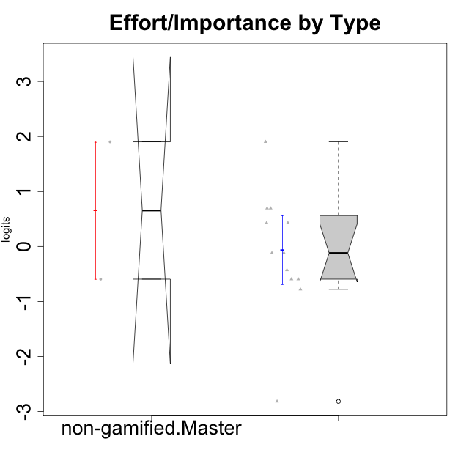

Wilcoxon data
UserID | Type | CLGroup | CLRole | PlayerRole | Score | theta | error | Outfit | Infit | Effort/Importance
10116 | non-gamified | GroupC | Master |  | 9 | -0.59479403893 | 0.44401493961 | 0.019779694234 | 0.02108660608 | -0.59479403893
10123 | ont-gamified | Grupo Morfeu | Apprentice | Yee Achiever | 10 | -0.42994125574 | 0.4282113421 | 0.67237549425 | 0.68470695523 | -0.42994125574
10126 | ont-gamified | Grupo Hélio | Apprentice | Yee Socializer | 12 | -0.11852834837 | 0.42555824291 | 1.3756391719 | 1.4002344155 | -0.11852834837
10127 | ont-gamified | Grupo Hades | Apprentice | Yee Achiever | 8 | -0.77939890156 | 0.47320431622 | 0.43394231491 | 0.44336836869 | -0.77939890156
10128 | ont-gamified | Grupo Morfeu | Apprentice | Yee Achiever | 4 | -2.8167871346 | 1.0335948047 | 0.76551273435 | 0.76349000959 | -2.8167871346
10131 | ont-gamified | Grupo Zeus | Apprentice | Yee Achiever | 15 | 0.42905726588 | 0.50398536684 | 0.53396862013 | 0.57174649011 | 0.42905726588
10134 | ont-gamified | Grupo Apolo | Apprentice | Yee Socializer | 9 | -0.59479403893 | 0.44401493961 | 0.019779694234 | 0.02108660608 | -0.59479403893
10137 | ont-gamified | Grupo Morfeu | Apprentice | Yee Achiever | 16 | 0.69391751569 | 0.57678426944 | 1.1496667752 | 1.0975379773 | 0.69391751569
10138 | ont-gamified | Grupo Hélio | Apprentice | Yee Socializer | 18 | 1.9022755195 | 1.1932250031 | 0.17659067676 | 0.17854500884 | 1.9022755195
10139 | ont-gamified | Grupo Zeus | Apprentice | Yee Achiever | 9 | -0.59479403893 | 0.44401493961 | 0.26912907816 | 0.26570808606 | -0.59479403893
10142 | ont-gamified | Grupo Hades | Apprentice | Yee Achiever | 12 | -0.11852834837 | 0.42555824291 | 0.50040229555 | 0.49385125641 | -0.11852834837
10143 | ont-gamified | Grupo Apolo | Apprentice | Yee Socializer | 15 | 0.42905726588 | 0.50398536684 | 0.027613846047 | 0.029457233773 | 0.42905726588
10145 | non-gamified | GroupB | Master |  | 18 | 1.9022755195 | 1.1932250031 | 0.17659067676 | 0.17854500884 | 1.9022755195
10148 | ont-gamified | Grupo Apolo | Apprentice | Yee Socializer | 16 | 0.69391751569 | 0.57678426944 | 0.30074597755 | 0.32288826206 | 0.69391751569

Type_CLRole_5
Wilcoxon Analysis for Effort/Importance by Type in Type:CLRole between non-gamified.Master:ont-gamified.Master

Wilcoxon test results
Alternative hypothesis: less
Group | N | Median | Mean.Ranks | Sum.Ranks | U | Z | p.value | r | magnitude
non-gamified.Master | 2 | 0.65374074028 | 3.75 | 7.5 | 4.5 | 0.23483410916 | 0.66666666667 | 0.095870623606 | none
ont-gamified.Master | 4 | -0.27423480205 | 3.375 | 13.5 | 4.5 | 0.23483410916 | 0.66666666667 | 0.095870623606 | none
Alternative hypothesis: greater
Group | N | Median | Mean.Ranks | Sum.Ranks | U | Z | p.value | r | magnitude
non-gamified.Master | 2 | 0.65374074028 | 3.75 | 7.5 | 4.5 | 0.23483410916 | 0.46666666667 | 0.095870623606 | none
ont-gamified.Master | 4 | -0.27423480205 | 3.375 | 13.5 | 4.5 | 0.23483410916 | 0.46666666667 | 0.095870623606 | none
Alternative hypothesis: two.sided
Group | N | Median | Mean.Ranks | Sum.Ranks | U | Z | p.value | r | magnitude
non-gamified.Master | 2 | 0.65374074028 | 3.75 | 7.5 | 4.5 | 0.23483410916 | 0.93333333333 | 0.095870623606 | none
ont-gamified.Master | 4 | -0.27423480205 | 3.375 | 13.5 | 4.5 | 0.23483410916 | 0.93333333333 | 0.095870623606 | none

Box plots for wilcoxon tests
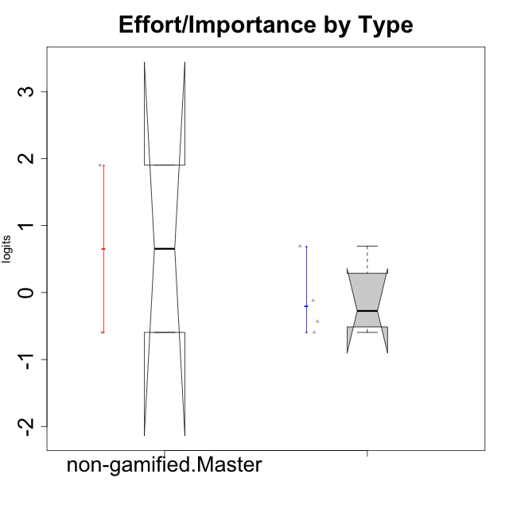

Wilcoxon data
UserID | Type | CLGroup | CLRole | PlayerRole | Score | theta | error | Outfit | Infit | Effort/Importance
10116 | non-gamified | GroupC | Master |  | 9 | -0.59479403893 | 0.44401493961 | 0.019779694234 | 0.02108660608 | -0.59479403893
10120 | ont-gamified | Grupo Hélio | Master | Yee Socializer | 16 | 0.69391751569 | 0.57678426944 | 0.8643362967 | 0.87895879231 | 0.69391751569
10121 | ont-gamified | Grupo Hades | Master | Yee Achiever | 12 | -0.11852834837 | 0.42555824291 | 0.017373998066 | 0.017279489197 | -0.11852834837
10141 | ont-gamified | Grupo Apolo | Master | Yee Socializer | 10 | -0.42994125574 | 0.4282113421 | 0.4547114406 | 0.45022340987 | -0.42994125574
10145 | non-gamified | GroupB | Master |  | 18 | 1.9022755195 | 1.1932250031 | 0.17659067676 | 0.17854500884 | 1.9022755195
10152 | ont-gamified | Grupo Morfeu | Master | Yee Achiever | 9 | -0.59479403893 | 0.44401493961 | 2.3139254995 | 2.3633132965 | -0.59479403893

Type_CLRole_6
Wilcoxon Analysis for Effort/Importance by Type in Type:CLRole between ont-gamified.Apprentice:ont-gamified.Master

Wilcoxon test results
Alternative hypothesis: less
Group | N | Median | Mean.Ranks | Sum.Ranks | U | Z | p.value | r | magnitude
ont-gamified.Apprentice | 12 | -0.11852834837 | 8.5416666667 | 102.5 | 24.5 | 0.061267885174 | 0.5521978022 | 0.015316971294 | none
ont-gamified.Master | 4 | -0.27423480205 | 8.375 | 33.5 | 24.5 | 0.061267885174 | 0.5521978022 | 0.015316971294 | none
Alternative hypothesis: greater
Group | N | Median | Mean.Ranks | Sum.Ranks | U | Z | p.value | r | magnitude
ont-gamified.Apprentice | 12 | -0.11852834837 | 8.5416666667 | 102.5 | 24.5 | 0.061267885174 | 0.51153846154 | 0.015316971294 | none
ont-gamified.Master | 4 | -0.27423480205 | 8.375 | 33.5 | 24.5 | 0.061267885174 | 0.51153846154 | 0.015316971294 | none
Alternative hypothesis: two.sided
Group | N | Median | Mean.Ranks | Sum.Ranks | U | Z | p.value | r | magnitude
ont-gamified.Apprentice | 12 | -0.11852834837 | 8.5416666667 | 102.5 | 24.5 | 0.061267885174 | 0.98186813187 | 0.015316971294 | none
ont-gamified.Master | 4 | -0.27423480205 | 8.375 | 33.5 | 24.5 | 0.061267885174 | 0.98186813187 | 0.015316971294 | none

Box plots for wilcoxon tests
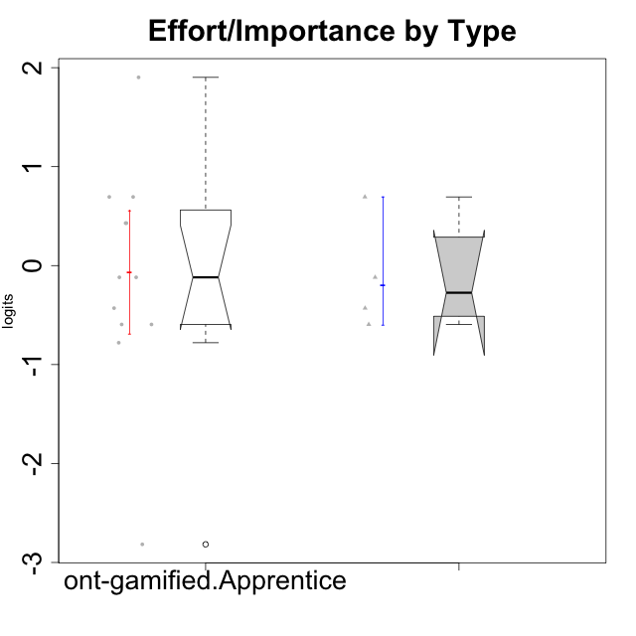

Wilcoxon data
UserID | Type | CLGroup | CLRole | PlayerRole | Score | theta | error | Outfit | Infit | Effort/Importance
10120 | ont-gamified | Grupo Hélio | Master | Yee Socializer | 16 | 0.69391751569 | 0.57678426944 | 0.8643362967 | 0.87895879231 | 0.69391751569
10121 | ont-gamified | Grupo Hades | Master | Yee Achiever | 12 | -0.11852834837 | 0.42555824291 | 0.017373998066 | 0.017279489197 | -0.11852834837
10123 | ont-gamified | Grupo Morfeu | Apprentice | Yee Achiever | 10 | -0.42994125574 | 0.4282113421 | 0.67237549425 | 0.68470695523 | -0.42994125574
10126 | ont-gamified | Grupo Hélio | Apprentice | Yee Socializer | 12 | -0.11852834837 | 0.42555824291 | 1.3756391719 | 1.4002344155 | -0.11852834837
10127 | ont-gamified | Grupo Hades | Apprentice | Yee Achiever | 8 | -0.77939890156 | 0.47320431622 | 0.43394231491 | 0.44336836869 | -0.77939890156
10128 | ont-gamified | Grupo Morfeu | Apprentice | Yee Achiever | 4 | -2.8167871346 | 1.0335948047 | 0.76551273435 | 0.76349000959 | -2.8167871346
10131 | ont-gamified | Grupo Zeus | Apprentice | Yee Achiever | 15 | 0.42905726588 | 0.50398536684 | 0.53396862013 | 0.57174649011 | 0.42905726588
10134 | ont-gamified | Grupo Apolo | Apprentice | Yee Socializer | 9 | -0.59479403893 | 0.44401493961 | 0.019779694234 | 0.02108660608 | -0.59479403893
10137 | ont-gamified | Grupo Morfeu | Apprentice | Yee Achiever | 16 | 0.69391751569 | 0.57678426944 | 1.1496667752 | 1.0975379773 | 0.69391751569
10138 | ont-gamified | Grupo Hélio | Apprentice | Yee Socializer | 18 | 1.9022755195 | 1.1932250031 | 0.17659067676 | 0.17854500884 | 1.9022755195
10139 | ont-gamified | Grupo Zeus | Apprentice | Yee Achiever | 9 | -0.59479403893 | 0.44401493961 | 0.26912907816 | 0.26570808606 | -0.59479403893
10141 | ont-gamified | Grupo Apolo | Master | Yee Socializer | 10 | -0.42994125574 | 0.4282113421 | 0.4547114406 | 0.45022340987 | -0.42994125574
10142 | ont-gamified | Grupo Hades | Apprentice | Yee Achiever | 12 | -0.11852834837 | 0.42555824291 | 0.50040229555 | 0.49385125641 | -0.11852834837
10143 | ont-gamified | Grupo Apolo | Apprentice | Yee Socializer | 15 | 0.42905726588 | 0.50398536684 | 0.027613846047 | 0.029457233773 | 0.42905726588
10148 | ont-gamified | Grupo Apolo | Apprentice | Yee Socializer | 16 | 0.69391751569 | 0.57678426944 | 0.30074597755 | 0.32288826206 | 0.69391751569
10152 | ont-gamified | Grupo Morfeu | Master | Yee Achiever | 9 | -0.59479403893 | 0.44401493961 | 2.3139254995 | 2.3633132965 | -0.59479403893

