Type_1
Wilcoxon Analysis for Intrinsic Motivation by Type in Type between non-gamified:ont-gamified

Wilcoxon test results
Alternative hypothesis: less
Group | N | Median | Mean.Ranks | Sum.Ranks | U | Z | p.value | r | magnitude
non-gamified | 14 | -0.28388573977 | 11.5 | 161 | 56 | -2.327950781 | 0.0096997803128 | 0.4250237185 | medium
ont-gamified | 16 | 0.24413360235 | 19 | 304 | 56 | -2.327950781 | 0.0096997803128 | 0.4250237185 | medium
Alternative hypothesis: greater
Group | N | Median | Mean.Ranks | Sum.Ranks | U | Z | p.value | r | magnitude
non-gamified | 14 | -0.28388573977 | 11.5 | 161 | 56 | -2.327950781 | 0.99140526744 | 0.4250237185 | medium
ont-gamified | 16 | 0.24413360235 | 19 | 304 | 56 | -2.327950781 | 0.99140526744 | 0.4250237185 | medium
Alternative hypothesis: two.sided
Group | N | Median | Mean.Ranks | Sum.Ranks | U | Z | p.value | r | magnitude
non-gamified | 14 | -0.28388573977 | 11.5 | 161 | 56 | -2.327950781 | 0.019399560626 | 0.4250237185 | medium
ont-gamified | 16 | 0.24413360235 | 19 | 304 | 56 | -2.327950781 | 0.019399560626 | 0.4250237185 | medium

Box plots for wilcoxon tests
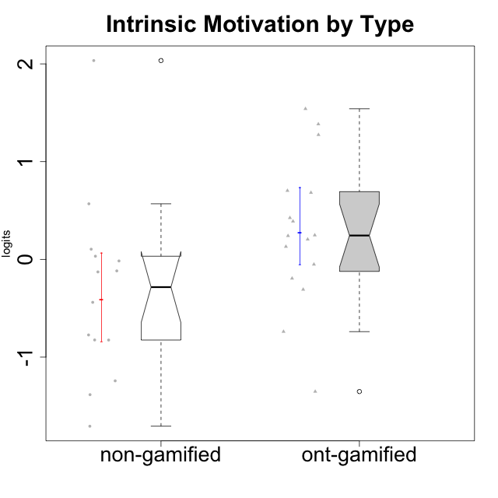

Wilcoxon data
UserID | Type | CLGroup | CLRole | PlayerRole | Score | theta | error | Outfit | Infit | Intrinsic Motivation
10116 | non-gamified | GroupC | Master |  | 49 | -0.43947638936 | 0.1536645758 | 0.56938464574 | 0.55740262688 | -0.43947638936
10120 | ont-gamified | Grupo Hélio | Master | Yee Socializer | 94 | 1.2745279552 | 0.24003088264 | 0.59501982851 | 0.56601144315 | 1.2745279552
10121 | ont-gamified | Grupo Hades | Master | Yee Achiever | 68 | 0.1305263461 | 0.16122237592 | 0.66074841738 | 0.69420116146 | 0.1305263461
10122 | non-gamified | GroupB | Apprentice |  | 59 | -0.12829509018 | 0.15503920813 | 1.8334423774 | 1.8673255439 | -0.12829509018
10123 | ont-gamified | Grupo Morfeu | Apprentice | Yee Achiever | 53 | -0.30830661448 | 0.15356762018 | 0.4970629455 | 0.4950869567 | -0.30830661448
10126 | ont-gamified | Grupo Hélio | Apprentice | Yee Socializer | 83 | 0.70312289349 | 0.18769653367 | 0.91746690262 | 0.80326865297 | 0.70312289349
10127 | ont-gamified | Grupo Hades | Apprentice | Yee Achiever | 73 | 0.38925850725 | 0.16720533788 | 1.0853270979 | 1.0422105263 | 0.38925850725
10128 | ont-gamified | Grupo Morfeu | Apprentice | Yee Achiever | 44 | -1.352231091 | 0.15502782629 | 2.3636232656 | 2.4053227665 | -1.352231091
10129 | non-gamified | GroupB | Apprentice |  | 33 | -1.3842690895 | 0.16385412579 | 0.81716699268 | 0.85034541086 | -1.3842690895
10130 | non-gamified | GroupC | Apprentice |  | 60 | -0.11778394501 | 0.1554785506 | 0.86996504557 | 0.81708034765 | -0.11778394501
10131 | ont-gamified | Grupo Zeus | Apprentice | Yee Achiever | 75 | 0.68250249838 | 0.17025197714 | 1.9856765969 | 2.1198662525 | 0.68250249838
10132 | non-gamified | GroupA | Apprentice |  | 46 | -0.82452702092 | 0.15431098309 | 1.1484441624 | 1.144130698 | -0.82452702092
10134 | ont-gamified | Grupo Apolo | Apprentice | Yee Socializer | 38 | -0.73905075235 | 0.15869959343 | 0.28067761818 | 0.29755683725 | -0.73905075235
10135 | non-gamified | GroupB | Apprentice |  | 65 | 0.032283913422 | 0.15857509028 | 1.0891917989 | 1.0516765725 | 0.032283913422
10136 | non-gamified | GroupC | Apprentice |  | 25 | -1.7071097673 | 0.17797777706 | 0.95810188138 | 0.99693715481 | -1.7071097673
10137 | ont-gamified | Grupo Morfeu | Apprentice | Yee Achiever | 94 | 1.5404219909 | 0.24003088264 | 0.85357399544 | 0.79805899627 | 1.5404219909
10138 | ont-gamified | Grupo Hélio | Apprentice | Yee Socializer | 66 | 0.4248543794 | 0.15938699362 | 0.78978275728 | 0.75628860759 | 0.4248543794
10139 | ont-gamified | Grupo Zeus | Apprentice | Yee Achiever | 62 | -0.051365907743 | 0.15653247557 | 1.1627074528 | 1.1752991911 | -0.051365907743
10140 | non-gamified | GroupC | Apprentice |  | 40 | -0.7732129403 | 0.15720369751 | 0.5136633268 | 0.48971607767 | -0.7732129403
10141 | ont-gamified | Grupo Apolo | Master | Yee Socializer | 57 | -0.19461194637 | 0.15432992146 | 0.48368652505 | 0.47040314648 | -0.19461194637
10142 | ont-gamified | Grupo Hades | Apprentice | Yee Achiever | 69 | 0.24748668734 | 0.16225194913 | 0.79761552884 | 0.79134582316 | 0.24748668734
10143 | ont-gamified | Grupo Apolo | Apprentice | Yee Socializer | 70 | 0.24078051736 | 0.16336077699 | 0.124857409 | 0.12676056765 | 0.24078051736
10145 | non-gamified | GroupB | Master |  | 51 | -0.016003757564 | 0.15350853842 | 0.86429413564 | 0.85121370232 | -0.016003757564
10146 | non-gamified | GroupA | Apprentice |  | 78 | 0.56850057557 | 0.17568200993 | 0.38429127039 | 0.35554758763 | 0.56850057557
10148 | ont-gamified | Grupo Apolo | Apprentice | Yee Socializer | 69 | 0.20490388741 | 0.16225194913 | 1.0099373695 | 0.90379807753 | 0.20490388741
10149 | non-gamified | GroupA | Apprentice |  | 36 | -1.2427405122 | 0.16050122923 | 1.829553648 | 1.8036543932 | -1.2427405122
10152 | ont-gamified | Grupo Morfeu | Master | Yee Achiever | 85 | 1.3837694218 | 0.19388762861 | 2.2414966886 | 1.987421007 | 1.3837694218
10153 | non-gamified | GroupA | Apprentice |  | 66 | 0.10406814034 | 0.15938699362 | 0.67524425617 | 0.68214745757 | 0.10406814034
10154 | non-gamified | GroupC | Apprentice |  | 35 | -0.82531059092 | 0.16152703743 | 0.48941958249 | 0.49909113286 | -0.82531059092
10158 | non-gamified | GroupD | Apprentice |  | 97 | 2.0340003185 | 0.26857017551 | 1.1119956032 | 1.2204032264 | 2.0340003185

Type_CLRole_1
Wilcoxon Analysis for Intrinsic Motivation by Type in Type:CLRole between non-gamified.Apprentice:non-gamified.Master

Wilcoxon test results
Alternative hypothesis: less
Group | N | Median | Mean.Ranks | Sum.Ranks | U | Z | p.value | r | magnitude
non-gamified.Apprentice | 12 | -0.45075401524 | 7.3333333333 | 88 | 10 | -0.36514837167 | 0.3956043956 | 0.097590007295 | none
non-gamified.Master | 2 | -0.22774007346 | 8.5 | 17 | 10 | -0.36514837167 | 0.3956043956 | 0.097590007295 | none
Alternative hypothesis: greater
Group | N | Median | Mean.Ranks | Sum.Ranks | U | Z | p.value | r | magnitude
non-gamified.Apprentice | 12 | -0.45075401524 | 7.3333333333 | 88 | 10 | -0.36514837167 | 0.67032967033 | 0.097590007295 | none
non-gamified.Master | 2 | -0.22774007346 | 8.5 | 17 | 10 | -0.36514837167 | 0.67032967033 | 0.097590007295 | none
Alternative hypothesis: two.sided
Group | N | Median | Mean.Ranks | Sum.Ranks | U | Z | p.value | r | magnitude
non-gamified.Apprentice | 12 | -0.45075401524 | 7.3333333333 | 88 | 10 | -0.36514837167 | 0.79120879121 | 0.097590007295 | none
non-gamified.Master | 2 | -0.22774007346 | 8.5 | 17 | 10 | -0.36514837167 | 0.79120879121 | 0.097590007295 | none

Box plots for wilcoxon tests
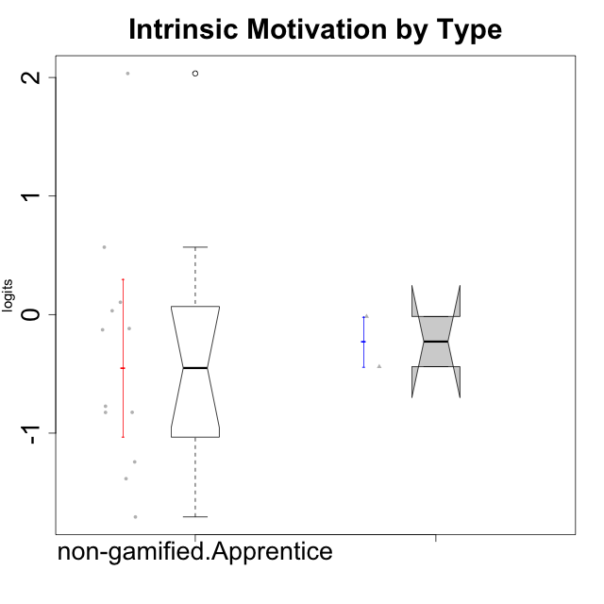

Wilcoxon data
UserID | Type | CLGroup | CLRole | PlayerRole | Score | theta | error | Outfit | Infit | Intrinsic Motivation
10116 | non-gamified | GroupC | Master |  | 49 | -0.43947638936 | 0.1536645758 | 0.56938464574 | 0.55740262688 | -0.43947638936
10122 | non-gamified | GroupB | Apprentice |  | 59 | -0.12829509018 | 0.15503920813 | 1.8334423774 | 1.8673255439 | -0.12829509018
10129 | non-gamified | GroupB | Apprentice |  | 33 | -1.3842690895 | 0.16385412579 | 0.81716699268 | 0.85034541086 | -1.3842690895
10130 | non-gamified | GroupC | Apprentice |  | 60 | -0.11778394501 | 0.1554785506 | 0.86996504557 | 0.81708034765 | -0.11778394501
10132 | non-gamified | GroupA | Apprentice |  | 46 | -0.82452702092 | 0.15431098309 | 1.1484441624 | 1.144130698 | -0.82452702092
10135 | non-gamified | GroupB | Apprentice |  | 65 | 0.032283913422 | 0.15857509028 | 1.0891917989 | 1.0516765725 | 0.032283913422
10136 | non-gamified | GroupC | Apprentice |  | 25 | -1.7071097673 | 0.17797777706 | 0.95810188138 | 0.99693715481 | -1.7071097673
10140 | non-gamified | GroupC | Apprentice |  | 40 | -0.7732129403 | 0.15720369751 | 0.5136633268 | 0.48971607767 | -0.7732129403
10145 | non-gamified | GroupB | Master |  | 51 | -0.016003757564 | 0.15350853842 | 0.86429413564 | 0.85121370232 | -0.016003757564
10146 | non-gamified | GroupA | Apprentice |  | 78 | 0.56850057557 | 0.17568200993 | 0.38429127039 | 0.35554758763 | 0.56850057557
10149 | non-gamified | GroupA | Apprentice |  | 36 | -1.2427405122 | 0.16050122923 | 1.829553648 | 1.8036543932 | -1.2427405122
10153 | non-gamified | GroupA | Apprentice |  | 66 | 0.10406814034 | 0.15938699362 | 0.67524425617 | 0.68214745757 | 0.10406814034
10154 | non-gamified | GroupC | Apprentice |  | 35 | -0.82531059092 | 0.16152703743 | 0.48941958249 | 0.49909113286 | -0.82531059092
10158 | non-gamified | GroupD | Apprentice |  | 97 | 2.0340003185 | 0.26857017551 | 1.1119956032 | 1.2204032264 | 2.0340003185

Type_CLRole_2
Wilcoxon Analysis for Intrinsic Motivation by Type in Type:CLRole between non-gamified.Apprentice:ont-gamified.Apprentice

Wilcoxon test results
Alternative hypothesis: less
Group | N | Median | Mean.Ranks | Sum.Ranks | U | Z | p.value | r | magnitude
non-gamified.Apprentice | 12 | -0.45075401524 | 9.75 | 117 | 39 | -1.9052558883 | 0.029828530603 | 0.38890872965 | medium
ont-gamified.Apprentice | 12 | 0.24413360235 | 15.25 | 183 | 39 | -1.9052558883 | 0.029828530603 | 0.38890872965 | medium
Alternative hypothesis: greater
Group | N | Median | Mean.Ranks | Sum.Ranks | U | Z | p.value | r | magnitude
non-gamified.Apprentice | 12 | -0.45075401524 | 9.75 | 117 | 39 | -1.9052558883 | 0.97406769432 | 0.38890872965 | medium
ont-gamified.Apprentice | 12 | 0.24413360235 | 15.25 | 183 | 39 | -1.9052558883 | 0.97406769432 | 0.38890872965 | medium
Alternative hypothesis: two.sided
Group | N | Median | Mean.Ranks | Sum.Ranks | U | Z | p.value | r | magnitude
non-gamified.Apprentice | 12 | -0.45075401524 | 9.75 | 117 | 39 | -1.9052558883 | 0.059657061205 | 0.38890872965 | medium
ont-gamified.Apprentice | 12 | 0.24413360235 | 15.25 | 183 | 39 | -1.9052558883 | 0.059657061205 | 0.38890872965 | medium

Box plots for wilcoxon tests
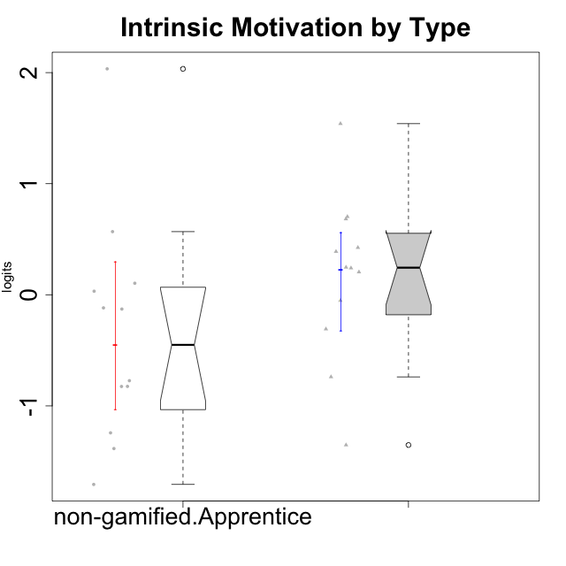

Wilcoxon data
UserID | Type | CLGroup | CLRole | PlayerRole | Score | theta | error | Outfit | Infit | Intrinsic Motivation
10122 | non-gamified | GroupB | Apprentice |  | 59 | -0.12829509018 | 0.15503920813 | 1.8334423774 | 1.8673255439 | -0.12829509018
10123 | ont-gamified | Grupo Morfeu | Apprentice | Yee Achiever | 53 | -0.30830661448 | 0.15356762018 | 0.4970629455 | 0.4950869567 | -0.30830661448
10126 | ont-gamified | Grupo Hélio | Apprentice | Yee Socializer | 83 | 0.70312289349 | 0.18769653367 | 0.91746690262 | 0.80326865297 | 0.70312289349
10127 | ont-gamified | Grupo Hades | Apprentice | Yee Achiever | 73 | 0.38925850725 | 0.16720533788 | 1.0853270979 | 1.0422105263 | 0.38925850725
10128 | ont-gamified | Grupo Morfeu | Apprentice | Yee Achiever | 44 | -1.352231091 | 0.15502782629 | 2.3636232656 | 2.4053227665 | -1.352231091
10129 | non-gamified | GroupB | Apprentice |  | 33 | -1.3842690895 | 0.16385412579 | 0.81716699268 | 0.85034541086 | -1.3842690895
10130 | non-gamified | GroupC | Apprentice |  | 60 | -0.11778394501 | 0.1554785506 | 0.86996504557 | 0.81708034765 | -0.11778394501
10131 | ont-gamified | Grupo Zeus | Apprentice | Yee Achiever | 75 | 0.68250249838 | 0.17025197714 | 1.9856765969 | 2.1198662525 | 0.68250249838
10132 | non-gamified | GroupA | Apprentice |  | 46 | -0.82452702092 | 0.15431098309 | 1.1484441624 | 1.144130698 | -0.82452702092
10134 | ont-gamified | Grupo Apolo | Apprentice | Yee Socializer | 38 | -0.73905075235 | 0.15869959343 | 0.28067761818 | 0.29755683725 | -0.73905075235
10135 | non-gamified | GroupB | Apprentice |  | 65 | 0.032283913422 | 0.15857509028 | 1.0891917989 | 1.0516765725 | 0.032283913422
10136 | non-gamified | GroupC | Apprentice |  | 25 | -1.7071097673 | 0.17797777706 | 0.95810188138 | 0.99693715481 | -1.7071097673
10137 | ont-gamified | Grupo Morfeu | Apprentice | Yee Achiever | 94 | 1.5404219909 | 0.24003088264 | 0.85357399544 | 0.79805899627 | 1.5404219909
10138 | ont-gamified | Grupo Hélio | Apprentice | Yee Socializer | 66 | 0.4248543794 | 0.15938699362 | 0.78978275728 | 0.75628860759 | 0.4248543794
10139 | ont-gamified | Grupo Zeus | Apprentice | Yee Achiever | 62 | -0.051365907743 | 0.15653247557 | 1.1627074528 | 1.1752991911 | -0.051365907743
10140 | non-gamified | GroupC | Apprentice |  | 40 | -0.7732129403 | 0.15720369751 | 0.5136633268 | 0.48971607767 | -0.7732129403
10142 | ont-gamified | Grupo Hades | Apprentice | Yee Achiever | 69 | 0.24748668734 | 0.16225194913 | 0.79761552884 | 0.79134582316 | 0.24748668734
10143 | ont-gamified | Grupo Apolo | Apprentice | Yee Socializer | 70 | 0.24078051736 | 0.16336077699 | 0.124857409 | 0.12676056765 | 0.24078051736
10146 | non-gamified | GroupA | Apprentice |  | 78 | 0.56850057557 | 0.17568200993 | 0.38429127039 | 0.35554758763 | 0.56850057557
10148 | ont-gamified | Grupo Apolo | Apprentice | Yee Socializer | 69 | 0.20490388741 | 0.16225194913 | 1.0099373695 | 0.90379807753 | 0.20490388741
10149 | non-gamified | GroupA | Apprentice |  | 36 | -1.2427405122 | 0.16050122923 | 1.829553648 | 1.8036543932 | -1.2427405122
10153 | non-gamified | GroupA | Apprentice |  | 66 | 0.10406814034 | 0.15938699362 | 0.67524425617 | 0.68214745757 | 0.10406814034
10154 | non-gamified | GroupC | Apprentice |  | 35 | -0.82531059092 | 0.16152703743 | 0.48941958249 | 0.49909113286 | -0.82531059092
10158 | non-gamified | GroupD | Apprentice |  | 97 | 2.0340003185 | 0.26857017551 | 1.1119956032 | 1.2204032264 | 2.0340003185

Type_CLRole_3
Wilcoxon Analysis for Intrinsic Motivation by Type in Type:CLRole between non-gamified.Apprentice:ont-gamified.Master

Wilcoxon test results
Alternative hypothesis: less
Group | N | Median | Mean.Ranks | Sum.Ranks | U | Z | p.value | r | magnitude
non-gamified.Apprentice | 12 | -0.45075401524 | 7.3333333333 | 88 | 10 | -1.6977493753 | 0.051648351648 | 0.42443734381 | medium
ont-gamified.Master | 4 | 0.70252715065 | 12 | 48 | 10 | -1.6977493753 | 0.051648351648 | 0.42443734381 | medium
Alternative hypothesis: greater
Group | N | Median | Mean.Ranks | Sum.Ranks | U | Z | p.value | r | magnitude
non-gamified.Apprentice | 12 | -0.45075401524 | 7.3333333333 | 88 | 10 | -1.6977493753 | 0.96098901099 | 0.42443734381 | medium
ont-gamified.Master | 4 | 0.70252715065 | 12 | 48 | 10 | -1.6977493753 | 0.96098901099 | 0.42443734381 | medium
Alternative hypothesis: two.sided
Group | N | Median | Mean.Ranks | Sum.Ranks | U | Z | p.value | r | magnitude
non-gamified.Apprentice | 12 | -0.45075401524 | 7.3333333333 | 88 | 10 | -1.6977493753 | 0.1032967033 | 0.42443734381 | medium
ont-gamified.Master | 4 | 0.70252715065 | 12 | 48 | 10 | -1.6977493753 | 0.1032967033 | 0.42443734381 | medium

Box plots for wilcoxon tests
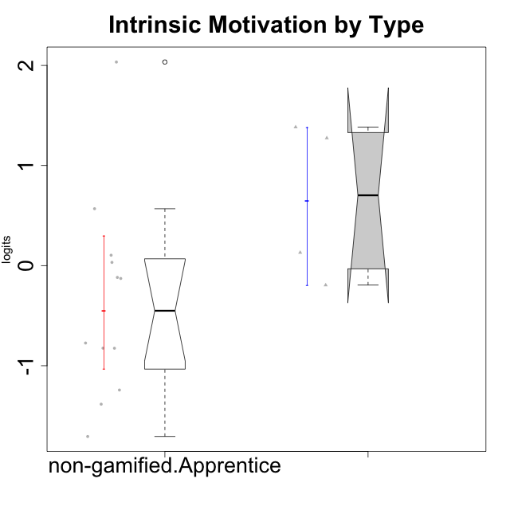

Wilcoxon data
UserID | Type | CLGroup | CLRole | PlayerRole | Score | theta | error | Outfit | Infit | Intrinsic Motivation
10120 | ont-gamified | Grupo Hélio | Master | Yee Socializer | 94 | 1.2745279552 | 0.24003088264 | 0.59501982851 | 0.56601144315 | 1.2745279552
10121 | ont-gamified | Grupo Hades | Master | Yee Achiever | 68 | 0.1305263461 | 0.16122237592 | 0.66074841738 | 0.69420116146 | 0.1305263461
10122 | non-gamified | GroupB | Apprentice |  | 59 | -0.12829509018 | 0.15503920813 | 1.8334423774 | 1.8673255439 | -0.12829509018
10129 | non-gamified | GroupB | Apprentice |  | 33 | -1.3842690895 | 0.16385412579 | 0.81716699268 | 0.85034541086 | -1.3842690895
10130 | non-gamified | GroupC | Apprentice |  | 60 | -0.11778394501 | 0.1554785506 | 0.86996504557 | 0.81708034765 | -0.11778394501
10132 | non-gamified | GroupA | Apprentice |  | 46 | -0.82452702092 | 0.15431098309 | 1.1484441624 | 1.144130698 | -0.82452702092
10135 | non-gamified | GroupB | Apprentice |  | 65 | 0.032283913422 | 0.15857509028 | 1.0891917989 | 1.0516765725 | 0.032283913422
10136 | non-gamified | GroupC | Apprentice |  | 25 | -1.7071097673 | 0.17797777706 | 0.95810188138 | 0.99693715481 | -1.7071097673
10140 | non-gamified | GroupC | Apprentice |  | 40 | -0.7732129403 | 0.15720369751 | 0.5136633268 | 0.48971607767 | -0.7732129403
10141 | ont-gamified | Grupo Apolo | Master | Yee Socializer | 57 | -0.19461194637 | 0.15432992146 | 0.48368652505 | 0.47040314648 | -0.19461194637
10146 | non-gamified | GroupA | Apprentice |  | 78 | 0.56850057557 | 0.17568200993 | 0.38429127039 | 0.35554758763 | 0.56850057557
10149 | non-gamified | GroupA | Apprentice |  | 36 | -1.2427405122 | 0.16050122923 | 1.829553648 | 1.8036543932 | -1.2427405122
10152 | ont-gamified | Grupo Morfeu | Master | Yee Achiever | 85 | 1.3837694218 | 0.19388762861 | 2.2414966886 | 1.987421007 | 1.3837694218
10153 | non-gamified | GroupA | Apprentice |  | 66 | 0.10406814034 | 0.15938699362 | 0.67524425617 | 0.68214745757 | 0.10406814034
10154 | non-gamified | GroupC | Apprentice |  | 35 | -0.82531059092 | 0.16152703743 | 0.48941958249 | 0.49909113286 | -0.82531059092
10158 | non-gamified | GroupD | Apprentice |  | 97 | 2.0340003185 | 0.26857017551 | 1.1119956032 | 1.2204032264 | 2.0340003185

Type_CLRole_4
Wilcoxon Analysis for Intrinsic Motivation by Type in Type:CLRole between non-gamified.Master:ont-gamified.Apprentice

Wilcoxon test results
Alternative hypothesis: less
Group | N | Median | Mean.Ranks | Sum.Ranks | U | Z | p.value | r | magnitude
non-gamified.Master | 2 | -0.22774007346 | 4.5 | 9 | 6 | -1.095445115 | 0.17582417582 | 0.29277002188 | small
ont-gamified.Apprentice | 12 | 0.24413360235 | 8 | 96 | 6 | -1.095445115 | 0.17582417582 | 0.29277002188 | small
Alternative hypothesis: greater
Group | N | Median | Mean.Ranks | Sum.Ranks | U | Z | p.value | r | magnitude
non-gamified.Master | 2 | -0.22774007346 | 4.5 | 9 | 6 | -1.095445115 | 0.86813186813 | 0.29277002188 | small
ont-gamified.Apprentice | 12 | 0.24413360235 | 8 | 96 | 6 | -1.095445115 | 0.86813186813 | 0.29277002188 | small
Alternative hypothesis: two.sided
Group | N | Median | Mean.Ranks | Sum.Ranks | U | Z | p.value | r | magnitude
non-gamified.Master | 2 | -0.22774007346 | 4.5 | 9 | 6 | -1.095445115 | 0.35164835165 | 0.29277002188 | small
ont-gamified.Apprentice | 12 | 0.24413360235 | 8 | 96 | 6 | -1.095445115 | 0.35164835165 | 0.29277002188 | small

Box plots for wilcoxon tests
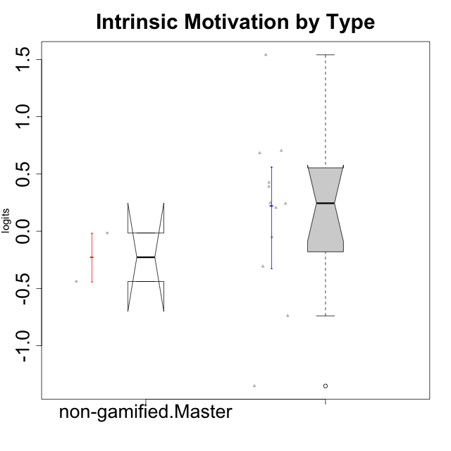

Wilcoxon data
UserID | Type | CLGroup | CLRole | PlayerRole | Score | theta | error | Outfit | Infit | Intrinsic Motivation
10116 | non-gamified | GroupC | Master |  | 49 | -0.43947638936 | 0.1536645758 | 0.56938464574 | 0.55740262688 | -0.43947638936
10123 | ont-gamified | Grupo Morfeu | Apprentice | Yee Achiever | 53 | -0.30830661448 | 0.15356762018 | 0.4970629455 | 0.4950869567 | -0.30830661448
10126 | ont-gamified | Grupo Hélio | Apprentice | Yee Socializer | 83 | 0.70312289349 | 0.18769653367 | 0.91746690262 | 0.80326865297 | 0.70312289349
10127 | ont-gamified | Grupo Hades | Apprentice | Yee Achiever | 73 | 0.38925850725 | 0.16720533788 | 1.0853270979 | 1.0422105263 | 0.38925850725
10128 | ont-gamified | Grupo Morfeu | Apprentice | Yee Achiever | 44 | -1.352231091 | 0.15502782629 | 2.3636232656 | 2.4053227665 | -1.352231091
10131 | ont-gamified | Grupo Zeus | Apprentice | Yee Achiever | 75 | 0.68250249838 | 0.17025197714 | 1.9856765969 | 2.1198662525 | 0.68250249838
10134 | ont-gamified | Grupo Apolo | Apprentice | Yee Socializer | 38 | -0.73905075235 | 0.15869959343 | 0.28067761818 | 0.29755683725 | -0.73905075235
10137 | ont-gamified | Grupo Morfeu | Apprentice | Yee Achiever | 94 | 1.5404219909 | 0.24003088264 | 0.85357399544 | 0.79805899627 | 1.5404219909
10138 | ont-gamified | Grupo Hélio | Apprentice | Yee Socializer | 66 | 0.4248543794 | 0.15938699362 | 0.78978275728 | 0.75628860759 | 0.4248543794
10139 | ont-gamified | Grupo Zeus | Apprentice | Yee Achiever | 62 | -0.051365907743 | 0.15653247557 | 1.1627074528 | 1.1752991911 | -0.051365907743
10142 | ont-gamified | Grupo Hades | Apprentice | Yee Achiever | 69 | 0.24748668734 | 0.16225194913 | 0.79761552884 | 0.79134582316 | 0.24748668734
10143 | ont-gamified | Grupo Apolo | Apprentice | Yee Socializer | 70 | 0.24078051736 | 0.16336077699 | 0.124857409 | 0.12676056765 | 0.24078051736
10145 | non-gamified | GroupB | Master |  | 51 | -0.016003757564 | 0.15350853842 | 0.86429413564 | 0.85121370232 | -0.016003757564
10148 | ont-gamified | Grupo Apolo | Apprentice | Yee Socializer | 69 | 0.20490388741 | 0.16225194913 | 1.0099373695 | 0.90379807753 | 0.20490388741

Type_CLRole_5
Wilcoxon Analysis for Intrinsic Motivation by Type in Type:CLRole between non-gamified.Master:ont-gamified.Master

Wilcoxon test results
Alternative hypothesis: less
Group | N | Median | Mean.Ranks | Sum.Ranks | U | Z | p.value | r | magnitude
non-gamified.Master | 2 | -0.22774007346 | 2 | 4 | 1 | -1.3887301497 | 0.13333333333 | 0.56694670951 | large
ont-gamified.Master | 4 | 0.70252715065 | 4.25 | 17 | 1 | -1.3887301497 | 0.13333333333 | 0.56694670951 | large
Alternative hypothesis: greater
Group | N | Median | Mean.Ranks | Sum.Ranks | U | Z | p.value | r | magnitude
non-gamified.Master | 2 | -0.22774007346 | 2 | 4 | 1 | -1.3887301497 | 0.93333333333 | 0.56694670951 | large
ont-gamified.Master | 4 | 0.70252715065 | 4.25 | 17 | 1 | -1.3887301497 | 0.93333333333 | 0.56694670951 | large
Alternative hypothesis: two.sided
Group | N | Median | Mean.Ranks | Sum.Ranks | U | Z | p.value | r | magnitude
non-gamified.Master | 2 | -0.22774007346 | 2 | 4 | 1 | -1.3887301497 | 0.26666666667 | 0.56694670951 | large
ont-gamified.Master | 4 | 0.70252715065 | 4.25 | 17 | 1 | -1.3887301497 | 0.26666666667 | 0.56694670951 | large

Box plots for wilcoxon tests
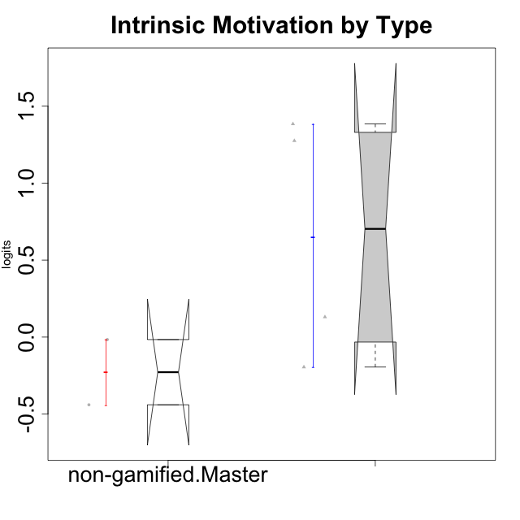

Wilcoxon data
UserID | Type | CLGroup | CLRole | PlayerRole | Score | theta | error | Outfit | Infit | Intrinsic Motivation
10116 | non-gamified | GroupC | Master |  | 49 | -0.43947638936 | 0.1536645758 | 0.56938464574 | 0.55740262688 | -0.43947638936
10120 | ont-gamified | Grupo Hélio | Master | Yee Socializer | 94 | 1.2745279552 | 0.24003088264 | 0.59501982851 | 0.56601144315 | 1.2745279552
10121 | ont-gamified | Grupo Hades | Master | Yee Achiever | 68 | 0.1305263461 | 0.16122237592 | 0.66074841738 | 0.69420116146 | 0.1305263461
10141 | ont-gamified | Grupo Apolo | Master | Yee Socializer | 57 | -0.19461194637 | 0.15432992146 | 0.48368652505 | 0.47040314648 | -0.19461194637
10145 | non-gamified | GroupB | Master |  | 51 | -0.016003757564 | 0.15350853842 | 0.86429413564 | 0.85121370232 | -0.016003757564
10152 | ont-gamified | Grupo Morfeu | Master | Yee Achiever | 85 | 1.3837694218 | 0.19388762861 | 2.2414966886 | 1.987421007 | 1.3837694218

Type_CLRole_6
Wilcoxon Analysis for Intrinsic Motivation by Type in Type:CLRole between ont-gamified.Apprentice:ont-gamified.Master

Wilcoxon test results
Alternative hypothesis: less
Group | N | Median | Mean.Ranks | Sum.Ranks | U | Z | p.value | r | magnitude
ont-gamified.Apprentice | 12 | 0.24413360235 | 8.0833333333 | 97 | 19 | -0.60633906259 | 0.29945054945 | 0.15158476565 | small
ont-gamified.Master | 4 | 0.70252715065 | 9.75 | 39 | 19 | -0.60633906259 | 0.29945054945 | 0.15158476565 | small
Alternative hypothesis: greater
Group | N | Median | Mean.Ranks | Sum.Ranks | U | Z | p.value | r | magnitude
ont-gamified.Apprentice | 12 | 0.24413360235 | 8.0833333333 | 97 | 19 | -0.60633906259 | 0.73956043956 | 0.15158476565 | small
ont-gamified.Master | 4 | 0.70252715065 | 9.75 | 39 | 19 | -0.60633906259 | 0.73956043956 | 0.15158476565 | small
Alternative hypothesis: two.sided
Group | N | Median | Mean.Ranks | Sum.Ranks | U | Z | p.value | r | magnitude
ont-gamified.Apprentice | 12 | 0.24413360235 | 8.0833333333 | 97 | 19 | -0.60633906259 | 0.5989010989 | 0.15158476565 | small
ont-gamified.Master | 4 | 0.70252715065 | 9.75 | 39 | 19 | -0.60633906259 | 0.5989010989 | 0.15158476565 | small

Box plots for wilcoxon tests
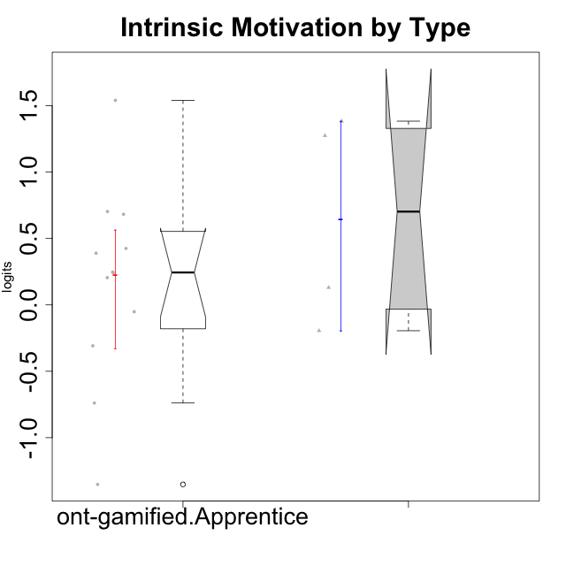

Wilcoxon data
UserID | Type | CLGroup | CLRole | PlayerRole | Score | theta | error | Outfit | Infit | Intrinsic Motivation
10120 | ont-gamified | Grupo Hélio | Master | Yee Socializer | 94 | 1.2745279552 | 0.24003088264 | 0.59501982851 | 0.56601144315 | 1.2745279552
10121 | ont-gamified | Grupo Hades | Master | Yee Achiever | 68 | 0.1305263461 | 0.16122237592 | 0.66074841738 | 0.69420116146 | 0.1305263461
10123 | ont-gamified | Grupo Morfeu | Apprentice | Yee Achiever | 53 | -0.30830661448 | 0.15356762018 | 0.4970629455 | 0.4950869567 | -0.30830661448
10126 | ont-gamified | Grupo Hélio | Apprentice | Yee Socializer | 83 | 0.70312289349 | 0.18769653367 | 0.91746690262 | 0.80326865297 | 0.70312289349
10127 | ont-gamified | Grupo Hades | Apprentice | Yee Achiever | 73 | 0.38925850725 | 0.16720533788 | 1.0853270979 | 1.0422105263 | 0.38925850725
10128 | ont-gamified | Grupo Morfeu | Apprentice | Yee Achiever | 44 | -1.352231091 | 0.15502782629 | 2.3636232656 | 2.4053227665 | -1.352231091
10131 | ont-gamified | Grupo Zeus | Apprentice | Yee Achiever | 75 | 0.68250249838 | 0.17025197714 | 1.9856765969 | 2.1198662525 | 0.68250249838
10134 | ont-gamified | Grupo Apolo | Apprentice | Yee Socializer | 38 | -0.73905075235 | 0.15869959343 | 0.28067761818 | 0.29755683725 | -0.73905075235
10137 | ont-gamified | Grupo Morfeu | Apprentice | Yee Achiever | 94 | 1.5404219909 | 0.24003088264 | 0.85357399544 | 0.79805899627 | 1.5404219909
10138 | ont-gamified | Grupo Hélio | Apprentice | Yee Socializer | 66 | 0.4248543794 | 0.15938699362 | 0.78978275728 | 0.75628860759 | 0.4248543794
10139 | ont-gamified | Grupo Zeus | Apprentice | Yee Achiever | 62 | -0.051365907743 | 0.15653247557 | 1.1627074528 | 1.1752991911 | -0.051365907743
10141 | ont-gamified | Grupo Apolo | Master | Yee Socializer | 57 | -0.19461194637 | 0.15432992146 | 0.48368652505 | 0.47040314648 | -0.19461194637
10142 | ont-gamified | Grupo Hades | Apprentice | Yee Achiever | 69 | 0.24748668734 | 0.16225194913 | 0.79761552884 | 0.79134582316 | 0.24748668734
10143 | ont-gamified | Grupo Apolo | Apprentice | Yee Socializer | 70 | 0.24078051736 | 0.16336077699 | 0.124857409 | 0.12676056765 | 0.24078051736
10148 | ont-gamified | Grupo Apolo | Apprentice | Yee Socializer | 69 | 0.20490388741 | 0.16225194913 | 1.0099373695 | 0.90379807753 | 0.20490388741
10152 | ont-gamified | Grupo Morfeu | Master | Yee Achiever | 85 | 1.3837694218 | 0.19388762861 | 2.2414966886 | 1.987421007 | 1.3837694218

