Type_1
Wilcoxon Analysis for Pct Having Incomplete Participation in Type between non-gamified:ont-gamified

Wilcoxon test results
Alternative hypothesis: less
Group | N | Median | Mean.Ranks | Sum.Ranks | U | Z | p.value | r | magnitude
non-gamified | 5 | 0.6 | 7.2 | 36 | 21 | 1.7919573408 | 0.97222222222 | 0.56666666667 | large
ont-gamified | 5 | 0.25 | 3.8 | 19 | 21 | 1.7919573408 | 0.97222222222 | 0.56666666667 | large
Alternative hypothesis: greater
Group | N | Median | Mean.Ranks | Sum.Ranks | U | Z | p.value | r | magnitude
non-gamified | 5 | 0.6 | 7.2 | 36 | 21 | 1.7919573408 | 0.047619047619 | 0.56666666667 | large
ont-gamified | 5 | 0.25 | 3.8 | 19 | 21 | 1.7919573408 | 0.047619047619 | 0.56666666667 | large
Alternative hypothesis: two.sided
Group | N | Median | Mean.Ranks | Sum.Ranks | U | Z | p.value | r | magnitude
non-gamified | 5 | 0.6 | 7.2 | 36 | 21 | 1.7919573408 | 0.095238095238 | 0.56666666667 | large
ont-gamified | 5 | 0.25 | 3.8 | 19 | 21 | 1.7919573408 | 0.095238095238 | 0.56666666667 | large

Box plots for wilcoxon tests
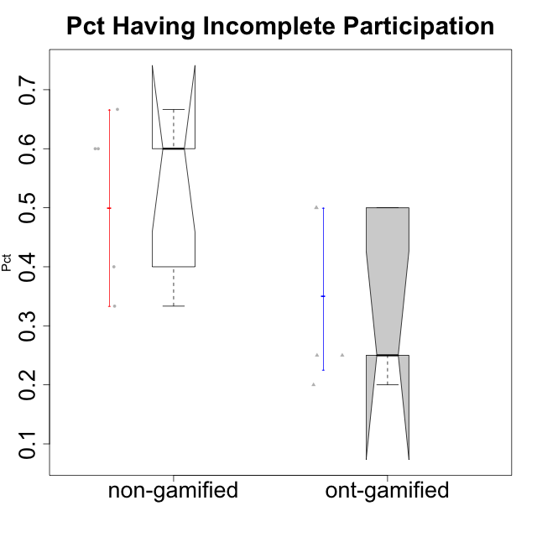

Wilcoxon data
id | Group | Type | LevelParticipation | PctIncompleteParticipation
2 | GroupB | non-gamified | incomplete | 0.4
4 | GroupD | non-gamified | incomplete | 0.33333333333
7 | Grupo Hades | ont-gamified | incomplete | 0.5
10 | GroupA | non-gamified | none | 0.6
12 | GroupC | non-gamified | none | 0.6
13 | GroupD | non-gamified | none | 0.66666666667
15 | Grupo Hélio | ont-gamified | none | 0.25
16 | Grupo Hades | ont-gamified | none | 0.5
17 | Grupo Morfeu | ont-gamified | none | 0.25
18 | Grupo Zeus | ont-gamified | none | 0.2

