global-Estimate-Items
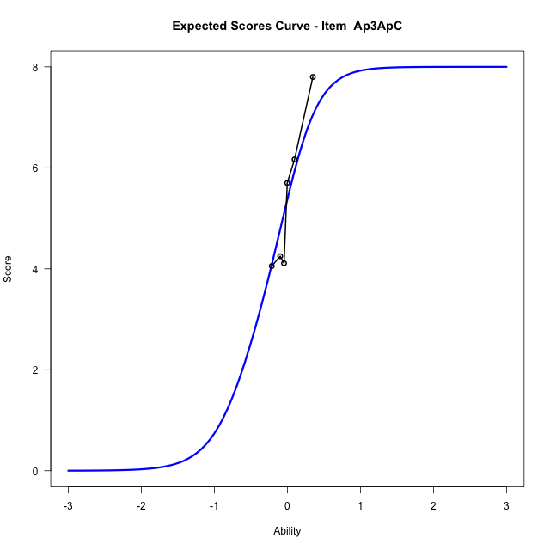
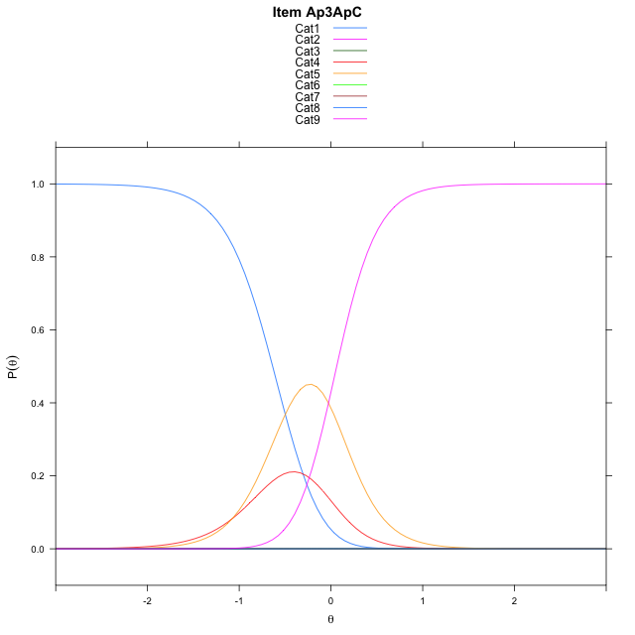
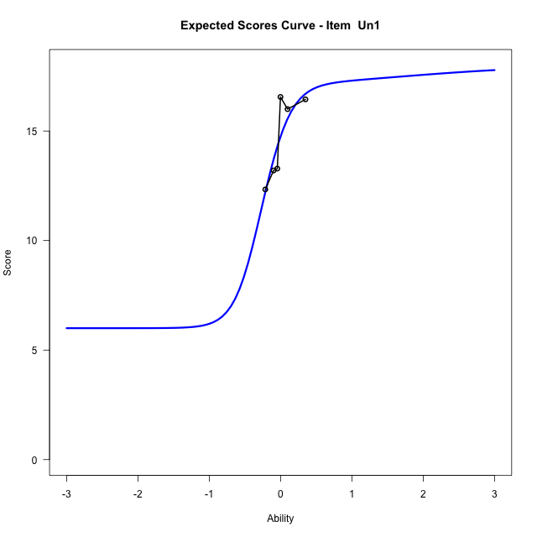
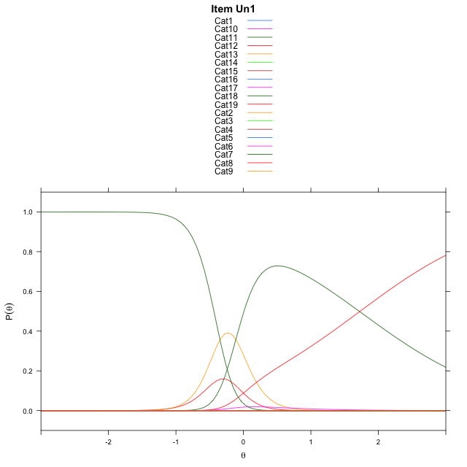
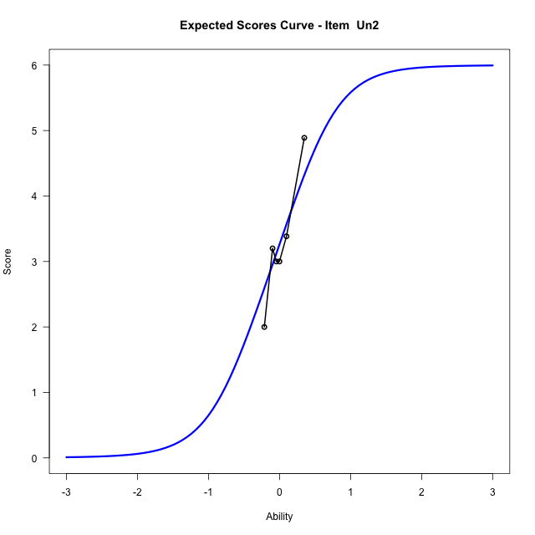
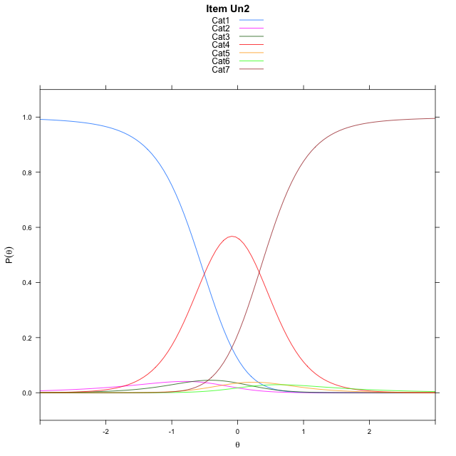
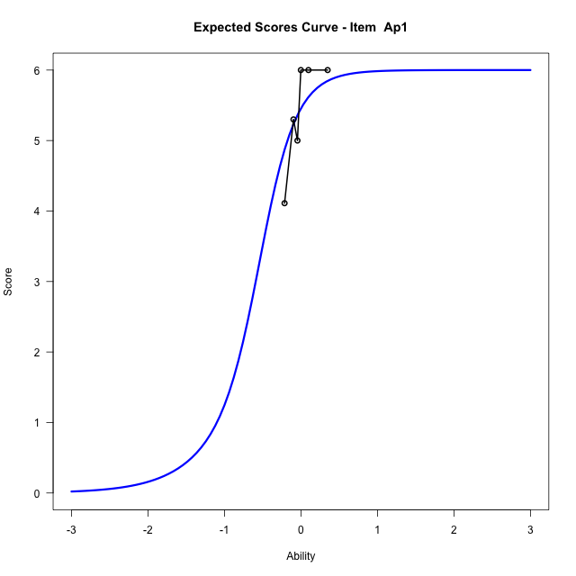
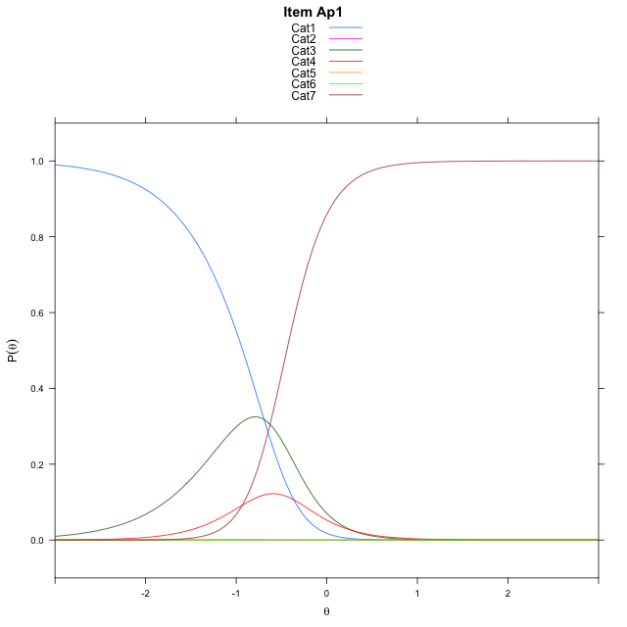
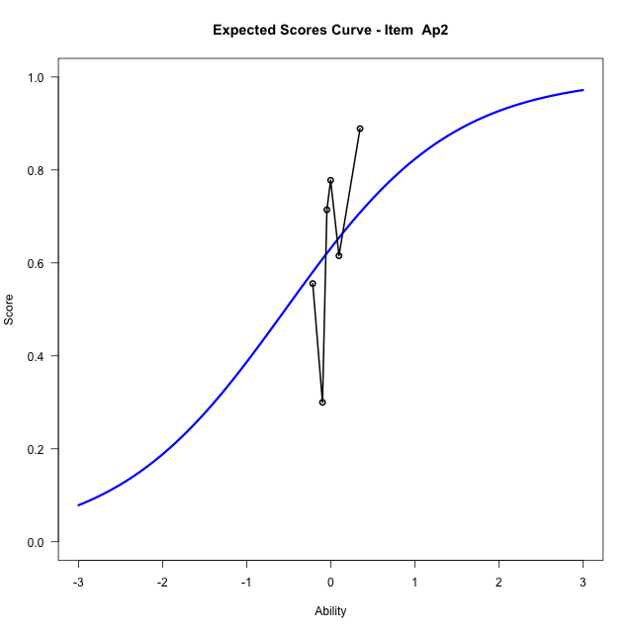
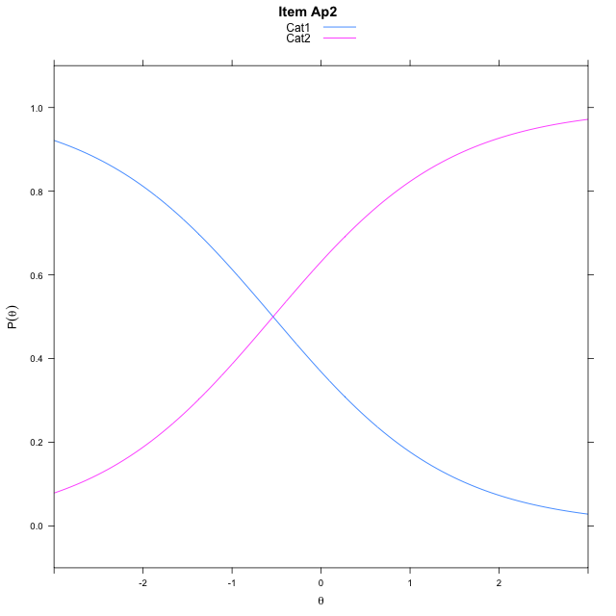
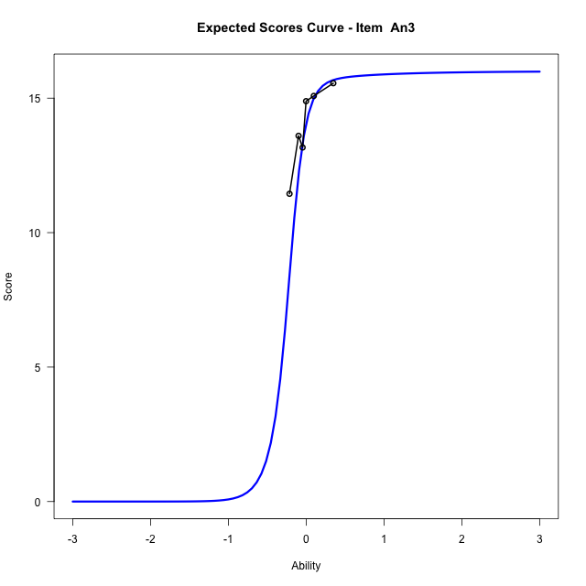
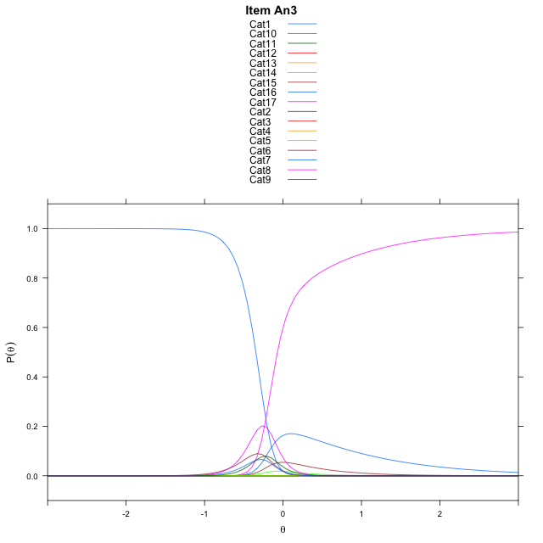
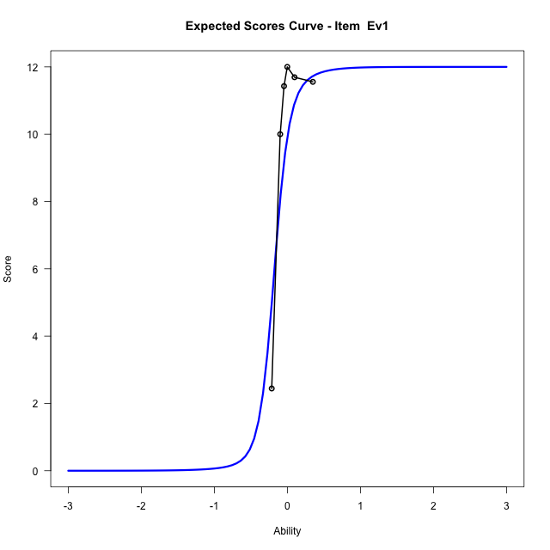
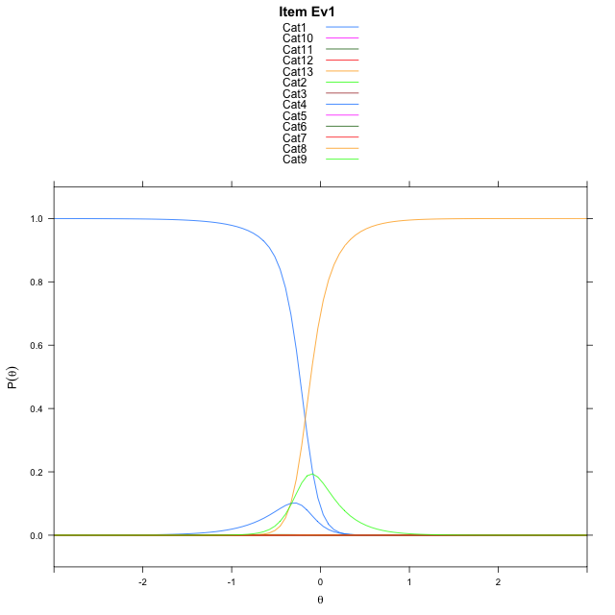
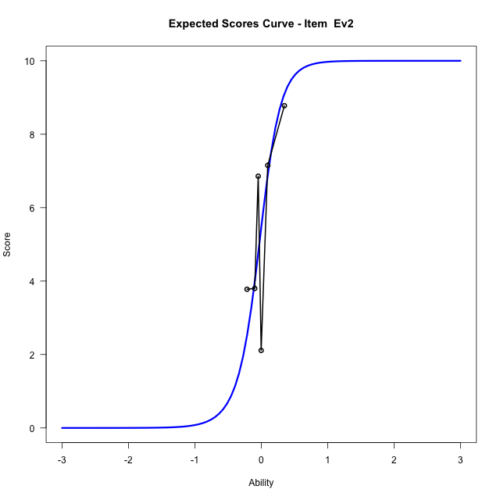
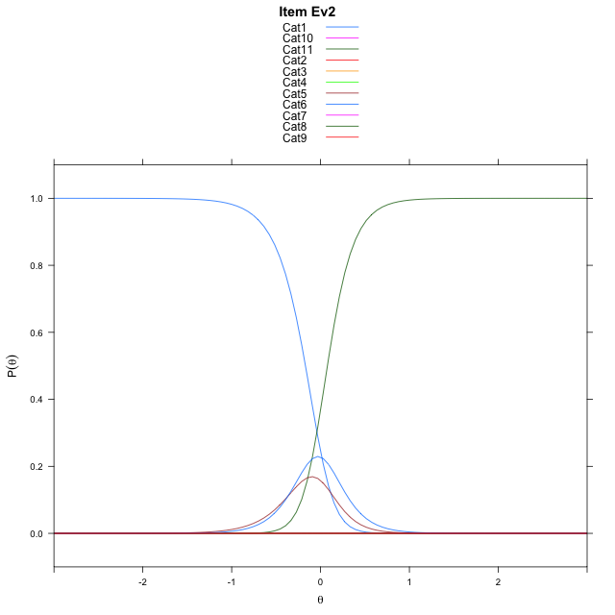
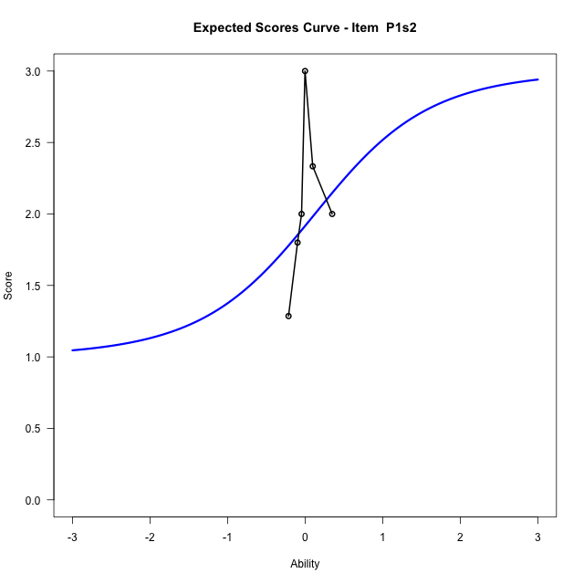
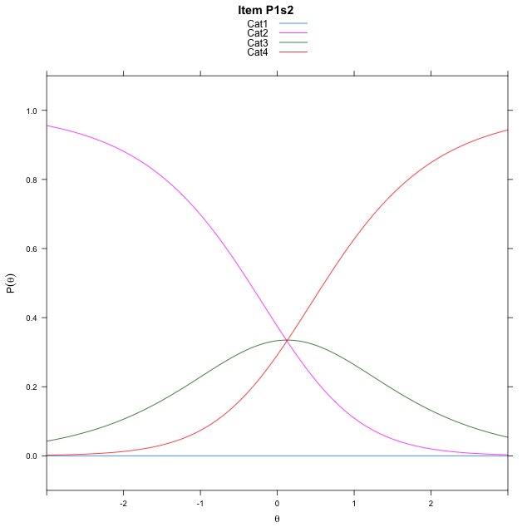
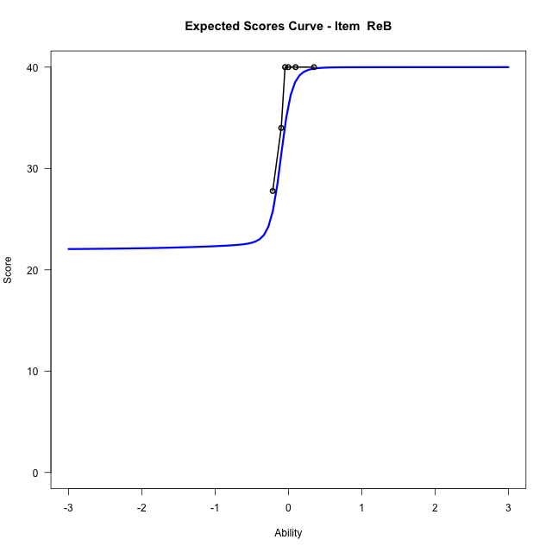
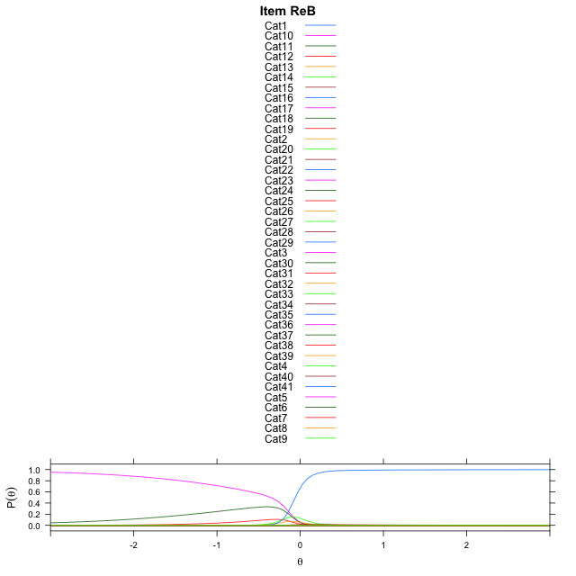
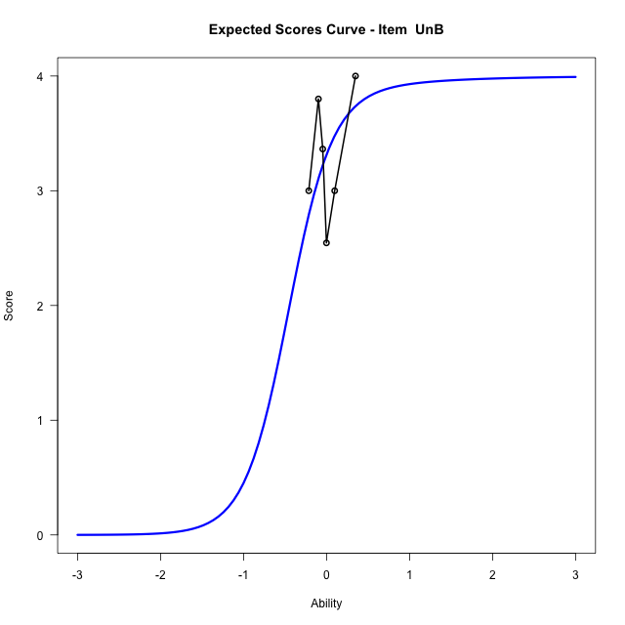
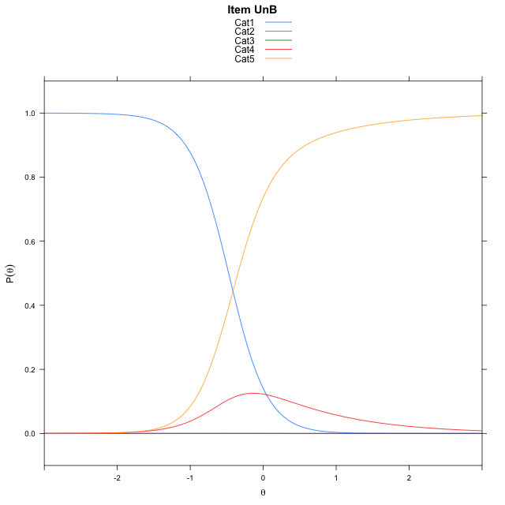
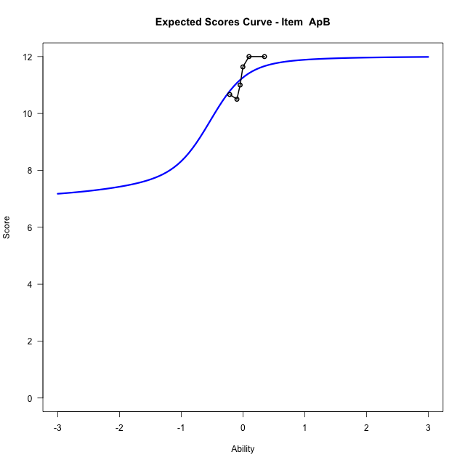
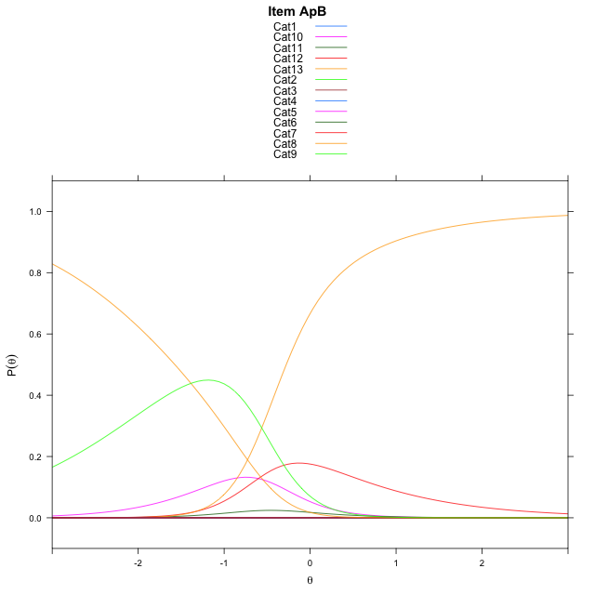
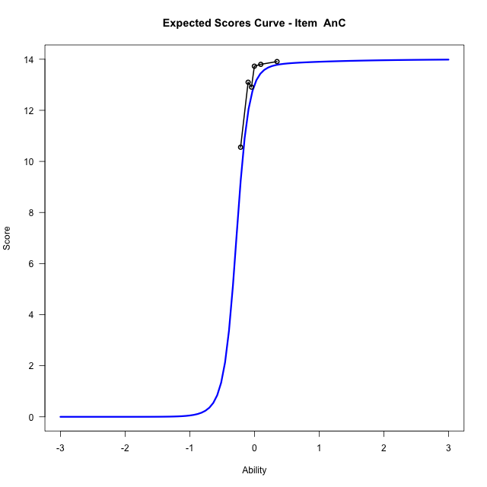
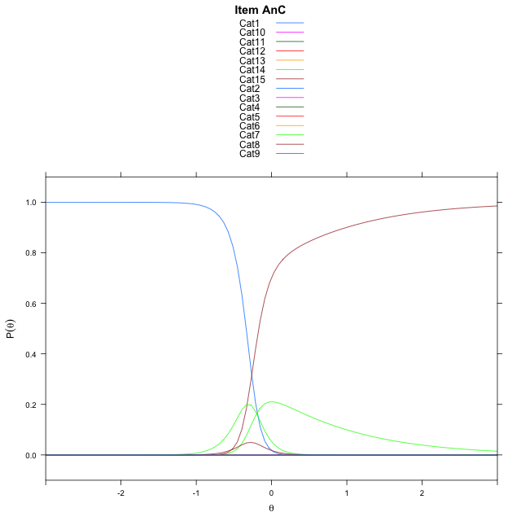
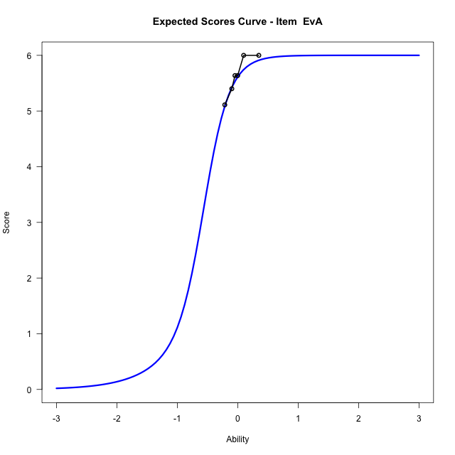
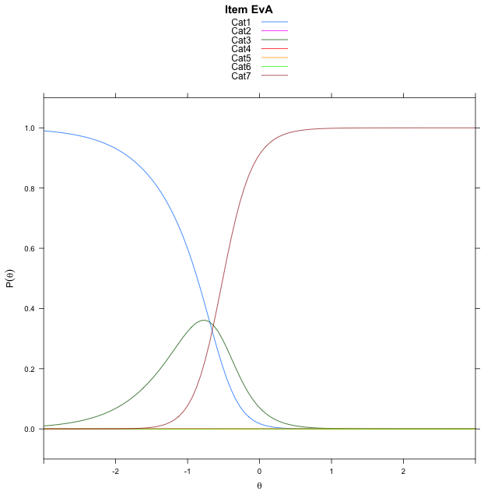
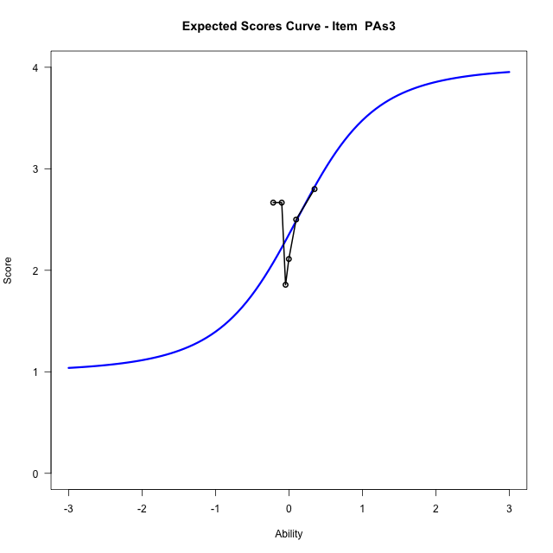
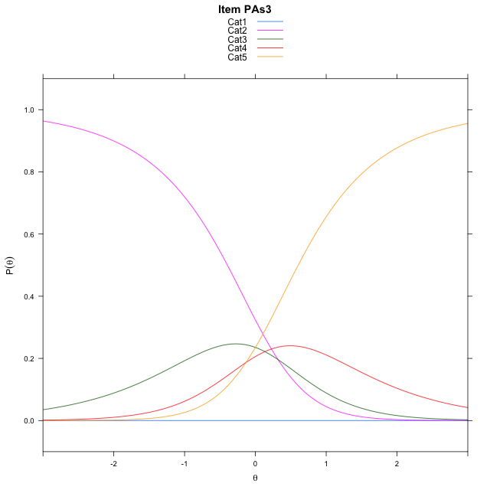
Estimate items information for the measurement model

Full Item Information
item | N | M | xsi.item | AXsi_.Cat1 | AXsi_.Cat2 | AXsi_.Cat3 | AXsi_.Cat4 | AXsi_.Cat5 | AXsi_.Cat6 | AXsi_.Cat7 | AXsi_.Cat8 | AXsi_.Cat9 | AXsi_.Cat10 | AXsi_.Cat11 | AXsi_.Cat12 | AXsi_.Cat13 | AXsi_.Cat14 | AXsi_.Cat15 | AXsi_.Cat16 | AXsi_.Cat17 | AXsi_.Cat18 | AXsi_.Cat19 | AXsi_.Cat20 | AXsi_.Cat21 | AXsi_.Cat22 | AXsi_.Cat23 | AXsi_.Cat24 | AXsi_.Cat25 | AXsi_.Cat26 | AXsi_.Cat27 | AXsi_.Cat28 | AXsi_.Cat29 | AXsi_.Cat30 | AXsi_.Cat31 | AXsi_.Cat32 | AXsi_.Cat33 | AXsi_.Cat34 | AXsi_.Cat35 | AXsi_.Cat36 | AXsi_.Cat37 | AXsi_.Cat38 | AXsi_.Cat39 | AXsi_.Cat40 | B.Cat1.Dim1 | B.Cat2.Dim1 | B.Cat3.Dim1 | B.Cat4.Dim1 | B.Cat5.Dim1 | B.Cat6.Dim1 | B.Cat7.Dim1 | B.Cat8.Dim1 | B.Cat9.Dim1 | B.Cat10.Dim1 | B.Cat11.Dim1 | B.Cat12.Dim1 | B.Cat13.Dim1 | B.Cat14.Dim1 | B.Cat15.Dim1 | B.Cat16.Dim1 | B.Cat17.Dim1 | B.Cat18.Dim1 | B.Cat19.Dim1 | B.Cat20.Dim1 | B.Cat21.Dim1 | B.Cat22.Dim1 | B.Cat23.Dim1 | B.Cat24.Dim1 | B.Cat25.Dim1 | B.Cat26.Dim1 | B.Cat27.Dim1 | B.Cat28.Dim1 | B.Cat29.Dim1 | B.Cat30.Dim1 | B.Cat31.Dim1 | B.Cat32.Dim1 | B.Cat33.Dim1 | B.Cat34.Dim1 | B.Cat35.Dim1 | B.Cat36.Dim1 | B.Cat37.Dim1 | B.Cat38.Dim1 | B.Cat39.Dim1 | B.Cat40.Dim1
Ap3ApC | 114 | 5.3771929825 | -0.26283575225 | 6.6470615023 | 6.4920366581 | -0.91806988991 | -1.9940373307 | 5.4886798157 | 6.318212156 | 5.2327465019 | -2.102686018 |  |  |  |  |  |  |  |  |  |  |  |  |  |  |  |  |  |  |  |  |  |  |  |  |  |  |  |  |  |  |  |  | 1 | 2 | 3 | 4 | 5 | 6 | 7 | 8 | 0 | 0 | 0 | 0 | 0 | 0 | 0 | 0 | 0 | 0 | 0 | 0 | 0 | 0 | 0 | 0 | 0 | 0 | 0 | 0 | 0 | 0 | 0 | 0 | 0 | 0 | 0 | 0 | 0 | 0 | 0 | 0
Un1 | 57 | 14.754385965 | -5.0063564069 | -4.4864589034 | -12.601405969 | -23.252706153 | -34.54797394 | -52.338526266 | -89.197788784 | -82.063311458 | -80.269331665 | -80.299101004 | -82.073194242 | -90.113861905 | -91.276598227 | -84.003965231 | -82.727950584 | -83.854966554 | -88.492718402 | -91.837196838 | -90.114415325 |  |  |  |  |  |  |  |  |  |  |  |  |  |  |  |  |  |  |  |  |  |  | 1 | 2 | 3 | 4 | 5 | 6 | 7 | 8 | 9 | 10 | 11 | 12 | 13 | 14 | 15 | 16 | 17 | 18 | 0 | 0 | 0 | 0 | 0 | 0 | 0 | 0 | 0 | 0 | 0 | 0 | 0 | 0 | 0 | 0 | 0 | 0 | 0 | 0 | 0 | 0
Un2 | 57 | 3.2631578947 | -0.089832750122 | 1.9459101491 | 1.2527629685 | -1.5198257537 | 1.2527629685 | 1.9459101491 | -0.53899650073 |  |  |  |  |  |  |  |  |  |  |  |  |  |  |  |  |  |  |  |  |  |  |  |  |  |  |  |  |  |  |  |  |  |  | 1 | 2 | 3 | 4 | 5 | 6 | 0 | 0 | 0 | 0 | 0 | 0 | 0 | 0 | 0 | 0 | 0 | 0 | 0 | 0 | 0 | 0 | 0 | 0 | 0 | 0 | 0 | 0 | 0 | 0 | 0 | 0 | 0 | 0 | 0 | 0 | 0 | 0 | 0 | 0
Ap1 | 57 | 5.4561403509 | -0.64918991052 | 5.8204940129 | -1.3886404471 | -1.0980743545 | 4.7675562346 | 4.7120398026 | -3.8951394631 |  |  |  |  |  |  |  |  |  |  |  |  |  |  |  |  |  |  |  |  |  |  |  |  |  |  |  |  |  |  |  |  |  |  | 1 | 2 | 3 | 4 | 5 | 6 | 0 | 0 | 0 | 0 | 0 | 0 | 0 | 0 | 0 | 0 | 0 | 0 | 0 | 0 | 0 | 0 | 0 | 0 | 0 | 0 | 0 | 0 | 0 | 0 | 0 | 0 | 0 | 0 | 0 | 0 | 0 | 0 | 0 | 0
Ap2 | 57 | 0.63157894737 | -0.53899650073 | -0.53899650073 |  |  |  |  |  |  |  |  |  |  |  |  |  |  |  |  |  |  |  |  |  |  |  |  |  |  |  |  |  |  |  |  |  |  |  |  |  |  |  | 1 | 0 | 0 | 0 | 0 | 0 | 0 | 0 | 0 | 0 | 0 | 0 | 0 | 0 | 0 | 0 | 0 | 0 | 0 | 0 | 0 | 0 | 0 | 0 | 0 | 0 | 0 | 0 | 0 | 0 | 0 | 0 | 0 | 0 | 0 | 0 | 0 | 0 | 0 | 0
An3 | 55 | 14.054545455 | -0.21863369731 | 7.039321895 | 8.8424583026 | 8.8158296996 | 7.0547413408 | -0.00056538210299 | -0.0016580846176 | -1.3882483555 | -0.69201449203 | 5.2962201315 | 6.6055965563 | 6.5632569399 | 5.3535592473 | 0.0045942179718 | -1.1003088442 | -2.1988964816 | -3.498139157 |  |  |  |  |  |  |  |  |  |  |  |  |  |  |  |  |  |  |  |  |  |  |  |  | 1 | 2 | 3 | 4 | 5 | 6 | 7 | 8 | 9 | 10 | 11 | 12 | 13 | 14 | 15 | 16 | 0 | 0 | 0 | 0 | 0 | 0 | 0 | 0 | 0 | 0 | 0 | 0 | 0 | 0 | 0 | 0 | 0 | 0 | 0 | 0 | 0 | 0 | 0 | 0
Ev1 | 57 | 9.9298245614 | -0.17404210473 | 5.6617542843 | 5.656330225 | 0.93101757431 | 5.6323294224 | 7.0650863493 | 7.081995717 | 5.6429734475 | -0.69550274558 | 5.0281793151 | 6.2940725136 | 4.8930772719 | -2.0885052568 |  |  |  |  |  |  |  |  |  |  |  |  |  |  |  |  |  |  |  |  |  |  |  |  |  |  |  |  | 1 | 2 | 3 | 4 | 5 | 6 | 7 | 8 | 9 | 10 | 11 | 12 | 0 | 0 | 0 | 0 | 0 | 0 | 0 | 0 | 0 | 0 | 0 | 0 | 0 | 0 | 0 | 0 | 0 | 0 | 0 | 0 | 0 | 0 | 0 | 0 | 0 | 0 | 0 | 0
Ev2 | 57 | 5.4561403509 | -0.040580127273 | 7.4587807079 | 8.599758252 | 7.5477574883 | 0.44201603358 | 0.074193262166 | 7.3509254467 | 8.8673724696 | 9.0317244076 | 7.3068387285 | -0.40580127273 |  |  |  |  |  |  |  |  |  |  |  |  |  |  |  |  |  |  |  |  |  |  |  |  |  |  |  |  |  |  | 1 | 2 | 3 | 4 | 5 | 6 | 7 | 8 | 9 | 10 | 0 | 0 | 0 | 0 | 0 | 0 | 0 | 0 | 0 | 0 | 0 | 0 | 0 | 0 | 0 | 0 | 0 | 0 | 0 | 0 | 0 | 0 | 0 | 0 | 0 | 0 | 0 | 0 | 0 | 0
P1s2 | 24 | 1.9166666667 | -12.173300844 | -36.77121696 | -36.653433925 | -36.519902532 |  |  |  |  |  |  |  |  |  |  |  |  |  |  |  |  |  |  |  |  |  |  |  |  |  |  |  |  |  |  |  |  |  |  |  |  |  | 1 | 2 | 3 | 0 | 0 | 0 | 0 | 0 | 0 | 0 | 0 | 0 | 0 | 0 | 0 | 0 | 0 | 0 | 0 | 0 | 0 | 0 | 0 | 0 | 0 | 0 | 0 | 0 | 0 | 0 | 0 | 0 | 0 | 0 | 0 | 0 | 0 | 0 | 0 | 0
ReB | 57 | 37.01754386 | -9.7650479548 | -13.959441225 | -28.846279943 | -43.025442357 | -57.203618869 | -71.451798113 | -85.768530116 | -100.11555906 | -114.46293245 | -128.80282299 | -143.13965887 | -157.48434834 | -171.82724303 | -186.26272107 | -200.54223365 | -214.8115978 | -230.11845853 | -246.8687879 | -266.05568916 | -290.01368607 | -314.01420111 | -342.2554496 | -387.30363838 | -387.30125847 | -386.54854015 | -382.02190479 | -380.32156722 | -379.59253834 | -379.41166174 | -380.42032685 | -382.68223677 | -387.7808949 | -388.66273822 | -383.47962535 | -381.51608407 | -380.6205205 | -380.64487016 | -381.28250183 | -383.42682658 | -386.73698951 | -390.60191819 | 1 | 2 | 3 | 4 | 5 | 6 | 7 | 8 | 9 | 10 | 11 | 12 | 13 | 14 | 15 | 16 | 17 | 18 | 19 | 20 | 21 | 22 | 23 | 24 | 25 | 26 | 27 | 28 | 29 | 30 | 31 | 32 | 33 | 34 | 35 | 36 | 37 | 38 | 39 | 40
UnB | 57 | 3.3157894737 | -0.41505654466 | 7.0333816828 | 6.851393177 | 0.13274262459 | -1.6602261786 |  |  |  |  |  |  |  |  |  |  |  |  |  |  |  |  |  |  |  |  |  |  |  |  |  |  |  |  |  |  |  |  |  |  |  |  | 1 | 2 | 3 | 4 | 0 | 0 | 0 | 0 | 0 | 0 | 0 | 0 | 0 | 0 | 0 | 0 | 0 | 0 | 0 | 0 | 0 | 0 | 0 | 0 | 0 | 0 | 0 | 0 | 0 | 0 | 0 | 0 | 0 | 0 | 0 | 0 | 0 | 0 | 0 | 0
ApB | 57 | 11.263157895 | -38.577001232 | -56.677720981 | -115.08075212 | -176.56452312 | -238.09533281 | -303.34985859 | -375.37863589 | -459.28642862 | -460.67272298 | -460.38504091 | -459.28642862 | -461.58901372 | -462.92401478 |  |  |  |  |  |  |  |  |  |  |  |  |  |  |  |  |  |  |  |  |  |  |  |  |  |  |  |  | 1 | 2 | 3 | 4 | 5 | 6 | 7 | 8 | 9 | 10 | 11 | 12 | 0 | 0 | 0 | 0 | 0 | 0 | 0 | 0 | 0 | 0 | 0 | 0 | 0 | 0 | 0 | 0 | 0 | 0 | 0 | 0 | 0 | 0 | 0 | 0 | 0 | 0 | 0 | 0
AnC | 57 | 13 | -0.26373745542 | 6.7739979483 | 8.588166861 | 9.1498885306 | 8.762920238 | 6.720314228 | -1.1008087586 | 0.0025384876904 | 5.4978322251 | 7.0103923704 | 7.5184413488 | 7.0309466464 | 5.4783196795 | -2.4878770169 | -3.6923243758 |  |  |  |  |  |  |  |  |  |  |  |  |  |  |  |  |  |  |  |  |  |  |  |  |  |  | 1 | 2 | 3 | 4 | 5 | 6 | 7 | 8 | 9 | 10 | 11 | 12 | 13 | 14 | 0 | 0 | 0 | 0 | 0 | 0 | 0 | 0 | 0 | 0 | 0 | 0 | 0 | 0 | 0 | 0 | 0 | 0 | 0 | 0 | 0 | 0 | 0 | 0 | 0 | 0
EvA | 57 | 5.6140350877 | -0.65888390387 | 6.1564386317 | -1.3869916845 | 5.6437264078 | 6.8490625686 | 5.6531936685 | -3.9533034232 |  |  |  |  |  |  |  |  |  |  |  |  |  |  |  |  |  |  |  |  |  |  |  |  |  |  |  |  |  |  |  |  |  |  | 1 | 2 | 3 | 4 | 5 | 6 | 0 | 0 | 0 | 0 | 0 | 0 | 0 | 0 | 0 | 0 | 0 | 0 | 0 | 0 | 0 | 0 | 0 | 0 | 0 | 0 | 0 | 0 | 0 | 0 | 0 | 0 | 0 | 0 | 0 | 0 | 0 | 0 | 0 | 0
PAs3 | 34 | 2.3529411765 | -32.00229313 | -128.32762625 | -128.00917252 | -127.87564113 | -128.00917252 |  |  |  |  |  |  |  |  |  |  |  |  |  |  |  |  |  |  |  |  |  |  |  |  |  |  |  |  |  |  |  |  |  |  |  |  | 1 | 2 | 3 | 4 | 0 | 0 | 0 | 0 | 0 | 0 | 0 | 0 | 0 | 0 | 0 | 0 | 0 | 0 | 0 | 0 | 0 | 0 | 0 | 0 | 0 | 0 | 0 | 0 | 0 | 0 | 0 | 0 | 0 | 0 | 0 | 0 | 0 | 0 | 0 | 0

Thurstonian Thresholds (category-wise)
 | Cat1 | Cat2 | Cat3 | Cat4 | Cat5 | Cat6 | Cat7 | Cat8 | Cat9 | Cat10 | Cat11 | Cat12 | Cat13 | Cat14 | Cat15 | Cat16 | Cat17 | Cat18 | Cat19 | Cat20 | Cat21 | Cat22 | Cat23 | Cat24 | Cat25 | Cat26 | Cat27 | Cat28 | Cat29 | Cat30 | Cat31 | Cat32 | Cat33 | Cat34 | Cat35 | Cat36 | Cat37 | Cat38 | Cat39 | Cat40
Ap3ApC | -0.63565063477 | -0.63528442383 | -0.63510131836 | -0.40969848633 | 0.061981201172 | 0.062164306641 | 0.062164306641 | 0.062530517578
Un1 | -11.999908447 | -11.999908447 | -11.999908447 | -11.999908447 | -11.999908447 | -11.999908447 | -0.4367980957 | -0.43661499023 | -0.43661499023 | -0.43661499023 | -0.43661499023 | -0.3371887207 | -0.065826416016 | -0.065643310547 | -0.065643310547 | -0.065460205078 | -0.054840087891 | 1.7291564941
Un2 | -0.59994506836 | -0.54830932617 | -0.48989868164 | 0.32601928711 | 0.37454223633 | 0.4104309082
Ap1 | -0.92752075195 | -0.92660522461 | -0.55490112305 | -0.44229125977 | -0.4421081543 | -0.4421081543
Ap2 | -0.53897094727
An3 | -0.3459777832 | -0.34579467773 | -0.34579467773 | -0.34579467773 | -0.34561157227 | -0.3044128418 | -0.2751159668 | -0.19235229492 | -0.16305541992 | -0.16305541992 | -0.16305541992 | -0.16305541992 | -0.16287231445 | -0.15664672852 | -0.13888549805 | -0.072052001953
Ev1 | -0.23281860352 | -0.23208618164 | -0.2317199707 | -0.19216918945 | -0.19180297852 | -0.19180297852 | -0.19180297852 | -0.19161987305 | -0.11087036133 | -0.11068725586 | -0.11050415039 | -0.11032104492
Ev2 | -0.1696472168 | -0.16946411133 | -0.16946411133 | -0.16928100586 | -0.060516357422 | 0.076812744141 | 0.076995849609 | 0.076995849609 | 0.076995849609 | 0.077178955078
P1s2 | -11.999908447 | -0.35916137695 | 0.61038208008
ReB | -11.999908447 | -11.999908447 | -11.999908447 | -11.999908447 | -11.999908447 | -11.999908447 | -11.999908447 | -11.999908447 | -11.999908447 | -11.999908447 | -11.999908447 | -11.999908447 | -11.999908447 | -11.999908447 | -11.999908447 | -11.999908447 | -11.999908447 | -11.999908447 | -11.999908447 | -11.999908447 | -11.999908447 | -11.999908447 | -0.35586547852 | -0.15646362305 | -0.13064575195 | -0.13046264648 | -0.13046264648 | -0.13046264648 | -0.13046264648 | -0.13046264648 | -0.13027954102 | -0.10903930664 | -0.063262939453 | -0.062896728516 | -0.062896728516 | -0.062896728516 | -0.062896728516 | -0.062896728516 | -0.062713623047 | -0.059234619141
UnB | -0.47396850586 | -0.47378540039 | -0.47360229492 | -0.34707641602
ApB | -11.999908447 | -11.999908447 | -11.999908447 | -11.999908447 | -11.999908447 | -11.999908447 | -11.999908447 | -1.5736999512 | -0.65872192383 | -0.5100402832 | -0.48294067383 | -0.27767944336
AnC | -0.33700561523 | -0.33682250977 | -0.33682250977 | -0.33682250977 | -0.33682250977 | -0.3366394043 | -0.25936889648 | -0.24105834961 | -0.24105834961 | -0.24105834961 | -0.24087524414 | -0.24087524414 | -0.24087524414 | -0.16983032227
EvA | -0.86471557617 | -0.86416625977 | -0.50967407227 | -0.50967407227 | -0.50967407227 | -0.5094909668
PAs3 | -11.999908447 | -0.39559936523 | 0.11196899414 | 0.60488891602

Thurstonian Thresholds (item-wise)
 | Threshold
Ap3ApC | -0.24962306341
Un1 | -0.48231832713
Un2 | -0.087999520994
Ap1 | -0.58853304608
Ap2 | -0.537696698
An3 | -0.27596959576
Ev1 | -0.24634384908
Ev2 | -0.05471765265
P1s2 | -0.73291000204
ReB
UnB | -0.42146991423
ApB
AnC | -0.29285750805
EvA | -0.60403430273
PAs3 | -0.30921515112

Item Infit/Outfit Statistic
parameter | Outfit | Outfit_t | Outfit_p | Outfit_pholm | Infit | Infit_t | Infit_p | Infit_pholm
Ap3ApC_Cat1 | 1.0002699147 | 0.12583485085 | 0.89986265405 | 1 | 1.0002699168 | 0.12583485619 | 0.89986264982 | 1
Ap3ApC_Cat2 | 0.99907592416 | 0.12255798157 | 0.90245712937 | 1 | 0.99907592616 | 0.12255798691 | 0.90245712514 | 1
Ap3ApC_Cat3 | 0.99768737318 | 0.11873786021 | 0.9054830406 | 1 | 0.99768737518 | 0.11873786555 | 0.90548303637 | 1
Ap3ApC_Cat4 | 0.99953030505 | 0.047753283705 | 0.96191286825 | 1 | 0.99953030571 | 0.047753288065 | 0.96191286478 | 1
Ap3ApC_Cat5 | 0.9999582423 | 0.0072672811925 | 0.99420159958 | 1 | 0.9999582427 | 0.0072672965749 | 0.9942015873 | 1
Ap3ApC_Cat6 | 1.0000795981 | 0.011860430079 | 0.99053696782 | 1 | 1.0000795985 | 0.011860445416 | 0.99053695558 | 1
Ap3ApC_Cat7 | 1.0001326228 | 0.013858413288 | 0.98894293993 | 1 | 1.0001326232 | 0.013858428606 | 0.98894292771 | 1
Ap3ApC_Cat8 | 1.0002907318 | 0.019784275938 | 0.98421546141 | 1 | 1.0002907322 | 0.019784291199 | 0.98421544924 | 1
Un1_Cat1 | 1.232593796E-22 |  |  |  | 1.1102230246E-16
Un1_Cat2 | 1.232593796E-22 |  |  |  | 1.1102230246E-16
Un1_Cat3 | 1.232593796E-22 |  |  |  | 1.1102230246E-16
Un1_Cat4 | 1.232593796E-22 |  |  |  | 1.1102230246E-16
Un1_Cat5 | 1.232593796E-22 |  |  |  | 1.1102230246E-16
Un1_Cat6 | 1.232593796E-22 |  |  |  | 1.1102230246E-16
Un1_Cat7 | 1.000596207 | 0.22407810686 | 0.82269652755 | 1 | 1.0005962099 | 0.22407811128 | 0.82269652411 | 1
Un1_Cat8 | 0.99984605892 | 0.22286104128 | 0.82364365838 | 1 | 0.99984606187 | 0.22286104569 | 0.82364365495 | 1
Un1_Cat9 | 0.99972162133 | 0.2226589967 | 0.82380091611 | 1 | 0.99972162428 | 0.22265900111 | 0.82380091267 | 1
Un1_Cat10 | 0.99959330993 | 0.22245061679 | 0.82396311223 | 1 | 0.99959331288 | 0.2224506212 | 0.82396310879 | 1
Un1_Cat11 | 0.99883564094 | 0.2212192049 | 0.82492175633 | 1 | 0.99883564389 | 0.22121920931 | 0.8249217529 | 1
Un1_Cat12 | 0.9998188084 | 0.10086744283 | 0.91965568812 | 1 | 0.99981880932 | 0.10086744588 | 0.9196556857 | 1
Un1_Cat13 | 1.0001193389 | 0.019681765421 | 0.98429723705 | 1 | 1.0001193393 | 0.019681773384 | 0.9842972307 | 1
Un1_Cat14 | 0.99996713783 | 0.016728550634 | 0.98665317023 | 1 | 0.99996713825 | 0.016728558611 | 0.98665316387 | 1
Un1_Cat15 | 0.99992482602 | 0.015905360513 | 0.98730989347 | 1 | 0.99992482643 | 0.015905368494 | 0.98730988711 | 1
Un1_Cat16 | 0.99979426968 | 0.01335926516 | 0.98934116563 | 1 | 0.9997942701 | 0.013359273155 | 0.98934115925 | 1
Un1_Cat17 | 0.99996271169 | 0.013228026229 | 0.9894458699 | 1 | 0.9999627121 | 0.013228035921 | 0.98944586217 | 1
Un1_Cat18 | 1.0001535822 | 0.12910455285 | 0.89727491951 | 1 | 1.0001535835 | 0.12910455608 | 0.89727491695 | 1
Un2_Cat1 | 0.99999999907 | 0.10147889693 | 0.91917030888 | 1 | 1 | 0.10147889997 | 0.91917030646 | 1
Un2_Cat2 | 0.99999999917 | 0.091428611918 | 0.92715202793 | 1 | 1 | 0.09142861494 | 0.92715202553 | 1
Un2_Cat3 | 0.99999999931 | 0.075351880461 | 0.93993474414 | 1 | 1 | 0.075351883519 | 0.9399347417 | 1
Un2_Cat4 | 0.99999999948 | 0.047493565395 | 0.96211985862 | 1 | 1 | 0.047493569015 | 0.96211985574 | 1
Un2_Cat5 | 0.99999999943 | 0.057227526055 | 0.95436395146 | 1 | 1 | 0.057227529364 | 0.95436394883 | 1
Un2_Cat6 | 0.9999999994 | 0.062698673873 | 0.95000645341 | 1 | 1 | 0.062698677072 | 0.95000645087 | 1
Ap1_Cat1 | 0.99949716872 | 0.32389209533 | 0.7460197287 | 1 | 0.99949717452 | 0.32389210129 | 0.74601972418 | 1
Ap1_Cat2 | 0.99666934047 | 0.32048420743 | 0.74860130021 | 1 | 0.99666934624 | 0.32048421337 | 0.74860129571 | 1
Ap1_Cat3 | 0.99890360082 | 0.12574528384 | 0.89993355502 | 1 | 0.99890360206 | 0.12574528707 | 0.89993355246 | 1
Ap1_Cat4 | 1.0001151513 | 0.091858548037 | 0.92681042604 | 1 | 1.0001151522 | 0.091858551059 | 0.92681042364 | 1
Ap1_Cat5 | 0.99925138243 | 0.08863044245 | 0.92937561371 | 1 | 0.99925138326 | 0.088630445471 | 0.92937561131 | 1
Ap1_Cat6 | 0.99834087997 | 0.085219896107 | 0.93208657331 | 1 | 0.99834088079 | 0.085219899127 | 0.93208657091 | 1
Ap2_Cat1 | 0.99999999957 | 0.024086382095 | 0.98078370569 | 1 | 1 | 0.024086388042 | 0.98078370094 | 1
An3_Cat1 | 1.000428263 | 0.32468761002 | 0.74541751282 | 1 | 1.0004282686 | 0.32468761578 | 0.74541750846 | 1
An3_Cat2 | 0.99958841506 | 0.32367744677 | 0.7461822473 | 1 | 0.99958842066 | 0.32367745253 | 0.74618224294 | 1
An3_Cat3 | 0.99945038662 | 0.32351129928 | 0.74630805164 | 1 | 0.99945039222 | 0.32351130503 | 0.74630804728 | 1
An3_Cat4 | 0.99930884272 | 0.32334088262 | 0.74643709556 | 1 | 0.99930884831 | 0.32334088837 | 0.7464370912 | 1
An3_Cat5 | 0.99848497191 | 0.32234820009 | 0.74718892179 | 1 | 0.99848497749 | 0.32234820584 | 0.74718891743 | 1
An3_Cat6 | 0.99965101775 | 0.22207803841 | 0.82425313382 | 1 | 0.9996510206 | 0.22207804268 | 0.82425313049 | 1
An3_Cat7 | 0.99975917239 | 0.17584990648 | 0.86041186079 | 1 | 0.99975917432 | 0.17584991015 | 0.86041185791 | 1
An3_Cat8 | 0.99989410322 | 0.10017294805 | 0.92020702229 | 1 | 0.99989410412 | 0.10017295104 | 0.92020701992 | 1
An3_Cat9 | 1.000448675 | 0.083602439246 | 0.93337252749 | 1 | 1.0004486757 | 0.083602442226 | 0.93337252512 | 1
An3_Cat10 | 1.0000125097 | 0.081785432295 | 0.93481734061 | 1 | 1.0000125105 | 0.081785435275 | 0.93481733824 | 1
An3_Cat11 | 0.99989511446 | 0.081295993074 | 0.93520656051 | 1 | 0.99989511519 | 0.081295996054 | 0.93520655814 | 1
An3_Cat12 | 0.99977262706 | 0.080785149361 | 0.93561281856 | 1 | 0.99977262779 | 0.080785152341 | 0.93561281619 | 1
An3_Cat13 | 0.99936082215 | 0.079066373396 | 0.93697982989 | 1 | 0.99936082288 | 0.079066376375 | 0.93697982752 | 1
An3_Cat14 | 0.99993989353 | 0.07388249985 | 0.94110388088 | 1 | 0.9999398942 | 0.073882502871 | 0.94110387848 | 1
An3_Cat15 | 0.99996137794 | 0.05554795883 | 0.95570192328 | 1 | 0.99996137849 | 0.055547962141 | 0.95570192064 | 1
An3_Cat16 | 0.99998949947 | 0.018156210017 | 0.98551423622 | 1 | 0.99998949988 | 0.018156217587 | 0.98551423018 | 1
Ev1_Cat1 | 0.99756693874 | 0.12214329373 | 0.9027855351 | 1 | 0.99756693999 | 0.12214329697 | 0.90278553254 | 1
Ev1_Cat2 | 0.99452632359 | 0.11391167349 | 0.9093078117 | 1 | 0.99452632482 | 0.11391167671 | 0.90930780914 | 1
Ev1_Cat3 | 0.99148858171 | 0.10563479497 | 0.9158721168 | 1 | 0.99148858294 | 0.10563479819 | 0.91587211425 | 1
Ev1_Cat4 | 0.99799918235 | 0.09471210694 | 0.92454350126 | 1 | 0.99799918328 | 0.094712109986 | 0.92454349884 | 1
Ev1_Cat5 | 0.99587525517 | 0.087493265199 | 0.9302794385 | 1 | 0.99587525609 | 0.087493268243 | 0.93027943608 | 1
Ev1_Cat6 | 0.99537318634 | 0.085781416176 | 0.93164017976 | 1 | 0.99537318726 | 0.085781419219 | 0.93164017734 | 1
Ev1_Cat7 | 0.99488043135 | 0.084099303147 | 0.93297747869 | 1 | 0.99488043227 | 0.084099306189 | 0.93297747627 | 1
Ev1_Cat8 | 0.99279717661 | 0.076965495622 | 0.93865099402 | 1 | 0.99279717752 | 0.076965498661 | 0.93865099161 | 1
Ev1_Cat9 | 0.99986787962 | 0.037794441507 | 0.96985157624 | 1 | 0.9998678801 | 0.037794445598 | 0.96985157298 | 1
Ev1_Cat10 | 0.99879871846 | 0.028472455667 | 0.97728533631 | 1 | 0.99879871893 | 0.028472459765 | 0.97728533304 | 1
Ev1_Cat11 | 0.99849958555 | 0.025852062575 | 0.97937533578 | 1 | 0.99849958603 | 0.025852066675 | 0.97937533251 | 1
Ev1_Cat12 | 0.99729030178 | 0.015203316833 | 0.98786997552 | 1 | 0.99729030226 | 0.015203320942 | 0.98786997224 | 1
Ev2_Cat1 | 1.0003034266 | 0.054151852429 | 0.95681418055 | 1 | 1.0003034272 | 0.054151855876 | 0.95681417781 | 1
Ev2_Cat2 | 0.99992409008 | 0.051691826829 | 0.95877424978 | 1 | 0.99992409062 | 0.051691830276 | 0.95877424703 | 1
Ev2_Cat3 | 0.99980326269 | 0.050907367789 | 0.95939933448 | 1 | 0.99980326323 | 0.050907371237 | 0.95939933173 | 1
Ev2_Cat4 | 0.99945705023 | 0.048657246564 | 0.96119244779 | 1 | 0.99945705077 | 0.048657250013 | 0.96119244504 | 1
Ev2_Cat5 | 0.99999714552 | 0.017311778405 | 0.9861878892 | 1 | 0.99999714593 | 0.01731178638 | 0.98618788284 | 1
Ev2_Cat6 | 0.99971196693 | 0.020041378668 | 0.98401036378 | 1 | 0.99971196736 | 0.020041384626 | 0.98401035903 | 1
Ev2_Cat7 | 0.99988558077 | 0.022481647245 | 0.98206375168 | 1 | 0.9998855812 | 0.022481653196 | 0.98206374693 | 1
Ev2_Cat8 | 0.99992365563 | 0.023015959073 | 0.98163754282 | 1 | 0.99992365606 | 0.023015965024 | 0.98163753808 | 1
Ev2_Cat9 | 0.99995597489 | 0.023469260044 | 0.98127595866 | 1 | 0.99995597532 | 0.023469265993 | 0.98127595391 | 1
Ev2_Cat10 | 1.0001380134 | 0.026018356482 | 0.97924269705 | 1 | 1.0001380138 | 0.026018362424 | 0.97924269231 | 1
P1s2_Cat1 | 0
P1s2_Cat2 | 0.99999999957 | 0.035136414399 | 0.97197096484 | 1 | 1 | 0.035136418446 | 0.97197096161 | 1
P1s2_Cat3 | 0.99999999952 | 0.062373429794 | 0.9502654537 | 1 | 1 | 0.06237343238 | 0.95026545164 | 1
ReB_Cat1 | 0
ReB_Cat2 | 0
ReB_Cat3 | 0
ReB_Cat4 | 0
ReB_Cat5 | 0
ReB_Cat6 | 0
ReB_Cat7 | 0
ReB_Cat8 | 0
ReB_Cat9 | 0
ReB_Cat10 | 0
ReB_Cat11 | 0
ReB_Cat12 | 0
ReB_Cat13 | 0
ReB_Cat14 | 0
ReB_Cat15 | 0
ReB_Cat16 | 0
ReB_Cat17 | 0
ReB_Cat18 | 0
ReB_Cat19 | 0
ReB_Cat20 | 0
ReB_Cat21 | 0
ReB_Cat22 | 0
ReB_Cat23 | 0.65683313435 | -0.58825900139 | 0.55635846002 | 1 | 0.65683313561 | -0.58825899816 | 0.55635846219 | 1
ReB_Cat24 | 0.69739348776 | -0.89558599011 | 0.37047392092 | 1 | 0.69739348849 | -0.89558598736 | 0.37047392239 | 1
ReB_Cat25 | 0.72521792246 | -0.94507527397 | 0.3446204477 | 1 | 0.7252179231 | -0.94507527124 | 0.34462044909 | 1
ReB_Cat26 | 0.72431630247 | -0.95043634371 | 0.34189058443 | 1 | 0.72431630311 | -0.95043634099 | 0.34189058581 | 1
ReB_Cat27 | 0.72416256999 | -0.95135254135 | 0.34142544341 | 1 | 0.72416257063 | -0.95135253863 | 0.34142544479 | 1
ReB_Cat28 | 0.72409230007 | -0.95177153242 | 0.34121286241 | 1 | 0.72409230071 | -0.9517715297 | 0.34121286379 | 1
ReB_Cat29 | 0.72403657239 | -0.95210390515 | 0.34104428872 | 1 | 0.72403657303 | -0.95210390243 | 0.3410442901 | 1
ReB_Cat30 | 0.72389065349 | -0.95297458165 | 0.34060294957 | 1 | 0.72389065413 | -0.95297457892 | 0.34060295095 | 1
ReB_Cat31 | 0.72257014596 | -0.96087914064 | 0.33661294012 | 1 | 0.7225701466 | -0.96087913792 | 0.33661294149 | 1
ReB_Cat32 | 0.81253412698 | -0.86342290343 | 0.3879049913 | 1 | 0.81253412752 | -0.86342290055 | 0.38790499288 | 1
ReB_Cat33 | 0.9138830447 | -0.79211502033 | 0.42829361273 | 1 | 0.91388304513 | -0.79211501611 | 0.42829361519 | 1
ReB_Cat34 | 0.91311649958 | -0.80339645799 | 0.42174562164 | 1 | 0.9131165 | -0.80339645376 | 0.42174562408 | 1
ReB_Cat35 | 0.9130145183 | -0.80490794677 | 0.42087280227 | 1 | 0.91301451872 | -0.80490794254 | 0.42087280471 | 1
ReB_Cat36 | 0.91297461145 | -0.8055001029 | 0.42053114701 | 1 | 0.91297461188 | -0.80550009867 | 0.42053114945 | 1
ReB_Cat37 | 0.91293515568 | -0.80608594688 | 0.42019329399 | 1 | 0.9129351561 | -0.80608594265 | 0.42019329643 | 1
ReB_Cat38 | 0.91286292877 | -0.80715936454 | 0.41957467381 | 1 | 0.91286292919 | -0.8071593603 | 0.41957467624 | 1
ReB_Cat39 | 0.91226788934 | -0.81605164899 | 0.41447059616 | 1 | 0.91226788976 | -0.81605164475 | 0.41447059858 | 1
ReB_Cat40 | 0.92579071431 | -0.75411562038 | 0.45077979867 | 1 | 0.92579071473 | -0.75411561581 | 0.45077980141 | 1
UnB_Cat1 | 1.0001045067 | 0.091818810216 | 0.9268419988 | 1 | 1.0001045075 | 0.091818813238 | 0.9268419964 | 1
UnB_Cat2 | 0.99938593847 | 0.08913378183 | 0.92897559022 | 1 | 0.9993859393 | 0.089133784851 | 0.92897558781 | 1
UnB_Cat3 | 0.99852627741 | 0.085915004718 | 0.93153398358 | 1 | 0.99852627824 | 0.085915007738 | 0.93153398117 | 1
UnB_Cat4 | 0.99973588731 | 0.045610673372 | 0.96362056191 | 1 | 0.99973588782 | 0.045610676992 | 0.96362055902 | 1
ApB_Cat1 | 0
ApB_Cat2 | 0
ApB_Cat3 | 0
ApB_Cat4 | 0
ApB_Cat5 | 0
ApB_Cat6 | 0
ApB_Cat7 | 0
ApB_Cat8 | 0.9999999942 | 0.32449647652 | 0.7455621894 | 1 | 1 | 0.32449648248 | 0.74556218489 | 1
ApB_Cat9 | 0.99999999875 | 0.1286922786 | 0.89760114539 | 1 | 1 | 0.12869228183 | 0.89760114283 | 1
ApB_Cat10 | 0.99999999917 | 0.091428611919 | 0.92715202793 | 1 | 1 | 0.09142861494 | 0.92715202553 | 1
ApB_Cat11 | 0.99999999925 | 0.082844567538 | 0.93397513113 | 1 | 1 | 0.082844570565 | 0.93397512872 | 1
ApB_Cat12 | 0.99999999955 | 0.031219522248 | 0.975094471 | 1 | 1 | 0.031219527053 | 0.97509446717 | 1
AnC_Cat1 | 0.99937689976 | 0.32374746481 | 0.74612923273 | 1 | 0.99937690555 | 0.32374747077 | 0.74612922822 | 1
AnC_Cat2 | 0.99826737969 | 0.32241191 | 0.74714066269 | 1 | 0.99826738547 | 0.32241191596 | 0.74714065818 | 1
AnC_Cat3 | 0.99808726899 | 0.32219488648 | 0.74730505811 | 1 | 0.99808727477 | 0.32219489243 | 0.74730505361 | 1
AnC_Cat4 | 0.99798479091 | 0.32207137853 | 0.74739862058 | 1 | 0.99798479669 | 0.32207138448 | 0.74739861607 | 1
AnC_Cat5 | 0.99783374659 | 0.32188930153 | 0.74753655835 | 1 | 0.99783375237 | 0.32188930748 | 0.74753655385 | 1
AnC_Cat6 | 0.99666947085 | 0.3204843649 | 0.74860118085 | 1 | 0.99666947662 | 0.32048437085 | 0.74860117635 | 1
AnC_Cat7 | 0.99904898104 | 0.14635189292 | 0.88364360219 | 1 | 0.99904898257 | 0.14635189636 | 0.88364359948 | 1
AnC_Cat8 | 1.0000984667 | 0.12895661783 | 0.89739197607 | 1 | 1.0000984679 | 0.12895662107 | 0.89739197351 | 1
AnC_Cat9 | 0.99936918463 | 0.12699754922 | 0.89894233829 | 1 | 0.99936918588 | 0.12699755245 | 0.89894233573 | 1
AnC_Cat10 | 0.99920904786 | 0.12656697273 | 0.89928313861 | 1 | 0.99920904911 | 0.12656697597 | 0.89928313605 | 1
AnC_Cat11 | 0.99911271564 | 0.12630788447 | 0.89948821534 | 1 | 0.99911271689 | 0.12630788771 | 0.89948821278 | 1
AnC_Cat12 | 0.99895582007 | 0.12588579718 | 0.89982232544 | 1 | 0.99895582131 | 0.12588580042 | 0.89982232288 | 1
AnC_Cat13 | 0.99821460063 | 0.12388985438 | 0.90140248609 | 1 | 0.99821460188 | 0.12388985762 | 0.90140248353 | 1
AnC_Cat14 | 0.9998679915 | 0.037795413439 | 0.96985080131 | 1 | 0.99986799198 | 0.03779541753 | 0.96985079805 | 1
EvA_Cat1 | 1.0000255737 | 0.32452720957 | 0.74553892573 | 1 | 1.0000255795 | 0.32452721553 | 0.74553892121 | 1
EvA_Cat2 | 0.99800120665 | 0.32209116433 | 0.74738363175 | 1 | 0.99800121243 | 0.32209117028 | 0.74738362724 | 1
EvA_Cat3 | 1.0004320659 | 0.12985176657 | 0.89668370579 | 1 | 1.0004320671 | 0.12985176981 | 0.89668370323 | 1
EvA_Cat4 | 0.99980902215 | 0.12817944227 | 0.89800696855 | 1 | 0.9998090234 | 0.12817944551 | 0.89800696598 | 1
EvA_Cat5 | 0.99962293974 | 0.12767955092 | 0.89840257363 | 1 | 0.99962294099 | 0.12767955415 | 0.89840257107 | 1
EvA_Cat6 | 0.99900705185 | 0.12602363843 | 0.89971321299 | 1 | 0.99900705309 | 0.12602364167 | 0.89971321043 | 1
PAs3_Cat1 | 0
PAs3_Cat2 | 0.99999999954 | 0.043128091147 | 0.96559942663 | 1 | 1 | 0.043128094678 | 0.96559942382 | 1
PAs3_Cat3 | 0.99999999959 | 0.013544922611 | 0.98919304582 | 1 | 1 | 0.013544932593 | 0.98919303786 | 1
PAs3_Cat4 | 0.99999999944 | 0.071347721527 | 0.94312101569 | 1 | 1 | 0.071347724123 | 0.94312101362 | 1

Box plot of expected curves

stacking-pre-Estimate-Items
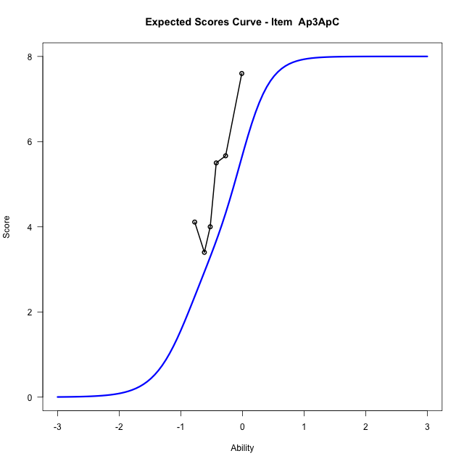
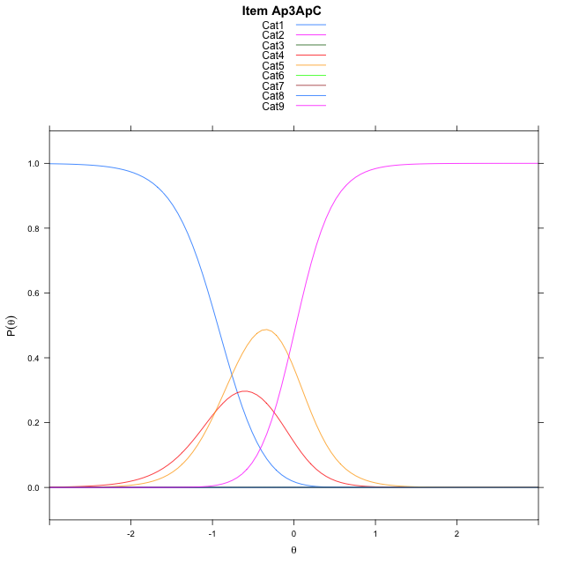
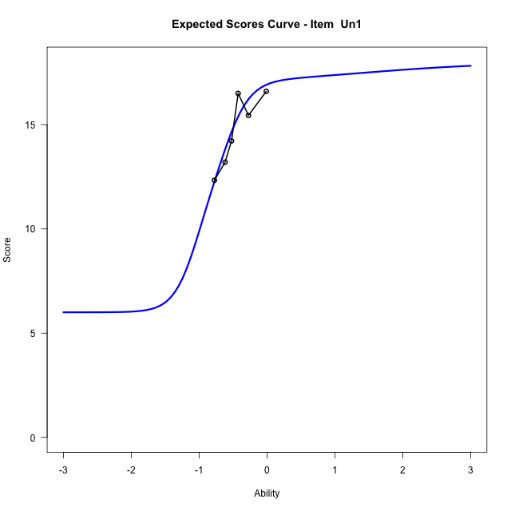
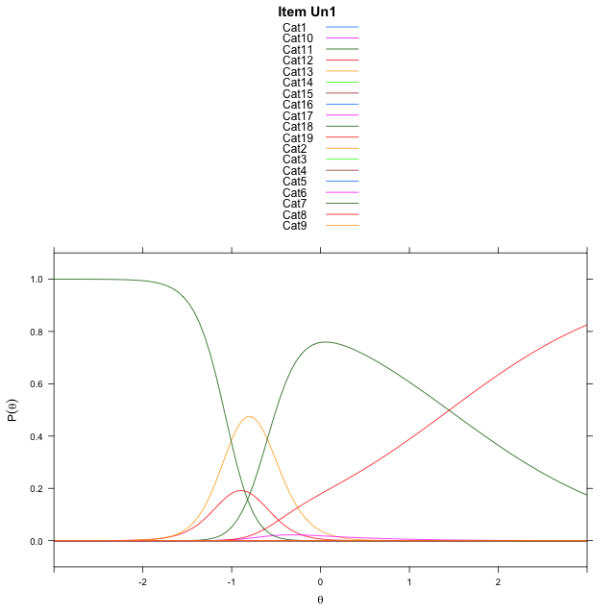
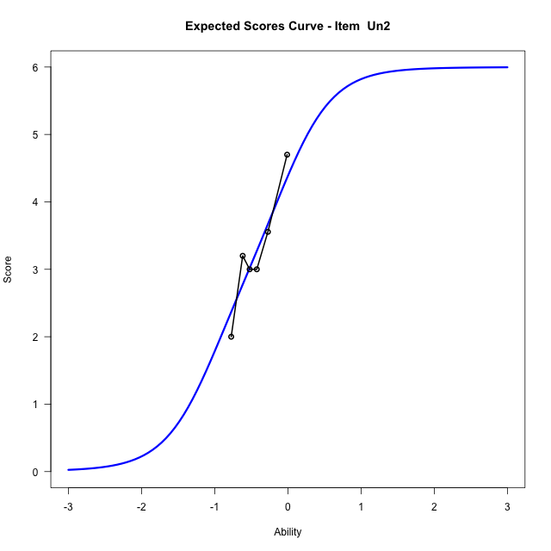
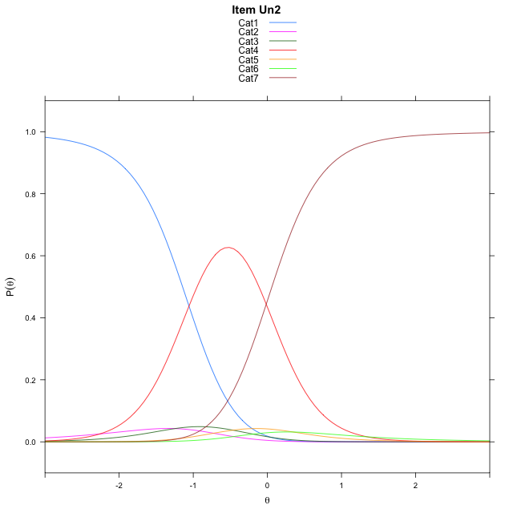
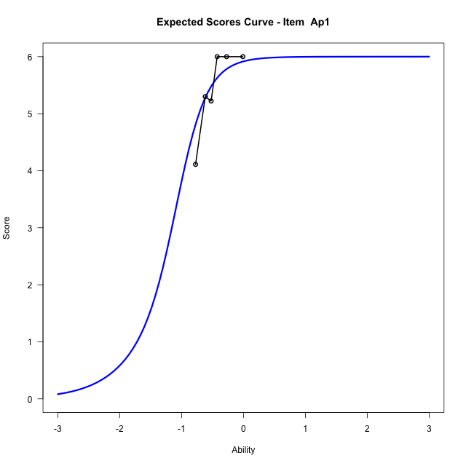
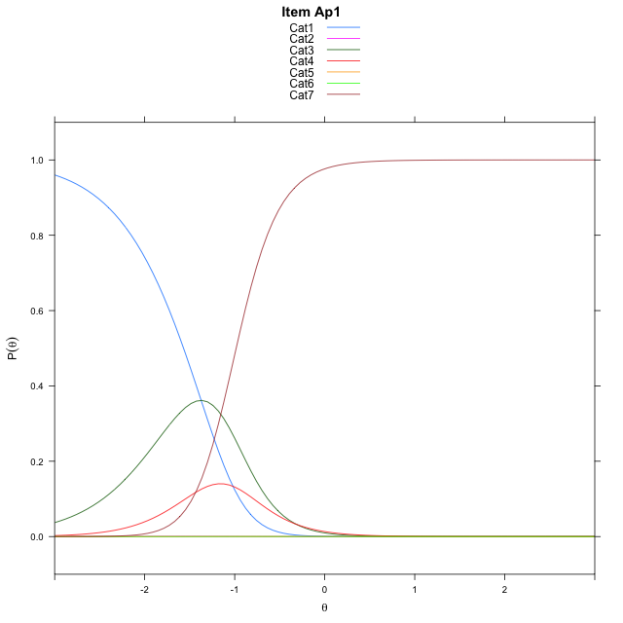
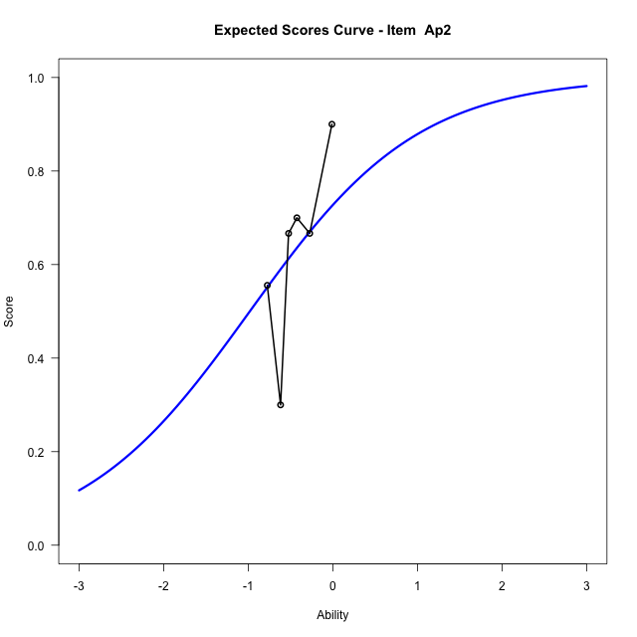
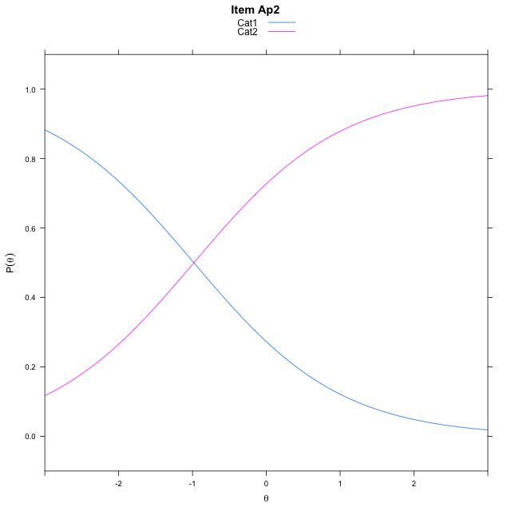
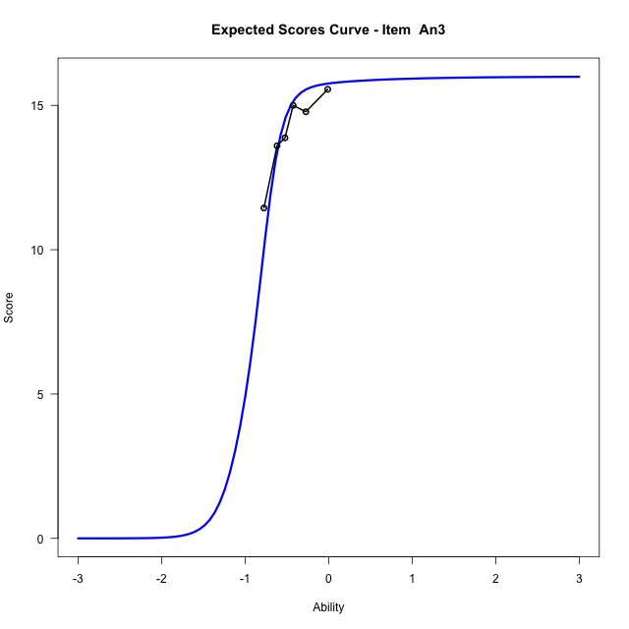
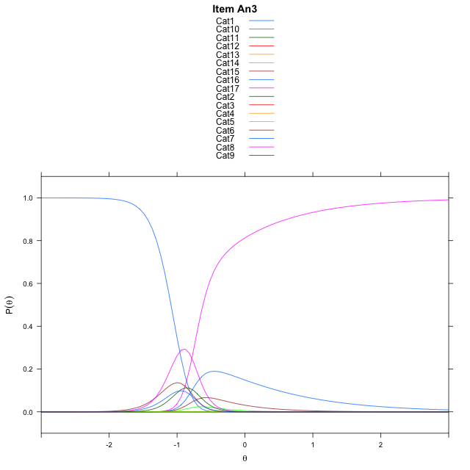
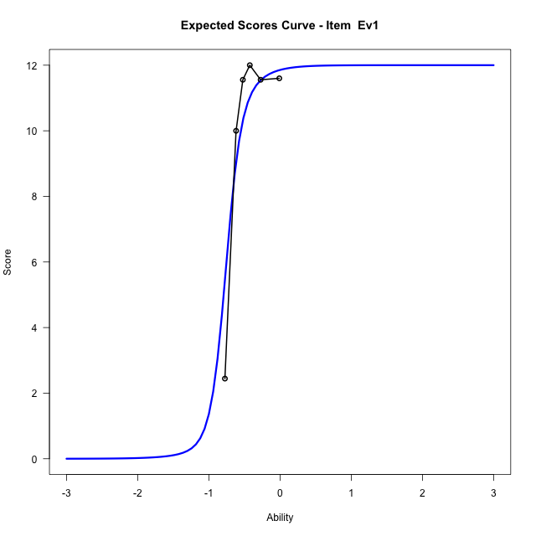
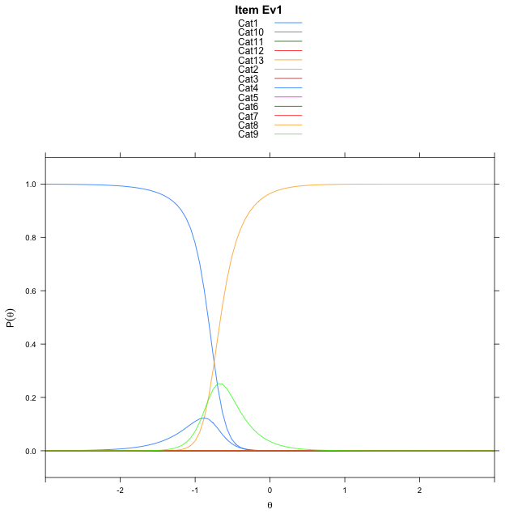
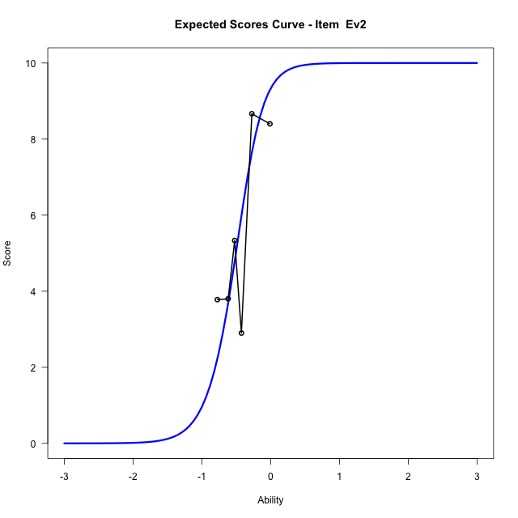
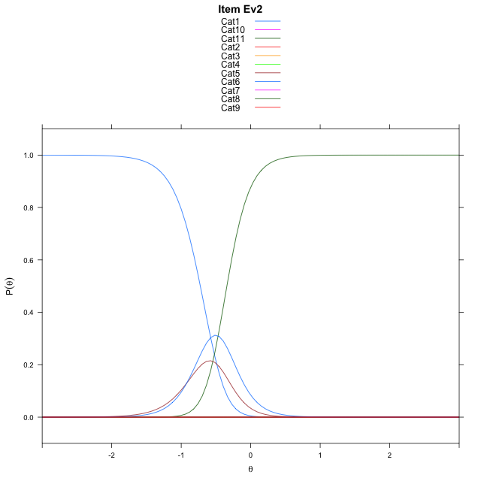
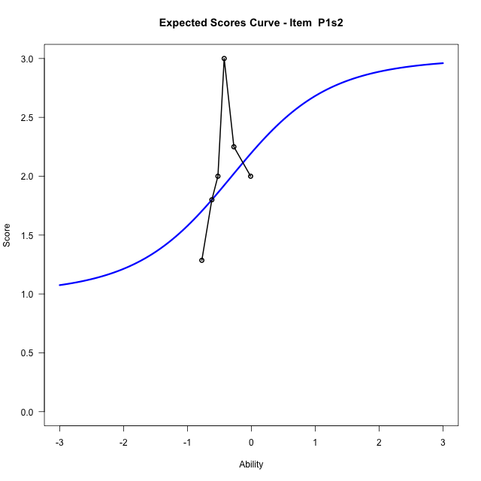
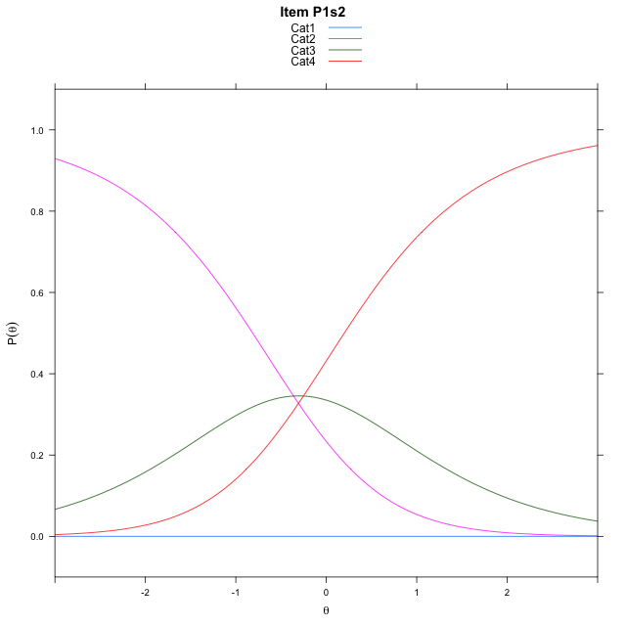
Estimate items information for the measurement model

Full Item Information
item | N | M | xsi.item | AXsi_.Cat1 | AXsi_.Cat2 | AXsi_.Cat3 | AXsi_.Cat4 | AXsi_.Cat5 | AXsi_.Cat6 | AXsi_.Cat7 | AXsi_.Cat8 | AXsi_.Cat9 | AXsi_.Cat10 | AXsi_.Cat11 | AXsi_.Cat12 | AXsi_.Cat13 | AXsi_.Cat14 | AXsi_.Cat15 | AXsi_.Cat16 | AXsi_.Cat17 | AXsi_.Cat18 | B.Cat1.Dim1 | B.Cat2.Dim1 | B.Cat3.Dim1 | B.Cat4.Dim1 | B.Cat5.Dim1 | B.Cat6.Dim1 | B.Cat7.Dim1 | B.Cat8.Dim1 | B.Cat9.Dim1 | B.Cat10.Dim1 | B.Cat11.Dim1 | B.Cat12.Dim1 | B.Cat13.Dim1 | B.Cat14.Dim1 | B.Cat15.Dim1 | B.Cat16.Dim1 | B.Cat17.Dim1 | B.Cat18.Dim1
Ap3ApC | 57 | 5.0701754386 | -0.41233879272 | 6.5512124272 | 6.423335948 | -2.0816030781 | -3.0461600225 | 4.3075202885 | 5.1657962654 | 4.1142908356 | -3.2987103417 |  |  |  |  |  |  |  |  |  |  | 1 | 2 | 3 | 4 | 5 | 6 | 7 | 8 | 0 | 0 | 0 | 0 | 0 | 0 | 0 | 0 | 0 | 0
Un1 | 57 | 14.754385965 | -55.744160203 | -154.33709245 | -309.4257767 | -466.66935364 | -635.10444228 | -808.71298177 | -995.8098712 | -989.06978084 | -988.20667628 | -988.94301126 | -991.07338585 | -1000.0935393 | -1001.8488416 | -994.82867424 | -994.05118179 | -995.67334978 | -1001.1350451 | -1004.8410384 | -1003.3948836 | 1 | 2 | 3 | 4 | 5 | 6 | 7 | 8 | 9 | 10 | 11 | 12 | 13 | 14 | 15 | 16 | 17 | 18
Un2 | 57 | 3.2631578947 | -0.53645118866 | 1.3469616067 | 0.099805737074 | -3.1723966922 | -0.82927320472 | -0.48050163419 | -3.218707132 |  |  |  |  |  |  |  |  |  |  |  |  | 1 | 2 | 3 | 4 | 5 | 6 | 0 | 0 | 0 | 0 | 0 | 0 | 0 | 0 | 0 | 0 | 0 | 0
Ap1 | 57 | 5.4561403509 | -1.227268009 | 5.1511448801 | -2.7463464283 | -3.061816768 | 2.3860032614 | 1.8797685748 | -7.3636080539 |  |  |  |  |  |  |  |  |  |  |  |  | 1 | 2 | 3 | 4 | 5 | 6 | 0 | 0 | 0 | 0 | 0 | 0 | 0 | 0 | 0 | 0 | 0 | 0
Ap2 | 57 | 0.63157894737 | -0.98137718132 | -0.98137718132 |  |  |  |  |  |  |  |  |  |  |  |  |  |  |  |  |  | 1 | 0 | 0 | 0 | 0 | 0 | 0 | 0 | 0 | 0 | 0 | 0 | 0 | 0 | 0 | 0 | 0 | 0
An3 | 55 | 14.054545455 | -0.86005251503 | 6.6647277201 | 7.4784619352 | 6.7568596898 | 4.2782493186 | -4.0679597356 | -4.7140045091 | -6.7252227836 | -6.6418093962 | -1.0446532467 | -0.32169772514 | -0.79366188557 | -2.7950171387 | -8.8647727634 | -10.490508798 | -12.060618523 | -13.760840241 |  |  | 1 | 2 | 3 | 4 | 5 | 6 | 7 | 8 | 9 | 10 | 11 | 12 | 13 | 14 | 15 | 16 | 0 | 0
Ev1 | 57 | 9.9298245614 | -0.74609418126 | 6.5562999373 | 5.9676420176 | -1.0457712886 | 4.7009873782 | 5.4414005003 | 4.9144477381 | 2.8503032829 | -5.6345535511 | 1.0833006384 | 2.0479170779 | 0.061311480626 | -8.9531301751 |  |  |  |  |  |  | 1 | 2 | 3 | 4 | 5 | 6 | 7 | 8 | 9 | 10 | 11 | 12 | 0 | 0 | 0 | 0 | 0 | 0
Ev2 | 57 | 5.4561403509 | -0.52241009436 | 7.0455516774 | 7.5323655982 | 5.8316262469 | -1.9593396371 | -2.878836852 | 4.5843257539 | 5.7747086433 | 5.3493805689 | 3.471018583 | -5.2241009436 |  |  |  |  |  |  |  |  | 1 | 2 | 3 | 4 | 5 | 6 | 7 | 8 | 9 | 10 | 0 | 0 | 0 | 0 | 0 | 0 | 0 | 0
P1s2 | 24 | 1.9166666667 | -89.838480296 | -268.90120039 | -269.26289257 | -269.51544089 |  |  |  |  |  |  |  |  |  |  |  |  |  |  |  | 1 | 2 | 3 | 0 | 0 | 0 | 0 | 0 | 0 | 0 | 0 | 0 | 0 | 0 | 0 | 0 | 0 | 0

Thurstonian Thresholds (category-wise)
 | Cat1 | Cat2 | Cat3 | Cat4 | Cat5 | Cat6 | Cat7 | Cat8 | Cat9 | Cat10 | Cat11 | Cat12 | Cat13 | Cat14 | Cat15 | Cat16 | Cat17 | Cat18
Ap3ApC | -0.93521118164 | -0.93502807617 | -0.9348449707 | -0.56771850586 | 0.023529052734 | 0.023712158203 | 0.023712158203 | 0.024078369141
Un1 | -11.999908447 | -11.999908447 | -11.999908447 | -11.999908447 | -11.999908447 | -11.999908447 | -1.0860900879 | -1.0859069824 | -1.0859069824 | -1.0859069824 | -1.0859069824 | -0.95663452148 | -0.56735229492 | -0.56735229492 | -0.56716918945 | -0.56716918945 | -0.55361938477 | 1.4519348145
Un2 | -1.144317627 | -1.0882873535 | -1.0231018066 | -0.035430908203 | 0.020599365234 | 0.061248779297
Ap1 | -1.5680236816 | -1.5672912598 | -1.1181335449 | -0.9841003418 | -0.98391723633 | -0.98373413086
Ap2 | -0.98135375977
An3 | -1.0893859863 | -1.0893859863 | -1.0893859863 | -1.0893859863 | -1.0892028809 | -1.0110168457 | -0.9518737793 | -0.79183959961 | -0.74551391602 | -0.74551391602 | -0.74551391602 | -0.74551391602 | -0.74533081055 | -0.73599243164 | -0.71035766602 | -0.61935424805
Ev1 | -0.82626342773 | -0.82626342773 | -0.82608032227 | -0.77481079102 | -0.77481079102 | -0.77481079102 | -0.77462768555 | -0.77462768555 | -0.6594543457 | -0.6594543457 | -0.65927124023 | -0.65927124023
Ev2 | -0.72482299805 | -0.72463989258 | -0.72463989258 | -0.72445678711 | -0.56149291992 | -0.3430480957 | -0.3430480957 | -0.3430480957 | -0.3430480957 | -0.34286499023
P1s2 | -11.999908447 | -0.81326293945 | 0.1989440918

Thurstonian Thresholds (item-wise)
 | Threshold
Ap3ApC | -0.37731186653
Un1 | -1.19686432
Un2 | -0.53096647241
Ap1 | -1.1499987727
Ap2 | -0.98025773266
An3 | -0.89336556277
Ev1 | -0.82378291258
Ev2 | -0.47688481267
P1s2 | -1.1634479391

Item Infit/Outfit Statistic
parameter | Outfit | Outfit_t | Outfit_p | Outfit_pholm | Infit | Infit_t | Infit_p | Infit_pholm
Ap3ApC_Cat1 | 0.44188278482 | -1.044310887 | 0.29634157751 | 1 | 0.59950652174 | -2.1544382549 | 0.031205819257 | 1
Ap3ApC_Cat2 | 0.44181457229 | -1.0456453217 | 0.29572481622 | 1 | 0.59938224228 | -2.1570431687 | 0.031002301045 | 1
Ap3ApC_Cat3 | 0.4417769712 | -1.0470668155 | 0.2950687631 | 1 | 0.59928988489 | -2.1587679448 | 0.030868174533 | 1
Ap3ApC_Cat4 | 0.81786875364 | -1.300153572 | 0.19354833959 | 1 | 0.90282125096 | -1.110870948 | 0.26662390218 | 1
Ap3ApC_Cat5 | 4.9065197069 | 3.1127795031 | 0.0018533442785 | 0.10008059104 | 2.2206871133 | 4.5430057851 | 5.545772895E-06 | 0.00038820410265
Ap3ApC_Cat6 | 4.9405378629 | 3.1096202248 | 0.0018732803129 | 0.10008059104 | 2.223410286 | 4.5513134679 | 5.3312050077E-06 | 0.00038011076514
Ap3ApC_Cat7 | 4.9460674215 | 3.1096562045 | 0.0018730521647 | 0.10008059104 | 2.224115538 | 4.5533705524 | 5.2793161825E-06 | 0.00038011076514
Ap3ApC_Cat8 | 4.9526621288 | 3.110427089 | 0.0018681701022 | 0.10008059104 | 2.225426835 | 4.5569528963 | 5.1901057569E-06 | 0.00037887772025
Un1_Cat1 | 8.4162369366E-23 |  |  |  | 1.1102230246E-16
Un1_Cat2 | 8.4162369366E-23 |  |  |  | 1.1102230246E-16
Un1_Cat3 | 8.4162369366E-23 |  |  |  | 1.1102230246E-16
Un1_Cat4 | 8.4162369366E-23 |  |  |  | 1.1102230246E-16
Un1_Cat5 | 8.4162369366E-23 |  |  |  | 1.1102230246E-16
Un1_Cat6 | 8.4162369366E-23 |  |  |  | 1.1102230246E-16
Un1_Cat7 | 2.9316930708 | 3.6200979827 | 0.00029449147644 | 0.018258471539 | 1.48638032 | 0.81152753327 | 0.41706278789 | 1
Un1_Cat8 | 2.9288214915 | 3.6173147059 | 0.00029767528767 | 0.018258471539 | 1.4858076713 | 0.8109934121 | 0.41736945401 | 1
Un1_Cat9 | 2.9277202092 | 3.6157071711 | 0.00029952881657 | 0.018258471539 | 1.4856493166 | 0.8108440339 | 0.4174552434 | 1
Un1_Cat10 | 2.9255524064 | 3.610679433 | 0.00030539593669 | 0.018258471539 | 1.4854510916 | 0.8106561363 | 0.41756316963 | 1
Un1_Cat11 | 2.9080754388 | 3.5465329143 | 0.00039033597888 | 0.022639486775 | 1.4844892582 | 0.8097416752 | 0.4180886603 | 1
Un1_Cat12 | 0.83933895499 | 0.12091316312 | 0.90375981601 | 1 | 1.1527192175 | 0.58340521354 | 0.55962054898 | 1
Un1_Cat13 | 2.062245407 | 2.3480610264 | 0.018871429078 | 0.88695716668 | 1.2738408521 | 3.1452276059 | 0.0016595766067 | 0.11285120926
Un1_Cat14 | 2.0613064824 | 2.3463096154 | 0.018960349942 | 0.88695716668 | 1.2739517694 | 3.1441934485 | 0.0016654530347 | 0.11285120926
Un1_Cat15 | 2.0608496344 | 2.3457757955 | 0.018987525254 | 0.88695716668 | 1.2739617222 | 3.1436058563 | 0.0016688004534 | 0.11285120926
Un1_Cat16 | 2.0584688175 | 2.3435540615 | 0.019100993841 | 0.88695716668 | 1.2739004281 | 3.1403851036 | 0.0016872587706 | 0.11285120926
Un1_Cat17 | 1.910173204 | 2.42848262 | 0.015162151804 | 0.72778328661 | 1.3283039918 | 3.2758525343 | 0.001053435496 | 0.072687049225
Un1_Cat18 | 1.0939049279 | 0.3765157502 | 0.70653350854 | 1 | 1.0261790939 | 0.18782937776 | 0.8510104055 | 1
Un2_Cat1 | 1.1357398234 | 0.29448753539 | 0.76838538669 | 1 | 0.95202315341 | -0.083152891982 | 0.93372996971 | 1
Un2_Cat2 | 1.5535396363 | 1.026709342 | 0.30455734904 | 1 | 0.99374312771 | 0.051717832724 | 0.9587535278 | 1
Un2_Cat3 | 1.2199010476 | 0.61314792208 | 0.53977853582 | 1 | 0.99503161741 | 0.037499583857 | 0.97008667195 | 1
Un2_Cat4 | 1.1195151966 | 0.55233390162 | 0.58071960758 | 1 | 1.1097968624 | 0.6726966962 | 0.50114026987 | 1
Un2_Cat5 | 1.1122681672 | 0.45533809923 | 0.64886602072 | 1 | 1.0906918756 | 0.52565244184 | 0.59912971291 | 1
Un2_Cat6 | 1.1832907497 | 0.63465909056 | 0.52565078023 | 1 | 1.1281607241 | 0.69226829015 | 0.48876885981 | 1
Ap1_Cat1 | 0.83443577749 | 0.97213186816 | 0.3309849499 | 1 | 1.0874453937 | 0.37965968367 | 0.70419805093 | 1
Ap1_Cat2 | 0.83185803296 | 0.9678457047 | 0.33312143396 | 1 | 1.084516522 | 0.37634573072 | 0.70665988581 | 1
Ap1_Cat3 | 0.68210380979 | -0.22493511971 | 0.82202974771 | 1 | 0.90414657281 | -0.1513959401 | 0.87966339188 | 1
Ap1_Cat4 | 0.71492282472 | -0.47701774807 | 0.63334948353 | 1 | 0.93635569212 | -0.16246784234 | 0.8709374499 | 1
Ap1_Cat5 | 0.71441880512 | -0.47929664761 | 0.63172760673 | 1 | 0.93560890792 | -0.16564400461 | 0.86843711496 | 1
Ap1_Cat6 | 0.71396350479 | -0.4821097336 | 0.62972799563 | 1 | 0.93483324137 | -0.16892127842 | 0.86585856195 | 1
Ap2_Cat1 | 0.96116155134 | -0.43575413104 | 0.66301512684 | 1 | 0.96748987581 | -0.396949556 | 0.69140465946 | 1
An3_Cat1 | 0.25969026413 | 77.456927026 | 0 | 0 | 0.57817333804 | -0.47514387035 | 0.63468443107 | 1
An3_Cat2 | 0.25951862037 | 77.379874719 | 0 | 0 | 0.57768303741 | -0.47569005793 | 0.63429520495 | 1
An3_Cat3 | 0.25947741973 | 77.323118573 | 0 | 0 | 0.57758316563 | -0.47580286532 | 0.63421482834 | 1
An3_Cat4 | 0.2594312254 | 77.125445476 | 0 | 0 | 0.57748235072 | -0.4759178807 | 0.63413288296 | 1
An3_Cat5 | 0.25913049397 | 73.382777281 | 0 | 0 | 0.57686612385 | -0.47662618354 | 0.63362833503 | 1
An3_Cat6 | 0.64357347583 | 4.7070859685 | 2.5128295577E-06 | 0.00015830826214 | 0.88745708086 | 0.066823975794 | 0.94672183614 | 1
An3_Cat7 | 0.68712359849 | 2.566335092 | 0.010277948396 | 0.51389741981 | 0.96385004292 | 0.11775077669 | 0.90626513262 | 1
An3_Cat8 | 7.8707263708 | 1.5943507471 | 0.11085749739 | 1 | 1.04314692 | 0.22917913808 | 0.8187296865 | 1
An3_Cat9 | 5.356964397 | 1.3934847432 | 0.16347325547 | 1 | 1.0501592007 | 0.27604145406 | 0.78251622695 | 1
An3_Cat10 | 5.3511796673 | 1.3928896498 | 0.16365316277 | 1 | 1.0497860052 | 0.27454622622 | 0.78366488438 | 1
An3_Cat11 | 5.347910057 | 1.3924207644 | 0.16379502022 | 1 | 1.0496842747 | 0.27413790551 | 0.78397864482 | 1
An3_Cat12 | 5.3424709853 | 1.3913618658 | 0.16411572232 | 1 | 1.0495919463 | 0.27376669558 | 0.78426391921 | 1
An3_Cat13 | 5.3022672402 | 1.3806423441 | 0.16738895693 | 1 | 1.0491985169 | 0.27218033024 | 0.7854833653 | 1
An3_Cat14 | 4.407575113 | 2.3437880731 | 0.019089014514 | 0.88695716668 | 1.1044349642 | 0.54421099253 | 0.58629628826 | 1
An3_Cat15 | 1.6960084913 | 1.1471029422 | 0.25133907802 | 1 | 1.0620103525 | 0.42792509707 | 0.66870565446 | 1
An3_Cat16 | 1.6625992191 | 0.87678950095 | 0.38060098278 | 1 | 1.0512298337 | 0.61856413675 | 0.53620353382 | 1
Ev1_Cat1 | 0.67516001196 | 3.2936544978 | 0.00098893975938 | 0.056369566285 | 0.96754907114 | 0.045889751604 | 0.96339812261 | 1
Ev1_Cat2 | 0.67469046848 | 3.290388561 | 0.001000491222 | 0.056369566285 | 0.96695853918 | 0.044324869346 | 0.96464544828 | 1
Ev1_Cat3 | 0.67423073218 | 3.2821192926 | 0.0010303000759 | 0.056666504176 | 0.96634876006 | 0.042700295334 | 0.96594044414 | 1
Ev1_Cat4 | 0.68459212803 | 1.2459691117 | 0.21277573531 | 1 | 0.99745458146 | 0.087906749265 | 0.92995079224 | 1
Ev1_Cat5 | 0.68427782811 | 1.2436784604 | 0.21361792653 | 1 | 0.99700784135 | 0.08639828687 | 0.93114980872 | 1
Ev1_Cat6 | 0.68419585536 | 1.2422925573 | 0.21412864041 | 1 | 0.99688880459 | 0.085996224702 | 0.93146941836 | 1
Ev1_Cat7 | 0.68411988182 | 1.2390068127 | 0.2153429751 | 1 | 0.9967760953 | 0.085615648805 | 0.93177195819 | 1
Ev1_Cat8 | 0.68379283433 | 1.2036992468 | 0.22870584349 | 1 | 0.9962766057 | 0.083929319608 | 0.93311262812 | 1
Ev1_Cat9 | 1.5302751673 | 1.1346562104 | 0.25651939151 | 1 | 1.0868612231 | 0.89705758809 | 0.36968818842 | 1
Ev1_Cat10 | 1.5291654227 | 1.1330302776 | 0.25720153866 | 1 | 1.0866722661 | 0.89570573872 | 0.37040994463 | 1
Ev1_Cat11 | 1.5287544505 | 1.1324900181 | 0.2574284786 | 1 | 1.0866182781 | 0.89525335101 | 0.370651671 | 1
Ev1_Cat12 | 1.5258142744 | 1.1288142958 | 0.2589761807 | 1 | 1.0862968557 | 0.89220913462 | 0.37228084694 | 1
Ev2_Cat1 | 2.9858416229 | 1.2463830179 | 0.21262381277 | 1 | 1.1432464351 | 1.1713920553 | 0.24144122423 | 1
Ev2_Cat2 | 2.984214624 | 1.2461623392 | 0.21270480223 | 1 | 1.1430266107 | 1.1707242852 | 0.24170962037 | 1
Ev2_Cat3 | 2.9830846116 | 1.2459030147 | 0.21280000317 | 1 | 1.1429395902 | 1.1703915264 | 0.2418434441 | 1
Ev2_Cat4 | 2.9767623746 | 1.244020659 | 0.21349195967 | 1 | 1.1426467573 | 1.1691081474 | 0.24236006174 | 1
Ev2_Cat5 | 2.1810308532 | 2.4416662126 | 0.014619656735 | 0.71636318004 | 1.2567049049 | 2.9427383682 | 0.0032532322764 | 0.20820686569
Ev2_Cat6 | 16.510195794 | 7.3591677969 | 1.8506028983E-13 | 1.2028127149E-11 | 1.6600030557 | 2.1099604453 | 0.034861763051 | 1
Ev2_Cat7 | 16.610399258 | 7.3636531897 | 1.789442292E-13 | 1.2028127149E-11 | 1.6604746257 | 2.1106257233 | 0.034804494869 | 1
Ev2_Cat8 | 16.619623032 | 7.3640692797 | 1.7838703954E-13 | 1.2028127149E-11 | 1.6605268466 | 2.1106880249 | 0.034799135961 | 1
Ev2_Cat9 | 16.62382014 | 7.3642961757 | 1.7808391984E-13 | 1.2028127149E-11 | 1.6605303449 | 2.1106663298 | 0.034801001996 | 1
Ev2_Cat10 | 16.631632382 | 7.3651979302 | 1.7688422278E-13 | 1.2028127149E-11 | 1.660279104 | 2.1101049209 | 0.034849319535 | 1
P1s2_Cat1 | 1.5037694396E-22 |  |  |  | -2.2204460493E-16
P1s2_Cat2 | 0.97695891884 | -0.10772715829 | 0.91421212568 | 1 | 0.9754650724 | -0.15580160961 | 0.87618940184 | 1
P1s2_Cat3 | 1.0017159793 | 0.073396000138 | 0.94149100044 | 1 | 1.0147088993 | 0.12694285746 | 0.89898562566 | 1

Box plot of expected curves

stacking-pos-Estimate-Items
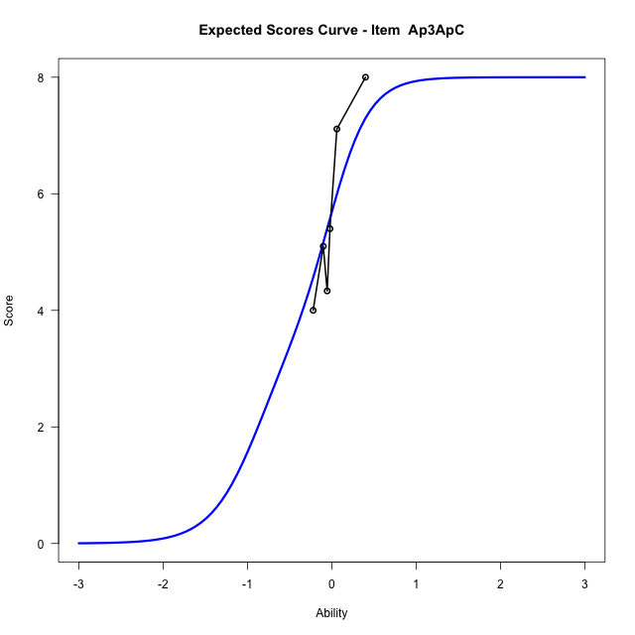






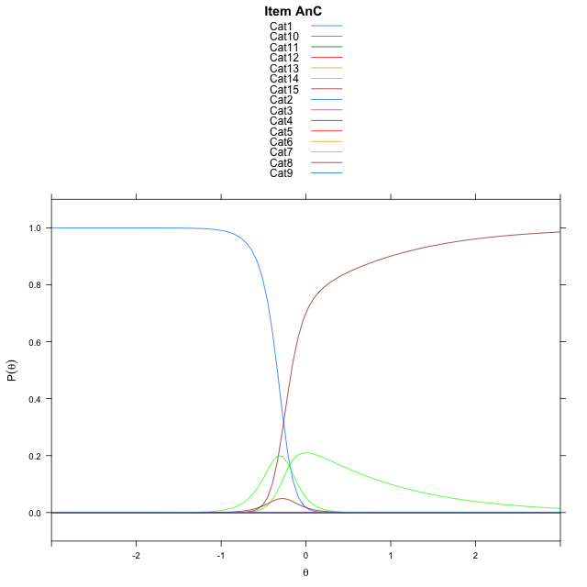



Estimate items information for the measurement model

Full Item Information
item | N | M | xsi.item | AXsi_.Cat1 | AXsi_.Cat2 | AXsi_.Cat3 | AXsi_.Cat4 | AXsi_.Cat5 | AXsi_.Cat6 | AXsi_.Cat7 | AXsi_.Cat8 | AXsi_.Cat9 | AXsi_.Cat10 | AXsi_.Cat11 | AXsi_.Cat12 | AXsi_.Cat13 | AXsi_.Cat14 | AXsi_.Cat15 | AXsi_.Cat16 | AXsi_.Cat17 | AXsi_.Cat18 | AXsi_.Cat19 | AXsi_.Cat20 | AXsi_.Cat21 | AXsi_.Cat22 | AXsi_.Cat23 | AXsi_.Cat24 | AXsi_.Cat25 | AXsi_.Cat26 | AXsi_.Cat27 | AXsi_.Cat28 | AXsi_.Cat29 | AXsi_.Cat30 | AXsi_.Cat31 | AXsi_.Cat32 | AXsi_.Cat33 | AXsi_.Cat34 | AXsi_.Cat35 | AXsi_.Cat36 | AXsi_.Cat37 | AXsi_.Cat38 | AXsi_.Cat39 | AXsi_.Cat40 | B.Cat1.Dim1 | B.Cat2.Dim1 | B.Cat3.Dim1 | B.Cat4.Dim1 | B.Cat5.Dim1 | B.Cat6.Dim1 | B.Cat7.Dim1 | B.Cat8.Dim1 | B.Cat9.Dim1 | B.Cat10.Dim1 | B.Cat11.Dim1 | B.Cat12.Dim1 | B.Cat13.Dim1 | B.Cat14.Dim1 | B.Cat15.Dim1 | B.Cat16.Dim1 | B.Cat17.Dim1 | B.Cat18.Dim1 | B.Cat19.Dim1 | B.Cat20.Dim1 | B.Cat21.Dim1 | B.Cat22.Dim1 | B.Cat23.Dim1 | B.Cat24.Dim1 | B.Cat25.Dim1 | B.Cat26.Dim1 | B.Cat27.Dim1 | B.Cat28.Dim1 | B.Cat29.Dim1 | B.Cat30.Dim1 | B.Cat31.Dim1 | B.Cat32.Dim1 | B.Cat33.Dim1 | B.Cat34.Dim1 | B.Cat35.Dim1 | B.Cat36.Dim1 | B.Cat37.Dim1 | B.Cat38.Dim1 | B.Cat39.Dim1 | B.Cat40.Dim1
Ap3ApC | 57 | 5.6842105263 | -0.41187042142 | 6.5506512779 | 6.4231130094 | -2.0799992635 | -3.0444004005 | 4.3087762963 | 5.1672244723 | 4.1162247892 | -3.2949633713 |  |  |  |  |  |  |  |  |  |  |  |  |  |  |  |  |  |  |  |  |  |  |  |  |  |  |  |  |  |  |  |  | 1 | 2 | 3 | 4 | 5 | 6 | 7 | 8 | 0 | 0 | 0 | 0 | 0 | 0 | 0 | 0 | 0 | 0 | 0 | 0 | 0 | 0 | 0 | 0 | 0 | 0 | 0 | 0 | 0 | 0 | 0 | 0 | 0 | 0 | 0 | 0 | 0 | 0 | 0 | 0
ReB | 57 | 37.01754386 | -10.169960558 | -15.569446779 | -31.180339388 | -46.804132013 | -62.404697186 | -78.005565586 | -93.600736119 | -109.23642649 | -124.85125474 | -140.45605176 | -156.7641054 | -172.72491216 | -188.76452556 | -204.71917457 | -221.72502783 | -237.50572285 | -254.49557095 | -270.01399503 | -284.85466485 | -302.42087822 | -324.15852052 | -355.86558756 | -403.52361302 | -403.50579596 | -402.75894657 | -397.80202521 | -396.27632614 | -395.69814781 | -395.46742366 | -396.14112834 | -398.20858842 | -403.99194989 | -404.87542349 | -399.39365121 | -397.54207319 | -396.95171871 | -396.48906497 | -397.07667847 | -399.37327177 | -402.92500407 | -406.79842233 | 1 | 2 | 3 | 4 | 5 | 6 | 7 | 8 | 9 | 10 | 11 | 12 | 13 | 14 | 15 | 16 | 17 | 18 | 19 | 20 | 21 | 22 | 23 | 24 | 25 | 26 | 27 | 28 | 29 | 30 | 31 | 32 | 33 | 34 | 35 | 36 | 37 | 38 | 39 | 40
UnB | 57 | 3.3157894737 | -0.41454188978 | 6.8423818185 | 7.0203838923 | 0.13461399249 | -1.6581675591 |  |  |  |  |  |  |  |  |  |  |  |  |  |  |  |  |  |  |  |  |  |  |  |  |  |  |  |  |  |  |  |  |  |  |  |  | 1 | 2 | 3 | 4 | 0 | 0 | 0 | 0 | 0 | 0 | 0 | 0 | 0 | 0 | 0 | 0 | 0 | 0 | 0 | 0 | 0 | 0 | 0 | 0 | 0 | 0 | 0 | 0 | 0 | 0 | 0 | 0 | 0 | 0 | 0 | 0 | 0 | 0 | 0 | 0
ApB | 57 | 11.263157895 | -32.570196043 | -47.933209323 | -95.303903957 | -141.74966094 | -191.43072736 | -246.43008219 | -311.01805009 | -387.20476635 | -388.59106071 | -388.30337864 | -387.20476635 | -389.50735145 | -390.84235251 |  |  |  |  |  |  |  |  |  |  |  |  |  |  |  |  |  |  |  |  |  |  |  |  |  |  |  |  | 1 | 2 | 3 | 4 | 5 | 6 | 7 | 8 | 9 | 10 | 11 | 12 | 0 | 0 | 0 | 0 | 0 | 0 | 0 | 0 | 0 | 0 | 0 | 0 | 0 | 0 | 0 | 0 | 0 | 0 | 0 | 0 | 0 | 0 | 0 | 0 | 0 | 0 | 0 | 0
AnC | 57 | 13 | -0.26333307987 | 6.5408684069 | 8.3824264567 | 8.8151831193 | 8.3735959417 | 6.5816121124 | -1.0974212527 | 0.0077368526268 | 5.3324460929 | 6.6881547304 | 6.9535383799 | 6.8800252725 | 5.1845886679 | -2.4821835884 | -3.6866631182 |  |  |  |  |  |  |  |  |  |  |  |  |  |  |  |  |  |  |  |  |  |  |  |  |  |  | 1 | 2 | 3 | 4 | 5 | 6 | 7 | 8 | 9 | 10 | 11 | 12 | 13 | 14 | 0 | 0 | 0 | 0 | 0 | 0 | 0 | 0 | 0 | 0 | 0 | 0 | 0 | 0 | 0 | 0 | 0 | 0 | 0 | 0 | 0 | 0 | 0 | 0 | 0 | 0
EvA | 57 | 5.6140350877 | -0.65855027702 | 5.8214200633 | -1.3854931121 | 5.4040673796 | 6.3343159445 | 5.1816307476 | -3.9513016621 |  |  |  |  |  |  |  |  |  |  |  |  |  |  |  |  |  |  |  |  |  |  |  |  |  |  |  |  |  |  |  |  |  |  | 1 | 2 | 3 | 4 | 5 | 6 | 0 | 0 | 0 | 0 | 0 | 0 | 0 | 0 | 0 | 0 | 0 | 0 | 0 | 0 | 0 | 0 | 0 | 0 | 0 | 0 | 0 | 0 | 0 | 0 | 0 | 0 | 0 | 0 | 0 | 0 | 0 | 0 | 0 | 0
PAs3 | 34 | 2.3529411765 | -16.015460051 | -64.380293934 | -64.061840203 | -63.928308811 | -64.061840203 |  |  |  |  |  |  |  |  |  |  |  |  |  |  |  |  |  |  |  |  |  |  |  |  |  |  |  |  |  |  |  |  |  |  |  |  | 1 | 2 | 3 | 4 | 0 | 0 | 0 | 0 | 0 | 0 | 0 | 0 | 0 | 0 | 0 | 0 | 0 | 0 | 0 | 0 | 0 | 0 | 0 | 0 | 0 | 0 | 0 | 0 | 0 | 0 | 0 | 0 | 0 | 0 | 0 | 0 | 0 | 0 | 0 | 0

Thurstonian Thresholds (category-wise)
 | Cat1 | Cat2 | Cat3 | Cat4 | Cat5 | Cat6 | Cat7 | Cat8 | Cat9 | Cat10 | Cat11 | Cat12 | Cat13 | Cat14 | Cat15 | Cat16 | Cat17 | Cat18 | Cat19 | Cat20 | Cat21 | Cat22 | Cat23 | Cat24 | Cat25 | Cat26 | Cat27 | Cat28 | Cat29 | Cat30 | Cat31 | Cat32 | Cat33 | Cat34 | Cat35 | Cat36 | Cat37 | Cat38 | Cat39 | Cat40
Ap3ApC | -0.93521118164 | -0.93502807617 | -0.9348449707 | -0.56771850586 | 0.023529052734 | 0.023712158203 | 0.023712158203 | 0.024078369141
ReB | -11.999908447 | -11.999908447 | -11.999908447 | -11.999908447 | -11.999908447 | -11.999908447 | -11.999908447 | -11.999908447 | -11.999908447 | -11.999908447 | -11.999908447 | -11.999908447 | -11.999908447 | -11.999908447 | -11.999908447 | -11.999908447 | -11.999908447 | -11.999908447 | -11.999908447 | -11.999908447 | -11.999908447 | -11.999908447 | -0.35733032227 | -0.15664672852 | -0.13082885742 | -0.13082885742 | -0.13064575195 | -0.13064575195 | -0.13064575195 | -0.13064575195 | -0.13064575195 | -0.10903930664 | -0.062347412109 | -0.062164306641 | -0.062164306641 | -0.062164306641 | -0.062164306641 | -0.062164306641 | -0.061981201172 | -0.058502197266
UnB | -0.47451782227 | -0.47415161133 | -0.47396850586 | -0.34762573242
ApB | -11.999908447 | -11.999908447 | -11.999908447 | -11.999908447 | -11.999908447 | -11.999908447 | -11.999908447 | -1.5736999512 | -0.65872192383 | -0.5100402832 | -0.48294067383 | -0.27767944336
AnC | -0.33755493164 | -0.33737182617 | -0.3371887207 | -0.3371887207 | -0.3371887207 | -0.3371887207 | -0.25973510742 | -0.24142456055 | -0.24142456055 | -0.24142456055 | -0.24142456055 | -0.24142456055 | -0.24124145508 | -0.1701965332
EvA | -0.86563110352 | -0.86489868164 | -0.51022338867 | -0.5100402832 | -0.5100402832 | -0.5100402832
PAs3 | -11.999908447 | -0.39559936523 | 0.11196899414 | 0.60488891602

Thurstonian Thresholds (item-wise)
 | Threshold
Ap3ApC | -0.37685139594
ReB
UnB | -0.42144896734
ApB
AnC | -0.29282575194
EvA | -0.60399777895
PAs3 | -0.30921515112

Item Infit/Outfit Statistic
parameter | Outfit | Outfit_t | Outfit_p | Outfit_pholm | Infit | Infit_t | Infit_p | Infit_pholm
Ap3ApC_Cat1 | 1.0000494325 | 0.32455587412 | 0.74551722802 | 1 | 1.0000494383 | 0.32455588008 | 0.74551722351 | 1
Ap3ApC_Cat2 | 0.9986927601 | 0.32292422584 | 0.74675262883 | 1 | 0.99869276588 | 0.3229242318 | 0.74675262432 | 1
Ap3ApC_Cat3 | 0.99715553568 | 0.32107121504 | 0.74815642347 | 1 | 0.99715554144 | 0.32107122099 | 0.74815641896 | 1
Ap3ApC_Cat4 | 0.99955327988 | 0.081006480722 | 0.93543679857 | 1 | 0.99955328063 | 0.081006483748 | 0.93543679617 | 1
Ap3ApC_Cat5 | 0.99998771262 | 0.0037615525229 | 0.9969987224 | 1 | 0.99998771303 | 0.0037615813157 | 0.99699869942 | 1
Ap3ApC_Cat6 | 1.0000359854 | 0.0072448279981 | 0.99421951416 | 1 | 1.0000359858 | 0.0072448565445 | 0.99421949139 | 1
Ap3ApC_Cat7 | 1.0000566046 | 0.008714581745 | 0.99304685778 | 1 | 1.000056605 | 0.0087146101888 | 0.99304683509 | 1
Ap3ApC_Cat8 | 1.0001168008 | 0.012946177554 | 0.98967073335 | 1 | 1.0001168012 | 0.012946205706 | 0.98967071089 | 1
ReB_Cat1 | 1.232593796E-22 |  |  |  | 1.1102230246E-16
ReB_Cat2 | 1.232593796E-22 |  |  |  | 1.1102230246E-16
ReB_Cat3 | 1.232593796E-22 |  |  |  | 1.1102230246E-16
ReB_Cat4 | 1.232593796E-22 |  |  |  | 1.1102230246E-16
ReB_Cat5 | 1.232593796E-22 |  |  |  | 1.1102230246E-16
ReB_Cat6 | 1.232593796E-22 |  |  |  | 1.1102230246E-16
ReB_Cat7 | 1.232593796E-22 |  |  |  | 1.1102230246E-16
ReB_Cat8 | 1.232593796E-22 |  |  |  | 1.1102230246E-16
ReB_Cat9 | 1.232593796E-22 |  |  |  | 1.1102230246E-16
ReB_Cat10 | 1.232593796E-22 |  |  |  | 1.1102230246E-16
ReB_Cat11 | 1.232593796E-22 |  |  |  | 1.1102230246E-16
ReB_Cat12 | 1.232593796E-22 |  |  |  | 1.1102230246E-16
ReB_Cat13 | 1.232593796E-22 |  |  |  | 1.1102230246E-16
ReB_Cat14 | 1.232593796E-22 |  |  |  | 1.1102230246E-16
ReB_Cat15 | 1.232593796E-22 |  |  |  | 1.1102230246E-16
ReB_Cat16 | 1.232593796E-22 |  |  |  | 1.1102230246E-16
ReB_Cat17 | 1.232593796E-22 |  |  |  | 1.1102230246E-16
ReB_Cat18 | 1.232593796E-22 |  |  |  | 1.1102230246E-16
ReB_Cat19 | 1.232593796E-22 |  |  |  | 1.1102230246E-16
ReB_Cat20 | 1.232593796E-22 |  |  |  | 1.1102230246E-16
ReB_Cat21 | 1.232593796E-22 |  |  |  | 1.1102230246E-16
ReB_Cat22 | 1.232593796E-22 |  |  |  | 1.1102230246E-16
ReB_Cat23 | 1.2934526007 | 0.60514574939 | 0.54508215858 | 1 | 1.2934526057 | 0.60514575476 | 0.54508215502 | 1
ReB_Cat24 | 1.2876155875 | 0.67798755032 | 0.49777958692 | 1 | 1.28761559 | 0.6779875544 | 0.49777958433 | 1
ReB_Cat25 | 1.2897904328 | 0.73123812037 | 0.46463371966 | 1 | 1.2897904349 | 0.73123812417 | 0.46463371734 | 1
ReB_Cat26 | 1.2880882331 | 0.72846786235 | 0.46632723469 | 1 | 1.2880882352 | 0.72846786614 | 0.46632723237 | 1
ReB_Cat27 | 1.2877268545 | 0.7278788481 | 0.4666877523 | 1 | 1.2877268566 | 0.72787885189 | 0.46668774998 | 1
ReB_Cat28 | 1.287527977 | 0.72755456332 | 0.46688630308 | 1 | 1.2875279791 | 0.72755456712 | 0.46688630076 | 1
ReB_Cat29 | 1.2873724057 | 0.72730082693 | 0.46704169167 | 1 | 1.2873724078 | 0.72730083073 | 0.46704168935 | 1
ReB_Cat30 | 1.2870703309 | 0.726807979 | 0.46734359452 | 1 | 1.287070333 | 0.72680798279 | 0.4673435922 | 1
ReB_Cat31 | 1.2846922098 | 0.7229203613 | 0.46972881334 | 1 | 1.2846922119 | 0.72292036509 | 0.46972881101 | 1
ReB_Cat32 | 1.2362565799 | 0.77756635436 | 0.43682470251 | 1 | 1.2362565812 | 0.77756635767 | 0.43682470055 | 1
ReB_Cat33 | 1.1632542634 | 0.90466527865 | 0.36564274088 | 1 | 1.1632542641 | 0.90466528204 | 0.36564273909 | 1
ReB_Cat34 | 1.161332261 | 0.8969312261 | 0.36975561639 | 1 | 1.1613322617 | 0.89693122949 | 0.36975561458 | 1
ReB_Cat35 | 1.1610265933 | 0.8956976537 | 0.37041426388 | 1 | 1.161026594 | 0.89569765709 | 0.37041426206 | 1
ReB_Cat36 | 1.1608551223 | 0.89500522235 | 0.3707842963 | 1 | 1.160855123 | 0.89500522574 | 0.37078429449 | 1
ReB_Cat37 | 1.1607462627 | 0.89456546579 | 0.37101941948 | 1 | 1.1607462634 | 0.89456546919 | 0.37101941767 | 1
ReB_Cat38 | 1.1605495501 | 0.89377049509 | 0.3714446986 | 1 | 1.1605495508 | 0.89377049848 | 0.37144469679 | 1
ReB_Cat39 | 1.1585687463 | 0.88574260832 | 0.37575624251 | 1 | 1.158568747 | 0.88574261171 | 0.37575624068 | 1
ReB_Cat40 | 1.1472509591 | 0.8910351427 | 0.37291031728 | 1 | 1.1472509597 | 0.89103514619 | 0.37291031541 | 1
UnB_Cat1 | 1.0000790451 | 0.091723754309 | 0.92691752374 | 1 | 1.000079046 | 0.091723757331 | 0.92691752134 | 1
UnB_Cat2 | 0.99921693533 | 0.088501556686 | 0.92947804714 | 1 | 0.99921693616 | 0.088501559707 | 0.92947804474 | 1
UnB_Cat3 | 0.99849702546 | 0.085805352805 | 0.93162115125 | 1 | 0.99849702629 | 0.085805355825 | 0.93162114885 | 1
UnB_Cat4 | 0.99972493609 | 0.045532545738 | 0.96368283404 | 1 | 0.99972493661 | 0.045532549358 | 0.96368283116 | 1
ApB_Cat1 | 0
ApB_Cat2 | 0
ApB_Cat3 | 0
ApB_Cat4 | 0
ApB_Cat5 | 0
ApB_Cat6 | 0
ApB_Cat7 | 0
ApB_Cat8 | 0.9999999942 | 0.32449647652 | 0.7455621894 | 1 | 1 | 0.32449648248 | 0.74556218489 | 1
ApB_Cat9 | 0.99999999875 | 0.1286922786 | 0.89760114539 | 1 | 1 | 0.12869228183 | 0.89760114283 | 1
ApB_Cat10 | 0.99999999917 | 0.091428611918 | 0.92715202793 | 1 | 1 | 0.091428614939 | 0.92715202553 | 1
ApB_Cat11 | 0.99999999925 | 0.082844567538 | 0.93397513113 | 1 | 1 | 0.082844570564 | 0.93397512873 | 1
ApB_Cat12 | 0.99999999955 | 0.031219522248 | 0.975094471 | 1 | 1 | 0.031219527052 | 0.97509446717 | 1
AnC_Cat1 | 0.99802925469 | 0.32212496932 | 0.74735802285 | 1 | 0.99802926047 | 0.32212497527 | 0.74735801834 | 1
AnC_Cat2 | 0.99663946876 | 0.32044812714 | 0.74862864719 | 1 | 0.99663947452 | 0.32044813308 | 0.74862864268 | 1
AnC_Cat3 | 0.99642026631 | 0.32018331338 | 0.74882937189 | 1 | 0.99642027207 | 0.32018331933 | 0.74882936739 | 1
AnC_Cat4 | 0.9962781008 | 0.32001151731 | 0.74895959975 | 1 | 0.99627810656 | 0.32001152325 | 0.74895959524 | 1
AnC_Cat5 | 0.99605688584 | 0.3197441194 | 0.74916231161 | 1 | 0.9960568916 | 0.31974412534 | 0.74916230711 | 1
AnC_Cat6 | 0.99472739408 | 0.31813510073 | 0.75038245915 | 1 | 0.99472739982 | 0.31813510667 | 0.75038245464 | 1
AnC_Cat7 | 0.99818496016 | 0.14432114591 | 0.88524688109 | 1 | 0.99818496169 | 0.14432114934 | 0.88524687838 | 1
AnC_Cat8 | 0.99958890993 | 0.12758811221 | 0.89847493932 | 1 | 0.99958891118 | 0.12758811545 | 0.89847493676 | 1
AnC_Cat9 | 0.99872932936 | 0.1252762367 | 0.90030486433 | 1 | 0.99872933061 | 0.12527623993 | 0.90030486176 | 1
AnC_Cat10 | 0.99850911385 | 0.12468328668 | 0.90077428943 | 1 | 0.9985091151 | 0.12468328992 | 0.90077428687 | 1
AnC_Cat11 | 0.99834038979 | 0.1242287963 | 0.90113412269 | 1 | 0.99834039103 | 0.12422879953 | 0.90113412013 | 1
AnC_Cat12 | 0.99815862589 | 0.12373900026 | 0.9015219312 | 1 | 0.99815862713 | 0.1237390035 | 0.90152192864 | 1
AnC_Cat13 | 0.99716581063 | 0.12106037051 | 0.90364321801 | 1 | 0.99716581187 | 0.12106037374 | 0.90364321545 | 1
AnC_Cat14 | 0.99974619836 | 0.036736935344 | 0.97069475836 | 1 | 0.99974619884 | 0.036736939436 | 0.9706947551 | 1
EvA_Cat1 | 1.0002202446 | 0.3247610605 | 0.7453619176 | 1 | 1.0002202504 | 0.32476106646 | 0.74536191309 | 1
EvA_Cat2 | 0.99741669421 | 0.32138633897 | 0.74791763438 | 1 | 0.99741669998 | 0.32138634492 | 0.74791762988 | 1
EvA_Cat3 | 1.0002507716 | 0.12936537611 | 0.89706854329 | 1 | 1.0002507728 | 0.12936537935 | 0.89706854073 | 1
EvA_Cat4 | 0.99946566449 | 0.12725689488 | 0.89873707576 | 1 | 0.99946566574 | 0.12725689812 | 0.8987370732 | 1
EvA_Cat5 | 0.99915710592 | 0.1264272799 | 0.89939370917 | 1 | 0.99915710716 | 0.12642728313 | 0.89939370661 | 1
EvA_Cat6 | 0.9981794549 | 0.12379513734 | 0.90147748204 | 1 | 0.99817945615 | 0.12379514058 | 0.90147747948 | 1
PAs3_Cat1 | 0
PAs3_Cat2 | 0.99999999954 | 0.043128091147 | 0.96559942663 | 1 | 1 | 0.043128094678 | 0.96559942382 | 1
PAs3_Cat3 | 0.99999999959 | 0.013544922611 | 0.98919304582 | 1 | 1 | 0.013544932593 | 0.98919303786 | 1
PAs3_Cat4 | 0.99999999944 | 0.071347721527 | 0.94312101569 | 1 | 1 | 0.071347724123 | 0.94312101362 | 1

Box plot of expected curves

racking-Estimate-Items















Estimate items information for the measurement model

Full Item Information
item | N | M | xsi.item | AXsi_.Cat1 | AXsi_.Cat2 | AXsi_.Cat3 | AXsi_.Cat4 | AXsi_.Cat5 | AXsi_.Cat6 | AXsi_.Cat7 | AXsi_.Cat8 | AXsi_.Cat9 | AXsi_.Cat10 | AXsi_.Cat11 | AXsi_.Cat12 | AXsi_.Cat13 | AXsi_.Cat14 | AXsi_.Cat15 | AXsi_.Cat16 | AXsi_.Cat17 | AXsi_.Cat18 | B.Cat1.Dim1 | B.Cat2.Dim1 | B.Cat3.Dim1 | B.Cat4.Dim1 | B.Cat5.Dim1 | B.Cat6.Dim1 | B.Cat7.Dim1 | B.Cat8.Dim1 | B.Cat9.Dim1 | B.Cat10.Dim1 | B.Cat11.Dim1 | B.Cat12.Dim1 | B.Cat13.Dim1 | B.Cat14.Dim1 | B.Cat15.Dim1 | B.Cat16.Dim1 | B.Cat17.Dim1 | B.Cat18.Dim1
Ap3ApC | 57 | 5.0701754386 | -0.18507004373 | 6.6533830663 | 6.7257785313 | -0.33622488691 | -1.52581552 | 6.0123396274 | 7.0244221375 | 5.7265083569 | -1.4805603498 |  |  |  |  |  |  |  |  |  |  | 1 | 2 | 3 | 4 | 5 | 6 | 7 | 8 | 0 | 0 | 0 | 0 | 0 | 0 | 0 | 0 | 0 | 0
Un1 | 57 | 14.754385965 | -1.9947333349 | 6.2342809031 | 9.206702924 | 11.729931582 | 8.5350661004 | 1.8316595122 | -34.987378125 | -27.751832834 | -26.158915314 | -26.046650768 | -27.774084394 | -35.905176699 | -37.06795133 | -29.80610942 | -28.591755396 | -29.524644489 | -34.284125937 | -37.627966381 | -35.905200028 | 1 | 2 | 3 | 4 | 5 | 6 | 7 | 8 | 9 | 10 | 11 | 12 | 13 | 14 | 15 | 16 | 17 | 18
Un2 | 57 | 3.2631578947 | -0.089832750122 | 1.9459101491 | 1.2527629685 | -1.5198257537 | 1.2527629685 | 1.9459101491 | -0.53899650073 |  |  |  |  |  |  |  |  |  |  |  |  | 1 | 2 | 3 | 4 | 5 | 6 | 0 | 0 | 0 | 0 | 0 | 0 | 0 | 0 | 0 | 0 | 0 | 0
Ap1 | 57 | 5.4561403509 | -0.64851668974 | 5.8416834521 | -1.386543741 | -1.0958307955 | 4.8359776197 | 4.7688143159 | -3.8911001384 |  |  |  |  |  |  |  |  |  |  |  |  | 1 | 2 | 3 | 4 | 5 | 6 | 0 | 0 | 0 | 0 | 0 | 0 | 0 | 0 | 0 | 0 | 0 | 0
Ap2 | 57 | 0.63157894737 | -0.53899650073 | -0.53899650073 |  |  |  |  |  |  |  |  |  |  |  |  |  |  |  |  |  | 1 | 0 | 0 | 0 | 0 | 0 | 0 | 0 | 0 | 0 | 0 | 0 | 0 | 0 | 0 | 0 | 0 | 0
An3 | 55 | 14.054545455 | -0.21851522729 | 7.0953840551 | 8.8188921632 | 8.6181279066 | 7.1626882199 | 0.00082679388334 | -3.6817366662E-05 | -1.386261185 | -0.68999339967 | 5.338098325 | 6.6298882769 | 6.5506390066 | 5.4054604636 | 0.0061571944252 | -1.0984115184 | -2.1969865693 | -3.4962436366 |  |  | 1 | 2 | 3 | 4 | 5 | 6 | 7 | 8 | 9 | 10 | 11 | 12 | 13 | 14 | 15 | 16 | 0 | 0
Ev1 | 57 | 9.9298245614 | -0.17358109731 | 6.5346402281 | 6.6630292866 | 0.92202321849 | 6.5709842092 | 8.0890105371 | 8.0049741975 | 6.5509940232 | -0.69406086828 | 5.9744745039 | 7.2508762111 | 5.8714461027 | -2.0829731677 |  |  |  |  |  |  | 1 | 2 | 3 | 4 | 5 | 6 | 7 | 8 | 9 | 10 | 11 | 12 | 0 | 0 | 0 | 0 | 0 | 0
Ev2 | 57 | 5.4561403509 | -0.040626344495 | 7.4930687305 | 8.6495424119 | 7.5287602466 | 0.44183871767 | 0.07395061807 | 7.3468208489 | 8.9393661785 | 8.9173216859 | 7.3760156295 | -0.40626344495 |  |  |  |  |  |  |  |  | 1 | 2 | 3 | 4 | 5 | 6 | 7 | 8 | 9 | 10 | 0 | 0 | 0 | 0 | 0 | 0 | 0 | 0
P1s2 | 24 | 1.9166666667 | -12.201211847 | -36.854949969 | -36.737166934 | -36.603635541 |  |  |  |  |  |  |  |  |  |  |  |  |  |  |  | 1 | 2 | 3 | 0 | 0 | 0 | 0 | 0 | 0 | 0 | 0 | 0 | 0 | 0 | 0 | 0 | 0 | 0

Thurstonian Thresholds (category-wise)
 | Cat1 | Cat2 | Cat3 | Cat4 | Cat5 | Cat6 | Cat7 | Cat8 | Cat9 | Cat10 | Cat11 | Cat12 | Cat13 | Cat14 | Cat15 | Cat16 | Cat17 | Cat18
Ap3ApC | -0.50454711914 | -0.5041809082 | -0.50399780273 | -0.33407592773 | 0.098602294922 | 0.098785400391 | 0.098968505859 | 0.099151611328
Un1 | -6.0812072754 | -6.0812072754 | -6.0812072754 | -6.0812072754 | -6.0812072754 | -6.0812072754 | -0.43643188477 | -0.43643188477 | -0.43643188477 | -0.4362487793 | -0.4362487793 | -0.33700561523 | -0.065826416016 | -0.065643310547 | -0.065643310547 | -0.065643310547 | -0.055023193359 | 1.7291564941
Un2 | -0.59994506836 | -0.54830932617 | -0.48989868164 | 0.32601928711 | 0.37454223633 | 0.4104309082
Ap1 | -0.9284362793 | -0.92752075195 | -0.55563354492 | -0.44284057617 | -0.4426574707 | -0.4426574707
Ap2 | -0.53897094727
An3 | -0.34616088867 | -0.3459777832 | -0.3459777832 | -0.3459777832 | -0.34579467773 | -0.30459594727 | -0.27529907227 | -0.19235229492 | -0.16305541992 | -0.16305541992 | -0.16305541992 | -0.16305541992 | -0.16287231445 | -0.15664672852 | -0.13888549805 | -0.072052001953
Ev1 | -0.23281860352 | -0.23245239258 | -0.23226928711 | -0.19235229492 | -0.19216918945 | -0.19216918945 | -0.19216918945 | -0.19198608398 | -0.1110534668 | -0.11087036133 | -0.11087036133 | -0.11087036133
Ev2 | -0.1696472168 | -0.16946411133 | -0.16946411133 | -0.16928100586 | -0.060516357422 | 0.076812744141 | 0.076995849609 | 0.076995849609 | 0.076995849609 | 0.077178955078
P1s2 | -11.999908447 | -0.35916137695 | 0.61038208008

Thurstonian Thresholds (item-wise)
 | Threshold
Ap3ApC | -0.18355027402
Un1 | -0.48240928113
Un2 | -0.087999520994
Ap1 | -0.58855055966
Ap2 | -0.537696698
An3 | -0.2759529329
Ev1 | -0.24676105845
Ev2 | -0.054814189736
P1s2 | -0.73291000204

Item Infit/Outfit Statistic
parameter | Outfit | Outfit_t | Outfit_p | Outfit_pholm | Infit | Infit_t | Infit_p | Infit_pholm
Ap3ApC_Cat1 | 1.0002410436 | 0.12933927184 | 0.89708919796 | 1 | 1.0002410448 | 0.12933927508 | 0.8970891954 | 1
Ap3ApC_Cat2 | 0.99907669033 | 0.12621097992 | 0.89956492015 | 1 | 0.99907669158 | 0.12621098316 | 0.89956491759 | 1
Ap3ApC_Cat3 | 0.99799665527 | 0.12330238307 | 0.90186765382 | 1 | 0.99799665651 | 0.1233023863 | 0.90186765126 | 1
Ap3ApC_Cat4 | 0.99954130357 | 0.06021507795 | 0.95198433704 | 1 | 0.99954130417 | 0.060215081149 | 0.95198433449 | 1
Ap3ApC_Cat5 | 0.99992989873 | 0.019539786251 | 0.98441049826 | 1 | 0.99992989916 | 0.019539793055 | 0.98441049283 | 1
Ap3ApC_Cat6 | 1.0001366614 | 0.022910724068 | 0.98172148607 | 1 | 1.0001366618 | 0.02291073086 | 0.98172148065 | 1
Ap3ApC_Cat7 | 1.0002120257 | 0.024135989358 | 0.98074413632 | 1 | 1.0002120261 | 0.024135996146 | 0.98074413091 | 1
Ap3ApC_Cat8 | 1.000488958 | 0.028622753693 | 0.97716546469 | 1 | 1.0004889584 | 0.028622760466 | 0.97716545929 | 1
Un1_Cat1 | 1.232593796E-22 |  |  |  | 1.1102230246E-16
Un1_Cat2 | 1.232593796E-22 |  |  |  | 1.1102230246E-16
Un1_Cat3 | 1.232593796E-22 |  |  |  | 1.1102230246E-16
Un1_Cat4 | 1.232593796E-22 |  |  |  | 1.1102230246E-16
Un1_Cat5 | 1.232593796E-22 |  |  |  | 1.1102230246E-16
Un1_Cat6 | 1.232593796E-22 |  |  |  | 1.1102230246E-16
Un1_Cat7 | 1.0015672878 | 0.22565127857 | 0.82147265474 | 1 | 1.0015672908 | 0.22565128298 | 0.82147265131 | 1
Un1_Cat8 | 1.0008722769 | 0.22452561474 | 0.82234833796 | 1 | 1.0008722799 | 0.22452561916 | 0.82234833453 | 1
Un1_Cat9 | 1.0007310865 | 0.22429677252 | 0.8225263874 | 1 | 1.0007310895 | 0.22429677693 | 0.82252638396 | 1
Un1_Cat10 | 1.0006049257 | 0.2240922432 | 0.82268552805 | 1 | 1.0006049287 | 0.22409224761 | 0.82268552461 | 1
Un1_Cat11 | 0.99989575932 | 0.22294172576 | 0.82358086106 | 1 | 0.99989576227 | 0.22294173018 | 0.82358085763 | 1
Un1_Cat12 | 1.0000453897 | 0.1016320326 | 0.91904875275 | 1 | 1.0000453906 | 0.10163203565 | 0.91904875033 | 1
Un1_Cat13 | 1.0001163913 | 0.019624688648 | 0.98434276893 | 1 | 1.0001163917 | 0.019624696611 | 0.98434276258 | 1
Un1_Cat14 | 0.99995835226 | 0.016557703367 | 0.98678946775 | 1 | 0.99995835267 | 0.016557711345 | 0.98678946139 | 1
Un1_Cat15 | 0.99991156383 | 0.01564714247 | 0.98751589603 | 1 | 0.99991156425 | 0.015647150453 | 0.98751588966 | 1
Un1_Cat16 | 0.99979291036 | 0.013332707216 | 0.98936235392 | 1 | 0.99979291077 | 0.01333271521 | 0.98936234754 | 1
Un1_Cat17 | 0.99996475966 | 0.013277026997 | 0.98940677637 | 1 | 0.99996476007 | 0.013277036688 | 0.98940676864 | 1
Un1_Cat18 | 1.000084819 | 0.12891998373 | 0.89742096389 | 1 | 1.0000848203 | 0.12891998697 | 0.89742096133 | 1
Un2_Cat1 | 0.99999999907 | 0.10147889693 | 0.91917030888 | 1 | 1 | 0.10147889997 | 0.91917030646 | 1
Un2_Cat2 | 0.99999999917 | 0.091428611918 | 0.92715202793 | 1 | 1 | 0.09142861494 | 0.92715202553 | 1
Un2_Cat3 | 0.99999999931 | 0.075351880461 | 0.93993474414 | 1 | 1 | 0.075351883519 | 0.9399347417 | 1
Un2_Cat4 | 0.99999999948 | 0.047493565395 | 0.96211985862 | 1 | 1 | 0.047493569015 | 0.96211985574 | 1
Un2_Cat5 | 0.99999999943 | 0.057227526055 | 0.95436395146 | 1 | 1 | 0.057227529364 | 0.95436394883 | 1
Un2_Cat6 | 0.9999999994 | 0.062698673873 | 0.95000645341 | 1 | 1 | 0.062698677072 | 0.95000645087 | 1
Ap1_Cat1 | 0.99959892028 | 0.32401443622 | 0.74592710481 | 1 | 0.99959892607 | 0.32401444218 | 0.7459271003 | 1
Ap1_Cat2 | 0.9967564423 | 0.32058940289 | 0.74852156934 | 1 | 0.99675644806 | 0.32058940883 | 0.74852156483 | 1
Ap1_Cat3 | 0.99892659427 | 0.12580715731 | 0.89988457608 | 1 | 0.99892659552 | 0.12580716054 | 0.89988457352 | 1
Ap1_Cat4 | 1.0001218509 | 0.091883557727 | 0.92679055523 | 1 | 1.0001218517 | 0.091883560749 | 0.92679055283 | 1
Ap1_Cat5 | 0.99929187954 | 0.088781950026 | 0.92925520283 | 1 | 0.99929188037 | 0.088781953047 | 0.92925520043 | 1
Ap1_Cat6 | 0.99840648384 | 0.085465902014 | 0.93189100251 | 1 | 0.99840648466 | 0.085465905034 | 0.93189100011 | 1
Ap2_Cat1 | 0.99999999957 | 0.024086382095 | 0.98078370569 | 1 | 1 | 0.024086388042 | 0.98078370094 | 1
...
Item Infit/Outfit Statistic
Ev2_Cat7 | 0.99984426945 | 0.021901569167 | 0.98252647306 | 1 | 0.99984426988 | 0.02190157512 | 0.98252646831 | 1
Ev2_Cat8 | 0.99988057842 | 0.022411425425 | 0.98211976647 | 1 | 0.99988057885 | 0.022411431377 | 0.98211976172 | 1
Ev2_Cat9 | 0.9999177178 | 0.022932652682 | 0.98170399417 | 1 | 0.99991771823 | 0.022932658632 | 0.98170398942 | 1
Ev2_Cat10 | 1.0000914671 | 0.025367231111 | 0.97976204848 | 1 | 1.0000914675 | 0.025367237055 | 0.97976204374 | 1
P1s2_Cat1 | 0
P1s2_Cat2 | 0.99999999957 | 0.035136414399 | 0.97197096484 | 1 | 1 | 0.035136418446 | 0.97197096161 | 1
P1s2_Cat3 | 0.99999999952 | 0.062373429794 | 0.9502654537 | 1 | 1 | 0.06237343238 | 0.95026545164 | 1

Box plot of expected curves

