Type_1
Wilcoxon Analysis for Gains in Skill/Knowledge - Cond Structures in Type between non-gamified:ont-gamified

Wilcoxon test results
Alternative hypothesis: less
Group | N | Median | Mean.Ranks | Sum.Ranks | U | Z | p.value | r | magnitude
non-gamified | 19 | 0.53630923995 | 25.789473684 | 490 | 300 | 0.7370434741 | 0.77085278693 | 0.10750884008 | small
ont-gamified | 28 | 0.42642091463 | 22.785714286 | 638 | 300 | 0.7370434741 | 0.77085278693 | 0.10750884008 | small
Alternative hypothesis: greater
Group | N | Median | Mean.Ranks | Sum.Ranks | U | Z | p.value | r | magnitude
non-gamified | 19 | 0.53630923995 | 25.789473684 | 490 | 300 | 0.7370434741 | 0.23573657224 | 0.10750884008 | small
ont-gamified | 28 | 0.42642091463 | 22.785714286 | 638 | 300 | 0.7370434741 | 0.23573657224 | 0.10750884008 | small
Alternative hypothesis: two.sided
Group | N | Median | Mean.Ranks | Sum.Ranks | U | Z | p.value | r | magnitude
non-gamified | 19 | 0.53630923995 | 25.789473684 | 490 | 300 | 0.7370434741 | 0.47147314448 | 0.10750884008 | small
ont-gamified | 28 | 0.42642091463 | 22.785714286 | 638 | 300 | 0.7370434741 | 0.47147314448 | 0.10750884008 | small

Box plots for wilcoxon tests
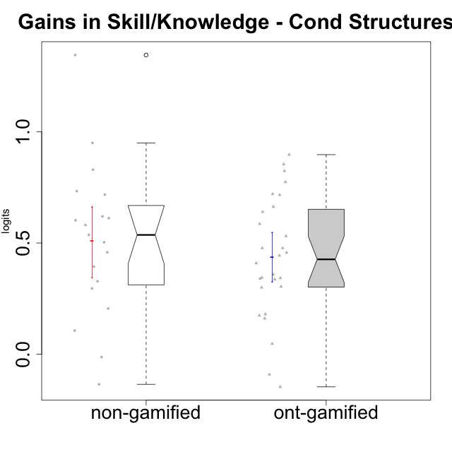

Wilcoxon data
UserID | NroUSP | Type | CLGroup | CLRole | PlayerRole | pre.theta | pos.theta | gain.theta
10169 | 10377538 | ont-gamified | Grupo Hefesto | Master | Yee Achiever | -0.52458584712 | -0.18070961359 | 0.34387623353
10170 | 10260351 | ont-gamified | Grupo Afrodite | Apprentice | Yee Achiever | -0.56473626728 | -0.12118556843 | 0.44355069885
10171 | 698531 | non-gamified | Grupo Team 6 | Apprentice |  | -0.71602238638 | 0.23442630461 | 0.95044869099
10174 | 10276852 | ont-gamified | Grupo Urano | Master | Yee Achiever | -0.56473626728 | -0.20612261851 | 0.35861364878
10175 | 10310700 | ont-gamified | Grupo Hélio | Master | Yee Socializer | 0.10735244369 | 0.015832242198 | -0.091520201496
10176 | 10276949 | ont-gamified | Grupo Cronus | Apprentice | Yee Achiever | -0.59630304278 | -0.06521572065 | 0.53108732213
10178 | 8656201 | ont-gamified | Grupo Morfeu | Apprentice | Yee Socializer | -1.0026218914 | -0.1051433676 | 0.89747852377
10179 | 10310759 | non-gamified | Grupo Team 9 | Master |  | -0.39588495477 | 0.3219329909 | 0.71781794567
10183 | 10352030 | ont-gamified | Grupo Hélio | Apprentice | Yee Socializer | -0.71602238638 | -0.076145596305 | 0.63987679007
10184 | 10276675 | ont-gamified | Grupo Apolo | Master | Yee Socializer | -0.25603637251 | 0.047796273278 | 0.30383264579
10185 | 10276960 | non-gamified | Grupo Team 12 | Apprentice |  | -0.47822823808 | 0.13351248472 | 0.61174072279
10186 | 10310551 | ont-gamified | Grupo Ares | Apprentice | Yee Achiever | -0.45253802777 | 0.3219329909 | 0.77447101867
10187 | 9790781 | non-gamified | Grupo Team 15 | Apprentice |  | -0.64145260755 | -0.1051433676 | 0.53630923995
10188 | 10276995 | non-gamified | Grupo Team 3 | Master |  | 0.014109640412 | 0.8438634274 | 0.82975378698
10189 | 9363926 | ont-gamified | Grupo Hades | Master | Yee Socializer | -0.053291789423 | -0.0069037650193 | 0.046388024404
10191 | 10276981 | non-gamified | Grupo Team 6 | Master |  | 0.02665193615 | 0.3219329909 | 0.29528105475
10192 | 10276682 | non-gamified | Grupo Team 5 | Apprentice |  | -0.62721464293 | -0.024906729088 | 0.60230791384
10193 | 10276762 | ont-gamified | Grupo Afrodite | Master | Yee Achiever | -0.3934588882 | 0.015832242198 | 0.4092911304
10195 | 10351971 | ont-gamified | Grupo Urano | Apprentice | Yee Achiever | -0.59964269837 | -0.12260729611 | 0.47703540226
10196 | 10310655 | ont-gamified | Grupo Hefesto | Apprentice | Yee Achiever | -0.61220497701 | 0.10412344069 | 0.71632841769
10197 | 10276661 | ont-gamified | Grupo Gaia | Apprentice | Yee Achiever | -0.36470494036 | -0.024906729088 | 0.33979821127
10198 | 10310888 | ont-gamified | Grupo Apolo | Apprentice | Yee Socializer | -0.76048683472 | -0.04005341187 | 0.72043342285
10199 | 10276737 | ont-gamified | Grupo Gaia | Master | Yee Achiever | -0.50222705157 | -0.024906729088 | 0.47732032249
10200 | 9795272 | ont-gamified | Grupo Hades | Apprentice | Yee Socializer | -0.25603637251 | -0.076145596305 | 0.17989077621
10201 | 10276928 | ont-gamified | Grupo Caronte | Master | Yee Achiever | -0.21366974386 | -0.04005341187 | 0.17361633199
10202 | 10277036 | non-gamified | Grupo Team 11 | Apprentice |  | -0.65502792207 | -0.07403019424 | 0.58099772783
10203 | 9921470 | non-gamified | Grupo Team 3 | Apprentice |  | -0.49908109229 | -0.63510430752 | -0.13602321523
10204 | 10310471 | ont-gamified | Grupo Hermes | Master | Yee Achiever | 0.10735244369 | -0.04005341187 | -0.14740585556
10206 | 10310721 | ont-gamified | Grupo Hera | Master | Yee Achiever | -0.21366974386 | -0.053303581572 | 0.16036616228
10208 | 10276932 | non-gamified | Grupo Team 7 | Apprentice |  | -0.64462607232 | -0.024906729088 | 0.61971934323
10209 | 10262669 | ont-gamified | Grupo Artemis | Apprentice | Yee Achiever | -0.50222705157 | 0.3219329909 | 0.82416004247
10210 | 10277015 | non-gamified | Grupo Team 9 | Apprentice |  | -0.59630304278 | -0.1380640689 | 0.45823897387
10213 | 10277040 | ont-gamified | Grupo Morfeu | Master | Yee Socializer | -0.1079328106 | 0.23442630461 | 0.34235911521
10214 | 10277022 | non-gamified | Grupo Team 5 | Master |  | -0.21231381584 | -0.0069037650193 | 0.20541005082
10216 | 10276720 | non-gamified | Grupo Team 15 | Master |  | -0.50222705157 | 0.8438634274 | 1.346090479
10217 | 9805341 | non-gamified | Grupo Team 13 | Master |  | -0.49883661765 | 0.23442630461 | 0.73326292226
10218 | 9842913 | ont-gamified | Grupo Ares | Master | Yee Achiever | -0.42232726824 | -0.086335227715 | 0.33599204052
10219 | 10276831 | non-gamified | Grupo Team 12 | Master |  | -0.52458584712 | -0.02113208267 | 0.50345376445
10220 | 9760151 | non-gamified | Grupo Team 2 | Apprentice |  | -0.39588495477 | -0.0021126518816 | 0.39377230289
10221 | 9082496 | ont-gamified | Grupo Hermes | Apprentice | Yee Achiever | -0.64462607232 | -0.18832928032 | 0.456296792
10223 | 9795185 | ont-gamified | Grupo Cronus | Master | Yee Achiever | -0.45253802777 | 0.13351248472 | 0.58605051249
10230 | 10351992 | non-gamified | Grupo Team 14 | Master |  | -0.1079328106 | -0.12118556843 | -0.013252757829
10231 | 10276911 | ont-gamified | Grupo Caronte | Apprentice | Yee Achiever | -0.61548579294 | 0.047796273278 | 0.66328206622
10232 | 10276974 | ont-gamified | Grupo Artemis | Master | Yee Achiever | -0.36470494036 | -0.06521572065 | 0.29948921971
10237 | 10377688 | non-gamified | Grupo Team 11 | Master |  | -0.17989042703 | -0.07403019424 | 0.10586023279
10238 | 10276953 | non-gamified | Grupo Team 13 | Apprentice |  | -0.36470494036 | -0.036921043989 | 0.32778389637
10240 | 10276654 | ont-gamified | Grupo Hera | Apprentice | Yee Achiever | -0.89474982154 | -0.04005341187 | 0.85469640967

Type_CLRole_1
Wilcoxon Analysis for Gains in Skill/Knowledge - Cond Structures in Type:CLRole between non-gamified.Apprentice:non-gamified.Master

Wilcoxon test results
Alternative hypothesis: less
Group | N | Median | Mean.Ranks | Sum.Ranks | U | Z | p.value | r | magnitude
non-gamified.Apprentice | 10 | 0.55865348389 | 10 | 100 | 45 | 0 | 0.51588040443 | 0 | none
non-gamified.Master | 9 | 0.50345376445 | 10 | 90 | 45 | 0 | 0.51588040443 | 0 | none
Alternative hypothesis: greater
Group | N | Median | Mean.Ranks | Sum.Ranks | U | Z | p.value | r | magnitude
non-gamified.Apprentice | 10 | 0.55865348389 | 10 | 100 | 45 | 0 | 0.51588040443 | 0 | none
non-gamified.Master | 9 | 0.50345376445 | 10 | 90 | 45 | 0 | 0.51588040443 | 0 | none
Alternative hypothesis: two.sided
Group | N | Median | Mean.Ranks | Sum.Ranks | U | Z | p.value | r | magnitude
non-gamified.Apprentice | 10 | 0.55865348389 | 10 | 100 | 45 | 0 | 1 | 0 | none
non-gamified.Master | 9 | 0.50345376445 | 10 | 90 | 45 | 0 | 1 | 0 | none

Box plots for wilcoxon tests
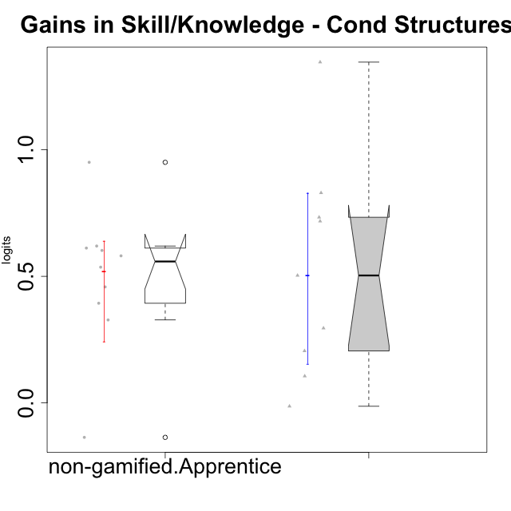

Wilcoxon data
UserID | NroUSP | Type | CLGroup | CLRole | PlayerRole | pre.theta | pos.theta | gain.theta
10171 | 698531 | non-gamified | Grupo Team 6 | Apprentice |  | -0.71602238638 | 0.23442630461 | 0.95044869099
10179 | 10310759 | non-gamified | Grupo Team 9 | Master |  | -0.39588495477 | 0.3219329909 | 0.71781794567
10185 | 10276960 | non-gamified | Grupo Team 12 | Apprentice |  | -0.47822823808 | 0.13351248472 | 0.61174072279
10187 | 9790781 | non-gamified | Grupo Team 15 | Apprentice |  | -0.64145260755 | -0.1051433676 | 0.53630923995
10188 | 10276995 | non-gamified | Grupo Team 3 | Master |  | 0.014109640412 | 0.8438634274 | 0.82975378698
10191 | 10276981 | non-gamified | Grupo Team 6 | Master |  | 0.02665193615 | 0.3219329909 | 0.29528105475
10192 | 10276682 | non-gamified | Grupo Team 5 | Apprentice |  | -0.62721464293 | -0.024906729088 | 0.60230791384
10202 | 10277036 | non-gamified | Grupo Team 11 | Apprentice |  | -0.65502792207 | -0.07403019424 | 0.58099772783
10203 | 9921470 | non-gamified | Grupo Team 3 | Apprentice |  | -0.49908109229 | -0.63510430752 | -0.13602321523
10208 | 10276932 | non-gamified | Grupo Team 7 | Apprentice |  | -0.64462607232 | -0.024906729088 | 0.61971934323
10210 | 10277015 | non-gamified | Grupo Team 9 | Apprentice |  | -0.59630304278 | -0.1380640689 | 0.45823897387
10214 | 10277022 | non-gamified | Grupo Team 5 | Master |  | -0.21231381584 | -0.0069037650193 | 0.20541005082
10216 | 10276720 | non-gamified | Grupo Team 15 | Master |  | -0.50222705157 | 0.8438634274 | 1.346090479
10217 | 9805341 | non-gamified | Grupo Team 13 | Master |  | -0.49883661765 | 0.23442630461 | 0.73326292226
10219 | 10276831 | non-gamified | Grupo Team 12 | Master |  | -0.52458584712 | -0.02113208267 | 0.50345376445
10220 | 9760151 | non-gamified | Grupo Team 2 | Apprentice |  | -0.39588495477 | -0.0021126518816 | 0.39377230289
10230 | 10351992 | non-gamified | Grupo Team 14 | Master |  | -0.1079328106 | -0.12118556843 | -0.013252757829
10237 | 10377688 | non-gamified | Grupo Team 11 | Master |  | -0.17989042703 | -0.07403019424 | 0.10586023279
10238 | 10276953 | non-gamified | Grupo Team 13 | Apprentice |  | -0.36470494036 | -0.036921043989 | 0.32778389637

Type_CLRole_2
Wilcoxon Analysis for Gains in Skill/Knowledge - Cond Structures in Type:CLRole between non-gamified.Apprentice:ont-gamified.Apprentice

Wilcoxon test results
Alternative hypothesis: less
Group | N | Median | Mean.Ranks | Sum.Ranks | U | Z | p.value | r | magnitude
non-gamified.Apprentice | 10 | 0.55865348389 | 10.6 | 106 | 51 | -1.1125260832 | 0.14234041859 | 0.22709343577 | small
ont-gamified.Apprentice | 14 | 0.65157942814 | 13.857142857 | 194 | 51 | -1.1125260832 | 0.14234041859 | 0.22709343577 | small
Alternative hypothesis: greater
Group | N | Median | Mean.Ranks | Sum.Ranks | U | Z | p.value | r | magnitude
non-gamified.Apprentice | 10 | 0.55865348389 | 10.6 | 106 | 51 | -1.1125260832 | 0.87047483857 | 0.22709343577 | small
ont-gamified.Apprentice | 14 | 0.65157942814 | 13.857142857 | 194 | 51 | -1.1125260832 | 0.87047483857 | 0.22709343577 | small
Alternative hypothesis: two.sided
Group | N | Median | Mean.Ranks | Sum.Ranks | U | Z | p.value | r | magnitude
non-gamified.Apprentice | 10 | 0.55865348389 | 10.6 | 106 | 51 | -1.1125260832 | 0.28468083718 | 0.22709343577 | small
ont-gamified.Apprentice | 14 | 0.65157942814 | 13.857142857 | 194 | 51 | -1.1125260832 | 0.28468083718 | 0.22709343577 | small

Box plots for wilcoxon tests
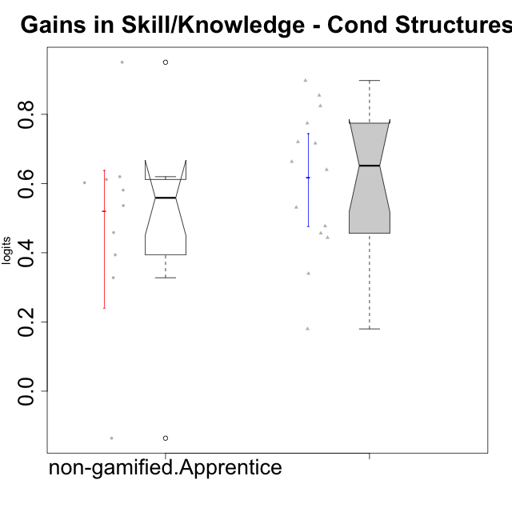

Wilcoxon data
UserID | NroUSP | Type | CLGroup | CLRole | PlayerRole | pre.theta | pos.theta | gain.theta
10170 | 10260351 | ont-gamified | Grupo Afrodite | Apprentice | Yee Achiever | -0.56473626728 | -0.12118556843 | 0.44355069885
10171 | 698531 | non-gamified | Grupo Team 6 | Apprentice |  | -0.71602238638 | 0.23442630461 | 0.95044869099
10176 | 10276949 | ont-gamified | Grupo Cronus | Apprentice | Yee Achiever | -0.59630304278 | -0.06521572065 | 0.53108732213
10178 | 8656201 | ont-gamified | Grupo Morfeu | Apprentice | Yee Socializer | -1.0026218914 | -0.1051433676 | 0.89747852377
10183 | 10352030 | ont-gamified | Grupo Hélio | Apprentice | Yee Socializer | -0.71602238638 | -0.076145596305 | 0.63987679007
10185 | 10276960 | non-gamified | Grupo Team 12 | Apprentice |  | -0.47822823808 | 0.13351248472 | 0.61174072279
10186 | 10310551 | ont-gamified | Grupo Ares | Apprentice | Yee Achiever | -0.45253802777 | 0.3219329909 | 0.77447101867
10187 | 9790781 | non-gamified | Grupo Team 15 | Apprentice |  | -0.64145260755 | -0.1051433676 | 0.53630923995
10192 | 10276682 | non-gamified | Grupo Team 5 | Apprentice |  | -0.62721464293 | -0.024906729088 | 0.60230791384
10195 | 10351971 | ont-gamified | Grupo Urano | Apprentice | Yee Achiever | -0.59964269837 | -0.12260729611 | 0.47703540226
10196 | 10310655 | ont-gamified | Grupo Hefesto | Apprentice | Yee Achiever | -0.61220497701 | 0.10412344069 | 0.71632841769
10197 | 10276661 | ont-gamified | Grupo Gaia | Apprentice | Yee Achiever | -0.36470494036 | -0.024906729088 | 0.33979821127
10198 | 10310888 | ont-gamified | Grupo Apolo | Apprentice | Yee Socializer | -0.76048683472 | -0.04005341187 | 0.72043342285
10200 | 9795272 | ont-gamified | Grupo Hades | Apprentice | Yee Socializer | -0.25603637251 | -0.076145596305 | 0.17989077621
10202 | 10277036 | non-gamified | Grupo Team 11 | Apprentice |  | -0.65502792207 | -0.07403019424 | 0.58099772783
10203 | 9921470 | non-gamified | Grupo Team 3 | Apprentice |  | -0.49908109229 | -0.63510430752 | -0.13602321523
10208 | 10276932 | non-gamified | Grupo Team 7 | Apprentice |  | -0.64462607232 | -0.024906729088 | 0.61971934323
10209 | 10262669 | ont-gamified | Grupo Artemis | Apprentice | Yee Achiever | -0.50222705157 | 0.3219329909 | 0.82416004247
10210 | 10277015 | non-gamified | Grupo Team 9 | Apprentice |  | -0.59630304278 | -0.1380640689 | 0.45823897387
10220 | 9760151 | non-gamified | Grupo Team 2 | Apprentice |  | -0.39588495477 | -0.0021126518816 | 0.39377230289
10221 | 9082496 | ont-gamified | Grupo Hermes | Apprentice | Yee Achiever | -0.64462607232 | -0.18832928032 | 0.456296792
10231 | 10276911 | ont-gamified | Grupo Caronte | Apprentice | Yee Achiever | -0.61548579294 | 0.047796273278 | 0.66328206622
10238 | 10276953 | non-gamified | Grupo Team 13 | Apprentice |  | -0.36470494036 | -0.036921043989 | 0.32778389637
10240 | 10276654 | ont-gamified | Grupo Hera | Apprentice | Yee Achiever | -0.89474982154 | -0.04005341187 | 0.85469640967

Type_CLRole_3
Wilcoxon Analysis for Gains in Skill/Knowledge - Cond Structures in Type:CLRole between non-gamified.Apprentice:ont-gamified.Master

Wilcoxon test results
Alternative hypothesis: less
Group | N | Median | Mean.Ranks | Sum.Ranks | U | Z | p.value | r | magnitude
non-gamified.Apprentice | 10 | 0.55865348389 | 16.8 | 168 | 113 | 2.5178221882 | 0.99557426465 | 0.51394830201 | large
ont-gamified.Master | 14 | 0.31991234316 | 9.4285714286 | 132 | 113 | 2.5178221882 | 0.99557426465 | 0.51394830201 | large
Alternative hypothesis: greater
Group | N | Median | Mean.Ranks | Sum.Ranks | U | Z | p.value | r | magnitude
non-gamified.Apprentice | 10 | 0.55865348389 | 16.8 | 168 | 113 | 2.5178221882 | 0.0053674787993 | 0.51394830201 | large
ont-gamified.Master | 14 | 0.31991234316 | 9.4285714286 | 132 | 113 | 2.5178221882 | 0.0053674787993 | 0.51394830201 | large
Alternative hypothesis: two.sided
Group | N | Median | Mean.Ranks | Sum.Ranks | U | Z | p.value | r | magnitude
non-gamified.Apprentice | 10 | 0.55865348389 | 16.8 | 168 | 113 | 2.5178221882 | 0.010734957599 | 0.51394830201 | large
ont-gamified.Master | 14 | 0.31991234316 | 9.4285714286 | 132 | 113 | 2.5178221882 | 0.010734957599 | 0.51394830201 | large

Box plots for wilcoxon tests
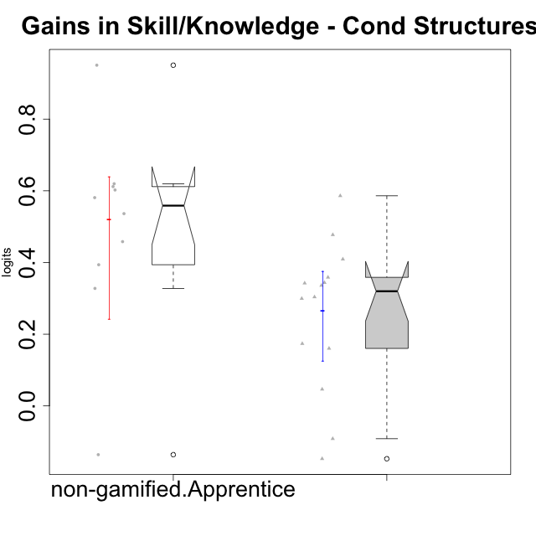

Wilcoxon data
UserID | NroUSP | Type | CLGroup | CLRole | PlayerRole | pre.theta | pos.theta | gain.theta
10169 | 10377538 | ont-gamified | Grupo Hefesto | Master | Yee Achiever | -0.52458584712 | -0.18070961359 | 0.34387623353
10171 | 698531 | non-gamified | Grupo Team 6 | Apprentice |  | -0.71602238638 | 0.23442630461 | 0.95044869099
10174 | 10276852 | ont-gamified | Grupo Urano | Master | Yee Achiever | -0.56473626728 | -0.20612261851 | 0.35861364878
10175 | 10310700 | ont-gamified | Grupo Hélio | Master | Yee Socializer | 0.10735244369 | 0.015832242198 | -0.091520201496
10184 | 10276675 | ont-gamified | Grupo Apolo | Master | Yee Socializer | -0.25603637251 | 0.047796273278 | 0.30383264579
10185 | 10276960 | non-gamified | Grupo Team 12 | Apprentice |  | -0.47822823808 | 0.13351248472 | 0.61174072279
10187 | 9790781 | non-gamified | Grupo Team 15 | Apprentice |  | -0.64145260755 | -0.1051433676 | 0.53630923995
10189 | 9363926 | ont-gamified | Grupo Hades | Master | Yee Socializer | -0.053291789423 | -0.0069037650193 | 0.046388024404
10192 | 10276682 | non-gamified | Grupo Team 5 | Apprentice |  | -0.62721464293 | -0.024906729088 | 0.60230791384
10193 | 10276762 | ont-gamified | Grupo Afrodite | Master | Yee Achiever | -0.3934588882 | 0.015832242198 | 0.4092911304
10199 | 10276737 | ont-gamified | Grupo Gaia | Master | Yee Achiever | -0.50222705157 | -0.024906729088 | 0.47732032249
10201 | 10276928 | ont-gamified | Grupo Caronte | Master | Yee Achiever | -0.21366974386 | -0.04005341187 | 0.17361633199
10202 | 10277036 | non-gamified | Grupo Team 11 | Apprentice |  | -0.65502792207 | -0.07403019424 | 0.58099772783
10203 | 9921470 | non-gamified | Grupo Team 3 | Apprentice |  | -0.49908109229 | -0.63510430752 | -0.13602321523
10204 | 10310471 | ont-gamified | Grupo Hermes | Master | Yee Achiever | 0.10735244369 | -0.04005341187 | -0.14740585556
10206 | 10310721 | ont-gamified | Grupo Hera | Master | Yee Achiever | -0.21366974386 | -0.053303581572 | 0.16036616228
10208 | 10276932 | non-gamified | Grupo Team 7 | Apprentice |  | -0.64462607232 | -0.024906729088 | 0.61971934323
10210 | 10277015 | non-gamified | Grupo Team 9 | Apprentice |  | -0.59630304278 | -0.1380640689 | 0.45823897387
10213 | 10277040 | ont-gamified | Grupo Morfeu | Master | Yee Socializer | -0.1079328106 | 0.23442630461 | 0.34235911521
10218 | 9842913 | ont-gamified | Grupo Ares | Master | Yee Achiever | -0.42232726824 | -0.086335227715 | 0.33599204052
10220 | 9760151 | non-gamified | Grupo Team 2 | Apprentice |  | -0.39588495477 | -0.0021126518816 | 0.39377230289
10223 | 9795185 | ont-gamified | Grupo Cronus | Master | Yee Achiever | -0.45253802777 | 0.13351248472 | 0.58605051249
10232 | 10276974 | ont-gamified | Grupo Artemis | Master | Yee Achiever | -0.36470494036 | -0.06521572065 | 0.29948921971
10238 | 10276953 | non-gamified | Grupo Team 13 | Apprentice |  | -0.36470494036 | -0.036921043989 | 0.32778389637

Type_CLRole_4
Wilcoxon Analysis for Gains in Skill/Knowledge - Cond Structures in Type:CLRole between non-gamified.Master:ont-gamified.Apprentice

Wilcoxon test results
Alternative hypothesis: less
Group | N | Median | Mean.Ranks | Sum.Ranks | U | Z | p.value | r | magnitude
non-gamified.Master | 9 | 0.50345376445 | 10.777777778 | 97 | 52 | -0.69293486718 | 0.25806360822 | 0.14448690781 | small
ont-gamified.Apprentice | 14 | 0.65157942814 | 12.785714286 | 179 | 52 | -0.69293486718 | 0.25806360822 | 0.14448690781 | small
Alternative hypothesis: greater
Group | N | Median | Mean.Ranks | Sum.Ranks | U | Z | p.value | r | magnitude
non-gamified.Master | 9 | 0.50345376445 | 10.777777778 | 97 | 52 | -0.69293486718 | 0.76164661829 | 0.14448690781 | small
ont-gamified.Apprentice | 14 | 0.65157942814 | 12.785714286 | 179 | 52 | -0.69293486718 | 0.76164661829 | 0.14448690781 | small
Alternative hypothesis: two.sided
Group | N | Median | Mean.Ranks | Sum.Ranks | U | Z | p.value | r | magnitude
non-gamified.Master | 9 | 0.50345376445 | 10.777777778 | 97 | 52 | -0.69293486718 | 0.51612721644 | 0.14448690781 | small
ont-gamified.Apprentice | 14 | 0.65157942814 | 12.785714286 | 179 | 52 | -0.69293486718 | 0.51612721644 | 0.14448690781 | small

Box plots for wilcoxon tests
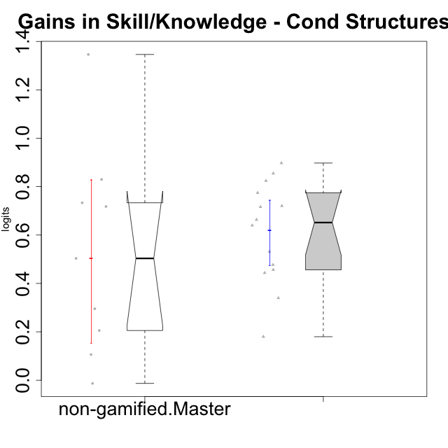

Wilcoxon data
UserID | NroUSP | Type | CLGroup | CLRole | PlayerRole | pre.theta | pos.theta | gain.theta
10170 | 10260351 | ont-gamified | Grupo Afrodite | Apprentice | Yee Achiever | -0.56473626728 | -0.12118556843 | 0.44355069885
10176 | 10276949 | ont-gamified | Grupo Cronus | Apprentice | Yee Achiever | -0.59630304278 | -0.06521572065 | 0.53108732213
10178 | 8656201 | ont-gamified | Grupo Morfeu | Apprentice | Yee Socializer | -1.0026218914 | -0.1051433676 | 0.89747852377
10179 | 10310759 | non-gamified | Grupo Team 9 | Master |  | -0.39588495477 | 0.3219329909 | 0.71781794567
10183 | 10352030 | ont-gamified | Grupo Hélio | Apprentice | Yee Socializer | -0.71602238638 | -0.076145596305 | 0.63987679007
10186 | 10310551 | ont-gamified | Grupo Ares | Apprentice | Yee Achiever | -0.45253802777 | 0.3219329909 | 0.77447101867
10188 | 10276995 | non-gamified | Grupo Team 3 | Master |  | 0.014109640412 | 0.8438634274 | 0.82975378698
10191 | 10276981 | non-gamified | Grupo Team 6 | Master |  | 0.02665193615 | 0.3219329909 | 0.29528105475
10195 | 10351971 | ont-gamified | Grupo Urano | Apprentice | Yee Achiever | -0.59964269837 | -0.12260729611 | 0.47703540226
10196 | 10310655 | ont-gamified | Grupo Hefesto | Apprentice | Yee Achiever | -0.61220497701 | 0.10412344069 | 0.71632841769
10197 | 10276661 | ont-gamified | Grupo Gaia | Apprentice | Yee Achiever | -0.36470494036 | -0.024906729088 | 0.33979821127
10198 | 10310888 | ont-gamified | Grupo Apolo | Apprentice | Yee Socializer | -0.76048683472 | -0.04005341187 | 0.72043342285
10200 | 9795272 | ont-gamified | Grupo Hades | Apprentice | Yee Socializer | -0.25603637251 | -0.076145596305 | 0.17989077621
10209 | 10262669 | ont-gamified | Grupo Artemis | Apprentice | Yee Achiever | -0.50222705157 | 0.3219329909 | 0.82416004247
10214 | 10277022 | non-gamified | Grupo Team 5 | Master |  | -0.21231381584 | -0.0069037650193 | 0.20541005082
10216 | 10276720 | non-gamified | Grupo Team 15 | Master |  | -0.50222705157 | 0.8438634274 | 1.346090479
10217 | 9805341 | non-gamified | Grupo Team 13 | Master |  | -0.49883661765 | 0.23442630461 | 0.73326292226
10219 | 10276831 | non-gamified | Grupo Team 12 | Master |  | -0.52458584712 | -0.02113208267 | 0.50345376445
10221 | 9082496 | ont-gamified | Grupo Hermes | Apprentice | Yee Achiever | -0.64462607232 | -0.18832928032 | 0.456296792
10230 | 10351992 | non-gamified | Grupo Team 14 | Master |  | -0.1079328106 | -0.12118556843 | -0.013252757829
10231 | 10276911 | ont-gamified | Grupo Caronte | Apprentice | Yee Achiever | -0.61548579294 | 0.047796273278 | 0.66328206622
10237 | 10377688 | non-gamified | Grupo Team 11 | Master |  | -0.17989042703 | -0.07403019424 | 0.10586023279
10240 | 10276654 | ont-gamified | Grupo Hera | Apprentice | Yee Achiever | -0.89474982154 | -0.04005341187 | 0.85469640967

Type_CLRole_5
Wilcoxon Analysis for Gains in Skill/Knowledge - Cond Structures in Type:CLRole between non-gamified.Master:ont-gamified.Master

Wilcoxon test results
Alternative hypothesis: less
Group | N | Median | Mean.Ranks | Sum.Ranks | U | Z | p.value | r | magnitude
non-gamified.Master | 9 | 0.50345376445 | 14.333333333 | 129 | 84 | 1.3228756555 | 0.91031950954 | 0.27583864218 | small
ont-gamified.Master | 14 | 0.31991234316 | 10.5 | 147 | 84 | 1.3228756555 | 0.91031950954 | 0.27583864218 | small
Alternative hypothesis: greater
Group | N | Median | Mean.Ranks | Sum.Ranks | U | Z | p.value | r | magnitude
non-gamified.Master | 9 | 0.50345376445 | 14.333333333 | 129 | 84 | 1.3228756555 | 0.10050171931 | 0.27583864218 | small
ont-gamified.Master | 14 | 0.31991234316 | 10.5 | 147 | 84 | 1.3228756555 | 0.10050171931 | 0.27583864218 | small
Alternative hypothesis: two.sided
Group | N | Median | Mean.Ranks | Sum.Ranks | U | Z | p.value | r | magnitude
non-gamified.Master | 9 | 0.50345376445 | 14.333333333 | 129 | 84 | 1.3228756555 | 0.20100343861 | 0.27583864218 | small
ont-gamified.Master | 14 | 0.31991234316 | 10.5 | 147 | 84 | 1.3228756555 | 0.20100343861 | 0.27583864218 | small

Box plots for wilcoxon tests
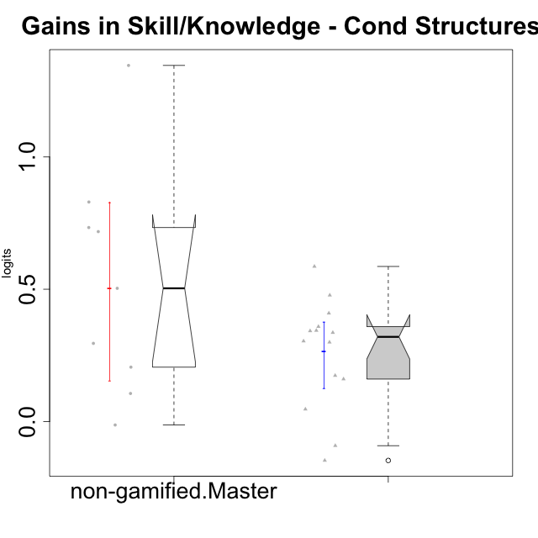

Wilcoxon data
UserID | NroUSP | Type | CLGroup | CLRole | PlayerRole | pre.theta | pos.theta | gain.theta
10169 | 10377538 | ont-gamified | Grupo Hefesto | Master | Yee Achiever | -0.52458584712 | -0.18070961359 | 0.34387623353
10174 | 10276852 | ont-gamified | Grupo Urano | Master | Yee Achiever | -0.56473626728 | -0.20612261851 | 0.35861364878
10175 | 10310700 | ont-gamified | Grupo Hélio | Master | Yee Socializer | 0.10735244369 | 0.015832242198 | -0.091520201496
10179 | 10310759 | non-gamified | Grupo Team 9 | Master |  | -0.39588495477 | 0.3219329909 | 0.71781794567
10184 | 10276675 | ont-gamified | Grupo Apolo | Master | Yee Socializer | -0.25603637251 | 0.047796273278 | 0.30383264579
10188 | 10276995 | non-gamified | Grupo Team 3 | Master |  | 0.014109640412 | 0.8438634274 | 0.82975378698
10189 | 9363926 | ont-gamified | Grupo Hades | Master | Yee Socializer | -0.053291789423 | -0.0069037650193 | 0.046388024404
10191 | 10276981 | non-gamified | Grupo Team 6 | Master |  | 0.02665193615 | 0.3219329909 | 0.29528105475
10193 | 10276762 | ont-gamified | Grupo Afrodite | Master | Yee Achiever | -0.3934588882 | 0.015832242198 | 0.4092911304
10199 | 10276737 | ont-gamified | Grupo Gaia | Master | Yee Achiever | -0.50222705157 | -0.024906729088 | 0.47732032249
10201 | 10276928 | ont-gamified | Grupo Caronte | Master | Yee Achiever | -0.21366974386 | -0.04005341187 | 0.17361633199
10204 | 10310471 | ont-gamified | Grupo Hermes | Master | Yee Achiever | 0.10735244369 | -0.04005341187 | -0.14740585556
10206 | 10310721 | ont-gamified | Grupo Hera | Master | Yee Achiever | -0.21366974386 | -0.053303581572 | 0.16036616228
10213 | 10277040 | ont-gamified | Grupo Morfeu | Master | Yee Socializer | -0.1079328106 | 0.23442630461 | 0.34235911521
10214 | 10277022 | non-gamified | Grupo Team 5 | Master |  | -0.21231381584 | -0.0069037650193 | 0.20541005082
10216 | 10276720 | non-gamified | Grupo Team 15 | Master |  | -0.50222705157 | 0.8438634274 | 1.346090479
10217 | 9805341 | non-gamified | Grupo Team 13 | Master |  | -0.49883661765 | 0.23442630461 | 0.73326292226
10218 | 9842913 | ont-gamified | Grupo Ares | Master | Yee Achiever | -0.42232726824 | -0.086335227715 | 0.33599204052
10219 | 10276831 | non-gamified | Grupo Team 12 | Master |  | -0.52458584712 | -0.02113208267 | 0.50345376445
10223 | 9795185 | ont-gamified | Grupo Cronus | Master | Yee Achiever | -0.45253802777 | 0.13351248472 | 0.58605051249
10230 | 10351992 | non-gamified | Grupo Team 14 | Master |  | -0.1079328106 | -0.12118556843 | -0.013252757829
10232 | 10276974 | ont-gamified | Grupo Artemis | Master | Yee Achiever | -0.36470494036 | -0.06521572065 | 0.29948921971
10237 | 10377688 | non-gamified | Grupo Team 11 | Master |  | -0.17989042703 | -0.07403019424 | 0.10586023279

Type_CLRole_6
Wilcoxon Analysis for Gains in Skill/Knowledge - Cond Structures in Type:CLRole between ont-gamified.Apprentice:ont-gamified.Master

Wilcoxon test results
Alternative hypothesis: less
Group | N | Median | Mean.Ranks | Sum.Ranks | U | Z | p.value | r | magnitude
ont-gamified.Apprentice | 14 | 0.65157942814 | 19.928571429 | 279 | 174 | 3.4920236849 | 0.99991634386 | 0.6599304459 | large
ont-gamified.Master | 14 | 0.31991234316 | 9.0714285714 | 127 | 174 | 3.4920236849 | 0.99991634386 | 0.6599304459 | large
Alternative hypothesis: greater
Group | N | Median | Mean.Ranks | Sum.Ranks | U | Z | p.value | r | magnitude
ont-gamified.Apprentice | 14 | 0.65157942814 | 19.928571429 | 279 | 174 | 3.4920236849 | 0.00010638987352 | 0.6599304459 | large
ont-gamified.Master | 14 | 0.31991234316 | 9.0714285714 | 127 | 174 | 3.4920236849 | 0.00010638987352 | 0.6599304459 | large
Alternative hypothesis: two.sided
Group | N | Median | Mean.Ranks | Sum.Ranks | U | Z | p.value | r | magnitude
ont-gamified.Apprentice | 14 | 0.65157942814 | 19.928571429 | 279 | 174 | 3.4920236849 | 0.00021277974704 | 0.6599304459 | large
ont-gamified.Master | 14 | 0.31991234316 | 9.0714285714 | 127 | 174 | 3.4920236849 | 0.00021277974704 | 0.6599304459 | large

Box plots for wilcoxon tests
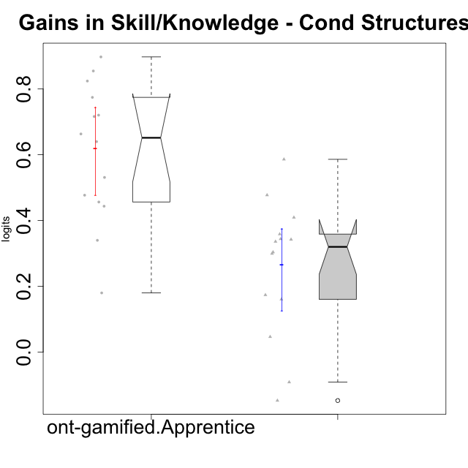

Wilcoxon data
UserID | NroUSP | Type | CLGroup | CLRole | PlayerRole | pre.theta | pos.theta | gain.theta
10169 | 10377538 | ont-gamified | Grupo Hefesto | Master | Yee Achiever | -0.52458584712 | -0.18070961359 | 0.34387623353
10170 | 10260351 | ont-gamified | Grupo Afrodite | Apprentice | Yee Achiever | -0.56473626728 | -0.12118556843 | 0.44355069885
10174 | 10276852 | ont-gamified | Grupo Urano | Master | Yee Achiever | -0.56473626728 | -0.20612261851 | 0.35861364878
10175 | 10310700 | ont-gamified | Grupo Hélio | Master | Yee Socializer | 0.10735244369 | 0.015832242198 | -0.091520201496
10176 | 10276949 | ont-gamified | Grupo Cronus | Apprentice | Yee Achiever | -0.59630304278 | -0.06521572065 | 0.53108732213
10178 | 8656201 | ont-gamified | Grupo Morfeu | Apprentice | Yee Socializer | -1.0026218914 | -0.1051433676 | 0.89747852377
10183 | 10352030 | ont-gamified | Grupo Hélio | Apprentice | Yee Socializer | -0.71602238638 | -0.076145596305 | 0.63987679007
10184 | 10276675 | ont-gamified | Grupo Apolo | Master | Yee Socializer | -0.25603637251 | 0.047796273278 | 0.30383264579
10186 | 10310551 | ont-gamified | Grupo Ares | Apprentice | Yee Achiever | -0.45253802777 | 0.3219329909 | 0.77447101867
10189 | 9363926 | ont-gamified | Grupo Hades | Master | Yee Socializer | -0.053291789423 | -0.0069037650193 | 0.046388024404
10193 | 10276762 | ont-gamified | Grupo Afrodite | Master | Yee Achiever | -0.3934588882 | 0.015832242198 | 0.4092911304
10195 | 10351971 | ont-gamified | Grupo Urano | Apprentice | Yee Achiever | -0.59964269837 | -0.12260729611 | 0.47703540226
10196 | 10310655 | ont-gamified | Grupo Hefesto | Apprentice | Yee Achiever | -0.61220497701 | 0.10412344069 | 0.71632841769
10197 | 10276661 | ont-gamified | Grupo Gaia | Apprentice | Yee Achiever | -0.36470494036 | -0.024906729088 | 0.33979821127
10198 | 10310888 | ont-gamified | Grupo Apolo | Apprentice | Yee Socializer | -0.76048683472 | -0.04005341187 | 0.72043342285
10199 | 10276737 | ont-gamified | Grupo Gaia | Master | Yee Achiever | -0.50222705157 | -0.024906729088 | 0.47732032249
10200 | 9795272 | ont-gamified | Grupo Hades | Apprentice | Yee Socializer | -0.25603637251 | -0.076145596305 | 0.17989077621
10201 | 10276928 | ont-gamified | Grupo Caronte | Master | Yee Achiever | -0.21366974386 | -0.04005341187 | 0.17361633199
10204 | 10310471 | ont-gamified | Grupo Hermes | Master | Yee Achiever | 0.10735244369 | -0.04005341187 | -0.14740585556
10206 | 10310721 | ont-gamified | Grupo Hera | Master | Yee Achiever | -0.21366974386 | -0.053303581572 | 0.16036616228
10209 | 10262669 | ont-gamified | Grupo Artemis | Apprentice | Yee Achiever | -0.50222705157 | 0.3219329909 | 0.82416004247
10213 | 10277040 | ont-gamified | Grupo Morfeu | Master | Yee Socializer | -0.1079328106 | 0.23442630461 | 0.34235911521
10218 | 9842913 | ont-gamified | Grupo Ares | Master | Yee Achiever | -0.42232726824 | -0.086335227715 | 0.33599204052
10221 | 9082496 | ont-gamified | Grupo Hermes | Apprentice | Yee Achiever | -0.64462607232 | -0.18832928032 | 0.456296792
10223 | 9795185 | ont-gamified | Grupo Cronus | Master | Yee Achiever | -0.45253802777 | 0.13351248472 | 0.58605051249
10231 | 10276911 | ont-gamified | Grupo Caronte | Apprentice | Yee Achiever | -0.61548579294 | 0.047796273278 | 0.66328206622
10232 | 10276974 | ont-gamified | Grupo Artemis | Master | Yee Achiever | -0.36470494036 | -0.06521572065 | 0.29948921971
10240 | 10276654 | ont-gamified | Grupo Hera | Apprentice | Yee Achiever | -0.89474982154 | -0.04005341187 | 0.85469640967

