Assumptions
ANOVA assumptions for Pressure/Tension by Type

Shapiro-Wilk normality test for Pressure/Tension by Type
W | p.value
0.93821532165 | 0.013864921424

Plots for normality test
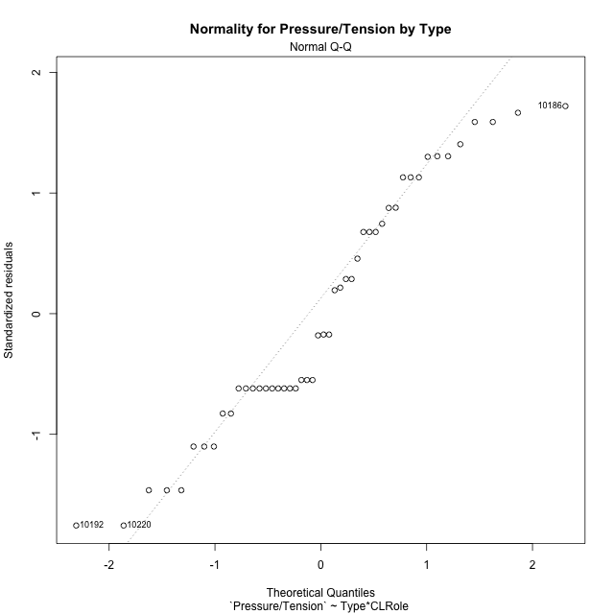

Levene's Test for Homogeneity of Variance in Pressure/Tension by Type
Df | F value | Pr(>F)
3 | 0.74597306326 | 0.53050476469
44

Plots for homogeneity of variance
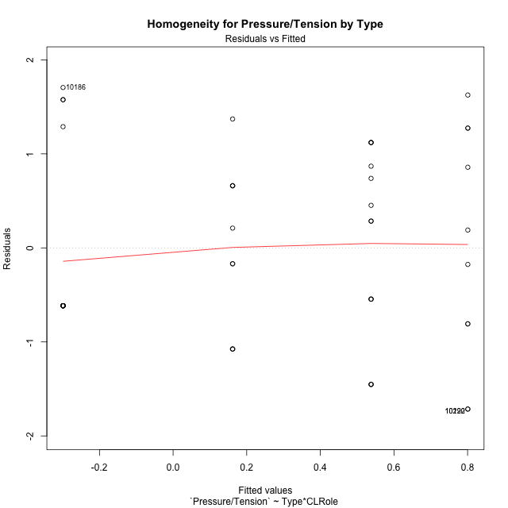

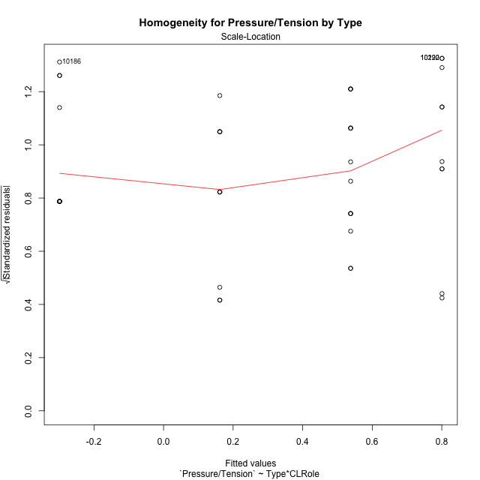

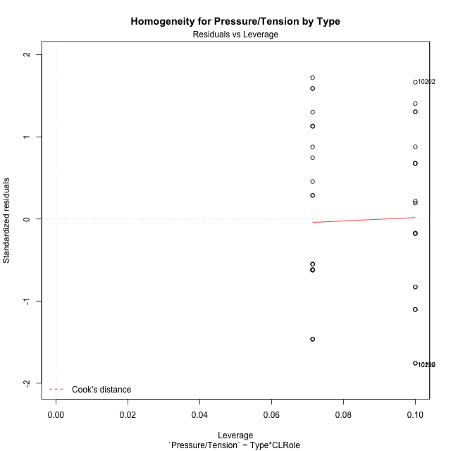

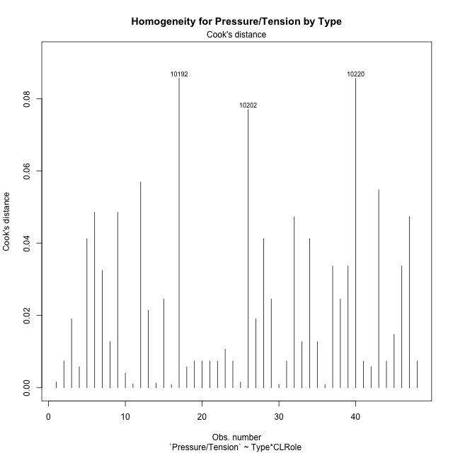

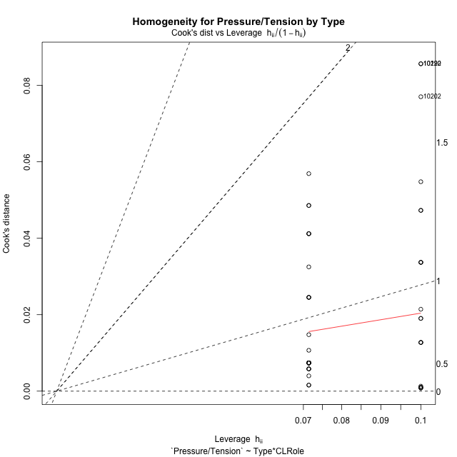

Minimum Sample Size Test for Pressure/Tension by Type
Type | CLRole | Freq
non-gamified | Apprentice | 10
ont-gamified | Apprentice | 14
non-gamified | Master | 10
ont-gamified | Master | 14

Errors and Warnings in Sample Size Test for ANOVA in Pressure/Tension by Type
code | description
WARN: sample.size | current size is 10 and recommended size is 15 for the group: 'non-gamified:Apprentice'.
WARN: sample.size | current size is 14 and recommended size is 15 for the group: 'ont-gamified:Apprentice'.
WARN: sample.size | current size is 10 and recommended size is 15 for the group: 'non-gamified:Master'.
WARN: sample.size | current size is 14 and recommended size is 15 for the group: 'ont-gamified:Master'.

For the group: 'non-gamified:Apprentice', we recommend the use of non-parametric test. For the group: 'ont-gamified:Apprentice', we recommend the use of non-parametric test. For the group: 'non-gamified:Master', we recommend the use of non-parametric test. For the group: 'ont-gamified:Master', we recommend the use of non-parametric test.

If you don't want to remove non-normal data, you must cite the following references: ... (1) Lix, L.M., J.C. Keselman, and H.J. Keselman. 1996. Consequences of assumption violations revisited: A quantitative review of alternatives to the one-way analysis of variance F test. Rev. Educ. Res. 66: 579-619. ... (2) Harwell, M.R., E.N. Rubinstein, W.S. Hayes, and C.C. Olds. 1992. Summarizing Monte Carlo results in methodological research: the one- and two-factor fixed effects ANOVA cases. J. Educ. Stat. 17: 315-339.

Post-hoc
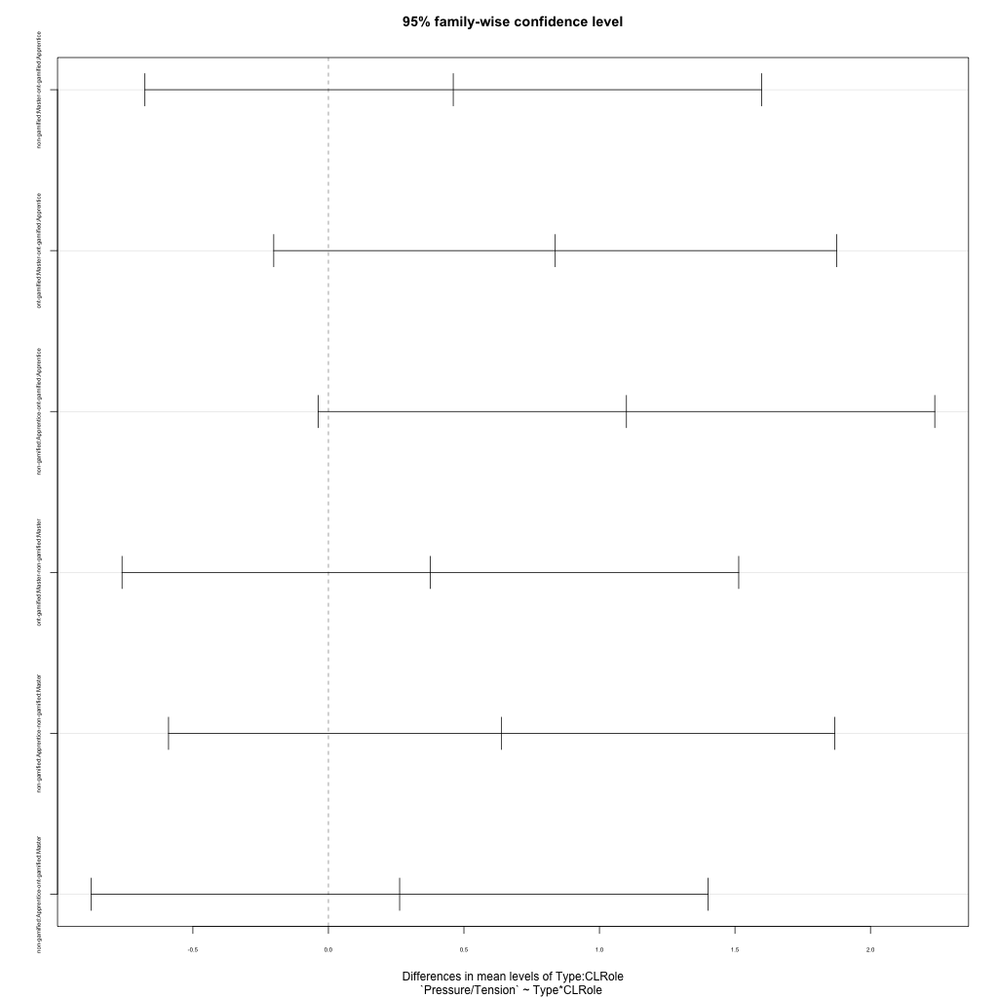
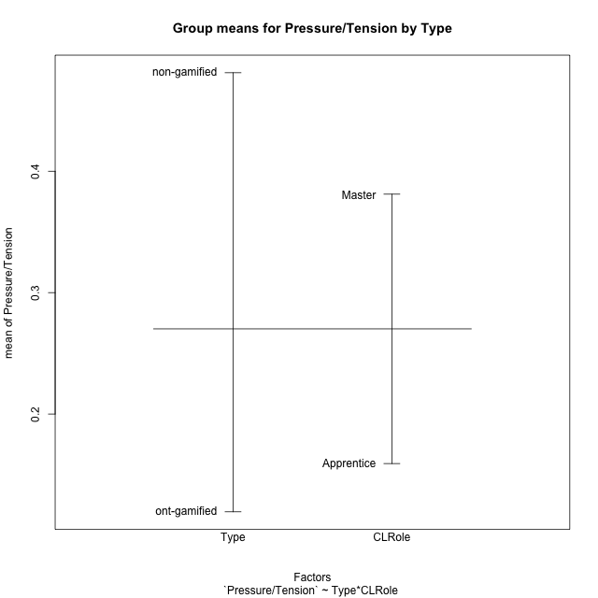
Post-hoc Tukey Honestly Significant Difference (HSD) Test for Pressure/Tension by Type

Comparisons of means for Type
 | diff | lwr | upr | p adj
non-gamified-ont-gamified | 0.36169434257 | -0.24549171426 | 0.9688803994 | 0.2363559185

Comparisons of means for CLRole
 | diff | lwr | upr | p adj
Master-Apprentice | 0.22191395754 | -0.37677956836 | 0.82060748344 | 0.45902281286

Comparisons of means for Type:CLRole
 | diff | lwr | upr | p adj
non-gamified:Master-ont-gamified:Apprentice | 0.46062719053 | -0.67698622065 | 1.5982406017 | 0.70274873735
ont-gamified:Master-ont-gamified:Apprentice | 0.83681950543 | -0.20167470628 | 1.8753137171 | 0.1530873672
non-gamified:Apprentice-ont-gamified:Apprentice | 1.099581 | -0.038032411141 | 2.2371944112 | 0.06151578823
ont-gamified:Master-non-gamified:Master | 0.3761923149 | -0.76142109628 | 1.5138057261 | 0.81367251209
non-gamified:Apprentice-non-gamified:Master | 0.63895380951 | -0.58980911264 | 1.8677167317 | 0.5131871272
non-gamified:Apprentice-ont-gamified:Master | 0.26276149461 | -0.87485191657 | 1.4003749058 | 0.92620960033

Contrast Matrices for Pressure/Tension by Type - Type
contrast | estimate | SE | df | t.ratio | p.value
non-gamified - ont-gamified | 0.36169434257 | 0.30127807181 | 44 | 1.2005332496 | 0.2363559185

Contrast Matrices for Pressure/Tension by Type - Type:CLRole
contrast | CLRole | estimate | SE | df | t.ratio | p.value
non-gamified - ont-gamified | Apprentice | 1.099581 | 0.4260715352 | 44 | 2.5807426904 | 0.013270953063
non-gamified - ont-gamified | Master | -0.3761923149 | 0.4260715352 | 44 | -0.88293228676 | 0.38207151343

Least Squares Means and Confidence Intervals for Type
Type | lsmean | SE | df | lower.CL | upper.CL | Pairs
non-gamified | 0.48114567258 | 0.23010492822 | 44 | 0.017399661536 | 0.94489168363 | non-gamified
ont-gamified | 0.11945133001 | 0.19447415912 | 44 | -0.27248558434 | 0.51138824436 | ont-gamified

Least Squares Means and Confidence Intervals for Type:CLRole
Type | CLRole | lsmean | SE | df | lower.CL | upper.CL | Pairs
non-gamified | Apprentice | 0.80062257734 | 0.32541751025 | 44 | 0.14478667902 | 1.4564584757 | non-gamified.Apprentice
ont-gamified | Apprentice | -0.2989584227 | 0.27502799335 | 44 | -0.85324092257 | 0.25532407716 | ont-gamified.Apprentice
non-gamified | Master | 0.16166876783 | 0.32541751025 | 44 | -0.49416713049 | 0.81750466615 | non-gamified.Master
ont-gamified | Master | 0.53786108273 | 0.27502799335 | 44 | -0.016421417141 | 1.0921435826 | ont-gamified.Master

Plots

Type_1
Student's t-Test for Pressure/Tension by Type in Type between non-gamified:ont-gamified

Student's t-Test results
Alternative hypothesis: less
Group | N | Mean | Mean.Difference | Std.deviation | Std.error | CI.lower | CI.upper | df | t.value | p.value | g | magnitude
non-gamified | 20 | 0.48114567258 | 0.36169434257 | 1.092424865 | 0.24427362584 | -0.0074015791045 | 0.96969292427 | 40.538892271 | 1.1409634581 | 0.86970964688 | 0.32977091063 | small
ont-gamified | 28 | 0.11945133001 | -0.36169434257 | 1.0691501133 | 0.20205037957 | -0.28464942913 | 0.52355208916 | 40.538892271 | 1.1409634581 | 0.86970964688 | 0.32977091063 | small
Alternative hypothesis: greater
Group | N | Mean | Mean.Difference | Std.deviation | Std.error | CI.lower | CI.upper | df | t.value | p.value | g | magnitude
non-gamified | 20 | 0.48114567258 | 0.36169434257 | 1.092424865 | 0.24427362584 | -0.0074015791045 | 0.96969292427 | 40.538892271 | 1.1409634581 | 0.13029035312 | 0.32977091063 | small
ont-gamified | 28 | 0.11945133001 | -0.36169434257 | 1.0691501133 | 0.20205037957 | -0.28464942913 | 0.52355208916 | 40.538892271 | 1.1409634581 | 0.13029035312 | 0.32977091063 | small
Alternative hypothesis: two.sided
Group | N | Mean | Mean.Difference | Std.deviation | Std.error | CI.lower | CI.upper | df | t.value | p.value | g | magnitude
non-gamified | 20 | 0.48114567258 | 0.36169434257 | 1.092424865 | 0.24427362584 | -0.0074015791045 | 0.96969292427 | 40.538892271 | 1.1409634581 | 0.26058070623 | 0.32977091063 | small
ont-gamified | 28 | 0.11945133001 | -0.36169434257 | 1.0691501133 | 0.20205037957 | -0.28464942913 | 0.52355208916 | 40.538892271 | 1.1409634581 | 0.26058070623 | 0.32977091063 | small

Box plots for Student's t-Test
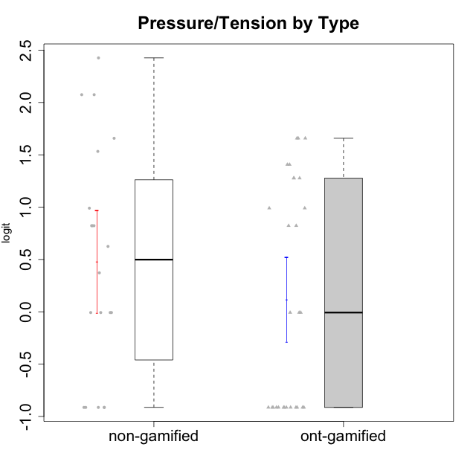

Student's t-Test data
UserID | NroUSP | Type | CLGroup | CLRole | PlayerRole | Interest/Enjoyment | Perceived Choice | Pressure/Tension | Effort/Importance | Intrinsic Motivation
10169 | 10377538 | ont-gamified | Grupo Hefesto | Master | Yee Achiever | 0.77354775663 | -0.34506436271 | 0.8224933278 | 0.21371742061 | -0.045073128315
10170 | 10260351 | ont-gamified | Grupo Afrodite | Apprentice | Yee Achiever | 0.33909170565 | 0.81251309803 | -0.91363027987 | 0.21371742061 | 0.56973812604
10171 | 698531 | non-gamified | Grupo Team 6 | Apprentice |  | 0.77354775663 | 0.43204236264 | -0.0073696712261 | -0.08257998554 | 0.28259495124
10174 | 10276852 | ont-gamified | Grupo Urano | Master | Yee Achiever | 0.04532479257 | -0.56508989585 | -0.0073696712261 | 1.1151835345 | 0.15069702562
10175 | 10310700 | ont-gamified | Grupo Hélio | Master | Yee Socializer | 0.77354775663 | 1.7454889569 | -0.91363027987 | -0.58740121816 | 0.81121714881
10176 | 10276949 | ont-gamified | Grupo Cronus | Apprentice | Yee Achiever | -0.62176572839 | 0.27922605818 | 1.2769315148 | -0.82301683991 | -0.61062200623
10178 | 8656201 | ont-gamified | Grupo Morfeu | Apprentice | Yee Socializer | 0.19438092697 | 0.27922605818 | 0.99020355854 | 0.21371742061 | -0.075719788195
10179 | 10310759 | non-gamified | Grupo Team 9 | Master |  | -0.94401358639 | -1.210479532 | 0.8224933278 | 0.57969939192 | -0.4654507279
10183 | 10352030 | ont-gamified | Grupo Hélio | Apprentice | Yee Socializer | -0.78975287252 | 0.010078688627 | 1.2769315148 | -0.08257998554 | -0.53479642106
10184 | 10276675 | ont-gamified | Grupo Apolo | Master | Yee Socializer | -0.27485572343 | 0.13995114232 | 0.99020355854 | 1.1151835345 | -0.0024811512813
10185 | 10276960 | non-gamified | Grupo Team 12 | Apprentice |  | -0.78975287252 | -0.56508989585 | 0.99020355854 | -0.58740121816 | -0.73311188627
10186 | 10310551 | ont-gamified | Grupo Ares | Apprentice | Yee Achiever | -0.11051255329 | 0.60542829398 | 1.4068182928 | 2.112963375 | 0.33599966761
10187 | 9790781 | non-gamified | Grupo Team 15 | Apprentice |  | 1.68641942 | 0.43204236264 | 1.6580383299 | 1.1151835345 | 0.90913447293
10188 | 10276995 | non-gamified | Grupo Team 3 | Master |  | -0.94401358639 | -0.23096919108 | 0.37211775447 | -0.82301683991 | -0.59252934296
10189 | 9363926 | ont-gamified | Grupo Hades | Master | Yee Socializer | -0.78975287252 | -0.11298912179 | 1.6580383299 | 0.58104575034 | -0.49493364347
10191 | 10276981 | non-gamified | Grupo Team 6 | Master |  | 0.77354775663 | -0.11298912179 | -0.0073696712261 | -1.0572723105 | -0.097336001102
10192 | 10276682 | non-gamified | Grupo Team 5 | Apprentice |  | 1.2808857648 | -0.56508989585 | -0.91363027987 | -1.0572723105 | 0.14303845959
10193 | 10276762 | ont-gamified | Grupo Afrodite | Master | Yee Achiever | 0.04532479257 | -0.56508989585 | -0.0073696712261 | -0.82301683991 | -0.33385306799
10195 | 10351971 | ont-gamified | Grupo Urano | Apprentice | Yee Achiever | 0.48203349534 | -0.45618554659 | -0.91363027987 | 0.21371742061 | 0.28829891231
10196 | 10310655 | ont-gamified | Grupo Hefesto | Apprentice | Yee Achiever | -0.78975287252 | -0.67246472837 | -0.91363027987 | 0.58104575034 | 0.0081146073306
10197 | 10276661 | ont-gamified | Grupo Gaia | Apprentice | Yee Achiever | 0.04532479257 | 1.4951814649 | -0.91363027987 | -0.58740121816 | 0.4666838298
10198 | 10310888 | ont-gamified | Grupo Apolo | Apprentice | Yee Socializer | 1.6465049901 | 1.7454889569 | -0.91363027987 | 2.112963375 | 1.2184175745
10199 | 10276737 | ont-gamified | Grupo Gaia | Master | Yee Achiever | -0.78975287252 | 1.7454889569 | 1.2769315148 | -0.82301683991 | -0.10207539477
10200 | 9795272 | ont-gamified | Grupo Hades | Apprentice | Yee Socializer | 1.4951617996 | 0.010078688627 | -0.91363027987 | -0.58740121816 | 0.45786738748
10201 | 10276928 | ont-gamified | Grupo Caronte | Master | Yee Achiever | 1.4951617996 | 0.27922605818 | 0.8224933278 | 1.8670095161 | 0.80194893812
10202 | 10277036 | non-gamified | Grupo Team 11 | Apprentice |  | -0.78975287252 | -1.210479532 | 2.4262382357 | 1.5139624553 | -1.110958985
10203 | 9921470 | non-gamified | Grupo Team 3 | Apprentice |  | -0.78975287252 | 1.6049919821 | -0.0073696712261 | -0.82301683991 | 0.21899990174
10204 | 10310471 | ont-gamified | Grupo Hermes | Master | Yee Achiever | 1.9117264103 | 0.60542829398 | -0.91363027987 | 0.21371742061 | 0.81121714881
10206 | 10310721 | ont-gamified | Grupo Hera | Master | Yee Achiever | -0.27485572343 | 1.0818912276 | 1.6580383299 | -0.08257998554 | -0.23339570283
10208 | 10276932 | non-gamified | Grupo Team 7 | Apprentice |  | 1.4951617996 | 0.13995114232 | 0.62480349003 | 1.5139624553 | 0.81655266859
10209 | 10262669 | ont-gamified | Grupo Artemis | Apprentice | Yee Achiever | -1.4355957758 | -1.3020766724 | -0.91363027987 | 2.112963375 | -0.23281615393
10210 | 10277015 | non-gamified | Grupo Team 9 | Apprentice |  | -1.2095717429 | -1.4411884157 | 2.0744710307 | 1.1151835345 | -0.90251191367
10211 | 9311643 | non-gamified | Grupo Team 2 | Master |  | 1.1257867718 | -1.3237490316 | 0.8224933278 | -2.2257330717 | -0.84504088772
10213 | 10277040 | ont-gamified | Grupo Morfeu | Master | Yee Socializer | 0.62587550794 | -0.45618554659 | -0.91363027987 | -1.4395746749 | -0.18410762009
10214 | 10277022 | non-gamified | Grupo Team 5 | Master |  | -1.5404013327 | -0.88530121499 | 0.8224933278 | -1.2960764082 | -1.1360680709
10216 | 10276720 | non-gamified | Grupo Team 15 | Master |  | 0.04532479257 | 0.81251309803 | -0.0073696712261 | 0.57969939192 | 0.36156332804
10217 | 9805341 | non-gamified | Grupo Team 13 | Master |  | -0.94401358639 | 1.4951814649 | -0.91363027987 | -0.08257998554 | 0.34555454321
10218 | 9842913 | ont-gamified | Grupo Ares | Master | Yee Achiever | -1.326100113 | 0.010078688627 | 1.6580383299 | 0.58104575034 | -0.59825350099
10219 | 10276831 | non-gamified | Grupo Team 12 | Master |  | -1.0832226321 | -0.45618554659 | -0.91363027987 | -1.2960764082 | -0.48046357674
10220 | 9760151 | non-gamified | Grupo Team 2 | Apprentice |  | 0.62587550794 | 0.81251309803 | -0.91363027987 | 0.21371742061 | 0.64143407661
10221 | 9082496 | ont-gamified | Grupo Hermes | Apprentice | Yee Achiever | -0.27485572343 | 0.010078688627 | -0.91363027987 | 0.58104575034 | 0.30747474885
10223 | 9795185 | ont-gamified | Grupo Cronus | Master | Yee Achiever | 1.4951617996 | 0.81251309803 | -0.0073696712261 | -0.34384769996 | 0.49279921722
10230 | 10351992 | non-gamified | Grupo Team 14 | Master |  | -1.7436870557 | 0.010078688627 | 1.5327201225 | -0.58740121816 | -0.96343242692
10231 | 10276911 | ont-gamified | Grupo Caronte | Apprentice | Yee Achiever | 1.6465049901 | 1.4951814649 | -0.91363027987 | 0.58104575034 | 1.2184175745
10232 | 10276974 | ont-gamified | Grupo Artemis | Master | Yee Achiever | 0.62587550794 | -0.11298912179 | 1.4068182928 | 0.21371742061 | -0.1700536215
10237 | 10377688 | non-gamified | Grupo Team 11 | Master |  | 0.04532479257 | 0.010078688627 | -0.91363027987 | -1.0572723105 | -0.022059637352
10238 | 10276953 | non-gamified | Grupo Team 13 | Apprentice |  | -0.94401358639 | -1.3237490316 | 2.0744710307 | -0.08257998554 | -1.1062034086
10240 | 10276654 | ont-gamified | Grupo Hera | Apprentice | Yee Achiever | -1.2095717429 | -1.3020766724 | -0.91363027987 | -0.82301683991 | -0.79108933843

Type_CLRole_1
Student's t-Test for Pressure/Tension by Type in Type:CLRole between non-gamified.Apprentice:non-gamified.Master

Student's t-Test results
Alternative hypothesis: less
Group | N | Mean | Mean.Difference | Std.deviation | Std.error | CI.lower | CI.upper | df | t.value | p.value | g | magnitude
non-gamified.Apprentice | 10 | 0.80062257734 | 0.63895380951 | 1.2415514385 | 0.39261303779 | 0.015396501752 | 1.5858486529 | 16.088062039 | 1.3344676754 | 0.89968412245 | 0.57157552013 | medium
non-gamified.Master | 10 | 0.16166876783 | -0.63895380951 | 0.86667243613 | 0.27406588835 | -0.38646300887 | 0.70980054452 | 16.088062039 | 1.3344676754 | 0.89968412245 | 0.57157552013 | medium
Alternative hypothesis: greater
Group | N | Mean | Mean.Difference | Std.deviation | Std.error | CI.lower | CI.upper | df | t.value | p.value | g | magnitude
non-gamified.Apprentice | 10 | 0.80062257734 | 0.63895380951 | 1.2415514385 | 0.39261303779 | 0.015396501752 | 1.5858486529 | 16.088062039 | 1.3344676754 | 0.10031587755 | 0.57157552013 | medium
non-gamified.Master | 10 | 0.16166876783 | -0.63895380951 | 0.86667243613 | 0.27406588835 | -0.38646300887 | 0.70980054452 | 16.088062039 | 1.3344676754 | 0.10031587755 | 0.57157552013 | medium
Alternative hypothesis: two.sided
Group | N | Mean | Mean.Difference | Std.deviation | Std.error | CI.lower | CI.upper | df | t.value | p.value | g | magnitude
non-gamified.Apprentice | 10 | 0.80062257734 | 0.63895380951 | 1.2415514385 | 0.39261303779 | 0.015396501752 | 1.5858486529 | 16.088062039 | 1.3344676754 | 0.2006317551 | 0.57157552013 | medium
non-gamified.Master | 10 | 0.16166876783 | -0.63895380951 | 0.86667243613 | 0.27406588835 | -0.38646300887 | 0.70980054452 | 16.088062039 | 1.3344676754 | 0.2006317551 | 0.57157552013 | medium

Box plots for Student's t-Test
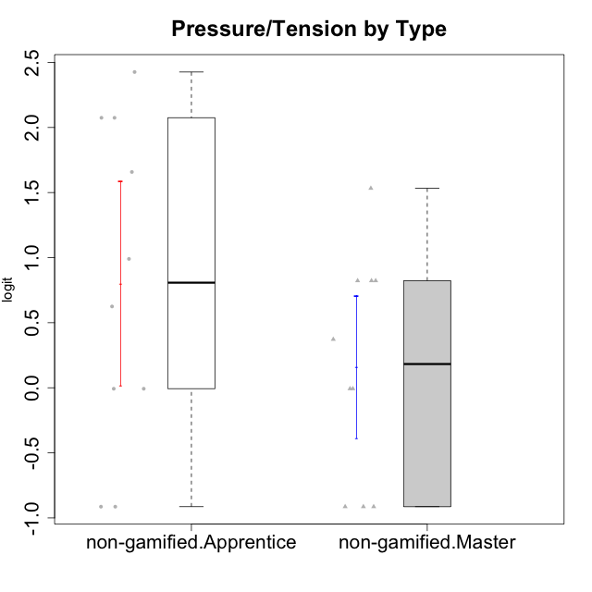

Student's t-Test data
UserID | NroUSP | Type | CLGroup | CLRole | PlayerRole | Interest/Enjoyment | Perceived Choice | Pressure/Tension | Effort/Importance | Intrinsic Motivation
10171 | 698531 | non-gamified | Grupo Team 6 | Apprentice |  | 0.77354775663 | 0.43204236264 | -0.0073696712261 | -0.08257998554 | 0.28259495124
10179 | 10310759 | non-gamified | Grupo Team 9 | Master |  | -0.94401358639 | -1.210479532 | 0.8224933278 | 0.57969939192 | -0.4654507279
10185 | 10276960 | non-gamified | Grupo Team 12 | Apprentice |  | -0.78975287252 | -0.56508989585 | 0.99020355854 | -0.58740121816 | -0.73311188627
10187 | 9790781 | non-gamified | Grupo Team 15 | Apprentice |  | 1.68641942 | 0.43204236264 | 1.6580383299 | 1.1151835345 | 0.90913447293
10188 | 10276995 | non-gamified | Grupo Team 3 | Master |  | -0.94401358639 | -0.23096919108 | 0.37211775447 | -0.82301683991 | -0.59252934296
10191 | 10276981 | non-gamified | Grupo Team 6 | Master |  | 0.77354775663 | -0.11298912179 | -0.0073696712261 | -1.0572723105 | -0.097336001102
10192 | 10276682 | non-gamified | Grupo Team 5 | Apprentice |  | 1.2808857648 | -0.56508989585 | -0.91363027987 | -1.0572723105 | 0.14303845959
10202 | 10277036 | non-gamified | Grupo Team 11 | Apprentice |  | -0.78975287252 | -1.210479532 | 2.4262382357 | 1.5139624553 | -1.110958985
10203 | 9921470 | non-gamified | Grupo Team 3 | Apprentice |  | -0.78975287252 | 1.6049919821 | -0.0073696712261 | -0.82301683991 | 0.21899990174
10208 | 10276932 | non-gamified | Grupo Team 7 | Apprentice |  | 1.4951617996 | 0.13995114232 | 0.62480349003 | 1.5139624553 | 0.81655266859
10210 | 10277015 | non-gamified | Grupo Team 9 | Apprentice |  | -1.2095717429 | -1.4411884157 | 2.0744710307 | 1.1151835345 | -0.90251191367
10211 | 9311643 | non-gamified | Grupo Team 2 | Master |  | 1.1257867718 | -1.3237490316 | 0.8224933278 | -2.2257330717 | -0.84504088772
10214 | 10277022 | non-gamified | Grupo Team 5 | Master |  | -1.5404013327 | -0.88530121499 | 0.8224933278 | -1.2960764082 | -1.1360680709
10216 | 10276720 | non-gamified | Grupo Team 15 | Master |  | 0.04532479257 | 0.81251309803 | -0.0073696712261 | 0.57969939192 | 0.36156332804
10217 | 9805341 | non-gamified | Grupo Team 13 | Master |  | -0.94401358639 | 1.4951814649 | -0.91363027987 | -0.08257998554 | 0.34555454321
10219 | 10276831 | non-gamified | Grupo Team 12 | Master |  | -1.0832226321 | -0.45618554659 | -0.91363027987 | -1.2960764082 | -0.48046357674
10220 | 9760151 | non-gamified | Grupo Team 2 | Apprentice |  | 0.62587550794 | 0.81251309803 | -0.91363027987 | 0.21371742061 | 0.64143407661
10230 | 10351992 | non-gamified | Grupo Team 14 | Master |  | -1.7436870557 | 0.010078688627 | 1.5327201225 | -0.58740121816 | -0.96343242692
10237 | 10377688 | non-gamified | Grupo Team 11 | Master |  | 0.04532479257 | 0.010078688627 | -0.91363027987 | -1.0572723105 | -0.022059637352
10238 | 10276953 | non-gamified | Grupo Team 13 | Apprentice |  | -0.94401358639 | -1.3237490316 | 2.0744710307 | -0.08257998554 | -1.1062034086

Type_CLRole_2
Student's t-Test for Pressure/Tension by Type in Type:CLRole between non-gamified.Apprentice:ont-gamified.Apprentice

Student's t-Test results
Alternative hypothesis: less
Group | N | Mean | Mean.Difference | Std.deviation | Std.error | CI.lower | CI.upper | df | t.value | p.value | g | magnitude
non-gamified.Apprentice | 10 | 0.80062257734 | 1.099581 | 1.2415514385 | 0.39261303779 | 0.015396501752 | 1.5858486529 | 16.930950636 | 2.3062931844 | 0.98299342295 | 0.95498402733 | large
ont-gamified.Apprentice | 14 | -0.2989584227 | -1.099581 | 1.012106939 | 0.27049695746 | -0.83995233762 | 0.24203549222 | 16.930950636 | 2.3062931844 | 0.98299342295 | 0.95498402733 | large
Alternative hypothesis: greater
Group | N | Mean | Mean.Difference | Std.deviation | Std.error | CI.lower | CI.upper | df | t.value | p.value | g | magnitude
non-gamified.Apprentice | 10 | 0.80062257734 | 1.099581 | 1.2415514385 | 0.39261303779 | 0.015396501752 | 1.5858486529 | 16.930950636 | 2.3062931844 | 0.017006577047 | 0.95498402733 | large
ont-gamified.Apprentice | 14 | -0.2989584227 | -1.099581 | 1.012106939 | 0.27049695746 | -0.83995233762 | 0.24203549222 | 16.930950636 | 2.3062931844 | 0.017006577047 | 0.95498402733 | large
Alternative hypothesis: two.sided
Group | N | Mean | Mean.Difference | Std.deviation | Std.error | CI.lower | CI.upper | df | t.value | p.value | g | magnitude
non-gamified.Apprentice | 10 | 0.80062257734 | 1.099581 | 1.2415514385 | 0.39261303779 | 0.015396501752 | 1.5858486529 | 16.930950636 | 2.3062931844 | 0.034013154093 | 0.95498402733 | large
ont-gamified.Apprentice | 14 | -0.2989584227 | -1.099581 | 1.012106939 | 0.27049695746 | -0.83995233762 | 0.24203549222 | 16.930950636 | 2.3062931844 | 0.034013154093 | 0.95498402733 | large

Box plots for Student's t-Test
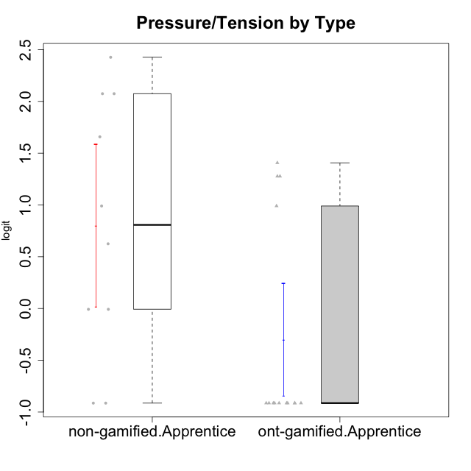

Student's t-Test data
UserID | NroUSP | Type | CLGroup | CLRole | PlayerRole | Interest/Enjoyment | Perceived Choice | Pressure/Tension | Effort/Importance | Intrinsic Motivation
10170 | 10260351 | ont-gamified | Grupo Afrodite | Apprentice | Yee Achiever | 0.33909170565 | 0.81251309803 | -0.91363027987 | 0.21371742061 | 0.56973812604
10171 | 698531 | non-gamified | Grupo Team 6 | Apprentice |  | 0.77354775663 | 0.43204236264 | -0.0073696712261 | -0.08257998554 | 0.28259495124
10176 | 10276949 | ont-gamified | Grupo Cronus | Apprentice | Yee Achiever | -0.62176572839 | 0.27922605818 | 1.2769315148 | -0.82301683991 | -0.61062200623
10178 | 8656201 | ont-gamified | Grupo Morfeu | Apprentice | Yee Socializer | 0.19438092697 | 0.27922605818 | 0.99020355854 | 0.21371742061 | -0.075719788195
10183 | 10352030 | ont-gamified | Grupo Hélio | Apprentice | Yee Socializer | -0.78975287252 | 0.010078688627 | 1.2769315148 | -0.08257998554 | -0.53479642106
10185 | 10276960 | non-gamified | Grupo Team 12 | Apprentice |  | -0.78975287252 | -0.56508989585 | 0.99020355854 | -0.58740121816 | -0.73311188627
10186 | 10310551 | ont-gamified | Grupo Ares | Apprentice | Yee Achiever | -0.11051255329 | 0.60542829398 | 1.4068182928 | 2.112963375 | 0.33599966761
10187 | 9790781 | non-gamified | Grupo Team 15 | Apprentice |  | 1.68641942 | 0.43204236264 | 1.6580383299 | 1.1151835345 | 0.90913447293
10192 | 10276682 | non-gamified | Grupo Team 5 | Apprentice |  | 1.2808857648 | -0.56508989585 | -0.91363027987 | -1.0572723105 | 0.14303845959
10195 | 10351971 | ont-gamified | Grupo Urano | Apprentice | Yee Achiever | 0.48203349534 | -0.45618554659 | -0.91363027987 | 0.21371742061 | 0.28829891231
10196 | 10310655 | ont-gamified | Grupo Hefesto | Apprentice | Yee Achiever | -0.78975287252 | -0.67246472837 | -0.91363027987 | 0.58104575034 | 0.0081146073306
10197 | 10276661 | ont-gamified | Grupo Gaia | Apprentice | Yee Achiever | 0.04532479257 | 1.4951814649 | -0.91363027987 | -0.58740121816 | 0.4666838298
10198 | 10310888 | ont-gamified | Grupo Apolo | Apprentice | Yee Socializer | 1.6465049901 | 1.7454889569 | -0.91363027987 | 2.112963375 | 1.2184175745
10200 | 9795272 | ont-gamified | Grupo Hades | Apprentice | Yee Socializer | 1.4951617996 | 0.010078688627 | -0.91363027987 | -0.58740121816 | 0.45786738748
10202 | 10277036 | non-gamified | Grupo Team 11 | Apprentice |  | -0.78975287252 | -1.210479532 | 2.4262382357 | 1.5139624553 | -1.110958985
10203 | 9921470 | non-gamified | Grupo Team 3 | Apprentice |  | -0.78975287252 | 1.6049919821 | -0.0073696712261 | -0.82301683991 | 0.21899990174
10208 | 10276932 | non-gamified | Grupo Team 7 | Apprentice |  | 1.4951617996 | 0.13995114232 | 0.62480349003 | 1.5139624553 | 0.81655266859
10209 | 10262669 | ont-gamified | Grupo Artemis | Apprentice | Yee Achiever | -1.4355957758 | -1.3020766724 | -0.91363027987 | 2.112963375 | -0.23281615393
10210 | 10277015 | non-gamified | Grupo Team 9 | Apprentice |  | -1.2095717429 | -1.4411884157 | 2.0744710307 | 1.1151835345 | -0.90251191367
10220 | 9760151 | non-gamified | Grupo Team 2 | Apprentice |  | 0.62587550794 | 0.81251309803 | -0.91363027987 | 0.21371742061 | 0.64143407661
10221 | 9082496 | ont-gamified | Grupo Hermes | Apprentice | Yee Achiever | -0.27485572343 | 0.010078688627 | -0.91363027987 | 0.58104575034 | 0.30747474885
10231 | 10276911 | ont-gamified | Grupo Caronte | Apprentice | Yee Achiever | 1.6465049901 | 1.4951814649 | -0.91363027987 | 0.58104575034 | 1.2184175745
10238 | 10276953 | non-gamified | Grupo Team 13 | Apprentice |  | -0.94401358639 | -1.3237490316 | 2.0744710307 | -0.08257998554 | -1.1062034086
10240 | 10276654 | ont-gamified | Grupo Hera | Apprentice | Yee Achiever | -1.2095717429 | -1.3020766724 | -0.91363027987 | -0.82301683991 | -0.79108933843

Type_CLRole_3
Student's t-Test for Pressure/Tension by Type in Type:CLRole between non-gamified.Apprentice:ont-gamified.Master

Student's t-Test results
Alternative hypothesis: less
Group | N | Mean | Mean.Difference | Std.deviation | Std.error | CI.lower | CI.upper | df | t.value | p.value | g | magnitude
non-gamified.Apprentice | 10 | 0.80062257734 | 0.26276149461 | 1.2415514385 | 0.39261303779 | 0.015396501752 | 1.5858486529 | 16.605823628 | 0.55565508065 | 0.70707211545 | 0.2310814583 | small
ont-gamified.Master | 14 | 0.53786108273 | -0.26276149461 | 0.98623834416 | 0.26358328468 | 0.010694513362 | 1.0650276521 | 16.605823628 | 0.55565508065 | 0.70707211545 | 0.2310814583 | small
Alternative hypothesis: greater
Group | N | Mean | Mean.Difference | Std.deviation | Std.error | CI.lower | CI.upper | df | t.value | p.value | g | magnitude
non-gamified.Apprentice | 10 | 0.80062257734 | 0.26276149461 | 1.2415514385 | 0.39261303779 | 0.015396501752 | 1.5858486529 | 16.605823628 | 0.55565508065 | 0.29292788455 | 0.2310814583 | small
ont-gamified.Master | 14 | 0.53786108273 | -0.26276149461 | 0.98623834416 | 0.26358328468 | 0.010694513362 | 1.0650276521 | 16.605823628 | 0.55565508065 | 0.29292788455 | 0.2310814583 | small
Alternative hypothesis: two.sided
Group | N | Mean | Mean.Difference | Std.deviation | Std.error | CI.lower | CI.upper | df | t.value | p.value | g | magnitude
non-gamified.Apprentice | 10 | 0.80062257734 | 0.26276149461 | 1.2415514385 | 0.39261303779 | 0.015396501752 | 1.5858486529 | 16.605823628 | 0.55565508065 | 0.58585576909 | 0.2310814583 | small
ont-gamified.Master | 14 | 0.53786108273 | -0.26276149461 | 0.98623834416 | 0.26358328468 | 0.010694513362 | 1.0650276521 | 16.605823628 | 0.55565508065 | 0.58585576909 | 0.2310814583 | small

Box plots for Student's t-Test
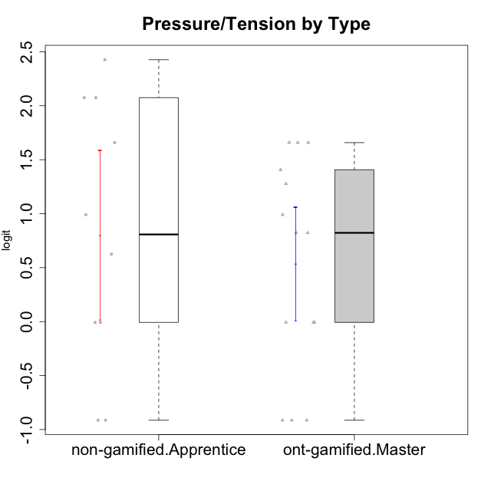

Student's t-Test data
UserID | NroUSP | Type | CLGroup | CLRole | PlayerRole | Interest/Enjoyment | Perceived Choice | Pressure/Tension | Effort/Importance | Intrinsic Motivation
10169 | 10377538 | ont-gamified | Grupo Hefesto | Master | Yee Achiever | 0.77354775663 | -0.34506436271 | 0.8224933278 | 0.21371742061 | -0.045073128315
10171 | 698531 | non-gamified | Grupo Team 6 | Apprentice |  | 0.77354775663 | 0.43204236264 | -0.0073696712261 | -0.08257998554 | 0.28259495124
10174 | 10276852 | ont-gamified | Grupo Urano | Master | Yee Achiever | 0.04532479257 | -0.56508989585 | -0.0073696712261 | 1.1151835345 | 0.15069702562
10175 | 10310700 | ont-gamified | Grupo Hélio | Master | Yee Socializer | 0.77354775663 | 1.7454889569 | -0.91363027987 | -0.58740121816 | 0.81121714881
10184 | 10276675 | ont-gamified | Grupo Apolo | Master | Yee Socializer | -0.27485572343 | 0.13995114232 | 0.99020355854 | 1.1151835345 | -0.0024811512813
10185 | 10276960 | non-gamified | Grupo Team 12 | Apprentice |  | -0.78975287252 | -0.56508989585 | 0.99020355854 | -0.58740121816 | -0.73311188627
10187 | 9790781 | non-gamified | Grupo Team 15 | Apprentice |  | 1.68641942 | 0.43204236264 | 1.6580383299 | 1.1151835345 | 0.90913447293
10189 | 9363926 | ont-gamified | Grupo Hades | Master | Yee Socializer | -0.78975287252 | -0.11298912179 | 1.6580383299 | 0.58104575034 | -0.49493364347
10192 | 10276682 | non-gamified | Grupo Team 5 | Apprentice |  | 1.2808857648 | -0.56508989585 | -0.91363027987 | -1.0572723105 | 0.14303845959
10193 | 10276762 | ont-gamified | Grupo Afrodite | Master | Yee Achiever | 0.04532479257 | -0.56508989585 | -0.0073696712261 | -0.82301683991 | -0.33385306799
10199 | 10276737 | ont-gamified | Grupo Gaia | Master | Yee Achiever | -0.78975287252 | 1.7454889569 | 1.2769315148 | -0.82301683991 | -0.10207539477
10201 | 10276928 | ont-gamified | Grupo Caronte | Master | Yee Achiever | 1.4951617996 | 0.27922605818 | 0.8224933278 | 1.8670095161 | 0.80194893812
10202 | 10277036 | non-gamified | Grupo Team 11 | Apprentice |  | -0.78975287252 | -1.210479532 | 2.4262382357 | 1.5139624553 | -1.110958985
10203 | 9921470 | non-gamified | Grupo Team 3 | Apprentice |  | -0.78975287252 | 1.6049919821 | -0.0073696712261 | -0.82301683991 | 0.21899990174
10204 | 10310471 | ont-gamified | Grupo Hermes | Master | Yee Achiever | 1.9117264103 | 0.60542829398 | -0.91363027987 | 0.21371742061 | 0.81121714881
10206 | 10310721 | ont-gamified | Grupo Hera | Master | Yee Achiever | -0.27485572343 | 1.0818912276 | 1.6580383299 | -0.08257998554 | -0.23339570283
10208 | 10276932 | non-gamified | Grupo Team 7 | Apprentice |  | 1.4951617996 | 0.13995114232 | 0.62480349003 | 1.5139624553 | 0.81655266859
10210 | 10277015 | non-gamified | Grupo Team 9 | Apprentice |  | -1.2095717429 | -1.4411884157 | 2.0744710307 | 1.1151835345 | -0.90251191367
10213 | 10277040 | ont-gamified | Grupo Morfeu | Master | Yee Socializer | 0.62587550794 | -0.45618554659 | -0.91363027987 | -1.4395746749 | -0.18410762009
10218 | 9842913 | ont-gamified | Grupo Ares | Master | Yee Achiever | -1.326100113 | 0.010078688627 | 1.6580383299 | 0.58104575034 | -0.59825350099
10220 | 9760151 | non-gamified | Grupo Team 2 | Apprentice |  | 0.62587550794 | 0.81251309803 | -0.91363027987 | 0.21371742061 | 0.64143407661
10223 | 9795185 | ont-gamified | Grupo Cronus | Master | Yee Achiever | 1.4951617996 | 0.81251309803 | -0.0073696712261 | -0.34384769996 | 0.49279921722
10232 | 10276974 | ont-gamified | Grupo Artemis | Master | Yee Achiever | 0.62587550794 | -0.11298912179 | 1.4068182928 | 0.21371742061 | -0.1700536215
10238 | 10276953 | non-gamified | Grupo Team 13 | Apprentice |  | -0.94401358639 | -1.3237490316 | 2.0744710307 | -0.08257998554 | -1.1062034086

Type_CLRole_4
Student's t-Test for Pressure/Tension by Type in Type:CLRole between non-gamified.Master:ont-gamified.Apprentice

Student's t-Test results
Alternative hypothesis: less
Group | N | Mean | Mean.Difference | Std.deviation | Std.error | CI.lower | CI.upper | df | t.value | p.value | g | magnitude
non-gamified.Master | 10 | 0.16166876783 | 0.46062719053 | 0.86667243613 | 0.27406588835 | -0.38646300887 | 0.70980054452 | 21.168199681 | 1.1962094653 | 0.87757890607 | 0.46555817637 | small
ont-gamified.Apprentice | 14 | -0.2989584227 | -0.46062719053 | 1.012106939 | 0.27049695746 | -0.83995233762 | 0.24203549222 | 21.168199681 | 1.1962094653 | 0.87757890607 | 0.46555817637 | small
Alternative hypothesis: greater
Group | N | Mean | Mean.Difference | Std.deviation | Std.error | CI.lower | CI.upper | df | t.value | p.value | g | magnitude
non-gamified.Master | 10 | 0.16166876783 | 0.46062719053 | 0.86667243613 | 0.27406588835 | -0.38646300887 | 0.70980054452 | 21.168199681 | 1.1962094653 | 0.12242109393 | 0.46555817637 | small
ont-gamified.Apprentice | 14 | -0.2989584227 | -0.46062719053 | 1.012106939 | 0.27049695746 | -0.83995233762 | 0.24203549222 | 21.168199681 | 1.1962094653 | 0.12242109393 | 0.46555817637 | small
Alternative hypothesis: two.sided
Group | N | Mean | Mean.Difference | Std.deviation | Std.error | CI.lower | CI.upper | df | t.value | p.value | g | magnitude
non-gamified.Master | 10 | 0.16166876783 | 0.46062719053 | 0.86667243613 | 0.27406588835 | -0.38646300887 | 0.70980054452 | 21.168199681 | 1.1962094653 | 0.24484218786 | 0.46555817637 | small
ont-gamified.Apprentice | 14 | -0.2989584227 | -0.46062719053 | 1.012106939 | 0.27049695746 | -0.83995233762 | 0.24203549222 | 21.168199681 | 1.1962094653 | 0.24484218786 | 0.46555817637 | small

Box plots for Student's t-Test
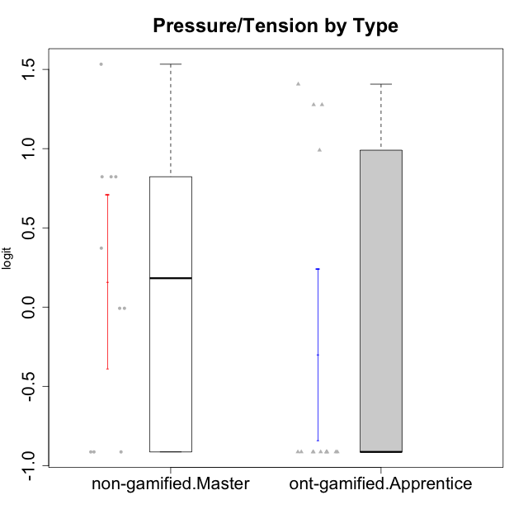

Student's t-Test data
UserID | NroUSP | Type | CLGroup | CLRole | PlayerRole | Interest/Enjoyment | Perceived Choice | Pressure/Tension | Effort/Importance | Intrinsic Motivation
10170 | 10260351 | ont-gamified | Grupo Afrodite | Apprentice | Yee Achiever | 0.33909170565 | 0.81251309803 | -0.91363027987 | 0.21371742061 | 0.56973812604
10176 | 10276949 | ont-gamified | Grupo Cronus | Apprentice | Yee Achiever | -0.62176572839 | 0.27922605818 | 1.2769315148 | -0.82301683991 | -0.61062200623
10178 | 8656201 | ont-gamified | Grupo Morfeu | Apprentice | Yee Socializer | 0.19438092697 | 0.27922605818 | 0.99020355854 | 0.21371742061 | -0.075719788195
10179 | 10310759 | non-gamified | Grupo Team 9 | Master |  | -0.94401358639 | -1.210479532 | 0.8224933278 | 0.57969939192 | -0.4654507279
10183 | 10352030 | ont-gamified | Grupo Hélio | Apprentice | Yee Socializer | -0.78975287252 | 0.010078688627 | 1.2769315148 | -0.08257998554 | -0.53479642106
10186 | 10310551 | ont-gamified | Grupo Ares | Apprentice | Yee Achiever | -0.11051255329 | 0.60542829398 | 1.4068182928 | 2.112963375 | 0.33599966761
10188 | 10276995 | non-gamified | Grupo Team 3 | Master |  | -0.94401358639 | -0.23096919108 | 0.37211775447 | -0.82301683991 | -0.59252934296
10191 | 10276981 | non-gamified | Grupo Team 6 | Master |  | 0.77354775663 | -0.11298912179 | -0.0073696712261 | -1.0572723105 | -0.097336001102
10195 | 10351971 | ont-gamified | Grupo Urano | Apprentice | Yee Achiever | 0.48203349534 | -0.45618554659 | -0.91363027987 | 0.21371742061 | 0.28829891231
10196 | 10310655 | ont-gamified | Grupo Hefesto | Apprentice | Yee Achiever | -0.78975287252 | -0.67246472837 | -0.91363027987 | 0.58104575034 | 0.0081146073306
10197 | 10276661 | ont-gamified | Grupo Gaia | Apprentice | Yee Achiever | 0.04532479257 | 1.4951814649 | -0.91363027987 | -0.58740121816 | 0.4666838298
10198 | 10310888 | ont-gamified | Grupo Apolo | Apprentice | Yee Socializer | 1.6465049901 | 1.7454889569 | -0.91363027987 | 2.112963375 | 1.2184175745
10200 | 9795272 | ont-gamified | Grupo Hades | Apprentice | Yee Socializer | 1.4951617996 | 0.010078688627 | -0.91363027987 | -0.58740121816 | 0.45786738748
10209 | 10262669 | ont-gamified | Grupo Artemis | Apprentice | Yee Achiever | -1.4355957758 | -1.3020766724 | -0.91363027987 | 2.112963375 | -0.23281615393
10211 | 9311643 | non-gamified | Grupo Team 2 | Master |  | 1.1257867718 | -1.3237490316 | 0.8224933278 | -2.2257330717 | -0.84504088772
10214 | 10277022 | non-gamified | Grupo Team 5 | Master |  | -1.5404013327 | -0.88530121499 | 0.8224933278 | -1.2960764082 | -1.1360680709
10216 | 10276720 | non-gamified | Grupo Team 15 | Master |  | 0.04532479257 | 0.81251309803 | -0.0073696712261 | 0.57969939192 | 0.36156332804
10217 | 9805341 | non-gamified | Grupo Team 13 | Master |  | -0.94401358639 | 1.4951814649 | -0.91363027987 | -0.08257998554 | 0.34555454321
10219 | 10276831 | non-gamified | Grupo Team 12 | Master |  | -1.0832226321 | -0.45618554659 | -0.91363027987 | -1.2960764082 | -0.48046357674
10221 | 9082496 | ont-gamified | Grupo Hermes | Apprentice | Yee Achiever | -0.27485572343 | 0.010078688627 | -0.91363027987 | 0.58104575034 | 0.30747474885
10230 | 10351992 | non-gamified | Grupo Team 14 | Master |  | -1.7436870557 | 0.010078688627 | 1.5327201225 | -0.58740121816 | -0.96343242692
10231 | 10276911 | ont-gamified | Grupo Caronte | Apprentice | Yee Achiever | 1.6465049901 | 1.4951814649 | -0.91363027987 | 0.58104575034 | 1.2184175745
10237 | 10377688 | non-gamified | Grupo Team 11 | Master |  | 0.04532479257 | 0.010078688627 | -0.91363027987 | -1.0572723105 | -0.022059637352
10240 | 10276654 | ont-gamified | Grupo Hera | Apprentice | Yee Achiever | -1.2095717429 | -1.3020766724 | -0.91363027987 | -0.82301683991 | -0.79108933843

Type_CLRole_5
Student's t-Test for Pressure/Tension by Type in Type:CLRole between non-gamified.Master:ont-gamified.Master

Student's t-Test results
Alternative hypothesis: less
Group | N | Mean | Mean.Difference | Std.deviation | Std.error | CI.lower | CI.upper | df | t.value | p.value | g | magnitude
non-gamified.Master | 10 | 0.16166876783 | -0.3761923149 | 0.86667243613 | 0.27406588835 | -0.38646300887 | 0.70980054452 | 20.94403742 | -0.98933507146 | 0.16689600933 | -0.38674728989 | small
ont-gamified.Master | 14 | 0.53786108273 | 0.3761923149 | 0.98623834416 | 0.26358328468 | 0.010694513362 | 1.0650276521 | 20.94403742 | -0.98933507146 | 0.16689600933 | -0.38674728989 | small
Alternative hypothesis: greater
Group | N | Mean | Mean.Difference | Std.deviation | Std.error | CI.lower | CI.upper | df | t.value | p.value | g | magnitude
non-gamified.Master | 10 | 0.16166876783 | -0.3761923149 | 0.86667243613 | 0.27406588835 | -0.38646300887 | 0.70980054452 | 20.94403742 | -0.98933507146 | 0.83310399067 | -0.38674728989 | small
ont-gamified.Master | 14 | 0.53786108273 | 0.3761923149 | 0.98623834416 | 0.26358328468 | 0.010694513362 | 1.0650276521 | 20.94403742 | -0.98933507146 | 0.83310399067 | -0.38674728989 | small
Alternative hypothesis: two.sided
Group | N | Mean | Mean.Difference | Std.deviation | Std.error | CI.lower | CI.upper | df | t.value | p.value | g | magnitude
non-gamified.Master | 10 | 0.16166876783 | -0.3761923149 | 0.86667243613 | 0.27406588835 | -0.38646300887 | 0.70980054452 | 20.94403742 | -0.98933507146 | 0.33379201867 | -0.38674728989 | small
ont-gamified.Master | 14 | 0.53786108273 | 0.3761923149 | 0.98623834416 | 0.26358328468 | 0.010694513362 | 1.0650276521 | 20.94403742 | -0.98933507146 | 0.33379201867 | -0.38674728989 | small

Box plots for Student's t-Test
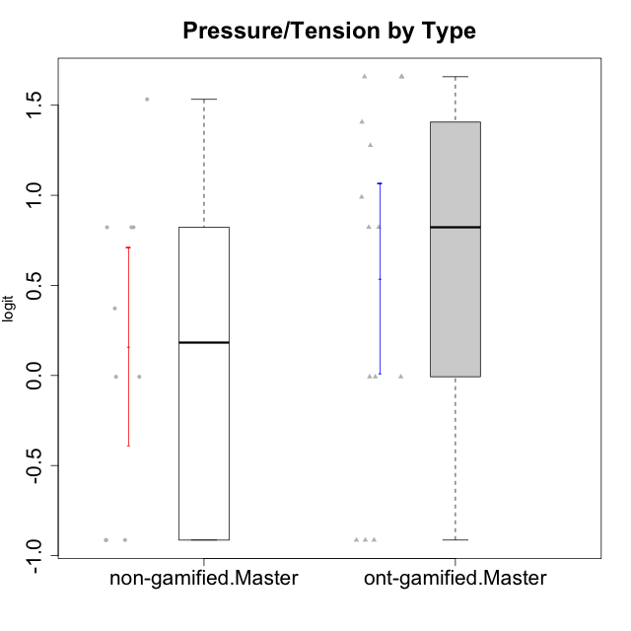

Student's t-Test data
UserID | NroUSP | Type | CLGroup | CLRole | PlayerRole | Interest/Enjoyment | Perceived Choice | Pressure/Tension | Effort/Importance | Intrinsic Motivation
10169 | 10377538 | ont-gamified | Grupo Hefesto | Master | Yee Achiever | 0.77354775663 | -0.34506436271 | 0.8224933278 | 0.21371742061 | -0.045073128315
10174 | 10276852 | ont-gamified | Grupo Urano | Master | Yee Achiever | 0.04532479257 | -0.56508989585 | -0.0073696712261 | 1.1151835345 | 0.15069702562
10175 | 10310700 | ont-gamified | Grupo Hélio | Master | Yee Socializer | 0.77354775663 | 1.7454889569 | -0.91363027987 | -0.58740121816 | 0.81121714881
10179 | 10310759 | non-gamified | Grupo Team 9 | Master |  | -0.94401358639 | -1.210479532 | 0.8224933278 | 0.57969939192 | -0.4654507279
10184 | 10276675 | ont-gamified | Grupo Apolo | Master | Yee Socializer | -0.27485572343 | 0.13995114232 | 0.99020355854 | 1.1151835345 | -0.0024811512813
10188 | 10276995 | non-gamified | Grupo Team 3 | Master |  | -0.94401358639 | -0.23096919108 | 0.37211775447 | -0.82301683991 | -0.59252934296
10189 | 9363926 | ont-gamified | Grupo Hades | Master | Yee Socializer | -0.78975287252 | -0.11298912179 | 1.6580383299 | 0.58104575034 | -0.49493364347
10191 | 10276981 | non-gamified | Grupo Team 6 | Master |  | 0.77354775663 | -0.11298912179 | -0.0073696712261 | -1.0572723105 | -0.097336001102
10193 | 10276762 | ont-gamified | Grupo Afrodite | Master | Yee Achiever | 0.04532479257 | -0.56508989585 | -0.0073696712261 | -0.82301683991 | -0.33385306799
10199 | 10276737 | ont-gamified | Grupo Gaia | Master | Yee Achiever | -0.78975287252 | 1.7454889569 | 1.2769315148 | -0.82301683991 | -0.10207539477
10201 | 10276928 | ont-gamified | Grupo Caronte | Master | Yee Achiever | 1.4951617996 | 0.27922605818 | 0.8224933278 | 1.8670095161 | 0.80194893812
10204 | 10310471 | ont-gamified | Grupo Hermes | Master | Yee Achiever | 1.9117264103 | 0.60542829398 | -0.91363027987 | 0.21371742061 | 0.81121714881
10206 | 10310721 | ont-gamified | Grupo Hera | Master | Yee Achiever | -0.27485572343 | 1.0818912276 | 1.6580383299 | -0.08257998554 | -0.23339570283
10211 | 9311643 | non-gamified | Grupo Team 2 | Master |  | 1.1257867718 | -1.3237490316 | 0.8224933278 | -2.2257330717 | -0.84504088772
10213 | 10277040 | ont-gamified | Grupo Morfeu | Master | Yee Socializer | 0.62587550794 | -0.45618554659 | -0.91363027987 | -1.4395746749 | -0.18410762009
10214 | 10277022 | non-gamified | Grupo Team 5 | Master |  | -1.5404013327 | -0.88530121499 | 0.8224933278 | -1.2960764082 | -1.1360680709
10216 | 10276720 | non-gamified | Grupo Team 15 | Master |  | 0.04532479257 | 0.81251309803 | -0.0073696712261 | 0.57969939192 | 0.36156332804
10217 | 9805341 | non-gamified | Grupo Team 13 | Master |  | -0.94401358639 | 1.4951814649 | -0.91363027987 | -0.08257998554 | 0.34555454321
10218 | 9842913 | ont-gamified | Grupo Ares | Master | Yee Achiever | -1.326100113 | 0.010078688627 | 1.6580383299 | 0.58104575034 | -0.59825350099
10219 | 10276831 | non-gamified | Grupo Team 12 | Master |  | -1.0832226321 | -0.45618554659 | -0.91363027987 | -1.2960764082 | -0.48046357674
10223 | 9795185 | ont-gamified | Grupo Cronus | Master | Yee Achiever | 1.4951617996 | 0.81251309803 | -0.0073696712261 | -0.34384769996 | 0.49279921722
10230 | 10351992 | non-gamified | Grupo Team 14 | Master |  | -1.7436870557 | 0.010078688627 | 1.5327201225 | -0.58740121816 | -0.96343242692
10232 | 10276974 | ont-gamified | Grupo Artemis | Master | Yee Achiever | 0.62587550794 | -0.11298912179 | 1.4068182928 | 0.21371742061 | -0.1700536215
10237 | 10377688 | non-gamified | Grupo Team 11 | Master |  | 0.04532479257 | 0.010078688627 | -0.91363027987 | -1.0572723105 | -0.022059637352

Type_CLRole_6
Student's t-Test for Pressure/Tension by Type in Type:CLRole between ont-gamified.Apprentice:ont-gamified.Master

Student's t-Test results
Alternative hypothesis: less
Group | N | Mean | Mean.Difference | Std.deviation | Std.error | CI.lower | CI.upper | df | t.value | p.value | g | magnitude
ont-gamified.Apprentice | 14 | -0.2989584227 | -0.83681950543 | 1.012106939 | 0.27049695746 | -0.83995233762 | 0.24203549222 | 25.98258989 | -2.2156639703 | 0.017841607983 | -0.81305074261 | large
ont-gamified.Master | 14 | 0.53786108273 | 0.83681950543 | 0.98623834416 | 0.26358328468 | 0.010694513362 | 1.0650276521 | 25.98258989 | -2.2156639703 | 0.017841607983 | -0.81305074261 | large
Alternative hypothesis: greater
Group | N | Mean | Mean.Difference | Std.deviation | Std.error | CI.lower | CI.upper | df | t.value | p.value | g | magnitude
ont-gamified.Apprentice | 14 | -0.2989584227 | -0.83681950543 | 1.012106939 | 0.27049695746 | -0.83995233762 | 0.24203549222 | 25.98258989 | -2.2156639703 | 0.98215839202 | -0.81305074261 | large
ont-gamified.Master | 14 | 0.53786108273 | 0.83681950543 | 0.98623834416 | 0.26358328468 | 0.010694513362 | 1.0650276521 | 25.98258989 | -2.2156639703 | 0.98215839202 | -0.81305074261 | large
Alternative hypothesis: two.sided
Group | N | Mean | Mean.Difference | Std.deviation | Std.error | CI.lower | CI.upper | df | t.value | p.value | g | magnitude
ont-gamified.Apprentice | 14 | -0.2989584227 | -0.83681950543 | 1.012106939 | 0.27049695746 | -0.83995233762 | 0.24203549222 | 25.98258989 | -2.2156639703 | 0.035683215967 | -0.81305074261 | large
ont-gamified.Master | 14 | 0.53786108273 | 0.83681950543 | 0.98623834416 | 0.26358328468 | 0.010694513362 | 1.0650276521 | 25.98258989 | -2.2156639703 | 0.035683215967 | -0.81305074261 | large

Box plots for Student's t-Test
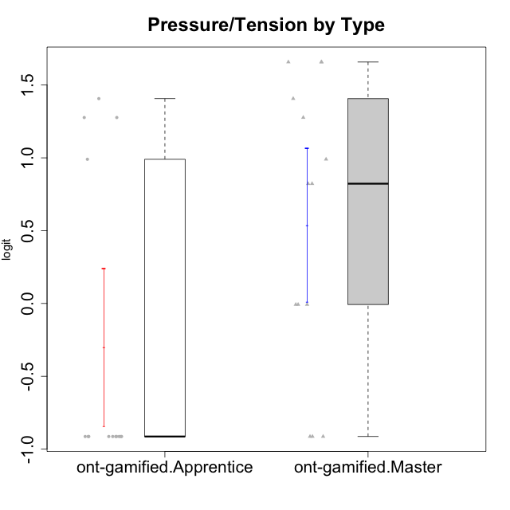

Student's t-Test data
UserID | NroUSP | Type | CLGroup | CLRole | PlayerRole | Interest/Enjoyment | Perceived Choice | Pressure/Tension | Effort/Importance | Intrinsic Motivation
10169 | 10377538 | ont-gamified | Grupo Hefesto | Master | Yee Achiever | 0.77354775663 | -0.34506436271 | 0.8224933278 | 0.21371742061 | -0.045073128315
10170 | 10260351 | ont-gamified | Grupo Afrodite | Apprentice | Yee Achiever | 0.33909170565 | 0.81251309803 | -0.91363027987 | 0.21371742061 | 0.56973812604
10174 | 10276852 | ont-gamified | Grupo Urano | Master | Yee Achiever | 0.04532479257 | -0.56508989585 | -0.0073696712261 | 1.1151835345 | 0.15069702562
10175 | 10310700 | ont-gamified | Grupo Hélio | Master | Yee Socializer | 0.77354775663 | 1.7454889569 | -0.91363027987 | -0.58740121816 | 0.81121714881
10176 | 10276949 | ont-gamified | Grupo Cronus | Apprentice | Yee Achiever | -0.62176572839 | 0.27922605818 | 1.2769315148 | -0.82301683991 | -0.61062200623
10178 | 8656201 | ont-gamified | Grupo Morfeu | Apprentice | Yee Socializer | 0.19438092697 | 0.27922605818 | 0.99020355854 | 0.21371742061 | -0.075719788195
10183 | 10352030 | ont-gamified | Grupo Hélio | Apprentice | Yee Socializer | -0.78975287252 | 0.010078688627 | 1.2769315148 | -0.08257998554 | -0.53479642106
10184 | 10276675 | ont-gamified | Grupo Apolo | Master | Yee Socializer | -0.27485572343 | 0.13995114232 | 0.99020355854 | 1.1151835345 | -0.0024811512813
10186 | 10310551 | ont-gamified | Grupo Ares | Apprentice | Yee Achiever | -0.11051255329 | 0.60542829398 | 1.4068182928 | 2.112963375 | 0.33599966761
10189 | 9363926 | ont-gamified | Grupo Hades | Master | Yee Socializer | -0.78975287252 | -0.11298912179 | 1.6580383299 | 0.58104575034 | -0.49493364347
10193 | 10276762 | ont-gamified | Grupo Afrodite | Master | Yee Achiever | 0.04532479257 | -0.56508989585 | -0.0073696712261 | -0.82301683991 | -0.33385306799
10195 | 10351971 | ont-gamified | Grupo Urano | Apprentice | Yee Achiever | 0.48203349534 | -0.45618554659 | -0.91363027987 | 0.21371742061 | 0.28829891231
10196 | 10310655 | ont-gamified | Grupo Hefesto | Apprentice | Yee Achiever | -0.78975287252 | -0.67246472837 | -0.91363027987 | 0.58104575034 | 0.0081146073306
10197 | 10276661 | ont-gamified | Grupo Gaia | Apprentice | Yee Achiever | 0.04532479257 | 1.4951814649 | -0.91363027987 | -0.58740121816 | 0.4666838298
10198 | 10310888 | ont-gamified | Grupo Apolo | Apprentice | Yee Socializer | 1.6465049901 | 1.7454889569 | -0.91363027987 | 2.112963375 | 1.2184175745
10199 | 10276737 | ont-gamified | Grupo Gaia | Master | Yee Achiever | -0.78975287252 | 1.7454889569 | 1.2769315148 | -0.82301683991 | -0.10207539477
10200 | 9795272 | ont-gamified | Grupo Hades | Apprentice | Yee Socializer | 1.4951617996 | 0.010078688627 | -0.91363027987 | -0.58740121816 | 0.45786738748
10201 | 10276928 | ont-gamified | Grupo Caronte | Master | Yee Achiever | 1.4951617996 | 0.27922605818 | 0.8224933278 | 1.8670095161 | 0.80194893812
10204 | 10310471 | ont-gamified | Grupo Hermes | Master | Yee Achiever | 1.9117264103 | 0.60542829398 | -0.91363027987 | 0.21371742061 | 0.81121714881
10206 | 10310721 | ont-gamified | Grupo Hera | Master | Yee Achiever | -0.27485572343 | 1.0818912276 | 1.6580383299 | -0.08257998554 | -0.23339570283
10209 | 10262669 | ont-gamified | Grupo Artemis | Apprentice | Yee Achiever | -1.4355957758 | -1.3020766724 | -0.91363027987 | 2.112963375 | -0.23281615393
10213 | 10277040 | ont-gamified | Grupo Morfeu | Master | Yee Socializer | 0.62587550794 | -0.45618554659 | -0.91363027987 | -1.4395746749 | -0.18410762009
10218 | 9842913 | ont-gamified | Grupo Ares | Master | Yee Achiever | -1.326100113 | 0.010078688627 | 1.6580383299 | 0.58104575034 | -0.59825350099
10221 | 9082496 | ont-gamified | Grupo Hermes | Apprentice | Yee Achiever | -0.27485572343 | 0.010078688627 | -0.91363027987 | 0.58104575034 | 0.30747474885
10223 | 9795185 | ont-gamified | Grupo Cronus | Master | Yee Achiever | 1.4951617996 | 0.81251309803 | -0.0073696712261 | -0.34384769996 | 0.49279921722
10231 | 10276911 | ont-gamified | Grupo Caronte | Apprentice | Yee Achiever | 1.6465049901 | 1.4951814649 | -0.91363027987 | 0.58104575034 | 1.2184175745
10232 | 10276974 | ont-gamified | Grupo Artemis | Master | Yee Achiever | 0.62587550794 | -0.11298912179 | 1.4068182928 | 0.21371742061 | -0.1700536215
10240 | 10276654 | ont-gamified | Grupo Hera | Apprentice | Yee Achiever | -1.2095717429 | -1.3020766724 | -0.91363027987 | -0.82301683991 | -0.79108933843

