Assumptions
ANOVA assumptions for Effort/Importance by Type

Shapiro-Wilk normality test for Effort/Importance by Type
W | p.value
0.96968416321 | 0.14081984598

Plots for normality test
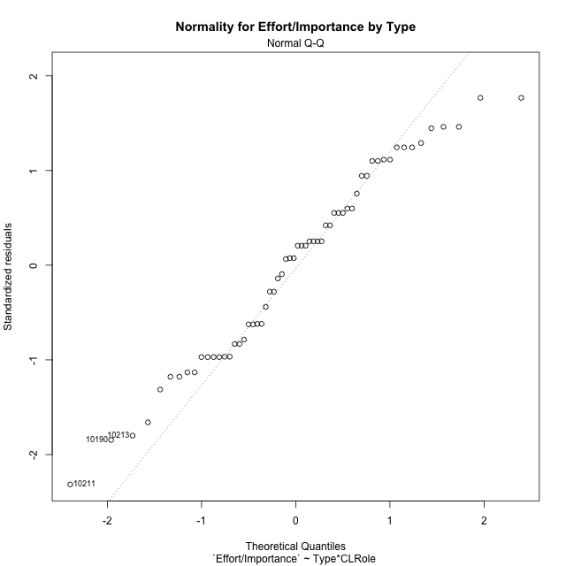

Levene's Test for Homogeneity of Variance in Effort/Importance by Type
Df | F value | Pr(>F)
3 | 0.66020923026 | 0.57999453961
56

Plots for homogeneity of variance
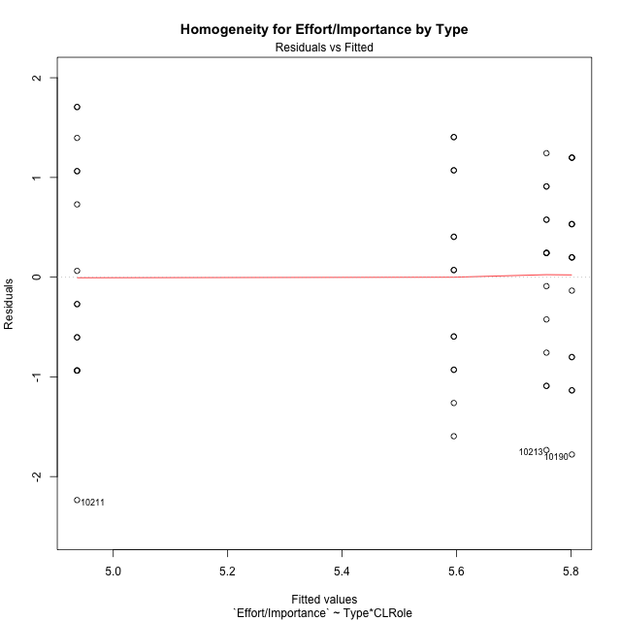

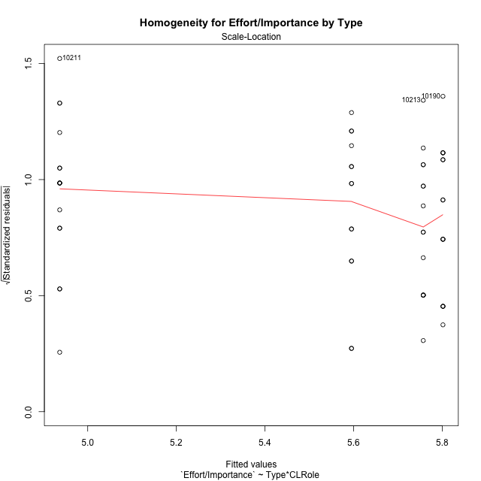

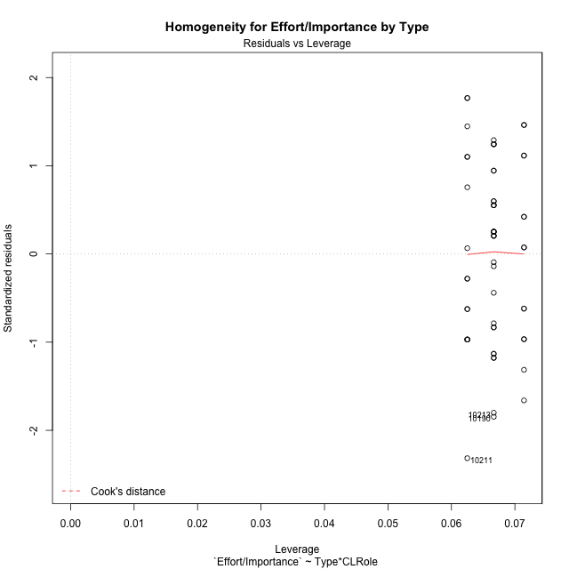

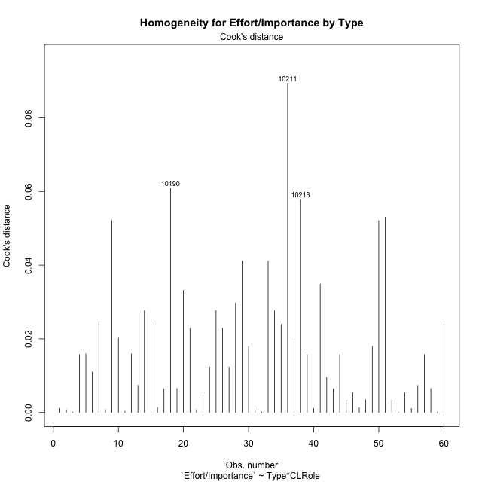

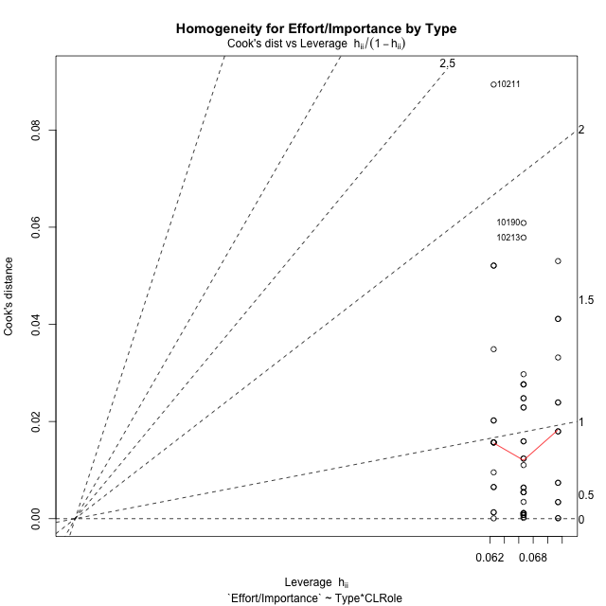

Minimum Sample Size Test for Effort/Importance by Type
Type | CLRole | Freq
non-gamified | Apprentice | 14
ont-gamified | Apprentice | 15
non-gamified | Master | 16
ont-gamified | Master | 15

Errors and Warnings in Sample Size Test for ANOVA in Effort/Importance by Type
code | description
WARN: sample.size | current size is 14 and recommended size is 15 for the group: 'non-gamified:Apprentice'.

For the group: 'non-gamified:Apprentice', we recommend the use of non-parametric test. For the group: 'ont-gamified:Apprentice', you can perform a parametric test without having a normal distribution For the group: 'non-gamified:Master', you can perform a parametric test without having a normal distribution For the group: 'ont-gamified:Master', you can perform a parametric test without having a normal distribution

If you don't want to remove non-normal data, you must cite the following references: ... (1) Lix, L.M., J.C. Keselman, and H.J. Keselman. 1996. Consequences of assumption violations revisited: A quantitative review of alternatives to the one-way analysis of variance F test. Rev. Educ. Res. 66: 579-619. ... (2) Harwell, M.R., E.N. Rubinstein, W.S. Hayes, and C.C. Olds. 1992. Summarizing Monte Carlo results in methodological research: the one- and two-factor fixed effects ANOVA cases. J. Educ. Stat. 17: 315-339.

Post-hoc
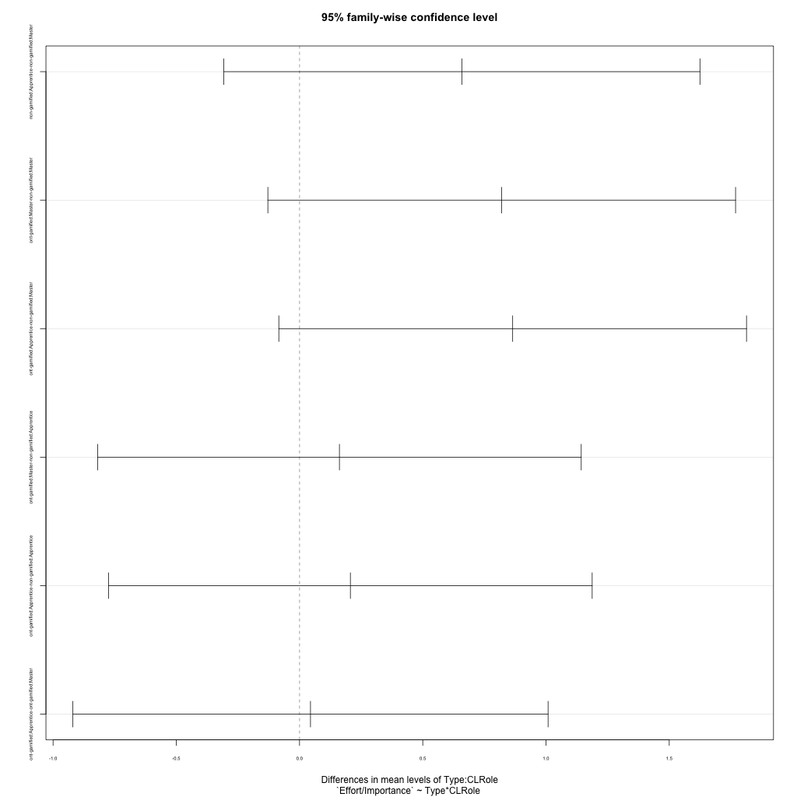
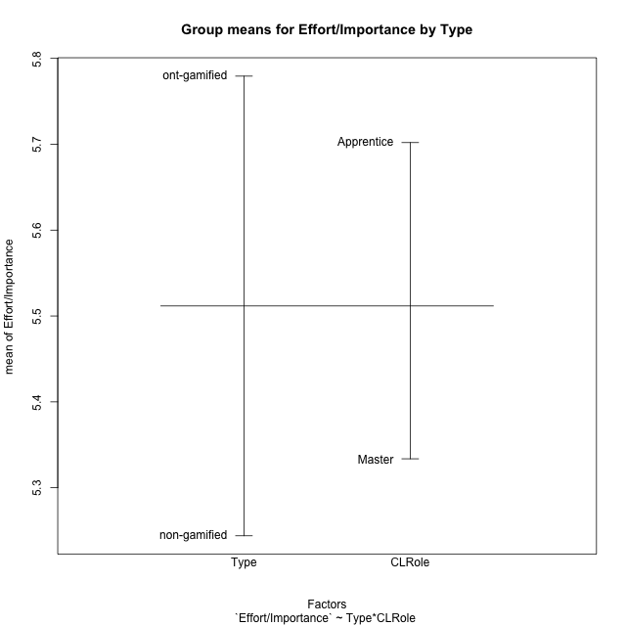
Post-hoc Tukey Honestly Significant Difference (HSD) Test for Effort/Importance by Type

Comparisons of means for Type
 | diff | lwr | upr | p adj
ont-gamified-non-gamified | 0.53526666667 | 0.019570693745 | 1.0509626396 | 0.042184484133

Comparisons of means for CLRole
 | diff | lwr | upr | p adj
Apprentice-Master | 0.35037982944 | -0.16560288021 | 0.86636253909 | 0.17918341783

Comparisons of means for Type:CLRole
 | diff | lwr | upr | p adj
non-gamified:Apprentice-non-gamified:Master | 0.65846309524 | -0.30768199572 | 1.6246081862 | 0.28199702318
ont-gamified:Master-non-gamified:Master | 0.82032722222 | -0.12848650515 | 1.7691409496 | 0.11279406398
ont-gamified:Apprentice-non-gamified:Master | 0.86477166667 | -0.084042060706 | 1.813585394 | 0.086169851347
ont-gamified:Master-non-gamified:Apprentice | 0.16186412698 | -0.81919477969 | 1.1429230337 | 0.97183662558
ont-gamified:Apprentice-non-gamified:Apprentice | 0.20630857143 | -0.77475033525 | 1.1873674781 | 0.94430129313
ont-gamified:Apprentice-ont-gamified:Master | 0.044444444444 | -0.91955126656 | 1.0084401555 | 0.99934170025

Contrast Matrices for Effort/Importance by Type - Type
contrast | estimate | SE | df | t.ratio | p.value
non-gamified - ont-gamified | -0.51331789683 | 0.257718007 | 56 | -1.9917812605 | 0.05128018549

Contrast Matrices for Effort/Importance by Type - Type:CLRole
contrast | CLRole | estimate | SE | df | t.ratio | p.value
non-gamified - ont-gamified | Apprentice | -0.20630857143 | 0.370506287 | 56 | -0.55682880066 | 0.57986306755
non-gamified - ont-gamified | Master | -0.82032722222 | 0.35832858638 | 56 | -2.2893155986 | 0.025853008375

Least Squares Means and Confidence Intervals for Type
Type | lsmean | SE | df | lower.CL | upper.CL | Pairs
non-gamified | 5.2660065476 | 0.18243697087 | 56 | 4.900541379 | 5.6314717163 | non-gamified
ont-gamified | 5.7793244444 | 0.18203110391 | 56 | 5.414672325 | 6.1439765639 | ont-gamified

Least Squares Means and Confidence Intervals for Type:CLRole
Type | CLRole | lsmean | SE | df | lower.CL | upper.CL | Pairs
non-gamified | Apprentice | 5.5952380952 | 0.26646625138 | 56 | 5.0614420503 | 6.1290341402 | non-gamified.Apprentice
ont-gamified | Apprentice | 5.8015466667 | 0.25743085593 | 56 | 5.2858506938 | 6.3172426395 | ont-gamified.Apprentice
non-gamified | Master | 4.936775 | 0.24925635445 | 56 | 4.4374545213 | 5.4360954787 | non-gamified.Master
ont-gamified | Master | 5.7571022222 | 0.25743085593 | 56 | 5.2414062493 | 6.2727981951 | ont-gamified.Master

Plots

Type_1
Student's t-Test for Effort/Importance by Type in Type between non-gamified:ont-gamified

Student's t-Test results
Alternative hypothesis: less
Group | N | Mean | Mean.Difference | Std.deviation | Std.error | CI.lower | CI.upper | df | t.value | p.value | g | magnitude
non-gamified | 30 | 5.2440577778 | -0.53526666667 | 1.1194632231 | 0.20438508654 | 4.8352876047 | 5.6528279509 | 54.997791938 | -2.0568388795 | 0.022228664859 | -0.52417645644 | medium
ont-gamified | 30 | 5.7793244444 | 0.53526666667 | 0.88233170082 | 0.16109099191 | 5.4571424606 | 6.1015064283 | 54.997791938 | -2.0568388795 | 0.022228664859 | -0.52417645644 | medium
Alternative hypothesis: greater
Group | N | Mean | Mean.Difference | Std.deviation | Std.error | CI.lower | CI.upper | df | t.value | p.value | g | magnitude
non-gamified | 30 | 5.2440577778 | -0.53526666667 | 1.1194632231 | 0.20438508654 | 4.8352876047 | 5.6528279509 | 54.997791938 | -2.0568388795 | 0.97777133514 | -0.52417645644 | medium
ont-gamified | 30 | 5.7793244444 | 0.53526666667 | 0.88233170082 | 0.16109099191 | 5.4571424606 | 6.1015064283 | 54.997791938 | -2.0568388795 | 0.97777133514 | -0.52417645644 | medium
Alternative hypothesis: two.sided
Group | N | Mean | Mean.Difference | Std.deviation | Std.error | CI.lower | CI.upper | df | t.value | p.value | g | magnitude
non-gamified | 30 | 5.2440577778 | -0.53526666667 | 1.1194632231 | 0.20438508654 | 4.8352876047 | 5.6528279509 | 54.997791938 | -2.0568388795 | 0.044457329719 | -0.52417645644 | medium
ont-gamified | 30 | 5.7793244444 | 0.53526666667 | 0.88233170082 | 0.16109099191 | 5.4571424606 | 6.1015064283 | 54.997791938 | -2.0568388795 | 0.044457329719 | -0.52417645644 | medium

Box plots for Student's t-Test
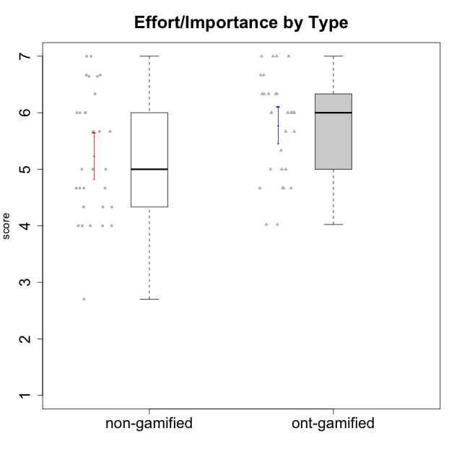

Student's t-Test data
UserID | NroUSP | Type | CLGroup | CLRole | PlayerRole | Interest/Enjoyment | Perceived Choice | Pressure/Tension | Effort/Importance | Intrinsic Motivation
10169 | 10377538 | ont-gamified | Grupo Hefesto | Master | Yee Achiever | 5.6666666667 | 4.8 | 1.9913 | 6 | 5.6166666667
10170 | 10260351 | ont-gamified | Grupo Afrodite | Apprentice | Yee Achiever | 5.1666666667 | 6.4 | 1 | 6 | 6.1416666667
10171 | 698531 | non-gamified | Grupo Team 6 | Apprentice |  | 5.6666666667 | 6 | 1.25 | 5.6666666667 | 6.0208333333
10172 | 10273971 | non-gamified | Grupo Team 1 | Master |  | 5.1666666667 | 5.4 | 1 | 4 | 5.3916666667
10174 | 10276852 | ont-gamified | Grupo Urano | Master | Yee Achiever | 4.8333333333 | 4.4 | 1.25 | 6.6666666667 | 5.6625
10175 | 10310700 | ont-gamified | Grupo Hélio | Master | Yee Socializer | 5.6666666667 | 7 | 1 | 5 | 6.1666666667
10176 | 10276949 | ont-gamified | Grupo Cronus | Apprentice | Yee Achiever | 4.1666666667 | 5.8 | 1.9913 | 4.6666666667 | 4.9708333333
10178 | 8656201 | ont-gamified | Grupo Morfeu | Apprentice | Yee Socializer | 5 | 5.8 | 1.9913 | 6 | 5.6375
10179 | 10310759 | non-gamified | Grupo Team 9 | Master |  | 3.8333333333 | 3.2 | 2 | 6.6434666667 | 4.925
10181 | 10276866 | non-gamified | Grupo Team 10 | Master |  | 4.3333333333 | 6 | 1 | 6 | 5.8333333333
10183 | 10352030 | ont-gamified | Grupo Hélio | Apprentice | Yee Socializer | 4 | 5.4 | 1.9913 | 5.6666666667 | 5.0791666667
10184 | 10276675 | ont-gamified | Grupo Apolo | Master | Yee Socializer | 4.5 | 5.6 | 1.9913 | 6.6666666667 | 5.6291666667
10185 | 10276960 | non-gamified | Grupo Team 12 | Apprentice |  | 4 | 4.4 | 2.25 | 5 | 4.7875
10186 | 10310551 | ont-gamified | Grupo Ares | Apprentice | Yee Achiever | 4.6666666667 | 6.2 | 1.9913 | 7 | 5.7166666667
10187 | 9790781 | non-gamified | Grupo Team 15 | Apprentice |  | 6.7181 | 6 | 2.48695 | 6.6666666667 | 6.0416666667
10188 | 10276995 | non-gamified | Grupo Team 3 | Master |  | 3.8333333333 | 5 | 1.5 | 4.6666666667 | 5
10189 | 9363926 | ont-gamified | Grupo Hades | Master | Yee Socializer | 4 | 5.2 | 1.9913 | 6.3333333333 | 5.0083333333
10190 | 10276907 | ont-gamified | Grupo Zeus | Apprentice | Yee Socializer | 4.5 | 5.8 | 1.75 | 4.0232 | 5.1375
10191 | 10276981 | non-gamified | Grupo Team 6 | Master |  | 5.6666666667 | 5.2 | 1.25 | 4.3333333333 | 5.4875
10192 | 10276682 | non-gamified | Grupo Team 5 | Apprentice |  | 6.1666666667 | 4.4 | 1 | 4.3333333333 | 5.475
10193 | 10276762 | ont-gamified | Grupo Afrodite | Master | Yee Achiever | 4.8333333333 | 4.4 | 1.25 | 4.6666666667 | 5.1625
10195 | 10351971 | ont-gamified | Grupo Urano | Apprentice | Yee Achiever | 5.3333333333 | 4.6 | 1 | 6 | 5.7333333333
10196 | 10310655 | ont-gamified | Grupo Hefesto | Apprentice | Yee Achiever | 4 | 4.2 | 1 | 6.3333333333 | 5.3833333333
10197 | 10276661 | ont-gamified | Grupo Gaia | Apprentice | Yee Achiever | 4.8333333333 | 6.8 | 1 | 5 | 5.9083333333
10198 | 10310888 | ont-gamified | Grupo Apolo | Apprentice | Yee Socializer | 6.6434666667 | 7 | 1 | 7 | 6.8989766667
10199 | 10276737 | ont-gamified | Grupo Gaia | Master | Yee Achiever | 4 | 7 | 1.9913 | 4.6666666667 | 5.2291666667
10200 | 9795272 | ont-gamified | Grupo Hades | Apprentice | Yee Socializer | 6.3333333333 | 5.4 | 1 | 5 | 5.9333333333
10201 | 10276928 | ont-gamified | Grupo Caronte | Master | Yee Achiever | 6.3333333333 | 5.8 | 1.9913 | 7 | 6.2833333333
10202 | 10277036 | non-gamified | Grupo Team 11 | Apprentice |  | 4 | 3.2 | 2.48695 | 7 | 4.175
10203 | 9921470 | non-gamified | Grupo Team 3 | Apprentice |  | 4 | 7 | 1.25 | 4.6666666667 | 5.6041666667
10204 | 10310471 | ont-gamified | Grupo Hermes | Master | Yee Achiever | 6.8333333333 | 6.2 | 1 | 6 | 6.5083333333
10206 | 10310721 | ont-gamified | Grupo Hera | Master | Yee Achiever | 4.5 | 6.6 | 1.9913 | 5.6666666667 | 5.3166666667
10208 | 10276932 | non-gamified | Grupo Team 7 | Apprentice |  | 6.3333333333 | 5.6 | 1.75 | 7 | 6.2958333333
10209 | 10262669 | ont-gamified | Grupo Artemis | Apprentice | Yee Achiever | 3.1666666667 | 4.02088 | 1 | 7 | 4.6416666667
10210 | 10277015 | non-gamified | Grupo Team 9 | Apprentice |  | 3.5 | 2.8 | 2.48695 | 6.6666666667 | 4.1791666667
10211 | 9311643 | non-gamified | Grupo Team 2 | Master |  | 6.1666666667 | 3 | 2 | 2.7014666667 | 4.4583333333
10212 | 9065750 | non-gamified | Grupo Team 4 | Master |  | 6.3333333333 | 6 | 2.48695 | 6 | 5.9583333333
10213 | 10277040 | ont-gamified | Grupo Morfeu | Master | Yee Socializer | 5.5 | 4.6 | 1 | 4.0232 | 5.1083333333
10214 | 10277022 | non-gamified | Grupo Team 5 | Master |  | 3 | 3.8 | 2 | 4 | 4.2
10215 | 9285227 | ont-gamified | Grupo Zeus | Master | Yee Socializer | 5 | 7 | 1 | 6 | 6.25
10216 | 10276720 | non-gamified | Grupo Team 15 | Master |  | 4.8333333333 | 6.4 | 1.25 | 6.3333333333 | 6.0791666667
10217 | 9805341 | non-gamified | Grupo Team 13 | Master |  | 3.8333333333 | 6.8 | 1 | 5.6666666667 | 5.825
10218 | 9842913 | ont-gamified | Grupo Ares | Master | Yee Achiever | 3.3333333333 | 5.4 | 1.9913 | 6.3333333333 | 4.8916666667
10219 | 10276831 | non-gamified | Grupo Team 12 | Master |  | 3.6666666667 | 4.6 | 1 | 4 | 4.8166666667
10220 | 9760151 | non-gamified | Grupo Team 2 | Apprentice |  | 5.5 | 6.4 | 1 | 6 | 6.225
10221 | 9082496 | ont-gamified | Grupo Hermes | Apprentice | Yee Achiever | 4.5 | 5.4 | 1 | 6.3333333333 | 5.8083333333
10222 | 9436110 | non-gamified | Grupo Team 16 | Master |  | 2.1123333333 | 2.4348 | 2.48695 | 4.6666666667 | 3.8843566667
10223 | 9795185 | ont-gamified | Grupo Cronus | Master | Yee Achiever | 6.3333333333 | 6.4 | 1.25 | 5.3333333333 | 6.2041666667
10224 | 9368772 | non-gamified | Grupo Team 10 | Apprentice |  | 6.5 | 2.6 | 1.5 | 4.6666666667 | 5.0666666667
10226 | 10310342 | non-gamified | Grupo Team 8 | Master |  | 3.8333333333 | 3 | 1.5 | 6.6434666667 | 5
10227 | 9274382 | non-gamified | Grupo Team 4 | Apprentice |  | 2.8333333333 | 4.2 | 2.48695 | 4 | 3.8843566667
10228 | 10310492 | non-gamified | Grupo Team 14 | Apprentice |  | 4 | 4.8 | 2.25 | 6 | 5.1375
10230 | 10351992 | non-gamified | Grupo Team 14 | Master |  | 2.6666666667 | 5.4 | 2.48695 | 5 | 4.4541666667
10231 | 10276911 | ont-gamified | Grupo Caronte | Apprentice | Yee Achiever | 6.6434666667 | 6.8 | 1 | 6.3333333333 | 6.7833333333
10232 | 10276974 | ont-gamified | Grupo Artemis | Master | Yee Achiever | 5.5 | 5.2 | 1.9913 | 6 | 5.425
10233 | 9805320 | non-gamified | Grupo Team 16 | Apprentice |  | 2.3333333333 | 3.6 | 1.25 | 5 | 4.4208333333
10234 | 10310676 | non-gamified | Grupo Team 7 | Master |  | 3.3333333333 | 3.8 | 1.25 | 4 | 4.4708333333
10237 | 10377688 | non-gamified | Grupo Team 11 | Master |  | 4.8333333333 | 5.4 | 1 | 4.3333333333 | 5.3916666667
10238 | 10276953 | non-gamified | Grupo Team 13 | Apprentice |  | 3.8333333333 | 3 | 2.48695 | 5.6666666667 | 4.0625
10240 | 10276654 | ont-gamified | Grupo Hera | Apprentice | Yee Achiever | 3.5 | 4.02088 | 1 | 4.6666666667 | 4.4564566667

Type_CLRole_1
Student's t-Test for Effort/Importance by Type in Type:CLRole between non-gamified.Apprentice:non-gamified.Master

Student's t-Test results
Alternative hypothesis: less
Group | N | Mean | Mean.Difference | Std.deviation | Std.error | CI.lower | CI.upper | df | t.value | p.value | g | magnitude
non-gamified.Apprentice | 14 | 5.5952380952 | 0.65846309524 | 1.0057830341 | 0.26880682278 | 5.0576244497 | 6.1328517408 | 27.999947103 | 1.6703372848 | 0.94700213566 | 0.58919883715 | medium
non-gamified.Master | 16 | 4.936775 | -0.65846309524 | 1.1533890866 | 0.28834727165 | 4.3600804567 | 5.5134695433 | 27.999947103 | 1.6703372848 | 0.94700213566 | 0.58919883715 | medium
Alternative hypothesis: greater
Group | N | Mean | Mean.Difference | Std.deviation | Std.error | CI.lower | CI.upper | df | t.value | p.value | g | magnitude
non-gamified.Apprentice | 14 | 5.5952380952 | 0.65846309524 | 1.0057830341 | 0.26880682278 | 5.0576244497 | 6.1328517408 | 27.999947103 | 1.6703372848 | 0.05299786434 | 0.58919883715 | medium
non-gamified.Master | 16 | 4.936775 | -0.65846309524 | 1.1533890866 | 0.28834727165 | 4.3600804567 | 5.5134695433 | 27.999947103 | 1.6703372848 | 0.05299786434 | 0.58919883715 | medium
Alternative hypothesis: two.sided
Group | N | Mean | Mean.Difference | Std.deviation | Std.error | CI.lower | CI.upper | df | t.value | p.value | g | magnitude
non-gamified.Apprentice | 14 | 5.5952380952 | 0.65846309524 | 1.0057830341 | 0.26880682278 | 5.0576244497 | 6.1328517408 | 27.999947103 | 1.6703372848 | 0.10599572868 | 0.58919883715 | medium
non-gamified.Master | 16 | 4.936775 | -0.65846309524 | 1.1533890866 | 0.28834727165 | 4.3600804567 | 5.5134695433 | 27.999947103 | 1.6703372848 | 0.10599572868 | 0.58919883715 | medium

Box plots for Student's t-Test
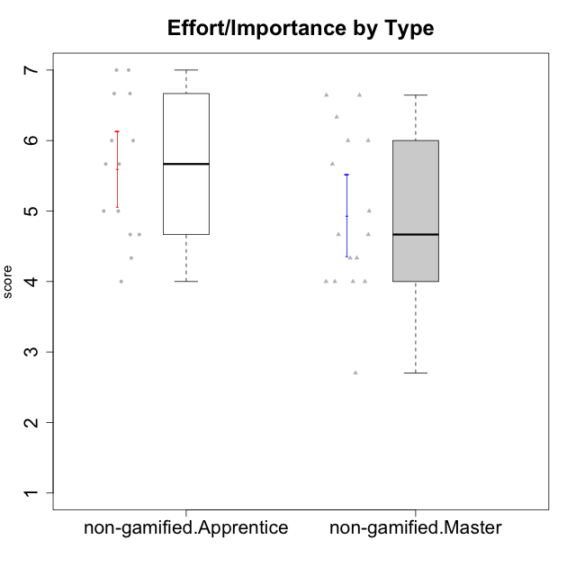

Student's t-Test data
UserID | NroUSP | Type | CLGroup | CLRole | PlayerRole | Interest/Enjoyment | Perceived Choice | Pressure/Tension | Effort/Importance | Intrinsic Motivation
10171 | 698531 | non-gamified | Grupo Team 6 | Apprentice |  | 5.6666666667 | 6 | 1.25 | 5.6666666667 | 6.0208333333
10172 | 10273971 | non-gamified | Grupo Team 1 | Master |  | 5.1666666667 | 5.4 | 1 | 4 | 5.3916666667
10179 | 10310759 | non-gamified | Grupo Team 9 | Master |  | 3.8333333333 | 3.2 | 2 | 6.6434666667 | 4.925
10181 | 10276866 | non-gamified | Grupo Team 10 | Master |  | 4.3333333333 | 6 | 1 | 6 | 5.8333333333
10185 | 10276960 | non-gamified | Grupo Team 12 | Apprentice |  | 4 | 4.4 | 2.25 | 5 | 4.7875
10187 | 9790781 | non-gamified | Grupo Team 15 | Apprentice |  | 6.7181 | 6 | 2.48695 | 6.6666666667 | 6.0416666667
10188 | 10276995 | non-gamified | Grupo Team 3 | Master |  | 3.8333333333 | 5 | 1.5 | 4.6666666667 | 5
10191 | 10276981 | non-gamified | Grupo Team 6 | Master |  | 5.6666666667 | 5.2 | 1.25 | 4.3333333333 | 5.4875
10192 | 10276682 | non-gamified | Grupo Team 5 | Apprentice |  | 6.1666666667 | 4.4 | 1 | 4.3333333333 | 5.475
10202 | 10277036 | non-gamified | Grupo Team 11 | Apprentice |  | 4 | 3.2 | 2.48695 | 7 | 4.175
10203 | 9921470 | non-gamified | Grupo Team 3 | Apprentice |  | 4 | 7 | 1.25 | 4.6666666667 | 5.6041666667
10208 | 10276932 | non-gamified | Grupo Team 7 | Apprentice |  | 6.3333333333 | 5.6 | 1.75 | 7 | 6.2958333333
10210 | 10277015 | non-gamified | Grupo Team 9 | Apprentice |  | 3.5 | 2.8 | 2.48695 | 6.6666666667 | 4.1791666667
10211 | 9311643 | non-gamified | Grupo Team 2 | Master |  | 6.1666666667 | 3 | 2 | 2.7014666667 | 4.4583333333
10212 | 9065750 | non-gamified | Grupo Team 4 | Master |  | 6.3333333333 | 6 | 2.48695 | 6 | 5.9583333333
10214 | 10277022 | non-gamified | Grupo Team 5 | Master |  | 3 | 3.8 | 2 | 4 | 4.2
10216 | 10276720 | non-gamified | Grupo Team 15 | Master |  | 4.8333333333 | 6.4 | 1.25 | 6.3333333333 | 6.0791666667
10217 | 9805341 | non-gamified | Grupo Team 13 | Master |  | 3.8333333333 | 6.8 | 1 | 5.6666666667 | 5.825
10219 | 10276831 | non-gamified | Grupo Team 12 | Master |  | 3.6666666667 | 4.6 | 1 | 4 | 4.8166666667
10220 | 9760151 | non-gamified | Grupo Team 2 | Apprentice |  | 5.5 | 6.4 | 1 | 6 | 6.225
10222 | 9436110 | non-gamified | Grupo Team 16 | Master |  | 2.1123333333 | 2.4348 | 2.48695 | 4.6666666667 | 3.8843566667
10224 | 9368772 | non-gamified | Grupo Team 10 | Apprentice |  | 6.5 | 2.6 | 1.5 | 4.6666666667 | 5.0666666667
10226 | 10310342 | non-gamified | Grupo Team 8 | Master |  | 3.8333333333 | 3 | 1.5 | 6.6434666667 | 5
10227 | 9274382 | non-gamified | Grupo Team 4 | Apprentice |  | 2.8333333333 | 4.2 | 2.48695 | 4 | 3.8843566667
10228 | 10310492 | non-gamified | Grupo Team 14 | Apprentice |  | 4 | 4.8 | 2.25 | 6 | 5.1375
10230 | 10351992 | non-gamified | Grupo Team 14 | Master |  | 2.6666666667 | 5.4 | 2.48695 | 5 | 4.4541666667
10233 | 9805320 | non-gamified | Grupo Team 16 | Apprentice |  | 2.3333333333 | 3.6 | 1.25 | 5 | 4.4208333333
10234 | 10310676 | non-gamified | Grupo Team 7 | Master |  | 3.3333333333 | 3.8 | 1.25 | 4 | 4.4708333333
10237 | 10377688 | non-gamified | Grupo Team 11 | Master |  | 4.8333333333 | 5.4 | 1 | 4.3333333333 | 5.3916666667
10238 | 10276953 | non-gamified | Grupo Team 13 | Apprentice |  | 3.8333333333 | 3 | 2.48695 | 5.6666666667 | 4.0625

Type_CLRole_2
Student's t-Test for Effort/Importance by Type in Type:CLRole between non-gamified.Apprentice:ont-gamified.Apprentice

Student's t-Test results
Alternative hypothesis: less
Group | N | Mean | Mean.Difference | Std.deviation | Std.error | CI.lower | CI.upper | df | t.value | p.value | g | magnitude
non-gamified.Apprentice | 14 | 5.5952380952 | -0.20630857143 | 1.0057830341 | 0.26880682278 | 5.0576244497 | 6.1328517408 | 26.473243333 | -0.57020608486 | 0.28667298014 | -0.20646821576 | small
ont-gamified.Apprentice | 15 | 5.8015466667 | 0.20630857143 | 0.93796825858 | 0.24218236298 | 5.3171819407 | 6.2859113926 | 26.473243333 | -0.57020608486 | 0.28667298014 | -0.20646821576 | small
Alternative hypothesis: greater
Group | N | Mean | Mean.Difference | Std.deviation | Std.error | CI.lower | CI.upper | df | t.value | p.value | g | magnitude
non-gamified.Apprentice | 14 | 5.5952380952 | -0.20630857143 | 1.0057830341 | 0.26880682278 | 5.0576244497 | 6.1328517408 | 26.473243333 | -0.57020608486 | 0.71332701986 | -0.20646821576 | small
ont-gamified.Apprentice | 15 | 5.8015466667 | 0.20630857143 | 0.93796825858 | 0.24218236298 | 5.3171819407 | 6.2859113926 | 26.473243333 | -0.57020608486 | 0.71332701986 | -0.20646821576 | small
Alternative hypothesis: two.sided
Group | N | Mean | Mean.Difference | Std.deviation | Std.error | CI.lower | CI.upper | df | t.value | p.value | g | magnitude
non-gamified.Apprentice | 14 | 5.5952380952 | -0.20630857143 | 1.0057830341 | 0.26880682278 | 5.0576244497 | 6.1328517408 | 26.473243333 | -0.57020608486 | 0.57334596029 | -0.20646821576 | small
ont-gamified.Apprentice | 15 | 5.8015466667 | 0.20630857143 | 0.93796825858 | 0.24218236298 | 5.3171819407 | 6.2859113926 | 26.473243333 | -0.57020608486 | 0.57334596029 | -0.20646821576 | small

Box plots for Student's t-Test
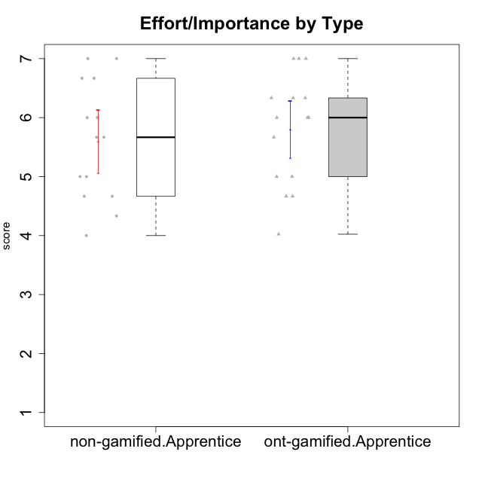

Student's t-Test data
UserID | NroUSP | Type | CLGroup | CLRole | PlayerRole | Interest/Enjoyment | Perceived Choice | Pressure/Tension | Effort/Importance | Intrinsic Motivation
10170 | 10260351 | ont-gamified | Grupo Afrodite | Apprentice | Yee Achiever | 5.1666666667 | 6.4 | 1 | 6 | 6.1416666667
10171 | 698531 | non-gamified | Grupo Team 6 | Apprentice |  | 5.6666666667 | 6 | 1.25 | 5.6666666667 | 6.0208333333
10176 | 10276949 | ont-gamified | Grupo Cronus | Apprentice | Yee Achiever | 4.1666666667 | 5.8 | 1.9913 | 4.6666666667 | 4.9708333333
10178 | 8656201 | ont-gamified | Grupo Morfeu | Apprentice | Yee Socializer | 5 | 5.8 | 1.9913 | 6 | 5.6375
10183 | 10352030 | ont-gamified | Grupo Hélio | Apprentice | Yee Socializer | 4 | 5.4 | 1.9913 | 5.6666666667 | 5.0791666667
10185 | 10276960 | non-gamified | Grupo Team 12 | Apprentice |  | 4 | 4.4 | 2.25 | 5 | 4.7875
10186 | 10310551 | ont-gamified | Grupo Ares | Apprentice | Yee Achiever | 4.6666666667 | 6.2 | 1.9913 | 7 | 5.7166666667
10187 | 9790781 | non-gamified | Grupo Team 15 | Apprentice |  | 6.7181 | 6 | 2.48695 | 6.6666666667 | 6.0416666667
10190 | 10276907 | ont-gamified | Grupo Zeus | Apprentice | Yee Socializer | 4.5 | 5.8 | 1.75 | 4.0232 | 5.1375
10192 | 10276682 | non-gamified | Grupo Team 5 | Apprentice |  | 6.1666666667 | 4.4 | 1 | 4.3333333333 | 5.475
10195 | 10351971 | ont-gamified | Grupo Urano | Apprentice | Yee Achiever | 5.3333333333 | 4.6 | 1 | 6 | 5.7333333333
10196 | 10310655 | ont-gamified | Grupo Hefesto | Apprentice | Yee Achiever | 4 | 4.2 | 1 | 6.3333333333 | 5.3833333333
10197 | 10276661 | ont-gamified | Grupo Gaia | Apprentice | Yee Achiever | 4.8333333333 | 6.8 | 1 | 5 | 5.9083333333
10198 | 10310888 | ont-gamified | Grupo Apolo | Apprentice | Yee Socializer | 6.6434666667 | 7 | 1 | 7 | 6.8989766667
10200 | 9795272 | ont-gamified | Grupo Hades | Apprentice | Yee Socializer | 6.3333333333 | 5.4 | 1 | 5 | 5.9333333333
10202 | 10277036 | non-gamified | Grupo Team 11 | Apprentice |  | 4 | 3.2 | 2.48695 | 7 | 4.175
10203 | 9921470 | non-gamified | Grupo Team 3 | Apprentice |  | 4 | 7 | 1.25 | 4.6666666667 | 5.6041666667
10208 | 10276932 | non-gamified | Grupo Team 7 | Apprentice |  | 6.3333333333 | 5.6 | 1.75 | 7 | 6.2958333333
10209 | 10262669 | ont-gamified | Grupo Artemis | Apprentice | Yee Achiever | 3.1666666667 | 4.02088 | 1 | 7 | 4.6416666667
10210 | 10277015 | non-gamified | Grupo Team 9 | Apprentice |  | 3.5 | 2.8 | 2.48695 | 6.6666666667 | 4.1791666667
10220 | 9760151 | non-gamified | Grupo Team 2 | Apprentice |  | 5.5 | 6.4 | 1 | 6 | 6.225
10221 | 9082496 | ont-gamified | Grupo Hermes | Apprentice | Yee Achiever | 4.5 | 5.4 | 1 | 6.3333333333 | 5.8083333333
10224 | 9368772 | non-gamified | Grupo Team 10 | Apprentice |  | 6.5 | 2.6 | 1.5 | 4.6666666667 | 5.0666666667
10227 | 9274382 | non-gamified | Grupo Team 4 | Apprentice |  | 2.8333333333 | 4.2 | 2.48695 | 4 | 3.8843566667
10228 | 10310492 | non-gamified | Grupo Team 14 | Apprentice |  | 4 | 4.8 | 2.25 | 6 | 5.1375
10231 | 10276911 | ont-gamified | Grupo Caronte | Apprentice | Yee Achiever | 6.6434666667 | 6.8 | 1 | 6.3333333333 | 6.7833333333
10233 | 9805320 | non-gamified | Grupo Team 16 | Apprentice |  | 2.3333333333 | 3.6 | 1.25 | 5 | 4.4208333333
10238 | 10276953 | non-gamified | Grupo Team 13 | Apprentice |  | 3.8333333333 | 3 | 2.48695 | 5.6666666667 | 4.0625
10240 | 10276654 | ont-gamified | Grupo Hera | Apprentice | Yee Achiever | 3.5 | 4.02088 | 1 | 4.6666666667 | 4.4564566667

Type_CLRole_3
Student's t-Test for Effort/Importance by Type in Type:CLRole between non-gamified.Apprentice:ont-gamified.Master

Student's t-Test results
Alternative hypothesis: less
Group | N | Mean | Mean.Difference | Std.deviation | Std.error | CI.lower | CI.upper | df | t.value | p.value | g | magnitude
non-gamified.Apprentice | 14 | 5.5952380952 | -0.16186412698 | 1.0057830341 | 0.26880682278 | 5.0576244497 | 6.1328517408 | 25.631037014 | -0.46524459948 | 0.32284252162 | -0.16901040231 | negligible
ont-gamified.Master | 15 | 5.7571022222 | 0.16186412698 | 0.8554435151 | 0.22087456584 | 5.3153530905 | 6.1988513539 | 25.631037014 | -0.46524459948 | 0.32284252162 | -0.16901040231 | negligible
Alternative hypothesis: greater
Group | N | Mean | Mean.Difference | Std.deviation | Std.error | CI.lower | CI.upper | df | t.value | p.value | g | magnitude
non-gamified.Apprentice | 14 | 5.5952380952 | -0.16186412698 | 1.0057830341 | 0.26880682278 | 5.0576244497 | 6.1328517408 | 25.631037014 | -0.46524459948 | 0.67715747838 | -0.16901040231 | negligible
ont-gamified.Master | 15 | 5.7571022222 | 0.16186412698 | 0.8554435151 | 0.22087456584 | 5.3153530905 | 6.1988513539 | 25.631037014 | -0.46524459948 | 0.67715747838 | -0.16901040231 | negligible
Alternative hypothesis: two.sided
Group | N | Mean | Mean.Difference | Std.deviation | Std.error | CI.lower | CI.upper | df | t.value | p.value | g | magnitude
non-gamified.Apprentice | 14 | 5.5952380952 | -0.16186412698 | 1.0057830341 | 0.26880682278 | 5.0576244497 | 6.1328517408 | 25.631037014 | -0.46524459948 | 0.64568504324 | -0.16901040231 | negligible
ont-gamified.Master | 15 | 5.7571022222 | 0.16186412698 | 0.8554435151 | 0.22087456584 | 5.3153530905 | 6.1988513539 | 25.631037014 | -0.46524459948 | 0.64568504324 | -0.16901040231 | negligible

Box plots for Student's t-Test
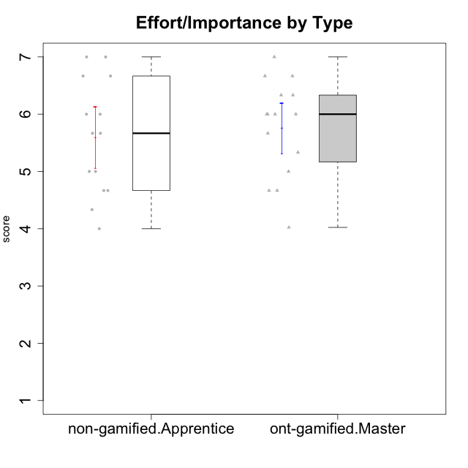

Student's t-Test data
UserID | NroUSP | Type | CLGroup | CLRole | PlayerRole | Interest/Enjoyment | Perceived Choice | Pressure/Tension | Effort/Importance | Intrinsic Motivation
10169 | 10377538 | ont-gamified | Grupo Hefesto | Master | Yee Achiever | 5.6666666667 | 4.8 | 1.9913 | 6 | 5.6166666667
10171 | 698531 | non-gamified | Grupo Team 6 | Apprentice |  | 5.6666666667 | 6 | 1.25 | 5.6666666667 | 6.0208333333
10174 | 10276852 | ont-gamified | Grupo Urano | Master | Yee Achiever | 4.8333333333 | 4.4 | 1.25 | 6.6666666667 | 5.6625
10175 | 10310700 | ont-gamified | Grupo Hélio | Master | Yee Socializer | 5.6666666667 | 7 | 1 | 5 | 6.1666666667
10184 | 10276675 | ont-gamified | Grupo Apolo | Master | Yee Socializer | 4.5 | 5.6 | 1.9913 | 6.6666666667 | 5.6291666667
10185 | 10276960 | non-gamified | Grupo Team 12 | Apprentice |  | 4 | 4.4 | 2.25 | 5 | 4.7875
10187 | 9790781 | non-gamified | Grupo Team 15 | Apprentice |  | 6.7181 | 6 | 2.48695 | 6.6666666667 | 6.0416666667
10189 | 9363926 | ont-gamified | Grupo Hades | Master | Yee Socializer | 4 | 5.2 | 1.9913 | 6.3333333333 | 5.0083333333
10192 | 10276682 | non-gamified | Grupo Team 5 | Apprentice |  | 6.1666666667 | 4.4 | 1 | 4.3333333333 | 5.475
10193 | 10276762 | ont-gamified | Grupo Afrodite | Master | Yee Achiever | 4.8333333333 | 4.4 | 1.25 | 4.6666666667 | 5.1625
10199 | 10276737 | ont-gamified | Grupo Gaia | Master | Yee Achiever | 4 | 7 | 1.9913 | 4.6666666667 | 5.2291666667
10201 | 10276928 | ont-gamified | Grupo Caronte | Master | Yee Achiever | 6.3333333333 | 5.8 | 1.9913 | 7 | 6.2833333333
10202 | 10277036 | non-gamified | Grupo Team 11 | Apprentice |  | 4 | 3.2 | 2.48695 | 7 | 4.175
10203 | 9921470 | non-gamified | Grupo Team 3 | Apprentice |  | 4 | 7 | 1.25 | 4.6666666667 | 5.6041666667
10204 | 10310471 | ont-gamified | Grupo Hermes | Master | Yee Achiever | 6.8333333333 | 6.2 | 1 | 6 | 6.5083333333
10206 | 10310721 | ont-gamified | Grupo Hera | Master | Yee Achiever | 4.5 | 6.6 | 1.9913 | 5.6666666667 | 5.3166666667
10208 | 10276932 | non-gamified | Grupo Team 7 | Apprentice |  | 6.3333333333 | 5.6 | 1.75 | 7 | 6.2958333333
10210 | 10277015 | non-gamified | Grupo Team 9 | Apprentice |  | 3.5 | 2.8 | 2.48695 | 6.6666666667 | 4.1791666667
10213 | 10277040 | ont-gamified | Grupo Morfeu | Master | Yee Socializer | 5.5 | 4.6 | 1 | 4.0232 | 5.1083333333
10215 | 9285227 | ont-gamified | Grupo Zeus | Master | Yee Socializer | 5 | 7 | 1 | 6 | 6.25
10218 | 9842913 | ont-gamified | Grupo Ares | Master | Yee Achiever | 3.3333333333 | 5.4 | 1.9913 | 6.3333333333 | 4.8916666667
10220 | 9760151 | non-gamified | Grupo Team 2 | Apprentice |  | 5.5 | 6.4 | 1 | 6 | 6.225
10223 | 9795185 | ont-gamified | Grupo Cronus | Master | Yee Achiever | 6.3333333333 | 6.4 | 1.25 | 5.3333333333 | 6.2041666667
10224 | 9368772 | non-gamified | Grupo Team 10 | Apprentice |  | 6.5 | 2.6 | 1.5 | 4.6666666667 | 5.0666666667
10227 | 9274382 | non-gamified | Grupo Team 4 | Apprentice |  | 2.8333333333 | 4.2 | 2.48695 | 4 | 3.8843566667
10228 | 10310492 | non-gamified | Grupo Team 14 | Apprentice |  | 4 | 4.8 | 2.25 | 6 | 5.1375
10232 | 10276974 | ont-gamified | Grupo Artemis | Master | Yee Achiever | 5.5 | 5.2 | 1.9913 | 6 | 5.425
10233 | 9805320 | non-gamified | Grupo Team 16 | Apprentice |  | 2.3333333333 | 3.6 | 1.25 | 5 | 4.4208333333
10238 | 10276953 | non-gamified | Grupo Team 13 | Apprentice |  | 3.8333333333 | 3 | 2.48695 | 5.6666666667 | 4.0625

Type_CLRole_4
Student's t-Test for Effort/Importance by Type in Type:CLRole between non-gamified.Master:ont-gamified.Apprentice

Student's t-Test results
Alternative hypothesis: less
Group | N | Mean | Mean.Difference | Std.deviation | Std.error | CI.lower | CI.upper | df | t.value | p.value | g | magnitude
non-gamified.Master | 16 | 4.936775 | -0.86477166667 | 1.1533890866 | 0.28834727165 | 4.3600804567 | 5.5134695433 | 28.455537788 | -2.2965123172 | 0.014604529423 | -0.79838162214 | medium
ont-gamified.Apprentice | 15 | 5.8015466667 | 0.86477166667 | 0.93796825858 | 0.24218236298 | 5.3171819407 | 6.2859113926 | 28.455537788 | -2.2965123172 | 0.014604529423 | -0.79838162214 | medium
Alternative hypothesis: greater
Group | N | Mean | Mean.Difference | Std.deviation | Std.error | CI.lower | CI.upper | df | t.value | p.value | g | magnitude
non-gamified.Master | 16 | 4.936775 | -0.86477166667 | 1.1533890866 | 0.28834727165 | 4.3600804567 | 5.5134695433 | 28.455537788 | -2.2965123172 | 0.98539547058 | -0.79838162214 | medium
ont-gamified.Apprentice | 15 | 5.8015466667 | 0.86477166667 | 0.93796825858 | 0.24218236298 | 5.3171819407 | 6.2859113926 | 28.455537788 | -2.2965123172 | 0.98539547058 | -0.79838162214 | medium
Alternative hypothesis: two.sided
Group | N | Mean | Mean.Difference | Std.deviation | Std.error | CI.lower | CI.upper | df | t.value | p.value | g | magnitude
non-gamified.Master | 16 | 4.936775 | -0.86477166667 | 1.1533890866 | 0.28834727165 | 4.3600804567 | 5.5134695433 | 28.455537788 | -2.2965123172 | 0.029209058846 | -0.79838162214 | medium
ont-gamified.Apprentice | 15 | 5.8015466667 | 0.86477166667 | 0.93796825858 | 0.24218236298 | 5.3171819407 | 6.2859113926 | 28.455537788 | -2.2965123172 | 0.029209058846 | -0.79838162214 | medium

Box plots for Student's t-Test
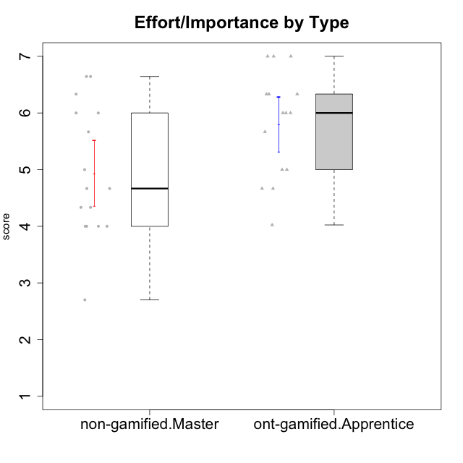

Student's t-Test data
UserID | NroUSP | Type | CLGroup | CLRole | PlayerRole | Interest/Enjoyment | Perceived Choice | Pressure/Tension | Effort/Importance | Intrinsic Motivation
10170 | 10260351 | ont-gamified | Grupo Afrodite | Apprentice | Yee Achiever | 5.1666666667 | 6.4 | 1 | 6 | 6.1416666667
10172 | 10273971 | non-gamified | Grupo Team 1 | Master |  | 5.1666666667 | 5.4 | 1 | 4 | 5.3916666667
10176 | 10276949 | ont-gamified | Grupo Cronus | Apprentice | Yee Achiever | 4.1666666667 | 5.8 | 1.9913 | 4.6666666667 | 4.9708333333
10178 | 8656201 | ont-gamified | Grupo Morfeu | Apprentice | Yee Socializer | 5 | 5.8 | 1.9913 | 6 | 5.6375
10179 | 10310759 | non-gamified | Grupo Team 9 | Master |  | 3.8333333333 | 3.2 | 2 | 6.6434666667 | 4.925
10181 | 10276866 | non-gamified | Grupo Team 10 | Master |  | 4.3333333333 | 6 | 1 | 6 | 5.8333333333
10183 | 10352030 | ont-gamified | Grupo Hélio | Apprentice | Yee Socializer | 4 | 5.4 | 1.9913 | 5.6666666667 | 5.0791666667
10186 | 10310551 | ont-gamified | Grupo Ares | Apprentice | Yee Achiever | 4.6666666667 | 6.2 | 1.9913 | 7 | 5.7166666667
10188 | 10276995 | non-gamified | Grupo Team 3 | Master |  | 3.8333333333 | 5 | 1.5 | 4.6666666667 | 5
10190 | 10276907 | ont-gamified | Grupo Zeus | Apprentice | Yee Socializer | 4.5 | 5.8 | 1.75 | 4.0232 | 5.1375
10191 | 10276981 | non-gamified | Grupo Team 6 | Master |  | 5.6666666667 | 5.2 | 1.25 | 4.3333333333 | 5.4875
10195 | 10351971 | ont-gamified | Grupo Urano | Apprentice | Yee Achiever | 5.3333333333 | 4.6 | 1 | 6 | 5.7333333333
10196 | 10310655 | ont-gamified | Grupo Hefesto | Apprentice | Yee Achiever | 4 | 4.2 | 1 | 6.3333333333 | 5.3833333333
10197 | 10276661 | ont-gamified | Grupo Gaia | Apprentice | Yee Achiever | 4.8333333333 | 6.8 | 1 | 5 | 5.9083333333
10198 | 10310888 | ont-gamified | Grupo Apolo | Apprentice | Yee Socializer | 6.6434666667 | 7 | 1 | 7 | 6.8989766667
10200 | 9795272 | ont-gamified | Grupo Hades | Apprentice | Yee Socializer | 6.3333333333 | 5.4 | 1 | 5 | 5.9333333333
10209 | 10262669 | ont-gamified | Grupo Artemis | Apprentice | Yee Achiever | 3.1666666667 | 4.02088 | 1 | 7 | 4.6416666667
10211 | 9311643 | non-gamified | Grupo Team 2 | Master |  | 6.1666666667 | 3 | 2 | 2.7014666667 | 4.4583333333
10212 | 9065750 | non-gamified | Grupo Team 4 | Master |  | 6.3333333333 | 6 | 2.48695 | 6 | 5.9583333333
10214 | 10277022 | non-gamified | Grupo Team 5 | Master |  | 3 | 3.8 | 2 | 4 | 4.2
10216 | 10276720 | non-gamified | Grupo Team 15 | Master |  | 4.8333333333 | 6.4 | 1.25 | 6.3333333333 | 6.0791666667
10217 | 9805341 | non-gamified | Grupo Team 13 | Master |  | 3.8333333333 | 6.8 | 1 | 5.6666666667 | 5.825
10219 | 10276831 | non-gamified | Grupo Team 12 | Master |  | 3.6666666667 | 4.6 | 1 | 4 | 4.8166666667
10221 | 9082496 | ont-gamified | Grupo Hermes | Apprentice | Yee Achiever | 4.5 | 5.4 | 1 | 6.3333333333 | 5.8083333333
10222 | 9436110 | non-gamified | Grupo Team 16 | Master |  | 2.1123333333 | 2.4348 | 2.48695 | 4.6666666667 | 3.8843566667
10226 | 10310342 | non-gamified | Grupo Team 8 | Master |  | 3.8333333333 | 3 | 1.5 | 6.6434666667 | 5
10230 | 10351992 | non-gamified | Grupo Team 14 | Master |  | 2.6666666667 | 5.4 | 2.48695 | 5 | 4.4541666667
10231 | 10276911 | ont-gamified | Grupo Caronte | Apprentice | Yee Achiever | 6.6434666667 | 6.8 | 1 | 6.3333333333 | 6.7833333333
10234 | 10310676 | non-gamified | Grupo Team 7 | Master |  | 3.3333333333 | 3.8 | 1.25 | 4 | 4.4708333333
10237 | 10377688 | non-gamified | Grupo Team 11 | Master |  | 4.8333333333 | 5.4 | 1 | 4.3333333333 | 5.3916666667
10240 | 10276654 | ont-gamified | Grupo Hera | Apprentice | Yee Achiever | 3.5 | 4.02088 | 1 | 4.6666666667 | 4.4564566667

Type_CLRole_5
Student's t-Test for Effort/Importance by Type in Type:CLRole between non-gamified.Master:ont-gamified.Master

Student's t-Test results
Alternative hypothesis: less
Group | N | Mean | Mean.Difference | Std.deviation | Std.error | CI.lower | CI.upper | df | t.value | p.value | g | magnitude
non-gamified.Master | 16 | 4.936775 | -0.82032722222 | 1.1533890866 | 0.28834727165 | 4.3600804567 | 5.5134695433 | 27.58979363 | -2.2584776574 | 0.016009614676 | -0.78289938525 | medium
ont-gamified.Master | 15 | 5.7571022222 | 0.82032722222 | 0.8554435151 | 0.22087456584 | 5.3153530905 | 6.1988513539 | 27.58979363 | -2.2584776574 | 0.016009614676 | -0.78289938525 | medium
Alternative hypothesis: greater
Group | N | Mean | Mean.Difference | Std.deviation | Std.error | CI.lower | CI.upper | df | t.value | p.value | g | magnitude
non-gamified.Master | 16 | 4.936775 | -0.82032722222 | 1.1533890866 | 0.28834727165 | 4.3600804567 | 5.5134695433 | 27.58979363 | -2.2584776574 | 0.98399038532 | -0.78289938525 | medium
ont-gamified.Master | 15 | 5.7571022222 | 0.82032722222 | 0.8554435151 | 0.22087456584 | 5.3153530905 | 6.1988513539 | 27.58979363 | -2.2584776574 | 0.98399038532 | -0.78289938525 | medium
Alternative hypothesis: two.sided
Group | N | Mean | Mean.Difference | Std.deviation | Std.error | CI.lower | CI.upper | df | t.value | p.value | g | magnitude
non-gamified.Master | 16 | 4.936775 | -0.82032722222 | 1.1533890866 | 0.28834727165 | 4.3600804567 | 5.5134695433 | 27.58979363 | -2.2584776574 | 0.032019229352 | -0.78289938525 | medium
ont-gamified.Master | 15 | 5.7571022222 | 0.82032722222 | 0.8554435151 | 0.22087456584 | 5.3153530905 | 6.1988513539 | 27.58979363 | -2.2584776574 | 0.032019229352 | -0.78289938525 | medium

Box plots for Student's t-Test
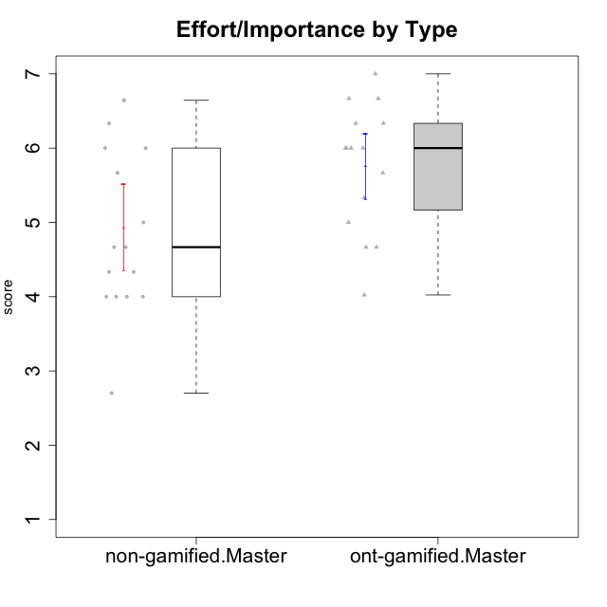

Student's t-Test data
UserID | NroUSP | Type | CLGroup | CLRole | PlayerRole | Interest/Enjoyment | Perceived Choice | Pressure/Tension | Effort/Importance | Intrinsic Motivation
10169 | 10377538 | ont-gamified | Grupo Hefesto | Master | Yee Achiever | 5.6666666667 | 4.8 | 1.9913 | 6 | 5.6166666667
10172 | 10273971 | non-gamified | Grupo Team 1 | Master |  | 5.1666666667 | 5.4 | 1 | 4 | 5.3916666667
10174 | 10276852 | ont-gamified | Grupo Urano | Master | Yee Achiever | 4.8333333333 | 4.4 | 1.25 | 6.6666666667 | 5.6625
10175 | 10310700 | ont-gamified | Grupo Hélio | Master | Yee Socializer | 5.6666666667 | 7 | 1 | 5 | 6.1666666667
10179 | 10310759 | non-gamified | Grupo Team 9 | Master |  | 3.8333333333 | 3.2 | 2 | 6.6434666667 | 4.925
10181 | 10276866 | non-gamified | Grupo Team 10 | Master |  | 4.3333333333 | 6 | 1 | 6 | 5.8333333333
10184 | 10276675 | ont-gamified | Grupo Apolo | Master | Yee Socializer | 4.5 | 5.6 | 1.9913 | 6.6666666667 | 5.6291666667
10188 | 10276995 | non-gamified | Grupo Team 3 | Master |  | 3.8333333333 | 5 | 1.5 | 4.6666666667 | 5
10189 | 9363926 | ont-gamified | Grupo Hades | Master | Yee Socializer | 4 | 5.2 | 1.9913 | 6.3333333333 | 5.0083333333
10191 | 10276981 | non-gamified | Grupo Team 6 | Master |  | 5.6666666667 | 5.2 | 1.25 | 4.3333333333 | 5.4875
10193 | 10276762 | ont-gamified | Grupo Afrodite | Master | Yee Achiever | 4.8333333333 | 4.4 | 1.25 | 4.6666666667 | 5.1625
10199 | 10276737 | ont-gamified | Grupo Gaia | Master | Yee Achiever | 4 | 7 | 1.9913 | 4.6666666667 | 5.2291666667
10201 | 10276928 | ont-gamified | Grupo Caronte | Master | Yee Achiever | 6.3333333333 | 5.8 | 1.9913 | 7 | 6.2833333333
10204 | 10310471 | ont-gamified | Grupo Hermes | Master | Yee Achiever | 6.8333333333 | 6.2 | 1 | 6 | 6.5083333333
10206 | 10310721 | ont-gamified | Grupo Hera | Master | Yee Achiever | 4.5 | 6.6 | 1.9913 | 5.6666666667 | 5.3166666667
10211 | 9311643 | non-gamified | Grupo Team 2 | Master |  | 6.1666666667 | 3 | 2 | 2.7014666667 | 4.4583333333
10212 | 9065750 | non-gamified | Grupo Team 4 | Master |  | 6.3333333333 | 6 | 2.48695 | 6 | 5.9583333333
10213 | 10277040 | ont-gamified | Grupo Morfeu | Master | Yee Socializer | 5.5 | 4.6 | 1 | 4.0232 | 5.1083333333
10214 | 10277022 | non-gamified | Grupo Team 5 | Master |  | 3 | 3.8 | 2 | 4 | 4.2
10215 | 9285227 | ont-gamified | Grupo Zeus | Master | Yee Socializer | 5 | 7 | 1 | 6 | 6.25
10216 | 10276720 | non-gamified | Grupo Team 15 | Master |  | 4.8333333333 | 6.4 | 1.25 | 6.3333333333 | 6.0791666667
10217 | 9805341 | non-gamified | Grupo Team 13 | Master |  | 3.8333333333 | 6.8 | 1 | 5.6666666667 | 5.825
10218 | 9842913 | ont-gamified | Grupo Ares | Master | Yee Achiever | 3.3333333333 | 5.4 | 1.9913 | 6.3333333333 | 4.8916666667
10219 | 10276831 | non-gamified | Grupo Team 12 | Master |  | 3.6666666667 | 4.6 | 1 | 4 | 4.8166666667
10222 | 9436110 | non-gamified | Grupo Team 16 | Master |  | 2.1123333333 | 2.4348 | 2.48695 | 4.6666666667 | 3.8843566667
10223 | 9795185 | ont-gamified | Grupo Cronus | Master | Yee Achiever | 6.3333333333 | 6.4 | 1.25 | 5.3333333333 | 6.2041666667
10226 | 10310342 | non-gamified | Grupo Team 8 | Master |  | 3.8333333333 | 3 | 1.5 | 6.6434666667 | 5
10230 | 10351992 | non-gamified | Grupo Team 14 | Master |  | 2.6666666667 | 5.4 | 2.48695 | 5 | 4.4541666667
10232 | 10276974 | ont-gamified | Grupo Artemis | Master | Yee Achiever | 5.5 | 5.2 | 1.9913 | 6 | 5.425
10234 | 10310676 | non-gamified | Grupo Team 7 | Master |  | 3.3333333333 | 3.8 | 1.25 | 4 | 4.4708333333
10237 | 10377688 | non-gamified | Grupo Team 11 | Master |  | 4.8333333333 | 5.4 | 1 | 4.3333333333 | 5.3916666667

Type_CLRole_6
Student's t-Test for Effort/Importance by Type in Type:CLRole between ont-gamified.Apprentice:ont-gamified.Master

Student's t-Test results
Alternative hypothesis: less
Group | N | Mean | Mean.Difference | Std.deviation | Std.error | CI.lower | CI.upper | df | t.value | p.value | g | magnitude
ont-gamified.Apprentice | 15 | 5.8015466667 | 0.044444444444 | 0.93796825858 | 0.24218236298 | 5.3171819407 | 6.2859113926 | 27.765824386 | 0.13559347327 | 0.55343953399 | 0.048173580949 | negligible
ont-gamified.Master | 15 | 5.7571022222 | -0.044444444444 | 0.8554435151 | 0.22087456584 | 5.3153530905 | 6.1988513539 | 27.765824386 | 0.13559347327 | 0.55343953399 | 0.048173580949 | negligible
Alternative hypothesis: greater
Group | N | Mean | Mean.Difference | Std.deviation | Std.error | CI.lower | CI.upper | df | t.value | p.value | g | magnitude
ont-gamified.Apprentice | 15 | 5.8015466667 | 0.044444444444 | 0.93796825858 | 0.24218236298 | 5.3171819407 | 6.2859113926 | 27.765824386 | 0.13559347327 | 0.44656046601 | 0.048173580949 | negligible
ont-gamified.Master | 15 | 5.7571022222 | -0.044444444444 | 0.8554435151 | 0.22087456584 | 5.3153530905 | 6.1988513539 | 27.765824386 | 0.13559347327 | 0.44656046601 | 0.048173580949 | negligible
Alternative hypothesis: two.sided
Group | N | Mean | Mean.Difference | Std.deviation | Std.error | CI.lower | CI.upper | df | t.value | p.value | g | magnitude
ont-gamified.Apprentice | 15 | 5.8015466667 | 0.044444444444 | 0.93796825858 | 0.24218236298 | 5.3171819407 | 6.2859113926 | 27.765824386 | 0.13559347327 | 0.89312093203 | 0.048173580949 | negligible
ont-gamified.Master | 15 | 5.7571022222 | -0.044444444444 | 0.8554435151 | 0.22087456584 | 5.3153530905 | 6.1988513539 | 27.765824386 | 0.13559347327 | 0.89312093203 | 0.048173580949 | negligible

Box plots for Student's t-Test
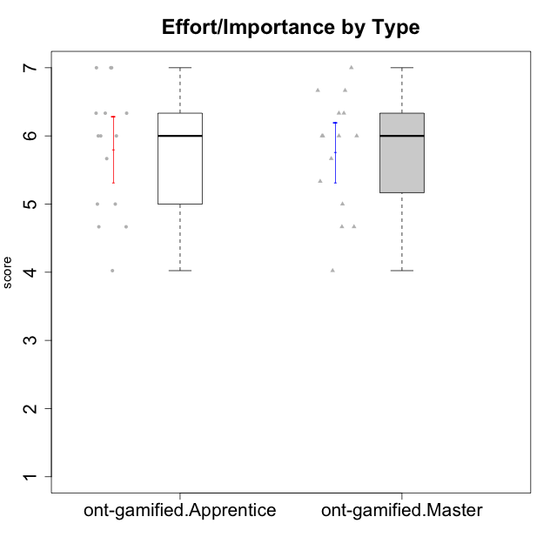

Student's t-Test data
UserID | NroUSP | Type | CLGroup | CLRole | PlayerRole | Interest/Enjoyment | Perceived Choice | Pressure/Tension | Effort/Importance | Intrinsic Motivation
10169 | 10377538 | ont-gamified | Grupo Hefesto | Master | Yee Achiever | 5.6666666667 | 4.8 | 1.9913 | 6 | 5.6166666667
10170 | 10260351 | ont-gamified | Grupo Afrodite | Apprentice | Yee Achiever | 5.1666666667 | 6.4 | 1 | 6 | 6.1416666667
10174 | 10276852 | ont-gamified | Grupo Urano | Master | Yee Achiever | 4.8333333333 | 4.4 | 1.25 | 6.6666666667 | 5.6625
10175 | 10310700 | ont-gamified | Grupo Hélio | Master | Yee Socializer | 5.6666666667 | 7 | 1 | 5 | 6.1666666667
10176 | 10276949 | ont-gamified | Grupo Cronus | Apprentice | Yee Achiever | 4.1666666667 | 5.8 | 1.9913 | 4.6666666667 | 4.9708333333
10178 | 8656201 | ont-gamified | Grupo Morfeu | Apprentice | Yee Socializer | 5 | 5.8 | 1.9913 | 6 | 5.6375
10183 | 10352030 | ont-gamified | Grupo Hélio | Apprentice | Yee Socializer | 4 | 5.4 | 1.9913 | 5.6666666667 | 5.0791666667
10184 | 10276675 | ont-gamified | Grupo Apolo | Master | Yee Socializer | 4.5 | 5.6 | 1.9913 | 6.6666666667 | 5.6291666667
10186 | 10310551 | ont-gamified | Grupo Ares | Apprentice | Yee Achiever | 4.6666666667 | 6.2 | 1.9913 | 7 | 5.7166666667
10189 | 9363926 | ont-gamified | Grupo Hades | Master | Yee Socializer | 4 | 5.2 | 1.9913 | 6.3333333333 | 5.0083333333
10190 | 10276907 | ont-gamified | Grupo Zeus | Apprentice | Yee Socializer | 4.5 | 5.8 | 1.75 | 4.0232 | 5.1375
10193 | 10276762 | ont-gamified | Grupo Afrodite | Master | Yee Achiever | 4.8333333333 | 4.4 | 1.25 | 4.6666666667 | 5.1625
10195 | 10351971 | ont-gamified | Grupo Urano | Apprentice | Yee Achiever | 5.3333333333 | 4.6 | 1 | 6 | 5.7333333333
10196 | 10310655 | ont-gamified | Grupo Hefesto | Apprentice | Yee Achiever | 4 | 4.2 | 1 | 6.3333333333 | 5.3833333333
10197 | 10276661 | ont-gamified | Grupo Gaia | Apprentice | Yee Achiever | 4.8333333333 | 6.8 | 1 | 5 | 5.9083333333
10198 | 10310888 | ont-gamified | Grupo Apolo | Apprentice | Yee Socializer | 6.6434666667 | 7 | 1 | 7 | 6.8989766667
10199 | 10276737 | ont-gamified | Grupo Gaia | Master | Yee Achiever | 4 | 7 | 1.9913 | 4.6666666667 | 5.2291666667
10200 | 9795272 | ont-gamified | Grupo Hades | Apprentice | Yee Socializer | 6.3333333333 | 5.4 | 1 | 5 | 5.9333333333
10201 | 10276928 | ont-gamified | Grupo Caronte | Master | Yee Achiever | 6.3333333333 | 5.8 | 1.9913 | 7 | 6.2833333333
10204 | 10310471 | ont-gamified | Grupo Hermes | Master | Yee Achiever | 6.8333333333 | 6.2 | 1 | 6 | 6.5083333333
10206 | 10310721 | ont-gamified | Grupo Hera | Master | Yee Achiever | 4.5 | 6.6 | 1.9913 | 5.6666666667 | 5.3166666667
10209 | 10262669 | ont-gamified | Grupo Artemis | Apprentice | Yee Achiever | 3.1666666667 | 4.02088 | 1 | 7 | 4.6416666667
10213 | 10277040 | ont-gamified | Grupo Morfeu | Master | Yee Socializer | 5.5 | 4.6 | 1 | 4.0232 | 5.1083333333
10215 | 9285227 | ont-gamified | Grupo Zeus | Master | Yee Socializer | 5 | 7 | 1 | 6 | 6.25
10218 | 9842913 | ont-gamified | Grupo Ares | Master | Yee Achiever | 3.3333333333 | 5.4 | 1.9913 | 6.3333333333 | 4.8916666667
10221 | 9082496 | ont-gamified | Grupo Hermes | Apprentice | Yee Achiever | 4.5 | 5.4 | 1 | 6.3333333333 | 5.8083333333
10223 | 9795185 | ont-gamified | Grupo Cronus | Master | Yee Achiever | 6.3333333333 | 6.4 | 1.25 | 5.3333333333 | 6.2041666667
10231 | 10276911 | ont-gamified | Grupo Caronte | Apprentice | Yee Achiever | 6.6434666667 | 6.8 | 1 | 6.3333333333 | 6.7833333333
10232 | 10276974 | ont-gamified | Grupo Artemis | Master | Yee Achiever | 5.5 | 5.2 | 1.9913 | 6 | 5.425
10240 | 10276654 | ont-gamified | Grupo Hera | Apprentice | Yee Achiever | 3.5 | 4.02088 | 1 | 4.6666666667 | 4.4564566667

