Type_1
Wilcoxon Analysis for Interest/Enjoyment by Type in Type between non-gamified:ont-gamified

Wilcoxon test results
Alternative hypothesis: less
Group | N | Median | Mean.Ranks | Sum.Ranks | U | Z | p.value | r | magnitude
non-gamified | 30 | -0.78975287252 | 26.15 | 784.5 | 319.5 | -1.9341294352 | 0.026552070318 | 0.2496950364 | small
ont-gamified | 30 | 0.04532479257 | 34.85 | 1045.5 | 319.5 | -1.9341294352 | 0.026552070318 | 0.2496950364 | small
Alternative hypothesis: greater
Group | N | Median | Mean.Ranks | Sum.Ranks | U | Z | p.value | r | magnitude
non-gamified | 30 | -0.78975287252 | 26.15 | 784.5 | 319.5 | -1.9341294352 | 0.9739099051 | 0.2496950364 | small
ont-gamified | 30 | 0.04532479257 | 34.85 | 1045.5 | 319.5 | -1.9341294352 | 0.9739099051 | 0.2496950364 | small
Alternative hypothesis: two.sided
Group | N | Median | Mean.Ranks | Sum.Ranks | U | Z | p.value | r | magnitude
non-gamified | 30 | -0.78975287252 | 26.15 | 784.5 | 319.5 | -1.9341294352 | 0.053104140635 | 0.2496950364 | small
ont-gamified | 30 | 0.04532479257 | 34.85 | 1045.5 | 319.5 | -1.9341294352 | 0.053104140635 | 0.2496950364 | small

Box plots for wilcoxon tests
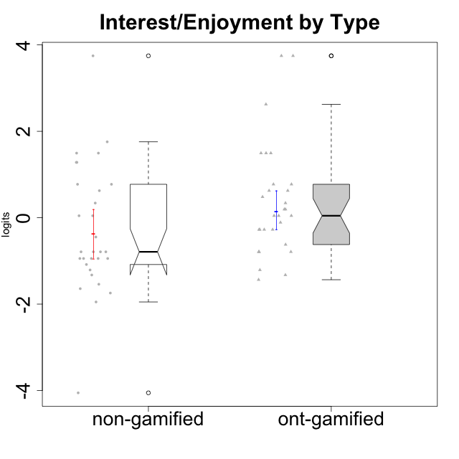

Wilcoxon data
UserID | NroUSP | Type | CLGroup | CLRole | PlayerRole | Score | theta | error | Outfit | Infit | Interest/Enjoyment
10169 | 10377538 | ont-gamified | Grupo Hefesto | Master | Yee Achiever | 28 | 0.77354775663 | 0.40082178105 | 0.40466016466 | 0.43345505435 | 0.77354775663
10170 | 10260351 | ont-gamified | Grupo Afrodite | Apprentice | Yee Achiever | 25 | 0.33909170565 | 0.38782283882 | 0.33907033607 | 0.3385489218 | 0.33909170565
10171 | 698531 | non-gamified | Grupo Team 6 | Apprentice |  | 28 | 0.77354775663 | 0.40082178105 | 0.31667293035 | 0.3251133619 | 0.77354775663
10172 | 10273971 | non-gamified | Grupo Team 1 | Master |  | 25 | 0.33909170565 | 0.38782283882 | 0.33578106207 | 0.33262843047 | 0.33909170565
10174 | 10276852 | ont-gamified | Grupo Urano | Master | Yee Achiever | 23 | 0.04532479257 | 0.39290523614 | 0.81008218411 | 0.7985341459 | 0.04532479257
10175 | 10310700 | ont-gamified | Grupo Hélio | Master | Yee Socializer | 28 | 0.77354775663 | 0.40082178105 | 0.31667293035 | 0.3251133619 | 0.77354775663
10176 | 10276949 | ont-gamified | Grupo Cronus | Apprentice | Yee Achiever | 19 | -0.62176572839 | 0.39858166721 | 0.33987485105 | 0.35434009129 | -0.62176572839
10178 | 8656201 | ont-gamified | Grupo Morfeu | Apprentice | Yee Socializer | 24 | 0.19438092697 | 0.38936174525 | 0.058334669529 | 0.057893054572 | 0.19438092697
10179 | 10310759 | non-gamified | Grupo Team 9 | Master |  | 17 | -0.94401358639 | 0.3764247522 | 0.15492198026 | 0.1622419992 | -0.94401358639
10181 | 10276866 | non-gamified | Grupo Team 10 | Master |  | 20 | -0.44706097603 | 0.40273860319 | 0.98414155714 | 0.99236615178 | -0.44706097603
10183 | 10352030 | ont-gamified | Grupo Hélio | Apprentice | Yee Socializer | 18 | -0.78975287252 | 0.38899542921 | 0.31560232317 | 0.3400570295 | -0.78975287252
10184 | 10276675 | ont-gamified | Grupo Apolo | Master | Yee Socializer | 21 | -0.27485572343 | 0.40160920091 | 0.25657540591 | 0.25309230945 | -0.27485572343
10185 | 10276960 | non-gamified | Grupo Team 12 | Apprentice |  | 18 | -0.78975287252 | 0.38899542921 | 0.054114451139 | 0.054597996329 | -0.78975287252
10186 | 10310551 | ont-gamified | Grupo Ares | Apprentice | Yee Achiever | 22 | -0.11051255329 | 0.3975233554 | 1.0433531055 | 1.0185626073 | -0.11051255329
10187 | 9790781 | non-gamified | Grupo Team 15 | Apprentice |  | 36 | 3.7473503245 | 1.4346461814 | 0.082668988074 | 0.086403743499 | 3.7473503245
10188 | 10276995 | non-gamified | Grupo Team 3 | Master |  | 17 | -0.94401358639 | 0.3764247522 | 0.20520809935 | 0.2048709361 | -0.94401358639
10189 | 9363926 | ont-gamified | Grupo Hades | Master | Yee Socializer | 18 | -0.78975287252 | 0.38899542921 | 1.4118539136 | 1.4394072738 | -0.78975287252
10190 | 10276907 | ont-gamified | Grupo Zeus | Apprentice | Yee Socializer | 21 | -0.27485572343 | 0.40160920091 | 0.27188552553 | 0.26827954493 | -0.27485572343
10191 | 10276981 | non-gamified | Grupo Team 6 | Master |  | 28 | 0.77354775663 | 0.40082178105 | 0.82133815984 | 0.87812370854 | 0.77354775663
10192 | 10276682 | non-gamified | Grupo Team 5 | Apprentice |  | 31 | 1.2808857648 | 0.4574002127 | 1.176457927 | 1.3039737749 | 1.2808857648
10193 | 10276762 | ont-gamified | Grupo Afrodite | Master | Yee Achiever | 23 | 0.04532479257 | 0.39290523614 | 0.30131695077 | 0.30123409434 | 0.04532479257
10195 | 10351971 | ont-gamified | Grupo Urano | Apprentice | Yee Achiever | 26 | 0.48203349534 | 0.3888749466 | 0.097016215222 | 0.097517099489 | 0.48203349534
10196 | 10310655 | ont-gamified | Grupo Hefesto | Apprentice | Yee Achiever | 18 | -0.78975287252 | 0.38899542921 | 0.054114451139 | 0.054597996329 | -0.78975287252
10197 | 10276661 | ont-gamified | Grupo Gaia | Apprentice | Yee Achiever | 23 | 0.04532479257 | 0.39290523614 | 0.56193423096 | 0.56798351378 | 0.04532479257
10198 | 10310888 | ont-gamified | Grupo Apolo | Apprentice | Yee Socializer | 36 | 3.7473503245 | 1.4346461814 | 0.082668988074 | 0.086403743499 | 3.7473503245
10199 | 10276737 | ont-gamified | Grupo Gaia | Master | Yee Achiever | 18 | -0.78975287252 | 0.38899542921 | 2.3829531054 | 2.4175520542 | -0.78975287252
10200 | 9795272 | ont-gamified | Grupo Hades | Apprentice | Yee Socializer | 32 | 1.4951617996 | 0.49539127544 | 0.4608675251 | 0.47256092676 | 1.4951617996
10201 | 10276928 | ont-gamified | Grupo Caronte | Master | Yee Achiever | 32 | 1.4951617996 | 0.49539127544 | 0.94193461024 | 1.0038356181 | 1.4951617996
10202 | 10277036 | non-gamified | Grupo Team 11 | Apprentice |  | 18 | -0.78975287252 | 0.38899542921 | 0.054114451139 | 0.054597996329 | -0.78975287252
10203 | 9921470 | non-gamified | Grupo Team 3 | Apprentice |  | 18 | -0.78975287252 | 0.38899542921 | 8.029413057 | 7.999016191 | -0.78975287252
10204 | 10310471 | ont-gamified | Grupo Hermes | Master | Yee Achiever | 35 | 2.6247068037 | 0.83017481676 | 0.47594779775 | 0.53631584255 | 2.6247068037
10206 | 10310721 | ont-gamified | Grupo Hera | Master | Yee Achiever | 21 | -0.27485572343 | 0.40160920091 | 0.52025129453 | 0.52526782947 | -0.27485572343
10208 | 10276932 | non-gamified | Grupo Team 7 | Apprentice |  | 32 | 1.4951617996 | 0.49539127544 | 0.37879006134 | 0.34566636889 | 1.4951617996
10209 | 10262669 | ont-gamified | Grupo Artemis | Apprentice | Yee Achiever | 13 | -1.4355957758 | 0.33671911043 | 0.58556021575 | 0.59675034313 | -1.4355957758
10210 | 10277015 | non-gamified | Grupo Team 9 | Apprentice |  | 15 | -1.2095717429 | 0.35241877465 | 1.0316477288 | 0.99202256286 | -1.2095717429
10211 | 9311643 | non-gamified | Grupo Team 2 | Master |  | 31 | 1.2808857648 | 0.4574002127 | 0.56454030513 | 0.57754680753 | 1.2808857648
10212 | 9065750 | non-gamified | Grupo Team 4 | Master |  | 32 | 1.4951617996 | 0.49539127544 | 0.77047351805 | 0.81213425425 | 1.4951617996
10213 | 10277040 | ont-gamified | Grupo Morfeu | Master | Yee Socializer | 27 | 0.62587550794 | 0.39301343139 | 1.7425097399 | 1.790151146 | 0.62587550794
10214 | 10277022 | non-gamified | Grupo Team 5 | Master |  | 12 | -1.5404013327 | 0.33248147954 | 0.4820938552 | 0.49887568271 | -1.5404013327
10215 | 9285227 | ont-gamified | Grupo Zeus | Master | Yee Socializer | 24 | 0.19438092697 | 0.38936174525 | 0.77982991464 | 0.78135707254 | 0.19438092697
10216 | 10276720 | non-gamified | Grupo Team 15 | Master |  | 23 | 0.04532479257 | 0.39290523614 | 3.1859116189 | 3.1199188389 | 0.04532479257
10217 | 9805341 | non-gamified | Grupo Team 13 | Master |  | 17 | -0.94401358639 | 0.3764247522 | 0.59136327672 | 0.60895030975 | -0.94401358639
10218 | 9842913 | ont-gamified | Grupo Ares | Master | Yee Achiever | 14 | -1.326100113 | 0.34336980651 | 0.38731917425 | 0.38656753674 | -1.326100113
10219 | 10276831 | non-gamified | Grupo Team 12 | Master |  | 16 | -1.0832226321 | 0.36366997637 | 0.17101555815 | 0.17401961109 | -1.0832226321
10220 | 9760151 | non-gamified | Grupo Team 2 | Apprentice |  | 27 | 0.62587550794 | 0.39301343139 | 1.9258630625 | 1.9431438213 | 0.62587550794
10221 | 9082496 | ont-gamified | Grupo Hermes | Apprentice | Yee Achiever | 21 | -0.27485572343 | 0.40160920091 | 0.1103498181 | 0.10924241951 | -0.27485572343
10222 | 9436110 | non-gamified | Grupo Team 16 | Master |  | 0 | -4.0543369818 | 1.199726959 | 0.092254975662 | 0.098947778436 | -4.0543369818
10223 | 9795185 | ont-gamified | Grupo Cronus | Master | Yee Achiever | 32 | 1.4951617996 | 0.49539127544 | 0.34636377933 | 0.30251126179 | 1.4951617996
10224 | 9368772 | non-gamified | Grupo Team 10 | Apprentice |  | 33 | 1.7565000358 | 0.55280021804 | 0.37595107811 | 0.35398847609 | 1.7565000358
10226 | 10310342 | non-gamified | Grupo Team 8 | Master |  | 17 | -0.94401358639 | 0.3764247522 | 0.60971990335 | 0.68475889796 | -0.94401358639
10227 | 9274382 | non-gamified | Grupo Team 4 | Apprentice |  | 11 | -1.6425046828 | 0.33065111094 | 1.4983741149 | 1.5014207791 | -1.6425046828
10228 | 10310492 | non-gamified | Grupo Team 14 | Apprentice |  | 18 | -0.78975287252 | 0.38899542921 | 0.27515387678 | 0.27944294256 | -0.78975287252
10230 | 10351992 | non-gamified | Grupo Team 14 | Master |  | 10 | -1.7436870557 | 0.33128120852 | 1.9992996219 | 2.0633426165 | -1.7436870557
10231 | 10276911 | ont-gamified | Grupo Caronte | Apprentice | Yee Achiever | 36 | 3.7473503245 | 1.4346461814 | 0.082668988074 | 0.086403743499 | 3.7473503245
10232 | 10276974 | ont-gamified | Grupo Artemis | Master | Yee Achiever | 27 | 0.62587550794 | 0.39301343139 | 1.3296081954 | 1.2728520344 | 0.62587550794
10233 | 9805320 | non-gamified | Grupo Team 16 | Apprentice |  | 8 | -1.9503088127 | 0.34074018087 | 0.5181695747 | 0.52664613634 | -1.9503088127
10234 | 10310676 | non-gamified | Grupo Team 7 | Master |  | 14 | -1.326100113 | 0.34336980651 | 1.5708203812 | 1.5433754042 | -1.326100113
10237 | 10377688 | non-gamified | Grupo Team 11 | Master |  | 23 | 0.04532479257 | 0.39290523614 | 0.98798294028 | 0.96101155323 | 0.04532479257
10238 | 10276953 | non-gamified | Grupo Team 13 | Apprentice |  | 17 | -0.94401358639 | 0.3764247522 | 0.33034930339 | 0.30215416091 | -0.94401358639
10240 | 10276654 | ont-gamified | Grupo Hera | Apprentice | Yee Achiever | 15 | -1.2095717429 | 0.35241877465 | 0.70699296562 | 0.6859649509 | -1.2095717429

Type_CLRole_1
Wilcoxon Analysis for Interest/Enjoyment by Type in Type:CLRole between non-gamified.Apprentice:non-gamified.Master

Wilcoxon test results
Alternative hypothesis: less
Group | N | Median | Mean.Ranks | Sum.Ranks | U | Z | p.value | r | magnitude
non-gamified.Apprentice | 14 | -0.78975287252 | 17.392857143 | 243.5 | 138.5 | 1.1058096544 | 0.86560174333 | 0.20189229735 | small
non-gamified.Master | 16 | -0.94401358639 | 13.84375 | 221.5 | 138.5 | 1.1058096544 | 0.86560174333 | 0.20189229735 | small
Alternative hypothesis: greater
Group | N | Median | Mean.Ranks | Sum.Ranks | U | Z | p.value | r | magnitude
non-gamified.Apprentice | 14 | -0.78975287252 | 17.392857143 | 243.5 | 138.5 | 1.1058096544 | 0.13897677236 | 0.20189229735 | small
non-gamified.Master | 16 | -0.94401358639 | 13.84375 | 221.5 | 138.5 | 1.1058096544 | 0.13897677236 | 0.20189229735 | small
Alternative hypothesis: two.sided
Group | N | Median | Mean.Ranks | Sum.Ranks | U | Z | p.value | r | magnitude
non-gamified.Apprentice | 14 | -0.78975287252 | 17.392857143 | 243.5 | 138.5 | 1.1058096544 | 0.27795014773 | 0.20189229735 | small
non-gamified.Master | 16 | -0.94401358639 | 13.84375 | 221.5 | 138.5 | 1.1058096544 | 0.27795014773 | 0.20189229735 | small

Box plots for wilcoxon tests
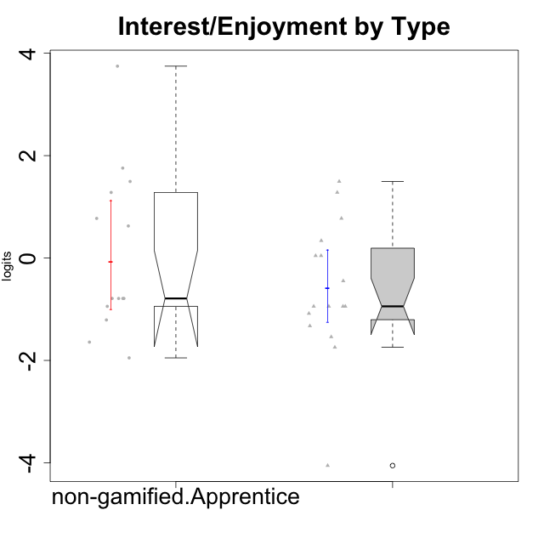

Wilcoxon data
UserID | NroUSP | Type | CLGroup | CLRole | PlayerRole | Score | theta | error | Outfit | Infit | Interest/Enjoyment
10171 | 698531 | non-gamified | Grupo Team 6 | Apprentice |  | 28 | 0.77354775663 | 0.40082178105 | 0.31667293035 | 0.3251133619 | 0.77354775663
10172 | 10273971 | non-gamified | Grupo Team 1 | Master |  | 25 | 0.33909170565 | 0.38782283882 | 0.33578106207 | 0.33262843047 | 0.33909170565
10179 | 10310759 | non-gamified | Grupo Team 9 | Master |  | 17 | -0.94401358639 | 0.3764247522 | 0.15492198026 | 0.1622419992 | -0.94401358639
10181 | 10276866 | non-gamified | Grupo Team 10 | Master |  | 20 | -0.44706097603 | 0.40273860319 | 0.98414155714 | 0.99236615178 | -0.44706097603
10185 | 10276960 | non-gamified | Grupo Team 12 | Apprentice |  | 18 | -0.78975287252 | 0.38899542921 | 0.054114451139 | 0.054597996329 | -0.78975287252
10187 | 9790781 | non-gamified | Grupo Team 15 | Apprentice |  | 36 | 3.7473503245 | 1.4346461814 | 0.082668988074 | 0.086403743499 | 3.7473503245
10188 | 10276995 | non-gamified | Grupo Team 3 | Master |  | 17 | -0.94401358639 | 0.3764247522 | 0.20520809935 | 0.2048709361 | -0.94401358639
10191 | 10276981 | non-gamified | Grupo Team 6 | Master |  | 28 | 0.77354775663 | 0.40082178105 | 0.82133815984 | 0.87812370854 | 0.77354775663
10192 | 10276682 | non-gamified | Grupo Team 5 | Apprentice |  | 31 | 1.2808857648 | 0.4574002127 | 1.176457927 | 1.3039737749 | 1.2808857648
10202 | 10277036 | non-gamified | Grupo Team 11 | Apprentice |  | 18 | -0.78975287252 | 0.38899542921 | 0.054114451139 | 0.054597996329 | -0.78975287252
10203 | 9921470 | non-gamified | Grupo Team 3 | Apprentice |  | 18 | -0.78975287252 | 0.38899542921 | 8.029413057 | 7.999016191 | -0.78975287252
10208 | 10276932 | non-gamified | Grupo Team 7 | Apprentice |  | 32 | 1.4951617996 | 0.49539127544 | 0.37879006134 | 0.34566636889 | 1.4951617996
10210 | 10277015 | non-gamified | Grupo Team 9 | Apprentice |  | 15 | -1.2095717429 | 0.35241877465 | 1.0316477288 | 0.99202256286 | -1.2095717429
10211 | 9311643 | non-gamified | Grupo Team 2 | Master |  | 31 | 1.2808857648 | 0.4574002127 | 0.56454030513 | 0.57754680753 | 1.2808857648
10212 | 9065750 | non-gamified | Grupo Team 4 | Master |  | 32 | 1.4951617996 | 0.49539127544 | 0.77047351805 | 0.81213425425 | 1.4951617996
10214 | 10277022 | non-gamified | Grupo Team 5 | Master |  | 12 | -1.5404013327 | 0.33248147954 | 0.4820938552 | 0.49887568271 | -1.5404013327
10216 | 10276720 | non-gamified | Grupo Team 15 | Master |  | 23 | 0.04532479257 | 0.39290523614 | 3.1859116189 | 3.1199188389 | 0.04532479257
10217 | 9805341 | non-gamified | Grupo Team 13 | Master |  | 17 | -0.94401358639 | 0.3764247522 | 0.59136327672 | 0.60895030975 | -0.94401358639
10219 | 10276831 | non-gamified | Grupo Team 12 | Master |  | 16 | -1.0832226321 | 0.36366997637 | 0.17101555815 | 0.17401961109 | -1.0832226321
10220 | 9760151 | non-gamified | Grupo Team 2 | Apprentice |  | 27 | 0.62587550794 | 0.39301343139 | 1.9258630625 | 1.9431438213 | 0.62587550794
10222 | 9436110 | non-gamified | Grupo Team 16 | Master |  | 0 | -4.0543369818 | 1.199726959 | 0.092254975662 | 0.098947778436 | -4.0543369818
10224 | 9368772 | non-gamified | Grupo Team 10 | Apprentice |  | 33 | 1.7565000358 | 0.55280021804 | 0.37595107811 | 0.35398847609 | 1.7565000358
10226 | 10310342 | non-gamified | Grupo Team 8 | Master |  | 17 | -0.94401358639 | 0.3764247522 | 0.60971990335 | 0.68475889796 | -0.94401358639
10227 | 9274382 | non-gamified | Grupo Team 4 | Apprentice |  | 11 | -1.6425046828 | 0.33065111094 | 1.4983741149 | 1.5014207791 | -1.6425046828
10228 | 10310492 | non-gamified | Grupo Team 14 | Apprentice |  | 18 | -0.78975287252 | 0.38899542921 | 0.27515387678 | 0.27944294256 | -0.78975287252
10230 | 10351992 | non-gamified | Grupo Team 14 | Master |  | 10 | -1.7436870557 | 0.33128120852 | 1.9992996219 | 2.0633426165 | -1.7436870557
10233 | 9805320 | non-gamified | Grupo Team 16 | Apprentice |  | 8 | -1.9503088127 | 0.34074018087 | 0.5181695747 | 0.52664613634 | -1.9503088127
10234 | 10310676 | non-gamified | Grupo Team 7 | Master |  | 14 | -1.326100113 | 0.34336980651 | 1.5708203812 | 1.5433754042 | -1.326100113
10237 | 10377688 | non-gamified | Grupo Team 11 | Master |  | 23 | 0.04532479257 | 0.39290523614 | 0.98798294028 | 0.96101155323 | 0.04532479257
10238 | 10276953 | non-gamified | Grupo Team 13 | Apprentice |  | 17 | -0.94401358639 | 0.3764247522 | 0.33034930339 | 0.30215416091 | -0.94401358639

Type_CLRole_2
Wilcoxon Analysis for Interest/Enjoyment by Type in Type:CLRole between non-gamified.Apprentice:ont-gamified.Apprentice

Wilcoxon test results
Alternative hypothesis: less
Group | N | Median | Mean.Ranks | Sum.Ranks | U | Z | p.value | r | magnitude
non-gamified.Apprentice | 14 | -0.78975287252 | 14 | 196 | 91 | -0.61419522333 | 0.27595125296 | 0.1140531897 | small
ont-gamified.Apprentice | 15 | -0.11051255329 | 15.933333333 | 239 | 91 | -0.61419522333 | 0.27595125296 | 0.1140531897 | small
Alternative hypothesis: greater
Group | N | Median | Mean.Ranks | Sum.Ranks | U | Z | p.value | r | magnitude
non-gamified.Apprentice | 14 | -0.78975287252 | 14 | 196 | 91 | -0.61419522333 | 0.73119433575 | 0.1140531897 | small
ont-gamified.Apprentice | 15 | -0.11051255329 | 15.933333333 | 239 | 91 | -0.61419522333 | 0.73119433575 | 0.1140531897 | small
Alternative hypothesis: two.sided
Group | N | Median | Mean.Ranks | Sum.Ranks | U | Z | p.value | r | magnitude
non-gamified.Apprentice | 14 | -0.78975287252 | 14 | 196 | 91 | -0.61419522333 | 0.55196781124 | 0.1140531897 | small
ont-gamified.Apprentice | 15 | -0.11051255329 | 15.933333333 | 239 | 91 | -0.61419522333 | 0.55196781124 | 0.1140531897 | small

Box plots for wilcoxon tests
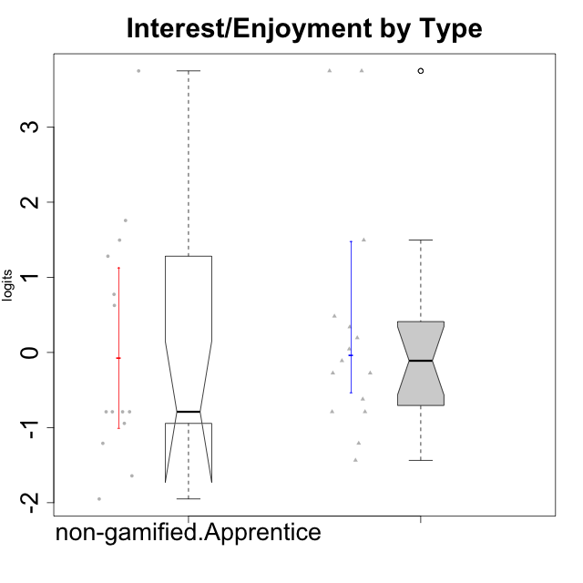

Wilcoxon data
UserID | NroUSP | Type | CLGroup | CLRole | PlayerRole | Score | theta | error | Outfit | Infit | Interest/Enjoyment
10170 | 10260351 | ont-gamified | Grupo Afrodite | Apprentice | Yee Achiever | 25 | 0.33909170565 | 0.38782283882 | 0.33907033607 | 0.3385489218 | 0.33909170565
10171 | 698531 | non-gamified | Grupo Team 6 | Apprentice |  | 28 | 0.77354775663 | 0.40082178105 | 0.31667293035 | 0.3251133619 | 0.77354775663
10176 | 10276949 | ont-gamified | Grupo Cronus | Apprentice | Yee Achiever | 19 | -0.62176572839 | 0.39858166721 | 0.33987485105 | 0.35434009129 | -0.62176572839
10178 | 8656201 | ont-gamified | Grupo Morfeu | Apprentice | Yee Socializer | 24 | 0.19438092697 | 0.38936174525 | 0.058334669529 | 0.057893054572 | 0.19438092697
10183 | 10352030 | ont-gamified | Grupo Hélio | Apprentice | Yee Socializer | 18 | -0.78975287252 | 0.38899542921 | 0.31560232317 | 0.3400570295 | -0.78975287252
10185 | 10276960 | non-gamified | Grupo Team 12 | Apprentice |  | 18 | -0.78975287252 | 0.38899542921 | 0.054114451139 | 0.054597996329 | -0.78975287252
10186 | 10310551 | ont-gamified | Grupo Ares | Apprentice | Yee Achiever | 22 | -0.11051255329 | 0.3975233554 | 1.0433531055 | 1.0185626073 | -0.11051255329
10187 | 9790781 | non-gamified | Grupo Team 15 | Apprentice |  | 36 | 3.7473503245 | 1.4346461814 | 0.082668988074 | 0.086403743499 | 3.7473503245
10190 | 10276907 | ont-gamified | Grupo Zeus | Apprentice | Yee Socializer | 21 | -0.27485572343 | 0.40160920091 | 0.27188552553 | 0.26827954493 | -0.27485572343
10192 | 10276682 | non-gamified | Grupo Team 5 | Apprentice |  | 31 | 1.2808857648 | 0.4574002127 | 1.176457927 | 1.3039737749 | 1.2808857648
10195 | 10351971 | ont-gamified | Grupo Urano | Apprentice | Yee Achiever | 26 | 0.48203349534 | 0.3888749466 | 0.097016215222 | 0.097517099489 | 0.48203349534
10196 | 10310655 | ont-gamified | Grupo Hefesto | Apprentice | Yee Achiever | 18 | -0.78975287252 | 0.38899542921 | 0.054114451139 | 0.054597996329 | -0.78975287252
10197 | 10276661 | ont-gamified | Grupo Gaia | Apprentice | Yee Achiever | 23 | 0.04532479257 | 0.39290523614 | 0.56193423096 | 0.56798351378 | 0.04532479257
10198 | 10310888 | ont-gamified | Grupo Apolo | Apprentice | Yee Socializer | 36 | 3.7473503245 | 1.4346461814 | 0.082668988074 | 0.086403743499 | 3.7473503245
10200 | 9795272 | ont-gamified | Grupo Hades | Apprentice | Yee Socializer | 32 | 1.4951617996 | 0.49539127544 | 0.4608675251 | 0.47256092676 | 1.4951617996
10202 | 10277036 | non-gamified | Grupo Team 11 | Apprentice |  | 18 | -0.78975287252 | 0.38899542921 | 0.054114451139 | 0.054597996329 | -0.78975287252
10203 | 9921470 | non-gamified | Grupo Team 3 | Apprentice |  | 18 | -0.78975287252 | 0.38899542921 | 8.029413057 | 7.999016191 | -0.78975287252
10208 | 10276932 | non-gamified | Grupo Team 7 | Apprentice |  | 32 | 1.4951617996 | 0.49539127544 | 0.37879006134 | 0.34566636889 | 1.4951617996
10209 | 10262669 | ont-gamified | Grupo Artemis | Apprentice | Yee Achiever | 13 | -1.4355957758 | 0.33671911043 | 0.58556021575 | 0.59675034313 | -1.4355957758
10210 | 10277015 | non-gamified | Grupo Team 9 | Apprentice |  | 15 | -1.2095717429 | 0.35241877465 | 1.0316477288 | 0.99202256286 | -1.2095717429
10220 | 9760151 | non-gamified | Grupo Team 2 | Apprentice |  | 27 | 0.62587550794 | 0.39301343139 | 1.9258630625 | 1.9431438213 | 0.62587550794
10221 | 9082496 | ont-gamified | Grupo Hermes | Apprentice | Yee Achiever | 21 | -0.27485572343 | 0.40160920091 | 0.1103498181 | 0.10924241951 | -0.27485572343
10224 | 9368772 | non-gamified | Grupo Team 10 | Apprentice |  | 33 | 1.7565000358 | 0.55280021804 | 0.37595107811 | 0.35398847609 | 1.7565000358
10227 | 9274382 | non-gamified | Grupo Team 4 | Apprentice |  | 11 | -1.6425046828 | 0.33065111094 | 1.4983741149 | 1.5014207791 | -1.6425046828
10228 | 10310492 | non-gamified | Grupo Team 14 | Apprentice |  | 18 | -0.78975287252 | 0.38899542921 | 0.27515387678 | 0.27944294256 | -0.78975287252
10231 | 10276911 | ont-gamified | Grupo Caronte | Apprentice | Yee Achiever | 36 | 3.7473503245 | 1.4346461814 | 0.082668988074 | 0.086403743499 | 3.7473503245
10233 | 9805320 | non-gamified | Grupo Team 16 | Apprentice |  | 8 | -1.9503088127 | 0.34074018087 | 0.5181695747 | 0.52664613634 | -1.9503088127
10238 | 10276953 | non-gamified | Grupo Team 13 | Apprentice |  | 17 | -0.94401358639 | 0.3764247522 | 0.33034930339 | 0.30215416091 | -0.94401358639
10240 | 10276654 | ont-gamified | Grupo Hera | Apprentice | Yee Achiever | 15 | -1.2095717429 | 0.35241877465 | 0.70699296562 | 0.6859649509 | -1.2095717429

Type_CLRole_3
Wilcoxon Analysis for Interest/Enjoyment by Type in Type:CLRole between non-gamified.Apprentice:ont-gamified.Master

Wilcoxon test results
Alternative hypothesis: less
Group | N | Median | Mean.Ranks | Sum.Ranks | U | Z | p.value | r | magnitude
non-gamified.Apprentice | 14 | -0.78975287252 | 13.5 | 189 | 84 | -0.922096405 | 0.18388940205 | 0.17122900376 | small
ont-gamified.Master | 15 | 0.19438092697 | 16.4 | 246 | 84 | -0.922096405 | 0.18388940205 | 0.17122900376 | small
Alternative hypothesis: greater
Group | N | Median | Mean.Ranks | Sum.Ranks | U | Z | p.value | r | magnitude
non-gamified.Apprentice | 14 | -0.78975287252 | 13.5 | 189 | 84 | -0.922096405 | 0.82179744751 | 0.17122900376 | small
ont-gamified.Master | 15 | 0.19438092697 | 16.4 | 246 | 84 | -0.922096405 | 0.82179744751 | 0.17122900376 | small
Alternative hypothesis: two.sided
Group | N | Median | Mean.Ranks | Sum.Ranks | U | Z | p.value | r | magnitude
non-gamified.Apprentice | 14 | -0.78975287252 | 13.5 | 189 | 84 | -0.922096405 | 0.36790301959 | 0.17122900376 | small
ont-gamified.Master | 15 | 0.19438092697 | 16.4 | 246 | 84 | -0.922096405 | 0.36790301959 | 0.17122900376 | small

Box plots for wilcoxon tests
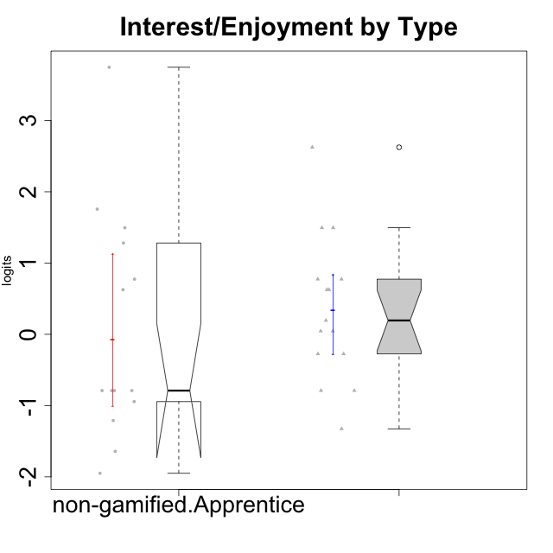

Wilcoxon data
UserID | NroUSP | Type | CLGroup | CLRole | PlayerRole | Score | theta | error | Outfit | Infit | Interest/Enjoyment
10169 | 10377538 | ont-gamified | Grupo Hefesto | Master | Yee Achiever | 28 | 0.77354775663 | 0.40082178105 | 0.40466016466 | 0.43345505435 | 0.77354775663
10171 | 698531 | non-gamified | Grupo Team 6 | Apprentice |  | 28 | 0.77354775663 | 0.40082178105 | 0.31667293035 | 0.3251133619 | 0.77354775663
10174 | 10276852 | ont-gamified | Grupo Urano | Master | Yee Achiever | 23 | 0.04532479257 | 0.39290523614 | 0.81008218411 | 0.7985341459 | 0.04532479257
10175 | 10310700 | ont-gamified | Grupo Hélio | Master | Yee Socializer | 28 | 0.77354775663 | 0.40082178105 | 0.31667293035 | 0.3251133619 | 0.77354775663
10184 | 10276675 | ont-gamified | Grupo Apolo | Master | Yee Socializer | 21 | -0.27485572343 | 0.40160920091 | 0.25657540591 | 0.25309230945 | -0.27485572343
10185 | 10276960 | non-gamified | Grupo Team 12 | Apprentice |  | 18 | -0.78975287252 | 0.38899542921 | 0.054114451139 | 0.054597996329 | -0.78975287252
10187 | 9790781 | non-gamified | Grupo Team 15 | Apprentice |  | 36 | 3.7473503245 | 1.4346461814 | 0.082668988074 | 0.086403743499 | 3.7473503245
10189 | 9363926 | ont-gamified | Grupo Hades | Master | Yee Socializer | 18 | -0.78975287252 | 0.38899542921 | 1.4118539136 | 1.4394072738 | -0.78975287252
10192 | 10276682 | non-gamified | Grupo Team 5 | Apprentice |  | 31 | 1.2808857648 | 0.4574002127 | 1.176457927 | 1.3039737749 | 1.2808857648
10193 | 10276762 | ont-gamified | Grupo Afrodite | Master | Yee Achiever | 23 | 0.04532479257 | 0.39290523614 | 0.30131695077 | 0.30123409434 | 0.04532479257
10199 | 10276737 | ont-gamified | Grupo Gaia | Master | Yee Achiever | 18 | -0.78975287252 | 0.38899542921 | 2.3829531054 | 2.4175520542 | -0.78975287252
10201 | 10276928 | ont-gamified | Grupo Caronte | Master | Yee Achiever | 32 | 1.4951617996 | 0.49539127544 | 0.94193461024 | 1.0038356181 | 1.4951617996
10202 | 10277036 | non-gamified | Grupo Team 11 | Apprentice |  | 18 | -0.78975287252 | 0.38899542921 | 0.054114451139 | 0.054597996329 | -0.78975287252
10203 | 9921470 | non-gamified | Grupo Team 3 | Apprentice |  | 18 | -0.78975287252 | 0.38899542921 | 8.029413057 | 7.999016191 | -0.78975287252
10204 | 10310471 | ont-gamified | Grupo Hermes | Master | Yee Achiever | 35 | 2.6247068037 | 0.83017481676 | 0.47594779775 | 0.53631584255 | 2.6247068037
10206 | 10310721 | ont-gamified | Grupo Hera | Master | Yee Achiever | 21 | -0.27485572343 | 0.40160920091 | 0.52025129453 | 0.52526782947 | -0.27485572343
10208 | 10276932 | non-gamified | Grupo Team 7 | Apprentice |  | 32 | 1.4951617996 | 0.49539127544 | 0.37879006134 | 0.34566636889 | 1.4951617996
10210 | 10277015 | non-gamified | Grupo Team 9 | Apprentice |  | 15 | -1.2095717429 | 0.35241877465 | 1.0316477288 | 0.99202256286 | -1.2095717429
10213 | 10277040 | ont-gamified | Grupo Morfeu | Master | Yee Socializer | 27 | 0.62587550794 | 0.39301343139 | 1.7425097399 | 1.790151146 | 0.62587550794
10215 | 9285227 | ont-gamified | Grupo Zeus | Master | Yee Socializer | 24 | 0.19438092697 | 0.38936174525 | 0.77982991464 | 0.78135707254 | 0.19438092697
10218 | 9842913 | ont-gamified | Grupo Ares | Master | Yee Achiever | 14 | -1.326100113 | 0.34336980651 | 0.38731917425 | 0.38656753674 | -1.326100113
10220 | 9760151 | non-gamified | Grupo Team 2 | Apprentice |  | 27 | 0.62587550794 | 0.39301343139 | 1.9258630625 | 1.9431438213 | 0.62587550794
10223 | 9795185 | ont-gamified | Grupo Cronus | Master | Yee Achiever | 32 | 1.4951617996 | 0.49539127544 | 0.34636377933 | 0.30251126179 | 1.4951617996
10224 | 9368772 | non-gamified | Grupo Team 10 | Apprentice |  | 33 | 1.7565000358 | 0.55280021804 | 0.37595107811 | 0.35398847609 | 1.7565000358
10227 | 9274382 | non-gamified | Grupo Team 4 | Apprentice |  | 11 | -1.6425046828 | 0.33065111094 | 1.4983741149 | 1.5014207791 | -1.6425046828
10228 | 10310492 | non-gamified | Grupo Team 14 | Apprentice |  | 18 | -0.78975287252 | 0.38899542921 | 0.27515387678 | 0.27944294256 | -0.78975287252
10232 | 10276974 | ont-gamified | Grupo Artemis | Master | Yee Achiever | 27 | 0.62587550794 | 0.39301343139 | 1.3296081954 | 1.2728520344 | 0.62587550794
10233 | 9805320 | non-gamified | Grupo Team 16 | Apprentice |  | 8 | -1.9503088127 | 0.34074018087 | 0.5181695747 | 0.52664613634 | -1.9503088127
10238 | 10276953 | non-gamified | Grupo Team 13 | Apprentice |  | 17 | -0.94401358639 | 0.3764247522 | 0.33034930339 | 0.30215416091 | -0.94401358639

Type_CLRole_4
Wilcoxon Analysis for Interest/Enjoyment by Type in Type:CLRole between non-gamified.Master:ont-gamified.Apprentice

Wilcoxon test results
Alternative hypothesis: less
Group | N | Median | Mean.Ranks | Sum.Ranks | U | Z | p.value | r | magnitude
non-gamified.Master | 16 | -0.94401358639 | 13.5 | 216 | 80 | -1.5841759494 | 0.058206214314 | 0.28452639985 | small
ont-gamified.Apprentice | 15 | -0.11051255329 | 18.666666667 | 280 | 80 | -1.5841759494 | 0.058206214314 | 0.28452639985 | small
Alternative hypothesis: greater
Group | N | Median | Mean.Ranks | Sum.Ranks | U | Z | p.value | r | magnitude
non-gamified.Master | 16 | -0.94401358639 | 13.5 | 216 | 80 | -1.5841759494 | 0.94411230751 | 0.28452639985 | small
ont-gamified.Apprentice | 15 | -0.11051255329 | 18.666666667 | 280 | 80 | -1.5841759494 | 0.94411230751 | 0.28452639985 | small
Alternative hypothesis: two.sided
Group | N | Median | Mean.Ranks | Sum.Ranks | U | Z | p.value | r | magnitude
non-gamified.Master | 16 | -0.94401358639 | 13.5 | 216 | 80 | -1.5841759494 | 0.11641756937 | 0.28452639985 | small
ont-gamified.Apprentice | 15 | -0.11051255329 | 18.666666667 | 280 | 80 | -1.5841759494 | 0.11641756937 | 0.28452639985 | small

Box plots for wilcoxon tests
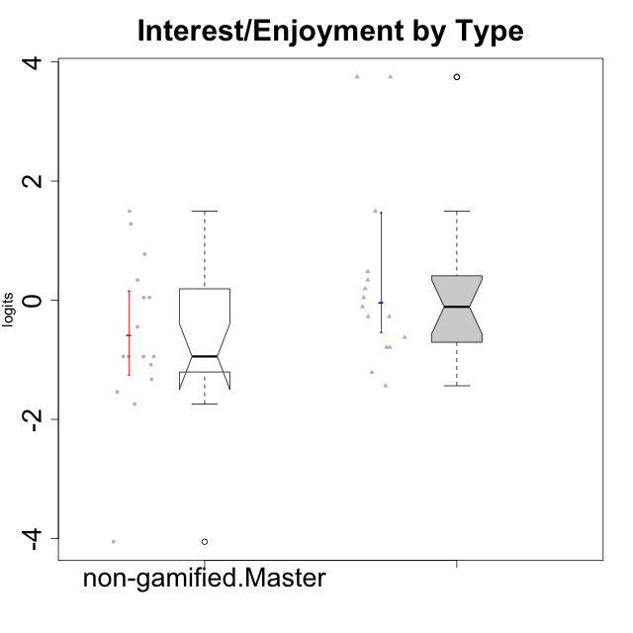

Wilcoxon data
UserID | NroUSP | Type | CLGroup | CLRole | PlayerRole | Score | theta | error | Outfit | Infit | Interest/Enjoyment
10170 | 10260351 | ont-gamified | Grupo Afrodite | Apprentice | Yee Achiever | 25 | 0.33909170565 | 0.38782283882 | 0.33907033607 | 0.3385489218 | 0.33909170565
10172 | 10273971 | non-gamified | Grupo Team 1 | Master |  | 25 | 0.33909170565 | 0.38782283882 | 0.33578106207 | 0.33262843047 | 0.33909170565
10176 | 10276949 | ont-gamified | Grupo Cronus | Apprentice | Yee Achiever | 19 | -0.62176572839 | 0.39858166721 | 0.33987485105 | 0.35434009129 | -0.62176572839
10178 | 8656201 | ont-gamified | Grupo Morfeu | Apprentice | Yee Socializer | 24 | 0.19438092697 | 0.38936174525 | 0.058334669529 | 0.057893054572 | 0.19438092697
10179 | 10310759 | non-gamified | Grupo Team 9 | Master |  | 17 | -0.94401358639 | 0.3764247522 | 0.15492198026 | 0.1622419992 | -0.94401358639
10181 | 10276866 | non-gamified | Grupo Team 10 | Master |  | 20 | -0.44706097603 | 0.40273860319 | 0.98414155714 | 0.99236615178 | -0.44706097603
10183 | 10352030 | ont-gamified | Grupo Hélio | Apprentice | Yee Socializer | 18 | -0.78975287252 | 0.38899542921 | 0.31560232317 | 0.3400570295 | -0.78975287252
10186 | 10310551 | ont-gamified | Grupo Ares | Apprentice | Yee Achiever | 22 | -0.11051255329 | 0.3975233554 | 1.0433531055 | 1.0185626073 | -0.11051255329
10188 | 10276995 | non-gamified | Grupo Team 3 | Master |  | 17 | -0.94401358639 | 0.3764247522 | 0.20520809935 | 0.2048709361 | -0.94401358639
10190 | 10276907 | ont-gamified | Grupo Zeus | Apprentice | Yee Socializer | 21 | -0.27485572343 | 0.40160920091 | 0.27188552553 | 0.26827954493 | -0.27485572343
10191 | 10276981 | non-gamified | Grupo Team 6 | Master |  | 28 | 0.77354775663 | 0.40082178105 | 0.82133815984 | 0.87812370854 | 0.77354775663
10195 | 10351971 | ont-gamified | Grupo Urano | Apprentice | Yee Achiever | 26 | 0.48203349534 | 0.3888749466 | 0.097016215222 | 0.097517099489 | 0.48203349534
10196 | 10310655 | ont-gamified | Grupo Hefesto | Apprentice | Yee Achiever | 18 | -0.78975287252 | 0.38899542921 | 0.054114451139 | 0.054597996329 | -0.78975287252
10197 | 10276661 | ont-gamified | Grupo Gaia | Apprentice | Yee Achiever | 23 | 0.04532479257 | 0.39290523614 | 0.56193423096 | 0.56798351378 | 0.04532479257
10198 | 10310888 | ont-gamified | Grupo Apolo | Apprentice | Yee Socializer | 36 | 3.7473503245 | 1.4346461814 | 0.082668988074 | 0.086403743499 | 3.7473503245
10200 | 9795272 | ont-gamified | Grupo Hades | Apprentice | Yee Socializer | 32 | 1.4951617996 | 0.49539127544 | 0.4608675251 | 0.47256092676 | 1.4951617996
10209 | 10262669 | ont-gamified | Grupo Artemis | Apprentice | Yee Achiever | 13 | -1.4355957758 | 0.33671911043 | 0.58556021575 | 0.59675034313 | -1.4355957758
10211 | 9311643 | non-gamified | Grupo Team 2 | Master |  | 31 | 1.2808857648 | 0.4574002127 | 0.56454030513 | 0.57754680753 | 1.2808857648
10212 | 9065750 | non-gamified | Grupo Team 4 | Master |  | 32 | 1.4951617996 | 0.49539127544 | 0.77047351805 | 0.81213425425 | 1.4951617996
10214 | 10277022 | non-gamified | Grupo Team 5 | Master |  | 12 | -1.5404013327 | 0.33248147954 | 0.4820938552 | 0.49887568271 | -1.5404013327
10216 | 10276720 | non-gamified | Grupo Team 15 | Master |  | 23 | 0.04532479257 | 0.39290523614 | 3.1859116189 | 3.1199188389 | 0.04532479257
10217 | 9805341 | non-gamified | Grupo Team 13 | Master |  | 17 | -0.94401358639 | 0.3764247522 | 0.59136327672 | 0.60895030975 | -0.94401358639
10219 | 10276831 | non-gamified | Grupo Team 12 | Master |  | 16 | -1.0832226321 | 0.36366997637 | 0.17101555815 | 0.17401961109 | -1.0832226321
10221 | 9082496 | ont-gamified | Grupo Hermes | Apprentice | Yee Achiever | 21 | -0.27485572343 | 0.40160920091 | 0.1103498181 | 0.10924241951 | -0.27485572343
10222 | 9436110 | non-gamified | Grupo Team 16 | Master |  | 0 | -4.0543369818 | 1.199726959 | 0.092254975662 | 0.098947778436 | -4.0543369818
10226 | 10310342 | non-gamified | Grupo Team 8 | Master |  | 17 | -0.94401358639 | 0.3764247522 | 0.60971990335 | 0.68475889796 | -0.94401358639
10230 | 10351992 | non-gamified | Grupo Team 14 | Master |  | 10 | -1.7436870557 | 0.33128120852 | 1.9992996219 | 2.0633426165 | -1.7436870557
10231 | 10276911 | ont-gamified | Grupo Caronte | Apprentice | Yee Achiever | 36 | 3.7473503245 | 1.4346461814 | 0.082668988074 | 0.086403743499 | 3.7473503245
10234 | 10310676 | non-gamified | Grupo Team 7 | Master |  | 14 | -1.326100113 | 0.34336980651 | 1.5708203812 | 1.5433754042 | -1.326100113
10237 | 10377688 | non-gamified | Grupo Team 11 | Master |  | 23 | 0.04532479257 | 0.39290523614 | 0.98798294028 | 0.96101155323 | 0.04532479257
10240 | 10276654 | ont-gamified | Grupo Hera | Apprentice | Yee Achiever | 15 | -1.2095717429 | 0.35241877465 | 0.70699296562 | 0.6859649509 | -1.2095717429

Type_CLRole_5
Wilcoxon Analysis for Interest/Enjoyment by Type in Type:CLRole between non-gamified.Master:ont-gamified.Master

Wilcoxon test results
Alternative hypothesis: less
Group | N | Median | Mean.Ranks | Sum.Ranks | U | Z | p.value | r | magnitude
non-gamified.Master | 16 | -0.94401358639 | 12.53125 | 200.5 | 64.5 | -2.2009414262 | 0.013476726466 | 0.39530074959 | medium
ont-gamified.Master | 15 | 0.19438092697 | 19.7 | 295.5 | 64.5 | -2.2009414262 | 0.013476726466 | 0.39530074959 | medium
Alternative hypothesis: greater
Group | N | Median | Mean.Ranks | Sum.Ranks | U | Z | p.value | r | magnitude
non-gamified.Master | 16 | -0.94401358639 | 12.53125 | 200.5 | 64.5 | -2.2009414262 | 0.98723692184 | 0.39530074959 | medium
ont-gamified.Master | 15 | 0.19438092697 | 19.7 | 295.5 | 64.5 | -2.2009414262 | 0.98723692184 | 0.39530074959 | medium
Alternative hypothesis: two.sided
Group | N | Median | Mean.Ranks | Sum.Ranks | U | Z | p.value | r | magnitude
non-gamified.Master | 16 | -0.94401358639 | 12.53125 | 200.5 | 64.5 | -2.2009414262 | 0.026953526133 | 0.39530074959 | medium
ont-gamified.Master | 15 | 0.19438092697 | 19.7 | 295.5 | 64.5 | -2.2009414262 | 0.026953526133 | 0.39530074959 | medium

Box plots for wilcoxon tests
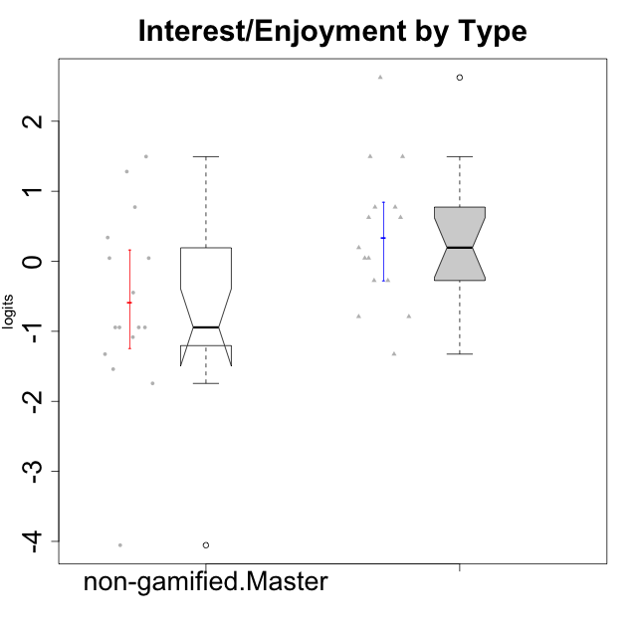

Wilcoxon data
UserID | NroUSP | Type | CLGroup | CLRole | PlayerRole | Score | theta | error | Outfit | Infit | Interest/Enjoyment
10169 | 10377538 | ont-gamified | Grupo Hefesto | Master | Yee Achiever | 28 | 0.77354775663 | 0.40082178105 | 0.40466016466 | 0.43345505435 | 0.77354775663
10172 | 10273971 | non-gamified | Grupo Team 1 | Master |  | 25 | 0.33909170565 | 0.38782283882 | 0.33578106207 | 0.33262843047 | 0.33909170565
10174 | 10276852 | ont-gamified | Grupo Urano | Master | Yee Achiever | 23 | 0.04532479257 | 0.39290523614 | 0.81008218411 | 0.7985341459 | 0.04532479257
10175 | 10310700 | ont-gamified | Grupo Hélio | Master | Yee Socializer | 28 | 0.77354775663 | 0.40082178105 | 0.31667293035 | 0.3251133619 | 0.77354775663
10179 | 10310759 | non-gamified | Grupo Team 9 | Master |  | 17 | -0.94401358639 | 0.3764247522 | 0.15492198026 | 0.1622419992 | -0.94401358639
10181 | 10276866 | non-gamified | Grupo Team 10 | Master |  | 20 | -0.44706097603 | 0.40273860319 | 0.98414155714 | 0.99236615178 | -0.44706097603
10184 | 10276675 | ont-gamified | Grupo Apolo | Master | Yee Socializer | 21 | -0.27485572343 | 0.40160920091 | 0.25657540591 | 0.25309230945 | -0.27485572343
10188 | 10276995 | non-gamified | Grupo Team 3 | Master |  | 17 | -0.94401358639 | 0.3764247522 | 0.20520809935 | 0.2048709361 | -0.94401358639
10189 | 9363926 | ont-gamified | Grupo Hades | Master | Yee Socializer | 18 | -0.78975287252 | 0.38899542921 | 1.4118539136 | 1.4394072738 | -0.78975287252
10191 | 10276981 | non-gamified | Grupo Team 6 | Master |  | 28 | 0.77354775663 | 0.40082178105 | 0.82133815984 | 0.87812370854 | 0.77354775663
10193 | 10276762 | ont-gamified | Grupo Afrodite | Master | Yee Achiever | 23 | 0.04532479257 | 0.39290523614 | 0.30131695077 | 0.30123409434 | 0.04532479257
10199 | 10276737 | ont-gamified | Grupo Gaia | Master | Yee Achiever | 18 | -0.78975287252 | 0.38899542921 | 2.3829531054 | 2.4175520542 | -0.78975287252
10201 | 10276928 | ont-gamified | Grupo Caronte | Master | Yee Achiever | 32 | 1.4951617996 | 0.49539127544 | 0.94193461024 | 1.0038356181 | 1.4951617996
10204 | 10310471 | ont-gamified | Grupo Hermes | Master | Yee Achiever | 35 | 2.6247068037 | 0.83017481676 | 0.47594779775 | 0.53631584255 | 2.6247068037
10206 | 10310721 | ont-gamified | Grupo Hera | Master | Yee Achiever | 21 | -0.27485572343 | 0.40160920091 | 0.52025129453 | 0.52526782947 | -0.27485572343
10211 | 9311643 | non-gamified | Grupo Team 2 | Master |  | 31 | 1.2808857648 | 0.4574002127 | 0.56454030513 | 0.57754680753 | 1.2808857648
10212 | 9065750 | non-gamified | Grupo Team 4 | Master |  | 32 | 1.4951617996 | 0.49539127544 | 0.77047351805 | 0.81213425425 | 1.4951617996
10213 | 10277040 | ont-gamified | Grupo Morfeu | Master | Yee Socializer | 27 | 0.62587550794 | 0.39301343139 | 1.7425097399 | 1.790151146 | 0.62587550794
10214 | 10277022 | non-gamified | Grupo Team 5 | Master |  | 12 | -1.5404013327 | 0.33248147954 | 0.4820938552 | 0.49887568271 | -1.5404013327
10215 | 9285227 | ont-gamified | Grupo Zeus | Master | Yee Socializer | 24 | 0.19438092697 | 0.38936174525 | 0.77982991464 | 0.78135707254 | 0.19438092697
10216 | 10276720 | non-gamified | Grupo Team 15 | Master |  | 23 | 0.04532479257 | 0.39290523614 | 3.1859116189 | 3.1199188389 | 0.04532479257
10217 | 9805341 | non-gamified | Grupo Team 13 | Master |  | 17 | -0.94401358639 | 0.3764247522 | 0.59136327672 | 0.60895030975 | -0.94401358639
10218 | 9842913 | ont-gamified | Grupo Ares | Master | Yee Achiever | 14 | -1.326100113 | 0.34336980651 | 0.38731917425 | 0.38656753674 | -1.326100113
10219 | 10276831 | non-gamified | Grupo Team 12 | Master |  | 16 | -1.0832226321 | 0.36366997637 | 0.17101555815 | 0.17401961109 | -1.0832226321
10222 | 9436110 | non-gamified | Grupo Team 16 | Master |  | 0 | -4.0543369818 | 1.199726959 | 0.092254975662 | 0.098947778436 | -4.0543369818
10223 | 9795185 | ont-gamified | Grupo Cronus | Master | Yee Achiever | 32 | 1.4951617996 | 0.49539127544 | 0.34636377933 | 0.30251126179 | 1.4951617996
10226 | 10310342 | non-gamified | Grupo Team 8 | Master |  | 17 | -0.94401358639 | 0.3764247522 | 0.60971990335 | 0.68475889796 | -0.94401358639
10230 | 10351992 | non-gamified | Grupo Team 14 | Master |  | 10 | -1.7436870557 | 0.33128120852 | 1.9992996219 | 2.0633426165 | -1.7436870557
10232 | 10276974 | ont-gamified | Grupo Artemis | Master | Yee Achiever | 27 | 0.62587550794 | 0.39301343139 | 1.3296081954 | 1.2728520344 | 0.62587550794
10234 | 10310676 | non-gamified | Grupo Team 7 | Master |  | 14 | -1.326100113 | 0.34336980651 | 1.5708203812 | 1.5433754042 | -1.326100113
10237 | 10377688 | non-gamified | Grupo Team 11 | Master |  | 23 | 0.04532479257 | 0.39290523614 | 0.98798294028 | 0.96101155323 | 0.04532479257

Type_CLRole_6
Wilcoxon Analysis for Interest/Enjoyment by Type in Type:CLRole between ont-gamified.Apprentice:ont-gamified.Master

Wilcoxon test results
Alternative hypothesis: less
Group | N | Median | Mean.Ranks | Sum.Ranks | U | Z | p.value | r | magnitude
ont-gamified.Apprentice | 15 | -0.11051255329 | 14.233333333 | 213.5 | 93.5 | -0.79090354586 | 0.22062053983 | 0.14439857096 | small
ont-gamified.Master | 15 | 0.19438092697 | 16.766666667 | 251.5 | 93.5 | -0.79090354586 | 0.22062053983 | 0.14439857096 | small
Alternative hypothesis: greater
Group | N | Median | Mean.Ranks | Sum.Ranks | U | Z | p.value | r | magnitude
ont-gamified.Apprentice | 15 | -0.11051255329 | 14.233333333 | 213.5 | 93.5 | -0.79090354586 | 0.78586043021 | 0.14439857096 | small
ont-gamified.Master | 15 | 0.19438092697 | 16.766666667 | 251.5 | 93.5 | -0.79090354586 | 0.78586043021 | 0.14439857096 | small
Alternative hypothesis: two.sided
Group | N | Median | Mean.Ranks | Sum.Ranks | U | Z | p.value | r | magnitude
ont-gamified.Apprentice | 15 | -0.11051255329 | 14.233333333 | 213.5 | 93.5 | -0.79090354586 | 0.44124107967 | 0.14439857096 | small
ont-gamified.Master | 15 | 0.19438092697 | 16.766666667 | 251.5 | 93.5 | -0.79090354586 | 0.44124107967 | 0.14439857096 | small

Box plots for wilcoxon tests
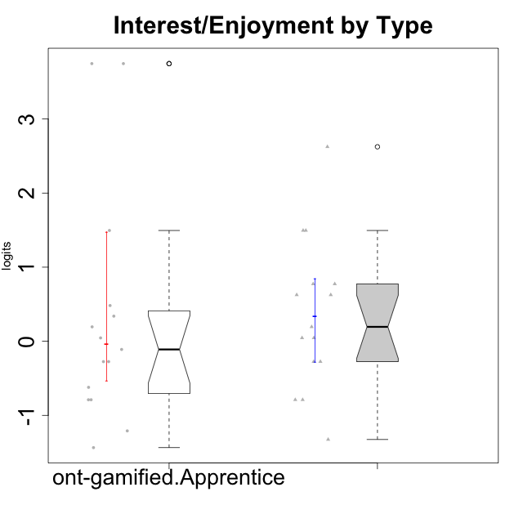

Wilcoxon data
UserID | NroUSP | Type | CLGroup | CLRole | PlayerRole | Score | theta | error | Outfit | Infit | Interest/Enjoyment
10169 | 10377538 | ont-gamified | Grupo Hefesto | Master | Yee Achiever | 28 | 0.77354775663 | 0.40082178105 | 0.40466016466 | 0.43345505435 | 0.77354775663
10170 | 10260351 | ont-gamified | Grupo Afrodite | Apprentice | Yee Achiever | 25 | 0.33909170565 | 0.38782283882 | 0.33907033607 | 0.3385489218 | 0.33909170565
10174 | 10276852 | ont-gamified | Grupo Urano | Master | Yee Achiever | 23 | 0.04532479257 | 0.39290523614 | 0.81008218411 | 0.7985341459 | 0.04532479257
10175 | 10310700 | ont-gamified | Grupo Hélio | Master | Yee Socializer | 28 | 0.77354775663 | 0.40082178105 | 0.31667293035 | 0.3251133619 | 0.77354775663
10176 | 10276949 | ont-gamified | Grupo Cronus | Apprentice | Yee Achiever | 19 | -0.62176572839 | 0.39858166721 | 0.33987485105 | 0.35434009129 | -0.62176572839
10178 | 8656201 | ont-gamified | Grupo Morfeu | Apprentice | Yee Socializer | 24 | 0.19438092697 | 0.38936174525 | 0.058334669529 | 0.057893054572 | 0.19438092697
10183 | 10352030 | ont-gamified | Grupo Hélio | Apprentice | Yee Socializer | 18 | -0.78975287252 | 0.38899542921 | 0.31560232317 | 0.3400570295 | -0.78975287252
10184 | 10276675 | ont-gamified | Grupo Apolo | Master | Yee Socializer | 21 | -0.27485572343 | 0.40160920091 | 0.25657540591 | 0.25309230945 | -0.27485572343
10186 | 10310551 | ont-gamified | Grupo Ares | Apprentice | Yee Achiever | 22 | -0.11051255329 | 0.3975233554 | 1.0433531055 | 1.0185626073 | -0.11051255329
10189 | 9363926 | ont-gamified | Grupo Hades | Master | Yee Socializer | 18 | -0.78975287252 | 0.38899542921 | 1.4118539136 | 1.4394072738 | -0.78975287252
10190 | 10276907 | ont-gamified | Grupo Zeus | Apprentice | Yee Socializer | 21 | -0.27485572343 | 0.40160920091 | 0.27188552553 | 0.26827954493 | -0.27485572343
10193 | 10276762 | ont-gamified | Grupo Afrodite | Master | Yee Achiever | 23 | 0.04532479257 | 0.39290523614 | 0.30131695077 | 0.30123409434 | 0.04532479257
10195 | 10351971 | ont-gamified | Grupo Urano | Apprentice | Yee Achiever | 26 | 0.48203349534 | 0.3888749466 | 0.097016215222 | 0.097517099489 | 0.48203349534
10196 | 10310655 | ont-gamified | Grupo Hefesto | Apprentice | Yee Achiever | 18 | -0.78975287252 | 0.38899542921 | 0.054114451139 | 0.054597996329 | -0.78975287252
10197 | 10276661 | ont-gamified | Grupo Gaia | Apprentice | Yee Achiever | 23 | 0.04532479257 | 0.39290523614 | 0.56193423096 | 0.56798351378 | 0.04532479257
10198 | 10310888 | ont-gamified | Grupo Apolo | Apprentice | Yee Socializer | 36 | 3.7473503245 | 1.4346461814 | 0.082668988074 | 0.086403743499 | 3.7473503245
10199 | 10276737 | ont-gamified | Grupo Gaia | Master | Yee Achiever | 18 | -0.78975287252 | 0.38899542921 | 2.3829531054 | 2.4175520542 | -0.78975287252
10200 | 9795272 | ont-gamified | Grupo Hades | Apprentice | Yee Socializer | 32 | 1.4951617996 | 0.49539127544 | 0.4608675251 | 0.47256092676 | 1.4951617996
10201 | 10276928 | ont-gamified | Grupo Caronte | Master | Yee Achiever | 32 | 1.4951617996 | 0.49539127544 | 0.94193461024 | 1.0038356181 | 1.4951617996
10204 | 10310471 | ont-gamified | Grupo Hermes | Master | Yee Achiever | 35 | 2.6247068037 | 0.83017481676 | 0.47594779775 | 0.53631584255 | 2.6247068037
10206 | 10310721 | ont-gamified | Grupo Hera | Master | Yee Achiever | 21 | -0.27485572343 | 0.40160920091 | 0.52025129453 | 0.52526782947 | -0.27485572343
10209 | 10262669 | ont-gamified | Grupo Artemis | Apprentice | Yee Achiever | 13 | -1.4355957758 | 0.33671911043 | 0.58556021575 | 0.59675034313 | -1.4355957758
10213 | 10277040 | ont-gamified | Grupo Morfeu | Master | Yee Socializer | 27 | 0.62587550794 | 0.39301343139 | 1.7425097399 | 1.790151146 | 0.62587550794
10215 | 9285227 | ont-gamified | Grupo Zeus | Master | Yee Socializer | 24 | 0.19438092697 | 0.38936174525 | 0.77982991464 | 0.78135707254 | 0.19438092697
10218 | 9842913 | ont-gamified | Grupo Ares | Master | Yee Achiever | 14 | -1.326100113 | 0.34336980651 | 0.38731917425 | 0.38656753674 | -1.326100113
10221 | 9082496 | ont-gamified | Grupo Hermes | Apprentice | Yee Achiever | 21 | -0.27485572343 | 0.40160920091 | 0.1103498181 | 0.10924241951 | -0.27485572343
10223 | 9795185 | ont-gamified | Grupo Cronus | Master | Yee Achiever | 32 | 1.4951617996 | 0.49539127544 | 0.34636377933 | 0.30251126179 | 1.4951617996
10231 | 10276911 | ont-gamified | Grupo Caronte | Apprentice | Yee Achiever | 36 | 3.7473503245 | 1.4346461814 | 0.082668988074 | 0.086403743499 | 3.7473503245
10232 | 10276974 | ont-gamified | Grupo Artemis | Master | Yee Achiever | 27 | 0.62587550794 | 0.39301343139 | 1.3296081954 | 1.2728520344 | 0.62587550794
10240 | 10276654 | ont-gamified | Grupo Hera | Apprentice | Yee Achiever | 15 | -1.2095717429 | 0.35241877465 | 0.70699296562 | 0.6859649509 | -1.2095717429

