Type_1
Wilcoxon Analysis for Pressure/Tension by Type in Type between non-gamified:ont-gamified

Wilcoxon test results
Alternative hypothesis: less
Group | N | Median | Mean.Ranks | Sum.Ranks | U | Z | p.value | r | magnitude
non-gamified | 30 | 0.37211775447 | 33.4 | 1002 | 537 | 1.3180125927 | 0.90627506808 | 0.17015469406 | small
ont-gamified | 30 | -0.0073696712261 | 27.6 | 828 | 537 | 1.3180125927 | 0.90627506808 | 0.17015469406 | small
Alternative hypothesis: greater
Group | N | Median | Mean.Ranks | Sum.Ranks | U | Z | p.value | r | magnitude
non-gamified | 30 | 0.37211775447 | 33.4 | 1002 | 537 | 1.3180125927 | 0.095054153681 | 0.17015469406 | small
ont-gamified | 30 | -0.0073696712261 | 27.6 | 828 | 537 | 1.3180125927 | 0.095054153681 | 0.17015469406 | small
Alternative hypothesis: two.sided
Group | N | Median | Mean.Ranks | Sum.Ranks | U | Z | p.value | r | magnitude
non-gamified | 30 | 0.37211775447 | 33.4 | 1002 | 537 | 1.3180125927 | 0.19010830736 | 0.17015469406 | small
ont-gamified | 30 | -0.0073696712261 | 27.6 | 828 | 537 | 1.3180125927 | 0.19010830736 | 0.17015469406 | small

Box plots for wilcoxon tests
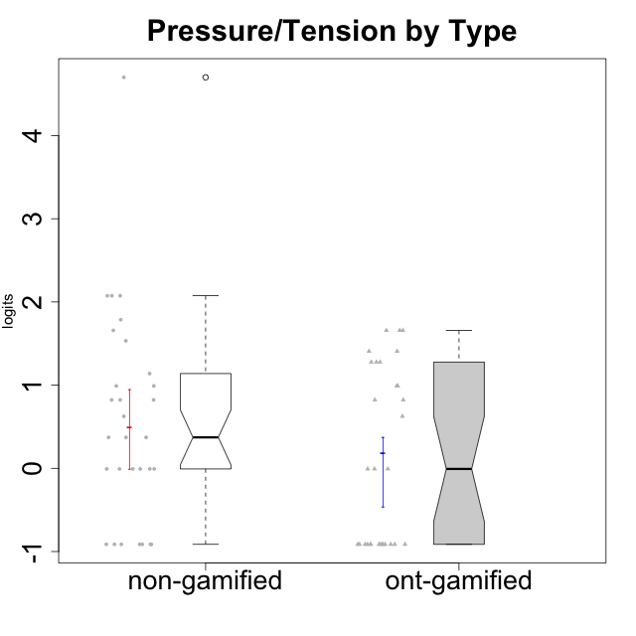

Wilcoxon data
UserID | NroUSP | Type | CLGroup | CLRole | PlayerRole | Score | theta | error | Outfit | Infit | Pressure/Tension
10169 | 10377538 | ont-gamified | Grupo Hefesto | Master | Yee Achiever | 4 | 0.8224933278 | 0.44313362798 | 0.89588790768 | 1.0628854613 | 0.8224933278
10170 | 10260351 | ont-gamified | Grupo Afrodite | Apprentice | Yee Achiever | 0 | -0.91363027987 | 1.2544702689 | 0.13518323511 | 0.14871670759 | -0.91363027987
10171 | 698531 | non-gamified | Grupo Team 6 | Apprentice |  | 1 | -0.0073696712261 | 0.71391090705 | 0.29927102569 | 0.32141555299 | -0.0073696712261
10172 | 10273971 | non-gamified | Grupo Team 1 | Master |  | 0 | -0.91363027987 | 1.2544702689 | 0.13518323511 | 0.14871670759 | -0.91363027987
10174 | 10276852 | ont-gamified | Grupo Urano | Master | Yee Achiever | 1 | -0.0073696712261 | 0.71391090705 | 0.29927102569 | 0.32141555299 | -0.0073696712261
10175 | 10310700 | ont-gamified | Grupo Hélio | Master | Yee Socializer | 0 | -0.91363027987 | 1.2544702689 | 0.13518323511 | 0.14871670759 | -0.91363027987
10176 | 10276949 | ont-gamified | Grupo Cronus | Apprentice | Yee Achiever | 7 | 1.2769315148 | 0.3825003822 | 0.044715837236 | 0.047497603565 | 1.2769315148
10178 | 8656201 | ont-gamified | Grupo Morfeu | Apprentice | Yee Socializer | 5 | 0.99020355854 | 0.41416600448 | 0.66908596919 | 0.5855817628 | 0.99020355854
10179 | 10310759 | non-gamified | Grupo Team 9 | Master |  | 4 | 0.8224933278 | 0.44313362798 | 0.13052643912 | 0.13332236348 | 0.8224933278
10181 | 10276866 | non-gamified | Grupo Team 10 | Master |  | 0 | -0.91363027987 | 1.2544702689 | 0.13518323511 | 0.14871670759 | -0.91363027987
10183 | 10352030 | ont-gamified | Grupo Hélio | Apprentice | Yee Socializer | 7 | 1.2769315148 | 0.3825003822 | 0.098427461565 | 0.10943149213 | 1.2769315148
10184 | 10276675 | ont-gamified | Grupo Apolo | Master | Yee Socializer | 5 | 0.99020355854 | 0.41416600448 | 0.52804415397 | 0.49682222186 | 0.99020355854
10185 | 10276960 | non-gamified | Grupo Team 12 | Apprentice |  | 5 | 0.99020355854 | 0.41416600448 | 0.38337183149 | 0.39338700654 | 0.99020355854
10186 | 10310551 | ont-gamified | Grupo Ares | Apprentice | Yee Achiever | 8 | 1.4068182928 | 0.37554881416 | 0.38877846949 | 0.30082434336 | 1.4068182928
10187 | 9790781 | non-gamified | Grupo Team 15 | Apprentice |  | 10 | 1.6580383299 | 0.37629638543 | 1.921483238 | 1.9371068226 | 1.6580383299
10188 | 10276995 | non-gamified | Grupo Team 3 | Master |  | 2 | 0.37211775447 | 0.56274203478 | 0.5300649541 | 0.43844401892 | 0.37211775447
10189 | 9363926 | ont-gamified | Grupo Hades | Master | Yee Socializer | 10 | 1.6580383299 | 0.37629638543 | 1.136474305 | 1.0961302499 | 1.6580383299
10190 | 10276907 | ont-gamified | Grupo Zeus | Apprentice | Yee Socializer | 3 | 0.62480349003 | 0.48784017818 | 0.14795891864 | 0.099967301932 | 0.62480349003
10191 | 10276981 | non-gamified | Grupo Team 6 | Master |  | 1 | -0.0073696712261 | 0.71391090705 | 0.31606906168 | 0.34778420192 | -0.0073696712261
10192 | 10276682 | non-gamified | Grupo Team 5 | Apprentice |  | 0 | -0.91363027987 | 1.2544702689 | 0.13518323511 | 0.14871670759 | -0.91363027987
10193 | 10276762 | ont-gamified | Grupo Afrodite | Master | Yee Achiever | 1 | -0.0073696712261 | 0.71391090705 | 0.29927102569 | 0.32141555299 | -0.0073696712261
10195 | 10351971 | ont-gamified | Grupo Urano | Apprentice | Yee Achiever | 0 | -0.91363027987 | 1.2544702689 | 0.13518323511 | 0.14871670759 | -0.91363027987
10196 | 10310655 | ont-gamified | Grupo Hefesto | Apprentice | Yee Achiever | 0 | -0.91363027987 | 1.2544702689 | 0.13518323511 | 0.14871670759 | -0.91363027987
10197 | 10276661 | ont-gamified | Grupo Gaia | Apprentice | Yee Achiever | 0 | -0.91363027987 | 1.2544702689 | 0.13518323511 | 0.14871670759 | -0.91363027987
10198 | 10310888 | ont-gamified | Grupo Apolo | Apprentice | Yee Socializer | 0 | -0.91363027987 | 1.2544702689 | 0.13518323511 | 0.14871670759 | -0.91363027987
10199 | 10276737 | ont-gamified | Grupo Gaia | Master | Yee Achiever | 7 | 1.2769315148 | 0.3825003822 | 1.7930972251 | 1.8978642633 | 1.2769315148
10200 | 9795272 | ont-gamified | Grupo Hades | Apprentice | Yee Socializer | 0 | -0.91363027987 | 1.2544702689 | 0.13518323511 | 0.14871670759 | -0.91363027987
10201 | 10276928 | ont-gamified | Grupo Caronte | Master | Yee Achiever | 4 | 0.8224933278 | 0.44313362798 | 0.9022552939 | 0.61805882261 | 0.8224933278
10202 | 10277036 | non-gamified | Grupo Team 11 | Apprentice |  | 18 | 4.6995047582 | 1.5415985898 | 0.11930024209 | 0.1470745944 | 4.6995047582
10203 | 9921470 | non-gamified | Grupo Team 3 | Apprentice |  | 1 | -0.0073696712261 | 0.71391090705 | 0.31606906168 | 0.34778420192 | -0.0073696712261
10204 | 10310471 | ont-gamified | Grupo Hermes | Master | Yee Achiever | 0 | -0.91363027987 | 1.2544702689 | 0.13518323511 | 0.14871670759 | -0.91363027987
10206 | 10310721 | ont-gamified | Grupo Hera | Master | Yee Achiever | 10 | 1.6580383299 | 0.37629638543 | 0.42473874083 | 0.46405369806 | 1.6580383299
10208 | 10276932 | non-gamified | Grupo Team 7 | Apprentice |  | 3 | 0.62480349003 | 0.48784017818 | 1.1624506001 | 1.3501145418 | 0.62480349003
10209 | 10262669 | ont-gamified | Grupo Artemis | Apprentice | Yee Achiever | 0 | -0.91363027987 | 1.2544702689 | 0.13518323511 | 0.14871670759 | -0.91363027987
10210 | 10277015 | non-gamified | Grupo Team 9 | Apprentice |  | 13 | 2.0744710307 | 0.42341083151 | 0.8729630508 | 1.0010377506 | 2.0744710307
10211 | 9311643 | non-gamified | Grupo Team 2 | Master |  | 4 | 0.8224933278 | 0.44313362798 | 0.74028403184 | 0.81413996777 | 0.8224933278
10212 | 9065750 | non-gamified | Grupo Team 4 | Master |  | 6 | 1.1395172339 | 0.39490899035 | 0.37284019938 | 0.4514377096 | 1.1395172339
10213 | 10277040 | ont-gamified | Grupo Morfeu | Master | Yee Socializer | 0 | -0.91363027987 | 1.2544702689 | 0.13518323511 | 0.14871670759 | -0.91363027987
10214 | 10277022 | non-gamified | Grupo Team 5 | Master |  | 4 | 0.8224933278 | 0.44313362798 | 0.74175776929 | 0.86572088394 | 0.8224933278
10215 | 9285227 | ont-gamified | Grupo Zeus | Master | Yee Socializer | 0 | -0.91363027987 | 1.2544702689 | 0.13518323511 | 0.14871670759 | -0.91363027987
10216 | 10276720 | non-gamified | Grupo Team 15 | Master |  | 1 | -0.0073696712261 | 0.71391090705 | 0.86553927984 | 0.65963129297 | -0.0073696712261
10217 | 9805341 | non-gamified | Grupo Team 13 | Master |  | 0 | -0.91363027987 | 1.2544702689 | 0.13518323511 | 0.14871670759 | -0.91363027987
10218 | 9842913 | ont-gamified | Grupo Ares | Master | Yee Achiever | 10 | 1.6580383299 | 0.37629638543 | 0.22680658482 | 0.1979387028 | 1.6580383299
10219 | 10276831 | non-gamified | Grupo Team 12 | Master |  | 0 | -0.91363027987 | 1.2544702689 | 0.13518323511 | 0.14871670759 | -0.91363027987
10220 | 9760151 | non-gamified | Grupo Team 2 | Apprentice |  | 0 | -0.91363027987 | 1.2544702689 | 0.13518323511 | 0.14871670759 | -0.91363027987
10221 | 9082496 | ont-gamified | Grupo Hermes | Apprentice | Yee Achiever | 0 | -0.91363027987 | 1.2544702689 | 0.13518323511 | 0.14871670759 | -0.91363027987
10222 | 9436110 | non-gamified | Grupo Team 16 | Master |  | 11 | 1.7865507753 | 0.38453347232 | 0.25846639808 | 0.19477501472 | 1.7865507753
10223 | 9795185 | ont-gamified | Grupo Cronus | Master | Yee Achiever | 1 | -0.0073696712261 | 0.71391090705 | 0.31606906168 | 0.34778420192 | -0.0073696712261
10224 | 9368772 | non-gamified | Grupo Team 10 | Apprentice |  | 2 | 0.37211775447 | 0.56274203478 | 1.4005409259 | 1.2489655533 | 0.37211775447
10226 | 10310342 | non-gamified | Grupo Team 8 | Master |  | 2 | 0.37211775447 | 0.56274203478 | 1.4005409259 | 1.2489655533 | 0.37211775447
10227 | 9274382 | non-gamified | Grupo Team 4 | Apprentice |  | 13 | 2.0744710307 | 0.42341083151 | 0.20467941694 | 0.23499029947 | 2.0744710307
10228 | 10310492 | non-gamified | Grupo Team 14 | Apprentice |  | 5 | 0.99020355854 | 0.41416600448 | 1.1383608631 | 0.98302156146 | 0.99020355854
10230 | 10351992 | non-gamified | Grupo Team 14 | Master |  | 9 | 1.5327201225 | 0.37348141547 | 1.5340119862 | 1.7519094711 | 1.5327201225
10231 | 10276911 | ont-gamified | Grupo Caronte | Apprentice | Yee Achiever | 0 | -0.91363027987 | 1.2544702689 | 0.13518323511 | 0.14871670759 | -0.91363027987
10232 | 10276974 | ont-gamified | Grupo Artemis | Master | Yee Achiever | 8 | 1.4068182928 | 0.37554881416 | 1.4454385613 | 1.7848631549 | 1.4068182928
10233 | 9805320 | non-gamified | Grupo Team 16 | Apprentice |  | 1 | -0.0073696712261 | 0.71391090705 | 0.60234011796 | 0.57548963556 | -0.0073696712261
10234 | 10310676 | non-gamified | Grupo Team 7 | Master |  | 1 | -0.0073696712261 | 0.71391090705 | 0.86553927984 | 0.65963129297 | -0.0073696712261
10237 | 10377688 | non-gamified | Grupo Team 11 | Master |  | 0 | -0.91363027987 | 1.2544702689 | 0.13518323511 | 0.14871670759 | -0.91363027987
10238 | 10276953 | non-gamified | Grupo Team 13 | Apprentice |  | 13 | 2.0744710307 | 0.42341083151 | 0.8729630508 | 1.0010377506 | 2.0744710307
10240 | 10276654 | ont-gamified | Grupo Hera | Apprentice | Yee Achiever | 0 | -0.91363027987 | 1.2544702689 | 0.13518323511 | 0.14871670759 | -0.91363027987

Type_CLRole_1
Wilcoxon Analysis for Pressure/Tension by Type in Type:CLRole between non-gamified.Apprentice:non-gamified.Master

Wilcoxon test results
Alternative hypothesis: less
Group | N | Median | Mean.Ranks | Sum.Ranks | U | Z | p.value | r | magnitude
non-gamified.Apprentice | 14 | 0.80750352429 | 18.107142857 | 253.5 | 148.5 | 1.5351886853 | 0.93888778349 | 0.28028582432 | small
non-gamified.Master | 16 | 0.18237404162 | 13.21875 | 211.5 | 148.5 | 1.5351886853 | 0.93888778349 | 0.28028582432 | small
Alternative hypothesis: greater
Group | N | Median | Mean.Ranks | Sum.Ranks | U | Z | p.value | r | magnitude
non-gamified.Apprentice | 14 | 0.80750352429 | 18.107142857 | 253.5 | 148.5 | 1.5351886853 | 0.064785618886 | 0.28028582432 | small
non-gamified.Master | 16 | 0.18237404162 | 13.21875 | 211.5 | 148.5 | 1.5351886853 | 0.064785618886 | 0.28028582432 | small
Alternative hypothesis: two.sided
Group | N | Median | Mean.Ranks | Sum.Ranks | U | Z | p.value | r | magnitude
non-gamified.Apprentice | 14 | 0.80750352429 | 18.107142857 | 253.5 | 148.5 | 1.5351886853 | 0.12932521012 | 0.28028582432 | small
non-gamified.Master | 16 | 0.18237404162 | 13.21875 | 211.5 | 148.5 | 1.5351886853 | 0.12932521012 | 0.28028582432 | small

Box plots for wilcoxon tests
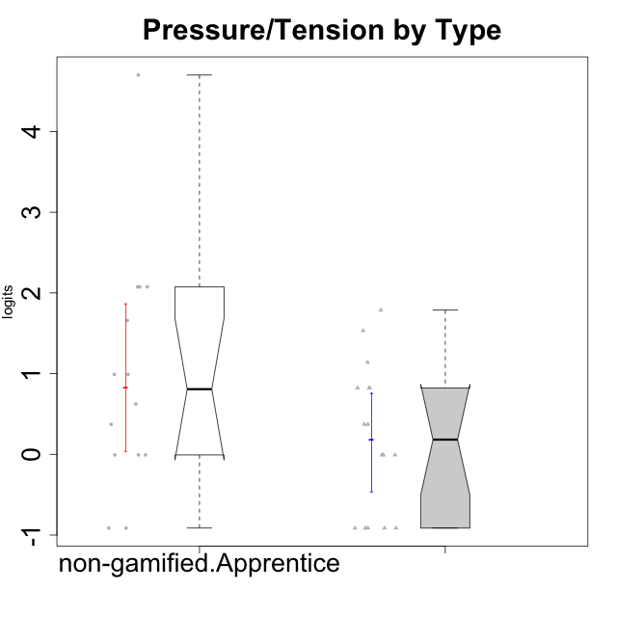

Wilcoxon data
UserID | NroUSP | Type | CLGroup | CLRole | PlayerRole | Score | theta | error | Outfit | Infit | Pressure/Tension
10171 | 698531 | non-gamified | Grupo Team 6 | Apprentice |  | 1 | -0.0073696712261 | 0.71391090705 | 0.29927102569 | 0.32141555299 | -0.0073696712261
10172 | 10273971 | non-gamified | Grupo Team 1 | Master |  | 0 | -0.91363027987 | 1.2544702689 | 0.13518323511 | 0.14871670759 | -0.91363027987
10179 | 10310759 | non-gamified | Grupo Team 9 | Master |  | 4 | 0.8224933278 | 0.44313362798 | 0.13052643912 | 0.13332236348 | 0.8224933278
10181 | 10276866 | non-gamified | Grupo Team 10 | Master |  | 0 | -0.91363027987 | 1.2544702689 | 0.13518323511 | 0.14871670759 | -0.91363027987
10185 | 10276960 | non-gamified | Grupo Team 12 | Apprentice |  | 5 | 0.99020355854 | 0.41416600448 | 0.38337183149 | 0.39338700654 | 0.99020355854
10187 | 9790781 | non-gamified | Grupo Team 15 | Apprentice |  | 10 | 1.6580383299 | 0.37629638543 | 1.921483238 | 1.9371068226 | 1.6580383299
10188 | 10276995 | non-gamified | Grupo Team 3 | Master |  | 2 | 0.37211775447 | 0.56274203478 | 0.5300649541 | 0.43844401892 | 0.37211775447
10191 | 10276981 | non-gamified | Grupo Team 6 | Master |  | 1 | -0.0073696712261 | 0.71391090705 | 0.31606906168 | 0.34778420192 | -0.0073696712261
10192 | 10276682 | non-gamified | Grupo Team 5 | Apprentice |  | 0 | -0.91363027987 | 1.2544702689 | 0.13518323511 | 0.14871670759 | -0.91363027987
10202 | 10277036 | non-gamified | Grupo Team 11 | Apprentice |  | 18 | 4.6995047582 | 1.5415985898 | 0.11930024209 | 0.1470745944 | 4.6995047582
10203 | 9921470 | non-gamified | Grupo Team 3 | Apprentice |  | 1 | -0.0073696712261 | 0.71391090705 | 0.31606906168 | 0.34778420192 | -0.0073696712261
10208 | 10276932 | non-gamified | Grupo Team 7 | Apprentice |  | 3 | 0.62480349003 | 0.48784017818 | 1.1624506001 | 1.3501145418 | 0.62480349003
10210 | 10277015 | non-gamified | Grupo Team 9 | Apprentice |  | 13 | 2.0744710307 | 0.42341083151 | 0.8729630508 | 1.0010377506 | 2.0744710307
10211 | 9311643 | non-gamified | Grupo Team 2 | Master |  | 4 | 0.8224933278 | 0.44313362798 | 0.74028403184 | 0.81413996777 | 0.8224933278
10212 | 9065750 | non-gamified | Grupo Team 4 | Master |  | 6 | 1.1395172339 | 0.39490899035 | 0.37284019938 | 0.4514377096 | 1.1395172339
10214 | 10277022 | non-gamified | Grupo Team 5 | Master |  | 4 | 0.8224933278 | 0.44313362798 | 0.74175776929 | 0.86572088394 | 0.8224933278
10216 | 10276720 | non-gamified | Grupo Team 15 | Master |  | 1 | -0.0073696712261 | 0.71391090705 | 0.86553927984 | 0.65963129297 | -0.0073696712261
10217 | 9805341 | non-gamified | Grupo Team 13 | Master |  | 0 | -0.91363027987 | 1.2544702689 | 0.13518323511 | 0.14871670759 | -0.91363027987
10219 | 10276831 | non-gamified | Grupo Team 12 | Master |  | 0 | -0.91363027987 | 1.2544702689 | 0.13518323511 | 0.14871670759 | -0.91363027987
10220 | 9760151 | non-gamified | Grupo Team 2 | Apprentice |  | 0 | -0.91363027987 | 1.2544702689 | 0.13518323511 | 0.14871670759 | -0.91363027987
10222 | 9436110 | non-gamified | Grupo Team 16 | Master |  | 11 | 1.7865507753 | 0.38453347232 | 0.25846639808 | 0.19477501472 | 1.7865507753
10224 | 9368772 | non-gamified | Grupo Team 10 | Apprentice |  | 2 | 0.37211775447 | 0.56274203478 | 1.4005409259 | 1.2489655533 | 0.37211775447
10226 | 10310342 | non-gamified | Grupo Team 8 | Master |  | 2 | 0.37211775447 | 0.56274203478 | 1.4005409259 | 1.2489655533 | 0.37211775447
10227 | 9274382 | non-gamified | Grupo Team 4 | Apprentice |  | 13 | 2.0744710307 | 0.42341083151 | 0.20467941694 | 0.23499029947 | 2.0744710307
10228 | 10310492 | non-gamified | Grupo Team 14 | Apprentice |  | 5 | 0.99020355854 | 0.41416600448 | 1.1383608631 | 0.98302156146 | 0.99020355854
10230 | 10351992 | non-gamified | Grupo Team 14 | Master |  | 9 | 1.5327201225 | 0.37348141547 | 1.5340119862 | 1.7519094711 | 1.5327201225
10233 | 9805320 | non-gamified | Grupo Team 16 | Apprentice |  | 1 | -0.0073696712261 | 0.71391090705 | 0.60234011796 | 0.57548963556 | -0.0073696712261
10234 | 10310676 | non-gamified | Grupo Team 7 | Master |  | 1 | -0.0073696712261 | 0.71391090705 | 0.86553927984 | 0.65963129297 | -0.0073696712261
10237 | 10377688 | non-gamified | Grupo Team 11 | Master |  | 0 | -0.91363027987 | 1.2544702689 | 0.13518323511 | 0.14871670759 | -0.91363027987
10238 | 10276953 | non-gamified | Grupo Team 13 | Apprentice |  | 13 | 2.0744710307 | 0.42341083151 | 0.8729630508 | 1.0010377506 | 2.0744710307

Type_CLRole_2
Wilcoxon Analysis for Pressure/Tension by Type in Type:CLRole between non-gamified.Apprentice:ont-gamified.Apprentice

Wilcoxon test results
Alternative hypothesis: less
Group | N | Median | Mean.Ranks | Sum.Ranks | U | Z | p.value | r | magnitude
non-gamified.Apprentice | 14 | 0.80750352429 | 18.821428571 | 263.5 | 158.5 | 2.4262928849 | 0.9931598958 | 0.45055127777 | medium
ont-gamified.Apprentice | 15 | -0.91363027987 | 11.433333333 | 171.5 | 158.5 | 2.4262928849 | 0.9931598958 | 0.45055127777 | medium
Alternative hypothesis: greater
Group | N | Median | Mean.Ranks | Sum.Ranks | U | Z | p.value | r | magnitude
non-gamified.Apprentice | 14 | 0.80750352429 | 18.821428571 | 263.5 | 158.5 | 2.4262928849 | 0.0072729373188 | 0.45055127777 | medium
ont-gamified.Apprentice | 15 | -0.91363027987 | 11.433333333 | 171.5 | 158.5 | 2.4262928849 | 0.0072729373188 | 0.45055127777 | medium
Alternative hypothesis: two.sided
Group | N | Median | Mean.Ranks | Sum.Ranks | U | Z | p.value | r | magnitude
non-gamified.Apprentice | 14 | 0.80750352429 | 18.821428571 | 263.5 | 158.5 | 2.4262928849 | 0.014364502475 | 0.45055127777 | medium
ont-gamified.Apprentice | 15 | -0.91363027987 | 11.433333333 | 171.5 | 158.5 | 2.4262928849 | 0.014364502475 | 0.45055127777 | medium

Box plots for wilcoxon tests
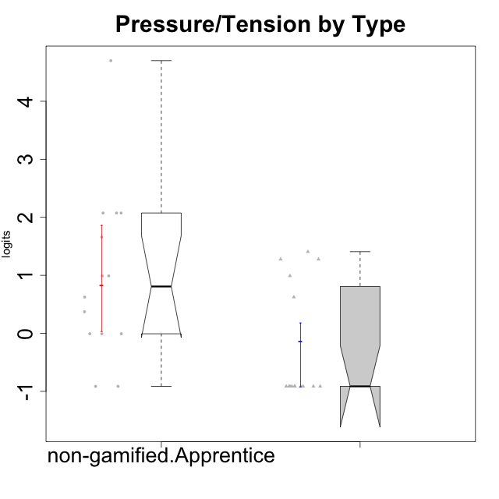

Wilcoxon data
UserID | NroUSP | Type | CLGroup | CLRole | PlayerRole | Score | theta | error | Outfit | Infit | Pressure/Tension
10170 | 10260351 | ont-gamified | Grupo Afrodite | Apprentice | Yee Achiever | 0 | -0.91363027987 | 1.2544702689 | 0.13518323511 | 0.14871670759 | -0.91363027987
10171 | 698531 | non-gamified | Grupo Team 6 | Apprentice |  | 1 | -0.0073696712261 | 0.71391090705 | 0.29927102569 | 0.32141555299 | -0.0073696712261
10176 | 10276949 | ont-gamified | Grupo Cronus | Apprentice | Yee Achiever | 7 | 1.2769315148 | 0.3825003822 | 0.044715837236 | 0.047497603565 | 1.2769315148
10178 | 8656201 | ont-gamified | Grupo Morfeu | Apprentice | Yee Socializer | 5 | 0.99020355854 | 0.41416600448 | 0.66908596919 | 0.5855817628 | 0.99020355854
10183 | 10352030 | ont-gamified | Grupo Hélio | Apprentice | Yee Socializer | 7 | 1.2769315148 | 0.3825003822 | 0.098427461565 | 0.10943149213 | 1.2769315148
10185 | 10276960 | non-gamified | Grupo Team 12 | Apprentice |  | 5 | 0.99020355854 | 0.41416600448 | 0.38337183149 | 0.39338700654 | 0.99020355854
10186 | 10310551 | ont-gamified | Grupo Ares | Apprentice | Yee Achiever | 8 | 1.4068182928 | 0.37554881416 | 0.38877846949 | 0.30082434336 | 1.4068182928
10187 | 9790781 | non-gamified | Grupo Team 15 | Apprentice |  | 10 | 1.6580383299 | 0.37629638543 | 1.921483238 | 1.9371068226 | 1.6580383299
10190 | 10276907 | ont-gamified | Grupo Zeus | Apprentice | Yee Socializer | 3 | 0.62480349003 | 0.48784017818 | 0.14795891864 | 0.099967301932 | 0.62480349003
10192 | 10276682 | non-gamified | Grupo Team 5 | Apprentice |  | 0 | -0.91363027987 | 1.2544702689 | 0.13518323511 | 0.14871670759 | -0.91363027987
10195 | 10351971 | ont-gamified | Grupo Urano | Apprentice | Yee Achiever | 0 | -0.91363027987 | 1.2544702689 | 0.13518323511 | 0.14871670759 | -0.91363027987
10196 | 10310655 | ont-gamified | Grupo Hefesto | Apprentice | Yee Achiever | 0 | -0.91363027987 | 1.2544702689 | 0.13518323511 | 0.14871670759 | -0.91363027987
10197 | 10276661 | ont-gamified | Grupo Gaia | Apprentice | Yee Achiever | 0 | -0.91363027987 | 1.2544702689 | 0.13518323511 | 0.14871670759 | -0.91363027987
10198 | 10310888 | ont-gamified | Grupo Apolo | Apprentice | Yee Socializer | 0 | -0.91363027987 | 1.2544702689 | 0.13518323511 | 0.14871670759 | -0.91363027987
10200 | 9795272 | ont-gamified | Grupo Hades | Apprentice | Yee Socializer | 0 | -0.91363027987 | 1.2544702689 | 0.13518323511 | 0.14871670759 | -0.91363027987
10202 | 10277036 | non-gamified | Grupo Team 11 | Apprentice |  | 18 | 4.6995047582 | 1.5415985898 | 0.11930024209 | 0.1470745944 | 4.6995047582
10203 | 9921470 | non-gamified | Grupo Team 3 | Apprentice |  | 1 | -0.0073696712261 | 0.71391090705 | 0.31606906168 | 0.34778420192 | -0.0073696712261
10208 | 10276932 | non-gamified | Grupo Team 7 | Apprentice |  | 3 | 0.62480349003 | 0.48784017818 | 1.1624506001 | 1.3501145418 | 0.62480349003
10209 | 10262669 | ont-gamified | Grupo Artemis | Apprentice | Yee Achiever | 0 | -0.91363027987 | 1.2544702689 | 0.13518323511 | 0.14871670759 | -0.91363027987
10210 | 10277015 | non-gamified | Grupo Team 9 | Apprentice |  | 13 | 2.0744710307 | 0.42341083151 | 0.8729630508 | 1.0010377506 | 2.0744710307
10220 | 9760151 | non-gamified | Grupo Team 2 | Apprentice |  | 0 | -0.91363027987 | 1.2544702689 | 0.13518323511 | 0.14871670759 | -0.91363027987
10221 | 9082496 | ont-gamified | Grupo Hermes | Apprentice | Yee Achiever | 0 | -0.91363027987 | 1.2544702689 | 0.13518323511 | 0.14871670759 | -0.91363027987
10224 | 9368772 | non-gamified | Grupo Team 10 | Apprentice |  | 2 | 0.37211775447 | 0.56274203478 | 1.4005409259 | 1.2489655533 | 0.37211775447
10227 | 9274382 | non-gamified | Grupo Team 4 | Apprentice |  | 13 | 2.0744710307 | 0.42341083151 | 0.20467941694 | 0.23499029947 | 2.0744710307
10228 | 10310492 | non-gamified | Grupo Team 14 | Apprentice |  | 5 | 0.99020355854 | 0.41416600448 | 1.1383608631 | 0.98302156146 | 0.99020355854
10231 | 10276911 | ont-gamified | Grupo Caronte | Apprentice | Yee Achiever | 0 | -0.91363027987 | 1.2544702689 | 0.13518323511 | 0.14871670759 | -0.91363027987
10233 | 9805320 | non-gamified | Grupo Team 16 | Apprentice |  | 1 | -0.0073696712261 | 0.71391090705 | 0.60234011796 | 0.57548963556 | -0.0073696712261
10238 | 10276953 | non-gamified | Grupo Team 13 | Apprentice |  | 13 | 2.0744710307 | 0.42341083151 | 0.8729630508 | 1.0010377506 | 2.0744710307
10240 | 10276654 | ont-gamified | Grupo Hera | Apprentice | Yee Achiever | 0 | -0.91363027987 | 1.2544702689 | 0.13518323511 | 0.14871670759 | -0.91363027987

Type_CLRole_3
Wilcoxon Analysis for Pressure/Tension by Type in Type:CLRole between non-gamified.Apprentice:ont-gamified.Master

Wilcoxon test results
Alternative hypothesis: less
Group | N | Median | Mean.Ranks | Sum.Ranks | U | Z | p.value | r | magnitude
non-gamified.Apprentice | 14 | 0.80750352429 | 16.571428571 | 232 | 127 | 0.97085886908 | 0.83501059068 | 0.18028396602 | small
ont-gamified.Master | 15 | 0.8224933278 | 13.533333333 | 203 | 127 | 0.97085886908 | 0.83501059068 | 0.18028396602 | small
Alternative hypothesis: greater
Group | N | Median | Mean.Ranks | Sum.Ranks | U | Z | p.value | r | magnitude
non-gamified.Apprentice | 14 | 0.80750352429 | 16.571428571 | 232 | 127 | 0.97085886908 | 0.17133453397 | 0.18028396602 | small
ont-gamified.Master | 15 | 0.8224933278 | 13.533333333 | 203 | 127 | 0.97085886908 | 0.17133453397 | 0.18028396602 | small
Alternative hypothesis: two.sided
Group | N | Median | Mean.Ranks | Sum.Ranks | U | Z | p.value | r | magnitude
non-gamified.Apprentice | 14 | 0.80750352429 | 16.571428571 | 232 | 127 | 0.97085886908 | 0.34206770454 | 0.18028396602 | small
ont-gamified.Master | 15 | 0.8224933278 | 13.533333333 | 203 | 127 | 0.97085886908 | 0.34206770454 | 0.18028396602 | small

Box plots for wilcoxon tests
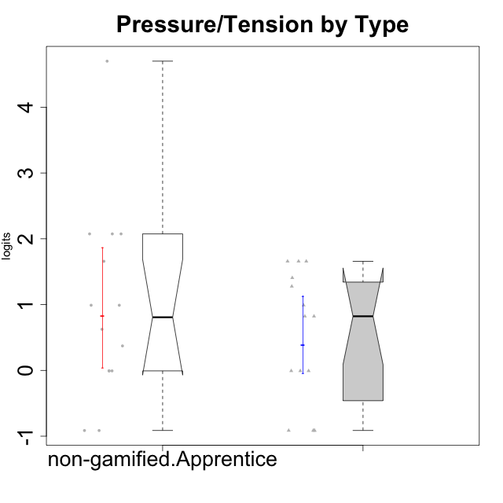

Wilcoxon data
UserID | NroUSP | Type | CLGroup | CLRole | PlayerRole | Score | theta | error | Outfit | Infit | Pressure/Tension
10169 | 10377538 | ont-gamified | Grupo Hefesto | Master | Yee Achiever | 4 | 0.8224933278 | 0.44313362798 | 0.89588790768 | 1.0628854613 | 0.8224933278
10171 | 698531 | non-gamified | Grupo Team 6 | Apprentice |  | 1 | -0.0073696712261 | 0.71391090705 | 0.29927102569 | 0.32141555299 | -0.0073696712261
10174 | 10276852 | ont-gamified | Grupo Urano | Master | Yee Achiever | 1 | -0.0073696712261 | 0.71391090705 | 0.29927102569 | 0.32141555299 | -0.0073696712261
10175 | 10310700 | ont-gamified | Grupo Hélio | Master | Yee Socializer | 0 | -0.91363027987 | 1.2544702689 | 0.13518323511 | 0.14871670759 | -0.91363027987
10184 | 10276675 | ont-gamified | Grupo Apolo | Master | Yee Socializer | 5 | 0.99020355854 | 0.41416600448 | 0.52804415397 | 0.49682222186 | 0.99020355854
10185 | 10276960 | non-gamified | Grupo Team 12 | Apprentice |  | 5 | 0.99020355854 | 0.41416600448 | 0.38337183149 | 0.39338700654 | 0.99020355854
10187 | 9790781 | non-gamified | Grupo Team 15 | Apprentice |  | 10 | 1.6580383299 | 0.37629638543 | 1.921483238 | 1.9371068226 | 1.6580383299
10189 | 9363926 | ont-gamified | Grupo Hades | Master | Yee Socializer | 10 | 1.6580383299 | 0.37629638543 | 1.136474305 | 1.0961302499 | 1.6580383299
10192 | 10276682 | non-gamified | Grupo Team 5 | Apprentice |  | 0 | -0.91363027987 | 1.2544702689 | 0.13518323511 | 0.14871670759 | -0.91363027987
10193 | 10276762 | ont-gamified | Grupo Afrodite | Master | Yee Achiever | 1 | -0.0073696712261 | 0.71391090705 | 0.29927102569 | 0.32141555299 | -0.0073696712261
10199 | 10276737 | ont-gamified | Grupo Gaia | Master | Yee Achiever | 7 | 1.2769315148 | 0.3825003822 | 1.7930972251 | 1.8978642633 | 1.2769315148
10201 | 10276928 | ont-gamified | Grupo Caronte | Master | Yee Achiever | 4 | 0.8224933278 | 0.44313362798 | 0.9022552939 | 0.61805882261 | 0.8224933278
10202 | 10277036 | non-gamified | Grupo Team 11 | Apprentice |  | 18 | 4.6995047582 | 1.5415985898 | 0.11930024209 | 0.1470745944 | 4.6995047582
10203 | 9921470 | non-gamified | Grupo Team 3 | Apprentice |  | 1 | -0.0073696712261 | 0.71391090705 | 0.31606906168 | 0.34778420192 | -0.0073696712261
10204 | 10310471 | ont-gamified | Grupo Hermes | Master | Yee Achiever | 0 | -0.91363027987 | 1.2544702689 | 0.13518323511 | 0.14871670759 | -0.91363027987
10206 | 10310721 | ont-gamified | Grupo Hera | Master | Yee Achiever | 10 | 1.6580383299 | 0.37629638543 | 0.42473874083 | 0.46405369806 | 1.6580383299
10208 | 10276932 | non-gamified | Grupo Team 7 | Apprentice |  | 3 | 0.62480349003 | 0.48784017818 | 1.1624506001 | 1.3501145418 | 0.62480349003
10210 | 10277015 | non-gamified | Grupo Team 9 | Apprentice |  | 13 | 2.0744710307 | 0.42341083151 | 0.8729630508 | 1.0010377506 | 2.0744710307
10213 | 10277040 | ont-gamified | Grupo Morfeu | Master | Yee Socializer | 0 | -0.91363027987 | 1.2544702689 | 0.13518323511 | 0.14871670759 | -0.91363027987
10215 | 9285227 | ont-gamified | Grupo Zeus | Master | Yee Socializer | 0 | -0.91363027987 | 1.2544702689 | 0.13518323511 | 0.14871670759 | -0.91363027987
10218 | 9842913 | ont-gamified | Grupo Ares | Master | Yee Achiever | 10 | 1.6580383299 | 0.37629638543 | 0.22680658482 | 0.1979387028 | 1.6580383299
10220 | 9760151 | non-gamified | Grupo Team 2 | Apprentice |  | 0 | -0.91363027987 | 1.2544702689 | 0.13518323511 | 0.14871670759 | -0.91363027987
10223 | 9795185 | ont-gamified | Grupo Cronus | Master | Yee Achiever | 1 | -0.0073696712261 | 0.71391090705 | 0.31606906168 | 0.34778420192 | -0.0073696712261
10224 | 9368772 | non-gamified | Grupo Team 10 | Apprentice |  | 2 | 0.37211775447 | 0.56274203478 | 1.4005409259 | 1.2489655533 | 0.37211775447
10227 | 9274382 | non-gamified | Grupo Team 4 | Apprentice |  | 13 | 2.0744710307 | 0.42341083151 | 0.20467941694 | 0.23499029947 | 2.0744710307
10228 | 10310492 | non-gamified | Grupo Team 14 | Apprentice |  | 5 | 0.99020355854 | 0.41416600448 | 1.1383608631 | 0.98302156146 | 0.99020355854
10232 | 10276974 | ont-gamified | Grupo Artemis | Master | Yee Achiever | 8 | 1.4068182928 | 0.37554881416 | 1.4454385613 | 1.7848631549 | 1.4068182928
10233 | 9805320 | non-gamified | Grupo Team 16 | Apprentice |  | 1 | -0.0073696712261 | 0.71391090705 | 0.60234011796 | 0.57548963556 | -0.0073696712261
10238 | 10276953 | non-gamified | Grupo Team 13 | Apprentice |  | 13 | 2.0744710307 | 0.42341083151 | 0.8729630508 | 1.0010377506 | 2.0744710307

Type_CLRole_4
Wilcoxon Analysis for Pressure/Tension by Type in Type:CLRole between non-gamified.Master:ont-gamified.Apprentice

Wilcoxon test results
Alternative hypothesis: less
Group | N | Median | Mean.Ranks | Sum.Ranks | U | Z | p.value | r | magnitude
non-gamified.Master | 16 | 0.18237404162 | 17.875 | 286 | 150 | 1.2604912807 | 0.89651451447 | 0.22639091718 | small
ont-gamified.Apprentice | 15 | -0.91363027987 | 14 | 210 | 150 | 1.2604912807 | 0.89651451447 | 0.22639091718 | small
Alternative hypothesis: greater
Group | N | Median | Mean.Ranks | Sum.Ranks | U | Z | p.value | r | magnitude
non-gamified.Master | 16 | 0.18237404162 | 17.875 | 286 | 150 | 1.2604912807 | 0.10698887382 | 0.22639091718 | small
ont-gamified.Apprentice | 15 | -0.91363027987 | 14 | 210 | 150 | 1.2604912807 | 0.10698887382 | 0.22639091718 | small
Alternative hypothesis: two.sided
Group | N | Median | Mean.Ranks | Sum.Ranks | U | Z | p.value | r | magnitude
non-gamified.Master | 16 | 0.18237404162 | 17.875 | 286 | 150 | 1.2604912807 | 0.21383340421 | 0.22639091718 | small
ont-gamified.Apprentice | 15 | -0.91363027987 | 14 | 210 | 150 | 1.2604912807 | 0.21383340421 | 0.22639091718 | small

Box plots for wilcoxon tests
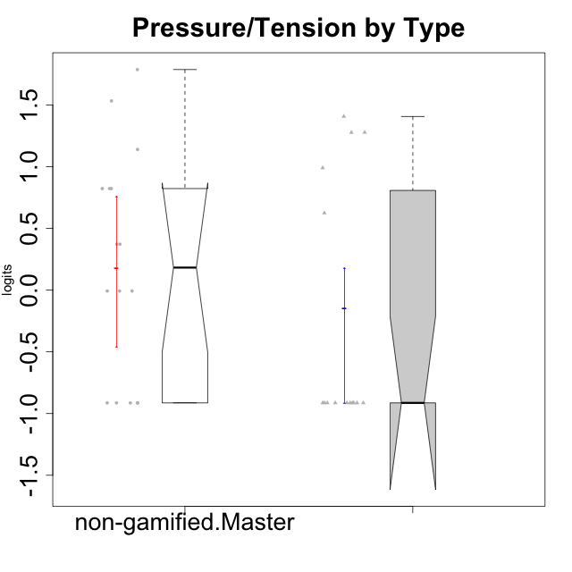

Wilcoxon data
UserID | NroUSP | Type | CLGroup | CLRole | PlayerRole | Score | theta | error | Outfit | Infit | Pressure/Tension
10170 | 10260351 | ont-gamified | Grupo Afrodite | Apprentice | Yee Achiever | 0 | -0.91363027987 | 1.2544702689 | 0.13518323511 | 0.14871670759 | -0.91363027987
10172 | 10273971 | non-gamified | Grupo Team 1 | Master |  | 0 | -0.91363027987 | 1.2544702689 | 0.13518323511 | 0.14871670759 | -0.91363027987
10176 | 10276949 | ont-gamified | Grupo Cronus | Apprentice | Yee Achiever | 7 | 1.2769315148 | 0.3825003822 | 0.044715837236 | 0.047497603565 | 1.2769315148
10178 | 8656201 | ont-gamified | Grupo Morfeu | Apprentice | Yee Socializer | 5 | 0.99020355854 | 0.41416600448 | 0.66908596919 | 0.5855817628 | 0.99020355854
10179 | 10310759 | non-gamified | Grupo Team 9 | Master |  | 4 | 0.8224933278 | 0.44313362798 | 0.13052643912 | 0.13332236348 | 0.8224933278
10181 | 10276866 | non-gamified | Grupo Team 10 | Master |  | 0 | -0.91363027987 | 1.2544702689 | 0.13518323511 | 0.14871670759 | -0.91363027987
10183 | 10352030 | ont-gamified | Grupo Hélio | Apprentice | Yee Socializer | 7 | 1.2769315148 | 0.3825003822 | 0.098427461565 | 0.10943149213 | 1.2769315148
10186 | 10310551 | ont-gamified | Grupo Ares | Apprentice | Yee Achiever | 8 | 1.4068182928 | 0.37554881416 | 0.38877846949 | 0.30082434336 | 1.4068182928
10188 | 10276995 | non-gamified | Grupo Team 3 | Master |  | 2 | 0.37211775447 | 0.56274203478 | 0.5300649541 | 0.43844401892 | 0.37211775447
10190 | 10276907 | ont-gamified | Grupo Zeus | Apprentice | Yee Socializer | 3 | 0.62480349003 | 0.48784017818 | 0.14795891864 | 0.099967301932 | 0.62480349003
10191 | 10276981 | non-gamified | Grupo Team 6 | Master |  | 1 | -0.0073696712261 | 0.71391090705 | 0.31606906168 | 0.34778420192 | -0.0073696712261
10195 | 10351971 | ont-gamified | Grupo Urano | Apprentice | Yee Achiever | 0 | -0.91363027987 | 1.2544702689 | 0.13518323511 | 0.14871670759 | -0.91363027987
10196 | 10310655 | ont-gamified | Grupo Hefesto | Apprentice | Yee Achiever | 0 | -0.91363027987 | 1.2544702689 | 0.13518323511 | 0.14871670759 | -0.91363027987
10197 | 10276661 | ont-gamified | Grupo Gaia | Apprentice | Yee Achiever | 0 | -0.91363027987 | 1.2544702689 | 0.13518323511 | 0.14871670759 | -0.91363027987
10198 | 10310888 | ont-gamified | Grupo Apolo | Apprentice | Yee Socializer | 0 | -0.91363027987 | 1.2544702689 | 0.13518323511 | 0.14871670759 | -0.91363027987
10200 | 9795272 | ont-gamified | Grupo Hades | Apprentice | Yee Socializer | 0 | -0.91363027987 | 1.2544702689 | 0.13518323511 | 0.14871670759 | -0.91363027987
10209 | 10262669 | ont-gamified | Grupo Artemis | Apprentice | Yee Achiever | 0 | -0.91363027987 | 1.2544702689 | 0.13518323511 | 0.14871670759 | -0.91363027987
10211 | 9311643 | non-gamified | Grupo Team 2 | Master |  | 4 | 0.8224933278 | 0.44313362798 | 0.74028403184 | 0.81413996777 | 0.8224933278
10212 | 9065750 | non-gamified | Grupo Team 4 | Master |  | 6 | 1.1395172339 | 0.39490899035 | 0.37284019938 | 0.4514377096 | 1.1395172339
10214 | 10277022 | non-gamified | Grupo Team 5 | Master |  | 4 | 0.8224933278 | 0.44313362798 | 0.74175776929 | 0.86572088394 | 0.8224933278
10216 | 10276720 | non-gamified | Grupo Team 15 | Master |  | 1 | -0.0073696712261 | 0.71391090705 | 0.86553927984 | 0.65963129297 | -0.0073696712261
10217 | 9805341 | non-gamified | Grupo Team 13 | Master |  | 0 | -0.91363027987 | 1.2544702689 | 0.13518323511 | 0.14871670759 | -0.91363027987
10219 | 10276831 | non-gamified | Grupo Team 12 | Master |  | 0 | -0.91363027987 | 1.2544702689 | 0.13518323511 | 0.14871670759 | -0.91363027987
10221 | 9082496 | ont-gamified | Grupo Hermes | Apprentice | Yee Achiever | 0 | -0.91363027987 | 1.2544702689 | 0.13518323511 | 0.14871670759 | -0.91363027987
10222 | 9436110 | non-gamified | Grupo Team 16 | Master |  | 11 | 1.7865507753 | 0.38453347232 | 0.25846639808 | 0.19477501472 | 1.7865507753
10226 | 10310342 | non-gamified | Grupo Team 8 | Master |  | 2 | 0.37211775447 | 0.56274203478 | 1.4005409259 | 1.2489655533 | 0.37211775447
10230 | 10351992 | non-gamified | Grupo Team 14 | Master |  | 9 | 1.5327201225 | 0.37348141547 | 1.5340119862 | 1.7519094711 | 1.5327201225
10231 | 10276911 | ont-gamified | Grupo Caronte | Apprentice | Yee Achiever | 0 | -0.91363027987 | 1.2544702689 | 0.13518323511 | 0.14871670759 | -0.91363027987
10234 | 10310676 | non-gamified | Grupo Team 7 | Master |  | 1 | -0.0073696712261 | 0.71391090705 | 0.86553927984 | 0.65963129297 | -0.0073696712261
10237 | 10377688 | non-gamified | Grupo Team 11 | Master |  | 0 | -0.91363027987 | 1.2544702689 | 0.13518323511 | 0.14871670759 | -0.91363027987
10240 | 10276654 | ont-gamified | Grupo Hera | Apprentice | Yee Achiever | 0 | -0.91363027987 | 1.2544702689 | 0.13518323511 | 0.14871670759 | -0.91363027987

Type_CLRole_5
Wilcoxon Analysis for Pressure/Tension by Type in Type:CLRole between non-gamified.Master:ont-gamified.Master

Wilcoxon test results
Alternative hypothesis: less
Group | N | Median | Mean.Ranks | Sum.Ranks | U | Z | p.value | r | magnitude
non-gamified.Master | 16 | 0.18237404162 | 14.84375 | 237.5 | 101.5 | -0.74491827919 | 0.23356375343 | 0.13379127252 | small
ont-gamified.Master | 15 | 0.8224933278 | 17.233333333 | 258.5 | 101.5 | -0.74491827919 | 0.23356375343 | 0.13379127252 | small
Alternative hypothesis: greater
Group | N | Median | Mean.Ranks | Sum.Ranks | U | Z | p.value | r | magnitude
non-gamified.Master | 16 | 0.18237404162 | 14.84375 | 237.5 | 101.5 | -0.74491827919 | 0.77181216642 | 0.13379127252 | small
ont-gamified.Master | 15 | 0.8224933278 | 17.233333333 | 258.5 | 101.5 | -0.74491827919 | 0.77181216642 | 0.13379127252 | small
Alternative hypothesis: two.sided
Group | N | Median | Mean.Ranks | Sum.Ranks | U | Z | p.value | r | magnitude
non-gamified.Master | 16 | 0.18237404162 | 14.84375 | 237.5 | 101.5 | -0.74491827919 | 0.46669042389 | 0.13379127252 | small
ont-gamified.Master | 15 | 0.8224933278 | 17.233333333 | 258.5 | 101.5 | -0.74491827919 | 0.46669042389 | 0.13379127252 | small

Box plots for wilcoxon tests
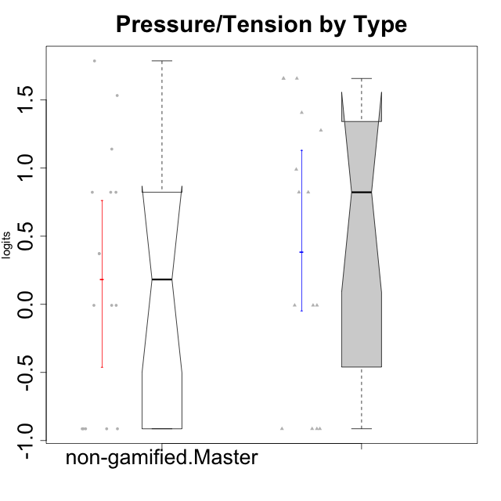

Wilcoxon data
UserID | NroUSP | Type | CLGroup | CLRole | PlayerRole | Score | theta | error | Outfit | Infit | Pressure/Tension
10169 | 10377538 | ont-gamified | Grupo Hefesto | Master | Yee Achiever | 4 | 0.8224933278 | 0.44313362798 | 0.89588790768 | 1.0628854613 | 0.8224933278
10172 | 10273971 | non-gamified | Grupo Team 1 | Master |  | 0 | -0.91363027987 | 1.2544702689 | 0.13518323511 | 0.14871670759 | -0.91363027987
10174 | 10276852 | ont-gamified | Grupo Urano | Master | Yee Achiever | 1 | -0.0073696712261 | 0.71391090705 | 0.29927102569 | 0.32141555299 | -0.0073696712261
10175 | 10310700 | ont-gamified | Grupo Hélio | Master | Yee Socializer | 0 | -0.91363027987 | 1.2544702689 | 0.13518323511 | 0.14871670759 | -0.91363027987
10179 | 10310759 | non-gamified | Grupo Team 9 | Master |  | 4 | 0.8224933278 | 0.44313362798 | 0.13052643912 | 0.13332236348 | 0.8224933278
10181 | 10276866 | non-gamified | Grupo Team 10 | Master |  | 0 | -0.91363027987 | 1.2544702689 | 0.13518323511 | 0.14871670759 | -0.91363027987
10184 | 10276675 | ont-gamified | Grupo Apolo | Master | Yee Socializer | 5 | 0.99020355854 | 0.41416600448 | 0.52804415397 | 0.49682222186 | 0.99020355854
10188 | 10276995 | non-gamified | Grupo Team 3 | Master |  | 2 | 0.37211775447 | 0.56274203478 | 0.5300649541 | 0.43844401892 | 0.37211775447
10189 | 9363926 | ont-gamified | Grupo Hades | Master | Yee Socializer | 10 | 1.6580383299 | 0.37629638543 | 1.136474305 | 1.0961302499 | 1.6580383299
10191 | 10276981 | non-gamified | Grupo Team 6 | Master |  | 1 | -0.0073696712261 | 0.71391090705 | 0.31606906168 | 0.34778420192 | -0.0073696712261
10193 | 10276762 | ont-gamified | Grupo Afrodite | Master | Yee Achiever | 1 | -0.0073696712261 | 0.71391090705 | 0.29927102569 | 0.32141555299 | -0.0073696712261
10199 | 10276737 | ont-gamified | Grupo Gaia | Master | Yee Achiever | 7 | 1.2769315148 | 0.3825003822 | 1.7930972251 | 1.8978642633 | 1.2769315148
10201 | 10276928 | ont-gamified | Grupo Caronte | Master | Yee Achiever | 4 | 0.8224933278 | 0.44313362798 | 0.9022552939 | 0.61805882261 | 0.8224933278
10204 | 10310471 | ont-gamified | Grupo Hermes | Master | Yee Achiever | 0 | -0.91363027987 | 1.2544702689 | 0.13518323511 | 0.14871670759 | -0.91363027987
10206 | 10310721 | ont-gamified | Grupo Hera | Master | Yee Achiever | 10 | 1.6580383299 | 0.37629638543 | 0.42473874083 | 0.46405369806 | 1.6580383299
10211 | 9311643 | non-gamified | Grupo Team 2 | Master |  | 4 | 0.8224933278 | 0.44313362798 | 0.74028403184 | 0.81413996777 | 0.8224933278
10212 | 9065750 | non-gamified | Grupo Team 4 | Master |  | 6 | 1.1395172339 | 0.39490899035 | 0.37284019938 | 0.4514377096 | 1.1395172339
10213 | 10277040 | ont-gamified | Grupo Morfeu | Master | Yee Socializer | 0 | -0.91363027987 | 1.2544702689 | 0.13518323511 | 0.14871670759 | -0.91363027987
10214 | 10277022 | non-gamified | Grupo Team 5 | Master |  | 4 | 0.8224933278 | 0.44313362798 | 0.74175776929 | 0.86572088394 | 0.8224933278
10215 | 9285227 | ont-gamified | Grupo Zeus | Master | Yee Socializer | 0 | -0.91363027987 | 1.2544702689 | 0.13518323511 | 0.14871670759 | -0.91363027987
10216 | 10276720 | non-gamified | Grupo Team 15 | Master |  | 1 | -0.0073696712261 | 0.71391090705 | 0.86553927984 | 0.65963129297 | -0.0073696712261
10217 | 9805341 | non-gamified | Grupo Team 13 | Master |  | 0 | -0.91363027987 | 1.2544702689 | 0.13518323511 | 0.14871670759 | -0.91363027987
10218 | 9842913 | ont-gamified | Grupo Ares | Master | Yee Achiever | 10 | 1.6580383299 | 0.37629638543 | 0.22680658482 | 0.1979387028 | 1.6580383299
10219 | 10276831 | non-gamified | Grupo Team 12 | Master |  | 0 | -0.91363027987 | 1.2544702689 | 0.13518323511 | 0.14871670759 | -0.91363027987
10222 | 9436110 | non-gamified | Grupo Team 16 | Master |  | 11 | 1.7865507753 | 0.38453347232 | 0.25846639808 | 0.19477501472 | 1.7865507753
10223 | 9795185 | ont-gamified | Grupo Cronus | Master | Yee Achiever | 1 | -0.0073696712261 | 0.71391090705 | 0.31606906168 | 0.34778420192 | -0.0073696712261
10226 | 10310342 | non-gamified | Grupo Team 8 | Master |  | 2 | 0.37211775447 | 0.56274203478 | 1.4005409259 | 1.2489655533 | 0.37211775447
10230 | 10351992 | non-gamified | Grupo Team 14 | Master |  | 9 | 1.5327201225 | 0.37348141547 | 1.5340119862 | 1.7519094711 | 1.5327201225
10232 | 10276974 | ont-gamified | Grupo Artemis | Master | Yee Achiever | 8 | 1.4068182928 | 0.37554881416 | 1.4454385613 | 1.7848631549 | 1.4068182928
10234 | 10310676 | non-gamified | Grupo Team 7 | Master |  | 1 | -0.0073696712261 | 0.71391090705 | 0.86553927984 | 0.65963129297 | -0.0073696712261
10237 | 10377688 | non-gamified | Grupo Team 11 | Master |  | 0 | -0.91363027987 | 1.2544702689 | 0.13518323511 | 0.14871670759 | -0.91363027987

Type_CLRole_6
Wilcoxon Analysis for Pressure/Tension by Type in Type:CLRole between ont-gamified.Apprentice:ont-gamified.Master

Wilcoxon test results
Alternative hypothesis: less
Group | N | Median | Mean.Ranks | Sum.Ranks | U | Z | p.value | r | magnitude
ont-gamified.Apprentice | 15 | -0.91363027987 | 12.6 | 189 | 69 | -1.9067321073 | 0.028298705394 | 0.3481200621 | medium
ont-gamified.Master | 15 | 0.8224933278 | 18.4 | 276 | 69 | -1.9067321073 | 0.028298705394 | 0.3481200621 | medium
Alternative hypothesis: greater
Group | N | Median | Mean.Ranks | Sum.Ranks | U | Z | p.value | r | magnitude
ont-gamified.Apprentice | 15 | -0.91363027987 | 12.6 | 189 | 69 | -1.9067321073 | 0.97268041676 | 0.3481200621 | medium
ont-gamified.Master | 15 | 0.8224933278 | 18.4 | 276 | 69 | -1.9067321073 | 0.97268041676 | 0.3481200621 | medium
Alternative hypothesis: two.sided
Group | N | Median | Mean.Ranks | Sum.Ranks | U | Z | p.value | r | magnitude
ont-gamified.Apprentice | 15 | -0.91363027987 | 12.6 | 189 | 69 | -1.9067321073 | 0.056597410789 | 0.3481200621 | medium
ont-gamified.Master | 15 | 0.8224933278 | 18.4 | 276 | 69 | -1.9067321073 | 0.056597410789 | 0.3481200621 | medium

Box plots for wilcoxon tests
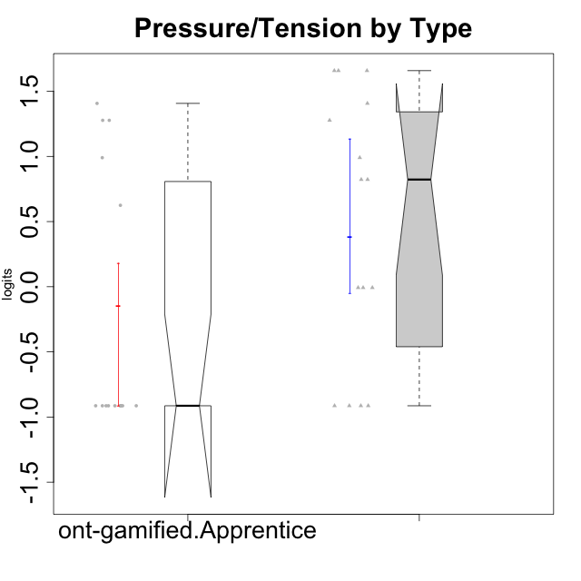

Wilcoxon data
UserID | NroUSP | Type | CLGroup | CLRole | PlayerRole | Score | theta | error | Outfit | Infit | Pressure/Tension
10169 | 10377538 | ont-gamified | Grupo Hefesto | Master | Yee Achiever | 4 | 0.8224933278 | 0.44313362798 | 0.89588790768 | 1.0628854613 | 0.8224933278
10170 | 10260351 | ont-gamified | Grupo Afrodite | Apprentice | Yee Achiever | 0 | -0.91363027987 | 1.2544702689 | 0.13518323511 | 0.14871670759 | -0.91363027987
10174 | 10276852 | ont-gamified | Grupo Urano | Master | Yee Achiever | 1 | -0.0073696712261 | 0.71391090705 | 0.29927102569 | 0.32141555299 | -0.0073696712261
10175 | 10310700 | ont-gamified | Grupo Hélio | Master | Yee Socializer | 0 | -0.91363027987 | 1.2544702689 | 0.13518323511 | 0.14871670759 | -0.91363027987
10176 | 10276949 | ont-gamified | Grupo Cronus | Apprentice | Yee Achiever | 7 | 1.2769315148 | 0.3825003822 | 0.044715837236 | 0.047497603565 | 1.2769315148
10178 | 8656201 | ont-gamified | Grupo Morfeu | Apprentice | Yee Socializer | 5 | 0.99020355854 | 0.41416600448 | 0.66908596919 | 0.5855817628 | 0.99020355854
10183 | 10352030 | ont-gamified | Grupo Hélio | Apprentice | Yee Socializer | 7 | 1.2769315148 | 0.3825003822 | 0.098427461565 | 0.10943149213 | 1.2769315148
10184 | 10276675 | ont-gamified | Grupo Apolo | Master | Yee Socializer | 5 | 0.99020355854 | 0.41416600448 | 0.52804415397 | 0.49682222186 | 0.99020355854
10186 | 10310551 | ont-gamified | Grupo Ares | Apprentice | Yee Achiever | 8 | 1.4068182928 | 0.37554881416 | 0.38877846949 | 0.30082434336 | 1.4068182928
10189 | 9363926 | ont-gamified | Grupo Hades | Master | Yee Socializer | 10 | 1.6580383299 | 0.37629638543 | 1.136474305 | 1.0961302499 | 1.6580383299
10190 | 10276907 | ont-gamified | Grupo Zeus | Apprentice | Yee Socializer | 3 | 0.62480349003 | 0.48784017818 | 0.14795891864 | 0.099967301932 | 0.62480349003
10193 | 10276762 | ont-gamified | Grupo Afrodite | Master | Yee Achiever | 1 | -0.0073696712261 | 0.71391090705 | 0.29927102569 | 0.32141555299 | -0.0073696712261
10195 | 10351971 | ont-gamified | Grupo Urano | Apprentice | Yee Achiever | 0 | -0.91363027987 | 1.2544702689 | 0.13518323511 | 0.14871670759 | -0.91363027987
10196 | 10310655 | ont-gamified | Grupo Hefesto | Apprentice | Yee Achiever | 0 | -0.91363027987 | 1.2544702689 | 0.13518323511 | 0.14871670759 | -0.91363027987
10197 | 10276661 | ont-gamified | Grupo Gaia | Apprentice | Yee Achiever | 0 | -0.91363027987 | 1.2544702689 | 0.13518323511 | 0.14871670759 | -0.91363027987
10198 | 10310888 | ont-gamified | Grupo Apolo | Apprentice | Yee Socializer | 0 | -0.91363027987 | 1.2544702689 | 0.13518323511 | 0.14871670759 | -0.91363027987
10199 | 10276737 | ont-gamified | Grupo Gaia | Master | Yee Achiever | 7 | 1.2769315148 | 0.3825003822 | 1.7930972251 | 1.8978642633 | 1.2769315148
10200 | 9795272 | ont-gamified | Grupo Hades | Apprentice | Yee Socializer | 0 | -0.91363027987 | 1.2544702689 | 0.13518323511 | 0.14871670759 | -0.91363027987
10201 | 10276928 | ont-gamified | Grupo Caronte | Master | Yee Achiever | 4 | 0.8224933278 | 0.44313362798 | 0.9022552939 | 0.61805882261 | 0.8224933278
10204 | 10310471 | ont-gamified | Grupo Hermes | Master | Yee Achiever | 0 | -0.91363027987 | 1.2544702689 | 0.13518323511 | 0.14871670759 | -0.91363027987
10206 | 10310721 | ont-gamified | Grupo Hera | Master | Yee Achiever | 10 | 1.6580383299 | 0.37629638543 | 0.42473874083 | 0.46405369806 | 1.6580383299
10209 | 10262669 | ont-gamified | Grupo Artemis | Apprentice | Yee Achiever | 0 | -0.91363027987 | 1.2544702689 | 0.13518323511 | 0.14871670759 | -0.91363027987
10213 | 10277040 | ont-gamified | Grupo Morfeu | Master | Yee Socializer | 0 | -0.91363027987 | 1.2544702689 | 0.13518323511 | 0.14871670759 | -0.91363027987
10215 | 9285227 | ont-gamified | Grupo Zeus | Master | Yee Socializer | 0 | -0.91363027987 | 1.2544702689 | 0.13518323511 | 0.14871670759 | -0.91363027987
10218 | 9842913 | ont-gamified | Grupo Ares | Master | Yee Achiever | 10 | 1.6580383299 | 0.37629638543 | 0.22680658482 | 0.1979387028 | 1.6580383299
10221 | 9082496 | ont-gamified | Grupo Hermes | Apprentice | Yee Achiever | 0 | -0.91363027987 | 1.2544702689 | 0.13518323511 | 0.14871670759 | -0.91363027987
10223 | 9795185 | ont-gamified | Grupo Cronus | Master | Yee Achiever | 1 | -0.0073696712261 | 0.71391090705 | 0.31606906168 | 0.34778420192 | -0.0073696712261
10231 | 10276911 | ont-gamified | Grupo Caronte | Apprentice | Yee Achiever | 0 | -0.91363027987 | 1.2544702689 | 0.13518323511 | 0.14871670759 | -0.91363027987
10232 | 10276974 | ont-gamified | Grupo Artemis | Master | Yee Achiever | 8 | 1.4068182928 | 0.37554881416 | 1.4454385613 | 1.7848631549 | 1.4068182928
10240 | 10276654 | ont-gamified | Grupo Hera | Apprentice | Yee Achiever | 0 | -0.91363027987 | 1.2544702689 | 0.13518323511 | 0.14871670759 | -0.91363027987

